Figure 1J
Wt PSA
Thr¹⁶³ PSA
Vector

Figure 2B
Wt PSA
Thr¹⁶³ PSA
Ala¹⁹⁵ PSA
Vector
Replicate 1

Replicate 2

Replicate 3

Figure 2E
Replicate 1
Thr¹⁶³ PSA
Ala¹⁹⁵ PSA
shKLK3+ Vector
Wt PSA
Replicate 2
Replicate 3

Figure 2H
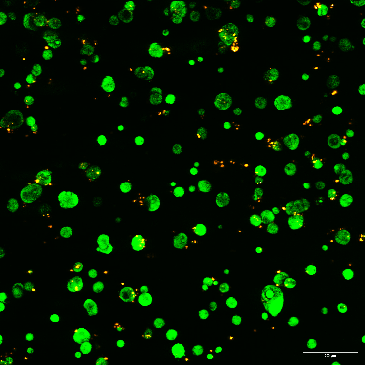
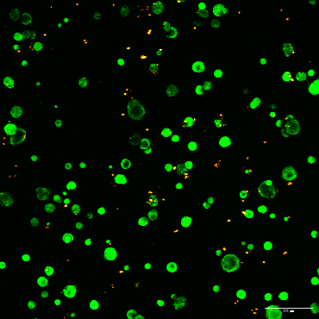
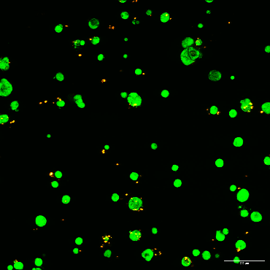
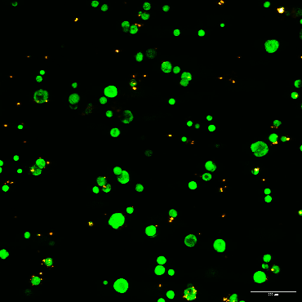
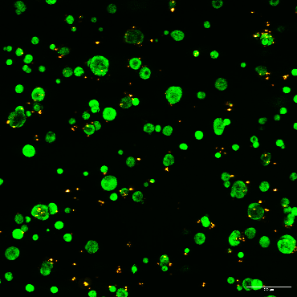
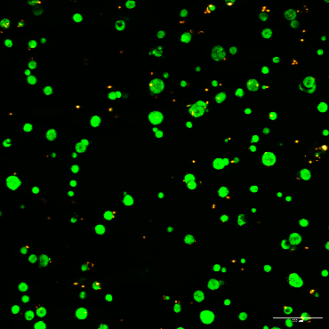
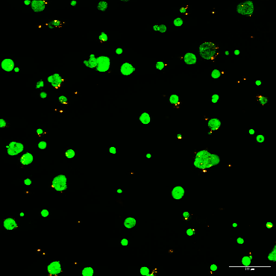
Wt PSA
Thr¹⁶³ PSA
Ala¹⁹⁵ PSA
Vector
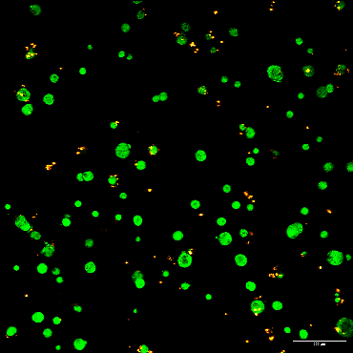
Replicate 1
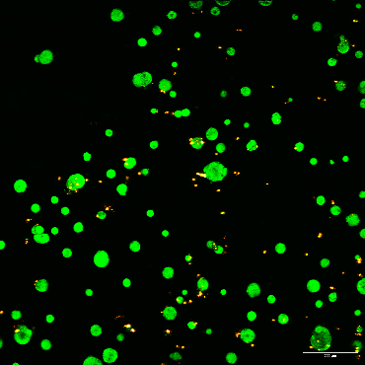
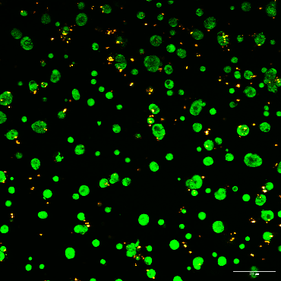
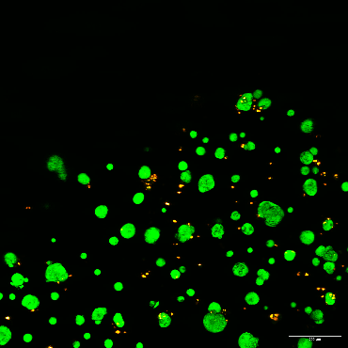

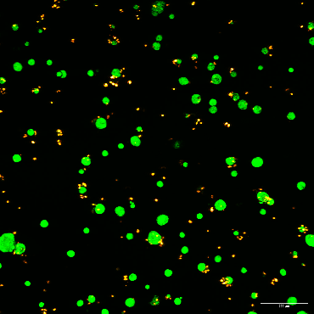
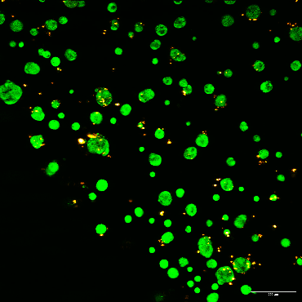
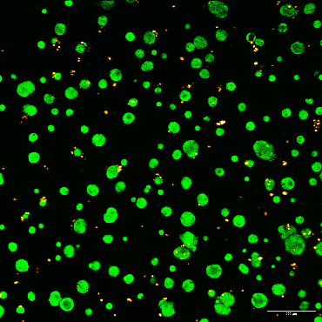
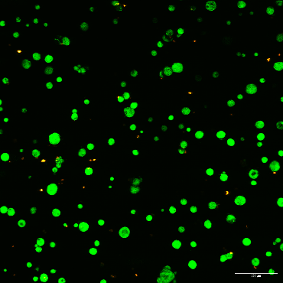

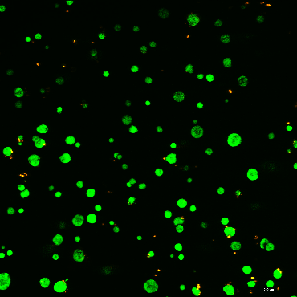
Replicate 2
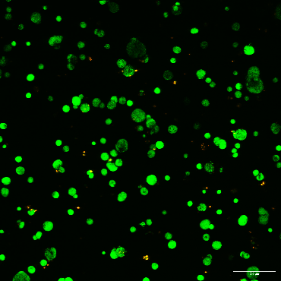
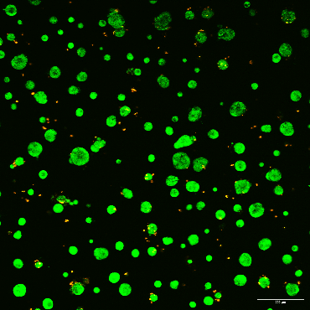
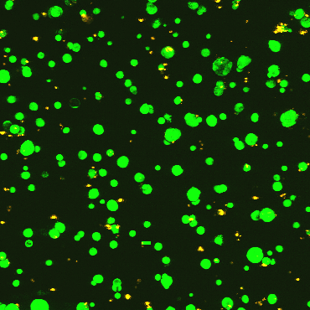

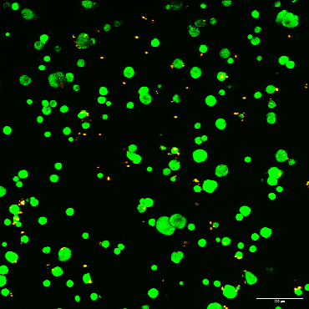
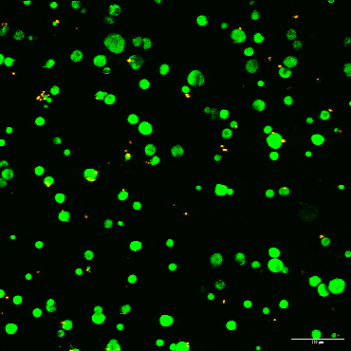
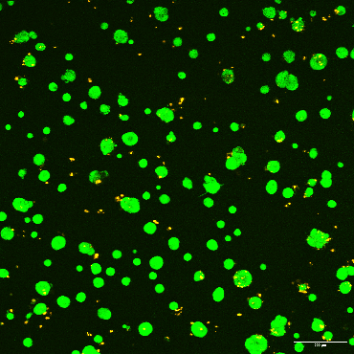
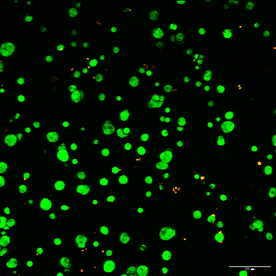

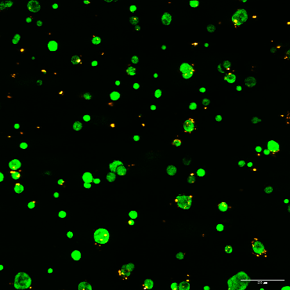
Replicate 3

Figure 2O
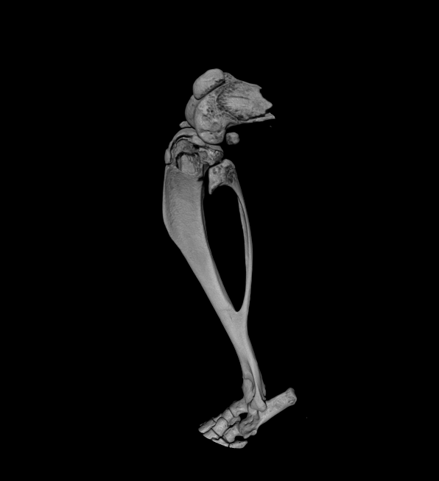
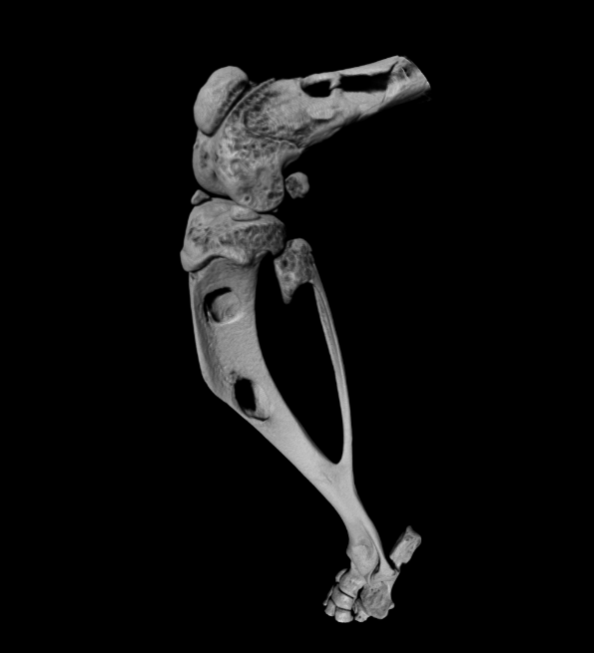
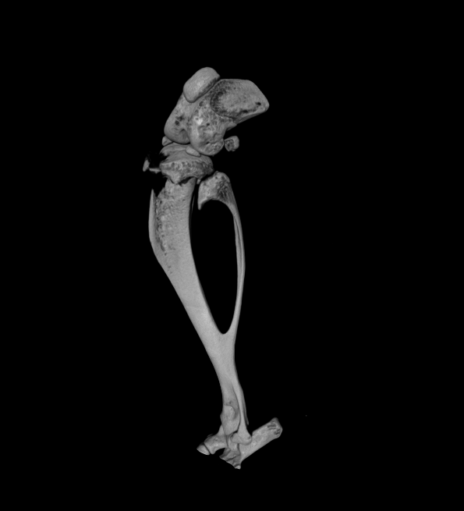
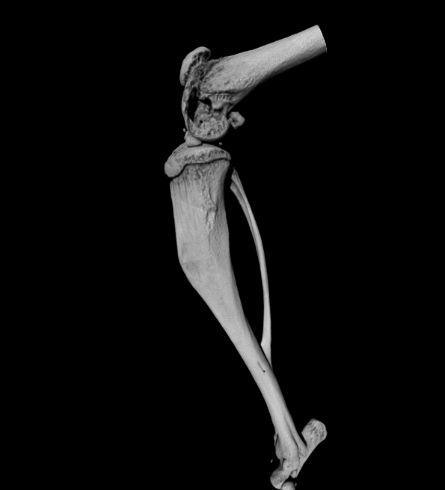
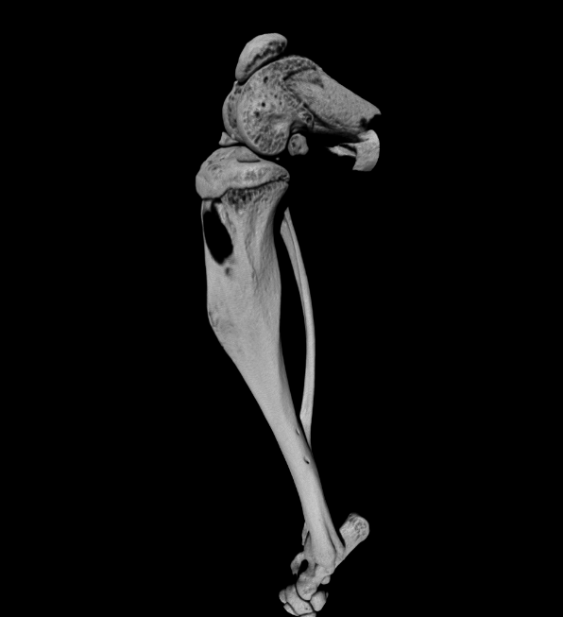
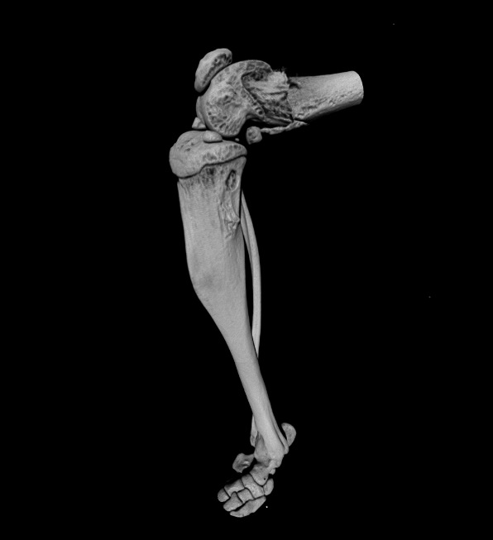
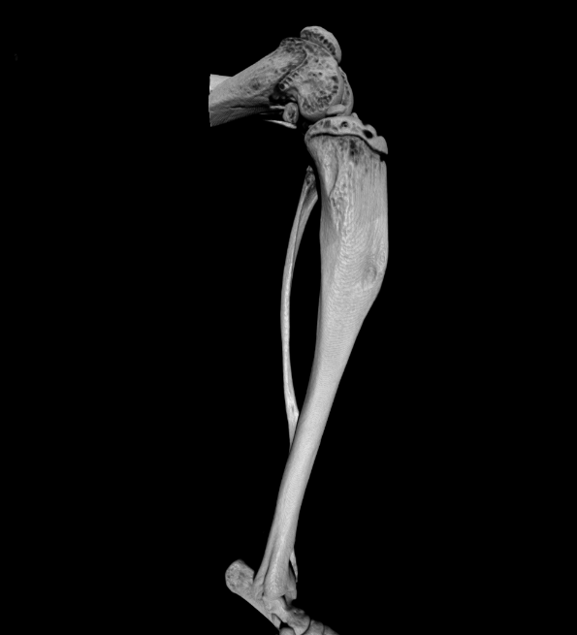
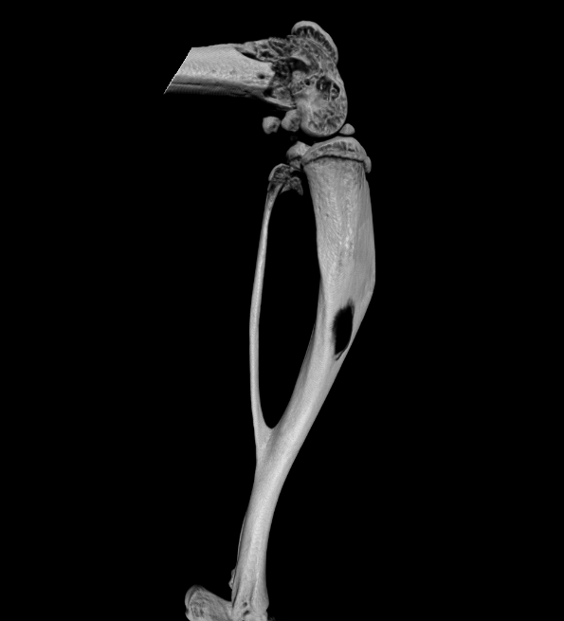
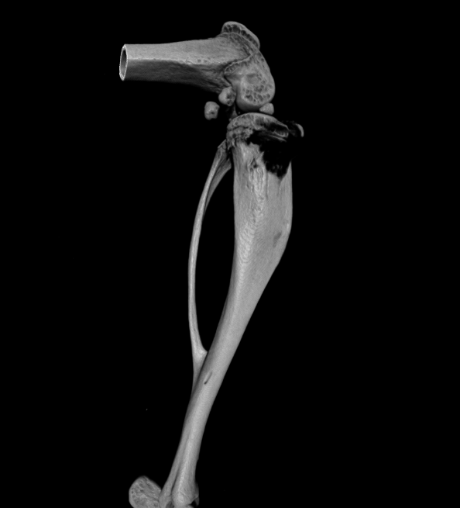
Wt PSA
Thr¹⁶³ PSA
Vector

Figure 2Q
Wt PSA
Thr163 PSA

Vector
Wt
Thr163
Vector
Wt
Thr163
Vector

Figure 3F
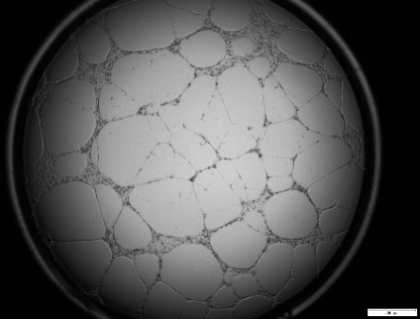
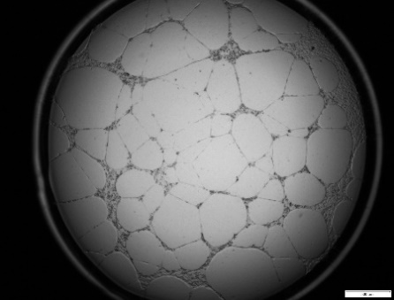
 | Wt PSA | Thr163 PSA | Ala195 PSA | Vector
Replicate 1 | 39.40428388 | 87.47166392 | 137.8643974 | 100
 | 33.32612667 | 119.0862449 | 94.43035279 | 100
Replicate 1
Replicate 2
 | 37.72908061 | 81.38222108 | 73.43642001 | 100
Wt PSA
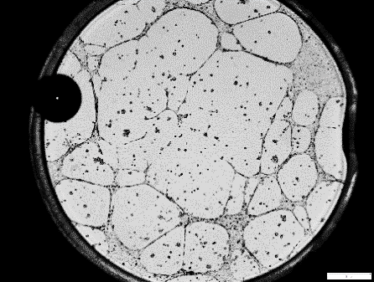
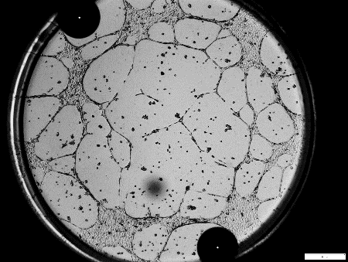
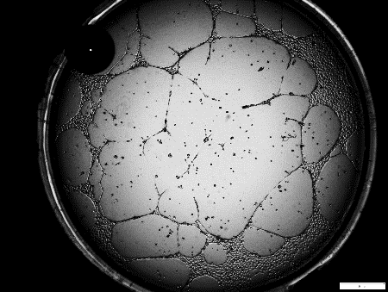
Replicate 2 | 36.51194458 | 69.43292332 | 133.0654299 | 100
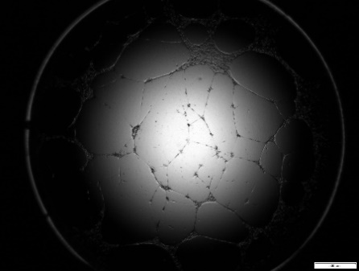
Wt PSA
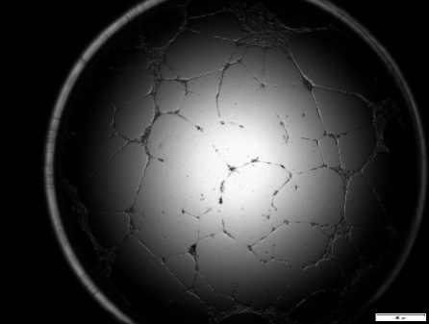
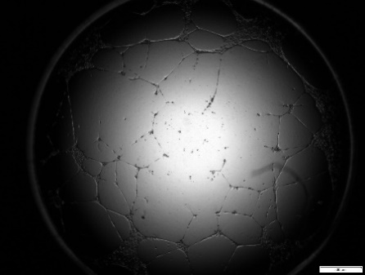
 | 52.79906689 | 116.4419094 | 76.30699225 | 100
 | 54.07298174 | 89.71354269 | 92.11176315 | 100

Thr163 PSA
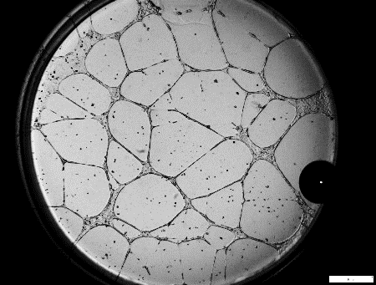
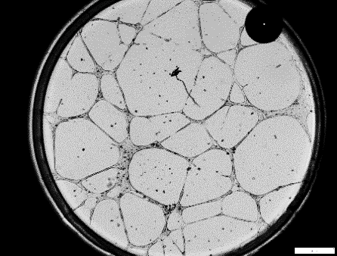
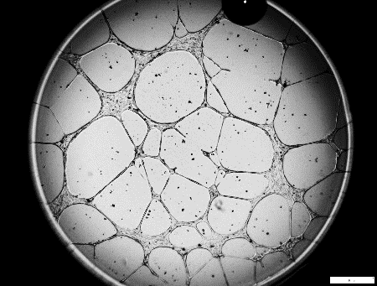
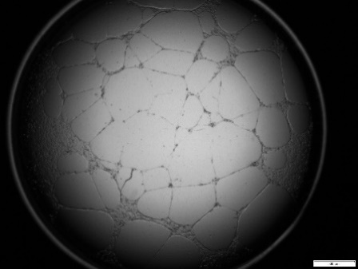
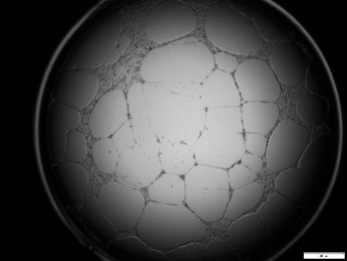
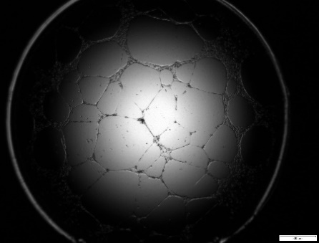
Thr163 PSA

Ala195 PSA
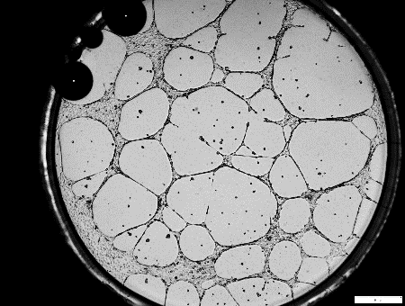
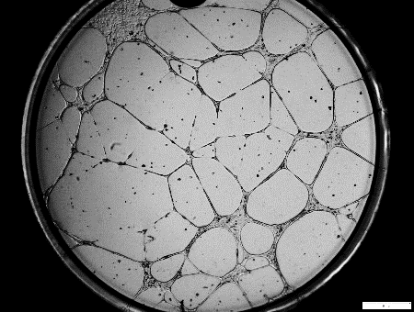
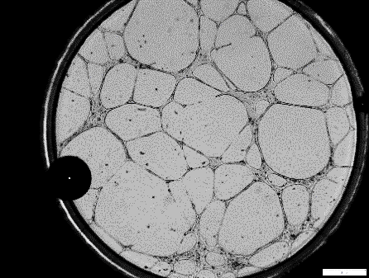
Ala195 PSA




Vector




Vector

Figure 4B
Replicate 1
 |  | 0 hr | 22 hr | Wt PSA |  | Thr163 PSA |  | Ala195 PSA
 | PSA | - | - | + | + | + | + | + | +
kDa
 | ACT | + | + | - | + | - | + | - | +

PSA-ACT complex ~92 kDa
PSA-cleaved ACT complex ~70 kDa

ACT 66 kDa
cleaved ACT product

Replicate 2

kDa
 |  |  | 0 hr | 22 hr | Wt PSA |  | Thr163 PSA |  | Ala195 PSA
 |  | PSA | - | - | + | + | + | + | + | +
 |  | ACT | + | + | - | + | - | + | - | +
75
PSA-ACT complex ~92 kDa
PSA-cleaved ACT complex ~70 kDa

ACT 66 kDa
50
cleaved ACT product
37

PSA 26 kDa
25

kDa
 |  |  | 0 hr | 22 hr | Wt PSA |  | Thr163 PSA |  | Ala195 PSA
Replicate 3 |  | PSA | - | - | + | + | + | + | + | +
 |  | ACT | + | + | - | + | - | + | - | +
PSA-ACT complex ~92 kDa
75
PSA-cleaved ACT complex ~70 kDa

50
ACT 66 kDa
cleaved ACT product

37

25
PSA 26 kDa

Figure 4C
[C] allele
[T] allele
[T] allele | [C] allele
7 | 6.5
7 | 4
7 | 4.5
6.5 | 6.5
7 | 3
7 | 6
4.5 | 4.5
c
6 | 4
5.5 | 4
5 | 6.5
 | 3.5
 | 6.5
 | 6

50507 PSA
Mann Whitney test
P value | 0.0134
Exact or approximate P value? | Exact
P value summary | *
Significantly different (P < 0.05)? | Yes
One- or two-tailed P value? | Two-tailed
Sum of ranks in column A,B | 159 , 117
Mann-Whitney U | 26
Blue (tumour), Orange (benign/ prostatic intraepithelial neoplasia (PIN))
Blue (tumour), Orange (benign/ prostatic intraepithelial neoplasia (PIN))

