Figure 6d
Figure 6d | Caspase3 activation +/- Dmr/inhibitors

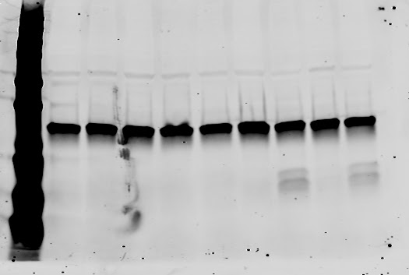

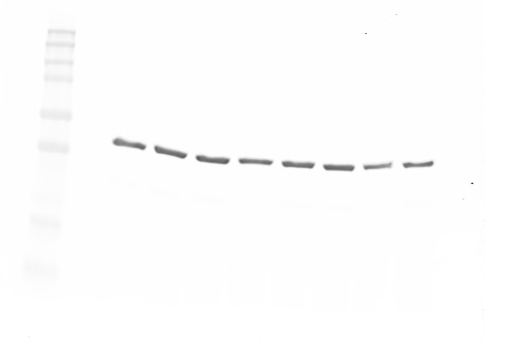
Anti-caspase 3 (High exposure) |  |  |  | Anti-caspase 3 (Low exposure) | Anti-actin

Ladder: | 250 | Wells: | Ladder
 | 150 |  | Untreated
 | 100 |  | Dmr 0.024nM
 | 75 |  | Dmr 0.12nM
 | 50 |  | DGAT1i
 | 37 |  | DGAT1i + Dmr 0.12nM
 | 25 |  | DGAT2i
 | 20 |  | DGAT2i + Dmr 0.12nM
 | 15 |  | DGAT1/2i
 | 10 |  | DGAT1/2i + Dmr 0.12nM

Figure 6g
Figure 6g | ATF4 expression +/- Dmr/inhibitors

Anti-ATF4 |  |  |  | Anti-actin
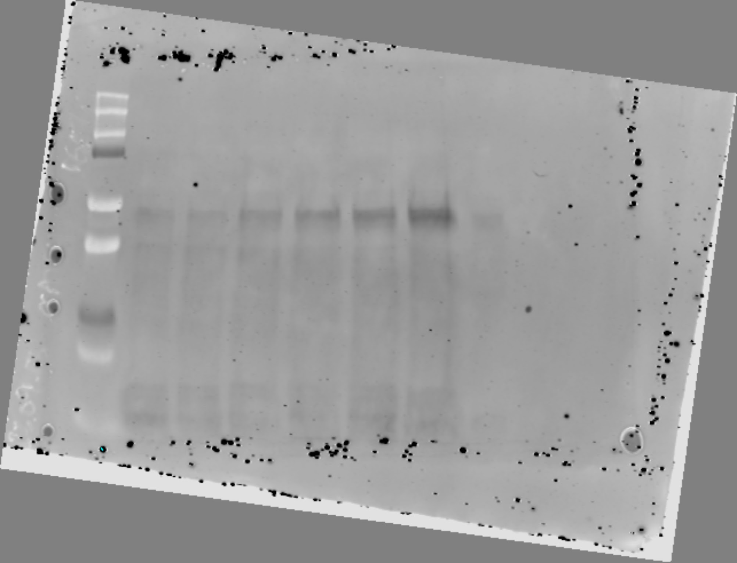
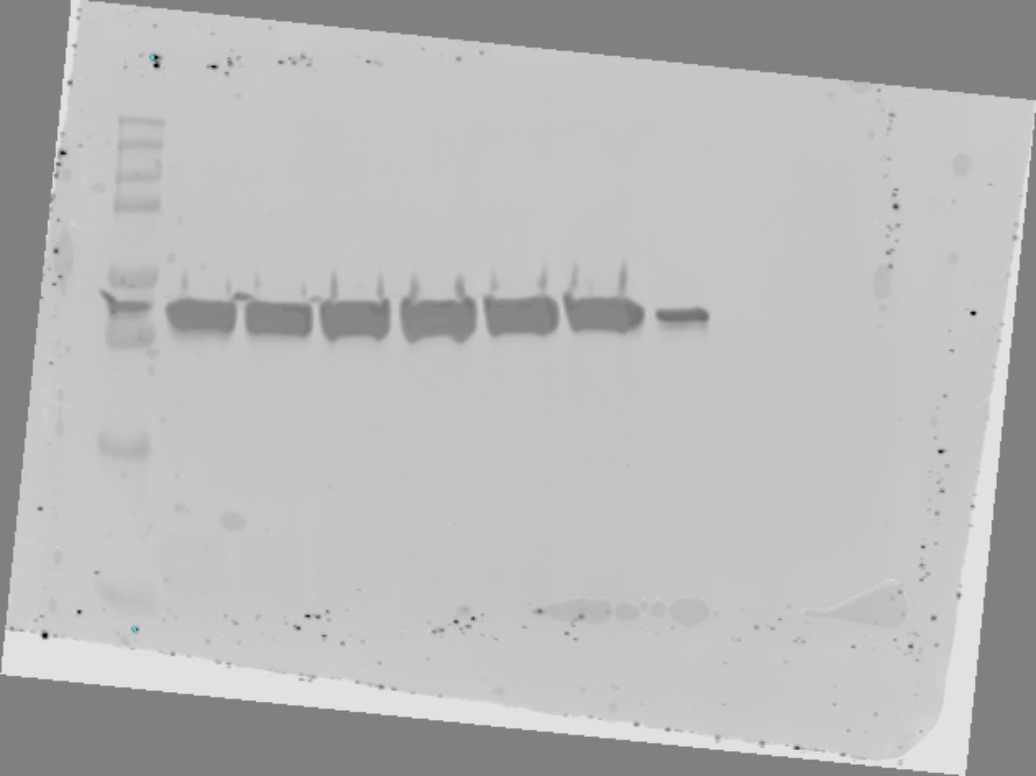

Ladder: | 250 | Wells: | Ladder
 | 150 |  | Untreated
 | 100 |  | DGAT1i
 | 75 |  | DGAT2i
 | 50 |  | Dmr 0.05nM
 | 37 |  | DGAT1i + Dmr 0.05nM
 | 25 |  | DGAT2i + Dmr 0.05nM
 | 20
 | 15

Supp Figure 1a
Supp Figure 1a ATF4, GADD34 and eIF1a protein

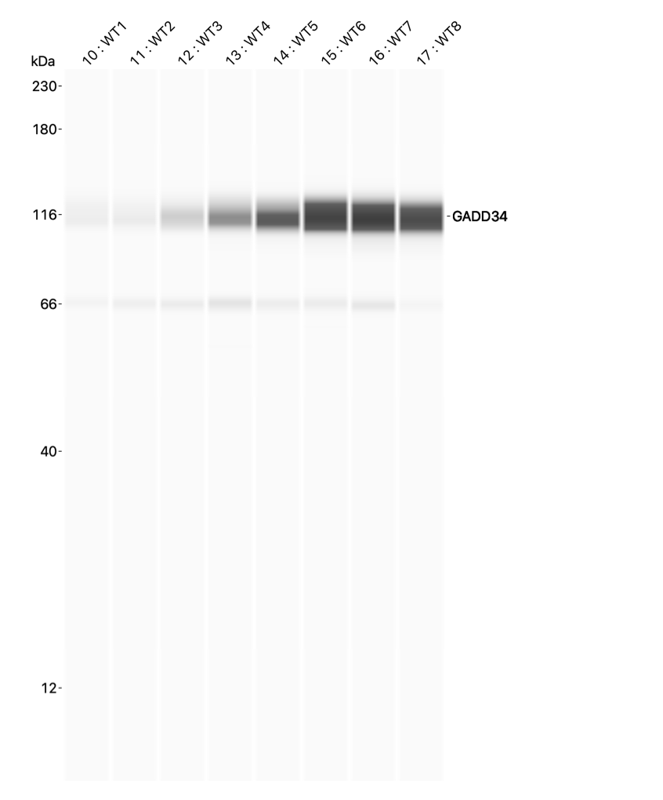
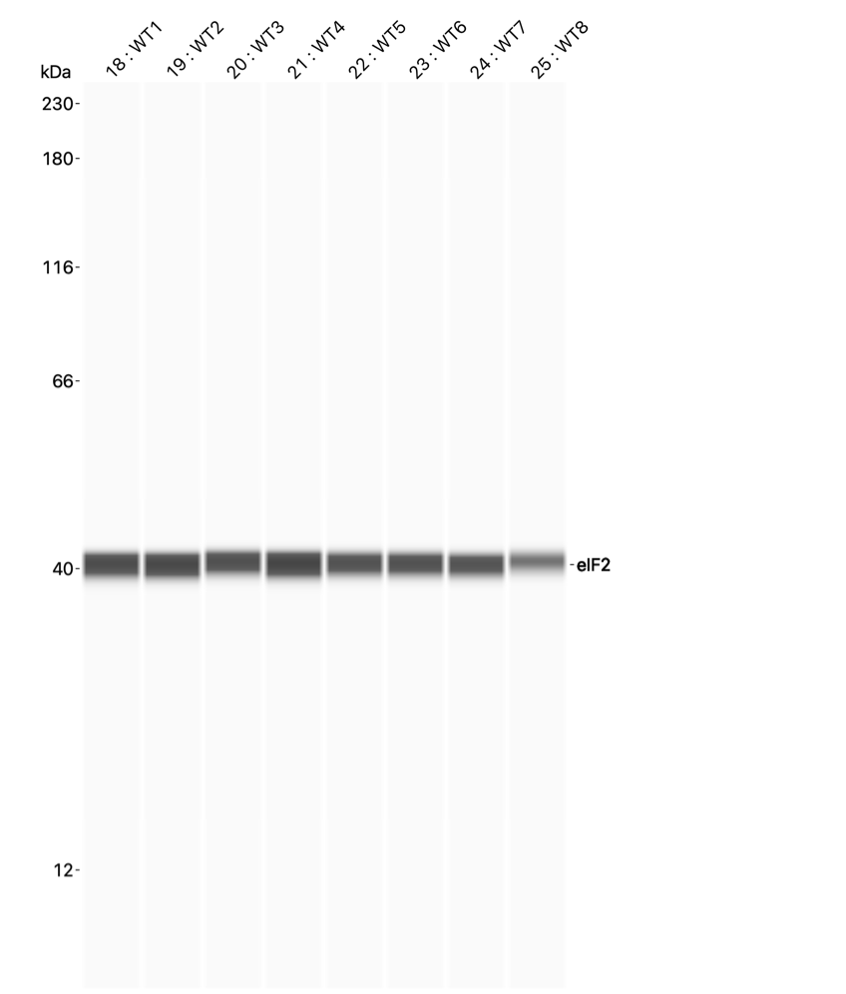
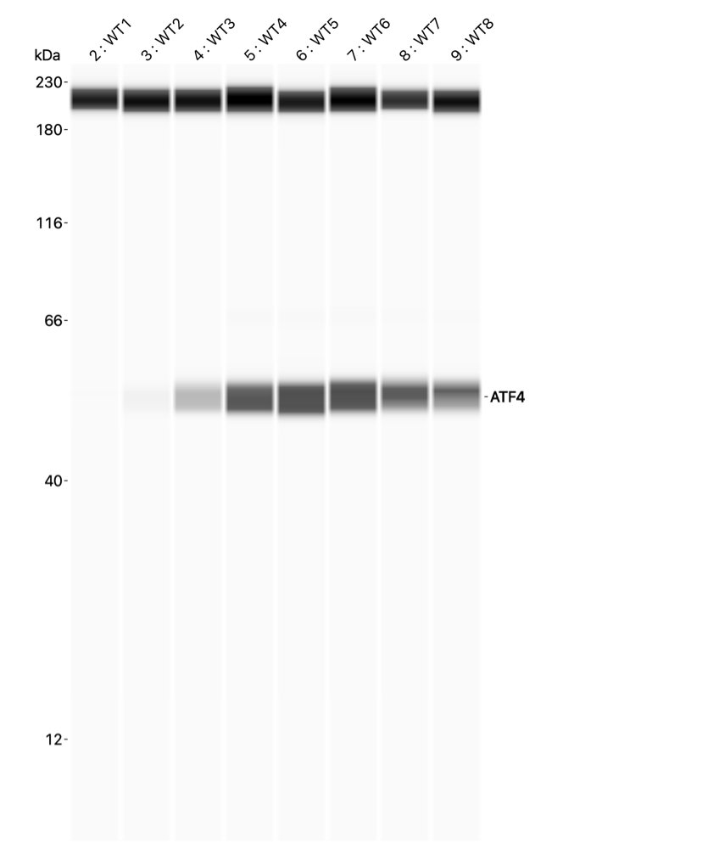
 | Dimerizer (nM)
WT1 | 0
WT2 | 0.01
WT3 | 0.04
WT4 | 0.195
WT5 | 0.78
WT6 | 3
WT7 | 12
WT8 | 50

Supp Figure 1c
Supp Figure 1c |  | ATF4 expression Dmr timecourse

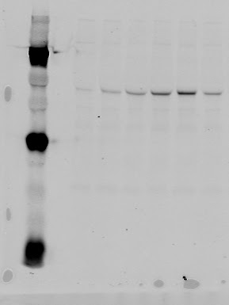
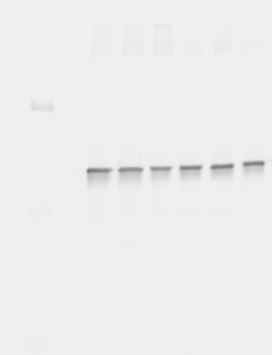
 | Anti-ATF4 |  |  |  | Anti-eIF2

Ladder: | 250 |  | Wells: | Ladder
 | 150 |  |  | 0h
 | 100 |  |  | 1h
 | 75 |  |  | 2h
 | 50 |  |  | 4h
 | 37 |  |  | 8h
 | 25 |  |  | 24h
 | 20
 | 15

Supp Figure 3a
Supp Figure 3a ATF4 protein in ATF4KO cells

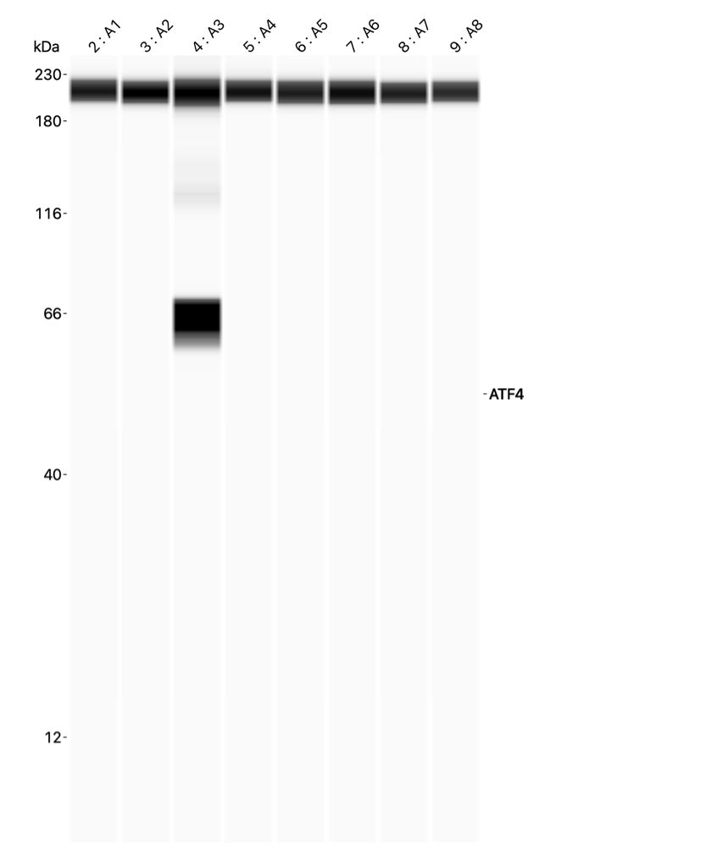
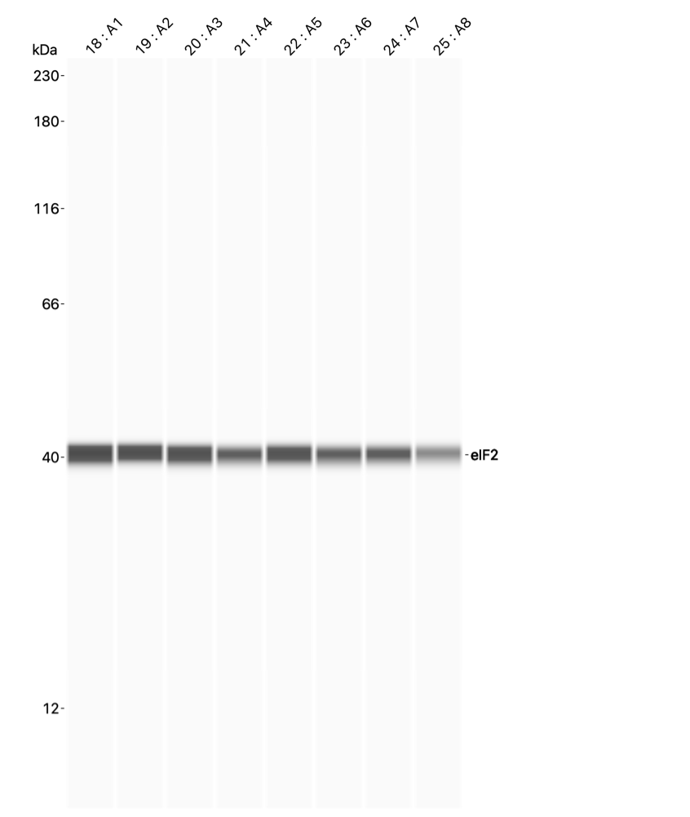
 | Dimerizer (nM)
A1 | 0
A2 | 0.01
A3 | 0.04
A4 | 0.195
A5 | 0.78
A6 | 3
A7 | 12
A8 | 50

Supp Figure 3c
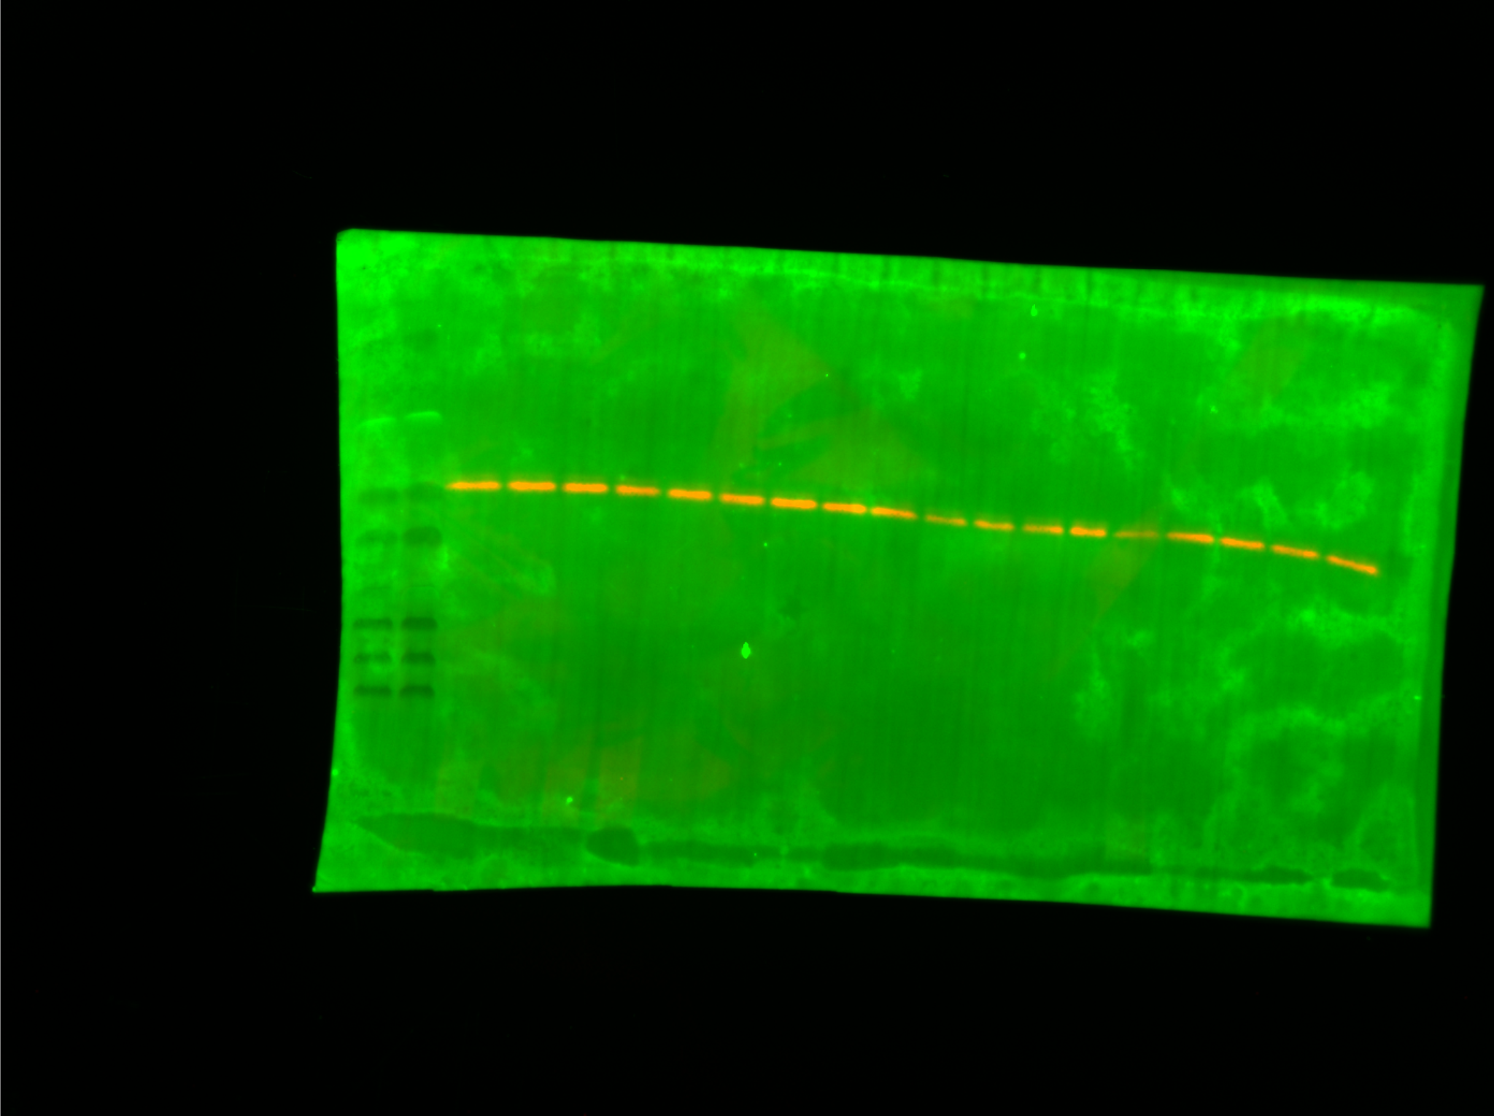
Supp Figure 3c Puromycin incorporation in WT and ATF4KO cells

 | WT |  |  | ATF4 KO
 | eIF2A | Puromycin | Normalized protein synthesis rate (eIF2a/Puro) | eIF2A | Puromycin | Normalized protein synthesis rate (eIF2a/Puro)
 | 12533040 | 103496.273 | 1 | 14213120 | 57774.474 | 1
 | 15501760 | 119933.968 | 0.93689929 | 11679840 | 52942.716 | 1.11512293
 | 15203440 | 74508.645 | 0.59346692 | 10525000 | 29480.604 | 0.68907691
 | 12174920 | 40252.361 | 0.40036579 | 6225360 | 10943.869 | 0.43247384
 | 13292840 | 17702.387 | 0.1612671 | 8110800 | 3457.803 | 0.10487935
 | 11854760 | 7886.362 | 0.0805593 | 9048080 | 508.87 | 0.01383579

 | Band quantified from eIF2A Western blot (WT lanes 1-6, ATF4 KO lanes 7-12)

Supp Figure 8f
Supp Figure 8f | Expression of phospho-S6K +/- Dmr

anti-phospho S6K |  |  |  |  | anti-total S6K
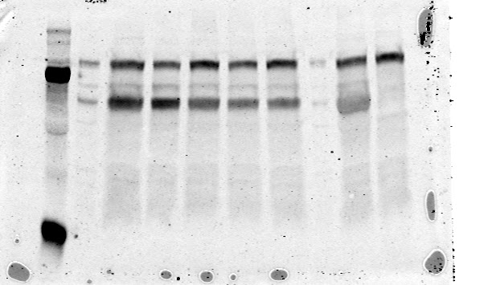
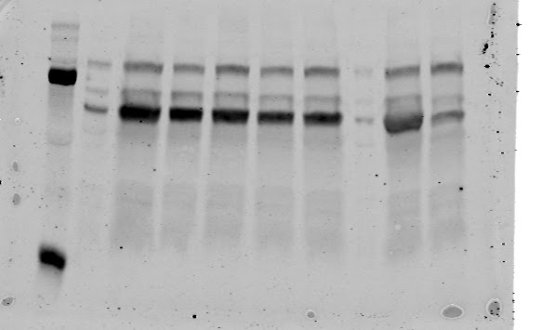

Ladder: | 250 | Well: | 0h | Dmr
 | 150 |  | 1h | Dmr
 | 100 |  | 2h | Dmr
 | 75 |  | 4h | Dmr
 | 50 |  | 8h | Dmr
 | 37 |  | empty
 | 25 |  | 0h | HBSS
 |  |  | 4h | HBSS

Supp Figure 10b
Supp Figure 10b | Caspase activation +/- Dmr +/- Inhibitors

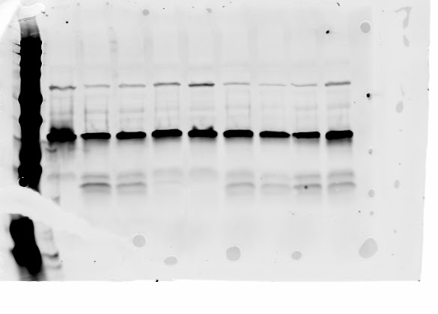

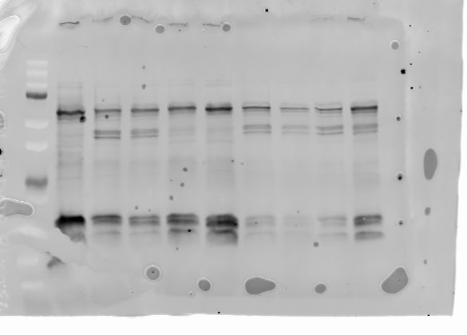

 | Anti-caspase 3 (high exposure) |  |  |  | Anti-caspase 3 (low exposure) | Anti-caspase 8 | Anti-actin

 | Ladder: | 250 | Well: | Untreated
 |  | 150 |  | Dmr 3nM
 |  | 100 |  | Dmr 0.6nM
 |  | 75 |  | Dmr 0.12nM
 |  | 50 |  | Dmr 0.024nM
 |  | 37 |  | Dmr 3nM + DGAT2i
 |  | 25 |  | Dmr 0.6nM + DGAT2i
 |  | 20 |  | Dmr 0.12nM + DGAT2i
 |  | 15 |  | Dmr 0.024nM + DGAT2i

Supp Figure 11a
Supp Figure 11a | Expression of eIF2Ba +/- knockdown

 | Anti-eIF2Ba |  |  |  | Anti-actin
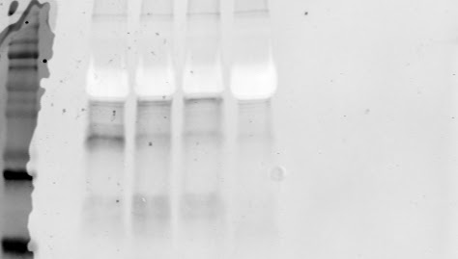
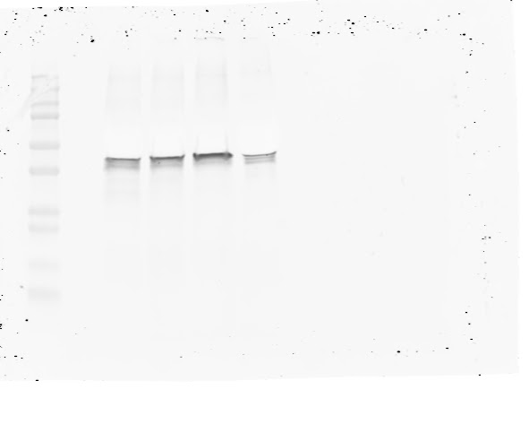

 | Ladder: | 250 | Wells: | non-targeting
 |  | 150 |  | siRNA #1
 |  | 100 |  | siRNA #2
 |  | 75 |  | siRNA #3
 |  | 50
 |  | 37
 |  | 25
 |  | 20
 |  | 15
 |  | 10

