Figure 1c
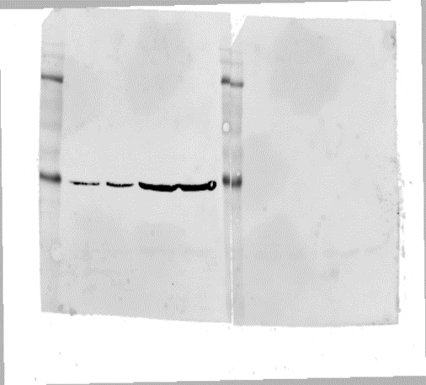
siScr
siETS1
ETS1 antibody
β-actin antibody
siScr
siETS1
50kD
Panel 1
42kD
Panel 3

siScr
siETS1
pro-caspase-1 antibody

50kD

Panel 2

Figure 1d
ERα antibody
ETS1 antibody

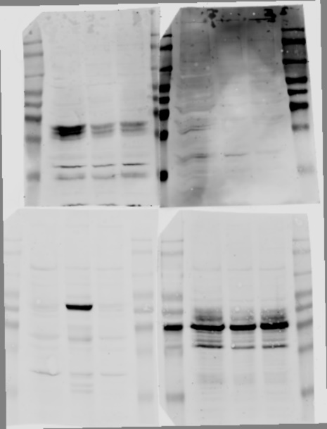
ERα
-
+
sh caspase-1
ERα
-
+
sh caspase-1
ERα
-
+
sh caspase-1
pro-caspase-1 antibody
66kD
50kD
Panel 1
Panel 2
Panel 3

ERα
-
+
sh caspase-1
β-actin antibody

50kD

42kD

Figure 1e
wild type
siScr
siERα
TMX2-28
ETS1+
ERα antibody
wild type
wild type
siScr
siERα
TMX2-28
ETS1+
ETS1 antibody
wild type
siScr
siERα
TMX2-28
ETS1+
β-actin antibody
wild type
siScr
siERα
TMX2-28
ETS1+
pro-caspase-1 antibody
50kD
Panel 1
Panel 2
Panel 3
Panel 4
50kD

66kD

50kD

Supplementary Figure 1c
Supplementary Figure 1c: caspase-1 mRNA
siscr | siERα | siscr | siERα
1.35 | 2.34466 | 1.12 | 3.479637
1 | 1.543073 | 1 | 2.374998
0.89 | 1.862873 | 0.92 | 2.264943

siScr
siERα
ERα antibody
siScr
siERα
pro-caspase-1 antibody
siScr
siERα
β-actin antibody

66kD
50kD
42kD

Supplementary Figure 1d
MCF7
Parental
TMX2-28
TMX3-2
TMX3-6
TMX3-11
MCF7
Parental
TMX2-28
TMX3-2
TMX3-6
TMX3-11
MCF7
Parental
TMX2-28
TMX3-2
TMX3-6
TMX3-11
β-actin antibody
pro-caspase-1 antibody
ERα antibody

66kD

42kD

50kD

Supplementary Figure 1f
ERα
-
+
MDA-MB231
sh caspase-1
ERα antibody
ERα
-
+
MDA-MB231
sh caspase-1
pro-caspase-1 antibody
ERα
-
+
MDA-MB231
sh caspase-1
ETS1 antibody
β-actin antibody
IL1β antibody
IL18 antibody
MDA-MB231
MDA-MB231
MDA-MB231
sh caspase-1
sh caspase-1
sh caspase-1

ERα
-
+
ERα
-
+
ERα
-
+

68kD
50kD
50kD
42kD
42kD
17kD
24kD

ERα antibody
pro-caspase-1 antibody
ETS1 antibody
β-actin antibody
HCC1143
HCC1143
HCC1143
HCC1143
ERα
-
+
ERα
-
+
-
ERα
+
ERα
-
+

66kD
50kD
50kD
42kD

Supplementary Figure 3a
ETS1 antibody
pro-caspase-1 antibody
β-actin antibody

KBP shETS1
KBP shETS1
KBP shETS1

dox
-
+
dox
-
+
dox
-
+

50kD
42kD
50kD

Supplementary Figure 3d
ERα antibody
pro-caspase-1 antibody
β-actin antibody

KBP
0
1.5µg
caspase-1 KO
3.0µg
ERα plasmid
KBP
0
1.5µg
caspase-1 KO
3.0µg
ERα plasmid
KBP
0
1.5µg
caspase-1 KO
3.0µg
ERα plasmid

50kD
66kD
42kD

Supplementary Figure 5a
ERα antibody
ETS1 antibody
pro-caspase-1 antibody
β-actin antibody
ERα overexpression
ERα overexpression
ERα overexpression
ERα overexpression
wild type
wild type
wild type
wild type

50kD
66kD
42kD
50kD

Supplementary Figure 5b
pro-caspase-1 antibody
β-actin antibody
KBP
KBP
caspase-1 KO
caspase-1 KO
wild type
wild type

50kD
42kD

Supplementary Figure 5d
IL1β antibody
KBP
wild type
IL1β KO

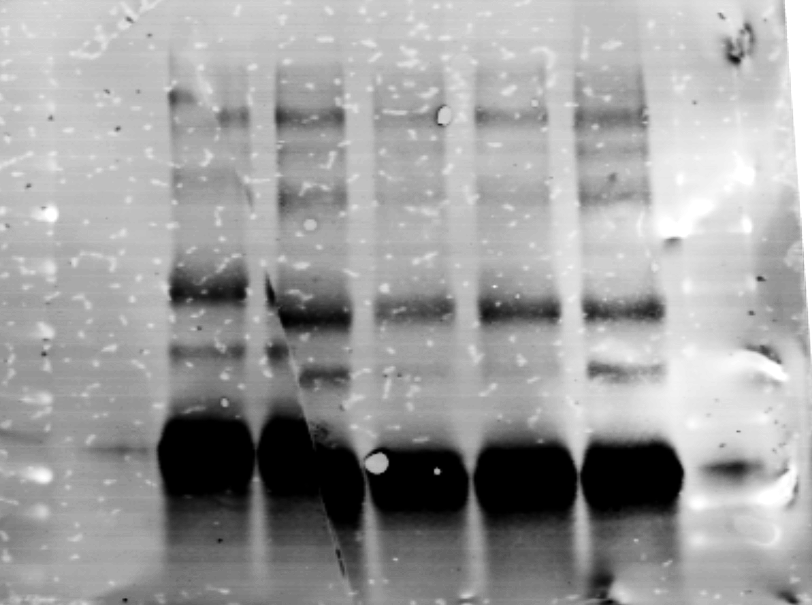

17kD

