Fig. 5d
Days | WT |  |  |  |  |  |  |  |  | PTEN KO
9 | 4 | 4 | 4 | 0 | 4 | 0 | 4 | 0 | 0 | 56 | 256 | 171.5 | 137.3125 | 256 | 144 | 162 | 256 | 364.5 | P-value for day 16
10 | 4 | 32 | 13.5 | 0 | 4 | 0 | 4 | 0 | 4 | 162 | 364.5 | 245 | 210.9375 | 364.5 | 144 | 352 | 364.5 | 256 | 1.0595462021E-05
11 | 108 | 45.5625 | 108 | 4 | 45.5625 | 0 | 126 | 21.4375 | 56 | 162 | 364.5 | 256 | 256 | 500 | 220.5 | 486 | 352 | 352
12 | 108 | 45.5625 | 108 | 4 | 62.5 | 4 | 144 | 45.5625 | 56 | 180 | 500 | 320 | 256 | 665.5 | 269.5 | 318.5 | 352 | 416
13 | 108 | 45.5625 | 108 | 4 | 62.5 | 48 | 144 | 45.5625 | 64 | 245 | 665.5 | 364.5 | 162 | 600 | 352 | 800 | 352 | 567
14 | 137.3125 | 83.1875 | 108 | 32 | 62.5 | 56 | 144 | 62.5 | 64 | 384 | 864 | 352 | 352 | 786.5 | 416 | 850 | 486 | 750
15 | 137.3125 | 62.5 | 108 | 62.5 | 62.5 | 56 | 144 | 62.5 | 72 | 416 | 1098.5 | 700 | 352 | 1372 | 567 | 1028.5 | 688.5 | 800
16 | 171.5 | 62.5 | 171.5 | 137.3125 | 83.1875 | 62.5 | 256 | 83.1875 | 171.5 | 567 | 1230.188 | 864 | 650 | 1267.5 | 200 | 1098.5 | 1028.5 | 968
17 | 171.5 | 62.5 | 108 | 137.3125 | 108 | 108 | 256 | 83.1875 | 220.5 | 700 | 1372 | 864 | 650 | 2048 | 648
18 | 210.9375 | 62.5 | 210.9375 | 108 | 62.5 | 62.5 | 210.9375 | 62.5 | 87.5 | 1058 | 1861.938 | 1524.313 | 864 | 2456.5 | 1028.5
19 | 210.9375 | 62.5 | 137.3125 | 137.3125 | 62.5 | 62.5 | 210.9375 | 62.5 | 162
20 | 210.9375 | 83.1875 | 137.3125 | 137.3125 | 62.5 | 62.5 | 256 | 108 | 180
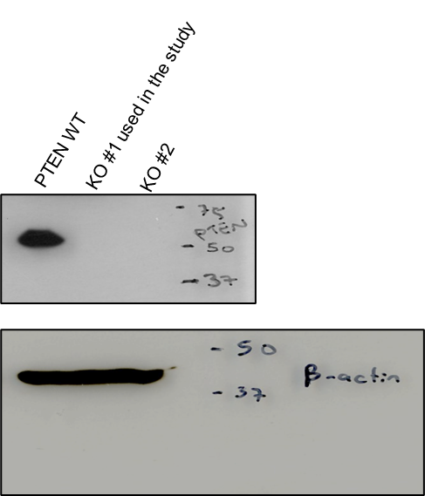
26 | 364.5 | 364.5 | 256 | 171.5 | 108 | 108 | 500 | 108 | 352
28 | 405 | 364.5 | 171.5 | 171.5 | 108 | 171.5 | 550 | 171.5 | 600
31 | 500 | 364.5 | 500 | 364.5 | 171.5 | 171.5 | 665.5 | 256 | 864
34 | 665.5 | 364.5 | 500 | 364.5 | 171.5 | 171.5 | 726 | 256 | 907.5
37 | 1568 | 600 | 108 | 364.5 | 108 | 171.5 | 550 | 256 | 1436.5
40 | 1687.5 | 405 | 364.5 | 364.5 | 108 | 256 | 1080 | 405
43 | 2176 | 550 | 364.5 | 726 | 256 | 256 | 1687.5 | 405

Suppl. Fig. 2a-b
