Supplementary fig5 GELs
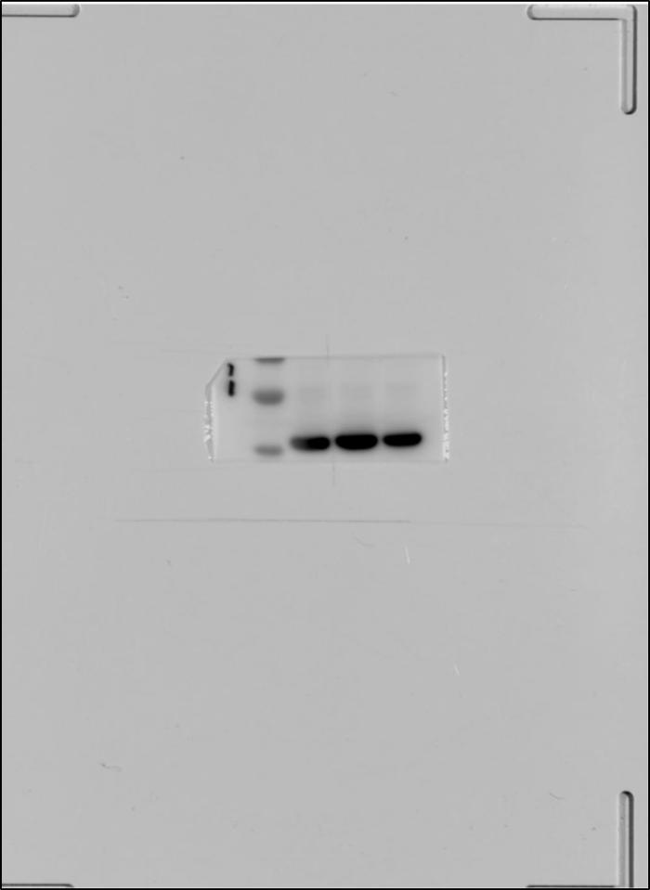
Actin for supplementary figure 5b |  | SFRP1 for supplementary figure 5b |  | SFRP1 for supplementary figure 5c and d

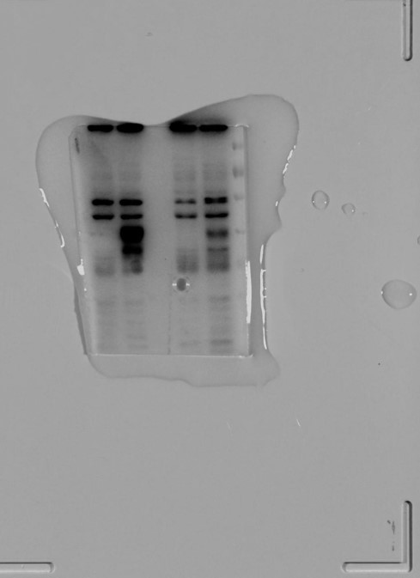

GAPDH for supplementary figure 5c and d | SFRP1 for supplementary figure 5e |  | GAPDH for supplementary figure 5e
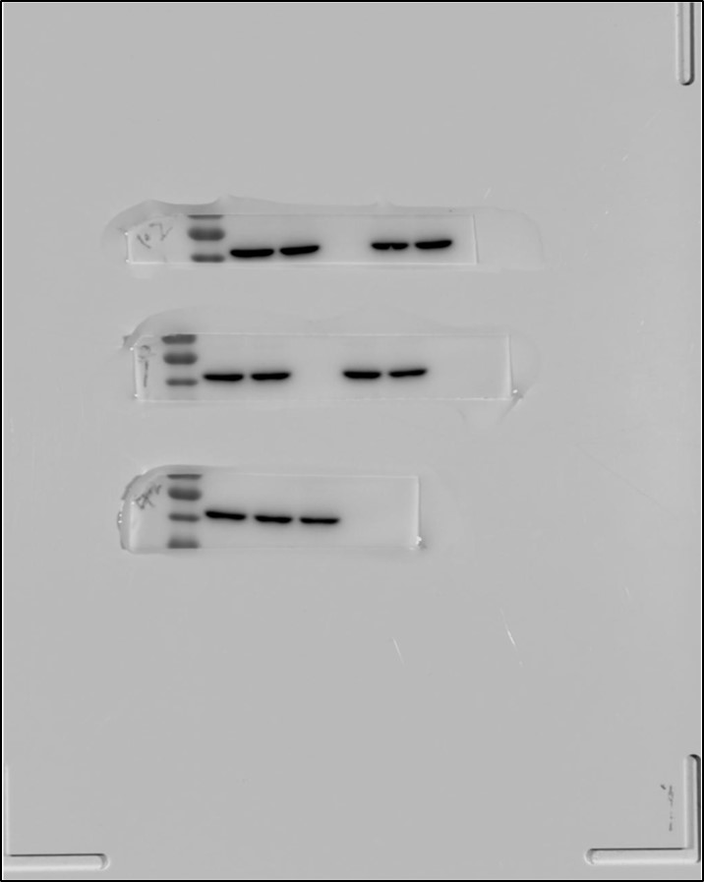

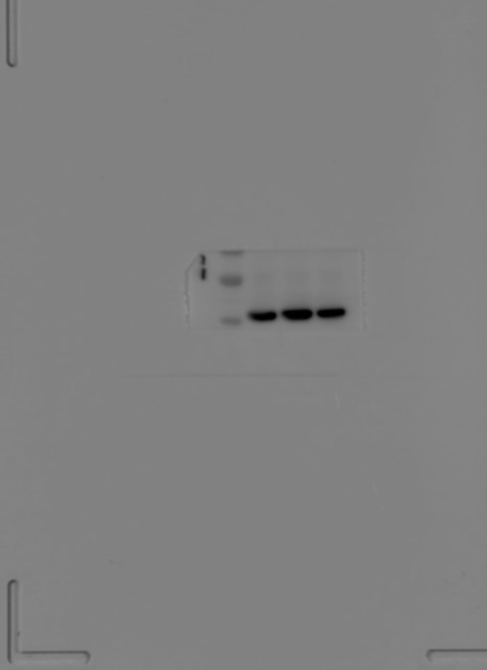

 | SFRP1 for supplementary figure 5f
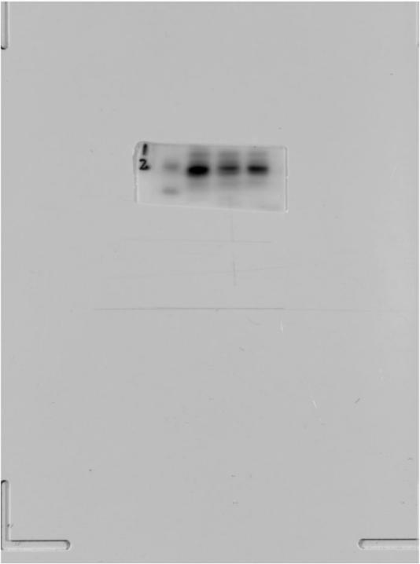

 |  |  | GAPDH for supplementary figure 5f

