Figure S1d-uncropped
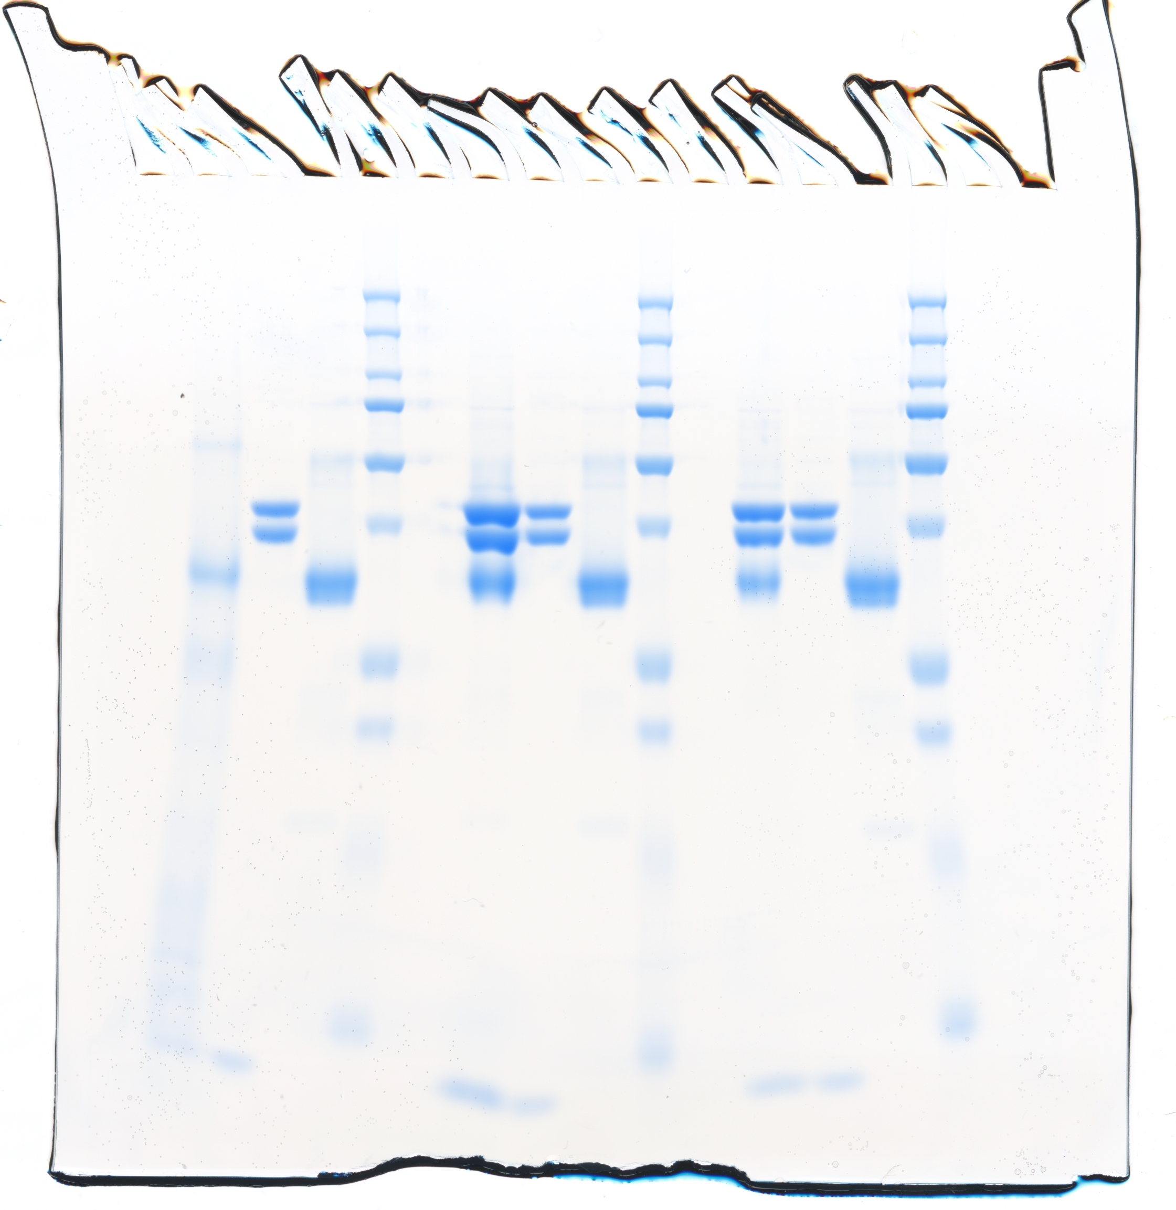
Figure S1d | Uncropped SDS-PAGE

