Supplementary Figure 11a
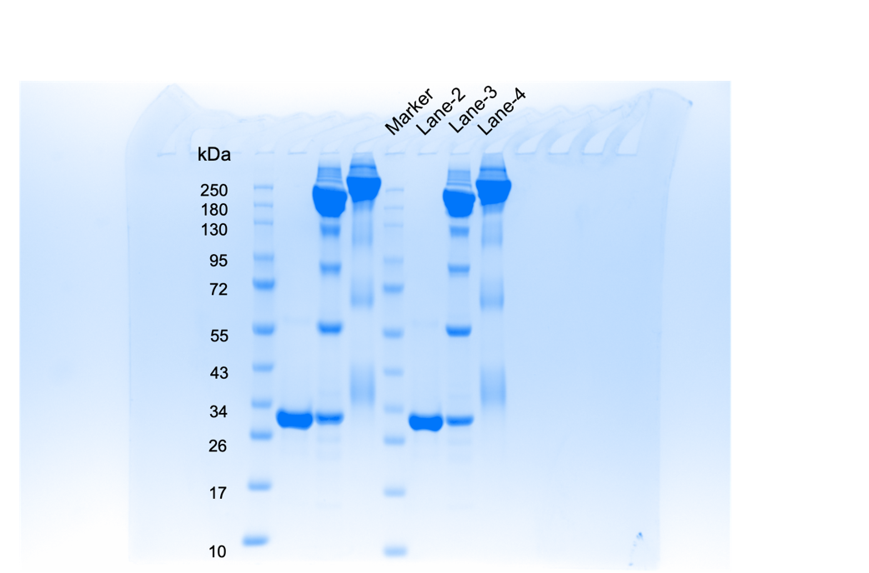
Supplementary Figure 11a

Supplementary Figure 12a
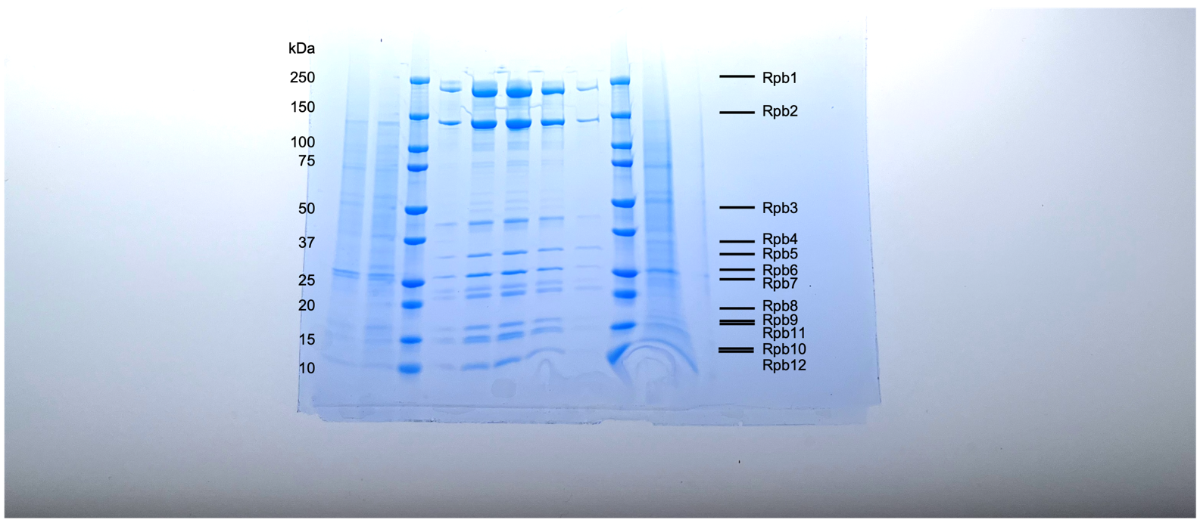
Supplementary Figure 12a

