Figure 1

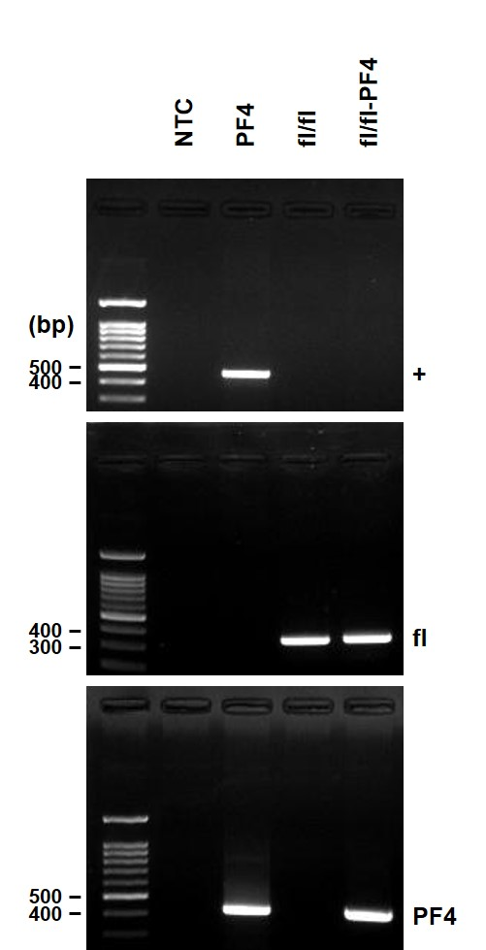
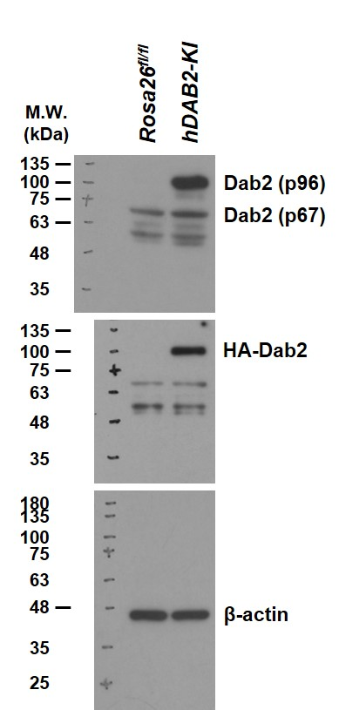
figure b | figure d | figure e

Figure 8-d and f
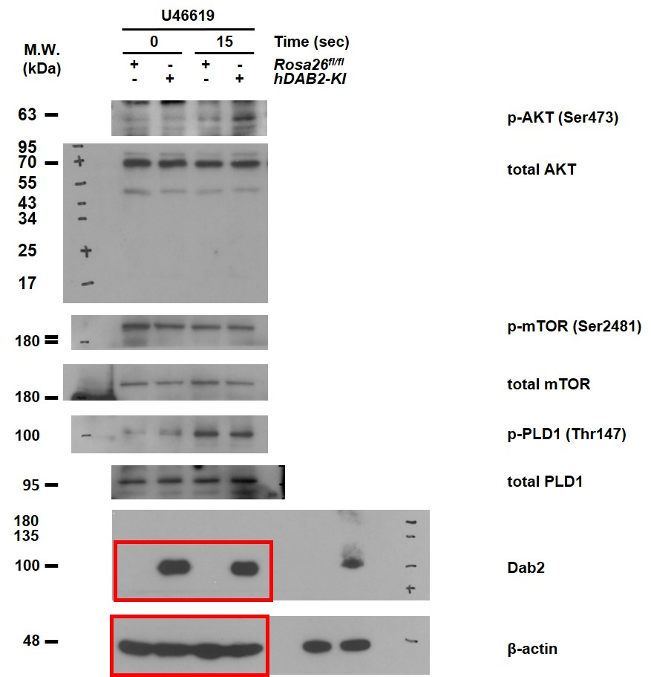
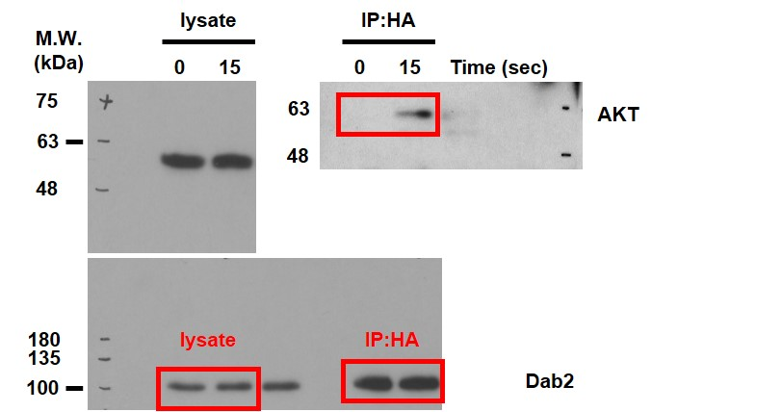
figure d | figure f

Figure 9
figure a |  |  |  |  |  |  |  |  |  |  | figure b
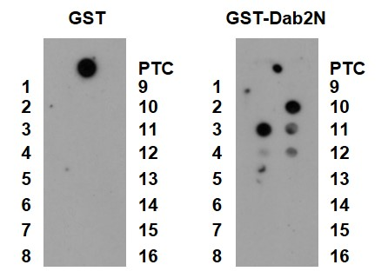
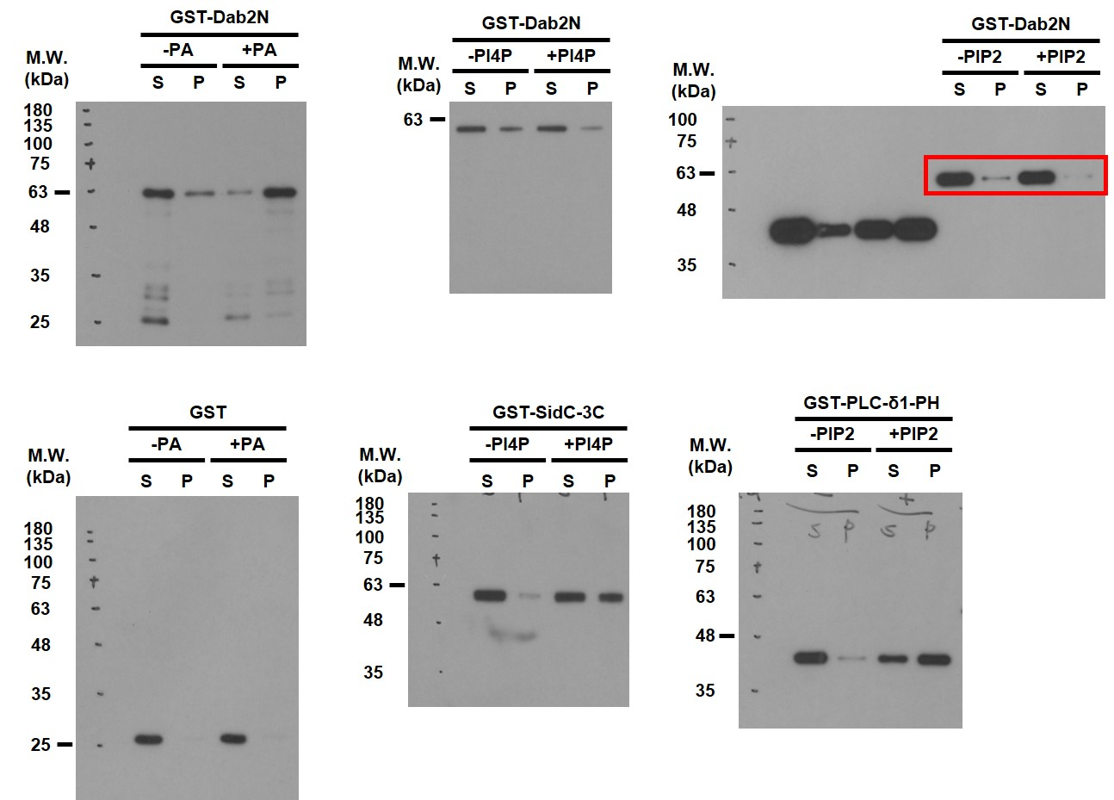

figure c
 |  | PA concentration (nM) |  |  |  |  |  |  | non-linear regression curve fit and the one-site binding model
 |  | 0 | 0.17 | 0.37 | 0.74 | 0.93 | 1.25 | 1.56 | KD
Response units (RU) | rep 1 | 0 | 415.27 | 937.09 | 996.22 | 1060.44 | 1073.27 | 1362.52 | 0.35
 | rep 2 | 0 | 291.58 | 372.64 | 734.92 | 1099.93 | - | 1142.19 | 1.36
 | rep 3 | 0 | 544.00 | 836.80 | 691.76 | 1046.46 | 1157.78 | 1246.76 | 0.32
 | rep 4 | 0 | 358.63 | 577.42 | 725.34 | 1222.21 | 1019.38 | 1124.77 | 0.64
 |  |  |  |  |  |  |  |  | 0.67 | mean

Figure 10
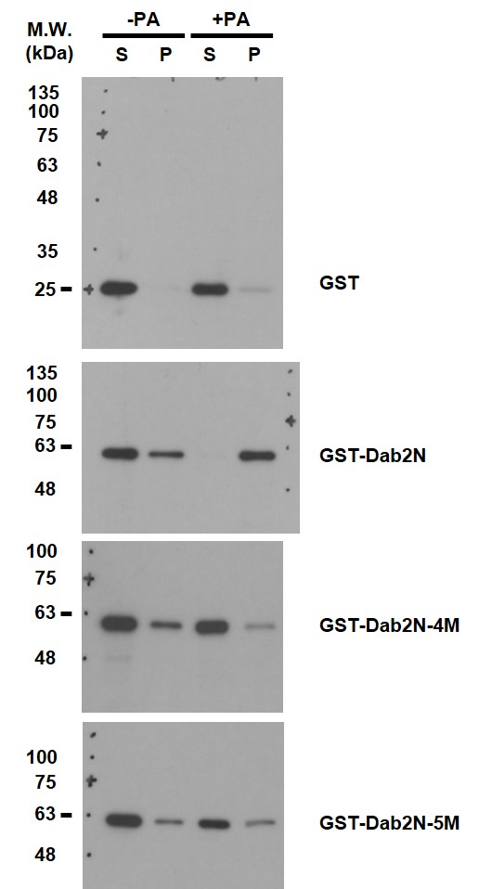
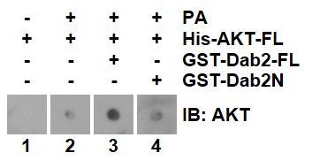
figure b |  |  |  |  | figure d |  | figure e |  |  |  |  |  |  |  |  | figure h
(up) |  |  |  |  |  |  |  | Student's t test
 |  |  |  |  |  |  |  | Unpaired t test
 |  |  |  |  |  |  |  | Two-sided
 |  |  |  |  |  |  |  | -PA
(down) |  |  |  |  |  |  |  | supernatant |  |  |  | pellet
 |  | Student's t test |  |  |  |  |  | GST | GST-Dab2N | GST-Dab2N-4M | GST-Dab2N-5M | GST | GST-Dab2N | GST-Dab2N-4M | GST-Dab2N-5M
 |  | Unpaired t test |  |  |  |  | rep 1 | 0.80 | 0.55 | 0.63 | 0.62 | 0.20 | 0.45 | 0.37 | 0.38
 |  | Two-sided |  |  |  |  | rep 2 | 0.96 | 0.62 | 0.72 | 0.81 | 0.04 | 0.38 | 0.28 | 0.19
 | peptide | 20-45 | 167-186 |  |  |  | rep 3 | 0.96 | 0.68 | 0.72 | 0.78 | 0.04 | 0.32 | 0.28 | 0.22
 | rep 1 | 1 | 0.005 |  |  |  | rep 4 | 0.96 | 0.65 | 0.53 |  | 0.04 | 0.35 | 0.47
 | rep 2 | 1 | 0.021 |  |  |  | rep 5 |  | 0.60 |  |  |  | 0.40
 | rep 3 | 1 | 0.008 |  |  |  | rep 6 |  | 0.92 |  |  |  | 0.08
 |  |  |  |  |  |  | rep 7 |  | 0.81 |  |  |  | 0.19
 | mean | 1 | 0.011 |  |  |  | rep 8 |  | 0.72 |  |  |  | 0.28
 | P value | <0.0001
 | P value summary | *** |  |  |  |  | mean | 0.92 | 0.69 | 0.65 | 0.74 | 0.08 | 0.31 | 0.35 | 0.26
 |  |  |  |  |  |  | P value | 0.0069 |  | 0.5612 | 0.599 | 0.0069 |  | 0.5612 | 0.599
 |  |  |  |  |  |  | P value summary | ** |  | ns | ns | ** |  | ns | ns
 |  |  |  |  |  |  | compare to GST-Dab2N

 |  |  |  |  |  |  |  | Student's t test
 |  |  |  |  |  |  |  | Unpaired t test
 |  |  |  |  |  |  |  | Two-sided
 |  |  |  |  |  |  |  | +PA
 |  |  |  |  |  |  |  | supernatant |  |  |  | pellet
 |  |  |  |  |  |  |  | GST | GST-Dab2N | GST-Dab2N-4M | GST-Dab2N-5M | GST | GST-Dab2N | GST-Dab2N-4M | GST-Dab2N-5M
 |  |  |  |  |  |  | rep 1 | 0.87 | 0.17 | 0.58 | 0.63 | 0.13 | 0.83 | 0.42 | 0.37
 |  |  |  |  |  |  | rep 2 | 0.89 | 0.39 | 0.50 | 0.76 | 0.11 | 0.61 | 0.50 | 0.24
 |  |  |  |  |  |  | rep 3 | 1 | 0.01 | 0.86 | 0.88 | 0.00001 | 0.99 | 0.14 | 0.12
 |  |  |  |  |  |  | rep 4 | 1 | 0.02 | 0.76 |  | 0.0045 | 0.98 | 0.24
 |  |  |  |  |  |  | rep 5 |  | 0.01 |  |  |  | 0.99
 |  |  |  |  |  |  | rep 6 |  | 0.09 |  |  |  | 0.91
 |  |  |  |  |  |  | rep 7 |  | 0.00 |  |  |  | 1.00
 |  |  |  |  |  |  | rep 8 |  | 0.32 |  |  |  | 0.68

 |  |  |  |  |  |  | mean | 0.94 | 0.13 | 0.68 | 0.76 | 0.06 | 0.87 | 0.32 | 0.24
 |  |  |  |  |  |  | P value | <0.0001 |  | 0.0002 | 0.0001 | <0.0001 |  | 0.0002 | 0.0001
figure f |  |  |  |  |  | figure g | P value summary | *** |  | *** | *** | *** |  | *** | ***
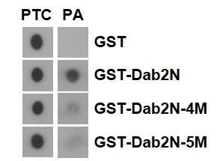
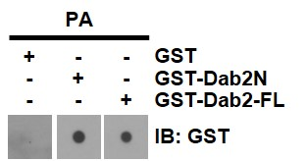
(left) |  |  |  |  |  |  | compare to GST-Dab2N

 |  |  |  |  |  |  | figure h
 |  |  |  |  |  |  | (left)

(right)
 | Student's t test
 | Unpaired t test
 | Two-sided |  |  |  |  |  | (right)
Group | 1 | 2 | 3 | 4 |  |  |  | Student's t test
 | GST | GST-Dab2N | GST-Dab2N-4M | GST-Dab2N-5M |  |  |  | Unpaired t test
rep 1 | 0.00 | 1.00 | 0.48 | 0.12 |  |  |  | Two-sided
rep 2 | 0.02 | 1.00 | 0.42 | 0.13 |  |  | Group | 1 | 2 | 3 | 4
rep 3 | 0.00 | 1.00 | 0.28 | 0.21 |  |  | rep 1 | 0.01 | 0.65 | 3.96 | 0.08
rep 4 | 0.00 | 1.00 | 0.00 | 0.01 |  |  | rep 2 | 0.01 | 1.33 | 4.02 | 0.88
rep 5 | 0.01 | 1.00 | 0.03 | 0.05 |  |  | rep 3 | 0.02 | 1.02 | 3.84 | 2.08

mean | 0.01 | 1.00 | 0.24 | 0.10 |  |  | mean | 0.26 | 1.25 | 3.70 | 1.76
P value |  | <0.0001 | <0.0001 | <0.0001 |  |  | P value |  |  | 0.0001 | 0.0074
P value summary |  | *** | *** | *** |  |  | P value summary |  |  | *** | **
compare to group |  | 1 | 2 | 2 |  |  | compare to group |  |  | 2 | 3

Supp. Figure 1
135
100
75
48
M.W. (kDa)
63
Rosa26^{fl/fl}
hDAB2-KI
Rosa26^{fl/fl}
hDAB2-KI
lung
liver
β-actin
Rosa26^{fl/fl}
hDAB2-KI
Rosa26^{fl/fl}
hDAB2-KI
spleen
intestine
Dab2 (p82)
Dab2 (p59)
135
100
75
63
180
48
35
48
Rosa26^{fl/fl}
hDAB2-KI
kidney
135
100
75
63
48

Supp. Figure 3
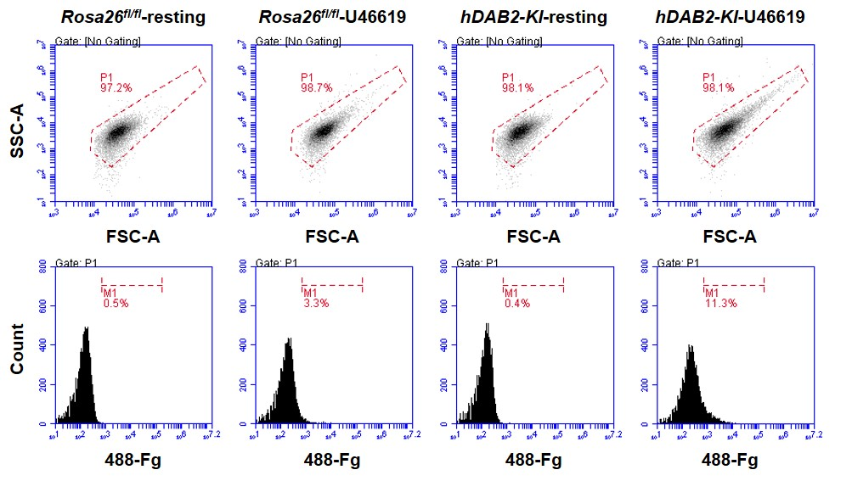

Supp. Figure 4
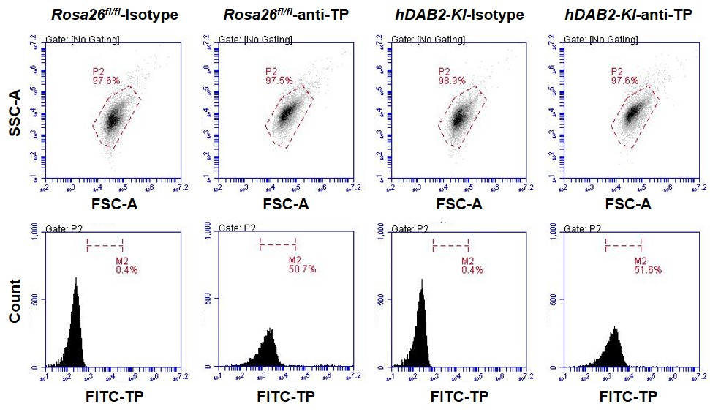

Supp. Figure 5
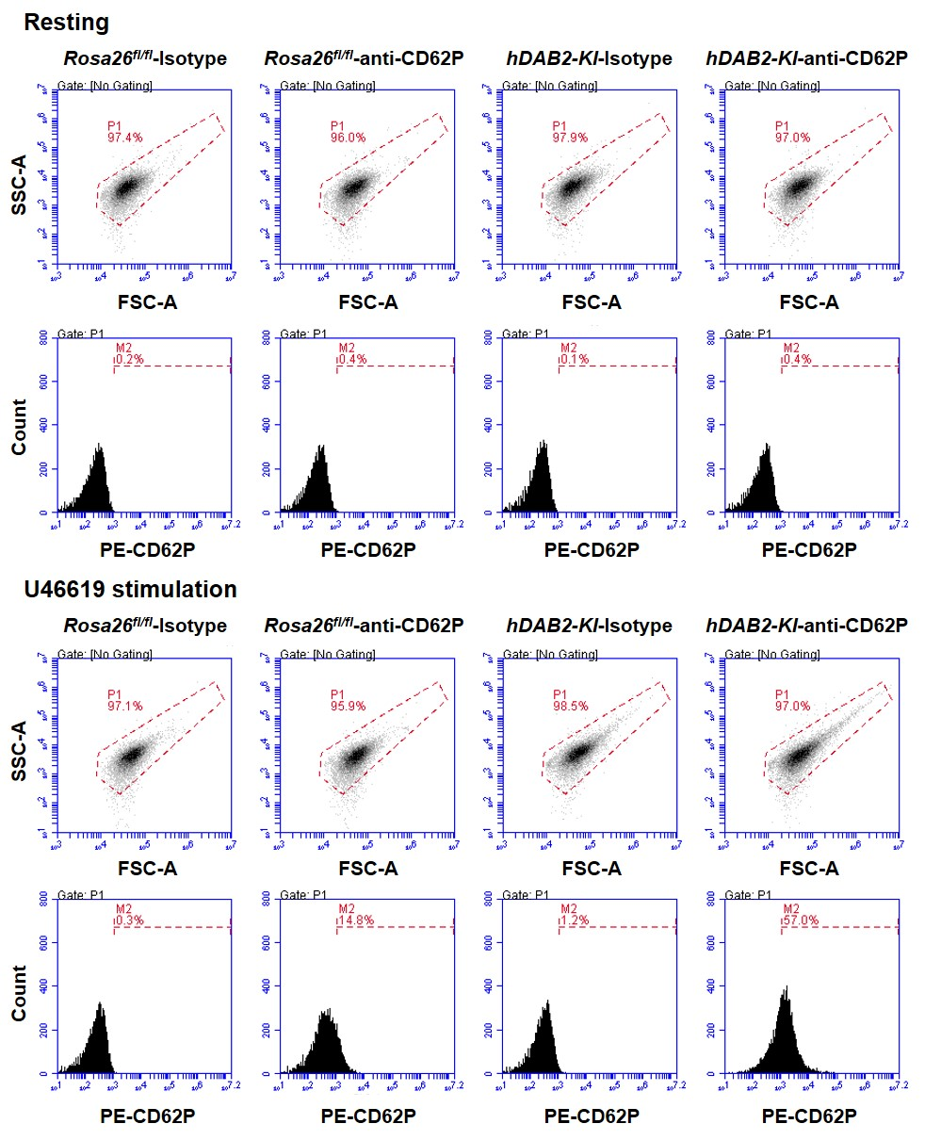

Supp. Figure 6
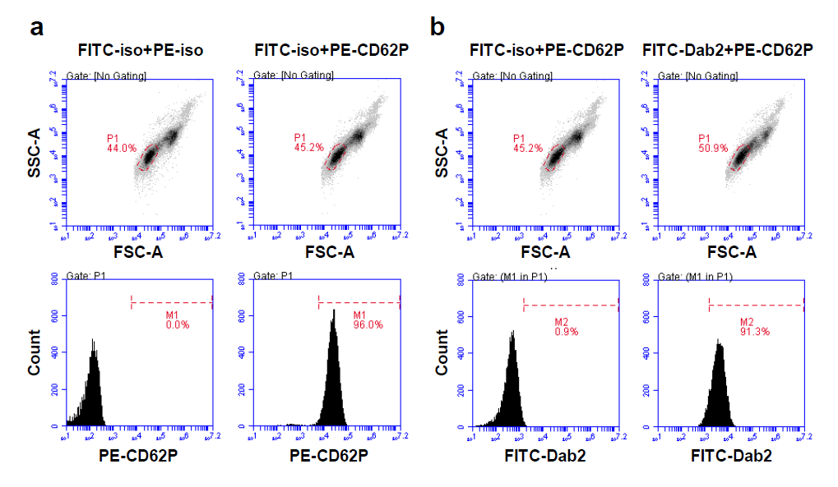

Supp. Figure 7
180
95
70
130
lysate
rIgG
Dab2
rIgG
Dab2
R
U46
R
U46
IP
Dab2
43
β-actin
34
25
55
70
95
180
130

M.W. (kDa)

