Fig 1b
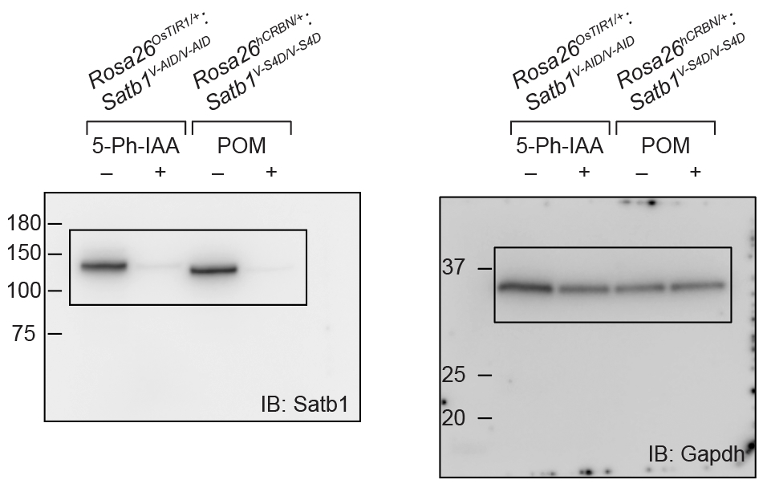
Figure 1b

Fig 3d
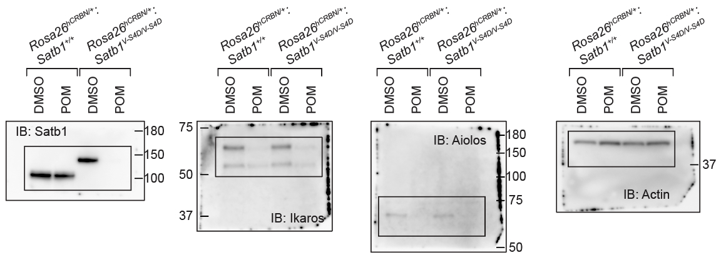
Figure 3d

