Supplementary Figure 10
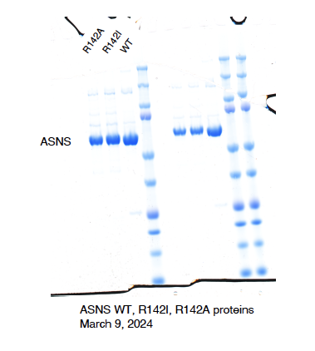
Figure 4 | Uncropped protein purification gel

