Figure 1d
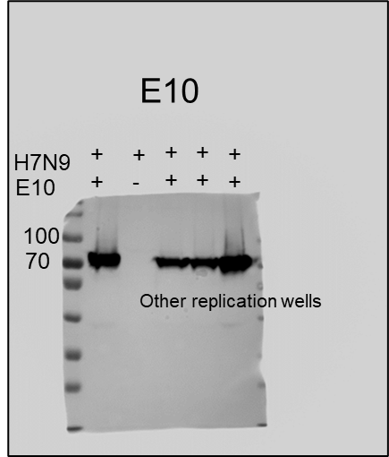
Figure 1d
Western blot (WB) analysis of A549 cells infected with SZ19 H7N9 (MOI=1) for 24h.

Figure 5b
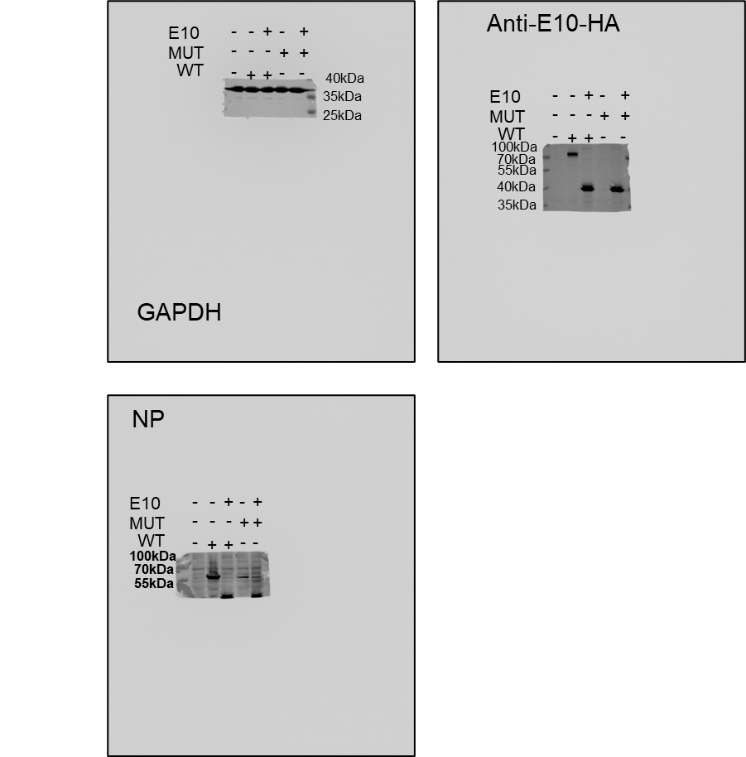
Figure 5b
WB analysis of A549 cells infected with WT or MUT H7N9 viruses, with or without E10 pre-incubation, showing detection of NP and E10.

Figure 7d
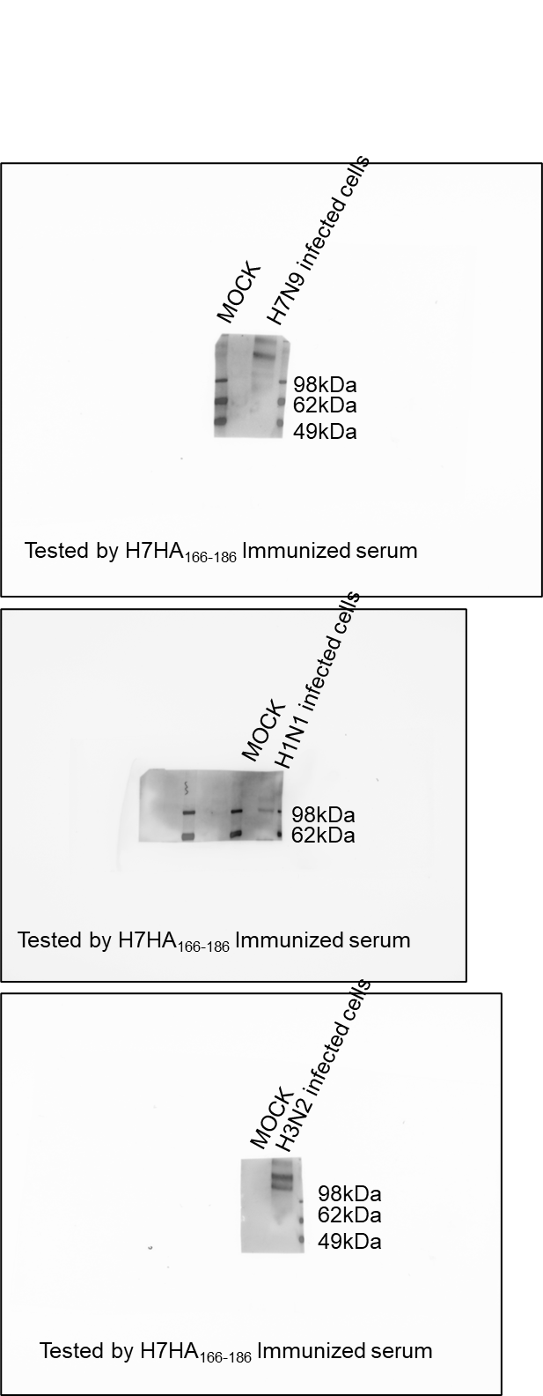
Figure 7d
WB analysis of HA protein recognition from MDCK cells infected with H1N1, H3N2, or H7N9 viruses, using serum from H7-HA166-186 peptide-immunized mice.

Sup. Fig. 1c
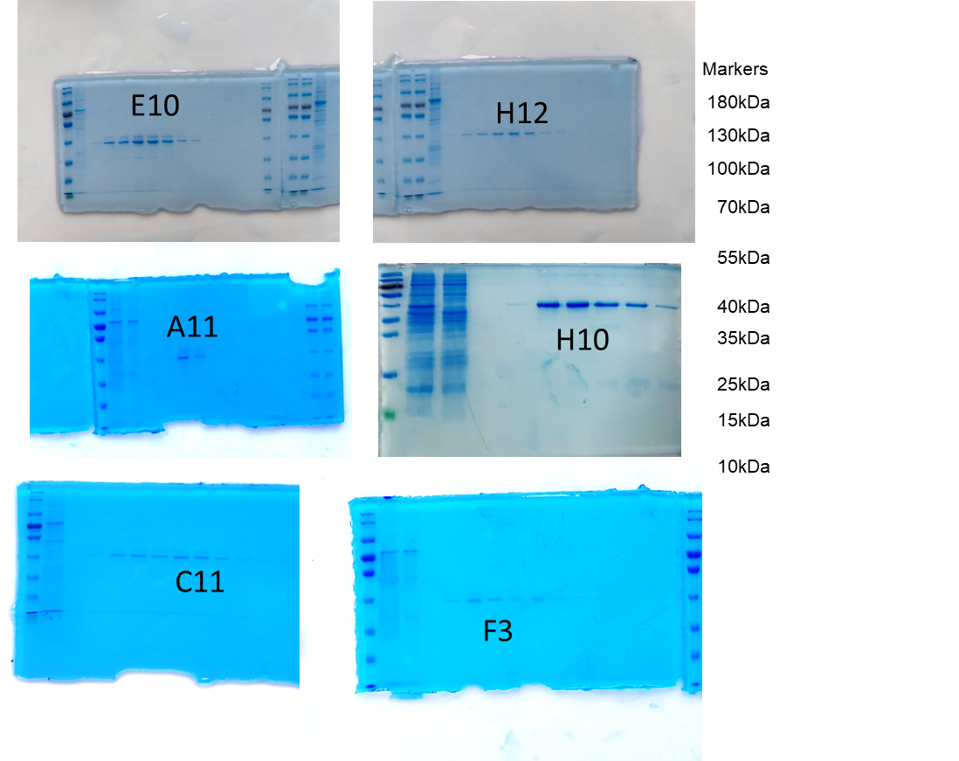
Supplementary Figure 1c
Coomassie Brilliant Blue Staining detect the express and size of different nanobodies.

Sup. Fig. 1e
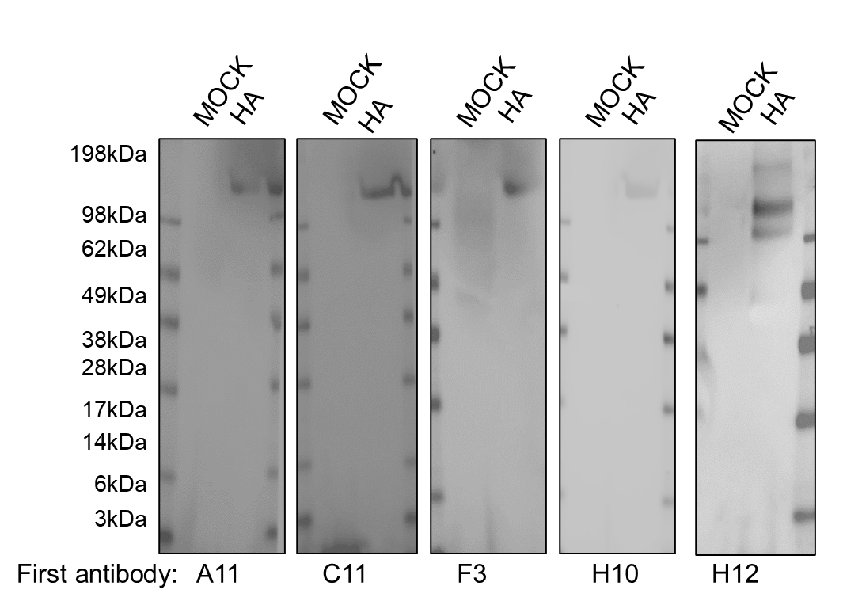
Supplementary Figure 1e
Western blot analysis of A549 cells infected with SZ19 (MOI=1) for 24h.

Sup. Fig. 4b
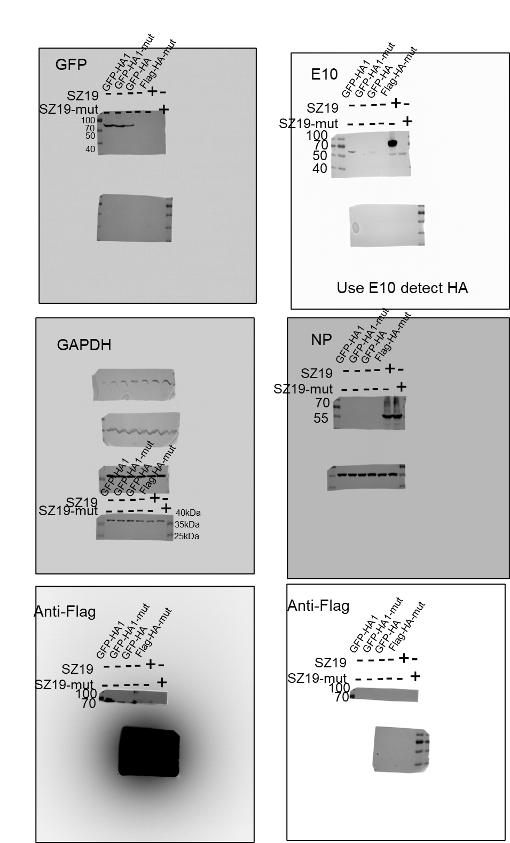
Supplementary Figure 4b
Western blot (WB) analysis of A549 cells infected with WT or MUT virus or transfected with GFP-HA and GFP-HA-MUT with or without E10 pre-incubation, showing detection of NP and E10.

Sup.Fig.4c
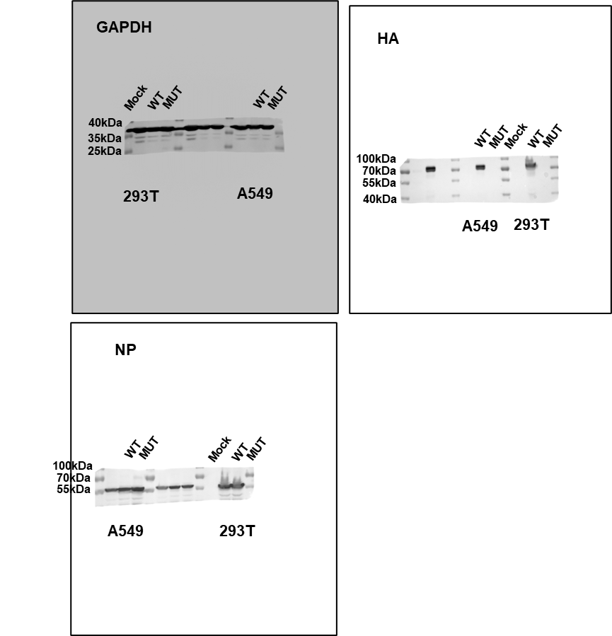
Supplementary Figure 4c
Western blot (WB) showing the infection of A549 or 293T cells 24h post infection with WT and MUT virus.

Sup. Fig. 4d
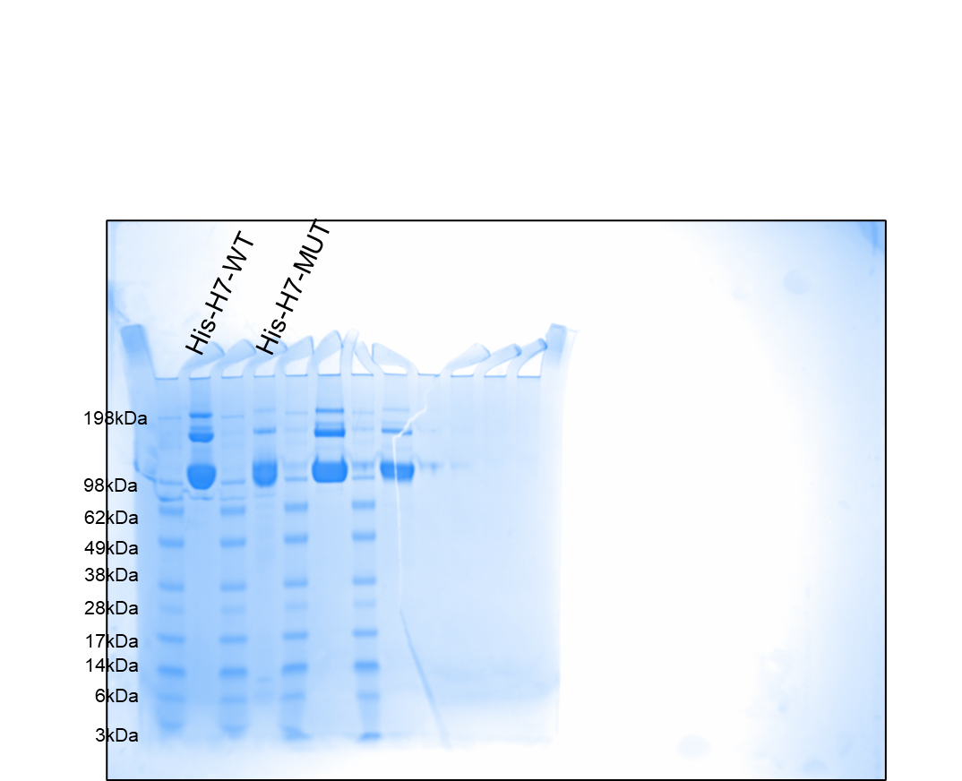
Supplementary Figure 4d
Coomassie Brilliant Blue Staining detect the express and size of recombinant WT-HA and MUT-HA protein.

