Fig. 1
Fig. 1a |  |  |  |  | Fig. 1b |  |  |  |  | Fig. 1c |  |  |  |  | Fig. 1d |  |  |  | Fig. 1e
 |  | Relative expression | mean | SD |  |  | Relative expression | mean | SD |  |  | Relative expression | mean | SD |  | Relative expression | mean | SD | Si (mM) | Relative expression | mean | SD
6 week | Root | 0.00 | 0.00 | 0.00 | Root | -Si | 0.00 | 0.00 | 0.00 | Node I | -Si | 12.40 | 9.90 | 2.35 | -Si | 0.913 | 1.002 | 0.255 | 0 | 1.273 | 1.000 | 0.305
 |  | 0.00 |  |  |  |  | 0.00 |  |  |  |  | 8.67 |  |  |  | 0.872 |  |  |  | 1.201
 |  | 0.00 |  |  |  |  | 0.00 |  |  |  |  | 7.26 |  |  |  | 0.840 |  |  |  | 0.603
 | Basal stem | 0.00 | 0.00 | 0.00 |  |  | 0.00 |  |  |  |  | 11.26 |  |  |  | 1.381 |  |  |  | 0.924
 |  | 0.00 |  |  |  | +Si | 0.00 | 0.00 | 0.00 |  | +Si | 1.93 | 1.42 | 0.56 | +Si 1h | 0.339 | 0.485 | 0.270 | 0.1 | 0.786 | 1.166 | 0.496
 |  | 0.00 |  |  |  |  | 0.00 |  |  |  |  | 1.24 |  |  |  | 0.372 |  |  |  | 1.638
 | Leaf sheath | 0.00 | 0.00 | 0.00 |  |  | 0.00 |  |  |  |  | 0.71 |  |  |  | 0.889 |  |  |  | 0.692
 | (newest expanded) | 0.00 |  |  |  |  | 0.00 |  |  |  |  | 1.79 |  |  |  | 0.339 |  |  |  | 1.550
 |  | 0.00 |  |  | Shoot basal region | -Si | 2.20 | 4.00 | 2.27 | Flag leaf blade | -Si | 0.51 | 1.00 | 0.39 | +Si 2h | 0.840 | 0.572 | 0.269 | 0.2 | 0.957 | 0.943 | 0.206
 | Leaf blade | 0.08 | 0.07 | 0.02 |  |  | 7.18 |  |  |  |  | 1.46 |  |  |  | 0.759 |  |  |  | 0.647
 | (newest expanded) | 0.04 |  |  |  |  | 4.06 |  |  |  |  | 1.06 |  |  |  | 0.396 |  |  |  | 1.090
 |  | 0.08 |  |  |  |  | 2.55 |  |  |  |  | 0.97 |  |  |  | 0.291 |  |  |  | 1.079
12 week | Root | 0.00 | 0.00 | 0.00 |  | +Si | 0.03 | 0.03 | 0.01 |  | +Si | 0.01 | 0.01 | 0.01 | +Si 4h | 0.436 | 0.422 | 0.051 | 0.5 | 0.509 | 0.619 | 0.188
Booting |  | 0.00 |  |  |  |  | 0.03 |  |  |  |  | 0.00 |  |  |  | 0.444 |  |  |  | 0.564
 |  | 0.00 |  |  |  |  | 0.03 |  |  |  |  | 0.01 |  |  |  | 0.460 |  |  |  | 0.504
 | Basal stem | 3.10 | 4.52 | 1.72 |  |  | 0.05 |  |  |  |  | 0.02 |  |  |  | 0.347 |  |  |  | 0.897
 |  | 6.43 |  |  | Shoot | -Si | 0.70 | 1.00 | 0.31 |  |  |  |  |  | +Si 8h | 0.129 | 0.135 | 0.033 | 1 | 0.332 | 0.273 | 0.046
 |  | 4.02 |  |  |  |  | 1.44 |  |  |  |  |  |  |  |  | 0.105 |  |  |  | 0.277
 | Flag leaf sheath | 0.01 | 0.02 | 0.02 |  |  | 0.92 |  |  |  |  |  |  |  |  | 0.170 |  |  |  | 0.260
 |  | 0.01 |  |  |  |  | 0.95 |  |  |  |  |  |  |  | +Si 16h | 0.032 | 0.032 | 0.007 |  | 0.221
 |  | 0.04 |  |  |  | +Si | 0.04 | 0.03 | 0.01 |  |  |  |  |  |  | 0.024 |  |  | 1.5 | 0.249 | 0.303 | 0.057
 | Flag leaf blade | 0.01 | 0.02 | 0.02 |  |  | 0.03 |  |  |  |  |  |  |  |  | 0.040 |  |  |  | 0.343
 |  | 0.01 |  |  |  |  | 0.01 |  |  |  |  |  |  |  |  | 0.032 |  |  |  | 0.360
 |  | 0.04 |  |  |  |  | 0.04 |  |  |  |  |  |  |  | +Si 24h | 0.024 | 0.024 | 0.007 |  | 0.260
 | Node I | 0.00 | 0.07 | 0.13 |  |  |  |  |  |  |  |  |  |  |  | 0.032 |  |  | 2 | 0.166 | 0.204 | 0.034
 |  | 0.00 |  |  |  |  |  |  |  |  |  |  |  |  |  | 0.024 |  |  |  | 0.183
 |  | 0.22 |  |  |  |  |  |  |  |  |  |  |  |  |  | 0.016 |  |  |  | 0.227
 | Immature panicle | 0.00 | 0.00 | 0.00 |  |  |  |  |  |  |  |  |  |  | +Si 48h | 0.024 | 0.016 | 0.009 |  | 0.238
 |  | 0.00 |  |  |  |  |  |  |  |  |  |  |  |  |  | 0.008
 |  | 0.00 |  |  |  |  |  |  |  |  |  |  |  |  |  | 0.008
14 week | Root | 0.00 | 0.00 | 0.00 |  |  |  |  |  |  |  |  |  |  |  | 0.024
Flowering |  | 0.00
 |  | 0.00
 | Basal stem | 1.16 | 0.91 | 0.25
 |  | 0.91
 |  | 0.66
 | Leaf sheath III | 0.01 | 0.00 | 0.01
 |  | 0.00
 |  | 0.00
 | Leaf blade III | 0.01 | 0.01 | 0.01
 |  | 0.01 |  |  |  |  | Fig. 1f |  |  |  |  |  |  | Fig. 1g
 |  | 0.00
Root
+Si
-Si
10h
24h
72h
75
50
37
25
20
15
100
CBB staining
Western blot
Shoot
+Si
-Si
10h
24h
72h
75
50
37
25
20
15
100
Western blotting
Silver staining
-Si
+Si
Xylem
sap
-Si
Phloem
sap
-Si
+Si
-Si
w
w
m
w
w
m
rSSS
-Si
+Si
Xylem
sap
-Si
Phloem
sap
-Si
+Si
-Si
w
w
m
w
w
m
75
50
37
25
20
15
100
150
200
 | Node III | 3.36 | 2.98 | 0.55
 |  | 2.35
 |  | 3.22
 | Node II | 3.07 | 2.71 | 0.44
 |  | 2.22
 |  | 2.84
 | Internode II | 0.66 | 0.82 | 0.18
 |  | 0.79
 |  | 1.02
 | Flag leaf sheath | 0.66 | 0.31 | 0.30
 |  | 0.09
 |  | 0.19
 | Flag leaf blade | 0.06 | 0.04 | 0.02
 |  | 0.03
 |  | 0.03
 | Node I | 0.99 | 1.00 | 0.04
 |  | 1.04
 |  | 0.97
 | Peduncle | 0.18 | 0.25 | 0.06
 |  | 0.28
 |  | 0.29
 | Rachis | 0.10 | 0.09 | 0.02
 |  | 0.10
 |  | 0.07
 | Spikelet | 0.00 | 0.00 | 0.00
 |  | 0.00
 |  | 0.00
16 week | Root | 0.00 | 0.00 | 0.00
Grain filling |  | 0.00
 |  | 0.00
 | Basal stem | 0.48 | 0.55 | 0.16
 |  | 0.73
 |  | 0.43
 | Leaf sheath III | 0.00 | 0.00 | 0.00
 |  | 0.00
 |  | 0.00
 | Leaf blade III | 0.01 | 0.00 | 0.01
 |  | 0.00
 |  | 0.00
 | Flag leaf sheath | 0.06 | 0.09 | 0.06
 |  | 0.04
 |  | 0.16
 | Flag leaf blade | 0.00 | 0.01 | 0.02
 |  | 0.01
 |  | 0.03
 | Node I | 0.63 | 0.80 | 0.35
 |  | 0.57
 |  | 1.20
 | Husk | 0.00 | 0.01 | 0.01
 |  | 0.02
 |  | 0.00
 | Grain | 0.00 | 0.00 | 0.00
 |  | 0.00
 |  | 0.00

Supplemental Fig. 4
Supplemental Fig. 4a |  |  |  |  | Supplemental Fig. 4c
 |  | Relative expression | mean | SD |  |  | Relative expression | mean | SD
Pre-treatment (7d) | -Si | 1.096 | 1.000 | 0.125 | ++Si | Root | 0.000 | 0.000 | 0.001
 |  | 1.045 |  |  |  |  | 0.001
 |  | 0.859 |  |  |  |  | 0.000
 | +Si | 0.040 | 0.033 | 0.010 |  | Old leaf | 0.008 | 0.006 | 0.003
 |  | 0.038 |  |  |  |  | 0.002
 |  | 0.022 |  |  |  |  | 0.008
+Si to -Si | 1d | 0.068 | 0.096 | 0.036 |  | New leaf | 0.006 | 0.003 | 0.002
 |  | 0.137 |  |  |  |  | 0.002
 |  | 0.082 |  |  |  |  | 0.002
 | 2d | 0.135 | 0.175 | 0.041 | +-Si | Root | 0.000 | 0.000 | 0.000
 |  | 0.217 |  |  |  |  | 0.000
 |  | 0.172 |  |  |  |  | 0.000
 | 3d | 0.238 | 0.319 | 0.112 |  | Old leaf | 0.023 | 0.034 | 0.014
 |  | 0.447 |  |  |  |  | 0.050
 |  | 0.272 |  |  |  |  | 0.030
 | 7d | 0.656 | 0.658 | 0.104 |  | New leaf | 0.786 | 0.878 | 0.421
 |  | 0.556 |  |  |  |  | 0.511
 |  | 0.763 |  |  |  |  | 1.338
-Si | -Si7d | 0.874 | 1.012 | 0.144 | --Si | Root | 0.000 | 0.000 | 0.000
 |  | 1.161 |  |  |  |  | 0.000
 |  | 1.001 |  |  |  |  | 0.000
 |  |  |  |  |  | Old leaf | 0.273 | 0.338 | 0.097
 |  |  |  |  |  |  | 0.291
 |  |  |  |  |  |  | 0.449
 |  |  |  |  |  | New leaf | 1.088 | 1.000 | 0.088
 |  |  |  |  |  |  | 0.913
 |  |  |  |  |  |  | 0.999

Supplemental Fig. 4b |  |  |  |  |  |  | Supplemental Fig. 4d
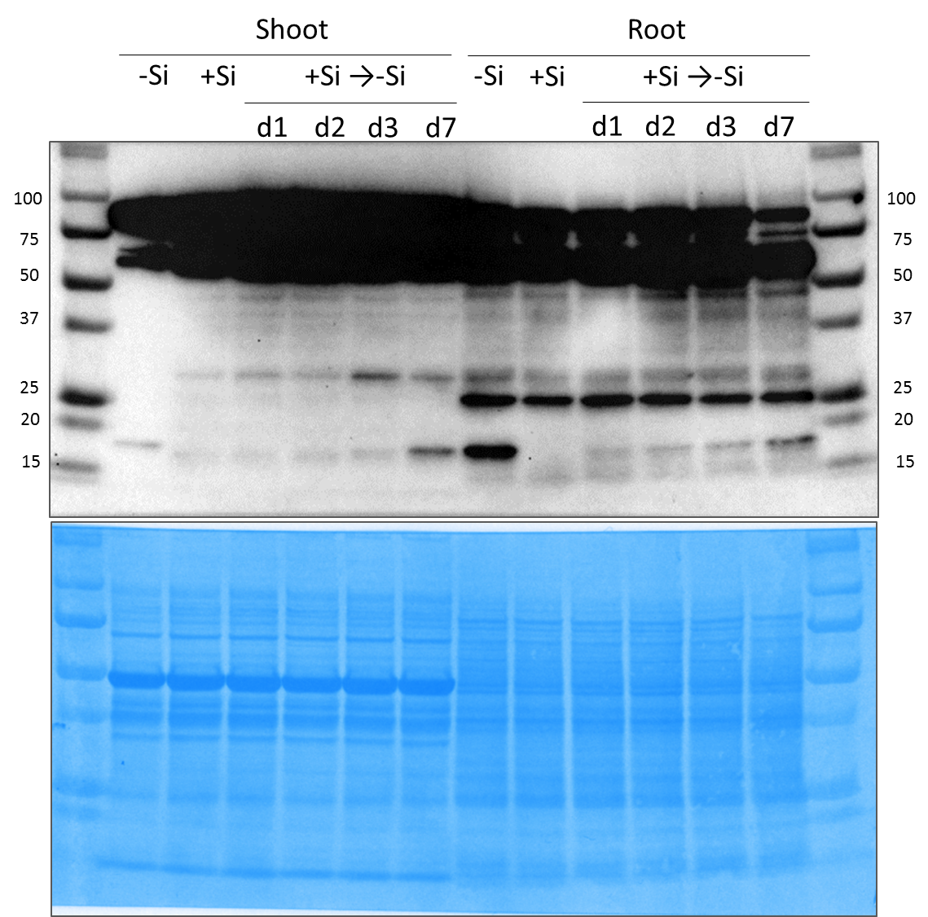
R
OL
NL
75
50
37
25
20
15
100
R
OL
NL
R
OL
NL
75
50
37
25
20
15
100

