Figure 1f
 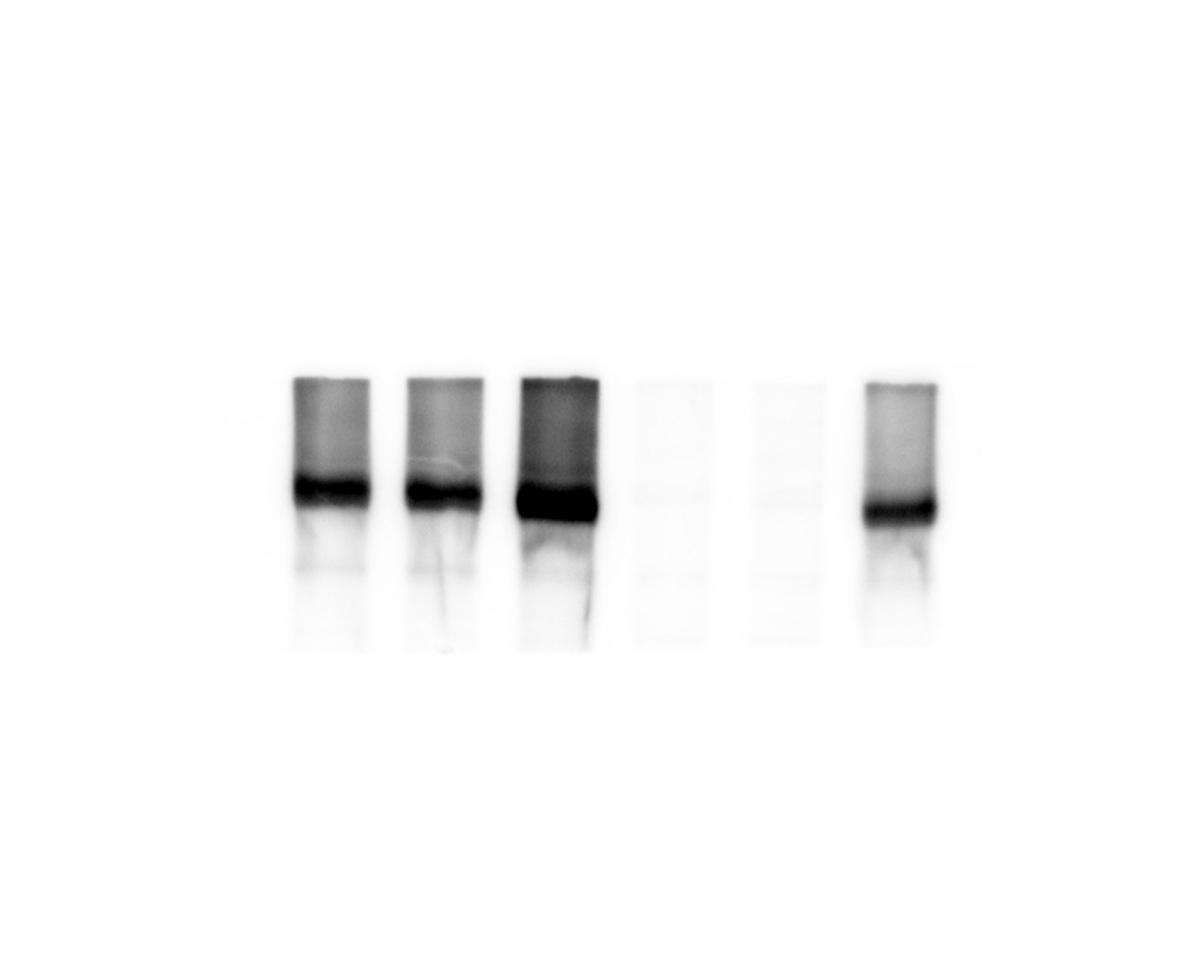
 |  | WT | WT+Flag | WT+Flag-GGCX | GGCX-KO | GGCX-KO+Flag | GGCX-KO+Flag-GGCX
 |  | 4.5 | 4.2 | 4.5 | 3.2 | 3.2 | 3.8
Anti-GAPDH
Anti-GGCX
 |  | 4.2 | 4 | 4.8 | 3 | 3 | 4.2
 |  | 4.2 | 4.2 | 4.8 | 3.2 | 3 | 3.8

 | p value against WT | --- | p=0.2378 | p=0.0474 | --- | --- | ---
 | p value against GGCX-KO | --- | --- | --- | --- | p=0.5185 | p=0.0058
wt+Flag-GGCX
GGCX-KO+Flag
GGCX-KO+Flag-GGCX
wt+Flag-GGCX
GGCX-KO+Flag
GGCX-KO+Flag-GGCX
wt
wt+Flag
GGCX-KO
wt
wt+Flag
GGCX-KO

Figure 2b
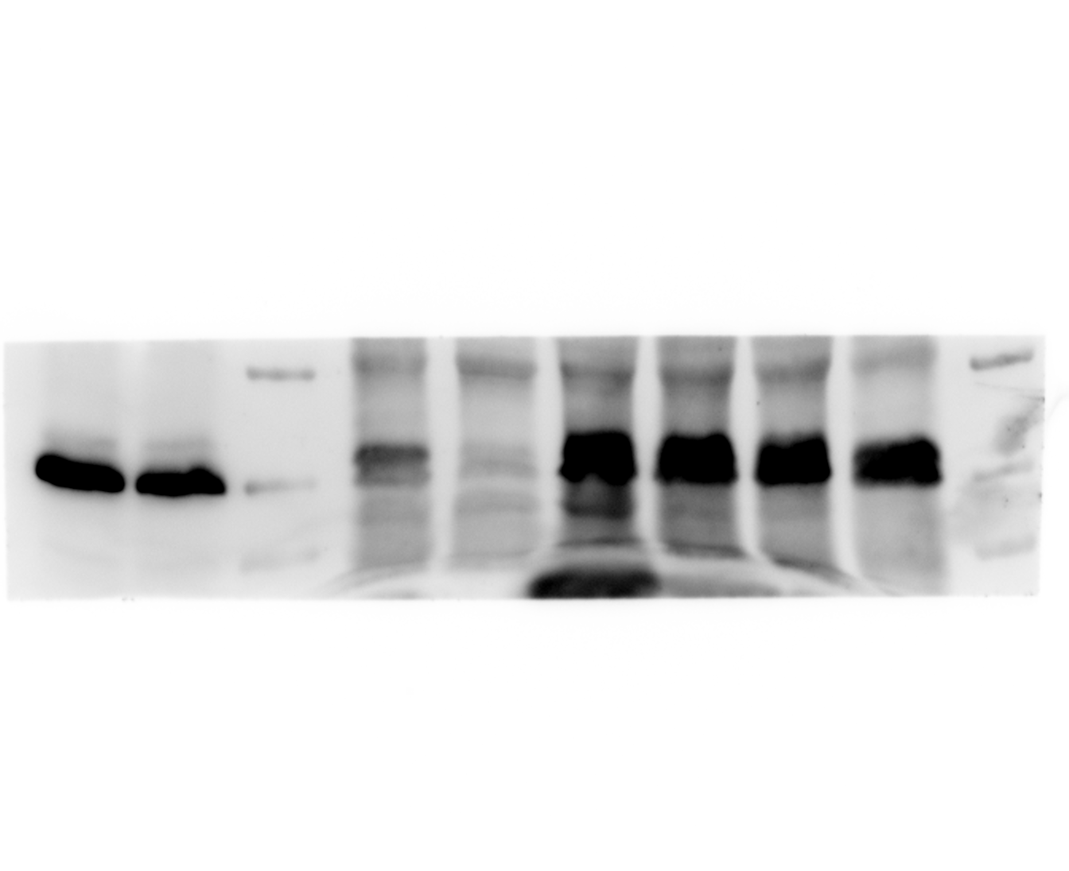 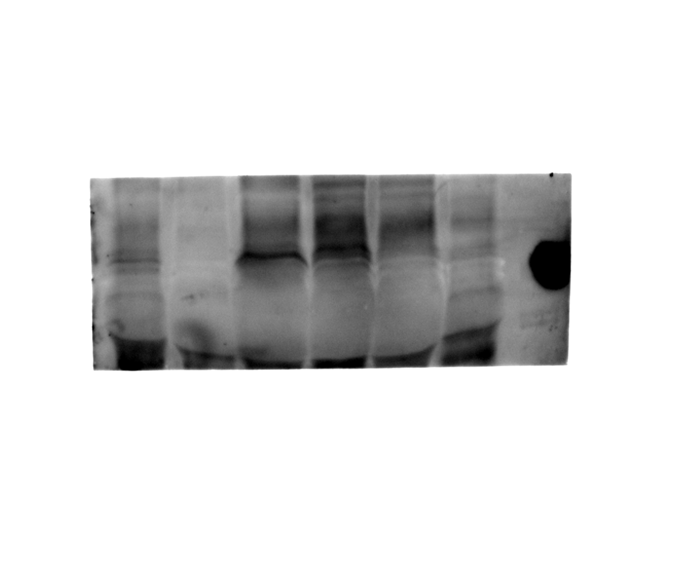

Anti-GAPDH
Anti-GGCX

si-GGCX
si-NC
si-GGCX
si-NC

Figure 2f
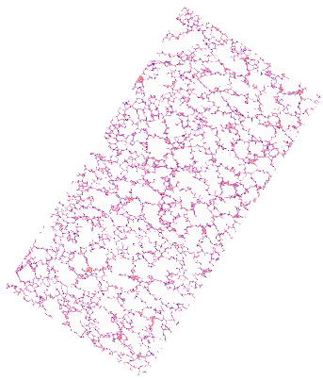 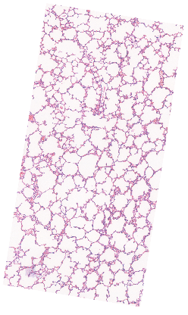 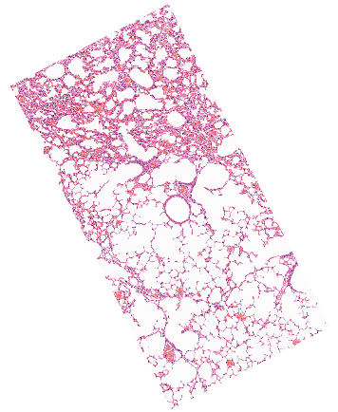 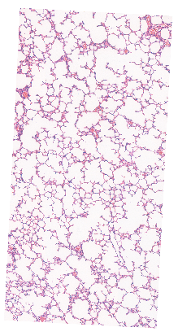 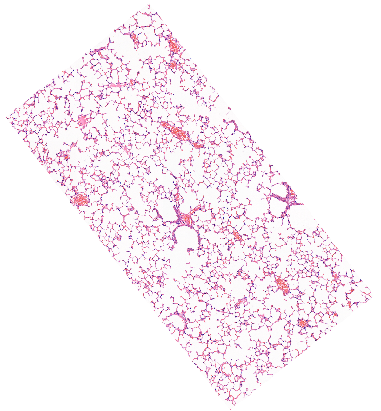 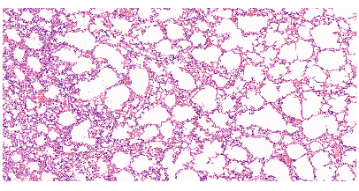

3 dpi HuN/H1N1+si-GGCX
3 dpi HuN/H1N1+si-NC
3 dpi Mock+PBS

5 dpi HuN/H1N1+si-GGCX
5 dpi HuN/H1N1+si-NC
5 dpi Mock+PBS

Figure 2g
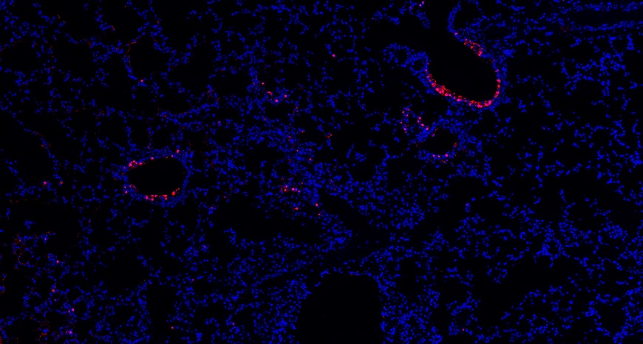 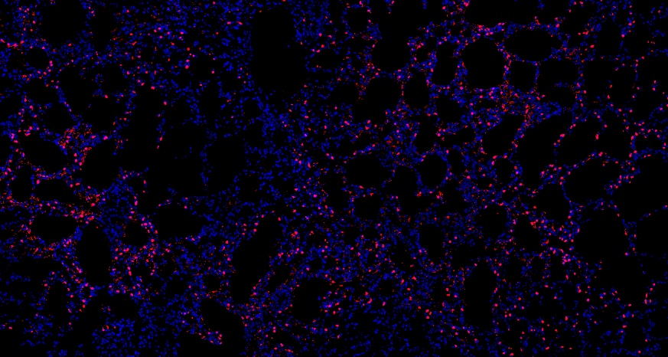 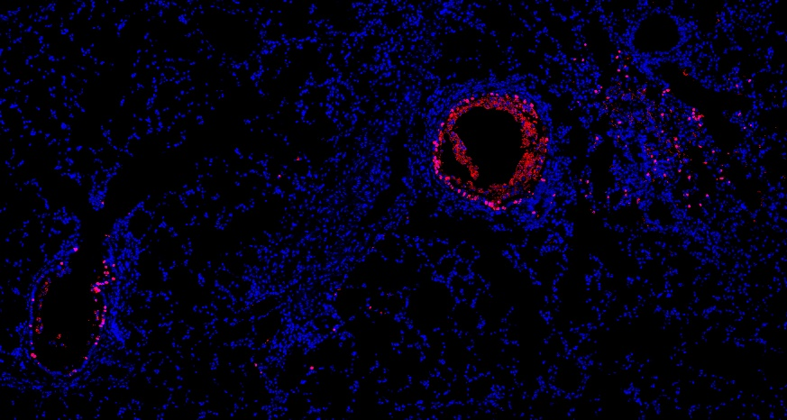 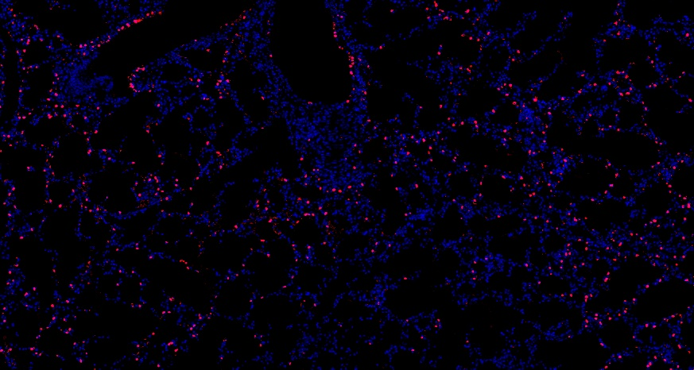 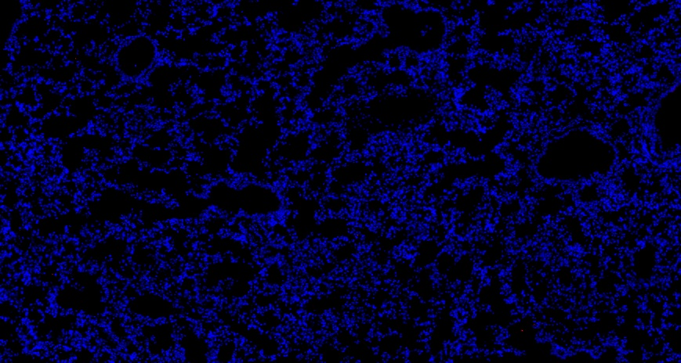 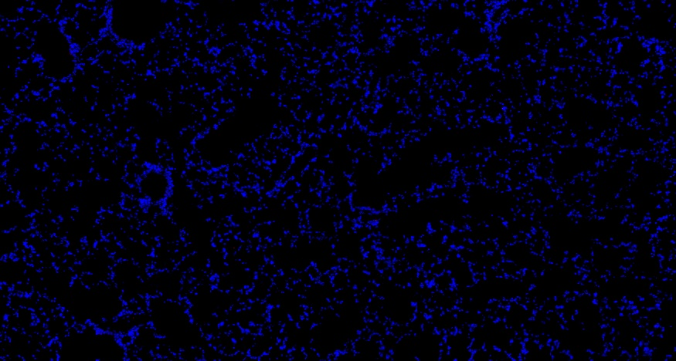

3 dpi HuN/H1N1+si-GGCX
3 dpi HuN/H1N1+si-NC
3 dpi Mock+PBS

5 dpi HuN/H1N1+si-GGCX
5 dpi HuN/H1N1+si-NC
5 dpi Mock+PBS

Figure 3a
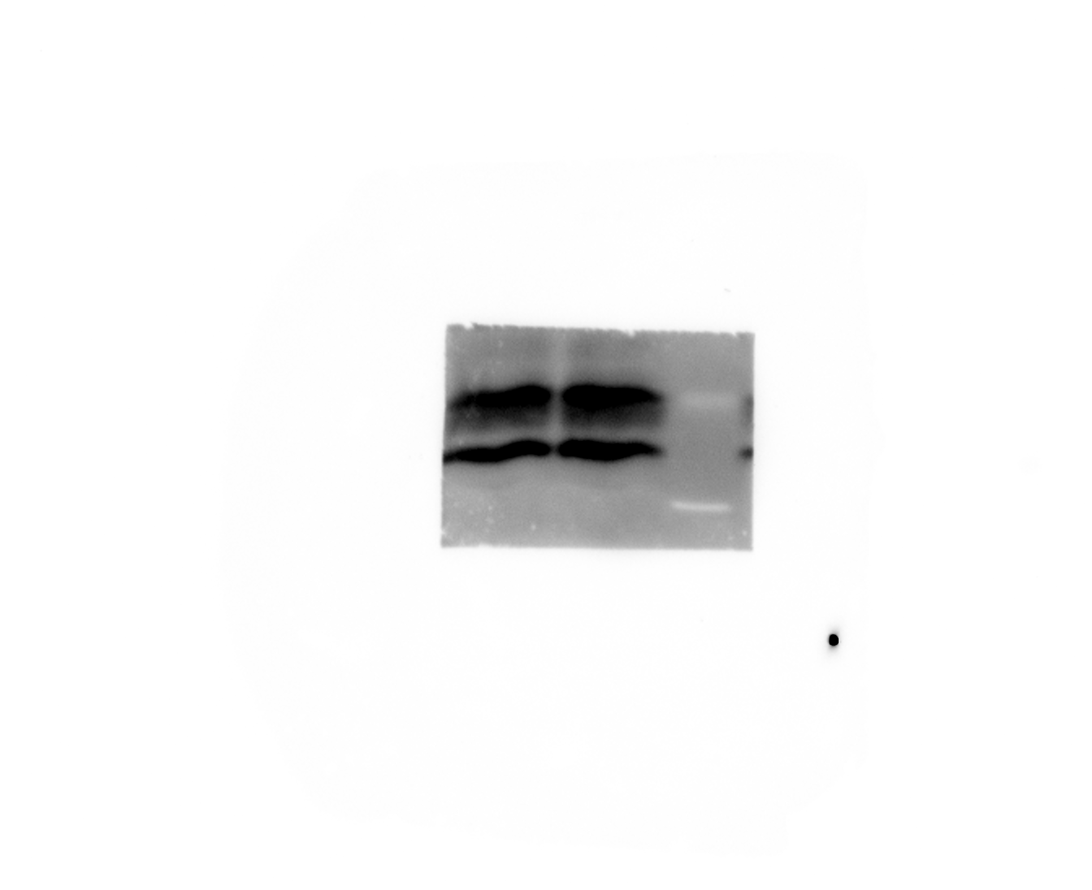    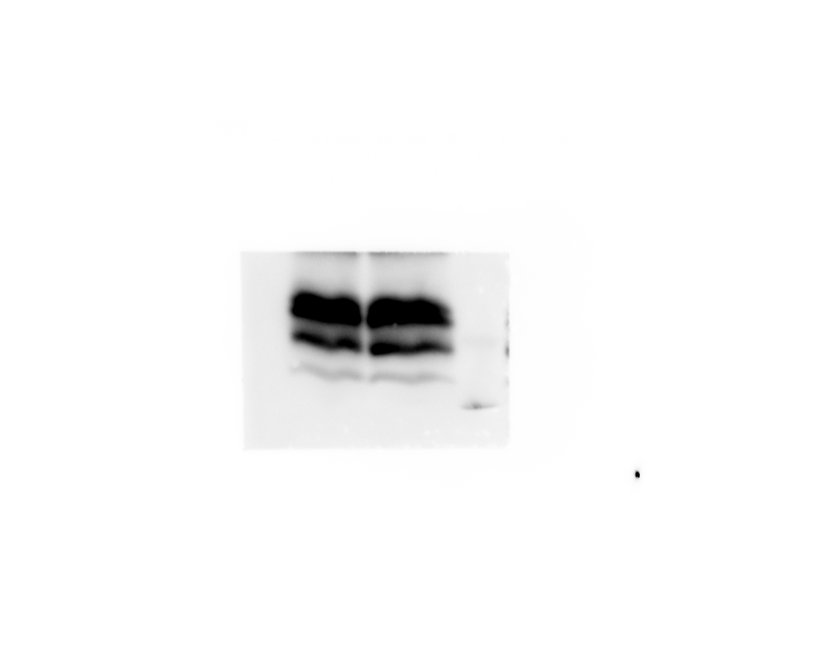  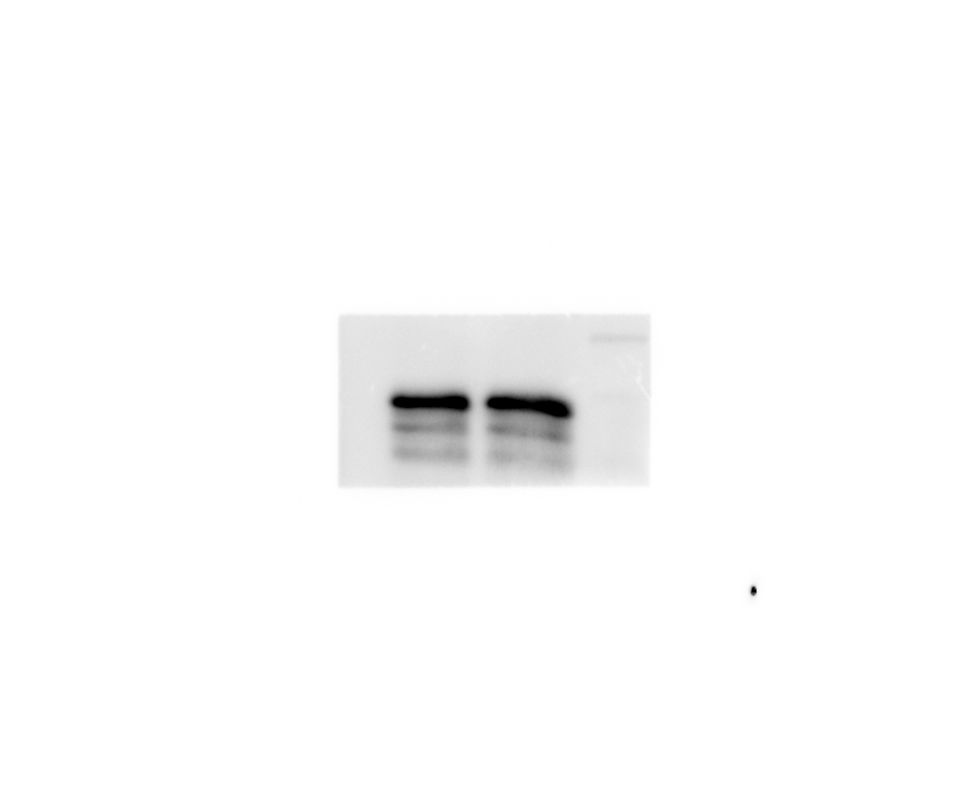 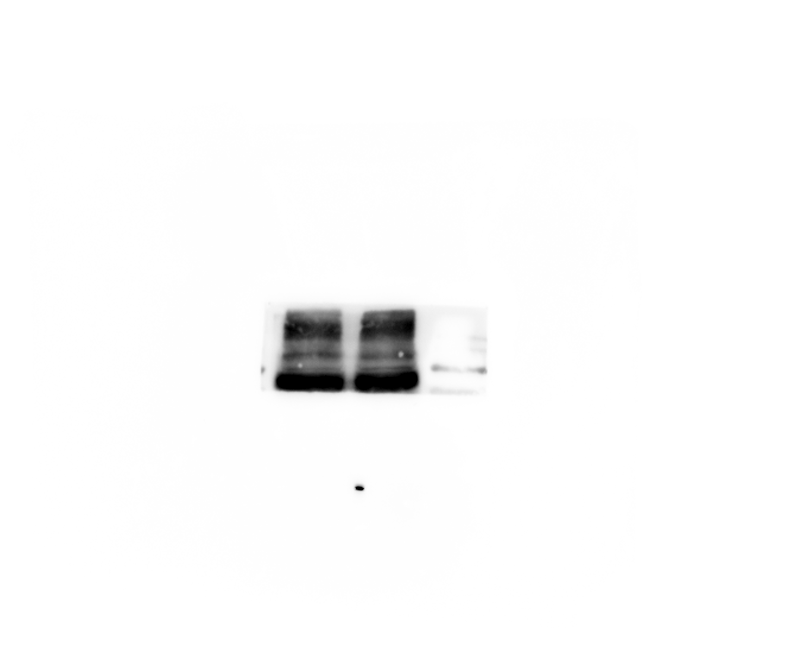        

Input anti-GAPDH
Input anti-HA
Input anti-M1
Input anti-M2
Input anti-NA

Gla
IgG
Gla
IgG
Gla
IgG
Gla
IgG
Gla
IgG

Input anti-NEP
Input anti-NP
Input anti-NS1
Input anti-PA
Input anti-PB1
Input anti-PB2

Gla
IgG
Gla
IgG
Gla
IgG
Gla
IgG
Gla
IgG
Gla
IgG

IP anti-HA
IP anti-M1
IP anti-NA
IP anti-NEP
IP anti-NP

Gla
Gla
Gla
Gla
Gla
IgG
IgG
IgG
IgG
IgG





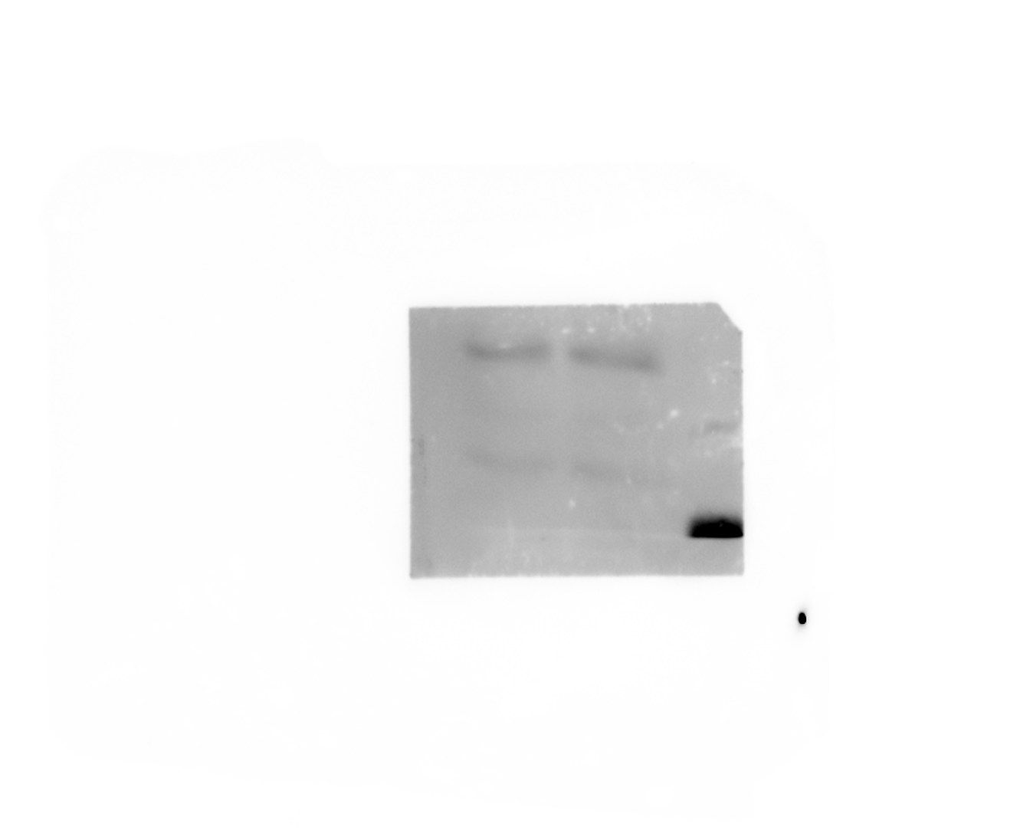

IP anti-NS1
IP anti-PA
IP anti-PB1
IP anti-PB2
IP anti-M2

Gla
IgG
Gla
IgG
Gla
IgG
Gla
IgG
Gla
IgG

Figure 3b
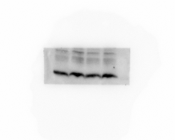 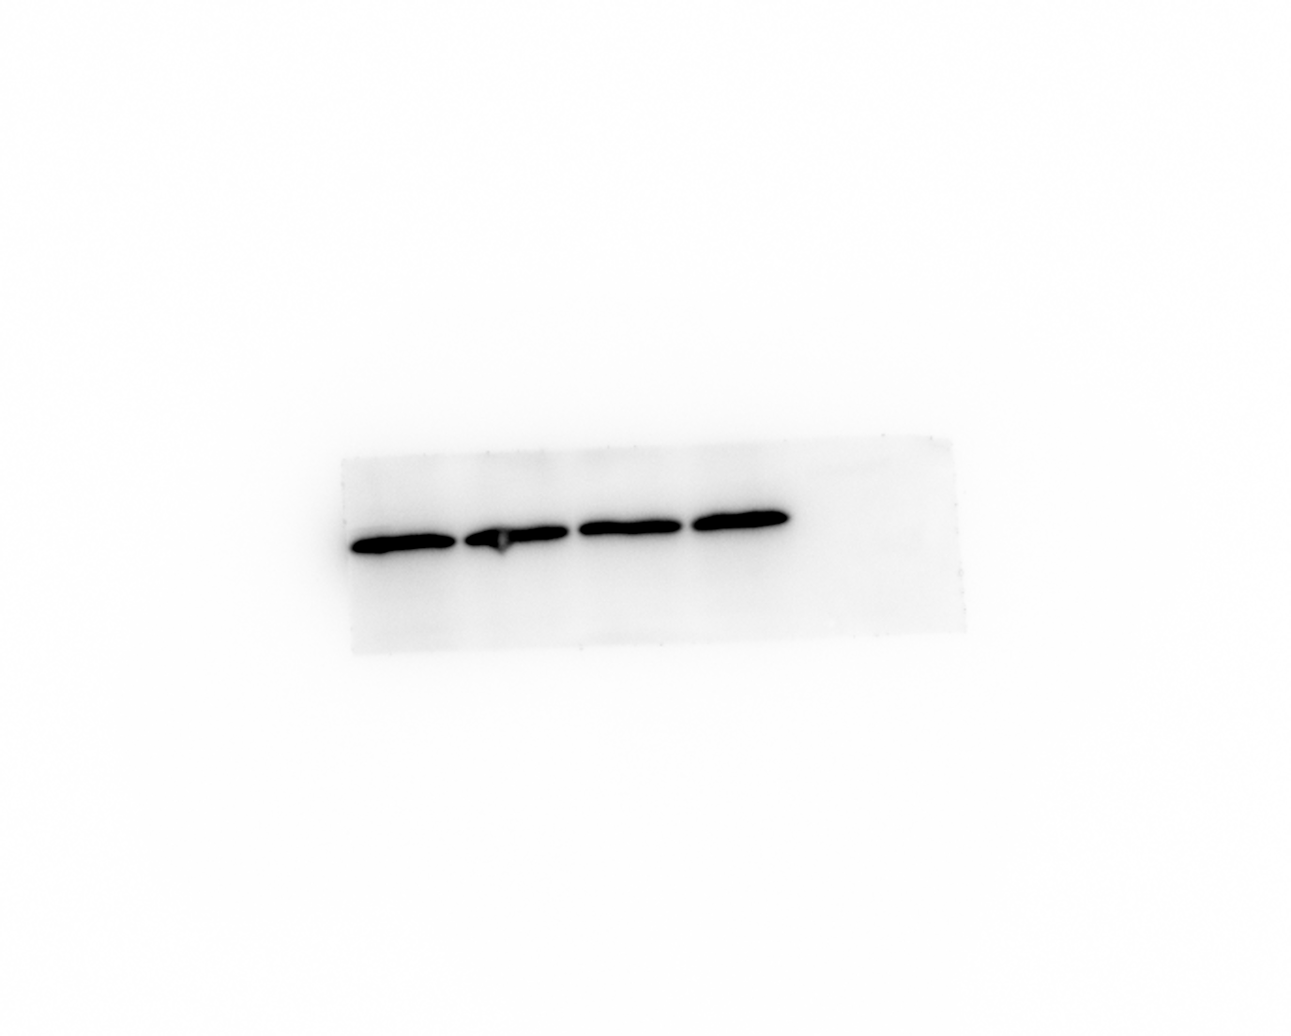 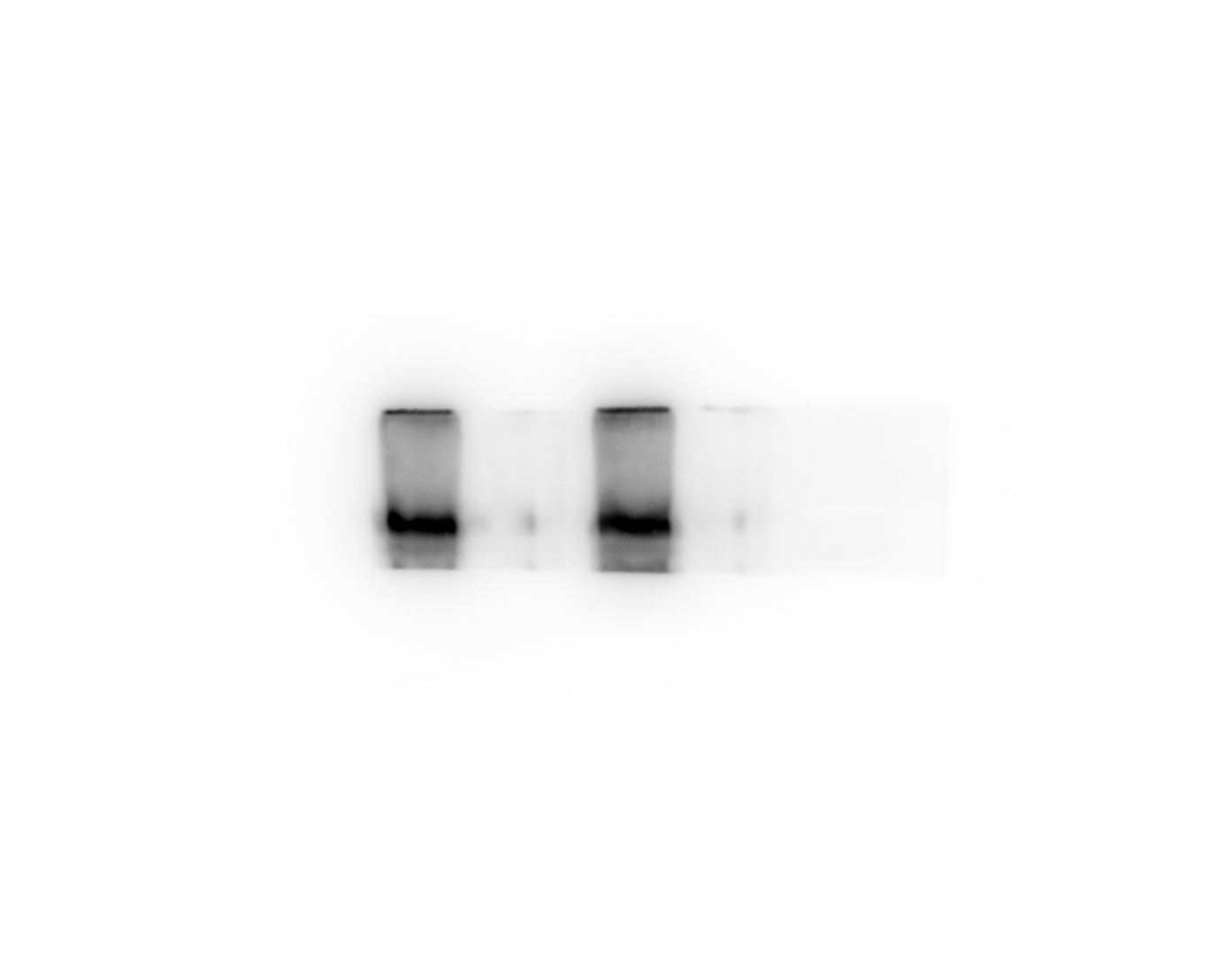 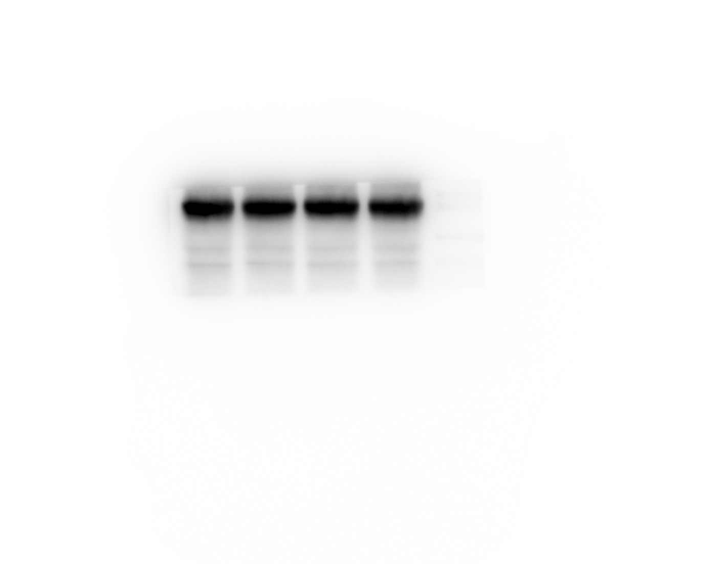 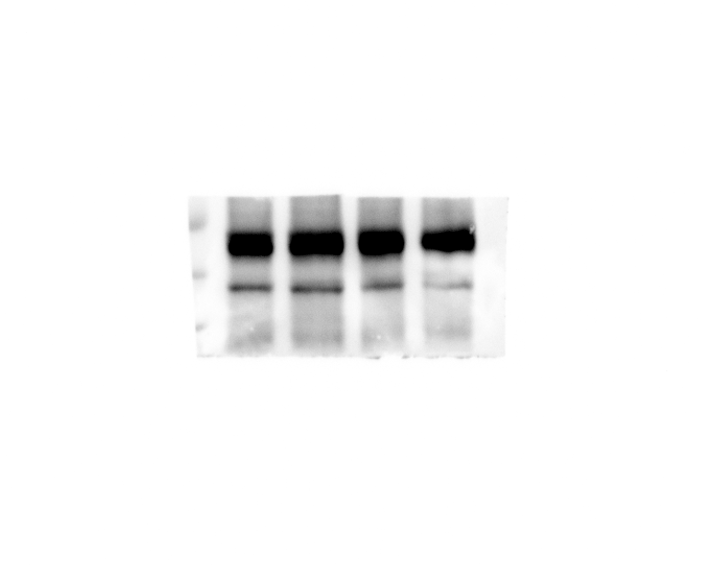  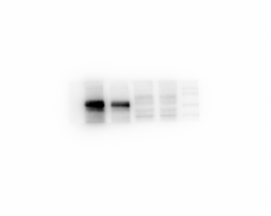

Input anti-GAPDH
Input anti-GGCX
Input anti-HA
Input anti-NP
Input anti-BGLAP

Gla
IgG
- + - + GGCX-KO
Gla
IgG
- + - + GGCX-KO
Gla
IgG
- + - + GGCX-KO
Gla
IgG
- + - + GGCX-KO
Gla
IgG
- + - + GGCX-KO

Input anti-BGLAP
Input anti-BGLAP

Gla
IgG
- + - + GGCX-KO

Gla
IgG
- + - + GGCX-KO

Figure 3c
 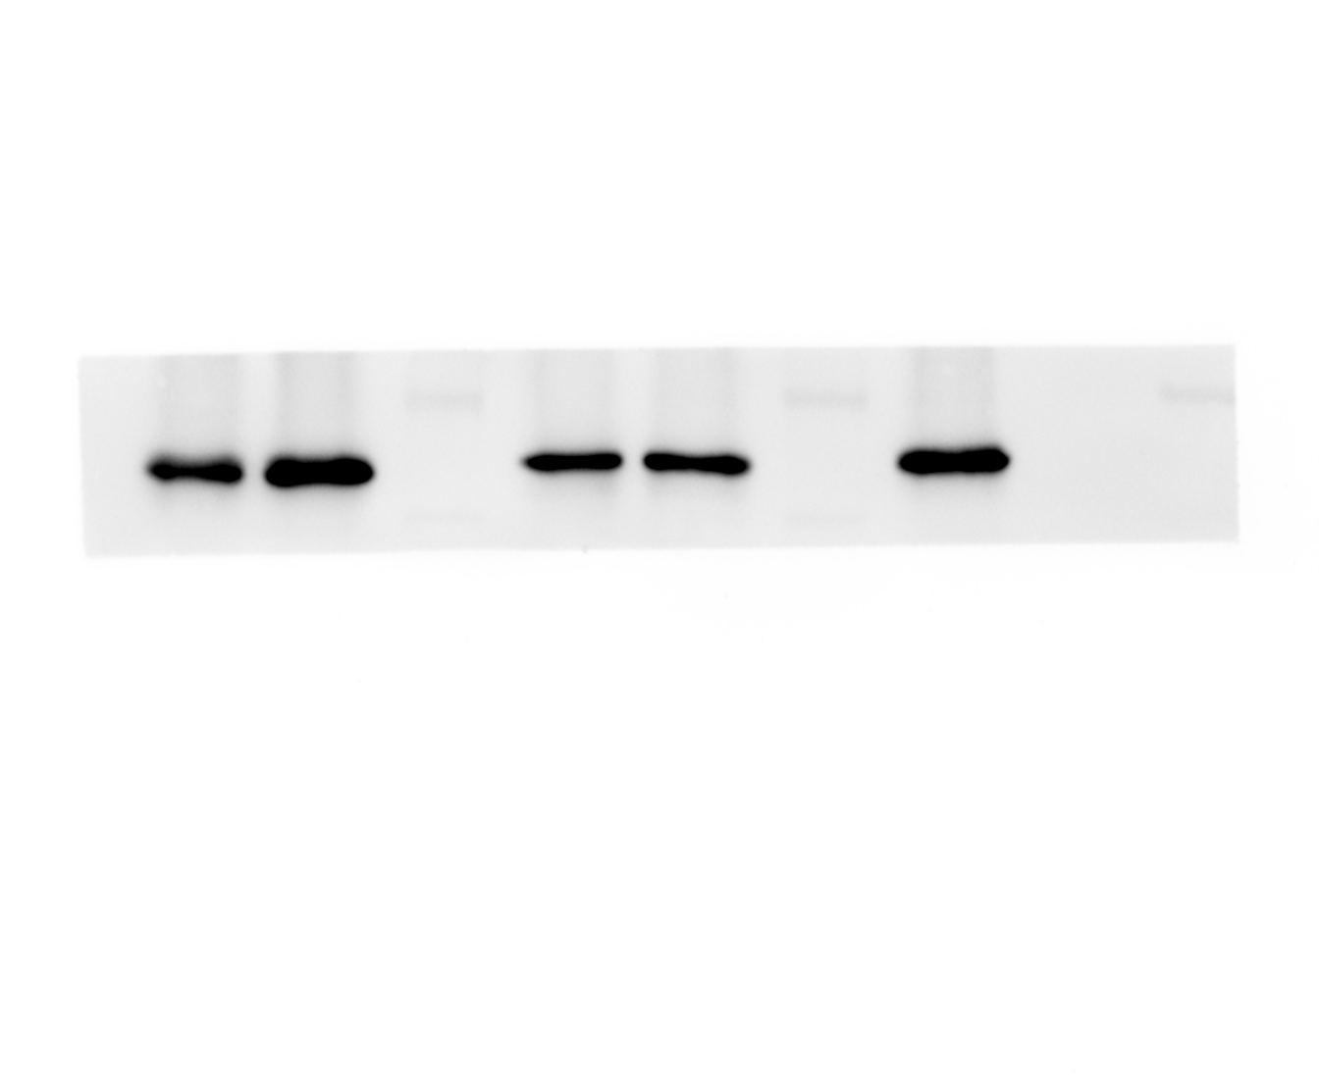 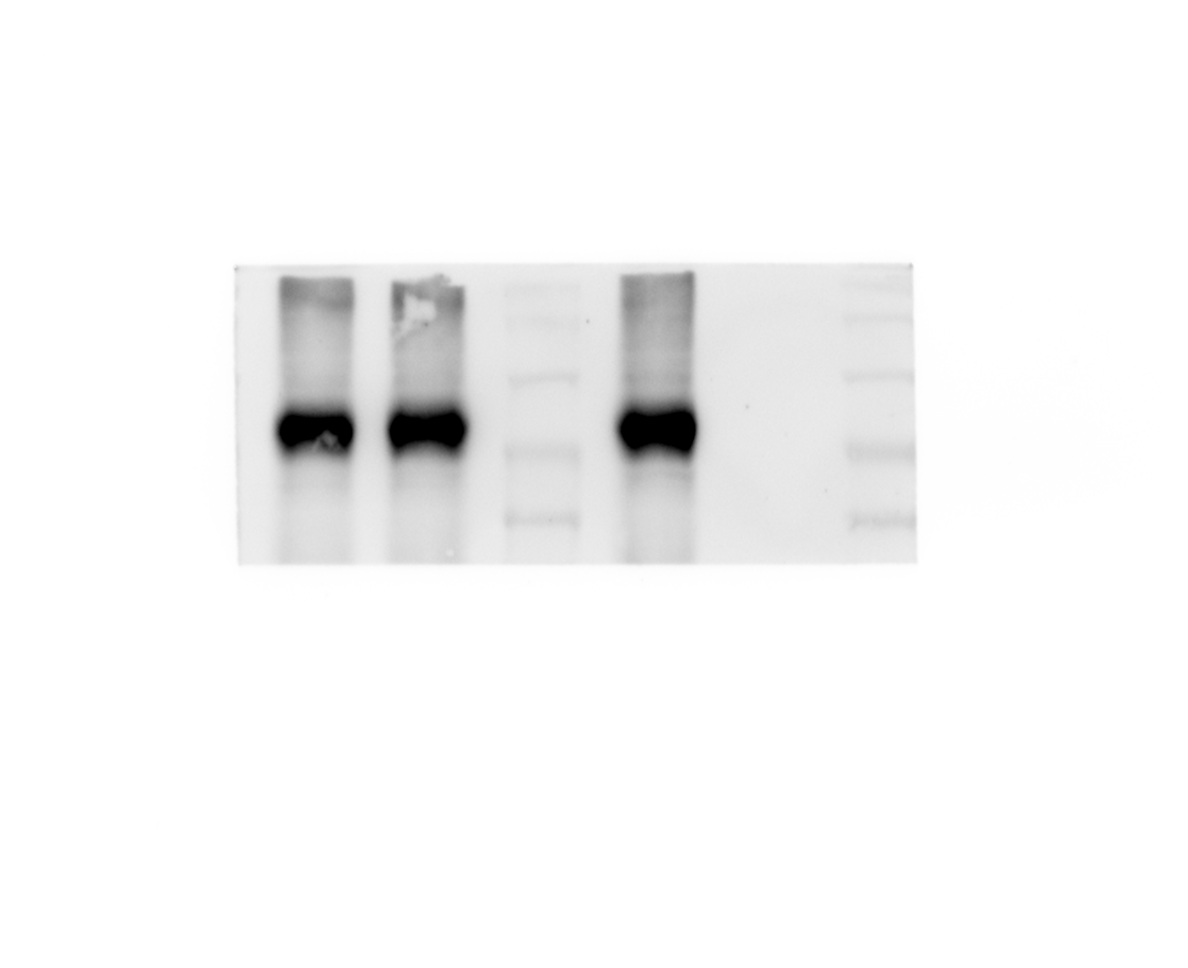 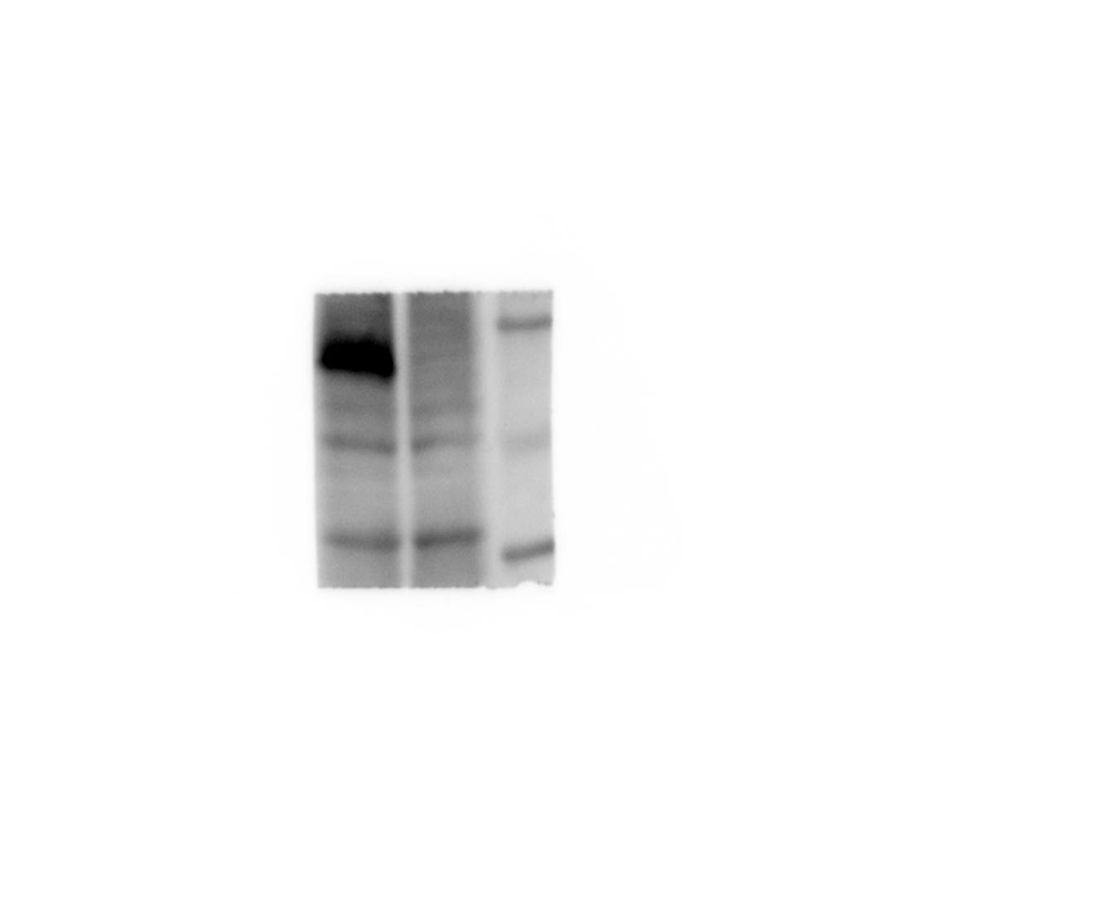 

Input anti-Flag
Input anti-GAPDH
Input anti-HA

Flag-GGCX
Flag
Flag-GGCX
Flag

Flag-GGCX
Flag

IP anti-Flag
IP anti-HA

Flag-GGCX
Flag

Flag-GGCX
Flag

Figure 3d
     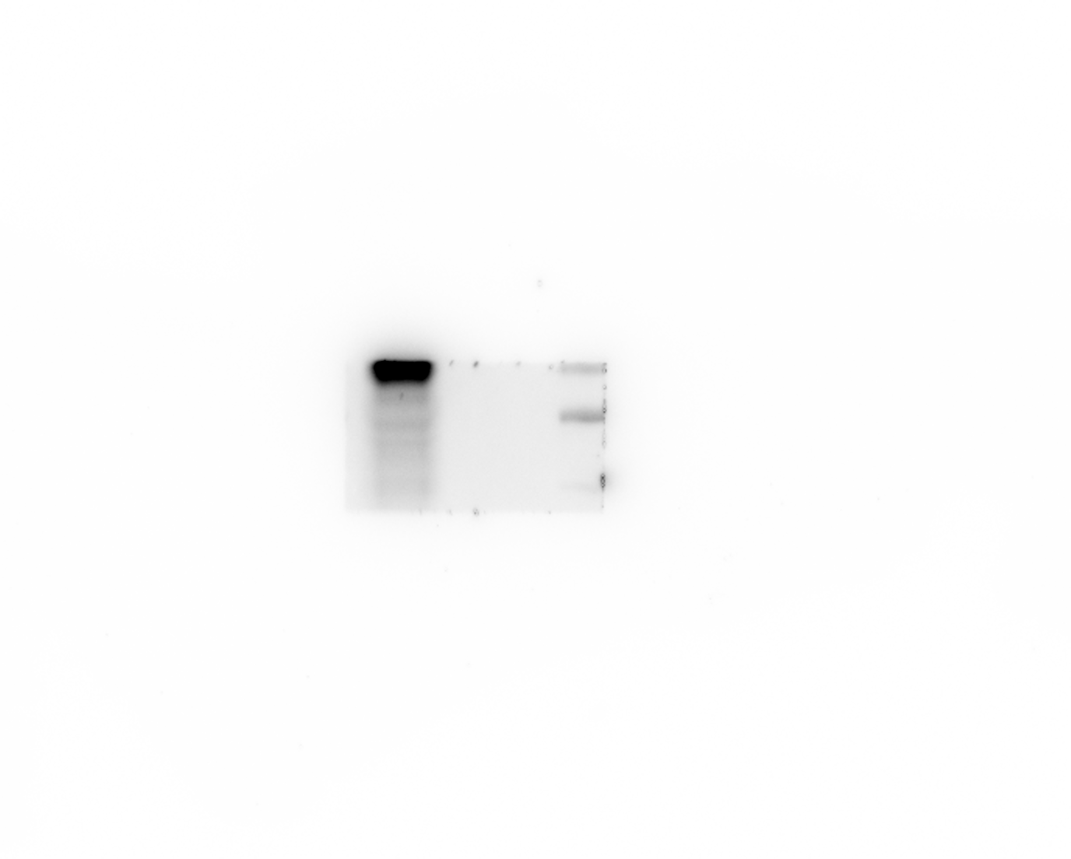

Input anti-GAPDH
Input anti-GGCX
Input anti-HA
Input anti-NP

HA
IgG
HA
HA
IgG
IgG
HA
IgG

IP anti-GGCX
IP anti-HA

HA
HA
IgG
IgG

Figure 3e
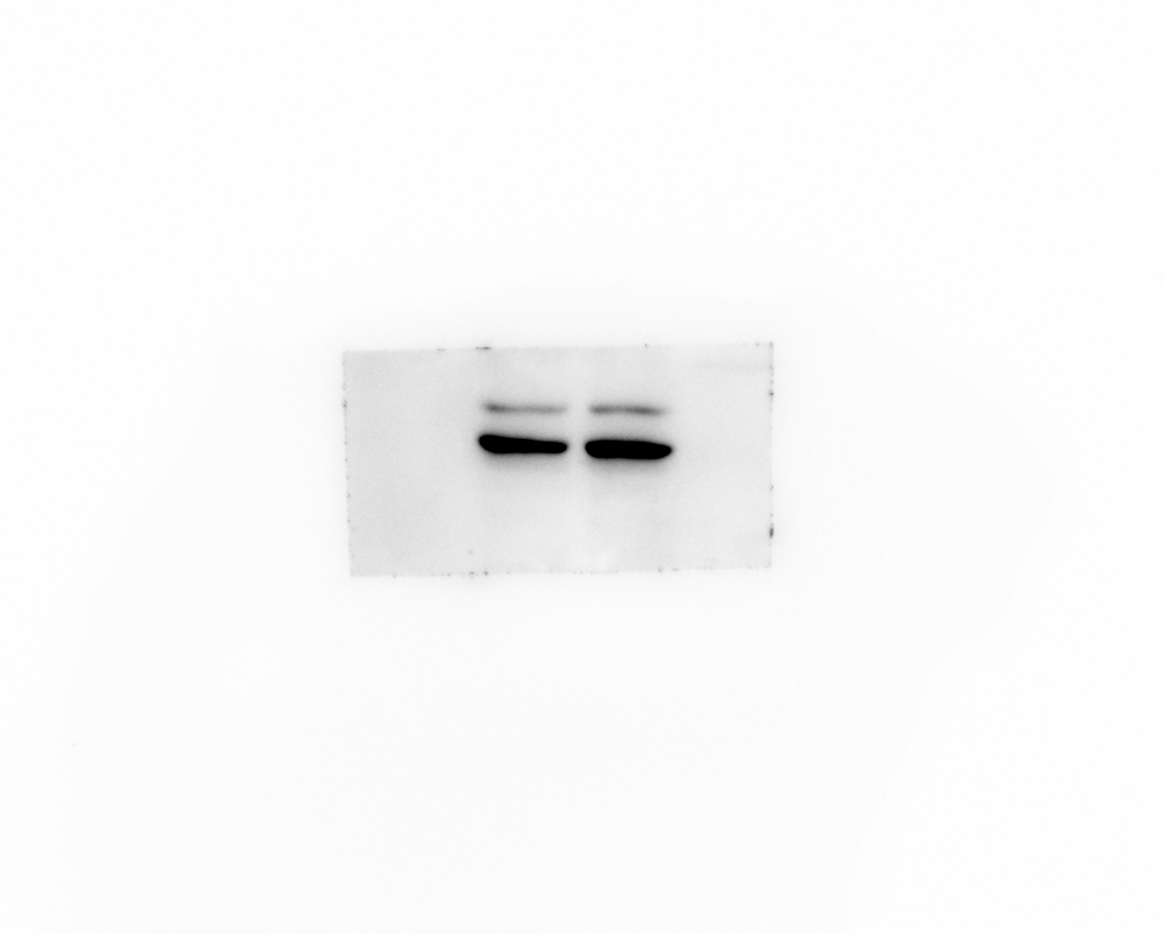  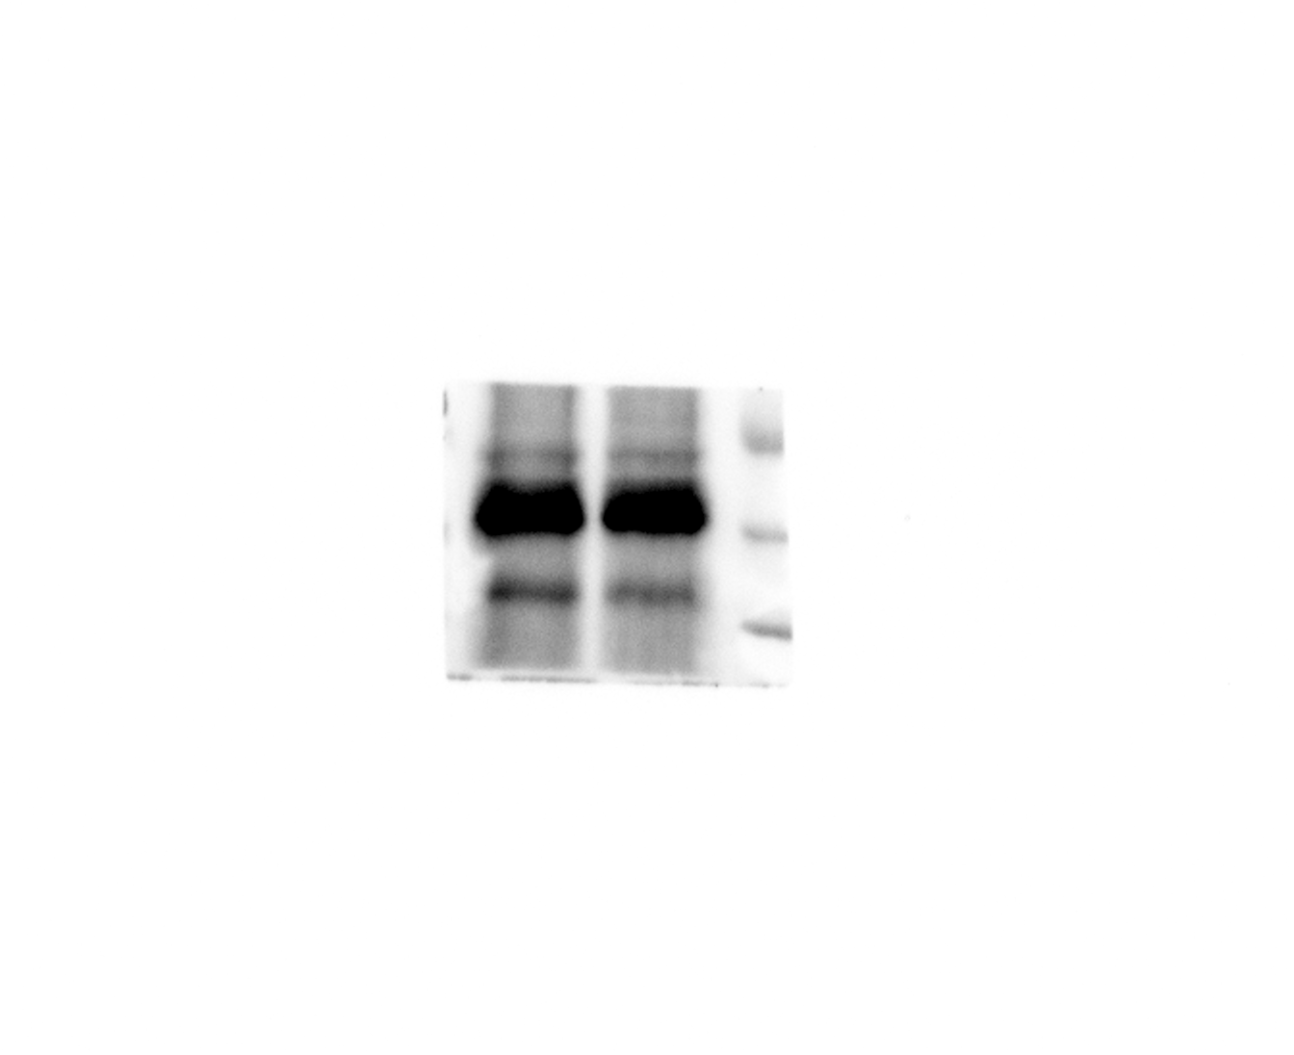 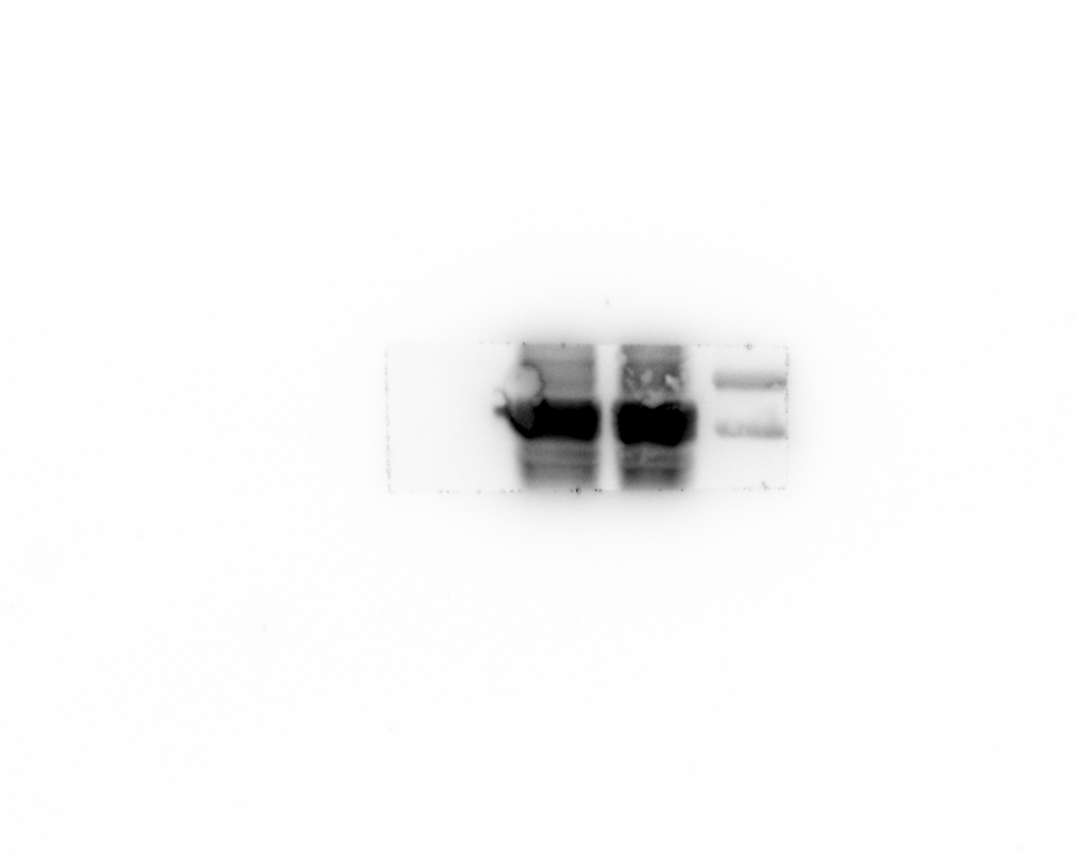  

Input anti-GAPDH
Input anti-GGCX
Input anti-HA
Input anti-NP

GGCX
IgG
GGCX
IgG
GGCX
GGCX
IgG
IgG

Input anti-GGCX
Input anti-HA

GGCX
IgG
GGCX
IgG

Figure 3f
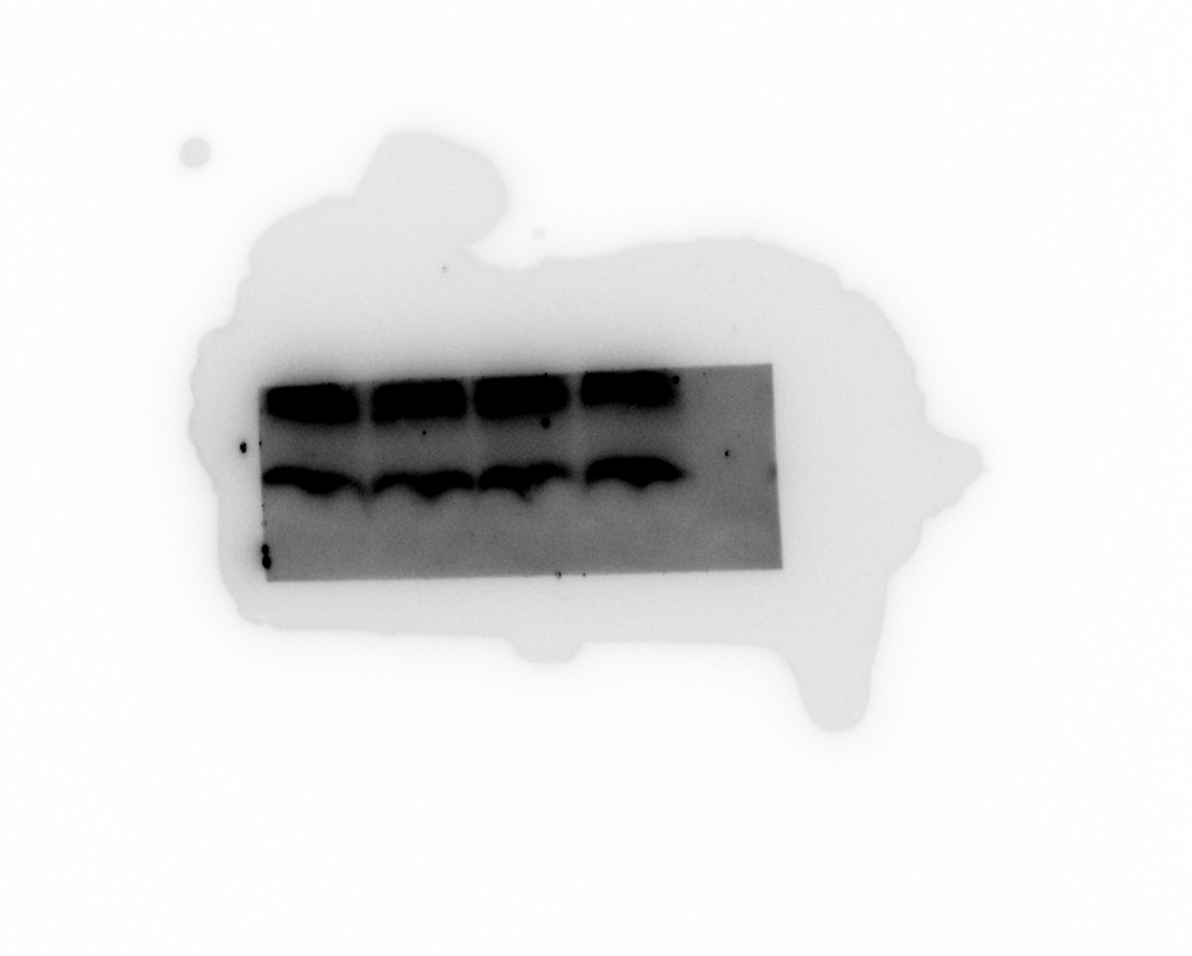  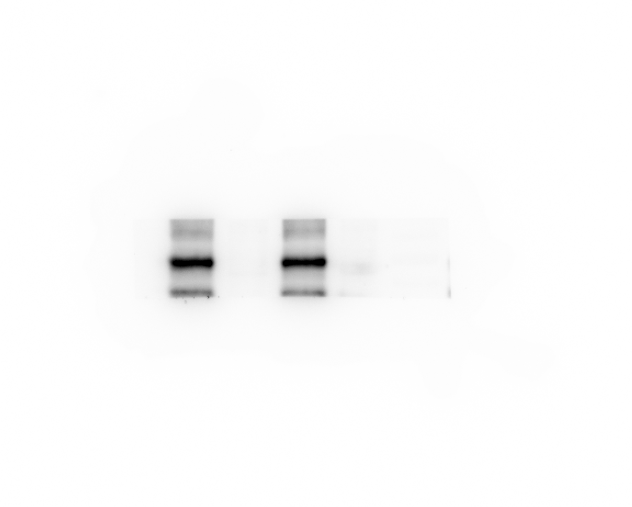 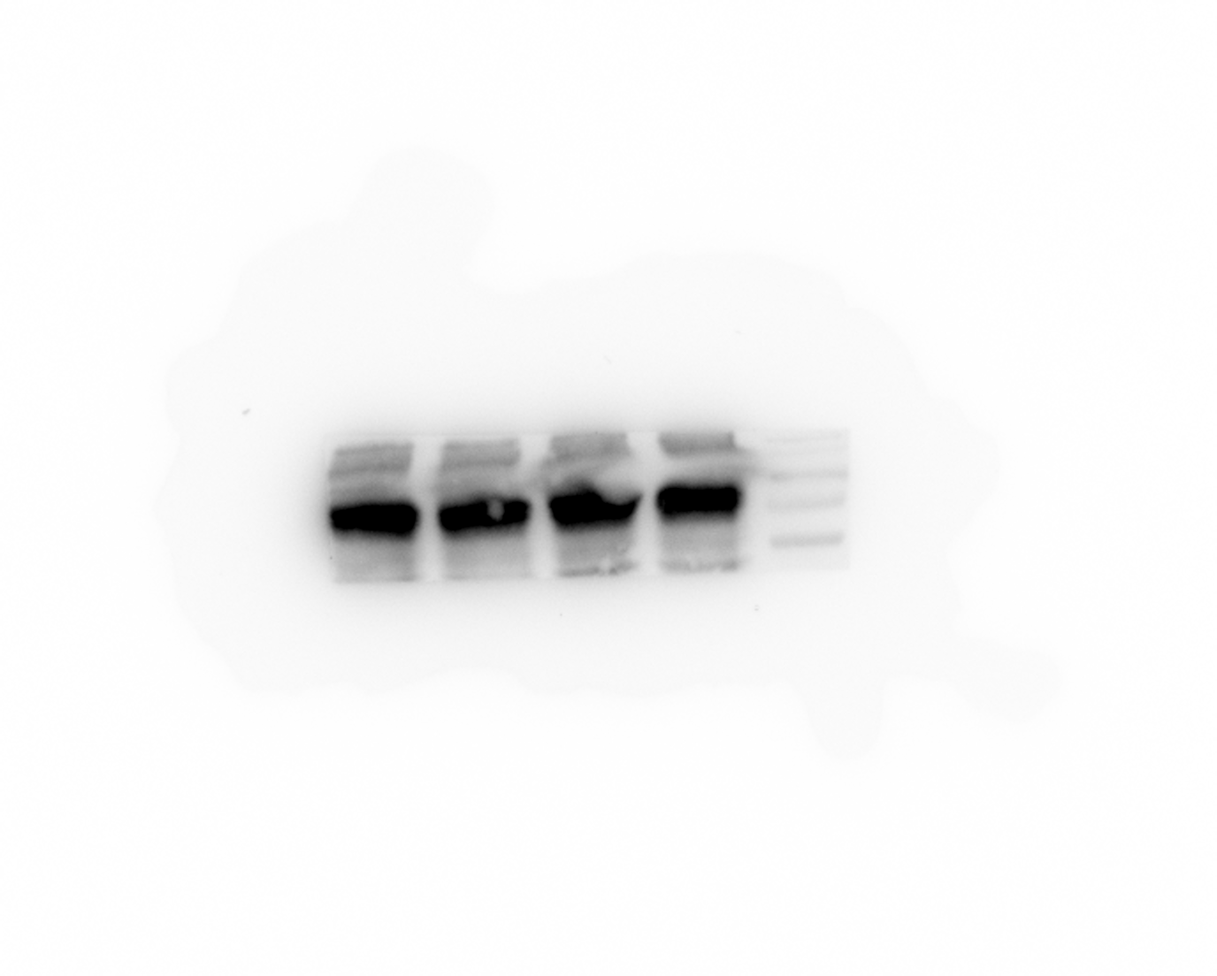 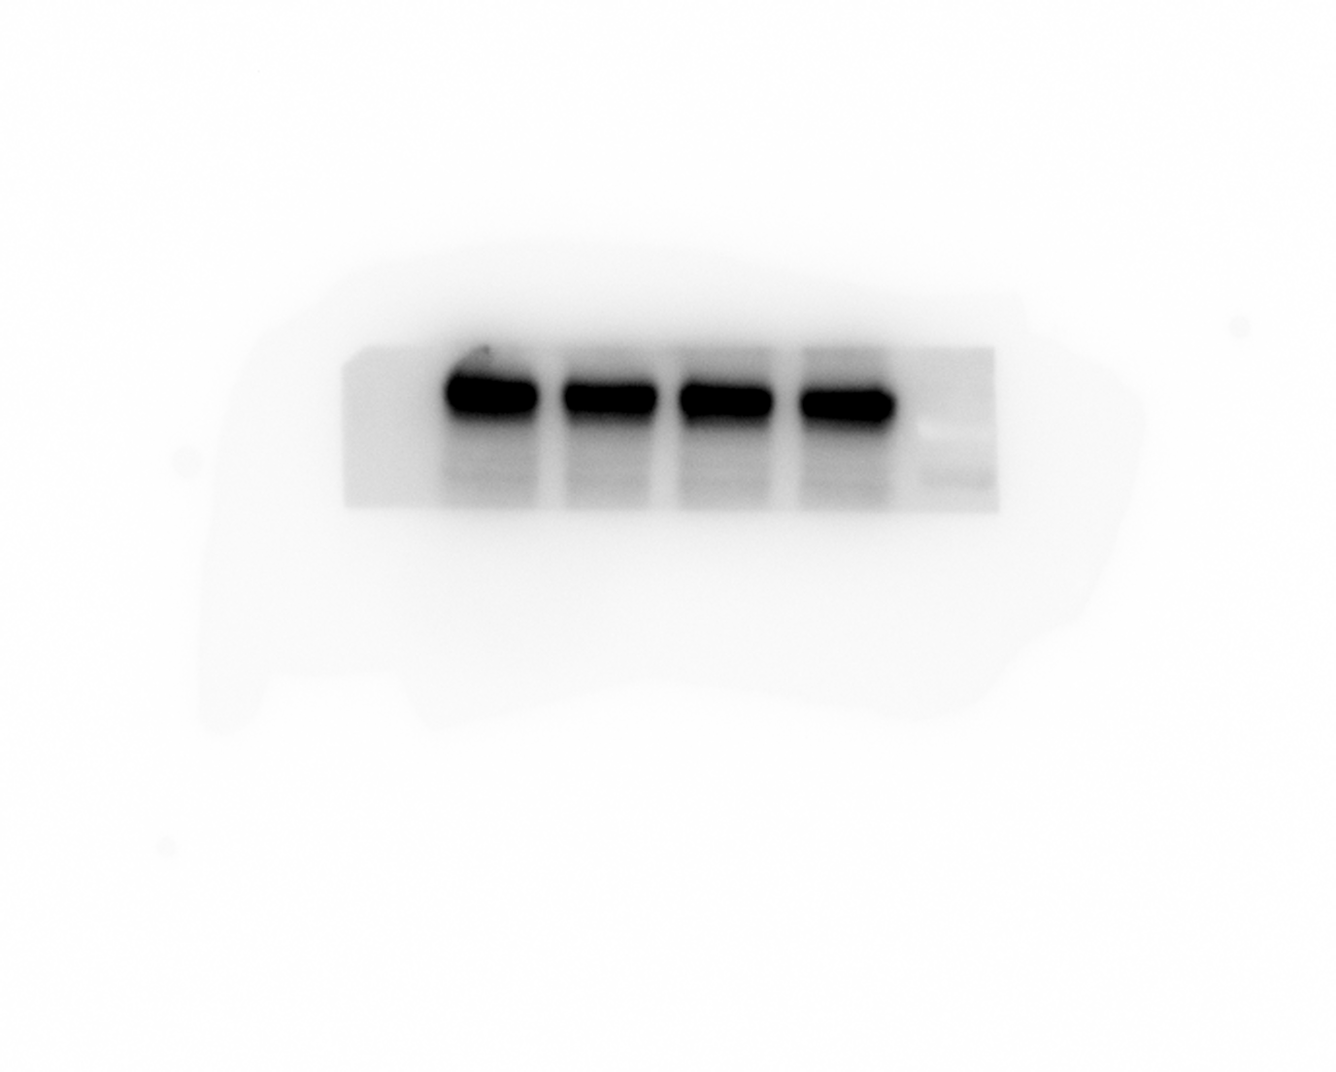 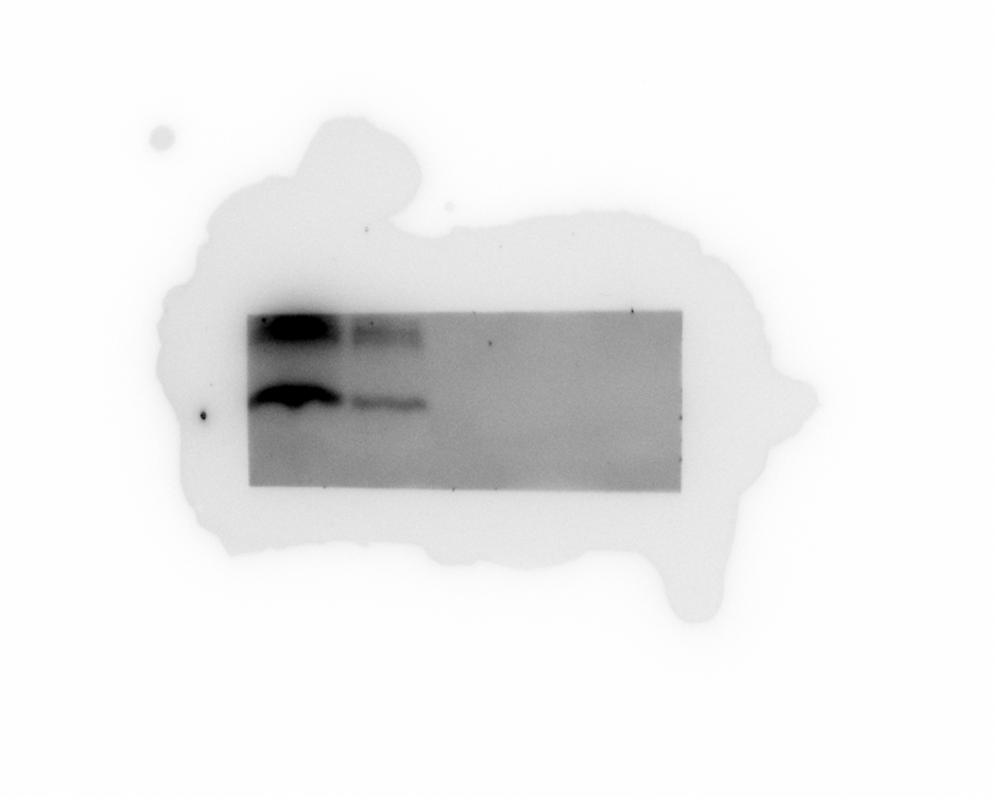 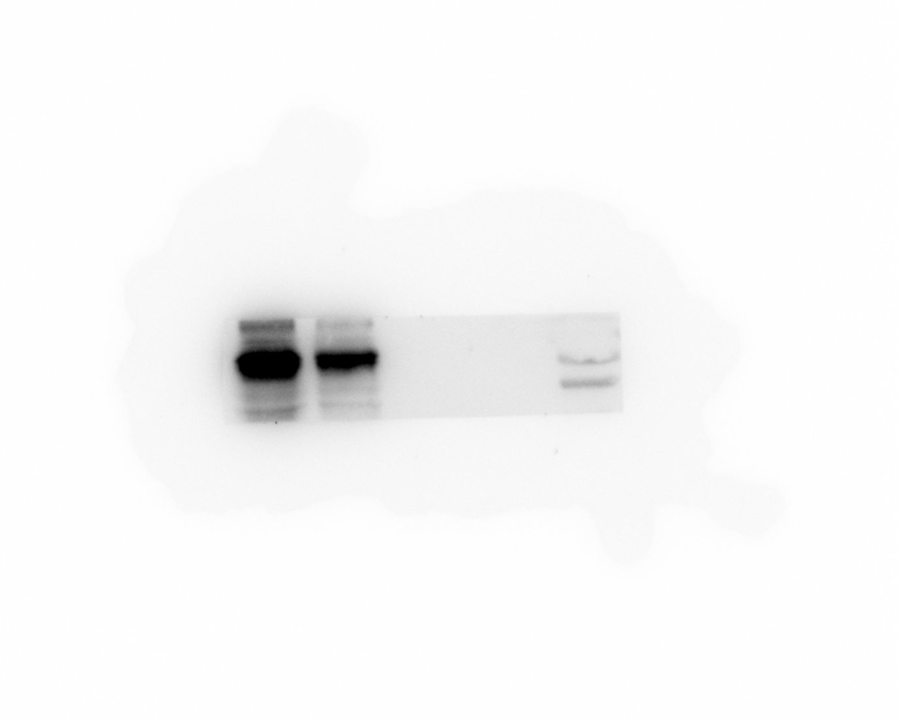 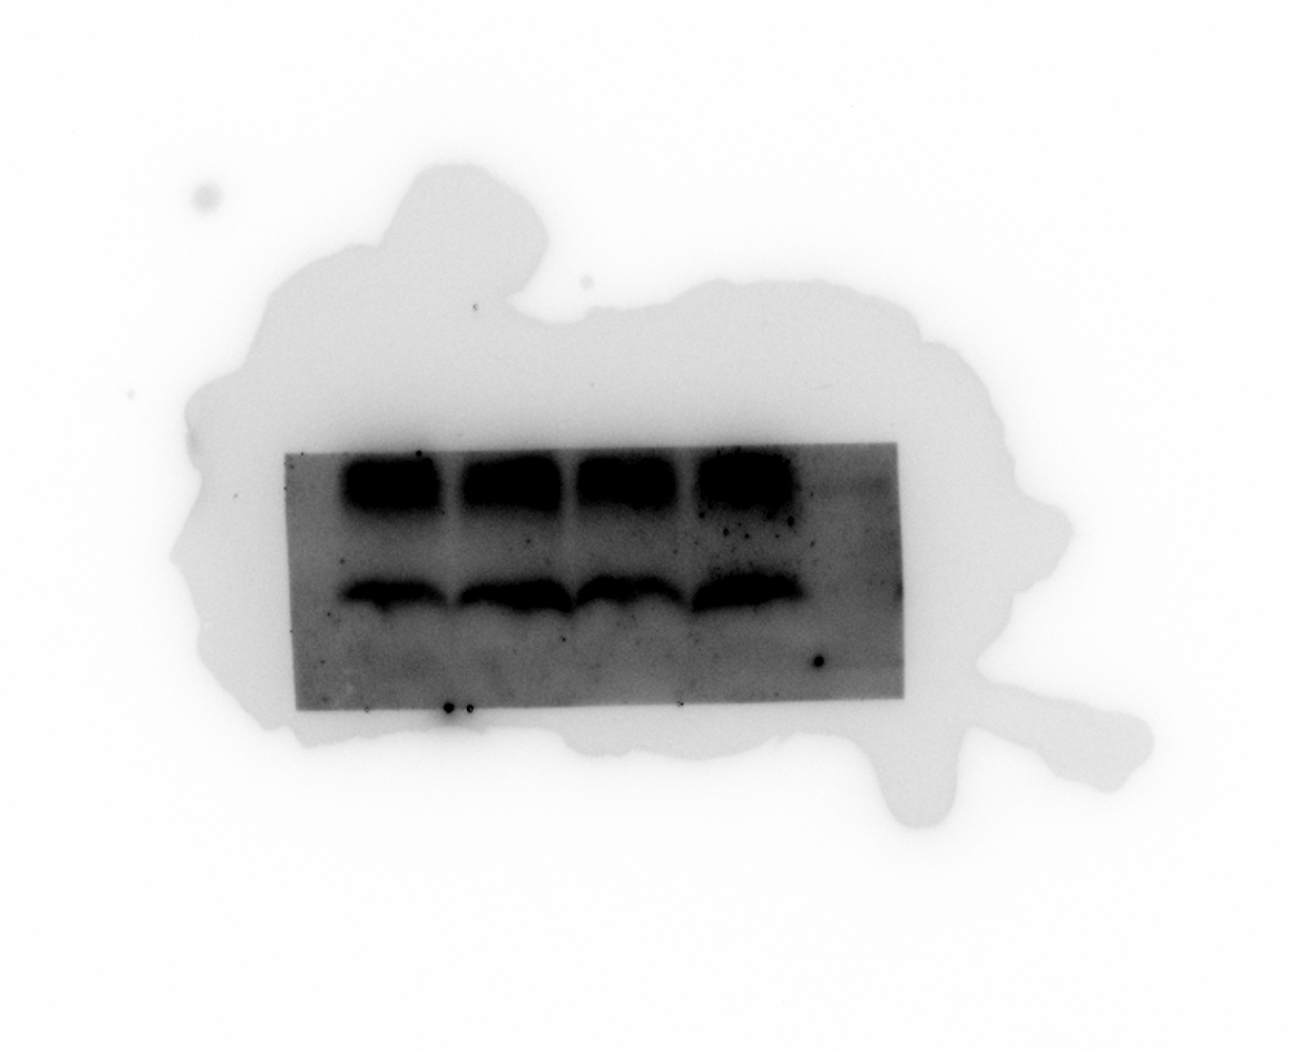 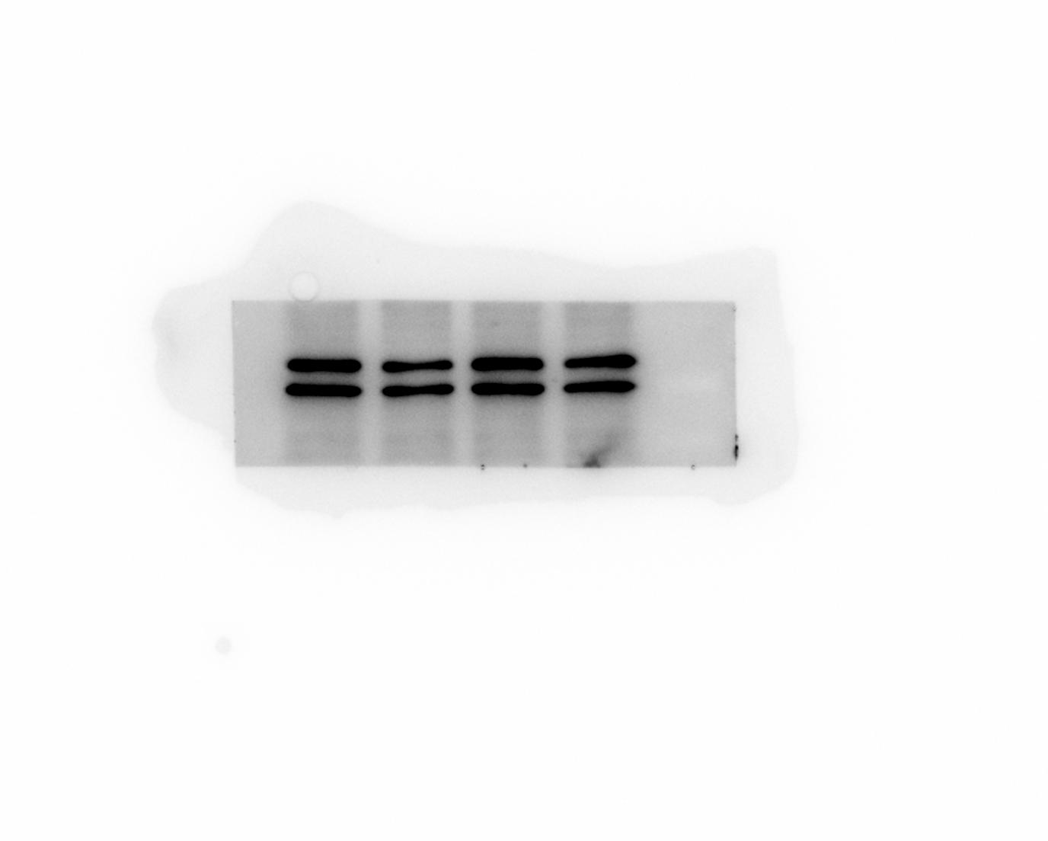 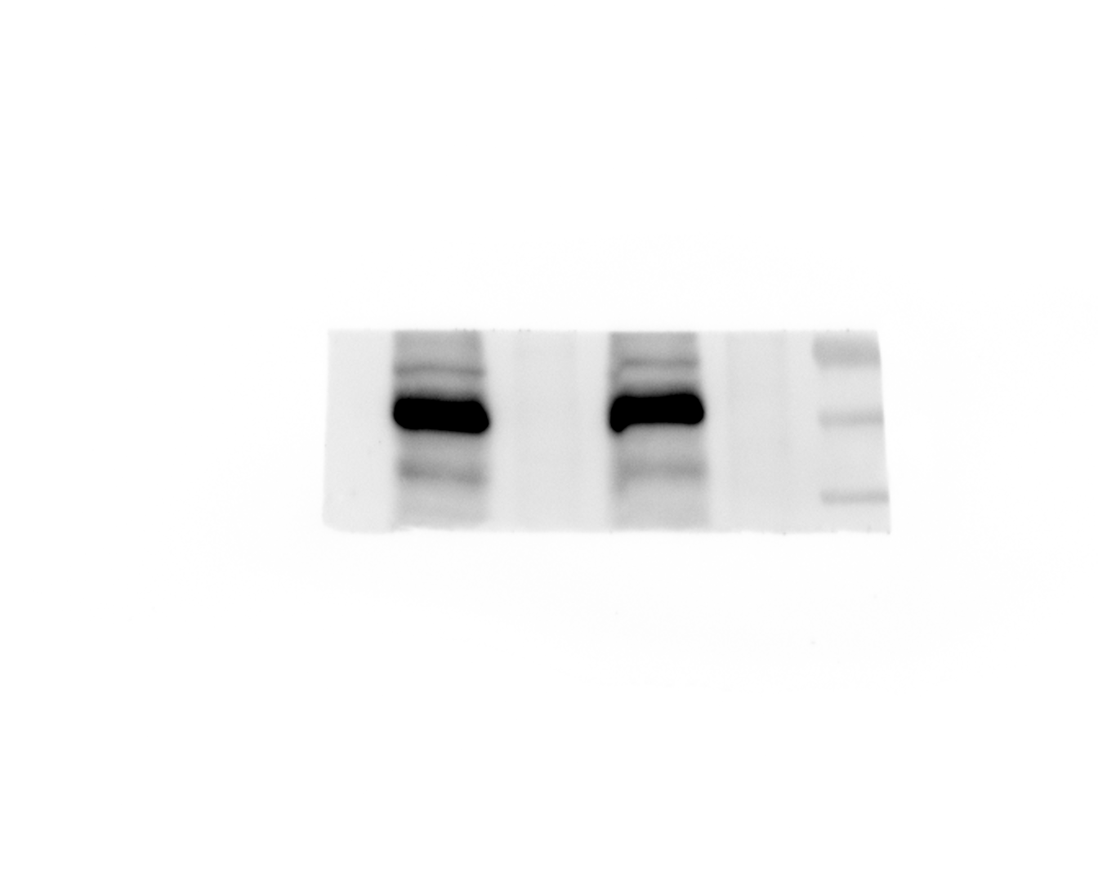 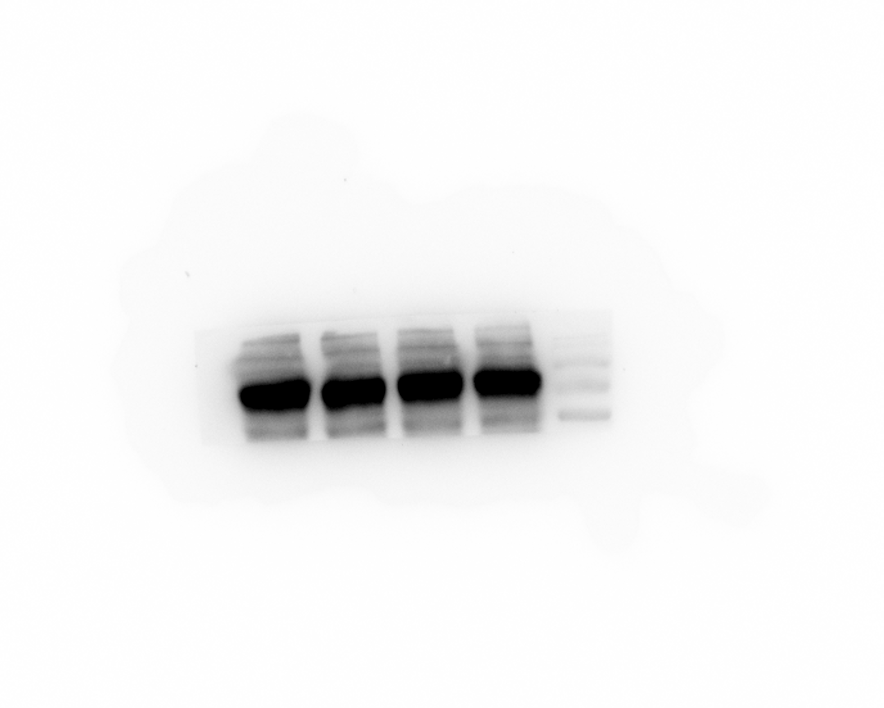 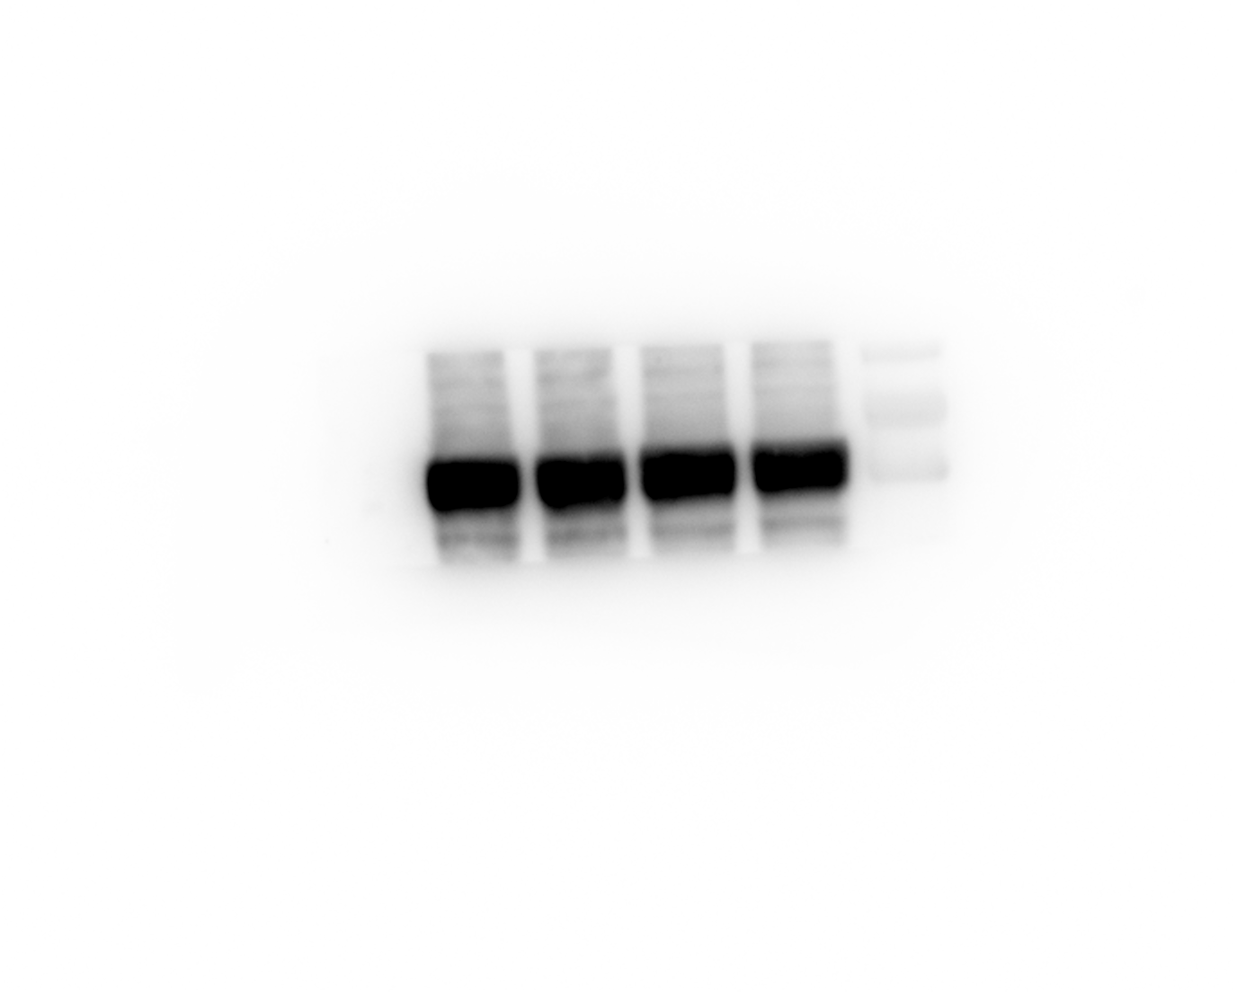 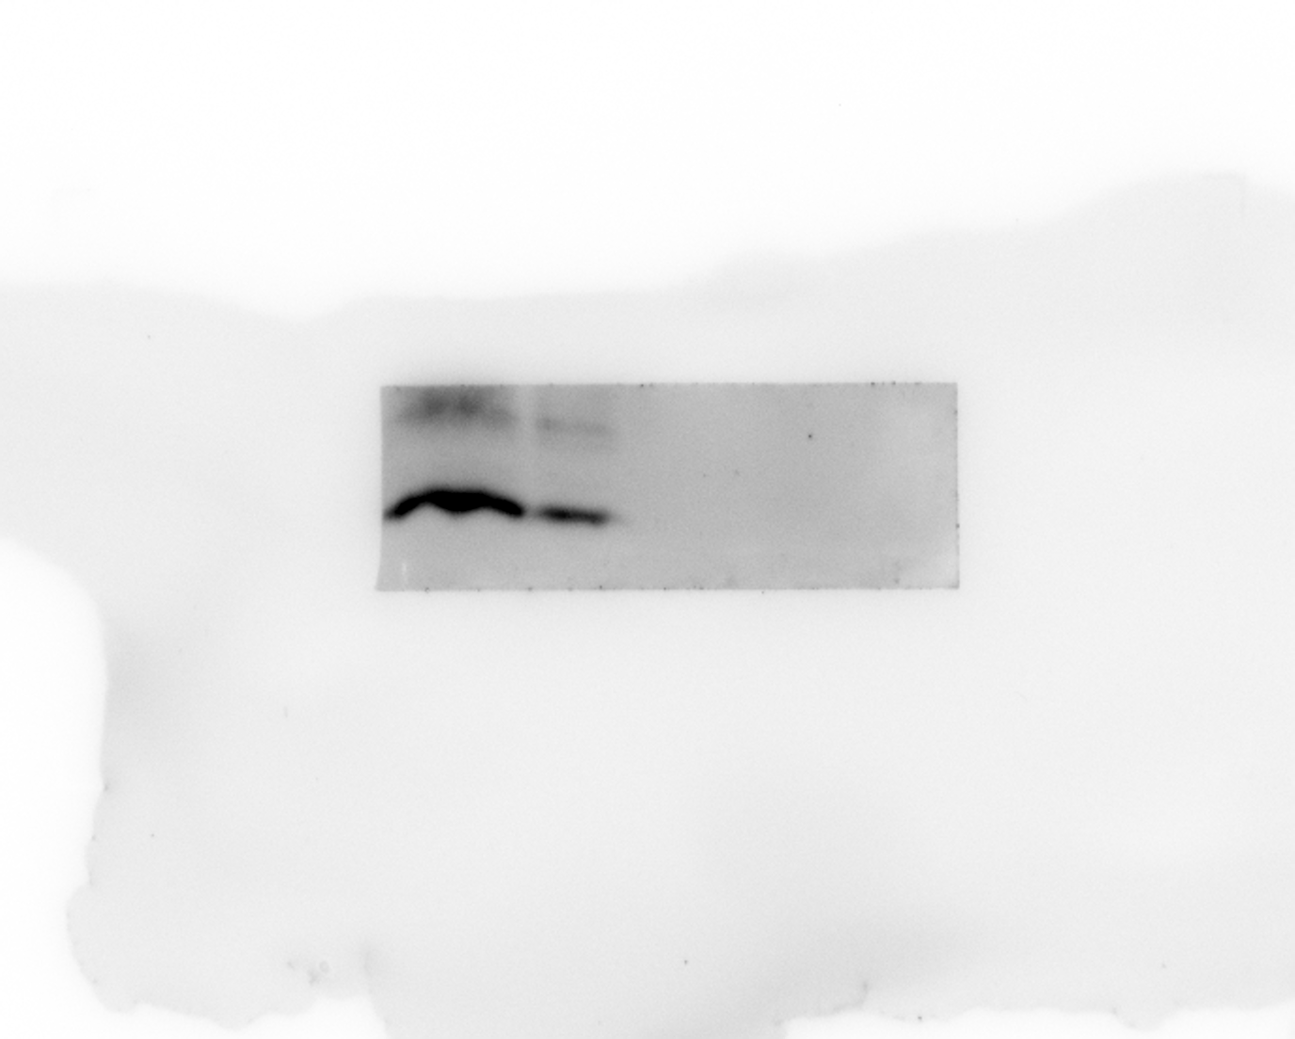  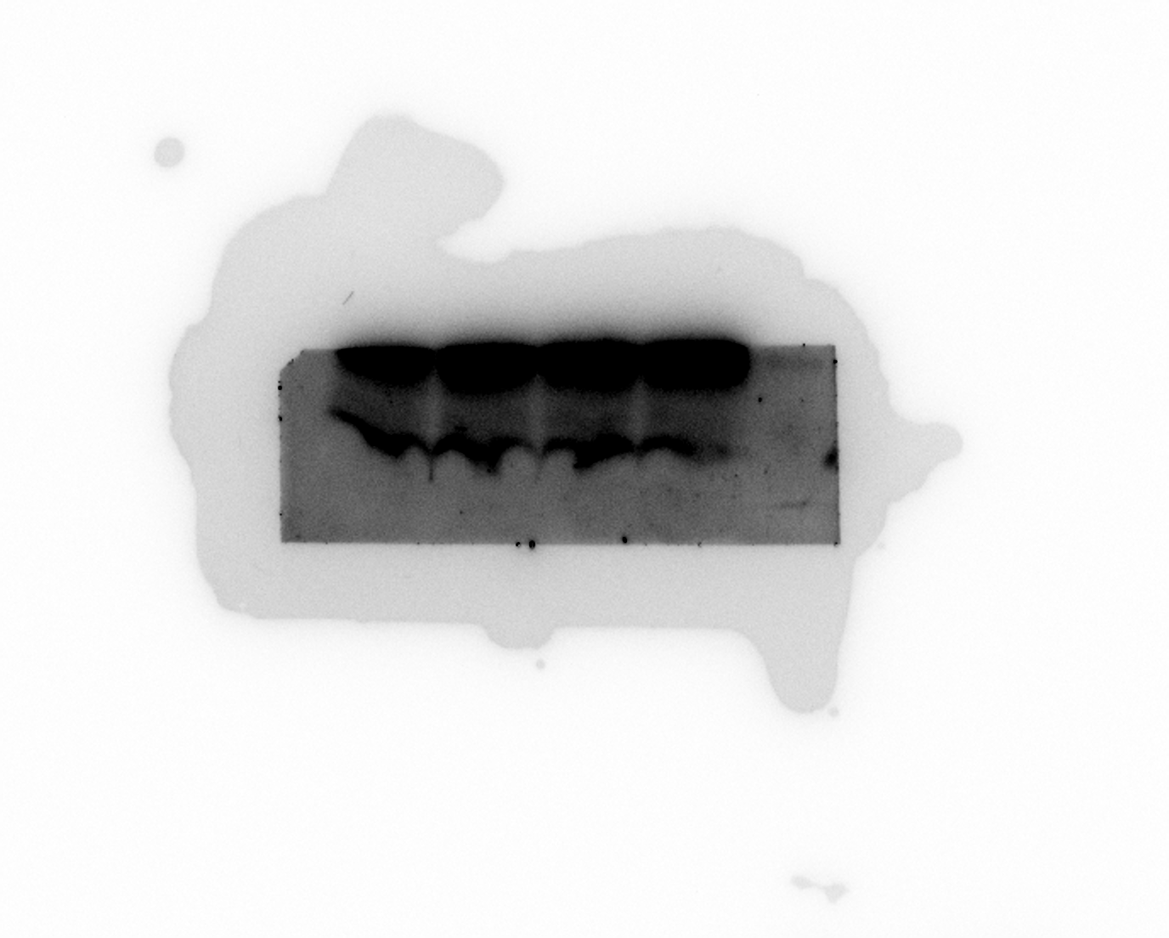 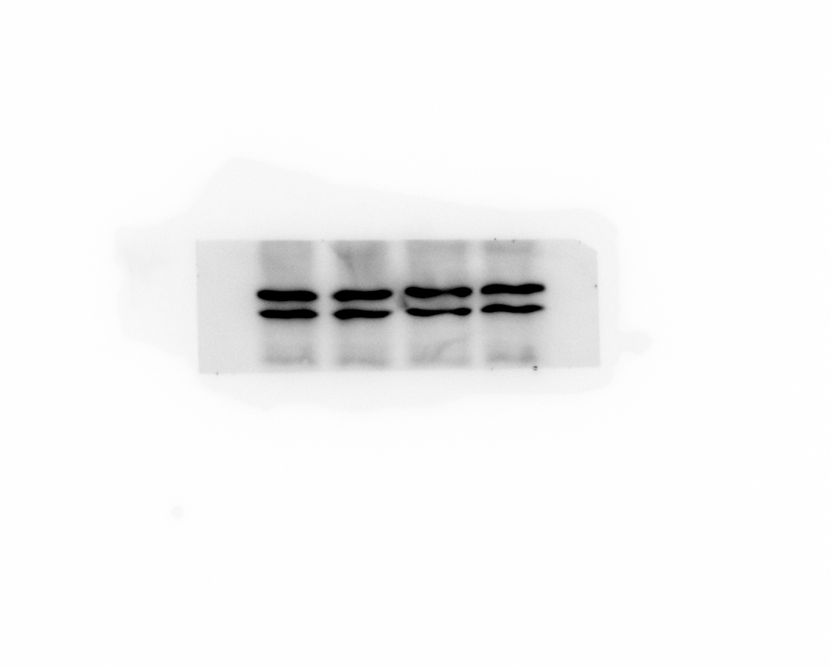 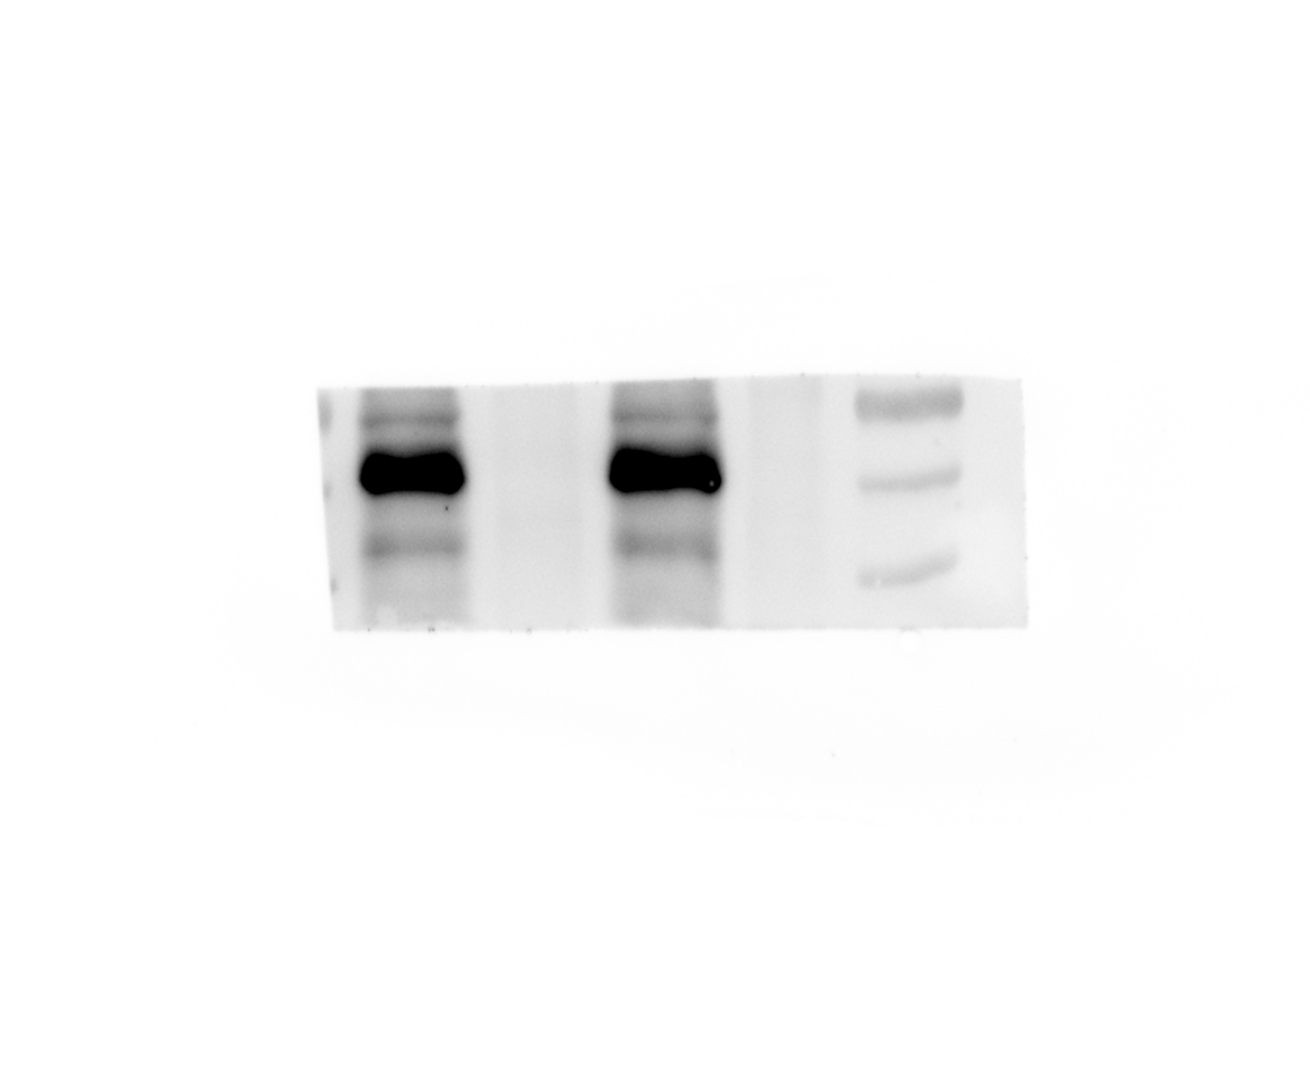 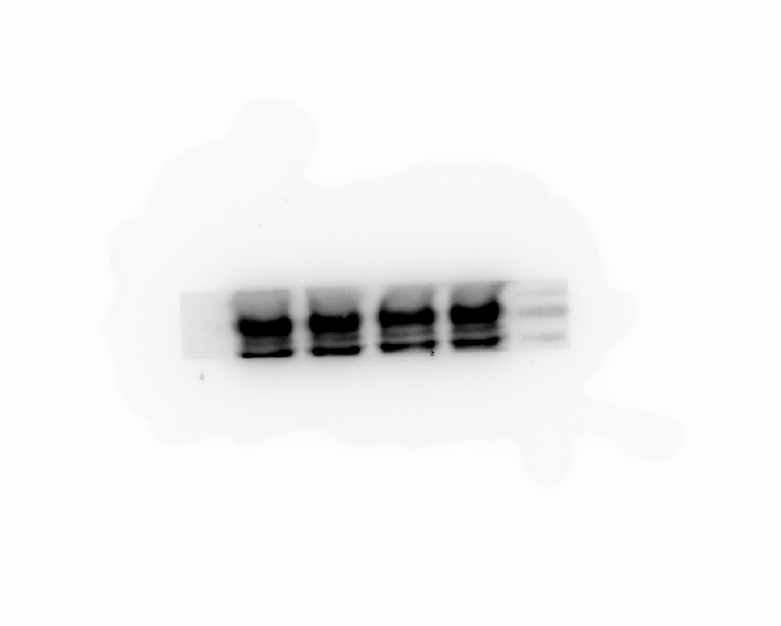 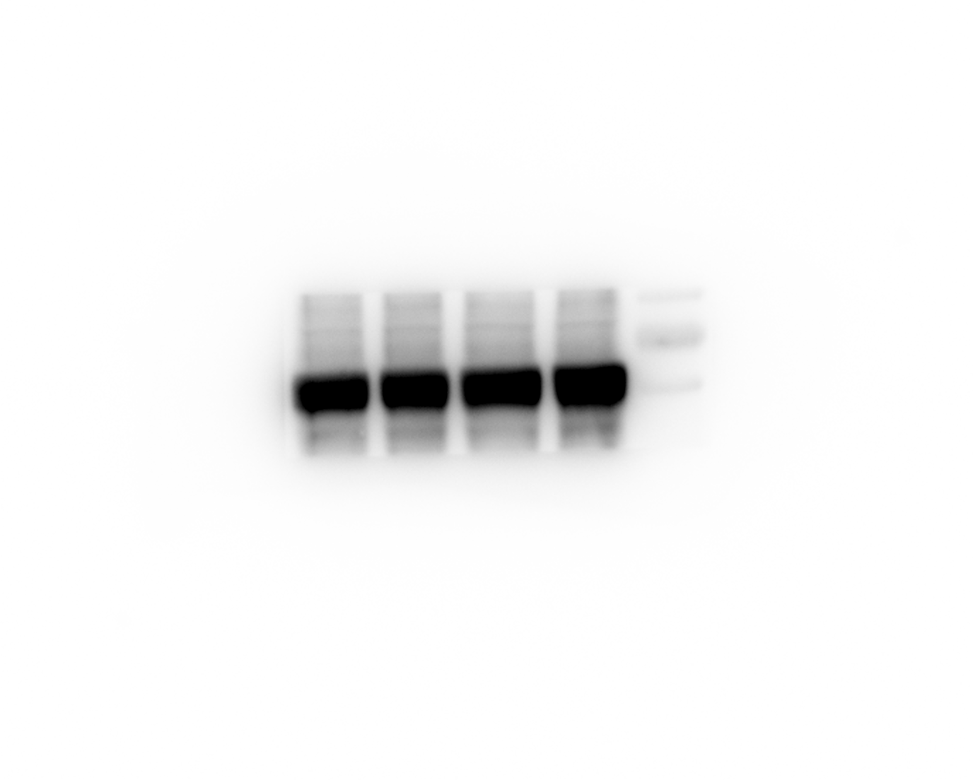  
Input anti-BGLAP
Input anti-GAPDH
Input anti-GGCX
Input anti-NP
Input anti-HA
IP anti-BGLAP
IP anti-HA

HuB/H1N1

PR8/H1N1

SH13/H9N2

Gla
IgG
- + - + GGCX-KO
Gla
IgG
- + - + GGCX-KO
Gla
IgG
- + - + GGCX-KO
Gla
IgG
- + - + GGCX-KO
Gla
IgG
- + - + GGCX-KO
Gla
IgG
- + - + GGCX-KO
Gla
IgG
- + - + GGCX-KO

Figure 4b
Gla virus-WT
Gla virus-GGCX-KO
Glu virus-WT
Glu virus-GGCX-KO
           

HuB/H1N1

PR8/H1N1

SH13/H9N2

Figure 4d


Figure 5d
 | Vector | WT | 97 | 175 | 225 | 387 | 450 | 494 |  
 | 20 | 4297717 | 4054361 | 4725436 | 485578 | 4841532 | 4593231 | 4669291
 | 53 | 3830806 | 3065473 | 3625436 | 416436 | 3914522 | 4304234 | 4295439
anti-GAPDH
anti-HA
 | 23 | 4675323 | 4354654 | 4454645 | 453343 | 4592345 | 3591043 | 4644924

p value against WT |  | --- | p=0.3897 | p=0.9990 | p<0.0001 | p=0.6488 | p=0.7984 | p=0.38

Vector
97
225
450
WT
175
387
494
Vector
WT
97
175
225
387
450
494

Figure 5e
HA
DAPI
Merge
        

225E

225D

225G

Figure S2a
 

anti-GAPDH
anti-GGCX

GGCX-KO
GGCX-KO
WT
WT

Figure S3a
 

anti-GAPDH
anti-GGCX

GGCX-KO
WT

WT
GGCX-KO

Figure S3b
 

anti-GAPDH
anti-GGCX

GGCX-KO
WT
WT
GGCX-KO

Figure S3i
 | si-NC | si-1 | si-2 | si-3 |  
 | 4.2 | 3.6 | 4.5 | 3.2
 | 4 | 3.8 | 4 | 3.2
 | 4.2 | 3.2 | 3.8 | 3.5
anti-GAPDH
anti-GGCX
p value against si-NC |  | p=0.0335 | p=0.8862 | p=0.0023

si-1
si-3
si-1
si-NC
si-3
si-2
si-NC
si-2

Figure S4a
       

3 hpi
6 hpi
9 hpi
12 hpi

WT

GGCX-KO

Figure S4b
   

DMSO anti-GAPDH
DMSO anti-NP

0
- + - + - + - + - + - + - + GGCX-KO
2
4
6
8
10
12
hpi
0
- + - + - + - + - + - + - + GGCX-KO
2
4
6
8
10
12
hpi

OSTV anti-GAPDH
OSTV anti-NP

0
- + - + - + - + - + - + - + GGCX-KO
2
4
6
8
10
12
hpi
0
- + - + - + - + - + - + - + GGCX-KO
2
4
6
8
10
12
hpi

2

Figure S5a
                       

PR8/H1N1- Gla virus-WT
PR8/H1N1- Glu virus-WT

PR8/H1N1- Gla virus-GGCX-KO
PR8/H1N1- Glu virus-GGCX-KO

HuN/H1N1- Gla virus-WT
HuN/H1N1- Glu virus-WT

HuN/H1N1- Gla virus-GGCX-KO
HuN/H1N1- Glu virus-GGCX-KO

