Fig. 3
Fig. 3b | Fig. 3e
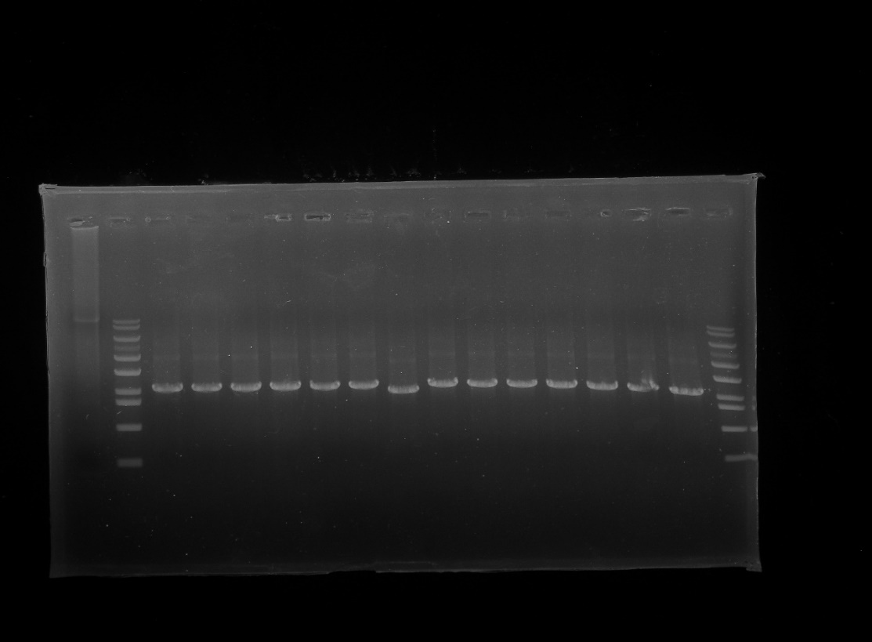
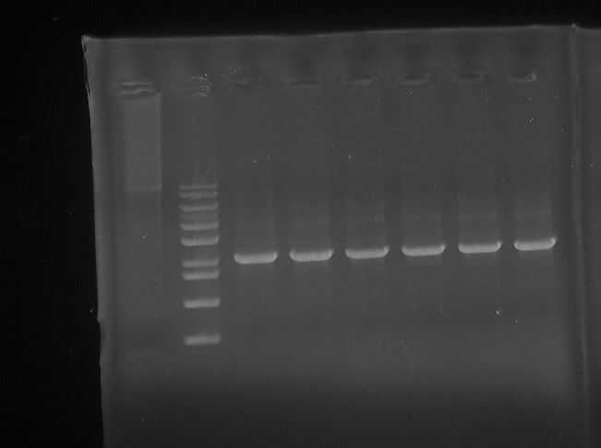
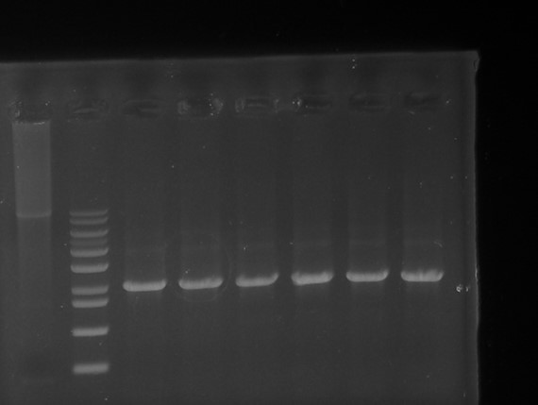
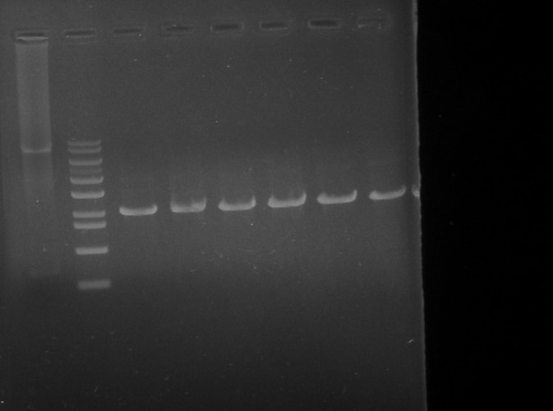

Fig. 3c | Fig. 3f
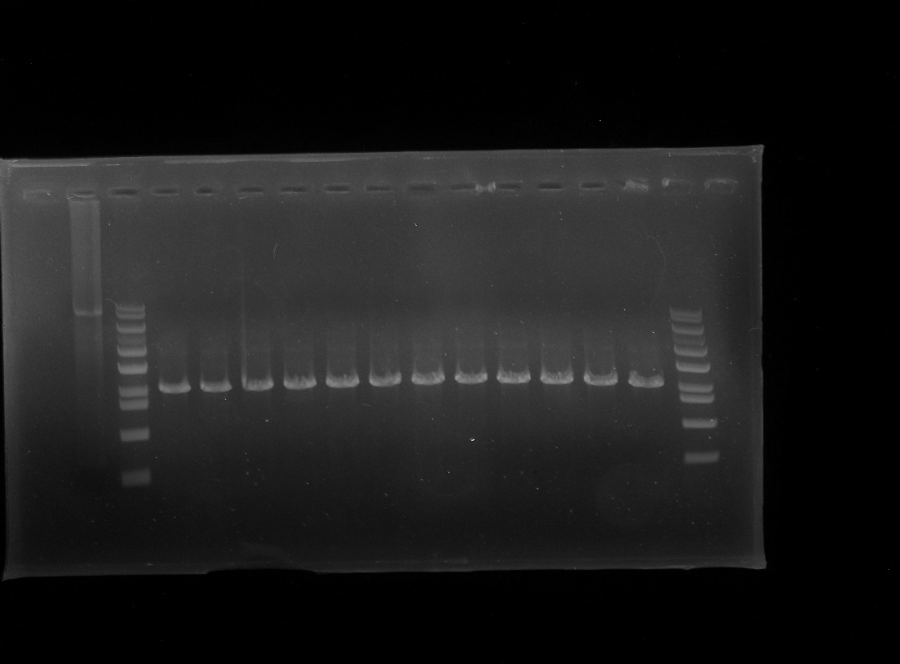
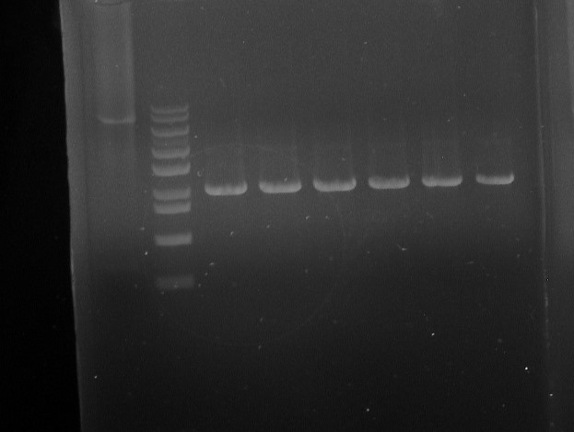


Fig. 3d

Fig. 4
Fig. 4b
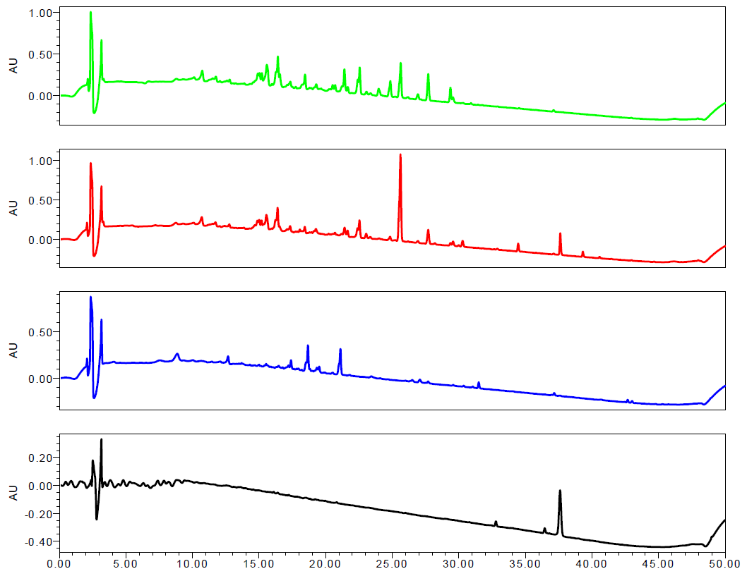

Fig. 4c
S. coelicolor M1152 |  |  |  | S. tsukubensis |  |  |  | S. coelicolor-FK |  |  |  | S. coelicolor-FKEN |  |  |  |  | S. coelicolor-FKKN
Time (day) | FK506 production (mg/L) |  |  | Time (day) | FK506 production (mg/L) |  |  | Time (day) | FK506 production (mg/L) |  |  | Time (day) | FK506 production (mg/L) |  |  | P value | Time (day) | FK506 production (mg/L) |  |  | P value
0 | 0 | 0 | 0 | 0 | 0 | 0 | 0 | 0 | 0 | 0 | 0 | 0 | 0 | 0 | 0 |  | 0 | 0 | 0 | 0
2 | 0 | 0 | 0 | 2 | 0 | 0 | 0 | 2 | 0 | 0 | 0 | 2 | 0 | 0 | 0 |  | 2 | 0 | 0 | 0
4 | 0.177216 | 0.26629 | 0.156494 | 4 | 0.15312 | 0.1855 | 0.14558 | 4 | 0.28792 | 0.4927 | 0.24028 | 4 | 1.00006 | 1.0968 | 0.97754 | 0.00007738 | 4 | 1.43642 | 1.9274 | 1.32218 | 0.0019532339893
6 | 0.14107 | 0.37145 | 0.08748 | 6 | 0.025772 | 0.04582 | 0.021108 | 6 | 0.92596 | 1.2299 | 0.85524 | 6 | 2.18797 | 2.50985 | 2.11308 | 0.00015833999052 | 6 | 5.2395 | 6.4491 | 4.9581 | 0.0003277139253
8 | 0.14216 | 0.3683 | 0.08954 | 8 | 0.148722 | 0.17757 | 0.142008 | 8 | 1.06471 | 1.25195 | 1.02114 | 8 | 4.74008 | 8.2282 | 3.92862 | 0.014730660808 | 8 | 29.28758 | 35.207 | 27.91052 | 0.00016622781212
10 | 0.17729 | 0.26605 | 0.15666 | 10 | 0.130774 | 0.16958 | 0.121746 | 10 | 1.23812 | 2.6525 | 0.90908 | 10 | 10.3493 | 16.7088 | 8.8699 | 0.0080628209616 | 10 | 31.2645 | 41.4995 | 28.8835 | 0.00095976567331
12 | 0.1736 | 0.277 | 0.1494 | 12 | 0.24246 | 0.304 | 0.22814 | 12 | 1.54094 | 2.2324 | 1.38006 | 12 | 10.77928 | 12.9702 | 10.26962 | 0.00017771094952 | 12 | 27.66829 | 33.31865 | 26.35386 | 0.00017265794745
14 | 0.13532 | 0.3882 | 0.07648 | 14 | 0.67724 | 0.7506 | 0.66016 | 14 | 1.15975 | 1.72095 | 1.0292 | 14 | 6.90122 | 7.1971 | 6.83238 | 0.00000133 | 14 | 16.43978 | 21.1144 | 15.35232 | 0.00059589598518

Supplementary Fig. 2
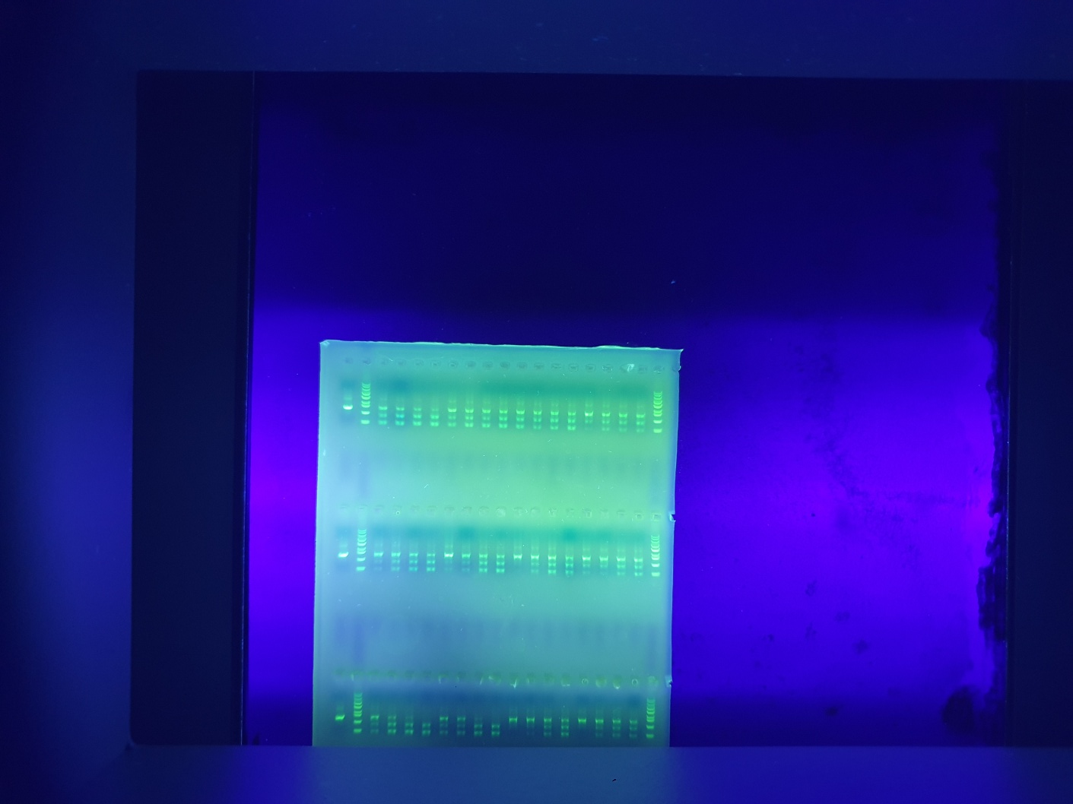
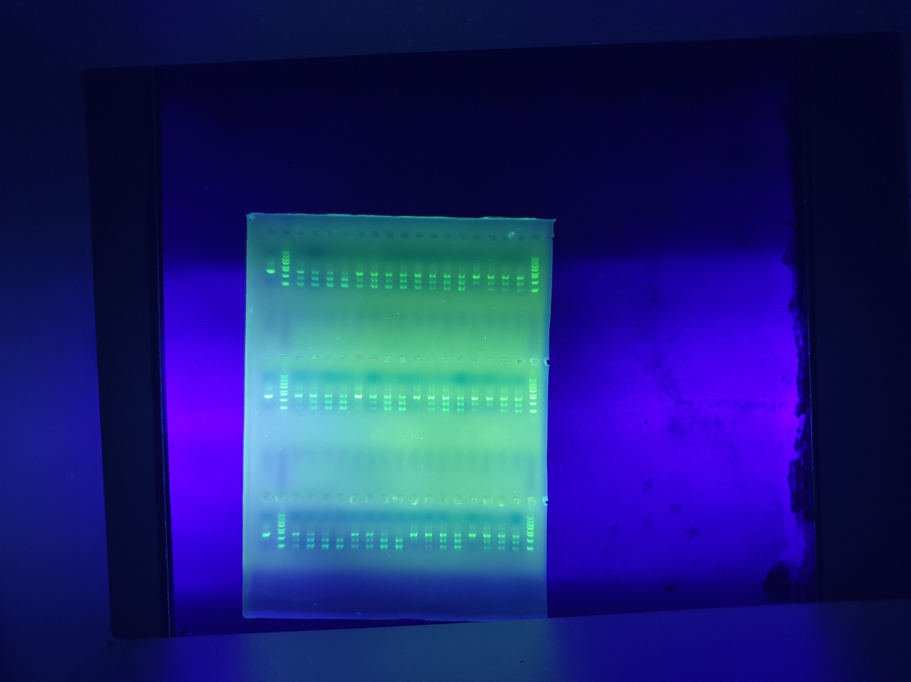
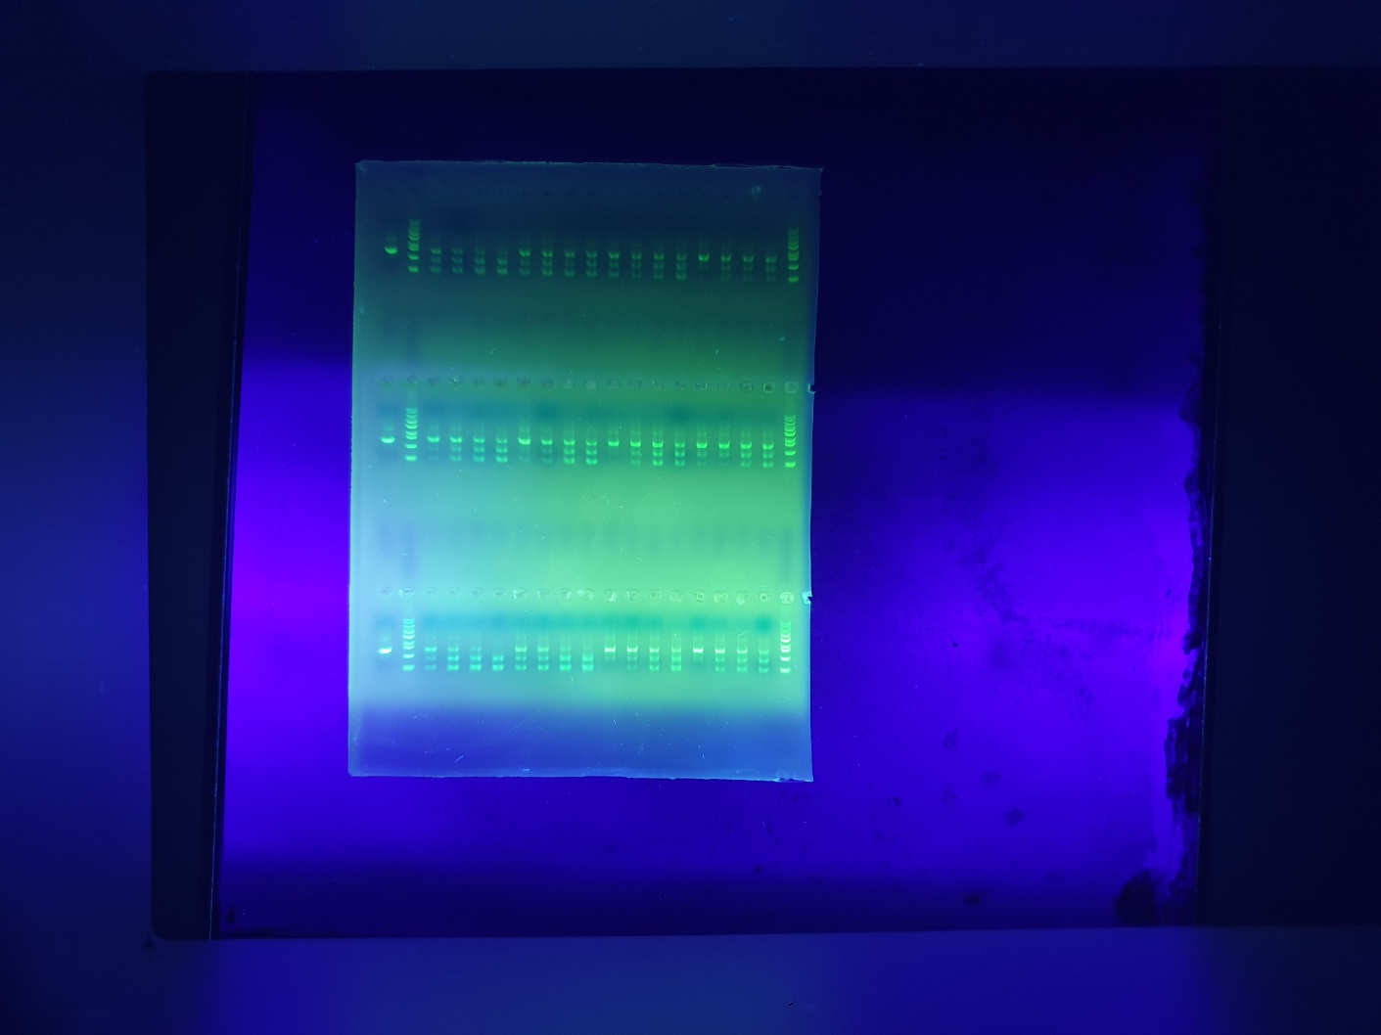
Supplementary Fig. 2a | Supplementary Fig. 2b | Supplementary Fig. 2c
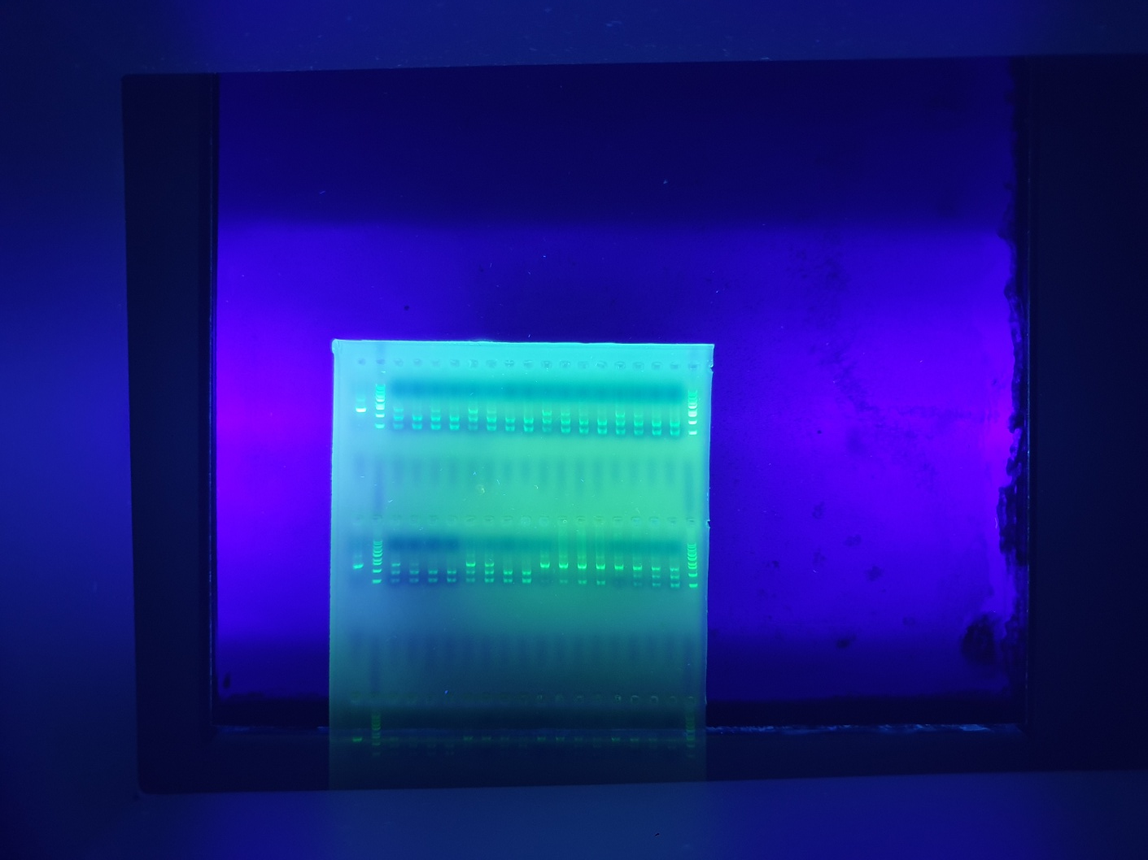
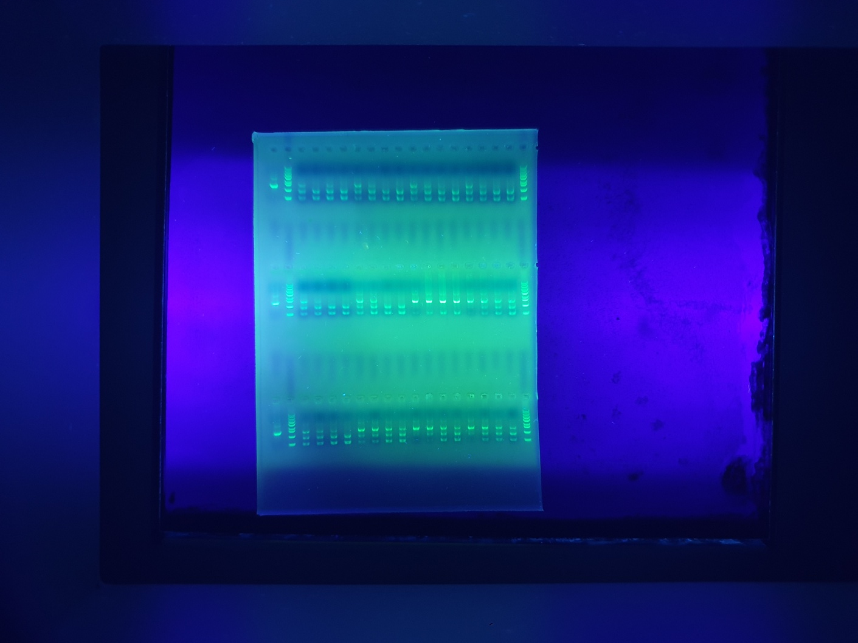
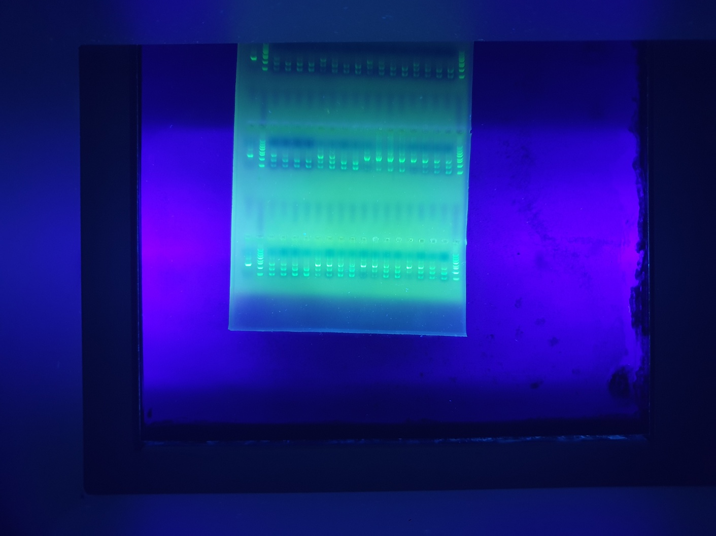

Supplementary Fig. 2d | Supplementary Fig. 2e | Supplementary Fig. 2f
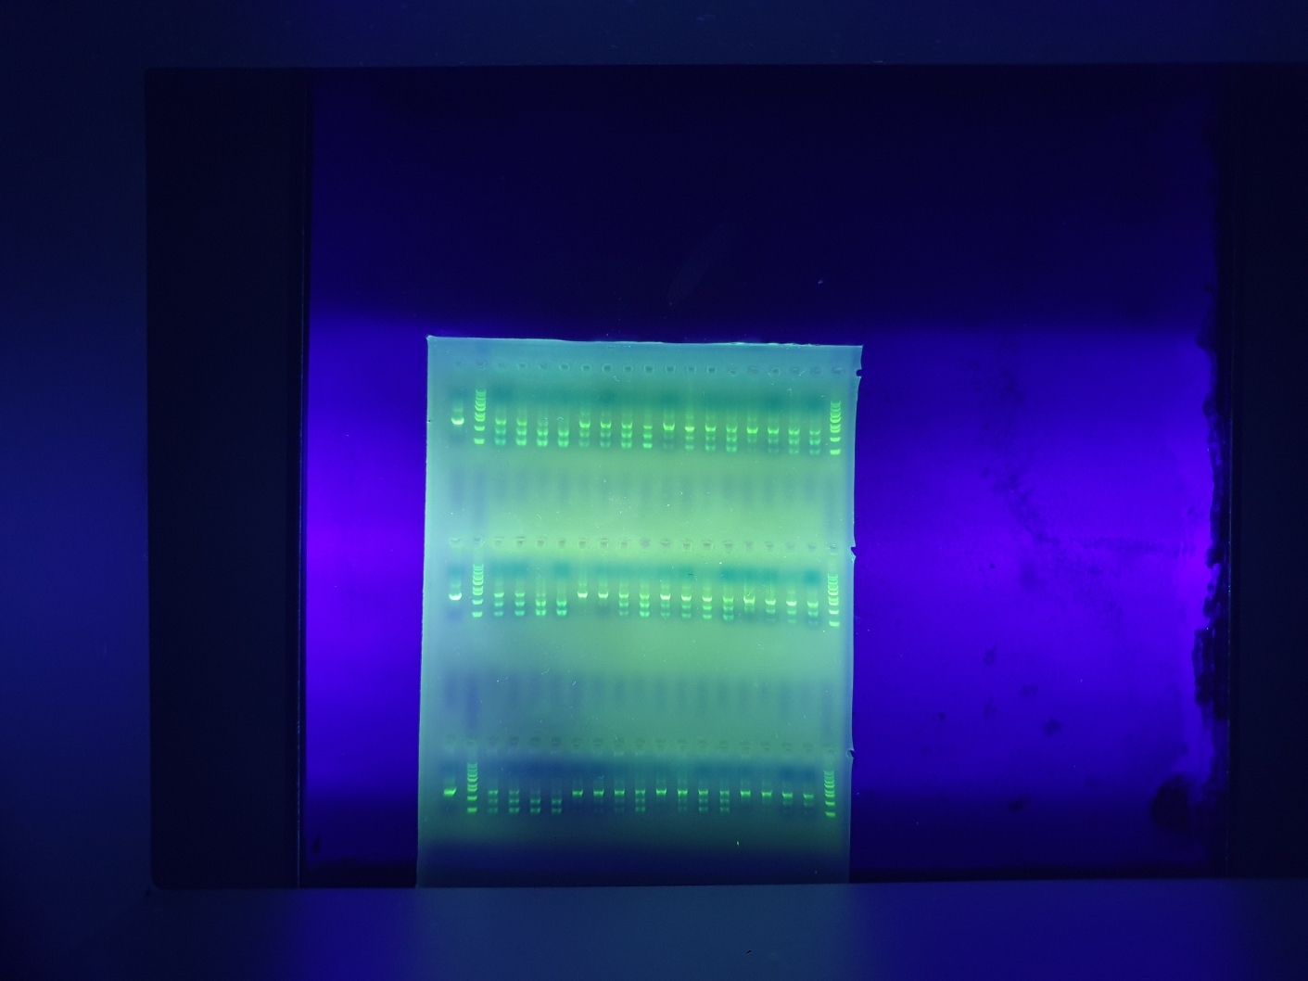
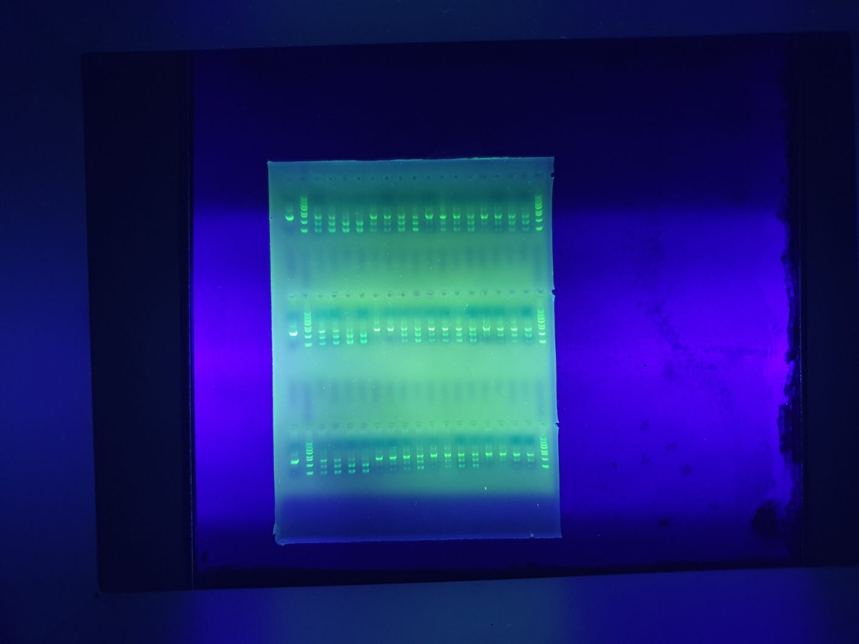
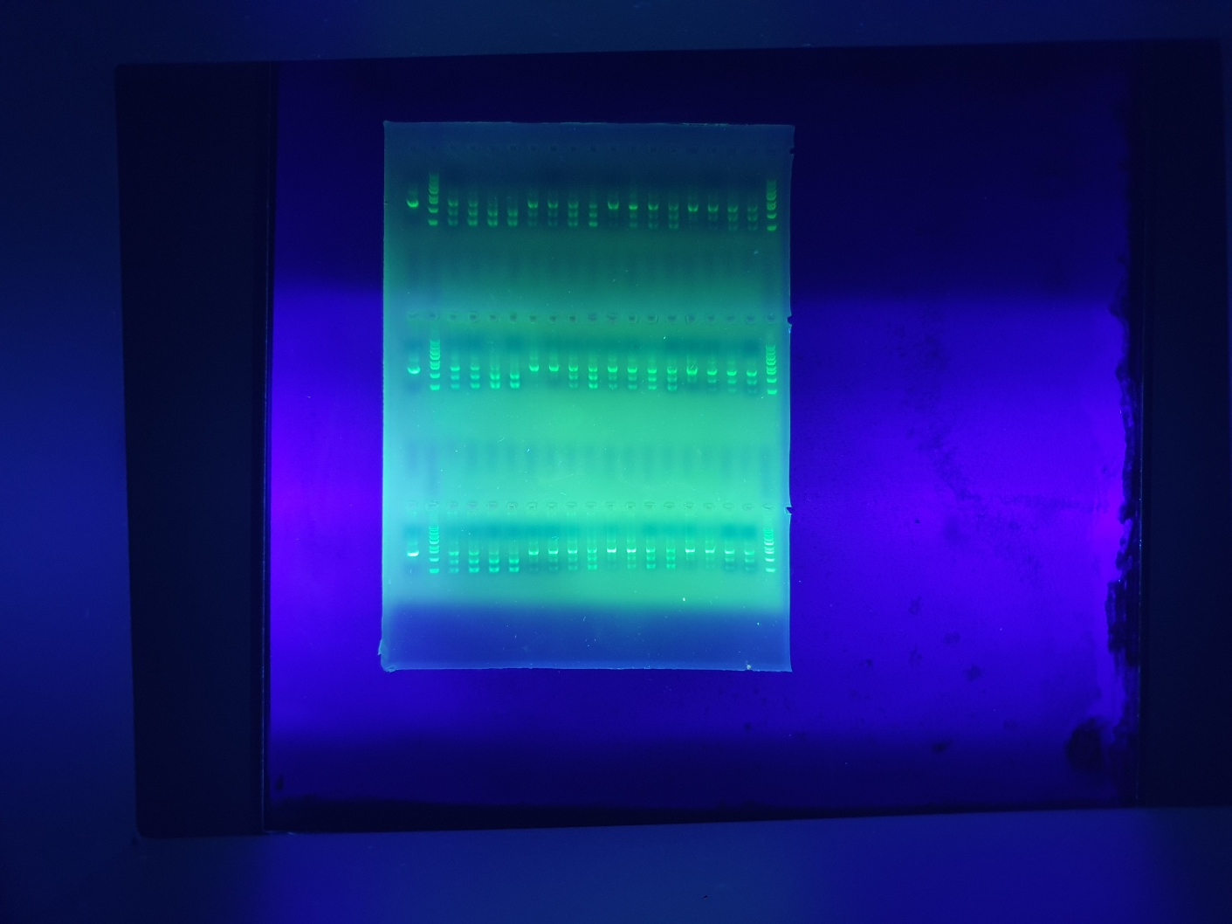

Supplementary Fig. 2g | Supplementary Fig. 2h | Supplementary Fig. 2i

Supplementary Fig. 4
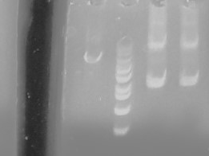
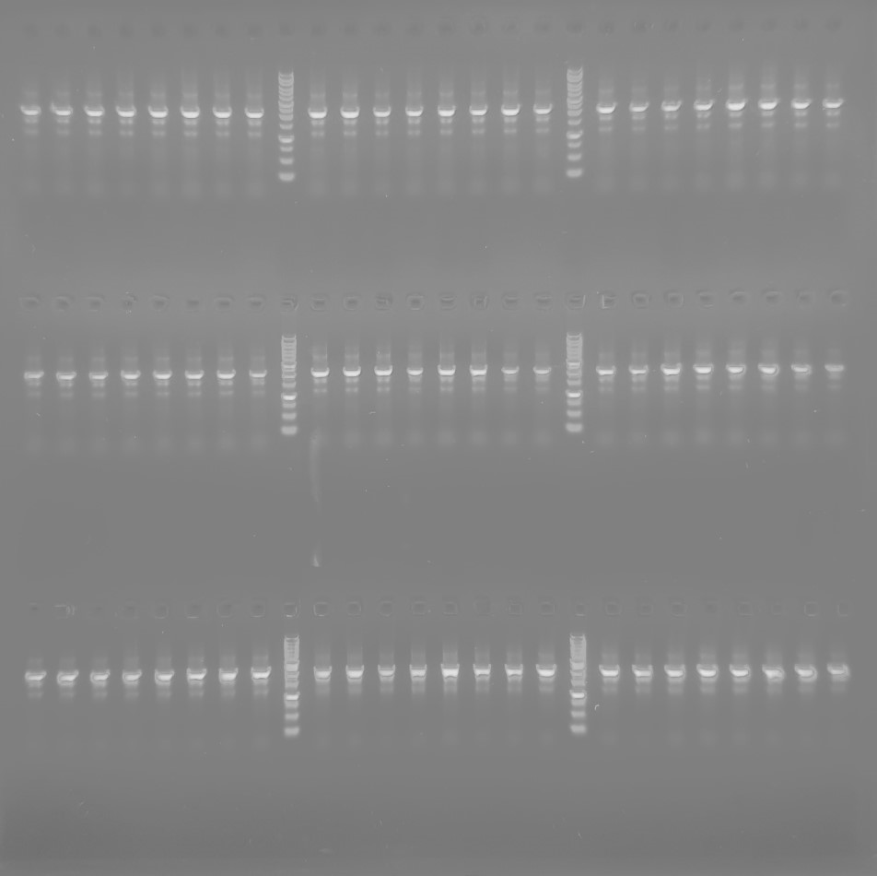
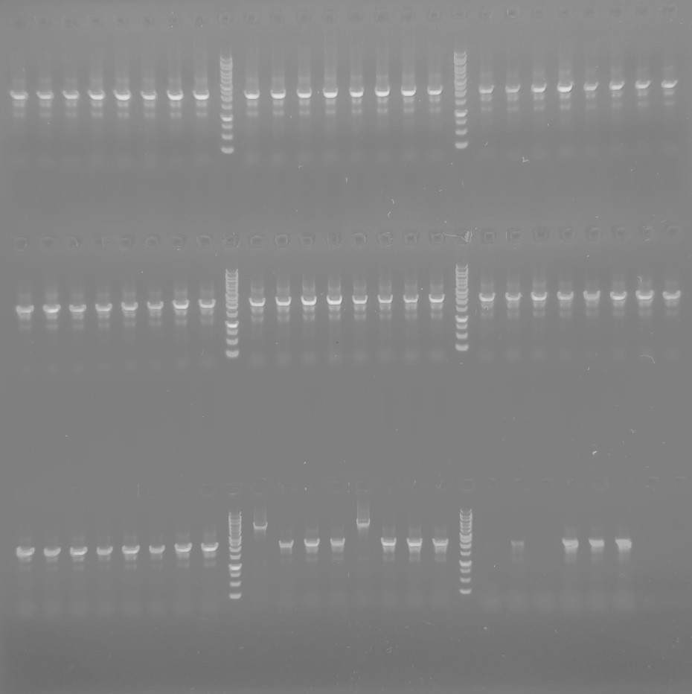
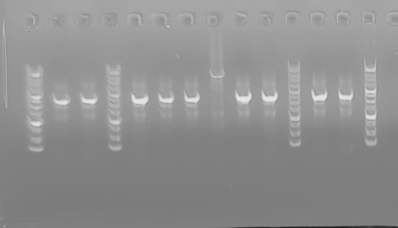
Supplementary Fig. 4b
Replicate | Without Cas9 | With sgRNA |  | With sgRNA and HR
 |  | Cas9 | Cas9-BD | Cas9 | Cas9-BD
1st | 93 | 2 | 91 | 0 | 74
2nd | 109 | 15 | 95 | 2 | 30
3rd | 118 | 22 | 115 | 0 | 42
P values |  | 0.00076440717129 |  | 0.021761000191

Supplementary Fig. 4c

Supplementary Fig. 5
Supplementary Fig. 5c
Replicate | Without Cas9 | With sgRNA |  | With sgRNA and HR
 |  | Cas9 | Cas9-BD | Cas9 | Cas9-BD
1st | 42 | 0 | 57 | 0 | 13
2nd | 85 | 0 | 53 | 0 | 22
3rd | 74 | 0 | 22 | 0 | 10
P values |  | 0.016426578974 |  | 0.014142297425

Supplementary Fig. 5d
Replicate | Without Cas9 | With sgRNA |  | With sgRNA and HR
 |  | Cas9 | Cas9-BD | Cas9 | Cas9-BD
1st | 6 | 0 | 5 | 0 | 4
2nd | 2 | 0 | 12 | 0 | 1
3rd | 10 | 0 | 4 | 0 | 5
P values |  | 0.049741243753 |  | 0.050150889432

Supplementary Fig. 5e
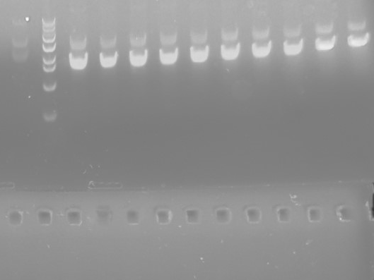
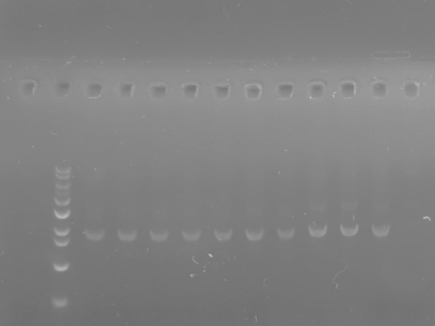
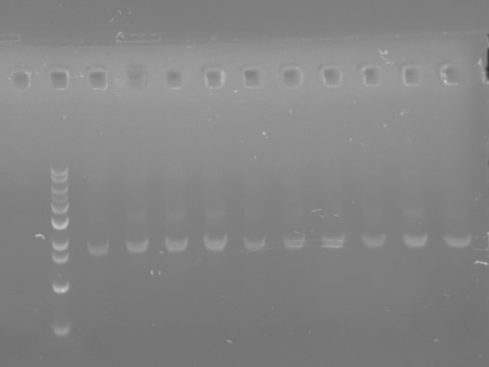

Supplementary Fig. 5f
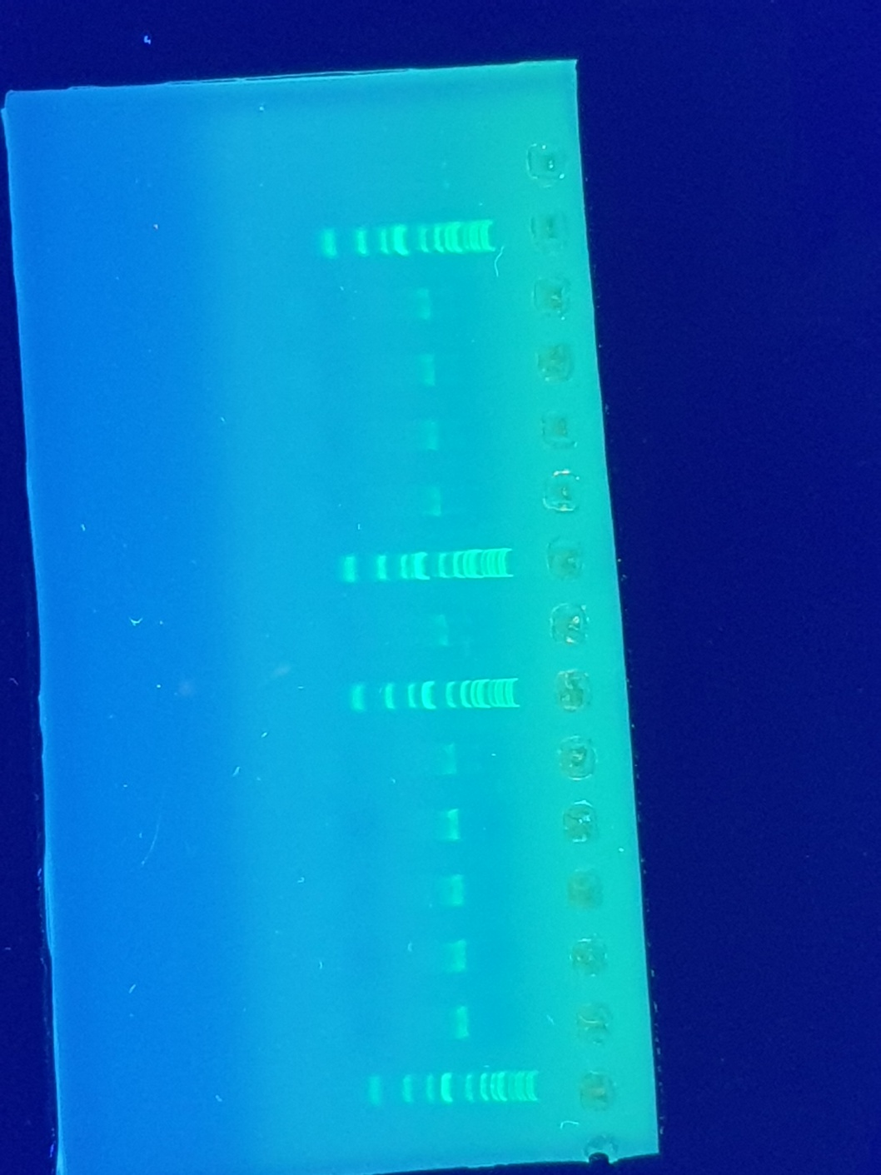

Supplementary Fig. 5g
Replicate | Wild-type | Mut. #1 | Mut. #2 | Mut. #3 | Mut. #4 | Mut. #5
1st | 3.418925 | 4.742357665 | 4.104336 | 5.831244 | 4.108085 | 6.952
2nd | 2.000611 | 9.510961 | 8.769519 | 6.287733 | 5.171038 | 5.555976
3rd | 1.5147005 | 5.62534 | 8.382081 | 4.105586 | 9.373483 | 7.215707
P values |  | 0.051666435073 | 0.040599576409 | 0.024144040115 | 0.083892054178 | 0.0051799444186

Supplementary Fig. 5h
Replicate | Wild-type | Mut. #1 | Mut. #2 | Mut. #3 | Mut. #4 | Mut. #5
1st | 59.97698 | 72.13516 | 70.55131 | 62.3513 | 67.15131 | 72.5613
2nd | 50.67852 | 65.53116 | 65.13513 | 68.336163 | 63.885165 | 65.13513
3rd | 51.8491 | 70.88851361 | 55.13513 | 66.13513 | 58.89532 | 58.93513
P values |  | 0.012494139431 | 0.15417726791 | 0.028354681995 | 0.073030970442 | 0.081230314262

Supplementary Fig. 7
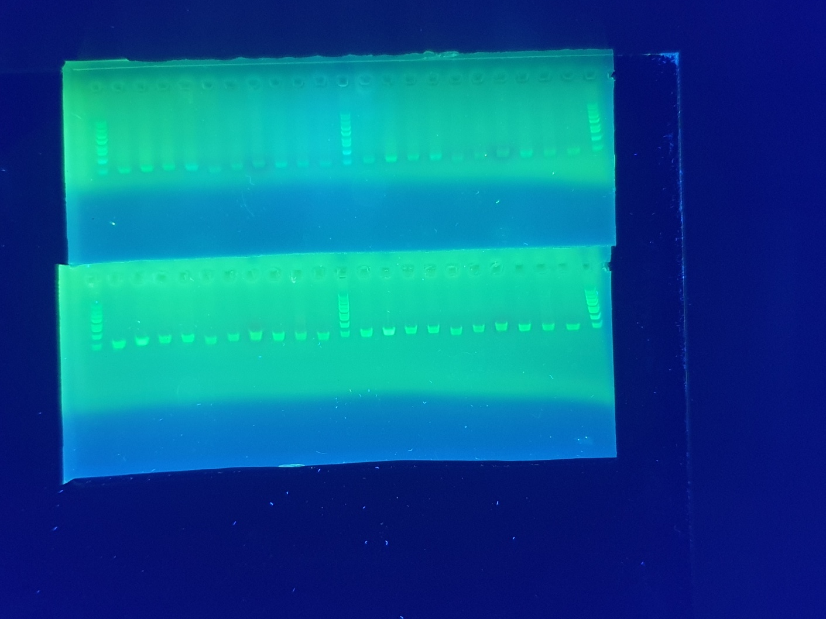
Supplementary Fig. 7b

Supplementary Fig. 8
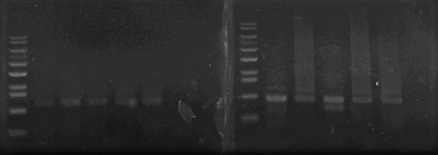
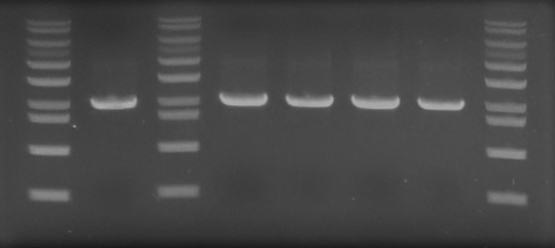
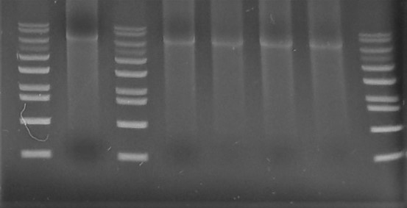

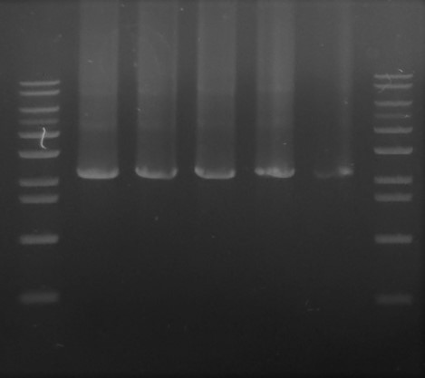
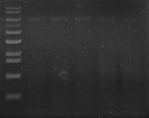
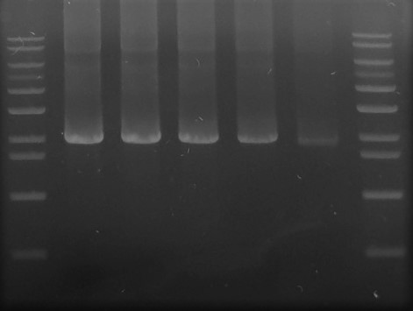
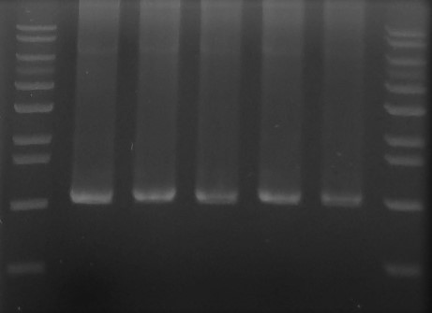
Supplementary Fig. 8a
Replicate | Without Cas9 | With sgRNA |  | With sgRNA and HR
 |  | Cas9 | Cas9-BD | Cas9 | Cas9-BD
1st | 12 | 0 | 6 | 0 | 0
2nd | 6 | 0 | 7 | 0 | 3
3rd | 3 | 0 | 2 | 0 | 1
P values |  | 0.030694546019 |  | 0.2051064552

Supplementary Fig. 8c

Supplementary Fig. 9
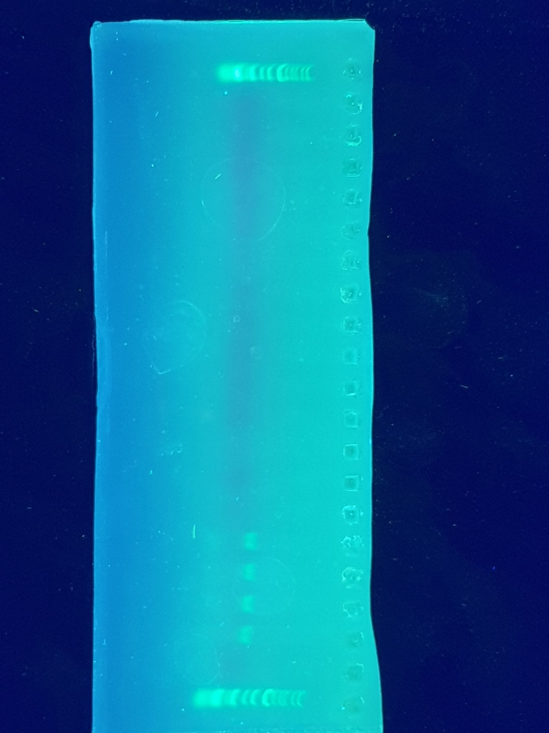
Supplementary Fig. 9b

Supplementary Fig. 10
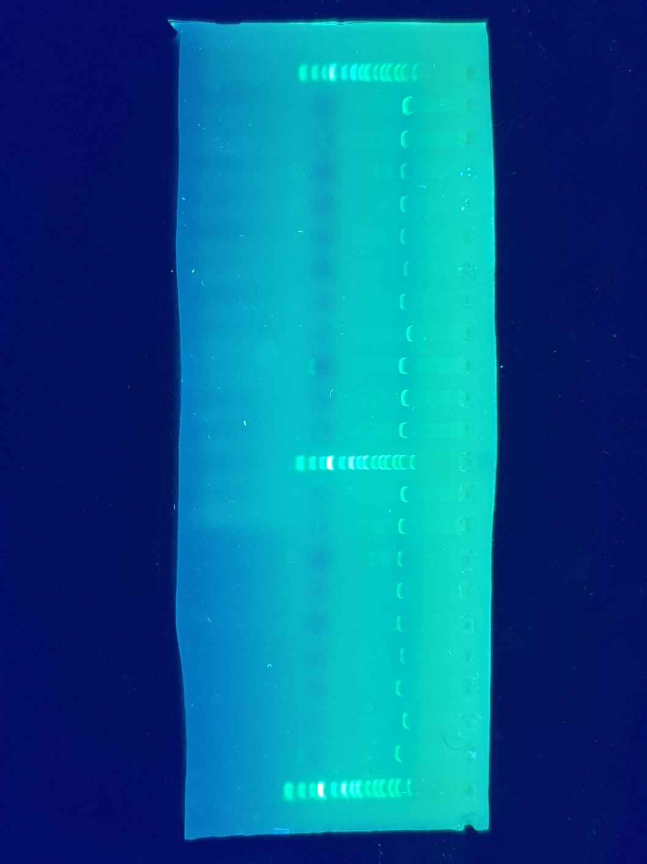
Supplementary Fig. 10b

Supplementary Fig. 16
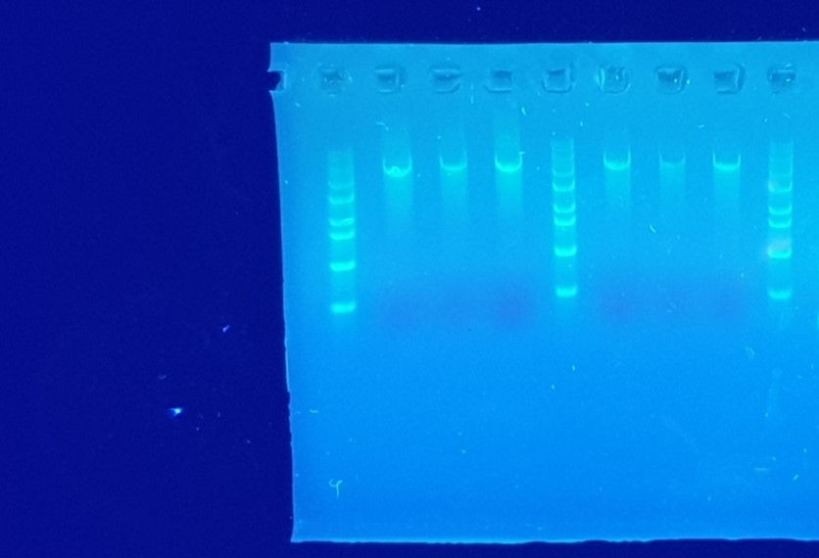
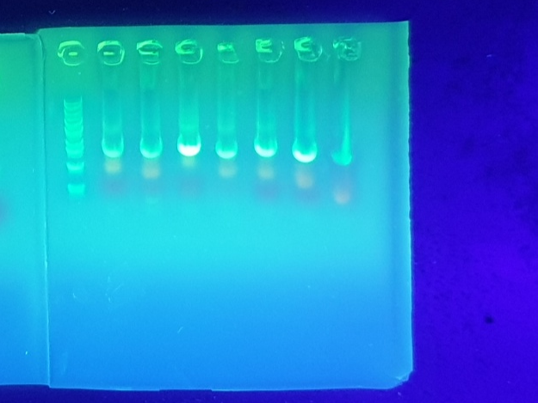
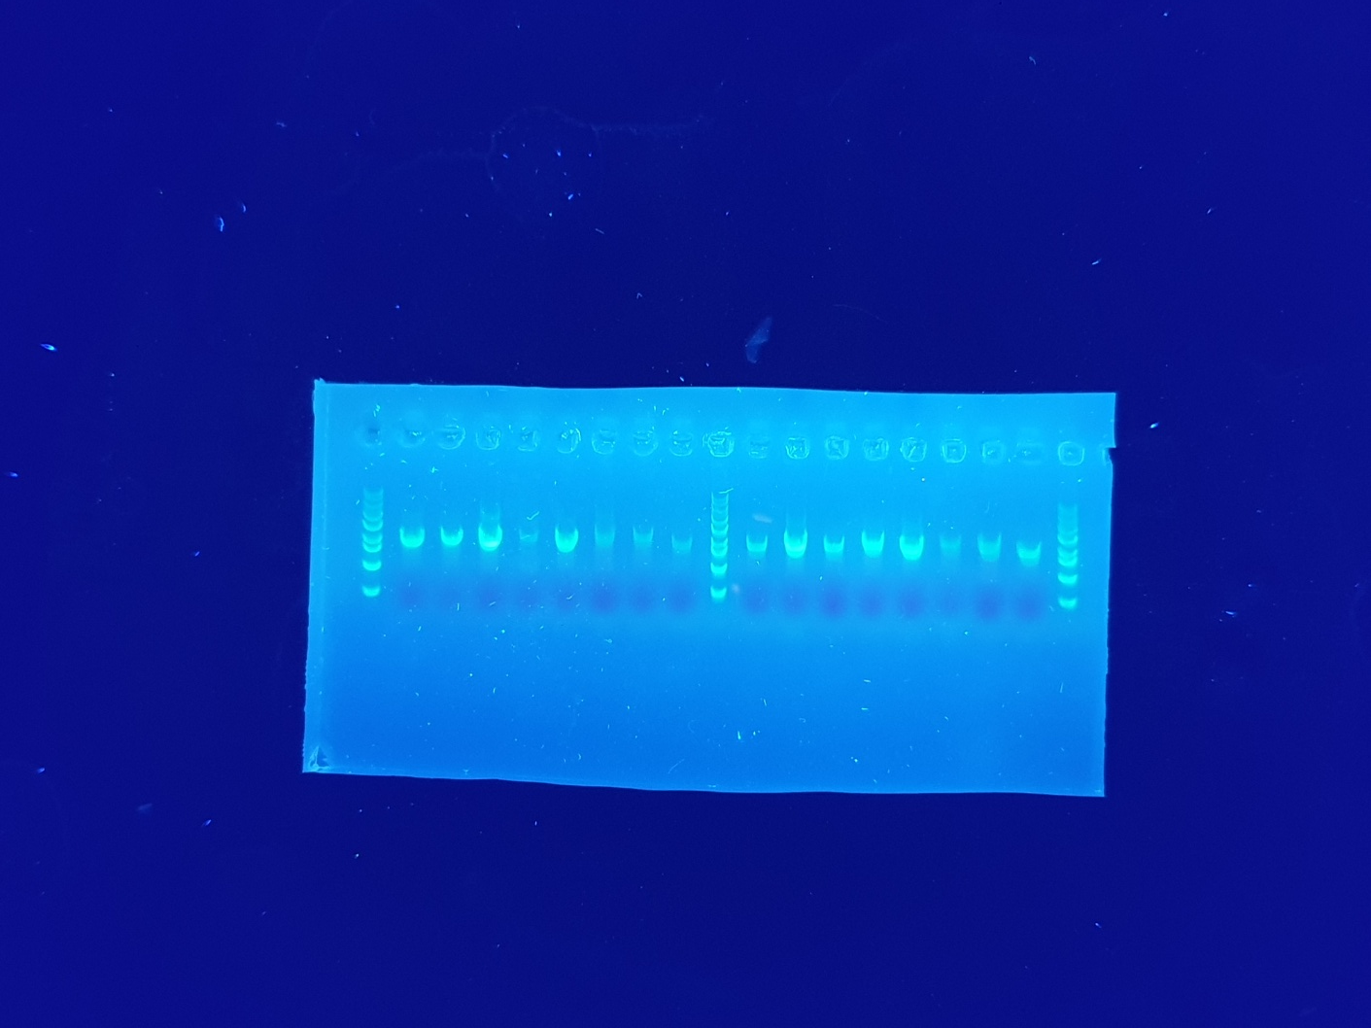
Echoside BGC
Thiazostatin BGC

In genomic DNA
In capturing plasmid
In capturing plasmid
In genomic DNA
Rapamycin BGC in genomic DNA

Rapamycin BGC in capturing plasmid

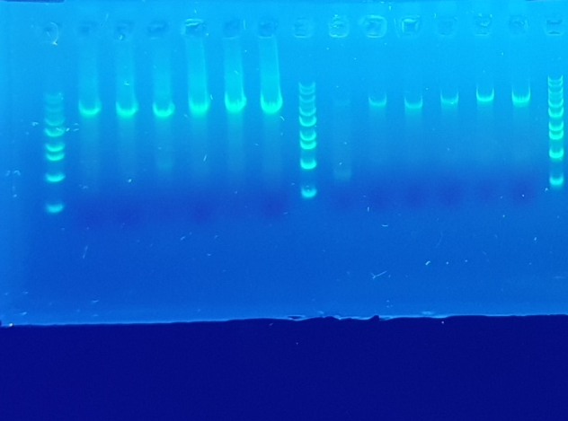
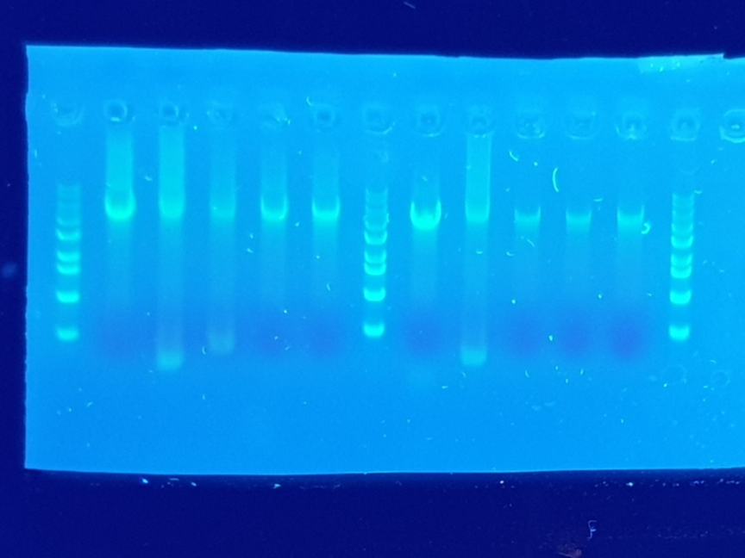
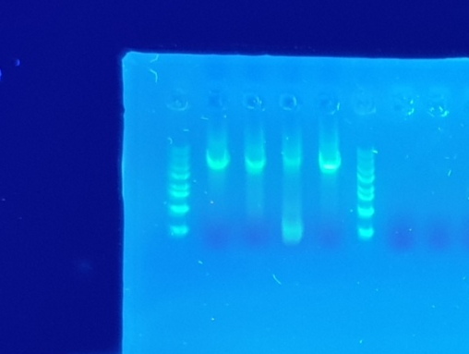
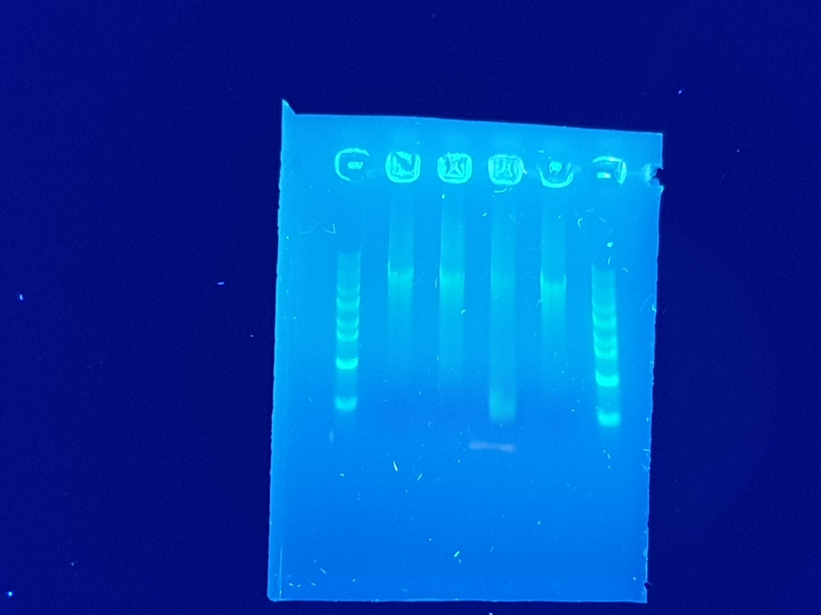
Meridamycin BGC
Feglymycin BGC
Efomycin BGC in genomic DNA
Efomycin BGC in capturing plasmid

In genomic DNA
In capturing plasmid

In genomic DNA
In capturing plasmid

Supplementary Fig. 17
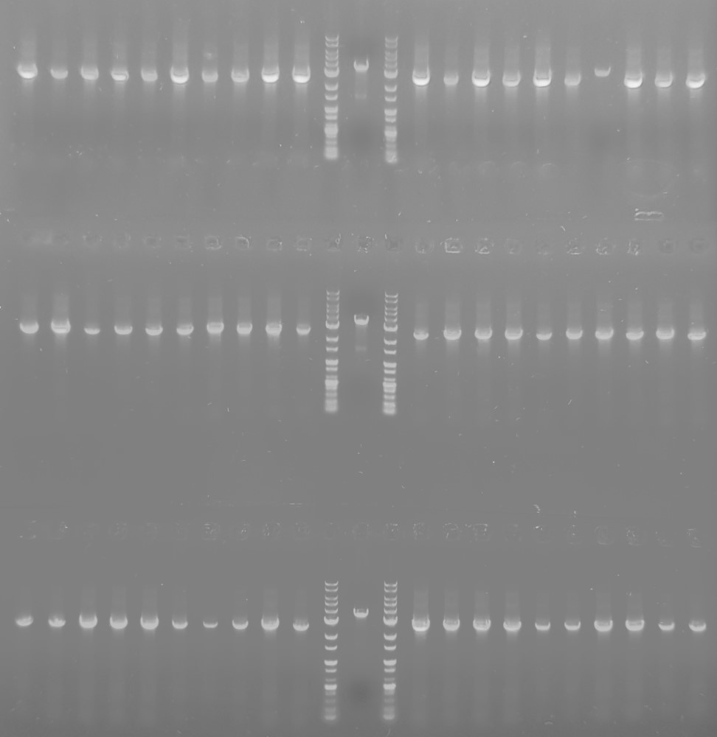
Supplementary Fig. 17b
Replicate | Without Cas9 | With sgRNA |  | With sgRNA and HR
 |  | Cas9 | Cas9-BD | Cas9 | Cas9-BD
1st | 129 | 40 | 88 | 11 | 42
2nd | 135 | 50 | 90 | 17 | 27
3rd | 121 | 54 | 101 | 13 | 35
P values |  | 0.0014894842607 |  | 0.010917831784

Supplementary Fig. 17c

