Fig. 5a
Phos-tag gel. Testing for p120 phosphorylation state change after CQY treatment.
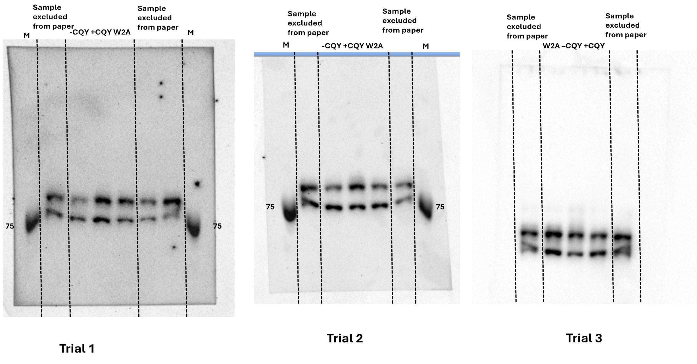

Trail1 |  |  |  |  |  |  | Trail 2 |  |  | Trail 3
 | Mean intensity after subtraction |  |  |  | Percentage |  |  | Mean intensity after subtraction | Percentage |  | Mean intensity after subtraction | Percentage
wt-cqy phos | 1138.299 |  |  |  | 42% |  | wt-cqy phos | 5539.845 | 40% | wt-cqy phos | 3440.964 | 38%
wt-cqy unphos | 1574.926 |  |  |  | 58% |  | wt-cqy unphos | 8321.022 | 60% | wt-cqy unphos | 5611.637 | 62%
wt+cqy phos | 2628.204 |  |  |  | 52% |  | wt+cqy phos | 8383.914 | 58% | wt+cqy phos | 5233.964 | 53%
wt+cqy unphos | 2402.781 |  |  |  | 48% |  | wt+cqy unphos | 6047.187 | 42% | wt+cqy unphos | 4637.527 | 47%
w2a phos | 2143.681 |  |  |  | 59% |  | w2a phos | 12027.775 | 59% | w2a phos | 3563.6 | 50%
w2a unphos | 1484.035 |  |  |  | 41% |  | w2a unphos | 8335.169 | 41% | w2a unphos | 3560.273 | 50%

Summary |  | phos./total percentage |  |  |  | P-value(compared to -CQY)
 | WT-CQY | 42% | 40% | 38% |  | none
 | WT+CQY | 52% | 58% | 53% |  | 0.002
 | W2A | 59% | 59% | 50% |  | 0.00064

Sup. Fig. S1
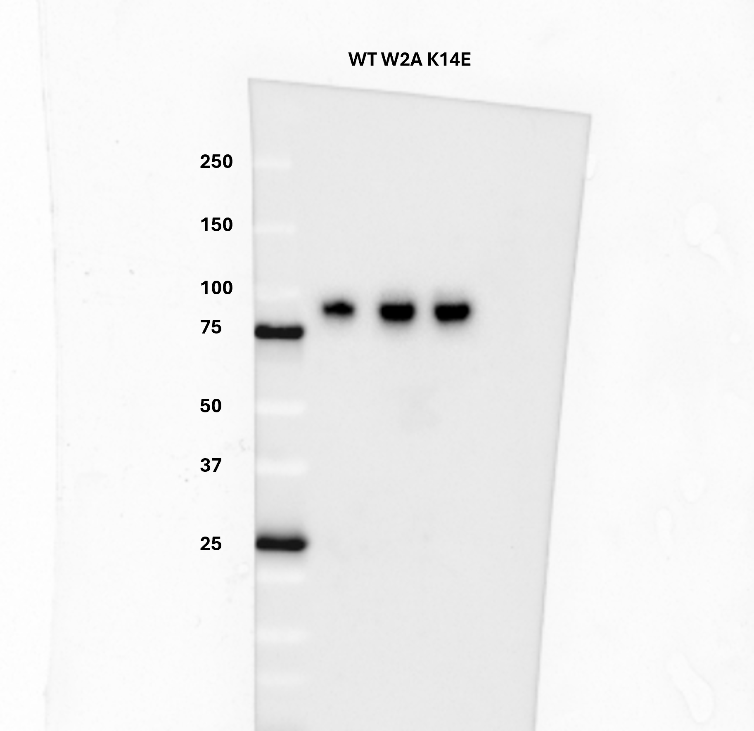
Wester blot confirmation for CQY binds to WT/W2A/K14E Pcad Ec-domains

Sup. Fig. S11b
Proteolytic fragments analysis: normalized fragments percentage with respect to -CQY condtion
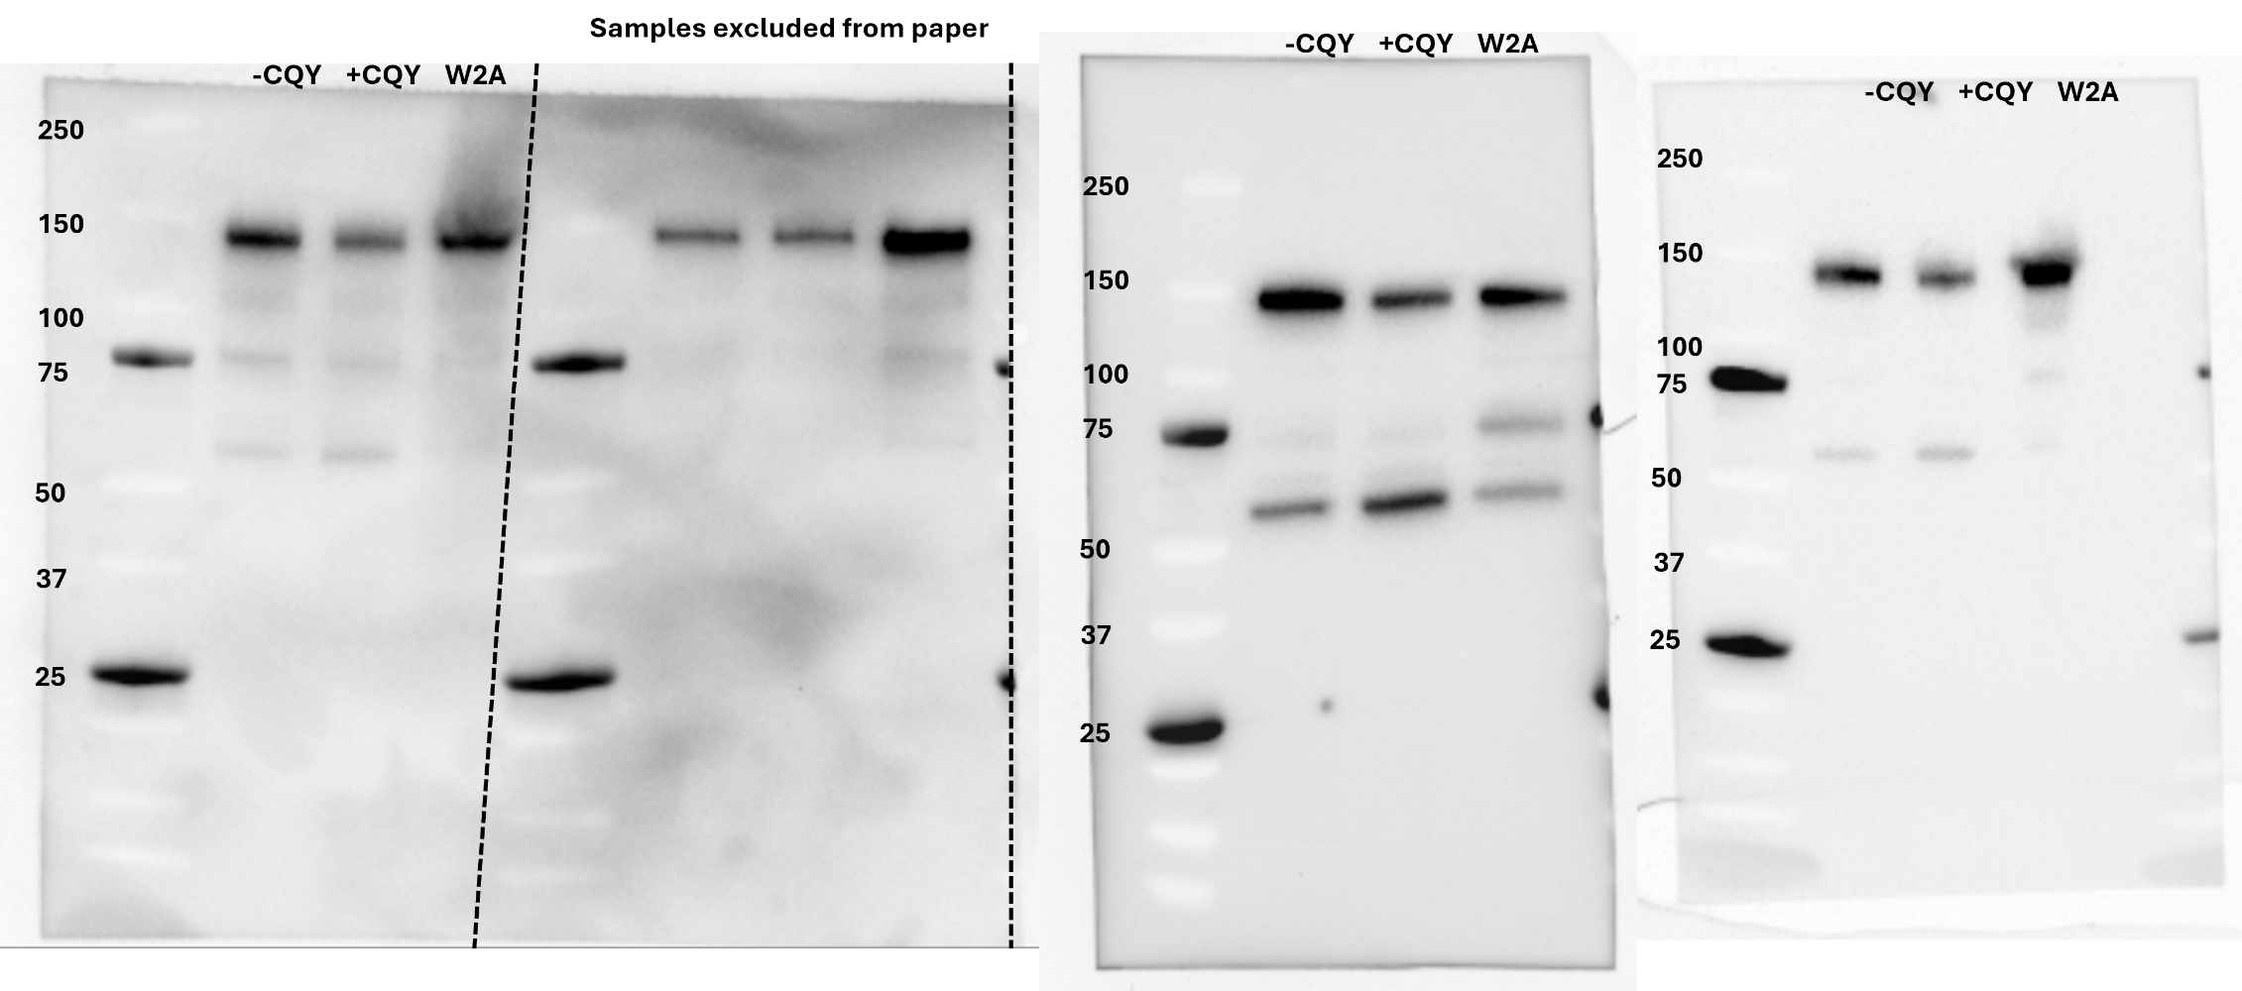

 | WT-CQY | WT+CQY | W2A |  |  |  |  | P-value (Compared to WT-CQY)
full length | 0.73 | 0.64 | 0.82 | WT-CQY | 1 | 1 | 1
proteolytic | 0.27 | 0.36 | 0.18 | WT+CQY | 1.33 | 1.47 | 1.29 | 0.0026428525963
norm. Frag. | 1 | 1.3333333333 | 0.66666666667 | W2A | 0.67 | 0.33 | 0.38 | 0.007007250051
full length | 0.85 | 0.78 | 0.95
proteolytic | 0.15 | 0.22 | 0.05
norm. Frag. | 1 | 1.4666666667 | 0.33333333333
full length | 0.79 | 0.73 | 0.92
proteolytic | 0.21 | 0.27 | 0.08
norm. Frag. | 1 | 1.2857142857 | 0.38095238095

