Figure-1
Panel 1a
 | Fed | Fast | Refed |  |  | Fed | Fast | Refed
Glcyerol male | 128.536937 | 267.408503 | 246.028741 |  | Glcyerol female | 212.024567 | 277.537776 | 275.295613
 | 198.812409 | 348.535334 | 195.453655 |  |  | 178.111847 | 299.889342 | 254.976008
 | 244.026407 | 365.264513 | 228.136916 |  |  | 170.964952 | 290.079877 | 231.643496
 | 182.406187 | 991.801344 | 136.287908 |  |  | 138.803922 | 378.084787 | 196.469559
 | 218.319019 | 885.031717 | 201.525249 |  |  | 210.342945 | 403.309124 | 235.567282

 | Fed | Fast | Refed |  |  | Fed | Fast | Refed
NEFA male | 0.57767479 | 1.99513261 | 0.66723233 |  | NEFA female | 0.69809123 | 1.90736053 | 0.54333535
 | 0.70388241 | 1.81515868 | 0.46785162 |  |  | 0.69709094 | 1.83740651 | 0.48599397
 | 0.73464691 | 2.15449083 | 0.77326965 |  |  | 0.58121442 | 1.36560587 | 0.36976343
 | 0.68587548 | 1.53945529 | 0.57388894 |  |  | 0.62730158 | 2.75611593 | 0.55269192
 | 0.6741996 | 1.65513236 | 0.6884207 |  |  | 0.46415649 | 2.25986391 | 0.37450963
 |  |  |  |  |  | 0.58074515 | 3.03476296

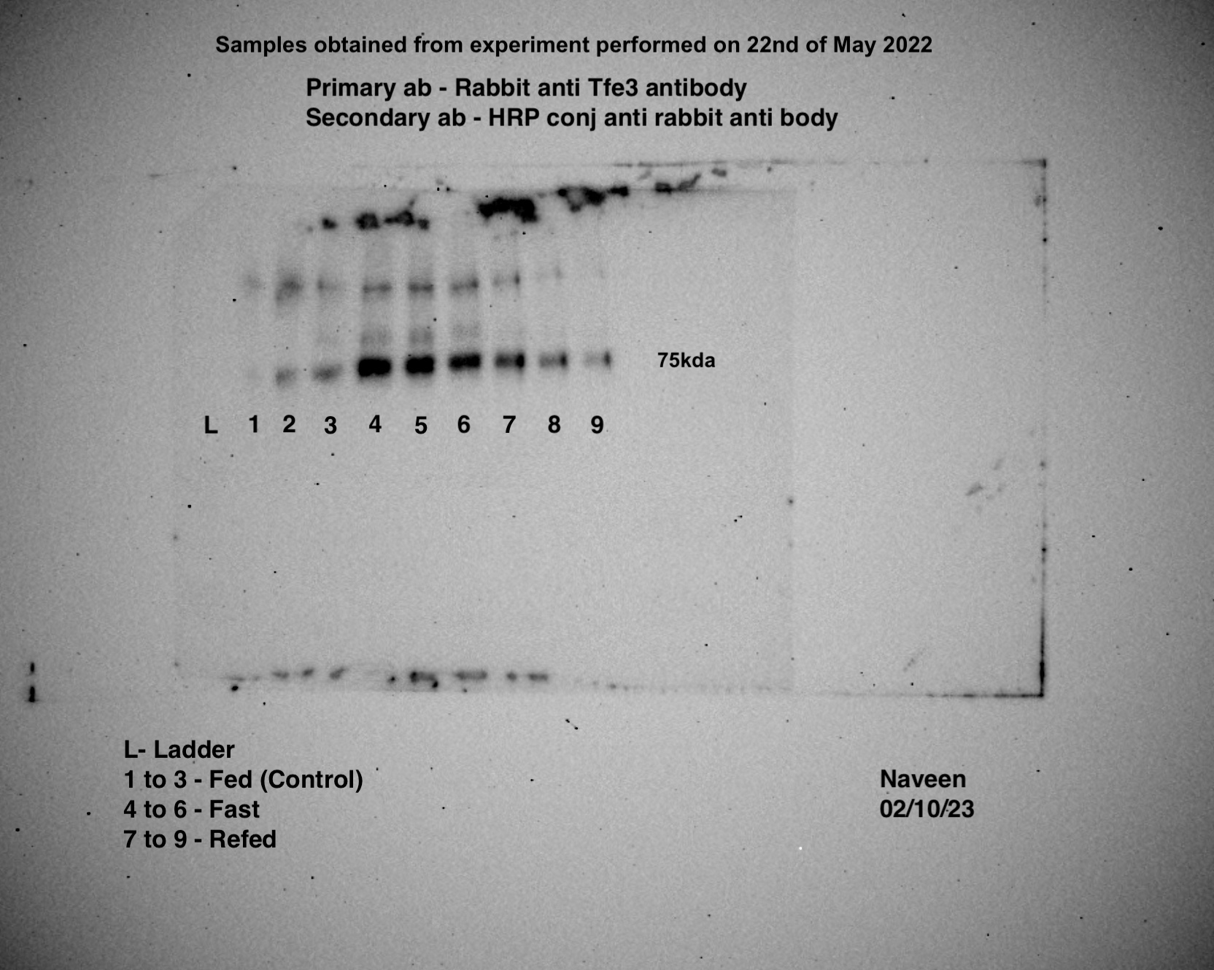
Panel 1b
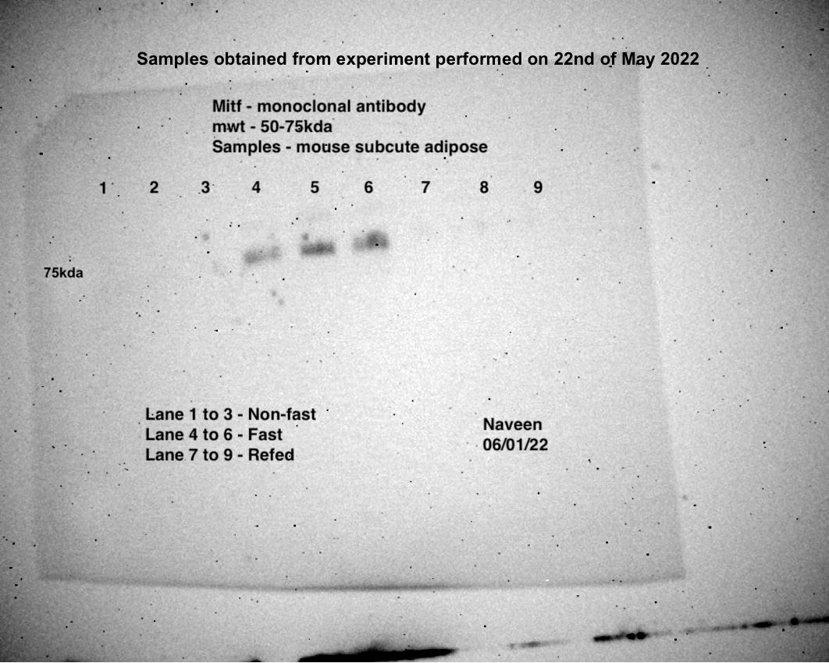
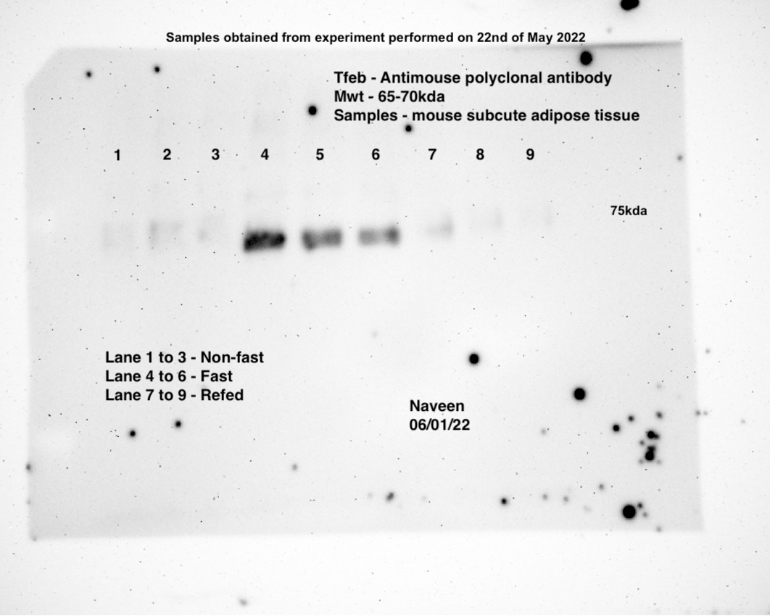
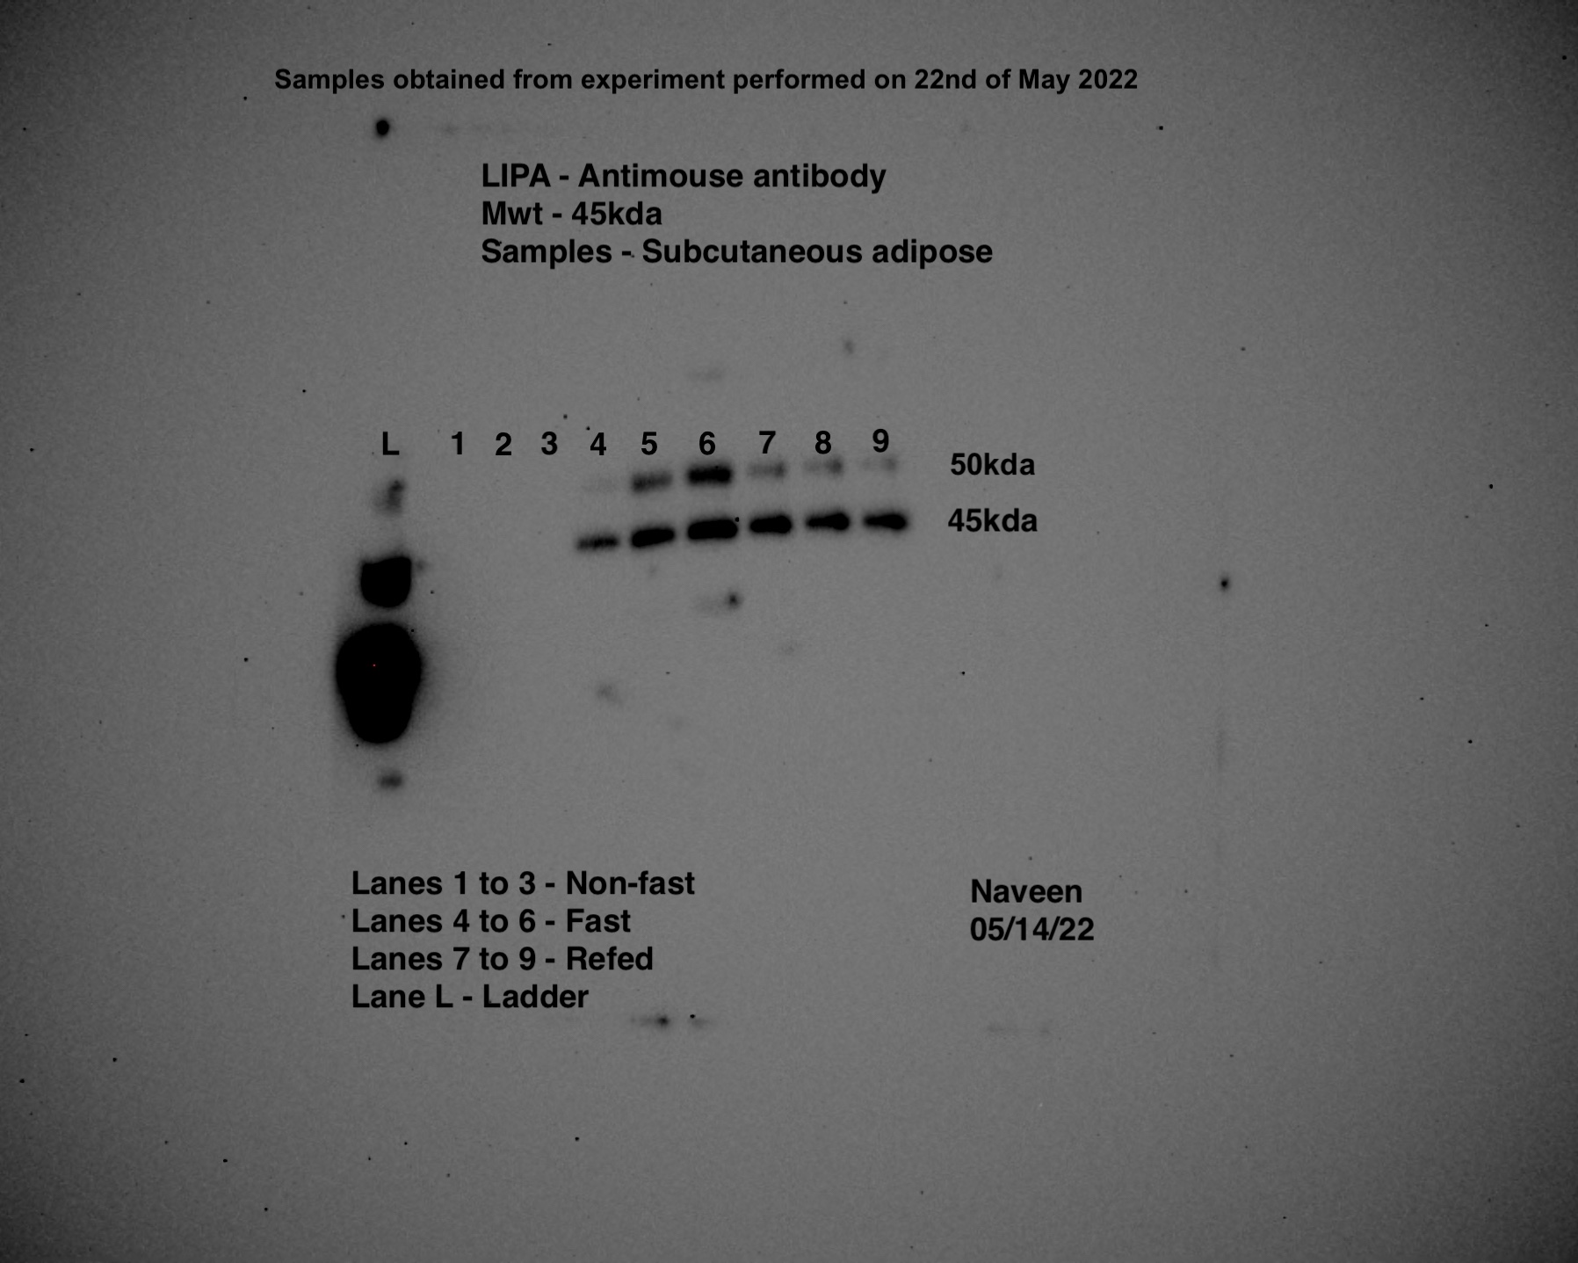
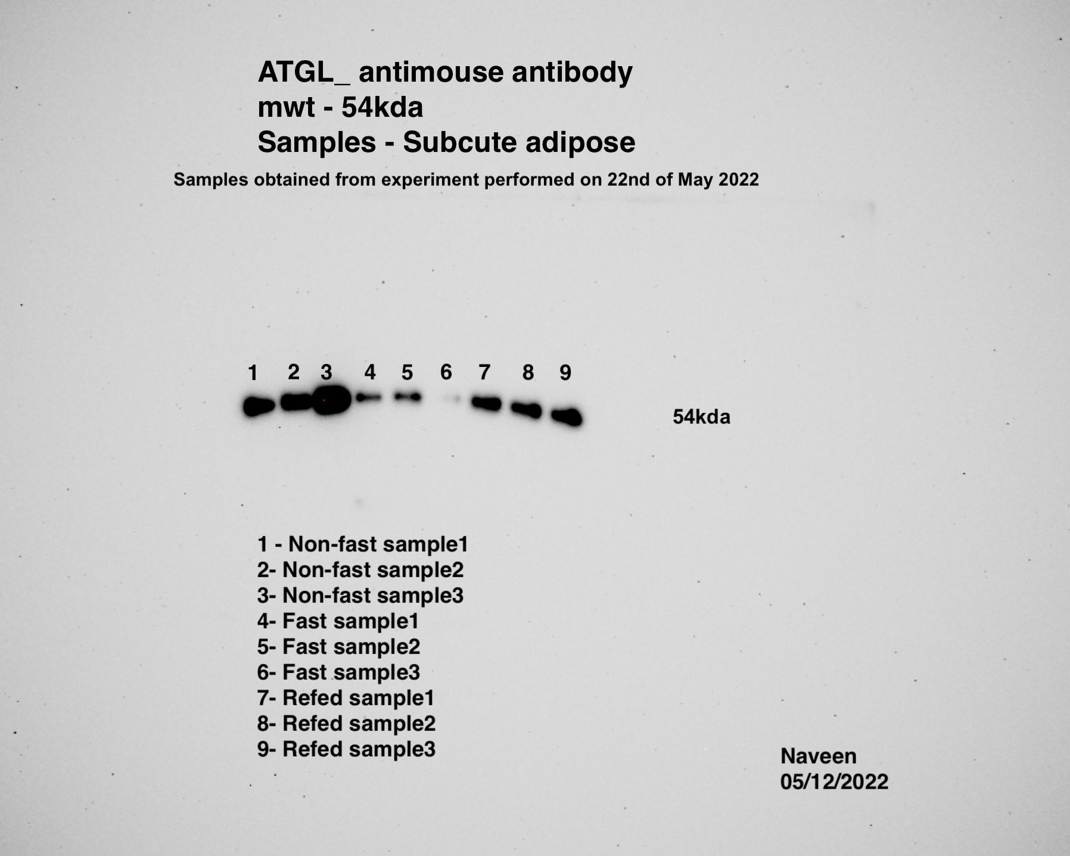
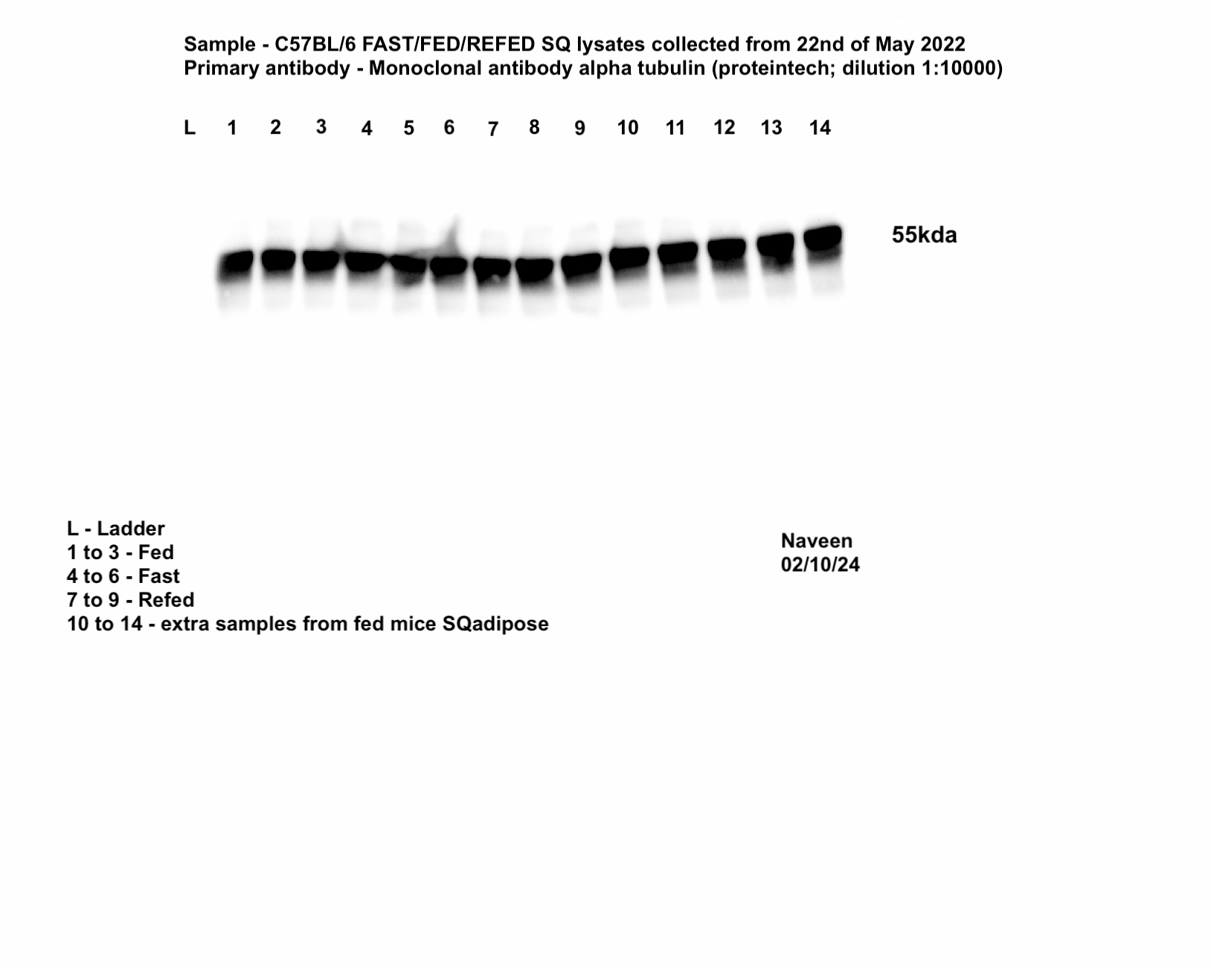
Male-iWAT-TFE3 |  |  |  |  |  |  | Male-iWAT-MITF |  |  |  |  |  |  | Male-iWAT-TFEB |  |  |  | Male-iWAT-LAL | Male-iWAT-ATGL | Male-iWAT-TUBA1A

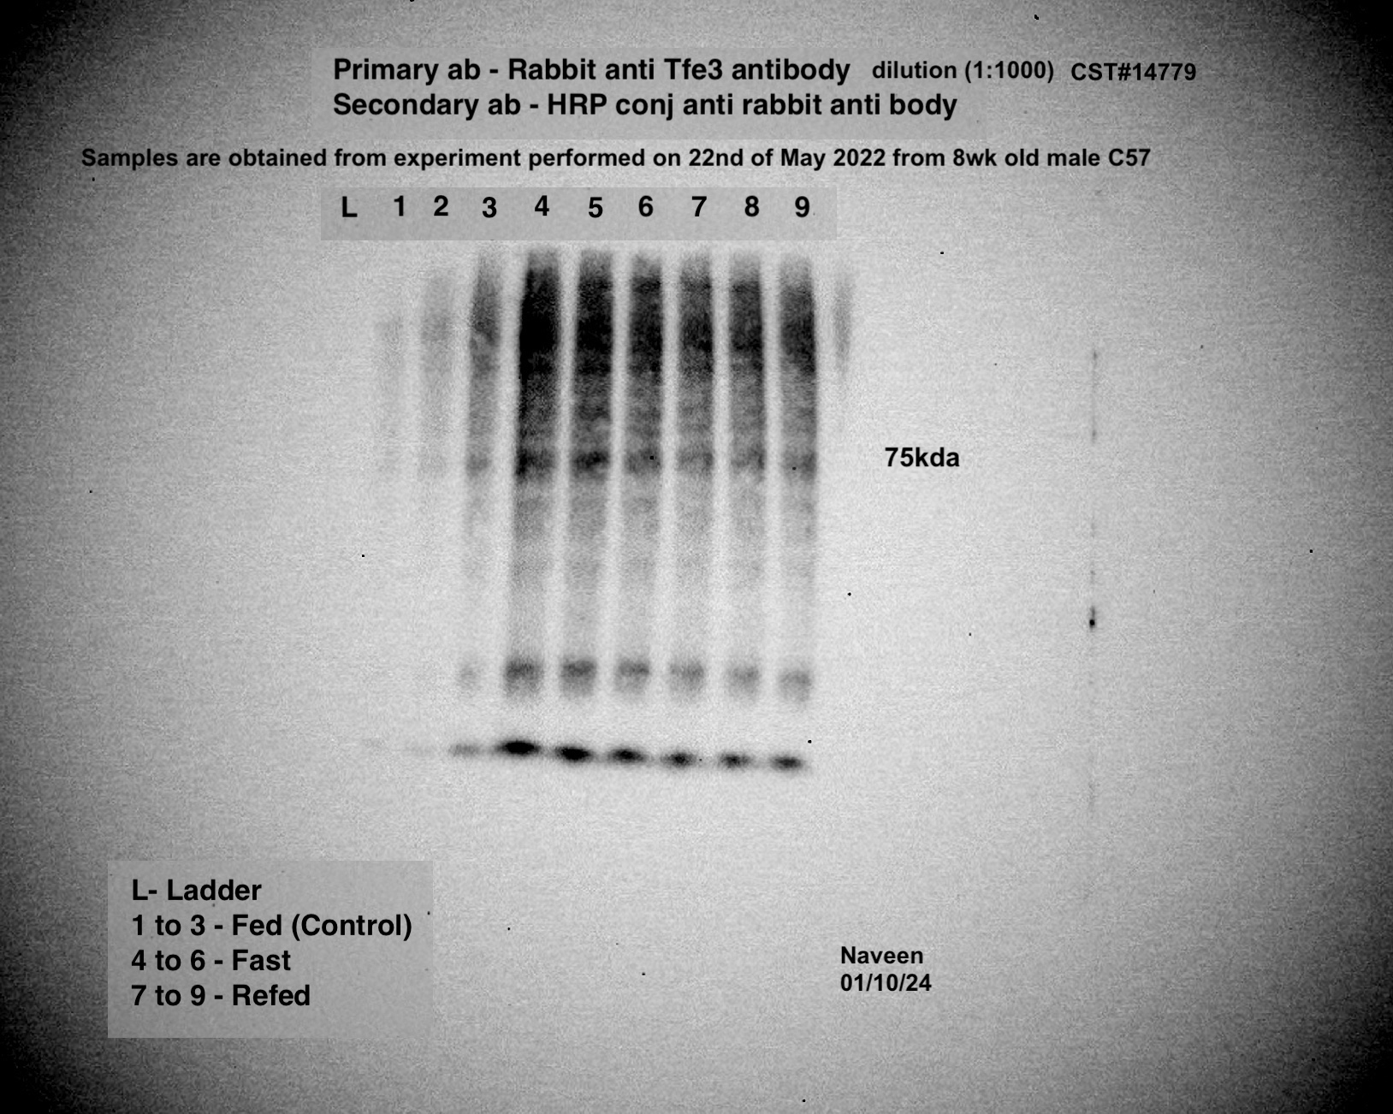
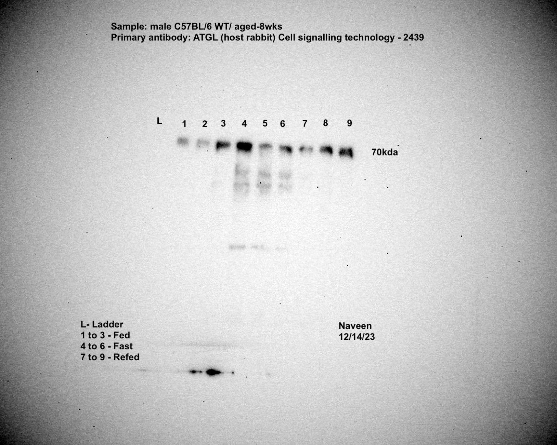
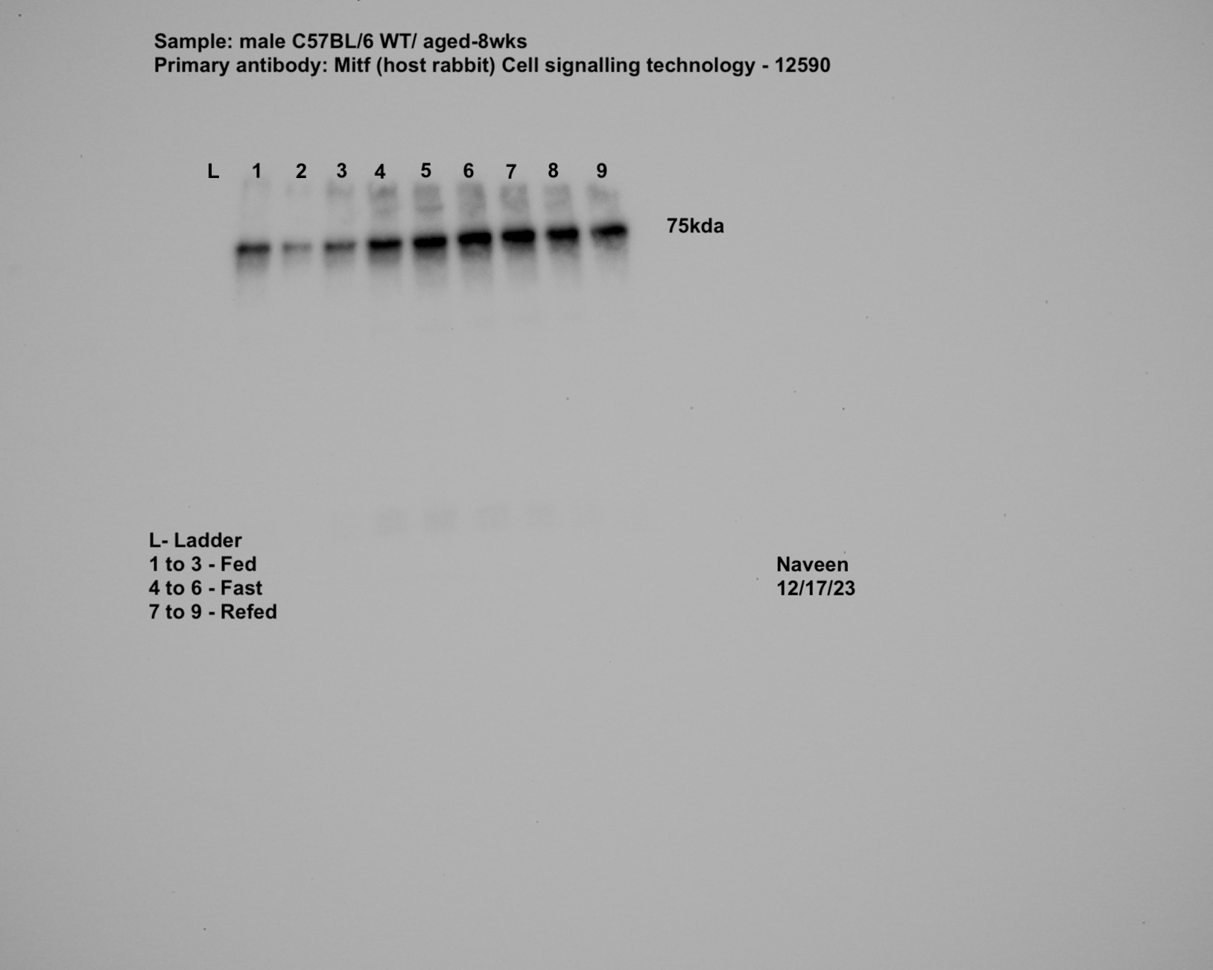
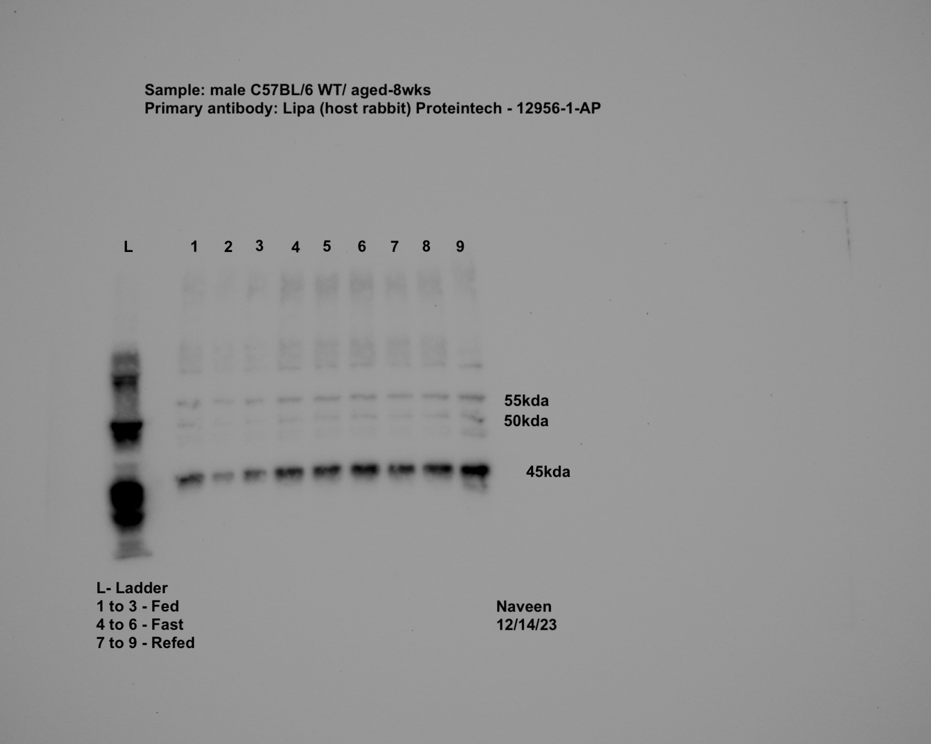
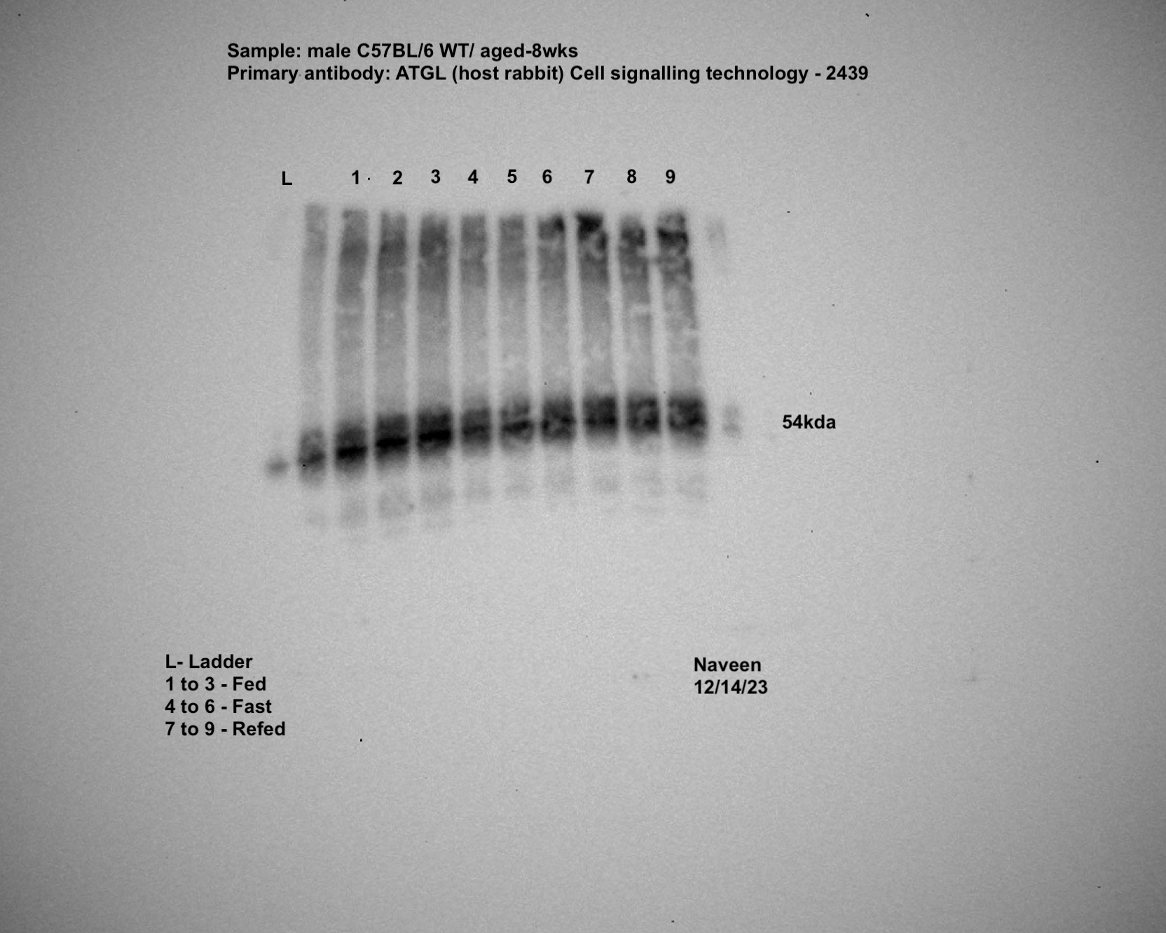

Male-gWAT-TFE3 |  |  |  |  |  |  | Male-gWAT-MITF |  |  |  |  |  |  | Male-gWAT-TFEB |  |  |  | Male-gWAT-LAL | Male-gWAT-ATGL | Male-gWAT-TUBA1A

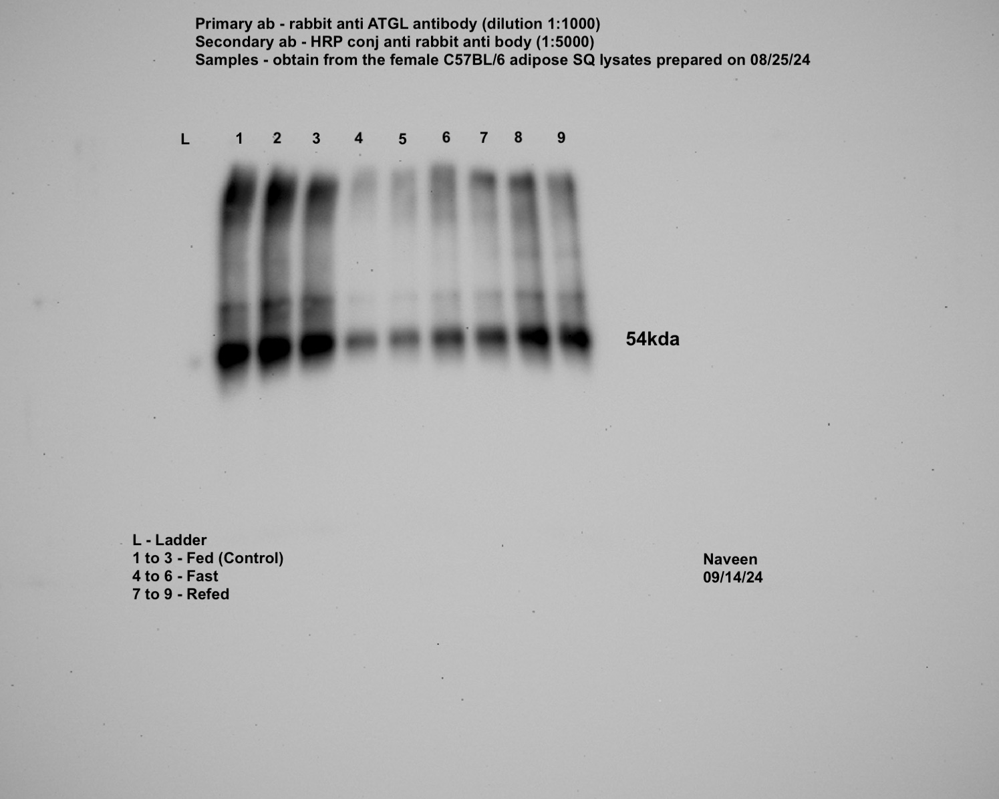
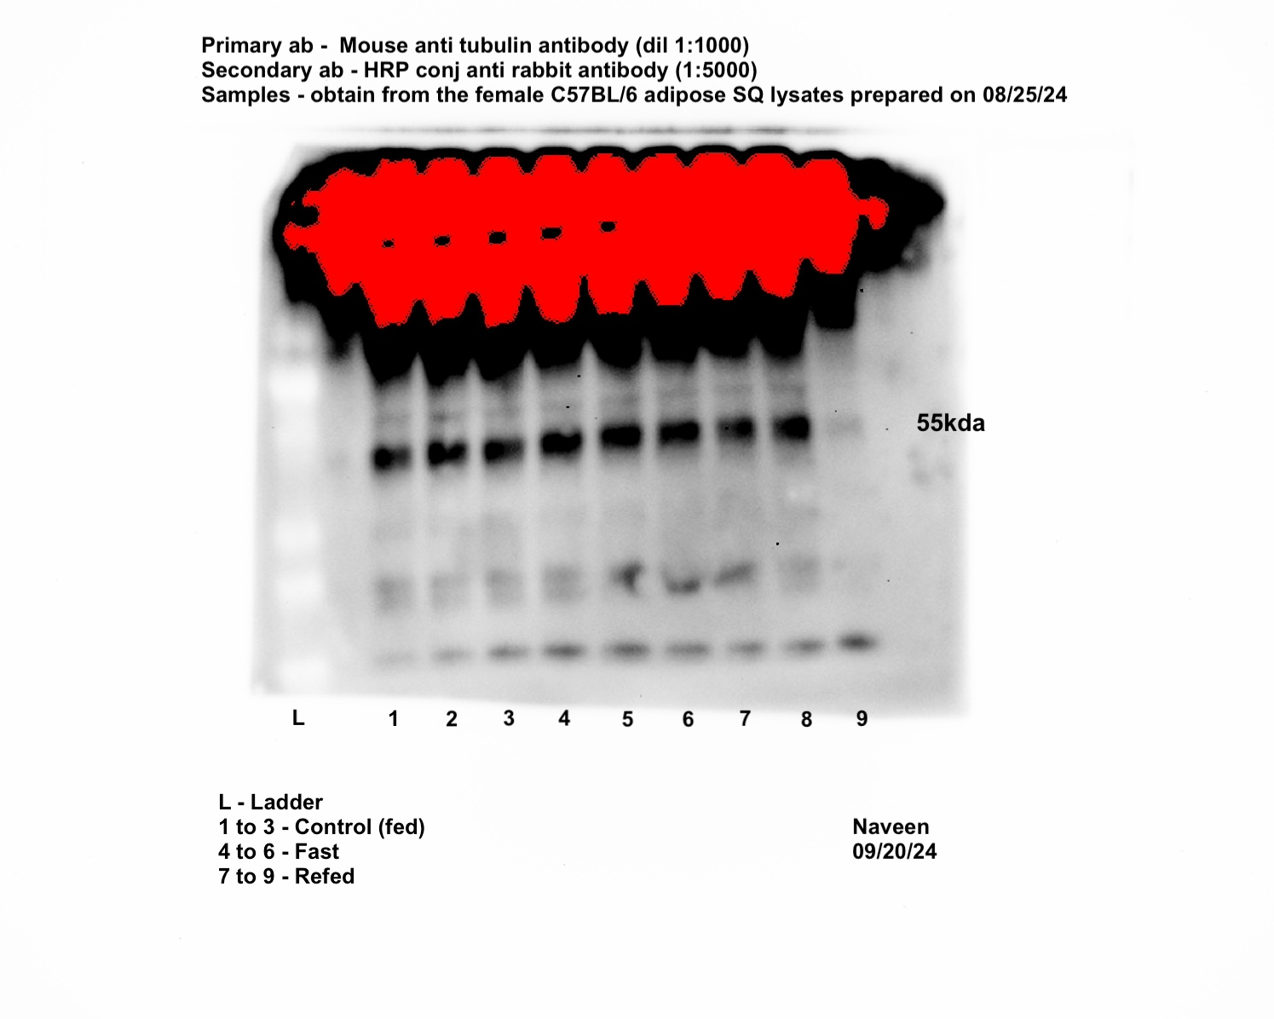
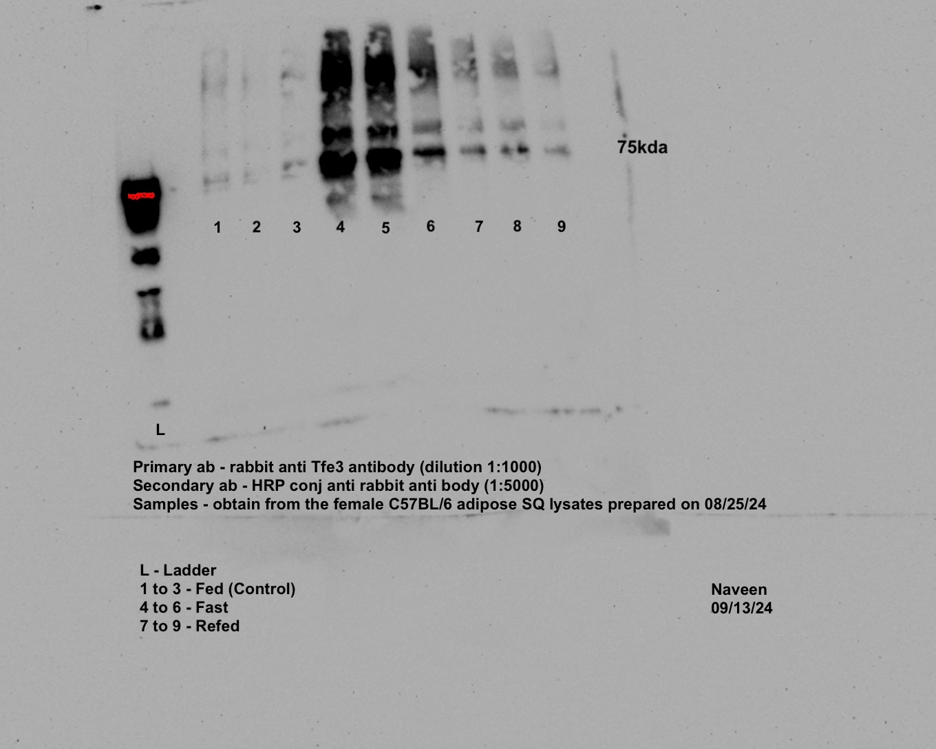
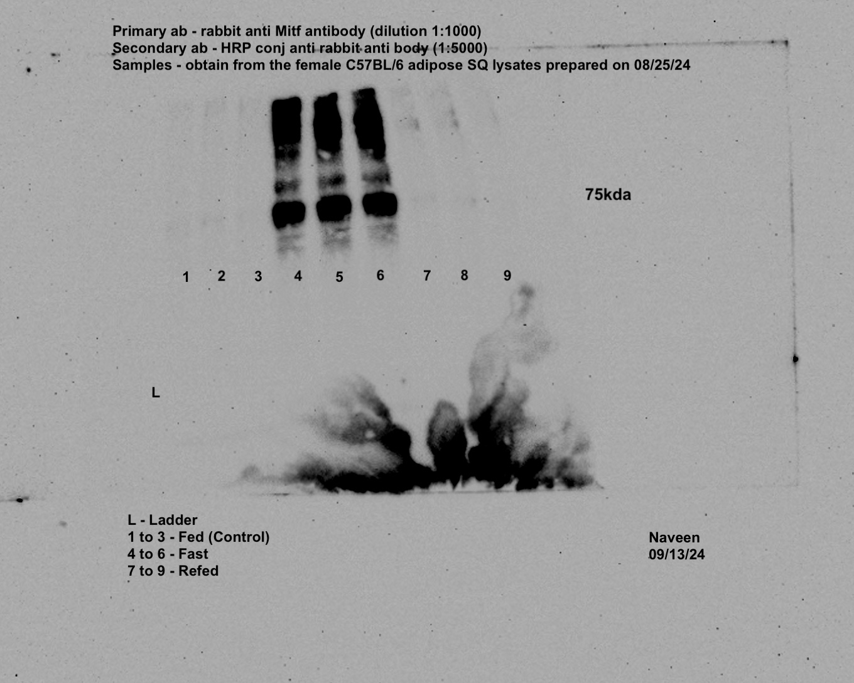
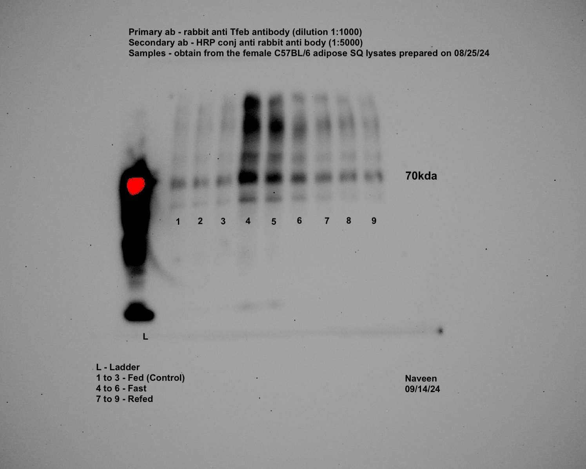
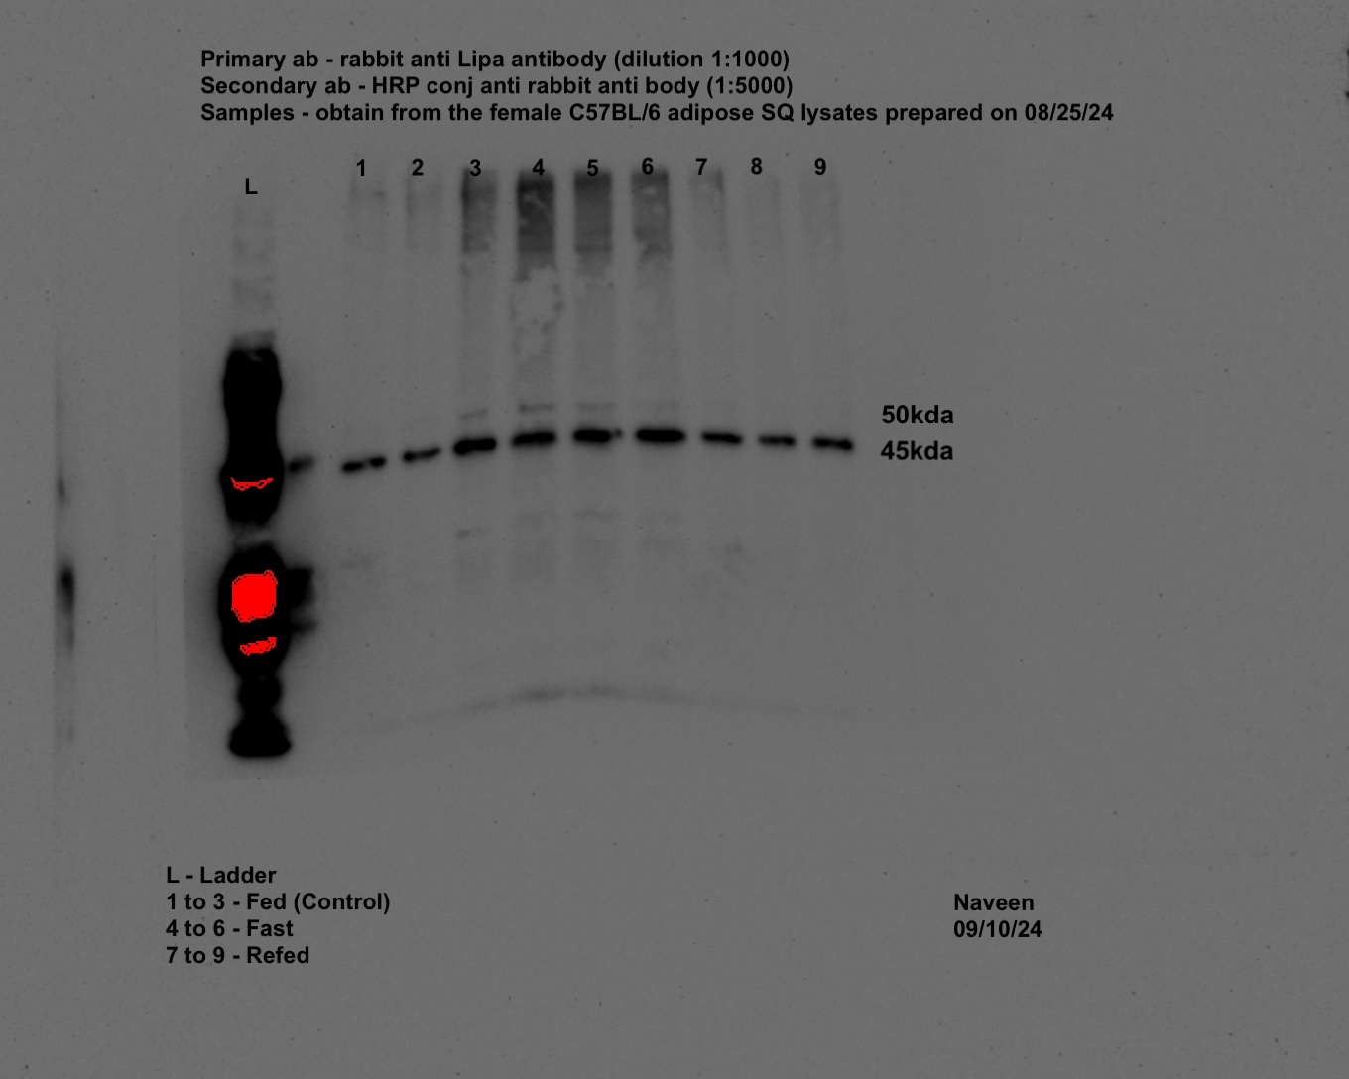
Female-iWAT-TFE3 |  |  |  |  |  |  | Female-iWAT-MITF |  |  |  |  |  |  | Female-iWAT-TFEB |  |  |  | Female-iWAT-LAL | Female-iWAT-ATGL | Female-iWAT-TUBA1A

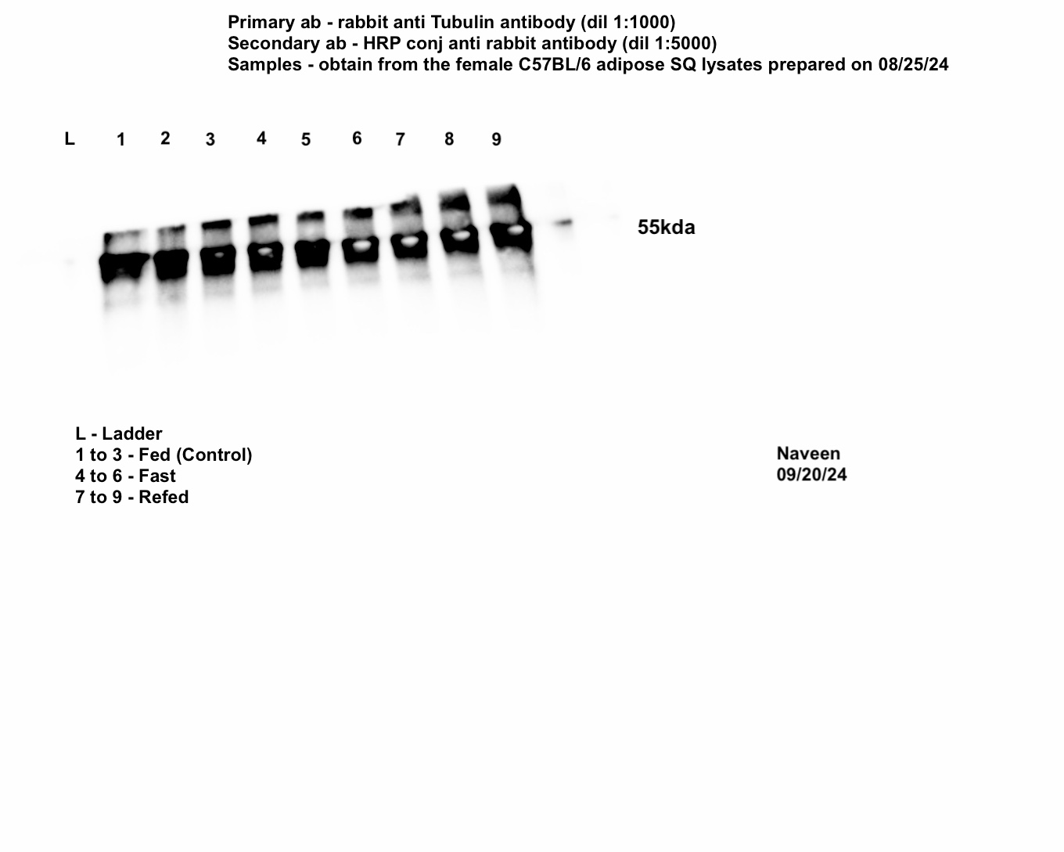
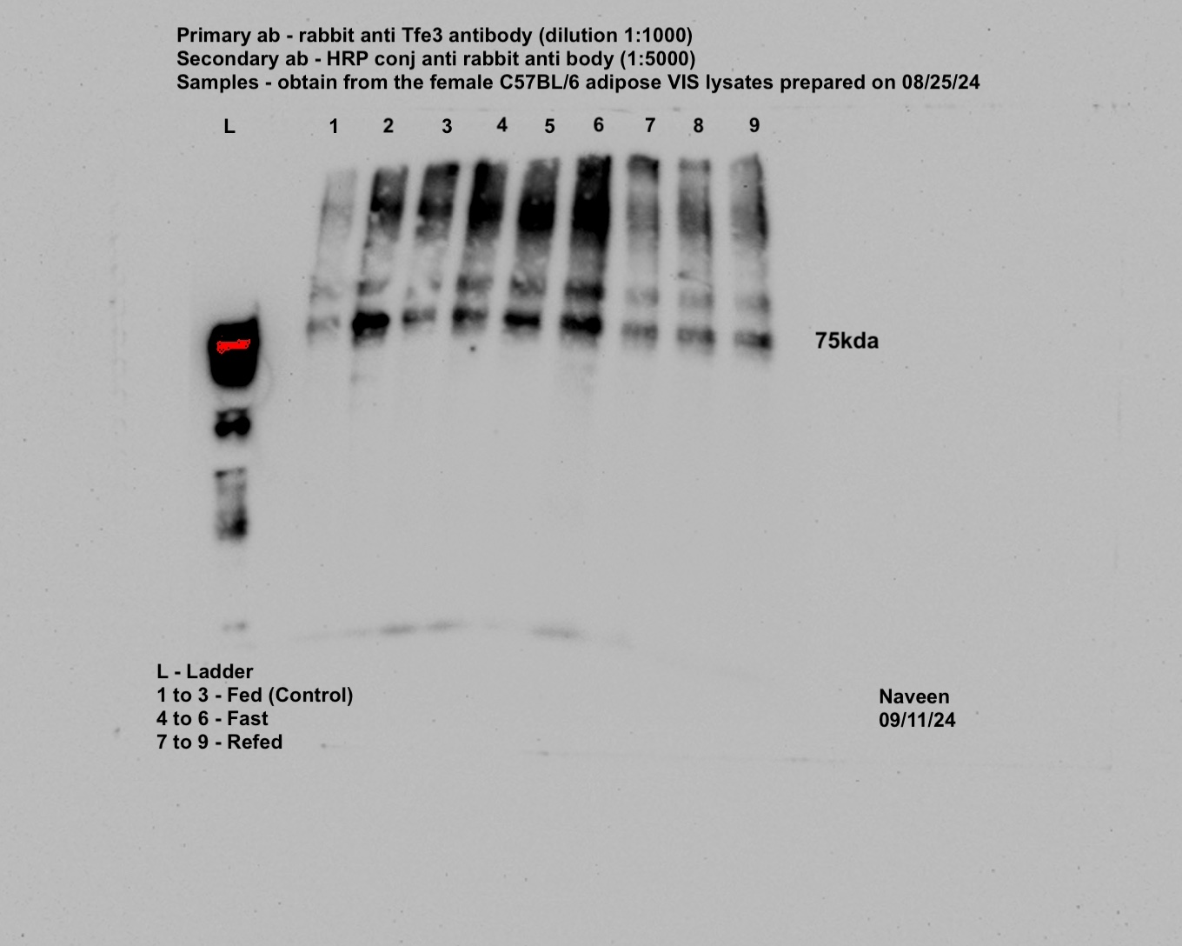
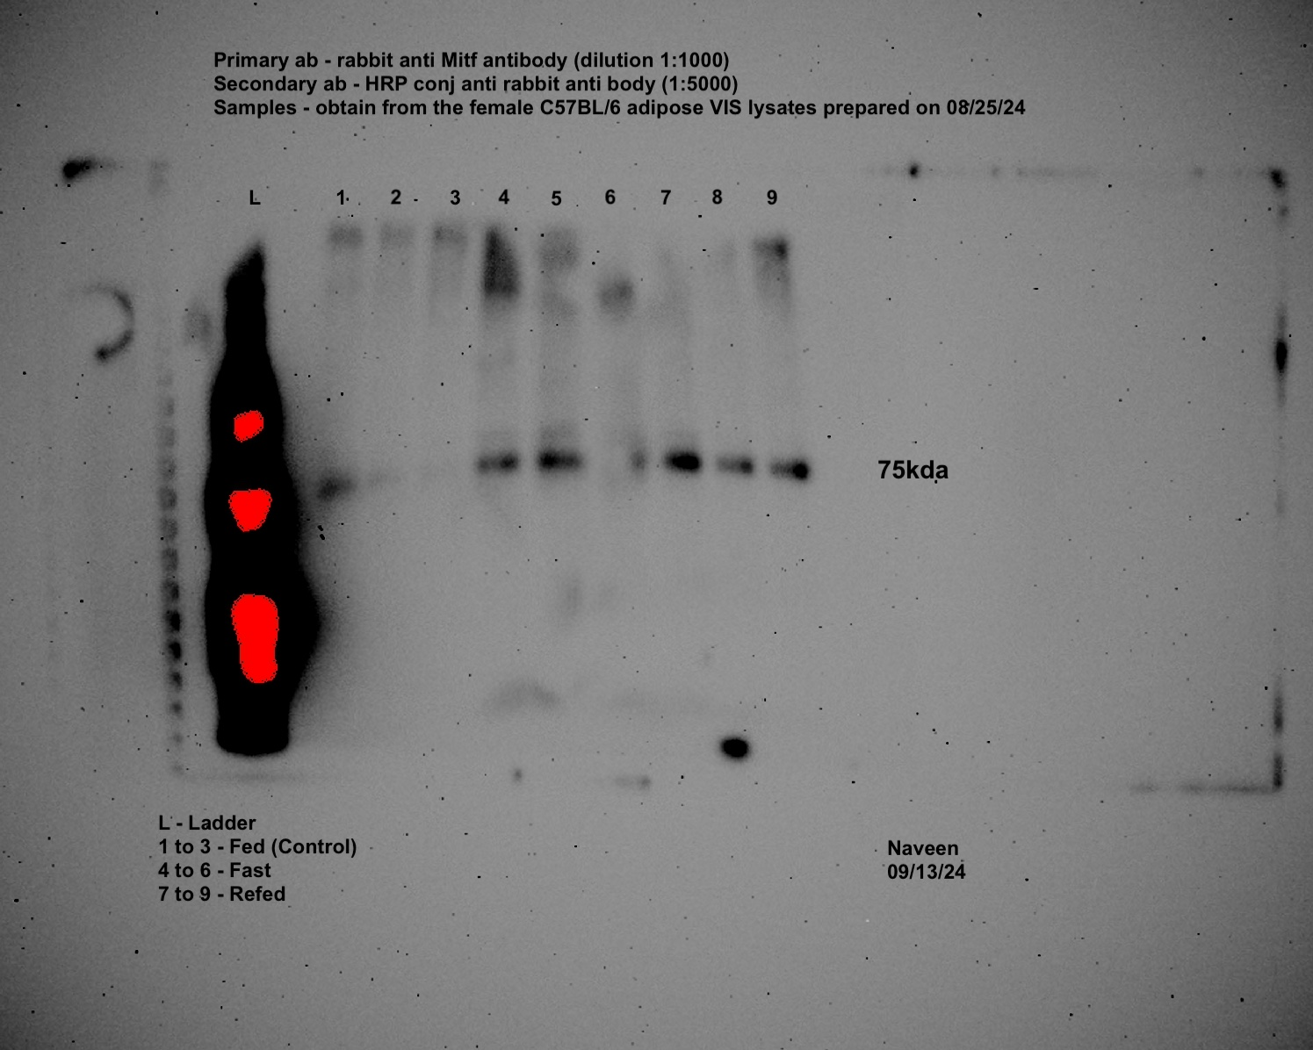
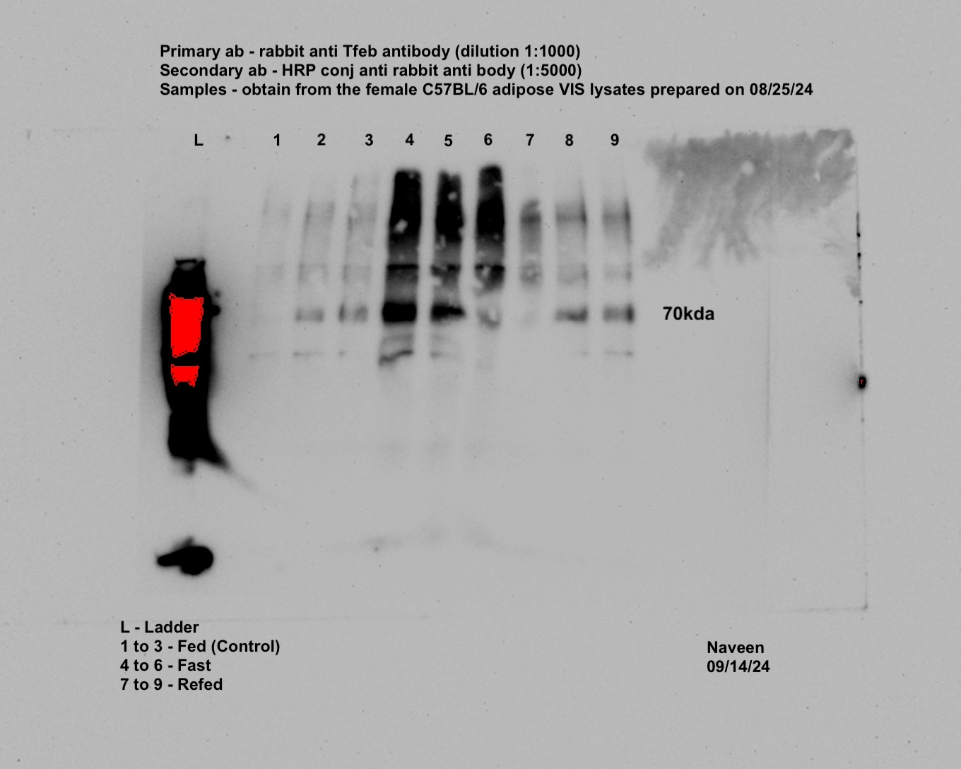
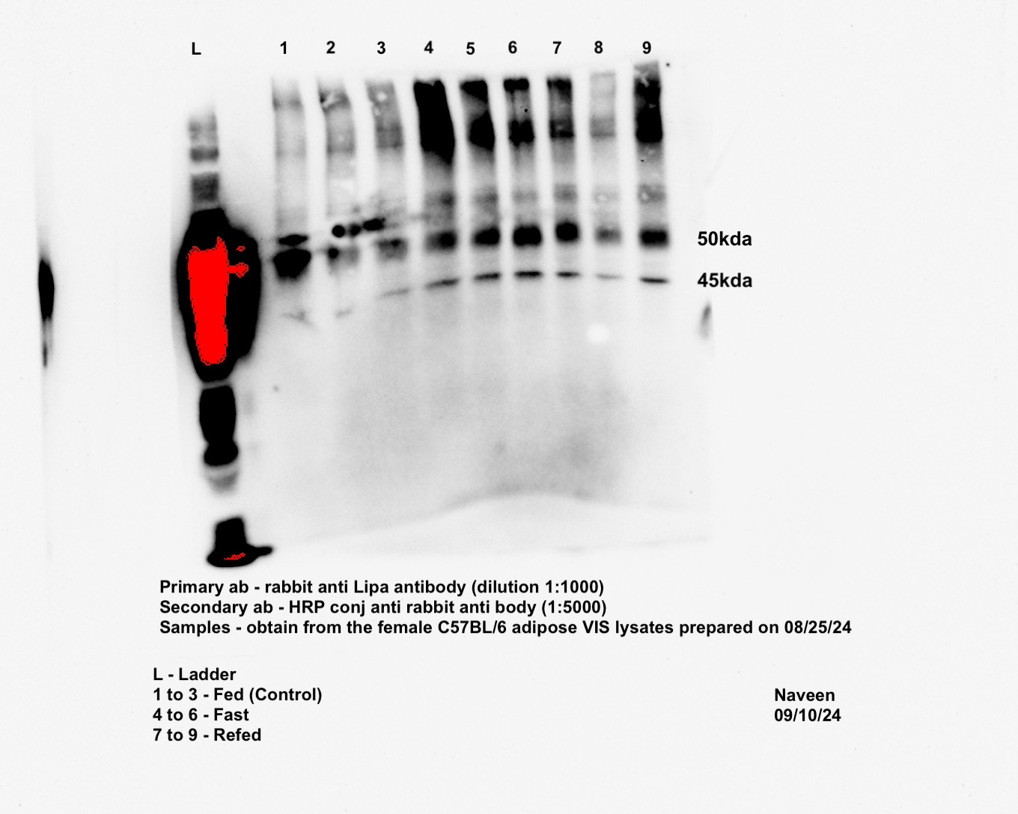
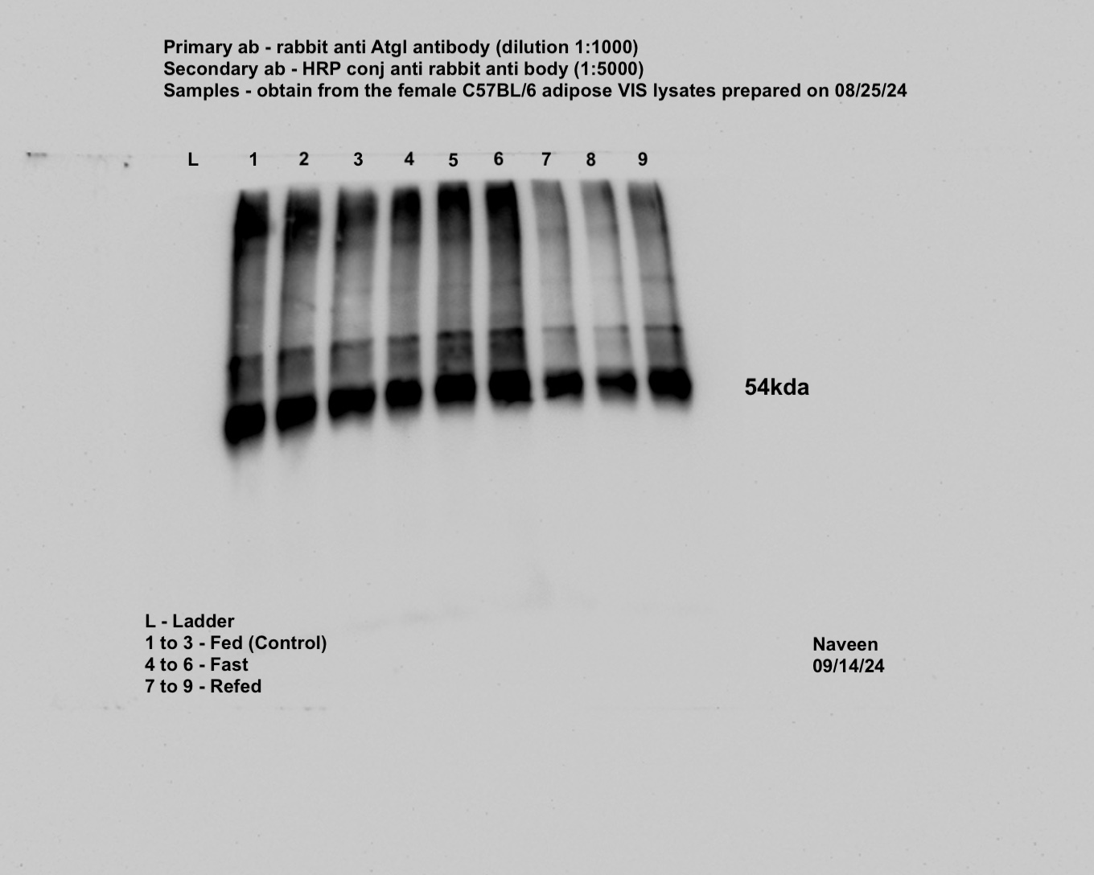
Female-gWAT-TFE3 |  |  |  |  |  |  | Female-gWAT-MITF |  |  |  |  |  |  | Female-gWAT-TFEB |  |  |  | Female-gWAT-LAL | Female-gWAT-ATGL | Female-gWAT-TUBA1A

Panel 1c

Male | Control1 | Control2 | Control3 | Control4 | Control5 | Control6 | Fast1 | Fast2 | Fast3 | Fast4 | Fast5 | Refed1 | Refed2 | Refed3 | Refed4 | Refed5 | Refed6
Pnpla2 | 0.796 | 1.292 | 0.815 | 0.714 | 1.419 | 1.179 | 0.696 | 0.653 | 0.63 | 0.594 | 0.695 | 0.291 | 0.226 | 0.507 | 0.283 | 0.251 | 0.351
Lipe | 2.779 | 2.258 | 2.152 | 0.528 | 0.586 | 0.239 | 0.019 | 0.029 | 0.024 | 0.012 | 0.011 | 0.306 | 1.129 | 1.126 | 1.169 | 0.248 | 0.925
Mgll | 0.957 | 1.07 | 0.863 | 0.601 | 1.484 | 1.269 | 0.511 | 0.677 | 0.304 | 0.328 | 0.403 | 0.681 | 0.613 | 0.139 | 0.795 | 0.557 | 0.342
Tfeb | 1.112 | 0.44 | 1.254 | 1.343 | 0.981 | 1.236 | 1.975 | 2.631 | 1.38 | 1.191 | 1.627 | 4.168 | 2.037 | 1.477 | 5.415 | 2.531 | 1.199
Tfe3 | 1.385 | 0.828 | 1.011 | 0.733 | 1.134 | 1.036 | 0.937 | 1.692 | 6.973 | 1.647 | 5.385 | 1.933 | 1.371 | 0.927 | 1 | 3.094 | 1.009
Tfec | 1.385 | 1.312 | 1.087 | 0.139 | 2.131 | 1.704 | 4.962 | 3.72 | 5.469 | 7.663 | 4.058 | 1.394 | 3.08 | 5.691 | 2.373 | 3.589 | 1.494
Mitf | 2.353 | 1.055 | 1.588 | 0.61 | 0.684 | 0.608 | 3.353 | 2.896 | 1.589 | 2.97 | 6.641 | 2.749 | 3.789 | 4.177 | 5.437 | 5.981 | 3.04
Lamp1 | 1.404 | 0.867 | 1.154 | 0.673 | 1.258 | 0.841 | 7.956 | 7.016 | 6.031 | 3.87 | 3.159 | 4.162 | 3.468 | 2.943 | 2.714 | 3.785 | 4.188
Lipa | 1.286 | 0.976 | 1.135 | 0.656 | 1.103 | 0.97 | 4.742 | 3.88 | 2.455 | 5.276 | 4.315 | 2.856 | 1.902 | 1.677 | 5.826 | 3.215 | 2.18
Mcoln1 | 1.515 | 1.075 | 1.214 | 0.725 | 0.818 | 0.853 | 3.935 | 6.202 | 6.163 | 5.306 | 5.067 | 1.923 | 1.832 | 1.719 | 2.254 | 2.018 | 2.539
Ulk1 | 1.41 | 0.887 | 0.868 | 0.752 | 1.249 | 0.981 | 3.346 | 1.556 | 3.158 | 2.874 | 1.41 | 0.91 | 0.553 | 1.206 | 0.703 | 0.989 | 0.837
Atp6v1 | 1.2 | 0.931 | 0.982 | 0.569 | 1.375 | 1.165 | 3.306 | 1.353 | 3.124 | 2.854 | 6.335 | 0.872 | 1.427 | 0.752 | 3.421 | 1.67 | 1.245

Female | Control1 | Control2 | Control3 | Control4 | Control5 | Control6 | Fast1 | Fast2 | Fast3 | Fast4 | Fast5 | Fast6 | Refed1 | Refed2 | Refed3 | Refed4 | Refed5
Pnpla2 | 0.672 | 0.947 | 0.946 | 1.019 | 1.22 | 1.337 | 0.272 | 0.713 | 0.073 | 0.025 | 0.083 | 0.158 | 0.121 | 0.226 | 1.068 | 0.463 | 1.13
Lipe | 0.196 | 1.17 | 1.133 | 1.31 | 2.272 | 1.295 | 0.151 | 0.084 | 0.041 | 0.687 | 0.256 | 0.109 | 0.06 | 0.037 | 0.987 | 0.017 | 0.362
Mgll | 0.684 | 1.241 | 1.012 | 0.922 | 1.074 | 1.176 | 0.164 | 0.218 | 0.164 | 0.764 | 0.456 | 0.434 | 0.083 | 0.218 | 0.426 | 0.144 | 0.328
Tfeb | 1.246 | 0.911 | 1.065 | 0.71 | 0.676 | 1.724 | 1.415 | 1.798 | 3.052 | 1.938 | 2.443 | 2.663 | 0.747 | 1.568 | 0.905 | 3.023 | 0.635
Tfe3 | 1.365 | 1.149 | 1.111 | 0.898 | 0.688 | 0.929 | 1.261 | 1.332 | 2.184 | 1.273 | 1.677 | 1.18 | 0.92 | 1.688 | 1.544 | 0.831 | 1.162
Tfec | 1.894 | 1.726 | 0.357 | 1.285 | 0.411 | 1.619 | 1.196 | 1.22 | 1.195 | 1.163 | 0.535 | 0.093 | 2.16 | 0.902 | 1.712 | 0.288 | 0.843
Mitf | 2.568 | 0.767 | 1.011 | 0.859 | 0.588 | 0.994 | 2.618 | 3.378 | 2.003 | 2.205 | 2.258 | 1.962 | 1.09 | 2.424 | 2.261 | 4.499 | 1.508
Lamp1 | 1.031 | 1.02 | 1.012 | 0.91 | 0.906 | 1.138 | 0.649 | 0.771 | 0.558 | 0.728 | 0.998 | 1.023 | 0.946 | 1.227 | 0.948 | 1.067 | 0.713
Lipa | 1.277 | 0.671 | 1.337 | 0.798 | 0.844 | 1.296 | 2.17 | 2.316 | 3.366 | 2.334 | 2.616 | 3.33 | 0.456 | 0.763 | 1.735 | 0.96 | 1.411
Mcoln1 | 1.452 | 0.859 | 1.276 | 0.888 | 0.715 | 0.99 | 1.157 | 1.325 | 1.712 | 1.507 | 1.599 | 1.418 | 0.74 | 1.185 | 1.164 | 2.031 | 0.866
Ulk1 | 1.323 | 0.953 | 1.184 | 0.957 | 0.666 | 1.051 | 1.043 | 1.819 | 1.351 | 1.543 | 1.746 | 1.028 | 1.582 | 2.886 | 1.859 | 3.918 | 1.285
Atp6v1 | 2.01 | 1.346 | 1.181 | 0.589 | 0.675 | 0.788 | 5.446 | 9.897 | 15.377 | 6.997 | 10.361 | 13.21 | 0.47 | 1.502 | 1.552 | 7.14 | 0.975

Panel 1d | Male1 | Male2 | Male3 | Male4 | Male5 | Female1 | Female2 | Female3 | Female4 | Female5 | Female6 | AP1 | AP2 | AP3 | 3T31 | 3T32 | 3T33
Pnpla2 | 0.696 | 0.653 | 0.63 | 0.594 | 0.695 | 0.272 | 0.713 | 0.073 | 0.025 | 0.083 | 0.158 | 0.386 | 0.029 | 0.785 | 0.025 | 0.029 | 0.249
Lipe | 0.019 | 0.029 | 0.024 | 0.012 | 0.011 | 0.118 | 0.077 | 0.133 | 13.449 | 1.499 | 0.403 | 0.014 | 0.014 | 0.019 | 0.034 | 0.05 | 0.037
Mgll | 0.511 | 0.677 | 0.304 | 0.328 | 0.403 | 0.164 | 0.218 | 0.164 | 0.764 | 0.456 | 0.434 | 0.915 | 0.508 | 0.349 | 0.012 | 0.619 | 1.089
Tfeb | 1.975 | 2.631 | 1.38 | 1.191 | 1.627 | 1.415 | 1.798 | 3.052 | 1.938 | 2.443 | 2.663 | 4.476 | 2.889 | 9.317 | 8.044 | 6.077 | 4.079
Tfe3 | 0.937 | 1.692 | 6.973 | 1.647 | 5.385 | 1.261 | 1.332 | 2.184 | 1.273 | 1.677 | 1.18 | 6.759 | 4.692 | 11.381 | 4.873 | 5.444 | 2.082
Mitf | 3.353 | 2.896 | 1.589 | 2.97 | 6.641 | 2.618 | 3.378 | 2.003 | 2.205 | 2.258 | 1.962 | 0.75 | 1.697 | 1.69 | 5.712 | 2.798 | 3.234
Lamp1 | 7.956 | 7.016 | 6.031 | 3.87 | 3.159 | 0.649 | 0.771 | 0.558 | 0.728 | 0.998 | 1.023 | 1.887 | 2.301 | 4.697 | 5.473 | 3.011 | 3.5
Lipa | 4.742 | 3.88 | 2.455 | 5.276 | 4.315 | 2.17 | 2.316 | 3.366 | 2.334 | 2.616 | 3.33 | 1.52 | 2.662 | 3.064 | 3.673 | 4.226 | 3.654
Mcoln1 | 3.935 | 6.202 | 6.163 | 5.306 | 5.067 | 1.157 | 1.325 | 1.712 | 1.507 | 1.599 | 1.418 | 1.151 | 2.292 | 4.571 | 3.309 | 11.412 | 5.356
Ulk1 | 3.346 | 1.556 | 3.158 | 2.874 | 1.41 | 1.043 | 1.819 | 1.351 | 1.543 | 1.746 | 1.028 | 3.939 | 4.194 | 7.317 | 8.827 | 7.391 | 9.458
Atp6v1 | 3.306 | 1.353 | 3.124 | 2.854 | 6.335 | 5.446 | 9.897 | 15.377 | 6.997 | 10.361 | 13.21 | 5.053 | 2.969 | 2.205 | 7.746 | 6.506 | 2.738
Pparg | 0.081 | 0.176 | 0.067 | 0.008 | 0.338 | 0.198 | 0.474 | 0.819 | 0.102 | 0.485 | 0.446 | 0.338 | 0 | 0.013 | 0.07 | 0.02 | 0.166
Fasn | 0.956 | 0.253 | 0.511 | 0.885 | 0.379 | 0.586 | 0.626 | 1.849 | 0.421 | 1.224 | 0.987 | 0.186 | 0.078 | 0.134 | 0.4 | 0.561 | 0.349
Acc1 | 0.011 | 0.069 | 0.035 | 0.002 | 0.18 | 0.225 | 0.454 | 0.499 | 0.474 | 0.711 | 1.025 | 0.034 | 0.002 | 0.002 | 0.18 | 0.055 | 0.067
Ehhadh | 0.089 | 0.467 | 0.252 | 0.01 | 0.923 | 0.68 | 2.07 | 1.901 | 0.897 | 1.6 | 1.366 | 0.089 | 0.009 | 0.019 | 0.126 | 0.053 | 0.253
Elovl | 0.049 | 0.308 | 0.067 | 0.018 | 0.264 | 0.183 | 0.345 | 1.566 | 0.168 | 0.795 | 0.385 | 0.049 | 0.031 | 0.006 | 0.239 | 0.017 | 0.12
Agpat2 | 0.006 | 0.093 | 0.029 | 0.001 | 0.145 | 0.773 | 1.727 | 3.897 | 0.48 | 2.004 | 1.8 | 0.343 | 0.012 | 0.032 | 0.109 | 0.094 | 0.824
Adipoq | 0.071 | 0.291 | 0.157 | 0.007 | 0.431 | 0.558 | 1.026 | 2.041 | 0.561 | 1.091 | 1.22 | 0.563 | 0 | 0.018 | 0.064 | 0.021 | 0.152
Lep | 0.014 | 0.048 | 0.04 | 0.001 | 0.023 | 0.005 | 0.026 | 0.082 | 0.013 | 0.031 | 0.034 | 2.993 | 0.007 | 0.021 | 0.313 | 0.495 | 0.441

Panel 1f
 | Control | Fast
 | 0.5 | 1.916666667
 | 0 | 1.2
 | 0 | 1.25
 | 0.4 | 1.4
 | 0 | 1
 |  | 1.5
 |  | 1.5

Panel 1g
 | Control | Fast
 | 0.055 | 3.055526804
 | 0.055 | 3.152026431
 | 0.055 | 5.651164679
 | 0.055 | 3.108071104
 | 0.055 | 3.455924471
 | 0.055 | 8.333702741
 | 0.055 | 1.110882487
 | 0.055 | 8.538322369

Figure-2
Panel 2b
 | Isoproterenol |  |  |  | Fast |  |  |  |  |  | Isoproterenol |  |  |  | Fast
 | Pre | Post | Pre | Post | Pre | Post | Pre | Post |  |  | Pre | Post | Pre | Post | Pre | Post | Pre | Post
NEFA (mEq/L) | Flox |  | Ko |  | Flox |  | Ko |  |  | NEFA (mEq/L) | Flox |  | Ko |  | Flox |  | Ko
Male | 0.29455577 | 1.98425421 | 0.16467583 | 0.45767424 | 0.00748862 | 0.9775544 | 0.09468603 | 0.95650406 |  | Female | 0.51300522 | 1.83613324 | 0.72836311 | 0.8708611 | 0.55552275 | 1.15544025 | 0.61791393 | 1.47585014
 | 0.28922371 | 1.26400498 | 0.29083896 | 0.56961276 | 0.08553295 | 0.93323491 | 0.05826476 | 1.11337429 |  |  | 0.59852225 | 1.55065529 | 0.72619208 | 0.94075972 | 0.60615126 | 1.02105324 | 0.52353473 | 1.18334238
 | 0.44245964 | 1.36322558 | 0.47104347 | 0.5407988 | 0.55131528 | 1.21917747 | 0.05157798 | 0.93501082 |  |  | 0.67013164 | 0.92925324 | 0.62619425 | 0.77839676 | 0.24344094 | 0.58970785 | 0.24920287 | 1.26627154
 | 0.40586034 | 0.72599669 | 0.21964207 | 0.96131073 | 0.48967094 | 1.03749665 | 0.08306232 | 0.77780624 |  |  | 0.66535536 | 0.79206559 | 0.6445308 | 0.80465325 | 0.1807024 | 0.43143078 | 0.14545349 | 0.88492072
 | 0.39236085 | 1.27694434 | 0.29264526 | 0.1824262 | 0.6637488 | 1.15994297 | 0.32696497 | 0.89317499 |  |  | 0.70093427 | 0.89880665 | 0.58677261 | 0.61813971 | 0.22039759 | 0.36718554 | 0.09503774 | 0.83948098
 |  |  | 0.24379699 | 0.96503622 |  |  | 0.32672181 | 1.18158384 |  |  |  |  | 0.61242121 | 0.77164485 | 0.18026385 | 0.43252933 | 0.18368974 | 0.53900552
 |  |  | 0.40173538 | 0.37091104 |  |  | 0.30341793 | 1.03768336 |  |  |  |  | 0.67208991 | 0.88463849 |  |  | 0.26793455 | 0.71015682

Panel 2c
 | Isoproterenol |  |  |  | Fast |  |  |  |  |  | Isoproterenol |  |  |  | Fast
 | Pre | Post | Pre | Post | Pre | Post | Pre | Post |  |  | Pre | Post | Pre | Post | Pre | Post | Pre | Post
Glycerol (uM) | Flox |  | Ko |  | Flox |  | Ko |  |  | Glycerol (uM) | Flox |  | Ko |  | Flox |  | Ko
Male | 218.160257 | 500.331206 | 118.685091 | 310.851499 | 44.0619239 | 63.4061831 | 45.3381076 | 268.200094 |  | Female | 133.691788 | 210.543919 | 113.848733 | 93.963324 | 255.90843 | 343.763607 | 260.005651 | 361.563012
 | 177.053706 | 396.42298 | 102.833545 | 329.121078 | 82.6161072 | 332.143618 | 50.7786806 | 362.167521 |  |  | 148.600551 | 226.956264 | 70.4354328 | 91.8667792 | 227.227879 | 359.480818 | 234.683479 | 352.092386
 | 182.359944 | 462.650201 | 131.178258 | 238.713533 | 61.9284967 | 333.083964 | 51.4503562 | 192.367912 |  |  | 128.397483 | 270.983704 | 70.9860406 | 74.4167502 | 263.968538 | 307.560289 | 301.44804 | 402.266558
 | 25.5236754 | 178.128387 | 352.898396 | 245.766127 | 112.169837 | 246.370635 | 72.2051344 | 413.483542 |  |  | 130.036409 | 216.884073 | 126.812366 | 115.796885 | 96.6541287 | 173.09082 | 83.0862802 | 229.108571
 | 47.9576427 | 130.439415 | 118.483588 | 136.685999 | 128.961728 | 240.795727 | 59.5104642 | 323.613337 |  |  | 96.6541287 | 175.173014 | 105.587415 | 146.290961 | 106.930766 | 177.523879 | 105.318745 | 221.451468
 |  |  | 104.982907 | 106.124756 |  |  | 92.2210693 | 366.802083 |  |  |  |  | 162.612679 | 164.829209 |  |  | 60.8538156 | 195.591955
 |  |  | 119.356766 | 83.8251234 |  |  | 116.871566 | 318.710105

Panel 2d | Change in Body weights (g) |  |  |  |  | Panel 2e | Total ketone bodies (mM) |  |  |  |  | Panel 2f | FGF21 (pg/ml) |  |  |  |  | Panel 2g | Glucose (ng/µl)
Change in body weights | Male |  | Female |  |  | Ketone bodies | Male |  | Female |  |  | FGF21 | Male |  | Female |  |  | Glucose | Male |  | Female
 | Flox | Ko | Flox | Ko |  |  | Flox | Ko | Flox | Ko |  |  | Flox | Ko | Flox | Ko |  |  | Flox | Ko | Flox | Ko
 | -8.3 | -7.9 | -5.7 | -4.4 |  |  | 2.708212774 | 2.890230208 | 1.78285714 | 3.203395837 |  |  | 359.7934122 | 231.9365556 | 390.9025884 | 318.3472916 |  |  | 25.72776243 | 22.55595406 | 17.02413184 | 20.19594021
 | -8.5 | -7.1 | -4.2 | -5.4 |  |  | 2.633820317 | 1.991329657 | 2.57828571 | 2.437954812 |  |  | 333.8308542 | 297.5859868 | 346.4733961 | 296.4495786 |  |  | 24.36482695 | 18.81259211 | 19.86933816 | 29.3392274
 | -7.1 | -6.3 | -2.6 | -4.5 |  |  | 2.916195695 | 1.836746486 | 1.29828571 | 1.535504714 |  |  | 411.1393971 | 189.502634 | 171.6522827 | 385.3298171 |  |  | 21.02186655 | 16.9911576 | 9.967643326 | 20.24461648
 | -7.6 | -7.4 | -2.7 | -5.7 |  |  | 1.50711119 | 4.160873866 | 1.152 | 2.763044298 |  |  | 308.8189454 | 378.3802435 | 147.6019501 | 382.3248914 |  |  | 28.86659655 | 20.36395184 | 20.19751041 | 20.17866799
 | -9.7 | -3.7 | -2.7 | -2 |  |  | 2.625050347 | 2.616032734 | 1.76914286 | 1.332924391 |  |  | 389.8973042 | 255.8885452 | 383.0679276 | 342.5178212 |  |  | 23.98954864 | 29.20261981 | 13.19754917 | 21.63424539
 | -5.9 | -2.4 |  | -2.8 |  |  |  | 2.944905177 |  | 1.620369329 |  |  |  | 274.3223985 |  | 363.9675272 |  |  |  | 20.1912296 |  | 10.06342566
 |  | -3.1 |  | -2.9 |  |  |  | 0.831037894 |  |  |  |  |  | 18.04048117 |  | 234.8759193 |  |  |  | 17.3570147
 |  | -3.1 |  | -2.6

Panel 2h | iWAT
iWAT | Flox1 | Flox2 | Flox3 | Flox4 | Flox5 | Flox6 | Flox7 | Flox8 | Flox9 | Flox10 | Ko1 | Ko2 | Ko3 | Ko4 | Ko5 | Ko6 | Ko7 | Ko8 | Ko9 | Ko10 | Ko11 | Ko12 | Ko13
Pnpla2 | 2.249 | 3.035 | 0.508 | 0.176 | 3.199 | 0.827 | 1.166 | 2.281 | 0.982 | 0.238 | 0.058 | 0.013 | 0.034 | 0.048 | 0.299 | 0.111 | 0.014 | 0.006 | 0.057 | 0.012 | 0.019 | 0.068 | 0.046
Lipa | 0.976 | 2.163 | 0.922 | 0.283 | 1.156 | 1.097 | 1.778 | 2.288 | 1.002 | 0.352 | 0.452 | 0.721 | 3.489 | 1.415 | 0.601 | 2.148 | 0.665 | 0.963 | 3.084 | 0.671 | 0.54 | 1.837 | 0.261
Tfeb | 1.115 | 1.349 | 0.831 | 0.466 | 1.128 | 0.895 | 1.633 | 1.618 | 1.428 | 0.451 | 1.175 | 2.177 | 13.94 | 0.87 | 0.817 | 4.519 | 1.957 | 2.637 | 6.866 | 2.92 | 2.963 | 1.646 | 1.165
Tfe3 | 0.632 | 1.068 | 0.641 | 1.676 | 1.278 | 0.927 | 0.782 | 1.118 | 0.809 | 1.647 | 0.551 | 0.75 | 4.484 | 0.527 | 1.499 | 3.295 | 2.703 | 1.607 | 6.183 | 0.645 | 1.567 | 2.335 | 1.926
Mitf | 1.379 | 1.012 | 0.705 | 1.3 | 1.381 | 0.701 | 1.897 | 1.096 | 0.451 | 0.862 | 1.101 | 2.846 | 5.27 | 1.236 | 3.064 | 3.629 | 2.566 | 2.783 | 8.875 | 1.139 | 2.722 | 4.928 | 1.375

 | gWAT
gWAT | Flox1 | Flox2 | Flox3 | Flox4 | Flox5 | Flox6 | Flox7 | Flox8 | Flox9 | Flox10 | Ko1 | Ko2 | Ko3 | Ko4 | Ko5 | Ko6 | Ko7 | Ko8 | Ko9 | Ko10 | Ko11 | Ko12 | Ko13
Pnpla2 | 0.93 | 0.988 | 1.292 | 1.977 | 0.604 | 0.582 | 0.952 | 1.479 | 1.003 | 0.858 | 0.168 | 0.131 | 0.275 | 0.216 | 0.423 | 0.492 | 0.272 | 0.107 | 0.299 | 0.411 | 0.488 | 0.207 | 0.076
Lipa | 1.343 | 1.218 | 1.572 | 0.547 | 0.802 | 0.686 | 1.088 | 1.609 | 1.153 | 0.639 | 0.596 | 0.579 | 0.864 | 0.75 | 1.039 | 1.309 | 0.713 | 0.513 | 0.741 | 0.937 | 0.938 | 1.197 | 0.607
Tfeb | 1.161 | 0.915 | 1.386 | 1.874 | 0.695 | 0.598 | 1.12 | 1.391 | 1.228 | 0.456 | 0.523 | 0.57 | 0.911 | 0.746 | 1.329 | 1.101 | 0.523 | 0.472 | 0.749 | 0.918 | 1.192 | 1.365 | 0.514
Tfe3 | 0.001 | 2.416 | 3.193 | 3.819 | 1.239 | 1.11 | 2.423 | 3.512 | 2.508 | 1.001 | 0.89 | 0.777 | 1.559 | 1.708 | 2.619 | 2.202 | 0.881 | 0.673 | 1.459 | 1.731 | 2.108 | 2.596 | 0.875
Mitf | 0.839 | 0.736 | 1.087 | 2.404 | 1.134 | 0.883 | 0.758 | 0.991 | 0.961 | 0.857 | 0.857 | 0.911 | 0.507 | 0.53 | 0.781 | 1.186 | 0.788 | 0.781 | 0.707 | 0.595 | 0.785 | 1.579 | 0.868

Panel 2i

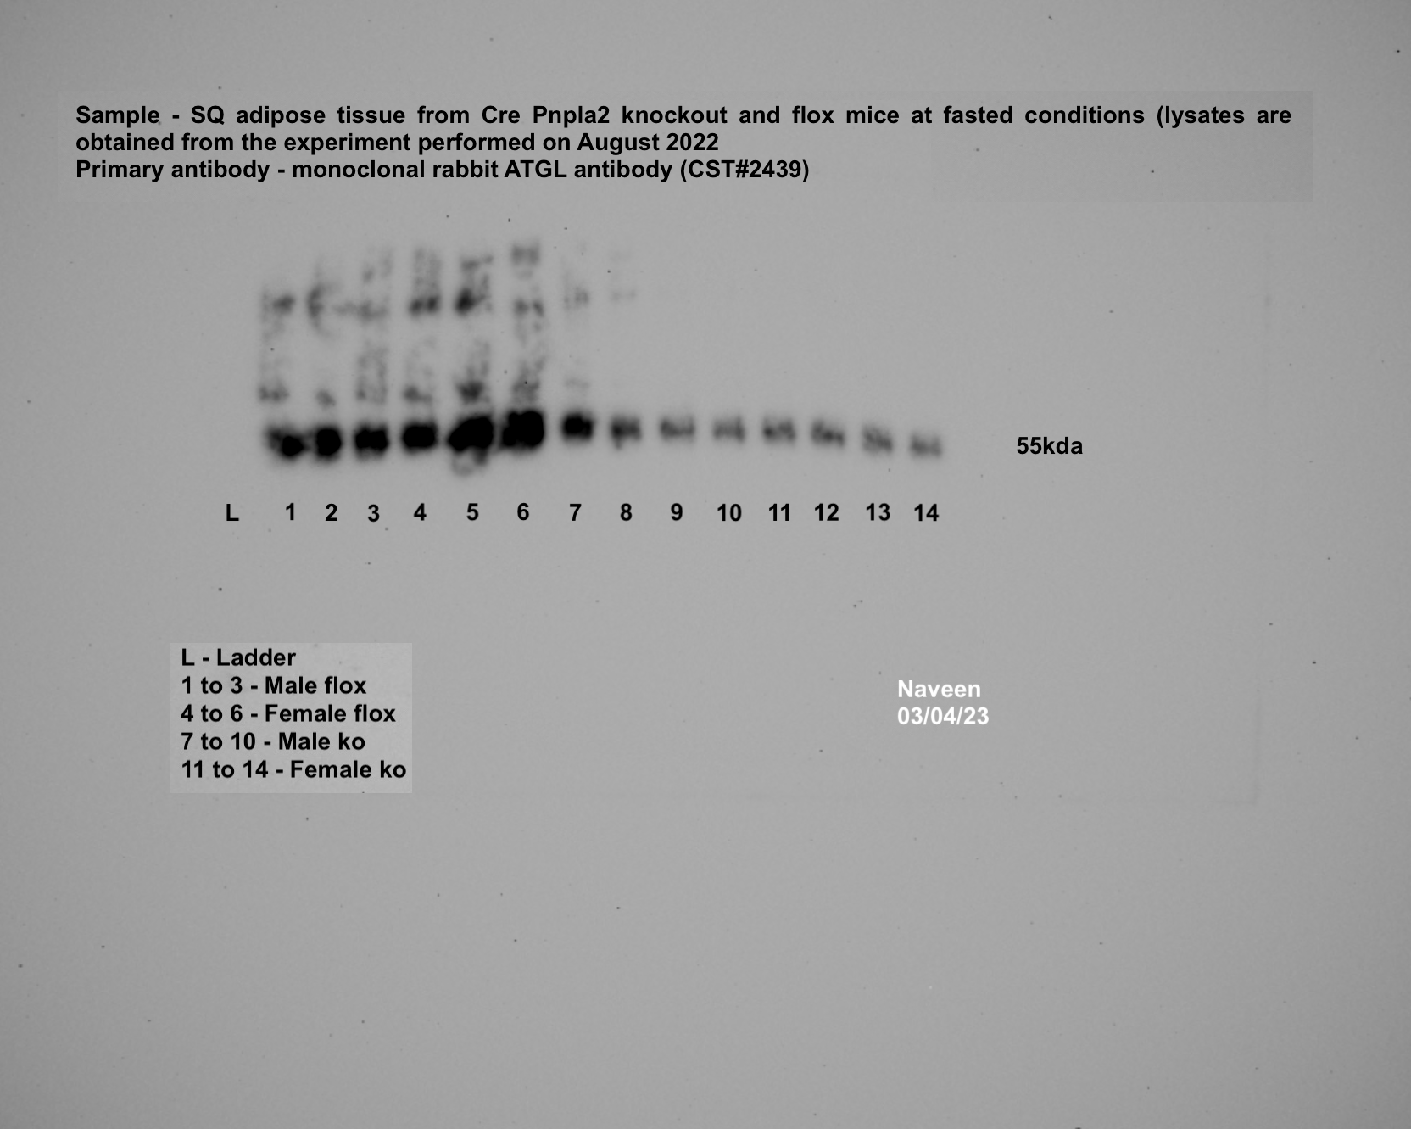
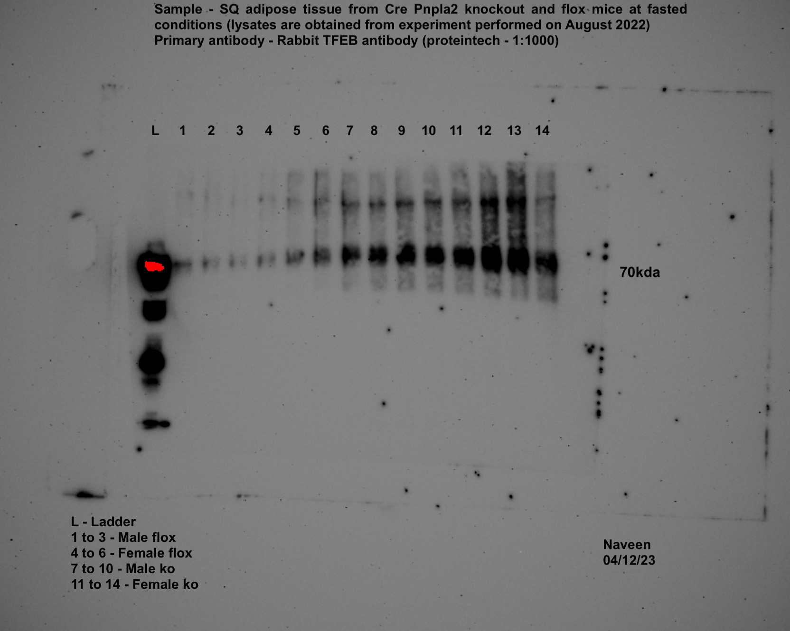
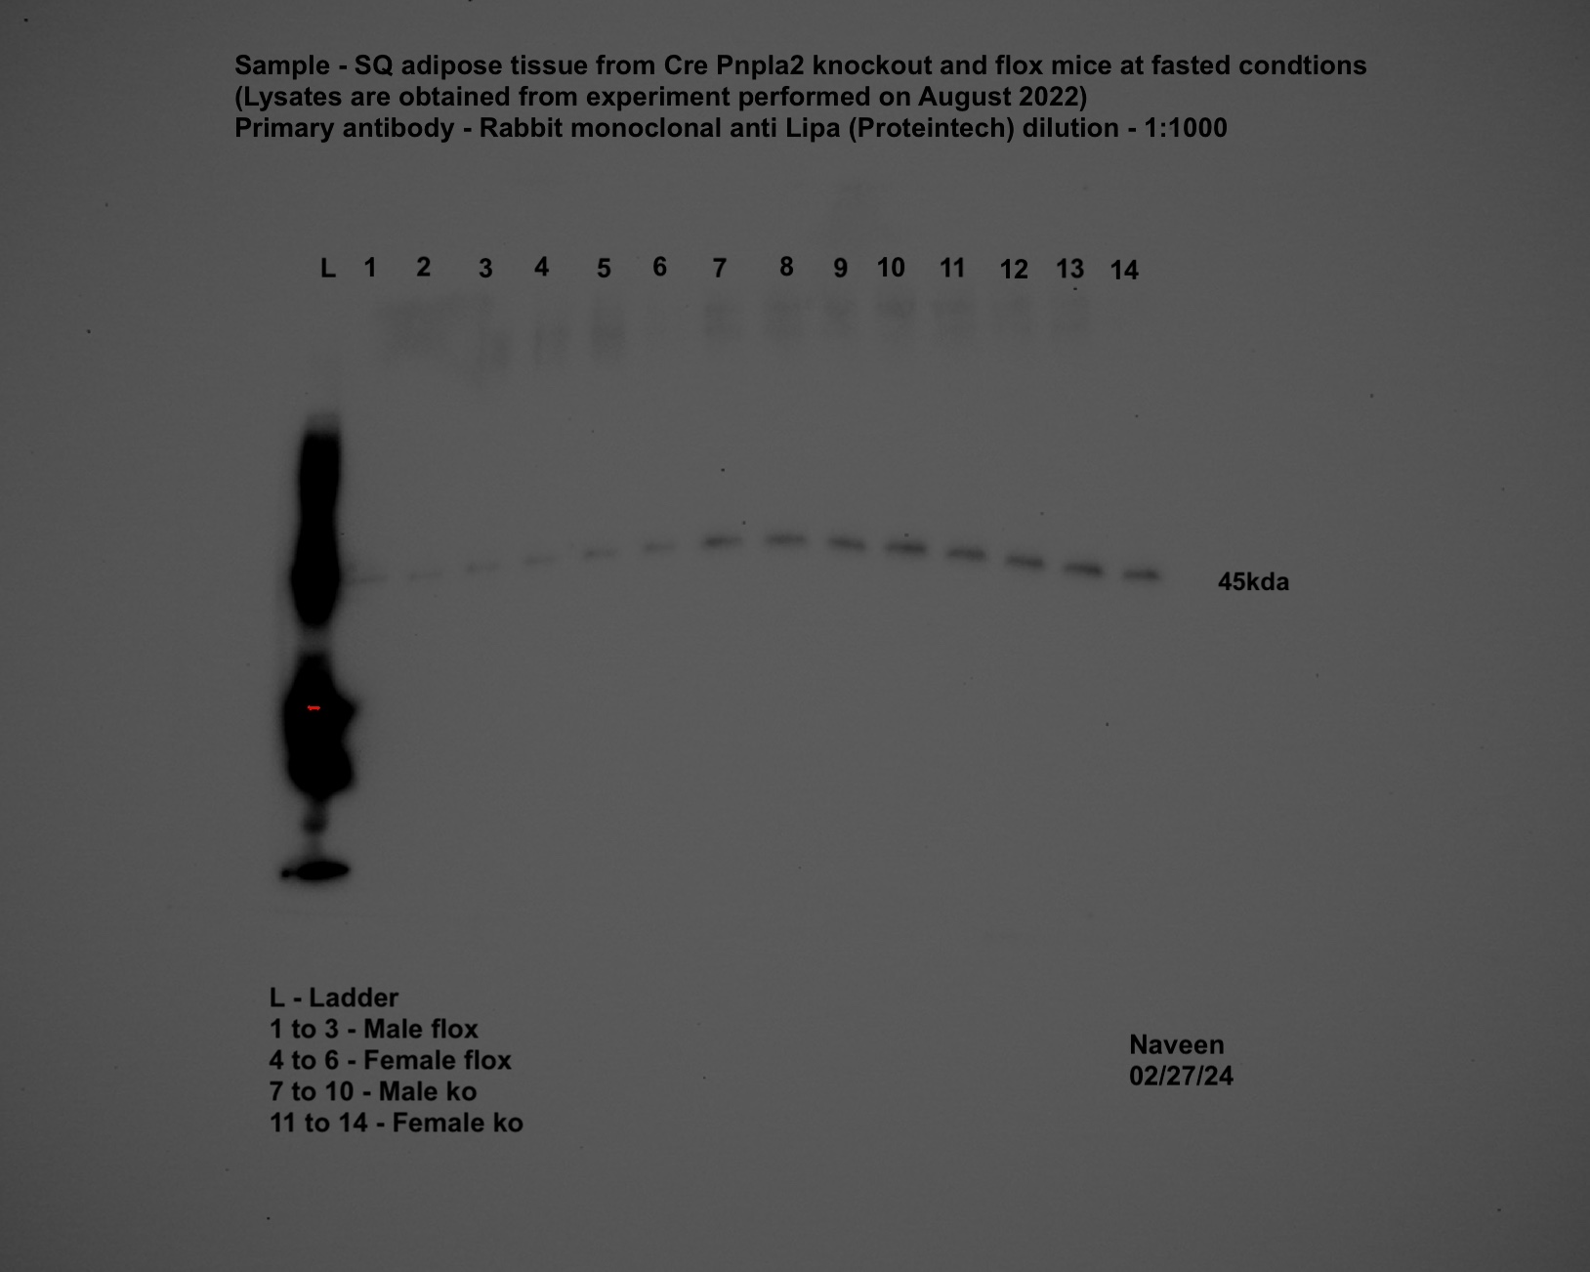
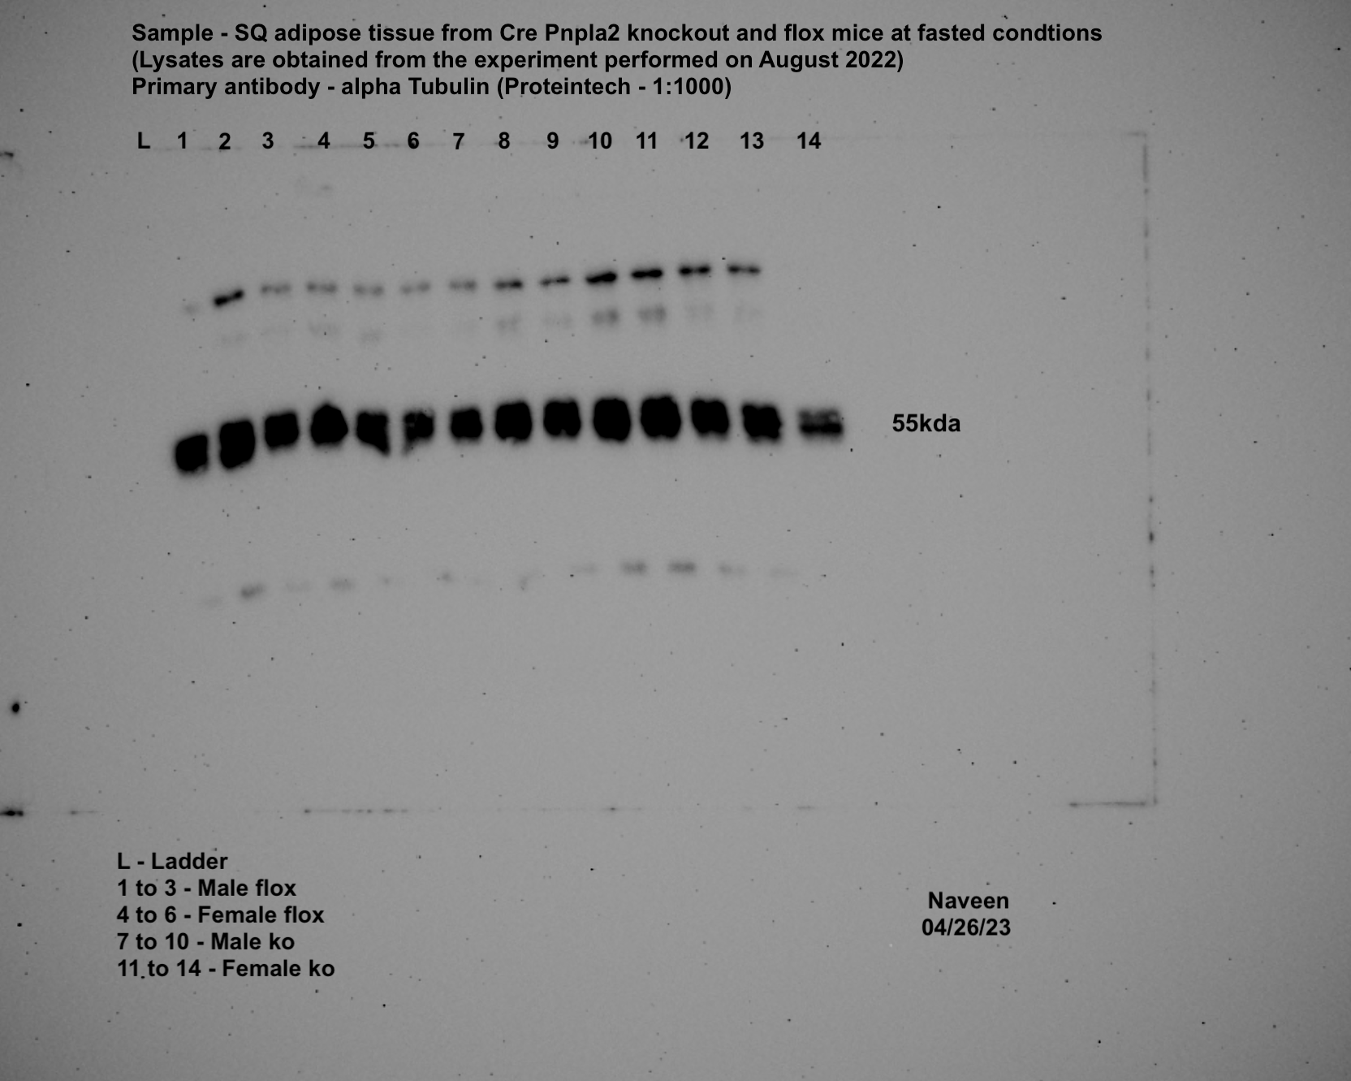
iWAT-ATGL |  |  |  |  |  |  | iWAT-TFEB |  |  |  |  |  |  | iWAT-LAL |  |  |  |  |  |  | iWAT-TUBA1A

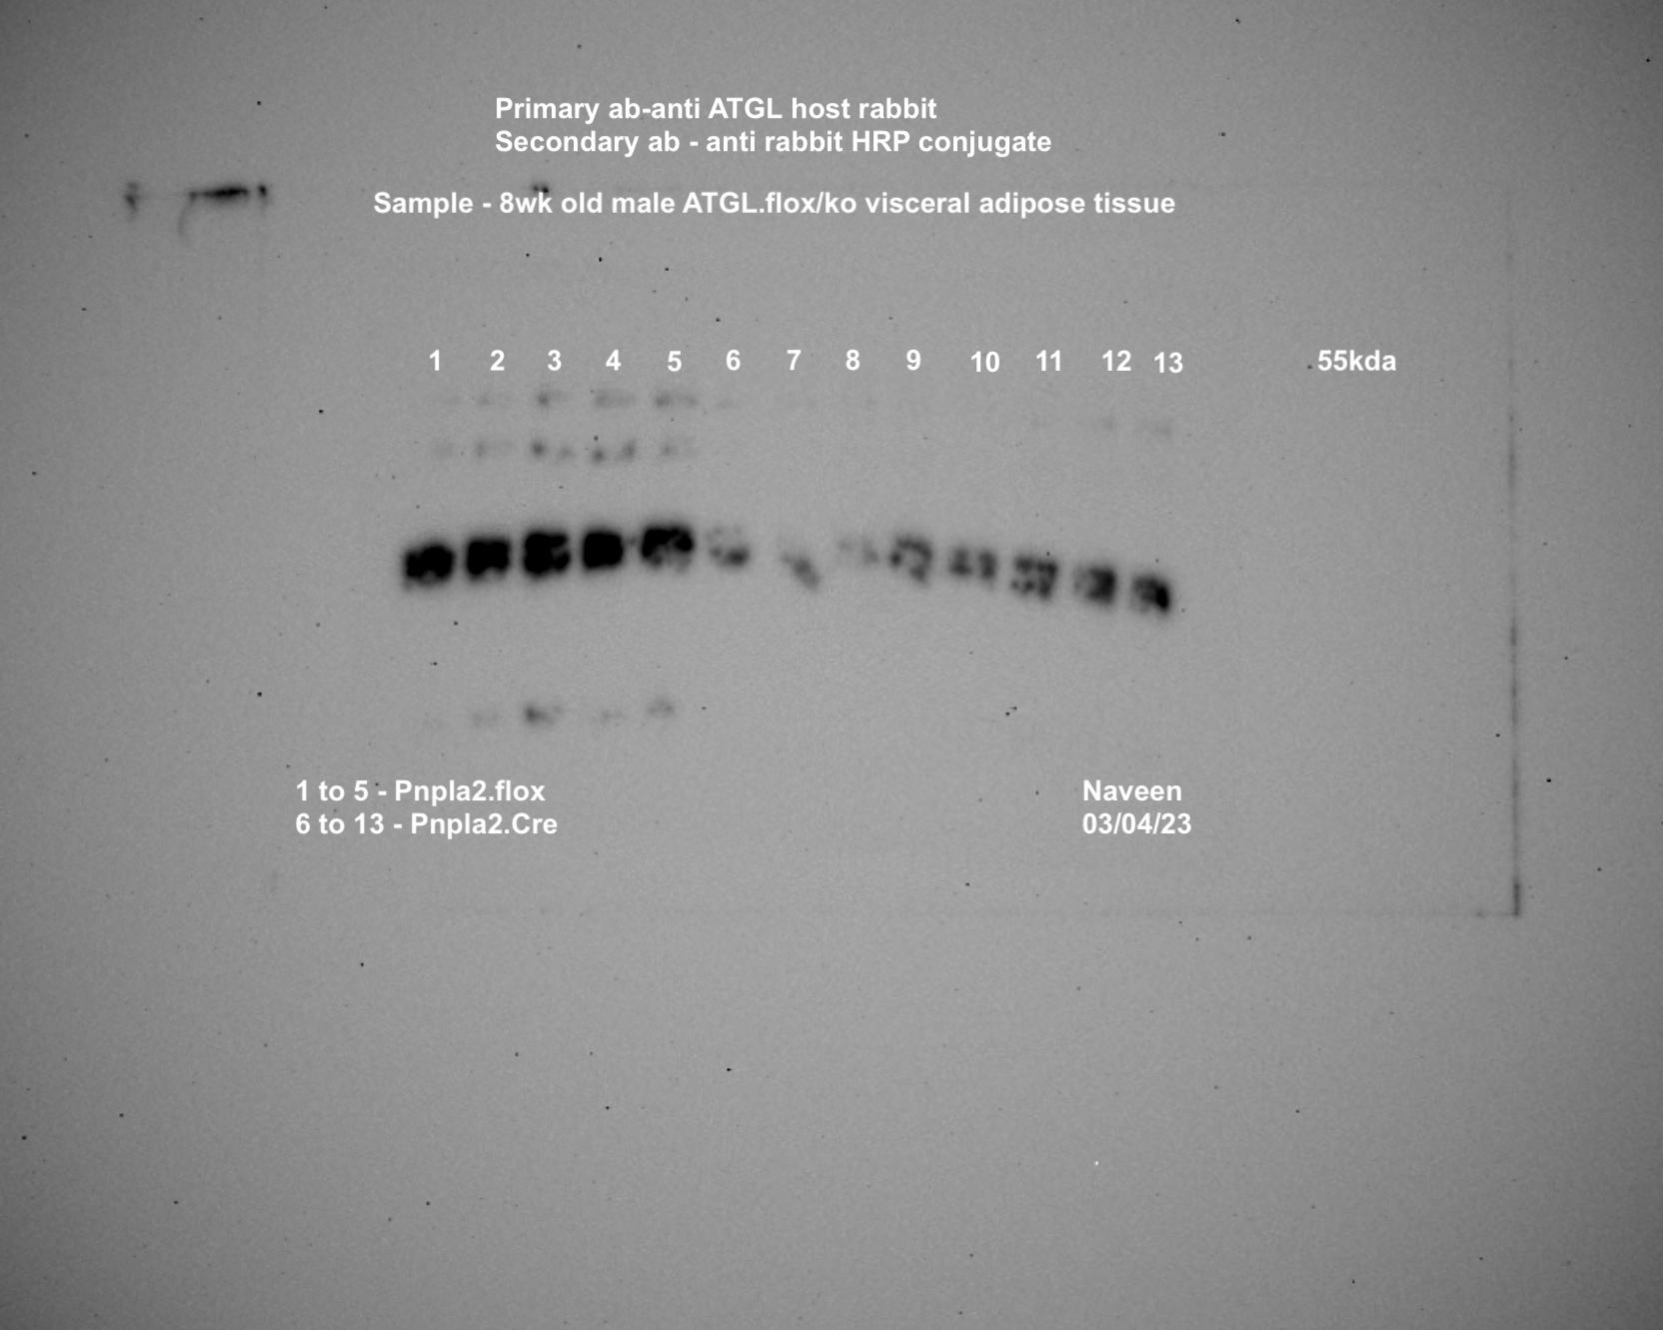
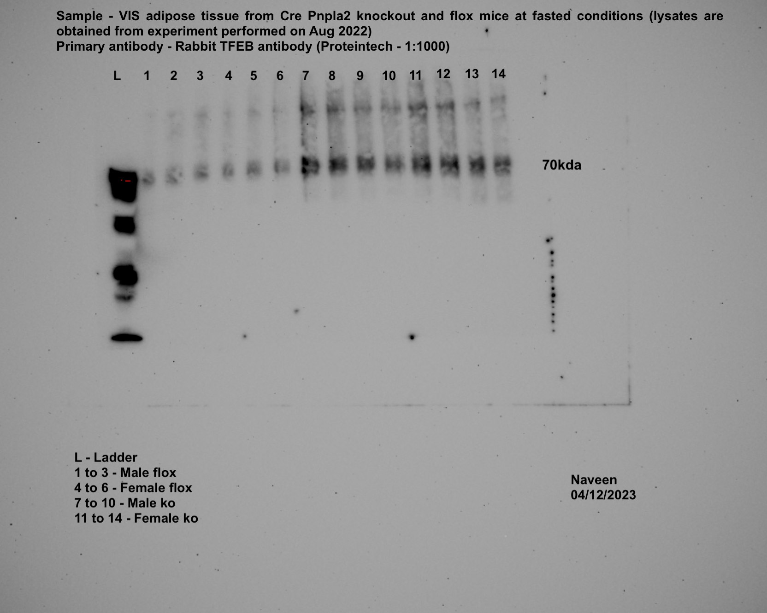
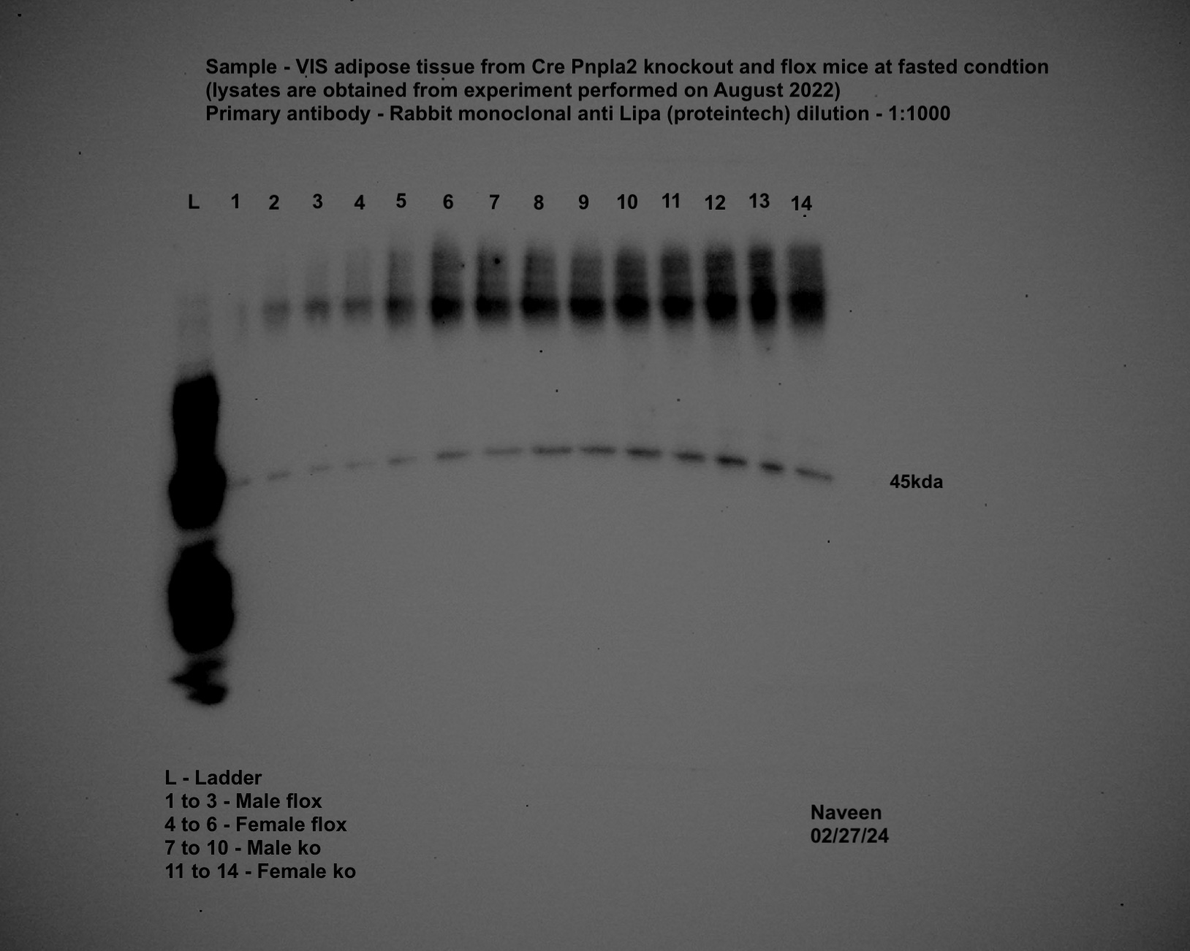
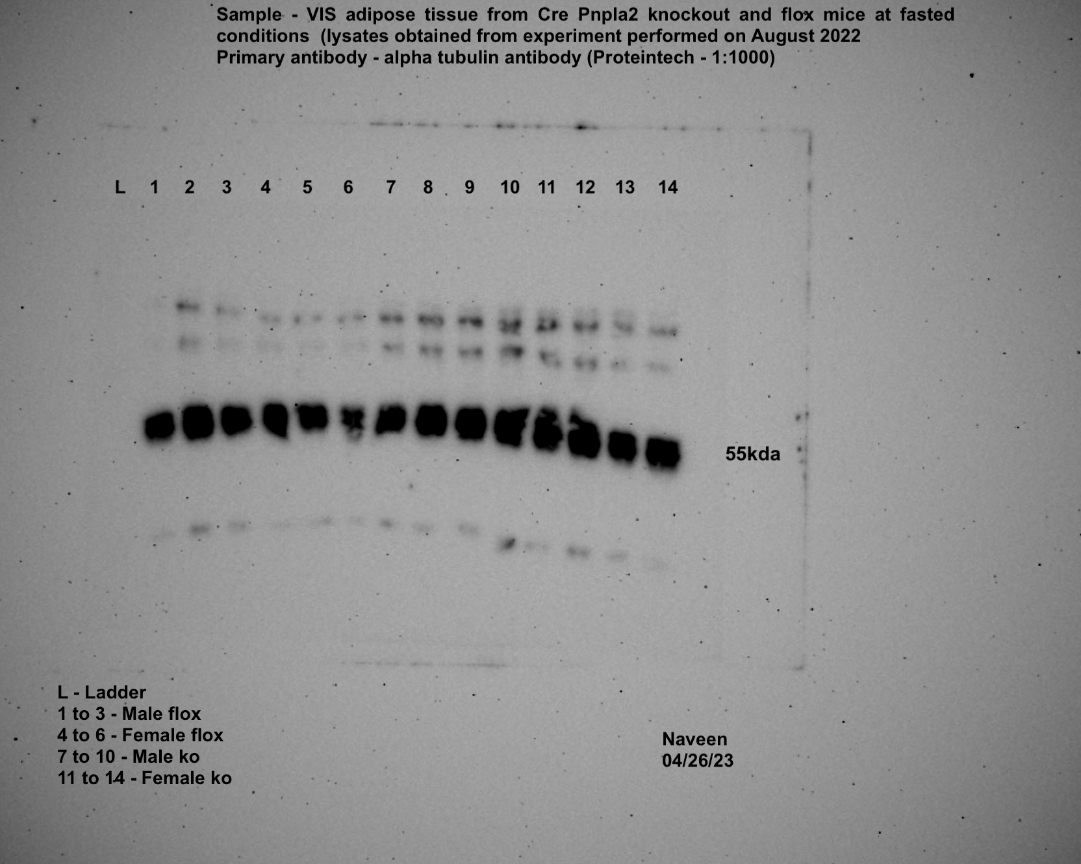
gWAT-ATGL |  |  |  |  |  |  | gWAT-TFEB |  |  |  |  |  |  | gWAT-LAL |  |  |  |  |  |  | gWAT-TUBA1A

Figure-3
Panel 3b
 | Isoproterenol |  |  |  | Fast |  |  |  |  |  | Isoproterenol |  |  |  | Fast
 | Pre | Post | Pre | Post | Pre | Post | Pre | Post |  |  | Pre | Post | Pre | Post | Pre | Post | Pre | Post
NEFA (mEq/L) | Flox |  | Ko |  | Flox |  | Ko |  |  | NEFA (mEq/L) | Flox |  | Ko |  | Flox |  | Ko
Male | 0.36242922 | 1.5681075 | 0.57684026 | 1.75703804 | 0.58756679 | 1.66408805 | 0.61400431 | 0.85987718 |  | Female | 0.57293245 | 1.64271473 | 0.50526358 | 2.30620464 | 0.61412393 | 1.66181514 | 0.61412393 | 0.55809873
 | 0.60654757 | 1.39090039 | 0.53828056 | 1.38495893 | 0.40748864 | 1.78786187 | 0.51961879 | 0.84261105 |  |  | 0.66325066 | 1.46076242 | 0.52775341 | 2.50027913 | 0.46626525 | 1.39560571 | 0.46626525 | 0.70029508
 | 0.38232714 | 1.49617194 | 0.28838025 | 1.77705559 | 0.6780445 | 1.36183109 | 0.60347715 | 0.76409602 |  |  | 0.57787702 | 2.17900152 | 0.54513917 | 2.32757796 | 0.34687774 | 1.18362708 | 0.34687774 | 0.52504187
 | 0.50773586 | 1.56559534 | 0.57947205 | 1.70129197 | 0.47424037 | 1.08481538 | 0.36541989 | 0.36876944 |  |  |  |  | 0.5305447 | 2.21453066 |  |  | 0.4426589 | 0.88651408
 | 0.52308797 | 1.93193237 | 0.58880293 | 1.67202329 | 0.54182949 | 1.40669112 | 0.50498445 | 0.72505782 |  |  |  |  | 0.68063641 | 2.43524204 |  |  | 0.34691762 | 0.54904697
 | 0.3116676 | 1.890063 | 0.47846718 | 1.84229205 | 0.57380971 | 1.30437036 | 0.50498445 | 0.58684903 |  |  |  |  | 0.61284791 | 2.25715767 |  |  | 0.64195709 | 0.77095462
 |  |  | 0.60866098 | 2.2169232 |  |  | 0.43584018 | 0.69511125

Panel 3c
 | Isoproterenol |  |  |  | Fast |  |  |  |  |  | Isoproterenol |  |  |  | Fast
 | Pre | Post | Pre | Post | Pre | Post | Pre | Post |  |  | Pre | Post | Pre | Post | Pre | Post | Pre | Post
Glycerol (uM) | Flox |  | Ko |  | Flox |  | Ko |  |  | Glycerol (uM) | Flox |  | Ko |  | Flox |  | Ko
Male | 27.23975586 | 128.86072 | 22.6812661 | 117.67575 | 21.56943933 | 75.493038 | 10.89590234 | 37.246197 |  | Female | 17.90041099 | 106.06827 | 15.34320942 | 120.18847 | 20.56879524 | 72.157557 | 24.90491964 | 23.125997
 | 20.79116059 | 124.5246 | 21.34707398 | 95.283554 | 22.34771807 | 86.38894 | 25.34965035 | 31.019967 |  |  | 21.2358913 | 83.164642 | 17.23331493 | 118.96546 | 22.6812661 | 82.275181 | 21.68062201 | 22.792449
 | 19.90169918 | 132.08502 | 16.8997669 | 127.0818 | 18.3451417 | 73.93648 | 16.34385351 | 23.348362 |  |  | 20.56879524 | 83.05346 | 25.23846767 | 119.96611 | 24.34900626 | 61.595203 | 15.89912281 | 24.349006
 | 17.67804564 | 122.85686 | 23.45954484 | 107.95838 | 26.90620783 | 96.728929 | 16.45503619 | 28.2404 |  |  |  |  | 26.46147712 | 118.29837 |  |  | 20.56879524 | 16.788584
 | 28.68513066 | 124.41342 | 28.24039995 | 113.51751 | 27.79566924 | 83.164642 | 11.56299841 | 15.676757 |  |  |  |  | 25.23846767 | 118.7431 |  |  | 22.79244878 | 36.467918
 | 27.12857318 | 129.08309 | 15.89912281 | 105.84591 | 17.67804564 | 74.270028 | 16.45503619 | 17.678046 |  |  |  |  | 28.24039995 | 123.8575 |  |  | 27.12857318 | 19.456968
 |  |  | 14.67611336 | 104.95645 |  |  | 23.45954484 | 20.902343

Panel 3d | iWAT
iWAT | Flox1 | Flox2 | Flox3 | Flox4 | Flox5 | Flox6 | Flox7 | Flox8 | Flox9 | Ko1 | Ko2 | Ko3 | Ko4 | Ko5 | Ko6 | Ko7 | Ko8 | Ko9 | Ko10 | Ko11 | Ko12 | Ko13
Tfeb | 0.878 | 0.861 | 2.391 | 0.807 | 0.847 | 0.81 | 4.29 | 0.496 | 0.47 | 0.274 | 0.292 | 0.3 | 0.269 | 0.436 | 0.394 | 0.298 | 1.783 | 1.277 | 1.877 | 2.616 | 1.532 | 1.547
Lipa | 0.942 | 1.071 | 1.072 | 0.436 | 1.453 | 1.461 | 4.18 | 0.438 | 0.546 | 0.27 | 1.016 | 0.37 | 0.107 | 0.266 | 0.226 | 0.188 | 0.471 | 0.801 | 0.867 | 0.802 | 0.301 | 0.342
Lamp1 | 0.961 | 0.983 | 1.202 | 0.994 | 0.993 | 0.892 | 4.166 | 0.444 | 0.541 | 0.228 | 0.255 | 0.224 | 0.259 | 0.214 | 0.197 | 0.093 | 0.961 | 1.035 | 0.911 | 0.76 | 0.32 | 0.732
Pnpla2 | 1.843 | 2.085 | 0.876 | 0.666 | 0.745 | 0.599 | 4.334 | 0.416 | 0.555 | 1.492 | 1.429 | 1.596 | 1.576 | 1.583 | 1.499 | 1.549 | 8.744 | 10.086 | 8.713 | 12.935 | 10.457 | 10.584
Lipe | 0.55 | 1.379 | 0.969 | 1.299 | 0.777 | 1.347 | 1.352 | 0.493 | 1.5 | 0.038 | 0.308 | 0.081 | 0.58 | 0.297 | 0.159 | 0.494 | 0.646 | 14.954 | 4.417 | 4.225 | 2.351 | 2.884
Mgll | 0.663 | 1.213 | 1.241 | 0.93 | 1.028 | 1.049 | 1.963 | 0.61 | 0.836 | 0.133 | 0.236 | 0.202 | 0.469 | 0.452 | 0.484 | 0.117 | 2.724 | 1.479 | 5.295 | 5.157 | 5.311 | 5.167
 | gWAT
gWAT | Flox1 | Flox2 | Flox3 | Flox4 | Flox5 | Flox6 | Flox7 | Flox8 | Flox9 | Ko1 | Ko2 | Ko3 | Ko4 | Ko5 | Ko6 | Ko7 | Ko8 | Ko9 | Ko10 | Ko11 | Ko12 | Ko13
Tfeb | 0.928 | 1.193 | 0.997 | 1.158 | 1.011 | 0.773 | 0.975 | 1.092 | 0.94 | 0.166 | 0.298 | 0.267 | 0.275 | 0.385 | 0.328 | 0.316 | 0.268 | 0.246 | 0.293 | 0.212 | 0.207 | 0.156
Lipa | 1.137 | 1.044 | 0.943 | 0.952 | 0.873 | 1.074 | 0.982 | 0.983 | 1.035 | 0.283 | 0.071 | 0.21 | 0.131 | 0.151 | 0.279 | 0.123 | 0.089 | 0.191 | 0.24 | 0.138 | 0.215 | 0.182
Lamp1 | 1.083 | 1.126 | 0.997 | 0.984 | 0.875 | 0.956 | 0.94 | 1.011 | 1.052 | 0.188 | 0.518 | 0.212 | 0.258 | 0.478 | 0.161 | 0.165 | 0.489 | 0.27 | 0.268 | 0.337 | 0.515 | 0.251
Pnpla2 | 0.978 | 0.918 | 0.961 | 1.165 | 0.987 | 1.008 | 0.941 | 0.982 | 1.082 | 2.174 | 2.11 | 2.092 | 1.244 | 1.51 | 1.265 | 1.102 | 1.227 | 0.842 | 1.175 | 0.897 | 1.388 | 0.866
Lipe | 1.529 | 0.737 | 1.457 | 2.514 | 0.454 | 0.533 | 1.309 | 0.963 | 0.793 | 14.857 | 0.473 | 5.277 | 5.253 | 0.194 | 11.874 | 2.727 | 0.636 | 0.82 | 1.496 | 1.601 | 0.083
Mgll | 2.855 | 0.654 | 0.975 | 0.672 | 0.728 | 1.124 | 0.91 | 1.092 | 1.007 | 2.713 | 3.016 | 7.573 | 7.153 | 1.467 | 2.693 | 6.949 | 0.009 | 0.032 | 0.089 | 0.062 | 0.164 | 0.126

Panel3e

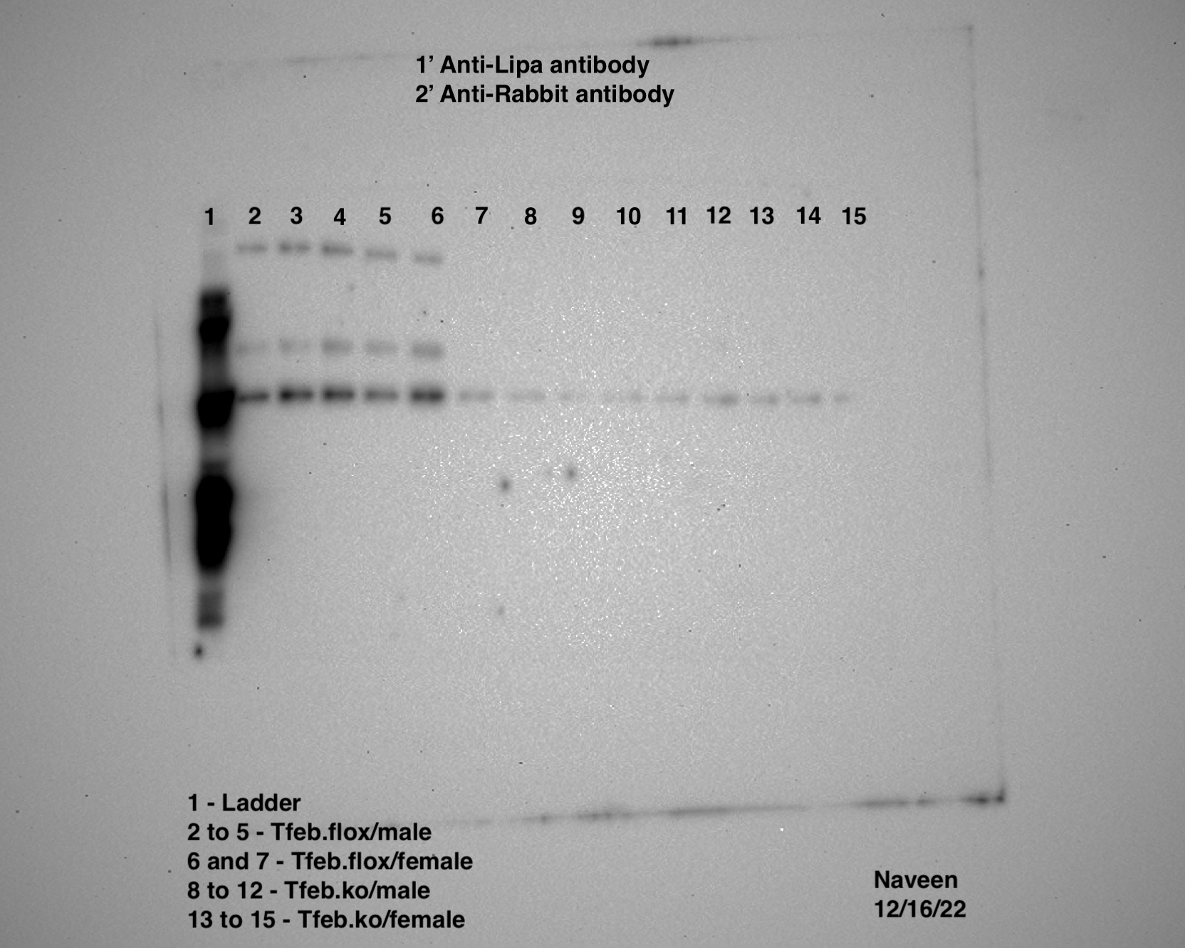
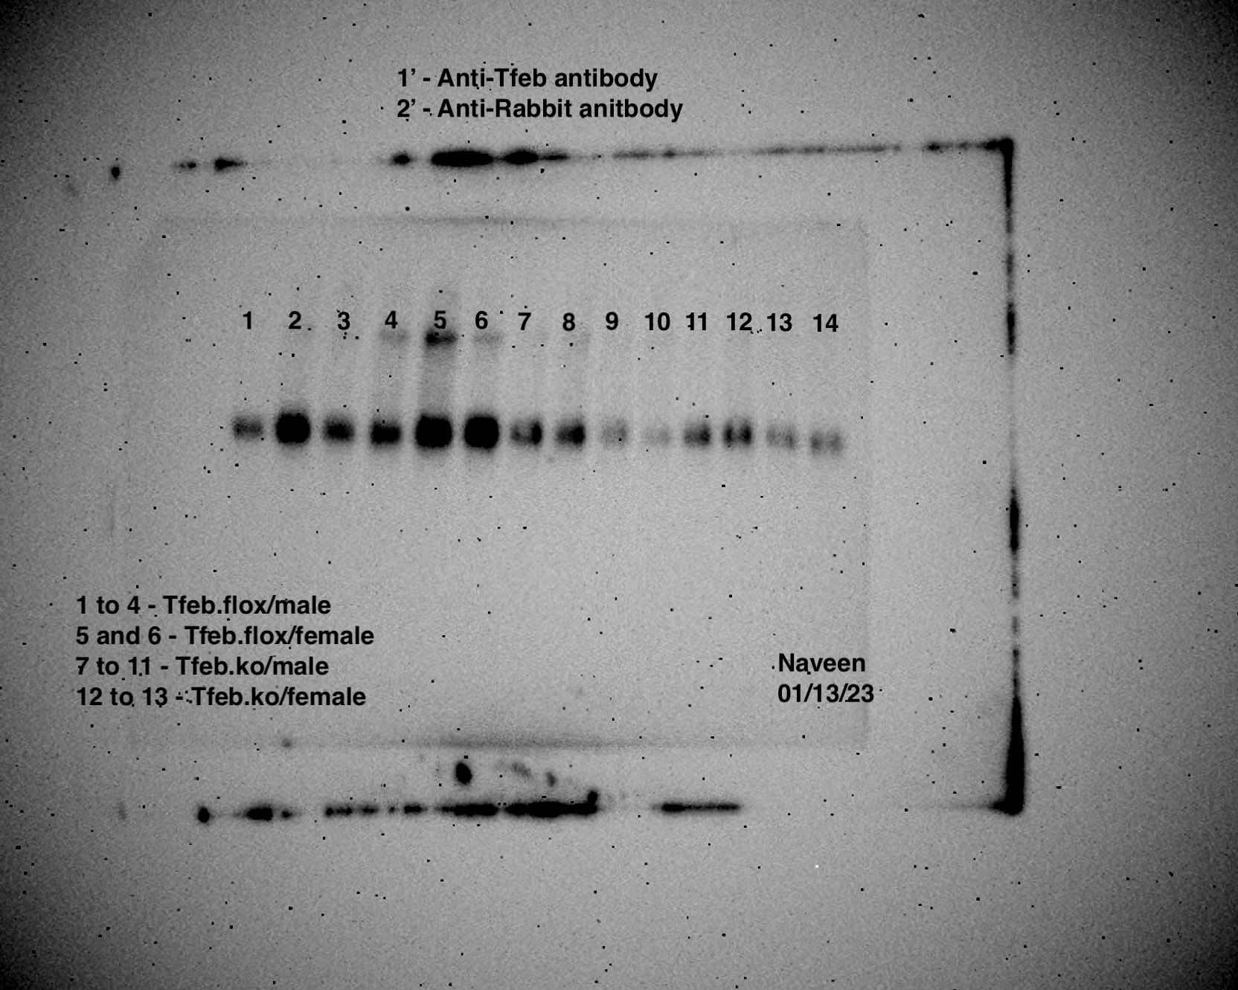
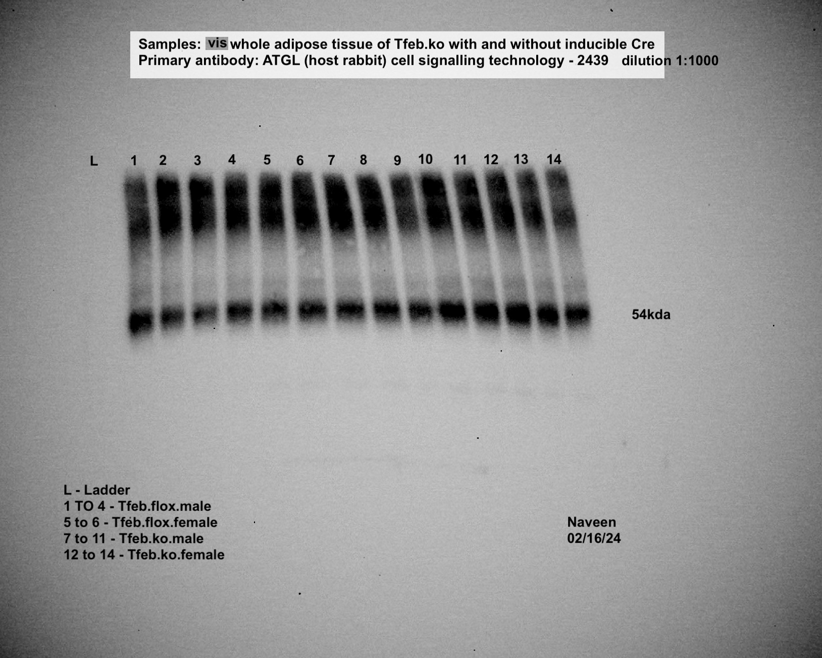
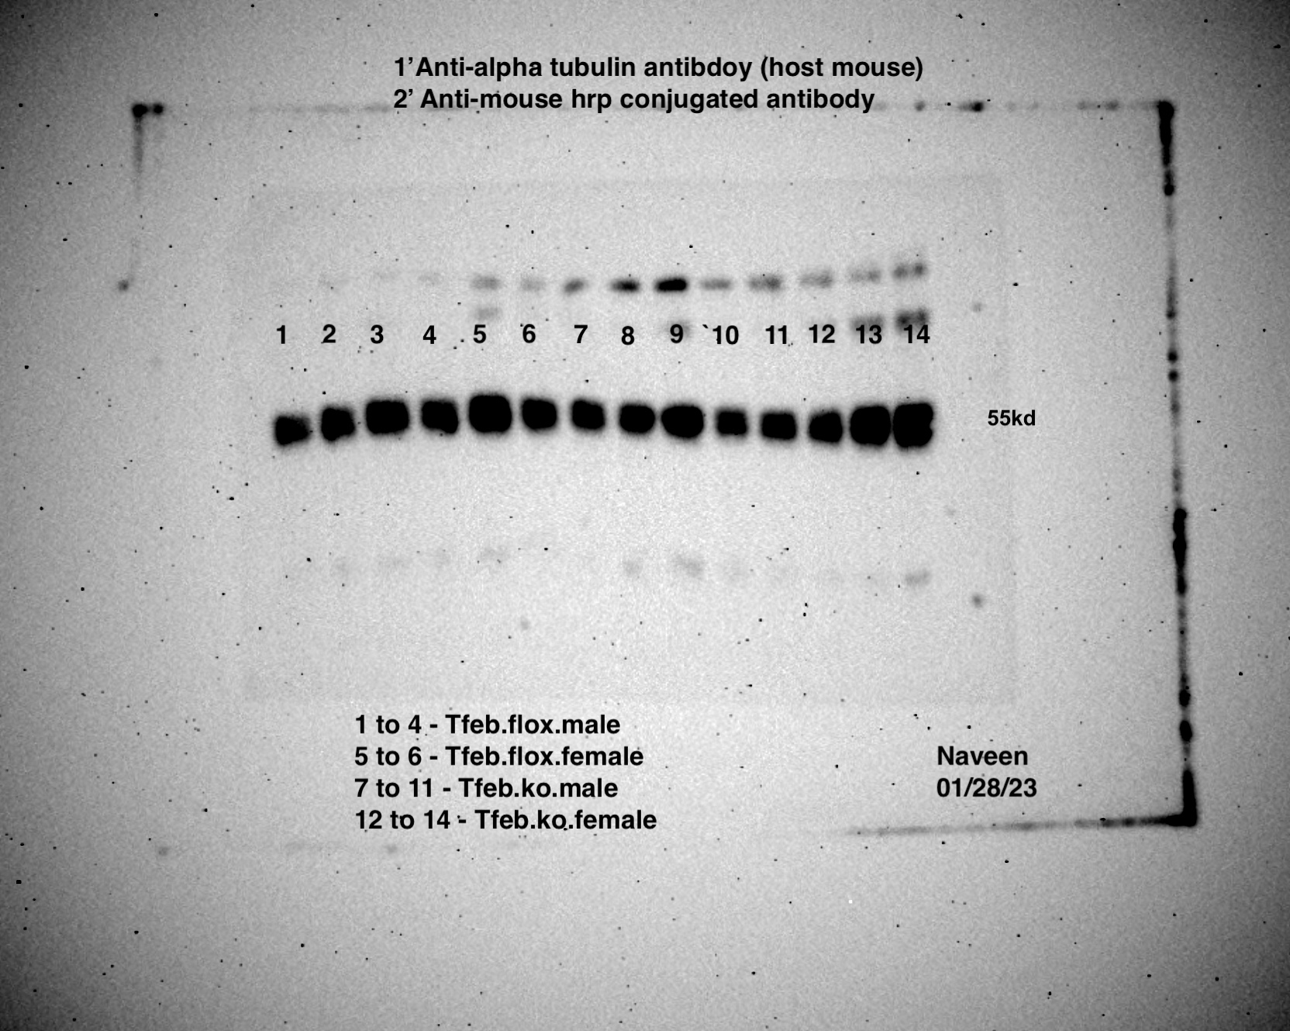
iWAT-LAL |  |  |  |  |  |  | iWAT-TFEB |  |  |  |  |  |  | iWAT-ATGL |  |  |  |  |  |  | iWAT-TUBA1A

Panel3f | iWAT
iWAT | Flox1 | Flox2 | Flox3 | Flox4 | Flox5 | Flox6 | Flox7 | Flox8 | Flox9 | Ko1 | Ko2 | Ko3 | Ko4 | Ko5 | Ko6 | Ko7 | Ko8 | Ko9 | Ko10 | Ko11 | Ko12 | Ko13
Pdk2 | 0.915 | 0.96 | 0.876 | 1.05 | 0.805 | 1.536 | 2.02 | 0.478 | 1.036 | 0.354 | 1.018 | 0.726 | 0.998 | 1.409 | 0.619 | 0.847 | 0.183 | 0.188 | 0.23 | 0.27 | 0.669 | 0.189
Pdha1 | 0.405 | 1.12 | 1.331 | 1.051 | 1.371 | 1.15 | 1.249 | 0.529 | 1.513 | 0.484 | 1.344 | 0.371 | 0.589 | 0.928 | 0.71 | 0.807 | 0.374 | 0.383 | 0.522 | 0.475 | 0.636 | 0.489
Pkm2 | 0.614 | 0.751 | 1.652 | 0.953 | 1.378 | 1 | 1.116 | 1.037 | 0.865 | 0.952 | 5.58 | 1.987 | 0.936 | 2.416 | 1.13 | 1.226 | 2.053 | 1.64 | 1.623 | 3 | 3.326 | 1.599
Pgk1 | 0.826 | 0.804 | 1.134 | 1.068 | 1.089 | 1.141 | 1.307 | 0.797 | 0.96 | 0.713 | 3.435 | 1.573 | 0.899 | 1.789 | 1.126 | 1.355 | 0.869 | 0.881 | 1.008 | 1.391 | 1.722 | 0.705
Aldoc | 10.049 | 0.428 | 0.574 | 0.728 | 0.992 | 0.56 | 0.399 | 1.847 | 1.358 | 10.936 | 32.089 | 27.627 | 10.253 | 6.435 | 9.72 | 10.868 | 0.841 | 2.437 | 2.007 | 2.807 | 3.782 | 3.209
Slc2a1 | 0.829 | 1.061 | 0.875 | 1.463 | 1.169 | 0.76 | 1.28 | 0.845 | 0.925 | 1.38 | 1.377 | 1.373 | 1.363 | 1.607 | 1.256 | 1.504 | 0.84 | 1.841 | 1.381 | 0.749 | 1.263
Slc2a2 | 1.099 | 1.718 | 1.374 | 0.792 | 0.404 | 1.204 | 1.09 | 1.119 | 0.82 | 2.246 | 2.079 | 2.859 | 2.596 | 2.574 | 2.096 | 2.955 | 1.053 | 0.662 | 0.764 | 0.577 | 0.587
Slc2a3 | 0.965 | 0.834 | 0.852 | 1.151 | 1.211 | 1.045 | 0.946 | 1.031 | 1.025 | 1.507 | 1.508 | 1.504 | 2.72 | 1.464 | 1.273 | 1.205 | 0.39 | 0.942 | 1.09 | 1.022 | 1.188
Slc2a4 | 0.897 | 1.064 | 1.062 | 1.101 | 0.986 | 0.909 | 1.095 | 1.045 | 0.874 | 0.374 | 0.45 | 0.365 | 0.323 | 0.383 | 0.356 | 0.356 | 0.71 | 0.664 | 0.894 | 0.777 | 0.758
Slc2a5 | 3.165 | 3.432 | 3.415 | 0.322 | 0.238 | 0.352 | 1.044 | 1.026 | 0.933 | 4.369 | 4.82 | 4.224 | 4.191 | 4.614 | 4.24 | 4.762 | 2.714 | 2.002 | 1.569 | 3.034 | 2.539
Srebp1c | 1.1 | 1.338 | 1.417 | 0.897 | 0.717 | 0.746 | 1.337 | 0.876 | 0.853 | 1.778 | 1.668 | 1.648 | 1.713 | 1.977 | 1.648 | 1.849 | 0.721 | 0.736 | 0.692 | 0.692 | 0.594
Srebp2 | 1.219 | 1.545 | 1.402 | 0.765 | 0.73 | 0.679 | 1.053 | 1.089 | 0.872 | 2.61 | 2.598 | 2.472 | 2.484 | 2.739 | 2.484 | 2.515 | 0.948 | 1.019 | 1.043 | 1.032 | 1.043
Chrebp | 0.898 | 0.743 | 1.289 | 1.147 | 0.949 | 1.069 | 1.077 | 1.028 | 0.904 | 0.712 | 0.695 | 0.725 | 0.643 | 0.718 | 0.751 | 0.716 | 0.519 | 0.701 | 0.697 | 0.628 | 0.616
Foxo1 | 0.745 | 0.87 | 0.833 | 1.34 | 1.177 | 1.174 | 1.021 | 1.067 | 0.918 | 0.345 | 0.35 | 0.357 | 0.304 | 0.386 | 0.364 | 0.338 | 0.621 | 0.89 | 0.962 | 0.786 | 0.902

Panel3f | gWAT
gWAT | Flox1 | Flox2 | Flox3 | Flox4 | Flox5 | Flox6 | Flox7 | Flox8 | Flox9 | Ko1 | Ko2 | Ko3 | Ko4 | Ko5 | Ko6 | Ko7 | Ko8 | Ko9 | Ko10 | Ko11 | Ko12 | Ko13
Pdk2 | 0.735 | 0.557 | 0.712 | 1.683 | 1.83 | 1.115 | 1.176 | 0.971 | 0.876 | 0.722 | 0.364 | 0.243 | 2.883 | 0.333 | 0.255 | 0.272 | 0.801 | 0.498 | 0.259 | 0.005 | 0.607 | 1.61
Pdha1 | 0.543 | 0.944 | 0.652 | 1.344 | 2.15 | 1.036 | 1.964 | 0.854 | 0.596 | 0.577 | 0.509 | 0.466 | 4.276 | 0.508 | 0.582 | 0.431 | 0.617 | 0.406 | 0.062 | 0.496 | 0.799 | 1.065
Pkm2 | 1.029 | 0.975 | 0.8 | 1.281 | 1.015 | 0.958 | 1.625 | 0.782 | 0.787 | 3.296 | 3.635 | 1.646 | 26.999 | 2.84 | 2.176 | 2.217 | 1.144 | 2.111 | 1.27 | 0.939 | 1.054 | 2.72
Pgk1 | 0.777 | 0.846 | 1.104 | 1.247 | 1.218 | 0.907 | 1.167 | 0.81 | 1.058 | 1.733 | 1.477 | 0.918 | 11.204 | 1.131 | 0.994 | 0.967 | 1.063 | 2.079 | 0.85 | 0.89 | 1.024 | 2.168
Aldoc | 1.808 | 1.213 | 3.803 | 0.477 | 0.187 | 1.346 | 0.372 | 0.25 | 10.738 | 1.689 | 1.083 | 0.967 | 15.934 | 2.145 | 2.753 | 1.604 | 6.314 | 12.048 | 8.149 | 6.515 | 6.721 | 10.896
Slc2a1 | 0.525 | 0.89 | 0.628 | 0.899 | 6.671 | 0.568 | 1.109 | 0.886 | 1.018 | 1.023 | 1.151 | 1.175 | 0.94 | 1.176 | 1.011 | 0.909 | 0.77 | 1.374 | 1.513 | 1.554 | 1.481
Slc2a2 | 0.724 | 1.333 | 0.607 | 0.696 | 5.714 | 0.429 | 1.225 | 1.043 | 0.783 | 1.256 | 1.178 | 1.28 | 1.35 | 1.214 | 1.405 | 1.054 | 0.452 | 0.836 | 0.933 | 0.452 | 0.947
Slc2a3 | 0.65 | 0.827 | 0.538 | 0.841 | 5.626 | 0.732 | 0.955 | 0.959 | 1.092 | 1.07 | 1.067 | 1.247 | 1.075 | 1.077 | 1.147 | 1.029 | 1.434 | 1.103 | 1.519 | 1.181 | 1.045
Slc2a4 | 0.69 | 0.855 | 0.644 | 0.717 | 5.695 | 0.645 | 1.074 | 0.983 | 0.948 | 0.254 | 0.234 | 0.252 | 0.255 | 0.24 | 0.256 | 0.221 | 1.195 | 1.185 | 1.391 | 0.985 | 1.036
Slc2a5 | 1.967 | 2.96 | 1.811 | 0.282 | 1.346 | 0.25 | 1.22 | 0.696 | 1.178 | 2.707 | 2.671 | 2.776 | 2.299 | 2.702 | 2.685 | 2.428 | 2.446 | 4.726 | 1.473 | 2.016 | 3.491
Srebp1c | 0.981 | 1.134 | 0.821 | 0.557 | 3.806 | 0.517 | 1.02 | 0.941 | 1.042 | 1.23 | 1.169 | 1.194 | 1.16 | 1.27 | 1.289 | 1.102 | 1.012 | 0.991 | 1.516 | 0.86 | 0.903
Srebp2 | 0.822 | 1.419 | 0.954 | 0.519 | 3.887 | 0.445 | 1.09 | 0.961 | 0.954 | 1.755 | 1.739 | 1.765 | 1.668 | 1.766 | 1.835 | 1.631 | 0.78 | 1.045 | 1.513 | 1.063 | 1.175
Chrebp | 0.762 | 0.607 | 0.83 | 0.68 | 5.308 | 0.722 | 0.968 | 1.029 | 1.004 | 0.461 | 0.516 | 0.552 | 0.4 | 0.457 | 0.523 | 0.438 | 0.768 | 0.61 | 1.053 | 0.587 | 0.709
Foxo1 | 0.538 | 0.791 | 0.521 | 0.823 | 6.547 | 0.838 | 1.051 | 0.966 | 0.985 | 0.261 | 0.266 | 0.264 | 0.218 | 0.242 | 0.258 | 0.239 | 1.182 | 0.953 | 1.629 | 0.907 | 1.033

Panel 3g | Glucose (ng/µl) |  |  |  |  | Panel 3h | Total ketone bodies (mM) |  |  |  |  | Panel 3i | Change in Body weights (g) |  |  |  |  | Panel 3j | FGF21 (pg/ml)
Glucose | Male |  | Female |  |  | Ketone bodies | Male |  | Female |  |  | Change in body weights | Male |  | Female |  |  | FGF21 | Male |  | Female
 | Flox | Ko | Flox | Ko |  |  | Flox | Ko | Flox | Ko |  |  | Flox | Ko | Flox | Ko |  |  | Flox | Ko | Flox | Ko
 | 149.984367 | 86.7539571 | 147.6984537 | 101.394874 |  |  | 2.56958792 | 0.36541013 | 3.09944513 | 0.2918583 |  |  | -6.5 | -5.9 | -7 | -4.6 |  |  | 237.662305 | 11.0362726 | 94.7371119 | 16.7183139
 | 126.12861 | 114.2561 | 125.3297274 | 7.7673583 |  |  | 2.48200722 | 0.14613805 | 1.79756305 | 0.205596 |  |  | -6 | -7.1 | -9.8 | -5.2 |  |  | 130.1406 | 110.253456 | 126.643959 | 114.405717
 | 134.995422 | 105.784776 | 133.9614769 | 111.115936 |  |  | 2.20910786 | 0.50761155 | 1.11246897 | 0.19536448 |  |  | -9 | -4.2 | -7.1 | -5 |  |  | 292.515858 | 11.9104328 | 116.730385 | 76.1612076
 | 125.709395 | 93.9201756 |  | 104.557941 |  |  | 1.90078814 | 0.46758606 |  | 0.1776218 |  |  | -10.9 | -2.3 |  | -5.4 |  |  | 250.993248 | 13.2216731 |  | 174.369203
 | 115.456163 | 83.5584247 |  | 94.7845355 |  |  | 2.15917581 | 0.59790333 |  | 0.32937698 |  |  | -6.3 | -7.7 |  | -5.3 |  |  | 123.621129 | 37.4796187 |  | 102.890001
 | 127.820812 | 104.058022 |  | 93.1847965 |  |  | 1.4604428 | 0.39248373 |  | 0.20466755 |  |  | -6.4 | -4.5 |  | -6.2 |  |  | 102.811474 | 181.809636 |  | 178.059972
 |  | 89.5437239 |  |  |  |  |  | 0.13941607 |  |  |  |  |  | -5.6 |  |  |  |  |  | 94.9391427

Figure-4
Panel 4b
iAAKO | Isoproterenol |  |  |  | 8hr Fast |  |  |  | 24hr Fast |  |  |  |  |  |  | Isoproterenol |  |  |  | 8hr Fast |  |  |  | 24hr Fast |  |  |  |  |  | Isoproterenol |  |  |  | 8hr Fast |  |  |  | 24hr Fast |  |  |  |  |  |  | Isoproterenol |  |  |  | 8hr Fast |  |  |  | 24hr Fast
 | Pre | Post | Pre | Post | Pre | Post | Pre | Post | Pre | Post | Pre | Post |  |  |  | Pre | Post | Pre | Post | Pre | Post | Pre | Post | Pre | Post | Pre | Post |  |  | Pre | Post | Pre | Post | Pre | Post | Pre | Post | Pre | Post | Pre | Post |  |  |  | Pre | Post | Pre | Post | Pre | Post | Pre | Post | Pre | Post | Pre | Post
NEFA (mEq/L) | Flox |  | Ko |  | Flox |  | Ko |  | Flox |  | Ko |  |  |  | Glycerol (uM) | Flox |  | Ko |  | Flox |  | Ko |  | Flox |  | Ko |  |  | NEFA (mEq/L) | Flox |  | Ko |  | Flox |  | Ko |  | Flox |  | Ko |  |  |  | Glycerol (uM) | Flox |  | Ko |  | Flox |  | Ko |  | Flox |  | Ko
Male | 0.36733973 | 2.1922156 | 0.39602229 | 0.60148406 | 0.37452278 | 2.23471808 | 0.41204347 | 0.97455589 | 0.37452278 | 3.82012027 | 0.41204347 | 2.09860421 |  |  | Male | 62.70686451 | 152.87472 | 50.38791705 | 46.709342 | 55.34971533 | 50.21682056 | 48.0781144 | 45.93940824 | 55.34971533 | 161.68619 | 48.0781144 | 209.9354 |  | Female | 1.0514013 | 1.91432749 | 0.94588988 | 0.53049763 | 1.06583361 | 1.95191438 | 0.93652212 | 0.84610504 | 1.06583361 | 3.68888889 | 0.93652212 | 6.15366876 |  |  | Female | 67.06982507 | 174.26178 | 47.56482492 | 43.201864 | 55.26416708 | 63.13460574 | 45.85386 | 55.86300481 | 55.26416708 | 196.84651 | 45.85386 | 222.25434
 | 0.32758468 | 2.13430431 | 0.49408584 | 0.42617787 | 0.67626062 | 2.10838574 | 0.48298025 | 0.56748869 | 0.67626062 | 3.02026923 | 0.48298025 | 3.3789915 |  |  |  | 51.414496 | 152.10478 | 49.87462757 | 50.986755 | 48.16366264 | 118.6554176 | 56.11964955 | 56.20519779 | 48.16366264 | 161.0018 | 56.11964955 | 161.85728 |  |  | 0.967588 | 2.21432749 | 1.03485049 | 0.53245062 | 0.96427783 | 2.21105042 | 1.04814079 | 0.69024606 | 0.96427783 | 3.93117621 | 1.04814079 | 4.95092133 |  |  |  | 50.04572406 | 63.049057 | 36.44355291 | 50.045724 | 58.77164518 | 75.11136022 | 46.70934246 | 54.06649164 | 58.77164518 | 176.82823 | 46.70934246 | 168.1023
 | 0.81791901 | 1.35135165 | 0.5890544 | 0.4676873 | 0.79365552 | 2.94410239 | 0.58521461 | 0.78893854 | 0.79365552 | 3.58998124 | 0.58521461 | 4.45333775 |  |  |  | 50.98675477 | 140.81241 | 47.73592141 | 36.529101 | 56.0341013 | 67.32646981 | 36.44355291 | 65.61550488 | 56.0341013 | 234.74439 | 36.44355291 | 170.32656 |  |  | 1.00539005 | 2.3472305 | 0.38698555 | 0.1085678 | 1.02030233 | 2.34165287 | 1.13074589 | 0.73367538 | 1.02030233 | 4.77467174 | 1.13074589 | 4.60272537 |  |  |  | 50.98675477 | 108.04744 | 37.81232485 | 52.868816 | 55.26416708 | 64.76002242 | 19.84719313 | 65.18776365 | 55.26416708 | 134.39629 | 19.84719313 | 175.28836
 | 0.78711795 | 1.20295708 | 0.77649233 | 0.5391868 | 0.79764427 | 1.99335761 | 0.61378131 | 1.15049101 | 0.79764427 | 3.3696734 | 0.61378131 | 3.5564493 |  |  |  | 67.06982507 | 162.11393 | 47.47927667 | 18.820614 | 45.85386 | 121.9917992 | 27.28989056 | 50.97819995 | 45.85386 | 180.6779 | 27.28989056 | 179.05248 |  |  | 0.93001765 | 4.16419508 | 0.40370186 | 0.12000441 | 0.95100408 | 4.21666115 | 0.73254993 | 0.65404943 | 0.95100408 | 3.12245393 | 0.73254993 | 5.6370352 |  |  |  | 59.45603115 | 88.79908 | 55.17861884 | 50.901207 | 64.67447417 | 67.41201805 | 50.98675477 | 53.98094339 | 64.67447417 | 203.69037 | 50.98675477 | 163.3116
 | 0.36894516 | 1.23470153 | 0.79706499 | 1.02457244 | 0.38442017 | 1.57233808 | 0.79653536 | 0.90712788 | 0.38442017 | 5.08350988 | 0.79653536 | 4.42965354 |  |  |  | 49.96017582 | 124.13051 | 46.19605298 | 46.880439 | 48.42030738 | 96.75506652 | 28.91530724 | 56.11964955 | 48.42030738 | 196.50432 | 28.91530724 | 162.96941 |  |  |  |  | 0.41750524 | 0.66414543 |  |  | 0.45572106 | 1.65391703 |  |  | 0.45572106 | 3.83660488 |  |  |  |  |  | 39.86548276 | 49.019145 |  |  | 27.63208354 | 56.63293902 |  |  | 27.63208354 | 181.53338
 | 1.04847181 | 1.89681673 | 0.94046122 | 0.79400309 | 1.05128545 | 2.55280812 | 0.76399647 | 0.90878296 | 1.05128545 | 2.56110008 | 0.76399647 | 3.71844864 |  |  |  | 63.73344346 | 141.24015 | 55.00752235 | 55.264167 | 47.47927667 | 86.06153574 | 56.20519779 | 66.04324611 | 47.47927667 | 164.93702 | 56.20519779 | 180.76344 |  |  |  |  | 0.43625731 | 0.8288922 |  |  | 0.76730663 | 1.01982235 |  |  |  |  |  |  |  |  |  | 49.1902416 | 49.190242 |  |  | 19.4194519 | 39.35219328
 | 0.94478098 | 1.33210306 | 0.82909081 | 0.42025268 | 0.95085513 | 2.16020633 | 0.82525102 | 1.0574258 | 0.95085513 | 5.25726029 | 0.82525102 | 5.30873331 |  |  |  | 82.2974129 | 150.22272 | 62.62131626 | 60.054869 | 58.60054869 | 95.55739107 | 58.60054869 | 55.34971533 | 58.60054869 | 212.4163 | 58.60054869 | 179.48022 |  |  |  |  | 0.18743242 | 0.30179852 |  |  | 0.52786605 | 2.79327485 |  |  |  |  |  |  |  |  |  | 38.58225906 | 42.175285 |  |  | 45.93940824 | 19.59054839
 | 1.27306631 | 2.25103718 | 1.0299018 | 0.12771709 | 1.26538674 | 2.25108684 | 1.02662474 | 0.98067969 | 1.26538674 | 3.08917025 | 1.02662474 | 4.06634668 |  |  |  | 49.27578985 | 114.80575 | 58.51500044 | 66.385439 | 66.21434261 | 68.78078999 | 50.98675477 | 47.47927667 | 66.21434261 | 202.74934 | 50.98675477 | 226.9595

Panel 4c
iLIKO | Isoproterenol |  |  |  | 8hr Fast |  |  |  | 24hr Fast |  |  |  |  |  |  | Isoproterenol |  |  |  | 8hr Fast |  |  |  | 24hr Fast |  |  |  |  |  | Isoproterenol |  |  |  | 8hr Fast |  |  |  | 24hr Fast |  |  |  |  |  |  | Isoproterenol |  |  |  | 8hr Fast |  |  |  | 24hr Fast
 | Pre | Post | Pre | Post | Pre | Post | Pre | Post | Pre | Post | Pre | Post |  |  |  | Pre | Post | Pre | Post | Pre | Post | Pre | Post | Pre | Post | Pre | Post |  |  | Pre | Post | Pre | Post | Pre | Post | Pre | Post | Pre | Post | Pre | Post |  |  |  | Pre | Post | Pre | Post | Pre | Post | Pre | Post | Pre | Post | Pre | Post
NEFA (mEq/L) | Flox |  | Ko |  | Flox |  | Ko |  | Flox |  | Ko |  |  |  | Glycerol (uM) | Flox |  | Ko |  | Flox |  | Ko |  | Flox |  | Ko |  |  | NEFA (mEq/L) | Flox |  | Ko |  | Flox |  | Ko |  | Flox |  | Ko |  |  |  | Glycerol (uM) | Flox |  | Ko |  | Flox |  | Ko |  | Flox |  | Ko
Male | 0.53616131 | 2.4810543 | 0.52631894 | 2.80262292 | 0.55962664 | 1.3019437 | 0.54768252 | 0.94745183 | 0.55962664 | 2.78004186 | 0.54768252 | 1.83710966 |  |  | Male | 16.07137179 | 84.440568 | 28.84942969 | 95.242638 | 57.30366171 | 83.38670773 | 47.16025493 | 61.51910349 | 57.30366171 | 95.37437 | 47.16025493 | 27.663837 |  | Female | 0.57845273 | 2.62034688 | 0.5468495 | 2.77491563 | 0.63907044 | 1.5188859 | 0.55962664 | 0.79836815 | 0.63907044 | 2.33020206 | 0.55962664 | 1.22936905 |  |  | Female | 23.58012746 | 112.8948 | 55.19594082 | 107.2303 | 100.6436725 | 52.03435948 | 134.3672068 | 69.55478939 | 100.6436725 | 144.51061 | 134.3672068 | 59.27965
 | 0.56130548 | 2.41022256 | 0.43785296 | 2.72999701 | 0.51137597 | 1.33016361 | 0.4806442 | 0.92187193 | 0.51137597 | 0.99486949 | 0.4806442 | 1.78709044 |  |  |  | 35.83125514 | 65.734545 | 38.86110392 | 95.901301 | 47.55545259 | 113.8169281 | 76.80007995 | 58.75271982 | 47.55545259 | 82.201115 | 76.80007995 | 45.579464 |  |  | 0.64975864 | 2.55629459 | 0.58488615 | 2.80695459 | 0.61985988 | 1.37583835 | 0.6113247 | 0.75479516 | 0.61985988 | 2.41991115 | 0.6113247 | 0.56695715 |  |  |  | 78.1174055 | 83.386708 | 21.99933679 | 73.901964 | 152.0193692 | 39.91496436 | 80.2251264 | 114.6073234 | 152.0193692 | 207.47878 | 80.2251264 | 45.184267
 | 0.69074288 | 2.59172968 | 0.46564996 | 1.87048144 | 0.52885642 | 1.34118501 | 0.56177966 | 1.00254603 | 0.52885642 | 2.64426075 | 0.56177966 | 1.73330343 |  |  |  | 24.10705769 | 122.90647 | 20.81374379 | 95.769568 | 82.33284729 | 70.87211494 | 90.10506807 | 65.33934761 | 82.33284729 | 125.0142 | 90.10506807 | 25.292651 |  |  | 0.67668418 | 2.72848477 | 0.58443761 | 1.65774275 | 0.67583835 | 1.48175915 | 0.59469008 | 1.11364432 | 0.67583835 | 2.33912171 | 0.59469008 | 0.6369815 |  |  |  | 52.2978246 | 80.488592 | 35.30432492 | 82.99151 | 84.04537051 | 29.63982502 | 38.20244114 | 75.7462195 | 84.04537051 | 190.22181 | 38.20244114 | 33.986999
 | 0.56813619 | 2.62801059 | 0.44176172 | 2.91495151 | 0.54255628 | 1.49793242 | 0.48573198 | 0.945286 | 0.54255628 | 2.71513093 | 0.48573198 | 1.51282413 |  |  |  | 24.76572046 | 53.878615 | 22.65799957 | 95.901301 | 49.26797582 | 96.03303307 | 42.68134803 | 70.21345217 | 49.26797582 | 88.919475 | 42.68134803 | 46.89679 |  |  | 0.69631766 | 2.53022769 | 0.56391986 | 2.8859114 | 0.61815541 | 1.52319193 | 0.60878722 | 1.05682003 | 0.61815541 | 2.34813106 | 0.60878722 | 0.65942159 |  |  |  | 53.08821993 | 99.589812 | 43.47174337 | 129.4931 | 62.57296394 | 95.3743703 | 58.48925471 | 77.98567295 | 62.57296394 | 95.769568 | 58.48925471 | 69.159592
 | 0.58826947 | 2.57763253 | 0.4541672 | 2.73894229 | 0.50537827 | 1.48386091 | 0.52971507 | 0.92010338 | 0.50537827 | 2.68693665 | 0.52971507 | 1.94050579 |  |  |  | 20.68201124 | 49.663173 | 26.7417088 | 116.45158 | 43.47174337 | 52.56128971 | 29.63982502 | 76.14141717 | 43.47174337 | 83.781905 | 29.63982502 | 37.543778 |  |  | 0.6206929 | 2.59085822 | 0.59374172 | 2.65352642 | 0.55708915 | 1.56157461 | 0.37553078 | 0.63859627 | 0.55708915 | 2.16486821 | 0.37553078 | 0.83336751 |  |  |  | 67.18360339 | 84.572301 | 34.38219703 | 121.45742 | 53.35168504 | 81.14725428 | 157.5521366 | 69.55478939 | 53.35168504 | 74.824092 | 157.5521366 | 38.992836
 | 0.58143876 | 2.60880003 | 0.47934982 | 2.77144261 | 0.54420949 | 1.52742108 | 0.48063138 | 1.00084156 | 0.54420949 | 2.78263061 | 0.48063138 | 0.94233842 |  |  |  | 23.05319724 | 83.781905 | 27.53210413 | 100.24847 | 57.0401966 | 49.0045107 | 45.4477317 | 77.59047528 | 57.0401966 | 87.865615 | 45.4477317 | 59.016185 |  |  | 0.6766201 | 2.74508095 | 0.64122346 | 1.84743902 | 0.60276389 | 1.52615233 | 0.6437225 | 0.59460037 | 0.60276389 | 2.1956128 | 0.6437225 | 0.85514119 |  |  |  | 37.67551092 | 121.06222 | 22.78973213 | 119.08623 | 69.68652194 | 76.40488228 | 68.23746383 | 85.49442862 | 69.68652194 | 146.35487 | 68.23746383 | 30.693685
 | 0.63866034 | 2.55075826 | 0.5118117 | 1.88971763 | 0.5480798 | 1.51762997 | 0.49556154 | 0.97733778 | 0.5480798 | 2.76385578 | 0.49556154 | 1.3938058 |  |  |  | 31.22061569 | 108.67936 | 36.22645281 | 88.919475 | 78.38087062 | 98.14075396 | 43.47174337 | 65.47108016 | 78.38087062 | 176.25816 | 43.47174337 | 79.039533 |  |  | 0.7227562 | 2.71901405 | 0.63736597 | 2.11141441 | 0.54677261 | 1.52617797 | 0.61637404 | 0.60781323 | 0.54677261 | 1.67621 | 0.61637404 | 0.63951899 |  |  |  | 30.43022036 | 69.686522 | 30.95715058 | 128.83444 | 59.54311516 | 83.38670773 | 27.79556924 | 55.06420826 | 59.54311516 | 97.482091 | 27.79556924 | 44.920801
 | 0.61602802 | 2.61358025 | 0.49601008 | 2.01449015 | 0.58480926 | 1.48901277 | 0.47207057 | 1.05080952 | 0.58480926 | 2.70915887 | 0.47207057 | 1.16616259 |  |  |  | 26.34651113 | 72.189441 | 39.38803414 | 101.1706 | 68.76439405 | 111.9726723 | 42.15441781 | 70.21345217 | 68.76439405 | 171.25232 | 42.15441781 | 59.016185 |  |  | 0.74500406 | 2.81937289 | 0.55364176 | 2.91837328 | 0.62029561 | 1.52018027 | 0.56904609 | 0.58304071 | 0.62029561 | 1.86154898 | 0.56904609 | 0.95769149 |  |  |  | 22.65799957 | 74.824092 | 25.95131346 | 127.51711 | 58.62098727 | 82.99151006 | 91.02719596 | 91.81759129 | 58.62098727 | 119.21796 | 91.02719596 | 33.196604
 | 0.63695587 | 2.63827588 | 0.48575761 | 2.76333034 | 0.63181682 | 1.43176556 | 0.56650861 | 1.10929984 | 0.63181682 | 2.14244094 | 0.56650861 | 1.23366227 |  |  |  | 27.53210413 | 74.955824 | 26.08304602 | 120.93049 | 68.23746383 | 82.46457984 | 61.65083605 | 79.82992873 | 68.23746383 | 289.28469 | 61.65083605 | 66.261475 |  |  | 0.72702379 | 2.8262036 |  |  | 0.63948054 | 1.49497202 |  |  | 0.63948054 | 2.2460293 |  |  |  |  |  | 45.97466192 | 82.069382 |  |  | 81.67418451 | 80.75205662 |  |  | 81.67418451 | 206.16145
 |  |  | 0.53016361 | 1.90468623 |  |  | 0.51054295 | 0.74151822 |  |  | 0.51054295 | 0.92273057 |  |  |  |  |  | 39.38803414 | 100.24847 |  |  | 99.32634697 | 69.29132428 |  |  | 99.32634697 | 35.304325 |  |  | 0.79367765 | 2.88433508 |  |  | 0.67283951 | 1.57487718 |  |  | 0.67283951 | 2.5655987 |  |  |  |  |  | 44.65733637 | 83.386708 |  |  | 51.11223159 | 37.54377836 |  |  | 51.11223159 | 97.613824

 |  |  |  |  |  |  |  |  | Change in body weight (g) |  |  |  |  |  |  |  |  |  |  |  |  | Change in glucose |  |  |  |  |  |  |  |  |  |  |  | Change in body weight (g) |  |  |  |  |  |  |  |  |  |  |  |  | Change in glucose
Panel 4d | Male |  |  |  | Female |  |  |  | Flox | KO |  |  | Panel 4e | Male |  |  |  | Female |  |  |  | Flox | KO |  | Panel 4f | Male |  |  |  | Female |  |  |  | Flox | KO |  |  | Panel 4g | Male |  |  |  | Female |  |  |  | Flox | KO
iAAKO | Pre | Post | Pre | Post | Pre | Post | Pre | Post | 6.5 | 8.6 |  |  | iAAKO | Pre | Post | Pre | Post | Pre | Post | Pre | Post | 14 | 22 |  | iLIKO | Pre | Post | Pre | Post | Pre | Post | Pre | Post | 7.3 | 3.1 |  |  | iLIKO | Pre | Post | Pre | Post | Pre | Post | Pre | Post | 59 | 102
Body weight (g) | Flox |  | Ko |  | Flox |  | Ko |  | 6.9 | 6.9 |  |  | Glucose (mg/dl) | Flox |  | Ko |  | Flox |  | Ko |  | 15 | 6 |  | Body weight (g) | Flox |  | Ko |  | Flox |  | Ko |  | 7.3 | 5.9 |  |  | Glucose (mg/dl) | Flox |  | Ko |  | Flox |  | Ko |  | 32 | 70
 | 27.3 | 20.8 | 29.6 | 21 | 23.5 | 17.4 | 21.2 | 14.2 | 6 | 6.1 |  |  |  | 243 | 229 | 210 | 188 | 214 | 194 | 181 | 142 | 13 | 32 |  |  | 32.4 | 25.1 | 22 | 18.9 | 30.5 | 24.2 | 23.7 | 18.2 | 6.3 | 5.8 |  |  |  | 243 | 184 | 193 | 147 | 194 | 92 | 198 | 85 | 32 | 61
 | 27.3 | 20.4 | 28.9 | 22 | 24.1 | 18.2 | 19.6 | 16.5 | 6.2 | 3.7 |  |  |  | 262 | 247 | 206 | 200 | 188 | 179 | 188 | 167 | 21 | 42 |  |  | 30.2 | 22.9 | 29.7 | 23.8 | 21.8 | 17.8 | 21.2 | 19.9 | 4.6 | 5.3 |  |  |  | 221 | 189 | 221 | 156 | 267 | 197 | 187 | 71 | 37 | 87
 | 28.1 | 22.1 | 30.9 | 24.8 | 27.1 | 18.4 | 26.6 | 20.5 | 5.9 | 3.6 |  |  |  | 214 | 201 | 209 | 177 | 194 | 171 | 149 | 147 | 24 | 44 |  |  | 30.7 | 24.4 | 31.9 | 26.1 | 24.3 | 19.4 | 22 | 20 | 7.3 | 5.4 |  |  |  | 191 | 159 | 169 | 142 | 201 | 140 | 223 | 91 | 76 | 98
 | 31.1 | 24.9 | 26.3 | 22.6 | 26.8 | 16.9 | 23.9 | 17.2 | 5.9 | 7.4 |  |  |  | 201 | 180 | 192 | 150 | 192 | 168 | 201 | 169 | 20 | 20 |  |  | 32.9 | 28.3 | 30 | 24.7 | 25.1 | 18.1 | 21.2 | 19.5 | 7.6 | 5.1 |  |  |  | 182 | 145 | 201 | 151 | 247 | 160 | 212 | 129 | 87 | 74
 | 24.1 | 18.2 | 27 | 23.4 |  |  | 23.6 | 17.6 | 7.3 | 8.3 |  |  |  | 206 | 182 | 215 | 171 |  |  | 206 | 198 | 10 | 26 |  |  | 30.1 | 22.8 | 24.9 | 19.5 | 24.3 | 18.2 | 20.9 | 19.8 | 6.6 | 5.9 |  |  |  | 199 | 123 | 221 | 187 | 215 | 117 | 223 | 196 | 64 | 48
 | 28.9 | 23 | 29.8 | 22.4 |  |  |  |  | 6.3 | 6.7 |  |  |  | 221 | 201 | 210 | 190 |  |  |  |  | 10 | 1 |  |  | 29.8 | 22.2 | 34.2 | 29.1 | 26.2 | 19.4 | 19.9 | 17.7 | 7.8 | 4.4 |  |  |  | 228 | 141 | 231 | 193 | 223 | 149 | 212 | 152 | 37 | 64
 | 31.1 | 23.8 | 30.2 | 21.9 |  |  |  |  | 6.1 | 7 |  |  |  | 206 | 196 | 220 | 194 |  |  |  |  | 20 | 39 |  |  | 30.7 | 24.1 | 31.1 | 25.2 | 25.1 | 17.9 | 21.2 | 18.1 | 7.7 | 4.8 |  |  |  | 221 | 157 | 209 | 162 | 201 | 153 | 196 | 138 | 35 | 67
 | 30.9 | 24.6 | 29.9 | 23.2 |  |  |  |  | 5.9 | 3.1 |  |  |  | 222 | 212 | 194 | 193 |  |  |  |  | 9 | 21 |  |  | 30.9 | 23.1 | 29.3 | 24.9 | 26.3 | 18.4 | 22.4 | 19.2 | 6.3 | 5 |  |  |  | 198 | 161 | 204 | 171 | 212 | 148 | 203 | 136 | 46 | 44
 |  |  |  |  |  |  |  |  | 8.7 | 6.1 |  |  |  |  |  |  |  |  |  |  |  | 23 | 2 |  |  | 29.6 | 21.9 | 31.4 | 26.6 | 27.8 | 19.9 |  |  | 4 | 5.5 |  |  |  | 187 | 152 | 212 | 159 | 209 | 142 |  |  | 65 | 113
 |  |  |  |  |  |  |  |  | 9.9 | 6.7 |  |  |  |  |  |  |  |  |  |  |  | 24 | 32 |  |  |  |  | 30.3 | 25.3 | 29.8 | 23.9 |  |  | 4.9 | 1.3 |  |  |  |  |  | 199 | 161 | 203 | 159 |  |  | 27 | 116
 |  |  |  |  |  |  |  |  |  | 6 |  |  |  |  |  |  |  |  |  |  |  |  | 8 |  |  |  |  |  |  |  |  |  |  | 7 | 2 |  |  |  |  |  |  |  |  |  |  |  | 50 | 132
 |  |  |  |  |  |  |  |  |  |  |  |  |  |  |  |  |  |  |  |  |  |  |  |  |  |  |  |  |  |  |  |  |  | 6.1 | 1.7 |  |  |  |  |  |  |  |  |  |  |  | 34 | 83
 |  |  |  |  |  |  |  |  |  |  |  |  |  |  |  |  |  |  |  |  |  |  |  |  |  |  |  |  |  |  |  |  |  | 6.8 | 1.1 |  |  |  |  |  |  |  |  |  |  |  | 38 | 27
Panel 4h | Total ketone bodies (mM) |  |  |  |  | Panel 4i | Liver TG (mg/g) |  |  |  |  |  | Panel 4j | Total ketone bodies (mM) |  |  |  |  | Panel 4k | Liver TG (mg/g) |  |  |  |  |  |  |  |  |  |  |  |  |  | 7.2 | 2.2 |  |  |  |  |  |  |  |  |  |  |  | 47 | 60
iAAKO | Male |  | Female |  |  | iAAKO | Male |  | Female |  |  |  | iLIKO | Male |  | Female |  |  | iLIKO | Male |  | Female |  |  |  |  |  |  |  |  |  |  |  | 7.9 | 3.1 |  |  |  |  |  |  |  |  |  |  |  | 33 | 58
Ketone bodies | Flox | Ko | Flox | Ko |  | Liver TG | Flox | Ko | Flox | Ko |  |  | Ketone bodies | Flox | Ko | Flox | Ko |  | Liver TG | Flox | Ko | Flox | Ko |  |  |  |  |  |  |  |  |  |  | 7.9 | 3.2 |  |  |  |  |  |  |  |  |  |  |  | 53 | 67
 | 4.30269706 | 4.08710773 | 2.79216445 | 4.28130802 |  |  | 119.7663486 | 123.6788735 | 83.56606457 | 101.3908011 |  |  |  | 2.64615825 | 0.50950917 | 1.48883823 | 0.40089021 |  |  | 136.8161888 | 31.66564233 | 127.1764533 | 80.28845156 |  |  |  |  |  |  |  |  |  |  | 5.9 |  |  |  |  |  |  |  |  |  |  |  |  | 38
 | 4.05633965 | 4.35099753 | 3.34080377 | 3.60771371 |  |  | 112.0428053 | 127.1106503 | 74.28663179 | 129.7108421 |  |  |  | 1.7969226 | 0.14084974 | 4.22358977 | 0.51055384 |  |  | 96.93150363 | 35.09075673 | 103.9158892 | 78.54368005
 | 1.51603529 | 4.05847554 | 0.99577284 | 4.0253941 |  |  | 119.4212509 | 98.62088386 | 83.49141144 | 89.06633088 |  |  |  | 1.97544274 | 0.00214395 | 1.88855871 | 0.9167717 |  |  | 142.0118782 | 42.30825476 | 99.51887911 | 60.94626876
 | 1.97608691 | 4.74887679 | 2.99585068 | 3.7722284 |  |  | 85.73078041 | 116.0163784 | 96.53352961 | 126.5956729 |  |  |  | 1.87982618 | 0.1 | 1.21765807 | 1.43358319 |  |  | 122.4442917 | 31.07322533 | 89.61071586 | 61.11026966
 | 1.8238313 | 3.92070001 |  | 3.27178472 |  |  | 79.97525945 | 94.30441246 |  | 99.20750481 |  |  |  | 2.27761351 | 0.1 | 1.5347928 | 0.86151394 |  |  | 128.1792858 | 35.78446747 | 82.59793534 | 69.65784859
 | 2.39820929 | 5.23128057 |  |  |  |  | 80.37551099 | 100.2481449 |  |  |  |  |  | 0.64967903 | 0.11652034 | 2.86225758 | 1.32575879 |  |  | 133.8333099 | 41.24887118 | 93.42144024 | 85.63493866
 | 2.4057555 | 5.86494778 |  |  |  |  | 107.4747701 | 123.1773825 |  |  |  |  |  | 1.44780174 | 0.1 | 4.77597411 | 1.51121645 |  |  | 115.3328141 | 55.34259186 | 84.73577359 | 72.06145996
 | 3.52122142 | 5.50444978 |  |  |  |  | 112.0007106 | 95.85852129 |  |  |  |  |  | 2.37551763 | 0.18387891 | 1.40485066 | 1.2518586 |  |  | 107.9497919 | 50.81359526 | 99.24285574 | 64.49704946
 |  |  |  |  |  |  |  |  |  |  |  |  |  | 3.27925034 | 0.285266 | 1.31796663 |  |  |  | 110.0001369 | 65.70749514 | 122.7234941
 |  |  |  |  |  |  |  |  |  |  |  |  |  |  | 3.00135492 | 3.25771637 |  |  |  |  | 52.94844439 | 119.7175846
Panel 4l |  | Flox1 | Flox2 | Flox3 | Flox4 | Flox5 | Flox6 | Flox7 | Flox8 | Flox9 | Flox10 | Flox11 | Flox12 | Ko1 | Ko2 | Ko3 | Ko4 | Ko5 | Ko6 | Ko7 | Ko8 | Ko9 | Ko10 | Ko11 | Ko12 | Ko13
iAAKO | Pnpla2 | 1.404 | 0.902 | 1.092 | 1.057 | 0.697 | 0.633 | 0.811 | 0.829 | 0.739 | 0.868 | 1.757 | 2.047 | 0.164 | 0.111 | 0.046 | 0 | 0 | 0.005 | 0.223 | 0.129 | 0.077 | 0.093 | 0.078 | 0.17 | 0.116
iWAT GE | Mgll | 1.875 | 0.822 | 0.881 | 0.628 | 2.015 | 0.239 | 1.217 | 1.452 | 1.487 | 1.12 | 2.045 | 0.405 | 0.661 | 1.405 | 0.618 | 1.899 | 4.444 | 1.401 | 0.9 | 2.726 | 5.157 | 0.395 | 2.341 | 4.645 | 7.875
 | Tfeb | 2.133 | 0.428 | 5.411 | 1.182 | 1.047 | 4.416 | 1.091 | 0.398 | 0.472 | 0.2 | 1.105 | 0.821 | 0.085 | 0.136 | 0.104 | 0.161 | 0.17 | 0.321 | 0.144 | 0.076 | 0.351 | 0.067 | 0.123 | 0.505 | 0.492
 | Tfe3 | 1.086 | 0.493 | 1.374 | 1.806 | 0.496 | 1.091 | 1.313 | 0.623 | 0.761 | 0.749 | 1.974 | 1.512 | 1.905 | 1.341 | 0.762 | 0.037 | 12.052 | 8.482 | 2.847 | 8.784 | 13.389 | 1.019 | 3.536 | 41.697 | 17.257
 | Mitf | 1.193 | 0.588 | 1.095 | 1.925 | 1.182 | 1.4 | 0.719 | 0.693 | 0.97 | 1.173 | 0.854 | 0.843 | 5.071 | 0.617 | 1.161 | 1.497 | 9.677 | 4.245 | 6.561 | 2.992 | 8.877 | 0.793 | 4.587 | 5.511 | 3.567
 | Lamp1 | 1.414 | 0.487 | 0.989 | 3.233 | 0.935 | 1.453 | 0.923 | 1.162 | 0.384 | 0.901 | 1.099 | 0.821 | 4.319 | 0.782 | 1.372 | 4.951 | 1.408 | 2.318 | 5.497 | 7.852 | 2.324 | 0.784 | 1.271 | 3.924 | 3.691
 | Lipa | 1.614 | 2.554 | 1.696 | 0.424 | 1.54 | 0.295 | 1.199 | 1.2 | 0.262 | 1.242 | 1.425 | 1.113 | 2.316 | 1.113 | 0.242 | 0.904 | 4.524 | 5.362 | 7.817 | 2.161 | 2.395 | 5.058 | 8.867 | 10.546 | 4.5

Panel 4m |  | Flox1 | Flox2 | Flox3 | Flox4 | Flox5 | Flox6 | Flox7 | Flox8 | Flox9 | Flox10 | Flox11 | Flox12 | Ko1 | Ko2 | Ko3 | Ko4 | Ko5 | Ko6 | Ko7 | Ko8 | Ko9 | Ko10 | Ko11 | Ko12 | Ko13
iAAKO | Pnpla2 | 1.172 | 1.193 | 1.006 | 1.142 | 0.29 | 0.168 | 0.384 | 1.968 | 4.205 | 2.088 | 1.224 | 1.577 | 0.052 | 0.133 | 0.028 | 0.126 | 0.028 | 0.632 | 0.264 | 0.309 | 0.05 | 0.024 | 0.339 | 0.014 | 0.322
gWAT GE | Mgll | 2.4 | 2.592 | 1.782 | 1.483 | 0.19 | 0.356 | 0.206 | 0.892 | 0.875 | 3.377 | 0.678 | 2.446 | 1.717 | 0.303 | 0.242 | 0.044 | 0.073 | 1.277 | 0.341 | 0.41 | 0.103 | 0.036 | 0.703 | 0.169 | 1.254
 | Tfeb | 0.526 | 0.712 | 0.253 | 0.788 | 1.766 | 1.469 | 1.489 | 1.695 | 1.169 | 1.594 | 1.772 | 0.618 | 1.18 | 0.142 | 1.024 | 0.093 | 0.275 | 0.469 | 2.059 | 6.014 | 0.748 | 0.197 | 1.092 | 0.422 | 0.132
 | Tfe3 | 0.706 | 1.533 | 0.171 | 0.453 | 2.43 | 0.73 | 1.301 | 1.912 | 1.449 | 1.733 | 1.665 | 0.644 | 0.73 | 0.121 | 0.204 | 0.078 | 0.23 | 0.581 | 0.113 | 0.489 | 0.167 | 0.13 | 0.537 | 0.249 | 0.111
 | Mitf | 0.249 | 0.656 | 0.313 | 0.442 | 1.636 | 0.675 | 1.77 | 2.944 | 1.637 | 1.611 | 1.928 | 1.514 | 1.567 | 0.19 | 0.353 | 0.11 | 0.374 | 1.358 | 0.321 | 0.576 | 0.202 | 0.156 | 0.26 | 0.295 | 0.579
 | Lamp1 | 2.019 | 1.637 | 1.903 | 2.8 | 0.203 | 0.271 | 0.136 | 1.725 | 1.637 | 0.638 | 1.986 | 2.125 | 3.205 | 0.076 | 1.125 | 0.263 | 1.227 | 2.421 | 0.304 | 0.672 | 1.374 | 0.619 | 0.719 | 0.645 | 1.873
 | Lipa | 0.804 | 0.424 | 0.831 | 1.594 | 0.253 | 0.209 | 1.145 | 2.144 | 1.793 | 1.942 | 2.723 | 1.799 | 3.095 | 2.392 | 0.705 | 14.631 | 5.535 | 3.89 | 8.994 | 9.343 | 2.207 | 7.287 | 16.792 | 2.571 | 4.592

Panel 4n |  | Flox1 | Flox2 | Flox3 | Flox4 | Flox5 | Flox6 | Flox7 | Flox8 | Flox9 | Flox10 | Flox11 | Flox12 | Ko1 | Ko2 | Ko3 | Ko4 | Ko5 | Ko6 | Ko7 | Ko8 | Ko9 | Ko10 | Ko11 | Ko12
iLIKO | Pnpla2 | 2.928 | 1.474 | 1.013 | 4.251 | 0.21 | 0.342 | 0.291 | 0.189 | 4.114 | 1.103 | 1.357 | 2.207 | 0.363 | 2.227 | 0.129 | 1.29 | 0.391 | 0.497 | 0.198 | 0.371 | 2.27 | 1.416 | 0.403 | 0.398
iWAT GE | Mgll | 2.82 | 1.575 | 0.785 | 3.434 | 0.631 | 0.14 | 0.151 | 0.671 | 2.849 | 0.883 | 1.666 | 2.232 | 0.123 | 1.382 | 0.055 | 1.319 | 0.423 | 0.354 | 0.113 | 0.112 | 1.281 | 1.333 | 0.431 | 0.3
 | Tfeb | 0.487 | 1.67 | 1.832 | 0.853 | 0.514 | 2.484 | 2.012 | 0.485 | 0.794 | 1.81 | 1.366 | 0.321 | 2.656 | 1.143 | 0.956 | 1.698 | 0.944 | 1.781 | 1.684 | 3.03 | 1.187 | 1.549 | 0.803 | 1.21
 | Tfe3 | 0.689 | 1.007 | 0.901 | 1.06 | 1.941 | 0.959 | 0.962 | 1.811 | 0.962 | 0.841 | 1.001 | 0.575 | 1.044 | 0.478 | 0.647 | 0.979 | 0.891 | 1.261 | 1.2 | 1.053 | 0.938 | 1.057 | 0.841 | 0.877
 | Mitf | 1.115 | 1.406 | 1.434 | 1.241 | 0.273 | 1.132 | 1.49 | 0.293 | 1.125 | 1.686 | 1.428 | 0.982 | 1.542 | 1.047 | 0.455 | 1.216 | 0.723 | 0.769 | 0.867 | 1.559 | 1.261 | 1.044 | 0.882 | 0.983
 | Lamp1 | 0.692 | 0.853 | 0.729 | 1.117 | 2.324 | 0.814 | 0.832 | 2.703 | 0.965 | 0.665 | 1.061 | 0.718 | 0.862 | 0.346 | 0.333 | 0 | 0.497 | 0.622 | 0.588 | 0.993 | 1.023 | 0.677 | 0.534 | 0.622
 | Lipa | 2.228 | 3.401 | 1.986 | 2.493 | 0.022 | 1.601 | 1.288 | 0.021 | 2.474 | 1.663 | 3.222 | 2.067 | 0.456 | 0.586 | 0.747 | 0.116 | 0.641 | 0.516 | 0.353 | 0.533 | 0.256 | 0.201 | 0.72 | 0.117

Panel 4o |  | Flox1 | Flox2 | Flox3 | Flox4 | Flox5 | Flox6 | Flox7 | Flox8 | Flox9 | Flox10 | Flox11 | Flox12 | Ko1 | Ko2 | Ko3 | Ko4 | Ko5 | Ko6 | Ko7 | Ko8 | Ko9 | Ko10 | Ko11 | Ko12
iLIKO | Pnpla2 | 3.485 | 1.557 | 0.642 | 4.016 | 0.185 | 0.293 | 0.192 | 0.218 | 4.121 | 1.01 | 1.851 | 4.107 | 0.599 | 7.189 | 0.173 | 1.333 | 0.469 | 0.472 | 1.646 | 1.147 | 0.358 | 0.245 | 2.851 | 0.388
gWAT GE | Mgll | 3.698 | 1.698 | 0.886 | 2.637 | 0.361 | 0.157 | 0.574 | 0.117 | 3.275 | 0.612 | 2.202 | 4.062 | 0.242 | 4.411 | 0.146 | 1.184 | 0.503 | 0.285 | 1.566 | 0.729 | 0.381 | 0.168 | 1.726 | 0.141
 | Tfeb | 0.56 | 1.367 | 1.46 | 0.717 | 0.425 | 2.244 | 0.461 | 1.838 | 0.755 | 1.824 | 1.753 | 0.64 | 3.915 | 3.974 | 1.515 | 1.946 | 0.78 | 1.198 | 1.892 | 3.26 | 0.8 | 1.658 | 1.4 | 2.458
 | Tfe3 | 0.841 | 0.993 | 0.866 | 0.8 | 1.71 | 1.028 | 1.513 | 0.652 | 0.91 | 1.015 | 1.188 | 0.908 | 1.219 | 2.983 | 1.01 | 1.26 | 0.992 | 1.073 | 1.219 | 2.083 | 0.728 | 1.263 | 1.117 | 0.944
 | Mitf | 1.396 | 1.266 | 1.373 | 1.087 | 0.255 | 1.008 | 0.371 | 0.904 | 1.251 | 1.533 | 1.365 | 1.678 | 2.645 | 3.137 | 0.923 | 1.19 | 0.76 | 1.167 | 1.215 | 2.476 | 0.698 | 1.044 | 1.36 | 1.593
 | Lamp1 | 0.763 | 0.897 | 0.702 | 2.425 | 1.58 | 0.783 | 2.754 | 0.51 | 1.156 | 0.583 | 0.992 | 0.739 | 0.063 | 0.006 | 0.498 | 0.626 | 0.511 | 0.598 | 0.666 | 1.323 | 0.479 | 0.716 | 0.906 | 0.862
 | Lipa | 1.071 | 1.147 | 0.757 | 1.199 | 0.312 | 0.598 | 0.364 | 7.741 | 1.185 | 0.79 | 1.572 | 1.158 | 0.006 | 0.004 | 0.002 | 0.006 | 0.013 | 0.009 | 0.001 | 0.041 | 0.091 | 0.014 | 0.124 | 0.049

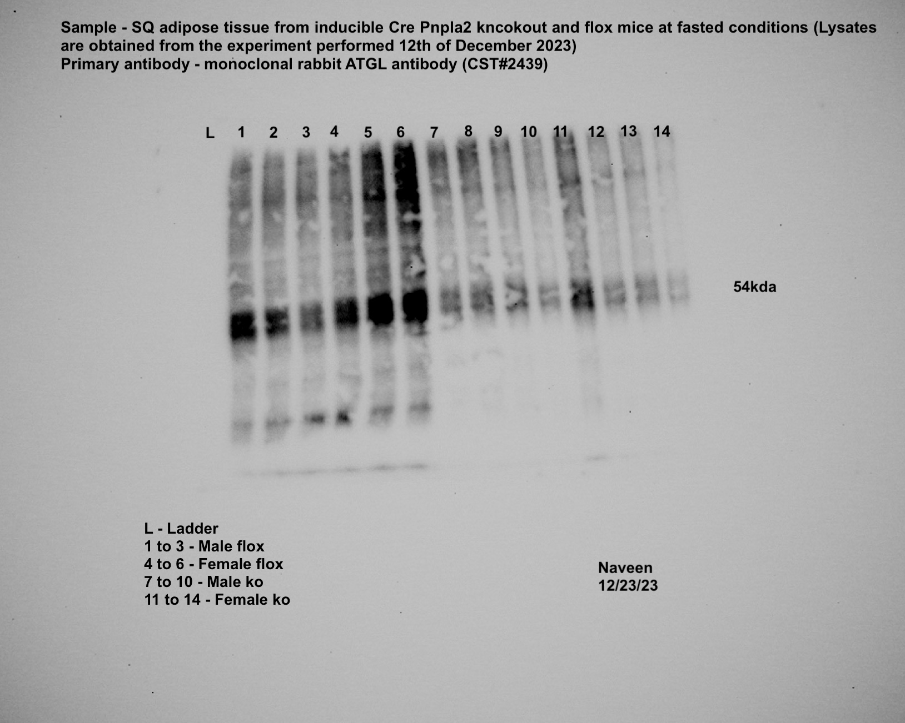
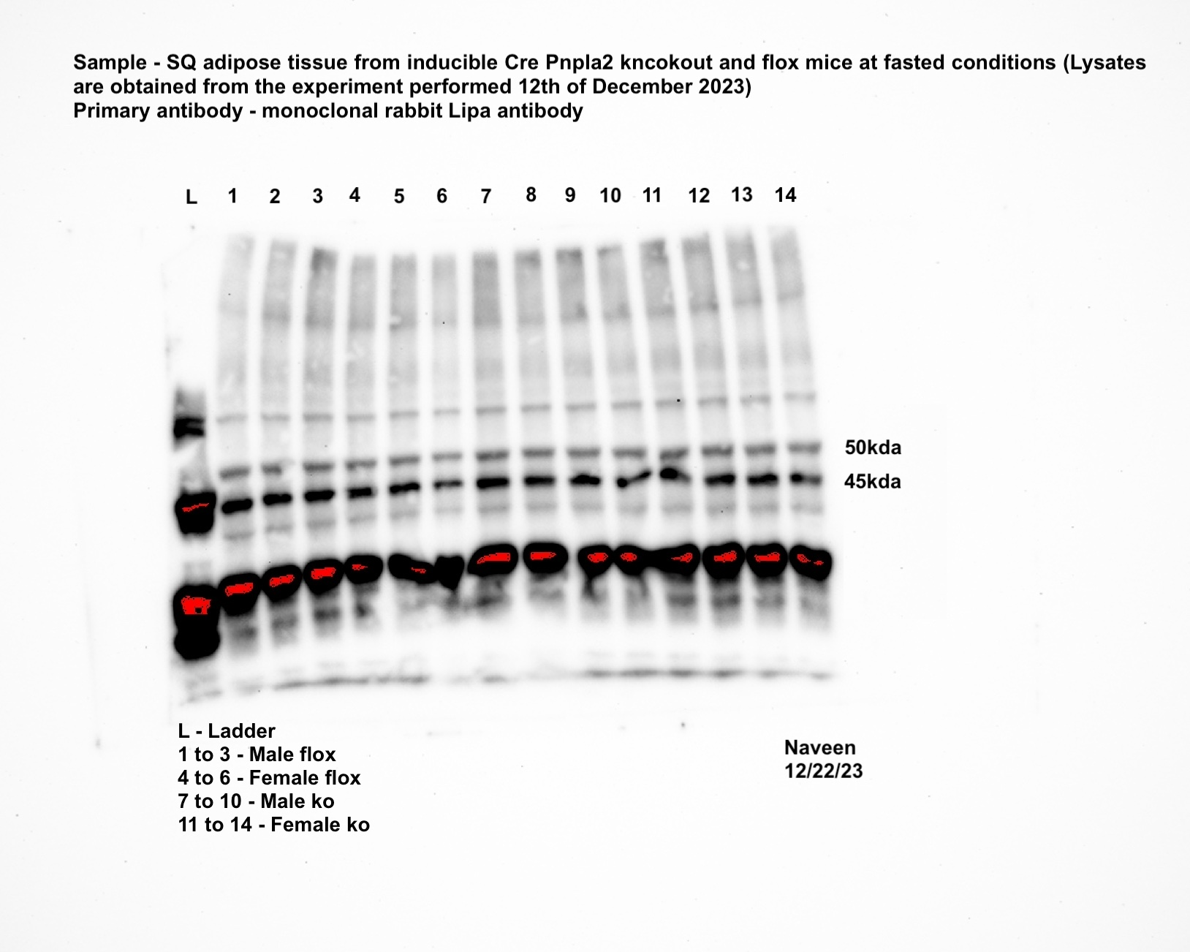
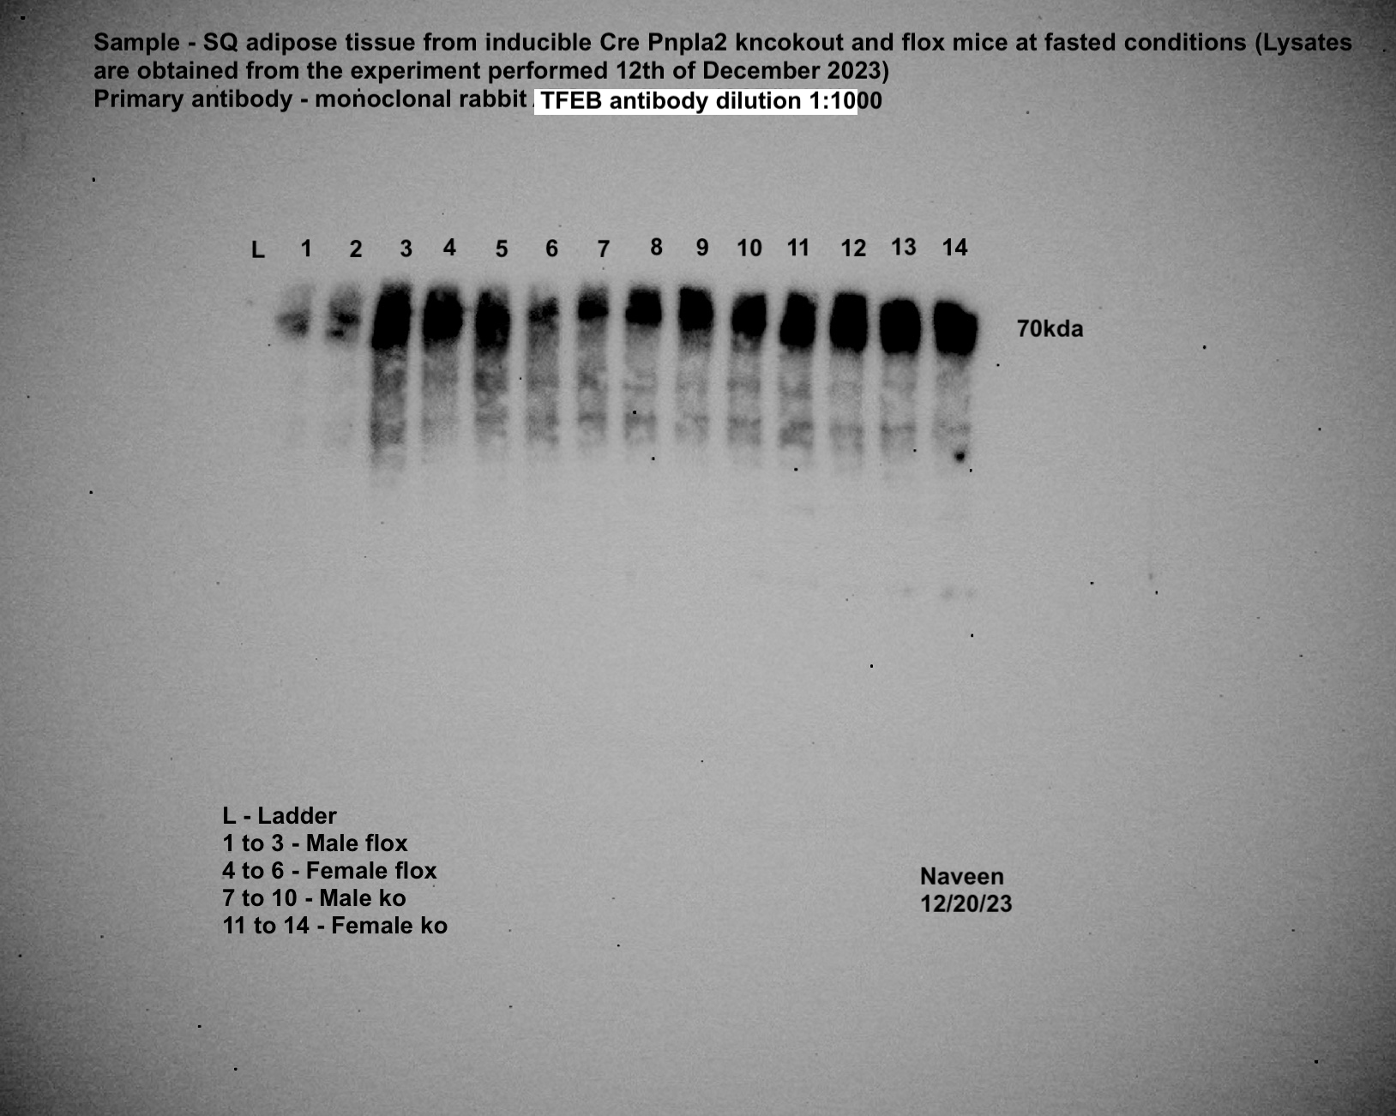
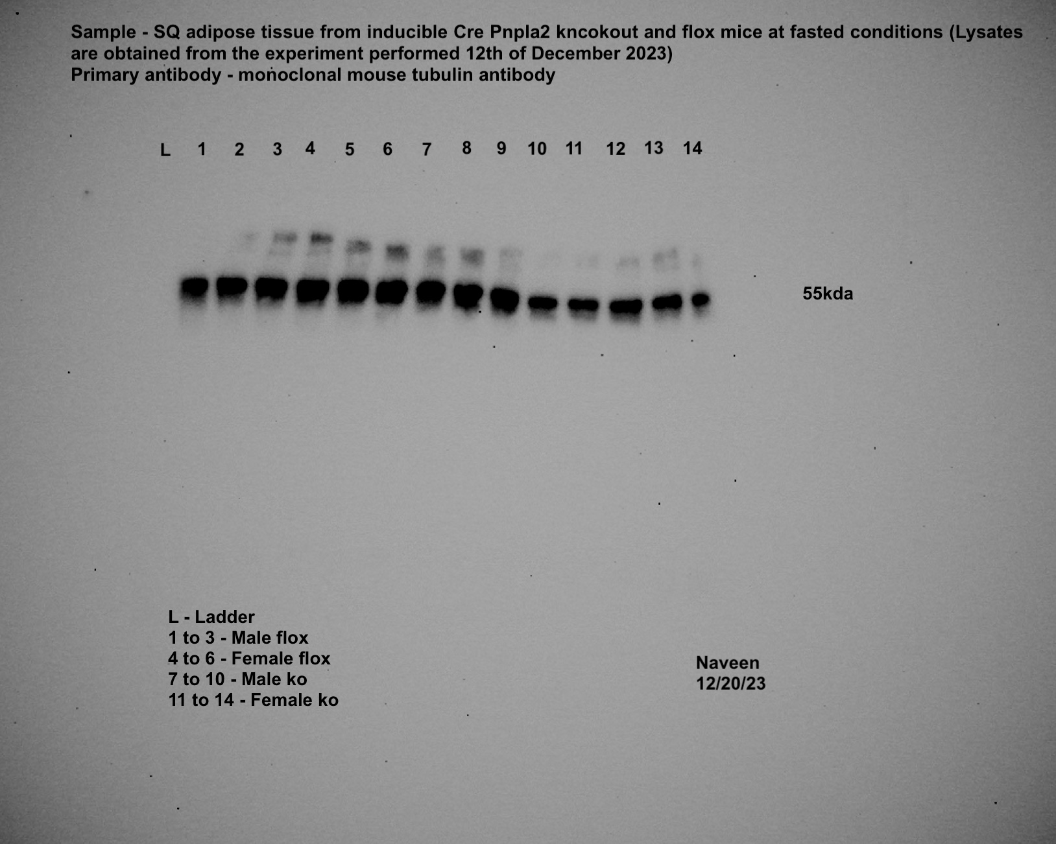
Panel 4p
iAAKO
iWAT-ATGL |  |  |  |  |  |  | iWAT-LAL |  |  |  |  |  |  | iWAT-TFEB |  |  |  |  |  |  | iWAT-TUBA1A

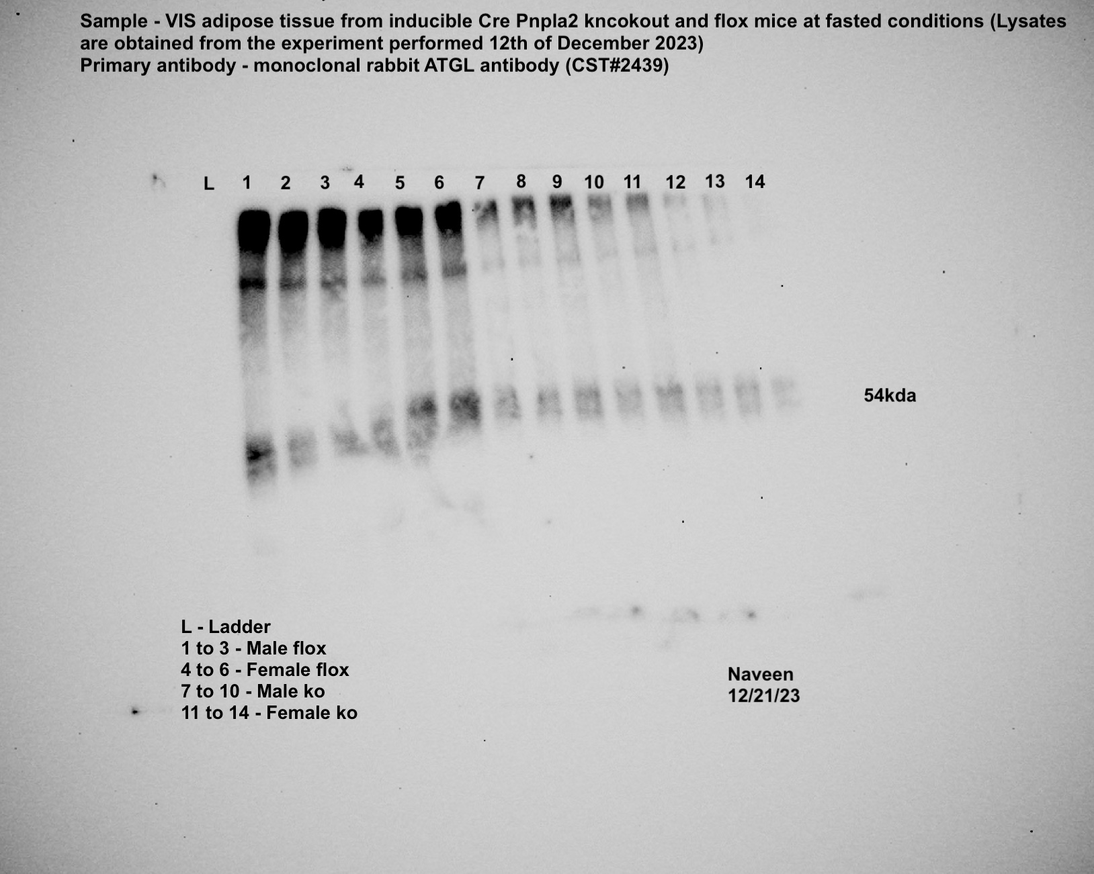
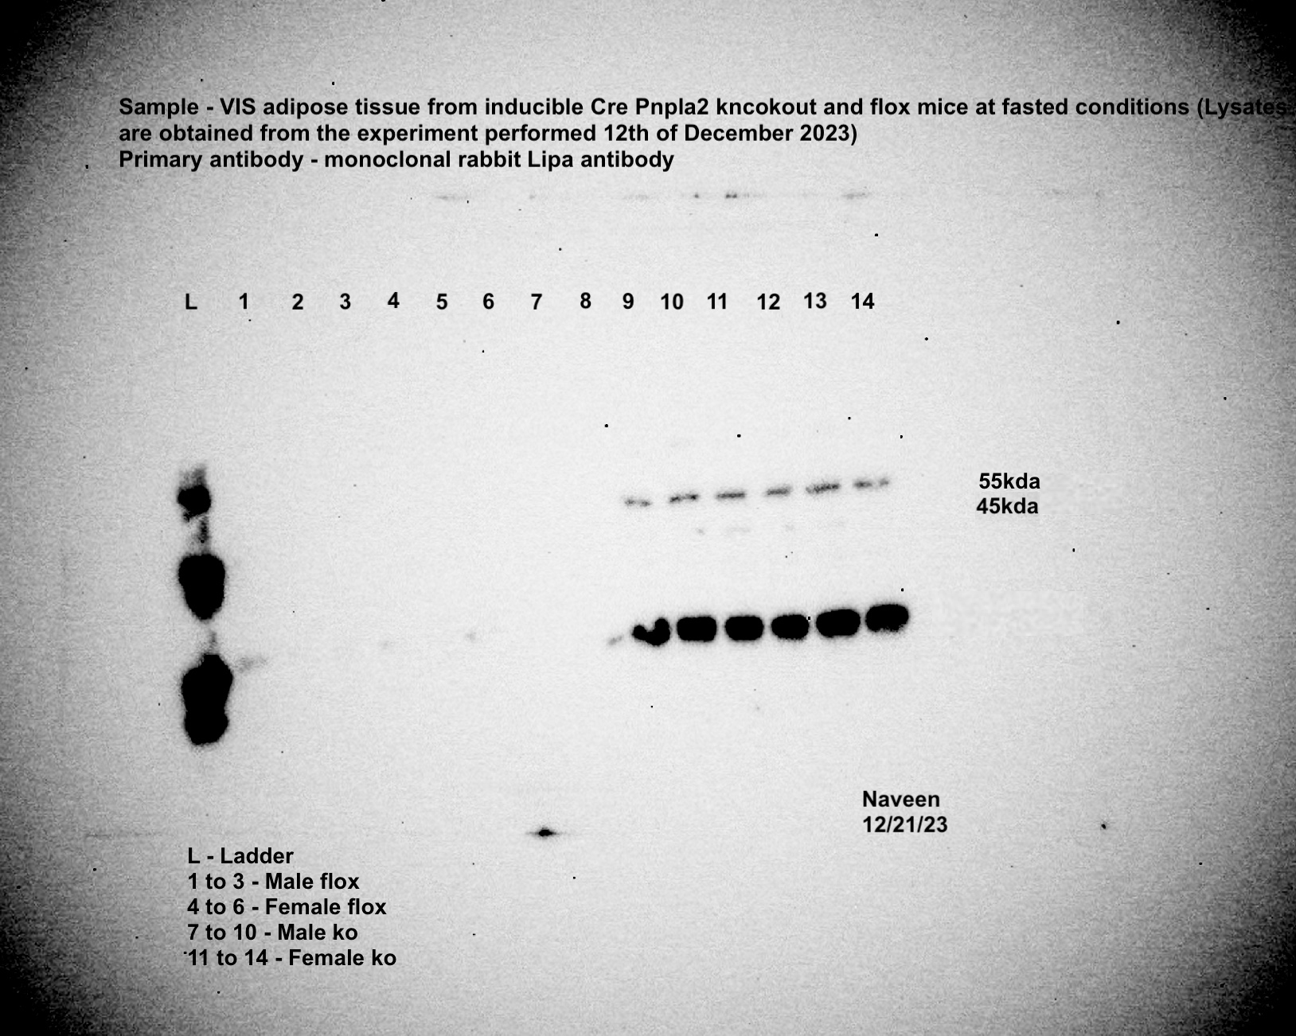
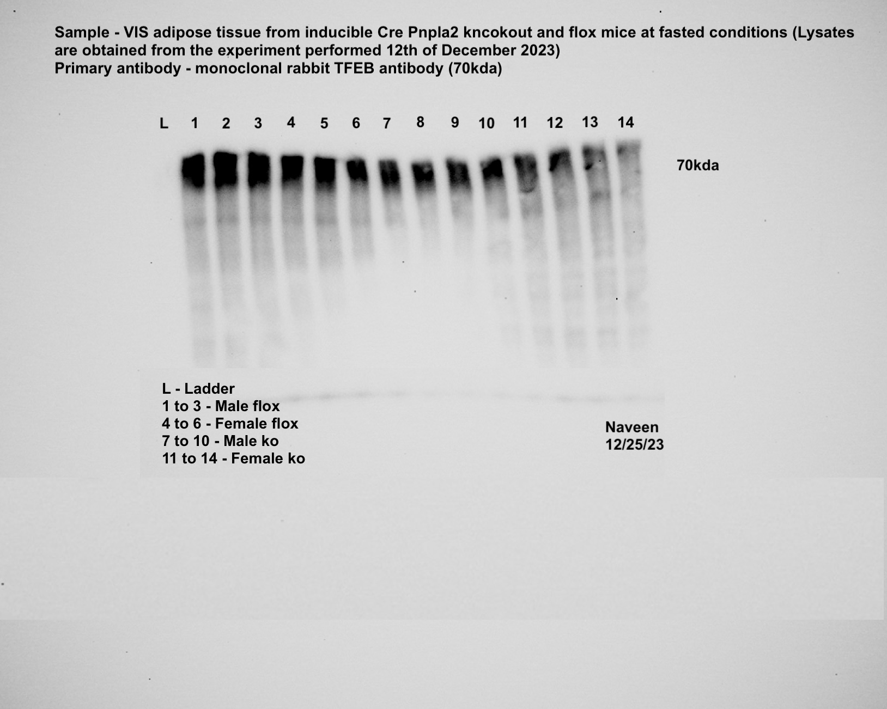
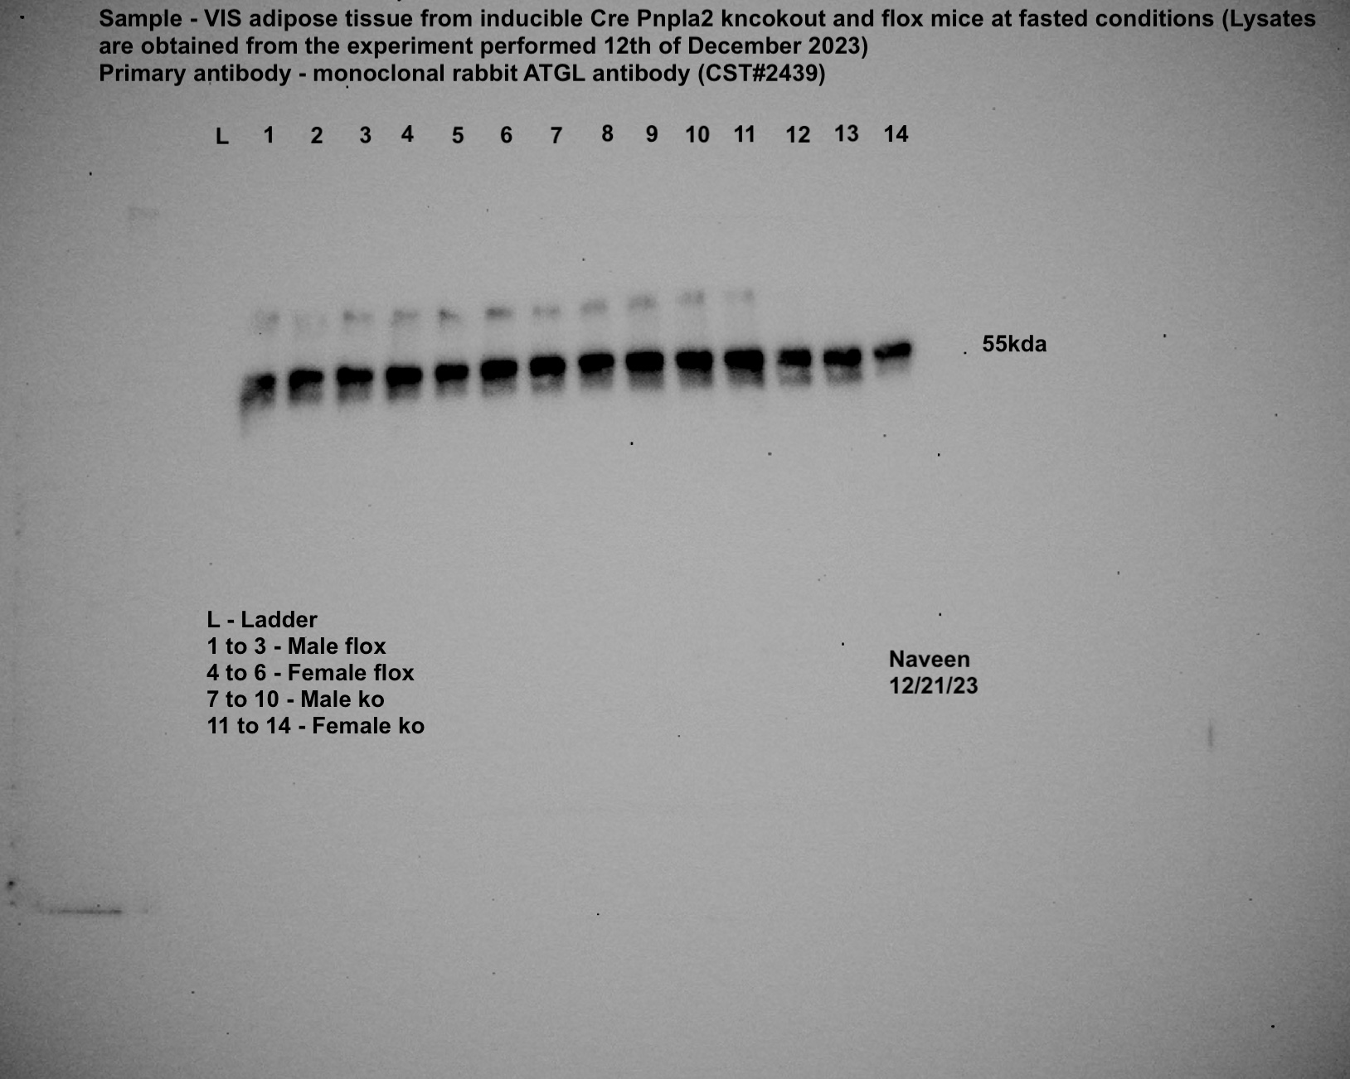
gWAT-ATGL |  |  |  |  |  |  | gWAT-LAL |  |  |  |  |  |  | gWAT-TFEB |  |  |  |  |  |  | gWAT-TUBA1A

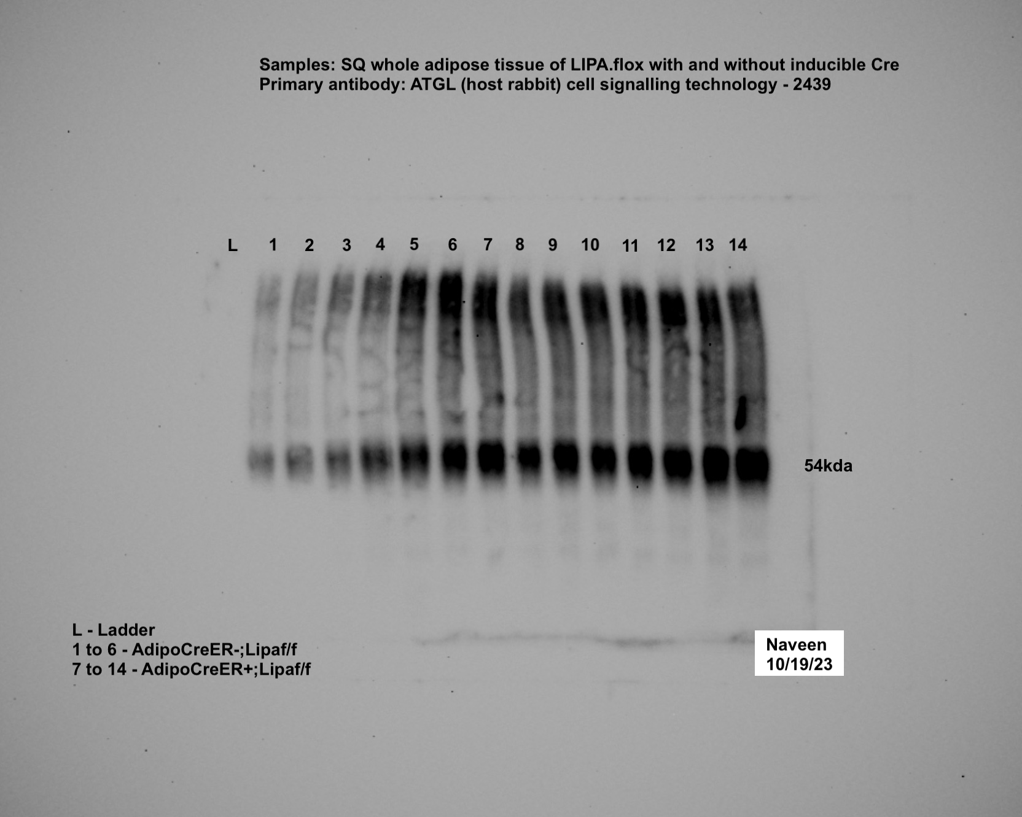
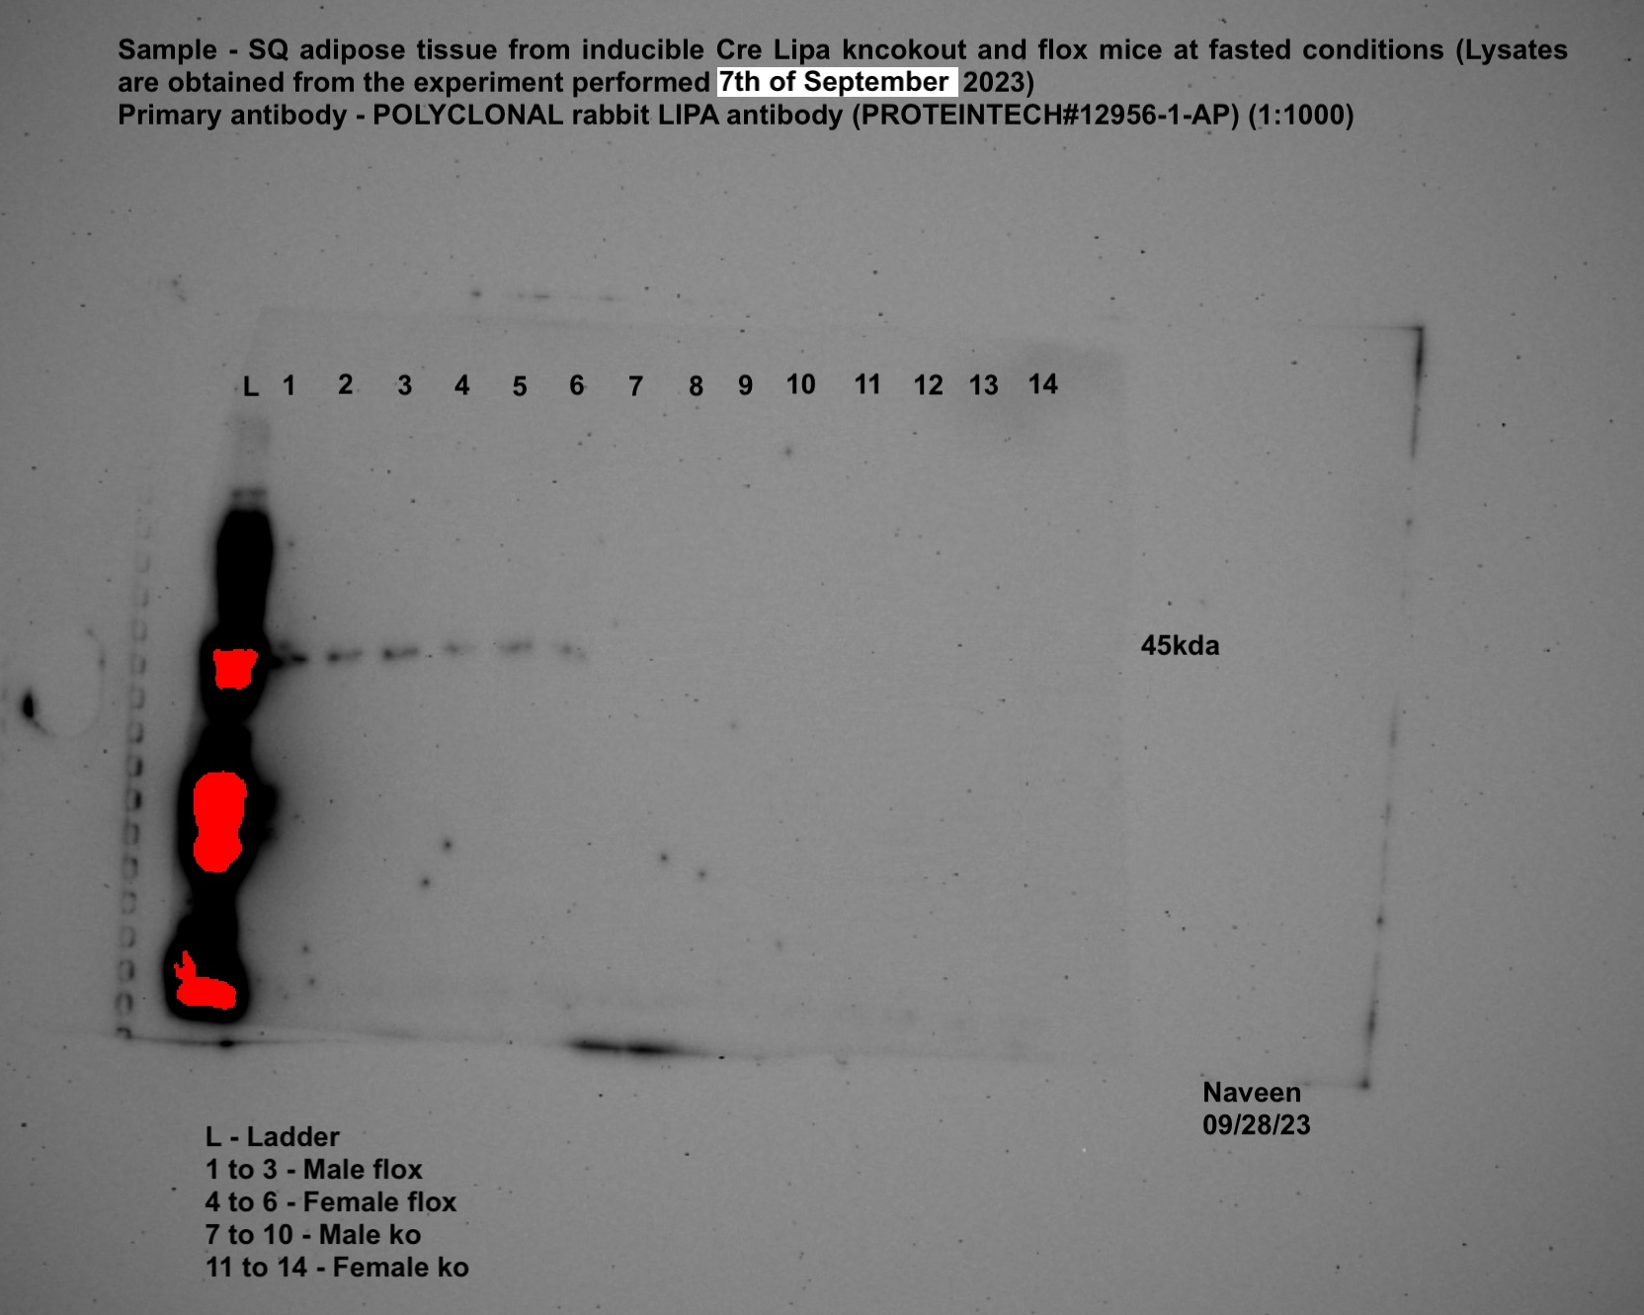
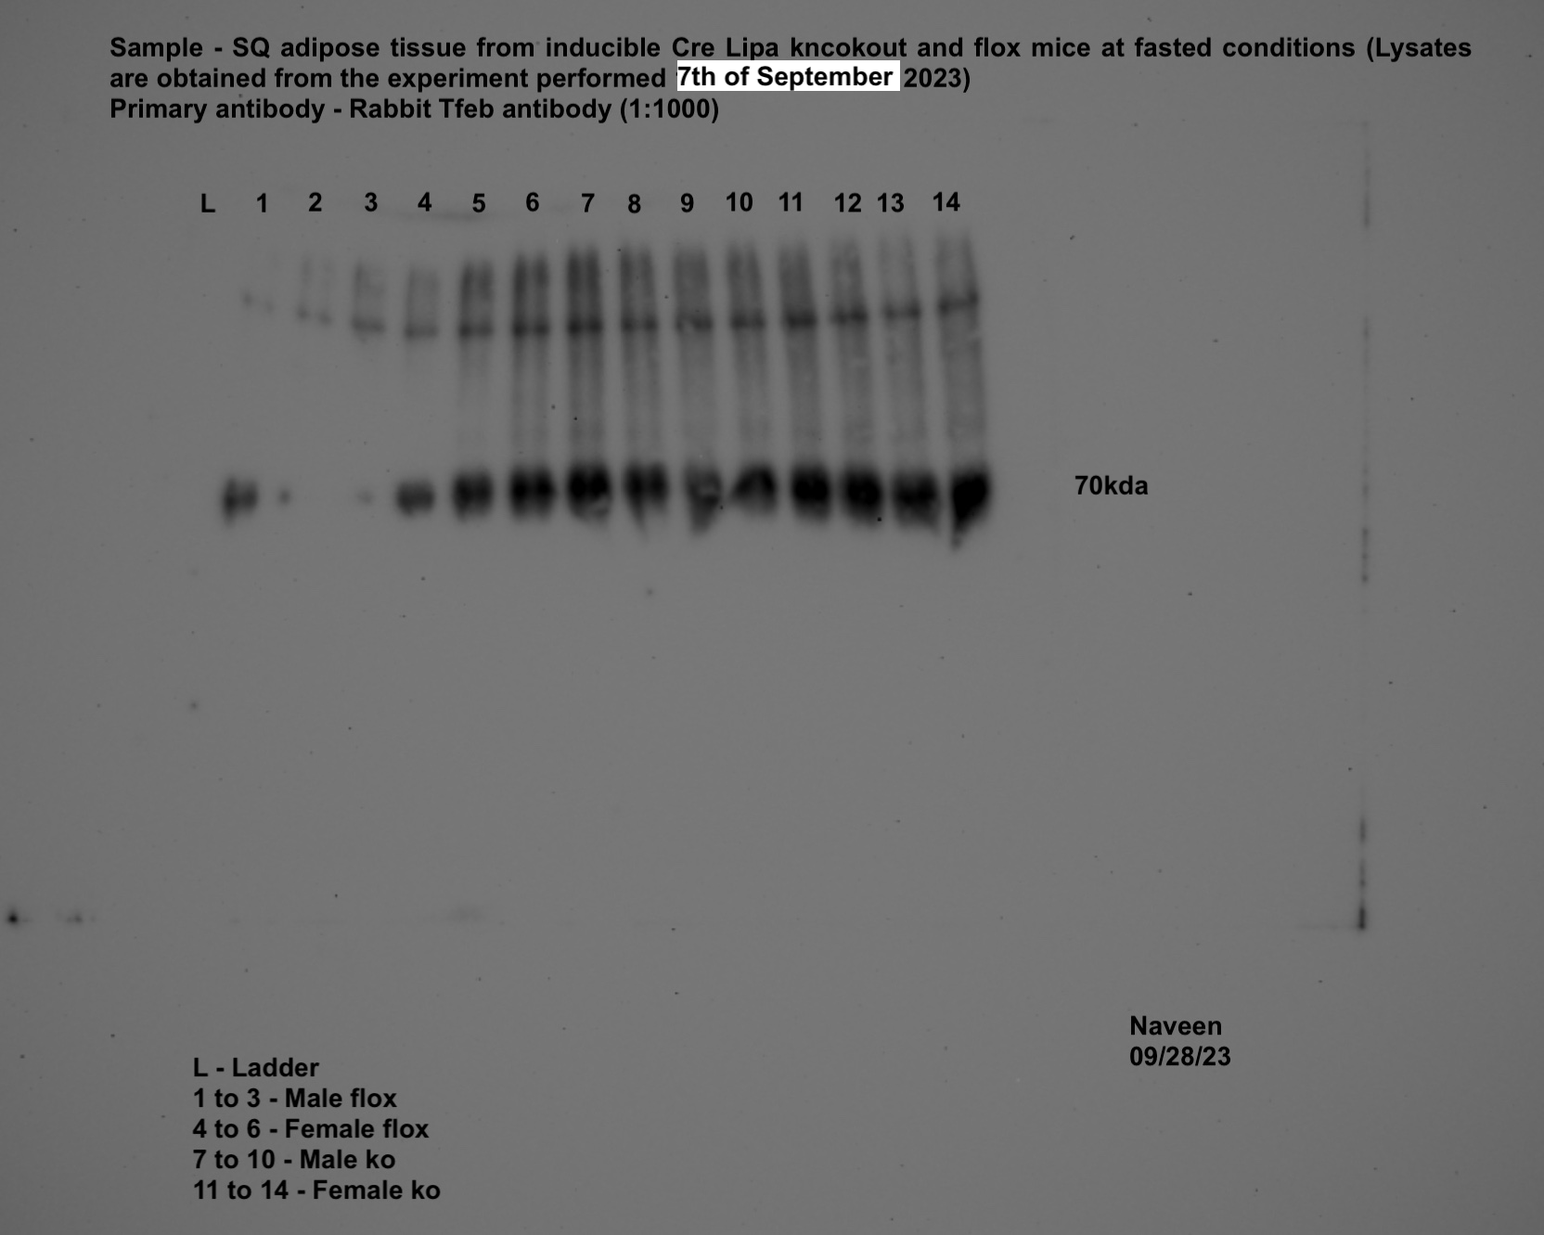
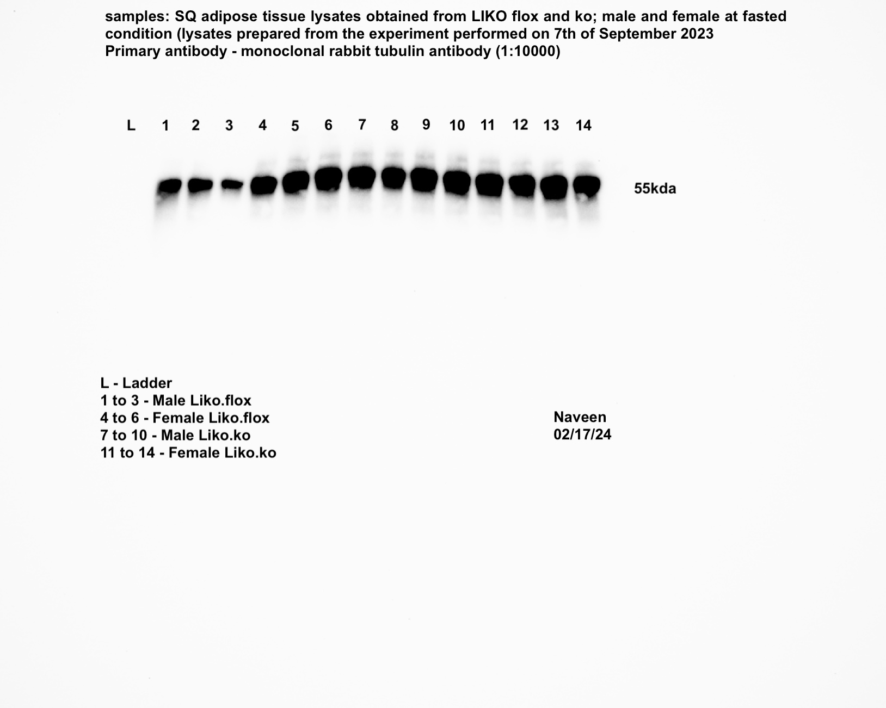
Panel 4p
iLIKO
iWAT-ATGL |  |  |  |  |  |  | iWAT-LAL |  |  |  |  |  |  | iWAT-TFEB |  |  |  |  |  |  | iWAT-TUBA1A

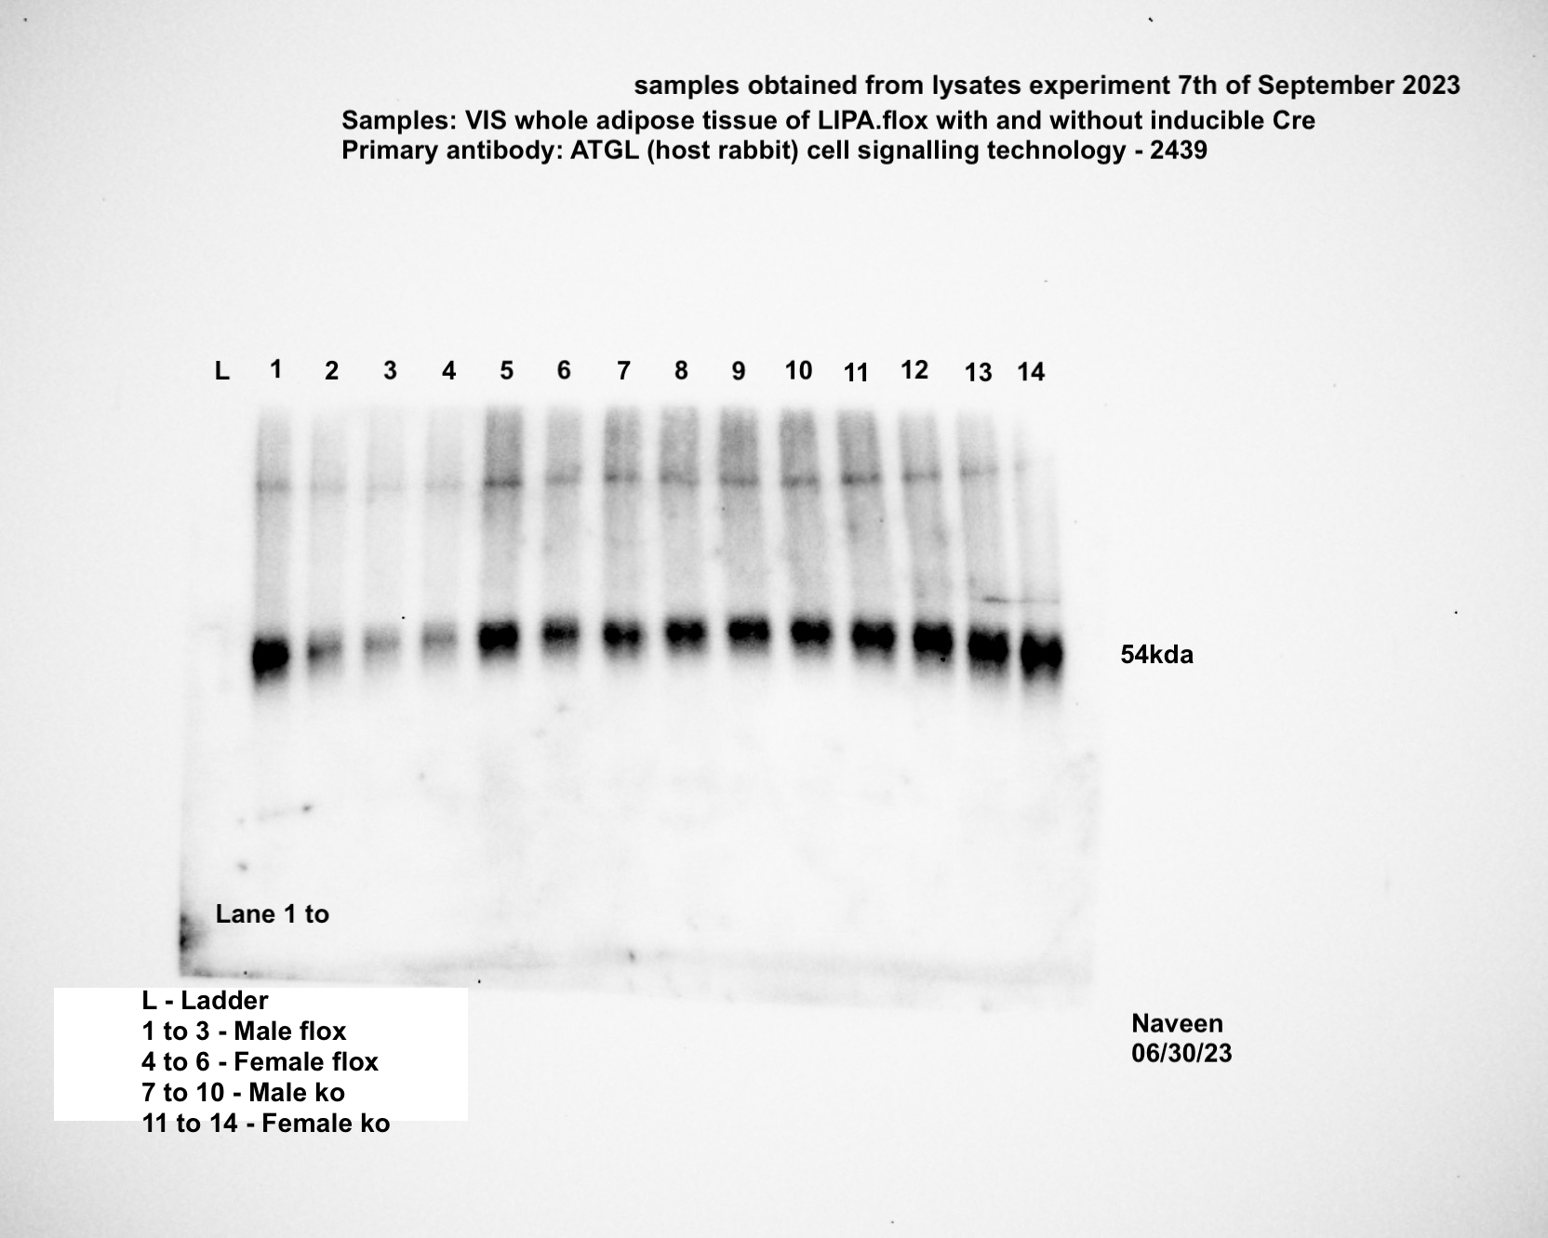
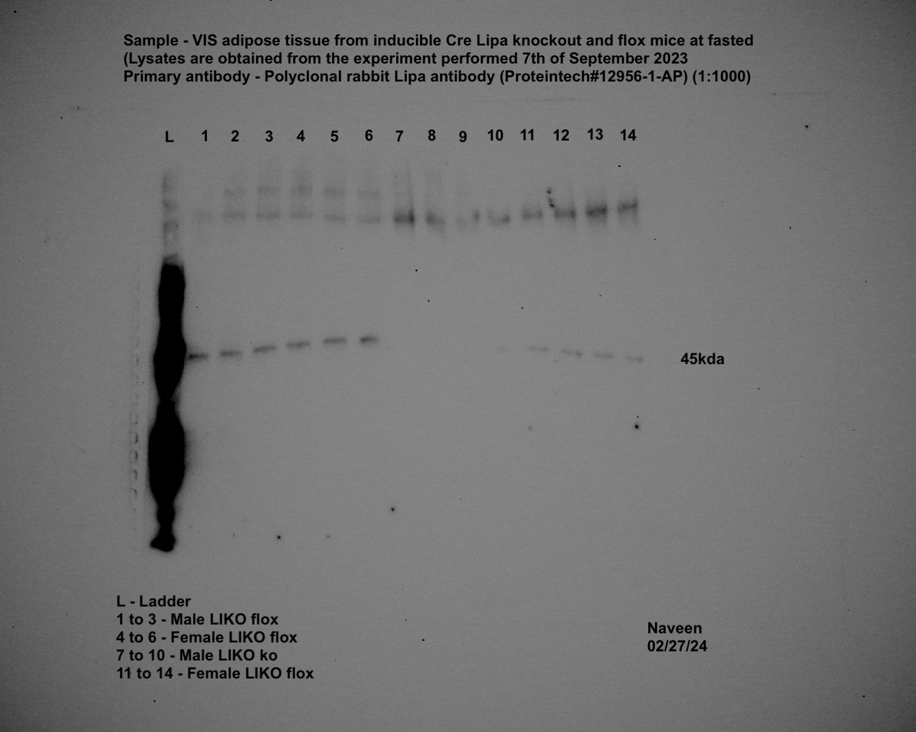
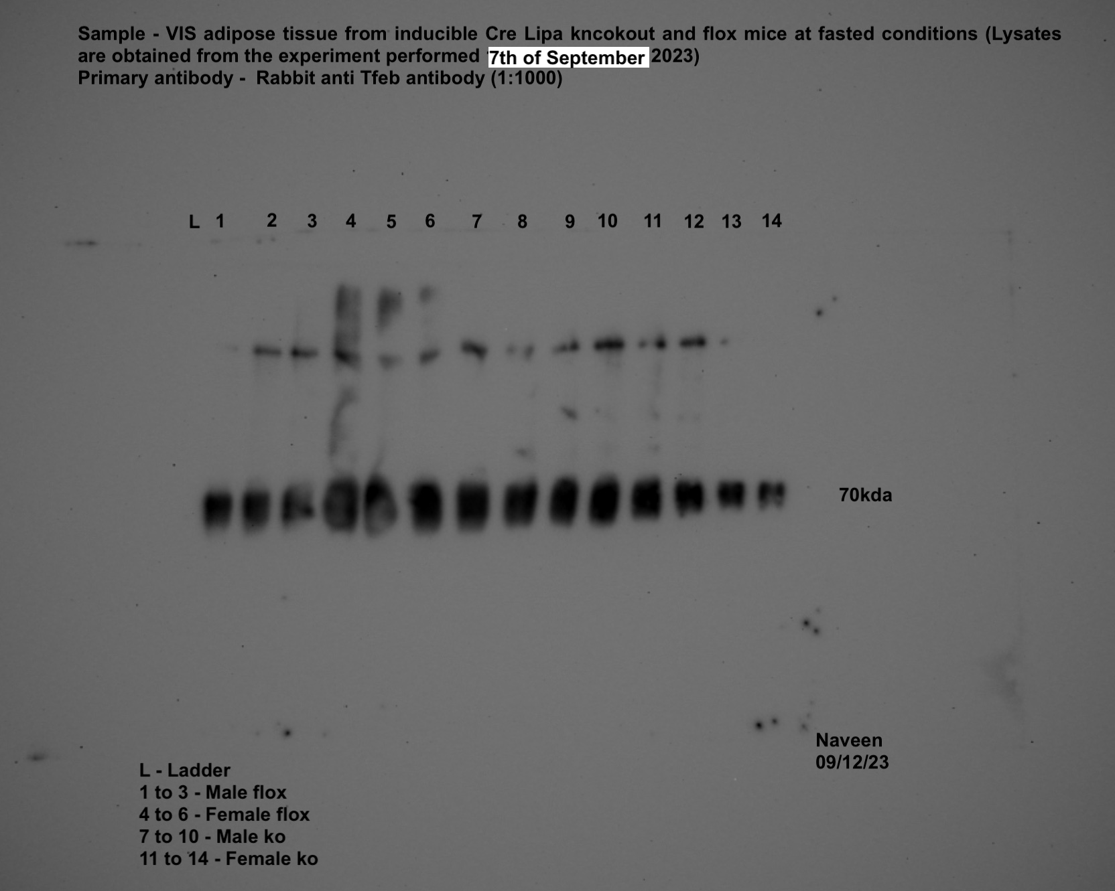

gWAT-ATGL |  |  |  |  |  |  | gWAT-LAL |  |  |  |  |  |  | gWAT-TFEB |  |  |  |  |  |  | gWAT-TUBA1A

Supplement fig-1
Panel S1a | Control 1 | Control 2 | Control 3 | Control 4 | Control 5 | Control 6 | Fast1 | Fast2 | Fast3 | Fast4 | Fast5 | Fast6 | Refed1 | Refed2 | Refed3 | Refed4 | Refed5 | Refed6
Pnpla2 | 1.102 | 1.12 | 0.933 | 0.716 | 0.866 | 1.4 | 0.554 | 0.408 | 0.806 | 0.839 | 0.842 | 0.261 | 1.73 | 1.788 | 1.227 | 2.126 | 0.137 | 1.53
Lipe | 1.023 | 0.887 | 0.999 | 1.026 | 1.027 | 1.047 | 0.183 | 0.127 | 0.218 | 0.216 | 0.116 |  | 0.654 | 0.598 | 0.634 | 0.644 | 0.615 | 0.635
Mgll | 0.85 | 0.76 | 1.152 | 0.93 | 0.905 | 1.595 | 0.885 | 1.054 | 0.334 | 0.338 | 0.543 | 1.385 | 0.782 | 0.66 | 2.119 | 0.927 | 0.764 | 0.421
Tfeb | 0.798 | 1.369 | 0.942 | 0.592 | 1.042 | 1.575 | 1.268 | 1.159 | 0.436 | 0.37 | 0.487 | 1.121 | 1.333 | 2.331 | 1.84 | 2.96 | 1.083 | 0.267
Tfe3 | 1.104 | 1.03 | 0.823 | 0.677 | 1.026 | 1.538 | 1.881 | 1.247 | 0.811 | 0.381 | 0.549 | 1.222 | 0.901 | 0.77 | 0.612 | 1.736 | 0.756 | 0.84
Tfec | 1.346 | 1.035 | 0.809 | 1.15 | 0.705 | 1.095 | 2.836 | 0.765 | 0.851 | 0.81 | 0.618 | 0.167 | 0.627 | 0.627 | 0.024 | 1.037 | 1.894 | 2.071
Mitf | 0.821 | 1.197 | 0.951 | 0.787 | 0.884 | 1.538 | 2.558 | 1.026 | 0.621 | 0.365 | 0.373 | 2.302 | 0.428 | 0.444 | 0.138 | 0.992 | 1.1 | 1.459
Lamp1 | 0.915 | 1.07 | 0.995 | 0.706 | 1.028 | 1.415 | 3.704 | 1.66 | 0.441 | 1.256 | 1.258 | 1.802 | 3.608 | 0.627 | 0.839 | 1.012 | 1.23 | 1.246
Lipa | 0.883 | 0.903 | 0.888 | 0.734 | 1.171 | 1.642 | 2.205 | 1.053 | 0.485 | 0.361 | 0.384 | 1.087 | 3.025 | 1.445 | 0.599 | 1.788 | 2.129 | 2.013
Mcoln1 | 0.836 | 1.233 | 0.922 | 0.718 | 1.08 | 1.357 | 2.562 | 1.524 | 1.271 | 0.784 | 0.758 | 2.042 | 1.011 | 1.033 | 0.739 | 0.826 | 1.241 | 1.137
Ulk1 | 0.772 | 1.341 | 0.905 | 0.949 | 0.85 | 1.323 | 2.445 | 1.721 | 1.066 | 0.701 | 0.614 | 1.208 | 1.346 | 0.955 | 0.463 | 1.21 | 1.02 | 1.012
Atp6v1 | 0.67 | 1.072 | 0.933 | 0.992 | 1.226 | 1.228 | 2.655 | 1.353 | 1.374 | 0.918 | 0.633 | 1.205 | 1.392 | 0.993 | 0.967 | 0.855 | 1.191 | 1.011

Panel S1b | Control 1 | Control 2 | Control 3 | Control 4 | Control 5 | Control 6 | Fast1 | Fast2 | Fast3 | Fast4 | Fast5 | Refed1 | Refed2 | Refed3 | Refed4 | Refed5 | Refed6
Pnpla2 | 0.777 | 0.541 | 0.437 | 1.692 | 2.182 | 1.474 | 0.326 | 1.446 | 0.259 | 0.315 | 0.348 | 4.706 | 2.921 | 4.769 | 3.224 | 10.627 | 2.951
Lipe | 0.53 | 0.593 | 0.347 | 3.034 | 1.733 | 1.742 | 1.323 | 1.947 | 0.869 | 1.72 | 2.196 | 2.639 | 6.051 | 1.639 | 2.437 | 3.49 | 3.602
Mgll | 0.569 | 0.597 | 0.313 | 5.222 | 1.719 | 1.048 | 0.265 | 1.674 | 0.226 | 0.32 | 0.417 | 4.878 | 3.706 | 2.309 | 1.06 | 7.965 | 3.436
Tfeb | 0.625 | 0.937 | 0.823 | 1.332 | 1.636 | 0.95 | 1.902 | 1.179 | 1.718 | 1.048 | 3.109 | 0.041 | 0.435 | 0.029 | 0.084 | 0.044 | 0.049
Tfe3 | 0.582 | 0.711 | 0.666 | 1.406 | 2.127 | 1.213 | 2.259 | 1.409 | 2.506 | 5.025 | 9.385 | 0.038 | 0.256 | 0.026 | 1 | 0.033 | 0.036
Mitf | 0.451 | 0.77 | 0.466 | 1.538 | 2.091 | 1.918 | 2.694 | 0.992 | 0.828 | 1.522 | 4.65 | 0.029 | 0.178 | 0.027 | 0.039 | 0.029 | 0.04
Lamp1 | 0.549 | 0.718 | 0.761 | 1.074 | 2.419 | 1.282 | 8.295 | 3.178 | 2.873 | 3.658 | 12.633 | 0.018 | 0.117 | 0.007 | 0.045 | 0.046 | 0.06
Lipa | 0.626 | 0.617 | 0.681 | 1.618 | 1.88 | 1.251 | 3.517 | 2.675 | 2.692 | 0.913 | 7.009 | 0.065 | 0.427 | 0.053 | 0.092 | 0.074 | 0.101
Ulk1 | 0.731 | 0.678 | 0.663 | 1.256 | 1.92 | 1.263 | 0.056 | 0.539 | 0.048 | 0.103 | 0.071 | 0.056 | 0.539 | 0.048 | 0.103 | 0.071 | 0.411
Atp6v1 | 0.554 | 0.806 | 2.407 | 0.824 | 1.382 | 0.817 | 0.046 | 0.361 | 0.027 | 0.069 | 0.059 | 0.046 | 0.361 | 0.027 | 0.069 | 0.059 | 0.232

Panel S1c | Control 1 | Control 2 | Control 3 | Control 4 | Control 5 | Control 6 | Fast1 | Fast2 | Fast3 | Fast4 | Fast5 | Refed1 | Refed2 | Refed3 | Refed4 | Refed5 | Refed6
Pnpla2 | 1.102 | 1.12 | 0.933 | 0.716 | 0.866 | 1.4 | 0.554 | 0.408 | 0.806 | 0.839 | 0.842 | 1.73 | 1.788 | 1.227 | 2.126 | 0.137 | 1.53
Lipe | 1.267 | 1.368 | 1.216 | 1.266 | 1.133 | 0.331 | 0.055 | 0.26 | 0.115 | 0.115 | 0.263 | 0.095 | 0.098 | 0.111 | 0.086 | 0.079 | 0.096
Mgll | 0.85 | 0.76 | 1.152 | 0.93 | 0.905 | 1.595 | 0.885 | 1.054 | 0.334 | 0.338 | 0.543 | 0.782 | 0.66 | 2.119 | 0.927 | 0.764 | 0.421
Tfeb | 0.798 | 1.369 | 0.942 | 0.592 | 1.042 | 1.575 | 1.268 | 1.159 | 0.436 | 0.37 | 0.487 | 1.333 | 2.331 | 1.84 | 2.96 | 1.083 | 0.267
Tfe3 | 1.104 | 1.03 | 0.823 | 0.677 | 1.026 | 1.538 | 1.881 | 1.247 | 0.811 | 0.381 | 0.549 | 0.901 | 0.77 | 0.612 | 1.736 | 0.756 | 0.84
Mitf | 0.821 | 1.197 | 0.951 | 0.787 | 0.884 | 1.538 | 2.558 | 1.026 | 0.621 | 0.365 | 0.373 | 0.428 | 0.444 | 0.138 | 0.992 | 1.1 | 1.459
Lamp1 | 0.915 | 1.07 | 0.995 | 0.706 | 1.028 | 1.415 | 3.704 | 1.66 | 0.441 | 1.256 | 1.258 | 3.608 | 0.627 | 0.839 | 1.012 | 1.23 | 1.246
Lipa | 0.883 | 0.903 | 0.888 | 0.734 | 1.171 | 1.642 | 2.205 | 1.053 | 0.485 | 0.361 | 0.384 | 3.025 | 1.445 | 0.599 | 1.788 | 2.129 | 2.013
Ulk1 | 0.772 | 1.341 | 0.905 | 0.949 | 0.85 | 1.323 | 2.445 | 1.721 | 1.066 | 0.701 | 0.614 | 1.346 | 0.955 | 0.463 | 1.21 | 1.02 | 1.012
Atp6v1 | 0.67 | 1.072 | 0.933 | 0.992 | 1.226 | 1.228 | 2.655 | 1.353 | 1.374 | 0.918 | 0.633 | 1.392 | 0.993 | 0.967 | 0.855 | 1.191 | 1.011

Panel S1d | Control 1 | Control 2 | Control 3 | Control 4 | Control 5 | Control 6 | Fast1 | Fast2 | Fast3 | Fast4 | Fast5 | Fast6 | Refed1 | Refed2 | Refed3 | Refed4 | Refed5
Pnpla2 | 2.209 | 0.723 | 1.178 | 0.681 | 0.938 | 0.833 | 0.997 | 0.443 | 0.697 | 4.817 | 5.617 | 0.935 | 1.103 | 0.474 | 3.381 | 4.342 | 26.981
Lipe | 1.2 | 1.145 | 0.887 | 0.864 | 0.896 | 1.06 | 1.865 | 1.393 | 1.954 | 2.497 | 2.559 | 2.068 | 1.834 | 1.437 | 2.573 | 2.76 | 15.291
Mgll | 2.453 | 0.68 | 1.401 | 0.578 | 0.884 | 0.837 | 0.506 | 0.25 | 0.225 | 3.592 | 3.965 | 0.893 | 0.617 | 0.217 | 2.028 | 0.572 | 17.605
Tfeb | 0.958 | 1.105 | 0.88 | 0.898 | 1.247 | 0.958 | 1.202 | 1.365 | 1.436 | 0.875 | 1.084 | 0.943 | 1.366 | 1.427 | 1.935 | 2.413 | 5.674
Tfe3 | 1.169 | 1.065 | 0.846 | 0.866 | 1.093 | 1.005 | 1.724 | 1.196 | 2.257 | 1.903 | 1.527 | 1.026 | 0.617 | 1.708 | 2.301 | 0.436 | 11.731
Tfec | 1.003 | 1.307 | 0.648 | 1.229 | 1.381 | 0.694 | 0.626 | 0.922 | 1.082 | 1.608 | 1.265 | 0.77 | 1.208 | 0.877 | 0.598 | 1.362 | 6.239
Mitf | 1.371 | 1.207 | 0.827 | 1.086 | 0.766 | 0.877 | 1.038 | 1.025 | 1.538 | 1.796 | 1.529 | 2.157 | 1.458 | 1.5 | 3.067 | 5.852 | 10.907
Lamp1 | 1.542 | 0.651 | 1.005 | 1.041 | 1.168 | 0.816 | 0.799 | 1.203 | 1.218 | 1.504 | 1.894 | 1.092 | 1.201 | 1.028 | 1.895 | 3.195 | 8.7
Lipa | 1.016 | 1.201 | 0.803 | 0.937 | 1.125 | 0.968 | 0.862 | 1.553 | 1.399 | 1.382 | 1.266 | 1.166 | 1.278 | 1.522 | 1.001 | 1.025 | 6.723
Mcoln1 | 1.245 | 1.051 | 0.867 | 0.838 | 1.062 | 0.99 | 1.746 | 1.43 | 1.758 | 1.658 | 1.232 | 1.199 | 1.404 | 1.649 | 1.703 | 1.656 | 7.346
Ulk1 | 1.12 | 1.123 | 0.865 | 0.926 | 1.218 | 0.815 | 0.617 | 1.247 | 1.917 | 1.791 | 3.749 | 1.474 | 1.481 | 1.427 | 5.307 | 23.843 | 13.73

Panel S1e | Control 1 | Control 2 | Control 3 | Control 4 | Control 5 | Control 6 | Fast1 | Fast2 | Fast3 | Fast4 | Fast5 | Fast6 | Refed1 | Refed2 | Refed3 | Refed4 | Refed5
Pnpla2 | 1.061 | 0.769 | 2.255 | 1.623 | 1.826 | 0.183 | 0.207 | 0.076 | 0.099 | 0.75 | 0.857 | 0.244 | 0.094 | 0.2 | 0.672 | 0.894 | 0.745
Lipe | 0.196 | 1.17 | 1.133 | 1.31 | 2.272 | 1.295 | 0.151 | 0.084 | 0.041 | 0.687 | 0.256 | 0.109 | 0.06 | 0.037 | 0.987 | 0.017 | 0.362
Mgll | 1.123 | 0.652 | 3.998 | 1.19 | 1.586 | 0.181 | 0.16 | 0.034 | 0.071 | 0.511 | 0.698 | 0.171 | 0.037 | 0.108 | 0.302 | 0.164 | 0.587
Tfeb | 0.407 | 0.876 | 3.239 | 1.97 | 2.131 | 0.206 | 2.285 | 1.557 | 0.852 | 0.643 | 1.678 | 1.527 | 0.555 | 4.288 | 2.502 | 1.068 | 0.192
Tfe3 | 0.443 | 0.993 | 3.224 | 2.026 | 1.758 | 0.198 | 2.858 | 0.892 | 1.46 | 1.587 | 0.867 | 0.452 | 2.642 | 0.242 | 0.381 | 2.825 | 0.33
Tfec | 0.281 | 1.156 | 3.562 | 2.392 | 2.066 | 0.175 | 4.478 | 3.073 | 1.473 | 0.142 | 0.03 | 0.196 | 0.718 | 0.819 | 0.835 | 0.548 | 0.383
Mitf | 0.526 | 0.862 | 3.685 | 1.929 | 1.898 | 0.163 | 3.056 | 2.212 | 1.152 | 1.803 | 0.669 | 0.58 | 0.807 | 0.326 | 0.617 | 0.869 | 0.253
Lamp1 | 0.561 | 0.968 | 3.014 | 2.059 | 1.793 | 0.165 | 1.197 | 0.678 | 1.538 | 0.974 | 1.236 | 1.858 | 0.208 | 0.484 | 1.348 | 0.672 | 2.334
Lipa | 0.563 | 0.644 | 3.542 | 2.029 | 2.02 | 0.19 | 1.601 | 1.921 | 1.91 | 0.877 | 1.157 | 0.983 | 0.623 | 0.911 | 0.887 | 1.479 | 1.98
Mcoln1 | 0.338 | 0.957 | 3.433 | 1.977 | 1.954 | 0.233 | 1.283 | 0.885 | 1.16 | 0.493 | 0.468 | 0.935 | 0.265 | 0.223 | 0.246 | 0.328 | 0.204
Ulk1 | 0.509 | 1.008 | 2.934 | 1.716 | 1.751 | 0.221 | 1.306 | 0.69 | 1.485 | 0.894 | 0.768 | 1.272 | 0.237 | 0.308 | 0.788 | 3.547 | 0.381

Panel S1f | Control 1 | Control 2 | Control 3 | Control 4 | Control 5 | Control 6 | Fast1 | Fast2 | Fast3 | Fast4 | Fast5 | Fast6 | Refed1 | Refed2 | Refed3 | Refed4 | Refed5
Pnpla2 | 0.492 | 1.018 | 1.279 | 1.138 | 1.122 | 1.223 | 0.253 | 0.439 | 0.339 | 1.248 | 1.311 | 1.023 | 0.139 | 0.264 | 0.8 | 0.479 | 9.204
Lipe | 0.883 | 0.696 | 1.499 | 1.134 | 0.89 | 1.076 | 0.807 | 1.983 | 1.984 | 1.596 | 2.221 | 1.648 | 0.774 | 0.977 | 1.521 | 1.81 | 10.731
Mgll | 0.474 | 0.918 | 1.958 | 0.932 | 0.894 | 1.406 | 0.115 | 0.183 | 0.159 | 0.624 | 0.556 | 0.475 | 0.101 | 0.28 | 0.477 | 0.143 | 3.326
Tfeb | 0.847 | 0.684 | 11.094 | 0.529 | 0.429 | 0.686 | 0.663 | 0.766 | 1.703 | 1.081 | 0.968 | 1.11 | 0.858 | 1.882 | 0.87 | 3.051 | 6.311
Tfe3 | 0.819 | 0.758 | 3.386 | 0.843 | 0.64 | 0.882 | 0.798 | 0.703 | 1.395 | 1.112 | 1.156 | 0.913 | 0.802 | 1.976 | 1.248 | 0.567 | 11.551
Tfec | 0.726 | 0.545 | 8.582 | 0.753 | 0.635 | 0.616 | 1.223 | 1.019 | 0.992 | 0.585 | 0.735 | 0.879 | 1.523 | 1.691 | 0.704 | 0.605 | 8.131
Mitf | 2.608 | 0.966 | 1.571 | 0.689 | 0.512 | 0.717 | 3.671 | 1.851 | 2.077 | 1.481 | 2.248 | 1.427 | 1.006 | 2.132 | 2.057 | 4.408 | 13.637
Lamp1 | 0.93 | 0.761 | 1.016 | 1.126 | 0.922 | 1.34 | 0.877 | 0.693 | 0.664 | 0.985 | 1.163 | 1.043 | 1.082 | 1.46 | 1.245 | 1.022 | 8.601
Lipa | 1.244 | 0.43 | 1.268 | 1.115 | 1.006 | 1.317 | 1.1 | 0.913 | 0.86 | 1.41 | 1.557 | 1.286 | 0.528 | 0.781 | 1.743 | 0.948 | 13.972
Mcoln1 | 1.244 | 0.926 | 1.459 | 0.803 | 0.782 | 0.948 | 1.041 | 0.906 | 1.246 | 1.251 | 1.43 | 0.649 | 0.973 | 1.075 | 0.901 | 1.649 | 7.829
Ulk1 | 1.297 | 0.898 | 1.825 | 0.707 | 0.638 | 1.042 | 1.359 | 1.136 | 1.409 | 1.195 | 1.532 | 1.155 | 1.589 | 2.877 | 1.146 | 3.631 | 9.98

Panel S1g | Non-Fast | Fast | Refed |  |  | Control | Fast |  |  | Control | Fast |  |  |  | Control1 | Control2 | Control3 | Fast1 | Fast2 | Fast3
Cell viability assay | 118.6921576 | 117.676681 | 116.3157758 |  | Glycerol (uM) | 68.7200626 | 152.733511 |  | NEFA (mEq/L) | 0.06551629 | 1.04334622 |  | qPCR Lipolytic genes | Pnpla2 | 1.001 | 1.003 | 1.179 | 0.025 | 0.029 | 0.249
3T3L1 | 118.9668357 | 117.4852387 | 117.1772662 |  | 3T3L1 | 58.1015107 | 441.638265 |  | 3T3L1 | 0.32214246 | 0.80681944 |  | 3T3L1 | Lipe | 1.005 | 1 | 1.008 | 0.034 | 0.05 | 0.037
 | 114.5095591 | 120.0821953 | 85.47275328 |  |  | 61.9749447 | 145.654477 |  |  | 0.22642187 | 0.96504694 |  |  | Mgll | 1 | 1.009 | 1.004 | 0.012 | 0.619 | 1.089
 | 117.8265054 | 117.0773833 | 113.523215 |  |  | 64.2455785 | 128.491157 |  |  | 0.3396466 | 1.02697405 |  |  | Tfeb | 1.009 | 1.057 | 1.158 | 8.044 | 6.077 | 4.079
 | 96.98010144 | 119.7908701 | 114.4304851 |  |  | 79.605748 | 80.9414149 |  |  | 0.24674213 | 0.13785202 |  |  | Tfe3 | 1.003 | 1.014 | 1.2 | 4.873 | 5.444 | 2.082
 | 115.1421511 | 118.1095071 | 114.6552217 |  |  | 95.7005343 | 92.2945836 |  |  | 0.26054666 | 0.52368857 |  |  | Mitf | 1.008 | 1.002 | 1.273 | 5.712 | 2.798 | 3.234
 | 86.25100793 | 116.4531148 | 112.2413838 |  |  |  |  |  |  |  |  |  |  | Lamp1 | 1.007 | 1.005 | 1.012 | 5.473 | 3.011 | 3.5
 | 31.63168162 | 85.13981012 | 78.27701912 |  |  |  |  |  |  |  |  |  |  | Lipa | 1.003 | 1.019 | 1.003 | 3.673 | 4.226 | 3.654
 |  |  |  |  |  |  |  |  |  |  |  |  |  | Mcoln1 | 1.013 | 1.045 | 1.037 | 3.309 | 11.412 | 5.356
 |  |  |  |  |  |  |  |  |  |  |  |  |  | Ulk1 | 1.022 | 1 | 1.003 | 8.827 | 7.391 | 9.458
 |  |  |  |  |  |  |  |  |  |  |  |  |  | Atp6v1 | 1.011 | 1.036 | 1.064 | 7.746 | 6.506 | 2.738

Panel S1h |  | Control1 | Control2 | Control3 | Fast1 | Fast2 | Fast3
AP cells qPCR Lipolytic genes | Pnpla2 | 1.036 | 1.005 | 1.002 | 0.386 | 0.029 | 0.785
 | Lipe | 1.041 | 1.052 | 1.058 | 0.014 | 0.014 | 0.019
 | Mgll | 1.453 | 1.665 | 1.065 | 0.915 | 0.508 | 0.349
 | Tfeb | 1.081 | 3.55 | 1.069 | 4.476 | 2.889 | 9.317
 | Tfe3 | 1.125 | 1.214 | 2.719 | 6.759 | 4.692 | 11.381
 | Mitf | 1.495 | 1.156 | 1.273 | 0.75 | 1.697 | 1.69
 | Lamp1 | 1.116 | 1.026 | 1.022 | 1.887 | 2.301 | 4.697
 | Lipa | 1.07 | 1.062 | 1.008 | 1.52 | 2.662 | 3.064
 | Mcoln1 | 1.181 | 1.05 | 1.074 | 1.151 | 2.292 | 4.571
 | Ulk1 | 1.008 | 1.061 | 1.132 | 3.939 | 4.194 | 7.317
 | Atp6v1 | 1.009 | 1.099 | 1.088 | 5.053 | 2.969 | 2.205



Panel S1i
Fast |  |  |  |  |  |  |  |  |  |  | Non-Fast

Supplement fig-4
Panel S4b | Scr-nofast | shScr | shAtgl | shLipa | shTfeb | shTfe3 | shMitf |  |  | Scr-nofast | shScr | shAtgl | shLipa | shTfeb | shTfe3 | shMitf |  |  | shScr | shAtgl | shLipa | shTfeb | shTfe3 | shMitf
3T3-L1 NEFA (mEq/L) | 0.48031312 | 1.40033716 | 1.3490105 | 0.48682311 | 0.46821675 | 0.50382439 | 0.55002197 |  | 3T3L1 Glycoerol (uM) | 127.062665 | 249.197424 | 264.899085 | 133.826457 | 162.838294 | 101.770914 | 151.025814 |  | 3T3L1 Lipa gene expression | 1.777528606 | 4.998988544 | 1.492640796 | 1.219306362 | 7.384821636 | 1.456970981
 | 0.490158804 | 1.225141453 | 1.321132343 | 0.508711364 | 0.619990854 | 0.502488321 | 0.892863228 |  |  | 9.9138592 | 35.2870608 | 54.7485681 | 14.9100257 | 26.8903622 | 29.6631038 | 52.2897217 |  |  | 4.6235 | 4.5233 | 2.3665 | 1.7278 | 1.8303 | 1.9493
 | 0.229884954 | 0.900081599 | 0.741806476 | 0.256256669 | 0.209234135 | 0.360416424 | 0.424126398 |  |  | 127.695125 | 72.8712887 | 254.144788 | 103.866848 | 54.5418449 | 71.3673344 | 71.8608194 |  |  | 1.22 | 0.86 | 1.15 | 0.74 | 0.06 | 1.46
 | 0.506254427 | 1.443270774 | 1.324225931 | 0.514127384 | 0.652729082 | 0.819316541 | 0.785242241 |  |  | 126.727174 | 146.235089 | 103.084969 | 115.958211 | 58.2761806 | 59.3902112 | 87.117196 |  |  | 5.128 | 4.278712 | 0.403 | 3.003 | 0.770051 | 2.08
 | 0.44596085 | 1.50460451 | 1.27291721 | 0.44453511 | 0.56644937 | 0.63299289 | 0.72458102 |  |  | 152.572685 | 168.466189 | 102.6146 | 115.042231 | 71.2732047 | 66.3714699 | 78.526782 |  |  | 6.48 | 3.195461 | 0.362 | 1.331 | 0.045577 | 1.45

Panel S4c | Scr-nofast | Scr-Fast | shPnpla2 | shLipa | shTfeb | shTfe3 | shMitf |  |  | Scr-nofast | Scr-Fast | shPnpla2 | shLipa | shTfeb | shTfe3 | shMitf |  |  | shScr-nofast | shScr | shAtgl | shLipa | shTfeb | shTfe3 | shMitf
AP CELLS NEFA (mEq/L) | 0.65232443 | 1.81126915 | 1.39720232 | 0.72757935 | 0.67744078 | 0.93007896 | 1.0122052 |  | AP CELLS Glycoerol (uM) | 44.67352287 | 65.61248068 | 52.4773411 | 56.50919678 | 40.84536722 | 55.03412763 | 62.79580102 |  | AP CELLS Lipa gene expression | 1.001 | 2.984 | 4.577 | 0.525 | 0.498 | 0.176 | 1.331
 | 0.64653559 | 1.64767557 | 1.34417717 | 0.85429064 | 0.83894786 | 0.9653454 | 1.13537102 |  |  | 40.91560861 | 67.19291192 | 91.17332184 | 38.84348765 | 34.03195257 | 55.06924832 | 45.58666092 |  |  | 1 | 2.064 | 1.63 | 0.339 | 0.708 | 0.777 | 0.806
 | 0.50343042 | 1.77336715 | 1.87744078 | 0.4643832 | 0.89787167 | 1.22214088 | 0.95778382 |  |  | 49.73090282 | 58.51810048 | 107.4693239 | 35.71774588 | 26.62148611 | 34.34803881 | 49.8362649 |  |  | 1.001 | 2.264 | 3.72 | 0.59 | 0.875 | 0.98 | 1.556

Panel S4d 3T3-L1 cells
shPnpla2 GE | NoDox | Dox |  | shLipa GE | NoDox | Dox |  | shTfeb GE | NoDox | Dox |  | shTfe3 GE | NoDox | Dox |  | shMitf GE | NoDox | Dox
 | 1.436 | 0.249 |  |  | 0.933 | 0.034 |  |  | 0.961 | 0.221 |  |  | 1.32 | 0.292 |  |  | 0.868 | 0.355
 | 0.744 | 0.242 |  |  | 1.038 | 0.101 |  |  | 1.215 | 0.125 |  |  | 0.676 | 0.532 |  |  | 0.642 | 0.243
 | 0.935 | 0.322 |  |  | 1.032 | 0.053 |  |  | 0.857 | 0.147 |  |  | 1.122 | 0.067 |  |  | 1.793 | 0.126

AP CELLS GE
shPnpla2 GE | NoDox | Dox |  | shLipa GE | NoDox | Dox |  | shTfeb GE | NoDox | Dox |  | shTfe3 GE | NoDox | Dox |  | shMitf GE | NoDox | Dox
 | 2.196 | 0.327 |  |  | 2.386 | 0.304 |  |  | 3.539 | 0.271 |  |  | 1.646 | 0.106 |  |  | 3.51 | 0.008
 | 0.918 | 0.167 |  |  | 0.748 | 0.034 |  |  | 0.473 | 0.055 |  |  | 1.023 | 0.074 |  |  | 0.89 | 0.032
 | 0.496 | 0.011 |  |  | 0.56 | 0.003 |  |  | 0.598 | 0.208 |  |  | 0.594 | 0.006 |  |  | 0.32 | 0.01




Panel S4e 3T3-L1 cells |  |  |  |  |  |  |  | ATGL |  |  |  |  |  | a-Tubulin
 | LAL




Panel S4f double knockdown | ATGL |  |  |  |  |  |  | LAL |  |  |  |  |  | a-Tubulin

Panel S4g Tfeb.ko |  | FLOX1 | FLOX2 | FLOX3 | FLOX4 | FLOX5 | FLOX6 | FLOX7 | FLOX8 | FLOX9 | KO1 | KO2 | KO3 | KO4 | KO5 | KO6 | KO7 | KO8 | KO9 | KO10 | KO11 | KO12 | KO13
Liver gene expression | Fgf21 | 0.842 | 0.291 | 0.353 | 1.421 | 7.523 | 1.081 | 1.825 | 0.585 | 0.937 | 4.956 | 1.338 | 3.666 | 2.708 | 3.471 | 0.546 | 0.481 | 1.79 | 12.621 | 3.443 | 0.056 | 0.483 | 0.175
 | Ppara | 1.131 | 0.882 | 0.763 | 1.371 | 1.477 | 0.649 | 1.185 | 1.011 | 0.835 | 1.086 | 1.298 | 1.298 | 1.738 | 1.378 | 0.718 | 0.892 | 1.069 | 1.646 | 1.478 | 0.416 | 0.749 | 1.136
 | Pparg | 2.484 | 1.153 | 2.472 | 3.205 | 1.697 | 0.026 | 3.098 | 0.128 | 2.516 | 0.089 | 0.059 | 0.221 | 0.208 | 0.235 | 0.331 | 0.32 | 1.35 | 1.006 | 1.921 | 0.141 | 0.368 | 0.136
 | Bdh1 | 0.939 | 0.98 | 0.826 | 1.228 | 2.128 | 0.503 | 2.161 | 0.584 | 0.792 | 1.66 | 0.901 | 1.327 | 1.876 | 1.707 | 1.002 | 0.942 | 0.928 | 1.118 | 1.617 | 0.055 | 1.048 | 1.021
 | Hmgsc1 | 1.974 | 1.405 | 1.44 | 2.109 | 0.74 | 0.16 | 2.303 | 0.481 | 0.903 | 0.707 | 0.42 | 0.586 | 0.919 | 0.424 | 0.428 | 0.465 | 0.659 | 0.443 | 0.86 | 0.503 | 0.778 | 0.883
 | G6pc | 1.833 | 0.927 | 0.633 | 1.98 | 0.665 | 0.706 | 2.128 | 1.132 | 0.415 | 0.685 | 0.841 | 0.522 | 0.943 | 0.743 | 0.75 | 0.706 | 1.245 | 1.533 | 2.414 | 3.012 | 0.994 | 0.755
 | Pck1 | 0.973 | 0.872 | 0.649 | 0.997 | 1.32 | 1.379 | 1.298 | 1.401 | 0.55 | 1.189 | 1.357 | 1.199 | 1.815 | 1.254 | 0.974 | 0.884 | 1.022 | 1.339 | 1.303 | 1.69 | 0.756 | 1.336
 | Cd36 | 0.811 | 0.561 | 0.608 | 0.835 | 3.708 | 1.169 | 2.537 | 0.84 | 0.469 | 1.316 | 0.822 | 1.654 | 2.101 | 1.258 | 0.904 | 1.099 | 0.918 | 1.092 | 1.775 | 0.56 | 0.27 | 0.509
 | Plin2 | 1.25 | 0.262 | 0.795 | 1.606 | 1.797 | 1.33 | 0.796 | 1.12 | 1.122 | 2.408 | 2.134 | 1.888 | 2.808 | 1.761 | 1.075 | 1.577 | 0.892 | 1.49 | 1.14 | 0.768 | 0.736 | 0.595
 | Acacb | 1.045 | 0.898 | 1.06 | 0.903 | 1.514 | 0.735 | 1.23 | 0.964 | 0.843 | 0.756 | 1.14 | 0.643 | 0.84 | 0.685 | 0.343 | 0.438 | 1.61 | 1.632 | 1.078 | 7.722 | 0.724 | 1.09
 | Agpat2 | 0.9 | 1.04 | 1.062 | 0.819 | 1.321 | 0.929 | 0.954 | 1.2 | 0.873 | 1.654 | 1.762 | 1.486 | 1.724 | 1.434 | 0.642 | 1.114 | 0.519 | 0.94 | 0.566 | 1.373 | 1.037 | 0.831
 | Cidec | 0.56 | 0.294 | 2.045 | 0.653 | 1.726 | 2.637 | 0.323 | 0.917 | 3.371 | 8.147 | 4.418 | 3.515 | 4.846 | 5.31 | 1.666 | 2.382 | 0.089 | 1.2 | 0.306 | 4.847 | 1.238 | 0.186
 | Cyp4a10 | 0.437 | 0.376 | 0.328 | 0.333 | 16.494 | 3.385 | 1.08 | 0.736 | 1.258 | 11.948 | 14.255 | 14.338 | 17.525 | 12.458 | 4.765 | 11.088 | 0.96 | 1.226 | 0.731 | 1.959 | 1.345 | 0.935
 | Ehhadh | 0.473 | 0.655 | 0.57 | 0.456 | 6.443 | 1.926 | 1.693 | 1.018 | 0.58 | 3.576 | 2.57 | 3.557 | 5.131 | 2.839 | 1.096 | 2.133 | 1.334 | 2.806 | 1.471 | 0.287 | 0.743 | 0.606
 | Elovl | 1.031 | 1.416 | 2.096 | 0.901 | 1.035 | 0.351 | 0.712 | 0.891 | 1.577 | 0.297 | 0.367 | 0.457 | 0.465 | 0.467 | 0.855 | 0.646 | 1.212 | 1.344 | 0.967 | 1.626 | 0.754 | 0.771
 | Vnn1 | 0.692 | 0.194 | 1.07 | 0.533 | 7.698 | 1.698 | 1.781 | 0.631 | 0.89 | 3.075 | 3.035 | 3.198 | 5.047 | 3.39 | 2.057 | 1.98 | 1.315 | 0.831 | 0.791 | 0.078 | 0.293 | 0.716

Panel S4h Tfeb.ko |  | Flox1 | Flox2 | Flox3 | Flox4 | Flox5 | Flox6 | Flox7 | Flox8 | Flox9 | Ko1 | Ko2 | Ko3 | Ko4 | Ko5 | Ko6 | Ko7 | Ko8 | Ko9 | Ko10 | Ko11 | Ko12 | Ko13 |  |  |  | Flox1 | Flox2 | Flox3 | Flox4 | Flox5 | Flox6 | Flox7 | Flox8 | Flox9 | Ko1 | Ko2 | Ko3 | Ko4 | Ko5 | Ko6 | Ko7 | Ko8 | Ko9 | Ko10 | Ko11 | Ko12 | Ko13
iWAT SVF gene expression | Tfeb | 1.275 | 1.735 | 0.663 | 0.682 | 0.874 | 0.89 | 1.154 | 0.986 | 0.879 | 1.152 | 0.905 | 1.455 | 1.603 | 1.656 | 0.843 | 0.821 | 0.681 | 1.318 | 0.75 | 0.583 | 0.929 | 1.15 |  | eWAT SVF gene expression | Tfeb | 0.789 | 0.811 | 1.491 | 1.048 | 1.002 | 0.659 | 0.673 | 1.108 | 1.342 | 1.597 | 0.981 | 0.653 | 1.075 | 0.756 | 1.135 | 0.975 | 0.192 | 0.948 | 0.834 | 0.945 | 1.407 | 0.07
...

Supplement fig-5



Panel S5a
iWAT |  |  |  |  |  |  | ATGL |  |  |  |  |  |  | a-Tubulin
LAL




gWAT |  |  |  |  |  |  | ATGL |  |  |  |  |  |  | a-Tubulin
LAL




BAT |  |  |  |  |  |  | ATGL |  |  |  |  |  |  | a-Tubulin
LAL

Panel S5b | Hours | Vehicle1 | Vehicle2 | Vehicle3 | Vehicle4 | Vehicle5 | Vehicle6 | ATGListatin1 | ATGListatin2 | ATGListatin3 | ATGListatin4 | ATGListatin5 | ATGListatin6 | Lalistat2-1 | Lalistat2-2 | Lalistat2-3 | Lalistat2-4 | Lalistat2-5 | Lalistat2-6
NEFA (mEq/L) | 0 | 0.23240977 | 0.19476837 | 0.25683664 | 0.26204237 | 0.26844941 | 0.33251989 | 0.23040757 | 0.16033048 | 0.22039656 | 0.22560228 | 0.22880581 | 0.25883884 | 0.20277717 | 0.24322166 | 0.30408862 | 0.2564362 | 0.18515779 | 0.17594766
 | 4 | 0.27165294 | 0.28446703 | 0.34693575 | 0.44784675 | 0.35134059 | 0.45985997 | 0.12268908 | 0.15872872 | 0.10306749 | 0.18155383 | 0.13950758 | 0.16753841 | 0.34533399 | 0.52833529 | 0.58800092 | 0.49670049 | 0.36295337 | 0.40940446
 | 12 | 0.75818813 | 0.81344891 | 0.81224759 | 0.90114538 | 0.7846172 | 1.03529294 | 0.7866194 | 0.68610884 | 0.66488549 | 0.84107931 | 0.7025269 | 0.8518912 | 0.6036181 | 0.6837062 | 0.40419874 | 0.09866265 | 0.26444501 | 0.26484545

Glycerol (uM) | Hours | Vehicle1 | Vehicle2 | Vehicle3 | Vehicle4 | Vehicle5 | Vehicle6 | ATGListatin1 | ATGListatin2 | ATGListatin3 | ATGListatin4 | ATGListatin5 | ATGListatin6 | Lalistat2-1 | Lalistat2-2 | Lalistat2-3 | Lalistat2-4 | Lalistat2-5 | Lalistat2-6
 | 0 | 315.458977 | 335.123608 | 266.141331 | 295.170072 | 312.181538 | 313.586155 | 229.465234 | 253.031577 | 297.667168 | 218.228302 | 236.020111 | 275.037236 | 269.730907 | 341.054211 | 338.401046 | 269.41877 | 352.759348 | 303.753839
 | 4 | 376.64258 | 258.347659 | 281.584161 | 323.973175 | 256.939386 | 285.949807 | 292.005381 | 251.587949 | 302.708254
...

