Supp data 9
Supplementary data 9. Structures prediction

NTS75 | 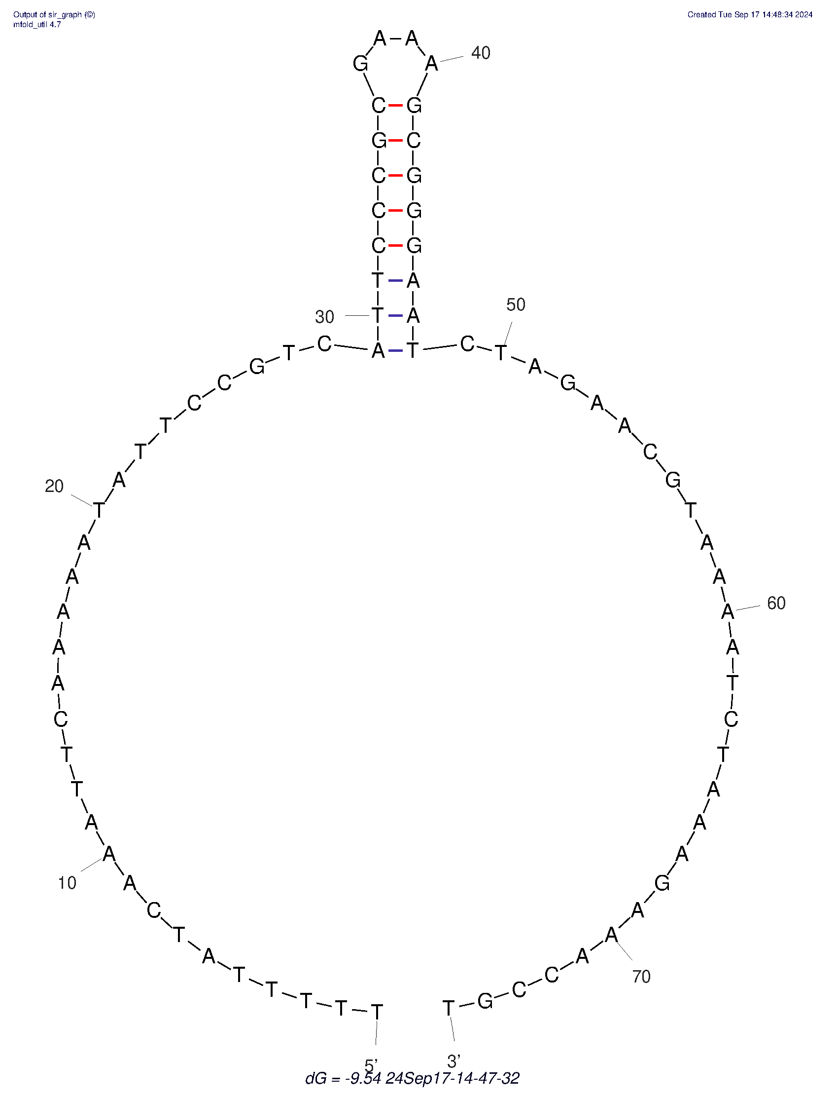 | A19 | 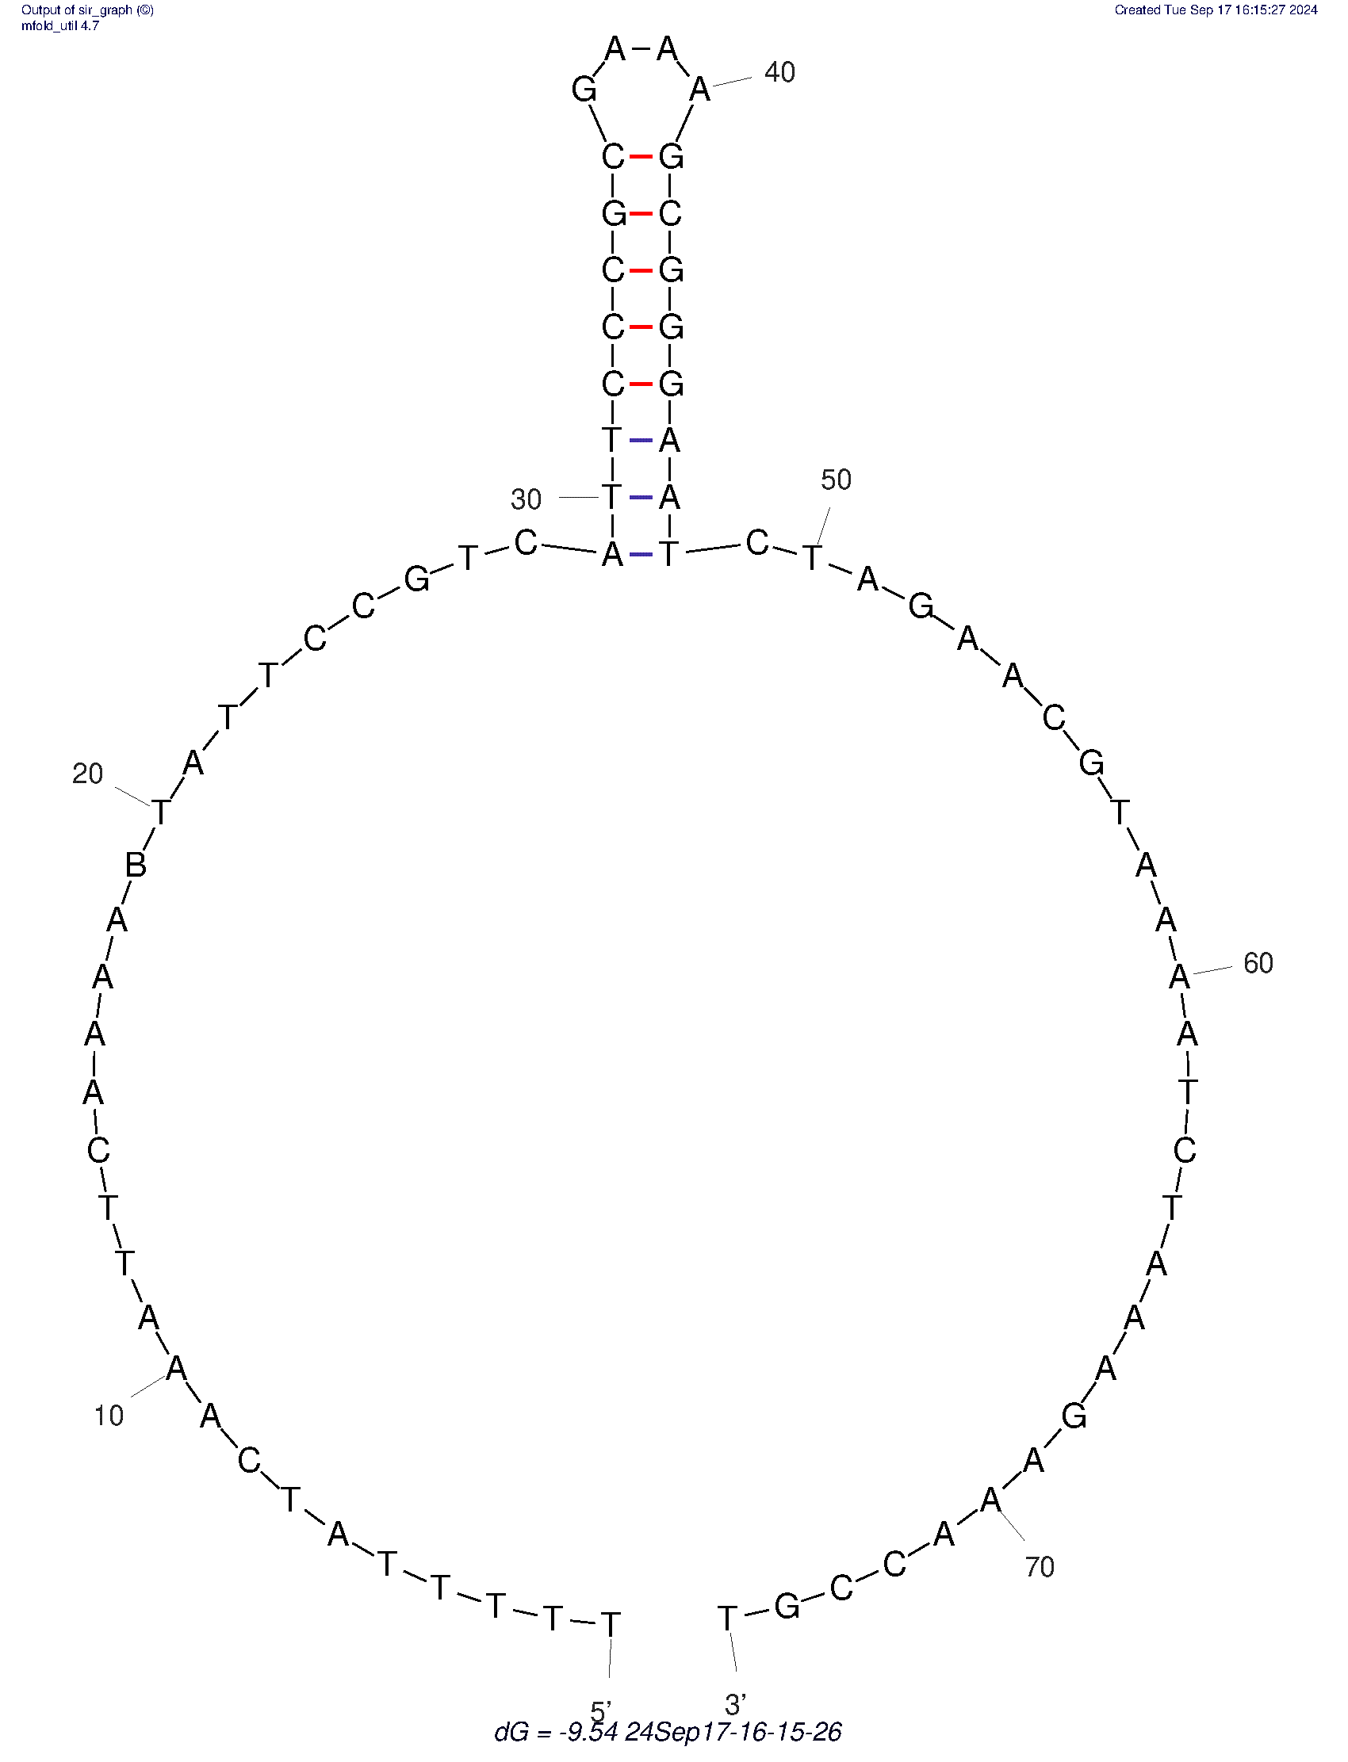
NTS75rev | 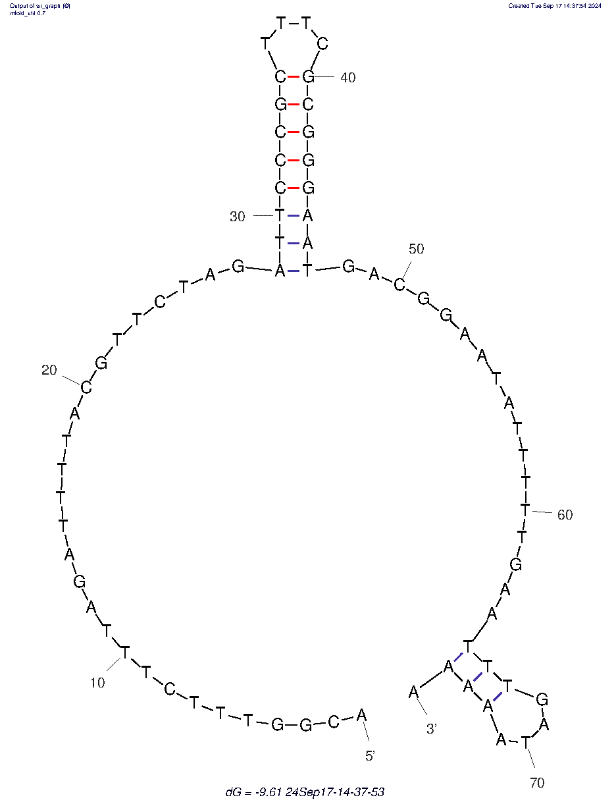 | T20 | 
NTS75-3’ | 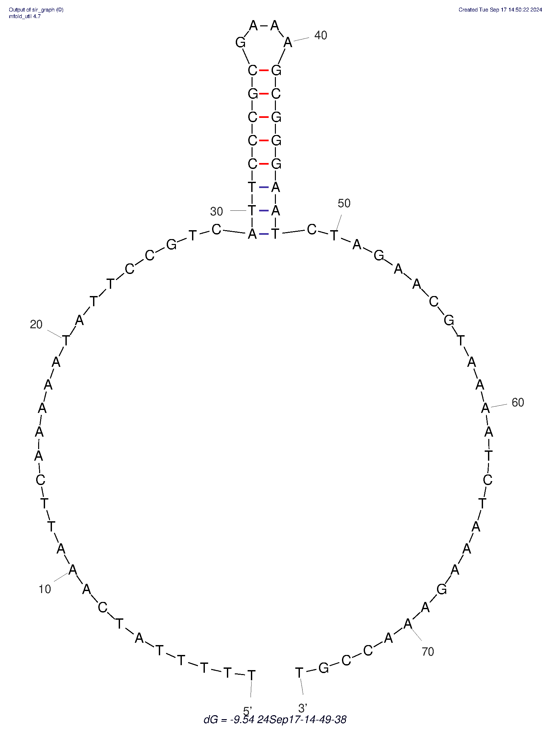 | T21 | 
NTS1 | 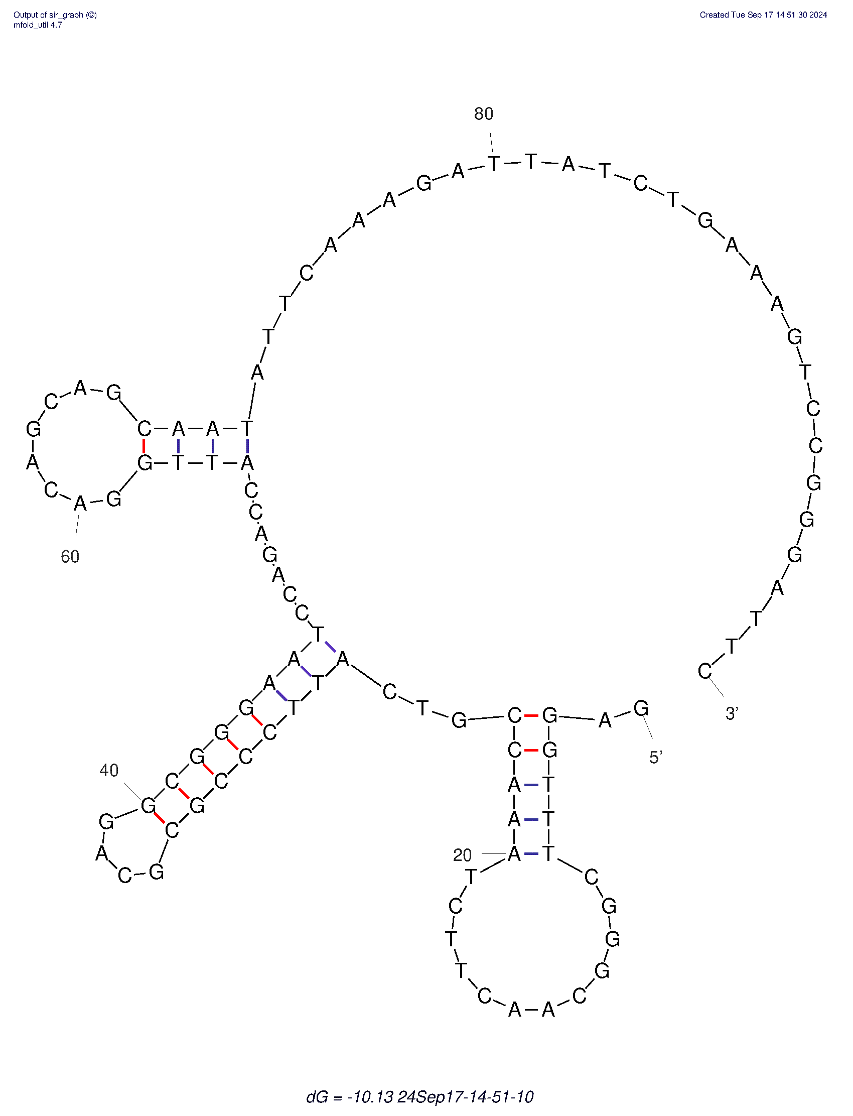 | T22 | 
NTS2 | 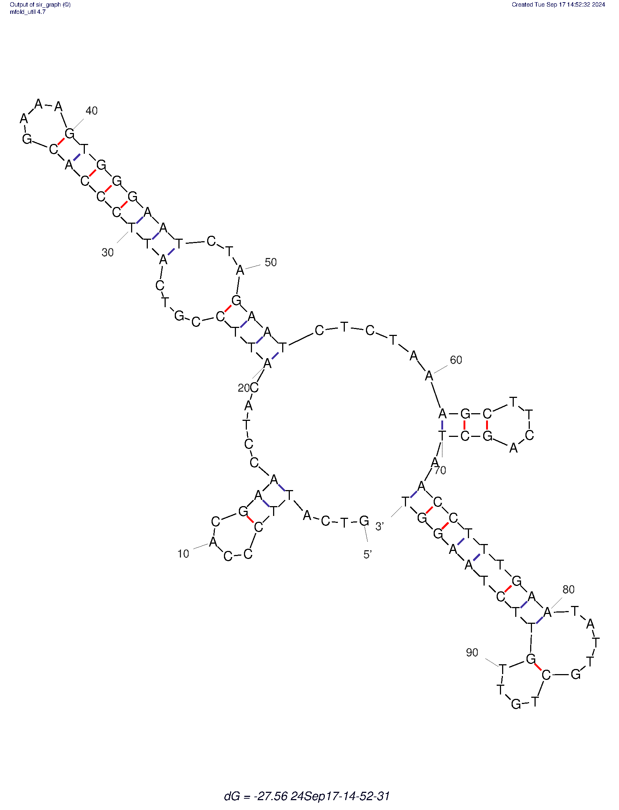 | T23 | 
NTS3 | 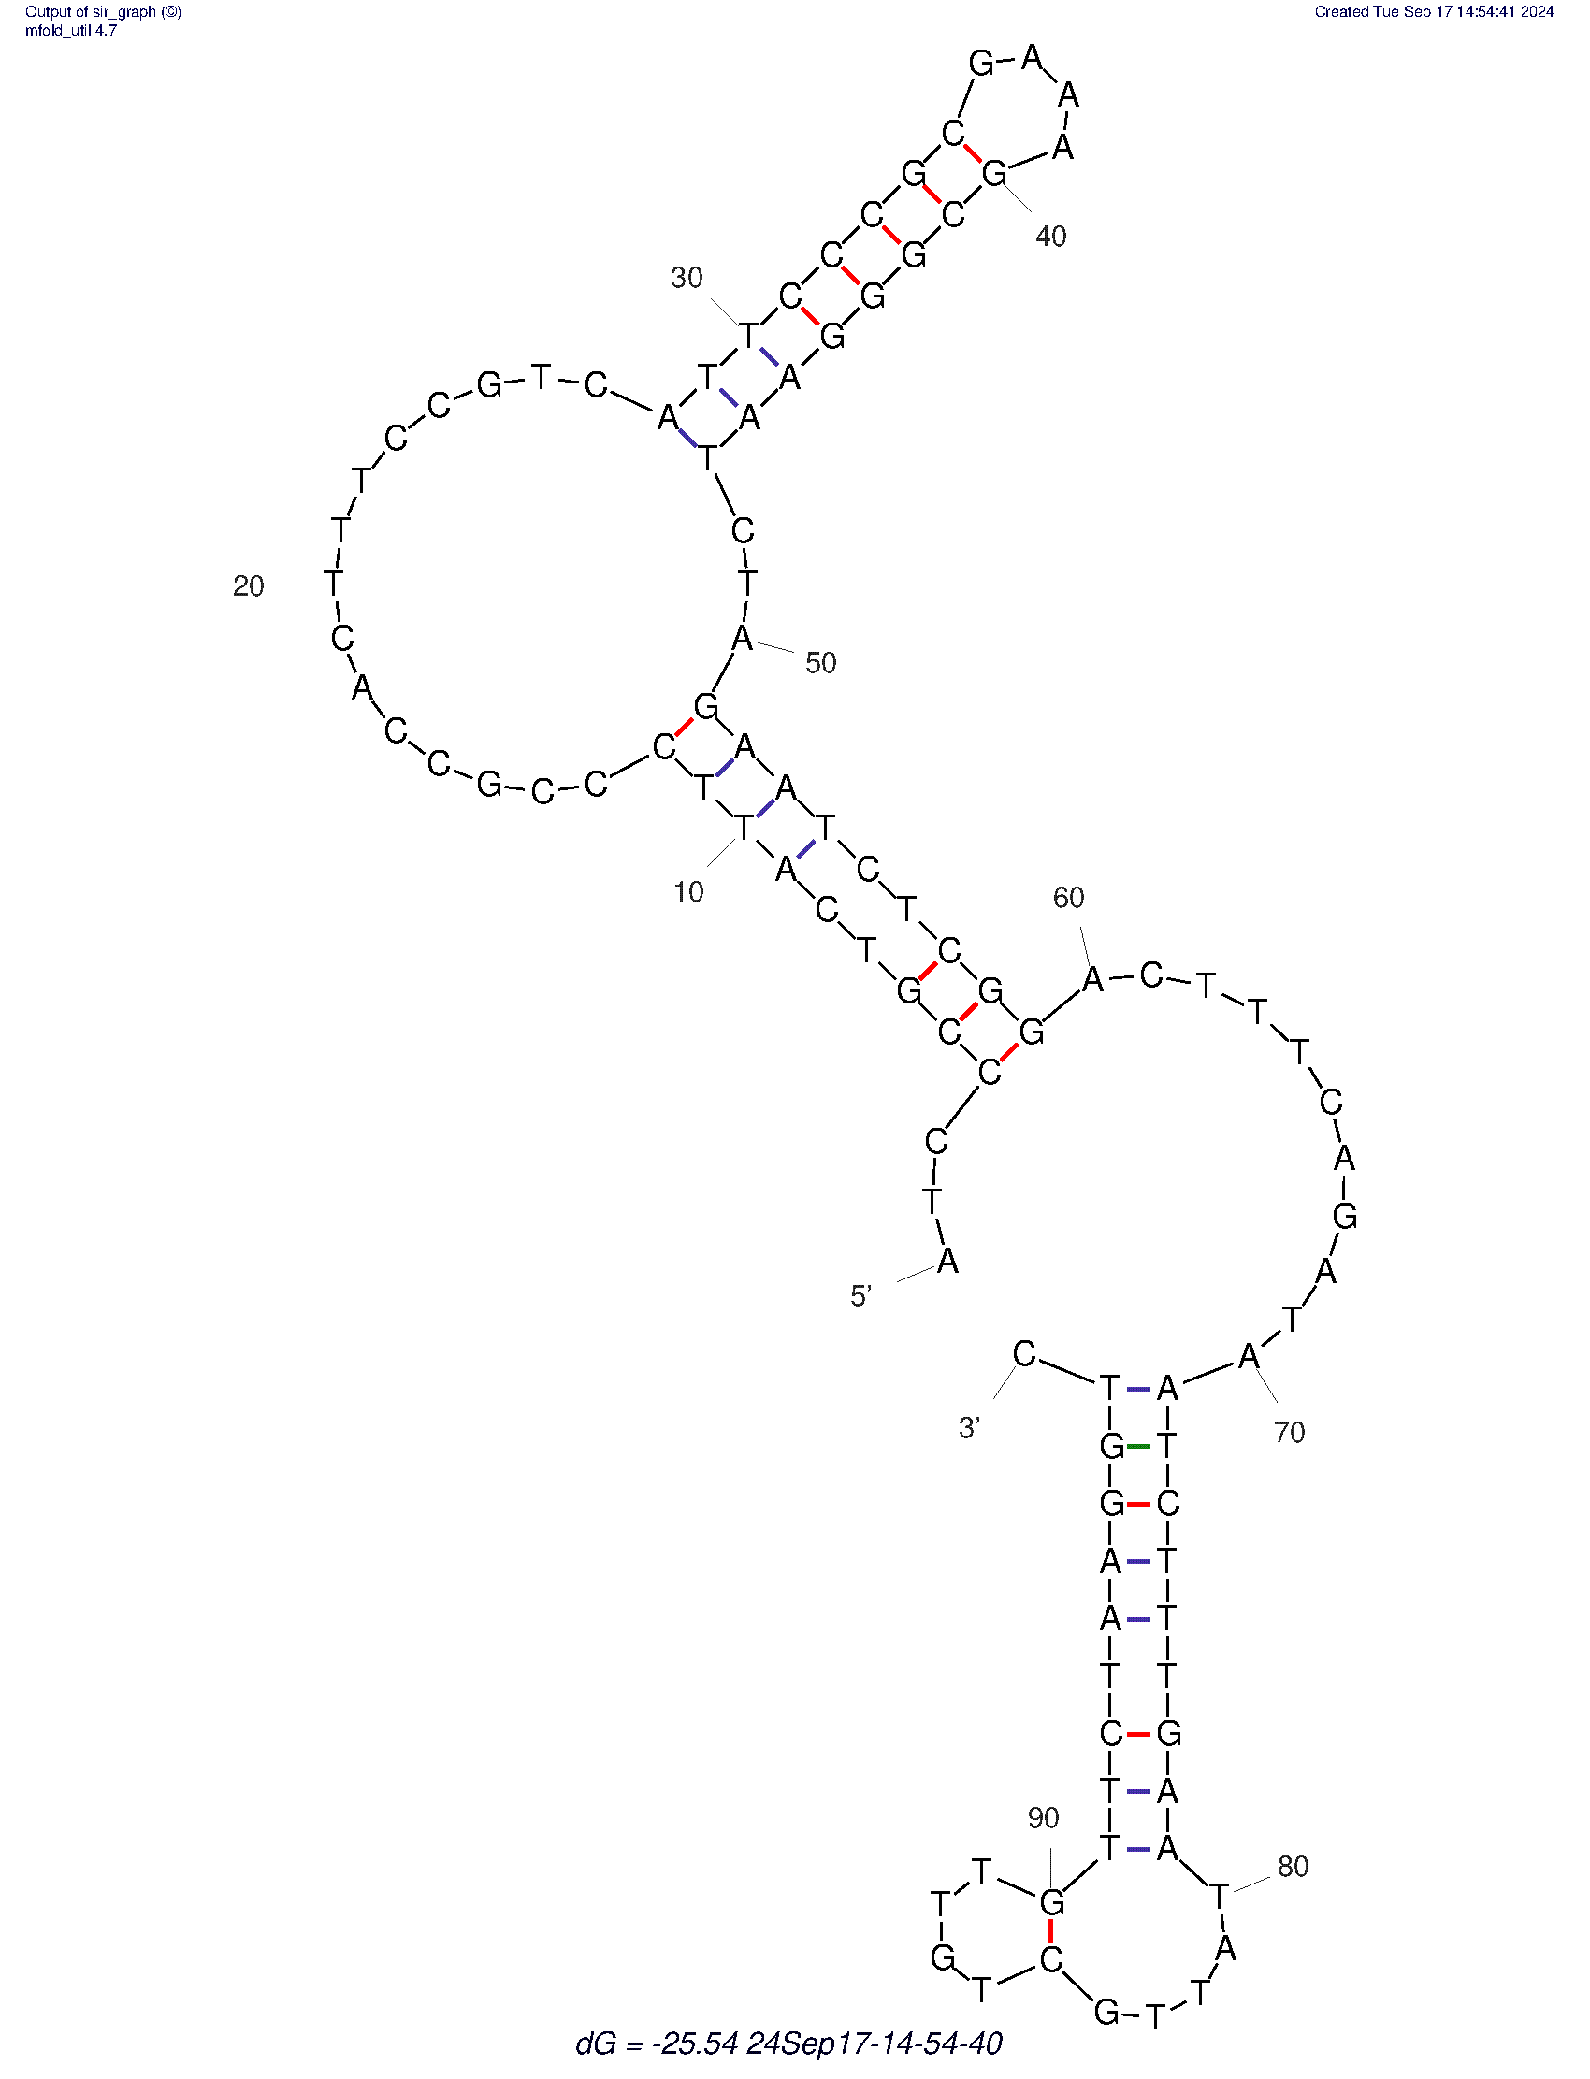 | C24 | 
NTS4 | 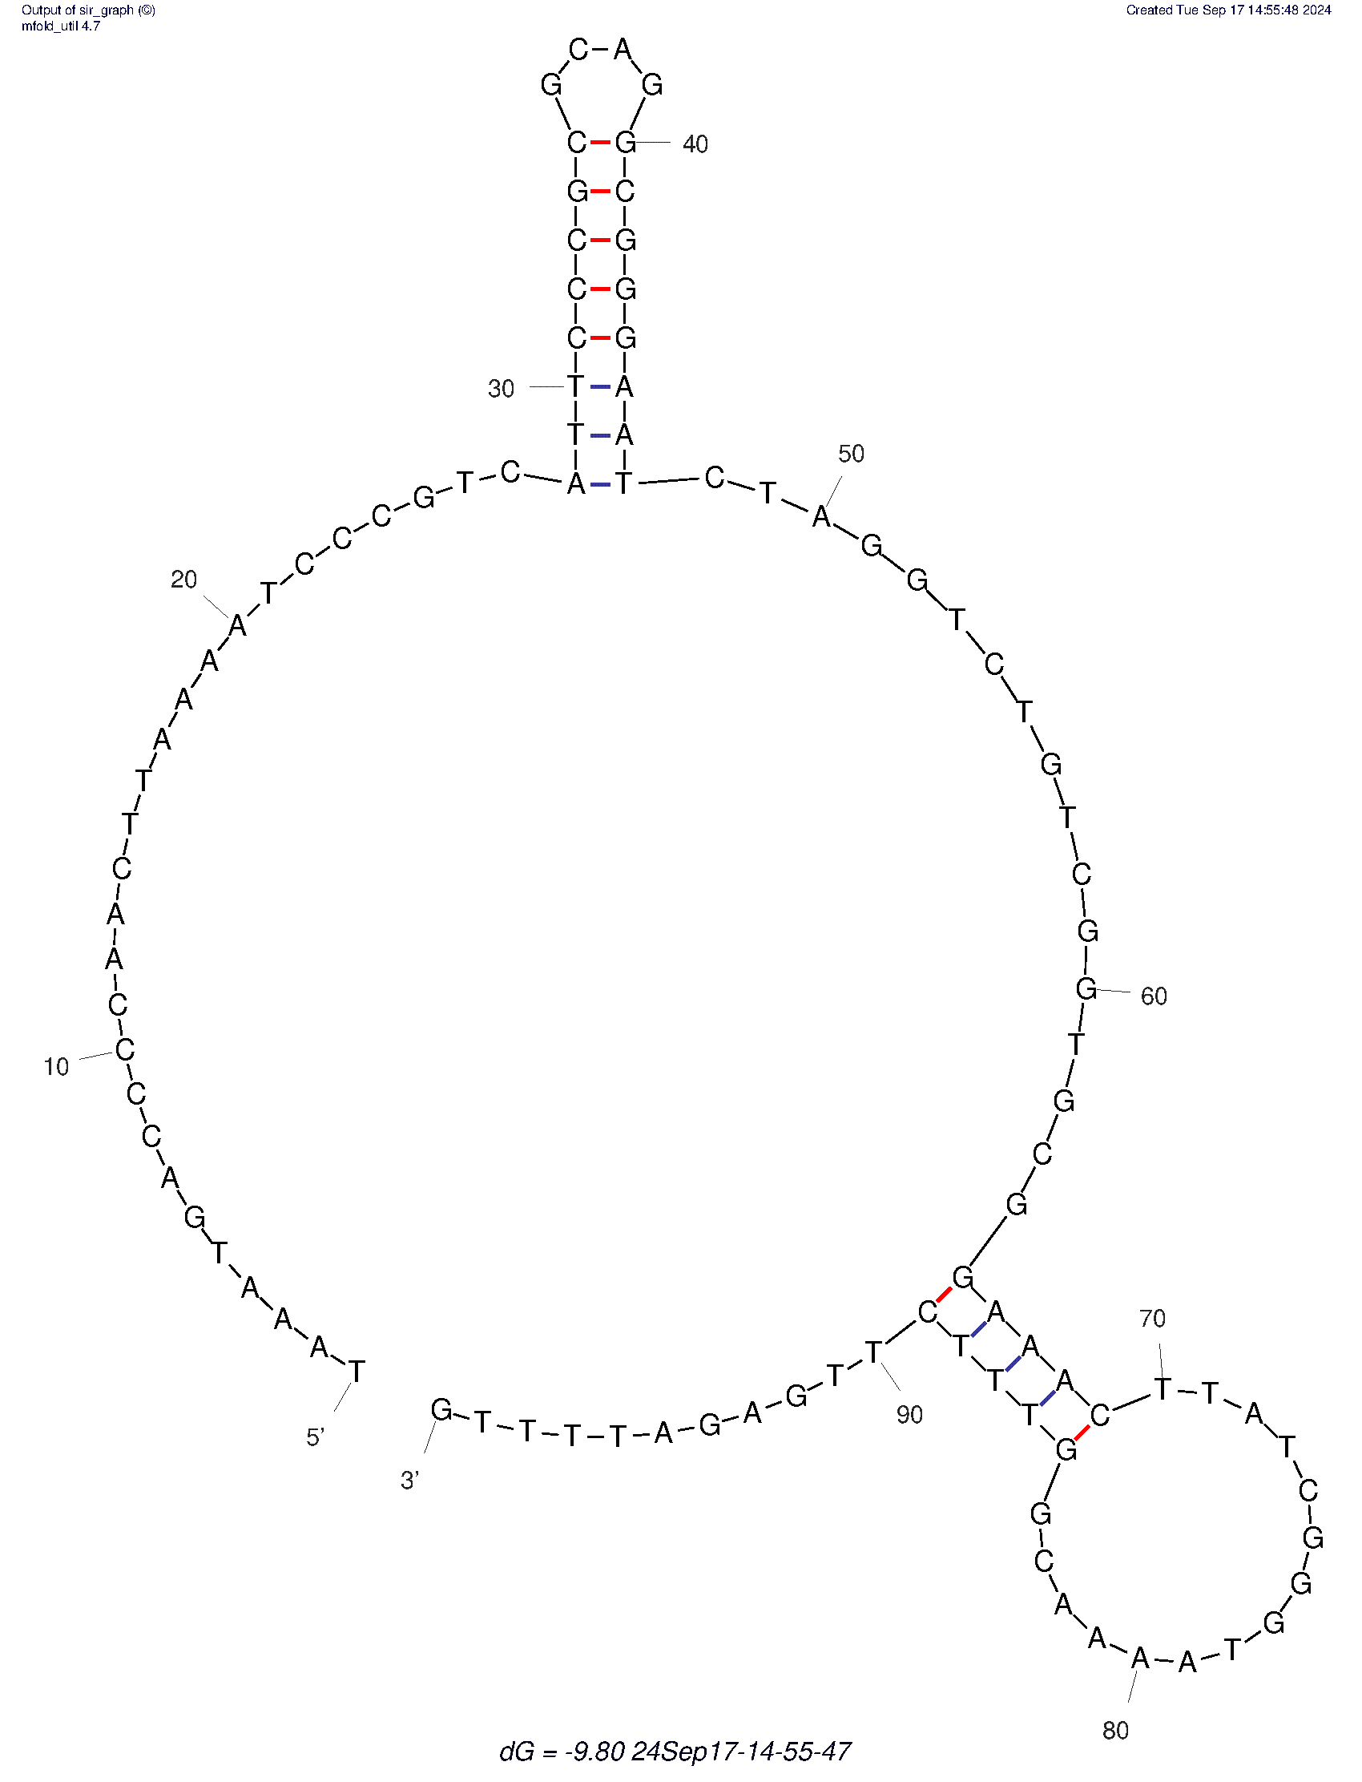 | C25 | 
NTS5 | 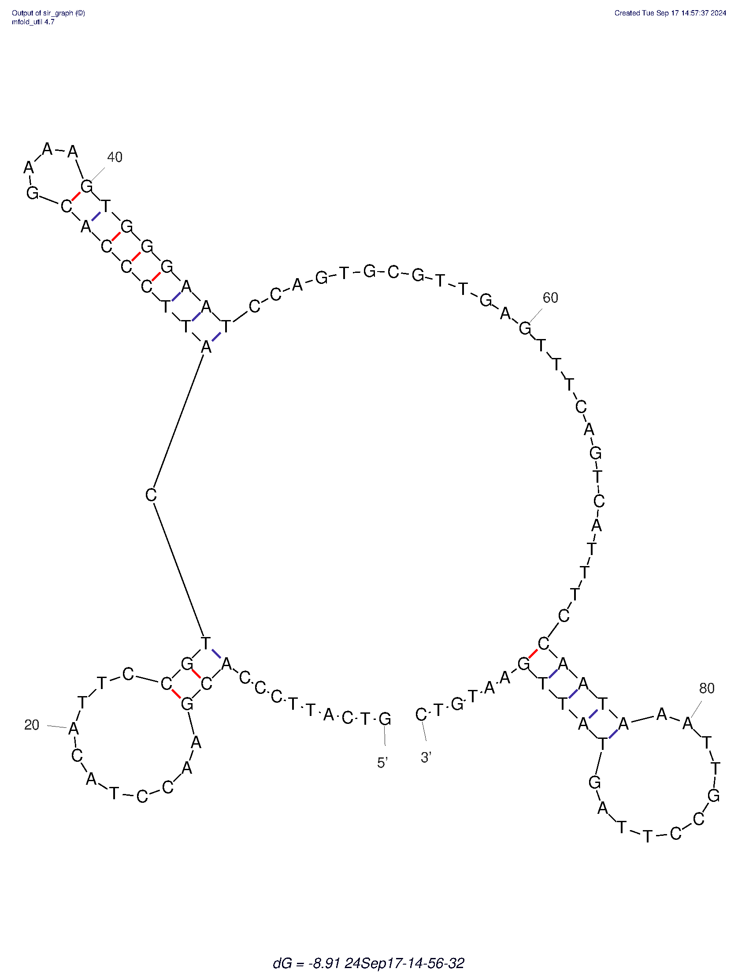 | G26 | 
NTS100 | 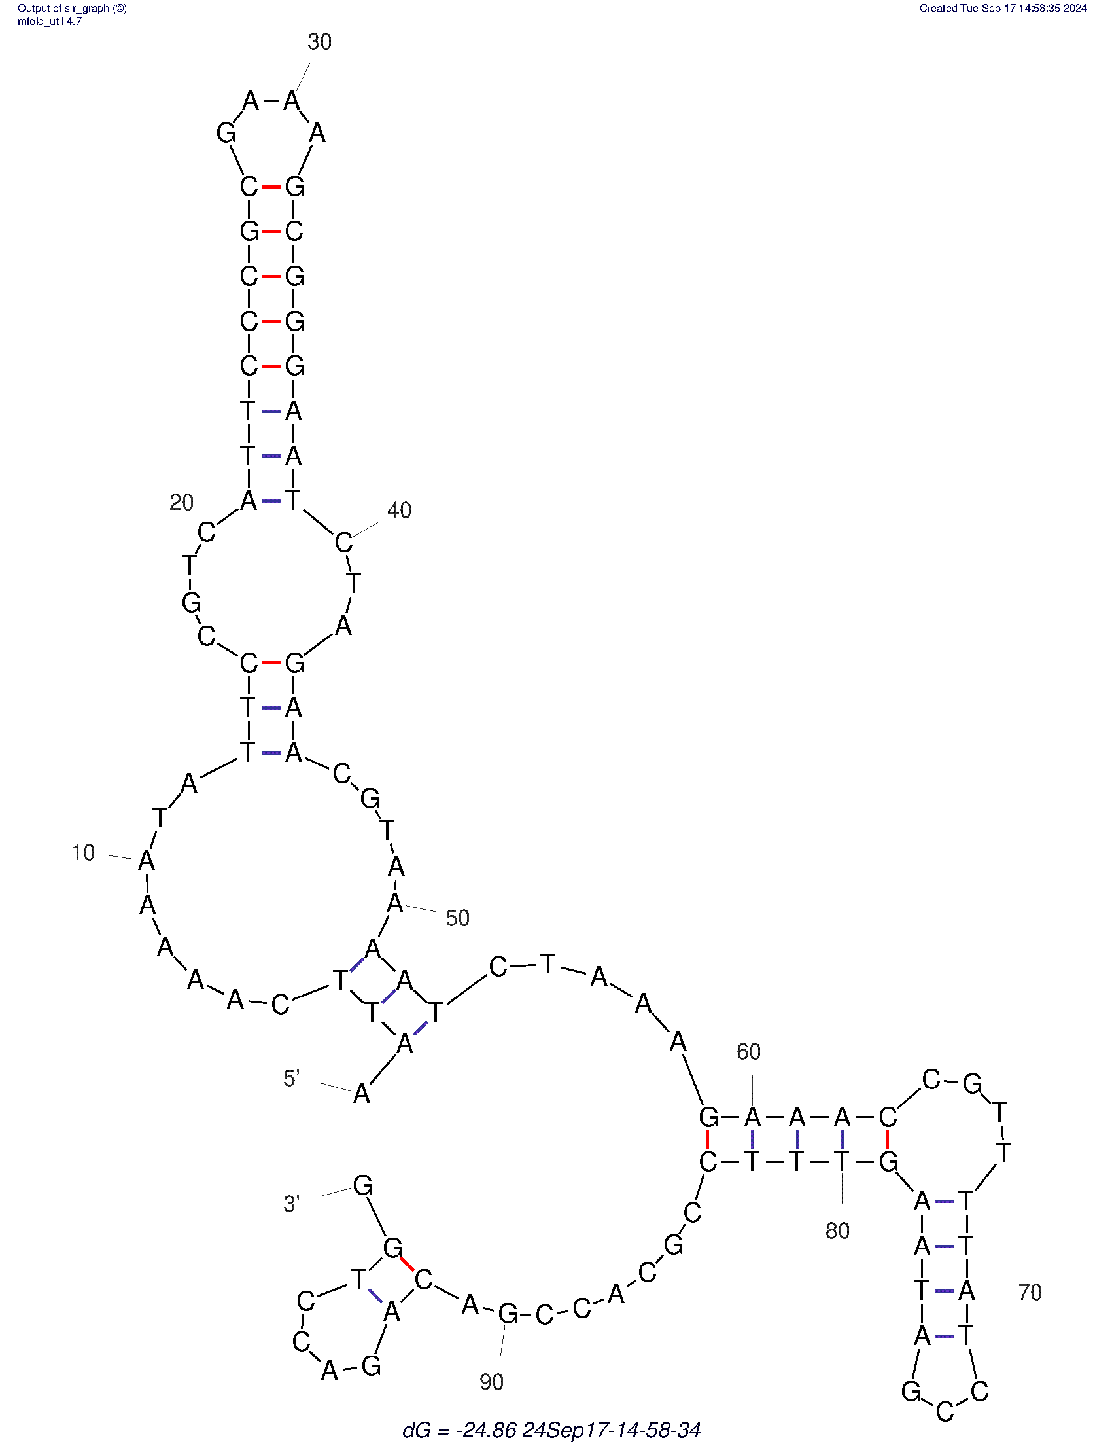 | T27 | 
NTS37 | 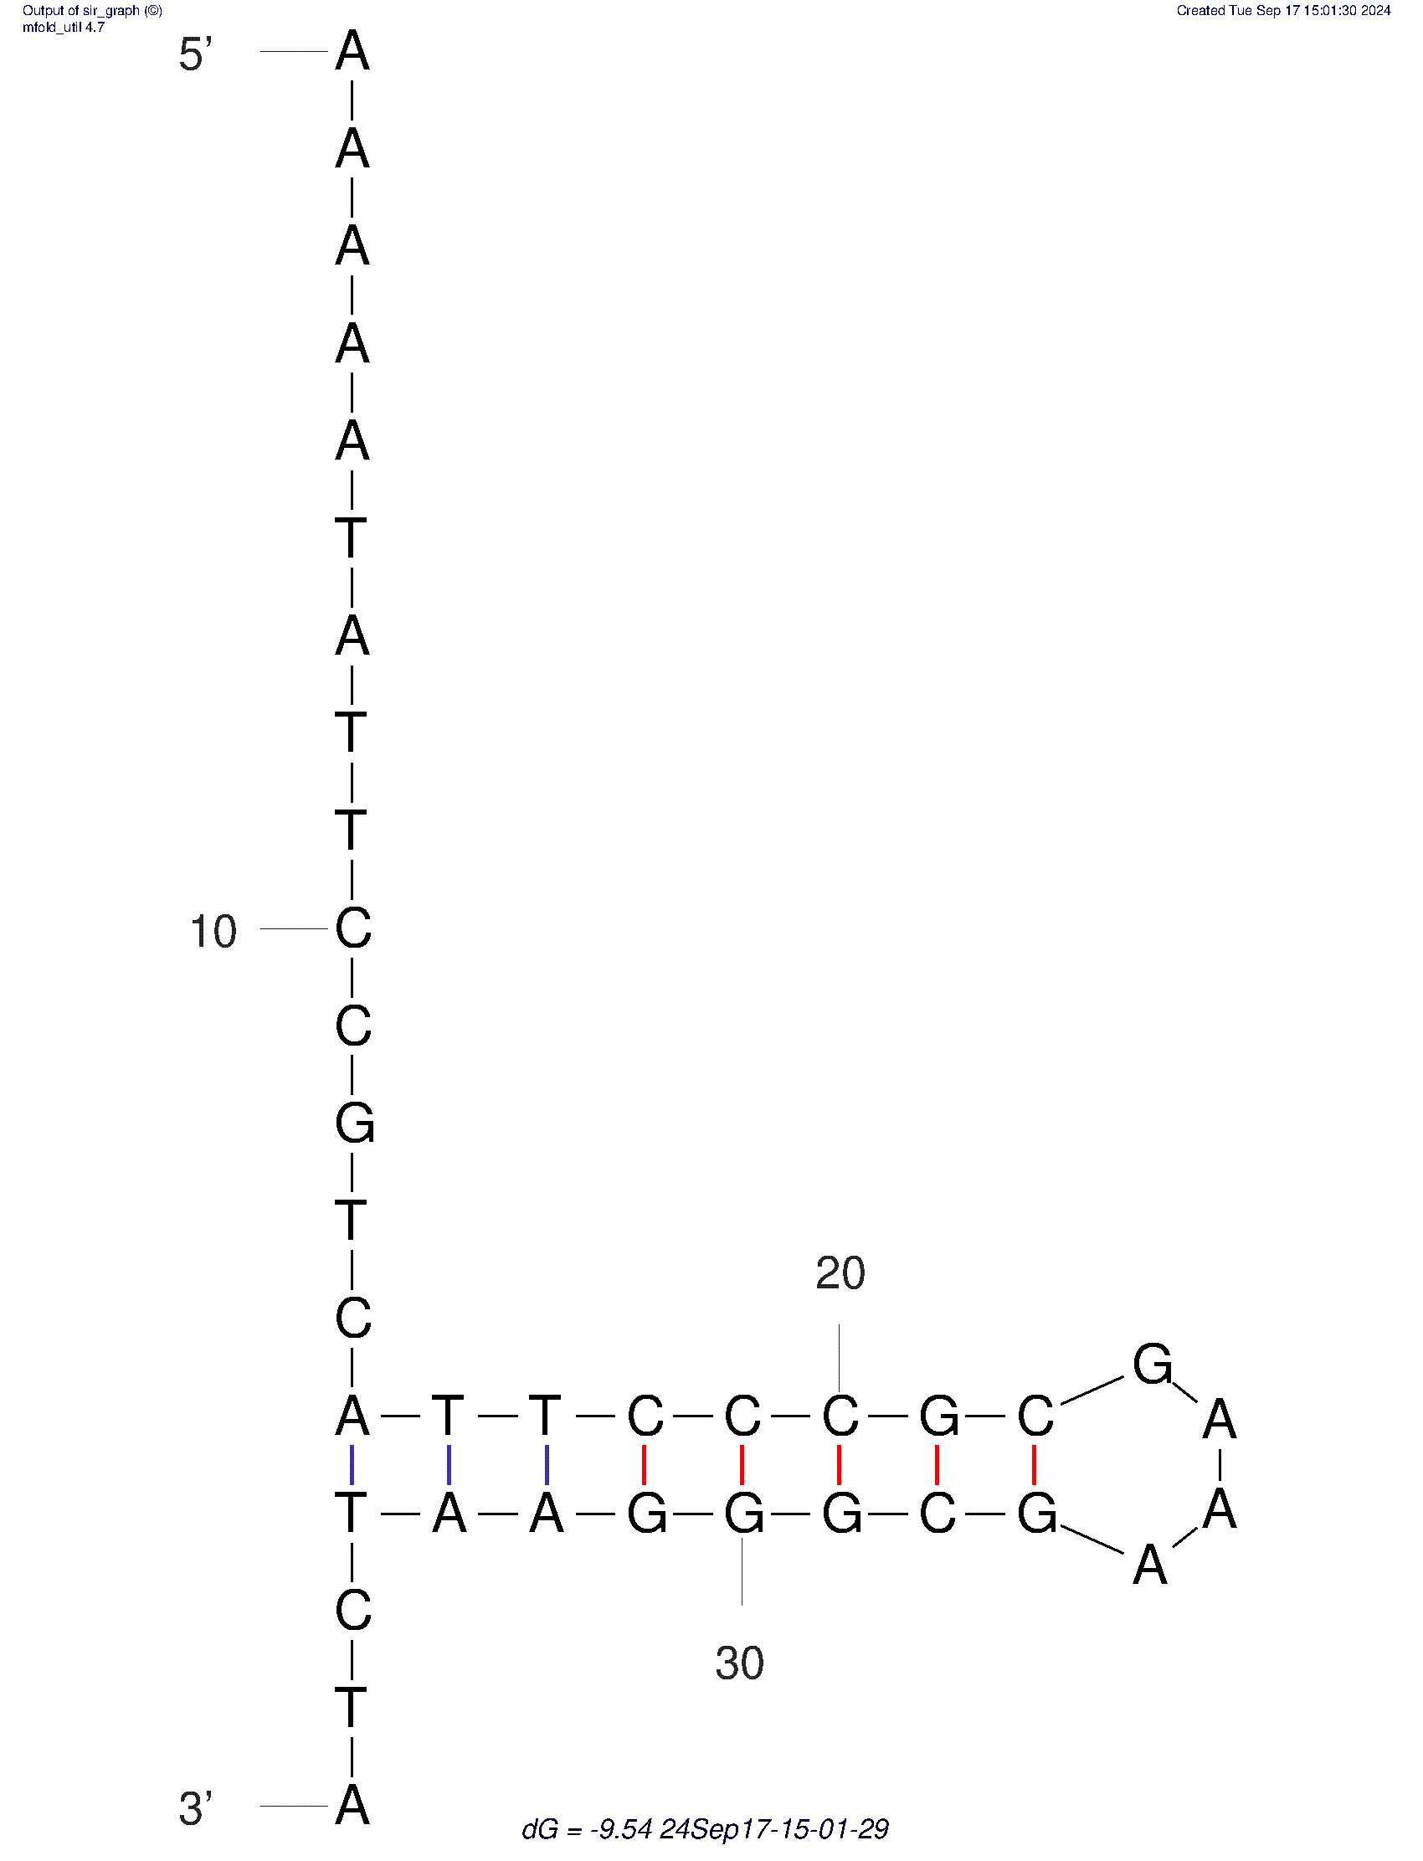 | C28 | 
NTS28 | 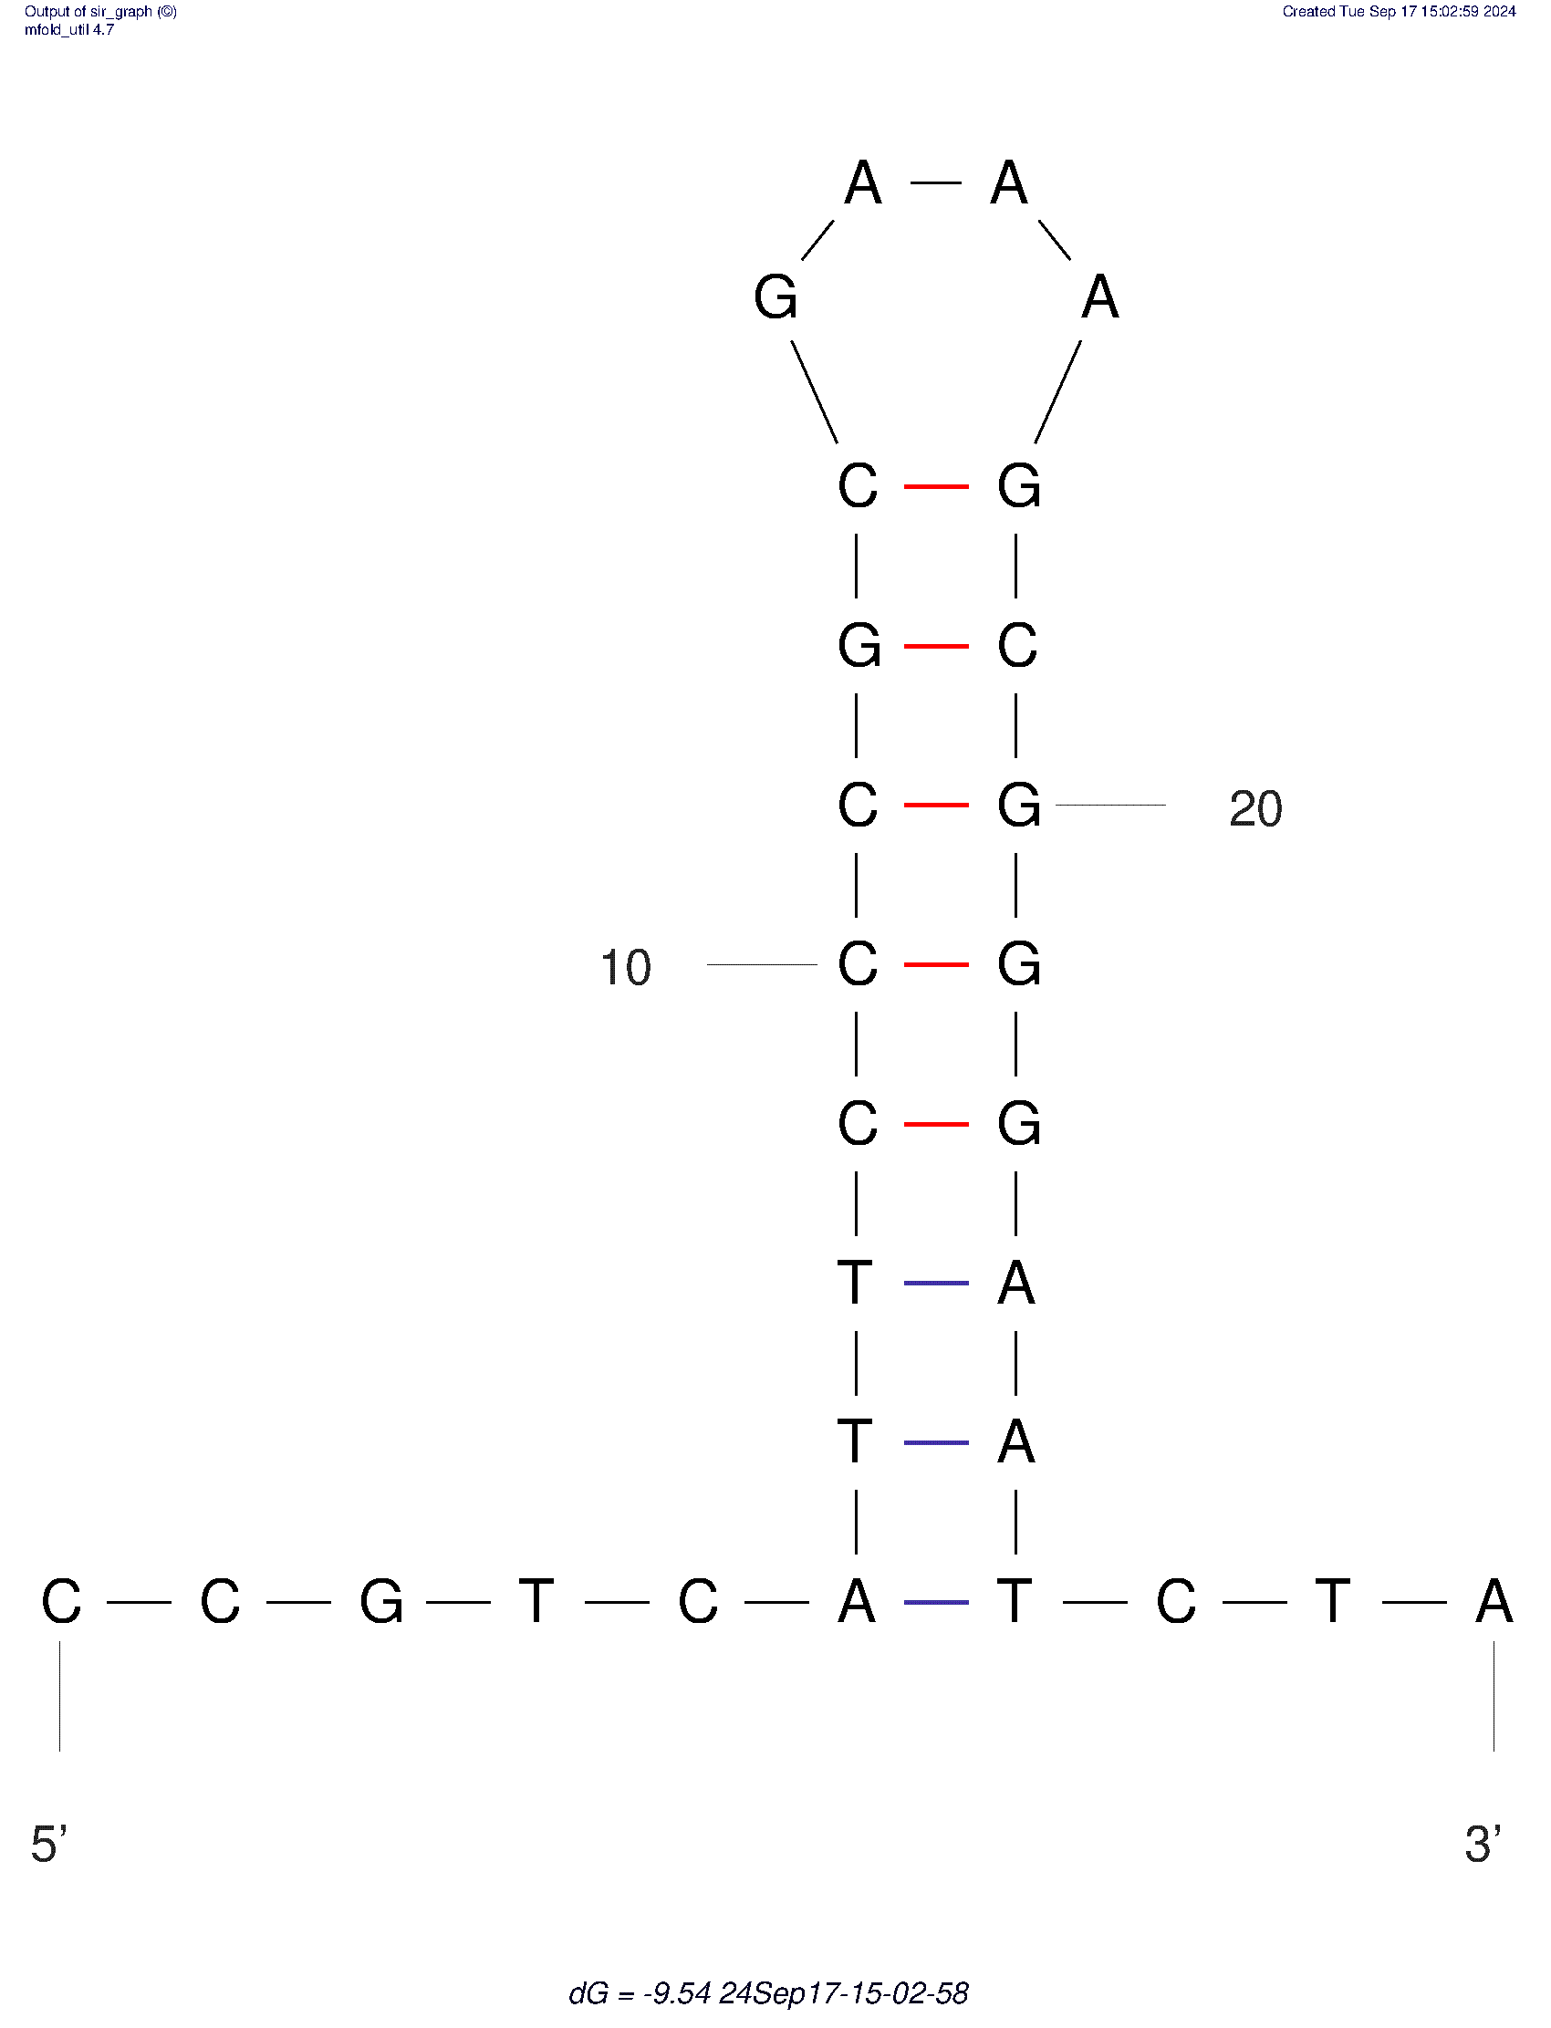 | A29 | 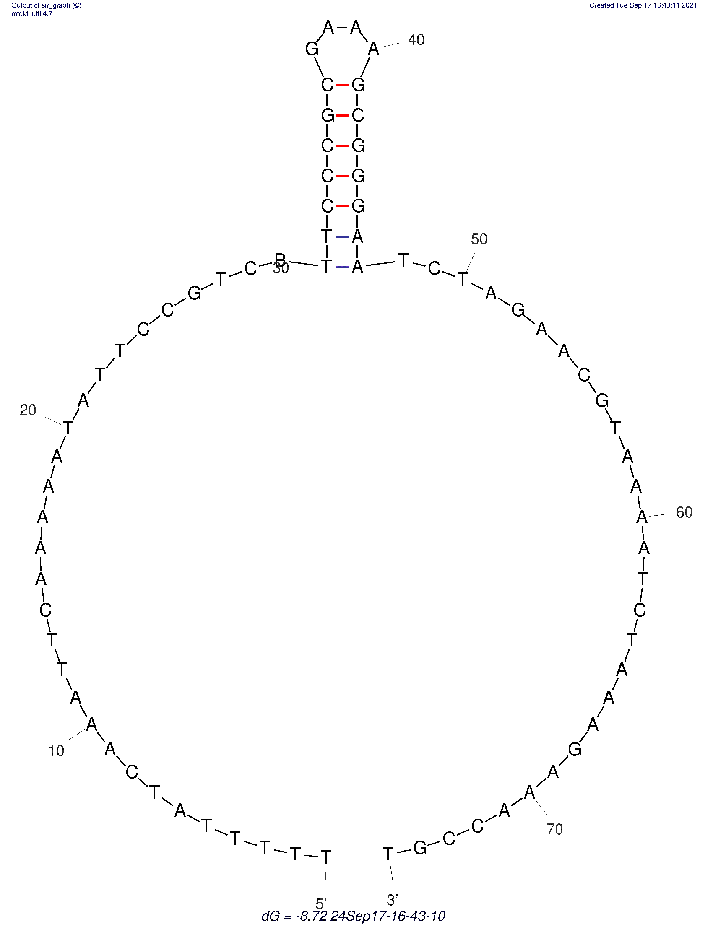
NTS37_RNA | 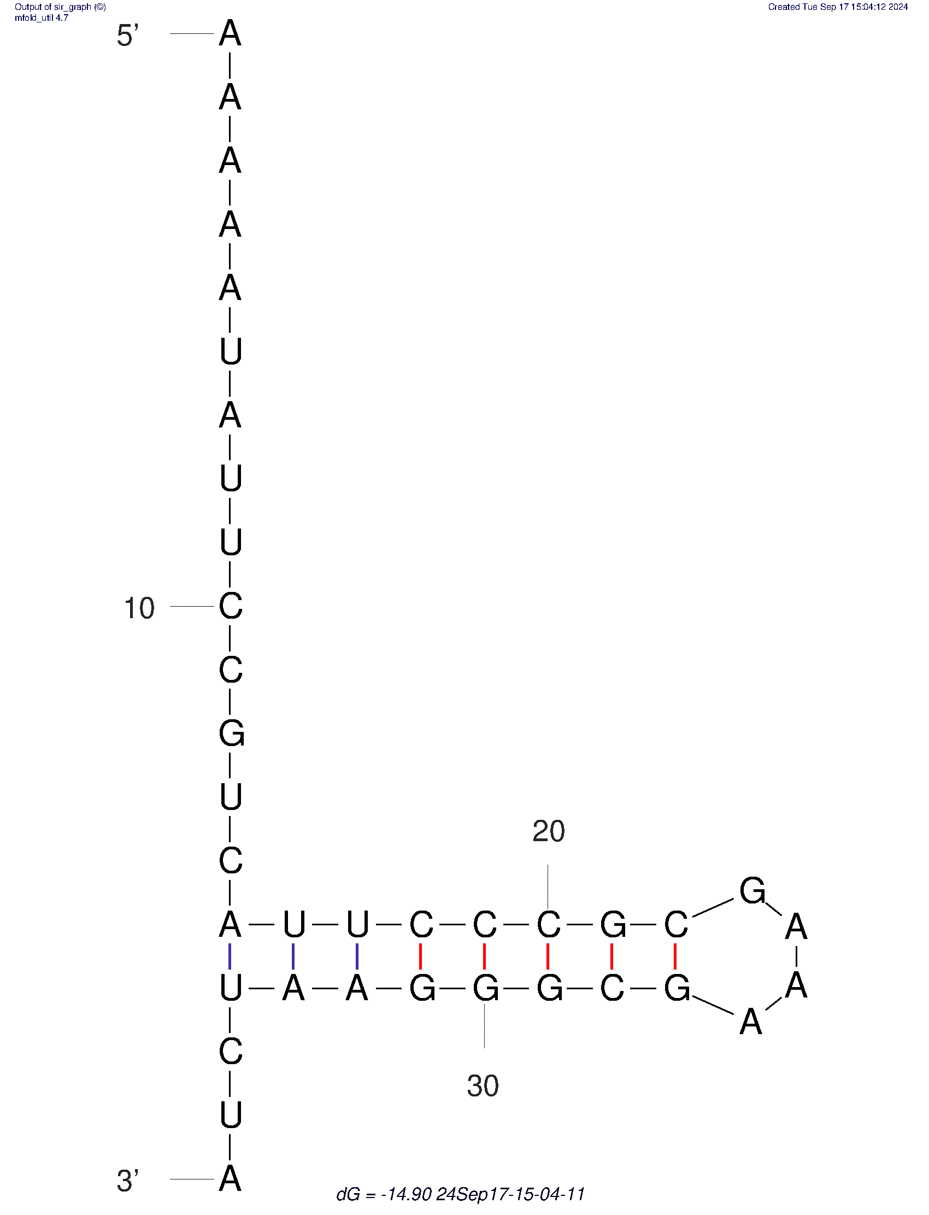 | T30 | 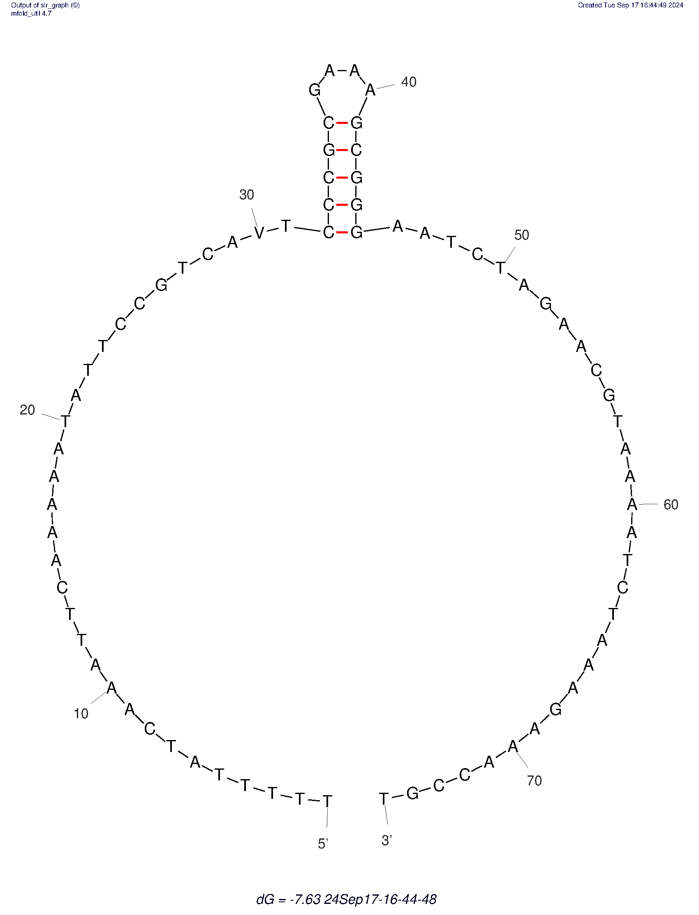
Cy5-NTS75 |  | T31 | 
Cy5-NTS75-G26A |  | C32 | 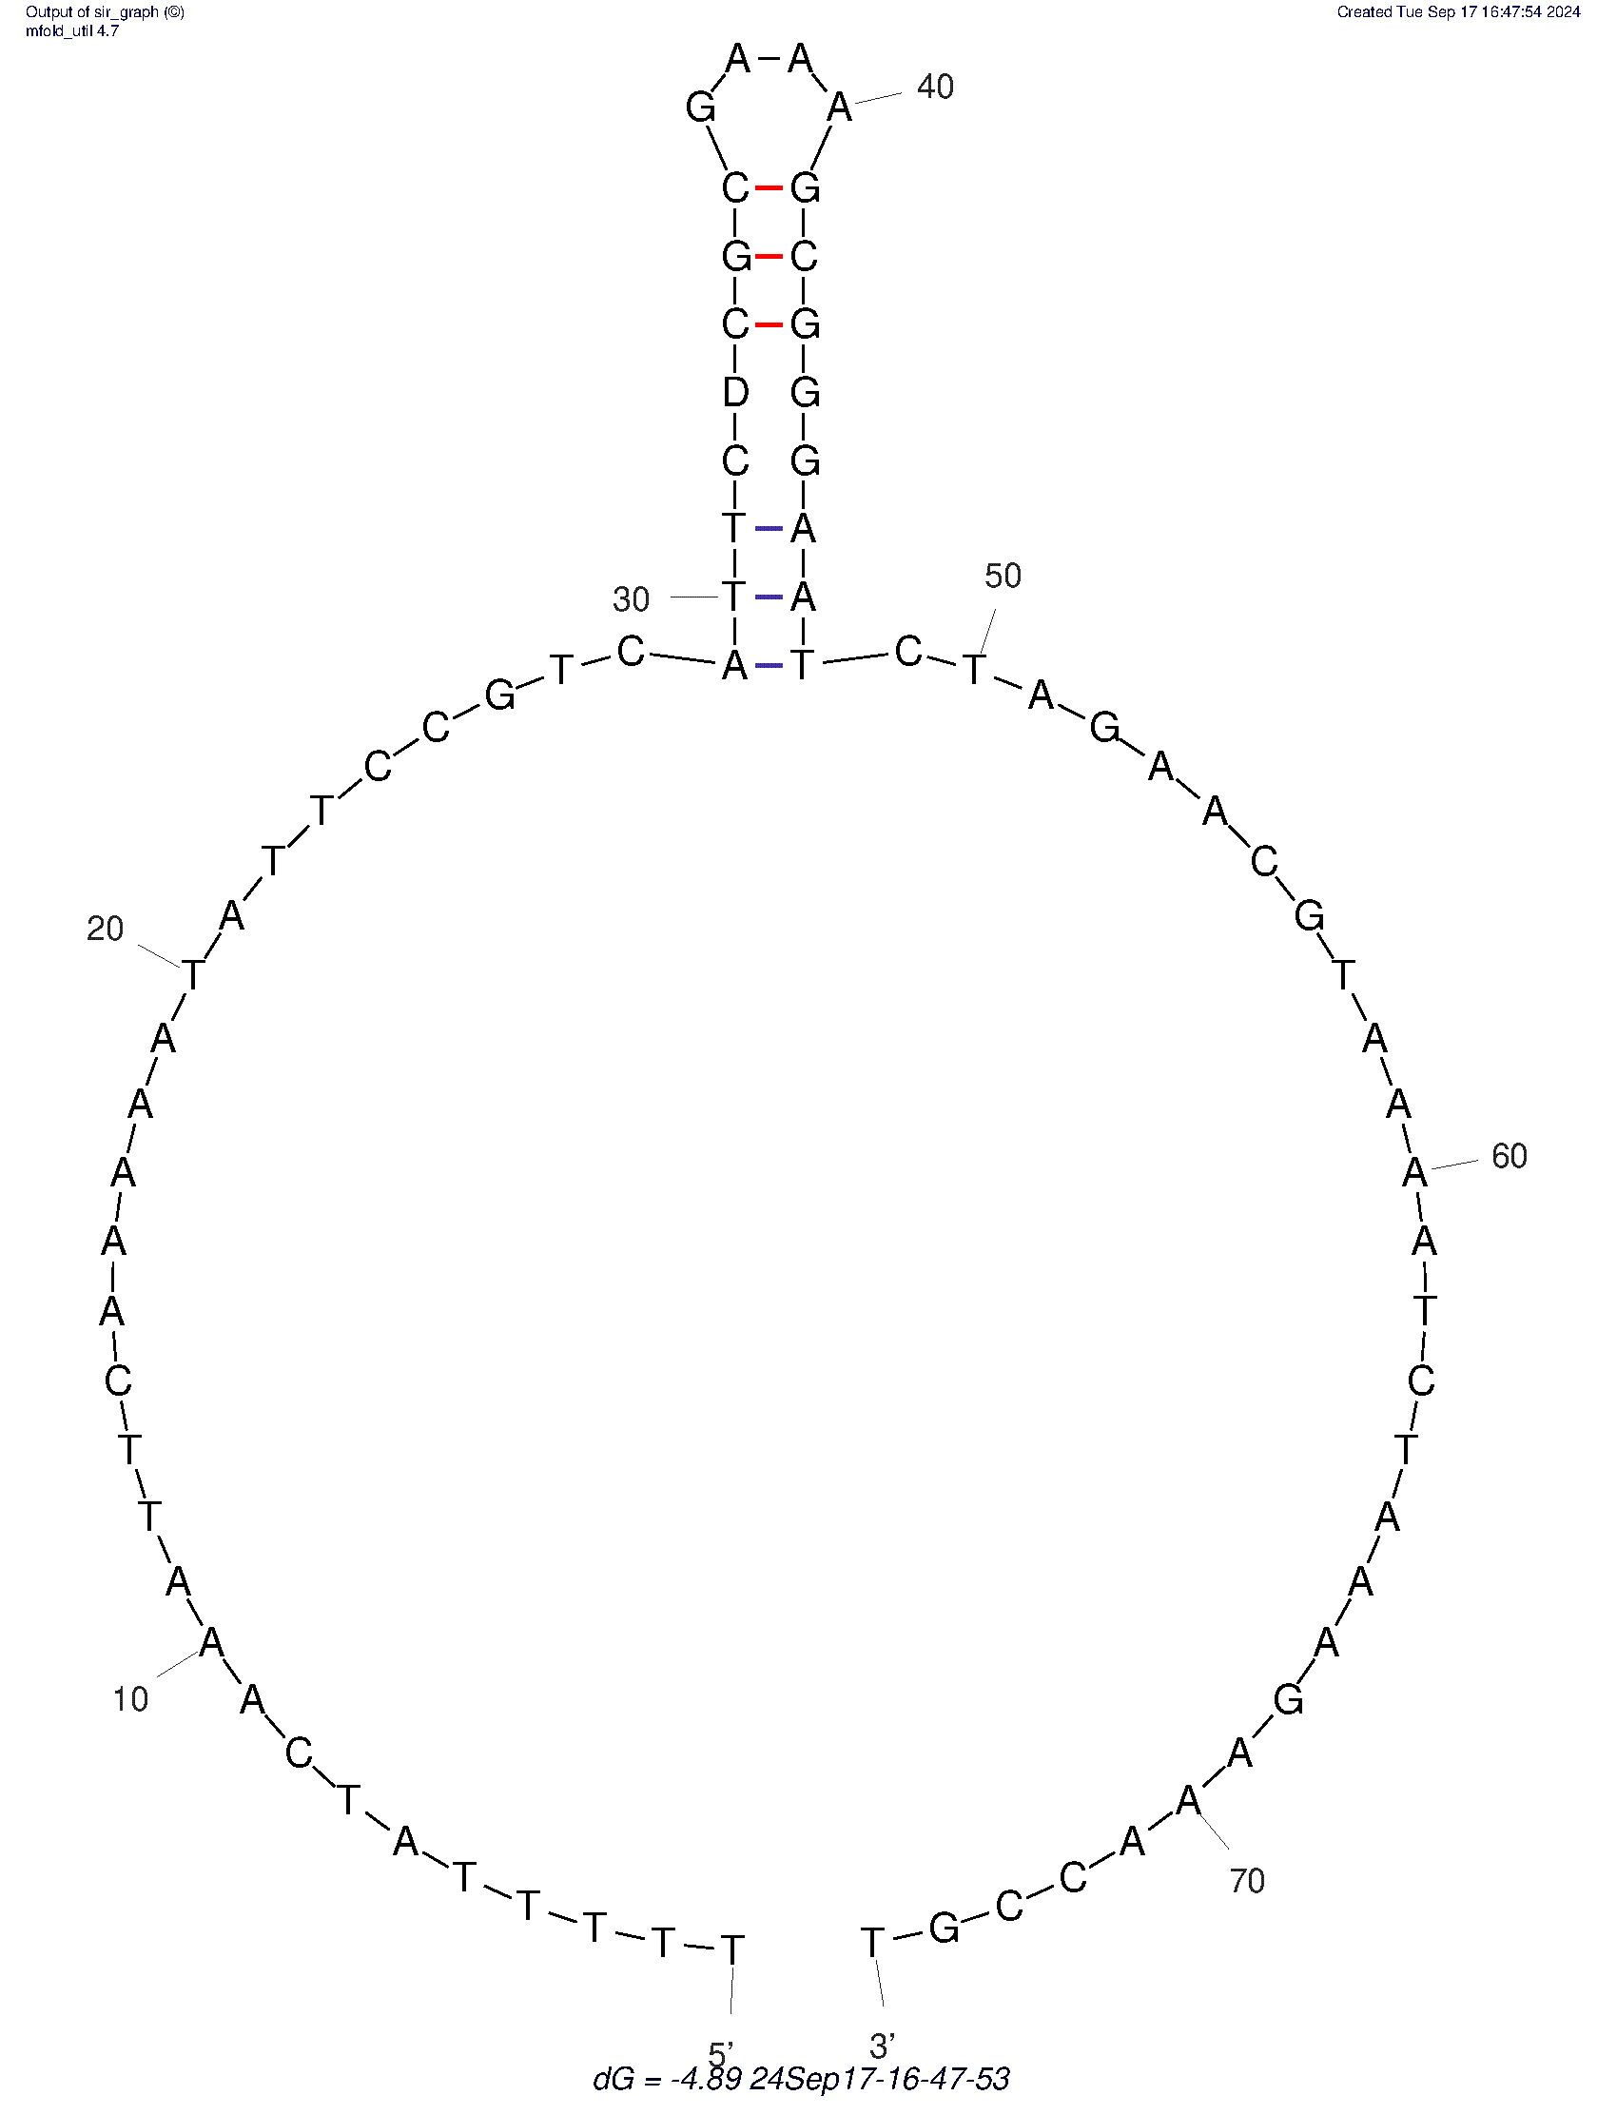
Cy5-NTS75-C49A |  | C33 | 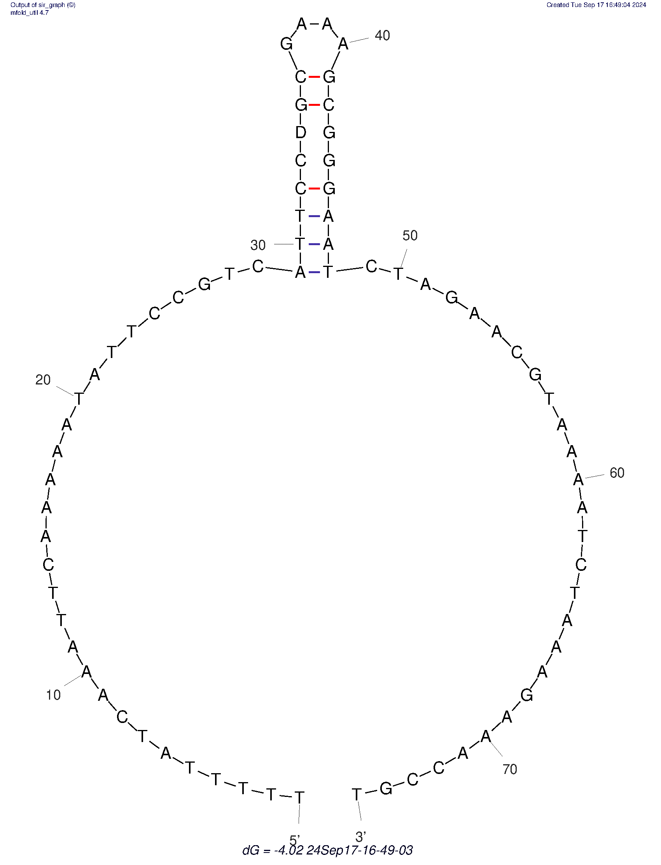
Cy5-NTS28 |  | C34 | 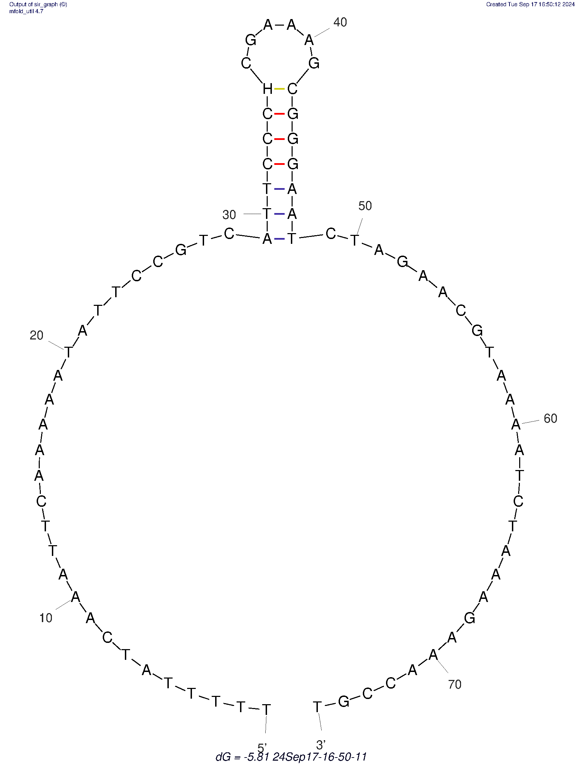
NTS_Nelon_F | 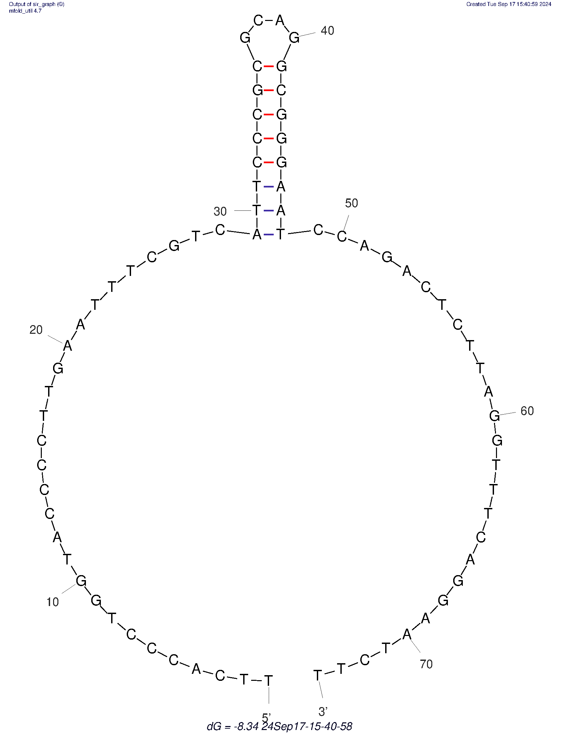 | G35 | 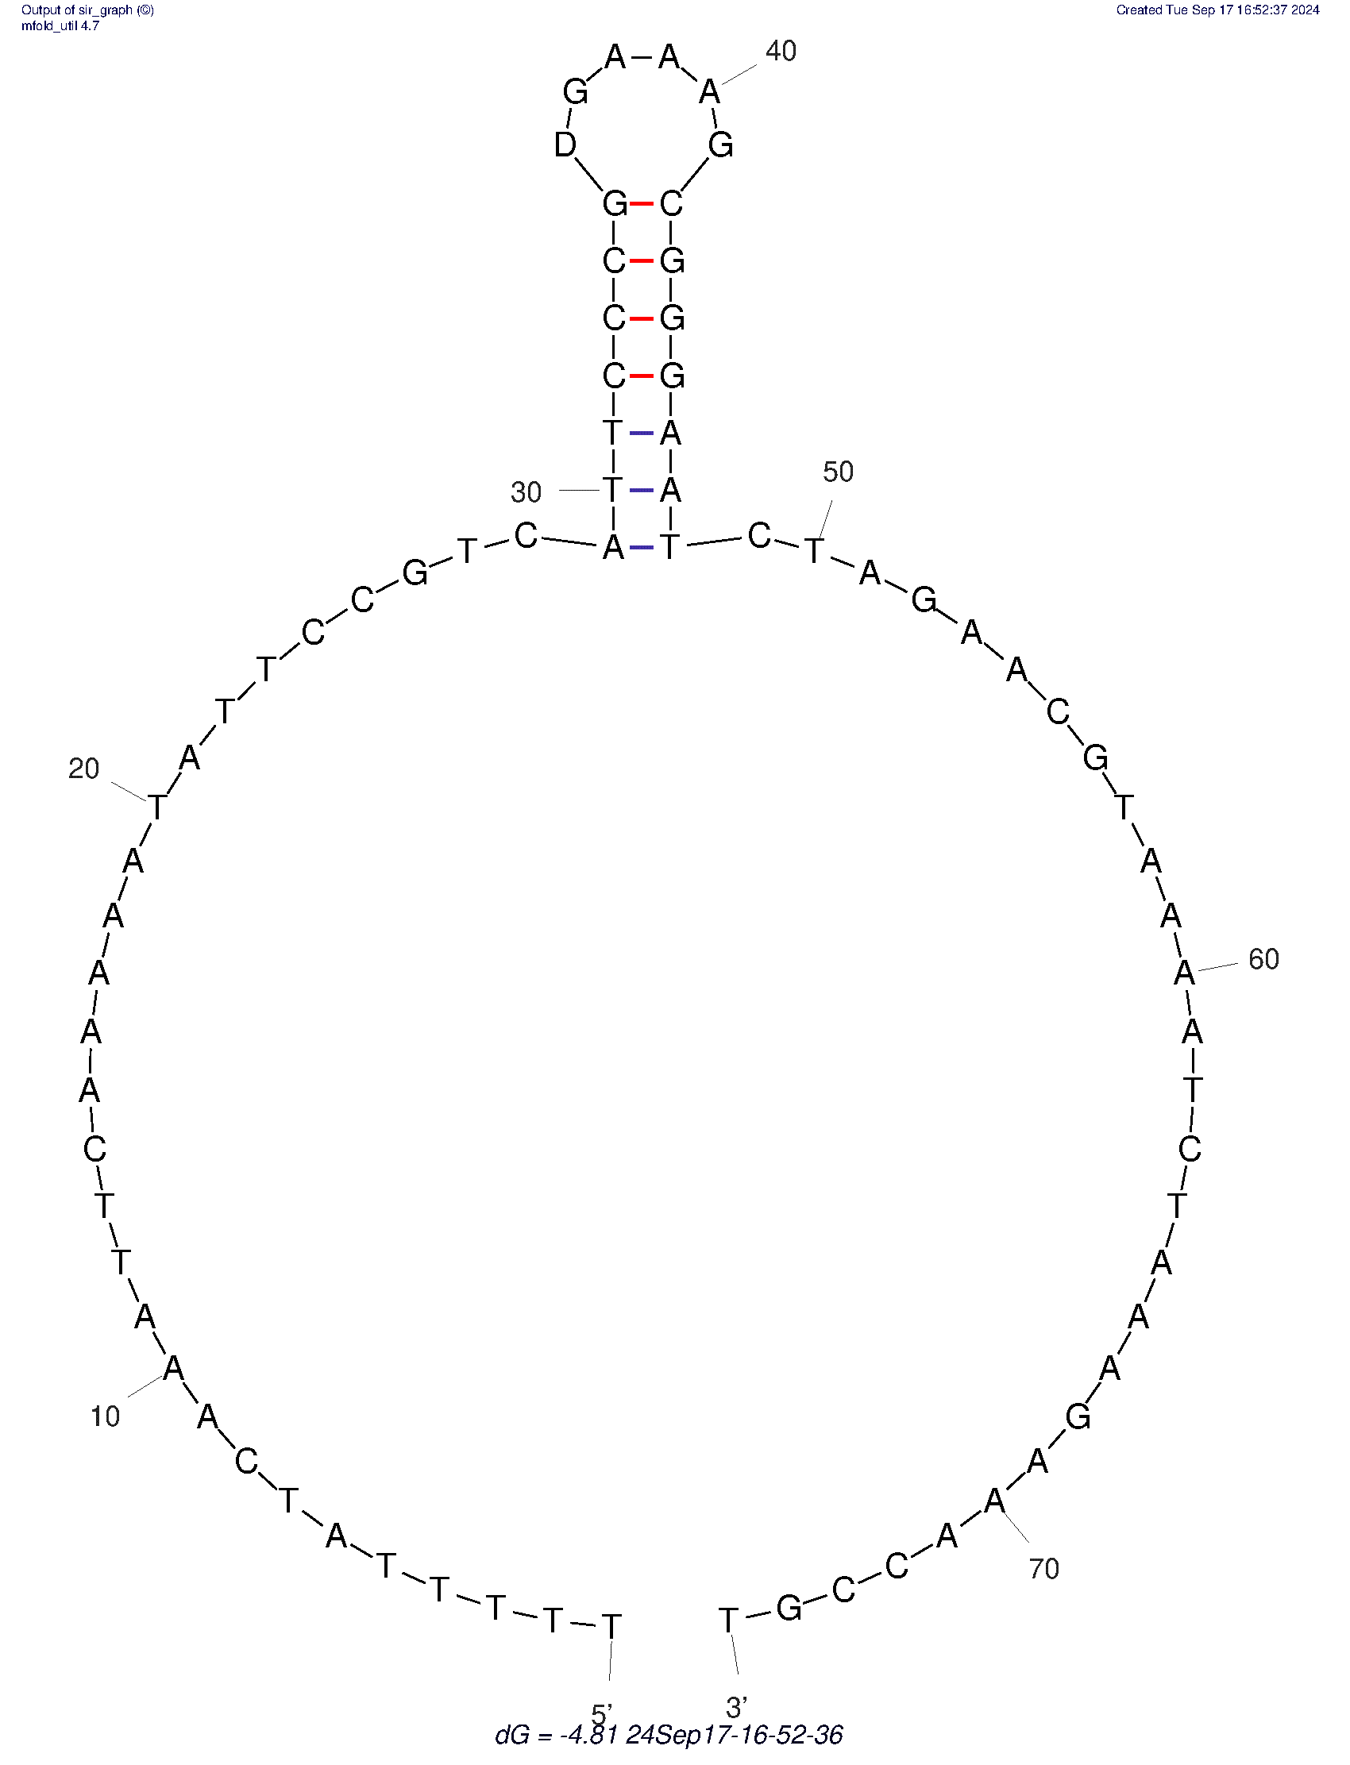
NTS_Nelon_R | 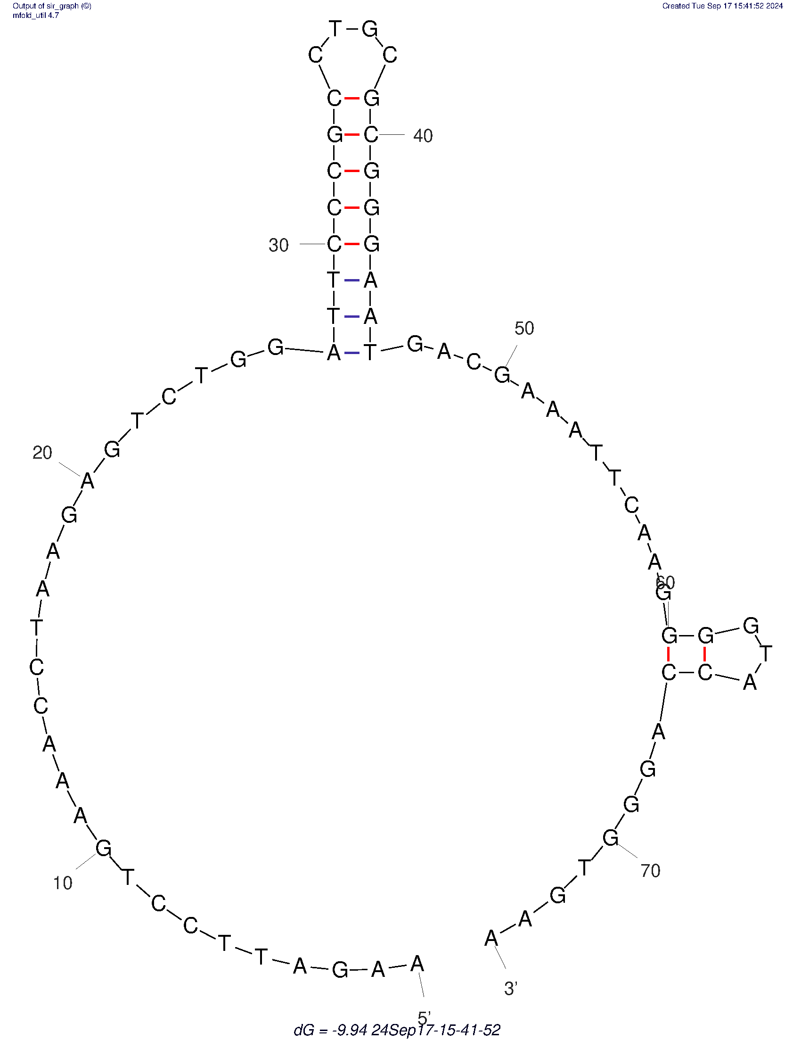 | C36 | 
RS75HPmod1 |  | A39 | 
NTSvar_F | 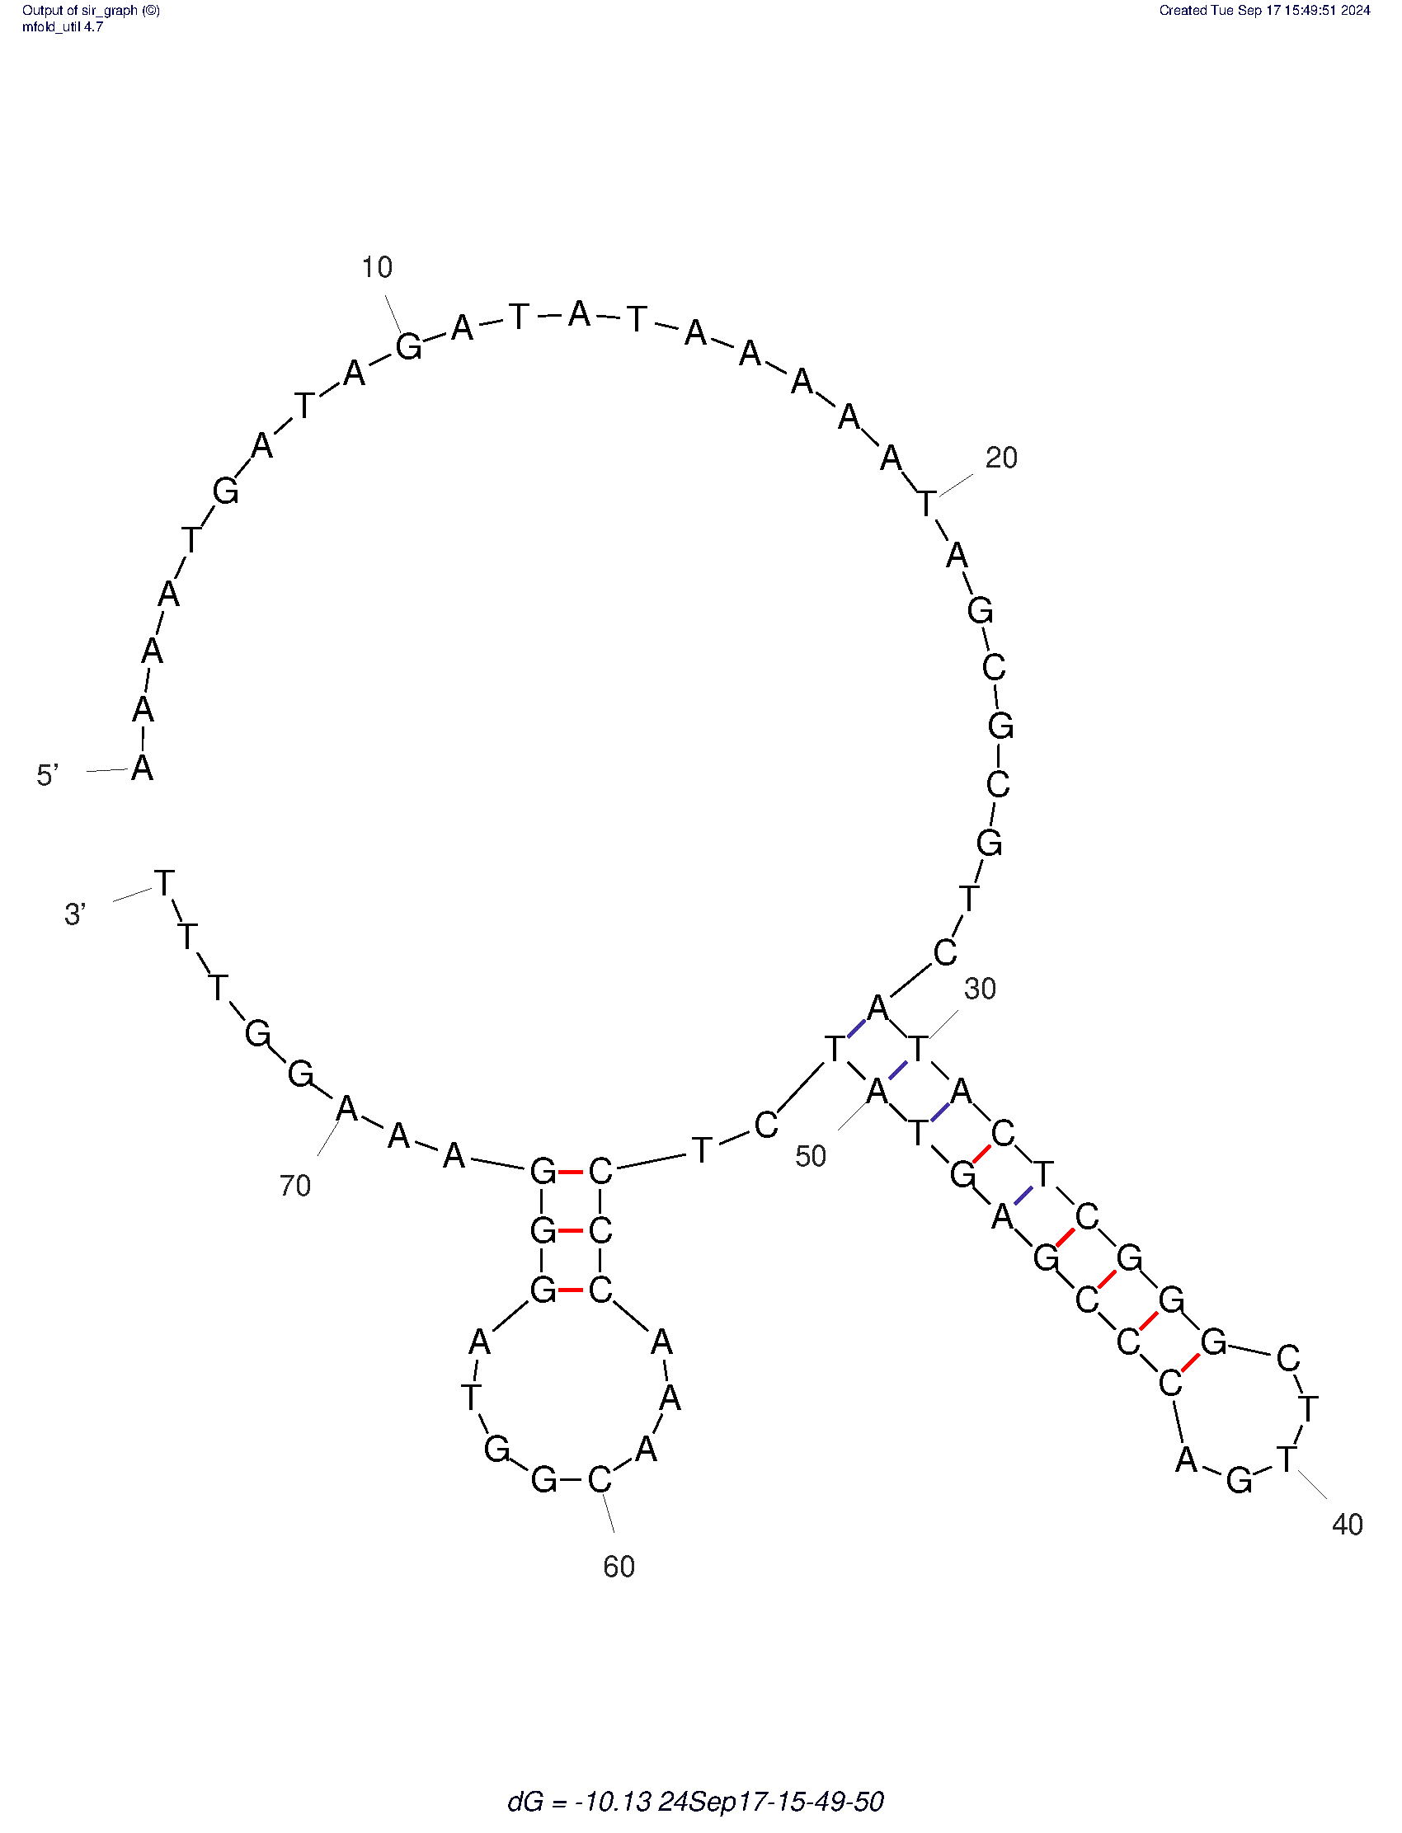 | A40 | 
NTSvar_R | 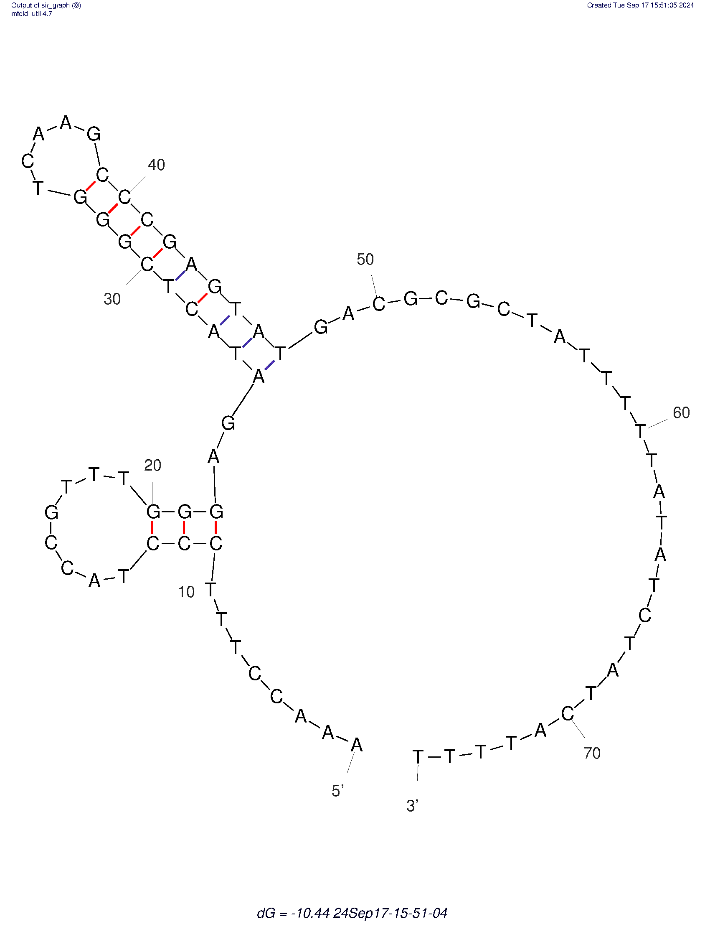 | G41 | 
NTS_Dlyk_F | 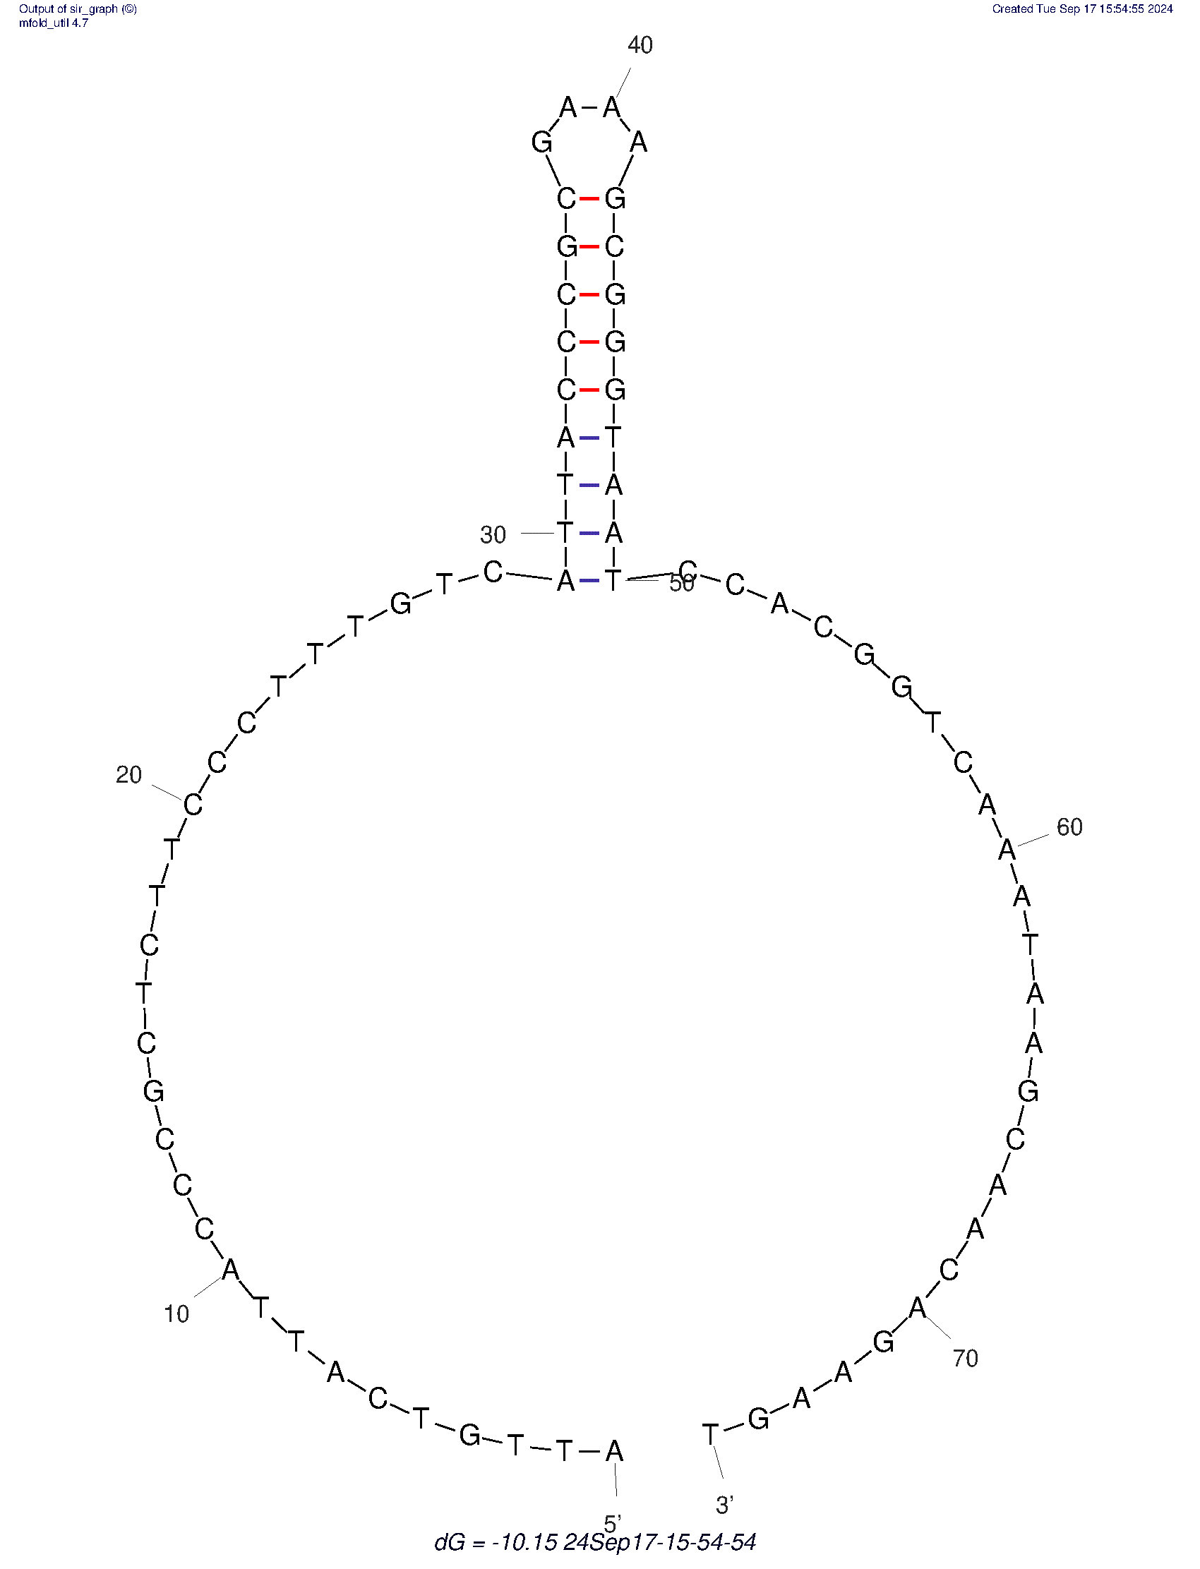 | G42 | 
NTS_Dlyk_R | 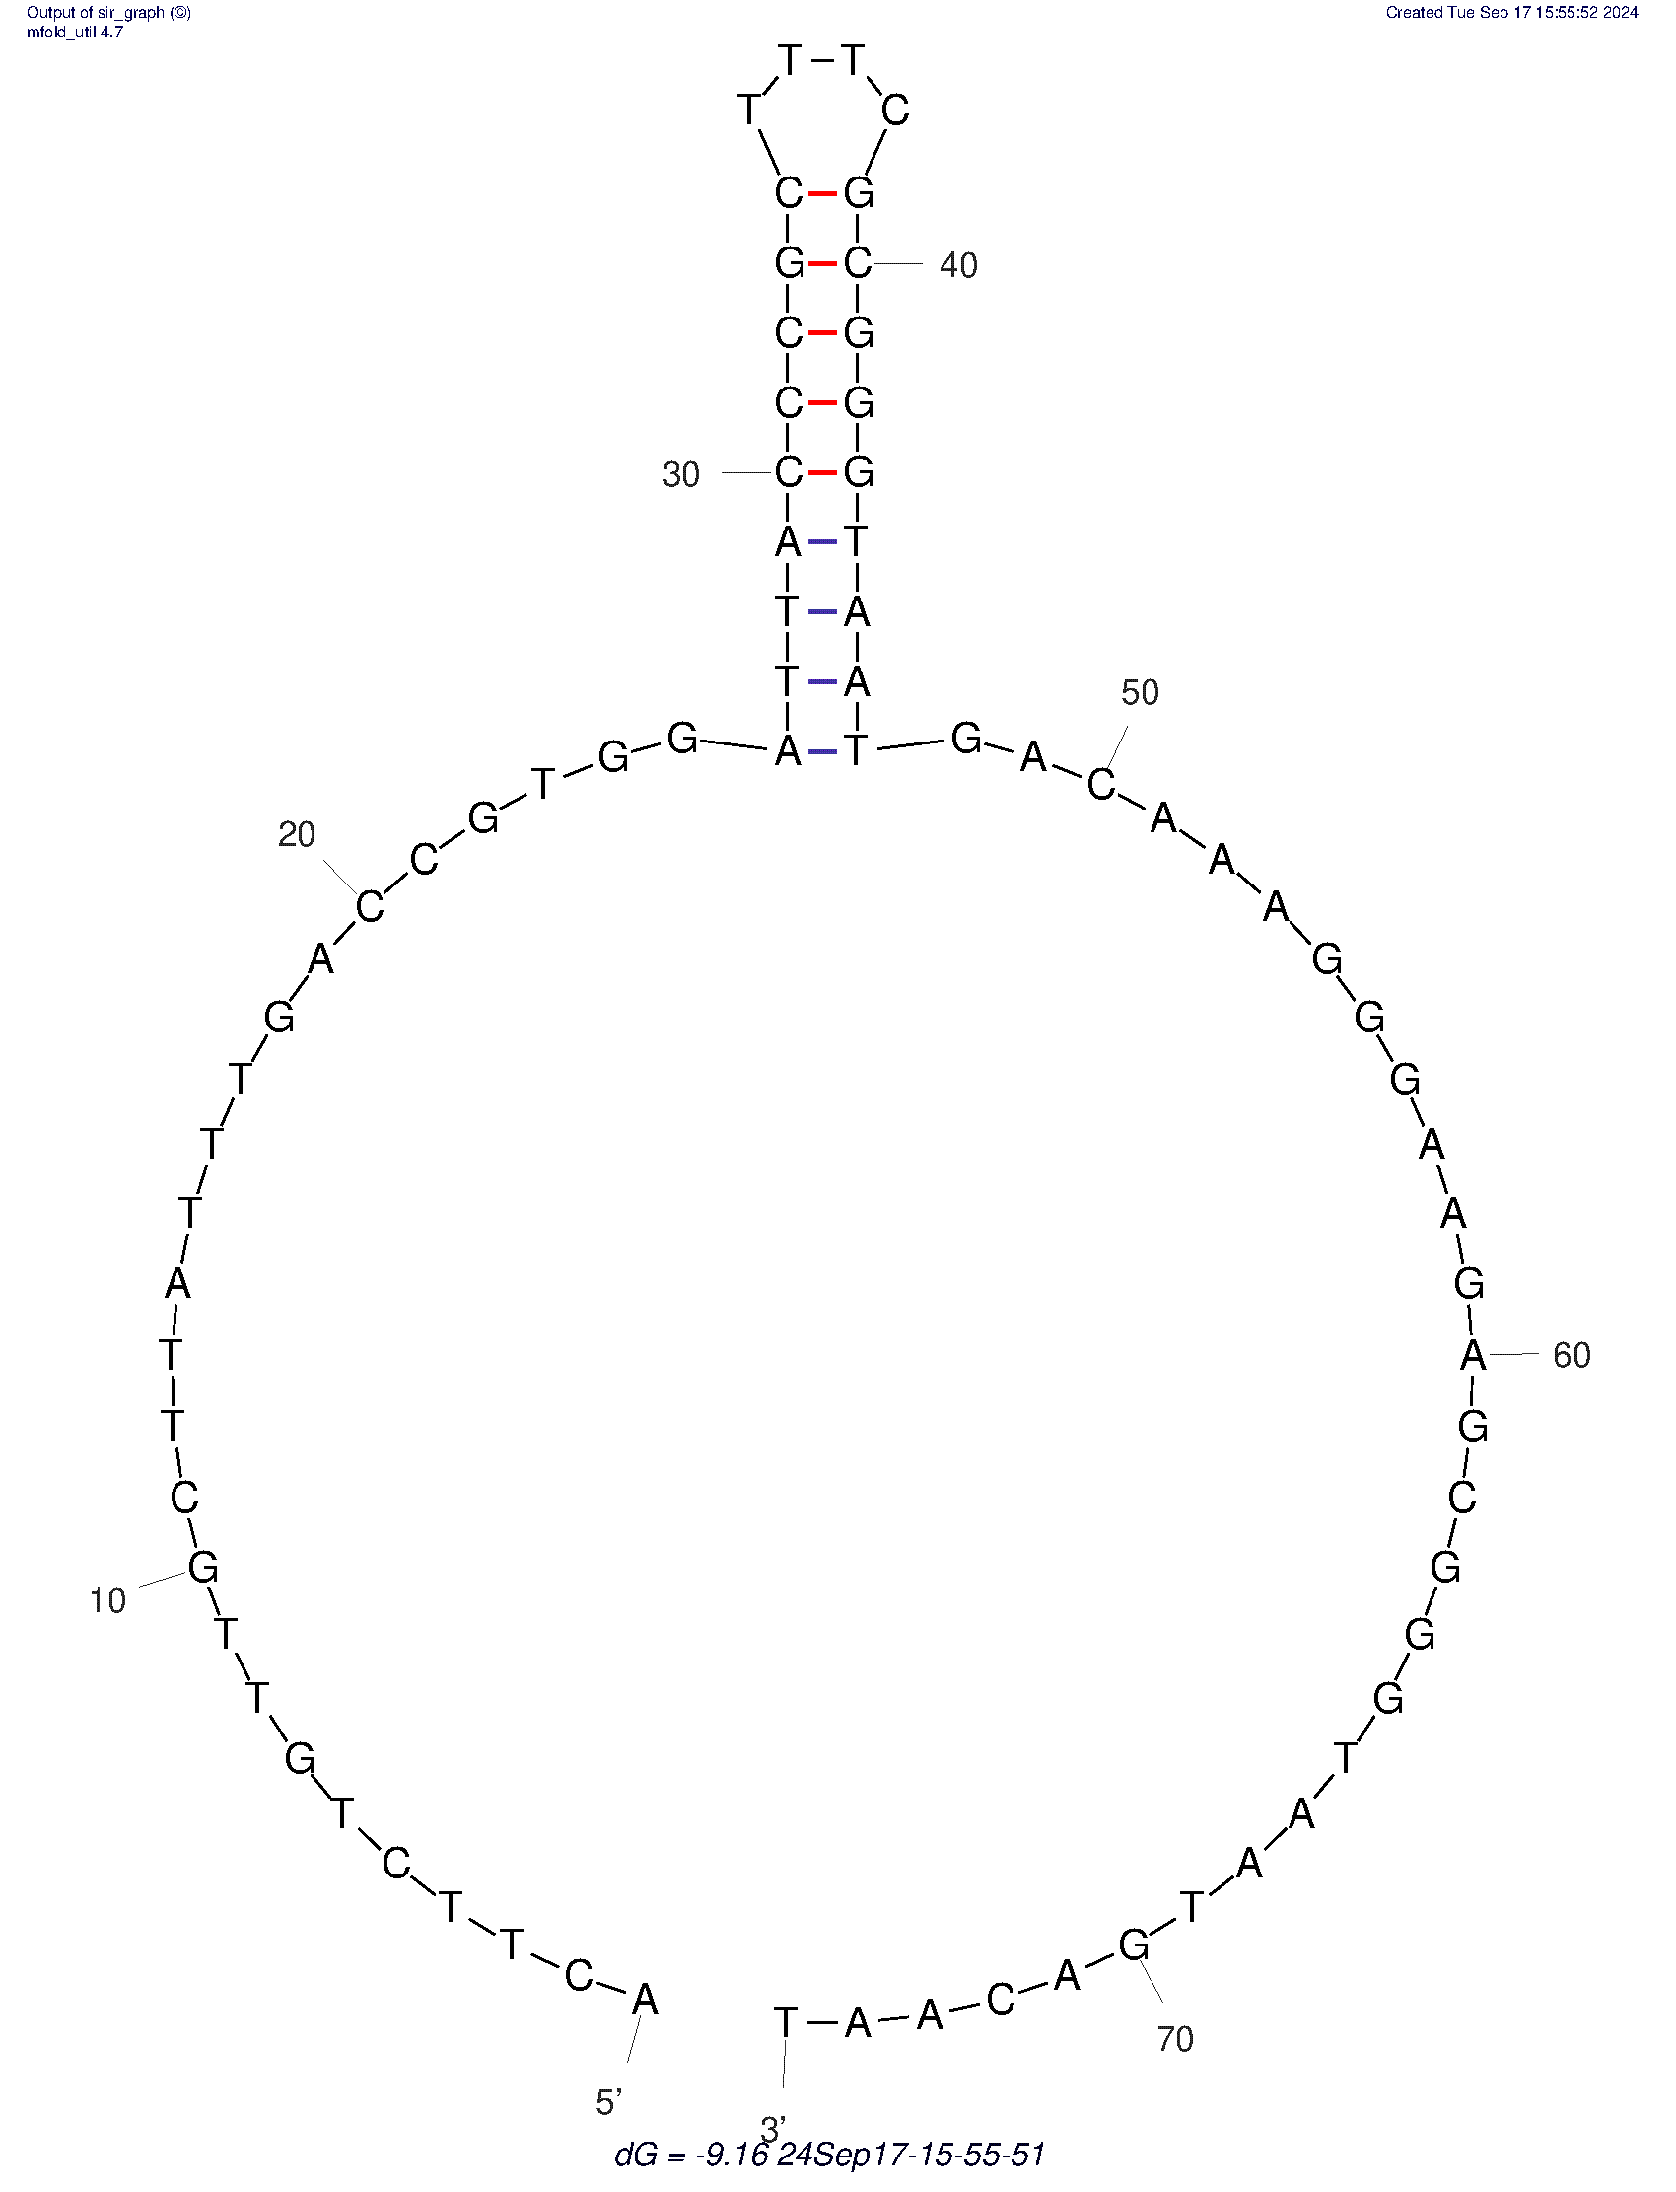 | G43 | 
NTS_Wp3_F | 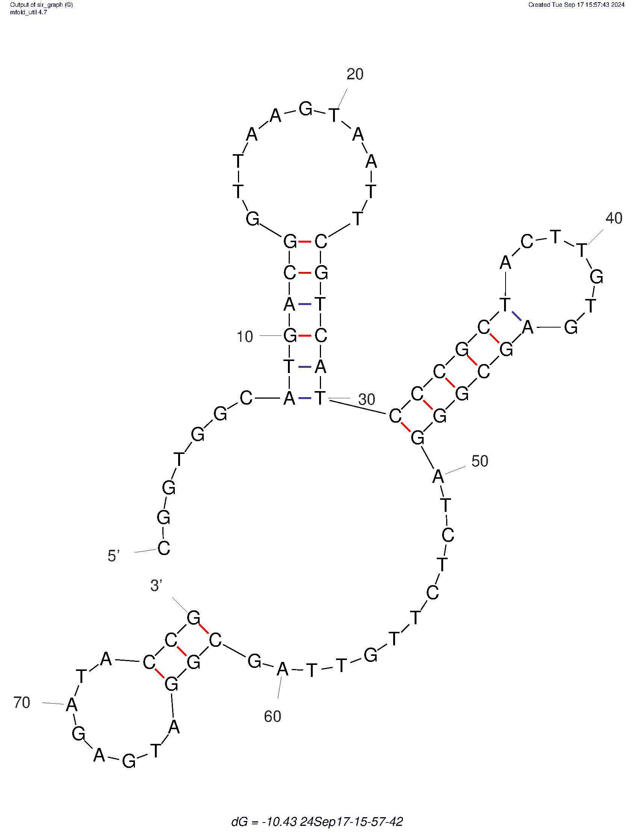 | G44 | 
NTS_Wp3_R | 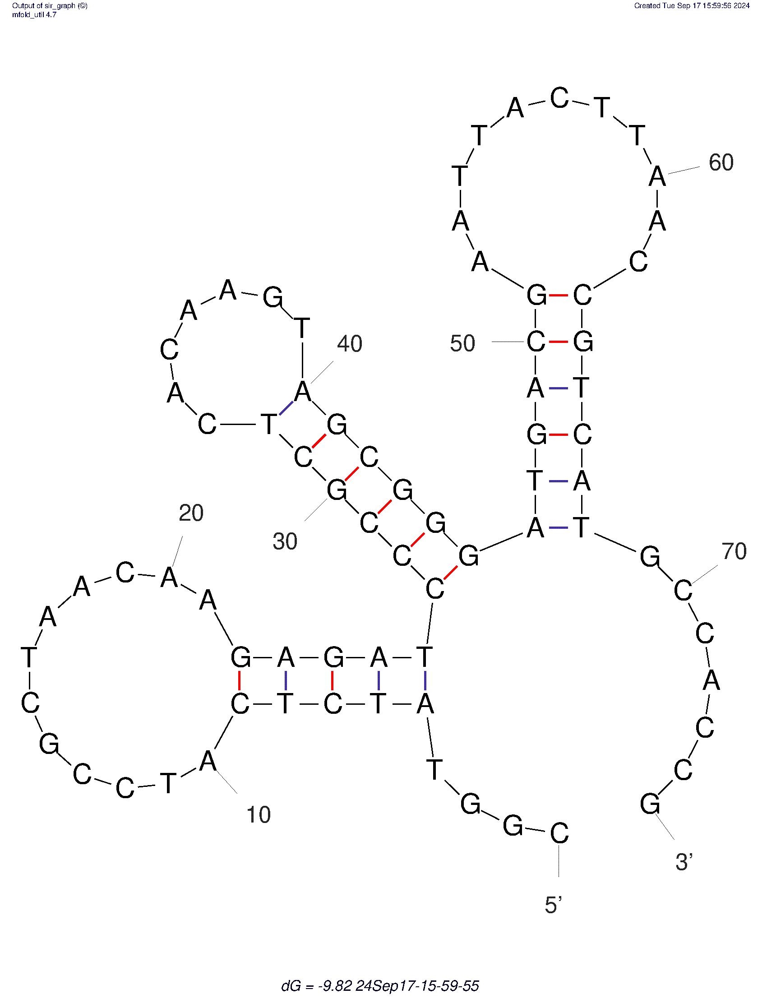 | G45 | 
 |  | A46 | 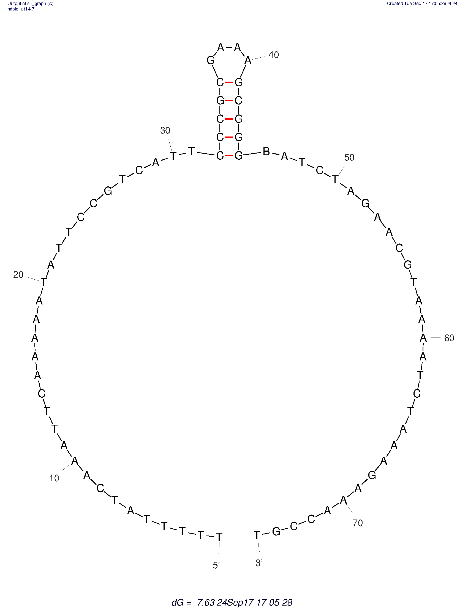
 |  | A47 | 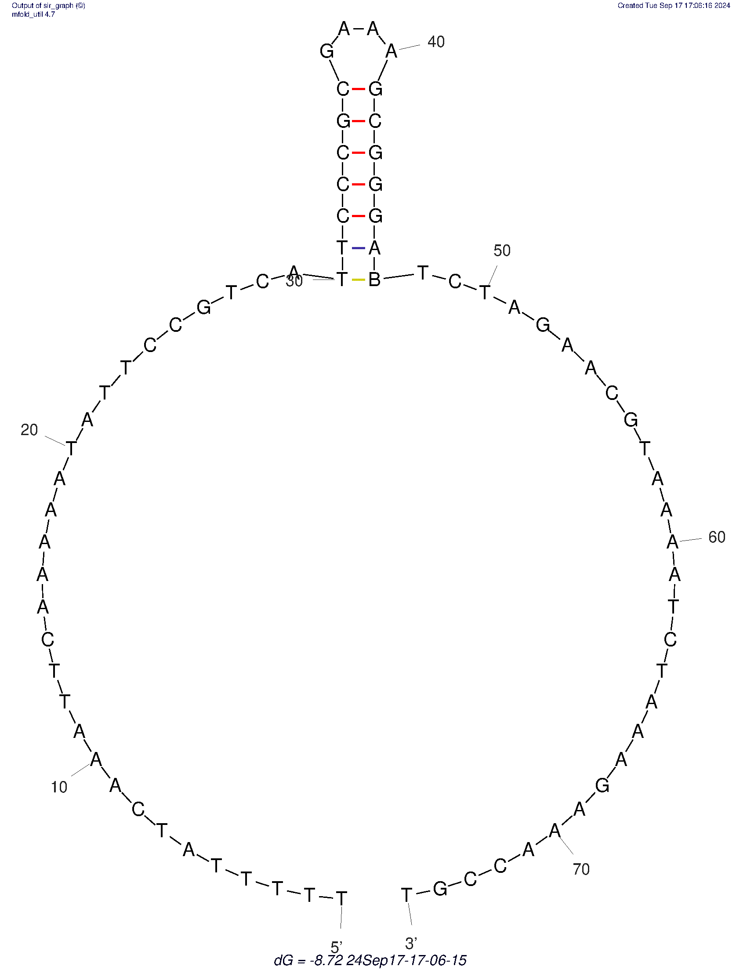
 |  | T48 | 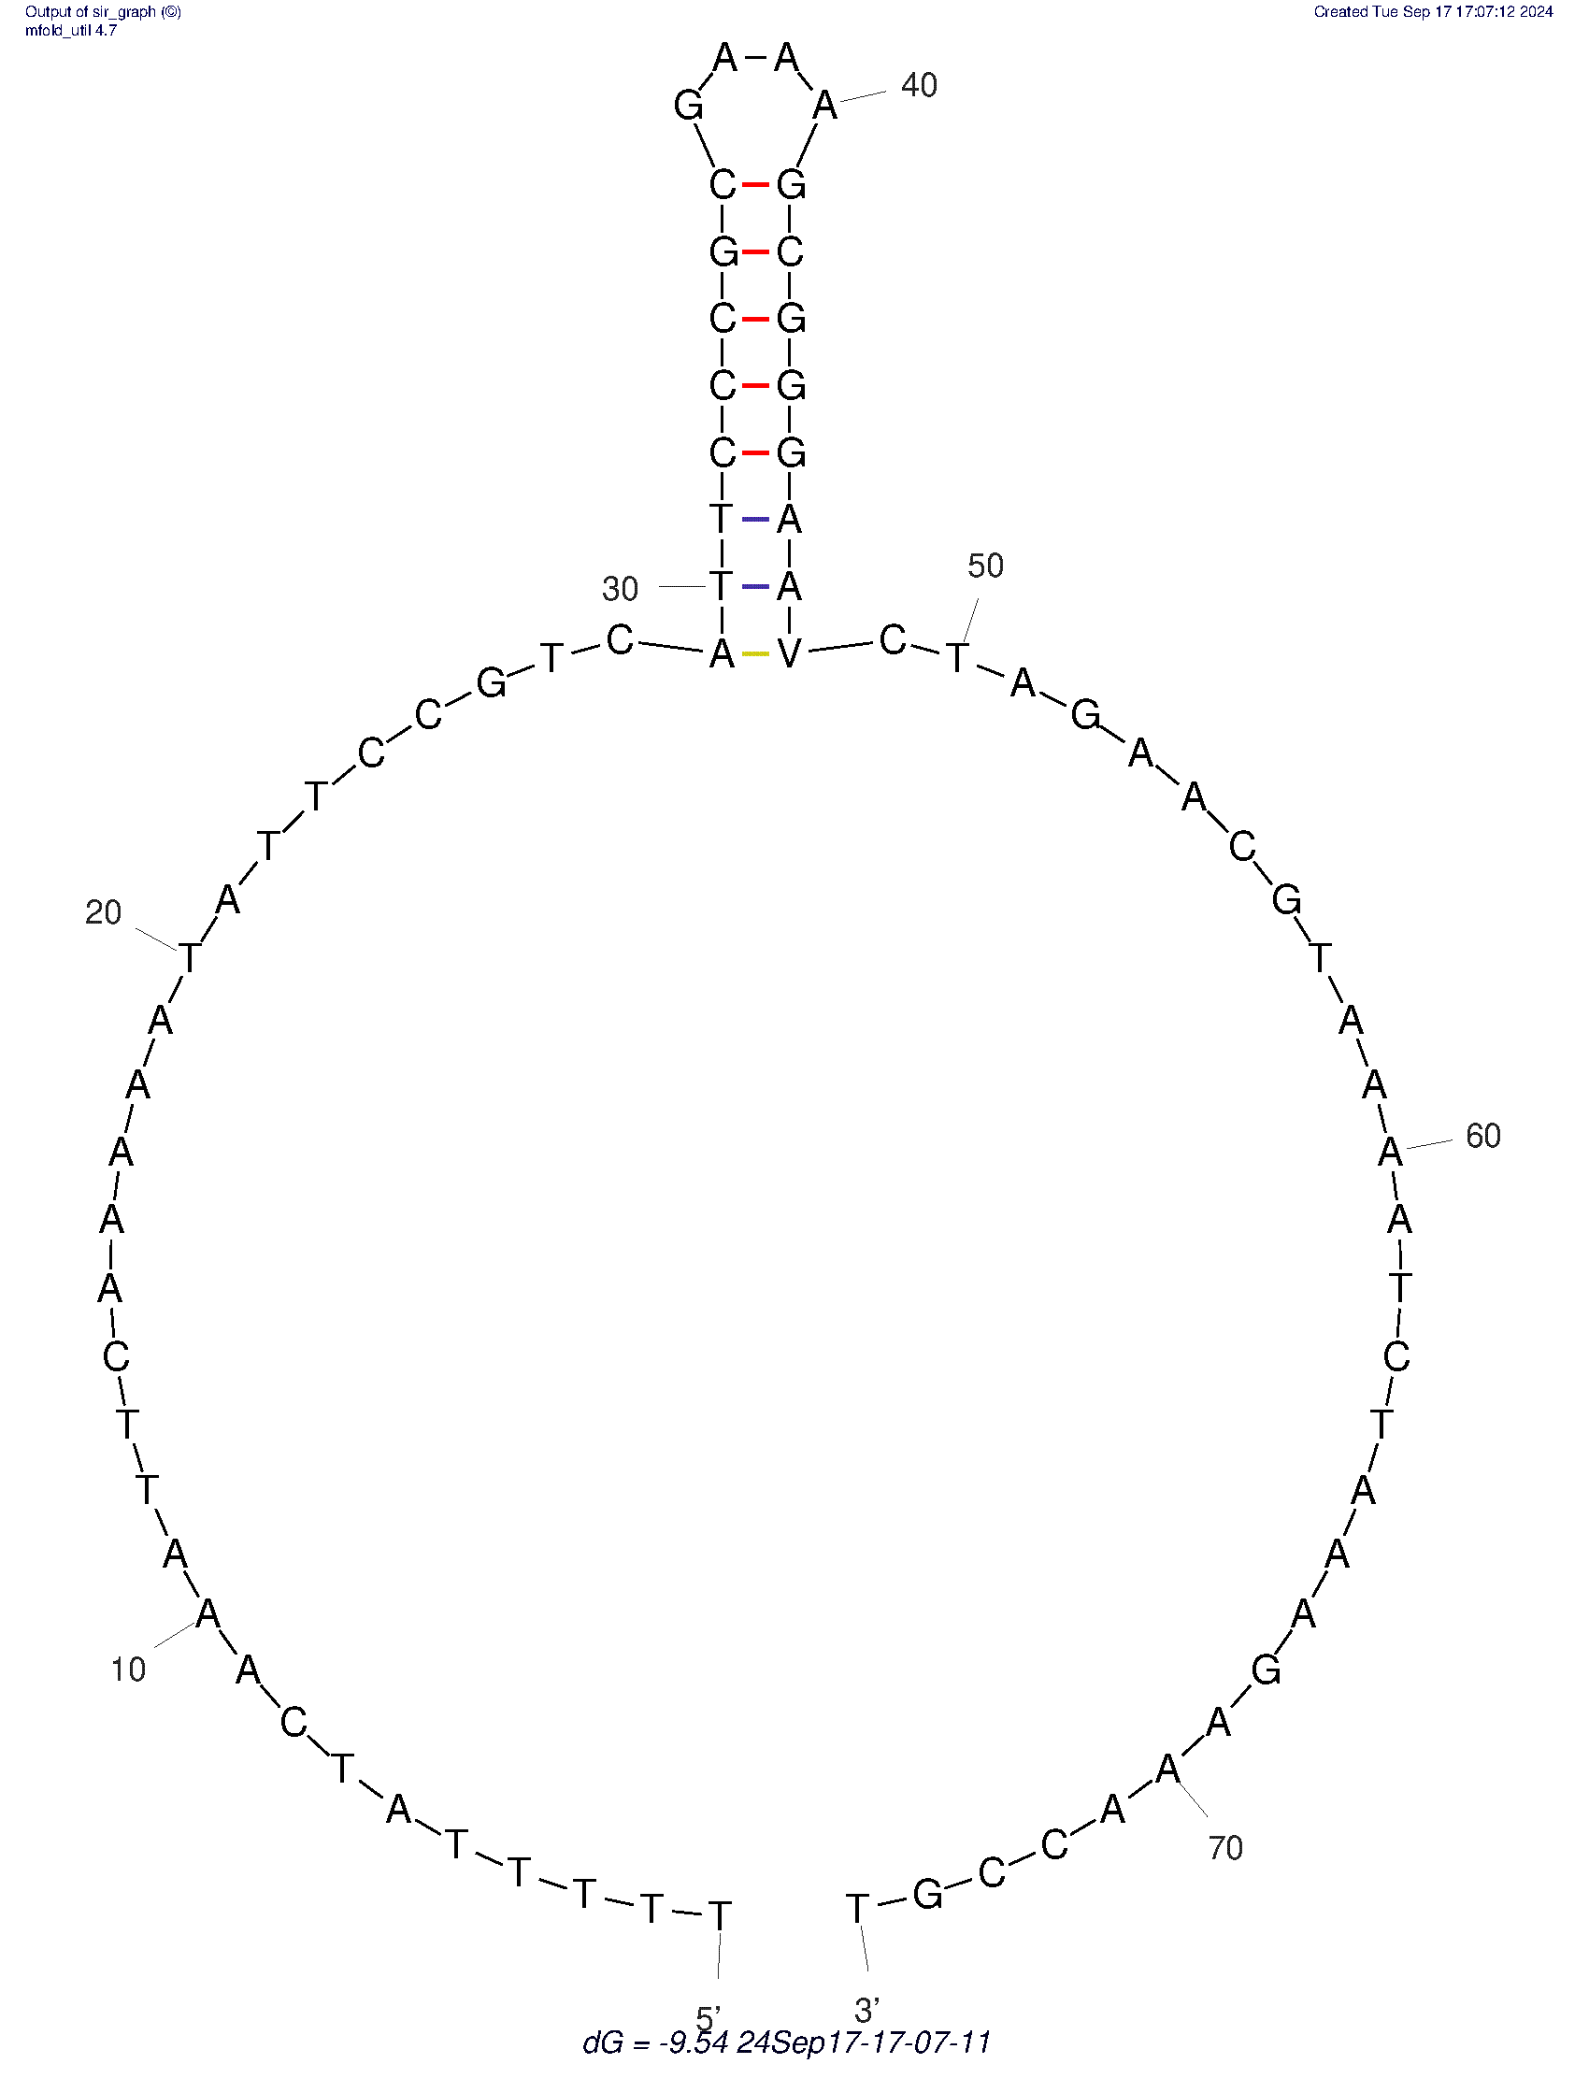
 |  | C49 | 
 |  | T50 | 
 |  | A51 | 

 | 