Supp data 10
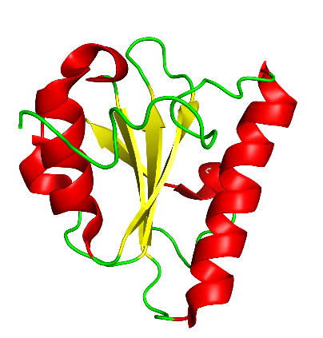 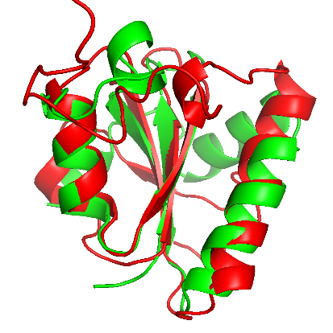
Supplementary data 10. Comparison of Protein Structures Superimposition of the predicted structure of SsnA with three other GIY-YIG proteins described in the scientific literature using the TM-align tool.

SsnA vs I tevI
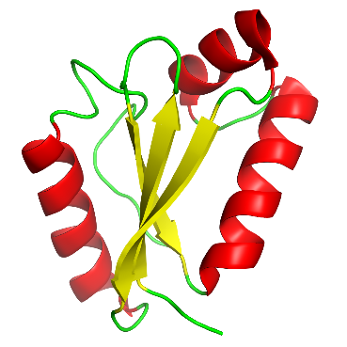 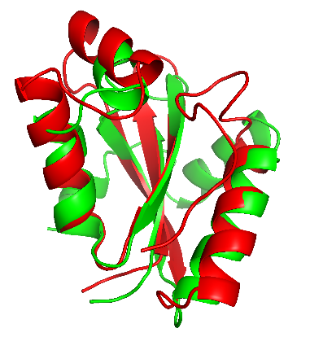

SsnA vs UvrC
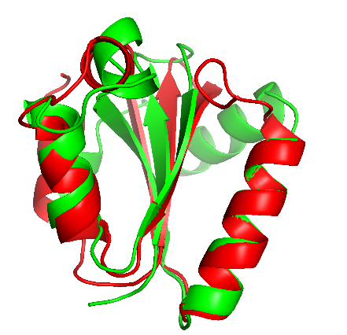 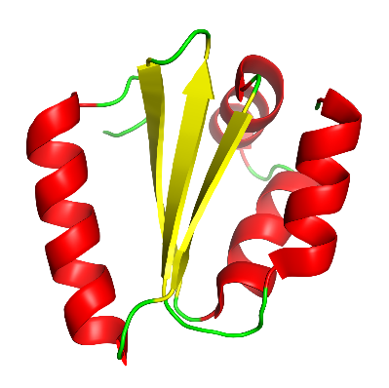

SsnA vs Atgrsx16

