Supplementary Data 5
Supplementary Data 5 | Motif analysis of determinants for different subcellular localizations.
NO. | Logo | Motif | E-value | Sites
Nuc01 | 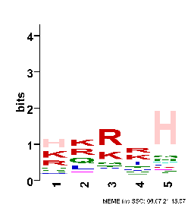 | [HK][KR][RK]RH | 1.5E-194 | 6706
Nuc02 | 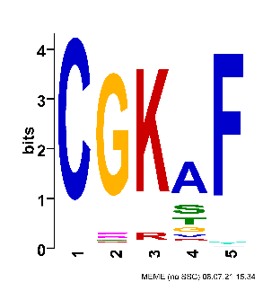 | CGKAF | 7.1E-108 | 2775
Nuc03 | 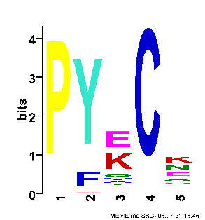 | PY[EK]CK | 1.3E-82 | 2315
Nuc04 | 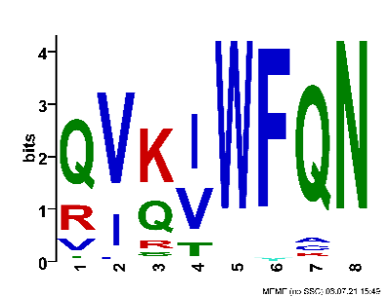 | [QR][VI][KQ][IV]WFQN | 1.4E-14 | 126
Nuc05 |  | SSNLT | 1.7E-11 | 1167
Nuc06 | 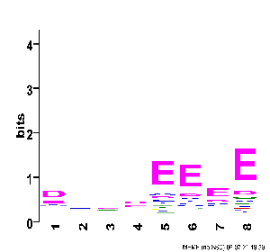 | DXXXEEEE | 9.6E-10 | 1167

