Figure1
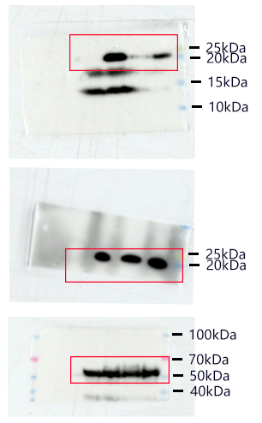
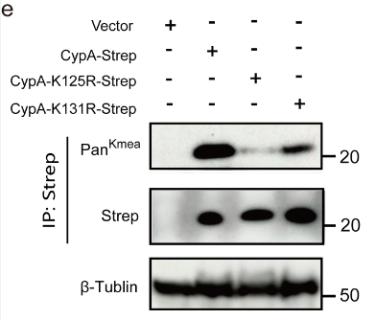
Cropped | Uncropped

Figure2
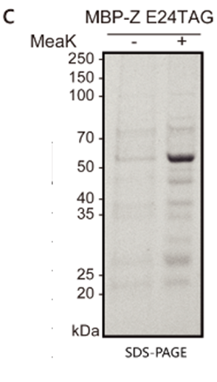
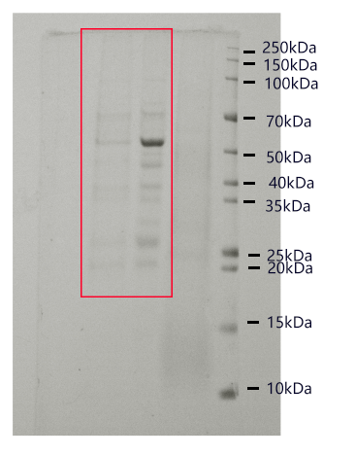
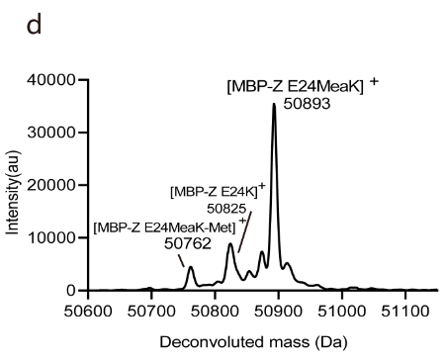
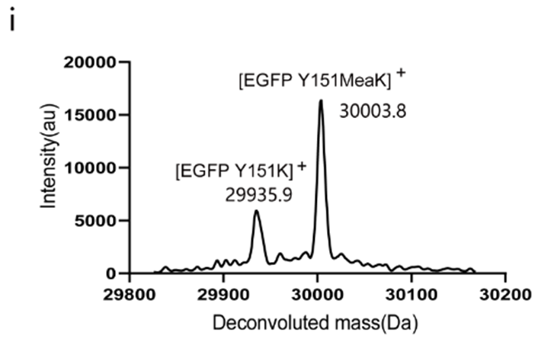
Cropped | Uncropped |  |  | Intact protein mass analysis of purified protein from E.coli expressed MBP-Z E24MeaK. |  |  | Intact protein mass analysis of HEK293T cells expressed EGFP Y151MeaK
 |  |  |  |  | Mass | Intensity |  | Mass | Intensity
 |  |  |  |  | 50600 | 19.892799141 |  | 29900 | 881.74572329
 |  |  |  |  | 50601 | 19.40340499 |  | 29901 | 1083.959102
 |  |  |  |  | 50602 | 19.879853888 |  | 29902 | 1239.7864633
 |  |  |  |  | 50603 | 21.223951455 |  | 29903 | 1268.7888771
 |  |  |  |  | 50604 | 23.127867083 |  | 29904 | 1165.1736972
 |  |  |  |  | 50605 | 25.119103173 |  | 29905 | 999.44908935
 |  |  |  |  | 50606 | 26.820915793 |  | 29906 | 853.32096436
 |  |  |  |  | 50607 | 28.178849351 |  | 29907 | 784.0737811
 |  |  |  |  | 50608 | 29.494164799 |  | 29908 | 812.26517524
 |  |  |  |  | 50609 | 30.946608531 |  | 29909 | 917.43491381
 |  |  |  |  | 50610 | 32.124088235 |  | 29910 | 1061.7105587
 |  |  |  |  | 50611 | 32.611509954 |  | 29911 | 1196.0399081
 |  |  |  |  | 50612 | 32.653641179 |  | 29912 | 1255.394799
 |  |  |  |  | 50613 | 32.659851756 |  | 29913 | 1212.6123728
 |  |  |  |  | 50614 | 32.634369301 |  | 29914 | 1101.8853276
 |  |  |  |  | 50615 | 32.495197142 |  | 29915 | 971.63182545
 |  |  |  |  | 50616 | 32.440712167 |  | 29916 | 866.25268481
 |  |  |  |  | 50617 | 32.777615486 |  | 29917 | 816.36456472
 |  |  |  |  | 50618 | 33.779331632 |  | 29918 | 824.62620128
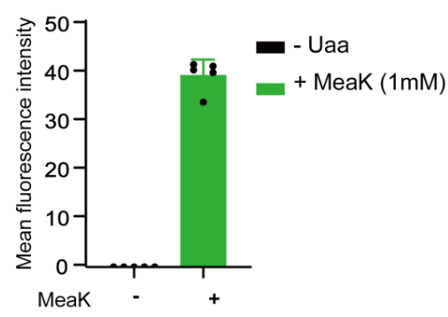
 |  |  |  |  | 50619 | 35.543921964 |  | 29919 | 878.3768493
 |  | Mean fluorescence intensity |  |  | 50620 | 37.696562302 |  | 29920 | 953.44853403
 |  | - Uaa | + MeaK (1mM) |  | 50621 | 39.700461658 |  | 29921 | 1015.4203254
 |  | 0 | 40.813 |  | 50622 | 41.474588767 |  | 29922 | 1044.3328501
 |  | 0 | 34.149 |  | 50623 | 43.20073536 |  | 29923 | 1045.8423102
 |  | 0 | 40.27 |  | 50624 | 44.791018414 |  | 29924 | 1042.5483457
 |  | 0 | 41.936 |  | 50625 | 45.976525378 |  | 29925 | 1072.2219916
 |  | 0 | 41.622 |  | 50626 | 46.666150854 |  | 29926 | 1165.309681
 |  |  |  |  | 50627 | 46.837153986 |  | 29927 | 1324.7161232
 |  |  |  |  | 50628 | 46.032993489 |  | 29928 | 1566.1116917
 |  |  |  |  | 50629 | 43.488832037 |  | 29929 | 1944.7340314
 |  |  |  |  | 50630 | 39.077665734 |  | 29930 | 2522.4005791
 |  |  |  |  | 50631 | 33.5944672 |  | 29931 | 3332.3032281
 |  |  |  |  | 50632 | 28.063801855 |  | 29932 | 4300.4796058
 |  |  |  |  | 50633 | 23.298209777 |  | 29933 | 5199.7576202
 |  |  |  |  | 50634 | 19.906662271 |  | 29934 | 5789.8955859
 |  |  |  |  | 50635 | 18.252940108 |  | 29935 | 5973.5469832
 |  |  |  |  | 50636 | 18.461293675 |  | 29936 | 5822.4019731
 |  |  |  |  | 50637 | 20.597314492 |  | 29937 | 5500.8944748
 |  |  |  |  | 50638 | 24.69461558 |  | 29938 | 5122.8148697
 |  |  |  |  | 50639 | 30.552911005 |  | 29939 | 4705.6870652
 |  |  |  |  | 50640 | 37.768310044 |  | 29940 | 4246.1056621
 |  |  |  |  | 50641 | 45.945346149 |  | 29941 | 3759.0873419
 |  |  |  |  | 50642 | 54.490577438 |  | 29942 | 3256.8741948
 |  |  |  |  | 50643 | 62.373255781 |  | 29943 | 2738.7081224
 |  |  |  |  | 50644 | 68.812173087 |  | 29944 | 2216.6631273
 |  |  |  |  | 50645 | 74.143146407 |  | 29945 | 1732.165967
 |  |  |  |  | 50646 | 79.057156258 |  | 29946 | 1337.5728157
 |  |  |  |  | 50647 | 83.48589087 |  | 29947 | 1068.7916699
 |  |  |  |  | 50648 | 87.480604221 |  | 29948 | 928.3442903
 |  |  |  |  | 50649 | 91.640326388 |  | 29949 | 887.95868686
 |  |  |  |  | 50650 | 95.777808847 |  | 29950 | 903.38581566
 |  |  |  |  | 50651 | 99.129639037 |  | 29951 | 926.91048281
 |  |  |  |  | 50652 | 101.74358129 |  | 29952 | 929.4881926
 |  |  |  |  | 50653 | 104.12978939 |  | 29953 | 922.40210822
 |  |  |  |  | 50654 | 105.56420214 |  | 29954 | 943.160276
 |  |  |  |  | 50655 | 103.84498401 |  | 29955 | 1025.637127
 |  |  |  |  | 50656 | 98.03720159 |  | 29956 | 1182.8433796
 |  |  |  |  | 50657 | 90.147921778 |  | 29957 | 1394.6641642
 |  |  |  |  | 50658 | 82.429043005 |  | 29958 | 1613.7811158
 |  |  |  |  | 50659 | 75.092088527 |  | 29959 | 1789.9875206
 |  |  |  |  | 50660 | 67.758558131 |  | 29960 | 1884.6655727
 |  |  |  |  | 50661 | 61.000129143 |  | 29961 | 1871.5304485
 |  |  |  |  | 50662 | 55.75219952 |  | 29962 | 1751.0030828
 |  |  |  |  | 50663 | 52.198694002 |  | 29963 | 1575.2681166
 |  |  |  |  | 50664 | 49.465135435 |  | 29964 | 1420.5733887
 |  |  |  |  | 50665 | 46.568828133 |  | 29965 | 1329.9094991
 |  |  |  |  | 50666 | 43.443329567 |  | 29966 | 1301.8072504
 |  |  |  |  | 50667 | 40.480811451 |  | 29967 | 1302.8027511
 |  |  |  |  | 50668 | 37.849938888 |  | 29968 | 1293.6156135
 |  |  |  |  | 50669 | 35.770331666 |  | 29969 | 1266.0718981
 |  |  |  |  | 50670 | 34.768123839 |  | 29970 | 1238.1340564
 |  |  |  |  | 50671 | 35.293149104 |  | 29971 | 1226.1541601
 |  |  |  |  | 50672 | 37.263268074 |  | 29972 | 1241.5017675
 |  |  |  |  | 50673 | 40.440494226 |  | 29973 | 1288.7936094
 |  |  |  |  | 50674 | 44.924864483 |  | 29974 | 1356.1088836
 |  |  |  |  | 50675 | 50.519402674 |  | 29975 | 1422.3264737
 |  |  |  |  | 50676 | 56.512772263 |  | 29976 | 1466.0141486
 |  |  |  |  | 50677 | 62.750148581 |  | 29977 | 1464.2158704
 |  |  |  |  | 50678 | 69.867974957 |  | 29978 | 1413.7828498
 |  |  |  |  | 50679 | 78.631490145 |  | 29979 | 1353.7868125
 |  |  |  |  | 50680 | 89.855500275 |  | 29980 | 1336.5579045
 |  |  |  |  | 50681 | 104.61807387 |  | 29981 | 1387.7615782
 |  |  |  |  | 50682 | 124.62504105 |  | 29982 | 1499.8241411
 |  |  |  |  | 50683 | 151.27164023 |  | 29983 | 1638.6284587
 |  |  |  |  | 50684 | 182.8694669 |  | 29984 | 1763.0368629
 |  |  |  |  | 50685 | 215.2851399 |  | 29985 | 1853.0950518
 |  |  |  |  | 50686 | 245.34842956 |  | 29986 | 1919.8575005
 |  |  |  |  | 50687 | 270.36458046 |  | 29987 | 1976.6959337
 |  |  |  |  | 50688 | 287.84108266 |  | 29988 | 1996.5661437
 |  |  |  |  | 50689 | 298.78267885 |  | 29989 | 1929.5966494
 |  |  |  |  | 50690 | 307.85244371 |  | 29990 | 1770.9024405
 |  |  |  |  | 50691 | 319.92536885 |  | 29991 | 1584.4820847
 |  |  |  |  | 50692 | 338.20534193 |  | 29992 | 1466.6831889
 |  |  |  |  | 50693 | 364.62709042 |  | 29993 | 1504.8086049
 |  |  |  |  | 50694 | 398.55803999 |  | 29994 | 1760.169735
 |  |  |  |  | 50695 | 433.98783823 |  | 29995 | 2274.3025645
 |  |  |  |  | 50696 | 461.71141188 |  | 29996 | 3085.8008294
 |  |  |  |  | 50697 | 473.90993622 |  | 29997 | 4241.0531439
 |  |  |  |  | 50698 | 465.45093062 |  | 29998 | 5797.832608
 |  |  |  |  | 50699 | 434.48622203 |  | 29999 | 7803.293288
 |  |  |  |  | 50700 | 383.03335994 |  | 30000 | 10192.497275
 |  |  |  |  | 50701 | 318.43303508 |  | 30001 | 12693.123912
 |  |  |  |  | 50702 | 252.89198532 |  | 30002 | 14865.635543
 |  |  |  |  | 50703 | 196.1432722 |  | 30003 | 16222.990388
 |  |  |  |  | 50704 | 150.95424496 |  | 30004 | 16430.413111
 |  |  |  |  | 50705 | 116.90087088 |  | 30005 | 15511.884511
 |  |  |  |  | 50706 | 93.520155323 |  | 30006 | 13818.374806
 |  |  |  |  | 50707 | 80.002279836 |  | 30007 | 11787.269777
 |  |  |  |  | 50708 | 74.692134451 |  | 30008 | 9741.9164863
 |  |  |  |  | 50709 | 75.576591353 |  | 30009 | 7853.9718514
 |  |  |  |  | 50710 | 81.096602187 |  | 30010 | 6187.5440731
 |  |  |  |  | 50711 | 90.671750301 |  | 30011 | 4760.2984402
 |  |  |  |  | 50712 | 104.81424374 |  | 30012 | 3600.7364911
 |  |  |  |  | 50713 | 123.65900668 |  | 30013 | 2725.5467766
 |  |  |  |  | 50714 | 144.88357174 |  | 30014 | 2108.9845384
 |  |  |  |  | 50715 | 165.28603823 |  | 30015 | 1714.9643246
 |  |  |  |  | 50716 | 184.15953802 |  | 30016 | 1504.1628117
 |  |  |  |  | 50717 | 202.73378765 |  | 30017 | 1425.4051509
 |  |  |  |  | 50718 | 221.51944257 |  | 30018 | 1428.1989887
 |  |  |  |  | 50719 | 238.90726302 |  | 30019 | 1465.3577377
 |  |  |  |  | 50720 | 251.51866994 |  | 30020 | 1506.6269061
 |  |  |  |  | 50721 | 257.28577328 |  | 30021 | 1552.9545018
 |  |  |  |  | 50722 | 256.79384093 |  | 30022 | 1616.6213972
 |  |  |  |  | 50723 | 250.01685749 |  | 30023 | 1701.7606401
 |  |  |  |  | 50724 | 236.60849765 |  | 30024 | 1794.9382862
 |  |  |  |  | 50725 | 218.80578386 |  | 30025 | 1855.917209
 |  |  |  |  | 50726 | 198.60968446 |  | 30026 | 1844.5268201
 |  |  |  |  | 50727 | 176.42530847 |  | 30027 | 1759.1495349
 |  |  |  |  | 50728 | 153.96061237 |  | 30028 | 1634.81261
 |  |  |  |  | 50729 | 133.31957589 |  | 30029 | 1515.2504152
 |  |  |  |  | 50730 | 115.4733211 |  | 30030 | 1421.2696087
 |  |  |  |  | 50731 | 101.1650851 |  | 30031 | 1344.4377701
 |  |  |  |  | 50732 | 90.844283938 |  | 30032 | 1269.4788264
 |  |  |  |  | 50733 | 84.902812704 |  | 30033 | 1190.8475175
 |  |  |  |  | 50734 | 84.045374559 |  | 30034 | 1114.3372697
 |  |  |  |  | 50735 | 87.966723959 |  | 30035 | 1052.3239076
 |  |  |  |  | 50736 | 95.53598162 |  | 30036 | 1018.4631217
 |  |  |  |  | 50737 | 107.15895029 |  | 30037 | 1019.4768833
 |  |  |  |  | 50738 | 124.47723813 |  | 30038 | 1049.8321255
 |  |  |  |  | 50739 | 147.27806421 |  | 30039 | 1095.9659446
 |  |  |  |  | 50740 | 172.54293765 |  | 30040 | 1140.957485
 |  |  |  |  | 50741 | 196.59175631 |  | 30041 | 1172.2493856
 |  |  |  |  | 50742 | 217.78420216 |  | 30042 | 1188.8474023
 |  |  |  |  | 50743 | 236.85674164 |  | 30043 | 1190.467107
 |  |  |  |  | 50744 | 254.33238851 |  | 30044 | 1164.3197653
 |  |  |  |  | 50745 | 269.40872207 |  | 30045 | 1095.3877016
 |  |  |  |  | 50746 | 281.94811722 |  | 30046 | 987.05011858
 |  |  |  |  | 50747 | 294.778268 |  | 30047 | 866.86857156
 |  |  |  |  | 50748 | 314.62617198 |  | 30048 | 774.84996359
 |  |  |  |  | 50749 | 350.29031639 |  | 30049 | 739.88039202
 |  |  |  |  | 50750 | 410.7878817 |  | 30050 | 761.68175602
 |  |  |  |  | 50751 | 508.51916807 |  | 30051 | 817.63868137
 |  |  |  |  | 50752 | 662.01435342 |  | 30052 | 876.85965134
 |  |  |  |  | 50753 | 889.81498589 |  | 30053 | 909.90282369
 |  |  |  |  | 50754 | 1205.3222719 |  | 30054 | 903.23637317
 |  |  |  |  | 50755 | 1621.0918786 |  | 30055 | 858.80454114
 |  |  |  |  | 50756 | 2141.5000291 |  | 30056 | 785.42235079
 |  |  |  |  | 50757 | 2736.2715641 |  | 30057 | 707.0646339
 |  |  |  |  | 50758 | 3332.3529833 |  | 30058 | 655.99047221
 |  |  |  |  | 50759 | 3847.6047276 |  | 30059 | 644.81667675
 |  |  |  |  | 50760 | 4228.4521314 |  | 30060 | 661.77905373
 |  |  |  |  | 50761 | 4450.428961 |  | 30061 | 689.93623765
 |  |  |  |  | 50762 | 4500.1194848 |  | 30062 | 722.6306645
 |  |  |  |  | 50763 | 4364.8605163 |  | 30063 | 762.5192337
 |  |  |  |  | 50764 | 4043.6360137 |  | 30064 | 807.72562211
 |  |  |  |  | 50765 | 3581.4767149 |  | 30065 | 843.85562778
 |  |  |  |  | 50766 | 3068.0328664 |  | 30066 | 850.48846684
 |  |  |  |  | 50767 | 2578.0213575 |  | 30067 | 820.77353417
 |  |  |  |  | 50768 | 2135.5826708 |  | 30068 | 773.93891344
 |  |  |  |  | 50769 | 1743.8832775 |  | 30069 | 740.60323499
 |  |  |  |  | 50770 | 1420.5102831 |  | 30070 | 743.50185658
 |  |  |  |  | 50771 | 1184.9435111 |  | 30071 | 784.11633395
 |  |  |  |  | 50772 | 1029.7724881 |  | 30072 | 833.72103343
 |  |  |  |  | 50773 | 927.67867532 |  | 30073 | 843.57843577
 |  |  |  |  | 50774 | 860.22814891 |  | 30074 | 776.73001849
 |  |  |  |  | 50775 | 826.83580243 |  | 30075 | 640.56923939
 |  |  |  |  | 50776 | 829.96560843 |  | 30076 | 482.294616
 |  |  |  |  | 50777 | 862.04803675 |  | 30077 | 351.97462896
 |  |  |  |  | 50778 | 907.63772123 |  | 30078 | 277.96342033
 |  |  |  |  | 50779 | 954.01413853 |  | 30079 | 265.63059247
 |  |  |  |  | 50780 | 996.9229736 |  | 30080 | 304.26485709
 |  |  |  |  | 50781 | 1032.8902876 |  | 30081 | 373.82945044
 |  |  |  |  | 50782 | 1052.0695594 |  | 30082 | 451.80363013
 |  |  |  |  | 50783 | 1049.6621933 |  | 30083 | 520.35559873
 |  |  |  |  | 50784 | 1038.1487938 |  | 30084 | 573.12697253
 |  |  |  |  | 50785 | 1035.4385975 |  | 30085 | 617.41340688
 |  |  |  |  | 50786 | 1044.2793535 |  | 30086 | 660.41494507
 |  |  |  |  | 50787 | 1054.2984867 |  | 30087 | 690.41649772
 |  |  |  |  | 50788 | 1062.2332316 |  | 30088 | 682.74792448
 |  |  |  |  | 50789 | 1075.6889928 |  | 30089 | 626.71940906
 |  |  |  |  | 50790 | 1094.9001526 |  | 30090 | 538.30564997
 |  |  |  |  | 50791 | 1105.0989354 |  | 30091 | 448.62225865
 |  |  |  |  | 50792 | 1094.6192127 |  | 30092 | 385.83684415
 |  |  |  |  | 50793 | 1070.3869725 |  | 30093 | 361.77570845
 |  |  |  |  | 50794 | 1045.0719216 |  | 30094 | 372.24875323
 |  |  |  |  | 50795 | 1026.3587477 |  | 30095 | 406.91195201
 |  |  |  |  | 50796 | 1028.6995469 |  | 30096 | 452.3833607
 |  |  |  |  | 50797 | 1068.5863472 |  | 30097 | 495.8786129
 |  |  |  |  | 50798 | 1145.5214619 |  | 30098 | 531.996711
 |  |  |  |  | 50799 | 1244.9602962 |  | 30099 | 559.95822161
 |  |  |  |  | 50800 | 1350.973776 |  | 30100 | 579.66195797
 |  |  |  |  | 50801 | 1457.259627 |  | 30101 | 590.10355986
 |  |  |  |  | 50802 | 1564.8006038 |  | 30102 | 591.11330056
 |  |  |  |  | 50803 | 1655.1971392 |  | 30103 | 591.27395566
 |  |  |  |  | 50804 | 1697.6592263 |  | 30104 | 601.2551532
 |  |  |  |  | 50805 | 1692.1085267 |  | 30105 | 621.13859326
 |  |  |  |  | 50806 | 1662.9050943 |  | 30106 | 642.49808832
 |  |  |  |  | 50807 | 1621.5976052 |  | 30107 | 652.31159651
 |  |  |  |  | 50808 | 1570.1962302 |  | 30108 | 638.33422197
 |  |  |  |  | 50809 | 1521.4633336 |  | 30109 | 596.83370878
 |  |  |  |  | 50810 | 1497.896852 |  | 30110 | 533.75242759
 |  |  |  |  | 50811 | 1524.6928829 |  | 30111 | 463.86629068
 |  |  |  |  | 50812 | 1628.0305391 |  | 30112 | 406.20394208
 |  |  |  |  | 50813 | 1833.3527584 |  | 30113 | 374.3323484
 |  |  |  |  | 50814 | 2162.643334 |  | 30114 | 373.6795261
 |  |  |  |  | 50815 | 2633.2350089 |  | 30115 | 401.43116541
 |  |  |  |  | 50816 | 3261.8439033 |  | 30116 | 441.36534185
 |  |  |  |  | 50817 | 4059.6063166 |  | 30117 | 469.04993384
 |  |  |  |  | 50818 | 5001.1081762 |  | 30118 | 465.63725543
 |  |  |  |  | 50819 | 5995.2098622 |  | 30119 | 427.80392823
 |  |  |  |  | 50820 | 6919.8345141 |  | 30120 | 372.19794999
 |  |  |  |  | 50821 | 7704.3982396 |  | 30121 | 323.05250255
 |  |  |  |  | 50822 | 8326.9610873 |  | 30122 | 293.15215628
 |  |  |  |  | 50823 | 8740.4940793 |  | 30123 | 280.99330057
 |  |  |  |  | 50824 | 8904.1028487 |  | 30124 | 277.12951716
 |  |  |  |  | 50825 | 8844.3778359 |  | 30125 | 271.6900198
 |  |  |  |  | 50826 | 8587.6536262 |  | 30126 | 263.19057304
 |  |  |  |  | 50827 | 8114.3079363 |  | 30127 | 258.59183932
 |  |  |  |  | 50828 | 7449.1651432 |  | 30128 | 264.06311014
 |  |  |  |  | 50829 | 6708.9945395 |  | 30129 | 280.29625316
 |  |  |  |  | 50830 | 6006.860586 |  | 30130 | 303.40469275
 |  |  |  |  | 50831 | 5374.50529 |  | 30131 | 327.15777047
 |  |  |  |  | 50832 | 4815.4220844 |  | 30132 | 348.98948413
 |  |  |  |  | 50833 | 4357.3659075 |  | 30133 | 371.37976551
 |  |  |  |  | 50834 | 4007.7057651 |  | 30134 | 396.28511911
 |  |  |  |  | 50835 | 3724.3889933 |  | 30135 | 424.29432552
 |  |  |  |  | 50836 | 3467.9075466 |  | 30136 | 454.58534976
 |  |  |  |  | 50837 | 3234.7018271 |  | 30137 | 481.73122428
 |  |  |  |  | 50838 | 3019.6658624 |  | 30138 | 498.13932855
 |  |  |  |  | 50839 | 2798.7049656 |  | 30139 | 498.13333858
 |  |  |  |  | 50840 | 2567.0102837 |  | 30140 | 480.6033236
 |  |  |  |  | 50841 | 2348.1101544 |  | 30141 | 452.34653927
 |  |  |  |  | 50842 | 2165.6899831 |  | 30142 | 422.37481757
 |  |  |  |  | 50843 | 2035.3659638 |  | 30143 | 395.87682982
 |  |  |  |  | 50844 | 1968.7396852 |  | 30144 | 377.99141267
 |  |  |  |  | 50845 | 1969.9825034 |  | 30145 | 372.71398165
 |  |  |  |  | 50846 | 2034.1491798 |  | 30146 | 380.50556478
 |  |  |  |  | 50847 | 2159.0672738 |  | 30147 | 399.87904419
 |  |  |  |  | 50848 | 2354.4771293 |  | 30148 | 421.77845569
 |  |  |  |  | 50849 | 2620.6897466 |  | 30149 | 429.16854551
 |  |  |  |  | 50850 | 2927.6691478 |  | 30150 | 411.34137212
 |  |  |  |  | 50851 | 3225.4110632 |  | 30151 | 371.91153133
 |  |  |  |  | 50852 | 3466.9822659 |  | 30152 | 324.07978099
 |  |  |  |  | 50853 | 3625.8662624 |  | 30153 | 282.60888389
 |  |  |  |  | 50854 | 3684.1824691 |  | 30154 | 253.86165235
 |  |  |  |  | 50855 | 3625.8619091 |  | 30155 | 234.66284047
 |  |  |  |  | 50856 | 3471.8797092 |  | 30156 | 222.68974527
 |  |  |  |  | 50857 | 3278.0417919 |  | 30157 | 221.9223518
 |  |  |  |  | 50858 | 3088.9577829 |  | 30158 | 240.17345041
 |  |  |  |  | 50859 | 2923.9348613 |  | 30159 | 283.27868019
 |  |  |  |  | 50860 | 2781.9170801 |  | 30160 | 347.45492362
 |  |  |  |  | 50861 | 2659.7427905 |  | 30161 | 415.28900838
 |  |  |  |  | 50862 | 2577.1452865 |  | 30162 | 459.21982726
 |  |  |  |  | 50863 | 2566.2379052 |  | 30163 | 456.18930194
 |  |  |  |  | 50864 | 2649.7150257 |  | 30164 | 404.08219675
 |  |  |  |  | 50865 | 2836.6182426 |  | 30165 | 321.31535699
 |  |  |  |  | 50866 | 3127.9318625 |  | 30166 | 235.07499605
 |  |  |  |  | 50867 | 3525.78047 |  | 30167 | 169.45057796
 |  |  |  |  | 50868 | 4037.9558842 |  | 30168 | 136.78349837
 |  |  |  |  | 50869 | 4676.2596663 |  | 30169 | 139.61189248
 |  |  |  |  | 50870 | 5427.3823578 |  | 30170 | 176.66779905
 |  |  |  |  | 50871 | 6207.4596632 |  | 30171 | 240.77257449
 |  |  |  |  | 50872 | 6873.302153 |  | 30172 | 314.94526678
 |  |  |  |  | 50873 | 7298.8839967 |  | 30173 | 377.00141646
 |  |  |  |  | 50874 | 7435.0835529 |  | 30174 | 409.0485242
 |  |  |  |  | 50875 | 7288.1643179 |  | 30175 | 406.04716226
 |  |  |  |  | 50876 | 6878.3863464 |  | 30176 | 377.21092291
 |  |  |  |  | 50877 | 6264.1880948 |  | 30177 | 337.92241703
 |  |  |  |  | 50878 | 5565.6355451 |  | 30178 | 302.90861892
 |  |  |  |  | 50879 | 4924.6817352 |  | 30179 | 282.78074052
 |  |  |  |  | 50880 | 4460.8299408 |  | 30180 | 282.83527714
 |  |  |  |  | 50881 | 4263.3502292 |  | 30181 | 306.301963
 |  |  |  |  | 50882 | 4401.479795 |  | 30182 | 354.3648147
 |  |  |  |  | 50883 | 4938.6099973 |  | 30183 | 421.5983128
 |  |  |  |  | 50884 | 5968.1435566 |  | 30184 | 495.40092897
 |  |  |  |  | 50885 | 7650.5432028 |  | 30185 | 558.49856833
 |  |  |  |  | 50886 | 10158.846308 |  | 30186 | 589.87187667
 |  |  |  |  | 50887 | 13552.98686 |  | 30187 | 573.00786426
 |  |  |  |  | 50888 | 17756.112108 |  | 30188 | 510.40561333
 |  |  |  |  | 50889 | 22549.905395 |  | 30189 | 423.89304974
 |  |  |  |  | 50890 | 27431.877784 |  | 30190 | 338.84678663
 |  |  |  |  | 50891 | 31650.665217 |  | 30191 | 272.97555044
 |  |  |  |  | 50892 | 34515.630758 |  | 30192 | 236.47725408
 |  |  |  |  | 50893 | 35594.90916 |  | 30193 | 232.73269017
 |  |  |  |  | 50894 | 34752.579986 |  | 30194 | 259.13961694
 |  |  |  |  | 50895 | 32146.131126 |  | 30195 | 307.38035356
 |  |  |  |  | 50896 | 28202.15598 |  | 30196 | 358.35669685
 |  |  |  |  | 50897 | 23599.418488 |  | 30197 | 385.98229664
 |  |  |  |  | 50898 | 19085.866344 |  | 30198 | 374.40422612
 |  |  |  |  | 50899 | 15128.811443 |  | 30199 | 327.48539137
 |  |  |  |  | 50900 | 11819.644468 |  | 30200 | 263.89292117
 |  |  |  |  | 50901 | 9127.715503
 |  |  |  |  | 50902 | 7079.9483969
 |  |  |  |  | 50903 | 5677.5212532
 |  |  |  |  | 50904 | 4812.2599311
 |  |  |  |  | 50905 | 4327.1855333
 |  |  |  |  | 50906 | 4103.0156757
 |  |  |  |  | 50907 | 4084.5202904
 |  |  |  |  | 50908 | 4231.0835416
 |  |  |  |  | 50909 | 4468.3792158
 |  |  |  |  | 50910 | 4724.9909821
 |  |  |  |  | 50911 | 4962.9875728
 |  |  |  |  | 50912 | 5145.6331438
 |  |  |  |  | 50913 | 5231.5054508
 |  |  |  |  | 50914 | 5200.7207217
 |  |  |  |  | 50915 | 5068.3987103
 |  |  |  |  | 50916 | 4887.7019145
 |  |  |  |  | 50917 | 4707.3883968
 |  |  |  |  | 50918 | 4507.8763379
 |  |  |  |  | 50919 | 4236.7744191
 |  |  |  |  | 50920 | 3898.5464525
 |  |  |  |  | 50921 | 3543.6166131
 |  |  |  |  | 50922 | 3205.0231162
 |  |  |  |  | 50923 | 2891.4844484
 |  |  |  |  | 50924 | 2608.2780522
 |  |  |  |  | 50925 | 2363.0725263
 |  |  |  |  | 50926 | 2159.9585641
 |  |  |  |  | 50927 | 1996.3262831
 |  |  |  |  | 50928 | 1868.0145319
 |  |  |  |  | 50929 | 1771.6748339
 |  |  |  |  | 50930 | 1701.9660135
 |  |  |  |  | 50931 | 1649.9862748
 |  |  |  |  | 50932 | 1605.3725892
 |  |  |  |  | 50933 | 1567.2162702
 |  |  |  |  | 50934 | 1549.7603409
 |  |  |  |  | 50935 | 1556.6787036
 |  |  |  |  | 50936 | 1561.2441077
 |  |  |  |  | 50937 | 1541.6194471
 |  |  |  |  | 50938 | 1510.8560627
 |  |  |  |  | 50939 | 1485.9629304
 |  |  |  |  | 50940 | 1456.879067
 |  |  |  |  | 50941 | 1403.0833591
 |  |  |  |  | 50942 | 1324.5202972
 |  |  |  |  | 50943 | 1239.5570685
 |  |  |  |  | 50944 | 1159.4586935
 |  |  |  |  | 50945 | 1085.5316301
 |  |  |  |  | 50946 | 1019.2142582
 |  |  |  |  | 50947 | 962.40534836
 |  |  |  |  | 50948 | 919.77114491
 |  |  |  |  | 50949 | 894.1456736
 |  |  |  |  | 50950 | 879.48256186
 |  |  |  |  | 50951 | 871.57140176
 |  |  |  |  | 50952 | 871.95967806
 |  |  |  |  | 50953 | 877.15041372
 |  |  |  |  | 50954 | 882.87684216
 |  |  |  |  | 50955 | 896.78140307
 |  |  |  |  | 50956 | 931.1207628
 |  |  |  |  | 50957 | 981.21807704
 |  |  |  |  | 50958 | 1024.3683684
 |  |  |  |  | 50959 | 1046.4153589
 |  |  |  |  | 50960 | 1055.3228948
 |  |  |  |  | 50961 | 1060.7604118
 |  |  |  |  | 50962 | 1051.843314
 |  |  |  |  | 50963 | 1007.4076237
 |  |  |  |  | 50964 | 926.68260813
 |  |  |  |  | 50965 | 832.84939908
 |  |  |  |  | 50966 | 746.23460104
 |  |  |  |  | 50967 | 672.06979174
 |  |  |  |  | 50968 | 607.05982946
 |  |  |  |  | 50969 | 545.12714457
 |  |  |  |  | 50970 | 483.42459333
 |  |  |  |  | 50971 | 424.09580326
 |  |  |  |  | 50972 | 369.67698108
 |  |  |  |  | 50973 | 322.36706204
 |  |  |  |  | 50974 | 285.80248876
 |  |  |  |  | 50975 | 262.45868002
 |  |  |  |  | 50976 | 251.71841111
 |  |  |  |  | 50977 | 252.47762663
 |  |  |  |  | 50978 | 263.99606934
 |  |  |  |  | 50979 | 283.7522049
 |  |  |  |  | 50980 | 306.7309131
 |  |  |  |  | 50981 | 325.85115081
 |  |  |  |  | 50982 | 335.25725062
 |  |  |  |  | 50983 | 335.14863736
 |  |  |  |  | 50984 | 328.73431216
 |  |  |  |  | 50985 | 315.55874219
 |  |  |  |  | 50986 | 293.07417463
 |  |  |  |  | 50987 | 262.89807521
 |  |  |  |  | 50988 | 231.23157845
 |  |  |  |  | 50989 | 202.55374532
 |  |  |  |  | 50990 | 177.00859756
 |  |  |  |  | 50991 | 154.68522786
 |  |  |  |  | 50992 | 137.75870734
 |  |  |  |  | 50993 | 128.35433262
 |  |  |  |  | 50994 | 126.75357307
 |  |  |  |  | 50995 | 131.92733391
 |  |  |  |  | 50996 | 143.57335012
 |  |  |  |  | 50997 | 162.24818702
 |  |  |  |  | 50998 | 186.92003479
 |  |  |  |  | 50999 | 213.70062804
 |  |  |  |  | 51000 | 237.10217908
 |  |  |  |  | 51001 | 252.06481189
 |  |  |  |  | 51002 | 256.34868665
 |  |  |  |  | 51003 | 252.6906471
 |  |  |  |  | 51004 | 247.46177738
 |  |  |  |  | 51005 | 246.51202221
 |  |  |  |  | 51006 | 253.49432377
 |  |  |  |  | 51007 | 271.10916566
 |  |  |  |  | 51008 | 301.85985907
 |  |  |  |  | 51009 | 345.28297104
 |  |  |  |  | 51010 | 394.51629947
 |  |  |  |  | 51011 | 441.56230488
 |  |  |  |  | 51012 | 483.20150332
 |  |  |  |  | 51013 | 515.49059292
 |  |  |  |  | 51014 | 533.56151912
 |  |  |  |  | 51015 | 539.0961281
 |  |  |  |  | 51016 | 537.26999728
 |  |  |  |  | 51017 | 532.92618771
 |  |  |  |  | 51018 | 531.10171682
 |  |  |  |  | 51019 | 533.39056358
 |  |  |  |  | 51020 | 537.92274089
 |  |  |  |  | 51021 | 540.4773346
 |  |  |  |  | 51022 | 533.30877877
 |  |  |  |  | 51023 | 510.10078416
 |  |  |  |  | 51024 | 470.3732799
 |  |  |  |  | 51025 | 418.73772725
 |  |  |  |  | 51026 | 364.79463181
 |  |  |  |  | 51027 | 319.54642652
 |  |  |  |  | 51028 | 288.55786468
 |  |  |  |  | 51029 | 270.47109123
 |  |  |  |  | 51030 | 259.17951248
 |  |  |  |  | 51031 | 247.25359136
 |  |  |  |  | 51032 | 230.82224479
 |  |  |  |  | 51033 | 211.06923405
 |  |  |  |  | 51034 | 192.52542008
 |  |  |  |  | 51035 | 180.11970714
 |  |  |  |  | 51036 | 175.79441799
 |  |  |  |  | 51037 | 179.17730243
 |  |  |  |  | 51038 | 190.93823009
 |  |  |  |  | 51039 | 212.37557407
 |  |  |  |  | 51040 | 241.98958316
 |  |  |  |  | 51041 | 276.10568695
 |  |  |  |  | 51042 | 312.7956047
 |  |  |  |  | 51043 | 350.49130637
 |  |  |  |  | 51044 | 384.16285597
 |  |  |  |  | 51045 | 407.24879212
 |  |  |  |  | 51046 | 416.29459093
 |  |  |  |  | 51047 | 413.45937304
 |  |  |  |  | 51048 | 403.69307666
 |  |  |  |  | 51049 | 388.48512421
 |  |  |  |  | 51050 | 366.82312201
 |  |  |  |  | 51051 | 340.54409615
 |  |  |  |  | 51052 | 312.868871
 |  |  |  |  | 51053 | 285.62020932
 |  |  |  |  | 51054 | 260.03775283
 |  |  |  |  | 51055 | 236.23616767
 |  |  |  |  | 51056 | 213.64535081
 |  |  |  |  | 51057 | 193.52484506
 |  |  |  |  | 51058 | 178.46543408
 |  |  |  |  | 51059 | 169.96137036
 |  |  |  |  | 51060 | 167.43197975
 |  |  |  |  | 51061 | 169.00691978
 |  |  |  |  | 51062 | 172.62411257
 |  |  |  |  | 51063 | 176.18236056
 |  |  |  |  | 51064 | 177.48105527
 |  |  |  |  | 51065 | 173.9074002
 |  |  |  |  | 51066 | 163.13881804
 |  |  |  |  | 51067 | 145.79213066
 |  |  |  |  | 51068 | 125.46007815
 |  |  |  |  | 51069 | 105.41215873
 |  |  |  |  | 51070 | 87.15294702
 |  |  |  |  | 51071 | 71.479405558
 |  |  |  |  | 51072 | 59.337510611
 |  |  |  |  | 51073 | 51.56761727
 |  |  |  |  | 51074 | 48.108091269
 |  |  |  |  | 51075 | 48.069580423
 |  |  |  |  | 51076 | 50.882096819
 |  |  |  |  | 51077 | 56.655715345
 |  |  |  |  | 51078 | 65.238612335
 |  |  |  |  | 51079 | 75.61637579
 |  |  |  |  | 51080 | 86.294502859
 |  |  |  |  | 51081 | 96.151968684
 |  |  |  |  | 51082 | 104.78068453
 |  |  |  |  | 51083 | 111.87151014
 |  |  |  |  | 51084 | 117.21445843
 |  |  |  |  | 51085 | 121.19094831
 |  |  |  |  | 51086 | 124.43647332
 |  |  |  |  | 51087 | 127.66134326
 |  |  |  |  | 51088 | 131.67554554
 |  |  |  |  | 51089 | 136.71494703
 |  |  |  |  | 51090 | 141.79015673
 |  |  |  |  | 51091 | 145.09074695
 |  |  |  |  | 51092 | 145.19299626
 |  |  |  |  | 51093 | 141.77367906
 |  |  |  |  | 51094 | 135.32727864
 |  |  |  |  | 51095 | 126.09517263
 |  |  |  |  | 51096 | 113.72649084
 |  |  |  |  | 51097 | 99.094186205
 |  |  |  |  | 51098 | 84.916670039
 |  |  |  |  | 51099 | 73.22692022
 |  |  |  |  | 51100 | 64.180689932

Figure3
 |  | Log2(acetylation-K125/total PPIA)
 | PDC study ID | PDC000443 |  | PDC000245 |  | PDC000226 |  | PDC000233 |  | PDC000239 |  | PDC000224
 | Disease Type | Uterine corpus endometrial carcinoma |  | Glioblastoma |  | Endometrial carcinoma |  | Lung squamous cell carcinoma |  | Breast cancer |  | Lung adenocarcinoma
 |  | Tumor | Normal | Tumor | Normal | Tumor | Normal | Tumor | Normal | Tumor | Normal | Tumor | Normal
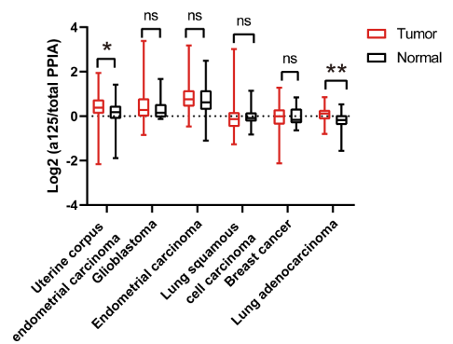
 |  | 1.184451495 | -0.346847099 | 0.584801714 | 0.108000586 | 1.578948831 | 1.348605577 | -0.47405 | 0.096414281 | 0.001494266 | -0.62190345 | 0.489337528 | -0.154786652
 |  | 0.789726599 | 0.462700737 | 0.968687639 | -0.124765292 | 1.598575949 | 1.315827954 | -0.34203 | 0.355963216 | 0.364320647 | -0.17996632 | 0.16895194 | 0.537838276
 |  | 0.537583013 | 0.5163899 | -0.068359664 | 0.143988442 | 0.884811843 | 0.377921153 | -0.56349 | -0.23802605 | -0.809074667 | -0.236538725 | -0.128899638 | -0.038055714
 |  | 0.226869962 | -0.399800828 | 0.266640701 | 0.157578167 | 1.670584365 | 0.500833046 | -0.4077 | 0.202355093 | -0.29821335 | 0.161944613 | -0.262345176 | -0.403872861
 |  | 0.008160562 | -0.267928185 | -0.255881905 | 0.300548371 | 1.248670077 | 2.499929643 | -0.25726 | -0.107243441 | -0.035175488 | 0.456943832 | 0.137611873 | 0.002018957
 |  | 0.934363222 | -0.422114769 | 0.176521964 | 1.671126572 | 0.751174851 | 1.004769901 | -0.26607 | 0.12708059 | 0.366081623 | 0.337818579 | 0.165387901 | 0.003123099
 |  | 0.427218076 | -0.930053059 | 1.039695274 | 1.126113727 | 2.451993227 | 0.991528847 | 0.286735 | -0.233931329 | -0.486871769 | -0.511805833 | 0.175316844 | 0.324961042
 |  | -2.154001058 | -0.07499113 | -0.395564238 | -0.025778163 | 3.179988472 | 1.209594603 | -0.54934 | -0.151249829 | 0.106449965 | -0.639392632 | -0.05349789 | 0.250182806
 |  | 0.243667426 | -0.536906242 | 1.861050434 | 0.341125199 | -0.328265551 | 2.000440942 | -0.60923 | -0.089612068 | 0.118331636 | 0.404943806 | 0.452552025 | -0.089561312
 |  | 0.128102995 | 0.238068273 | 0.30591103 | -0.130749192 | 0.554599762 | -0.363902315 | 0.064024 | -0.037504663 | -0.372936973 | -0.151189798 | 0.039982728 | 0.093152357
 |  | 0.439110731 | 0.388414458 | 0.458880474 |  | 1.057509807 | 0.27117287 | -0.24649 | 0.414585692 | 0.097524392 | -0.129509998 | 0.208028328 | -0.245878285
 |  | 0.36262857 | 0.073261811 | 0.91786601 |  | 0.876787947 | 0.351789853 | 0.155082 | 0.359368228 | -0.158576139 | 0.06879742 | 0.285740473 | -0.056451493
 |  | -0.074195324 | 0.291849159 | 1.077826633 |  | 1.215580228 | 0.202496672 | -0.31186 | 0.446124339 | 0.075717641 | 0.344128238 | 0.117317591 | 0.282829978
 |  | 0.102598587 | 0.037712149 | 0.195813185 |  | 0.273465216 | 0.587021378 | -0.39006 | -0.106763631 | -0.010534756 | -0.288442943 | 0.197913939 | 0.237291922
 |  | 0.37802656 | 0.25398912 | 0.183018705 |  | 2.183534076 | 0.141791304 | -0.26274 | -0.065089578 | -0.915270678 | -0.378935064 | 0.126686006 | 0.179619788
 |  | 0.282738694 | 0.659733248 | 0.432501923 |  | 1.075761889 | 0.941787889 | -0.25249 | 0.00780832 | -0.941604485 | 0.843327813 | -0.041568031 | -0.148549879
 |  | 0.791263113 | -0.096667694 | 0.817030603 |  | 2.936624193 | -1.105428258 | 0.071975 | -0.162183573 | -0.071619316 | -0.284136925 | 0.195759942 | 0.285910788
 |  | 0.748840067 | 1.030974752 | 2.231947583 |  | 0.79405992 | 0.58795526 | -0.53849 | 0.029380195 | -0.324274438 | -0.214095684 | -0.06140639 | -0.06056014
 |  | 0.426392435 | 0.293854183 | 0.408033355 |  | 1.542196193 | 0.652438398 | -0.03339 | 0.078449747 | -1.132725875 |  | -0.394973138 | -0.246611326
 |  | 0.011841433 | 0.038713028 | 0.226206498 |  | 1.143274663 | 0.950485008 | -0.35193 | -0.530980254 | -0.335309922 |  | 0.029283792 | -0.448855914
Cropped |  | 0.098023487 | -0.135704571 | -0.063547273 |  | 0.929585849 |  | 0.082345 | -0.483408024 | -0.581967584 |  | -0.060240743 | -0.370280853
 |  | 0.87017495 | -0.823670506 | -0.591873934 |  | 1.532468488 |  | 0.175193 | -0.269535166 | -0.038217382 |  | -0.520471082 | 0.167890389
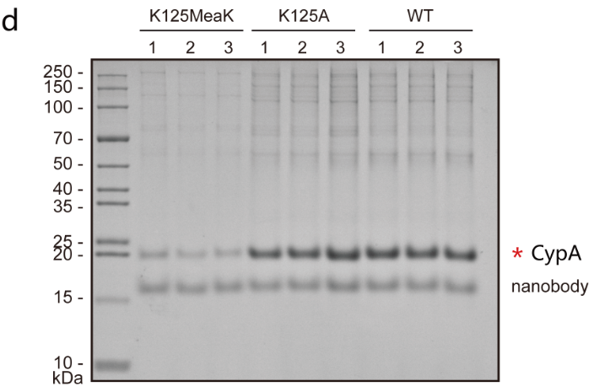
 |  | 0.920999645 | -0.077901333 | 0.616223912 |  | 1.162532704 |  | -0.16164 | -0.094432653 | 0.141322215 |  | -0.377365909 | 0.353909086
 |  | 0.139707605 | 0.253450197 | 0.285121565 |  | 2.408115907 |  | -0.12622 | -0.320006588 | 0.018248367 |  | 0.110308346 | -0.085029296
 |  | 1.262653138 | -1.882214028 | 0.999874245 |  | 0.913420569 |  | 0.034828 | -0.150573774 | -0.112728027 |  | -0.103418824 | 0.053886222
 |  | 0.239723888 | -0.610901668 | -0.51077277 |  | 1.426598638 |  | 0.097505 | -0.330422877 | 0.316516344 |  | 0.318142945 | 0.10097104
 |  | 0.54550819 | 0.464933285 | 1.10722287 |  | 0.951824479 |  | -0.16271 | -0.354854338 | -0.16266671 |  | -0.361252862 | 0.160859853
 |  | 0.349480112 | 0.45777425 | -0.073817099 |  | 0.683194216 |  | 0.387834 | -0.234683682 | -0.071969812 |  | 0.362155528 | -0.447949671
 |  | 0.596986946 | -1.025369586 | 0.57309301 |  | 1.015847939 |  | -0.12192 | 0.371146953 | -1.524997222 |  | 0.454732217 | -0.006663143
 |  | 1.326367264 | 0.646385782 | 0.106829636 |  | 0.625291146 |  | 0.087186 | 0.165925516 | -0.336117447 |  | 0.256715667 | -0.421640531
 |  | 0.098532984 | -0.278980299 | -0.847513706 |  | 0.906261963 |  | 0.005665 | 0.627754381 | -0.101959128 |  | 0.1606266 | -0.529597788
 |  | 0.668450626 | -0.029179212 | 0.453956042 |  | 2.095825631 |  | -0.12794 | 0.443793263 | 0.798327721 |  | -0.046943732 | 0.170796509
 |  | 0.869542279 | -0.01622649 | 0.056608744 |  | 0.907557789 |  | -0.42597 | -0.380555315 | -0.643535792 |  | 0.238218728 | -0.343106318
 |  | 0.455346764 | 0.487672423 | 1.077957928 |  | 2.687519429 |  | 0.06505 | -0.192312727 | -1.511157327 |  | 0.038464275 | 0.012222731
 |  | 1.944719839 | 1.172491582 | 0.475522884 |  | 0.497299888 |  | -0.28539 | 0.562614817 | 0.230616898 |  | -0.491582557 | -0.676782028
 |  | 0.029876648 | 1.415706756 | 1.858379689 |  | 0.711640917 |  | 0.336996 | -0.053897913 | -0.291230015 |  | 0.241552101 | -0.339465993
 |  | 0.923434333 | 0.850288454 | 0.057739344 |  | 0.154938647 |  | -0.71743 | -0.19347184 | 0.562733089 |  | 0.177831691 | -0.461809093
 |  | -0.203972375 | 1.037412826 | -0.594077762 |  | 0.369858683 |  | -0.62833 | -0.277753648 | 1.273679997 |  | -0.189146692 | -1.167598655
 |  | 0.275172125 | 0.595202203 | 1.183524503 |  | 0.656453578 |  | 0.142273 | 0.174286081 | -0.034575737 |  | 0.043837217 | 0.121147576
Uncropped |  | 0.70796171 | 0.182810677 | -0.049047538 |  | 0.732969435 |  | -0.07695 | -0.237522257 | 0.526274234 |  | 0.151643618 | -0.251793779
 |  | 0.442192811 | 0.394323779 | 0.286497679 |  | 1.084471182 |  | -0.31228 | -0.256576435 | 0.788358741 |  | 0.477242363 | -0.047076579
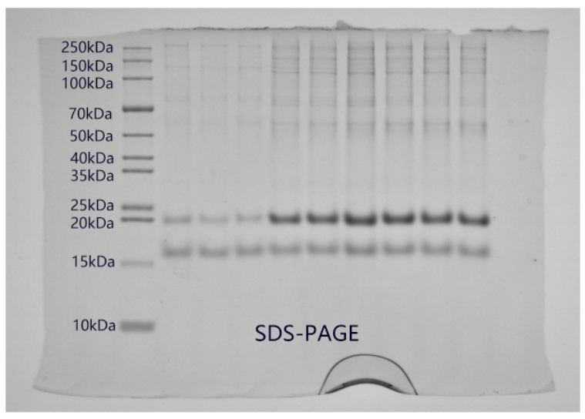
 |  | -0.118945594 | 0.254436099 | -0.080323053 |  | 0.876325292 |  | 0.056376 | -0.248771414 | 0.414769588 |  | -0.135772601 | 0.074561127
 |  | 0.054934511 | -0.035884288 | 0.134118194 |  | 2.760591256 |  | -0.50714 | -0.153198173 | 1.194933236 |  | 0.32368316 | 0.08955128
 |  | -0.828316223 | 0.604782631 | 0.008904158 |  | 1.1079238 |  | -0.48908 | -0.200999891 | 0.562047121 |  | 0.092606309 | 0.012118961
 |  | -0.599482696 | 0.151421698 | 0.018322027 |  | 1.583897604 |  | -0.50831 | -0.217638078 | 0.870140562 |  | 0.023455133 | -0.041227126
 |  | 0.399277085 | 0.078202194 | 0.73630881 |  | 1.991343181 |  | -0.189 | 0.488236786 | 0.065575716 |  | -0.030721761 | -0.480373052
 |  | 0.255339064 | 0.30045753 | 1.03998375 |  | 2.160752314 |  | -0.33153 | 0.298259307 | 0.072224204 |  | 0.16334079 | -0.173300069
 |  | 0.567866375 | 0.387112661 | -0.128005568 |  | 1.260953499 |  | -0.141 | 0.549976572 | -0.37498385 |  | -0.02354108 | -0.125958672
 |  | 0.709846485 | 0.115434028 | -0.15421124 |  | 1.561537633 |  | -0.6211 | 0.059100144 | 0.103650517 |  | 0.138905551 | -0.481072487
 |  | 0.38289888 |  | -0.135463219 |  | 1.899307401 |  | -0.40453 | 0.487806618 | -0.162819787 |  | -0.235979929 | -0.164611421
 |  | 0.088212967 |  | 0.04956905 |  | 0.108274545 |  | 0.037865 | 0.070531151 | -0.004060979 |  | 0.5277213 | -0.45392249
 |  | 0.362432546 |  | 0.181328277 |  | 0.53425707 |  | -0.57749 | 0.17510924 | 0.299327326 |  | -0.27219387 | -0.988488959
 |  | 0.134319258 |  | 0.220010799 |  | 0.335804 |  | 0.00896 | 0.080695639 | -0.508547619 |  | -0.238343968 | -0.893369139
 |  | 0.90404435 |  | 0.440744406 |  | 0.363672742 |  | -0.31086 | 0.160536924 | 0.722012759 |  | -0.332973389 | -0.355129502
 |  | 0.359871469 |  | -0.630551045 |  | 0.285430226 |  | -0.60522 | 0.257364417 | 0.032271888 |  | 0.278300319 | -0.951612379
 |  | 0.111548407 |  | 0.393313356 |  | 0.525029066 |  | 0.099633 | 0.270669531 | 0.318142346 |  | -0.388123126 | 0.011025043
 |  | 0.188895032 |  | 0.542003956 |  | 1.15411435 |  | -0.5728 | 0.029447648 | 0.073295227 |  | 0.026314536 | -0.393548048
 |  | 0.948233943 |  | -0.067144758 |  | -0.101972126 |  | -0.31793 | 1.140867424 | 0.785915364 |  | -0.375506879 | -0.431815192
 |  | 0.508310416 |  | 1.031779717 |  | 2.517894681 |  | 0.196843 | 0.120438538 | 0.201322214 |  | -0.397487133 | -0.340075404
 |  | 0.20659959 |  | 0.249268487 |  | 0.245073666 |  | -0.05855 | 0.240872772 | -0.064999289 |  | 0.366929656 | -0.325302598
 |  | 0.033522901 |  | 0.857483001 |  | 1.02787178 |  | 0.173793 | -0.084975459 | 0.466782922 |  | 0.849238495 | -0.228642385
 |  | 1.384918019 |  | 1.803798296 |  | 0.792274857 |  | -0.69987 | 0.510682236 | -1.570627385 |  | -0.647279248 | -0.459293684
 |  | 0.64409288 |  | -0.074867555 |  | 0.799202154 |  | 0.314174 | 0.321362085 | 0.374908197 |  | -0.465152094 | -0.339886025
 |  | 0.145423409 |  | 2.7931849 |  | 0.383596852 |  | -0.15472 | -0.234384704 | 0.589216008 |  | -0.136723893 | 0.302043128
 |  | 0.310605753 |  | 0.083156089 |  | 0.824343481 |  | -0.09648 | -0.187894228 | -0.971759671 |  | -0.359840919 | -0.496106412
 |  | 0.696441998 |  | 0.546184604 |  | 1.500985112 |  | 0.094122 | -0.071329491 | 0.076393651 |  | -0.239042484 | -0.320814905
 |  | 0.931980487 |  | -0.265082998 |  | 0.722232377 |  | -0.17706 | 0.080907328 | 0.17548586 |  | 0.25449572 | -0.229580145
 |  | 1.012280901 |  | 0.53564189 |  | 2.914676818 |  | 0.376395 | -0.021959212 | 0.260622263 |  | 0.65246443 | -0.089753776
 |  | 0.782991693 |  | 0.397508688 |  | 0.5057534 |  | 0.201513 | -0.374526891 | -0.285028663 |  | 0.204858779 | 0.256516398
 |  | 0.331212243 |  | 0.682108567 |  | 1.093628616 |  | -0.45956 | -0.746490237 | 0.265266498 |  | -0.03887656 | 0.235526435
 |  | 0.018595476 |  | 1.935365523 |  | -0.465828094 |  | -0.12878 | -0.285058627 | 0.294968311 |  | 0.155980131 | -0.280498677
 |  | 1.273953524 |  | 0.422573454 |  | 0.504556414 |  | 0.091365 | -0.344756075 | -0.350990206 |  | -0.089911576 | -0.275062693
 |  | -0.15802462 |  | 3.381007217 |  | 0.518548139 |  | -0.40445 | -0.226523715 | 1.231110275 |  | -0.13527658 | 0.037610299
 |  | 0.627921293 |  | 0.218885313 |  | 0.922189403 |  | -0.06225 | -0.302995395 | 0.345970369 |  | 0.597720991 | -0.350000697
 |  | 0.58622747 |  | 0.240652311 |  | 0.479821781 |  | -0.69349 | 0.013123959 | 0.289758371 |  | 0.833500974 | -0.591239278
 |  | -0.039319666 |  | 0.360537635 |  | 0.599240617 |  | -0.22932 | 0.489126735 | -0.308796485 |  | 0.19975432 | -0.255971424
 |  | 0.118888442 |  | 0.46520828 |  | 1.498801509 |  | -0.59104 | -0.053134598 | 0.094939219 |  | 0.153266656 | -0.079206729
 |  | 0.815883158 |  | -0.450625603 |  | 0.16158344 |  | -0.58289 | -0.169978817 | -0.24729462 |  | 0.280306561 | -1.561847823
 |  | -0.032044289 |  | 0.355948151 |  | 0.843081528 |  | -0.3534 | -0.091721435 | -0.004948403 |  | 0.028259308 | -0.518882082
 |  | 0.489414439 |  | 1.520750112 |  | 1.562440288 |  | -0.68912 | -0.039023054 | 0.234046553 |  | 0.169205987 | -0.013840224
 |  | 0.833726135 |  | -0.207280846 |  | 0.677133931 |  | -0.13952 | 0.121006977 | 0.445709792 |  | 0.368281083 | 0.392999764
 |  | 0.371810752 |  | 1.424497402 |  | 0.565791209 |  | -0.51503 | 0.048678088 | 0.571553373 |  | 0.50558572 | 0.23153817
 |  | -0.048902112 |  | -0.201457054 |  | 0.671965088 |  | -0.85602 | -0.037877361 | 0.419335839 |  | -0.428274656 | -0.27475698
 |  | 1.07037297 |  | 0.222746224 |  | 0.997664479 |  | 0.222837 | 0.302397952 | 0.182319227 |  | -0.127368882 | -0.220203552
 |  | -0.189395555 |  | -0.039360329 |  | 0.807000074 |  | -0.00796 | 0.199357546 | 0.359060714 |  | -0.077437155 | -0.355376841
 |  | 0.68221702 |  | 0.281023526 |  | 1.029132363 |  | -0.53826 | -0.526355331 | 0.182950553 |  | -0.268156653 | 0.308796165
 |  | 0.399500497 |  | 0.812944562 |  | 0.210009089 |  | -0.4041 | -0.125497168 | -0.053585542 |  | -0.326150083 | -0.365713079
 |  | 0.446045037 |  | 1.406015904 |  | 0.190044365 |  | 0.579556 | -0.287214991 | 0.39558621 |  | 0.340839006 | -0.010177061
 |  | 0.58918686 |  | 0.442263383 |  | -0.100060036 |  | 0.347005 | -0.433810767 | 0.542117481 |  | -0.793515104 | 0.283763182
 |  | -0.203098834 |  | 0.624261984 |  | 0.270657866 |  | -0.25994 | -0.434309489 | -0.387495657 |  | 0.330198994 | -0.020029918
 |  | -0.424154926 |  | -0.011057942 |  | 0.406669895 |  | 0.246306 | -0.101971555 | -0.333741587 |  | 0.273637978 | 0.239953115
 |  | 0.11632839 |  | 0.470392997 |  | 0.20329756 |  | 0.400798 | -0.186194133 | -0.06721814 |  | 0.219735493 | -0.291530628
 |  | 0.968915072 |  | 0.171142676 |  | 0.691915881 |  | -0.50098 | -0.327150606 | -0.458403633 |  | 0.149913264 | -0.231620761
 |  | 0.136112631 |  | -0.299434109 |  | 0.041443058 |  | -0.0022 | -0.088041584 | 0.148714698 |  | -0.174777225 | -0.543703519
 |  | 0.898577469 |  | 0.004879901 |  | 0.620897869 |  | 0.216845 | -0.26322346 | -0.611113858 |  | 0.242255531 | 0.071054616
 |  |  |  | 0.082764361 |  | 0.461686482 |  | -0.35682 | -0.077911048 | 0.030750555 |  | 0.339076433 | -0.702488866
 |  |  |  | -0.213416367 |  | 1.266571991 |  | -0.58539 | 0.04540142 | -0.230017006 |  | 0.408595513 | -0.054327939
 |  |  |  | -0.01656951 |  | 0.133949564 |  | -0.49307 | -0.820921124 | -0.583198778 |  | 0.12440154 | -0.429521888
 |  |  |  | 1.430682473 |  | 0.797650723 |  | -0.20785 | -0.108268277 | 0.00698818 |  | 0.802539579 | -0.411448463
 |  |  |  | 2.101047596 |  | 0.545395679 |  | -0.63495 | -0.020640139 | -1.157568107 |  | 0.542315785 | -0.608006129
 |  |  |  |  |  | 0.110564545 |  | -0.8812 | -0.343593838 | -0.552853059 |  | 0.361196595 | -0.246776863
 |  |  |  |  |  | 0.378918319 |  | -0.07102 | -0.368257252 | -0.762772072 |  | -0.033509807 | -0.126379385
 |  |  |  |  |  | 0.08246188 |  | -0.52929 |  | -0.566996322 |  | 0.14161401 | -0.393205282
 |  |  |  |  |  | 1.15776588 |  | -1.20917 |  | -1.122466983 |  | 0.395115665 | -0.224282388
 |  |  |  |  |  | 0.305322515 |  | -0.1351 |  | -0.725239409 |  | -0.140971195 | -0.158618962
 |  |  |  |  |  | 0.07672688 |  | -0.30666 |  | -2.125284347 |  | 0.426703886 | 0.019225975
 |  |  |  |  |  | 0.625533356 |  | -0.54584 |  | -0.375938452 |  | 0.167620285
 |  |  |  |  |  | 0.747587143 |  | -0.95618 |  | -1.483411721 |  | 0.678186271
 |  |  |  |  |  | 0.546929581 |  | 0.10898 |  | -0.246423929 |  | -0.259180133
 |  |  |  |  |  | 0.287146242 |  | -0.81904 |  | -0.609419764 |  | -0.401773862
 |  |  |  |  |  | 0.78415186 |  | -0.68065 |  | -0.590491974 |  | -0.086147426
 |  |  |  |  |  | 0.063826982 |  | -1.26191 |  | -0.457084785 |  | -0.182405208
 |  |  |  |  |  | 1.858676085 |  | 0.553017382 |  | -0.859429302 |  | -0.44315575
 |  |  |  |  |  | -0.308856144 |  | 0.968747904 |  | -0.365719004 |  | 0.024852919
 |  |  |  |  |  | -0.223116556 |  | 0.080823712 |  | -1.133143641 |  | -0.146345417
 |  |  |  |  |  | 0.693263173 |  | 0.054800667 |  | 0.279052221 |  | 0.332501683
 |  |  |  |  |  | -0.009425955 |  | 0.877165926 |  | 0.342644535 |  | -0.115108832
 |  |  |  |  |  | 0.553017382 |  | 0.757961328 |  | -0.844608137
 |  |  |  |  |  | 0.968747904 |  | 0.694762819 |  | 0.432136924
 |  |  |  |  |  | 0.080823712 |  | 0.902339215 |  | 0.076470332
 |  |  |  |  |  | 0.054800667 |  | 0.559235834 |  | 0.427454797
 |  |  |  |  |  | 0.877165926 |  | 0.547790962 |  | 0.304313996
 |  |  |  |  |  | 0.757961328 |  | 0.460183593 |  | 0.365880505
 |  |  |  |  |  | 0.694762819 |  | 1.465217536 |  | -0.092559318
 |  |  |  |  |  | 0.902339215 |  | 1.262660309
 |  |  |  |  |  | 0.559235834 |  | 3.014086795
 |  |  |  |  |  | 0.547790962 |  | 0.858074879
 |  |  |  |  |  | 0.460183593 |  | 0.903638931
 |  |  |  |  |  | 1.465217536 |  | 0.568679423
 |  |  |  |  |  | 1.262660309 |  | 0.15115101
 |  |  |  |  |  | 3.014086795 |  | 0.959021156
 |  |  |  |  |  | 0.858074879 |  | 0.740534486
 |  |  |  |  |  | 0.903638931 |  | 0.415717486
 |  |  |  |  |  | 0.568679423 |  | 0.547804535
 |  |  |  |  |  | 0.15115101 |  | 1.676553927
 |  |  |  |  |  | 0.959021156
 |  |  |  |  |  | 0.740534486
 |  |  |  |  |  | 0.415717486
 |  |  |  |  |  | 0.547804535
 |  |  |  |  |  | 1.676553927

Figure4
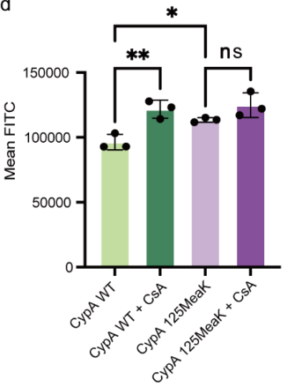

 | Mean FITC fluorescence intensity
Group | CypA WT | CypA WT+CsA | CypA MeaK | CypA MeaK+CsA
Repeat 1 | 92793.7 | 127856.7 | 115131.7 | 135393.9
Repeat 2 | 92984.5 | 114163.7 | 113560.1 | 117015
Repeat 3 | 103231.8 | 123145.8 | 111700.3 | 122031.8

Figure5
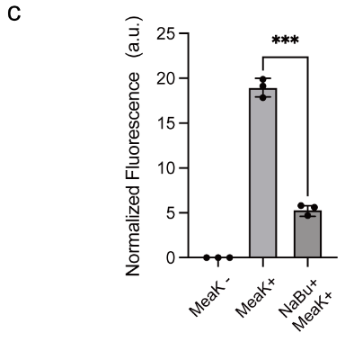
 | Cropped |  |  |  |  |  |  | Cropped
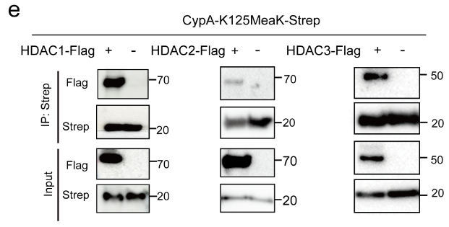
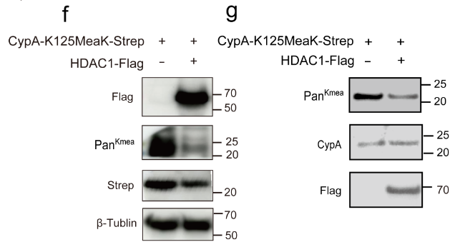

Uncropped |  |  |  |  |  |  |  | Uncropped

HDAC1-CypA Co-IP |  | HDAC2-CypA Co-IP | HDAC2-CypA Co-IP |  |  |  |  | Figure5f | Figure5g
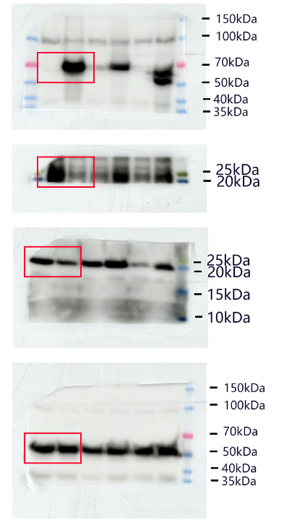
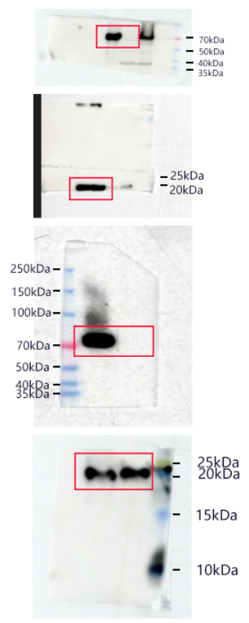
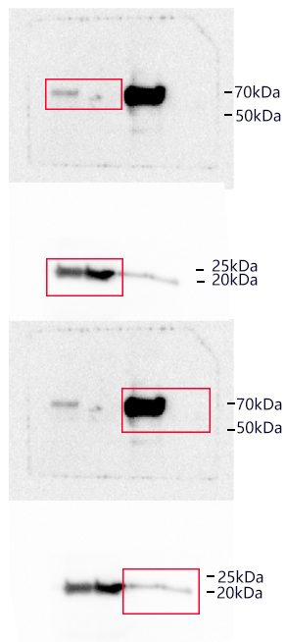
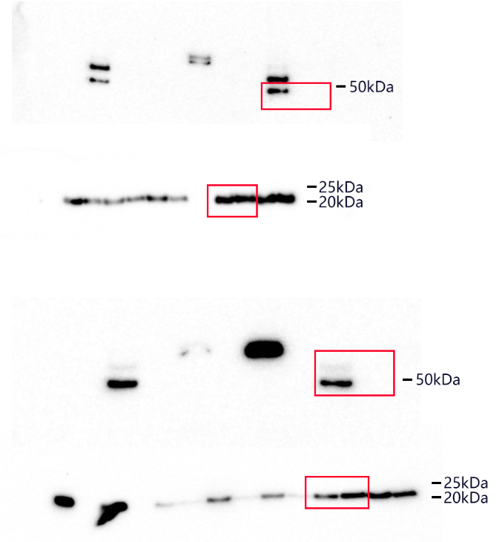
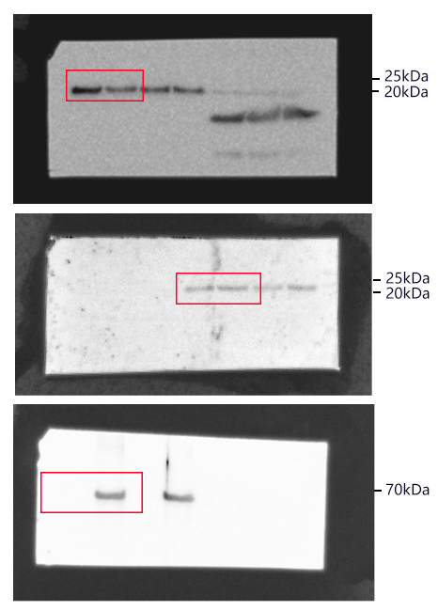
 |  |  |  |  | Normalized fluorescence intensity
 |  |  |  |  | EGFP
 |  |  |  |  | -MeaK | +MeaK | MeaK+NaBu
 |  |  |  | Repeat 1 | 0 | 8.565 | 3.277
 |  |  |  | Repeat 2 | 0 | 10.96 | 3.571
 |  |  |  | Repeat 3 | 0 | 8.723 | 3.301
 |  |  |  |  | mCherry
 |  |  |  | Repeat 1 | 34.233 | 43.063 | 56.387
 |  |  |  | Repeat 1 | 37.143 | 61.427 | 76.127
 |  |  |  | Repeat 1 | 38.99 | 45.568 | 58.853

 |  |  |  |  | Normalize
 |  |  |  | Repeat 1 | 0 | 19.889 | 5.812
 |  |  |  | Repeat 1 | 0 | 17.842 | 4.692
 |  |  |  | Repeat 1 | 0 | 19.143 | 5.609

Supplemenetary Figure 1
Cropped
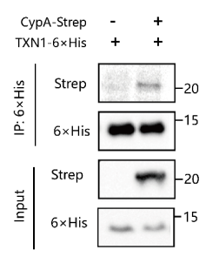
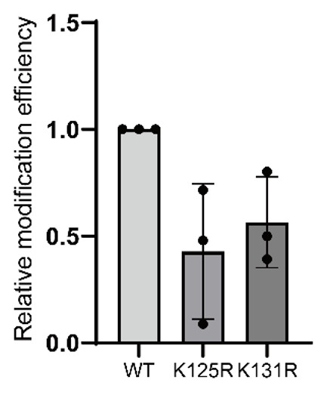

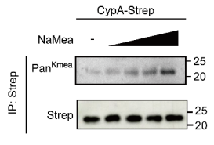
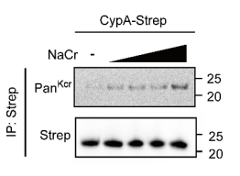

Uncropped
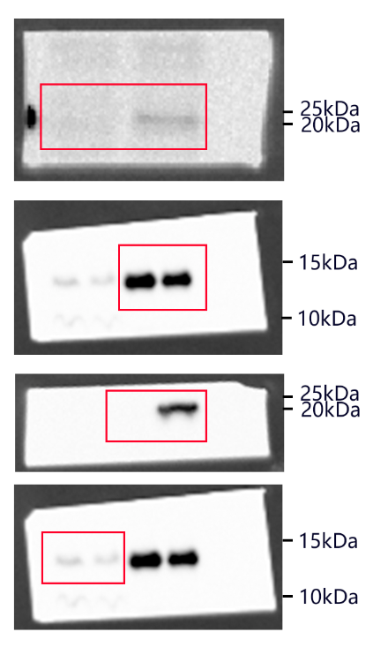
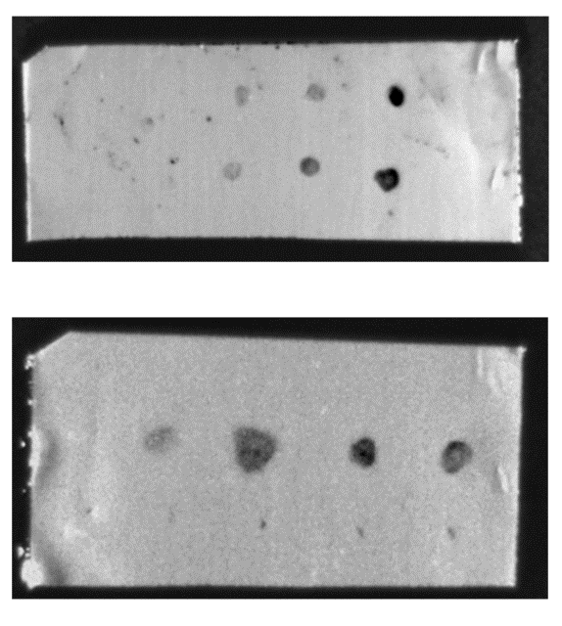
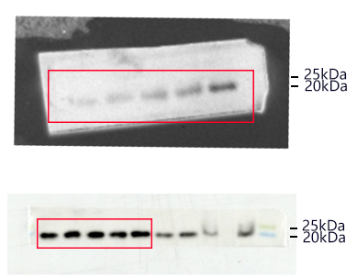
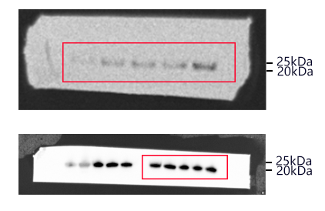
 |  | Relative modification intensity
 |  | WT | K125R | K131R
 | Repeat1 | 1 | 0.087878 | 0.392116
 | Repeat2 | 1 | 0.479527 | 0.801405
 | Repeat3 | 1 | 0.716126 | 0.499328

Supplemenetary Figure 2
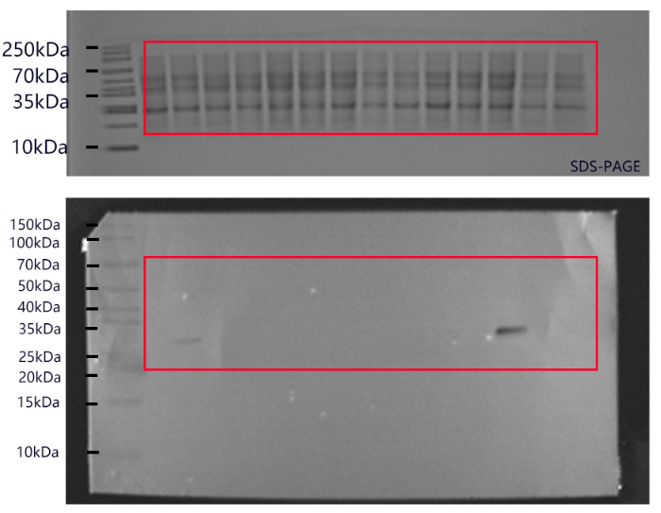
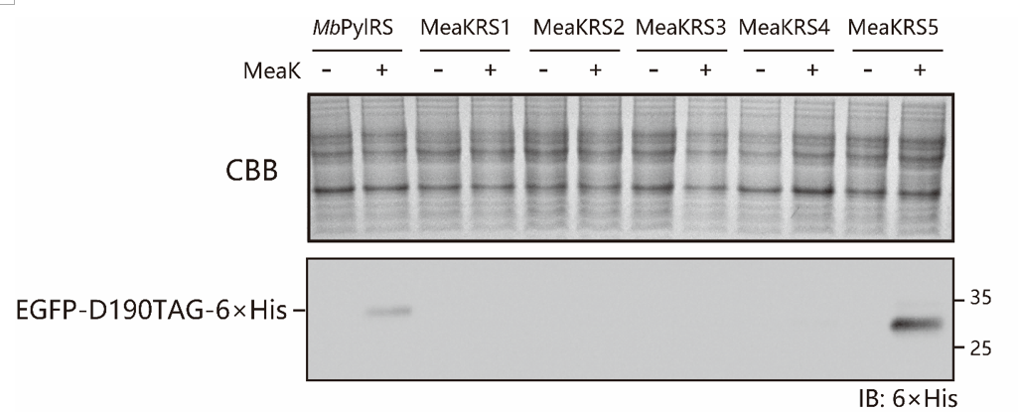
Cropped | Uncropped

Supplemenetary Figure 3
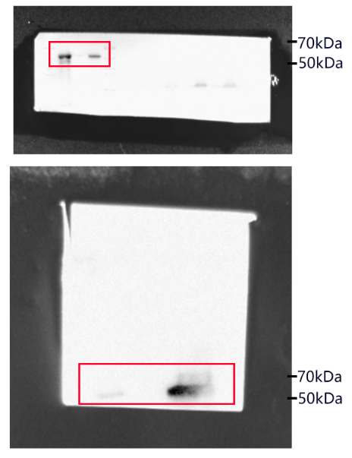
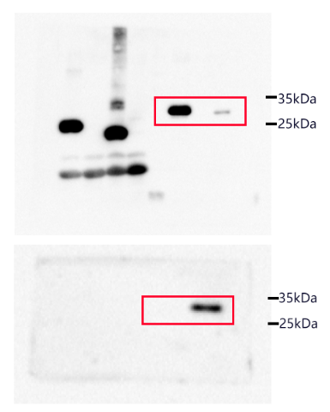
Cropped

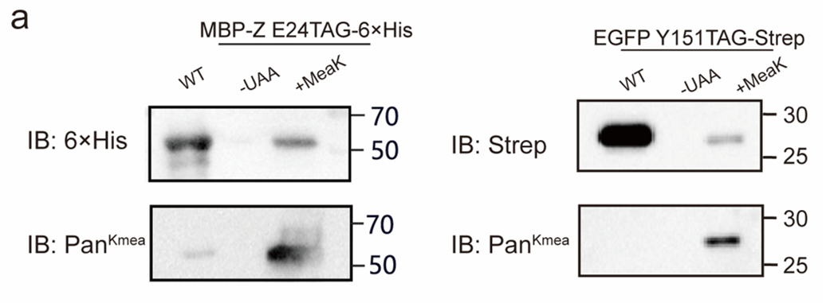

Uncropped

Supplemenetary Figure 4
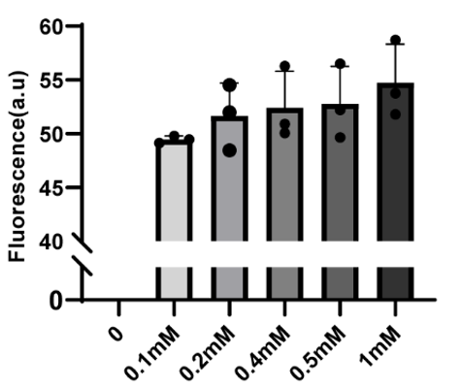

 | Fluorescence (a.u)
 | No MeaK | 0.1mM | 0.2mM | 0.4mM | 0.5mM | 1mM
Repeat1 | 0 | 49.782 | 51.985 | 50.885 | 49.639 | 53.746
Repeat2 | 0 | 49.133 | 48.457 | 50.051 | 52.207 | 51.783
Repeat2 | 0 | 49.457 | 54.525 | 56.295 | 56.506 | 58.712

Supplemenetary Figure 6
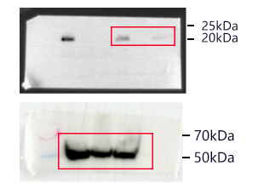
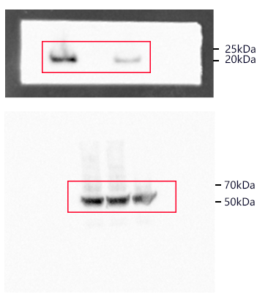
Cropped

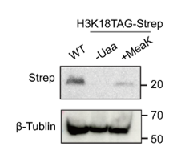
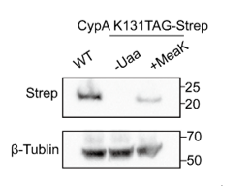

Uncropped

Supplemenetary Figure 7
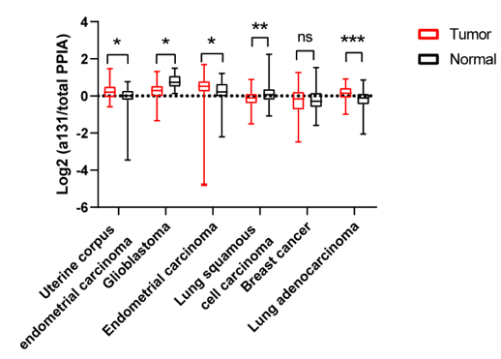
 | Log2(acetylation-K131/total PPIA)
PDC study ID | PDC000443 |  | PDC000245 |  | PDC000226 |  | PDC000233 |  | PDC000239 |  | PDC000224
Disease Type | Uterine corpus endometrial carcinoma |  | Glioblastoma |  | Endometrial carcinoma |  | Lung squamous cell carcinoma |  | Breast cancer |  | Lung adenocarcinoma
 | Tumor | Normal | Tumor | Normal | Tumor | Normal | Tumor | Normal | Tumor | Normal | Tumor | Normal
 | 0.824912307 | -0.825803675 | 1.033504834 | 0.308090293 | 0.814383104 | 1.214069868 | 0.168422119 | 0.540680236 | -0.408465074 | -0.539546666 | 0.455191793 | -0.140693664
 | 0.204361256 | 0.230940597 | 0.051857593 | 1.055447276 | 1.02740803 | 0.791089762 | -0.001769445 | 0.80127434 | 0.256877171 | -0.274501906 | 0.116724894 | 0.450152654
 | 0.247477897 | 0.318789618 | 0.284427333 | 1.171997601 | 0.489994995 | 0.250216583 | 0.417993783 | 0.461905443 | -1.226658154 | -1.583522992 | -0.277726694 | -0.021955909
 | 0.36768249 | 0.255060071 | 0.832010886 | 0.561020623 | 1.01572275 | -0.542661077 | 0.322193839 | 0.098381069 | -0.347184189 | -0.60539826 | -0.494717745 | -0.591354701
 | 0.041497226 | -0.071046217 | -0.278579509 | 0.845002459 | 0.180044612 | 0.356891891 | 0.239930228 | 0.310673911 | -0.627786219 | 0.488095454 | 0.235103186 | -0.082161228
 | 0.295680207 | -0.309831013 | -0.221643099 | 1.49323945 | -0.113735672 | 0.019354946 | 0.04854245 | -0.566000678 | 0.460487374 | -0.659651851 | 0.460030564 | -0.437439539
 | 0.510146687 | -0.992747713 | 0.709963657 | 0.923938671 | 1.012649822 | 0.702738915 | 0.002266442 | -0.169508523 | -0.452869074 | -0.591121013 | 0.54601942 | -0.199365926
 | -0.139117055 | -0.044599254 | 0.223202641 | 0.568905119 | 1.06513302 | 1.02092115 | -0.545240778 | -0.047350911 | -0.182424466 | -0.481650786 | -0.16265808 | 0.290787861
 | 0.634852421 | -0.267662394 | 0.523718031 | 0.128881239 | -0.056370162 | 0.848791327 | -1.044515027 | -0.033012321 | -1.129821045 | 0.095370523 | 0.700317 | 0.118033804
 | 0.260195393 | 0.273386757 | 0.095513124 | 0.62030797 | 0.841306657 | -0.597047962 | 0.181764757 | 0.122453236 | -0.363595626 | 0.1683473 | -0.052188064 | -0.599896435
 | 0.128712297 | 0.506946044 | 1.10315189 |  | 0.670506982 | 0.131025153 | 0.05022322 | -0.205851348 | 0.461545053 | 0.079935717 | -0.0768111 | -0.45920188
 | -0.118583334 | 0.428868989 | 0.334719769 |  | 0.722284282 | -0.950561829 | 0.04927142 | 0.401843692 | -0.787254851 | -0.009777464 | 0.178209344 | -0.366866063
 | -0.081940058 | 0.116717194 | 0.619070273 |  | 0.739821871 | 0.065962245 | -0.176780563 | 0.051036222 | 0.368429132 | 0.461552335 | -0.301162892 | 0.162671941
 | -0.118565235 | 0.13190841 | 0.168657812 |  | 0.304910924 | 0.242079839 | -0.250911699 | -0.123259415 | 0.265332779 | -0.295375616 | 0.350496895 | 0.106236661
 | -0.070898943 | 0.254637751 | 0.13067516 |  | 0.947268278 | 0.105561627 | -0.294102277 | -0.105702303 | -1.140254611 | -1.202245121 | 0.164055122 | -0.006735433
 | 0.259208689 | 0.305598813 | 0.229384233 |  | 1.014695888 | 0.286709677 | -0.041513635 | -0.110745046 | -0.8189801 | 1.525053811 | 0.164554769 | -0.114921608
 | 0.384901352 | -0.629003262 | 0.479724169 |  | 0.793386347 | -2.206866848 | -0.047068889 | -0.128063704 | 0.119079699 | -0.528036598 | 0.343871498 | 0.353154363
 | 0.559459014 | 0.206369961 | 0.500657144 |  | 0.441896265 | 0.521707172 | -0.416192165 | -0.189287283 | 0.053269757 | 0.174893546 | -0.09984187 | -0.041432087
 | 0.759014091 | 0.287235533 | 0.560199214 |  | 1.125551914 | 0.205508393 | 0.086192995 | 0.404387614 | -1.798019463 |  | 0.107829 | -0.331698644
 | 0.429947098 | -0.016422118 | 1.144075295 |  | 0.036106981 | -0.037427355 | -0.328644367 | -0.327469136 | -0.886598752 |  | 0.10432994 | -0.390204063
 | 0.439685105 | -0.30309975 | -0.089797609 |  | 0.141149195 |  | -0.276824599 | 0.3203616 | -0.007356116 |  | -0.11631269 | -0.167634223
 | 1.468874907 | -0.122835166 | 0.082118373 |  | 1.057319767 |  | 0.353398704 | -0.238049096 | -0.080172034 |  | -0.393927637 | 0.332021758
 | 0.791584761 | 0.1512338 | 1.322654505 |  | 0.904510649 |  | -0.34326324 | 0.258200004 | 0.204641962 |  | -0.063824942 | 0.683723344
 | 0.077617594 | 0.676115472 | 1.105722819 |  | 0.972010871 |  | 0.172295659 | -0.407773696 | 0.180730782 |  | -0.060239925 | 0.332863212
 | 0.445567579 | -3.457399886 | 0.480565226 |  | 0.622068561 |  | 0.043476088 | -0.428885017 | 0.631103276 |  | 0.231743201 | 0.401196868
 | -0.000178098 | -0.80983987 | 0.548531155 |  | 0.287048042 |  | 0.40192981 | 0.07129545 | 0.464040458 |  | 0.688975747 | 0.341572158
 | 0.16742565 | -0.157717262 | 0.542165172 |  | 0.613077505 |  | -0.612563341 | -0.131718473 | -0.354373449 |  | -0.360890638 | -0.344380113
 | 0.451912838 | 0.516269632 | 0.521992812 |  | 0.027052275 |  | -0.039997539 | -0.117361514 | 0.14578279 |  | 0.101668551 | -0.79407279
 | 0.12015129 | -0.909082294 | -0.200444888 |  | 0.109217152 |  | -0.306505003 | -0.546803471 | -0.462660677 |  | 0.914912665 | -0.17960153
 | 0.063278545 | 0.542740494 | 0.77035252 |  | 0.388567229 |  | -0.29376785 | -0.268201078 | -0.360938068 |  | 0.539752895 | -0.641498454
 | -0.14630838 | -0.224388176 | 0.058394795 |  | -0.174803704 |  | 0.127024864 | -0.898139416 | 0.120497658 |  | 0.074139565 | -0.109052608
 | 0.116269499 | -0.165431464 | 0.547963763 |  | 0.849771786 |  | -0.131230585 | -0.220608571 | 0.929982891 |  | -0.068252774 | 0.114115652
 | -0.339555795 | -0.11396272 | 0.379708655 |  | 0.483792254 |  | -0.660276968 | -0.226164427 | 0.049740331 |  | 0.12154161 | -0.897650897
 | 0.331277908 | 0.05255953 | 0.46714651 |  | 0.33515957 |  | -0.062386899 | -0.197327581 | -1.424410385 |  | -0.070687848 | -0.815391654
 | 0.670725364 | 0.518762241 | 0.917191826 |  | 0.47073264 |  | -0.608225435 | -0.263858539 | -0.006606135 |  | -0.475933838 | -0.632989244
 | -0.36661417 | 0.774612783 | 0.360283234 |  | 0.069559207 |  | 0.170747113 | -0.516353392 | -0.634533413 |  | -0.114540588 | 0.158056507
 | 0.484549244 | 0.22419813 | -0.150055381 |  | -0.480356372 |  | -0.930672379 | -1.080974861 | -0.480441692 |  | -0.361198552 | 0.052964058
 | -0.149985036 | 0.646589176 | -0.312902833 |  | -0.308747828 |  | -0.760723074 | 0.124728856 | 0.862226144 |  | -0.355538182 | -1.439398469
 | 0.07677209 | 0.140365309 | 1.285625996 |  | 0.085377841 |  | -0.406780142 | 0.467231206 | -0.863743518 |  | 0.359871633 | 0.228564297
 | 0.248875716 | -0.138265571 | 0.170839911 |  | 0.22299654 |  | -0.497913521 | -0.209440113 | -0.15184594 |  | 0.47689352 | -0.704449399
 | -0.222955281 | -0.203677527 | 0.272757316 |  | 0.43795288 |  | -0.73019009 | 0.331908492 | 0.036449351 |  | 0.335154967 | -0.170046946
 | -0.141800887 | 0.02435868 | 0.444943349 |  | 0.358913777 |  | 0.711577934 | 0.428025293 | -0.082058651 |  | 0.075844268 | -0.245285564
 | 0.34062784 | -0.430897986 | 0.222920869 |  | 0.616607502 |  | -0.471024554 | 0.122029189 | 0.651237304 |  | 0.437164672 | 0.424892683
 | -0.452966761 | 0.494808564 | 0.728294633 |  | 0.792675658 |  | -0.733191708 | 0.229108001 | -0.248376782 |  | 0.013740057 | 0.865489252
 | -0.156326298 | -0.262603796 | 0.032413764 |  | 1.055446778 |  | -0.792933742 | 0.48321829 | 0.019570423 |  | -2.45856E-05 | 0.238861201
 | 0.328750775 | -0.200276823 | 0.410185245 |  | 0.969095297 |  | 0.262704424 | 0.181785571 | 0.204332986 |  | 0.280166802 | -0.373574327
 | 0.605977662 | -0.002325972 | -0.059476031 |  | 0.832662039 |  | 0.062551028 | 0.339036425 | -0.019635438 |  | -0.111799436 | -0.428405544
 | 0.65416069 | 0.265477177 | 0.611299403 |  | 0.789261264 |  | -0.412232354 | 0.593294794 | -0.366778042 |  | 0.391899067 | -0.340640016
 | 0.13953264 | -0.087597184 | 0.233159641 |  | 0.675889333 |  | -0.282320513 | 0.385959421 | 0.21496556 |  | 0.504380708 | -0.766267204
 | 0.357613076 |  | -0.179815959 |  | -1.181643913 |  | 0.117332456 | 0.151603891 | -0.090977935 |  | 0.517866483 | -0.182152847
 | -0.07085299 |  | 0.34324327 |  | -4.78792783 |  | 0.074555564 | -0.046266479 | -0.035326622 |  | 0.780538732 | -1.471245503
 | 0.171540646 |  | 0.670450676 |  | -0.137746246 |  | 0.168892861 | -0.775846581 | 0.219235261 |  | 0.265616094 | -0.836623045
 | 0.170940883 |  | -0.257409279 |  | 0.329992275 |  | 0.232407592 | -0.448805894 | -0.805745085 |  | -0.390453506 | -0.565986013
 | 0.145855982 |  | 1.312855162 |  | -0.422514709 |  | -0.113252349 | -0.395535054 | 0.468114652 |  | -0.413603722 | 0.155467649
 | -0.193151216 |  | -1.253533919 |  | 0.307169188 |  | -0.53361824 | -0.209737855 | -0.134467028 |  | 0.338798627 | -0.47408171
 | 0.234919819 |  | 0.207736565 |  | 0.37813946 |  | 0.059422692 | -0.25428885 | 0.476392311 |  | -0.727990606 | -0.018364185
 | -0.061617437 |  | 0.415077676 |  | 0.547330487 |  | -0.341680303 | 0.80332959 | -0.438471573 |  | -0.131463692 | -0.156664101
 | 0.74606121 |  | -0.071764409 |  | -0.654346576 |  | -0.72136842 | 2.241843472 | 1.062340726 |  | 0.215459806 | -0.17868305
 | 0.211175672 |  | -0.091671509 |  | 1.352267099 |  | -0.172558877 | 1.048523329 | -0.123247832 |  | -0.091677215 | -0.074977423
 | 0.16140454 |  | 0.034739523 |  | 0.299323267 |  | 0.124161067 | 0.789055166 | -0.876015039 |  | 0.160649671 | 0.080387409
 | -0.023076847 |  | 0.384141756 |  | 0.819189789 |  | -0.011939186 | 0.029194727 | 0.440341402 |  | 0.199484832 | 0.103176689
 | 0.764537172 |  | -0.064021676 |  | 0.023251999 |  | -0.237833945 | 0.65277181 | -0.540411904 |  | -0.143446857 | -0.407739811
 | 0.346075019 |  | -0.033939368 |  | 0.392444972 |  | -0.279903065 | 0.261709408 | -0.3194151 |  | -0.446870232 | -0.050516534
 | -0.032844377 |  | 0.02464079 |  | 0.220547717 |  | -0.194178323 | 0.323289222 | 0.36668818 |  | 0.192623118 | 0.317447421
 | -0.064190199 |  | 0.433347991 |  | 0.233260992 |  | -0.690791679 | -0.277848893 | -1.51954381 |  | -0.342213403 | -0.846116645
 | 0.08635454 |  | 0.455141675 |  | 0.260595576 |  | 0.037923959 | 0.417551857 | 0.255168516 |  | -0.010662291 | -0.300835622
 | 0.698968362 |  | -1.336708875 |  | 0.159899937 |  | 0.435248205 | 0.370638474 | 0.045932553 |  | 0.016157938 | -0.067412617
 | 0.501075705 |  | 0.107398197 |  | 0.312533127 |  | 0.194917181 | 0.614165487 | 0.006788472 |  | 0.826646919 | 0.112963543
 | 0.563951323 |  | -0.047931284 |  | 1.140331684 |  | 0.434112261 | -0.081762621 | -0.413620826 |  | 0.687939423 | 0.113868875
 | -0.291192301 |  | -0.059472339 |  | 1.542768034 |  | 0.05248802 | -0.298432524 | -0.086614357 |  | -0.00593437 | -0.023810659
 | -0.505566914 |  | 0.984239275 |  | -0.472811377 |  | -0.080729115 | -0.386955587 | -0.010021457 |  | -0.110799198 | 0.092927452
 | 0.676544406 |  | 0.563088473 |  | 1.033630412 |  | 0.35624753 | -0.192562791 | -0.321579177 |  | -0.35158804 | 0.199891267
 | -0.319685968 |  | 1.245112043 |  | 0.667773743 |  | -0.019844152 | 0.185015862 | 1.259285617 |  | 0.148126799 | 0.464381932
 | 0.339328765 |  | 0.497560695 |  | 1.697747235 |  | -0.12572954 | -0.12337768 | -0.310251422 |  | 0.009839299 | -0.148179069
 | 0.289555726 |  | -0.325751236 |  | 0.847693702 |  | -0.440547928 | 0.440808551 | 0.428103274 |  | 0.596636112 | -0.996919356
 | -0.283773026 |  | -0.19018352 |  | 0.344827036 |  | -0.238013027 | 0.370698366 | -0.484913219 |  | -0.069646111 | 0.034376098
 | -0.158725008 |  | 0.310666094 |  | 0.234897118 |  | -0.495753037 | -0.096202613 | 0.681058128 |  | -0.406809424 | 0.231785312
 | 0.595897154 |  | -0.384100132 |  | 0.105352148 |  | -0.354846354 | 0.142161682 | -1.157294872 |  | 0.362745632 | -1.865243668
 | -0.095453559 |  | 0.907158328 |  | 1.46733617 |  | -1.026092014 | -0.180308088 | -0.109371269 |  | -0.341771575 | -0.008828539
 | 0.760626438 |  | 1.048861941 |  | 0.691006556 |  | -0.668876882 | 0.715104594 | -0.058745475 |  | 0.261834661 | -0.224807773
 | 0.845311029 |  | 0.099907946 |  | 0.319718061 |  | 0.048835649 | 0.458747449 | 0.028638292 |  | 0.623210371 | 0.667178172
 | -0.110559092 |  | -0.492949435 |  | 0.352452542 |  | -0.316588994 | 0.069039877 | 0.801132193 |  | 0.659590292 | 0.427013784
 | 0.51222785 |  | -1.039571685 |  | 0.765200185 |  | -1.503561239 | -0.212101228 | 0.245573371 |  | 0.642443226 | 0.168633811
 | 0.383085145 |  | 0.274279226 |  | 0.997537271 |  | -0.258157899 | -0.116945014 | 0.1373554 |  | 0.337958497 | -0.175535298
 | 0.122234032 |  | -0.060294013 |  | 0.661627651 |  | -0.154242007 | 0.803382402 | 0.155208975 |  | 0.14860186 | -0.112918397
 | 0.950056956 |  | -0.03782695 |  | 1.250916021 |  | 0.042661803 | 0.307111197 | 0.117228497 |  | 0.249384532 | 0.152289937
 | 0.200322425 |  | 0.054393767 |  | 0.544488097 |  | -0.559060351 | 0.130572311 | -0.793954644 |  | -0.22121606 | -0.478179697
 | 0.14544844 |  | 0.443371208 |  | 0.256744877 |  | 0.886276959 | 0.009942724 | 0.511093384 |  | 0.490869504 | -0.212248432
 | 0.998730294 |  | 0.133796575 |  | 0.265730876 |  | 0.105917694 | 0.159212882 | 0.397214919 |  | -0.987181289 | 0.175431869
 | -0.2416356 |  | 0.373244012 |  | 0.587043483 |  | -0.000973616 | 0.521666855 | 0.650360784 |  | 0.238577848 | 0.092851346
 | -0.588778128 |  | -0.454445892 |  | 0.33469146 |  | -0.078266369 | 0.166144088 | -2.477091118 |  | 0.439776757 | -0.078799067
 | -0.048838907 |  | 0.348439946 |  | 0.661519225 |  | -0.137416836 | -0.405800458 | -0.501596236 |  | 0.658020212 | -2.051339463
 | 1.090439318 |  | 0.332710802 |  | 0.770640973 |  | 0.296260088 | -0.001560041 | 0.372107849 |  | 0.432284267 | 0.116380311
 | -0.099709757 |  | 0.783824879 |  | 0.056454143 |  | 0.525985005 | 0.159445486 | 1.017037794 |  | -0.003425631 | -0.706539999
 | 0.6486108 |  | 0.717103214 |  | 0.328491387 |  | 0.046149528 | 0.70851294 | -2.12045123 |  | 0.787850018 | -0.447786624
 |  |  | 0.255444844 |  | 0.655230181 |  | -0.181978504 | 0.613197825 | 0.299712718 |  | 0.395646342 | -0.181217621
 |  |  | 0.768554426 |  | 0.730921245 |  | -0.292092595 | -0.026139083 | -0.314266478 |  | 0.553611267 | -0.069237287
 |  |  | 0.092041394 |  | 0.657916622 |  | 0.195211236 | -0.425086559 | -2.159120728 |  | 0.122581141 | 0.223158841
 |  |  | 0.283876497 |  | 1.118734209 |  | -0.805659461 | 0.294826436 | -0.871050313 |  | 0.656212868 | 0.047139412
 |  |  | 0.42576453 |  | 0.163870981 |  | -0.402752621 | -0.182187475 | -0.546275547 |  | 0.38475791 | -0.678247451
 |  |  |  |  | 0.664469646 |  | 0.115539439 | 0.082257574 | -0.378060979 |  | 0.421431781 | -0.067458049
 |  |  |  |  | 0.427946943 |  | 0.110083445 | 0.309806548 | -0.397414017 |  | 0.356622995 | -0.823187021
 |  |  |  |  | 0.646732727 |  | -0.222261517 |  | -1.308126922 |  | 0.430073335 | -0.780213189
 |  |  |  |  | 0.405934679 |  | -0.758240553 |  | -0.703227129 |  | 0.097261396 | -0.51900269
 |  |  |  |  | 0.660090768 |  | 0.196696696 |  | 0.031674741 |  | 0.010247001 | -0.557127649
 |  |  |  |  | 0.317589383 |  | -0.31506132 |  | -0.34503928 |  | 0.570831092 | -0.067403224
 |  |  |  |  | 0.718058493 |  | -0.414429125 |  | -0.311835823 |  | 0.0046661
 |  |  |  |  | 1.157248003 |  | 0.115694705 |  | -0.946582623 |  | 0.691159755
 |  |  |  |  | 0.800566321 |  | 0.293243424 |  | -2.260930907 |  | 0.231586515
 |  |  |  |  | 0.53231587 |  | -0.086835892 |  | -0.730876511 |  | 0.236600432
 |  |  |  |  | 0.373714122 |  | 0.41121479 |  | -1.00234133 |  | 0.447571557
 |  |  |  |  | 0.061790973 |  | -0.378793137 |  | -1.513822288 |  | 0.076282812
 |  |  |  |  | 0.517001496 |  |  |  | -1.389630176 |  | -0.111022927
 |  |  |  |  | -0.086963443 |  |  |  | -1.416791204 |  | -0.004014326
 |  |  |  |  | 0.016317014 |  |  |  | -2.400258586 |  | -0.286530885
 |  |  |  |  | 0.73202497 |  |  |  | -0.368119339 |  | 0.423263307
 |  |  |  |  | -0.040975537 |  |  |  | -1.857711651 |  | -0.568983159
 |  |  |  |  | 0.36102932 |  |  |  | -0.908218924
 |  |  |  |  | 0.87508582 |  |  |  | -0.66744417
 |  |  |  |  | -0.049713708 |  |  |  | -0.461353697
 |  |  |  |  | 0.32429871 |  |  |  | -1.557522583
 |  |  |  |  | 0.867949837 |  |  |  | -0.802854872
 |  |  |  |  | 0.74923262 |  |  |  | -1.239325051
 |  |  |  |  | 0.463319877 |  |  |  | -1.342454527
 |  |  |  |  | 1.146232162 |  |  |  | 0.402759285
 |  |  |  |  | 0.34102476 |  |  |  | 0.180688586
 |  |  |  |  | 0.721932965 |  |  |  | -0.74293174
 |  |  |  |  | 0.757420141 |  |  |  | 0.11016164
 |  |  |  |  | 0.687076569 |  |  |  | 0.536324961
 |  |  |  |  | 0.58575498 |  |  |  | 0.549118996
 |  |  |  |  | 1.564482517 |  |  |  | 0.274245573
 |  |  |  |  | 0.568227673 |  |  |  | 0.455147928
 |  |  |  |  | 0.731957486 |  |  |  | -0.24251031
 |  |  |  |  | -0.035787921
 |  |  |  |  | -0.181344611
 |  |  |  |  | 0.524394327
 |  |  |  |  | 1.005954245
 |  |  |  |  | -0.326545898
 |  |  |  |  | -0.159210654
 |  |  |  |  | 0.405139208

Supplemenetary Figure 8
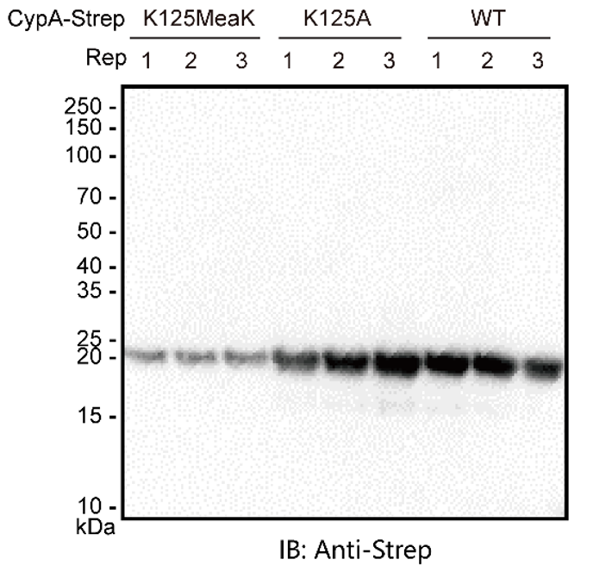
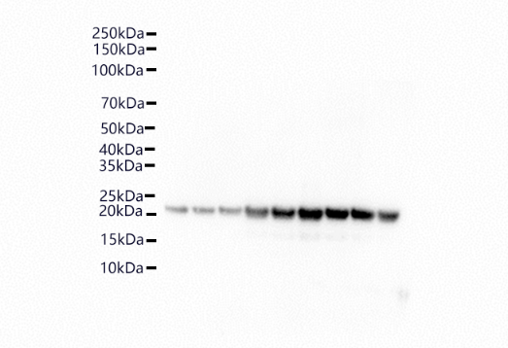
Cropped | Uncropped

Supplemenetary Figure 9
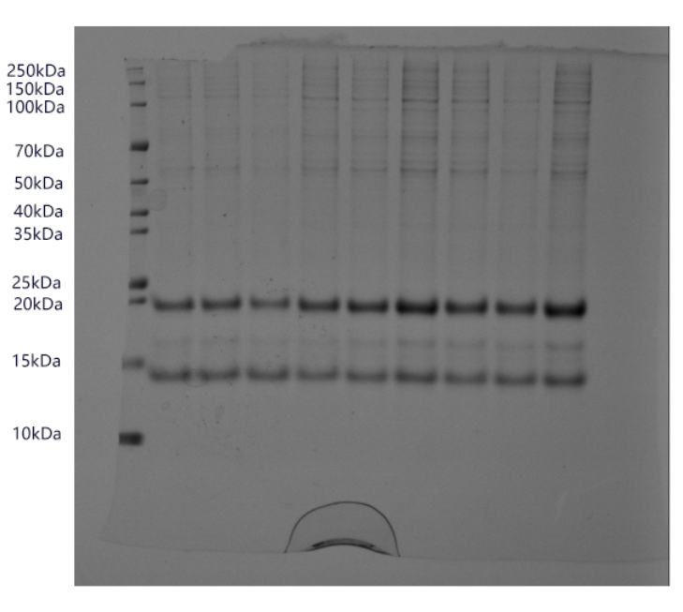
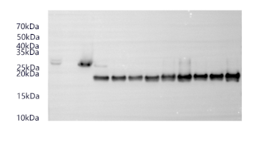
Cropped

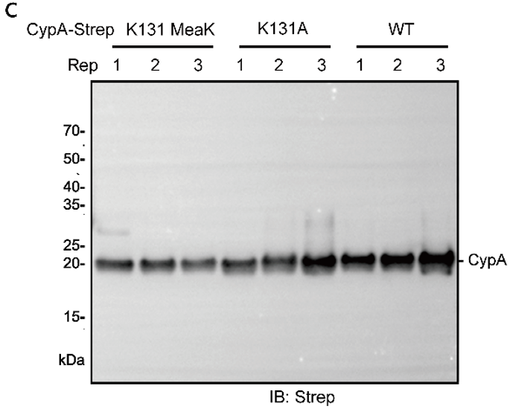

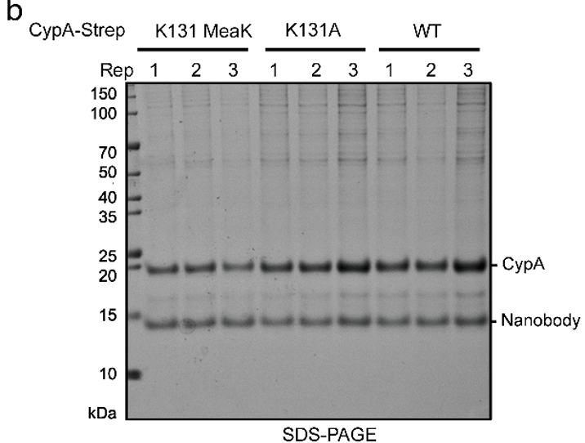

Uncropped

Supplemenetary Figure 10
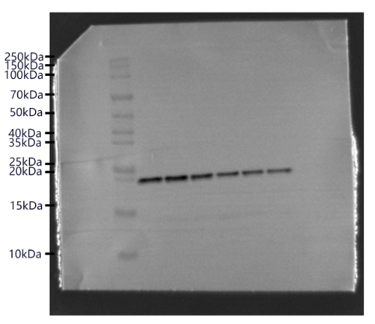
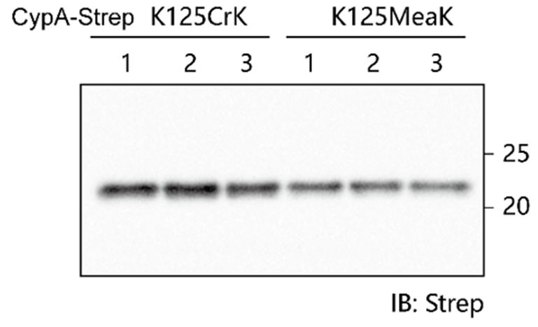
Cropped | Uncropped

Supplemenetary Figure 13
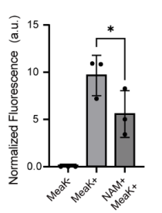
 | Normalized fluorescence intensity
 | EGFP
 | -MeaK | +MeaK | MeaK+NAM
Repeat 1 | 0 | 18.075 | 9.477
Repeat 2 | 0 | 23.376 | 14.457
Repeat 3 | 0 | 23.746 | 12.652
 | mCherry
Repeat 1 | 24.976 | 25.127 | 27.763
Repeat 1 | 13.487 | 21.42 | 17.484
Repeat 1 | 11.793 | 21.9 | 25.181

 | Normalize
Repeat 1 | 0 | 0.7193 | 0.3414
Repeat 1 | 0 | 1.0913 | 0.8269
Repeat 1 | 0 | 1.0843 | 0.5024

Supplemenetary Figure 14
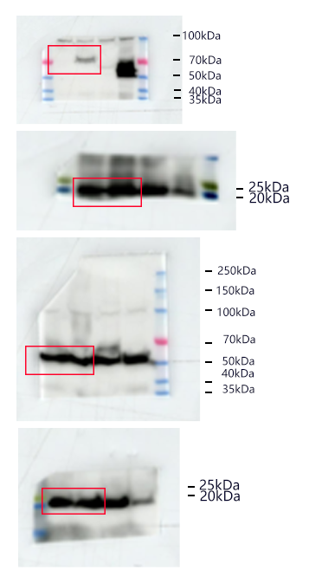
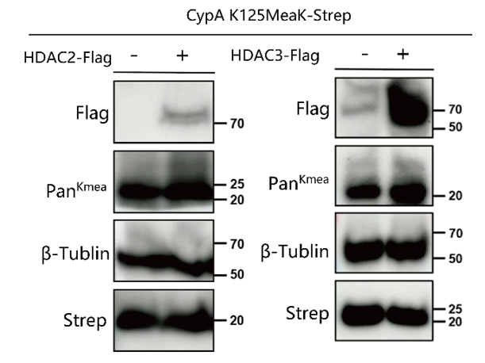
Cropped | Uncropped

Supplemenetary Figure 15
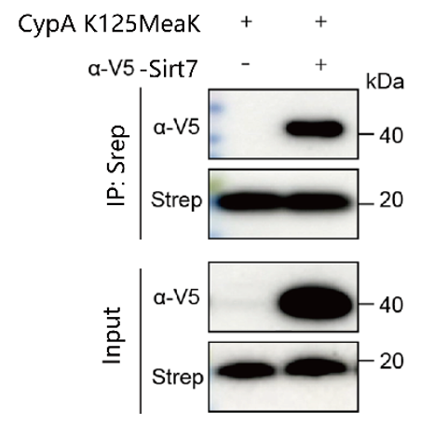

Cropped | Uncropped

Supplemenetary Figure 16

 | MS intensity normalization by CypA (132-148) peptide
Group | CypA WT |  |  | CypA K125A |  |  | CypA K125MeaK
Protein | Repeat1 | Repeat2 | Repeat3 | Repeat1 | Repeat2 | Repeat3 | Repeat1 | Repeat2 | Repeat3
TDP-43 | 25.69904 | 25.65851 | 25.32027 | 25.52223 | 25.18003 | 25.5159 | 26.15512 | 27.20157 | 25.96731
HNRNPA1 | 26.91273 | 27.21807 | 27.17798 | 26.89977 | 26.9208 | 26.91978 | 28.59621 | 29.58118 | 28.36376
HNRNPA2B1 | 27.15692 | 27.47468 | 27.27776 | 26.9496 | 27.03541 | 26.88168 | 28.62309 | 29.49595 | 28.33339
HNRNPAB | 24.98596 | 25.05053 | 24.89534 | 24.42579 | 24.73005 | 25.01283 | 26.78763 | 27.44863 | 25.89853

