Fig 1
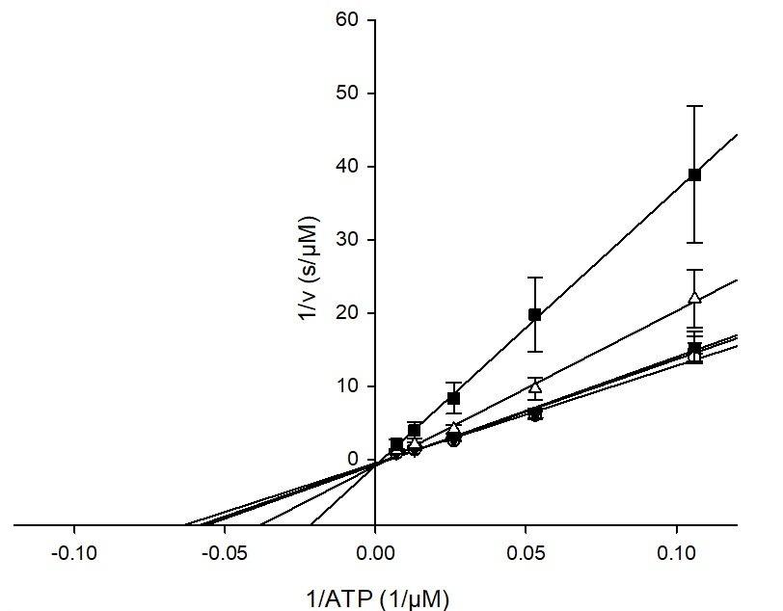
1A | 102 | 84 | 31 | 45 | 88 | 34 | 60 | 32 | 91 | 80 | 110 | 114 | 96 | 66 | 63 | 113 | 116 | 61 | 58 | 117 | 115 | 65 | 112 | 59 | 67 | 69 | 56 | 51 | 27 | 74 | 64 | 92 | 105 | 106 | 89 | 50 | 83 | 108 | 87 | 104 | 111 | 25 | 95 | 75 | 49 | 52 | 90 | 53 | 68 | 81 | 99 | 73 | 28 | 54 | 43 | 39 | 22 | 98 | 100 | 79 | 97 | 23 | 72 | 24 | 38 | 101 | 41 | 40 | 33 | 57 | 103 | 36 | 44 | 48 | 94 | 55 | 30 | 70 | 62 | 82 | 35 | 71 | 107 | 26 | 37 | 15 | 93 | 76 | 86 | 85 | 29 | 77 | 109 | 46 | 78 | 47 | DMSO
 | 0.162 | 0.231 | 0.399 | 0.417 | 0.438 | 0.429 | 0.453 | 0.505 | 0.585 | 0.555 | 0.415 | 0.458 | 0.576 | 0.526 | 0.606 | 0.456 | 0.477 | 0.608 | 0.558 | 0.568 | 0.486 | 0.577 | 0.523 | 0.609 | 0.631 | 0.586 | 0.612 | 0.648 | 0.758 | 0.637 | 0.665 | 0.642 | 0.575 | 0.575 | 0.633 | 0.642 | 0.628 | 0.601 | 0.696 | 0.614 | 0.518 | 0.732 | 0.640 | 0.645 | 0.682 | 0.663 | 0.667 | 0.651 | 0.666 | 0.657 | 0.635 | 0.659 | 0.745 | 0.666 | 0.678 | 0.677 | 0.792 | 0.640 | 0.638 | 0.683 | 0.679 | 0.749 | 0.698 | 0.727 | 0.723 | 0.674 | 0.687 | 0.719 | 0.711 | 0.682 | 0.705 | 0.724 | 0.675 | 0.736 | 0.733 | 0.757 | 0.760 | 0.748 | 0.767 | 0.689 | 0.696 | 0.788 | 0.708 | 0.809 | 0.734 | 0.779 | 0.714 | 0.794 | 0.774 | 0.737 | 0.849 | 0.798 | 0.789 | 0.790 | 0.856 | 0.788 | 1.000
 | 0.154 | 0.206 | 0.469 | 0.499 | 0.509 | 0.595 | 0.611 | 0.601 | 0.571 | 0.635 | 0.776 | 0.759 | 0.657 | 0.708 | 0.629 | 0.783 | 0.792 | 0.661 | 0.726 | 0.724 | 0.812 | 0.733 | 0.793 | 0.719 | 0.713 | 0.759 | 0.738 | 0.703 | 0.597 | 0.719 | 0.693 | 0.727 | 0.798 | 0.801 | 0.749 | 0.741 | 0.757 | 0.784 | 0.690 | 0.772 | 0.868 | 0.658 | 0.751 | 0.747 | 0.712 | 0.731 | 0.728 | 0.750 | 0.746 | 0.757 | 0.779 | 0.755 | 0.680 | 0.759 | 0.750 | 0.751 | 0.654 | 0.809 | 0.815 | 0.771 | 0.776 | 0.707 | 0.776 | 0.751 | 0.761 | 0.816 | 0.804 | 0.775 | 0.785 | 0.815 | 0.793 | 0.775 | 0.826 | 0.779 | 0.787 | 0.764 | 0.769 | 0.790 | 0.772 | 0.852 | 0.846 | 0.770 | 0.855 | 0.764 | 0.844 | 0.803 | 0.876 | 0.795 | 0.846 | 0.887 | 0.780 | 0.844 | 0.874 | 0.892 | 0.853 | 0.964 | 1.000
N | 2 | 2 | 2 | 2 | 2 | 2 | 2 | 2 | 2 | 2 | 2 | 2 | 2 | 2 | 2 | 2 | 2 | 2 | 2 | 2 | 2 | 2 | 2 | 2 | 2 | 2 | 2 | 2 | 2 | 2 | 2 | 2 | 2 | 2 | 2 | 2 | 2 | 2 | 2 | 2 | 2 | 2 | 2 | 2 | 2 | 2 | 2 | 2 | 2 | 2 | 2 | 2 | 2 | 2 | 2 | 2 | 2 | 2 | 2 | 2 | 2 | 2 | 2 | 2 | 2 | 2 | 2 | 2 | 2 | 2 | 2 | 2 | 2 | 2 | 2 | 2 | 2 | 2 | 2 | 2 | 2 | 2 | 2 | 2 | 2 | 2 | 2 | 2 | 2 | 2 | 2 | 2 | 2 | 2 | 2 | 2 | 2
Mean | 0.1579 | 0.2187 | 0.4337 | 0.4579 | 0.4734 | 0.5121 | 0.5323 | 0.5529 | 0.5778 | 0.5948 | 0.5957 | 0.6088 | 0.6163 | 0.6172 | 0.6173 | 0.6194 | 0.6343 | 0.6347 | 0.6419 | 0.646 | 0.6492 | 0.6547 | 0.6583 | 0.6639 | 0.6718 | 0.6727 | 0.6749 | 0.6755 | 0.6773 | 0.678 | 0.6791 | 0.6845 | 0.6866 | 0.6882 | 0.6909 | 0.6918 | 0.6924 | 0.6925 | 0.6928 | 0.6929 | 0.6932 | 0.6949 | 0.6952 | 0.6958 | 0.6969 | 0.6971 | 0.6979 | 0.7008 | 0.7065 | 0.7066 | 0.707 | 0.7074 | 0.7122 | 0.7126 | 0.7139 | 0.7144 | 0.7228 | 0.7243 | 0.7263 | 0.7269 | 0.7274 | 0.7283 | 0.737 | 0.7392 | 0.7422 | 0.745 | 0.7455 | 0.7467 | 0.7479 | 0.7484 | 0.7494 | 0.7496 | 0.7503 | 0.7577 | 0.7598 | 0.7605 | 0.7649 | 0.7692 | 0.7698 | 0.7706 | 0.7709 | 0.7791 | 0.7818 | 0.7867 | 0.7888 | 0.7909 | 0.7947 | 0.7948 | 0.8098 | 0.8124 | 0.8148 | 0.8206 | 0.8315 | 0.8407 | 0.8544 | 0.8762 | 1
SD | 0.006009 | 0.01736 | 0.0495 | 0.05783 | 0.0502 | 0.1173 | 0.1118 | 0.06842 | 0.009902 | 0.05658 | 0.2553 | 0.2131 | 0.05693 | 0.129 | 0.01648 | 0.2317 | 0.2231 | 0.03734 | 0.1183 | 0.1102 | 0.2305 | 0.1103 | 0.1909 | 0.07773 | 0.05767 | 0.1226 | 0.08883 | 0.03937 | 0.114 | 0.05842 | 0.0196 | 0.05977 | 0.1581 | 0.1599 | 0.08208 | 0.07027 | 0.09124 | 0.1296 | 0.004574 | 0.1113 | 0.2476 | 0.05196 | 0.0784 | 0.0722 | 0.02157 | 0.04799 | 0.04327 | 0.06985 | 0.05658 | 0.07061 | 0.1013 | 0.06773 | 0.04615 | 0.0656 | 0.05136 | 0.05247 | 0.09787 | 0.1195 | 0.125 | 0.06262 | 0.06904 | 0.02995 | 0.05482 | 0.01681 | 0.02678 | 0.1002 | 0.08237 | 0.03934 | 0.05241 | 0.09375 | 0.06216 | 0.03588 | 0.1064 | 0.03029 | 0.03798 | 0.005056 | 0.006544 | 0.02944 | 0.003752 | 0.1156 | 0.1062 | 0.01298 | 0.1039 | 0.03141 | 0.07806 | 0.0165 | 0.1147 | 0.0008666 | 0.05125 | 0.1062 | 0.04868 | 0.03245 | 0.06076 | 0.072 | 0.002369 | 0.1242 | 0

1B
 | ATP (mM) | 0.0024 | 0.0047 | 0.0095 | 0.0189 | 0.0379 | 0.0757 | 0.1514 | 0.3029 |  | 0.0024 | 0.0047 | 0.0095 | 0.0189 | 0.0379 | 0.0757 | 0.1514 | 0.3029 |  | 0.0024 | 0.0047 | 0.0095 | 0.0189 | 0.0379 | 0.0757 | 0.1514 | 0.3029 |  | 0.0024 | 0.0047 | 0.0095 | 0.0189 | 0.0379 | 0.0757 | 0.1514 | 0.3029 |  | 0.0024 | 0.0047 | 0.0095 | 0.0189 | 0.0379 | 0.0757 | 0.1514 | 0.3029 |  | 0.0024 | 0.0047 | 0.0095 | 0.0189 | 0.0379 | 0.0757 | 0.1514 | 0.3029
 | NM102 0M | 0.04128561 | 0.06248089 | 0.12537176 | 0.27617097 | 0.67714387 | 1.35435024 | 2.03676854 | 2.33489231 | NM102 3.3µM | 0.03746352 | 0.05831134 | 0.12432939 | 0.27061155 | 0.69764422 | 1.38666433 | 2.0829812 | 2.33940927 | NM102 10µM | 0.03086172 | 0.05657401 | 0.12502432 | 0.28451008 | 0.66602504 | 1.36477414 | 2.04823485 | 2.34670604 | NM102 30µM | 0.04267547 | 0.05031967 | 0.09410009 | 0.20355108 | 0.47943713 | 1.00445453 | 1.69312713 | 2.1813134 | NM102 65µM | 0.02423978 | 0.01912281 | 0.0322807 | 0.08418128 | 0.17043861 | 0.3846199 | 0.76839187 | 1.2570614 | NM102 100µM | 0 | 0.06004864 | 0.04024321 | 0.09444754 | 0.12467684 | 0.29979846 | 0.3738082 | 0.42974982
 |  | 0.03630118 | 0.059693 | 0.12584797 | 0.32138889 | 0.70077485 | 1.41349418 | 2.14302633 | 2.30676896 |  | 0 | 0.04543859 | 0.13023393 | 0.31846489 | 0.73147661 | 1.37584792 | 2.1360819 | 2.36013154 |  | 0.0337427 | 0.06407895 | 0.1346199 | 0.33125733 | 0.73622808 | 1.47343569 | 2.1444883 | 2.35464914 |  | 0.02643274 | 0.03959063 | 0.0699269 | 0.14412281 | 0.34478069 | 0.71941522 | 1.37877194 | 2.24499992 |  | 0.02634181 | 0.03361454 | 0.04052363 | 0.06234181 | 0.15652363 | 0.3132509 | 0.56052364 | 0.93761454 |  | 0.02752921 | 0.04543857 | 0.04763157 | 0.07029239 | 0.11195905 | 0.22562866 | 0.46685673 | 0.6287719
 |  | 0.04379636 | 0.06561453 | 0.12997816 | 0.31034181 | 0.69652364 | 1.33688728 | 2.10997821 | 2.38525089 |  | 0.0470691 | 0.06670546 | 0.13543275 | 0.31216001 | 0.69761453 | 1.31870549 | 2.09797813 | 2.39325087 |  | 0.03761454 | 0.05870544 | 0.11579633 | 0.28488728 | 0.63688723 | 1.22343275 | 1.93761452 | 2.23397813 |  | 0.03906909 | 0.05325091 | 0.0852509 | 0.18488728 | 0.4332509 | 0.85434181 | 1.47106912 | 1.99506899 |  | 0.0282571 | 0.03769791 | 0.04750184 | 0.08744371 | 0.2014597 | 0.42077706 | 0.90189543 | 1.41605665 |  | 0 | 0 | 0.02416 | 0.0343418 | 0.09579636 | 0.20888726 | 0.43870545 | 0.67725088
 |  | 0.02535222 | 0.04023966 | 0.09361657 | 0.23958605 | 0.60523604 | 1.14190996 | 1.88337686 | 2.26790853 |  |  |  |  |  |  |  |  |  |  | 0.02571531 | 0.04387073 | 0.09942628 | 0.27226579 | 0.60668846 | 1.17350038 | 1.90298467 | 2.27843864 |  | 0.01881626 | 0.04314452 | 0.0645679 | 0.18330429 | 0.43493826 | 0.79623098 | 1.50102393 | 2.11140882 |  | 0.02499281 | 0.0257112 | 0.05480604 | 0.11119972 | 0.26709052 | 0.58677443 | 1.14209055 | 1.68052437 |  | 0 | 0.01445897 | 0.02862019 | 0.0249891 | 0.0424183 | 0.06747276 | 0.1397313 | 0.36449529
 |  | 0.03545257 | 0.05187592 | 0.10114598 | 0.24238687 | 0.59859121 | 1.0891022 | 1.91902923 | 2.25443065 |  |  |  |  |  |  |  |  |  |  |  |  |  |  |  |  |  |  |  | 0.040927 | 0.05844525 | 0.10114598 | 0.21209486 | 0.50114598 | 0.99786132 | 1.61136502 | 2.13508765 |  | 0.01944285 | 0.00801428 | 0.04551429 | 0.08908571 | 0.24479997 | 0.49087142 | 1.01515712 | 1.61051423 |  | 0.02030965 | 0.01503167 | 0.02945812 | 0.06042224 | 0.16387051 | 0.25852217 | 0.45802956 | 0.86267415
 |  | 0.03912191 | 0.06560956 | 0.13527575 | 0.32976053 | 0.74376629 | 1.39543543 | 2.09681416 | 2.30762699 |  |  |  |  |  |  |  |  |  |  |  |  |  |  |  |  |  |  |  | 0.02968795 | 0.04891873 | 0.09028304 | 0.21219884 | 0.46256168 | 1.00936866 | 1.5768577 | 2.27170533 |  | 0.01855032 | 0.03790288 | 0.06851513 | 0.1459254 | 0.33487687 | 0.72966924 | 1.31939481 | 1.72192823
 |  | 0.03684627 | 0.04654455 | 0.11622848 | 0.28971982 | 0.66400145 | 1.2455388 | 1.93267962 | 2.22937502 |  |  |  |  |  |  |  |  |  |  |  |  |  |  |  |  |  |  |  |  |  |  |  |  |  |  |  |  | 0.04690564 | 0.0297147 | 0.05056327 | 0.09591806 | 0.22356986 | 0.47741038 | 0.85341624 | 1.37097292
 |  | 0.03194284 | 0.05765714 | 0.11587141 | 0.28944285 | 0.62337141 | 1.19944285 | 1.94658574 | 2.3215857
 |  | 0.03368051 | 0.06534836 | 0.1480366 | 0.35598873 | 0.75289233 | 1.3873047 | 2.06675581 | 2.35493315
 |  | 0.03483541 | 0.05604974 | 0.11676663 | 0.27185079 | 0.61566936 | 1.27733722 | 1.99460134 | 2.40937816
 | N | 10 | 10 | 10 | 10 | 10 | 10 | 10 | 10 |  | 3 | 3 | 3 | 3 | 3 | 3 | 3 | 3 |  | 4 | 4 | 4 | 4 | 4 | 4 | 4 | 4 |  | 6 | 6 | 6 | 6 | 6 | 6 | 6 | 6 |  | 7 | 7 | 7 | 7 | 7 | 7 | 7 | 7 |  | 5 | 5 | 5 | 5 | 5 | 5 | 5 | 5
 | Mean | 0.035861488 | 0.057111335 | 0.120813931 | 0.292663731 | 0.667797045 | 1.284080286 | 2.012961584 | 2.317215036 |  | 0.02817754 | 0.056818463333 | 0.12999869 | 0.30041215 | 0.70891178667 | 1.3604059133 | 2.10568041 | 2.3642638933 |  | 0.0319835675 | 0.0558072825 | 0.1187167075 | 0.29323012 | 0.6614572025 | 1.30878574 | 2.008330585 | 2.3034429875 |  | 0.032934751667 | 0.048944951667 | 0.084212468333 | 0.19002652667 | 0.44268577333 | 0.89694542 | 1.5387024733 | 2.1565973517 |  | 0.026961472857 | 0.027396902857 | 0.048529271429 | 0.096585098571 | 0.22839416571 | 0.48619619 | 0.93726709429 | 1.4278103343 |  | 0.009567772 | 0.02699557 | 0.034022618 | 0.056898614 | 0.107744212 | 0.212061862 | 0.375426248 | 0.592588408
 | SD | 0.0051202647551 | 0.0086475087555 | 0.015876875656 | 0.037406343146 | 0.056195408878 | 0.11276963491 | 0.090446080359 | 0.05692792119 |  | 0.024870607394 | 0.010711743577 | 0.0055554166554 | 0.025999898043 | 0.019541715877 | 0.036516334166 | 0.027375443796 | 0.027157627486 |  | 0.005011719344 | 0.0085613269371 | 0.014981618793 | 0.026020593829 | 0.055422161528 | 0.1364203901 | 0.10989358091 | 0.057574142306 |  | 0.0094714034607 | 0.0068093439482 | 0.014229726546 | 0.025846809797 | 0.05458526502 | 0.12478513567 | 0.11149382064 | 0.10027145765 |  | 0.0094727051951 | 0.010858988402 | 0.011410679305 | 0.026187658627 | 0.061071111927 | 0.13784147614 | 0.24925812837 | 0.27585207086 |  | 0.013347546414 | 0.024807819976 | 0.0096331646341 | 0.027967650782 | 0.044342039938 | 0.087972176526 | 0.13669475501 | 0.19997885108
IC₅₀=29.09 ± 0.102 µM

1C | 1/S (µM) | 0.106 | 0.053 | 0.026 | 0.013 | 0.007 |  | 0.106 | 0.053 | 0.026 | 0.013 | 0.007 |  | 0.106 | 0.053 | 0.026 | 0.013 | 0.007 |  | 0.106 | 0.053 | 0.026 | 0.013 | 0.007 |  | 0.106 | 0.053 | 0.026 | 0.013 | 0.007
 | NM102 0µM | 14.3572998 | 6.51770165 | 2.65822385 | 1.3290506 | 0.88375285 | NM102 3.34µM | 14.4776704 | 6.65160074 | 2.58011168 | 1.29807911 | 0.86414606 | NM102 10µM | 14.3971988 | 6.32666508 | 2.70260111 | 1.31889955 | 0.87880548 | NM102 30µM | 19.1285687 | 8.842989 | 3.75440261 | 1.7920174 | 1.06312159 | NM102 65µM | 55.7608718 | 21.3824264 | 10.5609876 | 4.67994511 | 2.34255472
 |  | 14.3029721 | 5.60069136 | 2.56858532 | 1.27343998 | 0.83993368 |  | 13.8212833 | 5.65211435 | 2.46077588 | 1.30828413 | 0.84266432 |  | 13.3709802 | 5.43384199 | 2.44489451 | 1.22163458 | 0.83936107 |  | 25.7411681 | 12.4893488 | 5.22070995 | 2.50203213 | 1.3055096 |  | 44.4185294 | 28.8730769 | 11.4998612 | 5.74619261 | 3.21128294
 |  | 13.8484806 | 5.80005634 | 2.58426261 | 1.3464112 | 0.85308938 |  | 13.2907287 | 5.76627348 | 2.5802215 | 1.36497498 | 0.8579689 |  | 15.5445341 | 6.31828833 | 2.82624603 | 1.47127008 | 0.92897735 |  | 21.1141466 | 9.73566142 | 4.15463651 | 2.10688507 | 1.22359988 |  | 37.8932729 | 20.5846709 | 8.9347896 | 4.27779975 | 1.99579678
 |  | 19.2273647 | 7.51295816 | 2.97404629 | 1.57630642 | 0.95573012 |  |  |  |  |  |  |  | 18.1038653 | 6.61118678 | 2.96692641 | 1.53387253 | 0.94588255 |  | 27.8776302 | 9.81973745 | 4.1385184 | 2.26065054 | 1.19918141 |  | 32.8430959 | 16.1870908 | 6.73928834 | 3.06761834 | 1.57605716
 |  | 17.7960605 | 7.42614486 | 3.00706051 | 1.65273746 | 0.93797425 |  |  |  |  |  |  |  |  |  |  |  |  |  | 17.7960605 | 8.48676857 | 3.5917678 | 1.80385788 | 1.11706533 |  | 39.5480185 | 20.2052604 | 7.35294201 | 3.66694809 | 1.77312454
 |  | 13.3061546 | 5.45850654 | 2.42011507 | 1.28991995 | 0.85844518 |  |  |  |  |  |  |  |  |  |  |  |  |  | 19.9372995 | 8.48260993 | 3.89137293 | 1.78329294 | 1.14151074 |  | 26.27157 | 12.3350696 | 5.37510993 | 2.46687114 | 1.36426185
 |  | 13.518198 | 5.48932658 | 2.61078604 | 1.3410371 | 0.89377793 |  |  |  |  |  |  |  |  |  |  |  |  |  |  |  |  |  |  |  | 35.5989602 | 18.7660181 | 8.05117479 | 3.77034118 | 2.10917007
 |  | 14.0311337 | 6.34481013 | 2.57076178 | 1.37688526 | 0.90438395
 |  | 16.7167303 | 7.09043924 | 3.06725867 | 1.46401144 | 0.91503408
 |  | 15.4867384 | 6.21289904 | 2.71083745 | 1.44515771 | 0.9313494
 |  | 15.5344614 | 6.21884417 | 2.88752415 | 1.50069676 | 0.92469597
 |  | 12.1591551 | 5.05633986 | 2.39078011 | 1.29747992 | 0.87093017
 |  | 15.4153632 | 6.62127923 | 2.9236472 | 1.40918152 | 0.90243597
 |  | 13.8973874 | 5.84434562 | 2.60208669 | 1.34561806 | 0.84896781
 |  | 14.3041637 | 5.83840063 | 2.58869357 | 1.39251748 | 0.87899619
 | N | 15 | 15 | 15 | 15 | 15 |  | 3 | 3 | 3 | 3 | 3 |  | 4 | 4 | 4 | 4 | 4 |  | 6 | 6 | 6 | 6 | 6 |  | 7 | 7 | 7 | 7 | 7
 | Mean | 14.926777567 | 6.202182894 | 2.7043112873 | 1.402696724 | 0.89329979533 |  | 13.863227467 | 6.0233295233 | 2.5403696867 | 1.3237794067 | 0.85492642667 |  | 15.3541446 | 6.172495545 | 2.735167015 | 1.386419185 | 0.8982566125 |  | 21.932478933 | 9.6428525283 | 4.1252347 | 2.0414559933 | 1.1749980917 |  | 38.904902671 | 19.761944729 | 8.3591647814 | 3.9536737457 | 2.0531782943
 | SD | 1.8371017286 | 0.72993153292 | 0.21419100026 | 0.10849200485 | 0.035301666068 |  | 0.59458147855 | 0.54708465342 | 0.068930280428 | 0.036039451369 | 0.011059329606 |  | 2.0368192843 | 0.51090862055 | 0.22160510634 | 0.14219122159 | 0.048507817642 |  | 3.9868086381 | 1.5142600477 | 0.57929295634 | 0.29992606704 | 0.085993231993 |  | 9.3384208076 | 5.0898923051 | 2.1478387118 | 1.0768124443 | 0.60718659304

Fig 3
A

 | Mfd | ERCC 3 | ERCC 6 | XPD | yUpf1
 | 30.9920983 | 94.4700461 | 98.1690141 | 102.748691 | 98.00
 | 25.8317025 | 97.0814132 | 95.4186414 | 99.0384615 | 95.00
 | 4.24710425 |  |  |  | 90.00
 | 13.1267606 |  |  |  | 89.00
 |  |  |  |  | 100.20
 |  |  |  |  | 99.00
 |  |  |  |  | 89.00
N | 4 | 2 | 2 | 2 | 7
Mean | 18.55 | 95.78 | 96.79 | 100.9 | 94.31
SDV | 12.14 | 1.847 | 1.945 | 2.624 | 4.929

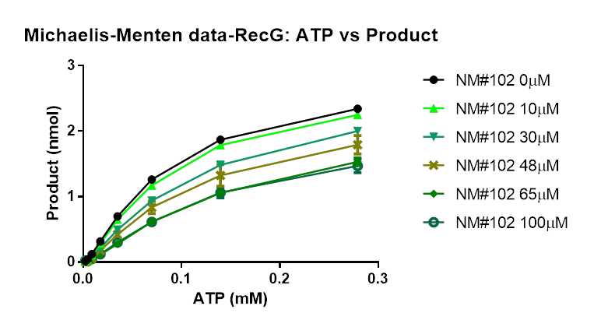
PO4i (nmol)
B | ATP(mM) | NM102 0M |  | N | Mean | SDV
 | 0.0024 | 0.15004172 | 0.03046007 | 2 | 0.090250895 | 0.08455699562
 | 0.0047 | 0.02173852 | 0.06056833 | 2 | 0.041153425 | 0.027456821963
 | 0.0095 | 0.0544228 | 0.14243572 | 2 | 0.09842926 | 0.062234532564
 | 0.0189 | 0.36770512 | 0.3467659 | 2 | 0.35723551 | 0.014806264455
 | 0.0379 | 0.7992072 | 0.74121786 | 2 | 0.77021253 | 0.041004655551
 | 0.0757 | 1.40212792 | 1.31699591 | 2 | 1.359561915 | 0.060197421567
 | 0.1514 | 1.9695828 | 1.92254396 | 2 | 1.94606338 | 0.033261482743
 | 0.3029 | 2.45463145 | 2.31462789 | 2 | 2.38462967 | 0.098997466666
 |  | NM102 10µM
 | 0.0024 | 0.11840057 | 0.03181326 | 2 | 0.075106915 | 0.061226474066
 | 0.0047 | 0.02382475 | 0.05177265 | 2 | 0.0377987 | 0.01976214961
 | 0.0095 | 0.04538248 | 0.13465493 | 2 | 0.090018705 | 0.063125154768
 | 0.0189 | 0.29433937 | 0.31631934 | 2 | 0.305329355 | 0.015542185837
 | 0.0379 | 0.67472879 | 0.672544 | 2 | 0.673636395 | 0.0015448798245
 | 0.0757 | 1.20776079 | 1.20772661 | 2 | 1.2077437 | 2.4168909781E-05
 | 0.1514 | 1.77173844 | 1.8301894 | 2 | 1.80096392 | 0.041331070183
 | 0.3029 | 2.23870654 | 2.24358593 | 2 | 2.241146235 | 0.0034502497571
 |  | NM102 30µM
 | 0.0024 | 0.09267037 | 0.02707714 | 2 | 0.059873755 | 0.046381417733
 | 0.0047 | 0.01895687 | 0.03925576 | 2 | 0.029106315 | 0.01435348277
 | 0.0095 | 0.03634214 | 0.09304466 | 2 | 0.0646934 | 0.040094736402
 | 0.0189 | 0.23383866 | 0.23851152 | 2 | 0.23617509 | 0.0033042109935
 | 0.0379 | 0.52104313 | 0.52437077 | 2 | 0.52270695 | 0.0023529968093
 | 0.0757 | 0.98801112 | 0.98106897 | 2 | 0.984540045 | 0.004908841341
 | 0.1514 | 1.52904031 | 1.54128554 | 2 | 1.535162925 | 0.0086586851702
 | 0.3029 | 1.91742696 | 2.06699599 | 2 | 1.992211475 | 0.10576127537
 |  | NM102 48µM
 | 0.0024 | 0.06381086 | 0.01895806 | 2 | 0.04138446 | 0.031715719035
 | 0.0047 | 0.01756605 | 0.03113667 | 2 | 0.02435136 | 0.0095958774269
 | 0.0095 | 0.02904032 | 0.07917457 | 2 | 0.054107445 | 0.035450268145
 | 0.0189 | 0.16707927 | 0.22159675 | 2 | 0.19433801 | 0.038549679801
 | 0.0379 | 0.38161335 | 0.48614345 | 2 | 0.4338784 | 0.073913942548
 | 0.0757 | 0.75574407 | 0.94690124 | 2 | 0.851322655 | 0.13516853118
 | 0.1514 | 1.22340749 | 1.50474971 | 2 | 1.3640786 | 0.1989389916
 | 0.3029 | 1.63057016 | 1.94859269 | 2 | 1.789581425 | 0.22487588753
 |  | NM102 65µM
 | 0.0024 | 0.07146037 | 0.01185385 | 2 | 0.04165711 | 0.042148174495
 | 0.0047 | 0.0133936 | 0.01929635 | 2 | 0.016344975 | 0.0041738745526
 | 0.0095 | 0.01826149 | 0.05380243 | 2 | 0.03603196 | 0.025131239684
 | 0.0189 | 0.15664815 | 0.12315291 | 2 | 0.13990053 | 0.023684711341
 | 0.0379 | 0.37048678 | 0.28891744 | 2 | 0.32970211 | 0.057678233451
 | 0.0757 | 0.76826149 | 0.62315293 | 2 | 0.69570721 | 0.10260724678
 | 0.1514 | 1.21714882 | 1.11029769 | 2 | 1.163723255 | 0.0755551586
 | 0.3029 | 1.60762172 | 1.60589983 | 2 | 1.606760775 | 0.0012175600955
 |  | NM102 100µM
 | 0.0024 | 0.10484004 | 0.02098783 | 2 | 0.062913935 | 0.059292466308
 | 0.0047 | 0.05198887 | 0.0152368 | 2 | 0.033612835 | 0.02598763792
 | 0.0095 | 0.07806674 | 0.05921515 | 2 | 0.068640945 | 0.013330087125
 | 0.0189 | 0.17507651 | 0.14074424 | 2 | 0.157910375 | 0.024276580931
 | 0.0379 | 0.35484005 | 0.32951284 | 2 | 0.342176445 | 0.01790904194
 | 0.0757 | 0.72688459 | 0.66848442 | 2 | 0.697684505 | 0.041295156229
 | 0.1514 | 1.15317106 | 1.15664409 | 2 | 1.154907575 | 0.0024558030643
 | 0.3029 | 1.38787202 | 1.58864685 | 2 | 1.488259435 | 0.14196924378

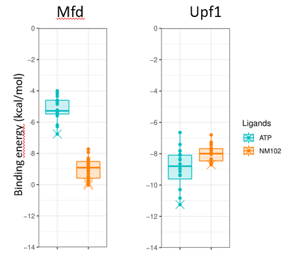
C
 | Receptor (PDB ID) | Ligand | Rank | Sub-rank | Run | Binding-energy | Cluster-RMSD
 | Mfd (6X26_A) | ATP | 1 | 1 | 13 | -06.76 | 0.00
 | Mfd (6X26_A) | ATP | 2 | 1 | 3 | -06.29 | 0.00
 | Mfd (6X26_A) | ATP | 2 | 2 | 20 | -04.00 | 1.90
 | Mfd (6X26_A) | ATP | 3 | 1 | 1 | -06.18 | 0.00
 | Mfd (6X26_A) | ATP | 3 | 2 | 14 | -04.06 | 1.98
 | Mfd (6X26_A) | ATP | 4 | 1 | 8 | -05.60 | 0.00
 | Mfd (6X26_A) | ATP | 4 | 2 | 11 | -04.35 | 1.99
 | Mfd (6X26_A) | ATP | 5 | 1 | 9 | -05.48 | 0.00
 | Mfd (6X26_A) | ATP | 5 | 2 | 12 | -05.48 | 1.85
 | Mfd (6X26_A) | ATP | 5 | 3 | 2 | -04.85 | 1.31
 | Mfd (6X26_A) | ATP | 6 | 1 | 18 | -05.46 | 0.00
 | Mfd (6X26_A) | ATP | 7 | 1 | 17 | -05.46 | 0.00
 | Mfd (6X26_A) | ATP | 8 | 1 | 4 | -05.35 | 0.00
 | Mfd (6X26_A) | ATP | 8 | 2 | 7 | -04.66 | 1.72
 | Mfd (6X26_A) | ATP | 9 | 1 | 6 | -05.33 | 0.00
 | Mfd (6X26_A) | ATP | 9 | 2 | 16 | -05.23 | 1.75
 | Mfd (6X26_A) | ATP | 9 | 3 | 5 | -04.77 | 1.68
 | Mfd (6X26_A) | ATP | 10 | 1 | 15 | -04.60 | 0.00
 | Mfd (6X26_A) | ATP | 11 | 1 | 10 | -04.60 | 0.00
 | Mfd (6X26_A) | ATP | 12 | 1 | 19 | -04.19 | 0.00
 | Mfd (6X26_A) | NM102 | 1 | 1 | 6 | -010.03 | 0.00 |  |  | Mfd (6X26_A) |  | Upf1 (2XZL_A)
 | Mfd (6X26_A) | NM102 | 1 | 2 | 11 | -09.99 | 0.12 |  |  | ATP | NM102 | ATP | NM102
 | Mfd (6X26_A) | NM102 | 1 | 3 | 19 | -09.95 | 0.25 | Number of values |  | 20 | 20 | 20 | 20
 | Mfd (6X26_A) | NM102 | 1 | 4 | 12 | -09.92 | 0.30 | Minimum |  | -6.76 | -10.03 | -11.25 | -8.46
 | Mfd (6X26_A) | NM102 | 1 | 5 | 16 | -09.90 | 0.32 | 25% Percentile | Bound of box | -5.48 | -9.78 | -9.6175 | -7.995
 | Mfd (6X26_A) | NM102 | 1 | 6 | 20 | -09.74 | 0.27 | Median | Center | -05.28 | -009.54 | -008.80 | -07.99
 | Mfd (6X26_A) | NM102 | 1 | 7 | 4 | -09.74 | 0.57 | 75% Percentile | Bound of box | -4.6 | -8.5075 | -8.095 | -7.675
 | Mfd (6X26_A) | NM102 | 1 | 8 | 8 | -09.62 | 0.38 | Maximum |  | -4 | -7.93 | -6.65 | -6.8
 | Mfd (6X26_A) | NM102 | 1 | 9 | 2 | -09.61 | 0.22
 | Mfd (6X26_A) | NM102 | 1 | 10 | 3 | -09.58 | 0.40
 | Mfd (6X26_A) | NM102 | 1 | 11 | 7 | -09.50 | 0.37
 | Mfd (6X26_A) | NM102 | 1 | 12 | 13 | -09.29 | 0.61
 | Mfd (6X26_A) | NM102 | 2 | 1 | 17 | -08.59 | 0.00
 | Mfd (6X26_A) | NM102 | 2 | 2 | 14 | -08.52 | 0.47
 | Mfd (6X26_A) | NM102 | 2 | 3 | 9 | -08.51 | 0.39
 | Mfd (6X26_A) | NM102 | 2 | 4 | 5 | -08.50 | 0.09
 | Mfd (6X26_A) | NM102 | 2 | 5 | 10 | -08.35 | 0.31
 | Mfd (6X26_A) | NM102 | 3 | 1 | 15 | -08.32 | 0.00
 | Mfd (6X26_A) | NM102 | 3 | 2 | 1 | -08.31 | 0.14
 | Mfd (6X26_A) | NM102 | 4 | 1 | 18 | -07.93 | 0.00
 | Upf1 (2XZL_A) | ATP | 1 | 1 | 20 | -011.25 | 0.00
 | Upf1 (2XZL_A) | ATP | 1 | 2 | 13 | -010.83 | 1.71
 | Upf1 (2XZL_A) | ATP | 1 | 3 | 7 | -010.30 | 1.04
 | Upf1 (2XZL_A) | ATP | 2 | 1 | 3 | -010.84 | 0.00
 | Upf1 (2XZL_A) | ATP | 2 | 2 | 14 | -08.34 | 1.90
 | Upf1 (2XZL_A) | ATP | 3 | 1 | 2 | -010.30 | 0.00
 | Upf1 (2XZL_A) | ATP | 4 | 1 | 10 | -09.39 | 0.00
 | Upf1 (2XZL_A) | ATP | 4 | 2 | 12 | -08.11 | 1.06
 | Upf1 (2XZL_A) | ATP | 5 | 1 | 5 | -09.38 | 0.00
 | Upf1 (2XZL_A) | ATP | 5 | 2 | 8 | -09.35 | 1.33
 | Upf1 (2XZL_A) | ATP | 5 | 3 | 16 | -08.65 | 1.05
 | Upf1 (2XZL_A) | ATP | 5 | 4 | 9 | -08.40 | 1.92
 | Upf1 (2XZL_A) | ATP | 5 | 5 | 4 | -08.05 | 1.90
 | Upf1 (2XZL_A) | ATP | 6 | 1 | 1 | -09.13 | 0.00
 | Upf1 (2XZL_A) | ATP | 7 | 1 | 19 | -08.95 | 0.00
 | Upf1 (2XZL_A) | ATP | 7 | 2 | 15 | -07.83 | 1.98
 | Upf1 (2XZL_A) | ATP | 7 | 3 | 6 | -07.41 | 1.38
 | Upf1 (2XZL_A) | ATP | 8 | 1 | 17 | -08.11 | 0.00
 | Upf1 (2XZL_A) | ATP | 9 | 1 | 11 | -07.81 | 0.00
 | Upf1 (2XZL_A) | ATP | 10 | 1 | 18 | -06.65 | 0.00
 | Upf1 (2XZL_A) | NM102 | 1 | 1 | 13 | -08.70 | 0.00
 | Upf1 (2XZL_A) | NM102 | 1 | 2 | 3 | -08.63 | 0.15
 | Upf1 (2XZL_A) | NM102 | 1 | 3 | 20 | -08.62 | 0.17
 | Upf1 (2XZL_A) | NM102 | 1 | 4 | 11 | -08.58 | 0.21
 | Upf1 (2XZL_A) | NM102 | 1 | 5 | 7 | -08.42 | 0.30
 | Upf1 (2XZL_A) | NM102 | 1 | 6 | 6 | -08.38 | 0.41
 | Upf1 (2XZL_A) | NM102 | 1 | 7 | 9 | -08.34 | 0.34
 | Upf1 (2XZL_A) | NM102 | 1 | 8 | 19 | -08.04 | 0.76
 | Upf1 (2XZL_A) | NM102 | 1 | 9 | 1 | -08.03 | 0.60
 | Upf1 (2XZL_A) | NM102 | 1 | 10 | 10 | -07.69 | 1.97
 | Upf1 (2XZL_A) | NM102 | 1 | 11 | 8 | -07.44 | 1.69
 | Upf1 (2XZL_A) | NM102 | 1 | 12 | 12 | -07.27 | 1.98
 | Upf1 (2XZL_A) | NM102 | 2 | 1 | 14 | -08.66 | 0.00
 | Upf1 (2XZL_A) | NM102 | 3 | 1 | 16 | -07.96 | 0.00
 | Upf1 (2XZL_A) | NM102 | 3 | 2 | 2 | -07.81 | 0.98
 | Upf1 (2XZL_A) | NM102 | 3 | 3 | 5 | -07.77 | 1.11
 | Upf1 (2XZL_A) | NM102 | 4 | 1 | 4 | -07.71 | 0.00
 | Upf1 (2XZL_A) | NM102 | 5 | 1 | 15 | -07.63 | 0.00
 | Upf1 (2XZL_A) | NM102 | 6 | 1 | 18 | -07.31 | 0.00
 | Upf1 (2XZL_A) | NM102 | 7 | 1 | 17 | -06.80 | 0.00

Fig 7
7A

 | Cells | Treatment | Concentration | Replicate | Viability |  |  |  |  |  |  | 5C | Days | DMSO |  |  |  |  | N | Mean | SDV
 | HeLa | Nm102 | 300uM | 1 | 126.276124 | x | group | y | ymin | ymax | PANEL |  | 0 | 100 | 100 | 100 | 100 | 100 | 5 | 100 | 0
 | HeLa | Nm102 | 300uM | 2 | 112.114676 | 1 | 1 | 100 | 100 | 100 | 1 |  | 1 | 99 | 98 | 94 | 96 | 99 | 5 | 97.2 | 2.1679483389
 | HeLa | Nm102 | 300uM | 3 | 97.9311031 | 2 | 2 | 104.03150384 | 91.93027724 | 116.13273045 | 1 |  | 2 | 98 | 96 | 91 | 93 | 99 | 5 | 95.4 | 3.3615472628
 | HeLa | Nm102 | 10uM | 1 | 105.321601 | 3 | 3 | 95.47248862 | 92.547135945 | 98.397841296 | 1 |  | 3 | 102 | 100 | 98 | 97 | 103 | 5 | 100 | 2.5495097568
 | HeLa | Nm102 | 10uM | 2 | 86.0930136 | 4 | 4 | 92.679561542 | 86.356683135 | 99.002439949 | 1 |  | 4 | 103 | 101 | 101 | 98 | 104 | 5 | 101.4 | 2.3021728866
 | HeLa | Nm102 | 10uM | 3 | 86.6240702 | 5 | 5 | 112.10730084 | 103.92479734 | 120.28980435 | 1 |  | 5 | 103 | 100 | 97 | 97 | 102 | 5 | 99.8 | 2.7748873851
 | HeLa | MNP | 100uM | 1 | 89.7366815 | 6 | 6 | 96.366626726 | 85.139718018 | 107.59353543 | 1 |  | 6 | 104 | 101 | 99 | 99 | 104 | 5 | 101.4 | 2.5099800796
 | HeLa | MNP | 100uM | 2 | 99.339618 | 7 | 7 | 130.37401242 | 118.51459974 | 142.2334251 | 1 |  | 7 | 108 | 101 | 100 | 97 | 108 | 5 | 102.8 | 4.9699094559
 | HeLa | MNP | 100uM | 3 | 97.3411664 | 1 | 1 | 100 | 100 | 100 | 2 |  |  | NM102
 | HeLa | MNP | 10uM | 1 | 98.0073135 | 2 | 2 | 58.81045201 | 52.450419404 | 65.170484615 | 2 |  | 0 | 100 | 100 | 100 | 100 | 100 | 5 | 100 | 0
 | HeLa | MNP | 10uM | 2 | 86.7433305 | 3 | 3 | 55.093979588 | 50.13810793 | 60.049851246 | 2 |  | 1 | 92 | 95 | 97 | 94 | 96 | 5 | 94.8 | 1.9235384062
 | HeLa | MNP | 10uM | 3 | 127.343868 | 4 | 4 | 97.131032834 | 94.274168931 | 99.987896738 | 2 |  | 2 | 91 | 95 | 99 | 94 | 97 | 5 | 95.2 | 3.0331501776
 | HeLa | NF-NM102 | 1.29mM | 1 | 85.139718 | 5 | 5 | 92.138592897 | 85.117119375 | 99.160066418 | 2 |  | 3 | 93 | 96 | 99 | 93 | 96 | 5 | 95.4 | 2.5099800796
 | HeLa | NF-NM102 | 1.29mM | 2 | 85.139718 | 6 | 6 | 113.36479587 | 87.654373643 | 139.07521809 | 2 |  | 4 | 97 | 99 | 103 | 98 | 101 | 5 | 99.6 | 2.4083189158
 | HeLa | NF-NM102 | 1.29mM | 3 | 118.820444 | 7 | 7 | 110.71963139 | 101.8370031 | 119.60225969 | 2 |  | 5 | 100 | 102 | 105 | 102 | 102 | 5 | 102.2 | 1.788854382
 | HeLa | NF-NM102 | 5.16mM | 1 | 135.922149 |  |  |  |  |  |  |  | 6 | 100 | 100 | 106 | 100 | 100 | 5 | 101.2 | 2.683281573
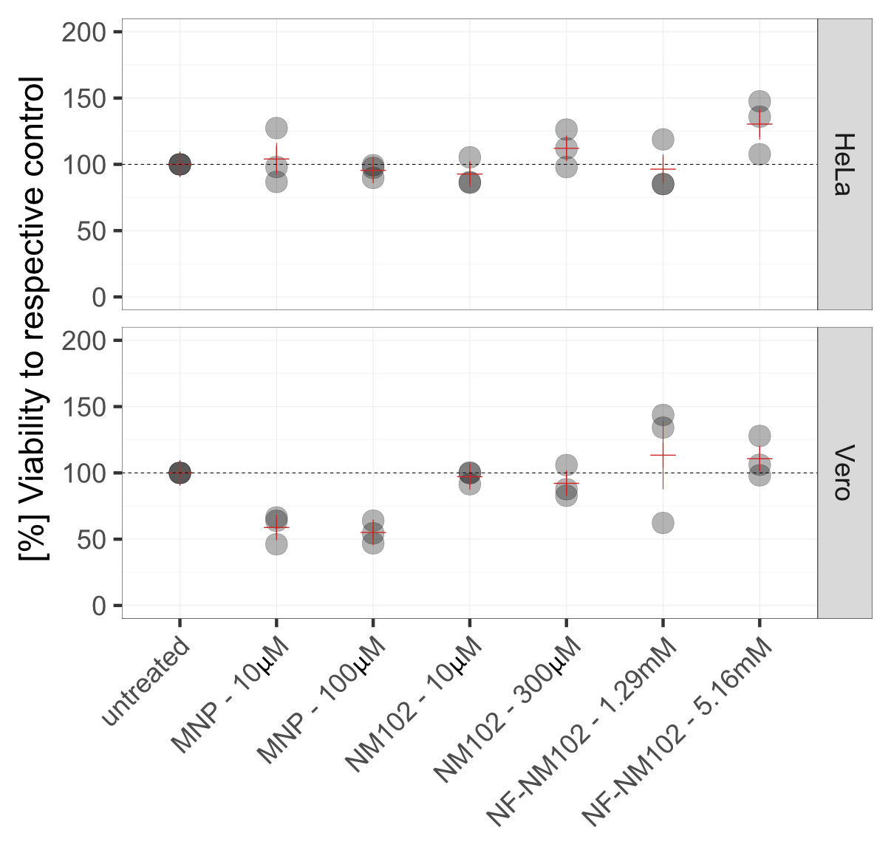
 | HeLa | NF-NM102 | 5.16mM | 2 | 147.57119 |  |  |  |  |  |  |  | 7 | 104 | 102 | 103 | 101 | 103 | 5 | 102.6 | 1.1401754251
 | HeLa | NF-NM102 | 5.16mM | 3 | 107.628699
 | HeLa | untreated | 0 | 1 | 100
 | HeLa | untreated | 0 | 2 | 100
 | HeLa | untreated | 0 | 3 | 100
 | Vero | Nm102 | 300uM | 1 | 82.8201116
 | Vero | Nm102 | 300uM | 2 | 105.896059
 | Vero | Nm102 | 300uM | 3 | 87.6996084
 | Vero | Nm102 | 10uM | 1 | 91.4269929
 | Vero | Nm102 | 10uM | 2 | 100.271081
 | Vero | Nm102 | 10uM | 3 | 99.6950247
 | Vero | MNP | 100uM | 1 | 54.4277665
 | Vero | MNP | 100uM | 2 | 46.8626765
 | Vero | MNP | 100uM | 3 | 63.9914957
 | Vero | MNP | 10uM | 1 | 63.9089035
 | Vero | MNP | 10uM | 2 | 46.1689327
 | Vero | MNP | 10uM | 3 | 66.3535198
 | Vero | NF-NM102 | 1.29mM | 1 | 134.142627
 | Vero | NF-NM102 | 1.29mM | 2 | 62.2415124
 | Vero | NF-NM102 | 1.29mM | 3 | 143.710248
 | Vero | NF-NM102 | 5.16mM | 1 | 98.1304711
 | Vero | NF-NM102 | 5.16mM | 2 | 127.869535
 | Vero | NF-NM102 | 5.16mM | 3 | 106.158888
 | Vero | untreated | 0 | 1 | 100
 | Vero | untreated | 0 | 2 | 100
 | Vero | untreated | 0 | 3 | 100

n=3

Fig 9
9A
 | Control |  |  |  |  |  |  |  |  |  |  |  |  |  |  |  |  | NM102
Ec WT | 7.67E-08 | 0.000000026 | 7.45E-09 | 2.16E-08 | 9.8E-09 | 6.23E-08 | 1.84E-08 | 3.82E-08 | 2.15E-08 | 0.000000144 | 1.63E-08 | 1.35E-08 | 1.5427E-08 | 2.14634E-08 | 1.68E-08 | 3.4393E-08 | 2.2762E-08 | 3.17E-08 | 5.37E-09 | 3.12E-09 | 4.64E-08 | 2.58E-09 | 5.48E-09 | 6.83E-09 | 2.18E-08 | 8.04E-08 | 1.52E-09 | 1.91E-08 | 2.79E-08 | 1.0994E-08 | 5.00736E-09 | 1.0084E-08 | 2.7311E-09
Ec Δmfd | 3.89E-08 | 0 | 4.6E-09 | 7.02E-09 | 7.66E-09 | 5.45E-09 | 1.24E-08 | 0 | 9.34E-09 | 1.53E-08 | 7.09E-09 | 1.33E-08 |  | 2.83465E-09 | 0.00000001 | 1.6792E-08 | 9.1278E-09 | 3.06E-08 | 1.32E-08 | 4.29E-08 | 2.34E-09 | 1.31E-08 | 1.24E-08 | 4.56E-09 | 2.29E-09 | 3.36E-09 | 1.28E-08 | 2.28E-08 | 5.69E-08 |  | 1.64486E-08 | 1.6514E-08 | 1.5187E-08
Ec Δmfd Ωmfd | 2.65E-08 | 2.49E-08 | 7.74E-09 | 3.46E-08 | 2.41E-08 | 2.43E-08 | 1.54E-09 | 0.000000027 | 0.000000007 | 2.95E-09 | 1.82E-09 | 1.61E-08 |  |  |  |  |  | 1.03E-08 | 2.37E-09 | 1.87E-09 | 1.89E-08 | 0 | 0 | 1.4E-09 | 5.17E-09 | 2.61E-09 | 1.36E-08 | 1.23E-09 | 1.77E-08

 | Control |  |  | NM102
 | Mean | SEM | N | Mean | SEM | N
Ec WT | 3.3329141176E-08 | 8.202409838E-09 | 17 | 1.756352875E-08 | 5.2773629695E-09 | 16
Ec Δmfd | 9.988403125E-09 | 2.283367657E-09 | 16 | 1.7693306667E-08 | 3.9752747703E-09 | 15
Ec Δmfd Ωmfd | 1.6545833333E-08 | 3.3901024518E-09 | 12 | 6.2625E-09 | 2.0170688774E-09 | 12

Lea-Coulson |  | N = | p-value
WT DMSO vs WT NM102 |  | 17-16 | 0.006863 | **
Δ DMSO vs Δ NM102 |  | 16-15 | 0.123430 | ns
ΔΩ DMSO vs ΔΩ NM102 |  | 12 | 0.016566 | *
WT DMSO vs Δ DMSO |  | 17-16 | 0.000017 | ****
WT DMSO vs ΔΩ DMSO |  | 17-12 | 0.004595 | **
Δ DMSO vs ΔΩ DMSO |  | 16-12 | 0.233360 | ns
WT NM102 vs Δ NM102 |  | 16-15 | 0.989330 | ns
WT NM102 vs ΔΩ NM102 |  | 16-12 | 0.004296 | **
Δ NM102 vs ΔΩ NM102 |  | 15-12 | 0.003684 | **

9B

Rifampicin concentration (µg/mL) :
 |  | 2000.00 | 1000.00 | 500.00 | 250.00 | 125.00 | 62.50 | 31.25 | 15.63 | 7.81 | 3.91 | 1.95 | 0.98 | 0
 |  |  |  |  |  |  |  |  | 0.12370000035 | 0.96139997244 | 1.064800024 | 1.0887000561 | 1.1035000086 | 1.1258000135 | DMSO
 |  |  |  |  |  |  |  |  | 0.12250000238 | 0.83219999075 | 0.95709997416 | 0.97710001469 | 1.0292999744 | 1.0975999832
 |  |  |  |  |  |  |  |  | 0.12849999964 | 0.6495000124 | 0.91049998999 | 0.92830002308 | 1.0088000298 | 1.0815999508 |  | Day 1 |  |  | median value
 |  |  |  |  |  |  |  |  | 0.20200000703 | 0.73210000992 | 1.0002000332 | 0.96640002728 | 1.1167000532 | 1.1222000122 | NM102
 |  |  |  |  |  |  |  |  | 0.18539999425 | 0.73580002785 | 0.9632999897 | 0.97299998999 | 1.0032999516 | 1.1423000097 |  |  |  |  | hours | DMSO | NM102
 |  |  |  |  |  |  |  |  | 0.22349999845 | 0.76380002499 | 1.0018999577 | 1.0388000011 | 1.1098999977 | 1.2207000256 |  |  |  |  | 24 | 15.63 | 15.63
 |  |  |  |  |  |  |  |  |  |  |  |  |  |  |  |  |  |  | 48 | 15.63 | 15.63
 |  |  |  |  |  |  |  |  |  |  |  |  |  |  |  |  |  |  | 72 | 500 | 62.5
 |  |  |  |  | 0.13500000536 | 0.12559999526 | 0.16880000234 | 0.12139999866 | 0.99440002441 | 0.8668000102 |  |  |  | 1.1180000305 |  |  |  |  | 96 | 2000 | 250
 |  |  |  |  | 0.14090000093 | 0.10790002346 | 0.119599998 | 0.44299998879 | 0.56039999819 | 0.75489997864 |  |  |  | 1.1213999987 |  | Day 2
 |  |  |  |  | 0.1481000036 | 0.14200000465 | 0.27149999142 | 0.12860000134 | 0.15940000117 | 0.69319999218 |  |  |  | 1.0807000399
 |  |  |  |  | 0.17049999535 | 0.15479999781 | 0.13940000534 | 0.15919999778 | 0.16249999404 | 0.66629999876 |  |  |  | 1.0595999956
 |  |  |  |  | 0.14839999378 | 0.13160000741 | 0.1290999949 | 0.12839999795 | 0.15330000222 | 0.6956999898 |  |  |  | 1.0803999901
 | DMSO | NM102
24 | 15.625 | 15.625
48 | 15.625 | 15.625
72 | 500 | 62.5
96 | 2000 | 250

 |  |  |  | 0.39079999924 | 0.98220002651 | 1.0681999922 | 1.0885000229 | 1.0784000158 | 1.1008000374 | 1.1311999559 |  |  |  | 1.1644999981 |  | Day 3
 |  |  |  | 0.26060000062 | 0.30000001192 | 0.3614000082 | 0.77710002661 | 0.85839998722 | 1.0164999962 | 0.77539998293 |  |  |  | 1.1279000044
 |  |  |  | 1.0880000591 | 0.97680002451 | 0.99370002747 | 0.98830002546 | 1.0520999432 | 1.0796999931 | 0.94849997759 |  |  |  | 1.0861999989
 |  |  |  | 0.23600000143 | 0.25749999285 | 0.25429999828 | 0.22709999979 | 0.42620000243 | 0.75160002708 | 0.79950000048 |  |  |  | 0.99519997835
 |  |  |  | 0.17970000207 | 0.17370000482 | 0.17679999769 | 0.19990000129 | 0.64929997921 | 0.89960002899 | 0.74349999428 |  |  |  | 0.9375

 |  | 0.92350000143 | 1.0795999765 | 1.09739995 | 0.93430000544 | 0.99519997835 | 1.0120999813 | 1.0434999466 | 1.0478999615 |  |  |  |  | 1.0910999775
 |  | 0.33800005913 | 0.30180001259 | 0.29649999738 | 0.51980000734 | 0.7390999794 | 0.93779999018 | 1.0015000105 | 1.0533000231 |  |  |  |  | 1.0923000574 |  | Day 4
 |  | 0.53380000591 | 0.98600000143 | 1.0745999813 | 1.032400012 | 1.0024000406 | 1.0534000397 | 1.0419000387 | 0.97879999876 |  |  |  |  | 1.067800045
 |  | 0.30300021172 | 0.32600000501 | 0.27619999647 | 0.32310000062 | 0.69669997692 | 0.83990001678 | 0.91070002317 | 0.98580002785 |  |  |  |  | 0.98989999294
 |  | 0.24540002346 | 0.26420000196 | 0.2378000021 | 0.24130000174 | 0.70569998026 | 0.84750002623 | 0.8859000206 | 0.90100002289 |  |  |  |  | 0.96480000019

9C
Streptomycin concentration (µg/mL) :

 | 125.44 | 62.72 | 31.36 | 15.68 | 7.84 | 3.92 | 1.96 | 0.98 | 0
 |  |  |  | 0.091200001538 | 0.4905000031 | 0.32269999385 | 0.97100001574 | 0.98500001431 | 1.0968999863
 |  |  |  | 0.092299997807 | 0.40270000696 | 0.43990001082 | 0.89960002899 | 0.97030001879 | 1.078600049 | DMSO | Day 1 |  |  |  | median value
 |  |  |  | 0.48969998956 | 0.42640000582 | 0.51369998932 | 0.97369998693 | 1.0169999599 | 1.0923999548
 |  |  |  | 0.1202000007 | 0.49459998608 | 0.50280000925 | 0.96990001202 | 0.9797000289 | 1.0290999413 |  |  |  |  | hours | DMSO | NM102
 |  |  |  | 0.12819999456 | 0.50980000734 | 0.50869999409 | 0.9742000103 | 1.029399991 | 1.0628999472 | NM102 |  |  |  | 24 | 3.92 | 3.92
 |  |  |  | 0.09960000217 | 0.50919997692 | 0.44179999828 | 0.97269999981 | 1.0254000425 | 1.0946999788 |  |  |  |  | 48 | 3.92 | 3.92
 |  |  |  |  |  |  |  |  |  |  |  |  |  | 72 | 3.92 | 3.92
 |  |  |  |  |  |  |  |  |  |  |  |  |  | 96 | 7.84 | 3.92
 |  | 0.11400000006 | 0.087999999523 | 0.2324000001 | 0.52960002422 | 0.40189999342 | 1.1103999615 |  | 1.1863000393 |  | Day 2 |  |  | 120 | 15.68 | 7.84
 |  | 0.16560000181 | 0.11439999938 | 0.4075999856 | 0.45669999719 | 0.5381000042 | 1.0362999439 |  | 1.0607999563
 |  | 0.10289999843 | 0.10520000011 | 0.37389999628 | 0.45549999475 | 0.41359999776 | 0.89149999619 |  | 0.9824000001
 |  | 0.20710000396 | 0.20870000124 | 0.46309998631 | 0.45049997568 | 0.51670002937 | 0.82029998302 |  | 0.97299998999
 |  | 0.20859999955 | 0.21070000529 | 0.37549999356 | 0.43990000486 | 0.46669998765 | 0.81709998846 |  | 0.98729997873
 |  | 0.17219999433 | 0.18719999492 | 0.15250000358 | 0.41740002632 | 0.38470000029 | 0.77759999037 |  | 0.96219998598

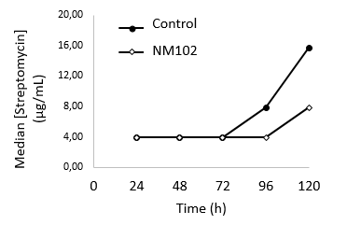
 | 0.098200000823 | 0.095600001514 | 0.097199998796 | 0.33219999075 | 0.49410000443 | 0.46320000291 | 0.85939997435 |  | 1.030099988 |  | Day 3
 | 0.097400002182 | 0.097800001502 | 0.097499996424 | 0.4483999908 | 0.80629998446 | 0.78210002184 | 0.95459997654 |  | 1.0960999727
 | 0.10610000044 | 0.10589999706 | 0.10249999911 | 0.39620000124 | 0.40829997063 | 0.42969998717 | 1.0062999725 |  | 1.0631999969
 | 0.16419999301 | 0.14239999652 | 0.15099999309 | 0.40040001273 | 0.42070001364 | 0.42539998889 | 0.92040002346 |  | 1.1038999557
 | 0.16529999673 | 0.12179999799 | 0.1359000057 | 0.32940000296 | 0.46209999919 | 0.43500000238 | 0.94809997082 |  | 1.1642999649
 | 0.14550000429 | 0.11879999936 | 0.12700000405 | 0.42300000787 | 0.46199997663 | 0.41929998994 | 1.0117000341 |  | 1.1740000248

 |  | 0.17280000448 | 0.32510000467 | 0.15510000288 | 0.47589999437 | 0.66019999981 | 0.75749999285 |  | 1.1593999863 |  | Day 4
 |  | 0.15099999309 | 0.16959999502 | 0.60890001059 | 0.56290000677 | 1.0259000063 | 1.0506999493 |  | 1.1481000185
 |  | 0.20080000162 | 0.20360000432 | 0.17980000377 | 0.45059999824 | 0.49200001359 | 0.89079999924 |  | 1.1072000265
 |  | 0.21789999306 | 0.23710000515 | 0.26289999485 | 0.40029999614 | 0.45820000768 | 0.88929998875 |  | 1.1354000568
 |  | 0.21829999983 | 0.2146999985 | 0.31169998646 | 0.47699999809 | 0.43540000916 | 0.97670000792 |  | 1.2142000198
 |  | 0.19110000134 | 0.2146999985 | 0.24840000272 | 0.49560000896 | 0.45460000634 | 0.96050000191 |  | 1.2194000483

 | 0.095200002193 | 0.095799997449 | 0.097499996424 | 0.24300000072 | 0.57719999552 | 0.86580002308 | 0.87940001488 |  | 1.0757000446 |  | Day 5
 | 0.096500001848 | 0.097300000489 | 0.99099999666 | 0.9183999896 | 0.98220002651 | 0.78589999676 | 0.89639997482 |  | 1.1460000277
 | 0.095600001514 | 0.094200000167 | 0.11779999733 | 0.10899999738 | 0.47720000148 | 0.68550002575 | 0.82580000162 |  | 0.92680001259
 | 0.1657000035 | 0.20960000157 | 0.14499999583 | 0.19120000303 | 0.38249999285 | 0.51239997149 | 0.77539998293 |  | 1.0992000103
 | 0.17090000212 | 0.1535000056 | 0.15970000625 | 0.30529999733 | 0.41530001163 | 0.54000002146 | 0.77149999142 |  | 1.1283999681
 | 0.18940000236 | 0.18739999831 | 0.15989999473 | 0.50559997559 | 0.57539999485 | 0.58109998703 | 0.8057000041 |  | 1.1117999554

