Figure 1g
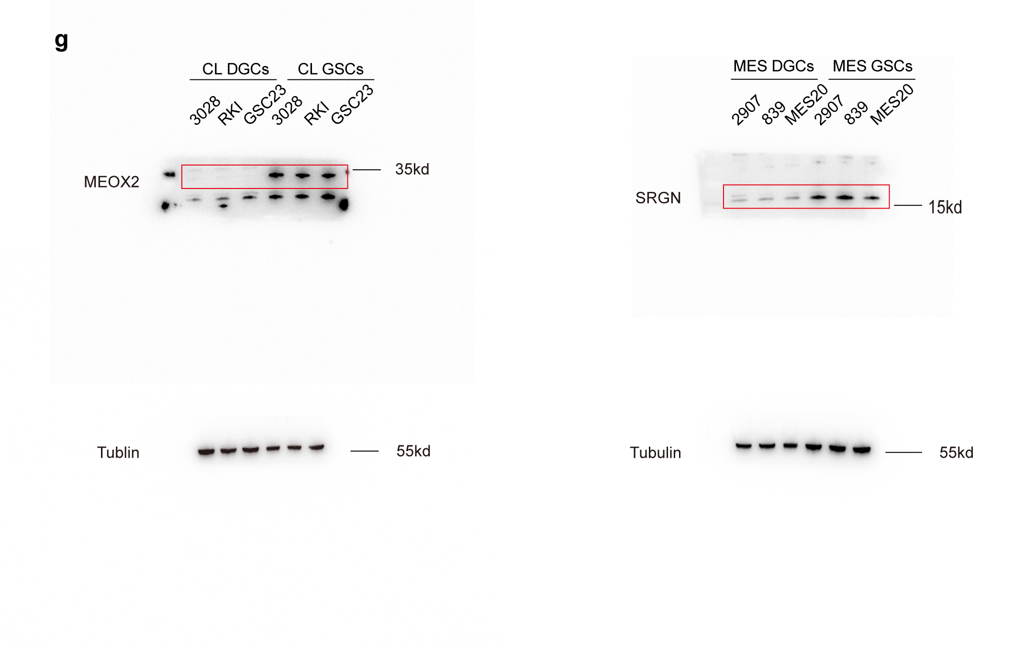
Figure 1g | anti-MEOX2 (Cat# DF3192, Affinity)
 | anti-SRGN (Cat#: PA5-51452, Invitrogen)
 | anti-beta Tubulin (Cat# AM1031a, Abcepta)

Figure 1h
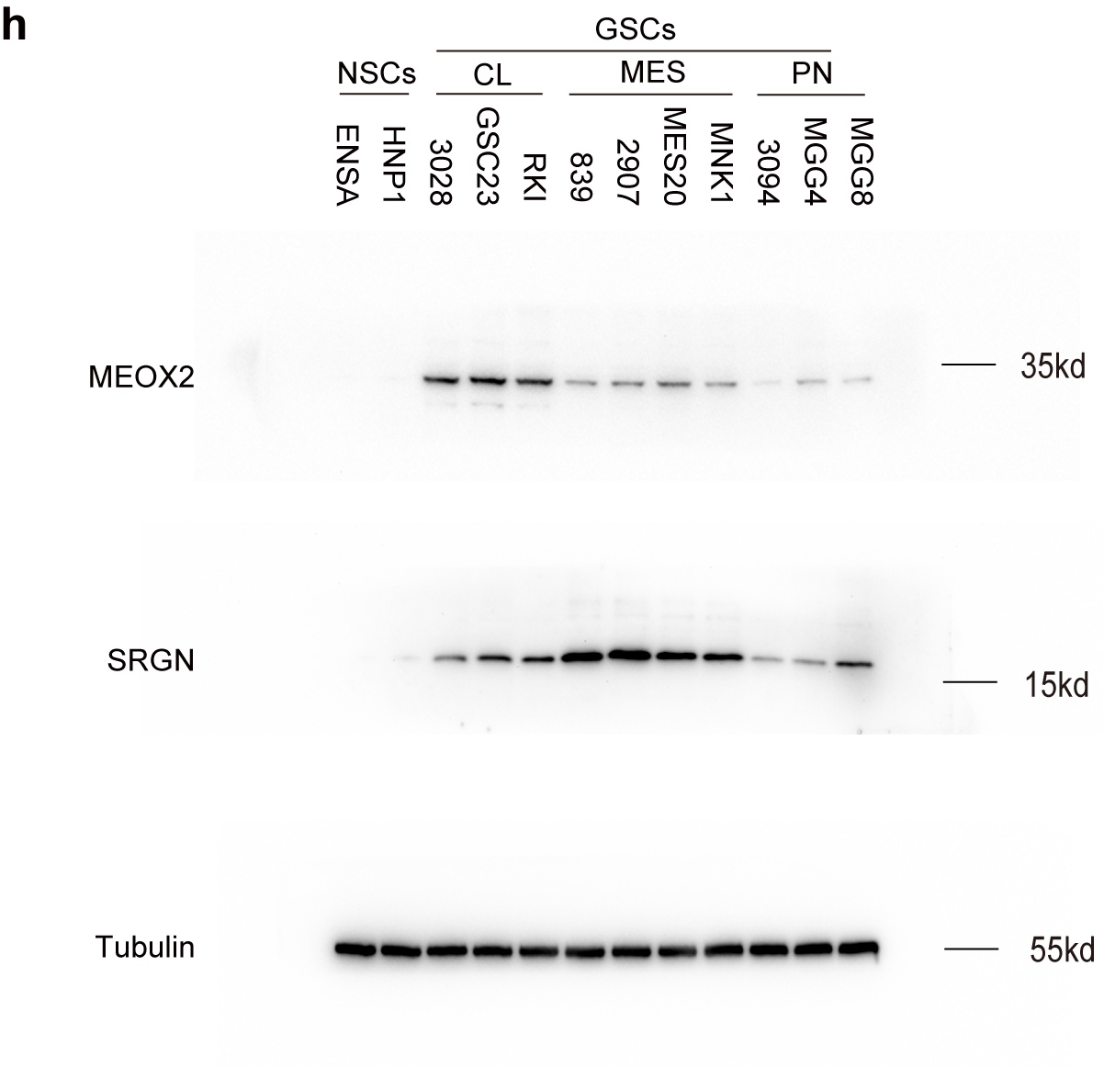
Figure 1h | anti-MEOX2 (Cat# DF3192, Affinity)
 | anti-SRGN (Cat#: PA5-51452, Invitrogen)
 | anti-beta Tubulin (Cat# AM1031a, Abcepta)

Figure 2i
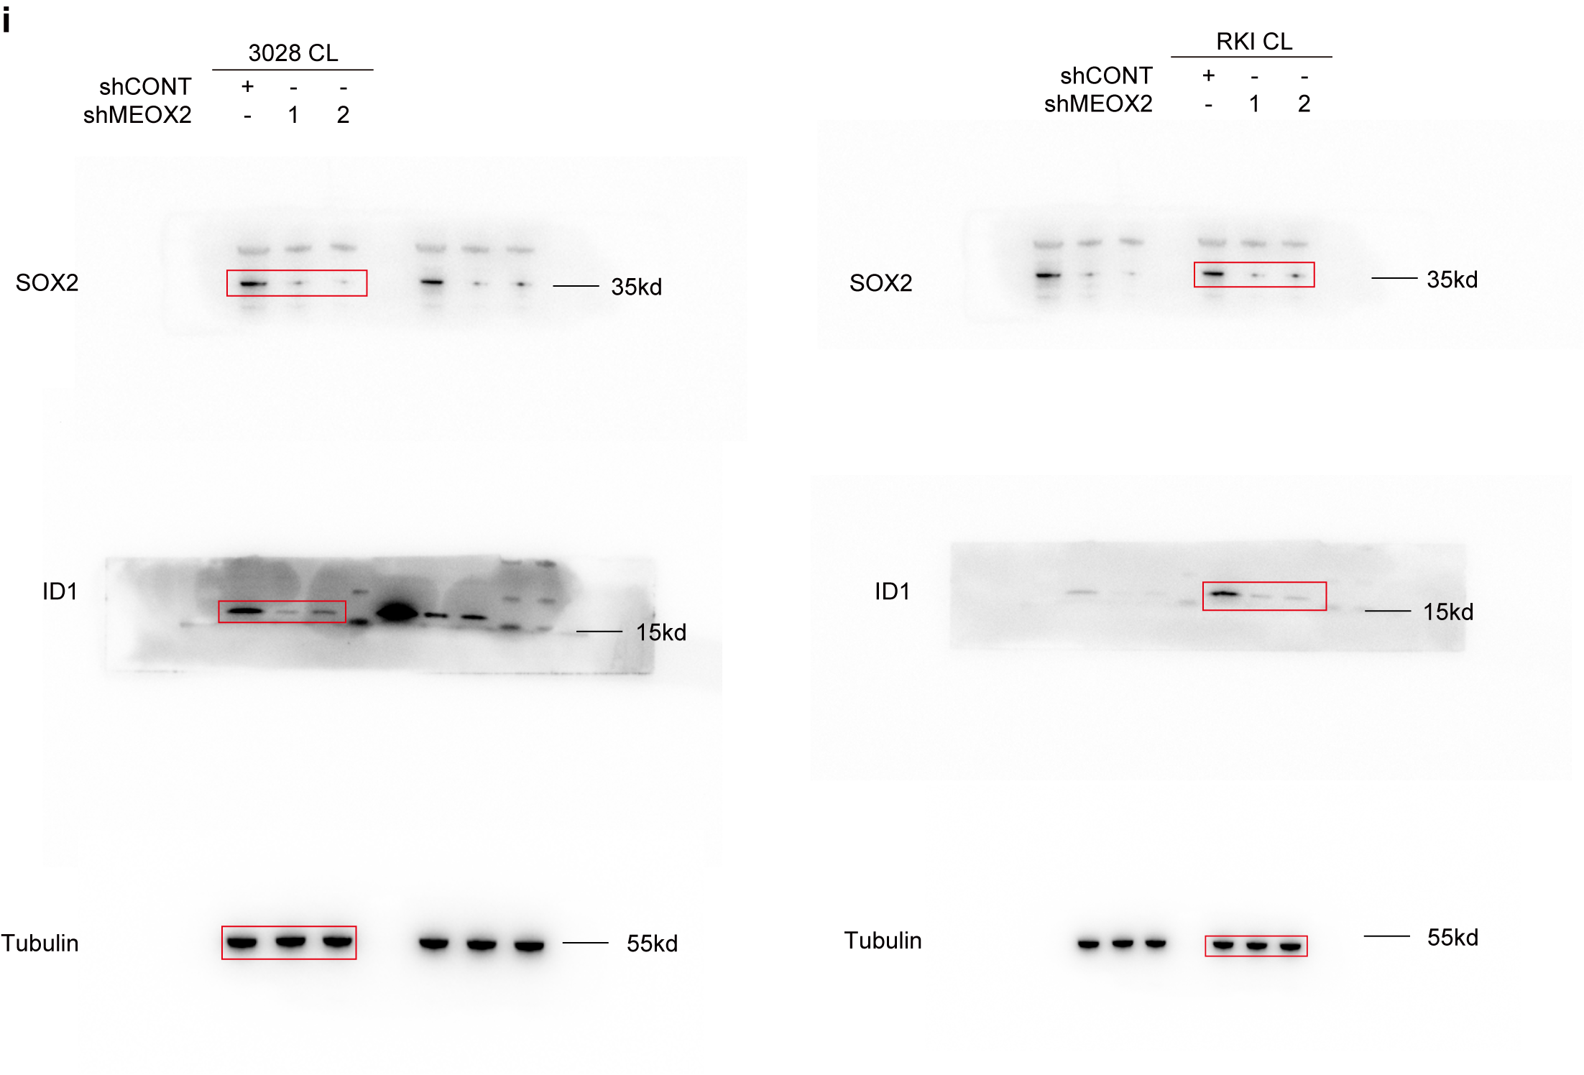
Figure 2i | anti-SOX2 (Cat#: AF5140, Affinity)
 | anti-ID1 (Cat# DF2932, Affinity)
 | anti-beta Tubulin (Cat# AM1031a, Abcepta)

Figure 2l
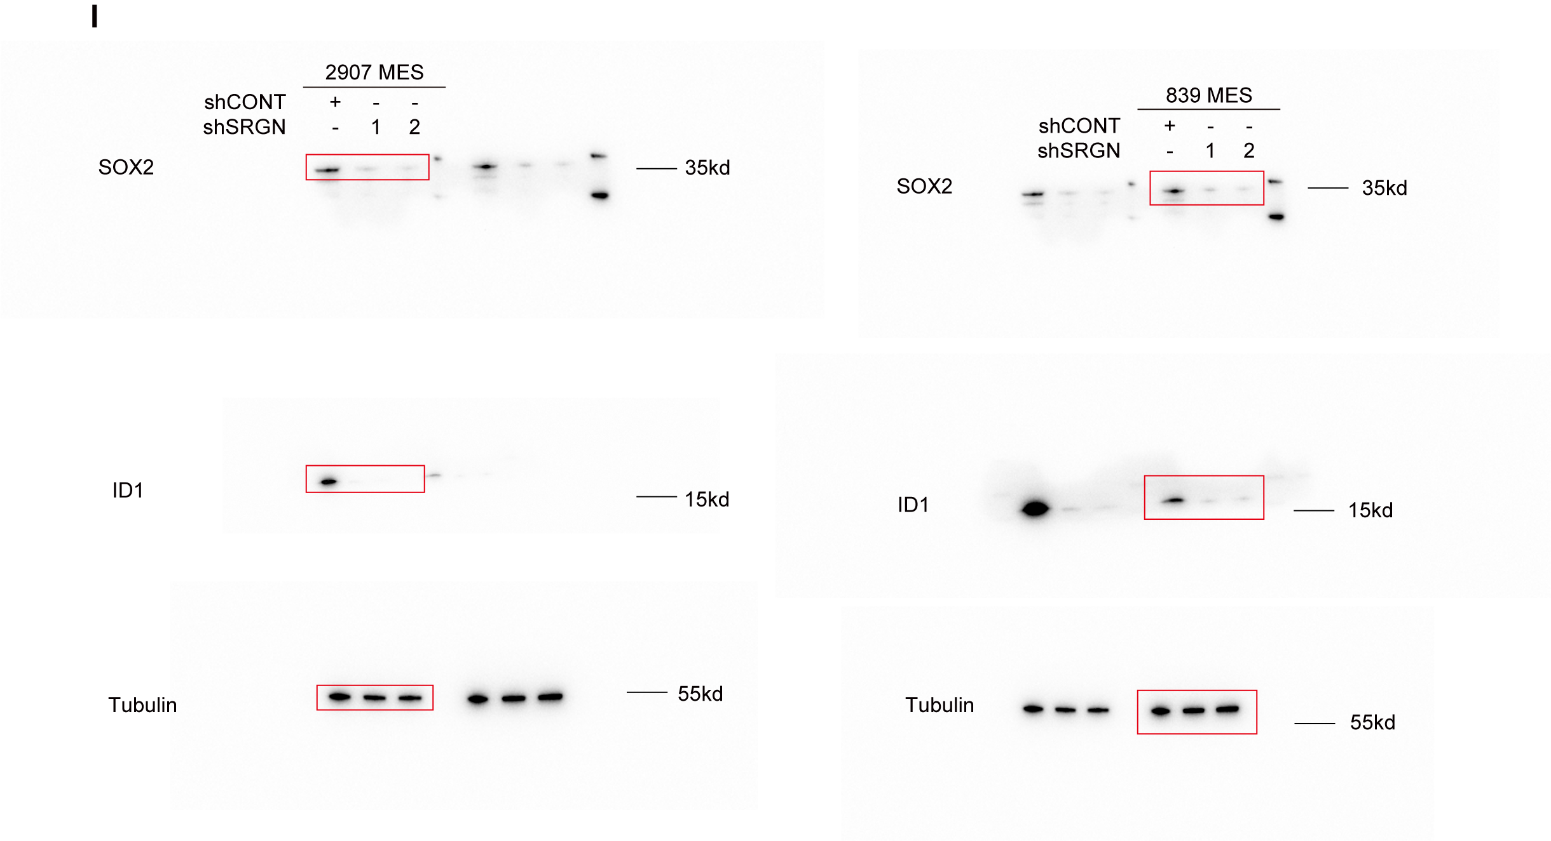
Figure 2l | anti-SOX2 (Cat#: AF5140, Affinity)
 | anti-ID1 (Cat# DF2932, Affinity)
 | anti-beta Tubulin (Cat# AM1031a, Abcepta)

Figure 3k
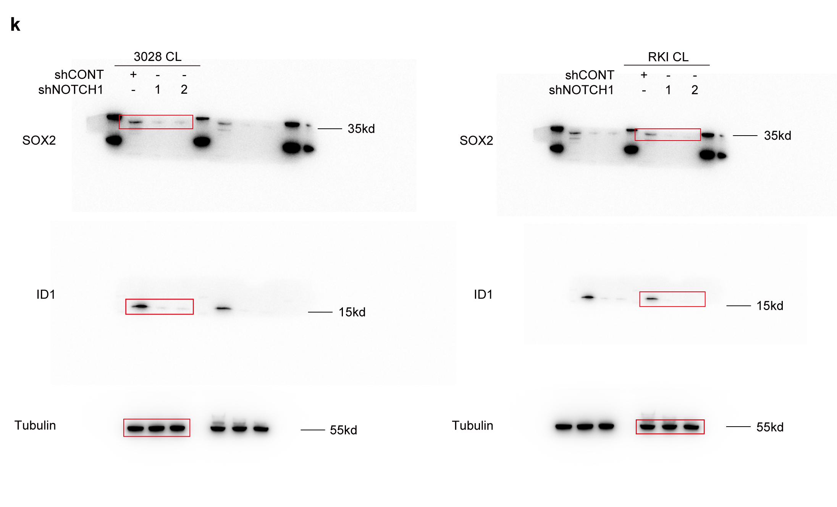
Figure 3k | anti-SOX2 (Cat#: AF5140, Affinity)
 | anti-ID1 (Cat# DF2932, Affinity)
 | anti-beta Tubulin (Cat# AM1031a, Abcepta)

Figure 4e
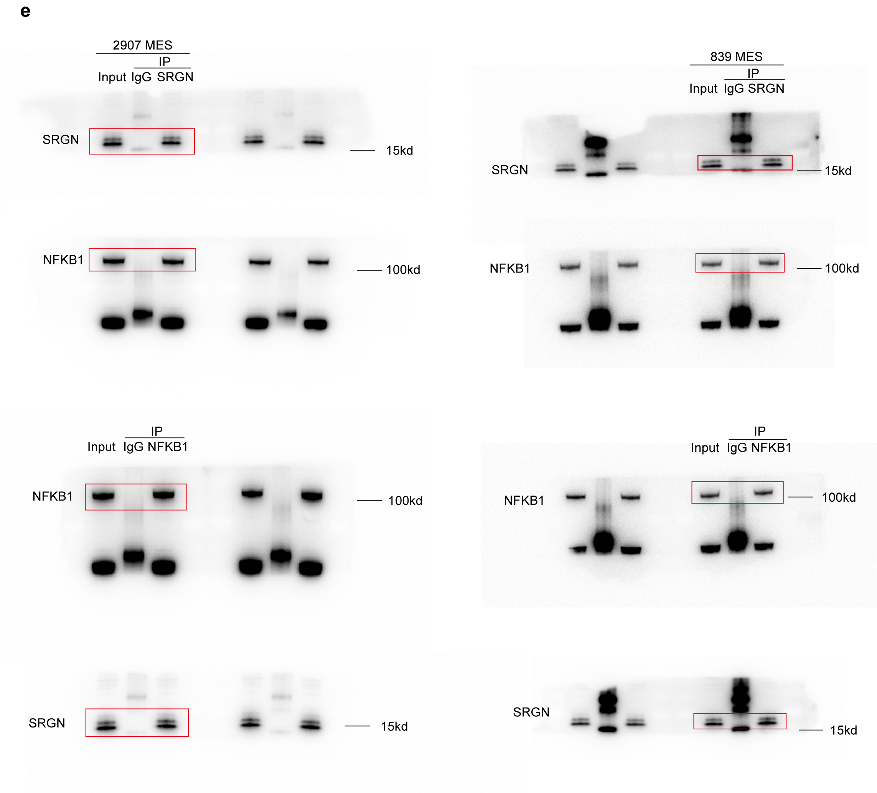
Figure 4e | anti-SRGN (Cat# NBP1-80886, Novus)
 | anti-NFKB1 (Cat# 13586, Cell Signaling Technology)

Figure 4g
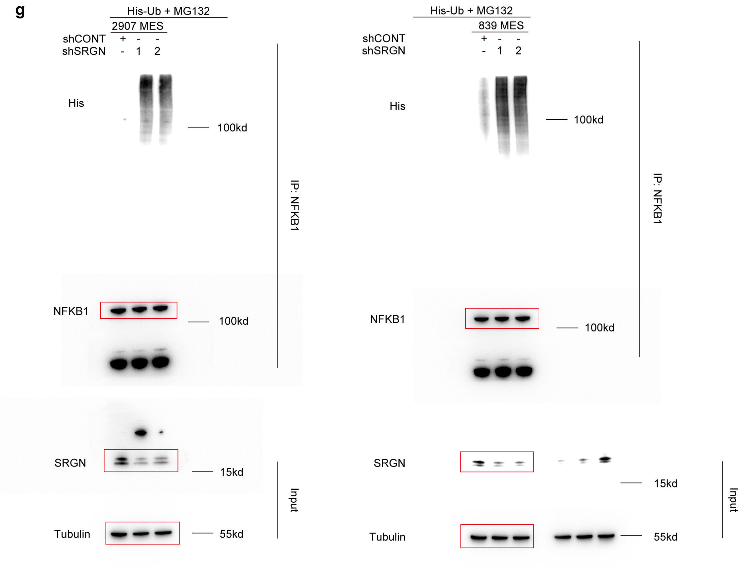
Figure 4g | His-Tag antibody (Cat#: 12698, Cell Signaling Technology)
 | anti-NFKB1 (Cat# 13586, Cell Signaling Technology)
 | anti-SRGN (Cat#: PA5-51452, Invitrogen)
 | anti-beta Tubulin (Cat# AM1031a, Abcepta)

Figure 4h
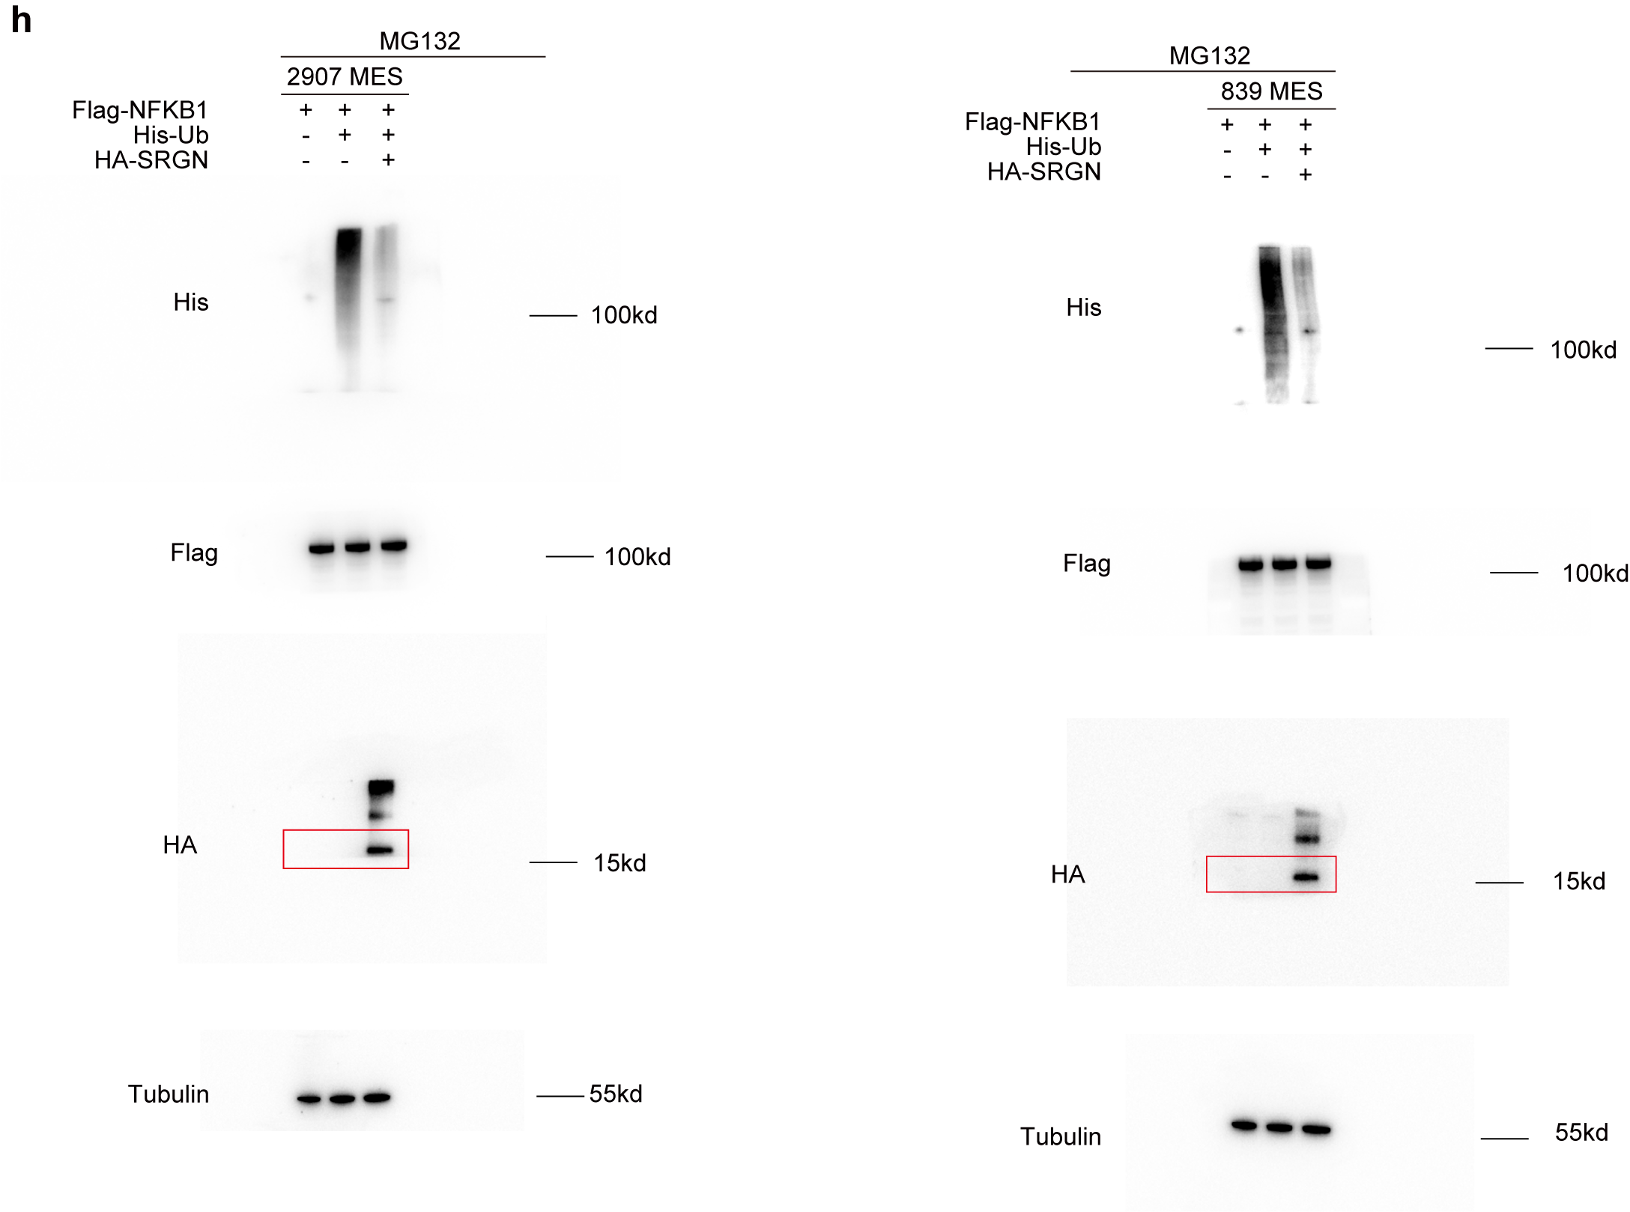
Figure 4h | His-Tag antibody (Cat#: 12698, Cell Signaling Technology)
 | Flag-Tag antibody (Cat# 14793, Cell Signaling Technology)
 | HA-Tag antibody (Cat# 3724, Cell Signaling Technology)
 | anti-beta Tubulin (Cat# AM1031a, Abcepta)

Figure 4i
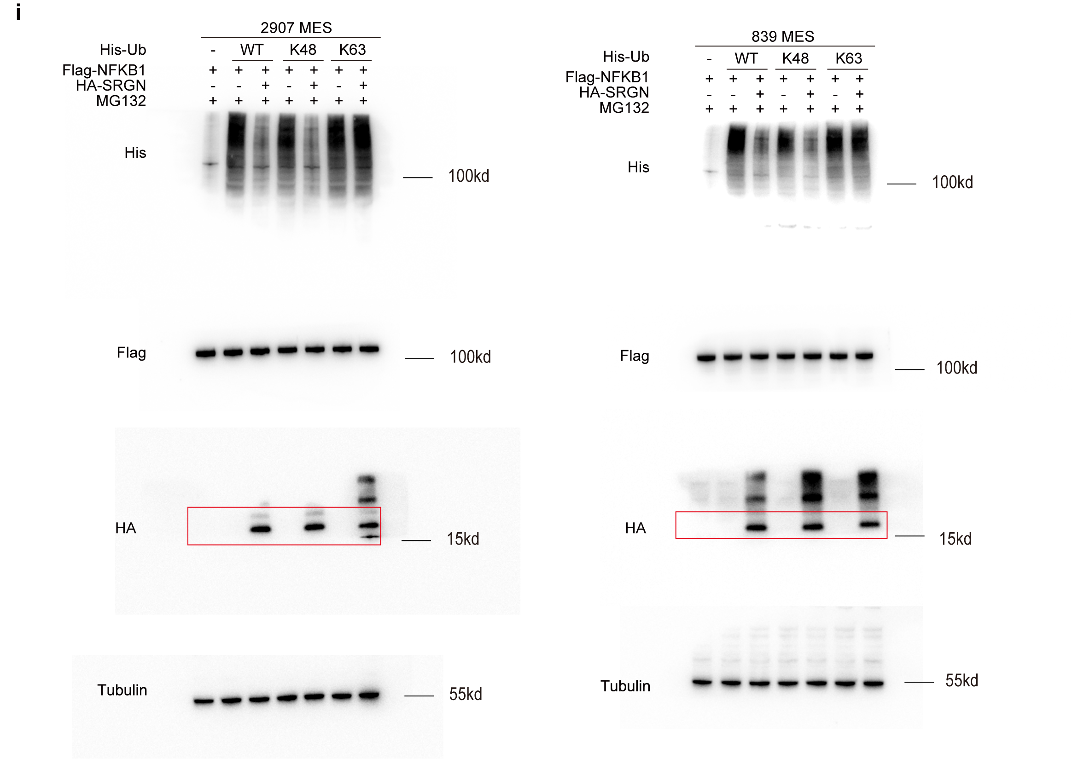
Figure 4i | His-Tag antibody (Cat#: 12698, Cell Signaling Technology)
 | Flag-Tag antibody (Cat# 14793, Cell Signaling Technology)
 | HA-Tag antibody (Cat# 3724, Cell Signaling Technology)
 | anti-beta Tubulin (Cat# AM1031a, Abcepta)

Figure 4j
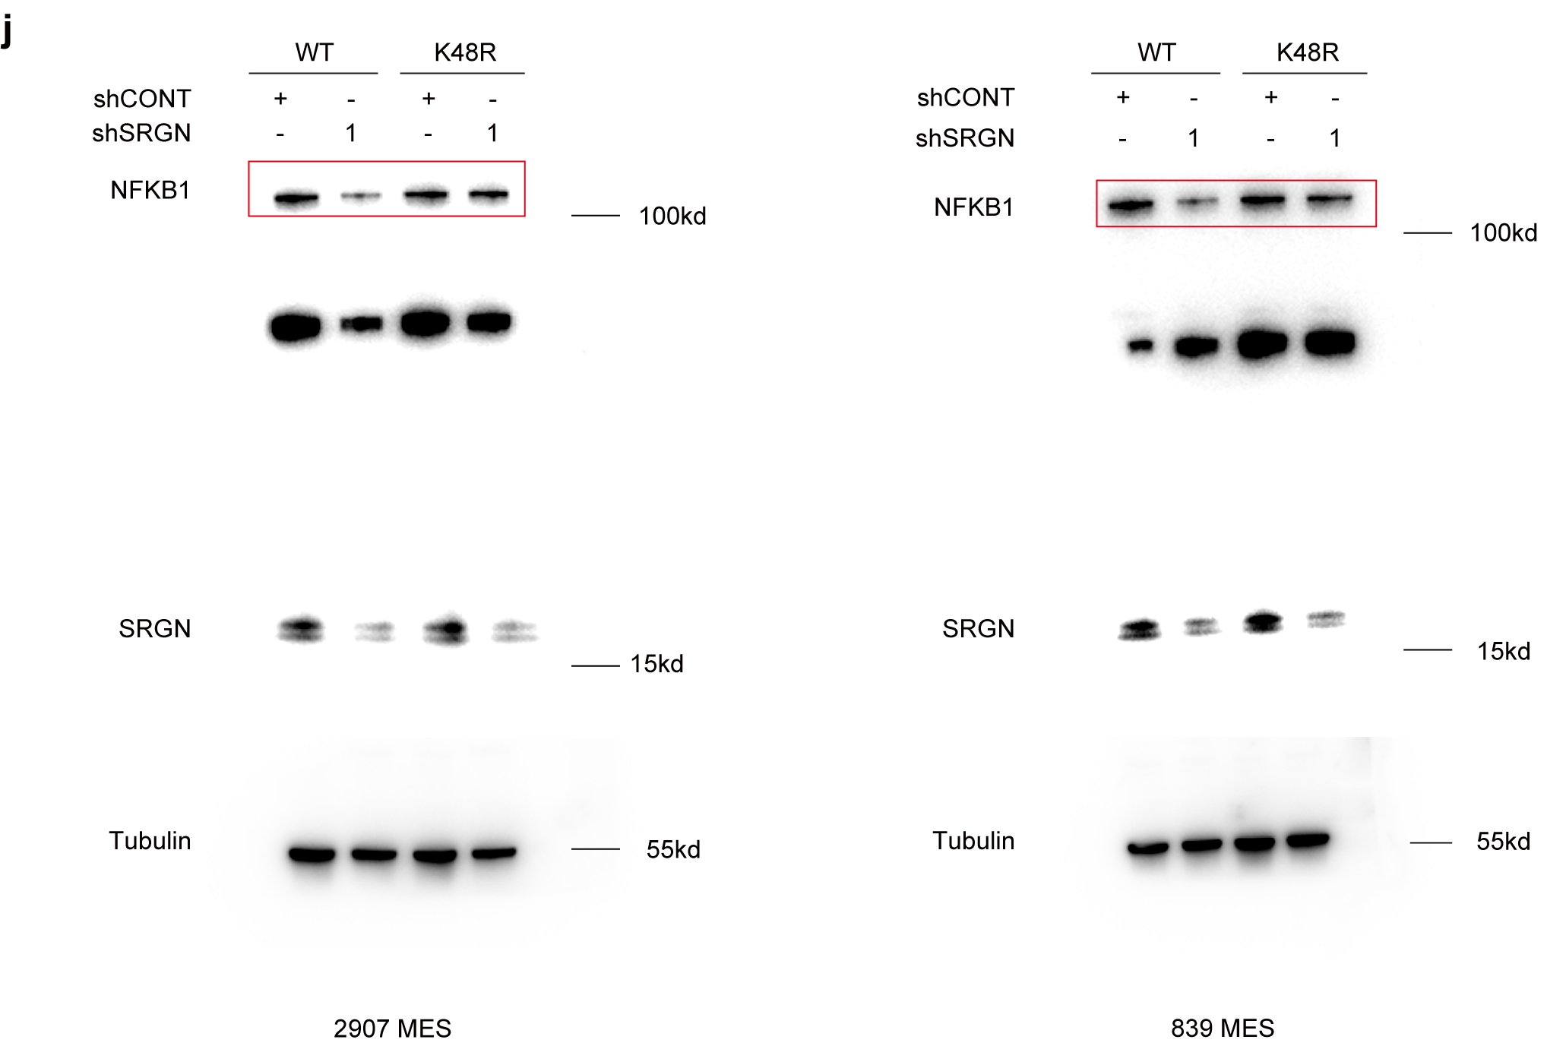
Figure 4j | anti-NFKB1 (Cat# 13586, Cell Signaling Technology)
 | anti-SRGN (Cat#: PA5-51452, Invitrogen)
 | anti-beta Tubulin (Cat# AM1031a, Abcepta)

Figure 4m
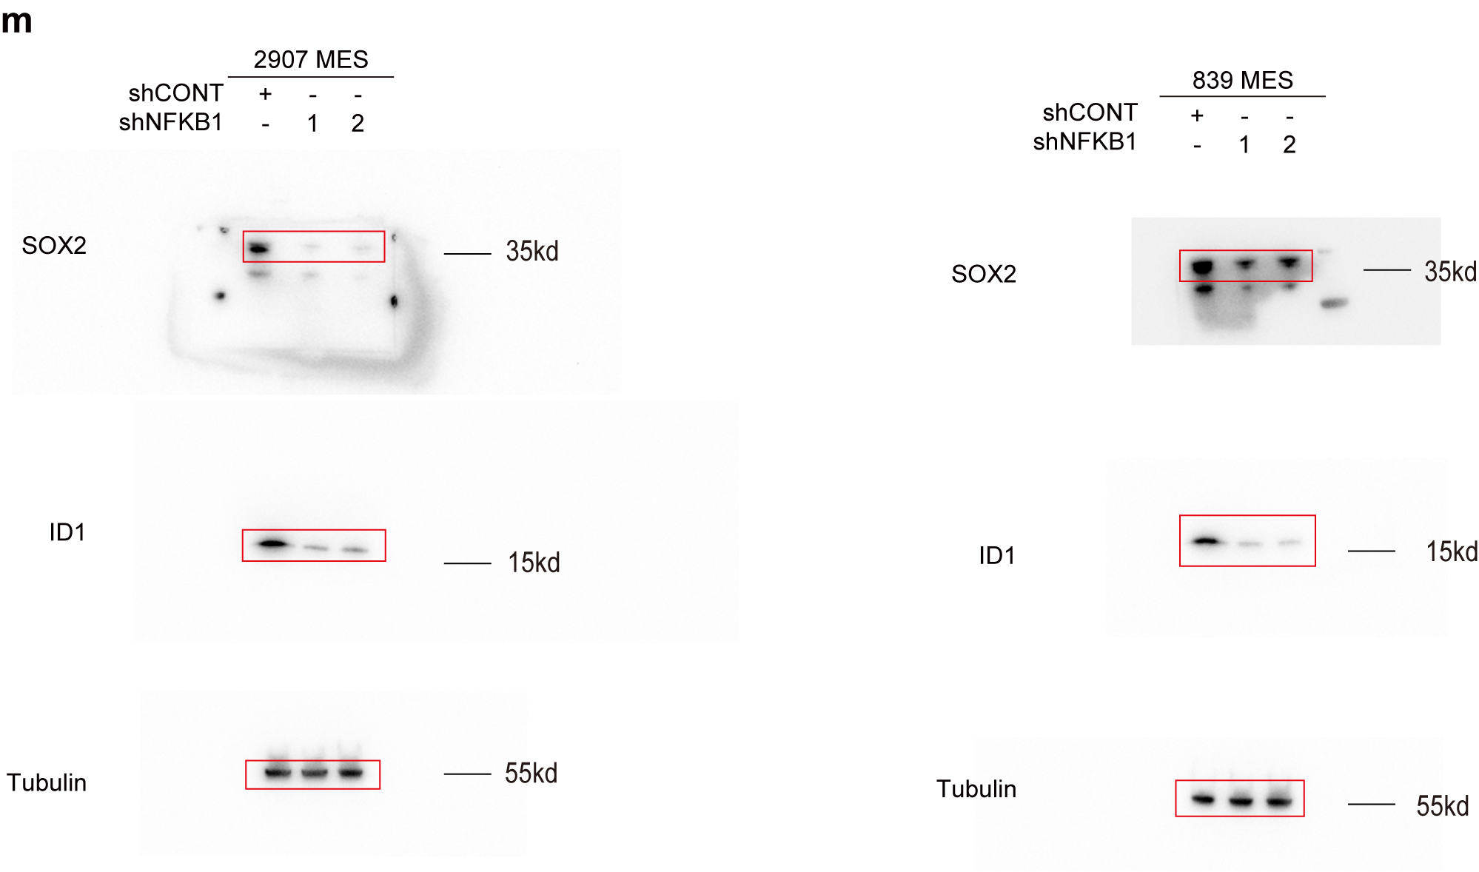
Figure 4m | anti-SOX2 (Cat#: AF5140, Affinity)
 | anti-ID1 (Cat# DF2932, Affinity)
 | anti-beta Tubulin (Cat# AM1031a, Abcepta)

Figure 6e
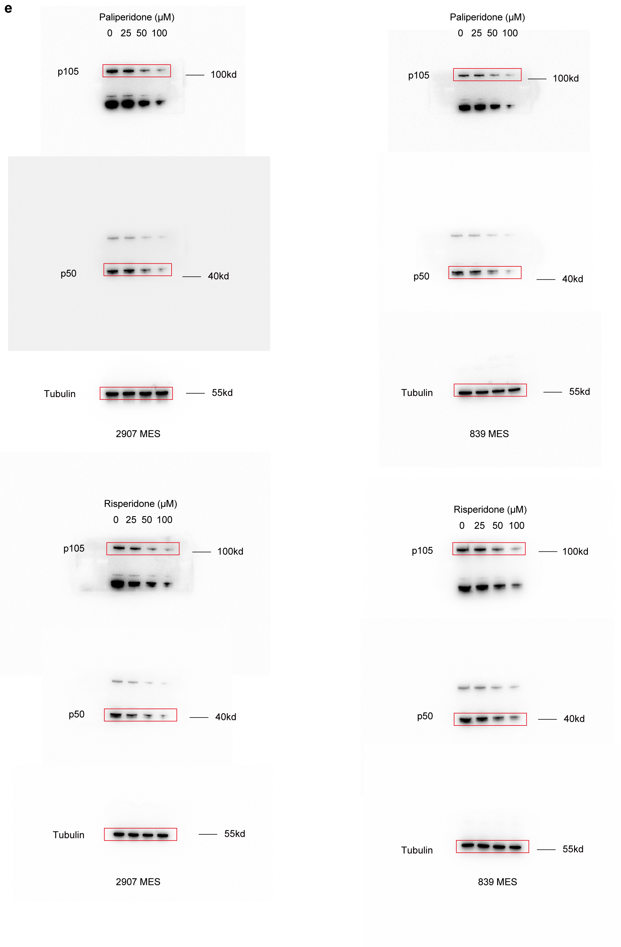
Figure 6e | anti-NFKB1 (Cat# 13586, Cell Signaling Technology)
 | anti-beta Tubulin (Cat# AM1031a, Abcepta)

