Table 1
Concentration (mM) | CRBN Binding (% Inhibition)
 | DKY709 |  | Compound 5
10.00000 | 99.4 | 99.1 | 96.1 | 98.9
3.33333 | 92.0 | 92.9 | 96.6 | 97.9
1.11111 | 73.5 | 76.9 | 92.0 | 91.1
0.37037 | 56.6 | 51.9 | 81.6 | 81.5
0.12346 | 27.1 | 27.3 | 67.2 | 67.9
0.04115 | 5.3 | 13.9 | 49.2 | 46.7
0.01372 | 4.4 | 4.6 | 30.1 | 29.9
0.00457 | 4.9 | 6.2 | 15.4 | 12.1
0.00152 | 3.0 | 0.8 | 2.6 | 0.7
0.00051 | 0.9 | -8.7 | 2.9 | 0.9
0.00017 | 4.2 | 0.0 | 4.8 | -6.9

Concentration (nM) | % Protein Remaining (Compound 5)
 | IKZF2 HiBit |  | IKZF1 HiBit |  | IKZF3 HiBit |  | SALL4 HiBit |  | GSPT1 HiBit |  | CK1a HiBit
0.16935087808 | 108.1853644 | 108.28768145 | 101.35786896 | 102.10976726 | 92.775303357 | 100.22479632 | 100.15364759 | 104.52953107 | 103.629064 | 105.3534682 | 104.58604044 | 110.59507603
0.50805263425 | 114.63133886 | 100.13642274 | 103.33654869 | 99.953006357 | 105.56324987 | 100.10308629 | 78.175895765 | 95.23692459 | 102.9937572 | 100.6542147 | 104.25960516 | 110.38683284
1.5241579028 | 92.837806152 | 112.68731482 | 103.53441666 | 100.62575746 | 100.78718058 | 103.96423194 | 102.07116957 | 95.18775736 | 102.3231556 | 108.8426135 | 93.597928824 | 116.57221853
4.5724737083 | 119.78129729 | 112.00520112 | 94.749078677 | 104.46439613 | 94.97028072 | 101.69371042 | 90.566037736 | 92.336058017 | 106.5282816 | 108.4291598 | 106.47711377 | 108.62520798
13.717421125 | 121.55479291 | 97.237439516 | 99.953006357 | 96.193514877 | 104.02298851 | 102.94438586 | 82.355110319 | 79.060905906 | 101.9752495 | 104.1181494 | 109.5838771 | 103.37973076
41.152263374 | 81.378295995 | 88.301750048 | 104.40503574 | 97.519230294 | 105.86122959 | 104.87495869 | 81.322598488 | 82.158441399 | 103.9618438 | 108.9837927 | 103.56921331 | 103.65551229
123.45679012 | 80.218702705 | 67.701916313 | 101.69424452 | 106.89817219 | 94.533803386 | 119.01850307 | 80.929260648 | 79.503410977 | 108.3031069 | 107.4862839 | 107.77347455 | 106.25949025
370.37037037 | 58.698015475 | 53.957325262 | 98.963666494 | 106.64094383 | 103.62848015 | 103.30951594 | 79.552578207 | 77.880892385 | 109.1905196 | 111.2527456 | 114.71679043 | 93.455347899
1111.1111111 | 54.332487797 | 40.997164965 | 106.1660607 | 102.14934085 | 111.77046119 | 99.77992519 | 75.127527503 | 80.978427878 | 111.227535 | 110.4359226 | 109.23305298 | 99.826464005
3333.3333333 | 35.199198516 | 37.620702151 | 99.141747669 | 103.67292424 | 104.59796346 | 102.93599207 | 70.751644029 | 70.702476799 | 109.0846351 | 119.5268603 | 103.82435812 | 110.12418377
10000 | 30.424402618 | 44.748790314 | 107.29390814 | 102.78251836 | 105.05962217 | 98.180907264 | 78.175895765 | 67.457439616 | 123.4143328 | 120.2630095 | 88.406857486 | 116.4671589

Concentration (nM) | % Protein Remaining (DKY709) |  |  | Concentration (nM) | % Protein Remaining (DKY709)
 | IKZF2 HiBit |  |  |  | IKZF1 HiBit |  | IKZF3 HiBit |  | SALL4 HiBit |  | GSPT1 HiBit |  | CK1a HiBit
0.016935087808 | 92.622823383 | 90.321828358 |  | 0.16935087808 | 94.135794821 | 83.619416536 | 98.585140942 | 98.917672789 | 87.40353585 | 87.216453861 | 109.98718732 | 110.68675017 | 107.11685824 | 95.099418681
0.050805263425 | 101.20491294 | 87.212375622 |  | 0.50805263425 | 98.334868017 | 103.47094332 | 87.939005986 | 92.323310482 | 79.546092325 | 77.899770825 | 108.03435537 | 102.09695922 | 102.09637997 | 90.7923768
0.15241579028 | 95.110385572 | 91.59670398 |  | 1.5241579028 | 90.108962554 | 99.43873126 | 88.900790403 | 90.778316366 | 71.520275011 | 70.023619101 | 113.63639612 | 86.793253974 | 90.020808561 | 102.25492139
0.45724737083 | 81.801927861 | 80.558146766 |  | 4.5724737083 | 93.833128709 | 90.785619174 | 83.76956822 | 90.384394025 | 65.215611992 | 61.754595201 | 89.090311471 | 88.902876894 | 86.670299908 | 98.645461752
1.3717421125 | 70.01710199 | 65.135261194 |  | 13.717421125 | 94.730516665 | 97.1093088 | 85.50896557 | 92.492134343 | 60.650811468 | 59.696693326 | 111.31017118 | 94.715217686 | 90.691967235 | 95.014863258
4.1152263374 | 49.525808458 | 51.484763682 |  | 41.152263374 | 88.819755478 | 108.61727171 | 94.538484166 | 87.923658362 | 53.67265329 | 54.159066461 | 91.370063021 | 111.34984887 | 91.648500462 | 85.68734311
12.345679012 | 40.912624378 | 36.839241294 |  | 123.45679012 | 97.06619603 | 94.508389605 | 83.651903105 | 88.23572671 | 48.415649408 | 56.516299518 | 100.01117385 | 109.01757069 | 91.627361607 | 93.492865636
37.037037037 | 42.902674129 | 29.594216418 |  | 370.37037037 | 86.20505992 | 99.627059844 | 82.475251957 | 84.250460429 | 52.662410551 | 51.727000608 | 108.28587557 | 84.147286244 | 92.208680143 | 84.862927732
111.11111111 | 41.441231343 | 32.330534826 |  | 1111.1111111 | 100.07417639 | 108.33973485 | 84.956451118 | 82.050634368 | 49.800056125 | 47.873111641 | 123.51499531 | 107.10830374 | 94.127031312 | 85.3808297
333.33333333 | 35.813121891 | 29.500932836 |  | 3333.3333333 | 92.122019126 | 87.851349716 | 82.812899678 | 83.145431524 | 48.88335438 | 46.114540948 | 110.08081515 | 95.05296405 | 84.450720042 | 102.64070551
1000 | 36.808146766 | 26.795708955 |  | 10000 | 95.500818498 | 105.20753314 | 79.77407019 | 83.846306339 | 44.898508021 | 46.170665544 | 109.04043616 | 115.7201174 | 94.650217994 | 88.456533228

 | The inhibition of compound 5 on hERG currents |  |  |  |  |  |  | Liver microsomal stability data for compound 5
 | Cell No. | Inhibition(%) |  |  |  |  |  | Species |  | Percent Remaining (%) |  |  |  |  | T1/2 (minute) | Clint (mL/min/kg)
 |  | 0.001 µM | 0.01 µM | 0.1 µM | 1 µM |  |  |  |  | 0 min | 5 min | 15 min | 30 min | 45 min
 | Cell 1 | 1.67 | 3.32 | 75.97 | 85.61 |  |  | human | Mean | 100.00 | 107.16 | 91.09 | 81.30 | 72.02 | 83.25 | 20.88
 | Cell 2 | -0.07 | 5.31 | 76.84 | 84.11 |  |  |  | RSD of Area Ratio | 0.00 | 0.04 | 0.00 | 0.02 | 0.05
 | Cell 3 | 0.08 | 0.58 | 83.7 | 91.32 |  |  | rat | Mean | 100.00 | 100.17 | 90.38 | 80.23 | 78.25 | 112.77 | 22.02
 | Mean | 0.8 | 4.32 | 76.41 | 84.86 |  |  |  | RSD of Area Ratio | 0.00 | 0.03 | 0.01 | 0.05 | 0.02
 | SD | 1.23 | 1.41 | 0.62 | 1.06 |  |  | mouse | Mean | 100.00 | 93.79 | 87.63 | 70.48 | 64.87 | 69.43 | 78.60
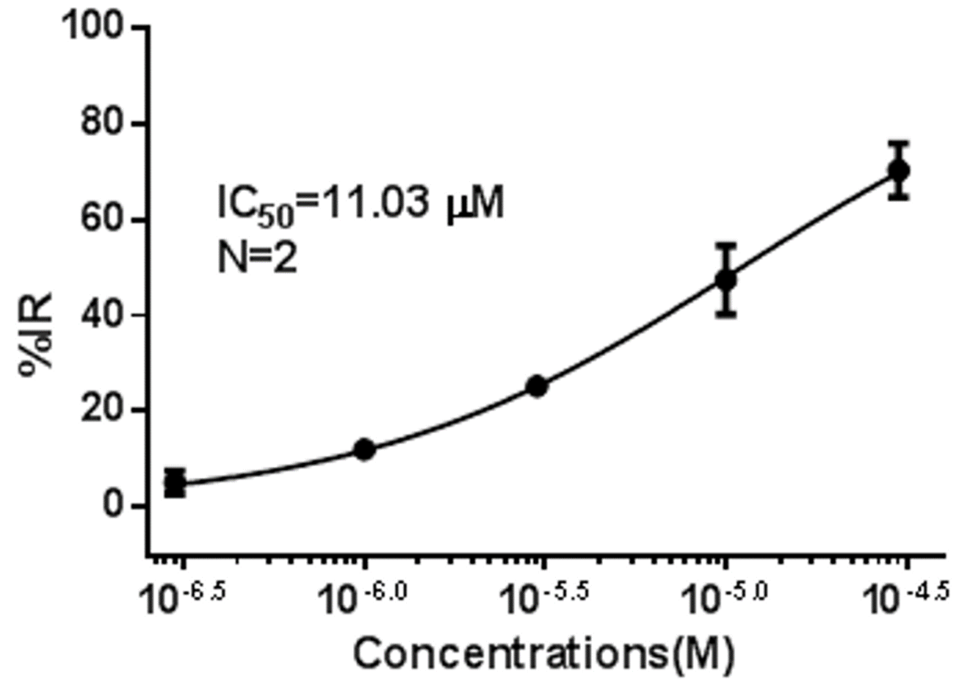
 |  |  |  |  |  |  |  |  | RSD of Area Ratio | 0.00 | 0.02 | 0.05 | 0.03 | 0.00

 |  |  |  |  |  |  |  | Caco-2 permeability data for compound 5
 |  |  |  |  |  |  |  | Summary | Papp (10-6 cm/s) |  | Efflux Ratio | Recovery % |  | Recovery % with Cell Lysate |  | Rank
 |  |  |  |  |  |  |  | Compound ID | A to B | B to A |  | A to B | B to A | A to B | B to A | Papp | P-gp
 |  |  |  |  |  |  |  | Atenolol | 0.57 | 0.88 |  | 97.1 | 97.6 |  |  | Low
 |  |  |  |  |  |  |  | Propranolol | 29.71 | 19.99 |  | 95.1 | 98.3 |  |  | High
 |  |  |  |  |  |  |  | Digoxin | 0.48 | 13.55 | 28.3 | 92.3 | 94.1 |  |  | Low | P-gp Substrate
 |  |  |  |  |  |  |  | Compound 5 | 18.66 | 20.8 | 1.11 | 89.5 | 106.6 | 94.1 | 106.9 | High

The mouse PK data for compound 5
 | Individual and mean plasma concentration-time data of compound 5 after IV and PO dose
 | IV (1 mg/kg) |  |  |  |  |  |  | PO (3 mg/kg)
 | Time Point | Animal ID |  |  | Mean | SD | CV(%) | Time Point | Animal ID |  |  | Mean | SD | CV(%)
 | (h) | 101 | 102 | 103 | (ng/mL) |  |  | (h) | 201 | 202 | 203 | (ng/mL)
 | 0.083 | 320.24 | 313.79 | 262.86 | 298.96 | 31.44 | 10.52 | 0.083 | 65.05 | 90.60 | 93.52 | 83.06 | 15.67 | 18.86
 | 0.25 | 198.67 | 234.63 | 224.09 | 219.13 | 18.49 | 8.44 | 0.25 | 195.68 | 235.27 | 344.56 | 258.50 | 77.11 | 29.83
 | 0.5 | 176.68 | 194.91 | 177.16 | 182.91 | 10.39 | 5.68 | 0.5 | 271.68 | 355.26 | 500.52 | 375.82 | 115.79 | 30.81
 | 1 | 124.50 | 117.58 | 113.40 | 118.50 | 5.61 | 4.73 | 1 | 339.50 | 307.73 | 464.07 | 370.43 | 82.63 | 22.31
 | 2 | 60.17 | 54.37 | 61.19 | 58.58 | 3.68 | 6.28 | 2 | 230.79 | 179.25 | 280.38 | 230.14 | 50.57 | 21.97
 | 4 | 19.09 | 16.91 | 29.47 | 21.82 | 6.71 | 30.74 | 4 | 146.47 | 75.71 | 80.83 | 101.00 | 39.46 | 39.07
 | 6 | 7.34 | 4.94 | 12.94 | 8.40 | 4.10 | 48.83 | 6 | 78.44 | 31.23 | 28.65 | 46.11 | 28.03 | 60.79
 | 8 | 3.57 | 3.17 | 8.48 | 5.07 | 2.96 | 58.27 | 8 | 48.26 | 15.41 | 10.80 | 24.82 | 20.43 | 82.28
 | 24 | BLQ | BLQ | BLQ | NA | NA | NA | 24 | 1.28 | 1.41 | BLQ | 1.35 | 0.09 | 6.92
 | BLQ = Below the lower limit of quantitation (LLOQ)

 | Plasma concentration-time profiles of compound after IV dose |  |  |  |  |  |  | Plasma concentration-time profiles of compound after PO dose

 | 101 | 102 | 103
0.083 | 320.243 | 313.792 | 262.855
0.25 | 198.668 | 234.626 | 224.087
0.5 | 176.675 | 194.905 | 177.159
1 | 124.502 | 117.582 | 113.401
2 | 60.1657 | 54.3744 | 61.1934
4 | 19.0904 | 16.9131 | 29.4651
6 | 7.34185 | 4.93616 | 12.9359
8 | 3.5675 | 3.17338 | 8.4795
24 | 0 | 0 | 0
 | 201 | 202 | 203
0.083 | 65.0452 | 90.6039 | 93.5216
0.25 | 195.68 | 235.265 | 344.557
0.5 | 271.683 | 355.258 | 500.517
1 | 339.498 | 307.732 | 464.068
2 | 230.787 | 179.25 | 280.384
4 | 146.471 | 75.7109 | 80.8269
6 | 78.4397 | 31.2333 | 28.6517
8 | 48.2586 | 15.4097 | 10.8036
24 | 1.27971 | 1.41144 | 0

 | PK parameters
 | G1 | Administration Route | Dose Level | T1/2 | Tmax | Cmax | AUC(0-t) | AUC(0-∞） | MRT(0-t) | MRT(0-∞） | Vss | Vz | Cl
 | Animal No. |  | mg/kg | h | h | ng/mL | h*ng/mL | h*ng/mL | h | h | mL/kg | mL/kg | mL/h/kg
 | 101 | IV | 1.0 | 1.65 | 0.08 | 320.24 | 404.61 | 413.12 | 1.46 | 1.64 | 3974.93 | 5772.55 | 2420.61
 | 102 | IV | 1.0 | 1.20 | 0.08 | 313.79 | 392.90 | 398.40 | 1.33 | 1.45 | 3633.88 | 4348.50 | 2510.06
 | 103 | IV | 1.0 | 2.05 | 0.08 | 262.86 | 427.94 | 453.06 | 1.81 | 2.32 | 5117.12 | 6537.59 | 2207.21
 | n |  | 3 | 3 | 3 | 3 | 3 | 3 | 3 | 3 | 3 | 3 | 3
 | G1-Mean |  | 1.0 | 1.64 | 0.08 | 298.96 | 408.49 | 421.53 | 1.53 | 1.80 | 4241.98 | 5552.88 | 2379.29
 | G1-SD |  | 0.0 | 0.43 | 0.00 | 31.44 | 17.84 | 28.28 | 0.25 | 0.46 | 776.84 | 1110.96 | 155.59

 | G2 | Administration Route | Dose Level | T1/2 | Tmax | Cmax | AUC(0-t) | AUC(0-∞） | MRT(0-t) | MRT(0-∞） | F
 | Animal No. |  | mg/kg | h | h | ng/mL | h*ng/mL | h*ng/mL | h | h | %
 | 201 | PO | 3.0 | 3.04 | 1.00 | 339.50 | 1646.00 | 1651.62 | 4.16 | 4.24 | 134.32
 | 202 | PO | 3.0 | 4.24 | 0.50 | 355.26 | 1057.14 | 1065.78 | 3.04 | 3.26 | 86.27
 | 203 | PO | 3.0 | 1.38 | 0.50 | 500.52 | 1269.61 | 1291.09 | 1.87 | 2.01 | 103.60
 | n |  | 3 | 3 | 3 | 3 | 3 | 3 | 3 | 3 | 3
 | G2-Mean |  | 3.0 | 2.89 | 0.67 | 398.42 | 1324.25 | 1336.16 | 3.02 | 3.17 | 108.06
 | G2-SD |  | 0.0 | 1.44 | 0.29 | 88.77 | 298.21 | 295.51 | 1.14 | 1.12 | 24.33

The rat PK data for compound 5
 | Individual and mean plasma concentration-time data of compound 5 after IV and PO dose
 | IV (1 mg/kg) |  |  |  |  |  |  | PO (3 mg/kg)
 | Time Point | Animal ID |  |  | Mean | SD | CV(%) | Time Point | Animal ID |  |  | Mean | SD | CV(%)
 | (h) | 101 | 102 | 103 | (ng/mL) |  |  | (h) | 201 | 202 | 203 | (ng/mL)
 | 0.083 | 368.33 | 378.73 | 370.74 | 372.60 | 5.44 | 1.46 | 0.083 | 1.83 | 3.03 | 5.35 | 3.40 | 1.79 | 52.58
 | 0.25 | 371.59 | 350.79 | 338.73 | 353.70 | 16.62 | 4.70 | 0.25 | 28.30 | 33.82 | 40.13 | 34.08 | 5.92 | 17.37
 | 0.5 | 263.13 | 277.53 | 212.42 | 251.02 | 34.20 | 13.62 | 0.5 | 53.21 | 68.26 | 66.50 | 62.66 | 8.23 | 13.13
 | 1 | 172.96 | 168.73 | 201.78 | 181.16 | 17.99 | 9.93 | 1 | 82.15 | 128.86 | 107.02 | 106.01 | 23.37 | 22.04
 | 2 | 134.94 | 118.23 | 100.92 | 118.03 | 17.01 | 14.41 | 2 | 112.56 | 302.64 | 130.72 | 181.97 | 104.89 | 57.64
 | 4 | 61.15 | 70.53 | 70.56 | 67.41 | 5.43 | 8.05 | 4 | 240.50 | 229.49 | 245.74 | 238.58 | 8.30 | 3.48
 | 6 | 33.28 | 28.03 | 27.25 | 29.52 | 3.28 | 11.11 | 6 | 115.48 | 107.29 | 106.01 | 109.59 | 5.14 | 4.69
 | 8 | 17.28 | 15.44 | 15.23 | 15.98 | 1.13 | 7.07 | 8 | 28.40 | 31.36 | 33.18 | 30.98 | 2.41 | 7.79
 | 24 | BLQ | BLQ | BLQ | NA | NA | NA | 24 | BLQ | BLQ | BLQ | NA | NA | NA
 | BLQ = Below the lower limit of quantitation (LLOQ)

 | Plasma concentration-time profiles of compound after IV dose |  |  |  |  |  |  | Plasma concentration-time profiles of compound after PO dose
 | 101 | 102 | 103
0.083 | 368.331 | 378.73 | 370.744
0.25 | 371.588 | 350.791 | 338.729
0.5 | 263.129 | 277.526 | 212.416
1 | 172.957 | 168.727 | 201.784
2 | 134.938 | 118.226 | 100.919
4 | 61.1499 | 70.5312 | 70.562
6 | 33.2798 | 28.0324 | 27.2471
8 | 17.2812 | 15.4399 | 15.2275
24 | 0 | 0 | 0
 | 201 | 202 | 203
0.083 | 1.82626 | 3.03482 | 5.3475
0.25 | 28.2962 | 33.8204 | 40.1256
0.5 | 53.2145 | 68.2641 | 66.5034
1 | 82.1529 | 128.857 | 107.019
2 | 112.56 | 302.636 | 130.715
4 | 240.5 | 229.486 | 245.742
6 | 115.48 | 107.29 | 106.008
8 | 28.3967 | 31.3619 | 33.1804
24 | 0 | 0 | 0

 | PK parameters
 | G1 | Administration Route | Dose Level | T1/2 | Tmax | Cmax | AUC(0-t) | AUC(0-∞） | MRT(0-t) | MRT(0-∞） | Vss | Vz | Cl
 | Animal No. |  | mg/kg | h | h | ng/mL | h*ng/mL | h*ng/mL | h | h | mL/kg | mL/kg | mL/h/kg
 | 101 | IV | 1.0 | 2.19 | 0.25 | 371.59 | 775.74 | 830.44 | 2.11 | 2.70 | 3254.78 | 3811.57 | 1204.18
 | 102 | IV | 1.0 | 2.00 | 0.08 | 378.73 | 757.33 | 801.91 | 2.09 | 2.58 | 3211.12 | 3600.26 | 1247.03
 | 103 | IV | 1.0 | 1.95 | 0.08 | 370.74 | 726.28 | 769.02 | 2.10 | 2.59 | 3365.94 | 3649.74 | 1300.36
 | n |  | 3 | 3 | 3 | 3 | 3 | 3 | 3 | 3 | 3 | 3 | 3
 | G1-Mean |  | 1.0 | 2.05 | 0.14 | 373.69 | 753.12 | 800.46 | 2.10 | 2.62 | 3277.28 | 3687.19 | 1250.52
 | G1-SD |  | 0.0 | 0.13 | 0.10 | 4.39 | 25.00 | 30.74 | 0.01 | 0.07 | 79.82 | 110.52 | 48.19

 | G2 | Administration Route | Dose Level | T1/2 | Tmax | Cmax | AUC(0-t) | AUC(0-∞） | MRT(0-t) | MRT(0-∞） | F
 | Animal No. |  | mg/kg | h | h | ng/mL | h*ng/mL | h*ng/mL | h | h | %
 | 201 | PO | 3.0 | 1.30 | 4.00 | 240.50 | 996.89 | 1050.06 | 3.96 | 4.26 | 44.12
 | 202 | PO | 3.0 | 1.39 | 2.00 | 302.64 | 1288.54 | 1351.57 | 3.41 | 3.72 | 57.03
 | 203 | PO | 3.0 | 1.38 | 4.00 | 245.74 | 1046.99 | 1113.27 | 3.81 | 4.18 | 46.34
 | n |  | 3 | 3 | 3 | 3 | 3 | 3 | 3 | 3 | 3
 | G2-Mean |  | 3.0 | 1.36 | 3.33 | 262.96 | 1110.81 | 1171.64 | 3.73 | 4.05 | 49.16
 | G2-SD |  | 0.0 | 0.05 | 1.15 | 34.46 | 155.95 | 159.00 | 0.28 | 0.29 | 6.90

Mouse PK Data for DKY709
Individual and mean plasma concentration-time data of DKY709 after IV and PO dose
IV (1 mg/kg) |  |  |  |  |  |  | PO (3 mg/kg)
Time Point | Animal ID |  |  | Mean | SD | CV(%) | Time Point | Animal ID |  |  | Mean | SD | CV(%)
(h) | 101 | 102 | 103 | (ng/mL) |  |  | (h) | 201 | 202 | 203 | (ng/mL)
0.083 | 183.55 | 236.61 | 191.10 | 203.75 | 28.70 | 14.09 | 0.083 | 30.02 | 73.73 | 45.21 | 49.65 | 22.19 | 44.69
0.25 | 131.03 | 159.97 | 116.49 | 135.83 | 22.13 | 16.30 | 0.25 | 266.08 | 221.86 | 220.68 | 236.21 | 25.88 | 10.96
0.5 | 88.97 | 123.72 | 98.30 | 103.66 | 17.98 | 17.35 | 0.5 | 282.88 | 268.16 | 267.75 | 272.93 | 8.62 | 3.16
1 | 87.07 | 97.79 | 77.48 | 87.45 | 10.16 | 11.62 | 1 | 223.32 | 258.86 | 223.83 | 235.33 | 20.37 | 8.66
2 | 37.52 | 46.30 | 40.97 | 41.60 | 4.42 | 10.64 | 2 | 83.57 | 121.55 | 119.05 | 108.06 | 21.24 | 19.66
4 | 17.84 | 25.22 | 20.66 | 21.24 | 3.73 | 17.54 | 4 | 26.60 | 42.61 | 38.29 | 35.83 | 8.28 | 23.11
6 | 10.74 | 18.00 | 12.44 | 13.72 | 3.80 | 27.66 | 6 | 8.43 | 12.72 | 9.95 | 10.37 | 2.17 | 20.95
8 | 6.93 | 12.39 | 8.24 | 9.19 | 2.85 | 31.04 | 8 | 3.59 | 7.47 | 4.06 | 5.04 | 2.12 | 41.99
24 | BLQ | BLQ | BLQ | NA | NA | NA | 24 | BLQ | BLQ | BLQ | NA | NA | NA
BLQ = Below the lower limit of quantitation (LLOQ)

Plasma concentration-time profiles of compound after IV dose |  |  |  |  |  |  | Plasma concentration-time profiles of compound after PO dose
 | 101 | 102 | 103
0.083 | 183.546 | 236.609 | 191.104
0.25 | 131.034 | 159.972 | 116.491
0.5 | 88.9671 | 123.716 | 98.3044
1 | 87.0666 | 97.7892 | 77.4841
2 | 37.5163 | 46.3 | 40.9729
4 | 17.84 | 25.2233 | 20.6644
6 | 10.7383 | 17.9965 | 12.4385
8 | 6.92776 | 12.3909 | 8.24184
24 | 0 | 0 | 0
 | 201 | 202 | 203
0.083 | 30.0195 | 73.7305 | 45.2106
0.25 | 266.08 | 221.859 | 220.68
0.5 | 282.883 | 268.16 | 267.754
1 | 223.316 | 258.855 | 223.83
2 | 83.5718 | 121.551 | 119.045
4 | 26.6027 | 42.6094 | 38.2879
6 | 8.43275 | 12.7153 | 9.94808
8 | 3.59468 | 7.46915 | 4.05633
24 | 0 | 0 | 0

PK parameters
G1 | Administration Route | Dose Level | T1/2 | Tmax | Cmax | AUC(0-t) | AUC(0-∞） | MRT(0-t) | MRT(0-∞） | Vss | Vz | Cl
Animal No. |  | mg/kg | h | h | ng/mL | h*ng/mL | h*ng/mL | h | h | mL/kg | mL/kg | mL/h/kg
101 | IV | 1.0 | 2.93 | 0.08 | 183.55 | 278.29 | 307.59 | 1.91 | 2.89 | 9391.38 | 13748.13 | 3251.11
102 | IV | 1.0 | 3.90 | 0.08 | 236.61 | 362.87 | 432.60 | 2.10 | 3.96 | 9155.06 | 13008.27 | 2311.59
103 | IV | 1.0 | 3.02 | 0.08 | 191.10 | 289.20 | 325.07 | 2.03 | 3.17 | 9757.09 | 13386.88 | 3076.27
n |  | 3 | 3 | 3 | 3 | 3 | 3 | 3 | 3 | 3 | 3 | 3
G1-Mean |  | 1.0 | 3.28 | 0.08 | 203.75 | 310.12 | 355.09 | 2.01 | 3.34 | 9434.51 | 13381.10 | 2879.66
G1-SD |  | 0.0 | 0.54 | 0.00 | 28.70 | 46.01 | 67.70 | 0.10 | 0.56 | 303.32 | 369.96 | 499.67

G2 | Administration Route | Dose Level | T1/2 | Tmax | Cmax | AUC(0-t) | AUC(0-∞） | MRT(0-t) | MRT(0-∞） | F
Animal No. |  | mg/kg | h | h | ng/mL | h*ng/mL | h*ng/mL | h | h | %
201 | PO | 3.0 | 1.31 | 0.50 | 282.88 | 531.82 | 538.61 | 1.56 | 1.66 | 57.16
202 | PO | 3.0 | 1.35 | 0.50 | 268.16 | 650.62 | 665.14 | 1.81 | 1.98 | 69.93
203 | PO | 3.0 | 1.19 | 0.50 | 267.75 | 599.04 | 606.00 | 1.74 | 1.84 | 64.39
n |  | 3 | 3 | 3 | 3 | 3 | 3 | 3 | 3 | 3
G2-Mean |  | 3.0 | 1.28 | 0.50 | 272.93 | 593.83 | 603.25 | 1.70 | 1.83 | 63.83
G2-SD |  | 0.0 | 0.08 | 0.00 | 8.62 | 59.57 | 63.31 | 0.13 | 0.16 | 6.40

Rat PK Data for DKY709
Individual and mean plasma concentration-time data of DKY709 after IV and PO dose
IV (1 mg/kg) |  |  |  |  |  |  | PO (3 mg/kg)
Time Point | Animal ID |  |  | Mean | SD | CV(%) | Time Point | Animal ID |  |  | Mean | SD | CV(%)
(h) | 101 | 102 | 103 | (ng/mL) |  |  | (h) | 201 | 202 | 203 | (ng/mL)
0.083 | 91.51 | 121.08 | 122.72 | 111.77 | 17.57 | 15.72 | 0.083 | 6.26 | 1.95 | 3.36 | 3.86 | 2.20 | 57.06
0.25 | 96.60 | 117.89 | 113.50 | 109.33 | 11.24 | 10.28 | 0.25 | 40.09 | 20.37 | 13.94 | 24.80 | 13.63 | 54.95
0.5 | 74.52 | 93.17 | 95.97 | 87.89 | 11.66 | 13.27 | 0.5 | 70.71 | 49.68 | 26.19 | 48.86 | 22.27 | 45.58
1 | 62.14 | 62.22 | 68.71 | 64.36 | 3.77 | 5.86 | 1 | 68.10 | 61.41 | 37.25 | 55.59 | 16.23 | 29.20
2 | 39.87 | 43.54 | 41.99 | 41.80 | 1.84 | 4.40 | 2 | 74.40 | 80.22 | 63.45 | 72.69 | 8.52 | 11.72
4 | 22.45 | 24.09 | 17.71 | 21.42 | 3.31 | 15.47 | 4 | 72.92 | 68.39 | 44.17 | 61.83 | 15.46 | 25.00
6 | 17.44 | 13.70 | 11.00 | 14.05 | 3.23 | 23.02 | 6 | 16.31 | 17.40 | 12.33 | 15.35 | 2.67 | 17.38
8 | 7.40 | 8.18 | 7.36 | 7.65 | 0.46 | 6.03 | 8 | 6.98 | 7.10 | 7.09 | 7.06 | 0.06 | 0.91
24 | 1.24 | BLQ | 1.05 | 1.14 | 0.13 | 11.67 | 24 | BLQ | BLQ | BLQ | NA | NA | NA
BLQ = Below the lower limit of quantitation (LLOQ)

Plasma concentration-time profiles of compound after IV dose |  |  |  |  |  |  | Plasma concentration-time profiles of compound after PO dose
 | 101 | 102 | 103
0.083 | 91.5094 | 121.08 | 122.72
0.25 | 96.6011 | 117.886 | 113.501
0.5 | 74.515 | 93.1663 | 95.9738
1 | 62.1421 | 62.2169 | 68.7142
2 | 39.8724 | 43.5398 | 41.985
4 | 22.4505 | 24.0947 | 17.7128
6 | 17.4397 | 13.6987 | 10.9996
8 | 7.40133 | 8.17635 | 7.35737
24 | 1.23751 | 0 | 1.04887
 | 201 | 202 | 203
0.083 | 6.26435 | 1.94906 | 3.35649
0.25 | 40.0894 | 20.3745 | 13.9358
0.5 | 70.7133 | 49.6837 | 26.1931
1 | 68.1008 | 61.4136 | 37.2497
2 | 74.4022 | 80.2211 | 63.4456
4 | 72.9191 | 68.3874 | 44.1706
6 | 16.3128 | 17.3992 | 12.332
8 | 6.98447 | 7.09932 | 7.0914
24 | 0 | 0 | 0

PK parameters
G1 | Administration Route | Dose Level | T1/2 | Tmax | Cmax | AUC(0-t) | AUC(0-∞） | MRT(0-t) | MRT(0-∞） | Vss | Vz | Cl
Animal No. |  | mg/kg | h | h | ng/mL | h*ng/mL | h*ng/mL | h | h | mL/kg | mL/kg | mL/h/kg
101 | IV | 1.0 | 4.94 | 0.25 | 96.60 | 326.03 | 334.85 | 4.13 | 4.84 | 14449.38 | 21286.04 | 2986.42
102 | IV | 1.0 | 2.48 | 0.08 | 121.08 | 275.48 | 304.77 | 2.27 | 3.16 | 10378.49 | 11756.09 | 3281.11
103 | IV | 1.0 | 5.45 | 0.08 | 122.72 | 326.83 | 335.08 | 3.69 | 4.39 | 13094.58 | 23465.01 | 2984.35
n |  | 3 | 3 | 3 | 3 | 3 | 3 | 3 | 3 | 3 | 3 | 3
G1-Mean |  | 1.0 | 4.29 | 0.14 | 113.47 | 309.45 | 324.90 | 3.36 | 4.13 | 12640.82 | 18835.71 | 3083.96
G1-SD |  | 0.0 | 1.59 | 0.10 | 14.63 | 29.42 | 17.43 | 0.97 | 0.87 | 2073.03 | 6227.18 | 170.74

G2 | Administration Route | Dose Level | T1/2 | Tmax | Cmax | AUC(0-t) | AUC(0-∞） | MRT(0-t) | MRT(0-∞） | F
Animal No. |  | mg/kg | h | h | ng/mL | h*ng/mL | h*ng/mL | h | h | %
201 | PO | 3.0 | 1.18 | 2.00 | 74.40 | 383.79 | 395.70 | 2.93 | 3.13 | 41.34
202 | PO | 3.0 | 1.22 | 2.00 | 80.22 | 368.19 | 380.72 | 3.01 | 3.24 | 39.66
203 | PO | 3.0 | 1.52 | 2.00 | 63.45 | 256.35 | 271.86 | 3.05 | 3.46 | 27.61
n |  | 3 | 3 | 3 | 3 | 3 | 3 | 3 | 3 | 3
G2-Mean |  | 3.0 | 1.31 | 2.00 | 72.69 | 336.11 | 349.43 | 3.00 | 3.28 | 36.21
G2-SD |  | 0.0 | 0.18 | 0.00 | 8.52 | 69.51 | 67.59 | 0.06 | 0.17 | 7.49

Figure 3c
IKZF2 WB
25 -
38 -
50 -
90 -
125 -
160 -
70 -
260 -

CRBN WB

25 -
38 -
50 -
90 -
125 -
160 -
70 -
260 -

b-Actin WB
15 -
30 -
50 -
90 -
125 -
160 -

Table 3
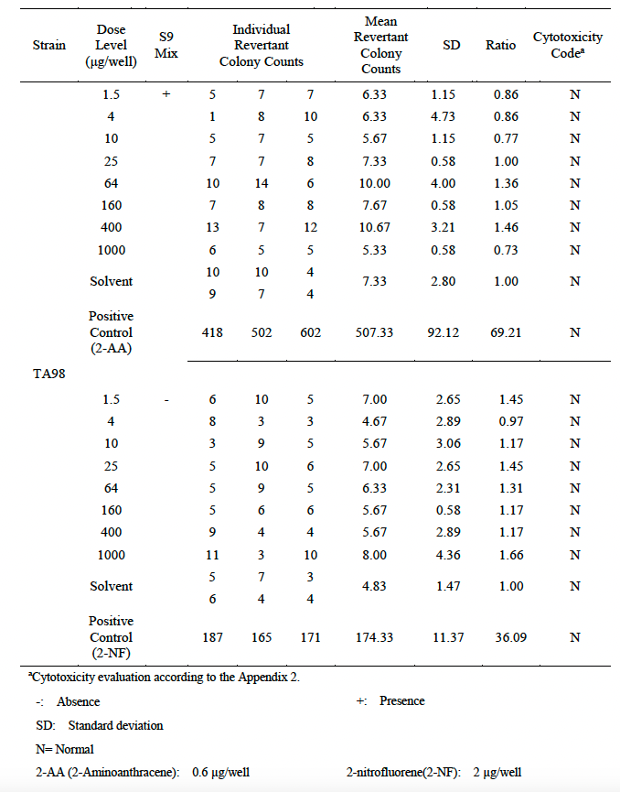
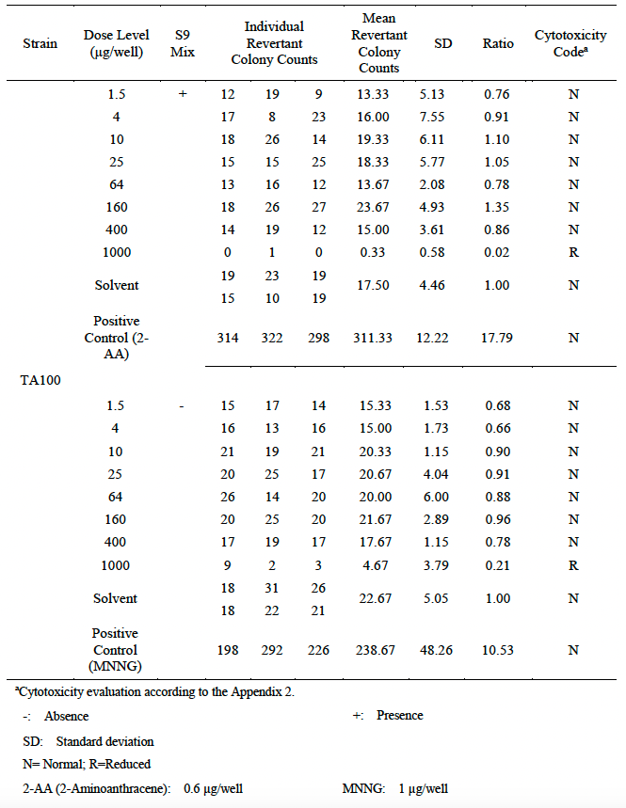
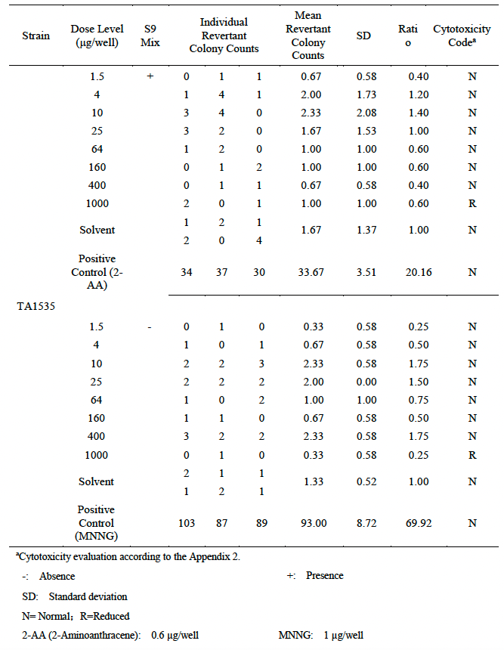
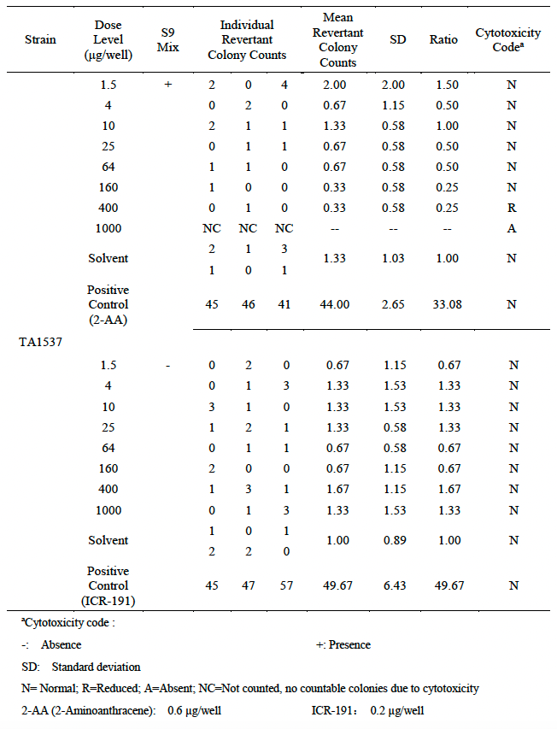
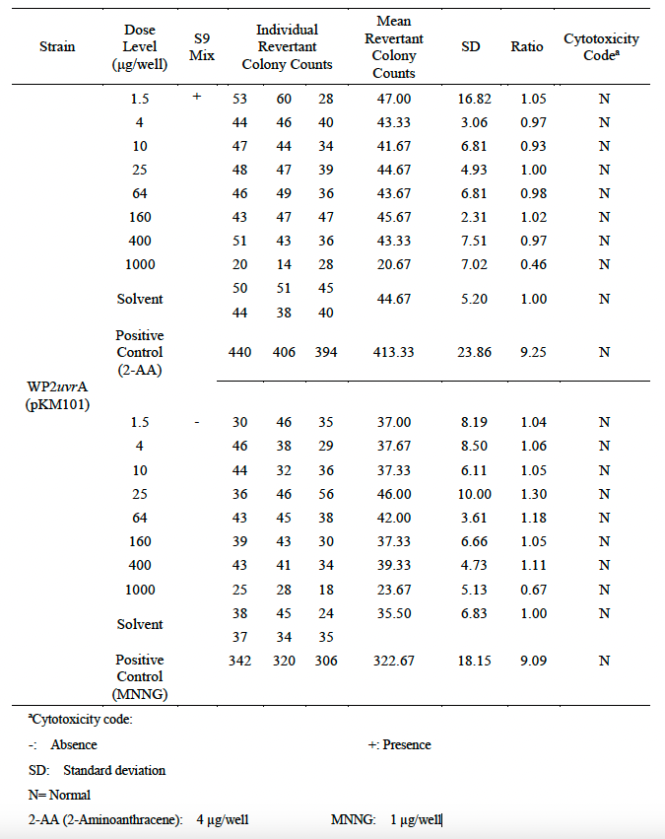
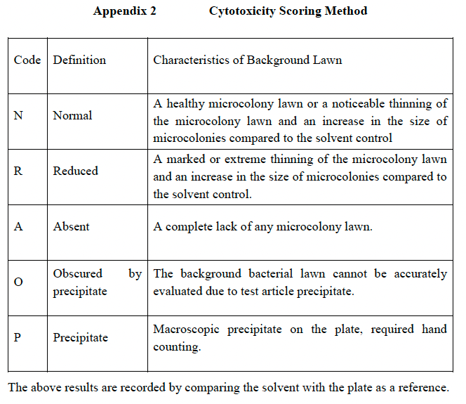
Liver microsomal stability data for compound 16a (PVTX-405)
Test Article | Species |  | Percent Remaining (%) |  |  |  |  | T1/2 (minute) | Clint (mL/min/kg)
 |  |  | 0 min | 5 min | 15 min | 30 min | 45 min
PVTX-405 | human | Mean | 100.00 | 99.21 | 96.49 | 91.97 | 79.80 | >120(145.29) | <14.49(11.96)
 |  | RSD of Area Ratio | 0.03 | 0.01 | 0.05 | 0.03 | 0.03
PVTX-405 | monkey | Mean | 100.00 | 92.67 | 76.15 | 58.18 | 42.43 | 36.39 | 55.71
 |  | RSD of Area Ratio | 0.02 | 0.06 | 0.01 | 0.01 | 0.02
PVTX-405 | rat | Mean | 100.00 | 90.65 | 88.90 | 83.14 | 76.41 | >120(132.17) | <20.70(18.79)
 |  | RSD of Area Ratio | 0.01 | 0.02 | 0.01 | 0.03 | 0.07
PVTX-405 | mouse | Mean | 100.00 | 99.60 | 93.11 | 87.37 | 82.21 | >120(152.25) | <45.48(35.84)
 |  | RSD of Area Ratio | 0.01 | 0.01 | 0.01 | 0.04 | 0.00

Plasma stability data for compound 16a (PVTX-405)
Test Article | Species |  |  | Percent Remaining (%) |  |  |  |  | T1/2 (minute)
 |  |  | 0 min | 5 min | 15 min | 30 min | 60 min | 120 min
PVTX-405 | human | Mean | 100.00 | 107.51 | 109.14 | 108.60 | 94.27 | 90.63 | 495.26
 |  | RSD of Area Ratio | 0.03 | 0.05 | 0.02 | 0.00 | 0.01 | 0.06
PVTX-405 | monkey | Mean | 100.00 | 111.23 | 108.15 | 119.94 | 108.15 | 100.46 | 1486.93
 |  | RSD of Area Ratio | 0.02 | 0.02 | 0.05 | 0.01 | 0.03 | 0.01
PVTX-405 | rat | Mean | 100.00 | 116.89 | 113.70 | 118.26 | 109.59 | 95.94 | 650.92
 |  | RSD of Area Ratio | 0.12 | 0.07 | 0.10 | 0.06 | 0.05 | 0.09
PVTX-405 | mouse | Mean | 100.00 | 115.56 | 113.78 | 117.33 | 107.56 | 108.44 | 7424.08
 |  | RSD of Area Ratio | 0.06 | 0.03 | 0.00 | 0.00 | 0.09 | 0.07

Caco-2 permeability data for PVTX-405
Direction |  | Value |  | Mean
Apical-Basal |  | Papp, A-B (cm/s) |  | 5.9031121905E-06
 |  | % Absorption |  | 2.40%
 |  | % Recovery |  | 78.10%
Basal-Apical |  | Papp, B-A (cm/s) |  | 2.6394323269E-05
 |  | % Absorption |  | 23.60%
 |  | % Recovery |  | 58.90%
B-A/A-B Efflux |  | Efflux Ratio |  | 4.47

Plasma protein binding data for PVTX-405
Test Article | Species | Area Ratio |  |  | Fraction of Bound (%) | Fu (%) | Category | Recovery (%)
 |  | Donor-0 h | Donor–5 h | Receiver –5 h
PVTX-405 | human | 8.645 | 6.617 | 0.565 | 91.5 | 8.5 | High | 83.1
PVTX-405 | monkey | 13.675 | 9.510 | 0.540 | 94.3 | 5.7 | High | 73.5
PVTX-405 | rat | 10.925 | 6.358 | 0.561 | 91.2 | 8.8 | High | 63.3
PVTX-405 | mouse | 10.636 | 7.263 | 0.477 | 93.4 | 6.6 | High | 72.8

Inhibitive potential of PVTX-405 on human CYP 1A2, 2B6, 2C8, 2C9, 2C19, 2D6, 3A4
The test article Conc. | CYP1A2 |  | CYP2B6 |  | CYP2C8 |  | CYP2C19 |  | CYP2D6 |  | CYP3A4(midazolam) |  | CYP3A4(testosterone)
 | Relative activity (% of NC,Mean) | RSD | Relative activity (% of NC,Mean) | RSD | Relative activity (% of NC,Mean) | RSD | Relative activity (% of NC,Mean) | RSD | Relative activity (% of NC,Mean) | RSD | Relative activity (% of NC,Mean) | RSD | Relative activity (% of NC,Mean) | RSD
10.00 | 90.66 | 0.02 | 76.66 | 0.02 | 111.64 | 0.10 | 87.14 | 0.12 | 89.65 | 0.04 | 90.11 | 0.00 | 84.97 | 0.03
3.33 | 89.46 | 0.03 | 85.02 | 0.01 | 114.61 | 0.00 | 98.12 | 0.04 | 98.24 | 0.04 | 83.96 | 0.14 | 82.51 | 0.08
1.11 | 85.84 | 0.05 | 88.97 | 0.04 | 107.96 | 0.06 | 100.12 | 0.00 | 105.29 | 0.01 | 101.38 | 0.03 | 96.24 | 0.01
0.37 | 87.65 | 0.04 | 84.55 | 0.03 | 105.58 | 0.03 | 99.94 | 0.03 | 102.64 | 0.00 | 92.67 | 0.02 | 91.33 | 0.05
0.12 | 84.64 | 0.04 | 86.18 | 0.00 | 103.09 | 0.06 | 101.88 | 0.02 | 103.08 | 0.02 | 104.22 | 0.02 | 97.98 | 0.01
0.04 | 88.86 | 0.02 | 83.62 | 0.03 | 103.80 | 0.02 | 101.29 | 0.07 | 103.74 | 0.01 | 102.42 | 0.02 | 99.13 | 0.01
0.01 | 91.57 | 0.00 | 89.66 | 0.03 | 105.94 | 0.05 | 105.40 | 0.05 | 100.00 | 0.01 | 99.03 | 0.02 | 96.10 | 0.05
0.00 | 100.00 | 0.00 | 100.00 | 0.02 | 100.00 | 0.05 | 100.00 | 0.01 | 100.00 | 0.01 | 100.00 | 0.00 | 100.00 | 0.01
IC50 (µM) | >10 |  | >10 |  | >10 |  | >10 |  | >10 |  | >10 |  | >10

The mouse PK data for PVTX-405

The rat PK data for PVTX-405

G1 | Administration Route | Dose Level | T1/2 | Tmax | Cmax | AUC(0-t) | AUC(0-∞） | MRT(0-t) | MRT(0-∞） | Vss | Vz | Cl
Animal No. |  | mg/kg | h | h | ng/mL | h*ng/mL | h*ng/mL | h | h | mL/kg | mL/kg | mL/min/kg
101 | IV | 1.04 | 1.82 | 0.08 | 441.15 | 744.85 | 785.19 | 1.95 | 2.40 | 3174.78 | 3485.70 | 22.08
102 | IV | 1.01 | 1.96 | 0.08 | 500.90 | 946.75 | 997.05 | 1.99 | 2.43 | 2466.30 | 2864.26 | 16.88
103 | IV | 1.02 | 2.03 | 0.08 | 373.96 | 720.85 | 760.00 | 1.95 | 2.41 | 3238.44 | 3929.70 | 22.37
n |  | 3 | 3 | 3 | 3 | 3 | 3 | 3 | 3 | 3 | 3 | 3
G1-Mean |  | 1.02 | 1.94 | 0.08 | 438.67 | 804.15 | 847.41 | 1.96 | 2.41 | 2959.84 | 3426.55 | 20.44
G1-SD |  | 0.02 | 0.10 | 0.00 | 63.50 | 124.08 | 130.20 | 0.02 | 0.02 | 428.60 | 535.18 | 3.09

G2 | Administration Route | Dose Level | T1/2 | Tmax | Cmax | AUC(0-t) | AUC(0-∞） | MRT(0-t) | MRT(0-∞） | F
Animal No. |  | mg/kg | h | h | ng/mL | h*ng/mL | h*ng/mL | h | h | %
201 | PO | 2.97 | 1.96 | 2.00 | 371.29 | 1941.31 | 2154.01 | 3.33 | 4.07 | 83.26
202 | PO | 2.94 | 3.24 | 2.00 | 366.05 | 2688.30 | 2704.49 | 5.01 | 5.15 | 116.32
203 | PO | 3.04 | 2.69 | 4.00 | 512.91 | 3665.63 | 3675.85 | 5.43 | 5.49 | 153.17
n |  | 3 | 3 | 3 | 3 | 3 | 3 | 3 | 3 | 3
G2-Mean |  | 2.98 | 2.63 | 2.67 | 416.75 | 2765.08 | 2844.78 | 4.59 | 4.90 | 117.58
G2-SD |  | 0.05 | 0.64 | 1.15 | 83.32 | 864.72 | 770.56 | 1.11 | 0.74 | 34.97

The monkey PK data for PVTX-405
G1 | Administration Route | Dose Level | T1/2 | Tmax | Cmax | AUC(0-t) | AUC(0-∞） | MRT(0-t) | MRT(0-∞） | Vss | Vz | Cl
Animal No. |  | mg/kg | h | h | ng/mL | h*ng/mL | h*ng/mL | h | h | mL/kg | mL/kg | mL/min/kg
101 | IV | 1.00 | 9.35 | 0.08 | 276.13 | 787.32 | 861.94 | 4.31 | 7.19 | 8336.61 | 15647.60 | 19.34
102 | IV | 1.01 | 7.96 | 0.08 | 287.11 | 753.84 | 812.29 | 4.45 | 6.68 | 8309.84 | 14278.34 | 20.72
103 | IV | 1.00 | 9.24 | 0.08 | 250.54 | 1038.65 | 1172.62 | 5.51 | 9.15 | 7802.22 | 11364.57 | 14.21
n |  | 3 | 3 | 3 | 3 | 3 | 3 | 3 | 3 | 3 | 3 | 3
G1-Mean |  | 1.00 | 8.85 | 0.08 | 271.26 | 859.94 | 948.95 | 4.76 | 7.67 | 8149.56 | 13763.50 | 18.09
G1-SD |  | 0.01 | 0.77 | 0.00 | 18.77 | 155.68 | 195.29 | 0.66 | 1.30 | 301.10 | 2187.43 | 3.43

G2 | Administration Route | Dose Level | T1/2 | Tmax | Cmax | AUC(0-t) | AUC(0-∞） | MRT(0-t) | MRT(0-∞） | F
Animal No. |  | mg/kg | h | h | ng/mL | h*ng/mL | h*ng/mL | h | h | %
201 | PO | 3.13 | 11.04 | 2.00 | 86.92 | 1149.02 | 1449.09 | 8.32 | 14.87 | 42.83
202 | PO | 3.00 | 10.27 | 2.00 | 96.78 | 1119.55 | 1388.91 | 8.10 | 14.06 | 43.54
203 | PO | 2.92 | 8.74 | 2.00 | 150.23 | 1599.19 | 1878.19 | 7.67 | 11.97 | 63.99
n |  | 3 | 3 | 3 | 3 | 3 | 3 | 3 | 3 | 3
G2-Mean |  | 3.02 | 10.02 | 2.00 | 111.31 | 1289.25 | 1572.06 | 8.03 | 13.63 | 50.12
G2-SD |  | 0.11 | 1.17 | 0.00 | 34.06 | 268.81 | 266.82 | 0.33 | 1.49 | 12.02

PXR activation of PVTX-405 (PVT-0003907)

Reactive metabolites testing
MS2 fragmentation of PVTX-405 (GSH as trapping agent, incubation with human liver microsomes for 60 min)
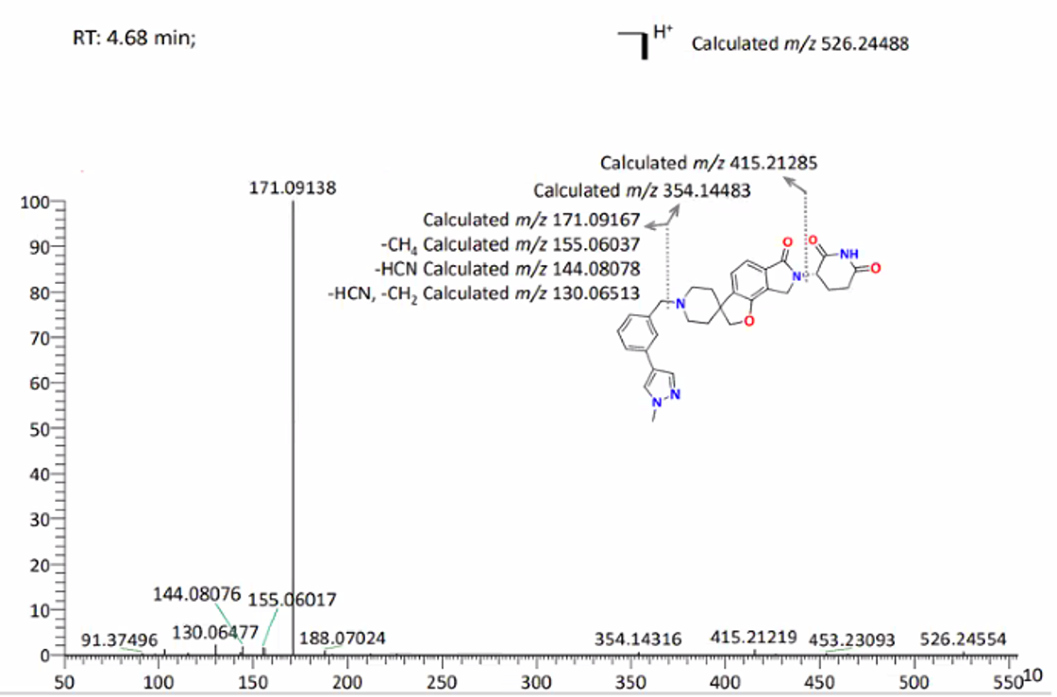

hepG2 cytotoxicity
Cytotoxicity of test compounds in HepG2 cells
Compound | IC50 (µM) | % vehicle control at highest conc.
PVTX-405 | >50 | 82.32
Tomoxifen | 17.39 | 0.43

Potential aldehyde oxidase substrate testing for PVTX-405 (PVT-0003907-005)
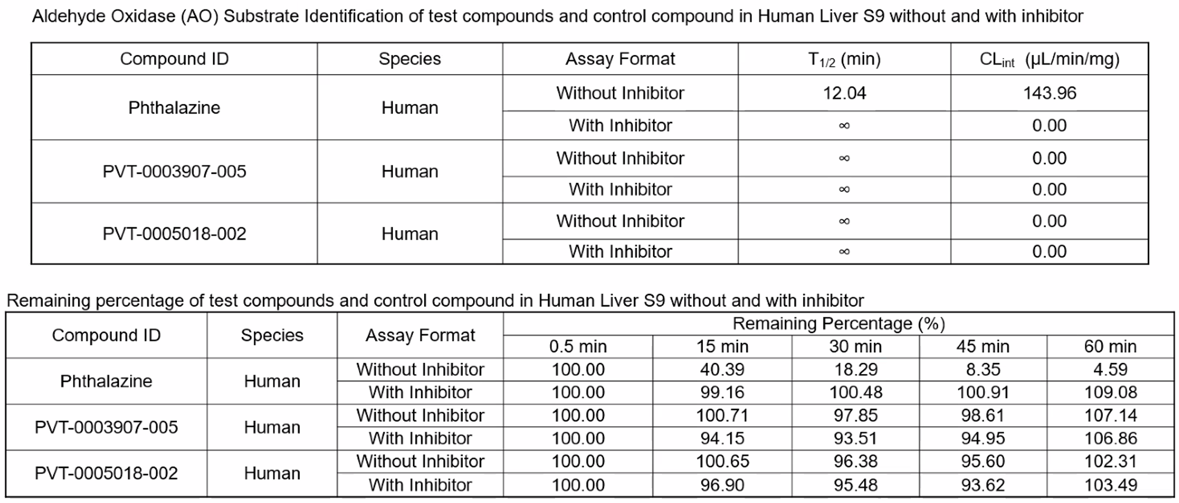

BSEP inhibition testing for PVTX-405 (PVT-0003907-005)

Mini-Ames Toxicity Assay for PVTX405

Supplementary Figure 6
PVTX-405
(10 mg/kg)
PVTX-405
100 mg/kg

LI COR Chameleon® Duo Pre-stained Protein Ladder
1 2 3 4 5 6 7 8 9 10 11 12
Veh
6 h
24 h
1 2 3 4 5 6 7 8 9 10 11 12
Veh
6 h
24 h

90 kDa
Spleen
IKZF2 (cst)
50 kDa
β-actin (scbt)
30 kDa

90 kDa
Thymus
70 kDa
50 kDa
IKZF2 (cst)
38 kDa
30 kDa
β-actin (scbt)

Spleen
Thymus
PVTX-405
(30 mg/kg)
β-actin (scbt)
IKZF2 (cst)
1 2 3 4 5 6 7 8 9 10 11 12
Veh
6 h
24 h
β-actin (scbt)
IKZF2 (cst)
90 kDa
50 kDa
30 kDa
90 kDa
50 kDa
30 kDa
PVTX-405
(30 mg/kg)
1 2 3 4 5 6 7 8
Veh
12 h
70 kDa

