Fig S2c
Fig S2c

 | 2024-08-15 | 2024-08-21

Not for this study

250ng/well – after extraction
1: Ladder
2: R_{B/I :}9
3: R_{B/I :}4
4: R_{B/I :}2.3
5: R_{B/I :}1.5
Comparison with non-formulated Nluc- last gel- loaded 250 ng and 300 ng

Fig 3b
Fig 3b
 | 19-Jan-24
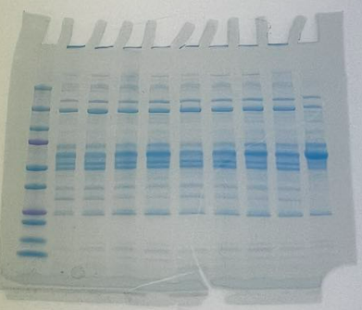
KDa
 | Lane | Samples | Conc. | Vol.
 | 1 | Ladder | - | 7uL
 | 2 | Onpattro | 800 | 18uL
 | 3 | Onpattro | 800 | 18uL
 | 4 | Onpattro | 800 | 18uL
 | 5 | Onpattro | 800 | 18uL
 | 6 | Liposomal LNP | 800 | 18uL
 | 7 | Liposomal LNP | 800 | 18uL
 | 8 | Liposomal LNP | 800 | 18uL
 | 9 | Liposomal LNP | 800 | 18uL
 | 10 | Serum Standard | 800 | 18uL

Fig S15b
Fig S15b

3-Oct-24

S1 C1 | Onpattro ALC Column 1 | S3 C1 | Eq20 ALC Column 1
S1 C2 | Onpattro ALC Column 2 | S3 C2 | Eq20 ALC Column 2
S1 C3 | Onpattro ALC Column 3 | S3 C3 | Eq20 ALC Column 3
S2 C1 | Onpattro SM102 Column 1 | S4 C1 | Eq20 SM102 Column 1
S2 C2 | Onpattro SM102 Column 2 | S4 C2 | Eq20 SM102 Column 2
S2 C3 | Onpattro SM102 Column 3 | S4 C3 | Eq20 SM102 Column 3

SDS-Page 1 |  |  |  | SDS-Page 2
Lane | Samples | Conc. | Vol. | Lane | Samples | Conc. | Vol.
1 | Ladder |  | 7uL | 1 | Ladder |  | 7uL
2 | S1 C1 | 650 | 19uL | 2 | S3 C1 | 650 | 19uL
3 | S1 C2 | 650 | 19uL | 3 | S3 C2 | 650 | 19uL
4 | S1 C3 | 650 | 19uL | 4 | S3 C3 | 650 | 19uL
5 | S2 C1 | 650 | 19uL | 5 |  |  | 19uL
6 | S2 C2 | 650 | 19uL | 6 | S4 C1 | 650 | 19uL
7 | S2 C3 | 650 | 19uL | 7 | S4 C2 | 650 | 19uL
8 |  |  |  | 8 | S4 C3 | 650 | 19uL
9 | Ctrl | 650 | 19uL | 9
10 |  |  |  | 10 | Ctrl | 650 | 19uL

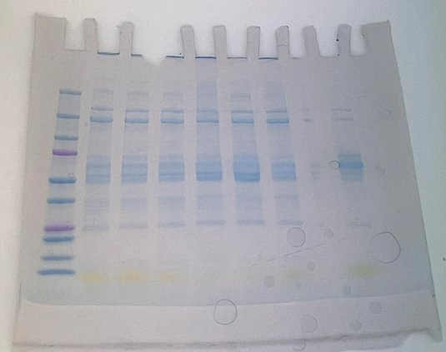
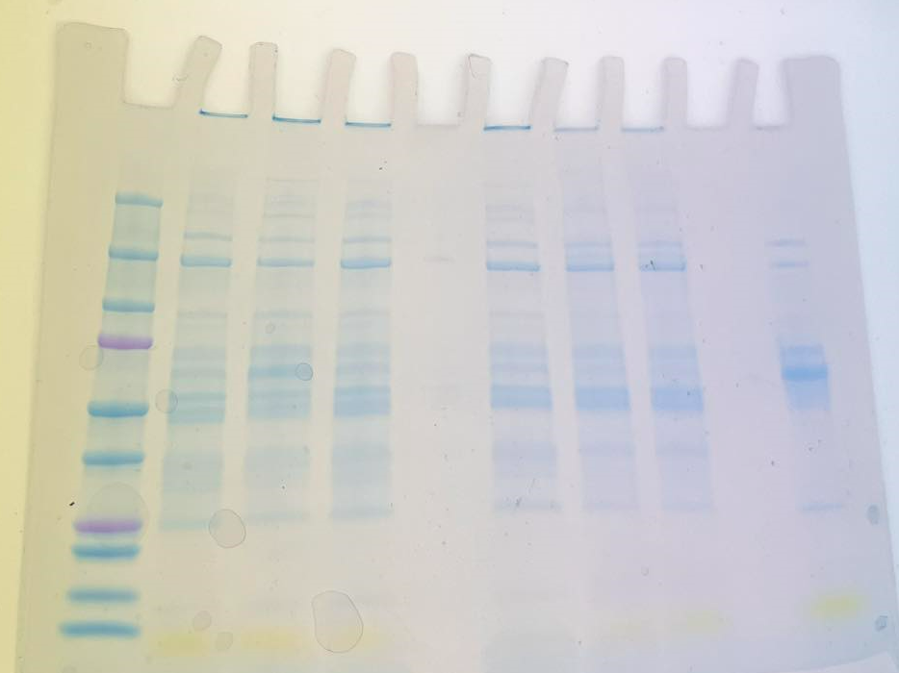

KDa
KDa

