Fig.1i,j
Fig. 1: Loss of m6A methyltransferases METTL3 and METTL14 leads to neurodegeneration.
m6A mRNA ELISA and dot blot of STE2457-treated WT human iPSC~MNs.
m6A methylation was normalized to the vehicle (DMSO), which served as a non-stressed control. Data are presented as mean ± S.D., n = 3 independent experiments, significant P values from two-tailed t-tests.
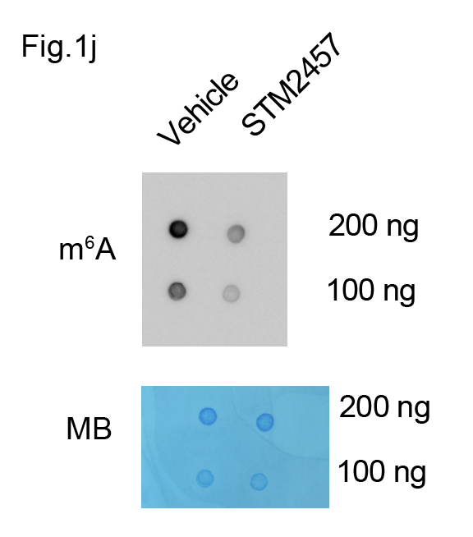
Fig. 1i
https://www.dropbox.com/scl/fi/ixb67vztpre677jtrefi9/Screen-Shot-2025-03-03-at-12.49.10-PM.png?rlkey=iojni6s5wobzovm9adyg82t19&dl=0 | Vehicle | STM2457
Exp. 1 | 100 | 12.4999978
Exp. 2 | 87.1428559 | 60.9999991
Exp. 3 | 118.459177 | 34.7502185
AVG | 101.8673443 | 36.083405133
S.D. | 15.741449198 | 24.27747045
P-value |  | 0.017

Graphs plotted and statistical calculations in Prism 10 version 10.4.0

Fig.1k,l
Fig. 1k,l: Loss of m6A methyltransferases METTL3 and METTL14 leads to neurodegeneration.
Immunostaining and degeneration index of SMI32 of the Inhibition of METTL3-mediated m6A modification in WT human iPSC~MNs.
n = 6 independent experiments, significant P values from two-tailed t-tests.

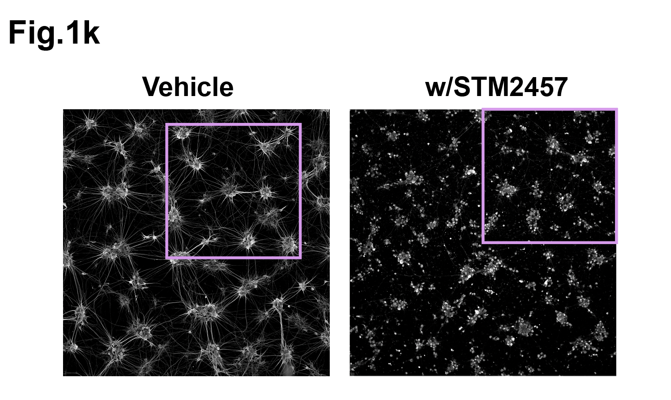
 | Fig. 1l
 | Degeneration index | Vehicle | Mettl3i
 | Exp. 1 | 0.42070532 | 0.29250785
 | Exp. 2 | 0.30028427 | 0.73969421
 | Exp. 3 | 0.25742142 | 0.86002152
 | Exp. 4 | 0.27945988 | 0.75007648
 | Exp. 5 | 0.31032547 | 0.93298824
 | Exp. 6 | 0.55816558 | 0.9357871
 | AVG | 0.35439365667 | 0.7518459
 | S.D. | 0.11472467024 | 0.24062049612
 | P-value |  | 0.0044464867055

 | Graphs plotted and statistical calculations in Prism 10 version 10.4.0

Fig.5c
Fig. 5: Nanopore direct RNA-seq identifies ALS risk genes as m6A modified.
Fig. 5c
Validation of the maturation from mESC-MN.

N = 3 biological repeat

Neurite thickness (μm) |  | Branch point # /total neurite length |  |  | Puncta # / total neurite length

Day7 | Day12 |  | Day7 | Day12 |  | Day7 | Day12
#1-1 | #1-1 | #1-1 | 14.1717754 | 16.1467372 | #1 | 0.49966769 | 6.89463785
2.01500893 | 2.92747866 | #1-2 | 13.5915322 | 14.9871968 | #2 | 1.27683788 | 5.68095555
2.26641815 | 2.14599541 | #2-1 | 13.8328189 | 18.7447726 | #3 | 1.63333673 | 7.4227929
2.33744616 | 1.92511015 | #2-2 | 12.5099895 | 18.6822904 | AVG | 1.137 | 6.666
1.17308087 | 1.6507642 | #3-1 | 13.6386178 | 20.9000483 | S.D. | 0.5797 | 0.8931
2.24527121 | 1.17308087 | #3-2 | 14.6343231 | 20.4475269 | P-value | 0.000746
2.33744616 | 2.0385293 | AVG | 13.729842817 | 18.318095367
1.52191771 | 2.47613658 | S.D. | 0.7126692093 | 2.3377481746
3.36891845 | 1.4248208 | P-value | 0.000982
2.5679808 | 2.01500893
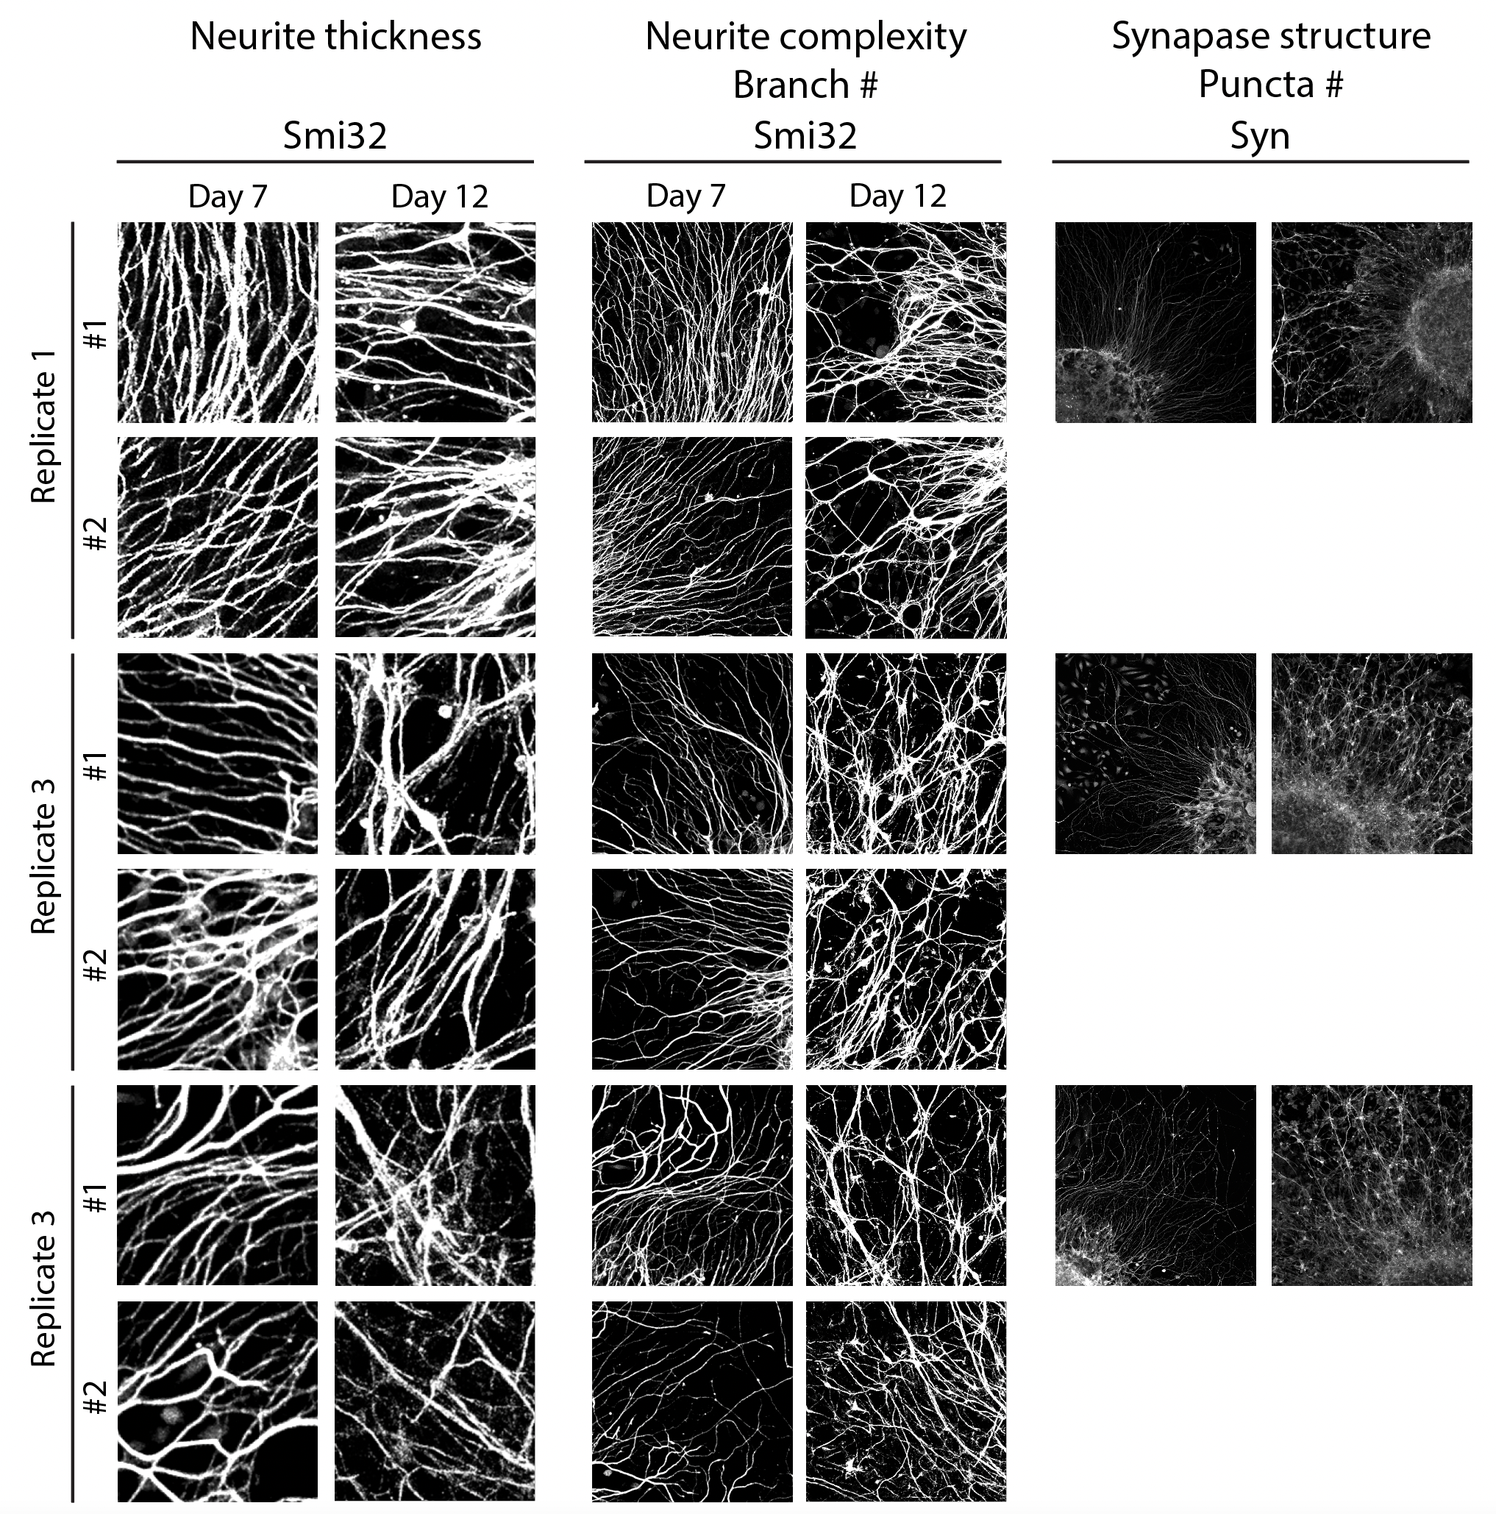
2.18062424 | 1.67126914
2.14280489 | 2.04187546
2.92516358 | 1.33089496
2.10432408 | 2.01500893
1.6341696 | 4.38772592
#1-2 | #1-2
1.4055804 | 1.98090537
1.58765413 | 1.44382775
3.10807385 | 3.16025055
1.24082109 | 3.03712366
1.81583479 | 1.95668464
2.82565433 | 1.91444914
1.87126037 | 3.32209171
2.68723627 | 1.52191771
1.77791816 | 1.750896
1.48569362 | 2.14599541
1.82705998 | 1.4248208
2.31696068 | 1.99462072
1.82332473 | 1.58765413
#2-1 | 1.30504006
3.18600818 | 1.53530234
3.36082542 | 1.07615904
2.36353451 | 2.88292808
3.98924145 | #2-1
3.14295559 | 5.03143311
2.77454762 | 4.91499852
1.99802524 | 6.61128602
2.47339351 | 3.80033922
2.45403638 | 3.52893089
1.289282 | 2.8038654
1.6341696 | 2.19309451
2.14599541 | 2.4063731
2.40355221 | 2.2178016
#2-2 | 2.97595902
1.56604029 | 4.32045261
1.72344584 | #2-2
3.08167423 | 1.87126037
1.4055804 | 2.10432408
2.10432408 | 2.4063731
3.33845286 | 4.5523296
3.02813572 | 1.88215484
2.10432408 | 1.9843488
1.78175068 | 3.56350136
1.84560002 | 3.66528678
1.58765413 | 3.47052878
1.24082109 | 1.98777277
1.4007168 | 2.08806021
#3-1 | #3-1
3.50373744 | 4.92054303
3.66528678 | 2.0082388
2.94603816 | 3.85374155
2.45403638 | 2.25435642
1.4055804 | 1.62162151
1.73525466 | 2.69484294
2.56266975 | 2.92049453
1.67126914 | 2.8615866
2.08806021 | 2.73497737
1.84560002 | #3-2
2.06510401 | 2.50621308
1.73525466 | 2.51436447
1.82332473 | 2.82565433
1.58765413 | 2.92516358
#3-2 | 1.82332473
2.31106599 | 2.10432408
2.36353451 | 1.91444914
3.14295559 | 2.10432408
2.07825519 | 1.55732472
2.4512544 | 1.63833284
2.07825519 | 1.75478688
2.8038654
3.94976847
1.6507642
2.64636258
1.49481773
1.62162151
1.73525466
2.19309451
AVG
2.21762 | 2.50936
S.D.
0.666811 | 1.05652
P-value
0.040156

Graphs plotted and statistical calculations in Prism 10 version 10.4.0

Fig.9c
Fig. 9: Gene therapy of adult SOD1G93A mice by overexpressing Fto-shRNA is sufficient to protect neuromuscular function and delay disease onset.
Fto WB from from SOD1G93A; scAAV9-shFto intrathecal injection mice.

Fig.9c | anti-b-actin | anti-Fto
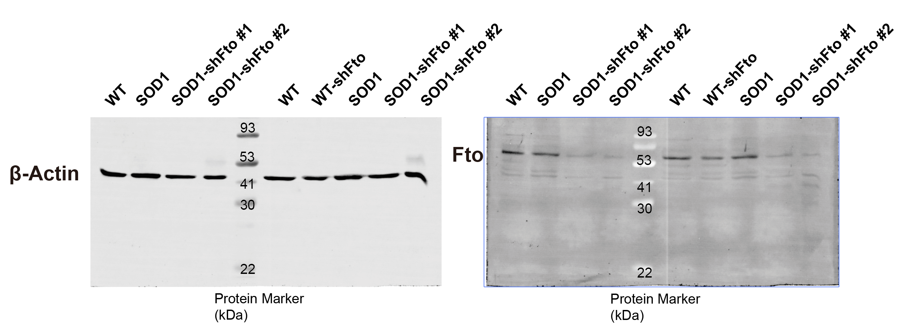

2023/8/29

Sup Fig.2a,b
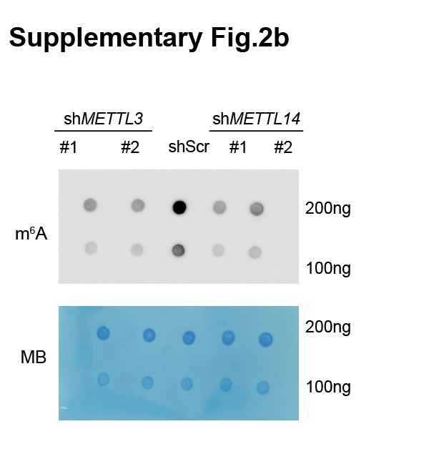
Supplementary Fig. 2: Knockdown efficiency test for shMETTL3 and shMETTL14.
Supplementary Fig. 2a
qPCR of HEK293T METTL3 and METTL14 shRNA transfection.
N = 3 biological repeat

qPCR ΔCt value (Gapdh as control) | shScr |  |  | shMETTL3-1 |  |  | shMETTL3-2 |  |  | shMETTL14-1 |  |  | shMETTL14-2
Genes | #1 | #2 | #3 | #1 | #2 | #3 | #1 | #2 | #3 | #1 | #2 | #3 | #1 | #2 | #3
METTL3 | 0.056 | 0.1966 | 0.2048 | 0.0316 | 0.1402 | 0.1221 | 0.0335 | 0.1237 | 0.1358 | 0.0645 | 0.2079 | 0.2156 | 0.0917 | 0.2254 | 0.2468
METTL14 | 0.0256 | 0.0261 | 0.0274 | 0.0292 | 0.0323 | 0.0278 | 0.0366 | 0.0276 | 0.0367 | 0.00782 | 0.0199 | 0.0162 | 0.00932 | 0.0176 | 0.0146

qPCR value fold change | shScr |  |  | shMETTL3-1 |  |  | shMETTL3-2 |  |  | shMETTL14-1 |  |  | shMETTL14-2
Genes | #1 | #2 | #3 | #1 | #2 | #3 | #1 | #2 | #3 | #1 | #2 | #3 | #1 | #2 | #3
METTL3 | 1 | 1 | 1 | 0.56428571 | 0.71312309 | 0.59619141 | 0.59821429 | 0.62919634 | 0.66308594 | 1.140625 | 1.05747711 | 1.05273438 | 1.4296875 | 1.14649034 | 1.20507813
METTL14 | 1 | 1 | 1 | 1.15178571 | 1.23754789 | 1.01459854 | 1.6375 | 1.05747126 | 1.33941606 | 0.30546875 | 0.76245211 | 0.59124088 | 0.3640625 | 0.6743295 | 0.53284672

Graphs plotted and statistical calculations in Prism 10 version 10.4.0

Sup Fig.12a
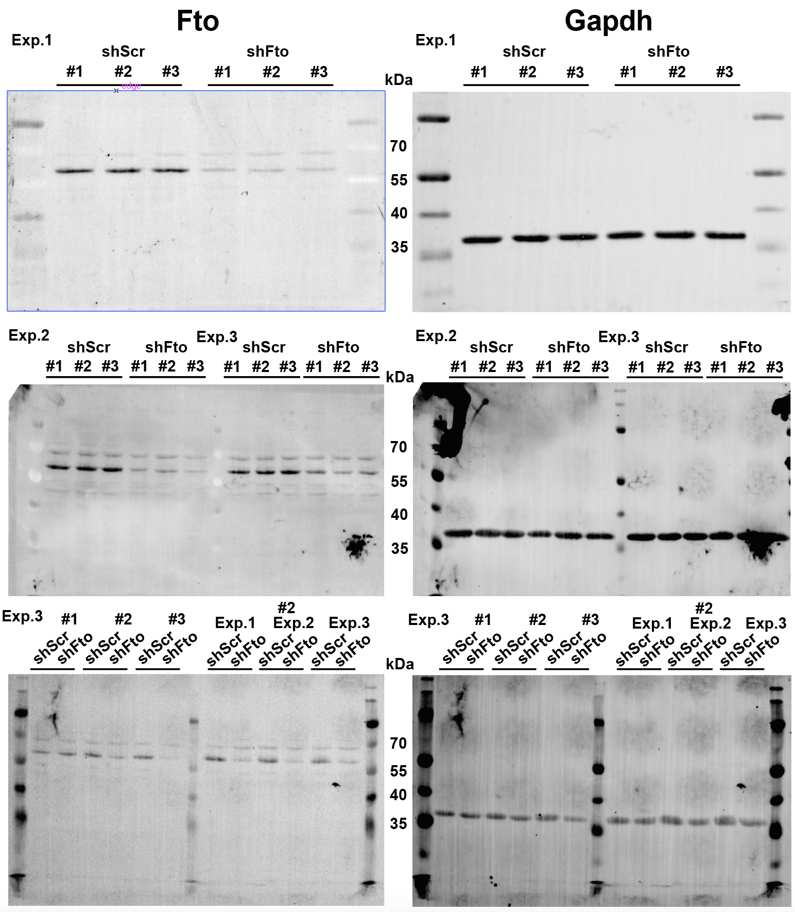
2023/6/1
Supplementary Fig. 12: shRNA-mediated Fto inhibition can restore m6A levels.
Sup Fig.12a
Validate the expression of shFto by western-blot.
N = 3 biological repeat

 | Gapdh | scAAV9-shScr | scAAV9-shFto |  | Fto | scAAV9-shScr | scAAV9-shFto
Exp.1 | #1 | 1 | 0.83690491 | Exp.1 | #1 | 1 | 0.32176984
 | #2 | 0.93409147 | 0.94763781 |  | #2 | 1.02768594 | 0.29451488
 | #3 | 0.90686092 | 0.90218023 |  | #3 | 1.01526373 | 0.31008279
Exp.2 | #1 | 1 | 0.47832135 | Exp.2 | #1 | 1 | 0.65570682
 | #2 | 0.65081055 | 0.79457072 |  | #2 | 1.63901506 | 0.41775162
 | #3 | 0.57982259 | 0.73068987 |  | #3 | 1.68736656 | 0.19115726
Exp.3 | #1 | 1 | 0.92431444 | Exp.3 | #1 | 1 | 0.62383124
 | #2 | 0.83916836 | 1.0908695 |  | #2 | 1.25012886 | 0.28929493
 | #3 | 1 | 0.71950650704 |  | #3 | 0.87833242131 | 0.41312481202
AVG |  | 0.87897265444 | 0.82499948189 |  |  | 1.1664213968 | 0.39080379911
S.D. |  | 0.16028856848 | 0.17422105261 |  |  | 0.29789159981 | 0.15669066948
P-value |  |  | 0.50378822945 |  |  |  | 3.49E-06

Graphs plotted and statistical calculations in Prism 10 version 10.4.0

