Figure 1
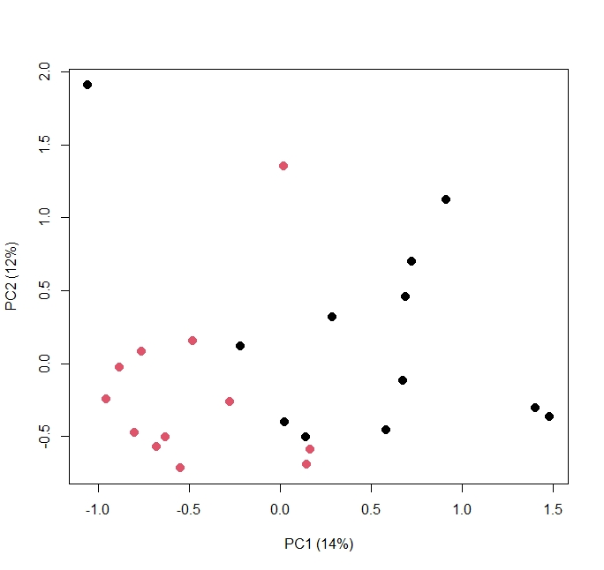
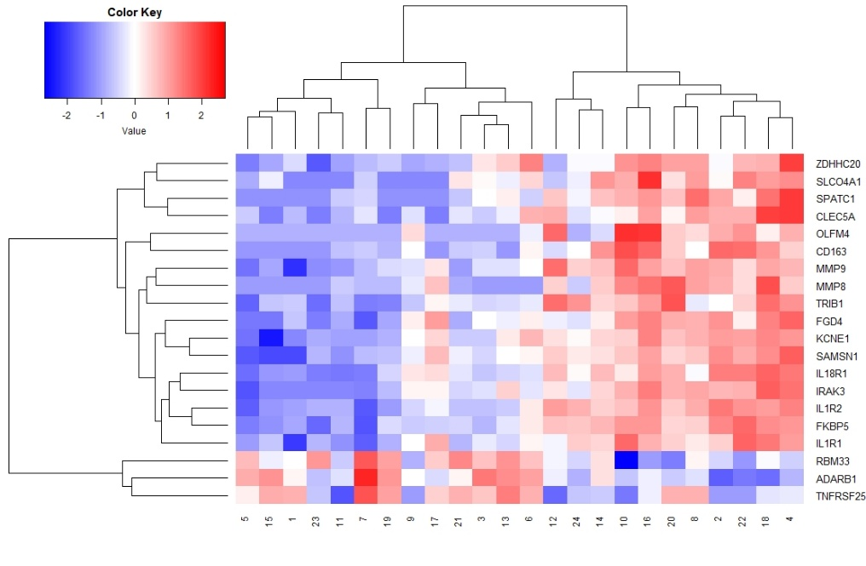
A. |  |  |  |  |  |  | C.

 |  |  |  |  |  |  |  | Heatmap generated from count data available on GEO, even numbers CM, odd numbers uncomplicated controls
 | This is a principal component plot from the transcriptomic count data, which is now available on GEO

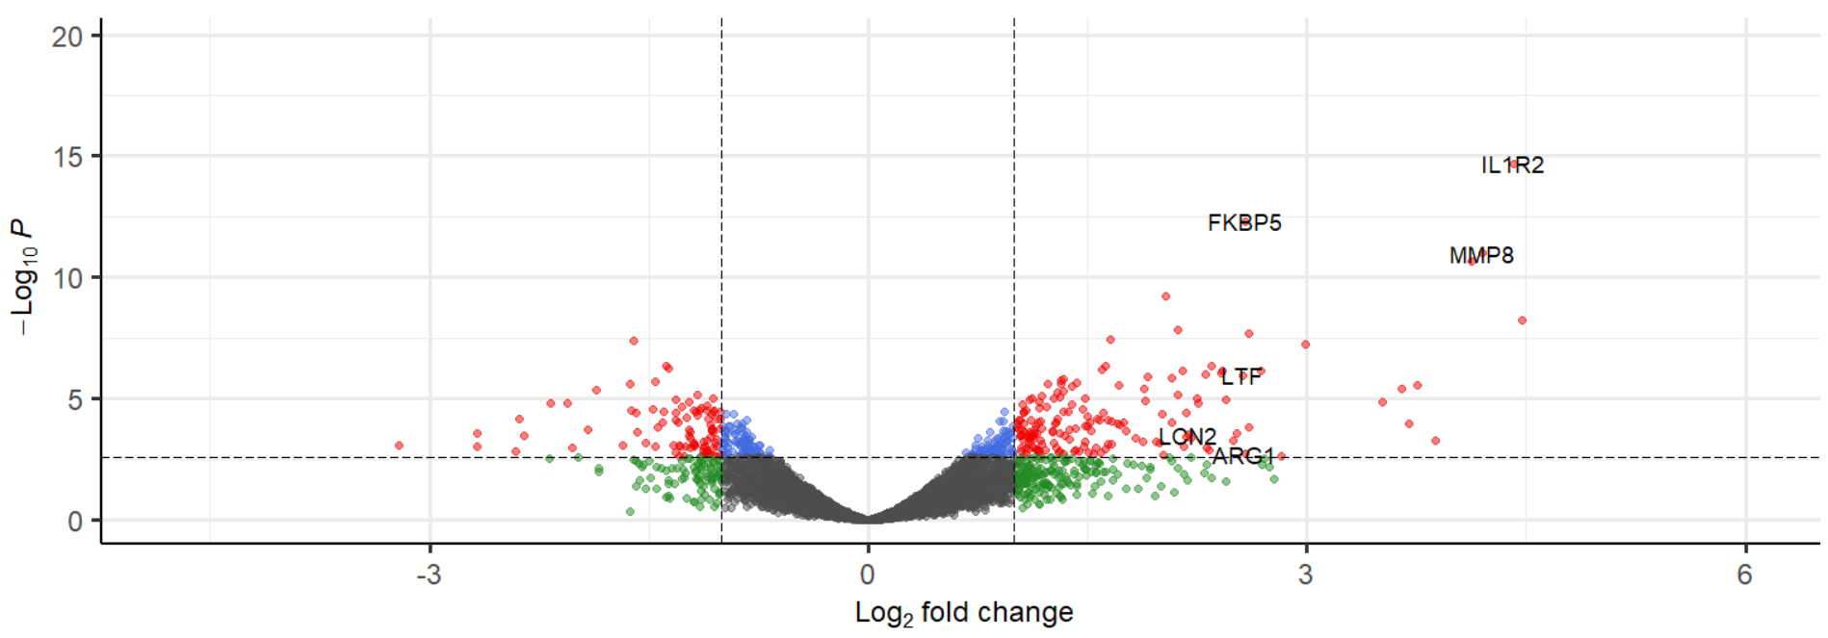
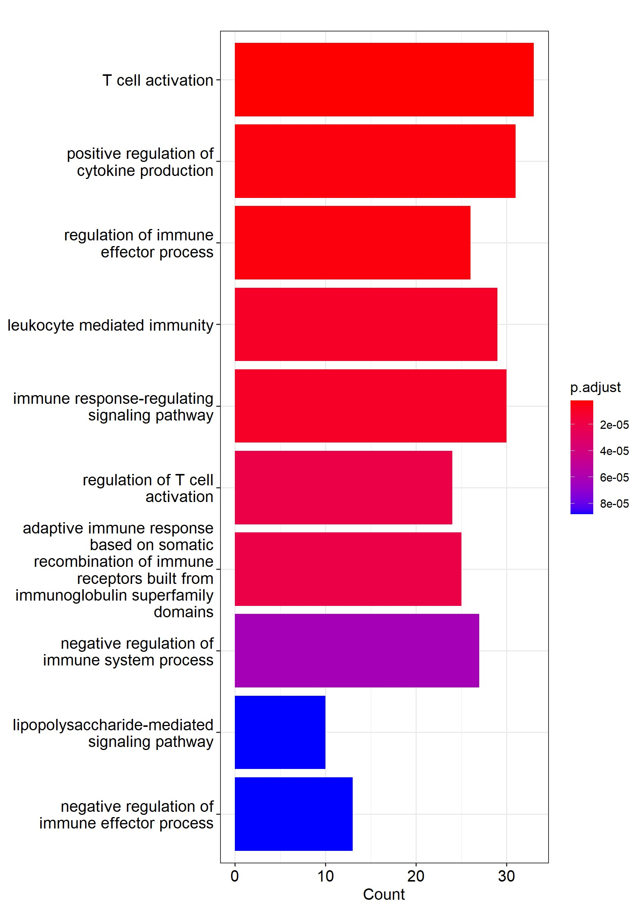
B. |  |  |  |  |  |  | D.

 | We have included the full list of p values and fold change data used to create this volcano plot. |  |  |  |  |  |  | Supplemental table 2 contains the exact p values for the listed GO pathways
 | Supplementary data 1," CM vs Uncomplicated, no hx" tab contains all of the significant results

Transcript | logFC | logCPM | F | PValue | FDR | EntrezID
IL1R2 | 4.410925927 | 8.727963696 | 188.8780797 | 2.09E-15 | 1.75E-11 | 4443
FKBP5 | 2.575934366 | 7.724989627 | 108.9632049 | 4.76E-13 | 2.00E-09 | 2053
MMP8 | 4.201568499 | 5.110892065 | 90.03530394 | 9.75E-12 | 2.73E-08 | 4767
CD163 | 4.125056395 | 5.489189071 | 88.67055504 | 2.23E-11 | 4.68E-08 | 14142
MMP9 | 2.037308015 | 7.794182428 | 65.36300877 | 6.13E-10 | 1.03E-06 | 2415
OLFM4 | 4.475906574 | 4.323352423 | 54.8429626 | 5.55E-09 | 7.77E-06 | 2704
IL1R1 | 2.114543251 | 5.80818144 | 50.09913055 | 1.37E-08 | 1.64E-05 | 4446
IL18R1 | 2.606900787 | 6.345866194 | 59.64943438 | 2.11E-08 | 2.22E-05 | 4450
IRAK3 | 1.660019313 | 8.005684344 | 45.78641759 | 3.74E-08 | 3.42E-05 | 1875
ADARB1 | -1.60237369 | 7.169997177 | 45.4327624 | 4.07E-08 | 3.42E-05 | 16881
SPATC1 | 2.991650791 | 4.504674763 | 44.24247273 | 5.43E-08 | 4.15E-05 | 15889
SAMSN1 | 2.345130585 | 6.293207241 | 46.5433088 | 4.16E-07 | 0.000268478 | 9813
ZDHHC20 | 1.624259449 | 6.013217437 | 36.05068393 | 4.46E-07 | 0.000268478 | 14644
RBM33 | -1.384799558 | 8.291793048 | 36.04062252 | 4.47E-07 | 0.000268478 | 15472
TNFRSF25 | -1.365593122 | 6.494948547 | 35.36376195 | 5.38E-07 | 0.000301334 | 18634
FGD4 | 1.600963997 | 5.874795636 | 34.72002297 | 6.42E-07 | 0.000304735 | 7733
 | 2.688678587 | 4.762372471 | 35.58065172 | 6.56E-07 | 0.000304735 | 23084
KCNE1 | 2.419083731 | 7.431793111 | 49.45763022 | 6.85E-07 | 0.000304735 | 14610
TRIB1 | 2.152615355 | 4.703489653 | 34.46498335 | 6.89E-07 | 0.000304735 | 13387
SLCO4A1 | 2.410550856 | 4.482463489 | 33.75367931 | 8.40E-07 | 0.000352955 | 2455
CLEC5A | 2.305507615 | 4.836692506 | 33.1884166 | 9.85E-07 | 0.000394052 | 23908
LTF | 2.561382335 | 4.830925416 | 33.32805485 | 1.08E-06 | 0.000412056 | 316
PFKFB2 | 1.908930046 | 5.300345607 | 32.37804651 | 1.24E-06 | 0.000452877 | 5406
MCEMP1 | 2.071874037 | 6.074247505 | 37.57507756 | 1.37E-06 | 0.000479231 | 15055
GYG1 | 1.335733224 | 6.396729533 | 31.53098439 | 1.58E-06 | 0.000531488 | 11067
CXCR4 | 1.319687591 | 6.846181885 | 31.37208295 | 1.66E-06 | 0.000535107 | 5204
C1orf174 | -1.452688636 | 7.436674528 | 31.64352724 | 1.96E-06 | 0.000611163 | 17392
LDHA | 1.429397959 | 7.139229105 | 31.24163424 | 2.15E-06 | 0.000645854 | 6852
ADGRG1 | -1.627584586 | 9.746710023 | 30.86239205 | 2.39E-06 | 0.000682395 | 17935
NFKBIA | 1.230802314 | 6.669019563 | 30.00038977 | 2.47E-06 | 0.000682395 | 2401
KIF1B | 1.320434373 | 6.043781655 | 29.94179401 | 2.52E-06 | 0.000682395 | 729
DAAM2 | 3.756770613 | 4.06049393 | 29.8259767 | 2.63E-06 | 0.000689345 | 8765
CPD | 1.715397352 | 5.785028167 | 31.02048594 | 2.86E-06 | 0.000727244 | 3547
DUSP1 | 1.394191031 | 7.173795708 | 29.93713353 | 2.94E-06 | 0.000727244 | 4995
SIPA1L2 | 1.889248887 | 4.923454876 | 28.69578737 | 3.65E-06 | 0.00087721 | 4643
PRKG1 | 3.645486042 | 4.756867498 | 29.94648009 | 4.00E-06 | 0.000934385 | 15635
PIGL | -1.856286071 | 5.123549601 | 28.21511461 | 4.23E-06 | 0.000959868 | 3530
IDI1 | 1.331732108 | 5.871274539 | 27.97677523 | 4.54E-06 | 0.001004995 | 995
AGFG1 | 1.295887513 | 5.935758067 | 27.5024162 | 5.26E-06 | 0.00113239 | 13470
G0S2 | 2.11669331 | 4.616511939 | 26.8351171 | 6.46E-06 | 0.001353688 | 5399
CTC1 | -1.168827401 | 6.487793385 | 26.76364175 | 6.60E-06 | 0.001353688 | 14366
SERPINB1 | 1.185598875 | 7.647682237 | 26.32243205 | 7.58E-06 | 0.001516644 | 406
BCL2A1 | 1.309623133 | 6.806881506 | 26.1627432 | 8.74E-06 | 0.001679838 | 7916
HSPB1 | 1.479299608 | 5.552613717 | 25.76717313 | 9.03E-06 | 0.001679838 | 3259
GRB10 | 2.251329803 | 4.310368189 | 25.76081231 | 9.05E-06 | 0.001679838 | 3244
ITGAM | 1.124169708 | 7.522302307 | 25.70903643 | 9.20E-06 | 0.001679838 | 12613
PPM1F | -1.061596171 | 7.191671853 | 25.51879987 | 9.77E-06 | 0.00174629 | 2167
ANXA1 | 1.265490386 | 7.753445364 | 25.70711381 | 1.01E-05 | 0.001759938 | 6963
CYP1B1 | 2.44843337 | 4.374354086 | 25.27419986 | 1.06E-05 | 0.001791487 | 7556
TNRC6C | -1.31377892 | 7.568035425 | 25.56491749 | 1.08E-05 | 0.001791487 | 1436
PGD | 1.107003058 | 7.745078295 | 25.18197879 | 1.09E-05 | 0.001791487 | 8230
CA4 | 1.891025431 | 5.142804994 | 25.47404828 | 1.15E-05 | 0.001856235 | 12023
APOL3 | -1.227736045 | 7.963803487 | 24.69487104 | 1.30E-05 | 0.002025555 | 5975
RBM47 | 1.171673162 | 7.142529547 | 24.62090178 | 1.30E-05 | 0.002025555 | 11046
HGF | 3.513644611 | 3.667682244 | 24.54094272 | 1.41E-05 | 0.002153332 | 396
CLEC2D | -2.053452514 | 11.3502656 | 28.08171246 | 1.51E-05 | 0.00225072 | 1077
AATBC | -2.17656855 | 5.112936251 | 27.38497014 | 1.53E-05 | 0.00225072 | 18599
ST6GALNAC3 | 2.254430435 | 4.477501067 | 24.03604952 | 1.57E-05 | 0.002279076 | 15290
DDIT4 | 1.394674749 | 5.955169343 | 24.36332614 | 1.61E-05 | 0.002287445 | 12229
SMAP2 | 1.05753127 | 8.367713935 | 23.72209128 | 1.74E-05 | 0.002440754 | 1619
TESPA1 | -1.105826543 | 7.351375655 | 23.59195149 | 1.82E-05 | 0.002505279 | 7040
ALOX5AP | 1.219330695 | 7.768625874 | 23.60653715 | 2.04E-05 | 0.002769971 | 6657
TRMT1 | -1.274880276 | 9.530780423 | 23.16854143 | 2.09E-05 | 0.002788404 | 2993
FBRSL1 | -1.140369636 | 7.826480178 | 22.92933623 | 2.26E-05 | 0.002932512 | 4099
RALGAPA2 | 1.17258018 | 6.330945401 | 22.92186259 | 2.27E-05 | 0.002932512 | 16298
RGL4 | 1.464747083 | 5.306094907 | 22.37871349 | 2.72E-05 | 0.003428451 | 10313
KMT2D | -1.470514089 | 8.812214305 | 24.64132446 | 2.73E-05 | 0.003428451 | 12046
CIITA | -1.05601684 | 7.024150468 | 22.14377881 | 2.94E-05 | 0.003545568 | 14467
HIP1 | 1.076166147 | 6.407805638 | 22.12693333 | 2.96E-05 | 0.003545568 | 5935
SULF2 | -1.620587937 | 5.235853491 | 22.54877829 | 3.00E-05 | 0.003545568 | 16651
BCL9L | -1.151139311 | 5.531944677 | 22.01852321 | 3.07E-05 | 0.003545568 | 15795
TBC1D17 | -1.191214821 | 5.883277209 | 21.98135651 | 3.11E-05 | 0.003545568 | 3000
FNBP4 | -1.099866352 | 7.090929465 | 21.96495857 | 3.12E-05 | 0.003545568 | 3711
ALDH1A2 | 1.371412189 | 5.661537264 | 21.91480102 | 3.18E-05 | 0.003545568 | 6053
MCTP2 | 1.332992992 | 6.779622346 | 23.17292848 | 3.24E-05 | 0.003545568 | 7959
ENO1 | 0.930834286 | 7.710310974 | 21.83694012 | 3.26E-05 | 0.003545568 | 1278
GRAP | -1.013809347 | 6.804172571 | 21.81172488 | 3.29E-05 | 0.003545568 | 9665
URI1 | -1.399089999 | 9.054514696 | 23.32334943 | 3.29E-05 | 0.003545568 | 3036
PPP1R9B | -1.062812343 | 7.499250021 | 21.72539674 | 3.39E-05 | 0.003547476 | 3583
MTERF4 | -1.176961272 | 9.094221088 | 21.71845684 | 3.40E-05 | 0.003547476 | 5216
B4GALT5 | 1.062699219 | 6.935698257 | 21.69755608 | 3.42E-05 | 0.003547476 | 10174
SRRM2 | -1.59062317 | 12.64595547 | 21.59753491 | 3.54E-05 | 0.003625132 | 12175
TRABD2A | -1.315443341 | 7.290566998 | 23.0100436 | 3.58E-05 | 0.003627824 | 15936
ASPH | 1.60374962 | 4.999296949 | 21.38317265 | 3.81E-05 | 0.00378516 | 17180
SLC2A3 | 1.063868429 | 8.000841359 | 21.36492307 | 3.83E-05 | 0.00378516 | 807
BMX | 2.176306568 | 4.226598166 | 21.29302483 | 3.92E-05 | 0.003834032 | 2605
PLEKHO1 | -0.969121178 | 7.200215571 | 21.20795286 | 4.04E-05 | 0.003901713 | 437
CDC25B | -1.068313525 | 7.547190681 | 21.13041935 | 4.15E-05 | 0.003961054 | 2473
PPP4R3A | -0.921823574 | 8.080614788 | 21.03829385 | 4.28E-05 | 0.004042138 | 2381
IRS2 | 2.011391216 | 4.837311997 | 21.86102752 | 4.37E-05 | 0.0040825 | 15736
BCL7A | -1.169324759 | 5.944662485 | 20.76254648 | 4.71E-05 | 0.004346361 | 3828
CLU | 1.496455111 | 5.33054907 | 20.54474598 | 5.07E-05 | 0.004634902 | 5093
LAT | -1.242428774 | 6.358875429 | 20.89094624 | 5.84E-05 | 0.005274042 | 18355
CD22 | -1.014588934 | 7.408548159 | 19.88809419 | 6.38E-05 | 0.005641129 | 313
FRMPD3 | -2.385884687 | 6.652269867 | 26.87187262 | 6.43E-05 | 0.005641129 | 8904
HVCN1 | -1.033036372 | 5.941560476 | 19.85821625 | 6.44E-05 | 0.005641129 | 5316
ETS2 | 1.566153254 | 5.572509057 | 21.19394087 | 6.55E-05 | 0.005674409 | 10070
TPR | -1.097376467 | 8.705030458 | 19.74801272 | 6.70E-05 | 0.005743781 | 621
CLEC4E | 1.297699074 | 7.5134628 | 21.45425512 | 6.88E-05 | 0.005840067 | 11816
FBRS | -1.318362093 | 11.19547831 | 19.48882701 | 7.34E-05 | 0.006097132 | 9983
SDCBP | 1.037379853 | 7.84077017 | 19.48497159 | 7.35E-05 | 0.006097132 | 7460
RNF144B | 1.033743655 | 6.070117889 | 19.46477932 | 7.40E-05 | 0.006097132 | 7423
WDFY3 | 1.115163232 | 5.918386608 | 19.41812816 | 7.52E-05 | 0.006136881 | 11018
KBTBD7 | 1.636162959 | 4.712932301 | 19.38342214 | 7.62E-05 | 0.006136881 | 5068
NISCH | -0.834158213 | 7.45394131 | 19.34642512 | 7.72E-05 | 0.006136881 | 261
STOM | 1.585752481 | 9.442544513 | 22.28908465 | 7.74E-05 | 0.006136881 | 9012
ACSL1 | 1.178643858 | 9.899518298 | 19.20477279 | 8.11E-05 | 0.006372293 | 9405
PADI4 | 1.660360599 | 7.485787308 | 24.05382698 | 8.23E-05 | 0.006392541 | 10291
CTSA | 0.919515169 | 6.398722261 | 19.14233058 | 8.30E-05 | 0.006392541 | 889
PGK1 | 0.898368298 | 7.544403246 | 19.11794051 | 8.37E-05 | 0.006392541 | 2631
SHOC2 | 1.162954786 | 5.582974015 | 18.8586859 | 9.18E-05 | 0.006918011 | 3476
CLEC4D | 1.747669387 | 5.757926677 | 21.79993426 | 9.22E-05 | 0.006918011 | 11818
DGKQ | -1.404424309 | 4.924360965 | 18.77126672 | 9.47E-05 | 0.006929113 | 8627
PHTF1 | 1.2875871 | 5.155382712 | 18.75432043 | 9.53E-05 | 0.006929113 | 4614
ANXA3 | 1.513195706 | 6.359003735 | 21.6794496 | 9.53E-05 | 0.006929113 | 7701
TCL1A | -1.299518444 | 6.737347074 | 20.15133158 | 9.57E-05 | 0.006929113 | 2371
CCR5AS | 2.07828509 | 4.332366563 | 18.80375679 | 9.71E-05 | 0.006973152 | 18827
PLIN2 | 1.27701333 | 5.090134295 | 18.56924679 | 0.000101797 | 0.007224465 | 8985
SLC26A8 | 1.704823846 | 4.713765438 | 18.55524469 | 0.00010231 | 0.007224465 | 3984
TNK2 | -0.86009212 | 6.986559642 | 18.45058586 | 0.000106232 | 0.007399772 | 835
MGAM | 1.021190211 | 6.751906761 | 18.42253466 | 0.00010731 | 0.007399772 | 23759
CR1 | 1.066052451 | 7.229834036 | 18.52516523 | 0.000107584 | 0.007399772 | 17469
ADAMTS2 | 3.7009817 | 3.35968926 | 18.7134674 | 0.000108315 | 0.007399772 | 1726
LENG8 | -0.89449434 | 8.752581938 | 18.37328294 | 0.000109231 | 0.007402167 | 12067
SOCS1 | 1.71792926 | 4.569650067 | 18.33523524 | 0.00011074 | 0.007444359 | 15595
SIN3B | -1.081336262 | 5.38602217 | 18.04596182 | 0.000122952 | 0.008177732 | 5897
CD52 | -0.947190882 | 9.36880385 | 18.03157338 | 0.000123595 | 0.008177732 | 12520
C3AR1 | 1.147757711 | 6.655539833 | 18.48129989 | 0.000124587 | 0.008178129 | 13071
MXD4 | -0.99138422 | 6.688503649 | 17.97954974 | 0.000125951 | 0.008178129 | 5412
CEP250 | -0.957319176 | 6.767818164 | 17.96711941 | 0.000126521 | 0.008178129 | 5752
GPR160 | 1.486936541 | 5.117673554 | 17.93859909 | 0.000127839 | 0.008200231 | 13493
ROCK1 | 0.991036584 | 6.604024652 | 17.91296328 | 0.000129036 | 0.0082143 | 1024
FKBP4 | 1.497718082 | 5.424870406 | 18.46512761 | 0.000130382 | 0.008237623 | 51
VNN1 | 2.605580028 | 7.113518524 | 27.75524598 | 0.000143911 | 0.009024519 | 4031
HOMEZ | -1.443595877 | 6.792226471 | 20.05393226 | 0.000149637 | 0.009286817 | 18577
MPRIP | -0.860122002 | 6.563119251 | 17.49506162 | 0.000150304 | 0.009286817 | 6666
TLR2 | 1.015921822 | 7.202136773 | 17.43894234 | 0.000154155 | 0.009455222 | 7434
SETD1B | -0.87002035 | 6.46893371 | 17.36550083 | 0.000157625 | 0.009597996 | 7834
NCR1 | 1.416585815 | 5.08312923 | 17.31896758 | 0.000160345 | 0.009693394 | 16486
PLBD1 | 1.187963254 | 7.264920927 | 18.53107705 | 0.000164165 | 0.009853391 | 5136
ILF3 | -1.011631932 | 7.848230748 | 17.19251878 | 0.00016799 | 0.010011503 | 6103
 | -1.070873345 | 5.62130854 | 17.16872987 | 0.000169471 | 0.01002862 | 21740
CKAP4 | 1.043438022 | 6.494469513 | 17.06908112 | 0.000175824 | 0.010331838 | 7165
LY96 | 1.026560974 | 6.114483016 | 17.03038637 | 0.000178359 | 0.010407982 | 9737
TOP3B | -1.224460195 | 5.241572406 | 16.99518483 | 0.000180698 | 0.010471756 | 2169
UBXN11 | -0.905979881 | 6.209518199 | 16.95992127 | 0.000183074 | 0.010536761 | 10128
CLC | -1.91835449 | 4.557306625 | 17.40182963 | 0.000189822 | 0.010822091 | 3044
YWHAH | 1.133086812 | 5.276629657 | 16.82721326 | 0.000192313 | 0.010822091 | 5964
CD151 | 1.376102507 | 4.663578701 | 16.80360113 | 0.000194008 | 0.010822091 | 14171
TBCC | -1.0668047 | 5.857362681 | 16.79343309 | 0.000194743 | 0.010822091 | 5541
CTBP1 | -0.97170081 | 7.952118298 | 16.78626227 | 0.000195263 | 0.010822091 | 10330
RNASE2 | 1.761970872 | 4.511302353 | 16.77944143 | 0.000195758 | 0.010822091 | 12505
MEPCE | -1.071420361 | 7.356826811 | 17.10130069 | 0.000197169 | 0.010828852 | 8846
PYGL | 0.942261711 | 7.525283348 | 16.71837475 | 0.000200258 | 0.010927039 | 2324
SLC22A15 | 1.263840928 | 5.333885293 | 16.55318279 | 0.000212983 | 0.011477741 | 10938
CTSL | 1.523543956 | 5.628592474 | 17.98997804 | 0.000213082 | 0.011477741 | 6964
PTPN22 | 0.926968791 | 6.243368865 | 16.53067179 | 0.000214782 | 0.011495635 | 6823
CXCR3 | -1.580412166 | 6.138703862 | 19.28748659 | 0.000219029 | 0.011648743 | 15924
POLL | -1.057393658 | 5.904869852 | 16.43711834 | 0.000222432 | 0.011755341 | 11719
ACSL4 | 1.07253002 | 6.118282645 | 16.44230136 | 0.000224863 | 0.011809517 | 1039
LFNG | -0.961501519 | 6.692403417 | 16.30193089 | 0.000233999 | 0.012160346 | 3228
PLXDC2 | 0.952183417 | 6.708680361 | 16.27903051 | 0.00023602 | 0.012160346 | 5051
TNFAIP3 | 1.103480042 | 6.110109508 | 16.42135439 | 0.000237743 | 0.012160346 | 4807
RAP1A | 0.834754494 | 6.756982195 | 16.22788325 | 0.000240601 | 0.012160346 | 4560
TBX21 | -1.221046388 | 7.206316133 | 17.54532244 | 0.000241213 | 0.012160346 | 1247
IL18RAP | 1.264653088 | 6.682816458 | 17.81111578 | 0.000242677 | 0.012160346 | 4451
C11orf21 | -0.975332228 | 6.425303724 | 16.20047452 | 0.000243095 | 0.012160346 | 3786
 | -0.833043602 | 7.919110249 | 16.200198 | 0.00024312 | 0.012160346 | 26192
TBC1D8 | 0.973345584 | 5.844438642 | 16.14802521 | 0.000247943 | 0.01232818 | 17762
NLRC4 | 1.139546632 | 5.639094269 | 16.11688183 | 0.000250869 | 0.012400328 | 1913
LTB | -0.854282668 | 7.892340718 | 16.09553382 | 0.000252897 | 0.012427431 | 19523
DHRS9 | 1.308681263 | 5.465737656 | 16.34997584 | 0.000259207 | 0.012577883 | 1241
TDRD9 | 2.523004957 | 3.896667378 | 16.02105009 | 0.000260106 | 0.012577883 | 9936
EIF4G3 | 0.974524532 | 5.952166628 | 16.01359417 | 0.00026084 | 0.012577883 | 1291
FAM78A | -0.901866074 | 6.496405026 | 16.00239324 | 0.000261946 | 0.012577883 | 5842
UGCG | 1.156311225 | 5.238377445 | 15.97275394 | 0.000264896 | 0.012647297 | 9009
LYPD2 | -2.675565437 | 3.554842571 | 15.99662882 | 0.000270199 | 0.012827594 | 16870
TUBGCP6 | -0.91688197 | 6.678062637 | 15.82721997 | 0.000279902 | 0.013213588 | 5956
CCT4 | 1.047033543 | 5.990393504 | 15.77289583 | 0.000285731 | 0.0134134 | 4425
LCN2 | 2.187042676 | 4.680807519 | 17.69395525 | 0.000292979 | 0.013677224 | 9039
ATP6V1C1 | 1.095505676 | 5.34836193 | 15.63755847 | 0.000300816 | 0.013965528 | 9794
QPCT | 1.038199349 | 5.985589236 | 15.57339299 | 0.00030826 | 0.014232469 | 4478
BCL2L1-AS1 | -1.225997363 | 4.960656307 | 15.51992414 | 0.000314611 | 0.01438553 | 21129
DDX21 | 1.046816294 | 5.5244866 | 15.50533959 | 0.000316367 | 0.01438553 | 11615
ITFG2 | -0.835531199 | 6.596204961 | 15.50249638 | 0.000316711 | 0.01438553 | 3846
PNPLA8 | 1.346482793 | 4.766282571 | 15.38955258 | 0.000330683 | 0.014939394 | 6998
FCER2 | -2.349938803 | 7.244438978 | 23.00906826 | 0.000338545 | 0.015212794 | 2996
DNAJC1 | 1.117028539 | 5.44881896 | 15.28985684 | 0.000343556 | 0.015251389 | 7294
GNAI3 | 1.128270251 | 5.416157729 | 15.28305498 | 0.000344454 | 0.015251389 | 914
TM9SF2 | 0.908231207 | 6.355869612 | 15.27765473 | 0.000345168 | 0.015251389 | 5604
GABBR1 | -0.980352167 | 8.160495482 | 15.29467939 | 0.000347468 | 0.015251389 | 17778
HAVCR2 | 1.087426778 | 5.56762361 | 15.252774 | 0.000348479 | 0.015251389 | 6972
PLCB2 | -0.800287643 | 7.24670581 | 15.06258851 | 0.000374921 | 0.016323622 | 7513
METTL7B | 2.171945859 | 4.043853506 | 15.06552383 | 0.000384496 | 0.016616354 | 12732
RBM28 | -1.077330933 | 7.821532113 | 15.60723497 | 0.000385599 | 0.016616354 | 3282
PSTPIP2 | 1.101738382 | 7.43694231 | 15.86593173 | 0.000393784 | 0.016882495 | 9465
SMARCD3 | 0.989571247 | 5.832727261 | 14.90885235 | 0.000397841 | 0.016899533 | 1554
ATP11B | 0.924099942 | 6.758683013 | 14.90649305 | 0.000398204 | 0.016899533 | 782
FCGR2B | -0.977969518 | 7.206773476 | 15.13559507 | 0.000400811 | 0.016924697 | 1202
MYO1D | 1.824878201 | 4.135829647 | 14.86649267 | 0.000404413 | 0.0169914 | 13969
OSCAR | 1.100870833 | 6.581197156 | 15.57193353 | 0.000409549 | 0.017103162 | 12838
CSGALNACT2 | 0.885422604 | 6.513667302 | 14.82385512 | 0.000411143 | 0.017103162 | 12595
TCF7 | -0.857567144 | 7.757866175 | 14.79609819 | 0.000415589 | 0.017202914 | 1524
TPP1 | 0.932323427 | 5.735623516 | 14.73912633 | 0.000424872 | 0.017397031 | 11764
CENPB | -1.218674655 | 8.876626712 | 16.01156435 | 0.00042555 | 0.017397031 | 5694
LOXHD1 | 2.205433574 | 3.990425945 | 14.72933761 | 0.000426489 | 0.017397031 | 11982
BAZ1A | 0.748340404 | 7.899412728 | 14.71380041 | 0.000429069 | 0.017417717 | 17250
PTBP2 | 1.372718561 | 4.856433868 | 14.72787219 | 0.000437736 | 0.017684118 | 4720
CIZ1 | -1.036545485 | 8.362379331 | 14.99569591 | 0.000445197 | 0.017876984 | 9034
MCTP1 | 1.129672129 | 6.482302087 | 15.46973159 | 0.000446765 | 0.017876984 | 13773
EVL | -0.8173255 | 8.760444549 | 14.50868739 | 0.000464715 | 0.018507123 | 16596
LST1 | -0.811712649 | 7.969661455 | 14.42233643 | 0.000480645 | 0.019051236 | 17700
DIAPH2 | 1.051642779 | 5.832339285 | 14.40655037 | 0.000483619 | 0.01907912 | 8899
PCMT1 | 0.944404261 | 5.957714578 | 14.31726315 | 0.00050081 | 0.019588888 | 5014
TYSND1 | -1.106290464 | 5.417806043 | 14.30380129 | 0.000503458 | 0.019588888 | 9954
IGHV3-7 | 2.497174371 | 4.411459484 | 15.09104036 | 0.000503534 | 0.019588888 | 18195
KLHL2 | 1.100222253 | 5.508473144 | 14.28262375 | 0.000507652 | 0.019658071 | 3661
STK11 | -0.833651471 | 8.177284781 | 14.25506847 | 0.000513165 | 0.019780407 | 4763
RAB27A | 0.867116822 | 6.604419575 | 14.21731511 | 0.000520822 | 0.019983862 | 1091
CTSG | 3.88101693 | 3.080181544 | 14.3253157 | 0.000524757 | 0.020024509 | 2312
TRAF1 | -0.850447871 | 6.149553453 | 14.18869539 | 0.000526706 | 0.020024509 | 763
ADCY3 | 1.179398214 | 5.305191287 | 14.17748557 | 0.00052903 | 0.020024509 | 7549
MTMR3 | 0.811978174 | 6.695696337 | 14.13197065 | 0.000538578 | 0.020196829 | 2264
PTPN12 | 0.952136932 | 5.593796832 | 14.12945931 | 0.00053911 | 0.020196829 | 5936
ESF1 | -0.97203984 | 7.349177636 | 14.32706051 | 0.000540793 | 0.020196829 | 1810
KPNA2 | 1.967933597 | 4.015453685 | 14.08751954 | 0.000548078 | 0.02037832 | 14939
CREM | 1.47970836 | 4.694185786 | 14.05471853 | 0.000555202 | 0.020552251 | 2045
VAMP1 | -0.883667863 | 5.696458039 | 14.00437019 | 0.000566327 | 0.020793818 | 7749
CX3CR1 | -0.915797181 | 5.848809381 | 14.00280626 | 0.000566677 | 0.020793818 | 12266
HSPA1B | 1.876436854 | 4.238013029 | 13.94771625 | 0.000579128 | 0.021082282 | 17665
FPR2 | 0.937627432 | 6.409986154 | 13.94584747 | 0.000579556 | 0.021082282 | 12870
HUWE1 | -0.894133363 | 7.472790388 | 13.8853663 | 0.00059357 | 0.021499015 | 1710
MHENCR | -1.130466656 | 5.028124405 | 13.86944517 | 0.000597319 | 0.021541928 | 20367
DDX17 | -0.860675608 | 9.730215987 | 13.84078109 | 0.00060413 | 0.021694479 | 2212
ANP32B | -1.189419839 | 11.22681325 | 13.88783009 | 0.000614849 | 0.021985417 | 7345
PRKAR2B | 1.991485363 | 3.864164955 | 13.76699665 | 0.000622045 | 0.022093855 | 89
MMP17 | -1.520923441 | 4.474103916 | 13.76255945 | 0.00062314 | 0.022093855 | 17248
LINC00649 | -1.045482119 | 5.86546024 | 13.80053962 | 0.000636114 | 0.022459084 | 21363
ADGRG3 | 1.267763687 | 7.816430478 | 15.69295078 | 0.00064447 | 0.022658926 | 15023
CD63 | 0.866296541 | 8.236598149 | 13.58290476 | 0.000669232 | 0.023431486 | 7032
CHMP7 | -0.954746891 | 5.977363721 | 13.56918784 | 0.000672896 | 0.023462019 | 8934
CALM1 | -0.996968206 | 9.399687123 | 13.67248739 | 0.000676213 | 0.023480244 | 17264
SSBP4 | -0.855788079 | 5.830081997 | 13.50733321 | 0.000689685 | 0.023849462 | 6246
GAS7 | 1.094778664 | 6.898734445 | 14.48349947 | 0.000711292 | 0.024490418 | 175
ERI1 | 1.639370371 | 4.180344506 | 13.42033935 | 0.000714049 | 0.024490418 | 2933
SH3GLB1 | 0.929122817 | 6.594045115 | 13.46898835 | 0.000722975 | 0.024577511 | 2074
DPEP2 | -0.984118139 | 7.832341187 | 13.8720316 | 0.000724849 | 0.024577511 | 11991
LDLRAP1 | -0.884752891 | 6.814387226 | 13.38100332 | 0.000725363 | 0.024577511 | 10115
RPL13A | -1.196334826 | 12.60435854 | 13.30935762 | 0.000746459 | 0.025104246 | 8211
CDADC1 | 1.667999498 | 4.127473081 | 13.2981711 | 0.000749811 | 0.025104246 | 2678
GCLM | 1.184124607 | 4.573050432 | 13.29622952 | 0.000750394 | 0.025104246 | 438
CLEC7A | -0.824183957 | 6.278305699 | 13.28161216 | 0.000754802 | 0.025104246 | 13157
C7orf26 | -0.864904982 | 5.742727962 | 13.27816293 | 0.000755846 | 0.025104246 | 8821
LMNB1 | 0.887190684 | 6.345287512 | 13.16086136 | 0.000792276 | 0.026165181 | 4164
FOSL2 | 0.903019517 | 6.314241078 | 13.15540062 | 0.000794017 | 0.026165181 | 1312
GIMAP2 | -0.740070069 | 7.011491581 | 13.11896639 | 0.000805733 | 0.026194171 | 3315
SLA | 0.733793245 | 8.17253342 | 13.11786599 | 0.00080609 | 0.026194171 | 9873
SRCAP | -0.744888404 | 7.408852193 | 13.10721005 | 0.000809553 | 0.026194171 | 1502
FAM172A | -1.289688144 | 12.05398717 | 13.34786714 | 0.000809675 | 0.026194171 | 4169
CD59 | 0.900970729 | 6.578296318 | 13.10435677 | 0.000810482 | 0.026194171 | 1646
MPEG1 | -0.796175388 | 6.531905536 | 13.06476994 | 0.000823501 | 0.026512943 | 16956
 | 0.8840999 | 5.809148801 | 13.03103284 | 0.00083477 | 0.026617102 | 3500
PHC3 | -0.811573791 | 8.091346529 | 13.02369832 | 0.000837241 | 0.026617102 | 13492
RABL2A | -1.334911933 | 4.477065605 | 13.07028958 | 0.00083929 | 0.026617102 | 8489
ELF1 | 0.814861646 | 6.292783547 | 13.0122321 | 0.000841121 | 0.026617102 | 5065
FCRL6 | -1.679342906 | 4.248818354 | 13.00795064 | 0.000842574 | 0.026617102 | 14702
HLA-DMB | -1.185765146 | 6.006344254 | 14.16349142 | 0.00084913 | 0.026631056 | 21718
HLA-DRB5 | -3.211684175 | 3.919947578 | 14.40280269 | 0.000849354 | 0.026631056 | 17217
CBX7 | -0.782383254 | 6.213151183 | 12.94138077 | 0.000865516 | 0.027036912 | 2254
MAPK14 | 0.778922239 | 7.341746192 | 12.92750561 | 0.00087038 | 0.027088165 | 3985
PER1 | 1.477134243 | 4.801642444 | 13.23487575 | 0.000877915 | 0.027221833 | 14396
CBX8 | -1.283786625 | 4.714312768 | 12.88484802 | 0.000885517 | 0.027356616 | 8108
ZNF142 | -1.249951309 | 4.470630631 | 12.87071076 | 0.000890595 | 0.027412702 | 4442
ZNF587 | -1.193686343 | 4.785048472 | 12.84519079 | 0.000899839 | 0.027596156 | 17206
HLA-DQA1 | -2.678923032 | 5.108126148 | 16.83579514 | 0.000907044 | 0.027630126 | 16703
TMEM268 | -1.11744957 | 4.62828378 | 12.82051299 | 0.000908875 | 0.027630126 | 10084
IGHV4-59 | 2.15666485 | 3.814526806 | 12.86641402 | 0.000910811 | 0.027630126 | 18956
FAAP100 | -0.871626602 | 5.947260595 | 12.78832834 | 0.000920803 | 0.027832767 | 15626
PLEKHG3 | -1.460392771 | 5.389726093 | 14.24923212 | 0.000936326 | 0.02820054 | 5834
TMED1 | -1.039676055 | 6.17085511 | 13.22514022 | 0.000946588 | 0.028407793 | 2079
ATP6AP2 | 0.963971122 | 5.617465463 | 12.67845009 | 0.00096279 | 0.028791198 | 14886
RNF126 | -0.965989643 | 5.730157025 | 12.64364624 | 0.000976508 | 0.028977879 | 1113
RORC | -2.023805151 | 5.225398043 | 15.57046483 | 0.000979189 | 0.028977879 | 8338
SH3YL1 | -1.130189927 | 4.872398893 | 12.63141199 | 0.000981379 | 0.028977879 | 517
EEF1D | -0.840622419 | 9.771930576 | 12.62778779 | 0.000982827 | 0.028977879 | 2928
FNDC3B | 0.831893397 | 6.395148494 | 12.6063418 | 0.000991441 | 0.029129652 | 1311
CHSY1 | 1.049808244 | 4.878906301 | 12.59467351 | 0.000996162 | 0.02916636 | 6476
IER3 | 1.560055348 | 4.375644993 | 12.58480991 | 0.00100017 | 0.029182052 | 7417
PSMD1 | 1.127377269 | 5.106225008 | 12.56756896 | 0.001007218 | 0.029198635 | 13459
HLA-F | -0.829003791 | 8.531348211 | 12.56642412 | 0.001007688 | 0.029198635 | 17764
SMPD5 | 2.315603999 | 3.540117851 | 12.60256816 | 0.001013082 | 0.029254049 | 17806
TELO2 | -1.064708659 | 4.875215663 | 12.52465659 | 0.00102499 | 0.029496543 | 2373
ITPKC | 1.282817382 | 4.560715003 | 12.46697092 | 0.001049404 | 0.030096044 | 1699
HRH2 | 1.075650857 | 5.252943103 | 12.43192602 | 0.001064535 | 0.030332409 | 4215
COPA | 0.904953667 | 6.154005741 | 12.43116844 | 0.001064865 | 0.030332409 | 5229
EEF1A1 | -1.221365416 | 13.69420934 | 12.40225118 | 0.001077529 | 0.030589436 | 9950
FURIN | 0.810481464 | 6.490414727 | 12.32814268 | 0.001110715 | 0.031352967 | 7960
TERF2IP | 0.869233869 | 6.36923737 | 12.32556998 | 0.001111887 | 0.031352967 | 11885
RGS10 | -0.836943851 | 5.979939934 | 12.25486778 | 0.001144594 | 0.03216729 | 9106
IL1RAP | 1.619624442 | 5.107078144 | 13.42242718 | 0.001164776 | 0.032599111 | 16492
UPP1 | 0.836883793 | 7.298323595 | 12.20615809 | 0.001167718 | 0.032599111 | 15217
MAPRE1 | 0.983559189 | 5.357214163 | 12.19604015 | 0.001172583 | 0.032626534 | 2510
CAP1 | 0.73502339 | 8.117093859 | 12.17232992 | 0.001184068 | 0.032837361 | 6390
TXN | 0.915845234 | 6.217943505 | 12.24243194 | 0.001190169 | 0.032897994 | 7298
IGHA1 | 1.145588165 | 7.06614551 | 13.40967047 | 0.001203991 | 0.033070463 | 18182
UBASH3A | -0.992842025 | 5.431995957 | 12.12436521 | 0.001207666 | 0.033070463 | 10383
DOCK4 | 1.098312895 | 5.346688405 | 12.1232617 | 0.001208215 | 0.033070463 | 5996
HK3 | 0.847181899 | 8.483906341 | 12.10623415 | 0.001216716 | 0.033195017 | 10496
PPARG | 2.327566147 | 3.700355889 | 12.1878257 | 0.001223248 | 0.033265228 | 6511
MYO18A | -0.803718348 | 6.359853499 | 12.08167419 | 0.001229089 | 0.033316246 | 16643
NLRP1 | -0.677219094 | 7.932630587 | 12.01732547 | 0.001262143 | 0.034088504 | 1937
HDAC4 | 0.830762338 | 6.263959861 | 12.00492805 | 0.001268619 | 0.034088504 | 1028
METTL9 | 0.853173724 | 7.605733089 | 12.06791723 | 0.001273237 | 0.034088504 | 16780
PAM | 1.152781569 | 5.049773491 | 11.99504542 | 0.001273806 | 0.034088504 | 8696
PRICKLE3 | -1.101352573 | 4.766853008 | 11.97407573 | 0.001284887 | 0.034275884 | 315
EMC2 | 1.413125382 | 4.4212028 | 11.91102269 | 0.001318825 | 0.034792343 | 2910
BRD2 | -0.76487924 | 8.168529206 | 11.90500622 | 0.001322112 | 0.034792343 | 17614
DISC1 | 1.161489485 | 4.887676912 | 11.90136751 | 0.001324105 | 0.034792343 | 10818
PIAS1 | 0.768256324 | 6.312537235 | 11.89974712 | 0.001324993 | 0.034792343 | 506
FBXL13 | 1.213131717 | 4.654971021 | 11.88904035 | 0.001330878 | 0.034792343 | 10522
PHC2 | 0.83336694 | 8.063014108 | 11.88532805 | 0.001332925 | 0.034792343 | 6904
LRRFIP2 | 0.849185089 | 5.502213565 | 11.88477555 | 0.00133323 | 0.034792343 | 2000
GNAQ | 0.782556789 | 6.113548787 | 11.87249927 | 0.001340025 | 0.0348614 | 9893
AXIN1 | -0.997810528 | 7.422659769 | 12.51232204 | 0.001349602 | 0.035002182 | 2759
RPS23 | -0.782864256 | 9.922786552 | 11.84580805 | 0.001354926 | 0.035032123 | 15861
LLGL2 | -0.932795149 | 5.983533005 | 11.80683814 | 0.001376996 | 0.035493557 | 1228
DDAH2 | 0.989802677 | 5.547717277 | 11.79884005 | 0.001381573 | 0.03550262 | 18363
 | -1.127641037 | 6.083216336 | 12.69152311 | 0.001394341 | 0.035721489 | 23342
MATR3 | 0.764769728 | 6.343146702 | 11.74263734 | 0.00141419 | 0.036119882 | 361
MFAP1 | 1.408570935 | 4.311142773 | 11.73109221 | 0.001420991 | 0.036156402 | 7892
SPTLC2 | 0.836836381 | 6.619517088 | 11.71914042 | 0.001428068 | 0.036156402 | 2347
CD6 | -0.750041516 | 6.909408594 | 11.71836397 | 0.001428529 | 0.036156402 | 344
 | 1.441483267 | 4.40200257 | 11.70586756 | 0.00143597 | 0.036213609 | 6096
TSHZ3 | 1.171671346 | 4.998964033 | 11.70011751 | 0.001439408 | 0.036213609 | 5133
 | -0.852866413 | 7.93288146 | 11.75734702 | 0.001457777 | 0.036566267 | 25313
HLA-DQB1 | -2.409435625 | 4.979375118 | 14.80279411 | 0.001462801 | 0.036583096 | 14437
RAB40C | -0.827172611 | 5.633591482 | 11.60232184 | 0.001499233 | 0.037237514 | 16931
AGPS | 1.313273506 | 4.448081741 | 11.60104907 | 0.001500028 | 0.037237514 | 383
TESK2 | 0.885837181 | 5.529158761 | 11.59747843 | 0.001502263 | 0.037237514 | 1129
LMTK2 | 1.046522936 | 5.551737296 | 11.71221816 | 0.001509248 | 0.037300619 | 11365
QSOX1 | 0.792424224 | 6.232031123 | 11.57557662 | 0.001516048 | 0.037358801 | 4546
MAL | -0.86043048 | 6.272467326 | 11.55943605 | 0.001526292 | 0.037501273 | 13105
 | -1.313150275 | 4.347145573 | 11.53409073 | 0.001542527 | 0.03778967 | 15545
HMBOX1 | -0.792416113 | 5.911201619 | 11.46564747 | 0.001587289 | 0.038758026 | 8927
RAB31 | 0.825512938 | 6.870386904 | 11.45964515 | 0.001591279 | 0.038758026 | 12293
PKM | 0.670247815 | 7.825652678 | 11.44292146 | 0.001602454 | 0.038844035 | 1006
RTF2 | 0.884174401 | 5.673691066 | 11.44053414 | 0.001604056 | 0.038844035 | 416
MGAM2 | 1.505539538 | 4.199001136 | 11.41451807 | 0.001649763 | 0.039836083 | 23832
RPL4 | -0.964502702 | 10.83573812 | 11.3663012 | 0.001654723 | 0.039841378 | 13584
AK6 | -1.099615779 | 9.502115441 | 12.13383026 | 0.001667054 | 0.040023588 | 1650
HLX | 1.299159605 | 4.81471145 | 11.31364732 | 0.001691688 | 0.040287156 | 7267
FMNL3 | -1.100837463 | 5.030405743 | 11.31023004 | 0.001694117 | 0.040287156 | 10583
SLC39A8 | 1.593100384 | 5.419825597 | 13.08358887 | 0.001694256 | 0.040287156 | 7715
KXD1 | -0.741762412 | 7.081038014 | 11.30588702 | 0.00169721 | 0.040287156 | 3165
PRDM1 | 1.081149193 | 4.74659436 | 11.26670596 | 0.00172538 | 0.04084048 | 776
GRN | 0.769149812 | 7.27876298 | 11.24904836 | 0.001738237 | 0.041029236 | 487
REPS2 | 1.337115473 | 4.410003943 | 11.23581996 | 0.001747936 | 0.041142588 | 12610
EIF2S2 | 0.898901824 | 5.963077965 | 11.20356966 | 0.001771821 | 0.041588305 | 5747
ANKS1A | 0.90506889 | 5.840664478 | 11.18694859 | 0.001784266 | 0.041707465 | 908
PPCS | -1.08804926 | 4.902028869 | 11.18354649 | 0.001786825 | 0.041707465 | 5862
CTLA4 | 1.537036534 | 4.439586742 | 11.1325528 | 0.001825645 | 0.042331654 | 11006
BTN3A1 | -0.787304972 | 7.224492716 | 11.11502673 | 0.001839193 | 0.042331654 | 461
CD79B | -0.846772705 | 7.014367914 | 11.22996725 | 0.00184198 | 0.042331654 | 179
OTUD3 | -1.113258307 | 4.879873042 | 11.10916785 | 0.001843746 | 0.042331654 | 12620
SYTL3 | 0.894122781 | 5.876495217 | 11.10615541 | 0.001846092 | 0.042331654 | 11352
GSR | 0.933538719 | 5.269428231 | 11.10268053 | 0.001848801 | 0.042331654 | 2939
GNA13 | 0.945185993 | 5.754283061 | 11.14018324 | 0.00184883 | 0.042331654 | 4988
CCT8 | 0.986385169 | 5.307478913 | 11.0547398 | 0.001886615 | 0.043021404 | 9918
ARG1 | 2.582225155 | 6.046815016 | 15.77941587 | 0.001889194 | 0.043021404 | 4814
CCPG1 | 0.852847108 | 6.154417728 | 11.04123802 | 0.001897412 | 0.043091765 | 24680
PCNX1 | 0.708353515 | 6.522112539 | 11.03120186 | 0.00190548 | 0.043158353 | 2374
C15orf40 | -0.993123081 | 5.307807201 | 10.99272234 | 0.001936752 | 0.043748731 | 12552
CD14 | 0.835645451 | 6.825400511 | 11.00687809 | 0.001975252 | 0.044498778 | 12738
PARP12 | -0.766059698 | 6.201618518 | 10.93641642 | 0.001983495 | 0.044565002 | 800
HNRNPM | 0.713708494 | 6.522227851 | 10.90763894 | 0.002007846 | 0.044991803 | 2109
RAB7A | 0.708620377 | 7.222533883 | 10.90028033 | 0.002014123 | 0.045012431 | 1324
ACOX3 | -0.972057683 | 5.037756732 | 10.8836009 | 0.002028428 | 0.045182531 | 1715
ADGRG5 | -1.010669776 | 5.171125535 | 10.87889022 | 0.002032488 | 0.045182531 | 10322
SAP30BP | -0.759862884 | 8.029357284 | 10.83586979 | 0.002069964 | 0.045825432 | 10551
IGLV3-27 | 2.01879115 | 4.904723268 | 12.12449108 | 0.002072315 | 0.045825432 | 18149
CUL3 | 0.721298749 | 6.081109579 | 10.8241827 | 0.002080271 | 0.045880625 | 528
CD5 | -0.850408798 | 5.935950756 | 10.81119851 | 0.002091786 | 0.046013811 | 3774
PELI1 | 0.852811819 | 6.304739845 | 10.79589433 | 0.002109008 | 0.046171163 | 16867
ACTR3 | 0.724953006 | 8.001358942 | 10.79089362 | 0.002109928 | 0.046171163 | 4351
PAXX | -0.825975203 | 5.709339788 | 10.76010693 | 0.002137755 | 0.046658584 | 9043
NUP210 | -0.672515783 | 7.358014125 | 10.73661925 | 0.002159246 | 0.046989436 | 6512
TTYH2 | -1.292136909 | 4.208224611 | 10.76823877 | 0.002164098 | 0.046989436 | 8097
CIRBP | -1.255298194 | 12.7972026 | 10.81898841 | 0.002179635 | 0.047180734 | 2103
GSE1 | -1.059646442 | 4.841474852 | 10.70972298 | 0.002184137 | 0.047180734 | 6378
ZNF337 | -0.977397863 | 4.936401702 | 10.6846446 | 0.00220762 | 0.047565729 | 6277
CLTC | 0.725412547 | 6.097042772 | 10.63970743 | 0.002250371 | 0.048362835 | 8056
MED24 | -1.141454152 | 4.766644228 | 10.60383822 | 0.002285125 | 0.04891867 | 228
MIB1 | 1.174756676 | 4.884017864 | 10.57936214 | 0.002309166 | 0.04891867 | 2564
CACYBP | 0.924410062 | 5.633158001 | 10.57901908 | 0.002309505 | 0.04891867 | 4529
LAMP2 | 0.712394544 | 6.468180583 | 10.57787416 | 0.002310636 | 0.04891867 | 110
PPP4R2 | 0.794844019 | 5.561569817 | 10.57222742 | 0.002316224 | 0.04891867 | 11009
MAT2A | -0.895234915 | 7.423046455 | 10.98174326 | 0.002321072 | 0.04891867 | 12393
ARMC8 | 1.061399386 | 4.811629185 | 10.5667952 | 0.002321614 | 0.04891867 | 4242
RBM3 | -0.75468947 | 6.245761382 | 10.56559382 | 0.002322807 | 0.04891867 | 2658
FBXL12 | -1.04704409 | 4.580786846 | 10.55370453 | 0.002334656 | 0.04904528 | 5891
TPI1 | 0.782229465 | 6.738408618 | 10.53355168 | 0.002354886 | 0.049245449 | 3916
LIMD2 | -0.697283556 | 8.455223002 | 10.53254123 | 0.002355905 | 0.049245449 | 7248
OLAH | 2.821280231 | 3.278527237 | 10.61606183 | 0.002385453 | 0.049739354 | 9496
SOD1 | 0.723614191 | 6.125894416 | 10.48685072 | 0.002402484 | 0.049955165 | 8168
PRF1 | 0.767923555 | 6.82844095 | 10.48179979 | 0.002407693 | 0.049955165 | 14629
NSUN5 | -0.890262974 | 5.026089314 | 10.46697436 | 0.002423051 | 0.050149987 | 6214
CSF1R | -1.149286894 | 5.945282417 | 11.42010834 | 0.00243492 | 0.050271835 | 14961
METRNL | 0.846164259 | 5.41936916 | 10.44978132 | 0.002440991 | 0.050273655 | 13999
EIF4A3 | 1.251202223 | 4.611663502 | 10.42596759 | 0.002466074 | 0.050666061 | 8099
SYT17 | -1.98511682 | 3.77390333 | 10.41857896 | 0.002473912 | 0.050703121 | 2827
RPL10A | -0.734667722 | 9.364973022 | 10.41118286 | 0.002481784 | 0.050740702 | 17306
SNX3 | 0.678688433 | 7.30413873 | 10.36882609 | 0.002527381 | 0.051547536 | 4042
IGLV3-25 | 1.353696276 | 5.685372165 | 11.3822959 | 0.002563668 | 0.05216102 | 18150
SLC25A40 | 1.304572921 | 4.410016627 | 10.34691684 | 0.002589246 | 0.052498138 | 1302
ARHGAP24 | 0.995518963 | 5.416746304 | 10.30951252 | 0.002592732 | 0.052498138 | 7661
IGHV3-21 | 2.207095255 | 4.156354724 | 10.93391795 | 0.002609703 | 0.052714747 | 18204
STRAP | 1.04698845 | 5.097851033 | 10.28430335 | 0.002621048 | 0.05281694 | 434
FMN1 | 2.055372455 | 4.030713118 | 10.64940636 | 0.002629465 | 0.052859796 | 22179
SLC11A1 | 0.705483671 | 8.229891125 | 10.26872714 | 0.002638707 | 0.052902434 | 381
KLHL22 | -0.832341201 | 5.736879292 | 10.25846645 | 0.002650409 | 0.052902434 | 2133
MED12 | -0.756123644 | 6.842598331 | 10.25841054 | 0.002650473 | 0.052902434 | 15426
SOCS3 | 1.246596502 | 6.505618972 | 11.85303874 | 0.002671751 | 0.05320077 | 15410
LHFPL2 | 1.13939113 | 4.49682778 | 10.23017236 | 0.002682964 | 0.053297738 | 8686
HSH2D | -0.686265751 | 7.651276344 | 10.22228533 | 0.002692114 | 0.053338537 | 16691
MRPL28 | 1.115950865 | 4.69723238 | 10.21747328 | 0.002697713 | 0.053338537 | 1697
SIGLEC9 | 0.805226053 | 6.447396394 | 10.195602 | 0.002724418 | 0.053740097 | 6109
NINJ1 | -0.80163244 | 6.118855839 | 10.16634037 | 0.002757975 | 0.05421777 | 6444
GTDC1 | 1.181073101 | 4.854615656 | 10.16335444 | 0.002761538 | 0.05421777 | 5203
RPL18 | -0.707625447 | 9.132980106 | 10.15286755 | 0.00277409 | 0.054337252 | 855
RPL10 | -0.797623027 | 10.66138429 | 10.1428869 | 0.002786093 | 0.054394624 | 8923
PDLIM2 | -1.076933055 | 8.890963157 | 11.04949332 | 0.002790421 | 0.054394624 | 5100
IGHV4-39 | 1.671530796 | 4.01979604 | 10.20198337 | 0.002797179 | 0.054394624 | 18214
MX2 | -0.748636656 | 8.103552693 | 10.12668528 | 0.002805694 | 0.054394624 | 15160
PTP4A3 | -0.934257831 | 5.327458293 | 10.12364714 | 0.002809386 | 0.054394624 | 15397
PSMB6 | 0.815348617 | 5.491812752 | 10.11135134 | 0.00282438 | 0.054559226 | 8201
SLC25A6 | -0.666471996 | 8.193775585 | 10.09581091 | 0.002843452 | 0.054727165 | 12439
SPNS3 | -2.177787647 | 3.496112395 | 10.12486883 | 0.00284824 | 0.054727165 | 14956
P4HA1 | 1.149685932 | 4.736718276 | 10.08838678 | 0.002852612 | 0.054727165 | 5308
CHMP6 | -0.802601173 | 5.879626767 | 10.07932974 | 0.002863829 | 0.054817205 | 13875
GLT1D1 | 0.725706146 | 7.505806191 | 10.06661849 | 0.00287965 | 0.054994772 | 9432
LYSMD2 | -1.236647333 | 4.841788068 | 10.31924556 | 0.002891062 | 0.055087507 | 7899
MAN2B2 | -0.792538672 | 6.305395917 | 10.05017121 | 0.002900259 | 0.055137736 | 327
DCAF1 | -0.75368016 | 6.23655834 | 10.03946164 | 0.002913763 | 0.055186541 | 8614
CAPG | 0.882849426 | 5.696391705 | 10.03772308 | 0.002915961 | 0.055186541 | 588
TOMM20 | -0.850139271 | 5.743652937 | 10.01744774 | 0.00294173 | 0.055549125 | 13467
CRISP3 | 2.708068035 | 3.395737717 | 10.03689611 | 0.002958341 | 0.055737538 | 2052
TGFBI | -1.214683953 | 4.516839612 | 9.996541097 | 0.002968555 | 0.055804848 | 5072
NIBAN1 | 0.882293117 | 7.551452481 | 10.42485453 | 0.002982038 | 0.05582291 | 7122
RPS3 | -0.782754936 | 10.78464703 | 9.985518372 | 0.002982802 | 0.05582291 | 9147
RAB20 | 1.394484543 | 4.933516756 | 10.54087933 | 0.002991922 | 0.055869152 | 7848
IRF5 | -1.03314206 | 5.674713506 | 10.39879796 | 0.003011687 | 0.056113534 | 6015
LMF1 | -0.960070847 | 5.438144344 | 9.950956627 | 0.003034607 | 0.056415487 | 2778
PFKFB4 | 0.745032442 | 6.266843593 | 9.927038794 | 0.003059613 | 0.056667493 | 4257
CEBPD | 1.210104503 | 5.760091228 | 10.98669308 | 0.003064458 | 0.056667493 | 18719
SBNO2 | 0.720821583 | 7.671152652 | 9.920453036 | 0.003068393 | 0.056667493 | 903
TBC1D10A | -0.964070587 | 6.210833284 | 10.31079314 | 0.003084294 | 0.056836241 | 2151
GON4L | -0.735664628 | 5.667569751 | 9.891847004 | 0.003106845 | 0.05704219 | 4571
RANBP3 | -0.648134177 | 6.387131067 | 9.890220233 | 0.003109047 | 0.05704219 | 492
USP19 | -0.800897682 | 6.345938079 | 9.876161254 | 0.003128147 | 0.057141805 | 13115
SBF2 | 0.751834452 | 6.457651091 | 9.875952371 | 0.003128431 | 0.057141805 | 6761
BST1 | 0.901179474 | 5.838773896 | 9.971536616 | 0.003134877 | 0.057141805 | 3689
LPCAT2 | 0.934853651 | 6.183619192 | 10.26375576 | 0.003167673 | 0.057547799 | 1735
ZNF302 | -0.745200694 | 6.313181515 | 9.839866592 | 0.003178032 | 0.057547799 | 1838
MFNG | -0.687721916 | 6.400100719 | 9.829552636 | 0.003192361 | 0.057547799 | 2173
UBA52 | -0.902674349 | 10.50446358 | 9.823234762 | 0.003201173 | 0.057547799 | 18756
NF1 | 0.818018725 | 5.316539083 | 9.814893975 | 0.003212845 | 0.057547799 | 16698
SEC62 | 0.74480457 | 7.235940699 | 9.811101057 | 0.003218168 | 0.057547799 | 231
RASA3 | -0.657646075 | 7.284464995 | 9.809066241 | 0.003221028 | 0.057547799 | 15750
TMEM165 | 0.902311658 | 5.635481731 | 9.806711195 | 0.003230619 | 0.057547799 | 6933
BCR | -0.804237887 | 8.833260806 | 9.830640318 | 0.003239936 | 0.057547799 | 15910
HLA-DRA | -0.756597579 | 9.222244758 | 9.794343292 | 0.003241798 | 0.057547799 | 17623
THAP11 | -0.876122871 | 5.772474463 | 9.787582576 | 0.003251383 | 0.057547799 | 12254
MS4A1 | -0.70519673 | 7.377735682 | 9.78613708 | 0.003253437 | 0.057547799 | 9974
CAPRIN1 | 0.785961853 | 5.737476202 | 9.784751372 | 0.003255406 | 0.057547799 | 7029
ZNF683 | -1.6007637 | 4.145010802 | 9.779081236 | 0.003263479 | 0.057547799 | 13868
DPYD | 0.676545095 | 7.497506518 | 9.777239581 | 0.003266106 | 0.057547799 | 16315
MAN2A2 | 0.742503813 | 6.466483342 | 9.773198197 | 0.003271878 | 0.057547799 | 16647
MDN1 | -0.753351262 | 5.675091784 | 9.77201136 | 0.003273575 | 0.057547799 | 4001
STAT3 | 0.616502802 | 7.437912316 | 9.737803152 | 0.003322893 | 0.058062628 | 12326
RTN3 | 0.664039478 | 7.327707823 | 9.735713004 | 0.003325932 | 0.058062628 | 6715
CHPF2 | -0.768047411 | 6.040722501 | 9.734802675 | 0.003327257 | 0.058062628 | 500
LGALS8 | 0.781232234 | 5.717879432 | 9.728260764 | 0.003336791 | 0.058062628 | 4637
BDH1 | -1.133370399 | 4.523146379 | 9.727837334 | 0.003337409 | 0.058062628 | 10539
CCRL2 | 1.516934599 | 4.73568766 | 10.38961716 | 0.003363315 | 0.058392431 | 5182
 | 1.478271817 | 4.216253367 | 9.696211395 | 0.003383922 | 0.058501438 | 1053
RRAGD | 1.363502773 | 4.147821465 | 9.696020124 | 0.003384205 | 0.058501438 | 443
CEMIP2 | 0.718018084 | 6.315093375 | 9.691789745 | 0.00339048 | 0.058501438 | 6965
SUN2 | -0.604229921 | 7.912441168 | 9.674091358 | 0.003416863 | 0.058835863 | 2229
FUS | -0.910071386 | 9.900441312 | 9.778256071 | 0.003465824 | 0.05938525 | 1835
ADAM9 | 1.339975596 | 4.103080532 | 9.639367163 | 0.003469263 | 0.05938525 | 12329
GRINA | 0.726418827 | 7.099885467 | 9.638902596 | 0.00346997 | 0.05938525 | 14322
FOLR3 | 0.89107959 | 5.856098687 | 9.628738385 | 0.003485472 | 0.059529319 | 3749
RPLP2 | -0.783049861 | 10.27469211 | 9.605727803 | 0.003520841 | 0.060011407 | 14147
CD40 | -1.142422068 | 6.416186931 | 10.80570959 | 0.003565101 | 0.060327537 | 2423
NPM1 | -1.498778068 | 14.60091836 | 9.814290192 | 0.003568722 | 0.060327537 | 14717
MYBBP1A | -0.87921471 | 5.041819968 | 9.57096916 | 0.003574991 | 0.060327537 | 6541
RNASEH2C | -0.681131187 | 5.749382985 | 9.569845769 | 0.003576755 | 0.060327537 | 13304
MS4A14 | -1.276009792 | 4.830212468 | 9.84402826 | 0.003579677 | 0.060327537 | 11915
TOP1 | 0.653189124 | 6.939018363 | 9.565457496 | 0.003583658 | 0.060327537 | 17386
MARCO | 1.519371328 | 4.937682482 | 10.14707491 | 0.003589643 | 0.060327537 | 390
TSPAN32 | -0.742753125 | 5.745263387 | 9.55358146 | 0.00360241 | 0.060362631 | 875
GOLGA7B | -1.58747396 | 3.96286182 | 9.551253596 | 0.003606098 | 0.060362631 | 9807
MAN1A1 | 0.755739461 | 6.086733143 | 9.545983807 | 0.003614461 | 0.06037692 | 3967
GTPBP6 | -0.931745196 | 6.334255958 | 9.88442654 | 0.003621322 | 0.06037692 | 14308
ZBTB16 | 2.076477574 | 4.321834707 | 10.35099301 | 0.003657784 | 0.060828028 | 3707
ERG28 | -1.013091057 | 4.879619774 | 9.515741656 | 0.003662856 | 0.060828028 | 6772
JAML | -0.678782613 | 8.87933558 | 9.507655757 | 0.003675912 | 0.060924438 | 10452
EMILIN2 | 0.914068707 | 5.41041002 | 9.465918362 | 0.003744094 | 0.061737419 | 6516
ZNF407 | 1.083066765 | 4.603544 | 9.465165834 | 0.003745335 | 0.061737419 | 18592
GLUD1 | 0.795461033 | 5.634631457 | 9.46415417 | 0.003747005 | 0.061737419 | 9077
HLA-DPB1 | -0.95456996 | 7.523372023 | 10.24143841 | 0.00375546 | 0.061755633 | 18868
OXNAD1 | -0.747046689 | 6.34130045 | 9.452820477 | 0.003765766 | 0.061804166 | 9764
PTBP3 | 0.659542505 | 6.154785903 | 9.435254177 | 0.003795042 | 0.062163229 | 4872
RAB11FIP4 | -0.786699332 | 6.065729647 | 9.424411369 | 0.003813233 | 0.06233968 | 6392
LIN7A | 0.908980455 | 5.686917518 | 9.481612804 | 0.003825164 | 0.062413311 | 3833
SLK | 0.894825232 | 5.467570165 | 9.402033228 | 0.00385107 | 0.062563822 | 939
IGLV2-14 | 1.571610467 | 5.284695104 | 10.6907647 | 0.003851266 | 0.062563822 | 18157
EPHB1 | -0.958687477 | 4.983755964 | 9.395847915 | 0.003861599 | 0.062563822 | 9775
YY1 | -0.770252871 | 7.254735471 | 9.475702711 | 0.00386417 | 0.062563822 | 2384
DRAP1 | -0.753940134 | 7.39820851 | 9.425408512 | 0.003889082 | 0.062846073 | 13787
SEPHS2 | 0.817884504 | 5.806177887 | 9.370395154 | 0.003905247 | 0.062986161 | 14519
PA2G4 | 1.01875409 | 5.036229872 | 9.334893376 | 0.003967006 | 0.063859669 | 12754
MSRA | 1.260560988 | 4.211696629 | 9.328195247 | 0.003978773 | 0.063926641 | 13827
PIK3AP1 | 0.7014452 | 7.050613166 | 9.306482391 | 0.004017177 | 0.0643022 | 9839
SUZ12 | 1.043112905 | 4.728455796 | 9.306327061 | 0.004017453 | 0.0643022 | 14317
STXBP5 | 0.928043967 | 5.499752903 | 9.296952947 | 0.004040778 | 0.064552583 | 11313
 | -0.763856035 | 5.5778147 | 9.26586966 | 0.004090069 | 0.065216034 | 14942
PLSCR1 | 0.792392136 | 6.219134112 | 9.25383463 | 0.004111939 | 0.06544057 | 16245
SEPTIN9 | -0.603854753 | 7.839351052 | 9.248251155 | 0.004122127 | 0.065458751 | 15428
MAP2K1 | 0.689102116 | 6.084109448 | 9.244678104 | 0.004128661 | 0.065458751 | 12424
IGLV1-44 | 1.34640804 | 5.036187491 | 9.714816962 | 0.004149348 | 0.065589707 | 18142
S1PR5 | -1.063406802 | 5.014681697 | 9.231675364 | 0.004152532 | 0.065589707 | 14638
NIPAL3 | -0.771224652 | 5.728978267 | 9.224228998 | 0.004166268 | 0.065683208 | 12
ATP8B4 | 1.440854802 | 4.212442645 | 9.218720869 | 0.00417646 | 0.065720585 | 2859
G6PD | 0.772951016 | 5.566741444 | 9.198094594 | 0.004214861 | 0.066200899 | 10396
CASP7 | 1.007576106 | 4.752170394 | 9.18042154 | 0.004248063 | 0.066597905 | 11630
BEST1 | 0.769409134 | 5.828540844 | 9.171142867 | 0.004265606 | 0.066748398 | 12182
BAZ2B | -0.810485746 | 8.844365279 | 9.235729016 | 0.004305078 | 0.067163392 | 5395
ARIH2 | -0.604737714 | 7.114517383 | 9.148827975 | 0.004308112 | 0.067163392 | 14124
MRTFA | -0.971481983 | 8.878208463 | 9.783568132 | 0.004320044 | 0.067224679 | 16661
TRAPPC8 | 0.985177982 | 4.916017518 | 9.13432575 | 0.004335978 | 0.067225411 | 9606
HMGN3 | -0.758194341 | 5.706588783 | 9.131729598 | 0.004340987 | 0.067225411 | 4796
PAG1 | 0.630904212 | 7.056199935 | 9.130121944 | 0.004344091 | 0.067225411 | 1352
LIN54 | 1.579504922 | 3.808276998 | 9.122580188 | 0.004358687 | 0.067327294 | 16463
HCP5 | -0.601219578 | 7.497962334 | 9.100595488 | 0.004401533 | 0.067639867 | 18077
CTNNA1 | 0.969943927 | 4.91193628 | 9.10035279 | 0.004402009 | 0.067639867 | 603
C21orf58 | -1.169212696 | 4.624277382 | 9.099810695 | 0.004403071 | 0.067639867 | 10416
SF1 | -0.600790733 | 7.84118337 | 9.082807415 | 0.004436529 | 0.06790263 | 12203
PITPNA | -0.864368769 | 10.44978688 | 9.082457959 | 0.004437219 | 0.06790263 | 13555
STAG1 | 0.671609155 | 5.99542878 | 9.074726806 | 0.004452524 | 0.06790263 | 4761
 | 1.767923177 | 3.912831055 | 9.101104659 | 0.004453936 | 0.06790263 | 11591
YTHDF2 | 0.876737988 | 5.208483027 | 9.070668551 | 0.00446058 | 0.06790263 | 17215
PASK | -1.090404663 | 4.853241672 | 9.055694175 | 0.00449044 | 0.068233577 | 4462
DRAM1 | 0.960889547 | 5.258617216 | 9.048380329 | 0.004505102 | 0.068332798 | 7169
S100A12 | 1.568519752 | 9.995860053 | 11.07889012 | 0.004543483 | 0.068745892 | 10896
ZNF646 | -0.734148322 | 6.1652438 | 9.026781 | 0.004548699 | 0.068745892 | 12019
OAS3 | -0.733398816 | 6.689050355 | 9.000999981 | 0.004601325 | 0.06930096 | 3874
SLC37A2 | -1.571094163 | 3.802365697 | 9.00070995 | 0.00460192 | 0.06930096 | 6952
ERLIN1 | 0.919693663 | 5.204731477 | 8.987178539 | 0.004629804 | 0.069531994 | 3415
 | -0.731191806 | 5.809713401 | 8.985240997 | 0.004633811 | 0.069531994 | 8368
YWHAG | 0.830266397 | 5.234480628 | 8.978035471 | 0.004648747 | 0.069631759 | 12645
TLR4 | 0.707204589 | 6.1042499 | 8.969045295 | 0.004667453 | 0.069787553 | 7320
UBQLN2 | 1.023711264 | 4.710951507 | 8.9522026 | 0.004702714 | 0.070000391 | 16179
PDIA6 | 0.80737706 | 6.225319705 | 9.02759999 | 0.004712352 | 0.070000391 | 8449
TBK1 | 0.828848836 | 5.333456602 | 8.946813766 | 0.004714055 | 0.070000391 | 15229
RPL32 | -0.707807211 | 9.476392919 | 8.935889874 | 0.004737135 | 0.070000391 | 8568
TRAF4 | -0.935727591 | 5.070745869 | 8.935298789 | 0.004738388 | 0.070000391 | 1351
RPS27 | -0.72873305 | 10.34592765 | 8.934361043 | 0.004740375 | 0.070000391 | 14206
ADAM17 | 0.79163234 | 5.841351045 | 8.932687268 | 0.004743925 | 0.070000391 | 9399
GRAP2 | -0.629744661 | 7.151891786 | 8.928441298 | 0.004752942 | 0.070000391 | 2275
PRTN3 | 2.693388801 | 3.311525064 | 9.03864454 | 0.004762114 | 0.070000391 | 16602
ELANE | 2.311436907 | 3.4311039 | 8.976793406 | 0.004764991 | 0.070000391 | 16930
SLFN12L | -0.687271516 | 7.189535299 | 8.907933887 | 0.00479675 | 0.070343969 | 17877
UBTF | -1.130393935 | 10.2730448 | 9.672154665 | 0.004809021 | 0.070401045 | 3505
LGALS9 | -0.699642586 | 7.5317706 | 8.84087148 | 0.004943037 | 0.072237106 | 12411
PCYOX1L | -1.039683621 | 4.764719477 | 8.828541171 | 0.004970446 | 0.072459242 | 8724
TRIP12 | 0.644729562 | 6.466566061 | 8.826283171 | 0.004975483 | 0.072459242 | 9643
TMEM63A | -0.665217025 | 6.146569153 | 8.819427734 | 0.004990808 | 0.072468634 | 16527
DHRS3 | -1.157504094 | 4.521627088 | 8.813862578 | 0.005003287 | 0.072468634 | 10695
C1QB | 1.46921768 | 5.467340746 | 9.918200595 | 0.005015156 | 0.072468634 | 13392
VPS53 | -0.60762833 | 6.819924368 | 8.808203402 | 0.005016009 | 0.072468634 | 8043
VAV3 | 0.887025012 | 5.382906649 | 8.806765114 | 0.005019248 | 0.072468634 | 6819
TBC1D15 | 0.953281358 | 5.272006972 | 8.790846361 | 0.005055247 | 0.072863186 | 5175
HMGCL | -0.84527504 | 5.058016192 | 8.781043907 | 0.00507755 | 0.073011586 | 4682
TAOK3 | 0.674458202 | 6.761794709 | 8.776577661 | 0.005087747 | 0.073011586 | 6974
SNX27 | 0.757312056 | 5.561785953 | 8.774888572 | 0.005091609 | 0.073011586 | 8345
LIMK2 | 0.761285893 | 8.839805748 | 8.790110195 | 0.005104553 | 0.073072501 | 14951
DNAJC3 | 0.917069232 | 5.197292113 | 8.760425901 | 0.005124805 | 0.073237644 | 2683
RPSA | -0.705226429 | 10.22220732 | 8.753675436 | 0.005140378 | 0.073335475 | 12193
STAG3 | 1.811269036 | 3.729891564 | 8.793119533 | 0.005169496 | 0.073625886 | 990
STAP1 | -1.534724737 | 6.60512537 | 10.94911614 | 0.005190881 | 0.073683486 | 524
LINC01550 | -0.726391236 | 5.878216429 | 8.728230144 | 0.005199533 | 0.073683486 | 21982
F5 | 0.994985024 | 4.96059875 | 8.725408748 | 0.005206137 | 0.073683486 | 17295
SNRNP70 | -0.734043003 | 9.431763338 | 8.724350995 | 0.005208615 | 0.073683486 | 2969
PRR5L | -0.879847833 | 5.274937581 | 8.716590297 | 0.005226835 | 0.073706882 | 7022
GZMB | 1.107759351 | 7.097581345 | 9.884577122 | 0.005227812 | 0.073706882 | 2314
CANX | 0.632247336 | 6.742306548 | 8.705398692 | 0.005253229 | 0.073911083 | 5854
SLC12A6 | 0.714595912 | 5.70537172 | 8.702585036 | 0.005259887 | 0.073911083 | 7890
NUP98 | 0.76469938 | 5.610999407 | 8.69320477 | 0.005282148 | 0.073955656 | 3794
FAM117A | -0.717469321 | 5.813583323 | 8.690702422 | 0.005288104 | 0.073955656 | 5123
ATP6V1B2 | 0.591172639 | 7.352859936 | 8.690132149 | 0.005289462 | 0.073955656 | 8925
FAR1 | 0.751198541 | 5.929428986 | 8.677371095 | 0.005319953 | 0.074258413 | 16947
OSBPL5 | -0.790836396 | 5.478958949 | 8.671649761 | 0.005333684 | 0.074326612 | 411
LY9 | -1.009816752 | 5.844193277 | 9.265011317 | 0.005357637 | 0.074536789 | 5231
PYGB | -0.851373344 | 7.382459357 | 9.093275728 | 0.005378156 | 0.074648335 | 2418
SIRPB2 | 0.692919081 | 5.906678843 | 8.651056132 | 0.005383422 | 0.074648335 | 16533
RAP1GDS1 | 0.755153802 | 5.598355768 | 8.640832298 | 0.005408297 | 0.074667598 | 7682
HNRNPA2B1 | 0.597977157 | 8.103295612 | 8.640342335 | 0.005409492 | 0.074667598 | 5265
HSDL2 | 0.858021198 | 5.307609768 | 8.639532644 | 0.005411468 | 0.074667598 | 4893
TMED10 | 0.696707813 | 6.143387832 | 8.635049181 | 0.005422422 | 0.07469609 | 12710
ZSCAN18 | -0.939113724 | 5.390699875 | 8.688103795 | 0.005474235 | 0.074889416 | 5149
ADAM10 | 0.734192232 | 6.314706744 | 8.613233819 | 0.00547606 | 0.074889416 | 7516
FAM20A | 1.094802953 | 5.363054913 | 8.944590117 | 0.00547797 | 0.074889416 | 3605
AGER | -0.717362161 | 5.70234667 | 8.611273862 | 0.005480907 | 0.074889416 | 17631
BICRA | -0.934741012 | 4.839124853 | 8.611229092 | 0.005481018 | 0.074889416 | 853
C15orf39 | -0.707801353 | 5.997800881 | 8.601195284 | 0.005505901 | 0.07508274 | 11969
RANBP2 | 0.738309927 | 5.421386831 | 8.598326852 | 0.005513037 | 0.07508274 | 9587
BCL11B | -0.828723277 | 6.47579473 | 8.844913225 | 0.005530953 | 0.075204854 | 5864
SMAD3 | -0.778828333 | 5.786625726 | 8.587322307 | 0.005540504 | 0.075213019 | 11921
MCMBP | 0.747343581 | 5.542774685 | 8.582410379 | 0.005552812 | 0.075225122 | 16996
NEDD9 | 0.676924785 | 6.841346562 | 8.578745709 | 0.005562013 | 0.075225122 | 3960
NONO | -0.825176355 | 10.35314144 | 8.576264115 | 0.005568253 | 0.075225122 | 8887
RBM42 | 1.272797941 | 4.338170037 | 8.565044975 | 0.005596556 | 0.075486128 | 5778
RBPJ | 0.776447138 | 5.887700543 | 8.55394759 | 0.005624703 | 0.075675023 | 12230
SLC7A6OS | -0.799149725 | 5.299806588 | 8.551241573 | 0.005631589 | 0.075675023 | 2751
HEBP2 | 0.893713648 | 5.155561498 | 8.548891082 | 0.005637578 | 0.075675023 | 696
CADM1 | 1.556650331 | 3.97919206 | 8.560175683 | 0.005670637 | 0.075997388 | 15049
ITPR3 | -0.741719979 | 5.640104721 | 8.50752574 | 0.005744089 | 0.076769983 | 2064
RPL6 | -0.74092104 | 9.497273412 | 8.506576936 | 0.005746557 | 0.076769983 | 1806
GCA | 0.762390441 | 7.632212476 | 8.625739522 | 0.005829851 | 0.077725686 | 4385
STEAP1B | -0.739831913 | 5.821383158 | 8.470511318 | 0.005841215 | 0.077725686 | 3206
ARID5B | 0.78713315 | 5.977372237 | 8.468763308 | 0.005845845 | 0.077725686 | 9250
N4BP2L1 | -0.641083979 | 5.984171371 | 8.454098967 | 0.005884839 | 0.078009473 | 7809
UNC93B1 | -0.698972821 | 6.743664954 | 8.45375559 | 0.005885756 | 0.078009473 | 3728
ARHGAP26 | 0.62956519 | 7.219105508 | 8.448212737 | 0.00590057 | 0.078082655 | 8711
TRIQK | 1.868732484 | 3.639303391 | 8.434984691 | 0.005936083 | 0.078429103 | 17896
TAX1BP1 | 0.718861227 | 6.152379825 | 8.425420741 | 0.005961902 | 0.07857224 | 3241
RPS16 | -0.668752294 | 9.861038172 | 8.424047786 | 0.005965618 | 0.07857224 | 3039
IFT27 | -1.079815308 | 4.534154651 | 8.411353626 | 0.006000095 | 0.078902653 | 2279
RPL3 | -0.727384551 | 10.55074307 | 8.403455176 | 0.006021653 | 0.079062427 | 2258
GEMIN8 | -1.190362181 | 4.158024214 | 8.37933906 | 0.00608799 | 0.079808709 | 609
PHACTR1 | 1.046133755 | 4.768630515 | 8.370606246 | 0.006112203 | 0.079935371 | 3996
RPS5 | -0.661356484 | 9.654336255 | 8.363658152 | 0.006131542 | 0.079935371 | 1615
RAB37 | -0.638037913 | 5.863163162 | 8.363164946 | 0.006132917 | 0.079935371 | 13282
MKNK1 | 0.75248533 | 7.050055065 | 8.496013438 | 0.006135703 | 0.079935371 | 1458
ARRDC5 | -0.892523654 | 5.012634693 | 8.354375388 | 0.006157479 | 0.080022981 | 18009
VASH1 | -0.976294064 | 4.639146558 | 8.352949343 | 0.006161474 | 0.080022981 | 1153
TRMT44 | -1.143304007 | 4.313673642 | 8.330387512 | 0.006225049 | 0.080723896 | 9809
HLA-A | -0.693834806 | 10.14905118 | 8.325395898 | 0.006239208 | 0.080782846 | 18086
JDP2 | 1.062503001 | 5.102982405 | 8.454856948 | 0.006285062 | 0.081251349 | 7879
VPS35 | 0.733082703 | 5.582331727 | 8.296209504 | 0.00632269 | 0.081407409 | 1071
MORC2 | -0.864387585 | 5.443107264 | 8.296111043 | 0.006322974 | 0.081407409 | 6722
IGHV5-51 | 1.931611368 | 3.900679031 | 8.342227215 | 0.006326198 | 0.081407409 | 18219
SLC36A1 | 0.971128459 | 5.107051046 | 8.276141659 | 0.00638078 | 0.081984245 | 5396
HNRNPC | 0.584862142 | 7.708670206 | 8.257808109 | 0.006434347 | 0.082538134 | 1965
CD3D | -0.725510469 | 6.637812202 | 8.275063675 | 0.006447573 | 0.082538134 | 11997
PPRC1 | -0.910701266 | 5.794995378 | 8.461375574 | 0.006454678 | 0.082538134 | 9101
OGG1 | -0.863579163 | 4.882205731 | 8.248007691 | 0.006463179 | 0.082538134 | 4238
APMAP | 0.632294081 | 7.088768812 | 8.236425801 | 0.006497429 | 0.082845773 | 2540
ENTPD1 | 1.157606507 | 4.516517602 | 8.23320526 | 0.006506987 | 0.082845773 | 7592
LBR | 0.606871015 | 6.555070458 | 8.223863219 | 0.006534797 | 0.083012758 | 8436
EPHX2 | -1.446373669 | 3.854832604 | 8.221219279 | 0.006542691 | 0.083012758 | 5101
CSF2RA | 0.71866159 | 6.510089414 | 8.218861526 | 0.006549739 | 0.083012758 | 17148
CEACAM8 | 2.741514383 | 3.194350091 | 8.281487248 | 0.006576434 | 0.083225566 | 5505
RECQL5 | -0.879340424 | 4.806537707 | 8.20180496 | 0.006600967 | 0.083366718 | 3529
RASSF7 | -1.550228602 | 4.024125086 | 8.20698569 | 0.00660743 | 0.083366718 | 2123
SLC25A24 | 1.095720699 | 4.487392003 | 8.187421732 | 0.006644498 | 0.08359045 | 1661
IFI44L | -0.90072577 | 6.41280228 | 8.655125145 | 0.006661102 | 0.08359045 | 7535
EIF2S3 | -0.670227808 | 7.713426564 | 8.181120757 | 0.006663665 | 0.08359045 | 6298
EIF3K | -0.558616591 | 7.129676612 | 8.180697854 | 0.006664953 | 0.08359045 | 14369
IGHV3-48 | 2.11329968 | 3.639646129 | 8.214872192 | 0.006700863 | 0.083874999 | 18217
TSPO | 0.623256957 | 7.474923874 | 8.166748081 | 0.006707604 | 0.083874999 | 2251
GRAPL | -1.345142325 | 4.238925148 | 8.158888942 | 0.006731762 | 0.084051994 | 16434
SEMA4C | -1.305079954 | 4.07538995 | 8.139926159 | 0.006790432 | 0.084555775 | 12355
TC2N | -0.817996053 | 5.472923861 | 8.139346126 | 0.006792235 | 0.084555775 | 11658
SLC25A42 | -0.823007982 | 4.988584405 | 8.126960053 | 0.006830862 | 0.084910845 | 14701
STMN3 | -0.850094514 | 5.190804494 | 8.121148333 | 0.006849067 | 0.084971515 | 16905
GNS | 0.620778709 | 6.518198304 | 8.118949946 | 0.006855967 | 0.084971515 | 7090
TPK1 | 0.951657225 | 4.647759767 | 8.10814358 | 0.006889991 | 0.085267448 | 16637
NUAK2 | -0.779855925 | 5.479362095 | 8.1041366 | 0.006902653 | 0.085274444 | 10992
CSRNP1 | 0.960153537 | 4.694284656 | 8.099113917 | 0.00691856 | 0.085274444 | 8559
RB1CC1 | 0.687185345 | 5.729809891 | 8.098344296 | 0.006921001 | 0.085274444 | 426
SPATS2 | 1.471677918 | 4.097151002 | 8.082420175 | 0.00697171 | 0.085773471 | 5353
DICER1 | 0.908244482 | 4.969301643 | 8.071190776 | 0.007007708 | 0.086090302 | 2368
ALDH5A1 | -1.411606775 | 4.051646728 | 8.054445394 | 0.007061756 | 0.086490854 | 4029
PLEKHA7 | -0.592853127 | 7.242325277 | 8.05305779 | 0.007066254 | 0.086490854 | 11848
KLF2 | -0.645816654 | 8.950958074 | 8.051536229 | 0.007071191 | 0.086490854 | 5901
HSPA4 | 0.890108181 | 5.405492544 | 8.041196252 | 0.007104834 | 0.086776052 | 12773
DDX60L | 0.794331628 | 6.913307528 | 8.306822611 | 0.007127495 | 0.086823781 | 14743
TANC2 | 1.180362887 | 4.381673542 | 8.055339613 | 0.007129407 | 0.086823781 | 12843
KIF20B | 1.115508795 | 4.251388827 | 8.030324843 | 0.007140391 | 0.086831705 | 7591
DAZAP1 | -0.647358186 | 8.726663288 | 8.020442702 | 0.007172877 | 0.087100705 | 1161
ZNF438 | 0.924980828 | 5.571890281 | 8.213556469 | 0.007192021 | 0.087196888 | 15188
OAS1 | -0.696443074 | 7.186757894 | 8.045909026 | 0.007201552 | 0.087196888 | 1821
VAMP5 | -0.932002323 | 8.684569544 | 8.577687839 | 0.007231983 | 0.087439351 | 12390
TCOF1 | -0.675184151 | 5.75537986 | 7.989354596 | 0.007276107 | 0.087846444 | 1135
HIF1A | 0.773179094 | 6.918161415 | 8.178763849 | 0.007316302 | 0.08816035 | 2361
TP53 | -0.622363311 | 6.321104929 | 7.975360812 | 0.00732309 | 0.08816035 | 8091
SERBP1 | 0.5955994 | 6.519608212 | 7.970764567 | 0.007338592 | 0.088220585 | 8252
ZFYVE27 | -0.637159149 | 6.39305513 | 7.962498967 | 0.007366558 | 0.088430268 | 9806
OBSCN | -0.877753409 | 4.868716758 | 7.948894264 | 0.007412837 | 0.088858868 | 9714
HBG2 | -1.84066829 | 10.90135971 | 9.820280751 | 0.007441022 | 0.089069667 | 16652
TET2 | 0.697021646 | 5.978527916 | 7.936786019 | 0.007454286 | 0.08910151 | 12358
DDX5 | -0.623193683 | 9.430430982 | 7.909309107 | 0.007549265 | 0.089997363 | 3560
HNRNPDL | -0.578573734 | 7.089059271 | 7.908910063 | 0.007550653 | 0.089997363 | 9541
SUSD3 | -0.720564804 | 5.778876072 | 7.889914351 | 0.007617083 | 0.090498372 | 10036
ZNF385A | -1.076640106 | 4.325325943 | 7.888591483 | 0.007621732 | 0.090498372 | 10570
TMCO4 | -0.899576311 | 5.038648008 | 7.88766321 | 0.007624997 | 0.090498372 | 10704
PELI2 | 1.124563606 | 4.705574102 | 7.952123066 | 0.007655488 | 0.090732111 | 7862
RNF144A | -0.828767068 | 4.93949 | 7.871041883 | 0.0076837 | 0.090938208 | 9397
TRIM56 | -0.576715488 | 7.633695743 | 7.860980709 | 0.007719468 | 0.091179347 | 12605
TRIM52 | -0.683486354 | 5.578195223 | 7.8592114 | 0.007725776 | 0.091179347 | 15222
VAC14 | -0.652406753 | 5.85492815 | 7.852255102 | 0.007750631 | 0.091344398 | 2746
...

Figure 2
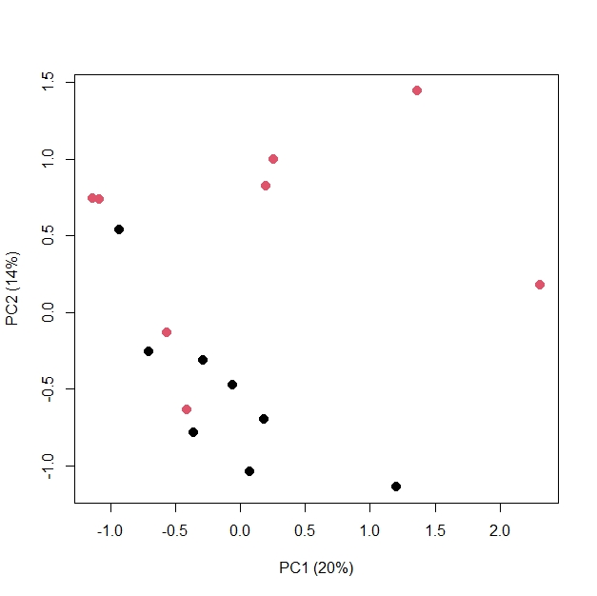
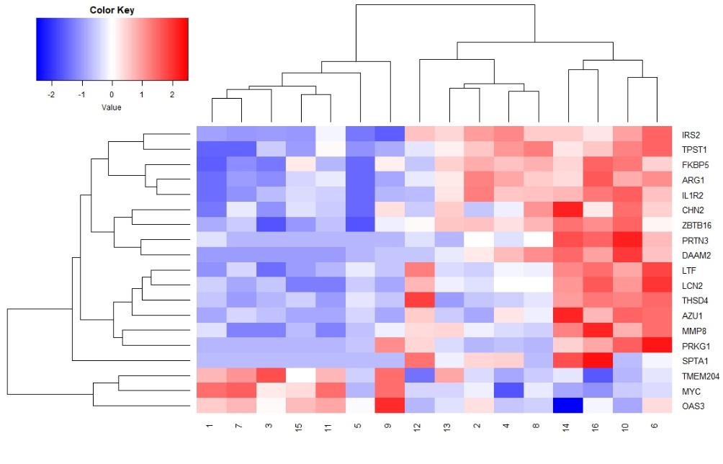
A. |  |  |  |  |  |  | C.

 | This is a principal component plot from the transcriptomic count data, which is now available on GEO |  |  |  |  |  |  | Heatmap generated from count data available on GEO, even numbers SMA, odd numbers uncomplicated controls

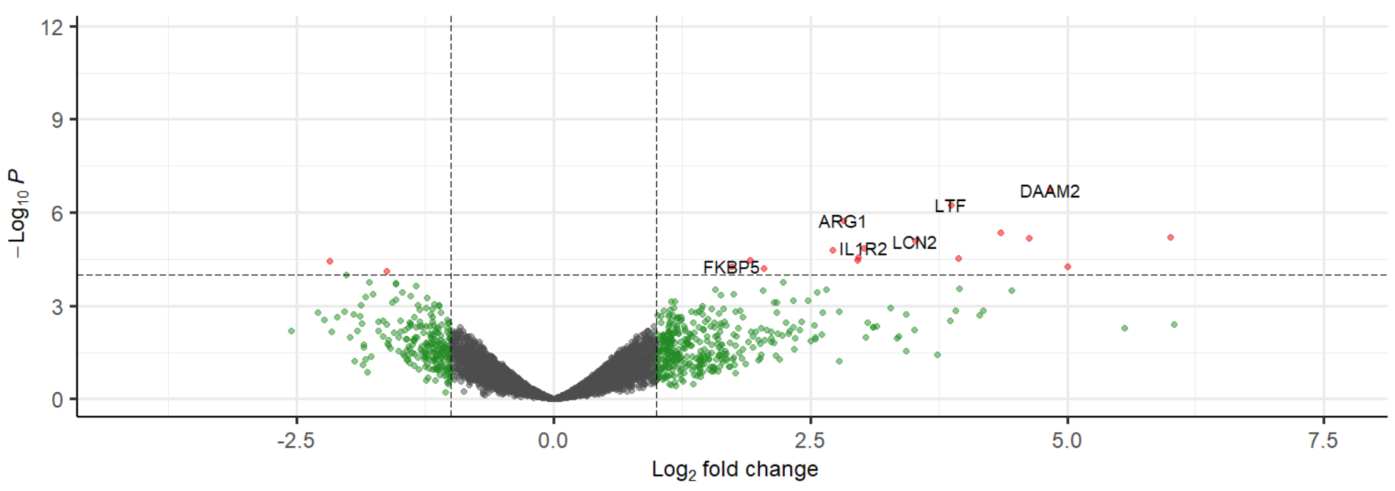
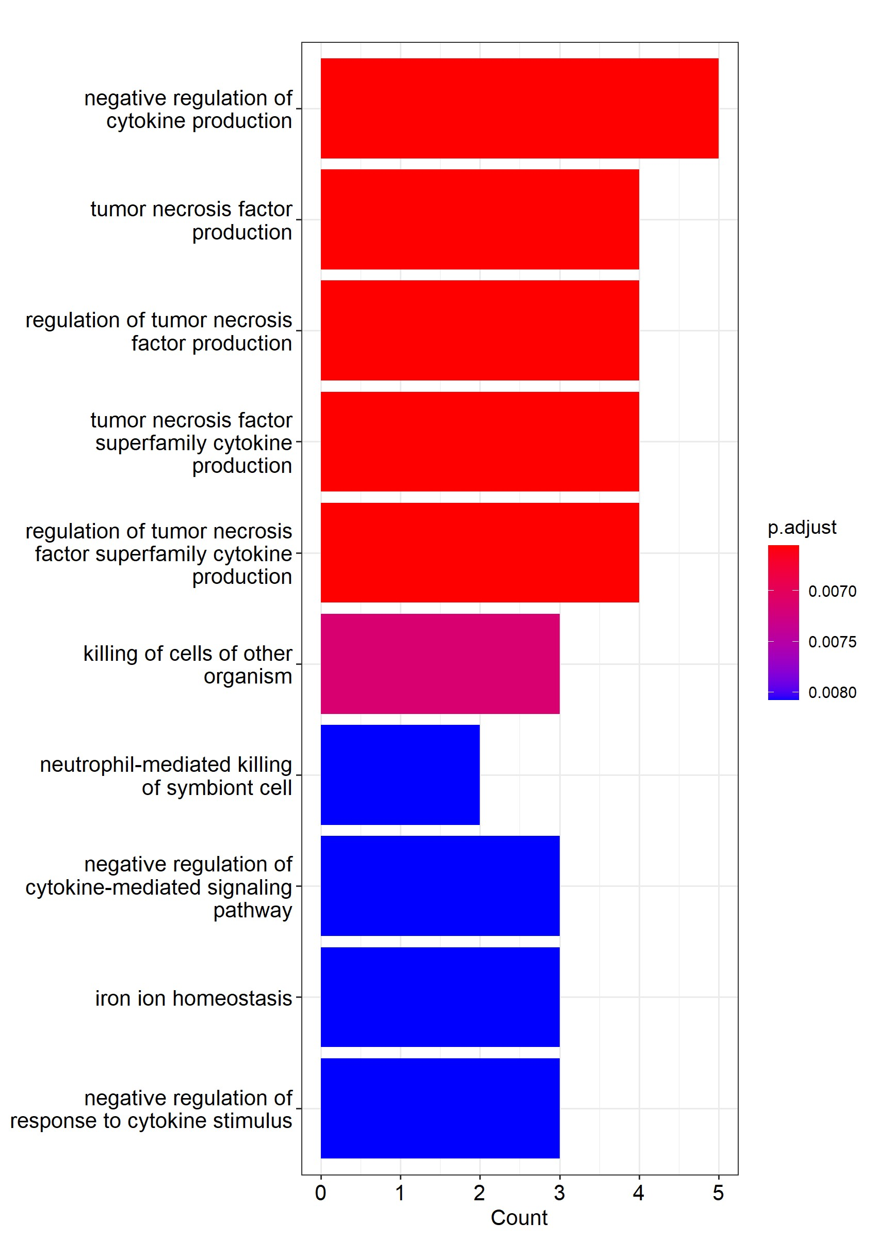
B. |  |  |  |  |  |  | D.

 | We have included the full list of p values and fold change data used to create this volcano plot. |  |  |  |  |  |  | Supplemental table 5 contains the exact p values for the listed pathways
 | Supplementary data 1, "SMA vs Uncomplicated, no hx" tab contains all of the significant results in this plot

Transcript | logFC | logCPM | F | PValue | FDR | Entrez ID
DAAM2 | 4.8349375679 | 4.3672297892 | 60.275824061 | 1.88E-07 | 0.0015418345835 | 8765
LTF | 3.8660423743 | 6.5908575816 | 51.892493181 | 5.74E-07 | 0.0023591650494 | 316
ARG1 | 2.8241237624 | 6.2374241757 | 44.199737476 | 1.81E-06 | 0.0049703171128 | 4814
THSD4 | 4.3510144216 | 5.3312443959 | 38.845833381 | 4.41E-06 | 0.0089450952139 | 16105
 |  |  |  |  |  | 16602
 |  |  |  |  |  | 13153
...

Figure 3
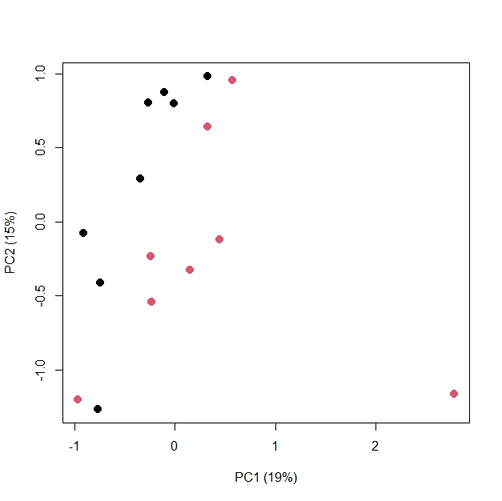
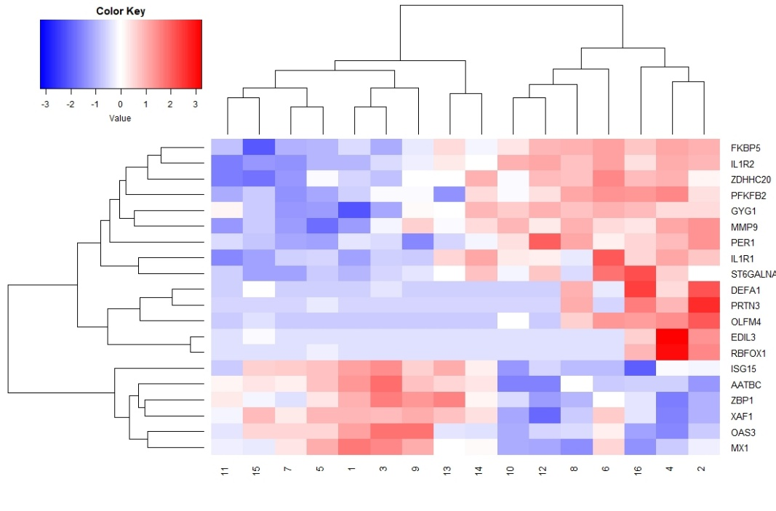
A. |  |  |  |  |  |  | C.

 | This is a principal component plot from the transcriptomic count data, which is now available on GEO |  |  |  |  |  |  | Heatmap generated from count data available on GEO, even numbers Concurrent CM and SMA, odd numbers uncomplicated controls

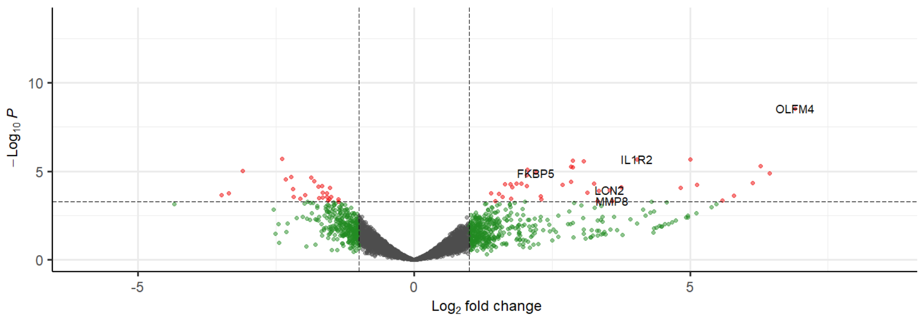
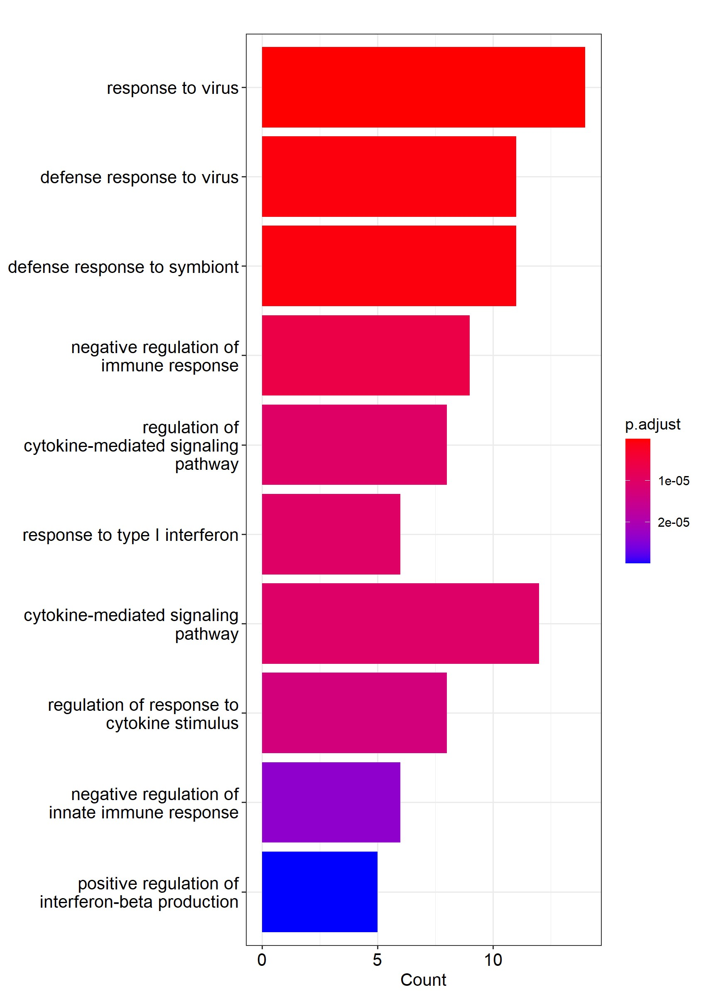
B. |  |  |  |  |  |  | D.

 | We have included the full list of p values and fold change data used to create this volcano plot.
 | Supplementary data 1, Conc vs Uncomplicated, no hx tab contains all of the signifcant data in this plot |  |  |  |  |  |  | Supplemental table 8 contains the exact p values for the listed pathways

Transcripts | logFC | logCPM | F | PValue | FDR | Entrez ID
OLFM4 | 6.9036019634 | 5.7662913266 | 81.121434524 | 2.79E-09 | 1.75E-05 | 2704
XAF1 | -2.3880351278 | 7.4374211916 | 36.559669649 | 1.95E-06 | 0.0027662729443 | 6574
IL1R2 | 4.0387071951 | 8.7130465891 | 41.275569056 | 2.04E-06 | 0.0027662729443 | 4443
DEFA1 | 5.0059383884 | 5.2695209755 | 38.63714884 | 2.11E-06 | 0.0027662729443 | 18054
 |  |  |  |  |  | 14396
 |  |  |  |  |  | 4446
 |  |  |  |  |  | 16602
...

Figure 4
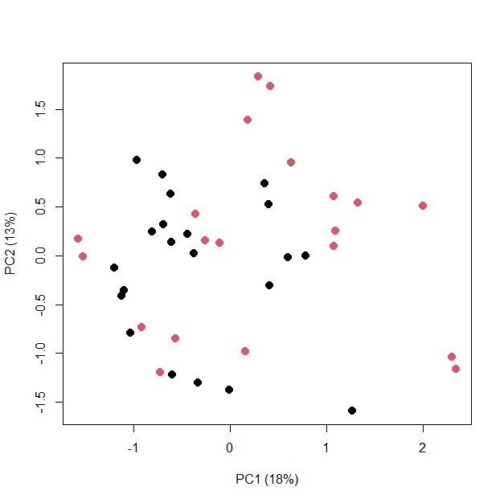
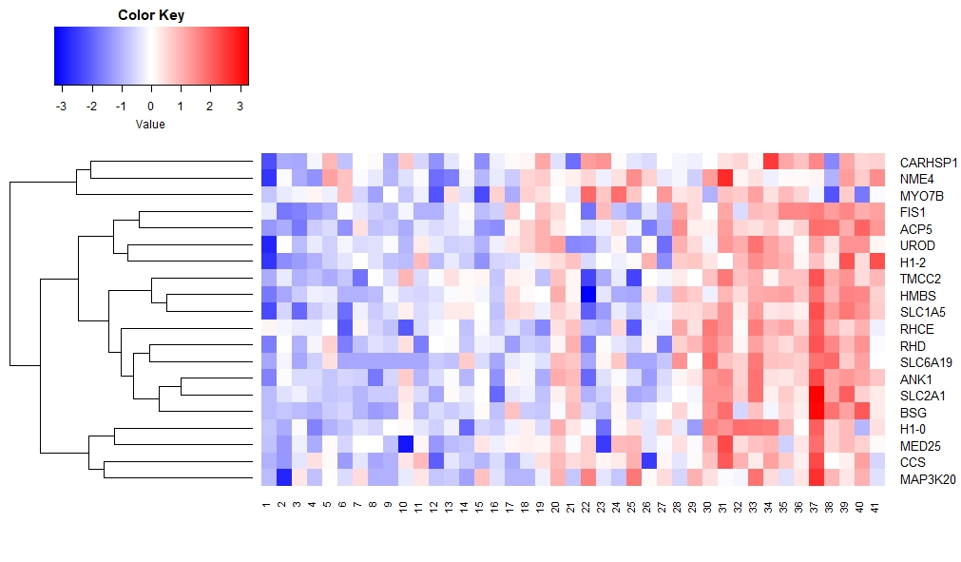
A. |  |  |  |  |  |  | C.

 | This is a principal component plot from the transcriptomic count data, which is now available on GEO |  |  |  |  |  |  | Heatmap generated from count data available on GEO, CM 1 through 21, SMA 22 through 41

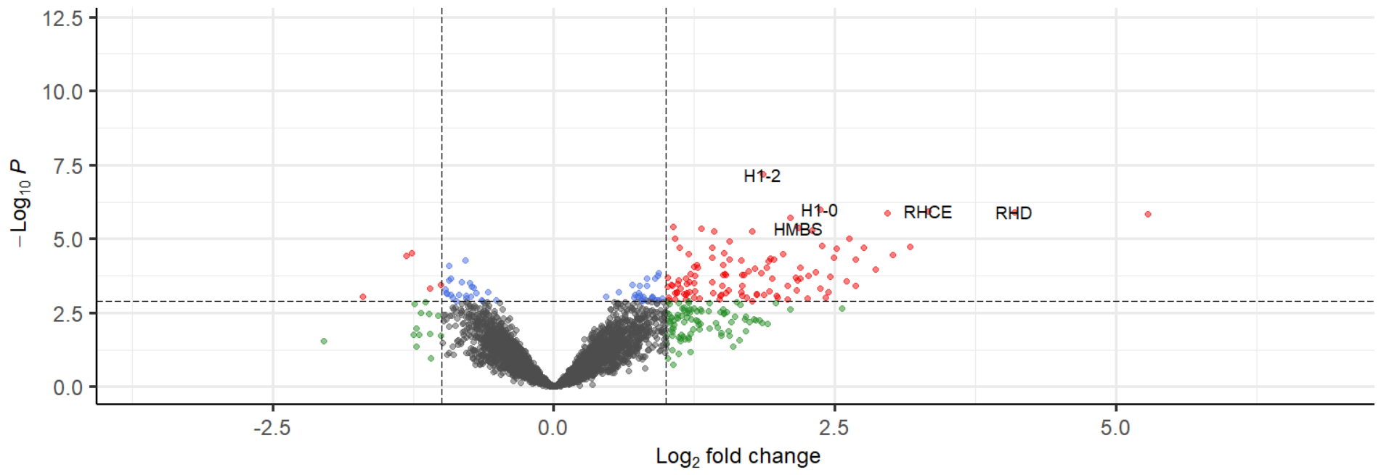
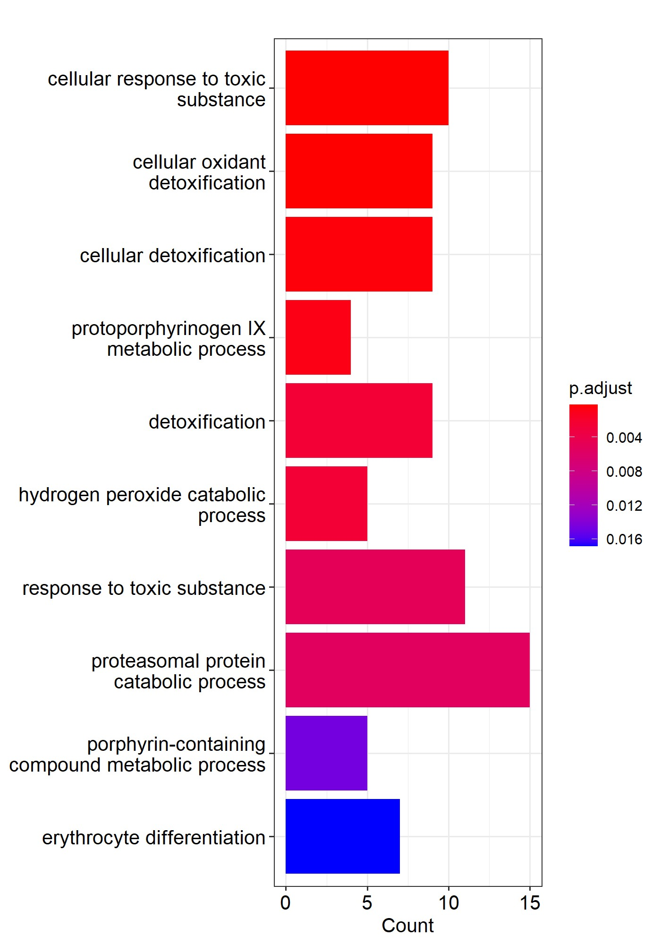
B. |  |  |  |  |  |  | D.

 | We have included the full list of p values and fold change data used to create this volcano plot.
 | Supplementary data 2, CM vs SMA tab contains all of the signifcant data in this plot
 |  |  |  |  |  |  |  | Supplemental table 13 contains the exact p values for the listed pathways
Transcript | logFC | logCPM | F | PValue | FDR | Entrez ID
H1-2 | 1.8610233102 | 6.6880021988 | 41.021829467 | 6.52E-08 | 0.00041523540852 | 16138
H1-0 | 2.3667502702 | 6.2467097992 | 32.440035339 | 9.97E-07 | 0.0015536642686 | 16416
RHCE | 3.3318460617 | 6.229852888 | 32.239926088 | 1.15E-06 | 0.0015536642686 | 16321
RHD | 4.0965258518 | 6.6419288176 | 31.967036584 | 1.24E-06 | 0.0015536642686 | 15973
SLC2A1 | 2.9630513426 | 7.845344525 | 31.577190985 | 1.35E-06 | 0.0015536642686 | 4690
 |  |  |  |  |  | 13571
 |  |  |  |  |  | 2682
 |  |  |  |  |  | 9568
 |  |  |  |  |  | 23576
...

Figure 5
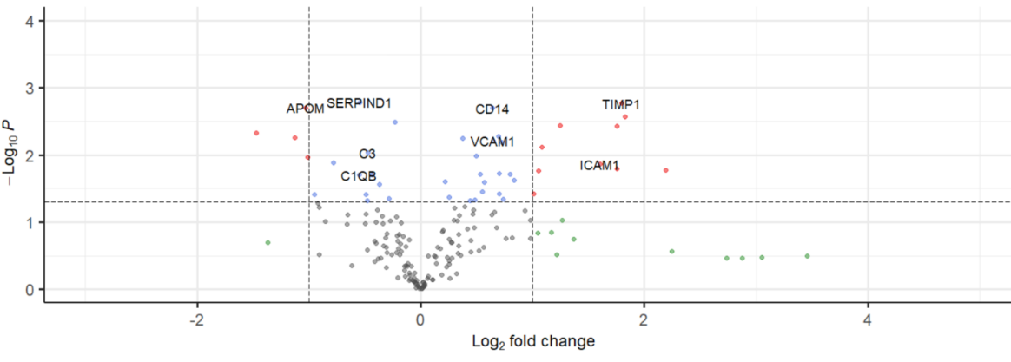
A.

 | We have included the full list of p values and fold change data used to create this volcano plot.
 | Supplemental data 3, "Proteomics, CM vs Uncompl" tab contains all of the data points used to create this volcano plot

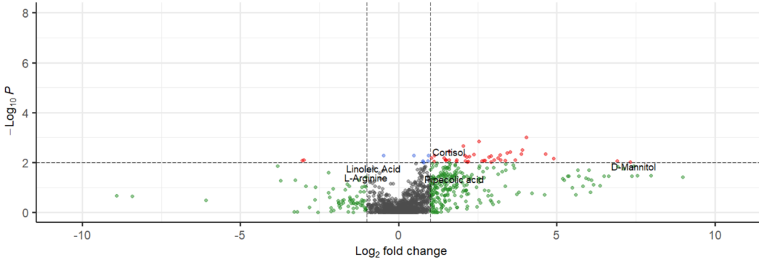
B.

 | We have included the full list of p values and fold change data used to create this volcano plot.
 | Supplemental data 3, "Metabolomics, CM vs Uncompl" tab contains all of the data points used to create this volcano plot

Proteomics |  |  |  | Metabolomics
Protein | FC | LogFC | pvalue | Name | logFC | pvalue | adjpvalue
SERPIND1 | 0.685081037 | -0.545653444 | 0.001647089 | 5-hydroxy-2,2,6,6-tetramethyl-4-{2-methyl-1-[2,4,6-trihydroxy-3-(2-methylpropanoyl)phenyl]propyl}cyclohex-4-ene-1,3-dione | 4.03 | 6.8466474005E-06 | 0.00098639659443
TIMP1 | 3.477240118 | 1.797942695 | 0.001706364 | 3-Hydroxybutyric acid | 2.54 | 1.4628271542E-05 | 0.0014235085745
APOM | 0.490939949 | -1.026381527 | 0.001986469 | β-Estradiol-17β-glucuronide | 3.91 | 6.9159732973E-05 | 0.0030674375683
CD14 | 1.556766066 | 0.638552168 | 0.00199869 | Cortisol | 1.59 | 1.9978410472E-06 | 0.0036136240532
CAT | 3.545507008 | 1.825991948 | 0.002702979 | Prostaglandin A2 | 3.43 | 0.00012487810908 | 0.0041729574713
...

Suppl Figure 1
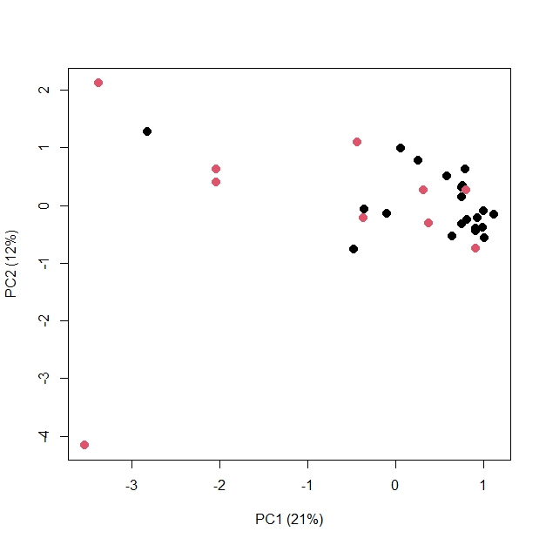
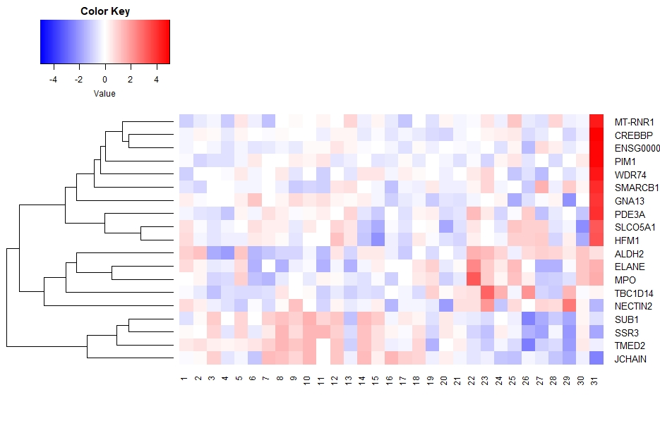
A. |  |  |  |  |  |  | C.

 | This is a principal component plot from the transcriptomic count data, which is now available on GEO |  |  |  |  |  |  | Heatmap generated from count data available on GEO, CM 1 through 21, Concurrent CM and SMA 22 through 31

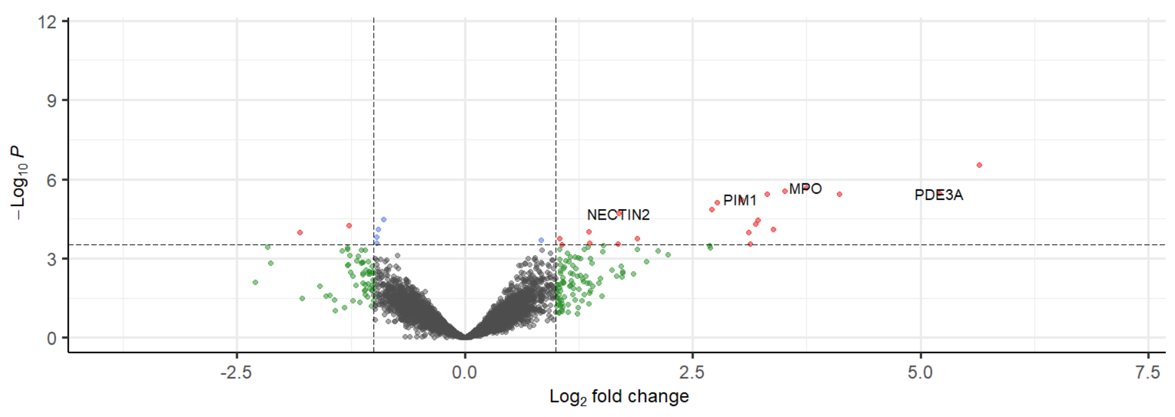
B.

 | We have included the full list of p values and fold change data used to create this volcano plot.

Transcript | logFC | logCPM | F | PValue | FDR | Entrez ID
ENSG00000258486 | 5.6432262343 | 11.169583804 | 42.234874729 | 2.97E-07 | 0.0020290009229 | 23978
MPO | 3.7486086583 | 6.6826966261 | 34.10520544 | 2.10E-06 | 0.0042068249623 | 93
SMARCB1 | 3.5134814858 | 8.6931834897 | 32.63553258 | 2.77E-06 | 0.0042068249623 | 2141
PDE3A | 5.2043138094 | 8.8154277286 | 32.007313899 | 3.52E-06 | 0.0042068249623 | 13237
CREBBP | 3.3168141021 | 8.7578169087 | 31.444479098 | 3.62E-06 | 0.0042068249623 | 91
WDR74 | 4.1067733045 | 7.0872428227 | 31.80702522 | 3.70E-06 | 0.0042068249623 | 6713
...

Suppl Figure 2
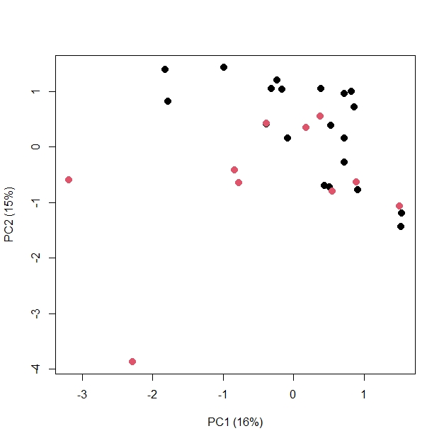
A.

 | This is a principal component plot from the transcriptomic count data, which is now available on GEO

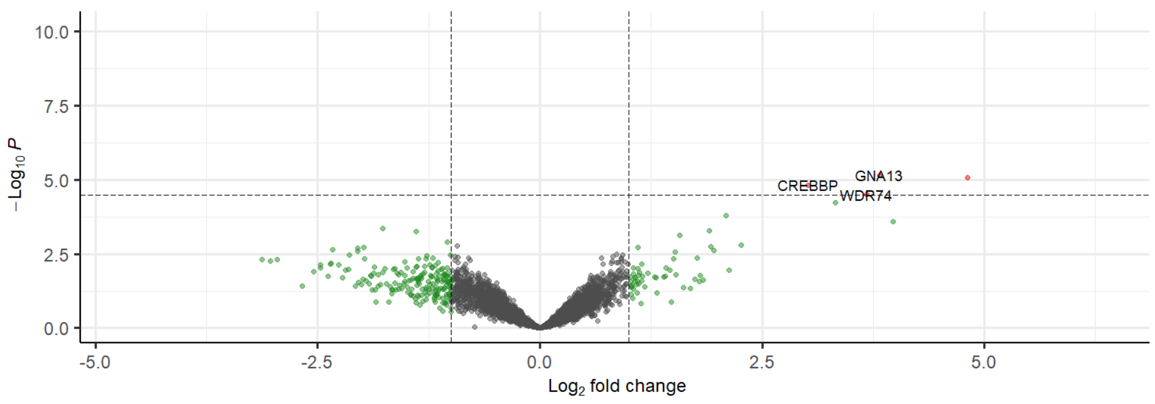
B.

 | We have included the full list of p values and fold change data used to create this volcano plot.

Transcript | logFC | logCPM | F | PValue | FDR | Entrez ID
GNA13 | 3.8210277969 | 7.1173857871 | 29.012971027 | 6.92E-06 | 0.025466433765 | 4988
ENSG00000258486 | 4.8112789677 | 10.996996542 | 27.944670358 | 8.28E-06 | 0.025466433765 | 23978
CREBBP | 3.0153965397 | 8.6109681221 | 25.511341629 | 1.51E-05 | 0.030941882607 | 91
WDR74 | 3.670822051 | 7.013593311 | 23.608740223 | 3.16E-05 | 0.048607864157 | 6713
TNFAIP3 | 3.3232057792 | 7.2861970611 | 21.624077166 | 5.75E-05 | 0.070724020766 | 4807
MYC | 2.0937213192 | 6.2597051496 | 18.047441583 | 0.00015929162882 | 0.16340666256 | 7355
...

Suppl Figure 3
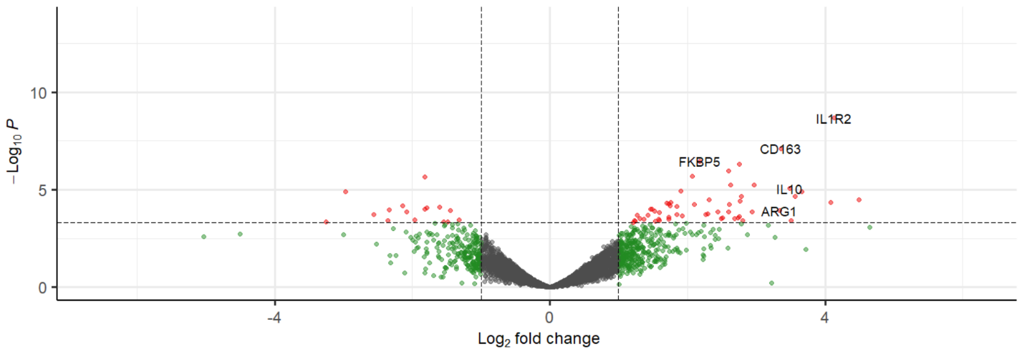
A.

 | We have included the full list of p values and fold change data used to create this volcano plot.

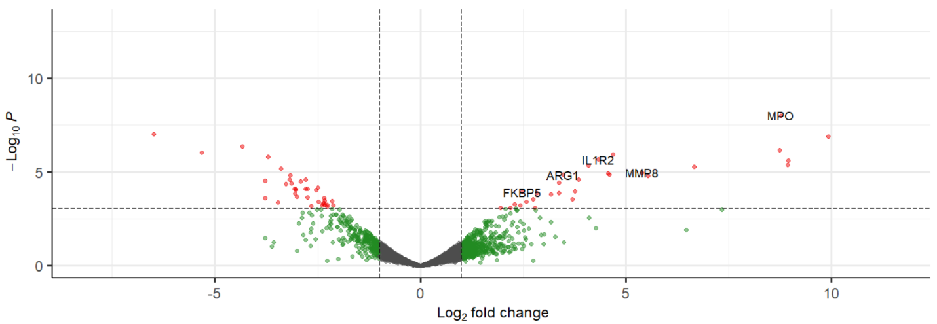
B.

 | We have included the full list of p values and fold change data used to create this volcano plot.

CM vs uncompl controls w history of CM, data corresponds to A. |  |  |  |  |  |  | Concurrent CM and SMA vs uncompl controls w history of CM, data corresponds to B.
Transcript | logFC | logCPM | F | PValue | FDR | Entrez ID | Transcript | logFC | logCPM | F | PValue | FDR | Entrez ID
IL1R2 | 4.1329587291 | 9.0726003044 | 78.348813046 | 2.15E-09 | 1.51E-05 | 4443 | MPO | 8.773367612 | 7.3978129899 | 78.678263729 | 9.80E-09 | 3.52E-05 | 93
CD163 | 3.3588642534 | 5.3508794499 | 53.694740361 | 7.86E-08 | 0.00027708686777 | 14142 | IFI44L | -6.488366025 | 6.0773531685 | 60.086637435 | 9.61E-08 | 0.0001569697305 | 7535
FKBP5 | 2.1776589515 | 7.8646511806 | 45.21512388 | 3.55E-07 | 0.00083393847151 | 2053 | ELANE | 9.9302678032 | 6.410914934 | 65.785900068 | 1.31E-07 | 0.0001569697305 | 16930
MCEMP1 | 2.7530614254 | 6.3212314158 | 43.383638641 | 5.04E-07 | 0.00088720866316 | 15055 | ISG15 | -4.3401005455 | 7.2982133294 | 49.721359004 | 4.37E-07 | 0.00039202687852 | 16079
SAMSN1 | 2.5986257261 | 6.6622417226 | 39.607158046 | 1.07E-06 | 0.0015051973288 | 9813 | EDIL3 | 8.7382200538 | 6.1008134305 | 52.521021221 | 6.81E-07 | 0.00048917083209 | 11222
SOCS3 | 2.0705900196 | 6.74558153 | 36.600438478 | 2.01E-06 | 0.0022313072168 | 15410 | IFIT1 | -5.3154221436 | 5.7963850036 | 45.239545482 | 9.02E-07 | 0.0005398669795 | 15682
...

Suppl Figure 4
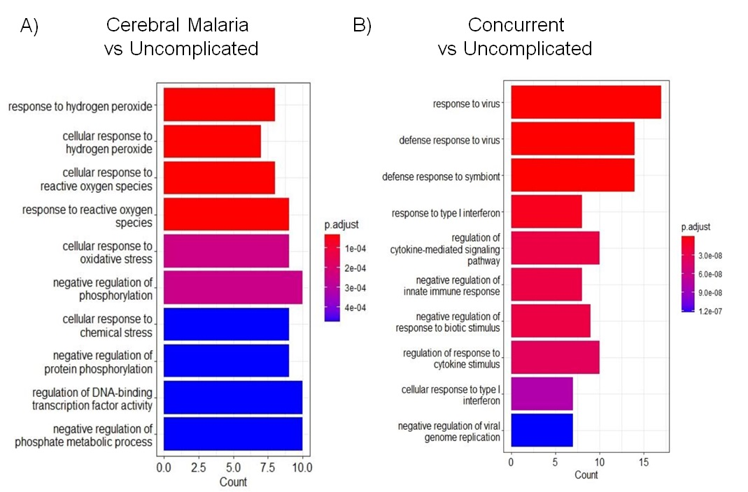

Supplemental table 36 A and B contain the exact p values for the listed pathways

Suppl Figure 5
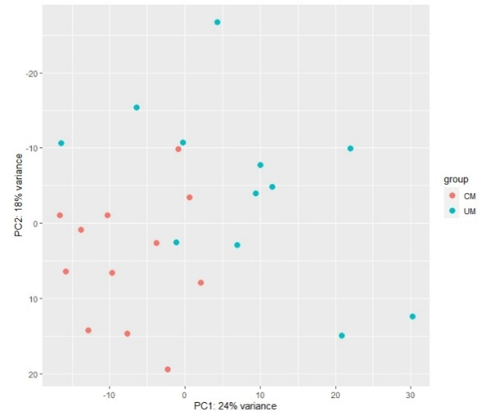
A)
B)
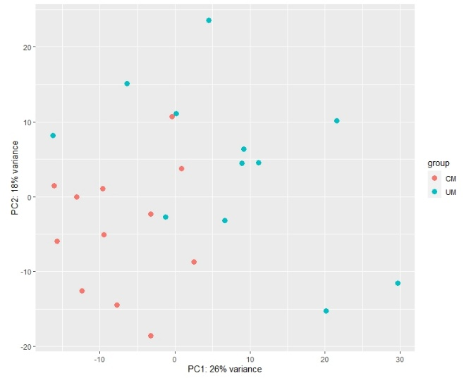

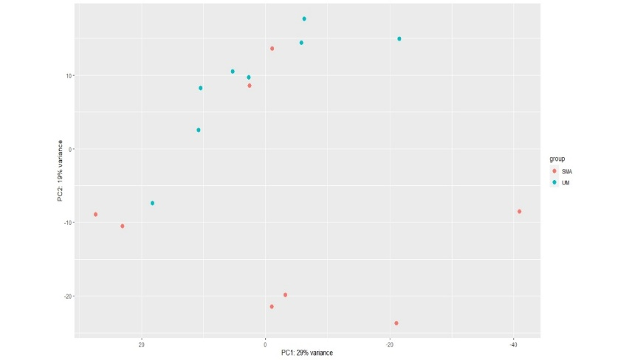
C)
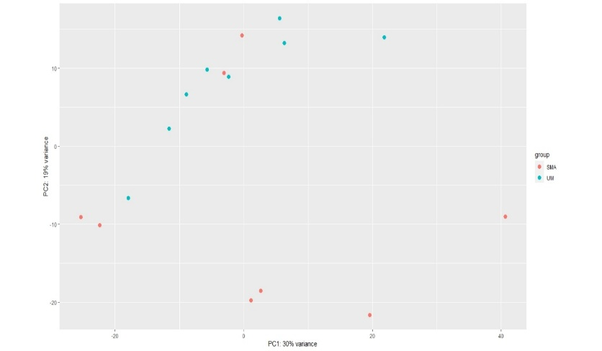
D)

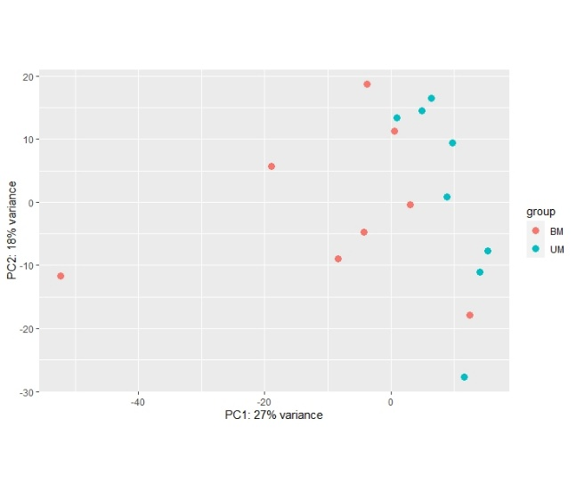
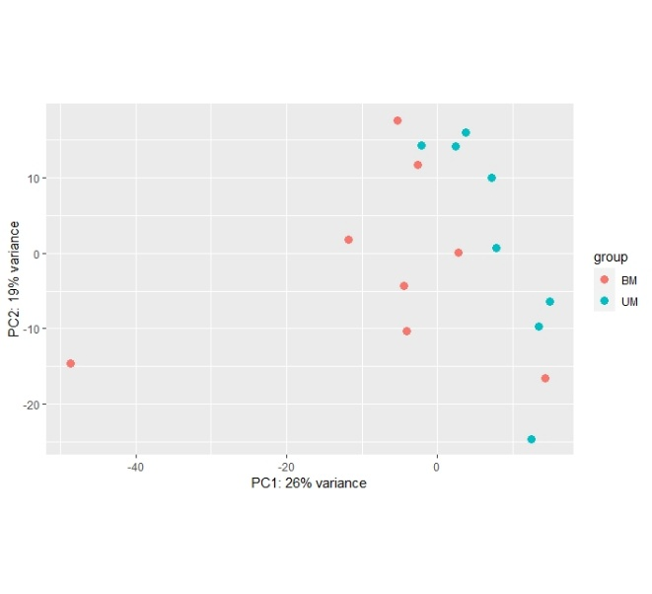
E)
F)

These are principal component plots from the transcriptomic count data, which is now available on GEO. Plots B, D, and F, correspond to plots A, C, and E, respectively, with an additional adjustment for cell proportions listed below

Cell proportions used to generate figure B.
 | CM1 | UM1 | CM2 | UM2 | CM3 | UM3 | CM4 | UM4 | CM5 | UM5 | CM6 | UM6 | CM7 | UM7 | CM8 | UM8
Bcells | 0.08750701 | 0.141135771 | 0.161591682 | 0.203136515 | 0.245390957 | 0.33775329 | 0.189757683 | 0.354184229 | 0.216749925 | 0.218457152 | 0.281552382 | 0.171397981 | 0.349886585 | 0.273085584 | 0.255619896 | 0.332693187
Tcells | 0.275046108 | 0.316136691 | 0.308819243 | 0.384815473 | 0.448238522 | 0.296095225 | 0.387907481 | 0.355278977 | 0.248924861 | 0.159424159 | 0.140559429 | 0.205519021 | 0.223531666 | 0.338964556 | 0.245910786 | 0.302756972
NKcells | 0.180827343 | 0.127579981 | 0.204217352 | 0.135500621 | 0.113588913 | 0.125155977 | 0.161182331 | 0.125217823 | 0.14713423 | 0.050412776 | 0.119859075 | 0.054636739 | 0.05950366 | 0.117383698 | 0.12113781 | 0.069933072
Monocytes | 0.170464535 | 0.186254112 | 0.089153833 | 0.135535199 | 0.111711994 | 0.107403683 | 0.09541547 | 0.097775219 | 0.223281661 | 0.258376832 | 0.157717082 | 0.366821123 | 0.119689143 | 0.12116539 | 0.130163778 | 0.07431417
Neutrophils | 0.286155003 | 0.228893445 | 0.23621789 | 0.141012192 | 0.081069613 | 0.133591825 | 0.165737035 | 0.067543751 | 0.163909323 | 0.313329081 | 0.300312032 | 0.201625136 | 0.247388946 | 0.149400772 | 0.247167731 | 0.220302599
...

