Fig. 3b
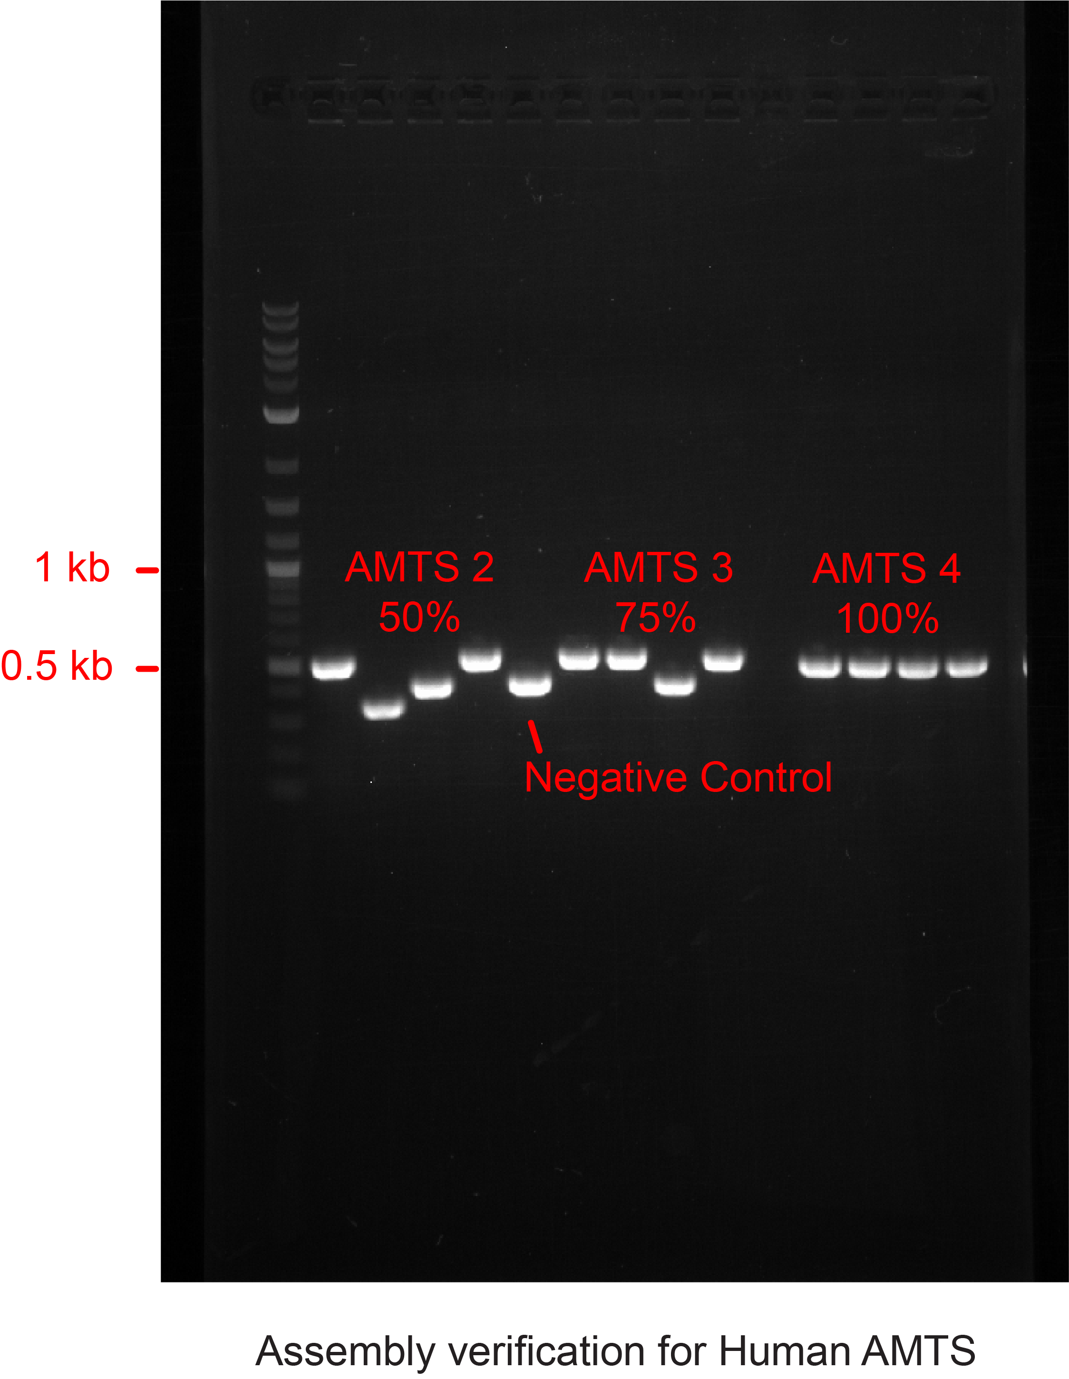
Fig. 3b Scarless DNA assembly of AMTSs utilizing PfAgo/AREs. Plasmids are cleaved using PfAgo and phosphorylated guides, creating sticky ends.

Supp Fig. 8
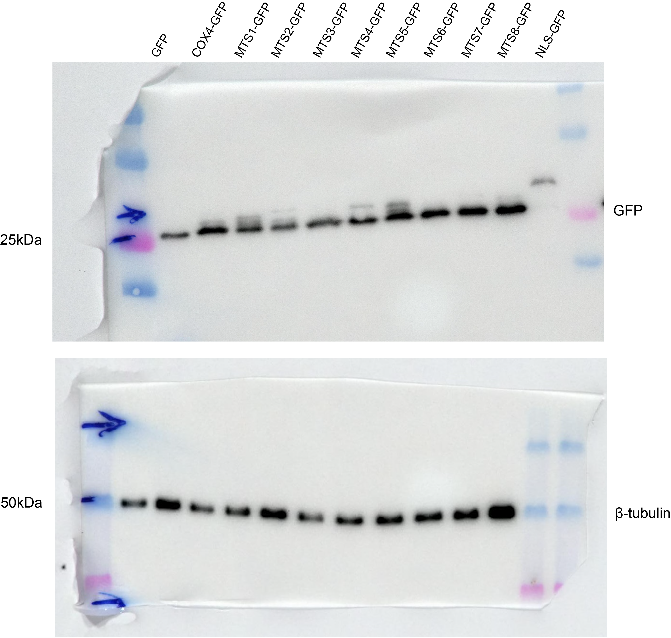
Supp Fig. 8 In vivo cleavage of artificial peptides in the HEK293 cell line.

Supp Fig. 16b
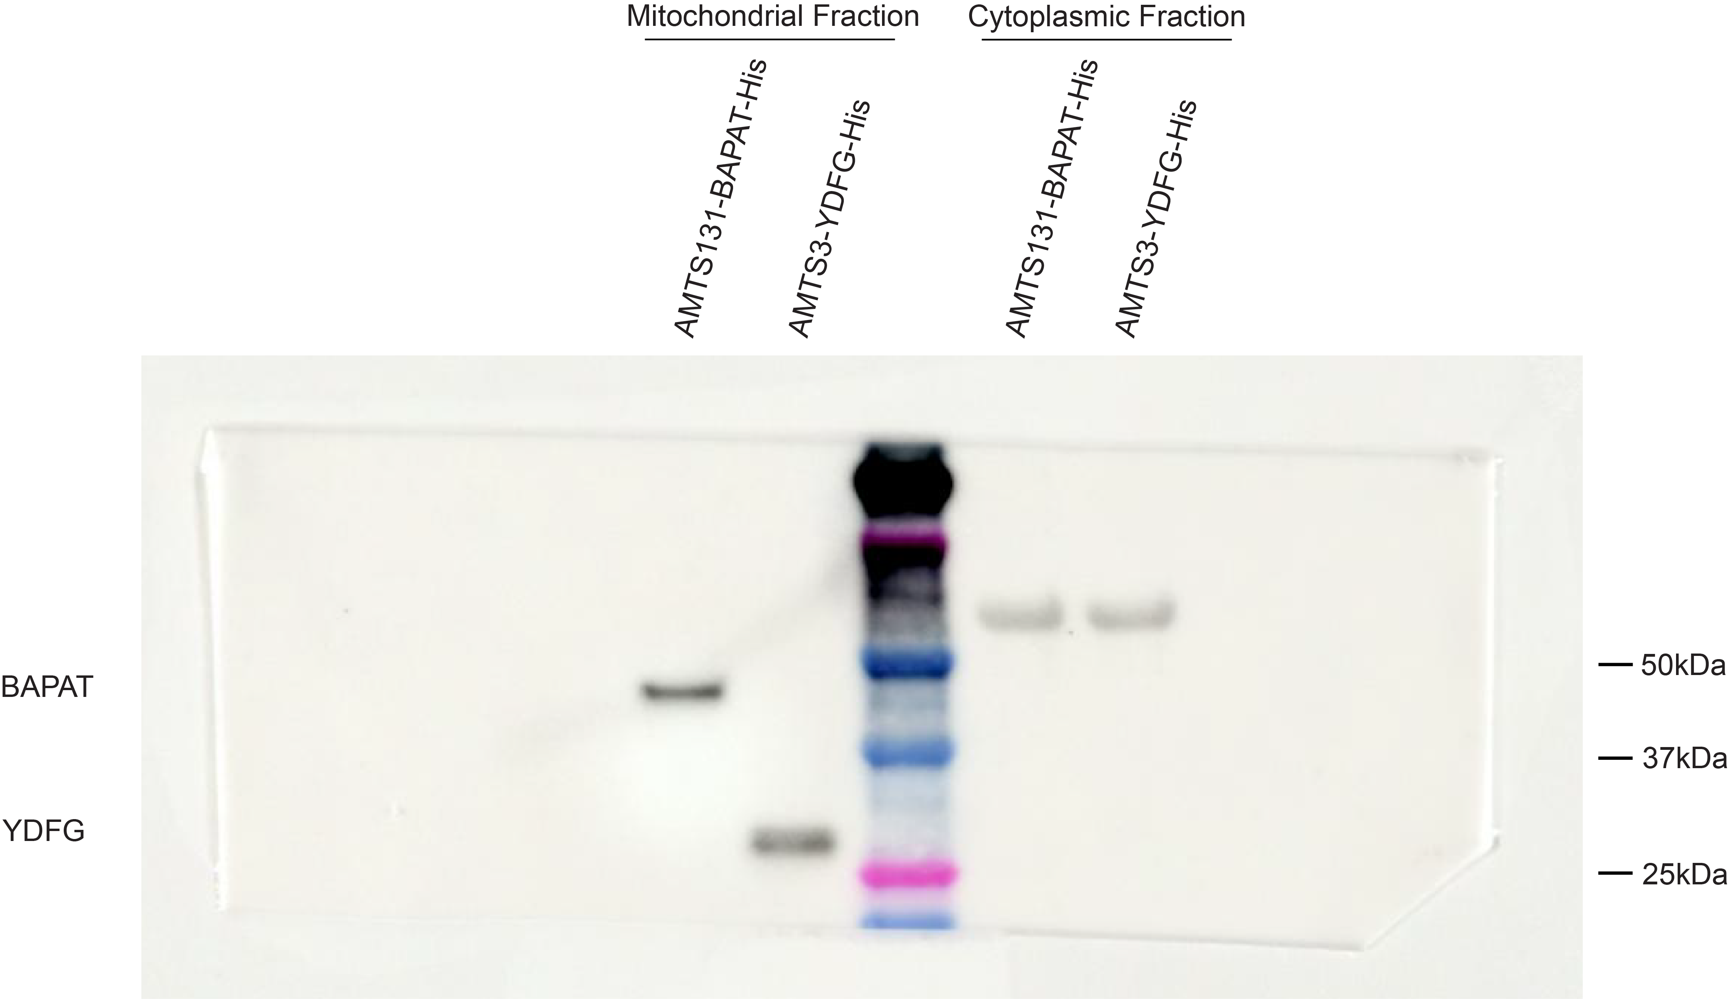
Supp Fig. 16b Western blot analysis of cytosolic and mitochondrial fractions confirms the successful mitochondrial localization of the AMTS131-BAPAT and AMTS3-YDFG enzymes.

