Sup. Fig. 7
Sup. Fig. 7c
Sample | E-01A |  |  |  | E-01A_ΔNp63OE |  |  |  | E-05 |  |  |  | E-05_ΔNp63OE
DMSO | 52879 | 55113 | 56431 | 54206 | 112220 | 104442 | 113012 | 107475 | 30779 | 28835 | 26674 | 31905 | 25253 | 23623 | 23179 | 19732
0.001µM | 48489 | 51166 | 57603 | 63696 | 102276 | 109751 | 112074 | 109953 | 24377 | 25825 | 24632 | 26902 | 23492 | 23024 | 20412 | 18871
0.01µM | 44986 | 44057 | 52125 | 46224 | 102156 | 102081 | 103086 | 108636 | 16263 | 15439 | 15420 | 16436 | 14660 | 15287 | 15317 | 12635
0.1µM | 12343 | 11563 | 12339 | 13095 | 30928 | 30753 | 29179 | 31319 | 6094 | 7886 | 5741 | 6178 | 6325 | 6498 | 6174 | 6235
1.0µM | 5020 | 5807 | 6089 | 6044 | 13069 | 11012 | 11793 | 13501 | 2862 | 3755 | 3479 | 3117 | 3059 | 2974 | 3113 | 3289
10µM | 221 | 308 | 295 | 318 | 1479 | 2041 | 1953 | 1768 | 2210 | 2141 | 1934 | 2295 | 1485 | 1485 | 1540 | 1566
Background | 192 | 135 | 97 | 97 | 572 | 305 | 179 | 142 | 139 | 121 | 105 | 98 | 139 | 121 | 105 | 98

Sup. Fig. 7d
Sample | EGFR-TKIs | Basal-shift / Non-basal-shift | NKX2-1 (log2(TPM+1))
E-01 | Sensitive | Non-basal-shift | 6.64573
E-03 | Sensitive | Non-basal-shift | 5.929554
E-02A | Sensitive | Non-basal-shift | 6.660923
E-02C | Sensitive | Non-basal-shift | 6.635174
E-02D | Sensitive | Non-basal-shift | 6.396434
E-04A | Sensitive | Non-basal-shift | 6.633141
E-05 | Sensitive | Non-basal-shift | 7.716031
E-06 | Sensitive | Non-basal-shift | 7.413882
E-07 | Sensitive | Non-basal-shift | 7.165309
E-08 | Sensitive | Non-basal-shift | 6.895424
E-09 | Sensitive | Non-basal-shift | 6.819413
E-01B | Resistant | Non-basal-shift | 6.800123
E-10 | Resistant | Non-basal-shift | 5.015248
E-11 | Resistant | Non-basal-shift | 0.970854
E-16 | Resistant | Non-basal-shift | 6.988344
E-18 | Resistant | Non-basal-shift | 6.909173
E-19 | Resistant | Non-basal-shift | 7.405056
E-21 | Resistant | Non-basal-shift | 7.804002
E-22 | Resistant | Non-basal-shift | 7.660852
E-24 | Resistant | Non-basal-shift | 5.558574
E-25 | Resistant | Non-basal-shift | 5.653633
E-13 | Resistant | Basal-shift | 3.065228
E-14 | Resistant | Basal-shift | 6.050066
E-17 | Resistant | Basal-shift | 2.090853
E-20 | Resistant | Basal-shift | 4.782409
E-23 | Resistant | Basal-shift | 4.649041

Sup. Fig. 7f
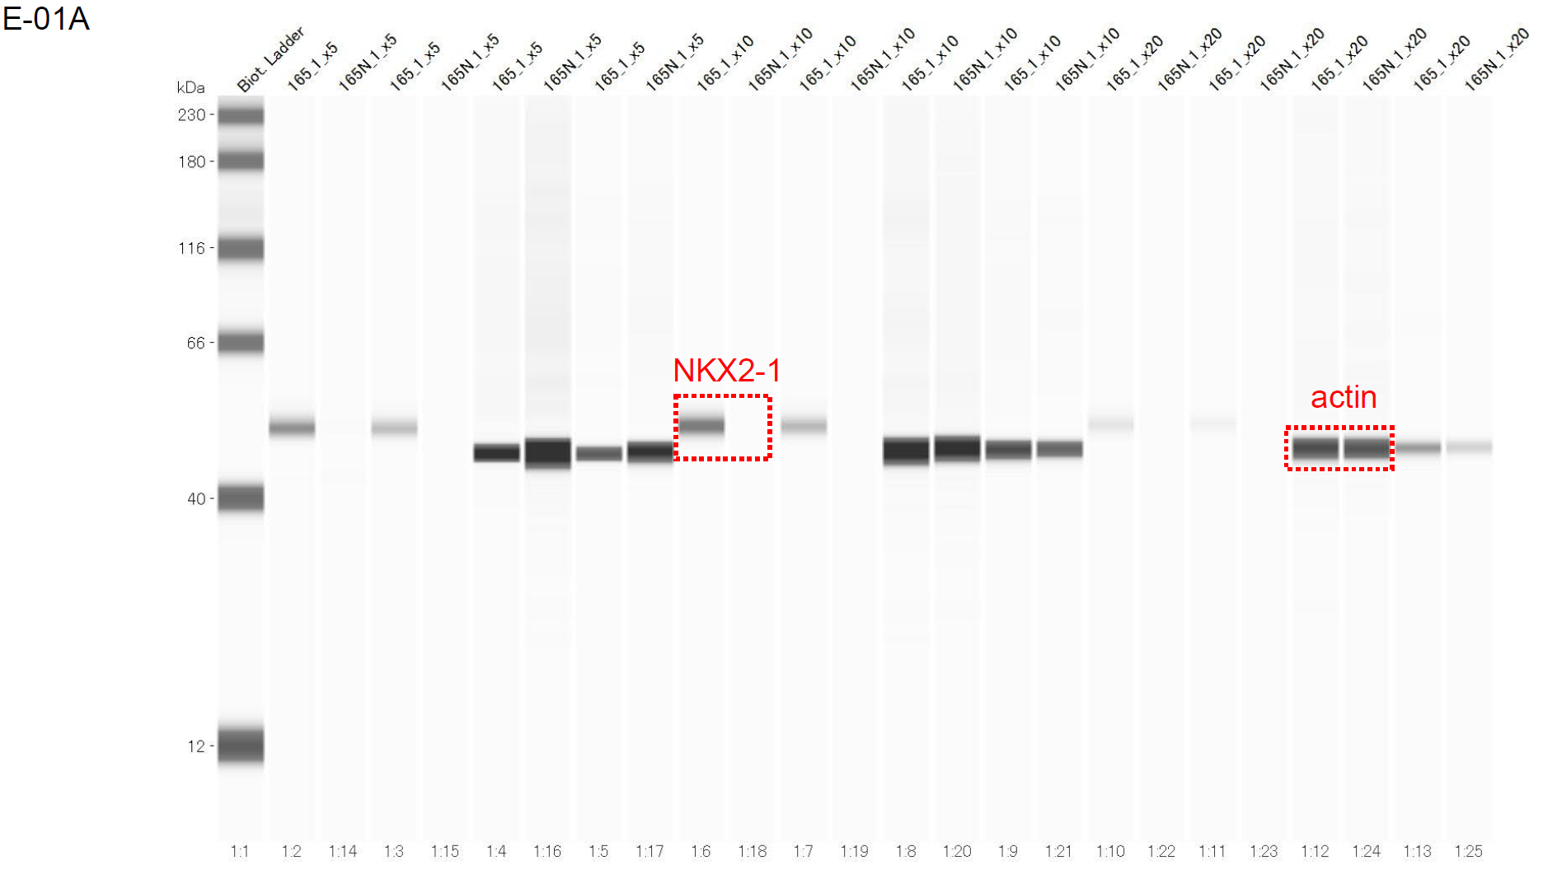
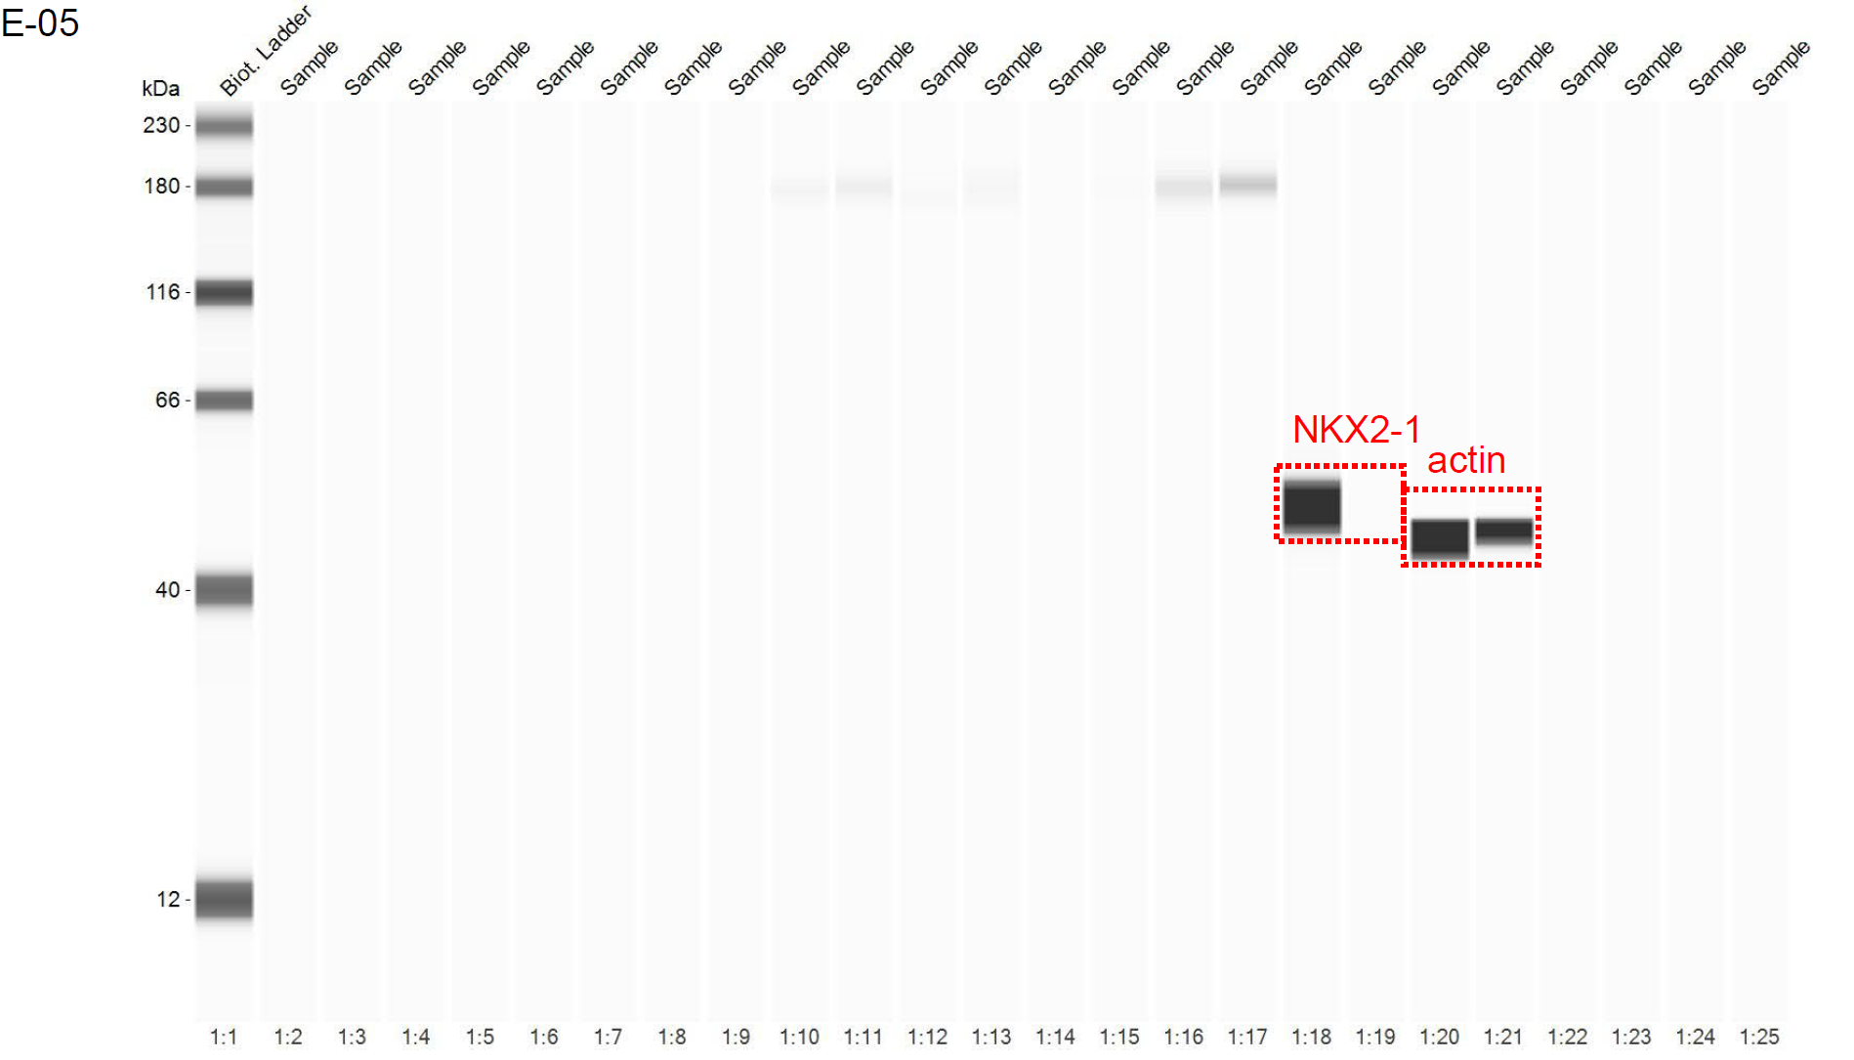

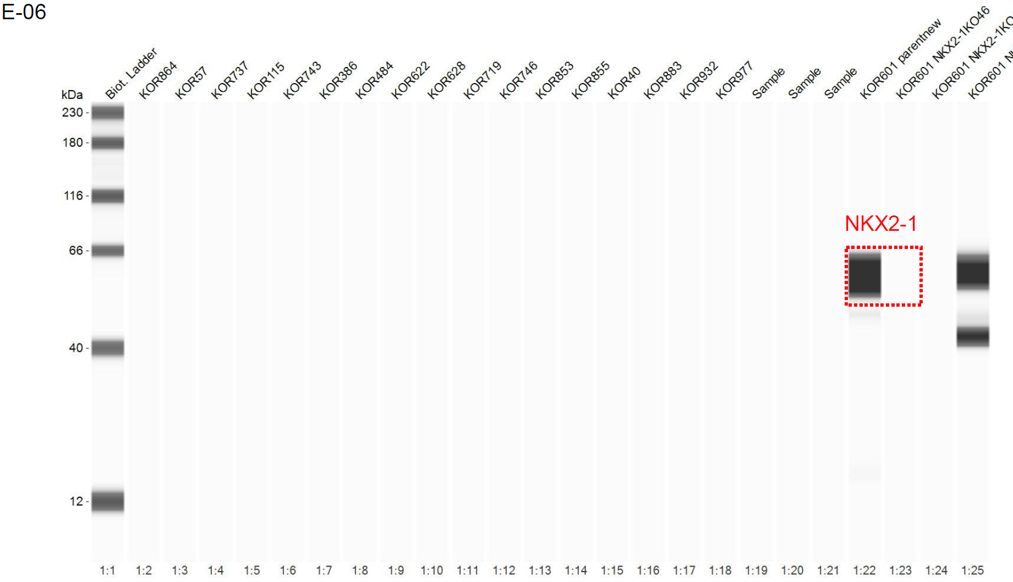
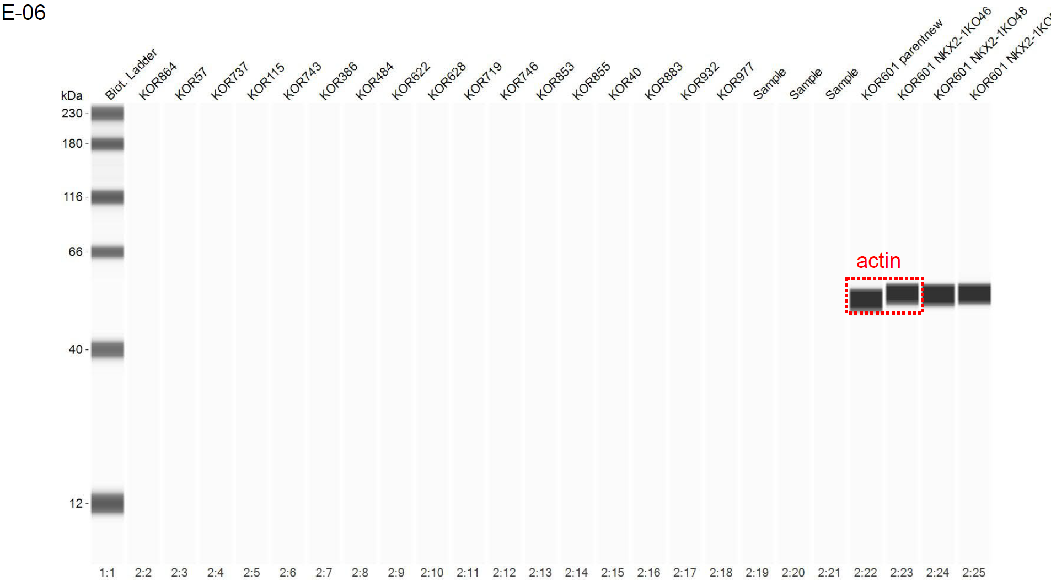

Sup. Fig. 7g
Sample | Genes | log2(TPM+1)
E-01A | SFTPA1 | 13.669701193
E-01A_NKX2-1KO#1_clone1 | SFTPA1 | 9.088456641
E-01A_ΔNp63OE | SFTPA1 | 18.835190655
E-01A | SFTPA2 | 13.609852161
E-01A_NKX2-1KO#1_clone1 | SFTPA2 | 10.009328962
E-01A_ΔNp63OE | SFTPA2 | 18.396064615
E-01A | SFTPC | 13.776018548
E-01A_NKX2-1KO#1_clone1 | SFTPC | 8.2352063932
E-01A_ΔNp63OE | SFTPC | 17.228469311
E-01A | SFTPD | 9.1704515472
E-01A_NKX2-1KO#1_clone1 | SFTPD | 7.0713870264
E-01A_ΔNp63OE | SFTPD | 12.176086641
E-01A | NAPSA | 14.233088648
E-01A_NKX2-1KO#1_clone1 | NAPSA | 8.8171509162
E-01A_ΔNp63OE | NAPSA | 14.755012715
E-01A | ABCA3 | 12.137357343
E-01A_NKX2-1KO#1_clone1 | ABCA3 | 9.4078910913
E-01A_ΔNp63OE | ABCA3 | 12.542975124
E-01A | LAMP3 | 13.233058563
E-01A_NKX2-1KO#1_clone1 | LAMP3 | 11.787607736
E-01A_ΔNp63OE | LAMP3 | 14.11479066
E-01A | NGFR | 6.9423527809
E-01A_NKX2-1KO#1_clone1 | NGFR | 6.8846797724
E-01A_ΔNp63OE | NGFR | 8.2574056507
E-01A | TP63 | 8.551270483
E-01A_NKX2-1KO#1_clone1 | TP63 | 11.083545522
E-01A_ΔNp63OE | TP63 | 11.389572502
E-01A | TPRG1 | 6.9423527809
E-01A_NKX2-1KO#1_clone1 | TPRG1 | 7.9139981729
E-01A_ΔNp63OE | TPRG1 | 7.7632478631
E-01A | DLX3 | 6.7820033144
E-01A_NKX2-1KO#1_clone1 | DLX3 | 7.4905802021
E-01A_ΔNp63OE | DLX3 | 7.2551431862
E-01A | KRT14 | 7.0939564412
E-01A_NKX2-1KO#1_clone1 | KRT14 | 7.7643017912
E-01A_ΔNp63OE | KRT14 | 8.0408385382
E-01A | KRT5 | 7.5273705846
E-01A_NKX2-1KO#1_clone1 | KRT5 | 8.7389088998
E-01A_ΔNp63OE | KRT5 | 8.2054195158
E-01A | KRT6A | 7.1960951928
E-01A_NKX2-1KO#1_clone1 | KRT6A | 9.3975937535
E-01A_ΔNp63OE | KRT6A | 7.2551431862

Sup. Fig. 7h
Sample | E-01A |  |  |  | E-01A_NKX2-1KO#1_clone1 |  |  |  | E-05 |  |  |  | E-05_NKX2-1KO#1_clone1 |  |  |  | E-06 |  |  |  | E-06_NKX2-1KO#1_clone1
DMSO | 52879 | 55113 | 56431 | 54206 | 108408 | 91593 | 100246 | 107661 | 977500 | 864800 | 736300 | 941700 | 768200 | 857300 | 711500 | 490400 | 2554000 | 2710000 | 2541000 | 2446000 | 2285000 | 2190000 | 2290000 | 2147000
0.001µM | 48489 | 51166 | 57603 | 63696 | 92519 | 89618 | 105715 | 109515 | 756100 | 719600 | 677800 | 695800 | 720600 | 721600 | 893400 | 551100 | 2536000 | 2642000 | 2377000 | 2497000 | 2429000 | 2284000 | 2324000 | 2313000
0.01µM | 44986 | 44057 | 52125 | 46224 | 86769 | 85502 | 90342 | 108716 | 331300 | 368300 | 379200 | 394300 | 552700 | 481800 | 603000 | 488200 | 1637000 | 1880000 | 1685000 | 1803000 | 2462000 | 1909000 | 2245000 | 2442000
0.1µM | 12343 | 11563 | 12339 | 13095 | 67169 | 69228 | 70854 | 80189 | 138900 | 140500 | 142900 | 161100 | 417800 | 339100 | 422000 | 336600 | 970300 | 871600 | 933600 | 797100 | 1734000 | 1679000 | 1601000 | 1666000
1.0µM | 5020 | 5807 | 6089 | 6044 | 17820 | 21344 | 21397 | 21657 | 54610 | 62680 | 58160 | 58520 | 173600 | 168400 | 144000 | 165600 | 350400 | 467800 | 378100 | 349000 | 1004000 | 929500 | 970200 | 1035000
10µM | 221 | 308 | 295 | 318 | 6992 | 7472 | 7949 | 9511 | 1670 | 1480 | 2220 | 2010 | 2600 | 3331 | 1720 | 1540 | 4231 | 5051 | 5512 | 4711 | 335800 | 172700 | 160800 | 138500
Background | 192 | 135 | 97 | 97 | 335 | 227 | 203 | 157 | 1160 | 770 | 580 | 520 | 730 | 450 | 420 | 270 | 1160 | 770 | 580 | 520 | 3151 | 2490 | 1810 | 1510

Sup. Fig. 8
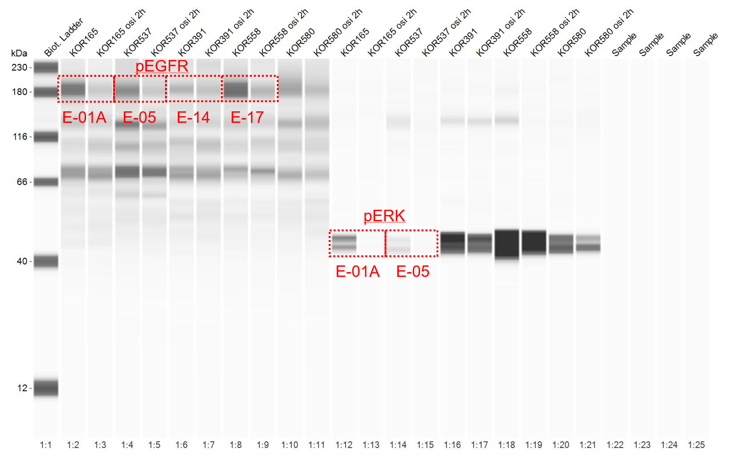
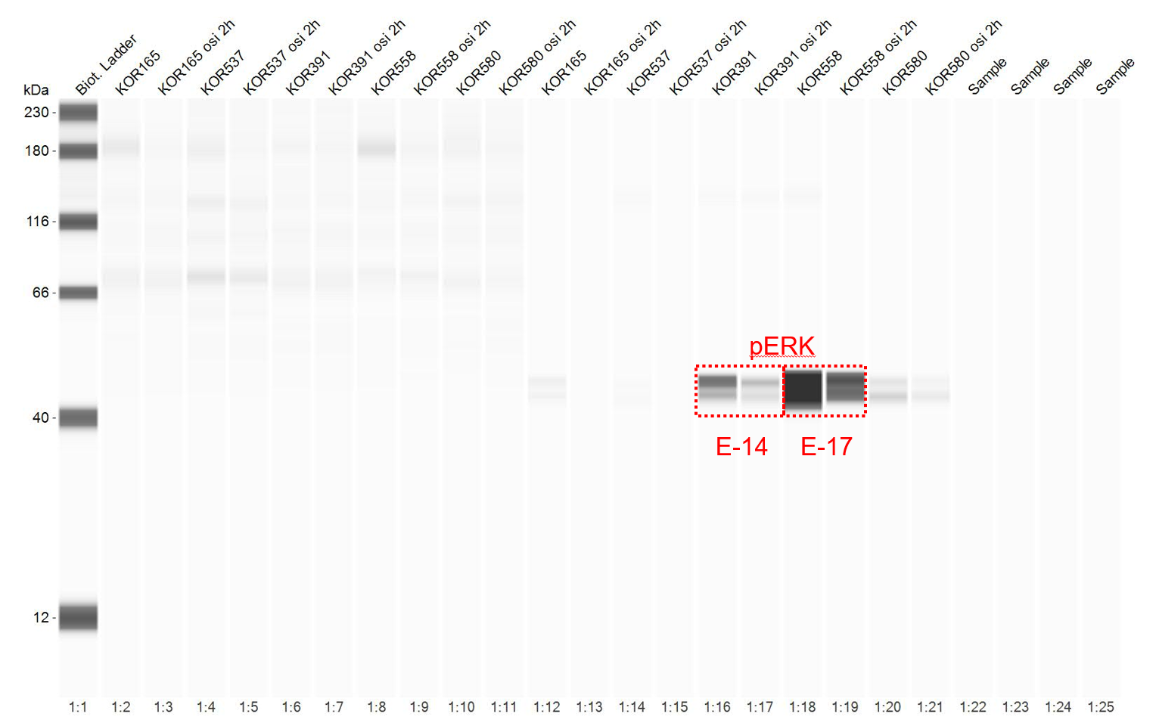
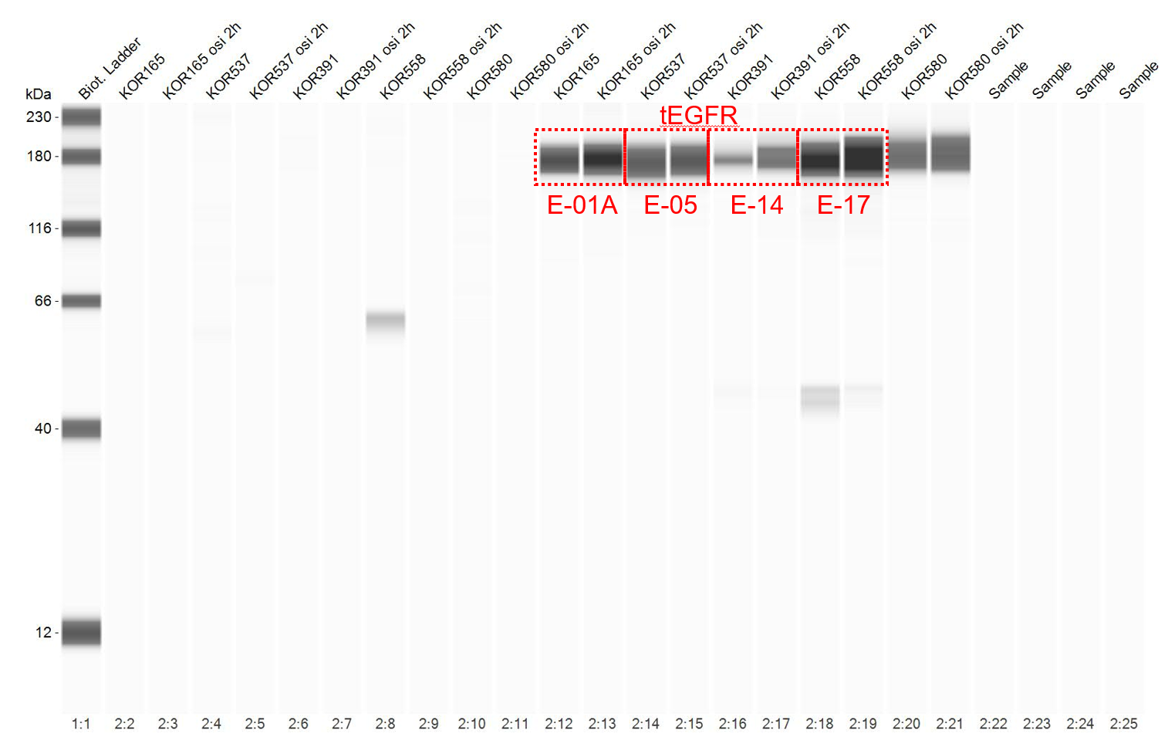
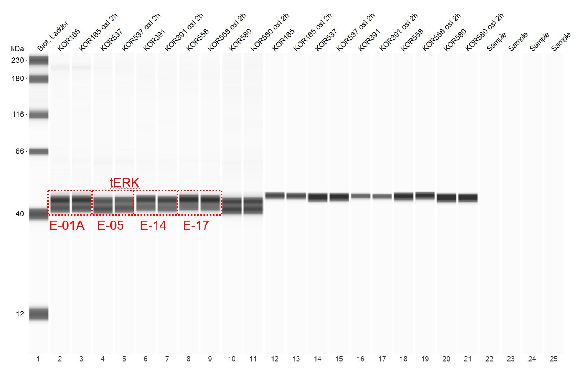
Sup. Fig. 8d
Area | pEGFR | tEGFR | pERK | tERK
E-01A_DMSO | 123786 | 74956.9 | 74135.1 | 5641321
E-01A_Osimertinib | 62904.5 | 102970.1 | 13433.4 | 5289335.1
E-05_DMSO | 124784.7 | 79113.2 | 39122.9 | 4713047.7
E-05_Osimertinib | 70787.7 | 78841 | 9745.3 | 4262558.2
E-14_DMSO | 112532.8 | 33054.2 | 257665.3 | 4506578
E-14_Osimertinib | 69916.7 | 54692.8 | 151069.7 | 4596875.3
E-17_DMSO | 133203.4 | 121626.1 | 1394292 | 4902674
E-17_Osimertinib | 108653 | 187658.8 | 471560.4 | 4698460.2

Sup. Fig. 9
Sup. Fig. 9a
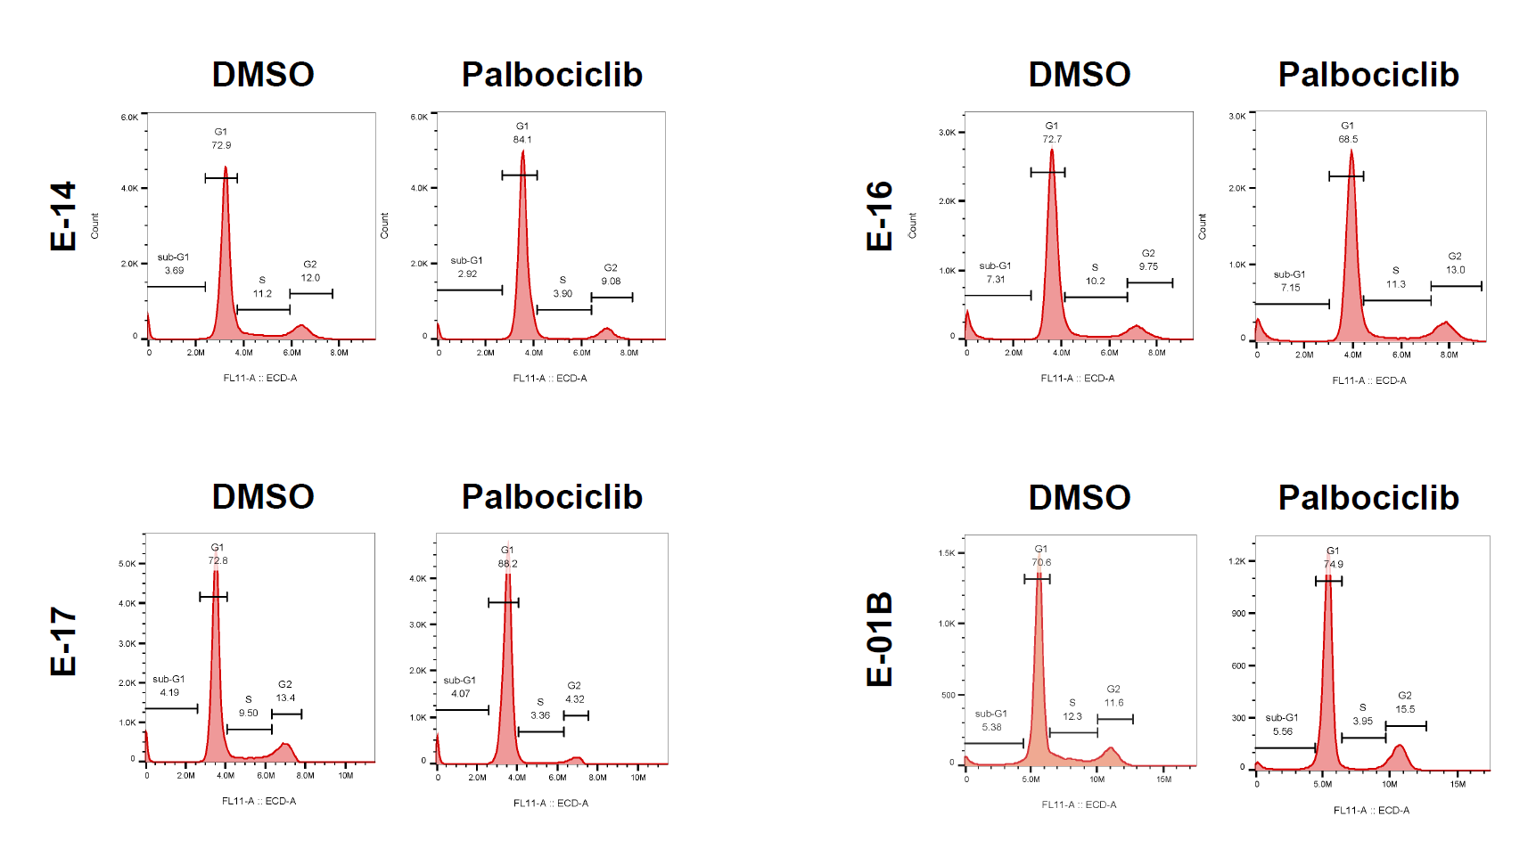

Sup. Fig. 9b
Type | Non-basal-shift |  |  |  | Non-basal-shift |  |  |  | Non-basal-shift |  |  |  | Non-basal-shift |  |  |  | Non-basal-shift |  |  |  | Non-basal-shift |  |  |  | Non-basal-shift |  |  |  | Non-basal-shift |  |  |  | Non-basal-shift |  |  |  | Basal-shift |  |  |  | Non-basal-shift |  |  |  | Non-basal-shift |  |  |  | Non-basal-shift |  |  |  | Non-basal-shift |  |  |  | Non-basal-shift |  |  |  | Non-basal-shift |  |  |  | Basal-shift |  |  |  | Basal-shift |  |  |  | Basal-shift |  |  |  | Basal-shift
CDKN2A/B | WT |  |  |  | WT |  |  |  | WT |  |  |  | WT |  |  |  | WT |  |  |  | WT |  |  |  | WT |  |  |  | WT |  |  |  | WT |  |  |  | WT |  |  |  | Loss |  |  |  | Loss |  |  |  | Loss |  |  |  | Loss |  |  |  | Loss |  |  |  | Loss |  |  |  | Loss |  |  |  | Loss |  |  |  | Loss |  |  |  | Loss
Sample | E-01A |  |  |  | E-01B |  |  |  | E-02A |  |  |  | E-04A |  |  |  | E-07 |  |  |  | E-08 |  |  |  | E-09 |  |  |  | E-11 |  |  |  | E-16 |  |  |  | E-13 |  |  |  | E-03 |  |  |  | E-05 |  |  |  | E-06 |  |  |  | E-10 |  |  |  | E-12 |  |  |  | E-19 |  |  |  | E-14 |  |  |  | E-17 |  |  |  | E-20 |  |  |  | E-23
DMSO | 115286 | 117971 | 120299 | 118964 | 186951 | 193194 | 183436 | 175737 | 37285 | 37986 | 40562 | 41634 | 22674 | 25985 | 24461 | 26089 | 108200 | 117600 | 111300 | 94730 | 1326000 | 1279000 | 1324000 | 1227000 | 1831000 | 2054000 | 1966000 | 1986000 | 174735 | 170310 | 188769 | 163169 | 58503 | 49715 | 55444 | 53232 | 8436 | 9217 | 10184 | 11186 | 163404 | 163674 | 175352 | 171167 | 23894 | 24359 | 26099 | 29318 | 303910 | 293866 | 258912 | 260016 | 94057 | 103407 | 93567 | 128922 | 40015 | 42494 | 46395 | 45451 | 66085 | 55345 | 55205 | 66989 | 51106 | 45688 | 47616 | 47435 | 50995 | 45643 | 43586 | 44117 | 18169 | 16820 | 16750 | 13935 | 31105 | 30709 | 27724 | 24185
0.001µM | 114206 | 116868 | 115062 | 117045 | 162355 | 186849 | 200113 | 192999 | 39331 | 38273 | 39786 | 40778 | 25066 | 25877 | 28841 | 26060 | 144200 | 117700 | 100800 | 89650 | 1288000 | 1292000 | 1299000 | 1222000 | 1969000 | 2013000 | 2042000 | 2083000 | 203170 | 212042 | 212539 | 167070 | 56511 | 63659 | 60107 | 56515 | 10479 | 8244 | 8797 | 11819 | 149082 | 157441 | 165774 | 172561 | 23734 | 26077 | 27011 | 28906 | 302181 | 305482 | 273436 | 221842 | 104596 | 118086 | 122191 | 144603 | 37568 | 39206 | 43522 | 47034 | 64137 | 59032 | 60951 | 60388 | 54211 | 49197 | 56909 | 51808 | 56320 | 51180 | 47732 | 48260 | 18719 | 17807 | 17036 | 14016 | 30338 | 28439 | 25393 | 26120
0.01µM | 106094 | 106419 | 115017 | 123147 | 200145 | 205654 | 202832 | 206380 | 41488 | 41188 | 40760 | 42698 | 30581 | 31114 | 29055 | 29156 | 125400 | 142400 | 142900 | 128700 | 1383000 | 1426000 | 1420000 | 1237000 | 2166000 | 1916000 | 1865000 | 1893000 | 209190 | 201294 | 203686 | 201867 | 60648 | 61103 | 66574 | 59620 | 9215 | 8986 | 9504 | 9247 | 130945 | 139588 | 147483 | 165648 | 22755 | 23490 | 25352 | 26678 | 281833 | 271797 | 252254 | 244894 | 120686 | 119920 | 119185 | 137278 | 36937 | 42076 | 42759 | 46014 | 66725 | 64856 | 60116 | 63334 | 54723 | 57511 | 48271 | 44456 | 55699 | 53406 | 47064 | 45938 | 16847 | 16550 | 15150 | 13849 | 29369 | 27277 | 24853 | 21214
0.1µM | 85033 | 87757 | 90494 | 93903 | 184634 | 193861 | 182025 | 193227 | 43730 | 41719 | 41829 | 48645 | 25765 | 34335 | 30976 | 28677 | 117600 | 144500 | 124400 | 135600 | 1431000 | 1492000 | 1356000 | 1147000 | 1088000 | 1238000 | 1153000 | 1221000 | 218502 | 220895 | 213799 | 213456 | 65157 | 63375 | 65831 | 62006 | 11076 | 9359 | 12149 | 13780 | 78666 | 77908 | 81535 | 94523 | 14526 | 18184 | 17183 | 19939 | 200653 | 186518 | 181729 | 164919 | 104005 | 111244 | 109658 | 122447 | 21882 | 26389 | 28099 | 28233 | 61955 | 50073 | 48253 | 51403 | 37669 | 38048 | 38328 | 36760 | 43753 | 40309 | 35136 | 35519 | 13034 | 12432 | 11892 | 10066 | 21211 | 22721 | 16148 | 17626
1.0µM | 49784 | 57665 | 55966 | 66634 | 178403 | 174137 | 184759 | 182209 | 44476 | 48095 | 46514 | 51922 | 30191 | 30687 | 31864 | 32538 | 126100 | 130700 | 151400 | 145500 | 1497000 | 1595000 | 1470000 | 1436000 | 1236000 | 996800 | 1227000 | 1158000 | 231124 | 226062 | 204464 | 200000 | 71565 | 71904 | 71113 | 81796 | 10392 | 10639 | 10983 | 11753 | 42858 | 45799 | 49204 | 53435 | 12053 | 13095 | 12132 | 13607 | 119360 | 114675 | 106085 | 98935 | 66319 | 70465 | 79180 | 81229 | 14966 | 16747 | 14754 | 16262 | 31553 | 27147 | 26328 | 23723 | 17642 | 19610 | 18728 | 19138 | 25995 | 25473 | 24548 | 22294 | 12908 | 11311 | 10926 | 9784 | 18456 | 15787 | 14796 | 16160
10µM | 11843 | 12305 | 15418 | 17938 | 148408 | 144816 | 141306 | 173847 | 992 | 1817 | 1587 | 1686 | 2565 | 3679 | 4661 | 4545 | 4701 | 4011 | 3381 | 2410 | 513700 | 615200 | 523400 | 340200 | 430900 | 497900 | 437100 | 577000 | 2166 | 3133 | 3101 | 2606 | 708 | 1009 | 1142 | 996 | 257 | 374 | 341 | 344 | 5994 | 13426 | 12648 | 12457 | 8294 | 10284 | 8630 | 9667 | 112219 | 89122 | 86421 | 69516 | 11305 | 15636 | 16450 | 15473 | 259 | 415 | 413 | 444 | 903 | 1419 | 1242 | 887 | 2143 | 2412 | 2386 | 2383 | 490 | 571 | 553 | 472 | 255 | 280 | 282 | 216 | 2657 | 2250 | 1536 | 848
Background | 414 | 290 | 223 | 161 | 588 | 402 | 314 | 279 | 198 | 185 | 137 | 116 | 186 | 130 | 112 | 92 | 2550 | 2020 | 1720 | 1210 | 3361 | 2730 | 1950 | 1620 | 2550 | 2020 | 1720 | 1210 | 487 | 376 | 286 | 256 | 329 | 255 | 212 | 168 | 169 | 158 | 150 | 142 | 697 | 402 | 281 | 202 | 124 | 115 | 103 | 102 | 697 | 402 | 281 | 202 | 487 | 376 | 286 | 256 | 171 | 115 | 108 | 97 | 124 | 115 | 103 | 102 | 171 | 115 | 108 | 97 | 329 | 255 | 212 | 168 | 186 | 130 | 112 | 92 | 169 | 158 | 150 | 142

Sup. Fig. 9c
CDKN2A/B | WT |  |  |  | WT |  |  |  | WT |  |  |  | WT |  |  |  | Loss |  |  |  | Loss |  |  |  | Loss
Sample | E-01B |  |  |  | E-02A |  |  |  | E-02D |  |  |  | E-16 |  |  |  | E-14 |  |  |  | E-17 |  |  |  | E-23
DMSO | 199552 | 209608 | 210948 | 201135 | 49195 | 46346 | 43988 | 47023 | 60548 | 65080 | 61660 | 58558 | 112102 | 105022 | 129866 | 113397 | 98041 | 102202 | 112292 | 111725 | 86563 | 96511 | 99269 | 104195 | 316036 | 334709 | 266135 | 290079
0.001µM | 211764 | 207494 | 207038 | 204440 | 47811 | 49454 | 48121 | 48422 | 68442 | 54190 | 59421 | 61658 | 128031 | 115158 | 125075 | 114948 | 100514 | 102548 | 103830 | 115680 | 83248 | 92466 | 100604 | 101423 | 302423 | 299863 | 248297 | 255239
0.01µM | 207529 | 203318 | 218756 | 222246 | 43743 | 47721 | 43551 | 44952 | 62571 | 64991 | 58723 | 61144 | 132183 | 110771 | 123100 | 106290 | 97033 | 93668 | 108168 | 111798 | 94048 | 93000 | 94139 | 110209 | 267307 | 266014 | 255966 | 234109
0.1µM | 171459 | 177337 | 179094 | 176059 | 41503 | 47288 | 45000 | 41645 | 71376 | 64814 | 65434 | 63246 | 118486 | 106997 | 114942 | 102100 | 58046 | 66189 | 68511 | 39455 | 87218 | 85001 | 105464 | 93037 | 159211 | 151707 | 144429 | 136452
1.0µM | 166847 | 168806 | 177890 | 182804 | 40660 | 37244 | 35769 | 36349 | 68409 | 56505 | 59717 | 53397 | 115541 | 105012 | 112256 | 82457 | 26599 | 26970 | 26577 | 31402 | 54793 | 52696 | 54446 | 63912 | 62735 | 55831 | 65150 | 46197
10µM | 149734 | 137599 | 138712 | 164854 | 420 | 658 | 714 | 666 | 757 | 1122 | 1130 | 993 | 1281 | 1742 | 1779 | 1420 | 510 | 694 | 732 | 650 | 792 | 1174 | 1220 | 1172 | 1566 | 1622 | 1682 | 1398
Background | 771 | 666 | 561 | 394 | 212 | 165 | 133 | 114 | 212 | 165 | 133 | 114 | 476 | 323 | 239 | 164 | 507 | 292 | 188 | 167 | 771 | 666 | 561 | 394 | 771 | 666 | 561 | 394

Sup. Fig. 9d
CDKN2A/B | WT |  |  |  | Loss |  |  |  | Loss |  |  |  | Loss
Sample | KOR63 |  |  |  | KOR134 |  |  |  | KOR259 |  |  |  | KOR493
DMSO | 37311 | 37289 | 34773 | 37401 | 75554 | 71769 | 76039 | 60157 | 278403 | 292790 | 283793 | 323368 | 230263 | 236199 | 242039 | 242990
0.001µM | 38987 | 36290 | 35645 | 35016 | 156709 | 147429 | 149639 | 133965 | 271570 | 298383 | 309671 | 357265 | 207255 | 223426 | 224616 | 229650
0.01µM | 32921 | 32917 | 32727 | 34798 | 151242 | 153591 | 139757 | 136710 | 293337 | 304237 | 311702 | 307522 | 182919 | 213999 | 195754 | 187619
0.1µM | 21592 | 19890 | 19761 | 22284 | 143352 | 141814 | 129066 | 105749 | 283824 | 313860 | 308867 | 330108 | 71850 | 71420 | 81341 | 87672
1.0µM | 20067 | 18987 | 19665 | 21744 | 68201 | 64247 | 62840 | 50212 | 301173 | 300523 | 295980 | 311977 | 35086 | 29006 | 29291 | 34605
10µM | 8043 | 8316 | 10668 | 10916 | 28705 | 25681 | 23304 | 16816 | 12955 | 23257 | 23871 | 25780 | 3697 | 4227 | 4177 | 4219
Background | 156 | 108 | 92 | 76 | 747 | 540 | 367 | 237 | 807 | 714 | 478 | 256 | 588 | 402 | 314 | 279

