Supplemental Figure4b
Supplemental Figure 4b
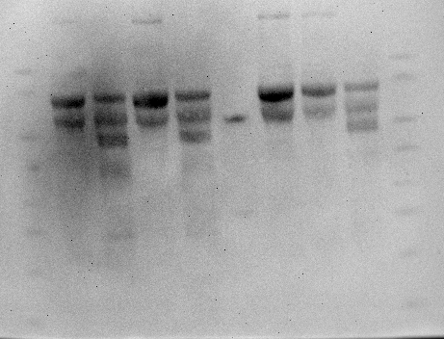

 | This part of the gel was used for Supplementary Figure 4b (left panel).
 | This part of the gel was used for Supplementary Figure 4b (right panel).

