Fig 4
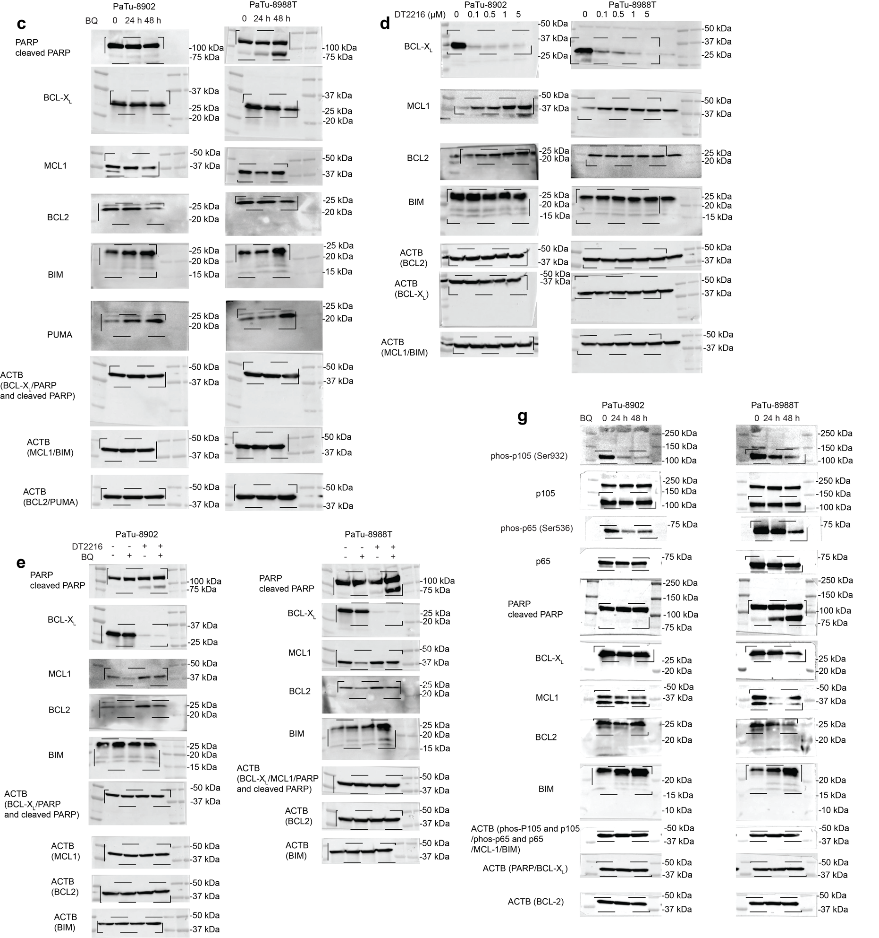
Fig. 4a |  | PaTu-8902 DMSO |  |  |  | PaTu-8902 BQ 5 μM |  |  | PaTu-8988T DMSO |  |  |  | PaTu-8988T BQ 5 μM
 | AlaM | 99.981 | 99.913 | 99.99 | 100 | 99.937 | 99.314 | 99.373 | 99.805 | 99.869 | 99.695 | 99.864 | 99.828 | 99.811 | 99.918 | 99.905
 | DMSO | 0.656 | 0.365 | 0.07 | 0.09 | 11.934 | 1.565 | 0.99 | 0.23 | 0.432 | 0.662 | 0.443 | 17.221 | 18.496 | 5.736 | 5.605
 | BIM 100 μM | 98.673 | 98.437 | 99.306 | 99.174 | 93.037 | 87.11 | 89.831 | 98.486 | 98.481 | 98.798 | 98.641 | 95.094 | 92.159 | 98.716 | 98.735
 | BIM 10 μM | 58.018 | 57.009 | 76.15 | 77.948 | 41.766 | 27.769 | 26.689 | 98.456 | 97.509 | 99.123 | 99.34 | 95.412 | 93.603 | 98.176 | 98.395
 | BIM 1 μM | 1.863 | 1.169 | 0.997 | 1.215 | 11.911 | 1.826 | 0.842 | 97.286 | 96.719 | 98.67 | 99.107 | 94.253 | 91.232 | 92.097 | 92.337
 | BIM 0.1 μM | 0.683 | 0.428 | 0.074 | 0.085 | 10.349 | 1.041 | 1.031 | 8.645 | 8.865 | 11.629 | 10.934 | 42.731 | 44.201 | 14.169 | 13.877
 | BIM 0.01 μM | 0.761 | 0.528 | 0.036 | 0.034 | 8.151 | 1 | 0.621 | 1.325 | 1.392 | 0.986 | 0.725 | 23.078 | 26.54 | 6.944 | 5.932
 | BID 100 μM | 56.268 | 54.426 | 80.544 | 81.55 | 48.226 | 13.864 | 14.935 | 97.959 | 98.577 | 98.815 | 98.824 | 94.729 | 91.987 | 98.438 | 98.525
 | BID 10 μM | 3.117 | 1.901 | 2.194 | 2.291 | 14.103 | 2.388 | 1.454 | 97.655 | 97.74 | 99.135 | 99.337 | 93.542 | 90.909 | 98.166 | 97.802
 | BID 1 μM | 0.732 | 0.283 | 0.114 | 0.121 | 10.067 | 1.542 | 0.701 | 30.966 | 29.481 | 94.524 | 94.85 | 73.528 | 74.714 | 47.39 | 46.842
 | BID 0.1 μM | 0.547 | 0.35 | 0.039 | 0.072 | 9.558 | 1.073 | 1.087 | 0.297 | 0.299 | 2.065 | 2.177 | 19.915 | 21.252 | 5.66 | 5.896
 | BID 0.01 μM | 0.719 | 0.246 | 0.057 | 0.158 | 10.066 | 1.598 | 1.02 | 0.255 | 0.399 | 0.271 | 0.266 | 14.161 | 17.127 | 7.388 | 7.666
 | PUMA 100 μM | 86.279 | 86.025 | 94.029 | 94.698 | 86.004 | 41.837 | 48.165 | 97.853 | 97.406 | 98.72 | 98.963 | 91.945 | 90.97 | 98.288 | 98.381
 | PUMA 10 μM | 7.555 | 5.918 | 25.29 | 25.941 | 21.19 | 10.878 | 11.08 | 55.344 | 58.053 | 95.505 | 95.449 | 76.583 | 78.366 | 91.719 | 91.477
 | PUMA 1 μM | 0.883 | 0.53 | 0.044 | 0.086 | 13.912 | 1.013 | 0.845 | 1.654 | 1.943 | 8.247 | 7.749 | 49.866 | 54.37 | 51.904 | 51.979

Fig. 4b |  | PaTu-8902 DMSO |  |  |  | PaTu-8902 BQ 5 μM |  |  | PaTu-8988T DMSO |  |  |  | PaTu-8988T BQ 5 μM
 | AlaM | 99.981 | 99.913 | 99.99 | 100 | 99.937 | 99.314 | 99.373 | 99.805 | 99.869 | 99.695 | 99.864 | 99.828 | 99.811 | 99.918 | 99.905
 | DMSO | 0.656 | 0.365 | 0.07 | 0.09 | 11.934 | 1.565 | 0.99 | 0.23 | 0.432 | 0.662 | 0.443 | 17.221 | 18.496 | 5.736 | 5.605
 | BAD 100 μM | 46.006 | 43.183 | 47.843 | 50.408 | 81.413 | 71.121 | 74.196 | 5.916 | 7.207 | 18.996 | 17.351 | 65.923 | 63.754 | 77.776 | 77.952
 | BAD 10 μM | 22.977 | 19.311 | 24.237 | 27.569 | 56.666 | 48.007 | 51.075 | 1.693 | 1.746 | 6.763 | 6.517 | 60.231 | 61.069 | 68.54 | 66.11
 | BAD 1 μM | 6.834 | 4.529 | 5.679 | 5.792 | 32.309 | 15.124 | 16.484 | 1.305 | 1.321 | 5.034 | 4.145 | 55.694 | 57.674 | 61.089 | 60.891
 | HRK 100 μM | 2.655 | 2.02 | 5.238 | 5.687 | 14.991 | 3.458 | 3.417 | 34.061 | 35.607 | 95.467 | 95.44 | 88.873 | 89.55 | 85.906 | 85.3
 | HRK 10 μM | 0.926 | 0.451 | 0.109 | 0.27 | 10.408 | 1.123 | 0.577 | 1.25 | 1.588 | 7.917 | 8.089 | 55.287 | 58.848 | 44.685 | 42.855
 | HRK 1 μM | 0.763 | 0.331 | 0.024 | 0.102 | 8.819 | 1.195 | 0.95 | 0.541 | 0.641 | 1.193 | 0.795 | 19.004 | 19.746 | 7.794 | 6.82
 | MS1 30 μM | 0.558 | 0.274 | 0.048 | 0.121 | 7.674 | 1.334 | 1.085 | 29.09 | 29.125 | 62.735 | 62.534 | 83.84 | 81.959 | 44.922 | 45.205
 | MS1 10 μM | 0.67 | 0.226 | 0.118 | 0.047 | 10.023 | 1.094 | 0.559 | 36.761 | 36.99 | 60.895 | 61.221 | 77.207 | 78.176 | 58.368 | 33.319
 | MS1 1 μM | 0.509 | 0.247 | 0.035 | 0.063 | 7.85 | 1.558 | 0.625 | 2.34 | 2.572 | 6.443 | 6.018 | 15.906 | 16.784 | 9.729 | 9.099

Fig. 4f | PaTu-8902 | DMSO |  |  | BQ 5 μM-24h |  |  | P-value
 | BCL2L1 | 0.963 | 1.001 | 1.037 | 0.687 | 0.698 | 0.68 | 0.00014347203658
 | MCL1 | 0.992 | 1.036 | 0.973 | 0.404 | 0.403 | 0.394 | 5.9016816345E-06
 | BCL2 | 0.981 | 0.985 | 1.034 | 0.238 | 0.242 | 0.215 | 2.2359663396E-06
 | BCL2L11 | 0.995 | 1.019 | 0.986 | 1.824 | 1.735 | 1.766 | 9.9637121515E-06

 | PaTu-8988T | DMSO |  |  | BQ 5 μM-24h |  |  | P-value
 | BCL2L1 | 1.003 | 1.005 | 0.992 | 0.41 | 0.42 | 0.42 | 3.9008520935E-08
 | MCL1 | 1.003 | 0.992 | 1.005 | 0.53 | 0.556 | 0.538 | 7.6980276902E-07
 | BCL2 | 0.966 | 0.974 | 1.063 | 0.052 | 0.05 | 0.044 | 6.8443171882E-06
 | BCL2L11 | 0.898 | 1.076 | 1.034 | 7.185 | 7.158 | 7.319 | 1.1537357779E-07

Fig. 4c-e, g | uncropped blots

