Figure 1
Figure 1

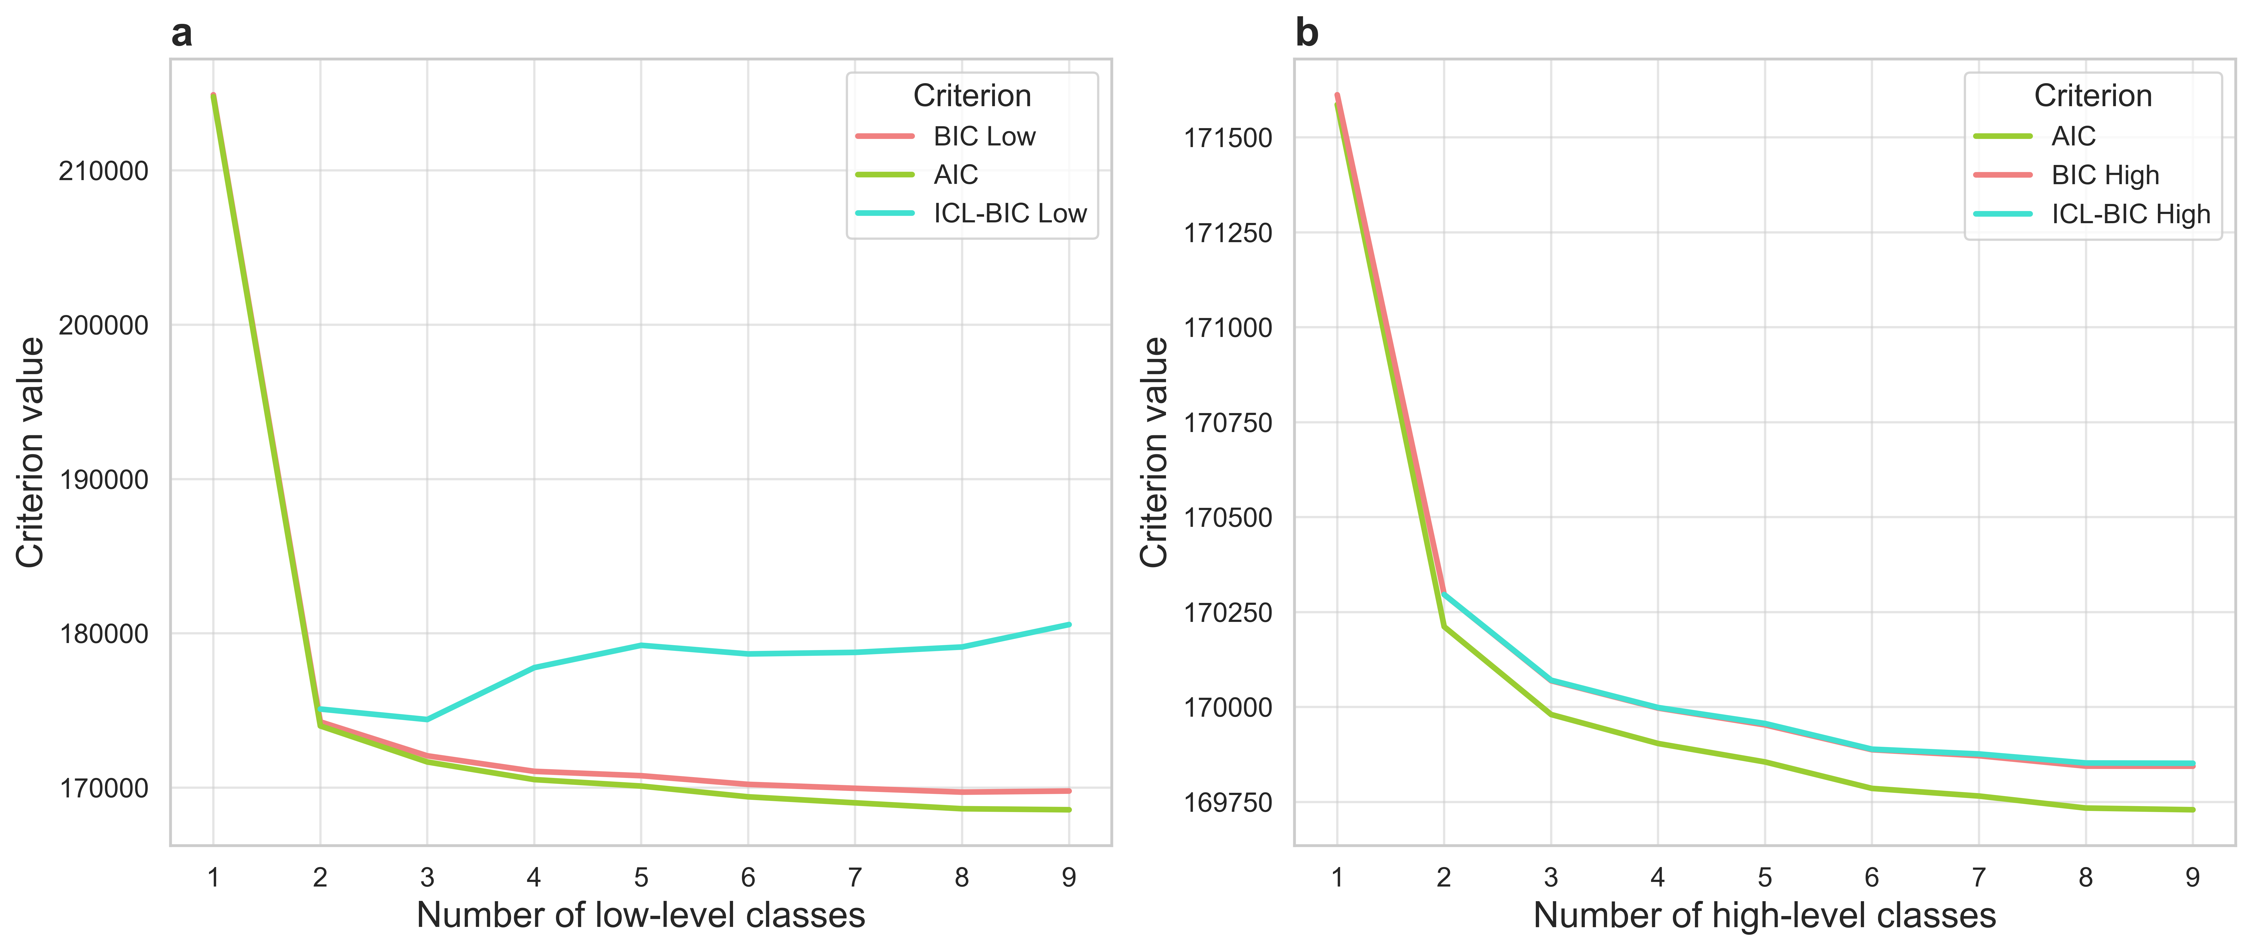
Figure 1a
Number of low-level classes | BIC Low | AIC | ICL-BIC Low
1 | 214902.28 | 214773.79 | -
2 | 174261.45 | 173997.33 | 175091.67
3 | 172062.1 | 171662.34 | 174413.35
4 | 171055.87 | 170520.48 | 177776.43
5 | 170771.43 | 170100.41 | 179223.08
6 | 170210.33 | 169403.68 | 178664.9
7 | 169955.43 | 169013.15 | 178765.54
8 | 169708.73 | 168630.82 | 179115.23
9 | 169779.04 | 168565.49 | 180567.67

Figure 1b
Number of high-level classes | BIC High | AIC | ICL-BIC High
1 | 171612.16 | 171586.34 | -
2 | 170296.19 | 170211.58 | 170296.25
3 | 170069.21 | 169980.3 | 170070.74
4 | 169997.19 | 169903.98 | 169998.7
5 | 169952.91 | 169855.4 | 169956.62
6 | 169887.54 | 169785.73 | 169889.05
7 | 169871.76 | 169765.65 | 169876.43
8 | 169844.41 | 169733.99 | 169852.68
9 | 169844.26 | 169729.54 | 169851.96

Figure 2
Figure 2

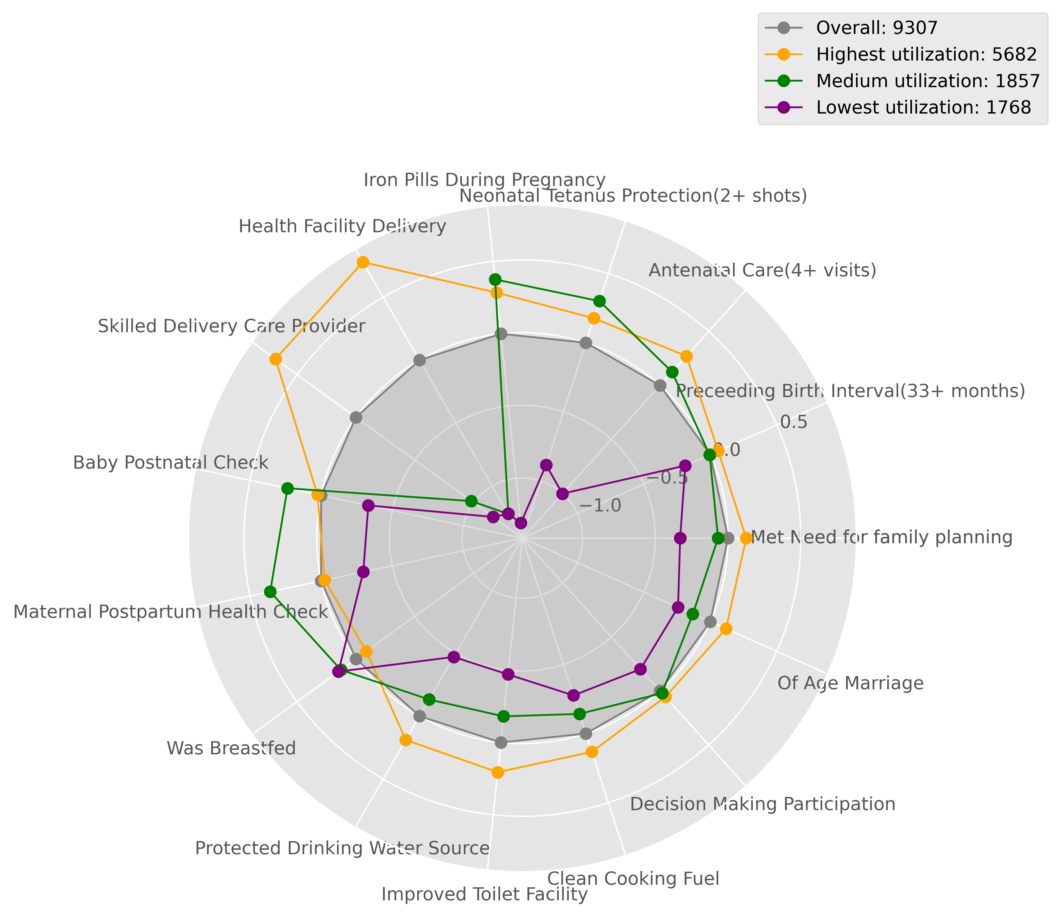
# | Variable | Standardized Mean
 |  | Highest Utilization | Medium Utilization | Lowest Utilization
1 | Clean Fuels for cooking | 0.13241282147 | -0.142279368 | -0.27610682423
2 | Improved sanitation facility | 0.20572465683 | -0.18102776215 | -0.47101750328
3 | Piped water / Protected water source | 0.18930540329 | -0.13166817891 | -0.47009360477
4 | Child spacing (33+ months) | 0.06014161796 | -0.0048029264315 | -0.18823848352
5 | Met Need for family planning | 0.12482590901 | -0.068601870911 | -0.32911037369
6 | Antenatal care (4+ visits) | 0.27119740686 | 0.12444224354 | -1.0022810588
7 | Iron pills during pregnancy | 0.28468456638 | 0.37575800631 | -1.3095929434
8 | Neonatal tetanus protection (2+ shots) | 0.17701010302 | 0.30084368262 | -0.88486319228
9 | Health facility delivery | 0.77887946193 | -1.22188577 | -1.219768794
10 | Skilled provider delivery | 0.68326706843 | -0.98034366125 | -1.1661907827
11 | Postpartum visit for women | -0.024819145143 | 0.35794985168 | -0.29620502934
12 | Postnatal visit for babies | 0.025717070289 | 0.23668466599 | -0.33124876591
13 | Child was breastfed | -0.088116006356 | 0.12809814015 | 0.14864078159
15 | Married at mature age | 0.11832477867 | -0.13110156925 | -0.24257114157
16 | Decision making participation | 0.055266859362 | 0.021956341569 | -0.20067829253

 | Count per group | 5682 | 1857 | 1768

Supplemental Fig1a
Figure 1a - Supplemental material

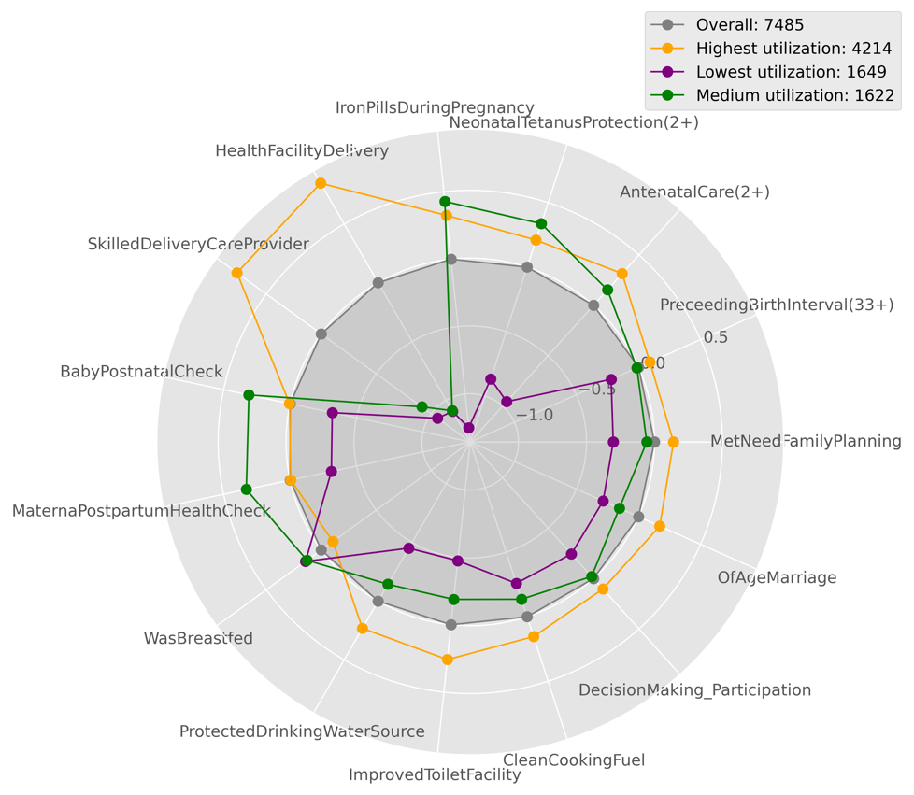
# | Variable | Standardized Mean
 |  | Highest Utilization | Medium Utilization | Lowest Utilization
1 | Clean Fuels for cooking | 0.15364288418 | -0.25901346792 | -0.13584334484
2 | Improved sanitation facility | 0.25806296541 | -0.47445434499 | -0.18810241759
3 | Piped water / Protected water source | 0.23172285499 | -0.45071660998 | -0.1438029723
4 | Child spacing (33+ months) | 0.091459844091 | -0.22069113334 | -0.013250372454
5 | Met Need for family planning | 0.14046682353 | -0.30322395266 | -0.056665164247
6 | Antenatal care (4+ visits) | 0.31471288568 | -0.95542997601 | 0.15370155993
7 | Iron pills during pregnancy | 0.32460205606 | -1.2504577057 | 0.42794802244
8 | Neonatal tetanus protection (2+ shots) | 0.20995295827 | -0.86753144048 | 0.33650898842
9 | Health facility delivery | 0.84781217759 | -1.0951640599 | -1.0892447481
10 | Skilled provider delivery | 0.76631712504 | -1.0578886228 | -0.91541431928
11 | Postpartum visit for women | -0.0052764680159 | -0.31056341416 | 0.32944149579
12 | Postnatal visit for babies | 0.0045403405815 | -0.31692650295 | 0.31040617025
13 | Child was breastfed | -0.1056201429 | 0.14286505581 | 0.12916079231
15 | Married at mature age | 0.17095222365 | -0.28499736004 | -0.15439705535
16 | Decision making participation | 0.10330604341 | -0.24363962432 | -0.020696625412

 | Count per group | 4214 | 1649 | 1622

