Source Data for Fig.7a
HIF-1α
70 kDa

55 kDa
Tubulin

Source Data for Fig.7e
100 kDa
HIF-1α

55 kDa
Tubulin

Source Data for Fig.7h
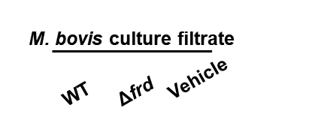

25 kDa
IL-1β
100 kDa
HIF-1α

55 kDa
Tubulin

