Fig.2F
Fig. 2F: Introducing synonymous mutations to GFP cds abolish splicing

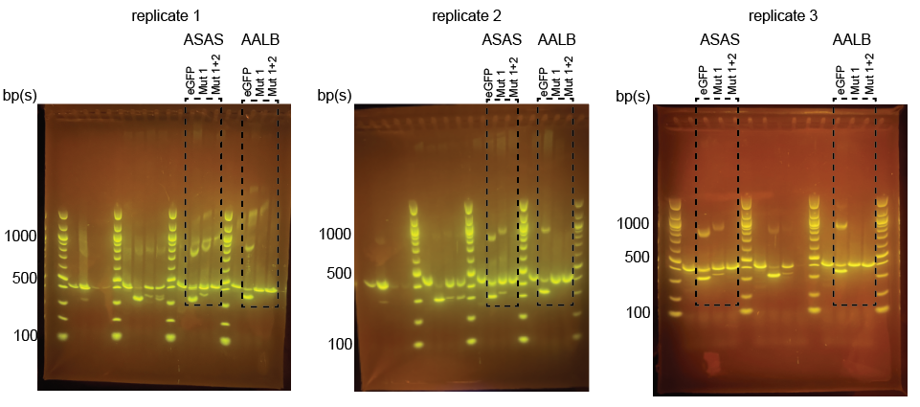

 | Expression data |  |  |  |  | Quantify spliced fraction

 | Reporter | Replicate | Variant | Isoform | Expression (normalized to BBBB) |  | Spliced fraction = Spliced/(Spliced + Full length)
 | ASAS | 1 | eGFP | Full length | 0.684 | Reporter | Variant | Replicate 1 | Replicate 2 | Replicate 3 | AVRG | SD
 | ASAS | 1 | eGFP | Spliced | 1.058 | ASAS | eGFP | 0.61 | 0.48 | 0.49 | 0.53 | 0.07
 | ASAS | 1 | Mut 1 | Full length | 1.019 | ASAS | Mut 1 | 0.18 | 0.16 | 0.15 | 0.16 | 0.02
 | ASAS | 1 | Mut 1 | Spliced | 0.227 | ASAS | Mut 1+2 | 0.00 | 0.00 | 0.00 | 0.00 | 0.00
 | ASAS | 1 | Mut 1+2 | Full length | 0.743 | AALB | eGFP | 0.59 | 0.61 | 0.71 | 0.64 | 0.07
 | ASAS | 1 | Mut 1+2 | Spliced | 0.000 | AALB | Mut 1 | 0.00 | 0.00 | 0.00 | 0.00 | 0.00
 | ASAS | 2 | eGFP | Full length | 0.960 | AALB | Mut 1+2 | 0.00 | 0.00 | 0.00 | 0.00 | 0.00
 | ASAS | 2 | eGFP | Spliced | 0.879
 | ASAS | 2 | Mut 1 | Full length | 1.095
 | ASAS | 2 | Mut 1 | Spliced | 0.206
 | ASAS | 2 | Mut 1+2 | Full length | 1.227
 | ASAS | 2 | Mut 1+2 | Spliced | 0.000
 | ASAS | 3 | eGFP | Full length | 0.815
 | ASAS | 3 | eGFP | Spliced | 0.789
 | ASAS | 3 | Mut 1 | Full length | 0.856
 | ASAS | 3 | Mut 1 | Spliced | 0.153
 | ASAS | 3 | Mut 1+2 | Full length | 0.997
 | ASAS | 3 | Mut 1+2 | Spliced | 0.000
 | AALB | 1 | eGFP | Full length | 0.325
 | AALB | 1 | eGFP | Spliced | 0.460
 | AALB | 1 | Mut 1 | Full length | 0.978
 | AALB | 1 | Mut 1 | Spliced | 0.000
 | AALB | 1 | Mut 1+2 | Full length | 1.275
 | AALB | 1 | Mut 1+2 | Spliced | 0.000
 | AALB | 2 | eGFP | Full length | 0.437
 | AALB | 2 | eGFP | Spliced | 0.683
 | AALB | 2 | Mut 1 | Full length | 0.904
 | AALB | 2 | Mut 1 | Spliced | 0.000
 | AALB | 2 | Mut 1+2 | Full length | 0.840
 | AALB | 2 | Mut 1+2 | Spliced | 0.000
 | AALB | 3 | eGFP | Full length | 0.453
 | AALB | 3 | eGFP | Spliced | 1.132
 | AALB | 3 | Mut 1 | Full length | 1.588
 | AALB | 3 | Mut 1 | Spliced | 0.000
 | AALB | 3 | Mut 1+2 | Full length | 1.712
 | AALB | 3 | Mut 1+2 | Spliced | 0.000

Fig.5I,S8
Fig. 5I, S8: Single reporter validation for spliceAI prediction

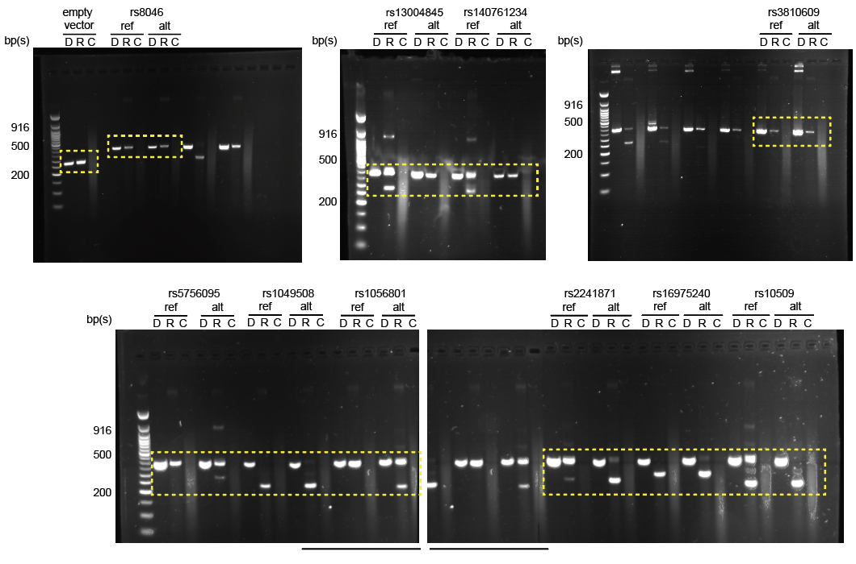
 |  | Expression quantification (ImageJ)
D = DNA plasmid |  | Reporter | Allele | Full Length | Spliced | Spliced fraction (%)
R = RNA |  | Empty Vector |  | 98.1 | 0.0 | 0.00%
C = no RT control |  | rs8046 | ref | 49.7 | 0.0 | 0.00%
 |  | rs8046 | alt | 35.6 | 0.0 | 0.00%
 |  | rs13004845 | ref | 182.9 | 131.5 | 41.82%
 |  | rs13004845 | alt | 142.9 | 0.0 | 0.00%
 |  | rs140761234 | ref | 150.0 | 116.6 | 43.73%
 |  | rs140761234 | alt | 84.6 | 0.0 | 0.00%
 |  | rs3810609 | ref | 67.2 | 0.0 | 0.00%
 |  | rs3810609 | alt | 86.6 | 0.0 | 0.00%
 |  | rs5756095 | ref | 140.3 | 0.0 | 0.00%
 |  | rs5756095 | alt | 119.6 | 57.6 | 32.51%
 |  | rs1049508 | ref | 0.0 | 93.8 | 100.00%
 |  | rs1049508 | alt | 7.8 | 93.6 | 92.30%
 |  | rs1056801 | ref | 177.6 | 0.0 | 0.00%
 |  | rs1056801 | alt | 160.8 | 115.0 | 41.70%
 |  | rs2241871 | ref | 170.7 | 54.6 | 24.24%
 |  | rs2241871 | alt | 59.0 | 141.4 | 70.55%
 |  | rs16975240 | ref | 0.0 | 127.7 | 100.00%
 |  | rs16975240 | alt | 6.9 | 111.0 | 94.15%
 |  | rs10509 | ref | 182.4 | 190.6 | 51.10%
 |  | rs10509 | alt | 0.0 | 196.0 | 100.00%

 | * Note that bottom two gel images derive from the same gel. We took 2 images because of the size of the gel. The region shared between the two images is underlined

Fig. S2A
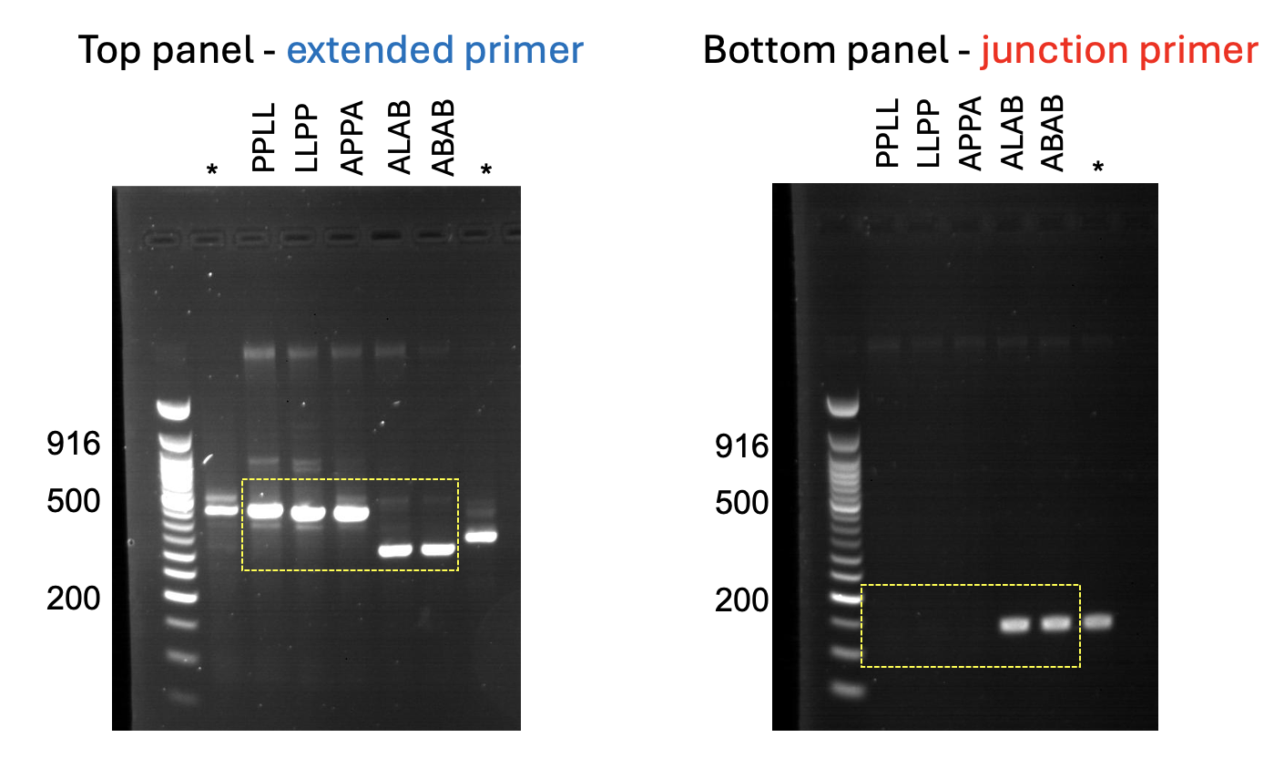
Fig. S2A: RT-PCR validation for splicing measurements using single reporteers
* we excluded these samples

