Figure3F
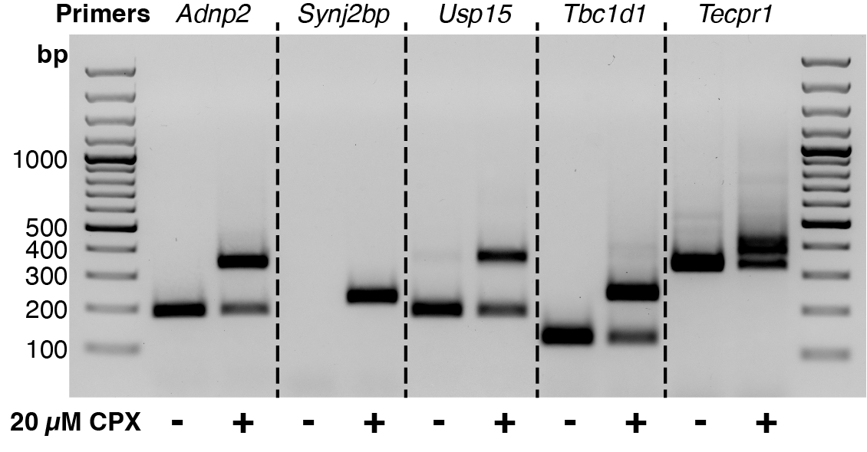
Figure 3F. RT-PCR of mouse spleen samples with and without CPX treatment

Figure3G
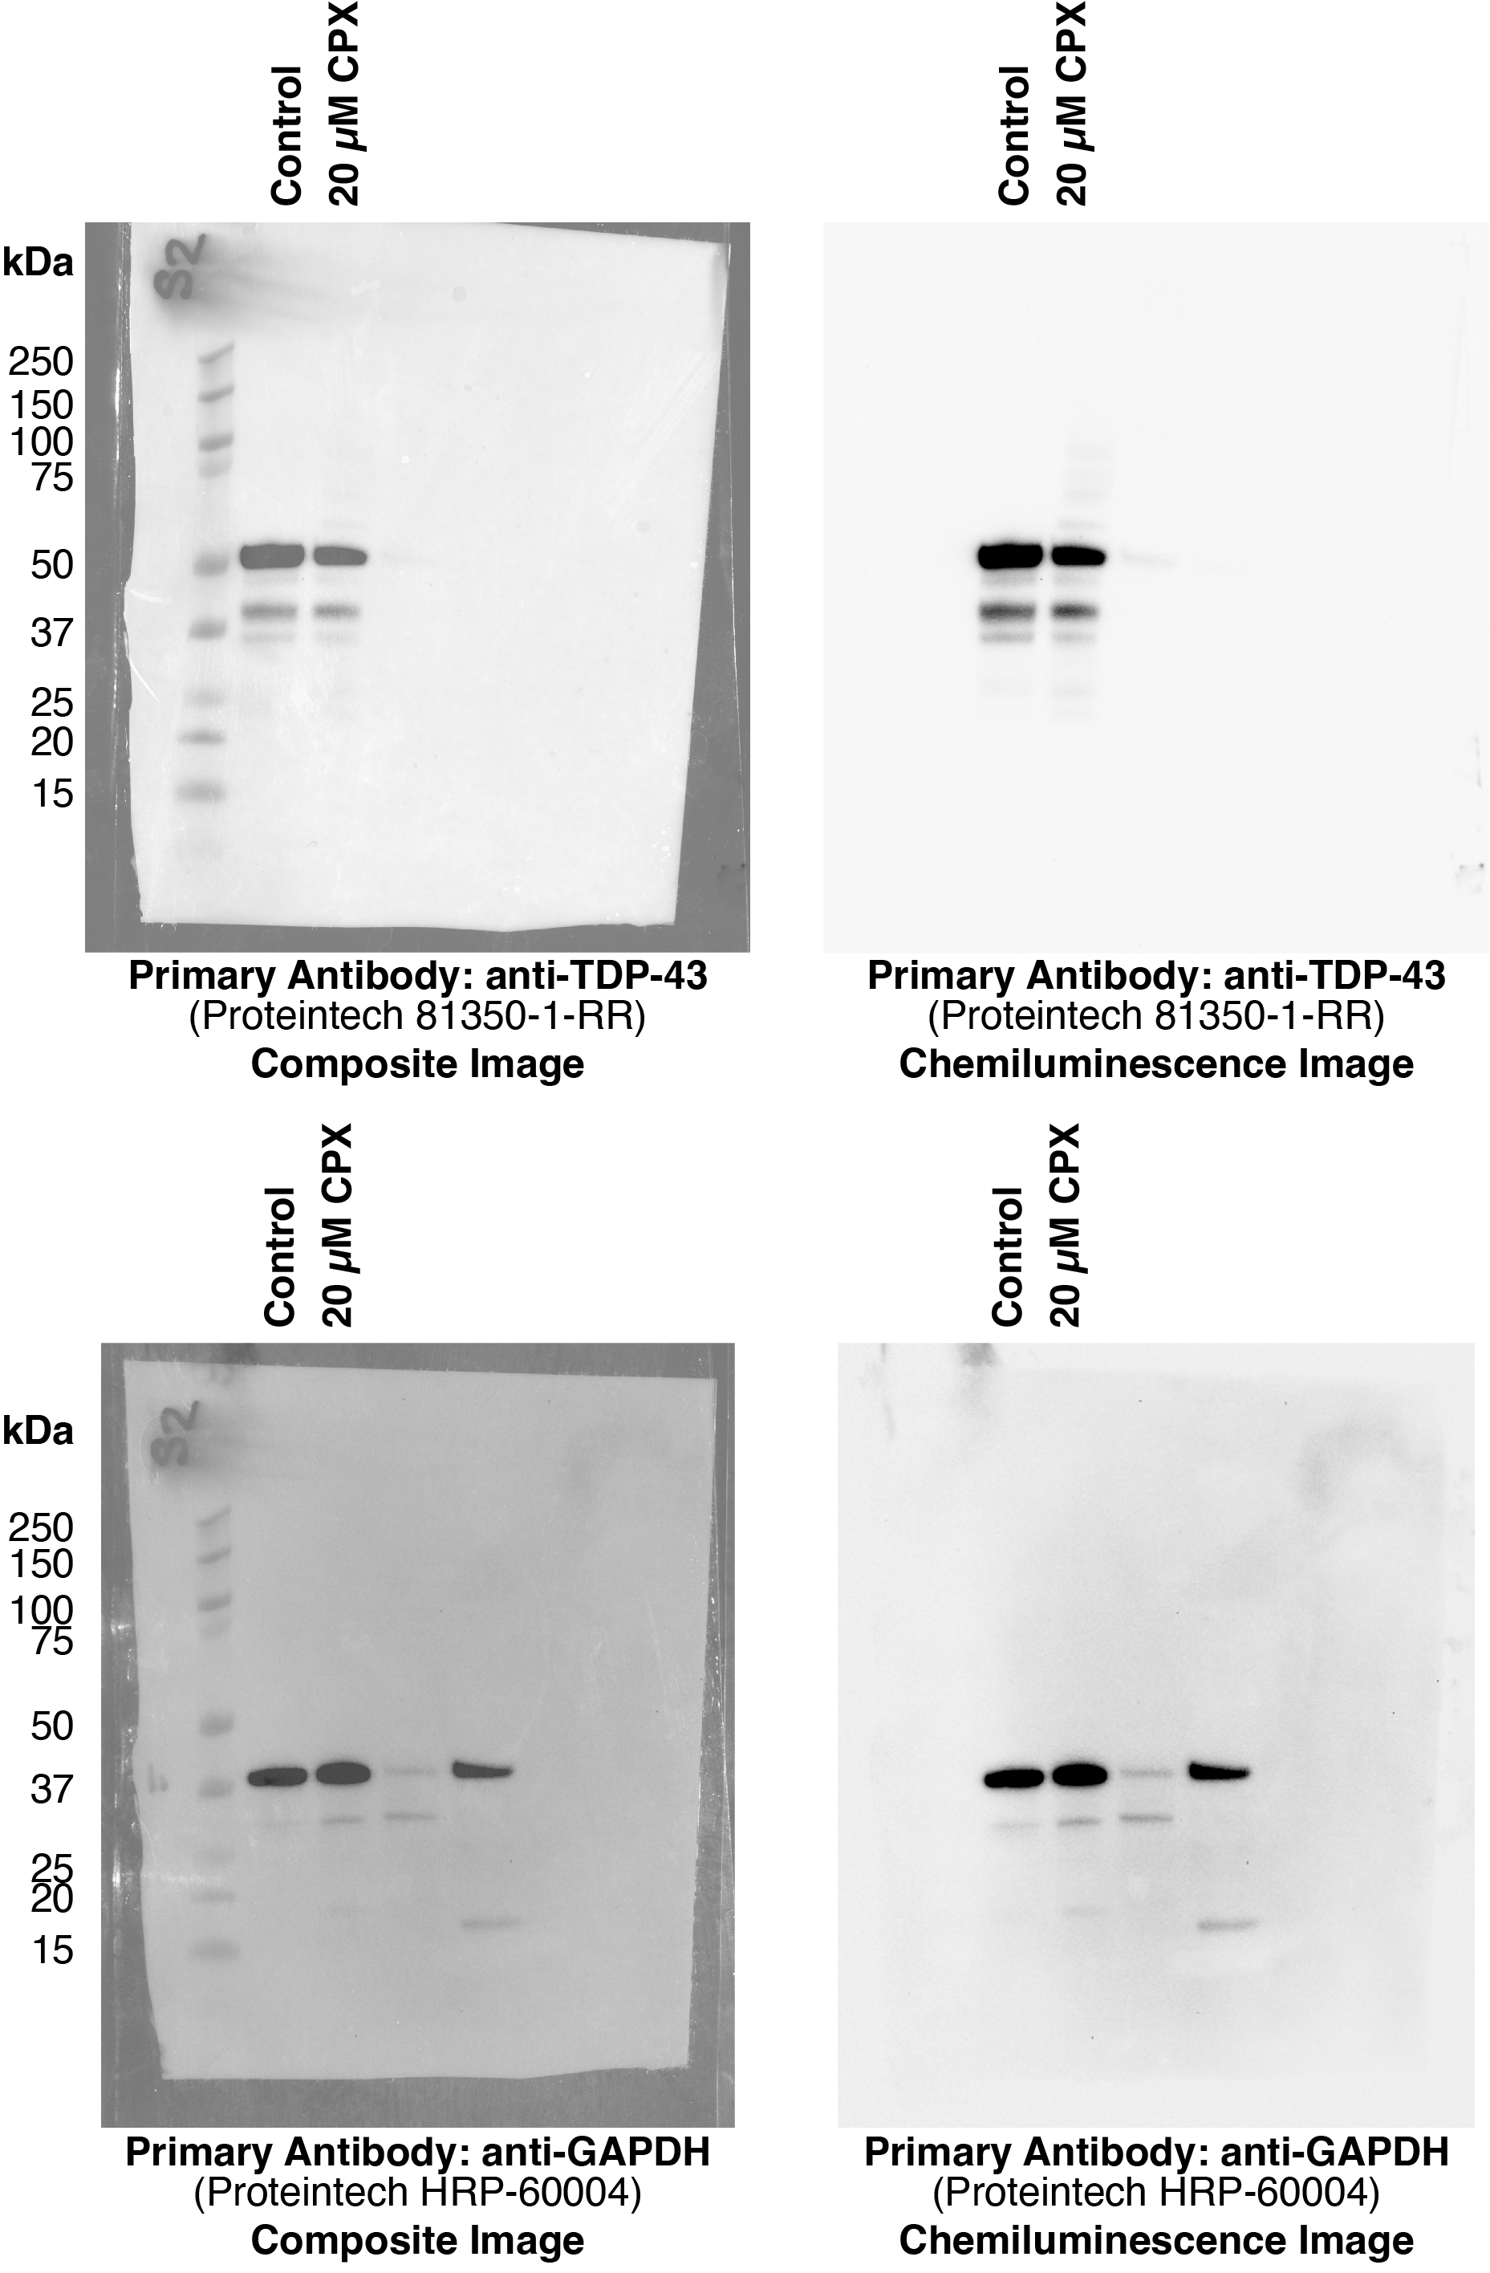
Figure 3G. Immunoblot TDP-43 measurements of mouse spleen samples with and without CPX treatment
 |  |  | WT | CPX | Background | NET WT | NET CPX | Ratio WT | Ratio CPX
 | spleen | TDP43 | 106.202 | 152.553 | 245.357 | 139.155 | 92.804 | 1.3368976251 | 0.77800878576
 | spleen | GAPDH | 117.4 | 102.204 | 221.488 | 104.088 | 119.284

 |  | Sample | Ctrl | CPX
 |  | WT | 1.3368976251 | 0.77800878576

Figure4A-C
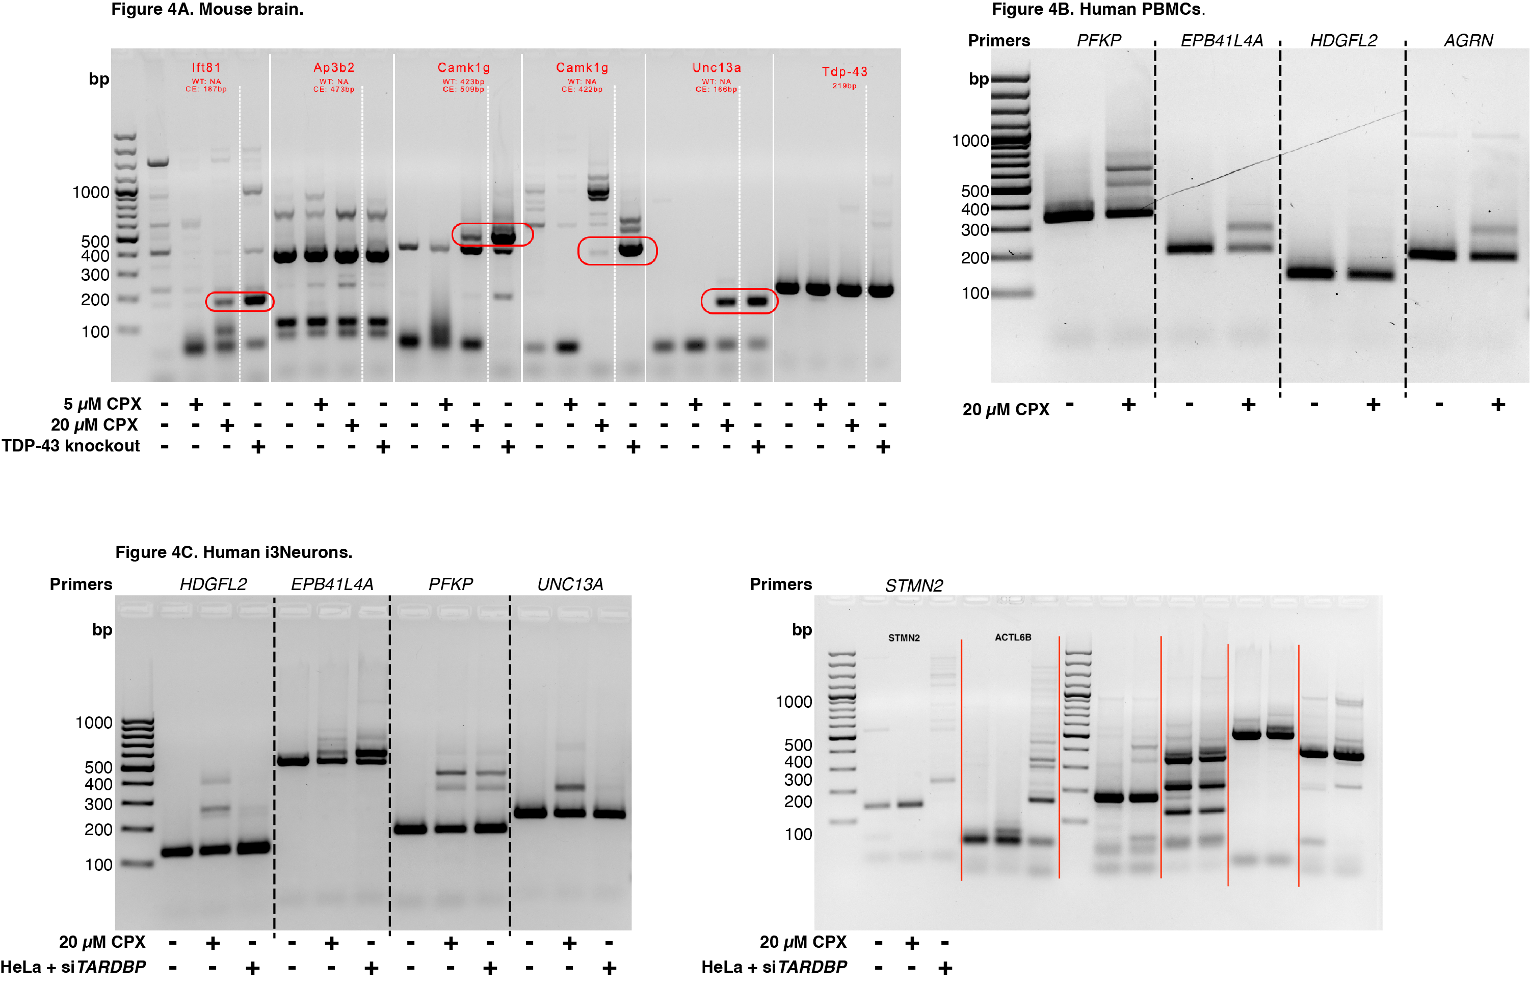
Figure 4A-C. RT-PCR of mouse brain, human PBMCs, human i3N samples with and without CPX treatment

Figure4D-F
Figure 4D-F. Immunoblot of mouse brain, human PBMCs, human i3N samples with and without CPX treatment
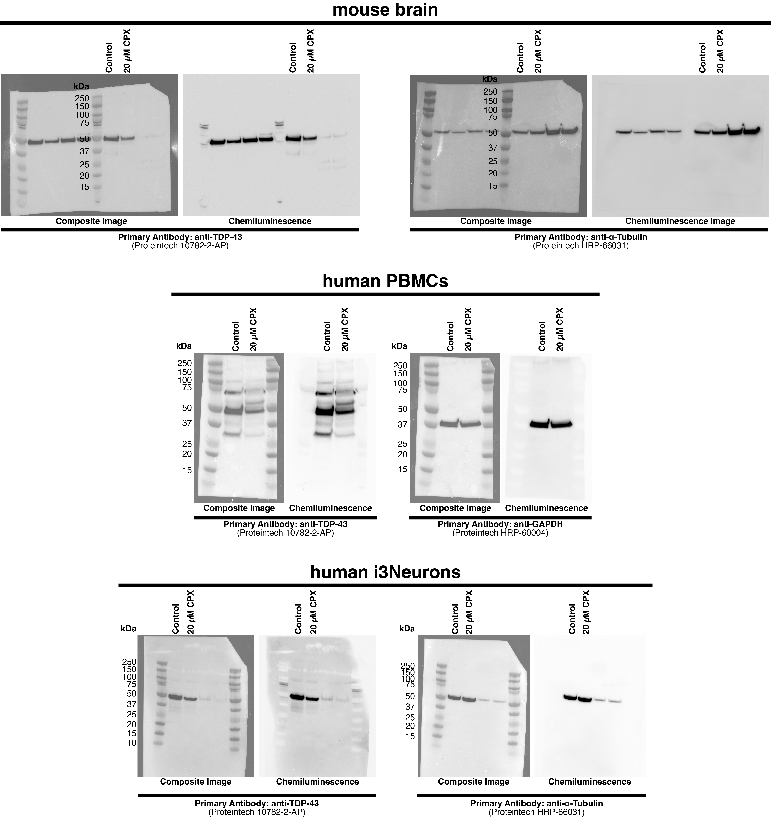
 |  |  | WT | CPX | Background | NET WT | NET CPX | Ratio WT | Ratio CPX
 | mouseBrain | TDP43 | 126.411 | 164.065 | 215.222 | 88.811 | 51.157 | 1.0311 | 0.4937
 | mouseBrain | GAPDH | 116.474 | 98.991 | 202.606 | 86.132 | 103.615
 | hPBMC | TDP43 | 89.522 | 125.175 | 170.892 | 81.37 | 45.717 | 0.9923 | 0.5940
 | hPBMC | GAPDH | 154.301 | 159.338 | 236.3 | 81.999 | 76.962
 | i3N | TDP43 | 130.285 | 164.869 | 214.468 | 84.183 | 49.599 | 1.1541 | 0.6417
 | i3N | GAPDH | 172.208 | 167.86 | 245.149 | 72.941 | 77.289

 |  | Tissue | WT | CPO
 |  | mouseBrain | 1.0311 | 0.49372195145
 |  | hPBMC | 0.99232917475 | 0.59402042566
 |  | i3N | 1.1541245664 | 0.64173427008

Figure4G
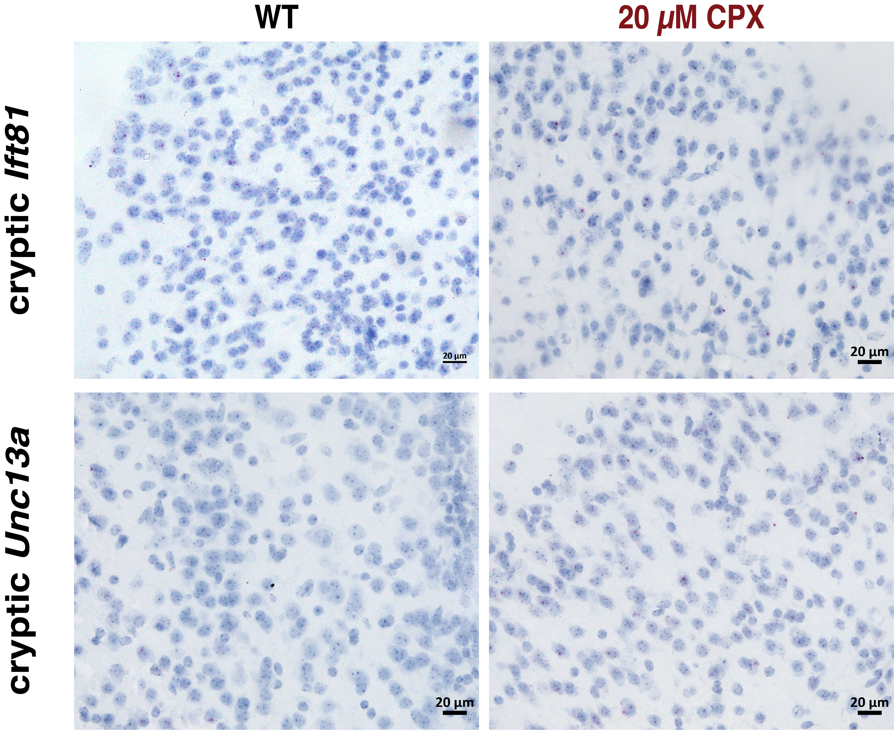
Figure 4G. Basescope measurement of cryptic exons - uncropped

Figure4H-I
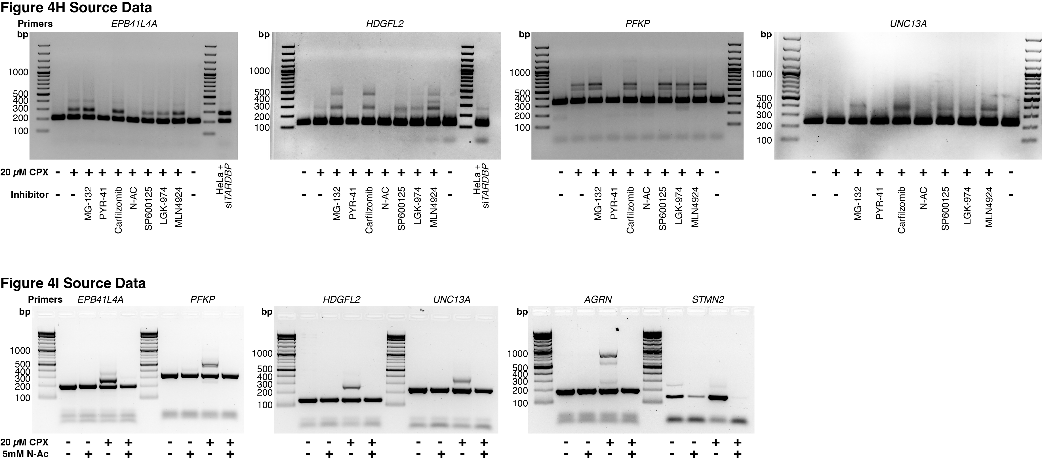
Figure 4H-I. RT-PCR of i3N samples with and without CPX treatment and with and without small molecule inhibitors

Supplementary Figure 3A-E
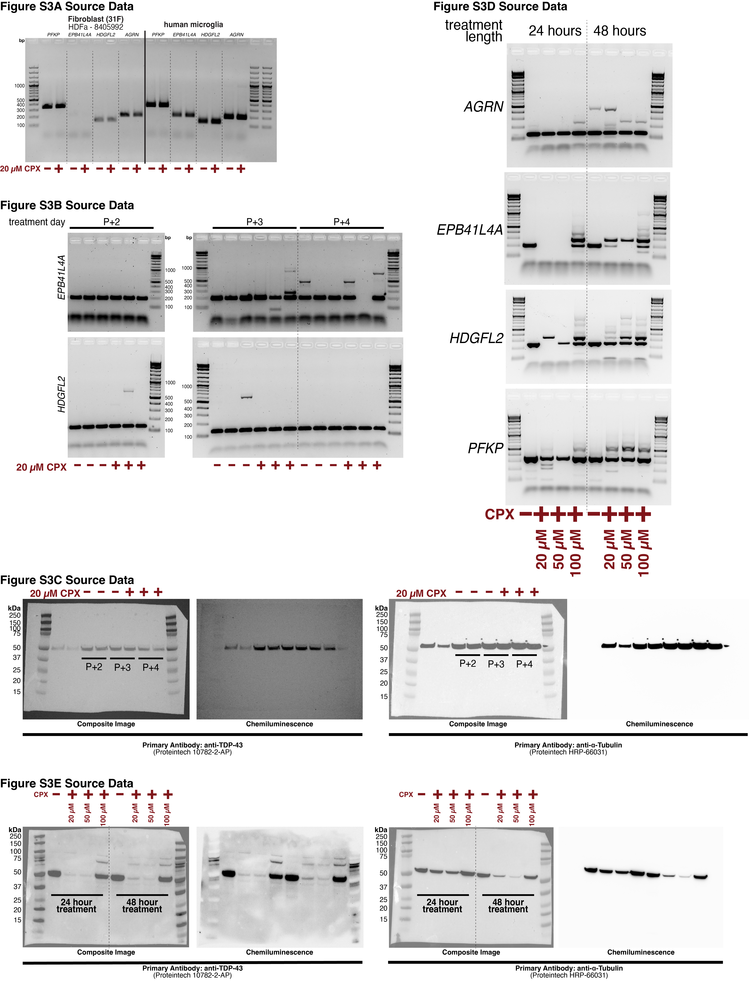
Supplementary Figure 3A-D. RT-PCR + Immunoblot of fibroblast samples with and without CPX treatment (varied times and concentrations)

Supplementary Figure 3F-K
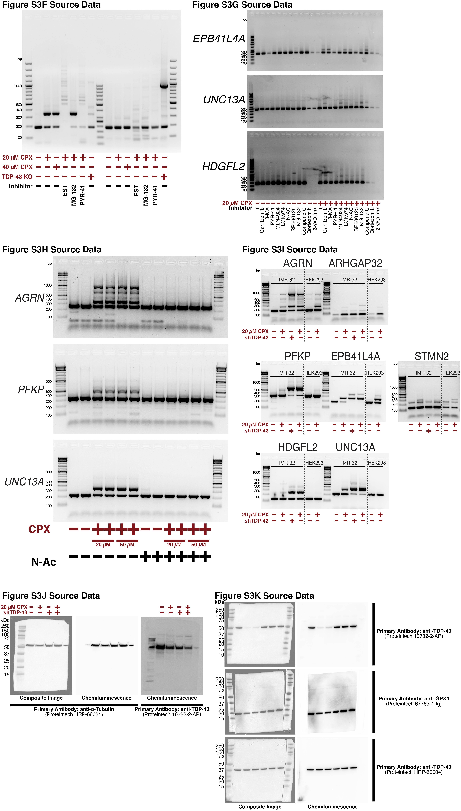
Supplementary Figure 3A-D. RT-PCR + Immunoblot of IMR32 samples with and without CPX treatment (varied times and concentrations)

Supplementary Figure 5
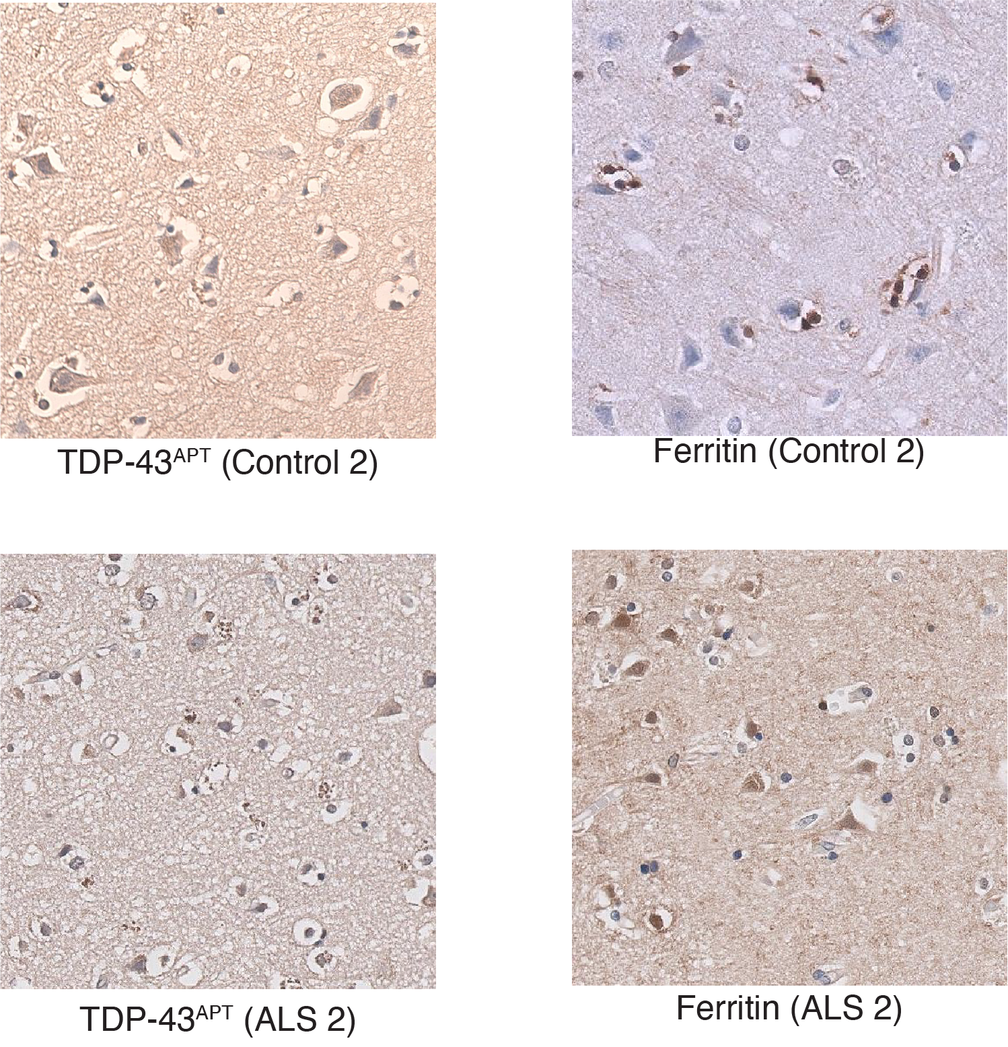
Supplementary Figure 5B-E. Control and ALS samples

