Fig 1b
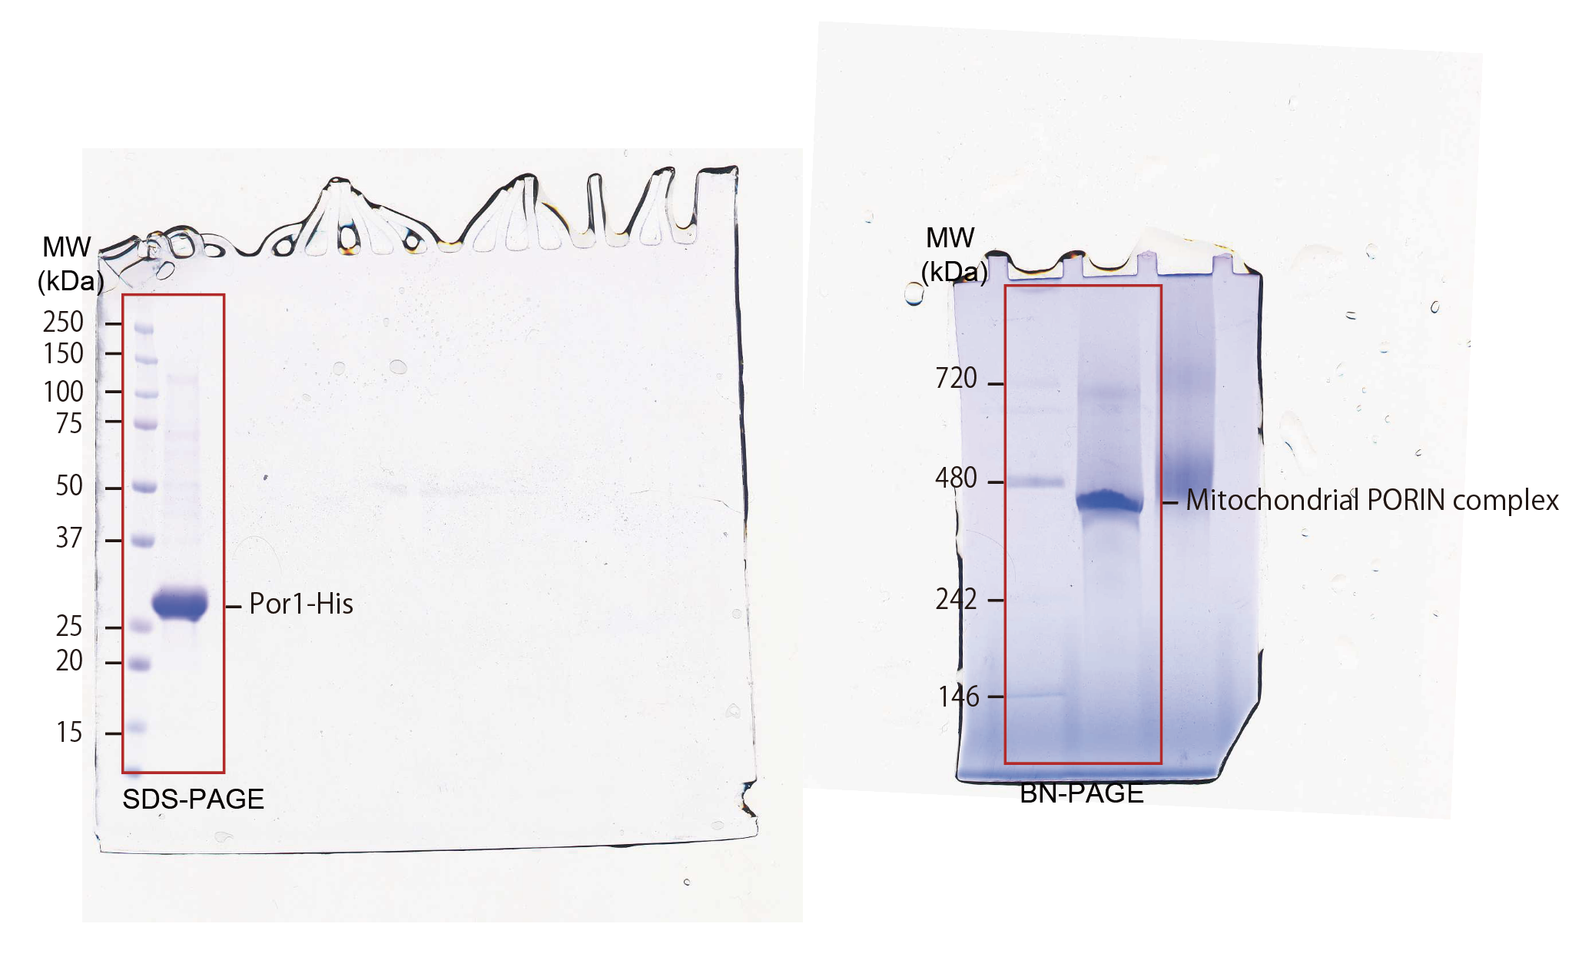

Fig 1e
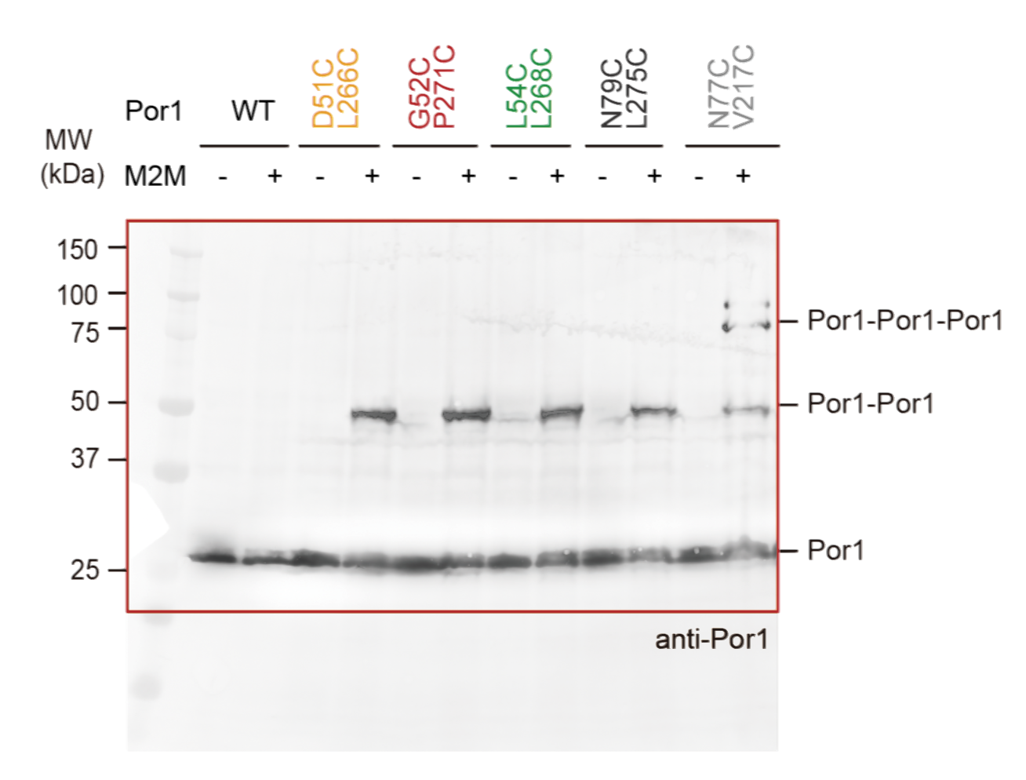

Fig 2a
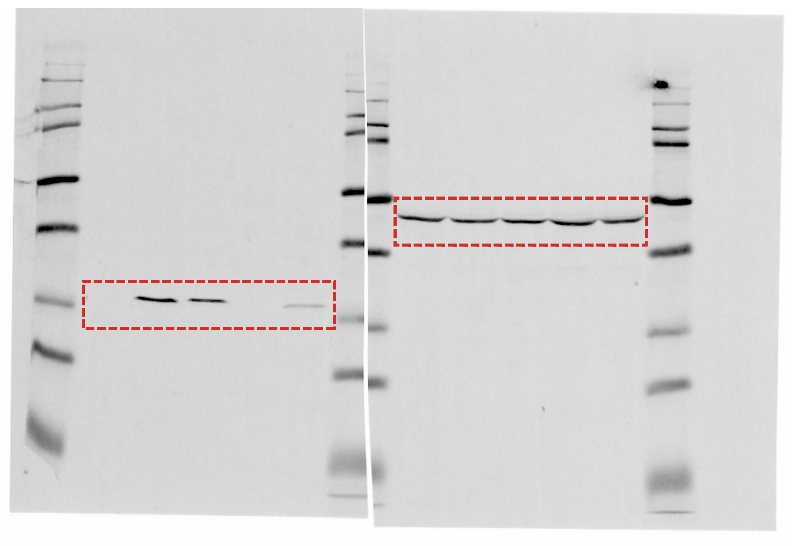

Fig 2b
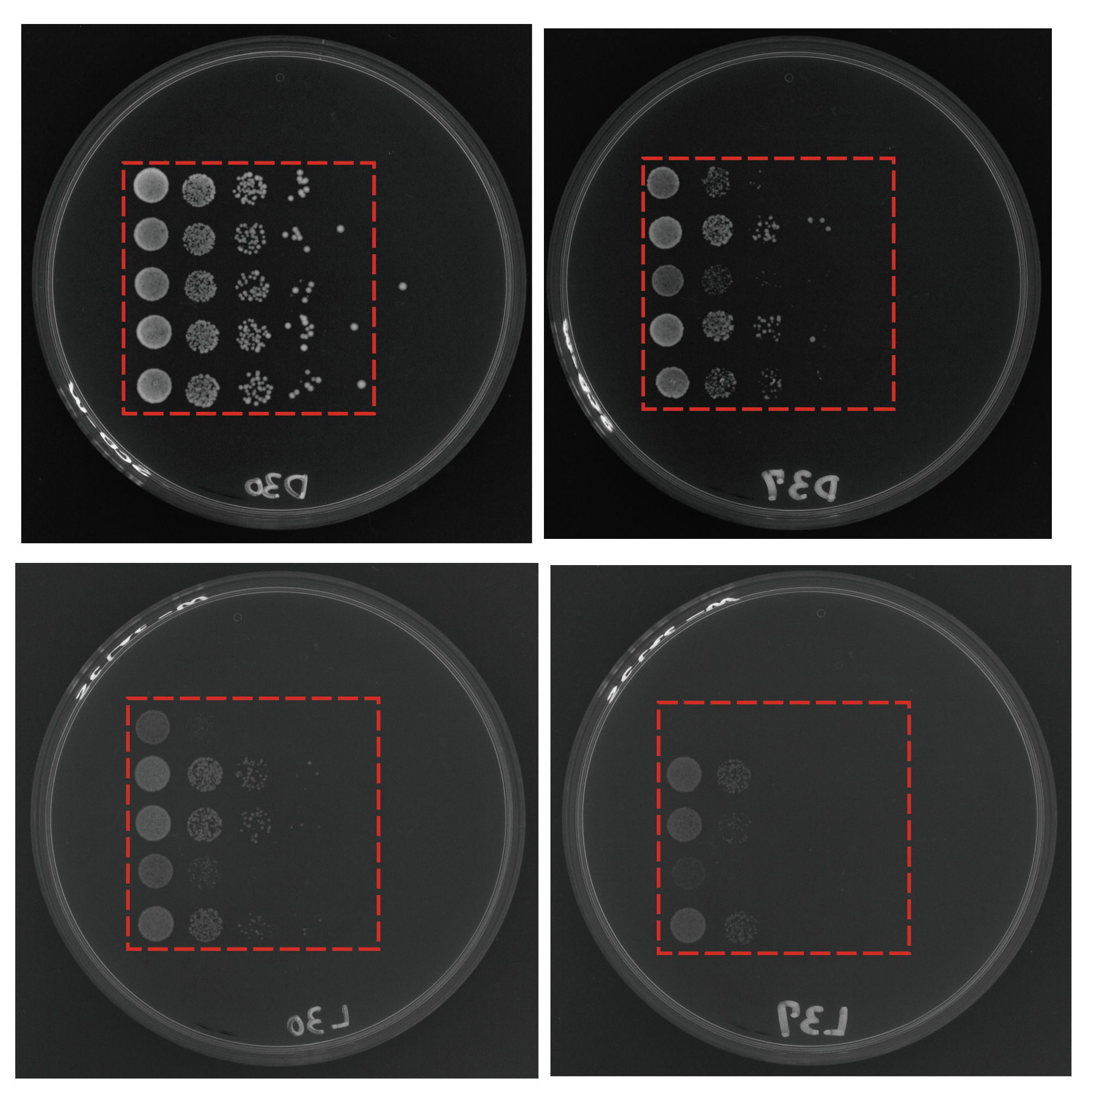

Fig 2c
Absorbance | Min
 | 0.1 | 1 | 2 | 4 | 6 | 8
Por1Δ+WT | 0.89 | 0.63 | 0.27 | 0.13 | 0.083 | 0.16
 | 0.83 | 0.62 | 0.31 | 0.12 | 0.1 | 0.07
 | 0.88 | 0.72 | 0.25 | 0.09 | 0.092 | 0.08
adv | 0.86666666667 | 0.65666666667 | 0.27666666667 | 0.11333333333 | 0.091666666667 | 0.10333333333
STDEV | 0.026246692913 | 0.044969125211 | 0.024944382578 | 0.016996731712 | 0.0069442222187 | 0.040276819912

Por1Δ+Vector | 0.91 | 0.81 | 0.73 | 0.73 | 0.69 | 0.64
 | 0.87 | 0.79 | 0.77 | 0.72 | 0.73 | 0.7
 | 0.88 | 0.83 | 0.8 | 0.77 | 0.66 | 0.69
av | 0.88666666667 | 0.81 | 0.76666666667 | 0.74 | 0.69333333333 | 0.67666666667
st | 0.016996731712 | 0.016329931619 | 0.028674417557 | 0.021602468995 | 0.028674417557 | 0.026246692913

Por1Δ+D228K/R252E | 0.86 | 0.63 | 0.32 | 0.15 | 0.1 | 0.13
 | 0.91 | 0.6 | 0.26 | 0.12 | 0.13 | 0.12
 | 0.9 | 0.63 | 0.28 | 0.17 | 0.16 | 0.07
av | 0.89 | 0.62 | 0.28666666667 | 0.14666666667 | 0.13 | 0.10666666667
st | 0.021602468995 | 0.014142135624 | 0.024944382578 | 0.020548046677 | 0.024494897428 | 0.026246692913

Por1Δ+K19E/K61E | 0.84 | 0.8 | 0.69 | 0.67 | 0.59 | 0.42
 | 0.83 | 0.76 | 0.72 | 0.62 | 0.57 | 0.47
 | 0.79 | 0.74 | 0.73 | 0.62 | 0.5 | 0.42
av | 0.82 | 0.76666666667 | 0.71333333333 | 0.63666666667 | 0.55333333333 | 0.43666666667
st | 0.021602468995 | 0.024944382578 | 0.016996731712 | 0.02357022604 | 0.038586123009 | 0.02357022604

Por1Δ+T33A/D228A/Q249A | 0.91 | 0.62 | 0.4 | 0.19 | 0.12 | 0.1
 | 0.84 | 0.73 | 0.41 | 0.1 | 0.1 | 0.08
 | 0.88 | 0.71 | 0.38 | 0.15 | 0.11 | 0.07
av | 0.87666666667 | 0.68666666667 | 0.39666666667 | 0.14666666667 | 0.11 | 0.083333333333
st | 0.028674417557 | 0.047842333648 | 0.012472191289 | 0.036817870057 | 0.0081649658093 | 0.012472191289

 | Min | Por1Δ+WT
 | 0.1 | 0.86666666667 | 0.044969125211
 | 1 | 0.65666666667 | 0.024944382578
 | 2 | 0.27666666667 | 0.016996731712
 | 4 | 0.11333333333 | 0.0069442222187
 | 6 | 0.091666666667 | 0.040276819912
 | 8 | 0.10333333333 | 0.050249503942

 | Min | Por1Δ+Vector
 | 0.1 | 0.88666666667 | 0.016996731712
 | 1 | 0.81 | 0.016329931619
 | 2 | 0.76666666667 | 0.028674417557
 | 4 | 0.74 | 0.021602468995
 | 6 | 0.69333333333 | 0.028674417557
 | 8 | 0.67666666667 | 0.026246692913

 | Min | Por1Δ+D228K/R252E
 | 0.1 | 0.89 | 0.021602468995
 | 1 | 0.62 | 0.014142135624
 | 2 | 0.28666666667 | 0.024944382578
 | 4 | 0.14666666667 | 0.020548046677
 | 6 | 0.13 | 0.024494897428
 | 8 | 0.10666666667 | 0.026246692913

 | Min | Por1Δ+K19E/K61E
 | 0.1 | 0.82 | 0.021602468995
 | 1 | 0.76666666667 | 0.024944382578
 | 2 | 0.71333333333 | 0.016996731712
 | 4 | 0.63666666667 | 0.02357022604
 | 6 | 0.55333333333 | 0.038586123009
 | 8 | 0.48666666667 | 0.03357022604

 | Min | Por1Δ+T33A/D228A/Q249A
 | 0.1 | 0.87666666667 | 0.028674417557
 | 1 | 0.68666666667 | 0.047842333648
 | 2 | 0.39666666667 | 0.012472191289
 | 4 | 0.14666666667 | 0.036817870057
 | 6 | 0.11 | 0.0081649658093
 | 8 | 0.083333333333 | 0.012472191289

Fig 2d
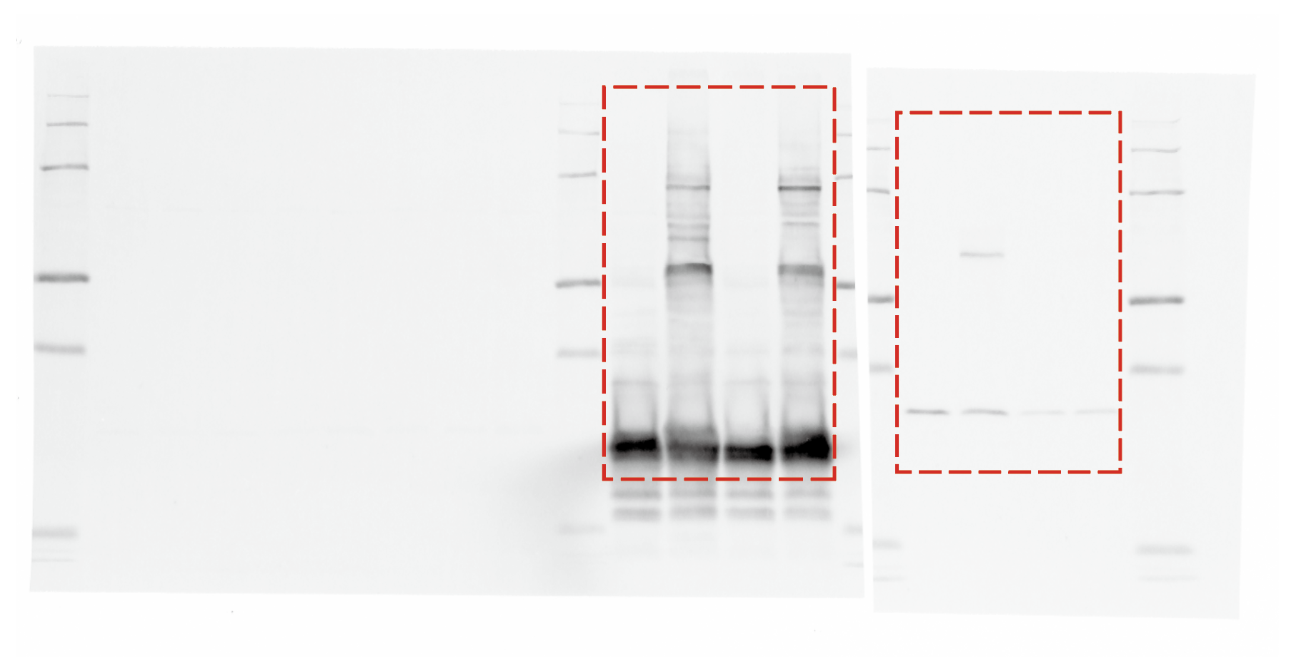

Fig 2e
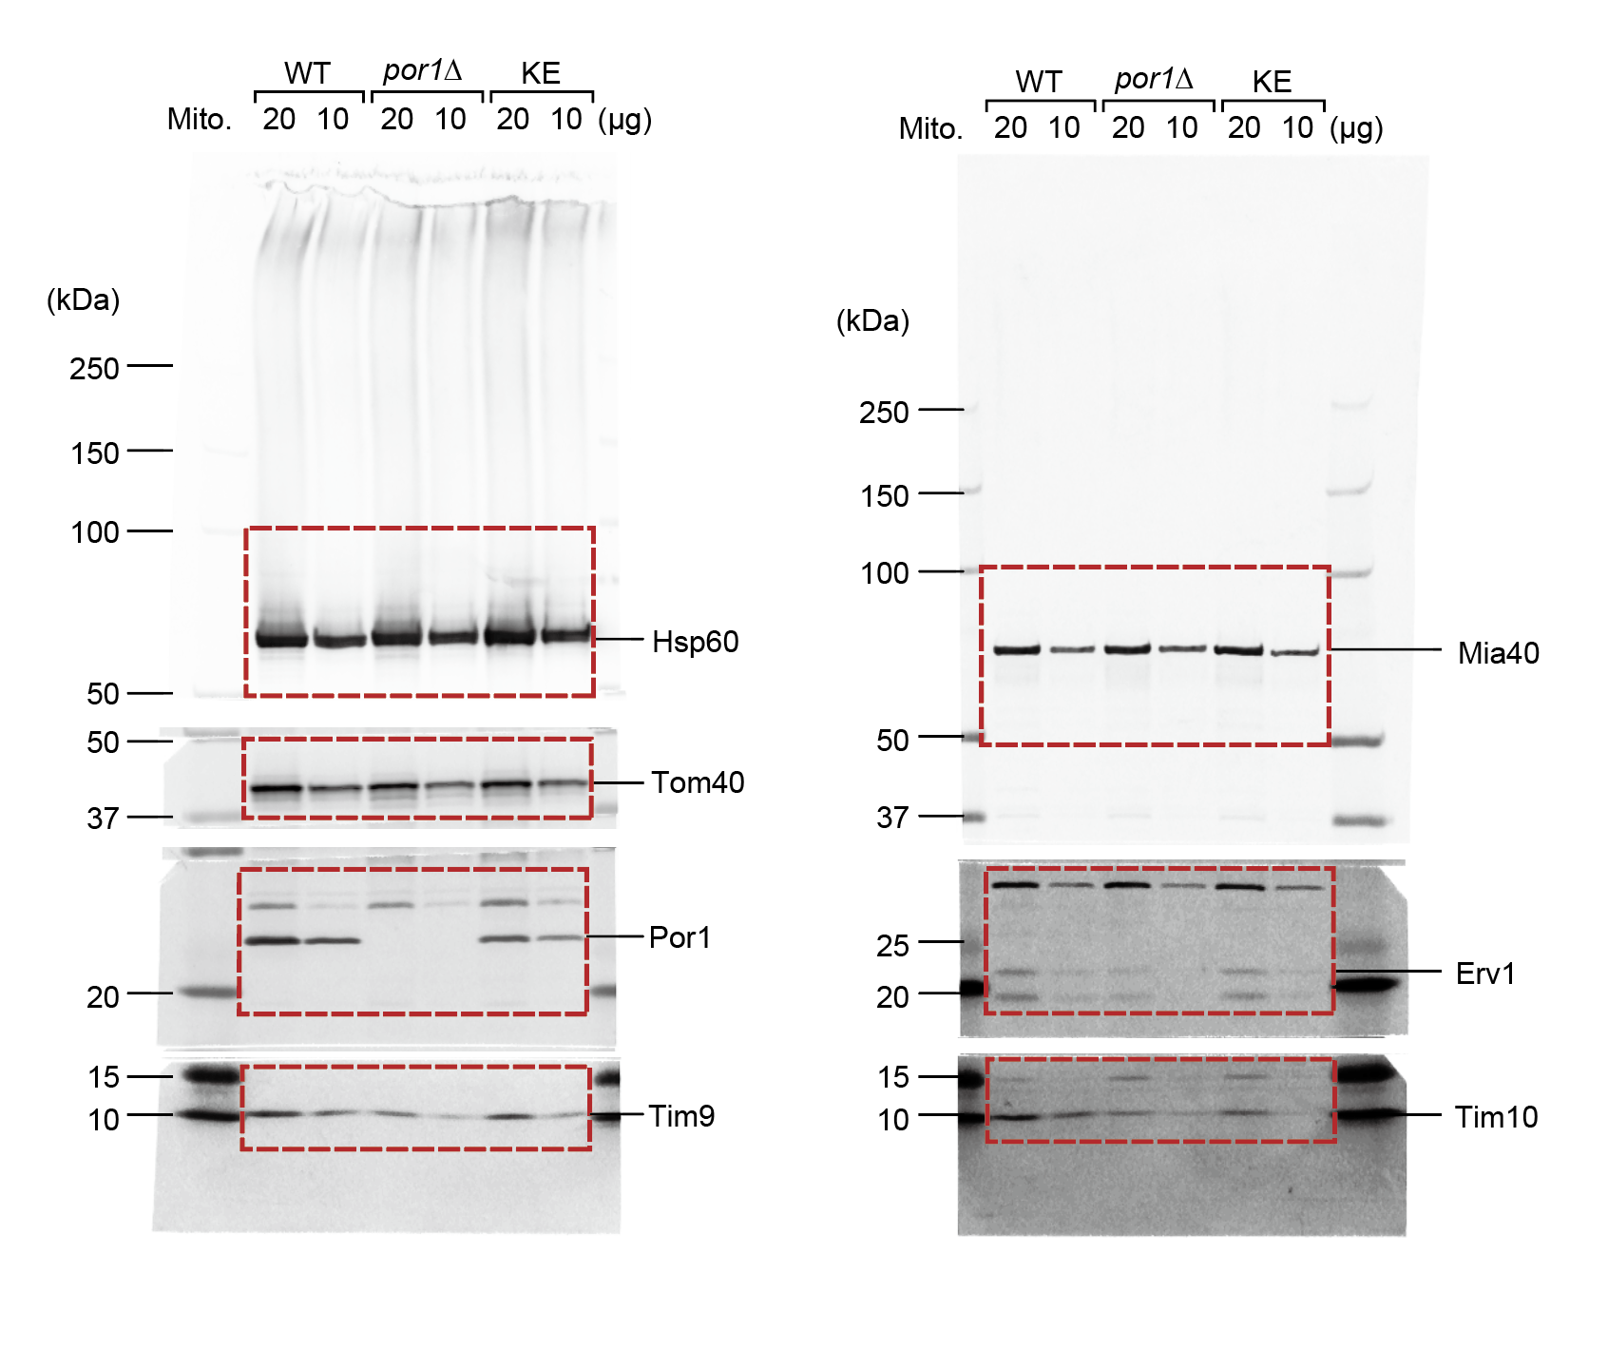

Fig 2f
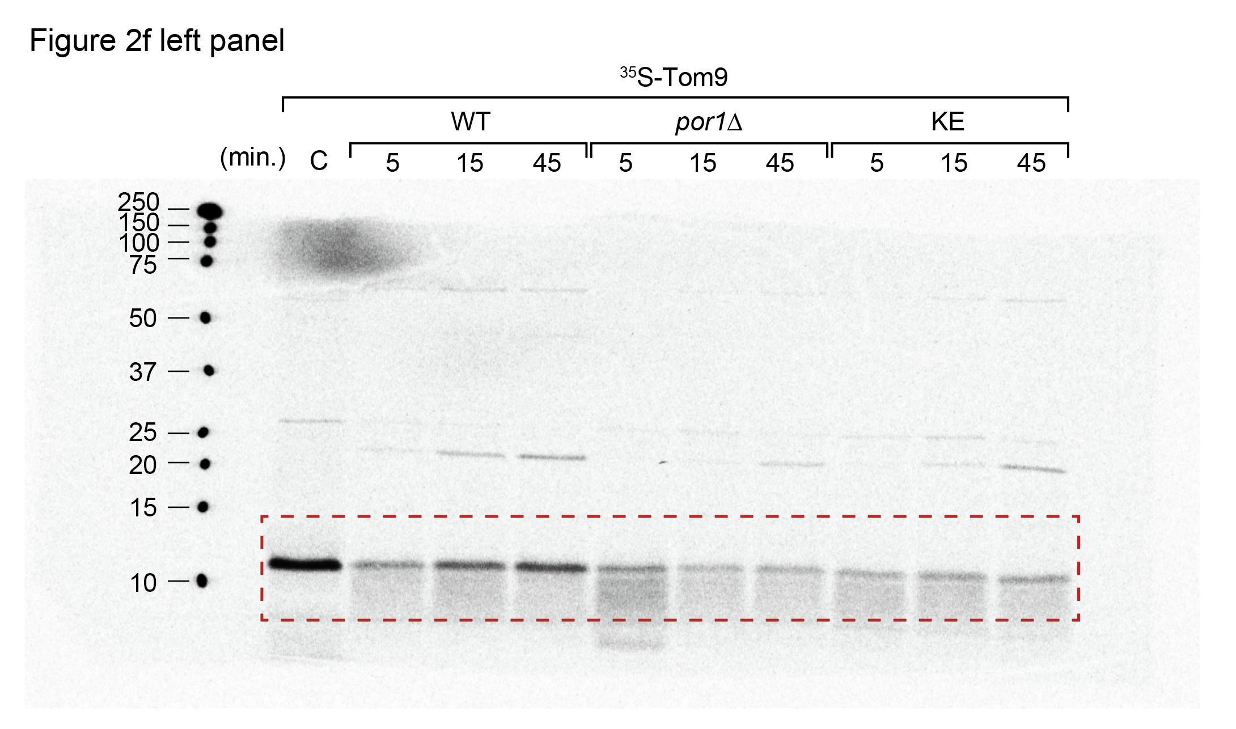
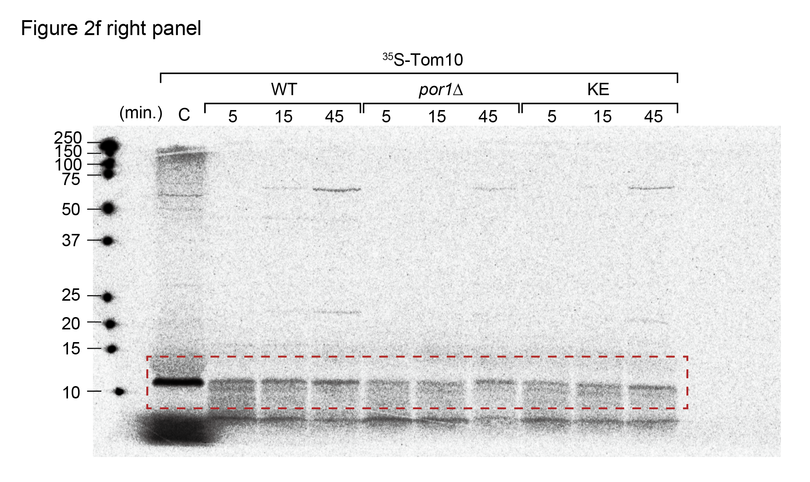
Figure 2f

Formed Tim9 in wild-type, por1∆, KE mutant mitochondria - unprocessed values autoradiography:

 | Experiment: | 1 |  |  | 2 |  |  | 3
 | Time (min.) | Area | Mean | Mean-Background | Area | Mean | Mean-Background | Area | Mean | Mean-Background
WT | 5 | 0.024 | 638.963 | 506.799 | 0.033 | 856.248 | 733.814 | 0.031 | 603.117 | 469.26
 | 15 | 0.024 | 1010.235 | 878.071 | 0.033 | 704.347 | 581.913 | 0.031 | 771.009 | 637.152
 | 45 | 0.024 | 1229.471 | 1097.307 | 0.033 | 788.039 | 665.605 | 0.031 | 830.651 | 696.794
por1∆ | 5 | 0.024 | 670.598 | 538.434 | 0.033 | 589.034 | 466.6 | 0.031 | 329.942 | 196.085
 | 15 | 0.024 | 426.393 | 294.229 | 0.033 | 381.453 | 259.019 | 0.031 | 187.479 | 53.622
 | 45 | 0.024 | 455.038 | 322.874 | 0.033 | 322.9 | 200.466 | 0.031 | 314.184 | 180.327
KE | 5 | 0.024 | 459.794 | 327.63 | 0.033 | 310.592 | 188.158 | 0.031 | 274.92 | 141.063
 | 15 | 0.024 | 513.739 | 381.575 | 0.033 | 453.942 | 331.508 | 0.031 | 386.738 | 252.881
 | 45 | 0.024 | 521.289 | 389.125 | 0.033 | 413.82 | 291.386 | 0.031 | 376.177 | 242.32
 | Background | 0.024 | 132.164 | 0 | 0.033 | 122.434 | 0 | 0.031 | 133.857 | 0

Tim9 in wild-type mitochondria for 45 min (Mean*Area) was set to 100%:

Experiment: | 1 |  |  | 2 |  |  | 3 |  |  | mean value |  |  | s.e.m.
Time (min.) | WT | por1∆ | KE | WT | por1∆ | KE | WT | por1∆ | KE | WT | por1∆ | KE | WT | por1∆ | KE
5 | 46.185707373 | 49.068674491 | 29.857642392 | 110.24766941 | 70.101636857 | 28.268717933 | 67.345585639 | 28.141028769 | 20.244577307 | 74.592987475 | 49.103780039 | 26.123645877 | 18.844781507 | 12.112996905 | 2.9751053581
15 | 80.020541198 | 26.81373581 | 34.773768872 | 87.426176186 | 38.914821854 | 49.805515283 | 91.44051183 | 7.6955312474 | 36.292074846 | 86.295743071 | 24.474696304 | 40.290453 | 3.3447641461 | 9.0878005379 | 4.7776779904
45 | 100 | 29.424217653 | 35.461816976 | 100 | 30.117862696 | 43.777615853 | 100 | 25.879528239 | 34.776418856 | 100 | 28.47386953 | 38.005283895 | 0 | 1.3125345594 | 2.8929399593

Formed Tim10 in wild-type, por1∆, KE mutant mitochondria - unprocessed values autoradiography:

 | Experiment: | 1 |  |  | 2 |  |  | 3
 | Time (min.) | Area | Mean | Mean-Background | Area | Mean | Mean-Background | Area | Mean | Mean-Background
WT | 5 | 0.029 | 339.874 | 207.42 | 0.023 | 300.34 | 162.131 | 0.017 | 232.985 | 54.482
 | 15 | 0.029 | 308.256 | 175.802 | 0.023 | 378.911 | 240.702 | 0.017 | 224.3425 | 45.8395
 | 45 | 0.029 | 329.692 | 197.238 | 0.023 | 437.305 | 299.096 | 0.017 | 236.936 | 58.433
por1∆ | 5 | 0.029 | 244.353 | 111.899 | 0.023 | 277.455 | 139.246 | 0.017 | 220.696 | 42.193
 | 15 | 0.029 | 240.632 | 108.178 | 0.023 | 233.127 | 94.918 | 0.017 | 221.493 | 42.99
 | 45 | 0.029 | 250.064 | 117.61 | 0.023 | 304.116 | 165.907 | 0.017 | 199.91 | 21.407
KE | 5 | 0.029 | 223.03 | 90.576 | 0.023 | 359.922 | 221.713 | 0.017 | 215.235 | 36.732
 | 15 | 0.029 | 239.775 | 107.321 | 0.023 | 302.095 | 163.886 | 0.017 | 217.235 | 38.732
 | 45 | 0.029 | 257.969 | 125.515 | 0.023 | 293.486 | 155.277 | 0.017 | 221.305 | 42.802
 | Background | 0.029 | 132.454 | 0 | 0.023 | 138.209 | 0 | 0.017 | 178.503 | 0

Tim10 in wild-type mitochondria for 45 min (Mean*Area) was set to 100%:

Experiment: | 1 |  |  | 2 |  |  | 3 |  |  | mean value |  |  | s.e.m.
Time (min.) | WT | por1∆ | KE | WT | por1∆ | KE | WT | por1∆ | KE | WT | por1∆ | KE | WT | por1∆ | KE
5 | 105.162291 | 56.732982 | 45.922185 | 54.20701 | 46.555621 | 74.127705 | 93.238409803 | 72.207485496 | 62.861739086 | 84.202570268 | 58.498696165 | 60.970543029 | 15.387711142 | 7.457498417 | 8.1969568848
15 | 89.131912 | 54.846429 | 54.411929 | 80.476503 | 31.734961 | 54.793779 | 78.447966047 | 73.571440795 | 66.284462547 | 82.685460349 | 53.384276932 | 58.496723516 | 3.2759881314 | 12.099258613 | 3.8954294487
45 | 100 | 59.628469 | 63.636318 | 100 | 55.469481 | 51.915439 | 100 | 36.635120565 | 73.24970479 | 100 | 50.577690188 | 62.933820597 | 0 | 7.073912898 | 6.168680333

Fig 2g
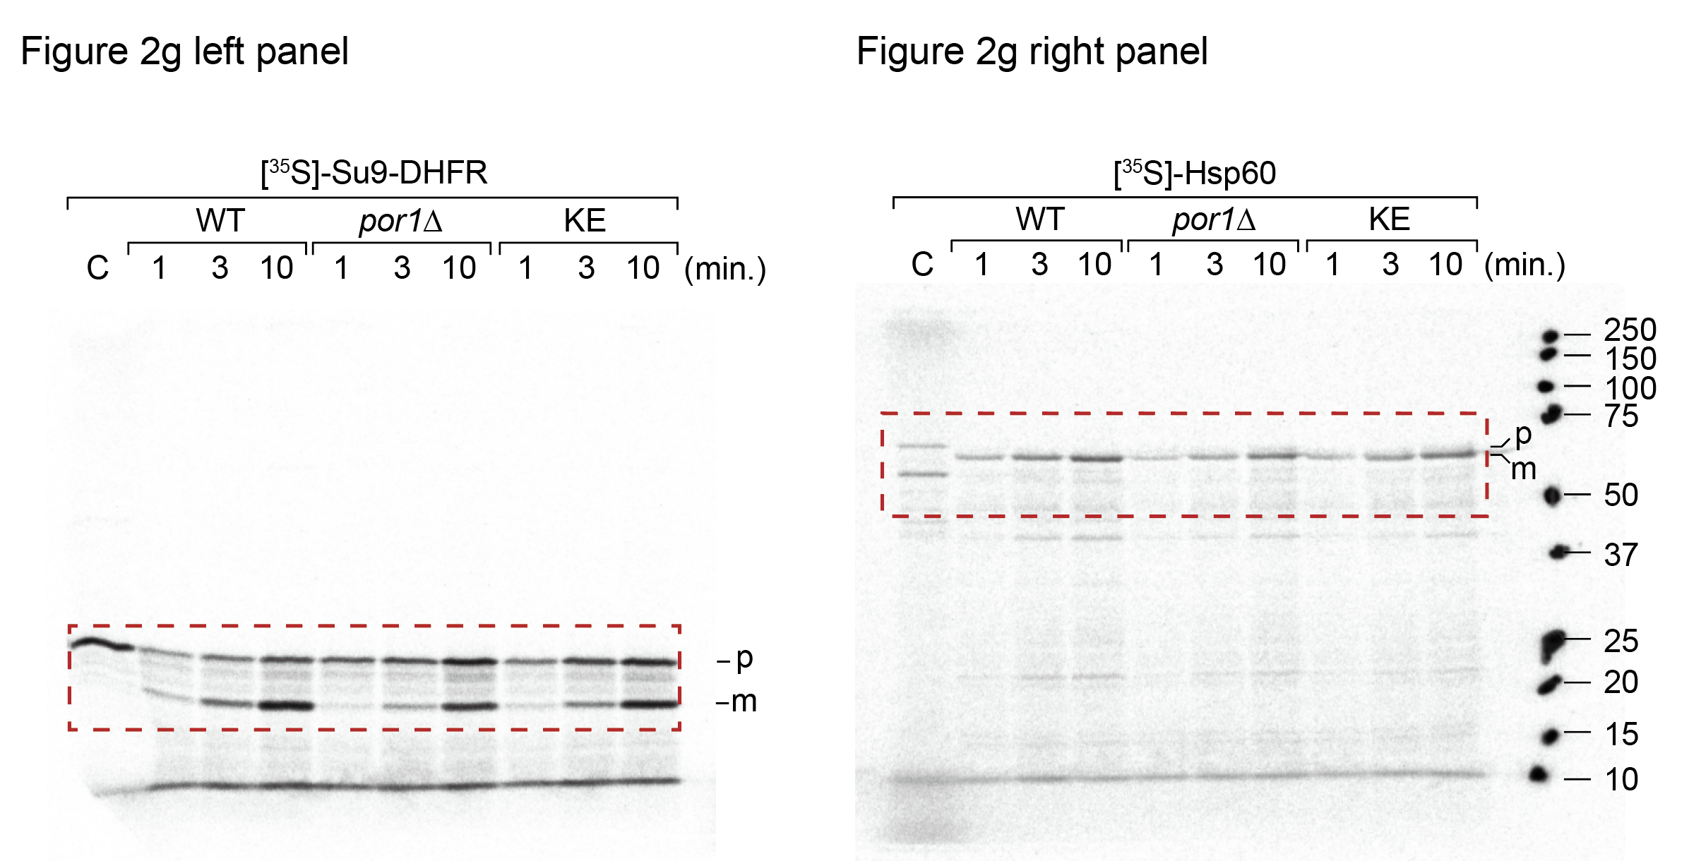
Figure 2g

Formed Su9-DHFR in wild-type, por1∆, KE mutant mitochondria - unprocessed values autoradiography:

 | Experiment: | 1 |  |  | 2 |  |  | 3
 | Time (min.) | Area | Mean | Mean-Background | Area | Mean | Mean-Background | Area | Mean | Mean-Background
WT | 1 | 0.012 | 1076.053 | 967.45 | 0.014 | 692.327 | 606.562 | 0.013 | 944.692 | 806.238
 | 3 | 0.012 | 2374.643 | 2266.04 | 0.014 | 1842.086 | 1756.321 | 0.013 | 2322.576 | 2184.122
 | 10 | 0.012 | 5688.963 | 5580.36 | 0.014 | 5602.493 | 5516.728 | 0.013 | 5777.385 | 5638.931
por1∆ | 1 | 0.012 | 678.561 | 569.958 | 0.014 | 454.407 | 368.642 | 0.013 | 894.989 | 756.535
 | 3 | 0.012 | 1402.888 | 1294.285 | 0.014 | 1042.018 | 956.253 | 0.013 | 1557.162 | 1418.708
 | 10 | 0.012 | 3623.479 | 3514.876 | 0.014 | 3507.197 | 3421.432 | 0.013 | 3867.093 | 3728.639
KE | 1 | 0.012 | 816.491 | 707.888 | 0.014 | 506.843 | 421.078 | 0.013 | 974.844 | 836.39
 | 3 | 0.012 | 1944.852 | 1836.249 | 0.014 | 1408.929 | 1323.164 | 0.013 | 1804.816 | 1666.362
 | 10 | 0.012 | 5894.747 | 5786.144 | 0.014 | 4873.933 | 4788.168 | 0.013 | 5595.987 | 5457.533
 | Background | 0.012 | 108.603 | 0 | 0.014 | 85.765 | 0 | 0.013 | 138.454 | 0

Su9-DHFR in wild-type mitochondria for 10 min (Mean*Area) was set to 100%:

Experiment: | 1 |  |  | 2 |  |  | 3 |  |  | mean value |  |  | s.e.m.
Time (min.) | WT | por1∆ | KE | WT | por1∆ | KE | WT | por1∆ | KE | WT | por1∆ | KE | WT | por1∆ | KE
1 | 17.336695124 | 10.213642131 | 12.685346465 | 10.994959331 | 6.6822580341 | 7.6327489773 | 14.297709974 | 13.416284044 | 14.832421251 | 14.209788143 | 10.104061403 | 11.716838898 | 1.8312291776 | 1.9447178482 | 2.1340357225
3 | 40.607416009 | 23.193575325 | 32.905565232 | 31.836280491 | 17.333698526 | 23.984579265 | 38.732908773 | 25.159165806 | 29.551026604 | 37.058868424 | 21.895479886 | 28.813723701 | 2.6667716366 | 2.350409423 | 2.6015193853
10 | 100 | 62.986545671 | 103.68764739 | 100 | 62.019225889 | 86.793621146 | 100 | 66.123153484 | 96.783113679 | 100 | 63.709641681 | 95.754794072 | 0 | 1.2386425779 | 4.9039137977

Formed Hsp60 in wild-type, por1∆, KE mutant mitochondria - unprocessed values autoradiography:

 | Experiment: | 1 |  |  | 2 |  |  | 3
 | Time (min.) | Area | Mean | Mean-Background | Area | Mean | Mean-Background | Area | Mean | Mean-Background
WT | 1 | 0.008 | 2363.502 | 1650.545 | 0.007 | 1679.6 | 1555.69 | 0.008 | 779.479 | 709.314
 | 3 | 0.008 | 5457.317 | 4744.36 | 0.007 | 4129.234 | 4005.324 | 0.008 | 1751.109 | 1680.944
 | 10 | 0.008 | 8461.738 | 7748.781 | 0.007 | 7708.836 | 7584.926 | 0.008 | 3120.755 | 3050.59
por1∆ | 1 | 0.008 | 1555.666 | 842.709 | 0.007 | 761.94 | 638.03 | 0.008 | 446.605 | 376.44
 | 3 | 0.008 | 2794.715 | 2081.758 | 0.007 | 2088.456 | 1964.546 | 0.008 | 933.679 | 863.514
 | 10 | 0.008 | 5847.494 | 5134.537 | 0.007 | 4566.368 | 4442.458 | 0.008 | 2062.545 | 1992.38
KE | 1 | 0.008 | 1692.002 | 979.045 | 0.007 | 938.741 | 814.831 | 0.008 | 674.463 | 604.298
 | 3 | 0.008 | 3743.085 | 3030.128 | 0.007 | 2751.292 | 2627.382 | 0.008 | 1252.37 | 1182.205
 | 10 | 0.008 | 7982.979 | 7270.022 | 0.007 | 5053.847 | 4929.937 | 0.008 | 2451.265 | 2381.1
 | Background | 0.008 | 712.957 | 0 | 0.007 | 123.91 | 0 | 0.008 | 70.165 | 0

Hsp60 in wild-type mitochondria for 10 min (Mean*Area) was set to 100%:

Experiment: | 1 |  |  | 2 |  |  | 3 |  |  | mean value |  |  | s.e.m.
Time (min.) | WT | por1∆ | KE | WT | por1∆ | KE | WT | por1∆ | KE | WT | por1∆ | KE | WT | por1∆ | KE
1 | 21.300705234 | 10.875375107 | 12.634826046 | 20.510286 | 8.411816 | 10.742768 | 23.251698852 | 12.339908018 | 19.809217233 | 21.687563362 | 10.542366375 | 14.39560376 | 0.81467386407 | 1.1461017751 | 2.7613631322
3 | 61.22717883 | 26.86561925 | 39.104576578 | 52.806369 | 25.900661 | 34.639521 | 55.102258907 | 28.306458751 | 38.753323128 | 56.378602246 | 27.024246334 | 37.499140235 | 2.5132514654 | 0.69900825409 | 1.4334005458
10 | 100 | 66.262512775 | 93.821492697 | 100 | 58.569563 | 64.996508 | 100 | 65.311300437 | 78.053753536 | 100 | 63.381125404 | 78.957251411 | 0 | 2.4214011648 | 8.3333100066

Fig. 3c
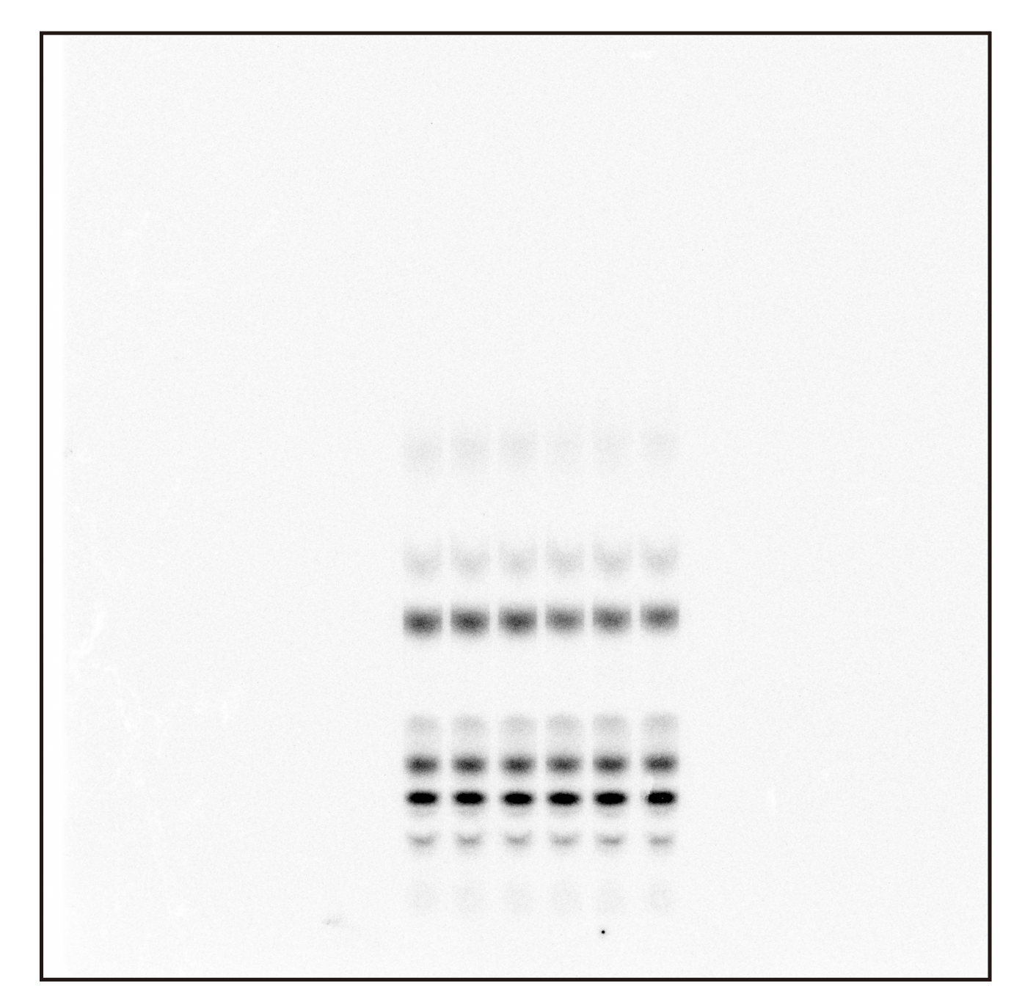
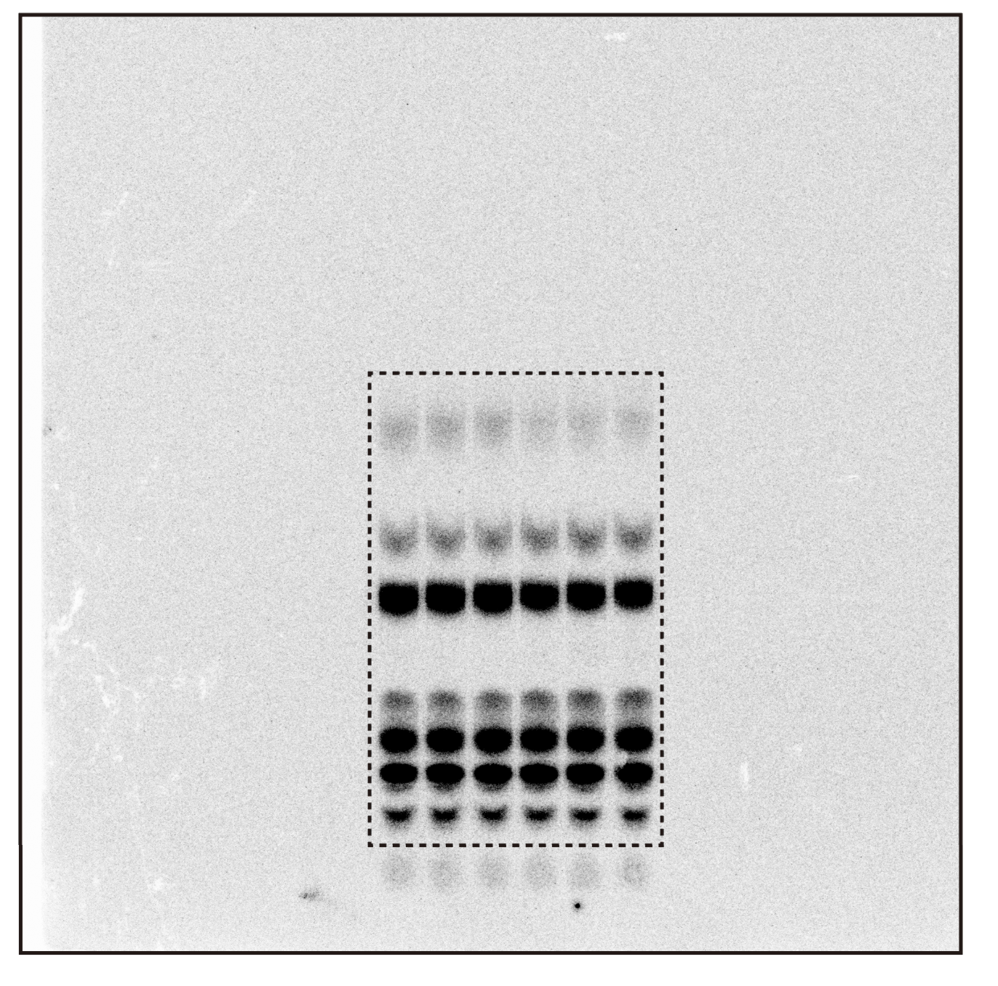
 | Area | Mean | Total | Back | Signal | Signal
1 | 1.283 | 65439.792 | 83939.621 | 84004.96386 | -65.34286 | 65.34286 |  | WT-1 | WT-2 | WT-3 | porin-1 | porin-2 | porin-3
2 | 1.03 | 65408.199 | 67396.608 | 67439.6826 | -43.0746 | 43.0746 | CL | 65.34286 | 41.05502 | 59.01736 | 37.01886 | 32.603 | 30.6532
3 | 0.98 | 65089.101 | 63787.319 | 64165.9116 | -378.5926 | 378.5926 | PA | 43.0746 | 80.86188 | 58.10456 | 74.17496 | 94.45904 | 77.8694
4 | 0.611 | 65363.957 | 39911.232 | 40005.48162 | -94.24962 | 94.24962 | PE | 378.5926 | 359.8812 | 386.99362 | 294.80298 | 323.7162 | 340.617
5 | 0.743 | 65068.893 | 48320.16 | 48648.23706 | -328.07706 | 328.07706 | PS | 94.24962 | 42.97614 | 74.9488 | 44.41144 | 83.248 | 53.00614
6 | 0.745 | 64943.379 | 48369.828 | 48779.1879 | -409.3599 | 409.3599 | PI | 328.07706 | 310.63384 | 308.83974 | 319.5476 | 317.79864 | 307.33274
7 | 1.181 | 65435.117 | 77285.416 | 77326.47102 | -41.05502 | 41.05502 | PC | 409.3599 | 406.987 | 418.02294 | 408.55928 | 457.4646 | 386.06904
8 | 1.164 | 65411.57 | 76132.527 | 76213.38888 | -80.86188 | 80.86188 |  | 1318.69664 | 1242.39508 | 1305.92702 | 1178.51512 | 1309.28948 | 1195.54752
9 | 1.06 | 65105.199 | 69044.064 | 69403.9452 | -359.8812 | 359.8812 |  | WT-1 | WT-2 | WT-3 | porin-1 | porin-2 | porin-3 |  | WT-1 | WT-2 | WT-3 | porin-1 | porin-2 | porin-3
10 | 0.667 | 65371.784 | 43629.129 | 43672.10514 | -42.97614 | 42.97614 | CL | 4.9551093116 | 3.304506003 | 4.5191928106 | 3.1411442562 | 2.4901292264 | 2.5639466008 | CL | 116.32796886 | 77.577798437 | 106.09423274 | 73.742657978 | 58.459189674 | 60.192153507
11 | 0.752 | 65062.343 | 48926.882 | 49237.51584 | -310.63384 | 310.63384 | PA | 3.2664525482 | 6.5085479894 | 4.4492961023 | 6.2939336748 | 7.2145267676 | 6.513283554 | PA | 68.891685074 | 137.26966235 | 93.838652594 | 132.74330186 | 152.15923045 | 137.3695386
12 | 0.75 | 64932.77 | 48699.578 | 49106.565 | -406.987 | 406.987 | PE | 28.709605266 | 28.966727718 | 29.633632973 | 25.014781312 | 24.724570459 | 28.490461007 | PE | 98.647176002 | 99.530657454 | 101.8221665 | 85.951635765 | 84.954461446 | 97.894188905
13 | 1.208 | 65437.399 | 79035.29 | 79094.30736 | -59.01736 | 59.01736 | PS | 7.1471798093 | 3.4591363643 | 5.7391262186 | 3.7684234378 | 6.3582577628 | 4.4336288699 | PS | 131.17748003 | 63.48808949 | 105.3344305 | 69.164664026 | 116.6978099 | 81.373671581
14 | 1.068 | 65408.766 | 69869.644 | 69927.74856 | -58.10456 | 58.10456 | PI | 24.87888799 | 25.002822774 | 23.649081095 | 27.114425142 | 24.272603183 | 25.706442852 | PI | 101.50395786 | 102.00960228 | 96.486439898 | 110.62477825 | 99.030362271 | 104.88031832
15 | 1.111 | 65127.091 | 72356.198 | 72743.19162 | -386.99362 | 386.99362 | PC | 31.042765074 | 32.758259152 | 32.009670801 | 34.667292177 | 34.939912601 | 32.292237117 | PC | 97.200312767 | 102.57182399 | 100.22786327 | 108.54933941 | 109.40296152 | 101.1126277
16 | 0.74 | 65374.138 | 48376.862 | 48451.8108 | -74.9488 | 74.9488 |  | 100 | 100 | 100 | 100 | 100 | 100
17 | 0.747 | 65070.691 | 48601.299 | 48910.13874 | -308.83974 | 308.83974
18 | 0.857 | 65002.815 | 55694.412 | 56112.43494 | -418.02294 | 418.02294 | average | WT | porin-mutant | STDEV | WT | porin-mutant |  |  | average | WT | porin-mutant | STDEV | WT | porin-mutant
19 | 1.083 | 65447.281 | 70872.861 | 70909.87986 | -37.01886 | 37.01886 | CL | 4.2596027084 | 2.7317400278 | CL | 0.49384987139 | 0.20580825854 |  |  | CL | 100.00000001 | 64.13133372 | CL | 11.593801236 | 4.8316303807
20 | 0.988 | 65400.345 | 64615.54 | 64689.71496 | -74.17496 | 74.17496 | PA | 4.7414322133 | 6.6739146654 | PA | 0.94724219765 | 0.2776236518 |  |  | PA | 100.00000001 | 140.75735697 | PA | 19.97797617 | 5.8552698706
21 | 1.019 | 65173.322 | 66424.65 | 66719.45298 | -294.80298 | 294.80298 | PE | 29.103321985 | 26.076604259 | PE | 0.27534844366 | 1.209832479 |  |  | PE | 99.999999984 | 89.600095372 | PE | 0.94610657763 | 4.1570253711
22 | 0.682 | 65362.381 | 44609.825 | 44654.23644 | -44.41144 | 44.41144 | PS | 5.4484807974 | 4.8534366902 | PS | 1.0745188355 | 0.77652847388 |  |  | PS | 100.00000001 | 89.078715169 | PS | 19.721439344 | 14.25220172
23 | 0.73 | 65073.34 | 47477.509 | 47797.0566 | -319.5476 | 319.5476 | PI | 24.510263953 | 25.697823726 | PI | 0.43207518401 | 0.82037465596 |  |  | PI | 100.00000001 | 104.84515295 | PI | 1.7628336639 | 3.3470657747
24 | 0.784 | 64954.298 | 50924.17 | 51332.72928 | -408.55928 | 408.55928 | PC | 31.936898342 | 33.966480631 | PC | 0.49655542009 | 0.84081289712 |  |  | PC | 100.00000001 | 106.35497621 | PC | 1.5548016429 | 2.6327318582
25 | 1.15 | 65447.07 | 75264.13 | 75296.733 | -32.603 | 32.603 | t-test
26 | 1.112 | 65402.238 | 72714.208 | 72808.66704 | -94.45904 | 94.45904 | CL | 0.046128414513
27 | 0.96 | 65138.215 | 62532.687 | 62856.4032 | -323.7162 | 323.7162 | PA | 0.12186713266
28 | 0.75 | 65364.422 | 49023.317 | 49106.565 | -83.248 | 83.248 | PE | 0.071255608565
29 | 0.792 | 65074.159 | 51538.734 | 51856.53264 | -317.79864 | 317.79864 | PS | 0.67679013571
30 | 0.73 | 64884.309 | 47339.592 | 47797.0566 | -457.4646 | 457.4646 | PI | 0.26948423049
31 | 1.11 | 65447.805 | 72647.063 | 72677.7162 | -30.6532 | 30.6532 | PC | 0.10620960494
32 | 1.07 | 65402.645 | 69980.83 | 70058.6994 | -77.8694 | 77.8694
33 | 1 | 65160.868 | 65134.803 | 65475.42 | -340.617 | 340.617
34 | 0.667 | 65356.755 | 43619.099 | 43672.10514 | -53.00614 | 53.00614
35 | 0.747 | 65072.709 | 48602.806 | 48910.13874 | -307.33274 | 307.33274
36 | 0.762 | 64943.199 | 49506.201 | 49892.27004 | -386.06904 | 386.06904
37 | 0.739 | 65475.42 | 48366.693 | 48386.33538 | -19.64238 | 19.64238

Fig 4a
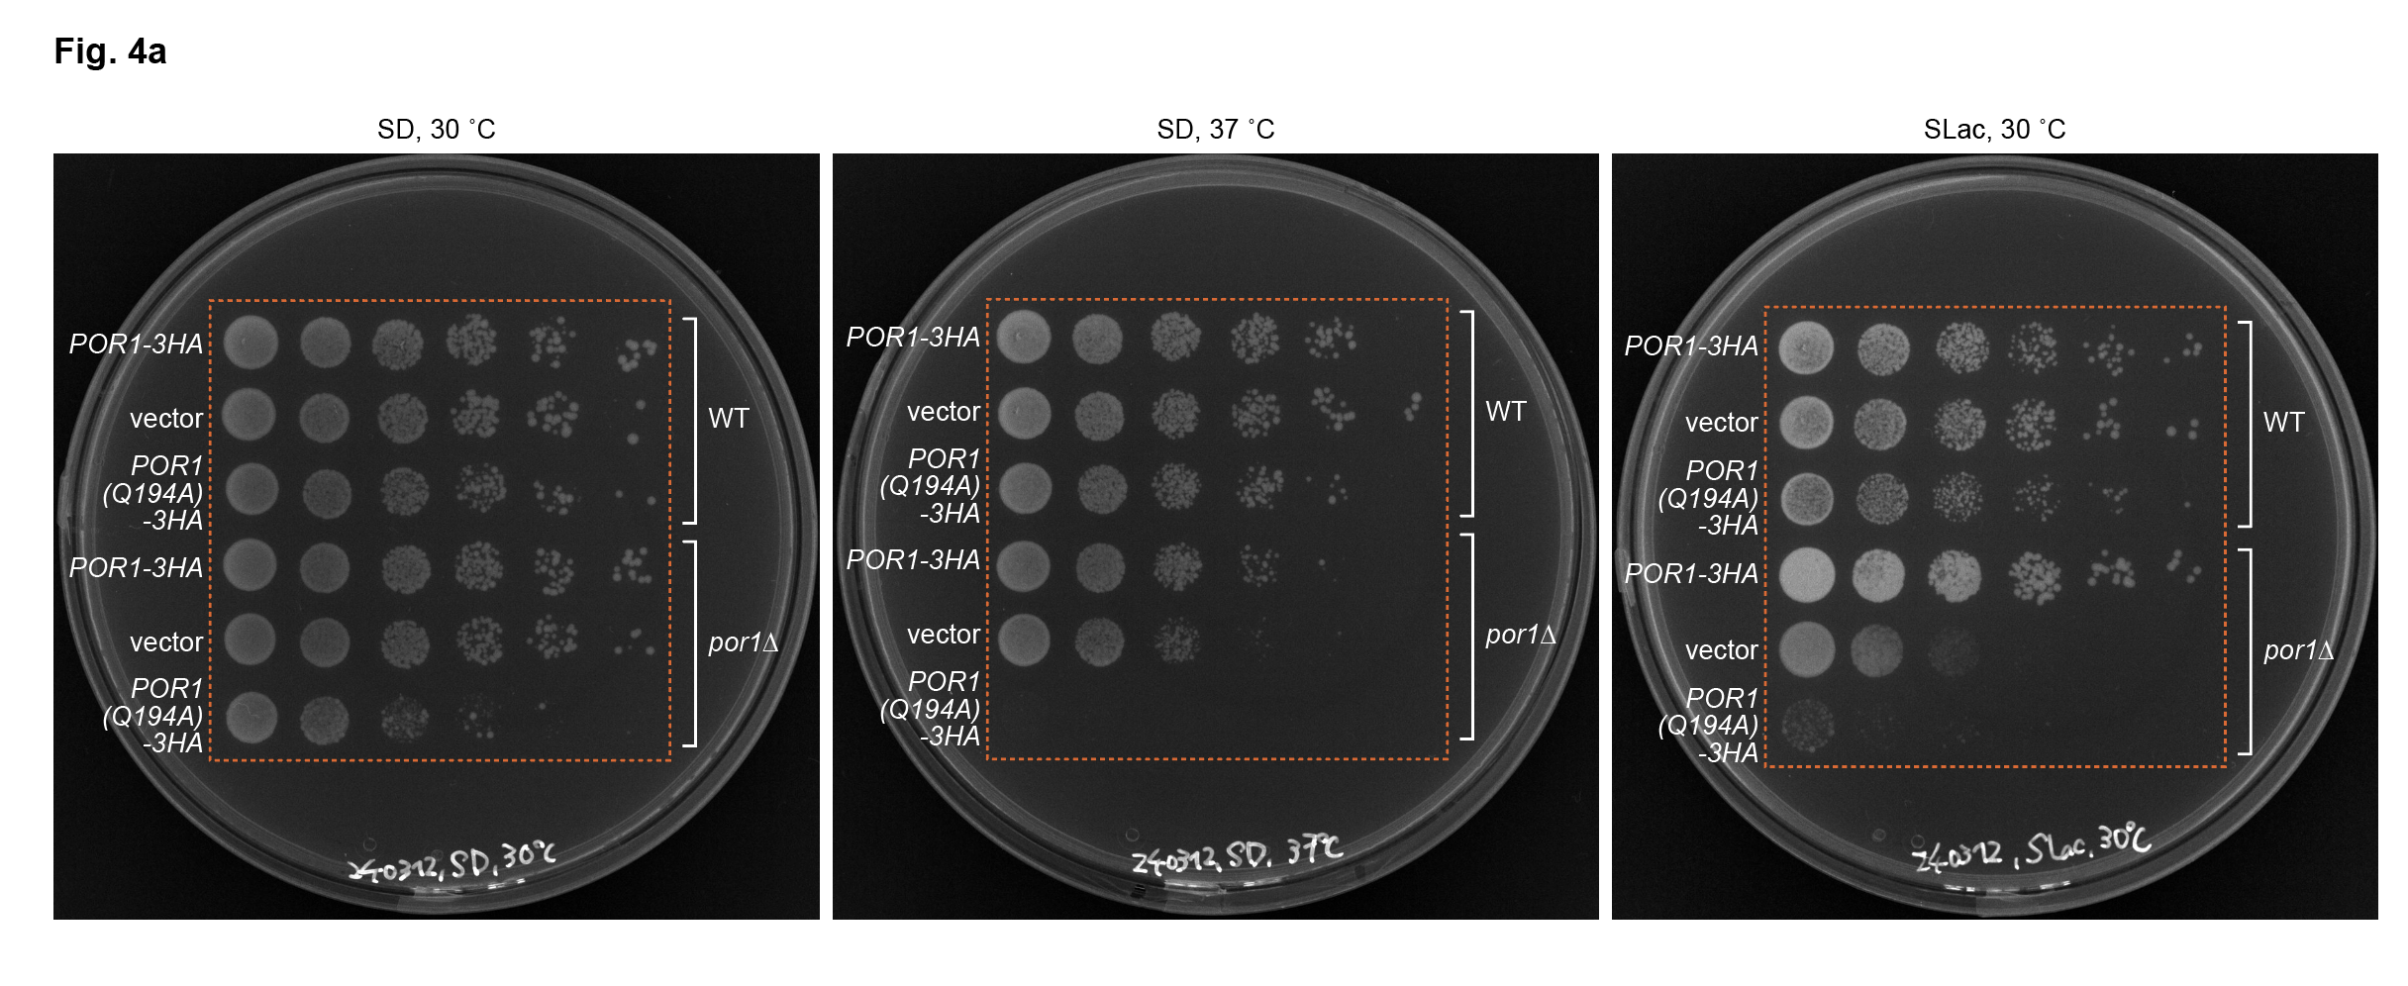

Fig 4b
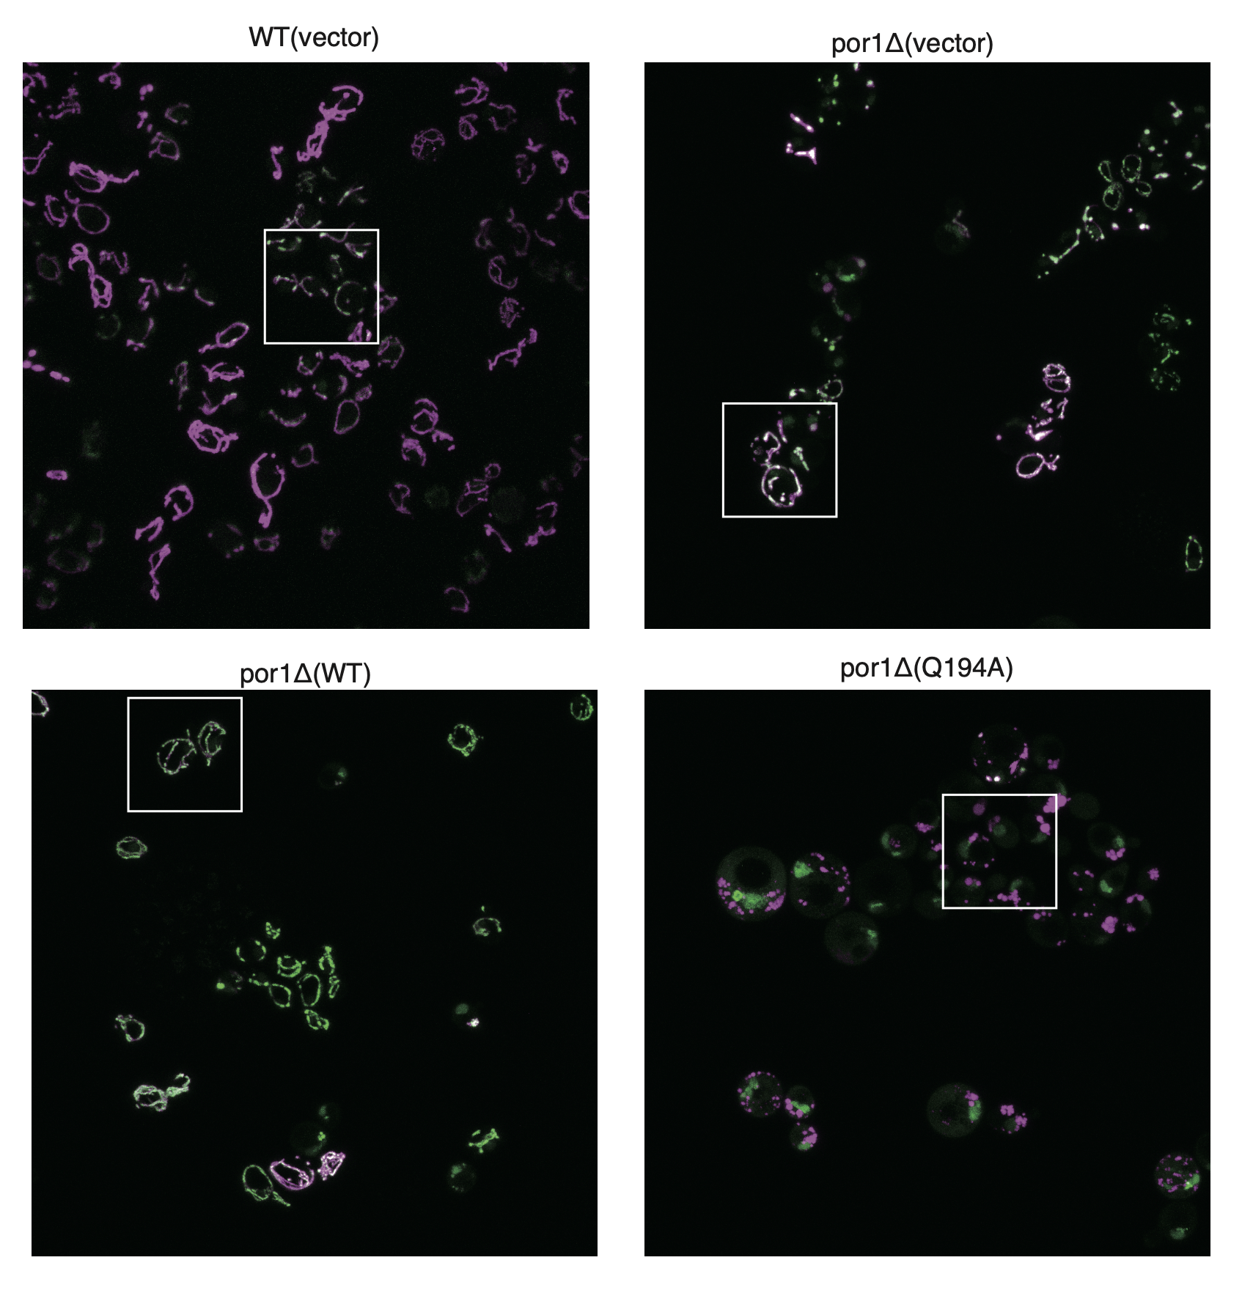

Fig 6a
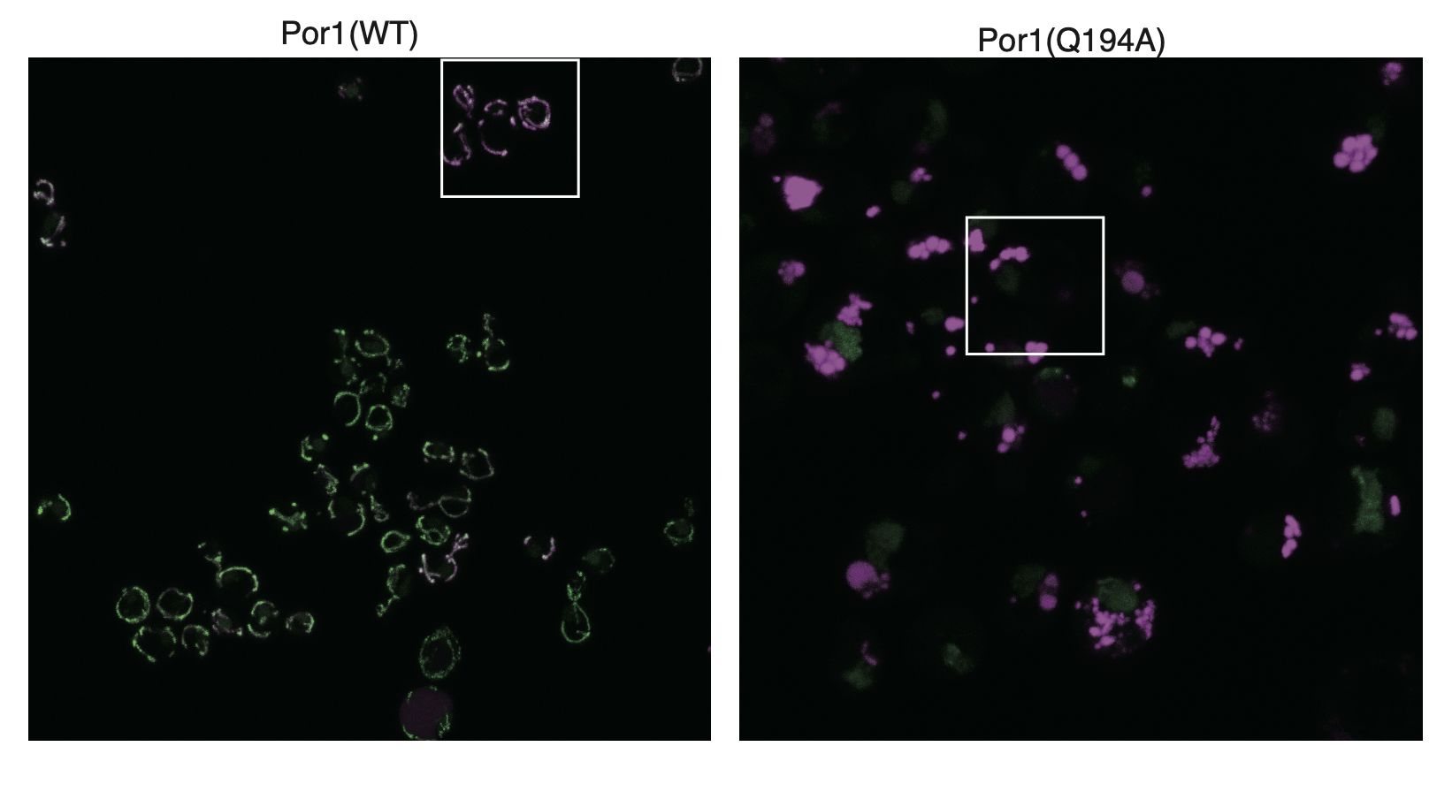

Fig 6b
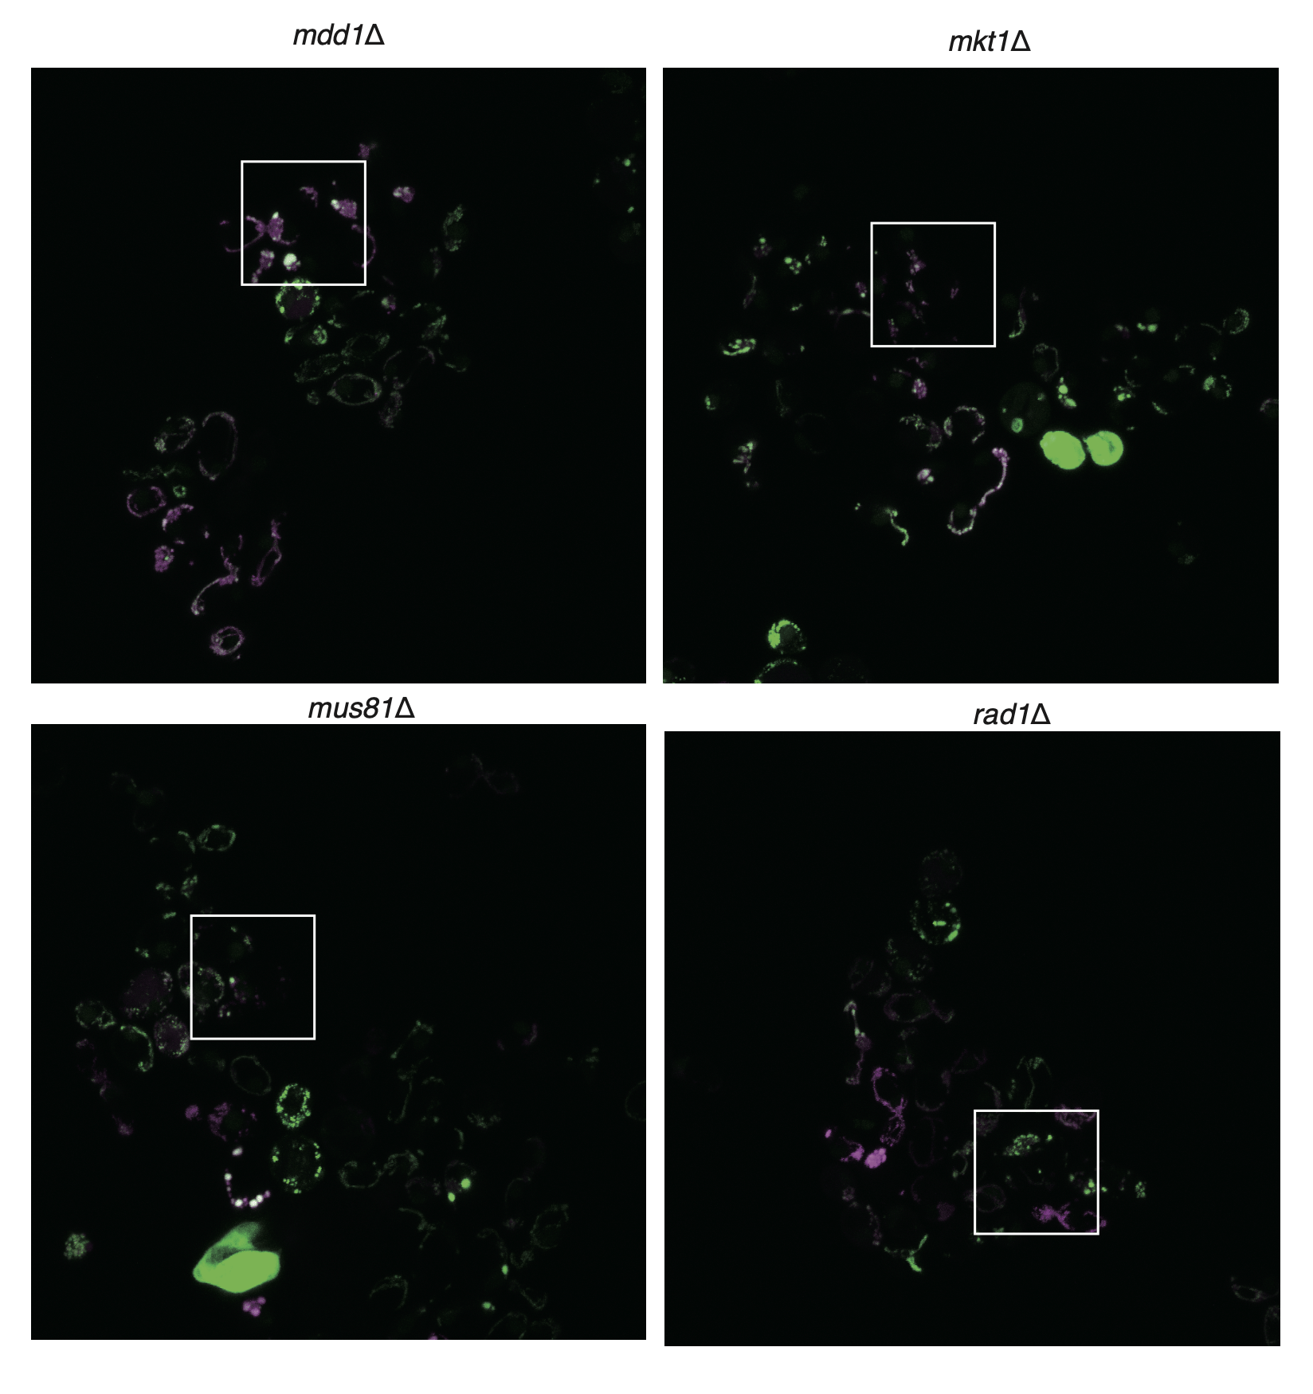
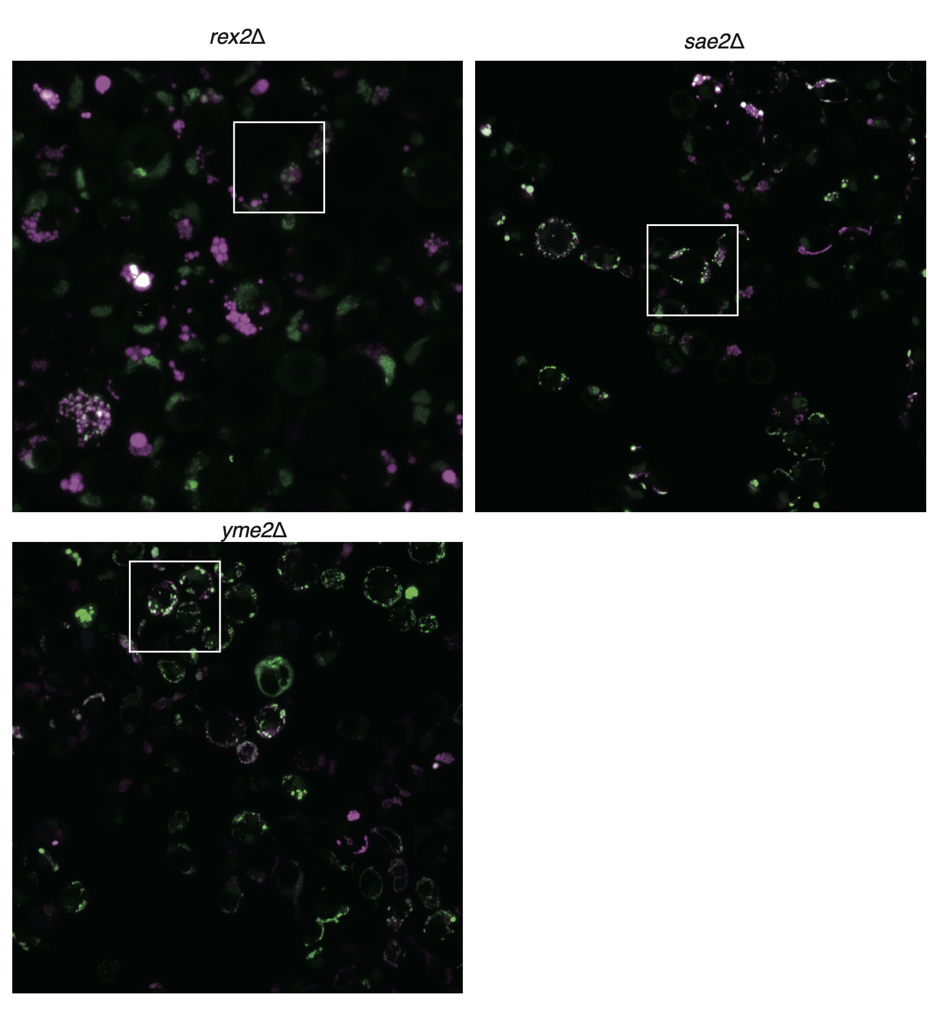
 | mdd1d |  | mkt1d |  | mus81d |  | rad1d |  | rex2d |  | sae2d |  | yme2d
Distance | mtDNA | matrix | mtDNA | matrix | mtDNA | matrix | mtDNA | matrix | mtDNA | matrix | mtDNA | matrix | mtDNA | matrix
0 | 0.04284781 | 0.03826434 | 0.06102897 | 0.05811016 | 0.00935052 | 0.02701975 | 0.23923536 | 0.26078783 | 0.06102897 | 0.05811016 | -0.0043094 | 0.04117983 | 0.04463565 | 0.03979705
0.1243 | 0.03339898 | 0.02483412 | 0.10624641 | 0.26276436 | 0.02660374 | 0.0302747 | 0.26002264 | 0.47767589 | 0.10624641 | 0.26276436 | 0.0588231 | 0.06402808 | 0.06719226 | 0.0114709
0.24859 | 0.04680705 | 0.03076819 | 0.45341256 | 0.61958949 | 0.06318575 | 0.04668221 | 0.37898076 | 0.78503843 | 0.45341256 | 0.61958949 | 0.05530463 | 0.06686716 | 0.12836166 | 0.04276705
0.37289 | 0.03684836 | 0.04515108 | 0.83315434 | 0.84724858 | 0.162837 | 0.08626521 | 0.53192677 | 0.99054688 | 0.83315434 | 0.84724858 | 0.16454548 | 0.07453681 | 0.19981339 | 0.1373785
0.49718 | 0.11277975 | 0.0608811 | 0.66677048 | 0.79380191 | 0.30235962 | 0.16336886 | 0.58034773 | 0.65973866 | 0.66677048 | 0.79380191 | 0.17768098 | 0.14351099 | 0.56490965 | 0.16498801
0.62148 | 0.24863901 | 0.16799621 | 0.68001251 | 0.76547902 | 0.5764554 | 0.31973727 | 0.60483729 | 0.64594982 | 0.68001251 | 0.76547902 | 0.47121903 | 0.24127526 | 0.90468298 | 0.37454448
0.74578 | 0.47104426 | 0.26528752 | 0.67192397 | 0.65141734 | 0.77523452 | 0.53748012 | 0.41429618 | 0.57326333 | 0.67192397 | 0.65141734 | 0.80045951 | 0.29047257 | 0.99815192 | 0.66894434
0.87007 | 0.65548736 | 0.58083159 | 0.34461992 | 0.56401415 | 0.90729543 | 0.78324151 | 0.2471918 | 0.87929504 | 0.34461992 | 0.56401415 | 1 | 0.47263572 | 1 | 0.82962733
0.99437 | 0.9272079 | 0.75582511 | 0.21363979 | 0.37571093 | 0.9737392 | 0.82304533 | 0.30686101 | 0.64990246 | 0.21363979 | 0.37571093 | 0.61767405 | 0.5910483 | 1 | 0.85846934
1.11867 | 1 | 0.80290516 | 0.2129584 | 0.32480766 | 1 | 0.87124996 | 0.25770366 | 0.50484835 | 0.2129584 | 0.32480766 | 0.57698368 | 0.60229663 | 1 | 1
1.24296 | 0.97270011 | 0.90117812 | 0.37992424 | 0.44337624 | 0.9944228 | 1 | 0.23347301 | 0.47085787 | 0.37992424 | 0.44337624 | 0.81569867 | 0.60966618 | 0.8151616 | 0.79436323
1.36726 | 0.98929084 | 0.90663613 | 0.63777983 | 0.82322645 | 0.98305914 | 0.94081231 | 0.52886509 | 0.669256 | 0.63777983 | 0.82322645 | 0.94506145 | 0.72044802 | 0.7535203 | 0.49499899
1.49155 | 0.99384665 | 0.89996998 | 0.77931231 | 0.97841789 | 0.85528431 | 0.89222195 | 0.8874473 | 0.76266229 | 0.77931231 | 0.97841789 | 0.92833734 | 0.87373569 | 0.97943157 | 0.54265264
1.61585 | 0.92480107 | 1 | 1 | 0.98198096 | 0.58072782 | 0.84024946 | 0.99821007 | 1 | 1 | 0.98198096 | 0.77904754 | 0.81460349 | 0.95917774 | 0.61656751
1.74015 | 0.80747945 | 0.83403939 | 0.99496857 | 0.96928358 | 0.32135759 | 0.71977957 | 1 | 0.9838595 | 0.99496857 | 0.96928358 | 0.67532983 | 0.79947011 | 0.84074025 | 0.57955324
1.86444 | 0.57147167 | 0.78528753 | 0.84303663 | 1 | 0.19662345 | 0.65530812 | 0.81291806 | 0.86563463 | 0.84303663 | 1 | 0.43977961 | 0.87173038 | 0.42805942 | 0.419264
1.98874 | 0.3328517 | 0.62442762 | 0.8272685 | 0.91817172 | 0.09050594 | 0.53027004 | 0.63187036 | 0.78934537 | 0.8272685 | 0.91817172 | 0.53799892 | 0.8859534 | 0.22895402 | 0.2938418
2.11303 | 0.17538776 | 0.59540749 | 0.7733214 | 0.93256652 | 0.01273035 | 0.29002067 | 0.6210452 | 0.62834784 | 0.7733214 | 0.93256652 | 0.46530506 | 0.80265198 | 0.16340817 | 0.1926355
2.23733 | 0.16391063 | 0.52848682 | 0.668322 | 0.92654692 | 0.02195047 | 0.32228971 | 0.52276103 | 0.48900458 | 0.668322 | 0.92654692 | 0.41242377 | 0.62462126 | 0.07535735 | 0.1276828
2.36163 | 0.09091013 | 0.4941547 | 0.47629654 | 0.74023291 | 0.01696689 | 0.20878906 | 0.33046227 | 0.48106165 | 0.47629654 | 0.74023291 | 0.28908839 | 0.78478123 | 0.0544071 | 0.07690267
2.48592 | 0.0780568 | 0.42305252 | 0.28903511 | 0.38113781 | 0.0076515 | 0.12480003 | 0.19416131 | 0.4032467 | 0.28903511 | 0.38113781 | 0.39392083 | 1 | 0.10131568 | 0.08404021

Supp Fig 3b
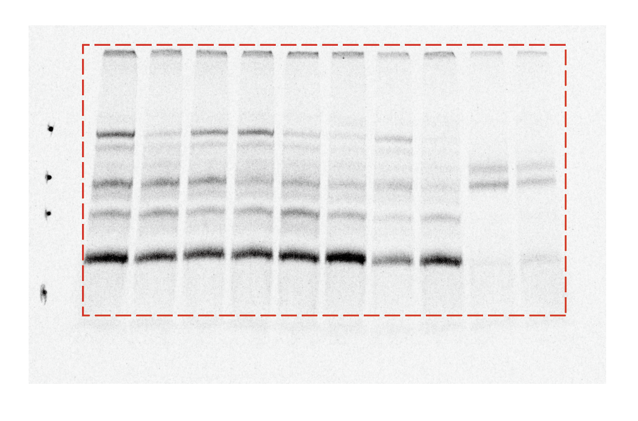

Supp Fig 4c
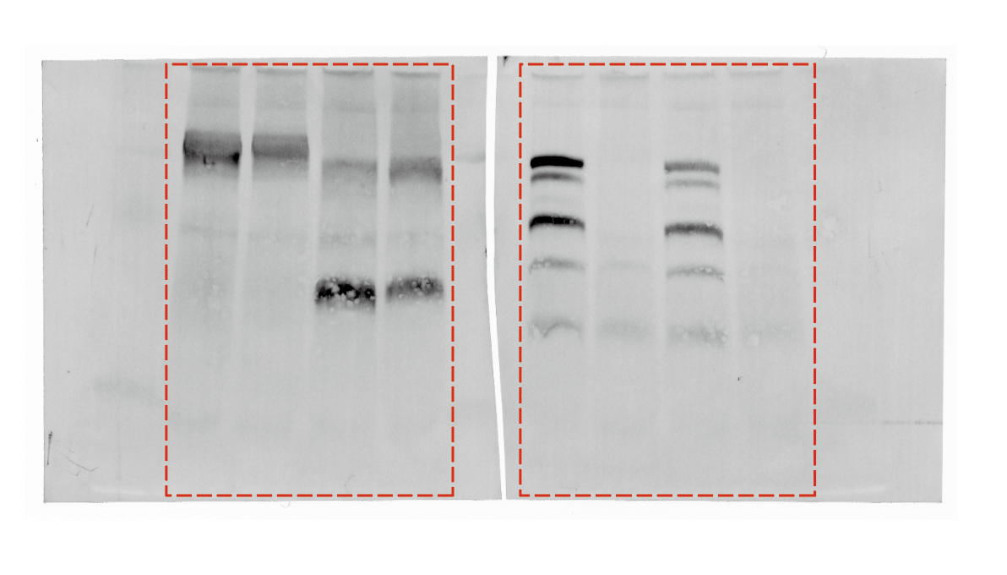

Supp Fig 4d
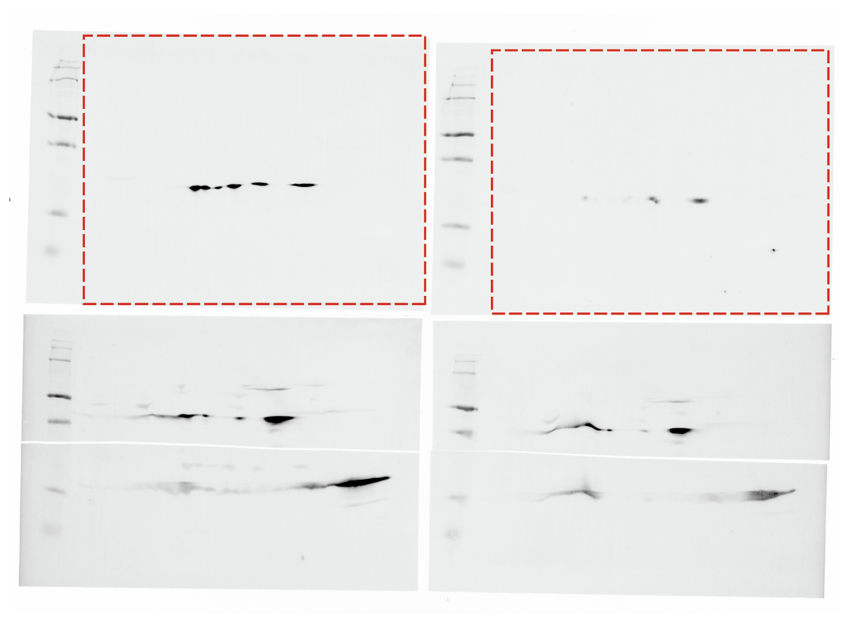

Supp Fig 4e
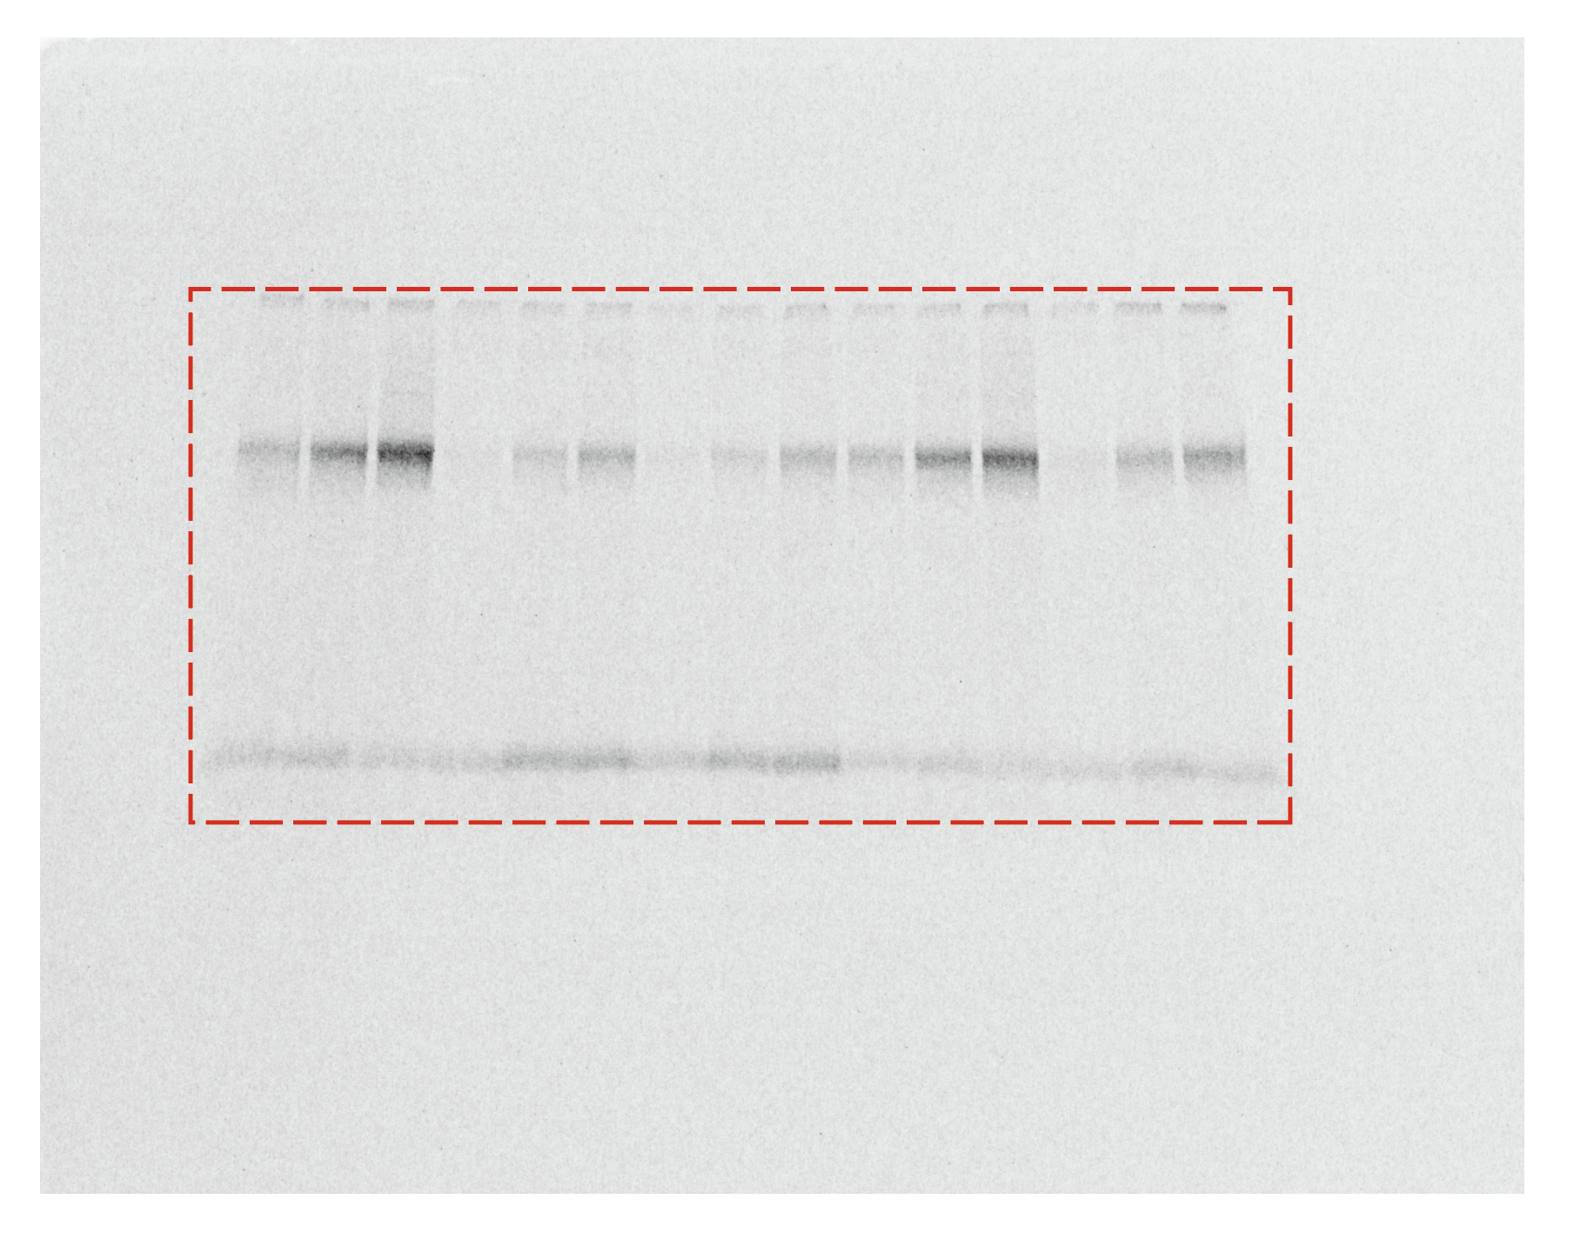
210805_Tom22_BN | area | mean | sbtracted | area*mean | %
BG | 0.109 | 11905.504 |  |  |  |  |  | Time (min) | % of control
1 | 0.109 | 17767.363 | 5861.859 | 638.942631 | 115 | Assembled Tom22 to 400K TOM | vector | 5 | 115
2 | 0.109 | 22318.386 | 10412.882 | 1135.004138 | 205 |  |  | 15 | 205
3 | 0.109 | 27473.951 | 15568.447 | 1696.960723 | 307 |  |  | 45 | 307
4 | 0.109 | 12629.273 | 723.769 | 78.890821 | 14 |  | Por1 | 5 | 14
5 | 0.109 | 14825.811 | 2920.307 | 318.313463 | 58 |  |  | 15 | 58
6 | 0.109 | 16982.504 | 5077 | 553.393 | 100 |  |  | 45 | 100
7 | 0.109 | 12169.755 | 264.251 | 28.803359 | 5 |  | D228K | 5 | 5
8 | 0.109 | 13556.495 | 1650.991 | 179.958019 | 33 |  |  | 15 | 33
9 | 0.109 | 15941.532 | 4036.028 | 439.927052 | 79 |  |  | 45 | 79
10 | 0.109 | 15268.273 | 3362.769 | 366.541821 | 66 |  | R252E | 5 | 66
11 | 0.109 | 19794.661 | 7889.157 | 859.918113 | 155 |  |  | 15 | 155
12 | 0.109 | 23892.294 | 11986.79 | 1306.56011 | 236 |  |  | 45 | 236
13 | 0.109 | 12177.931 | 272.427 | 29.694543 | 5 |  | D228K/R252E | 5 | 5
14 | 0.109 | 15735.294 | 3829.79 | 417.44711 | 75 |  |  | 15 | 75
15 | 0.109 | 18551.769 | 6646.265 | 724.442885 | 131 |  |  | 45 | 131

Supp Fig 6b
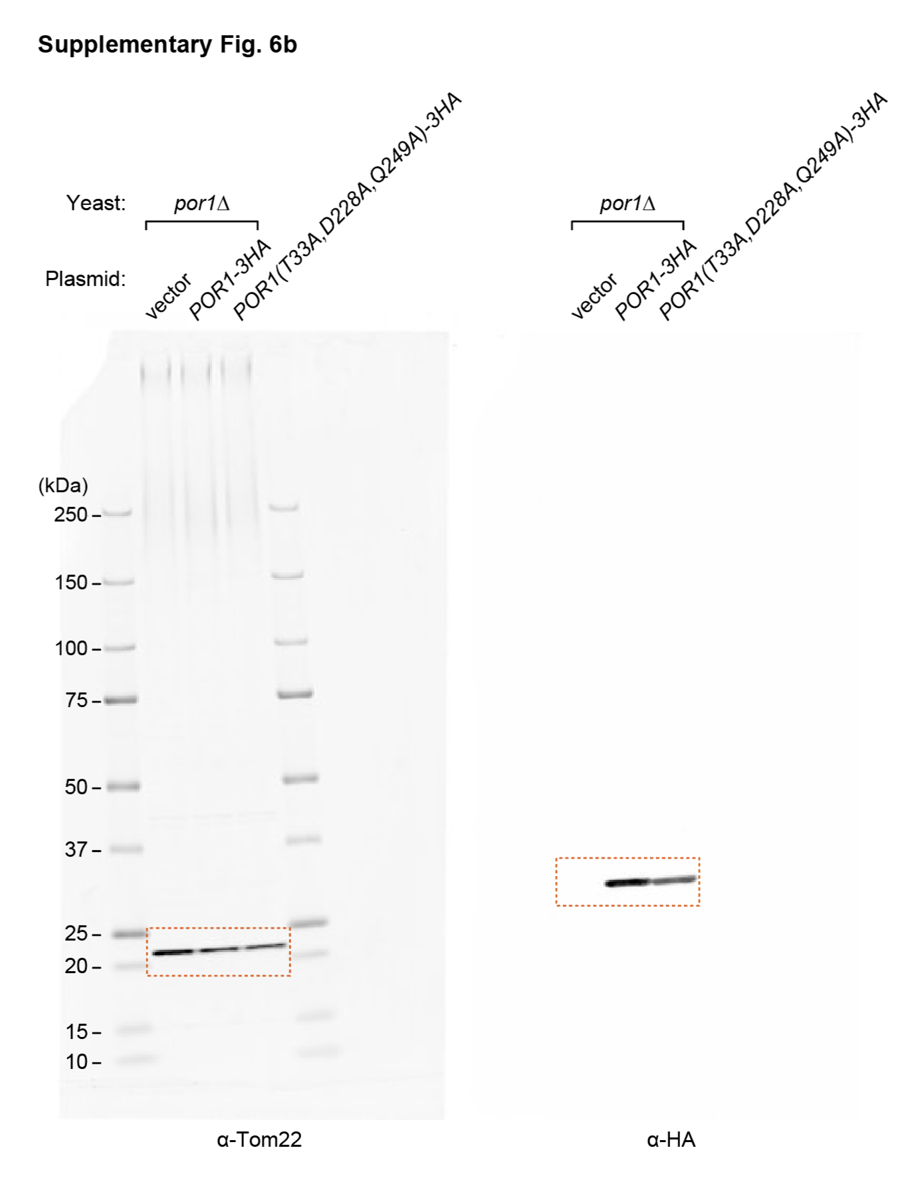

Supp Fig 6c
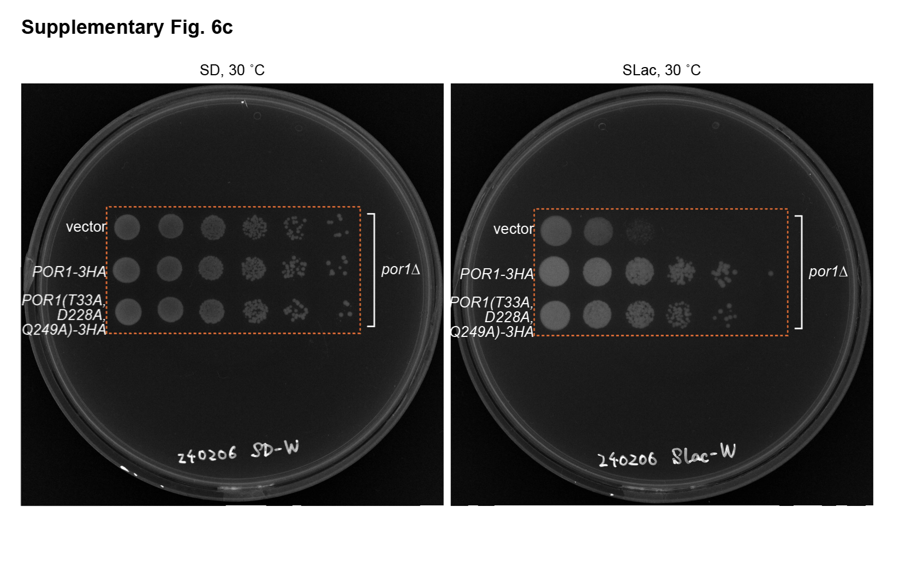

Supp Fig 6d
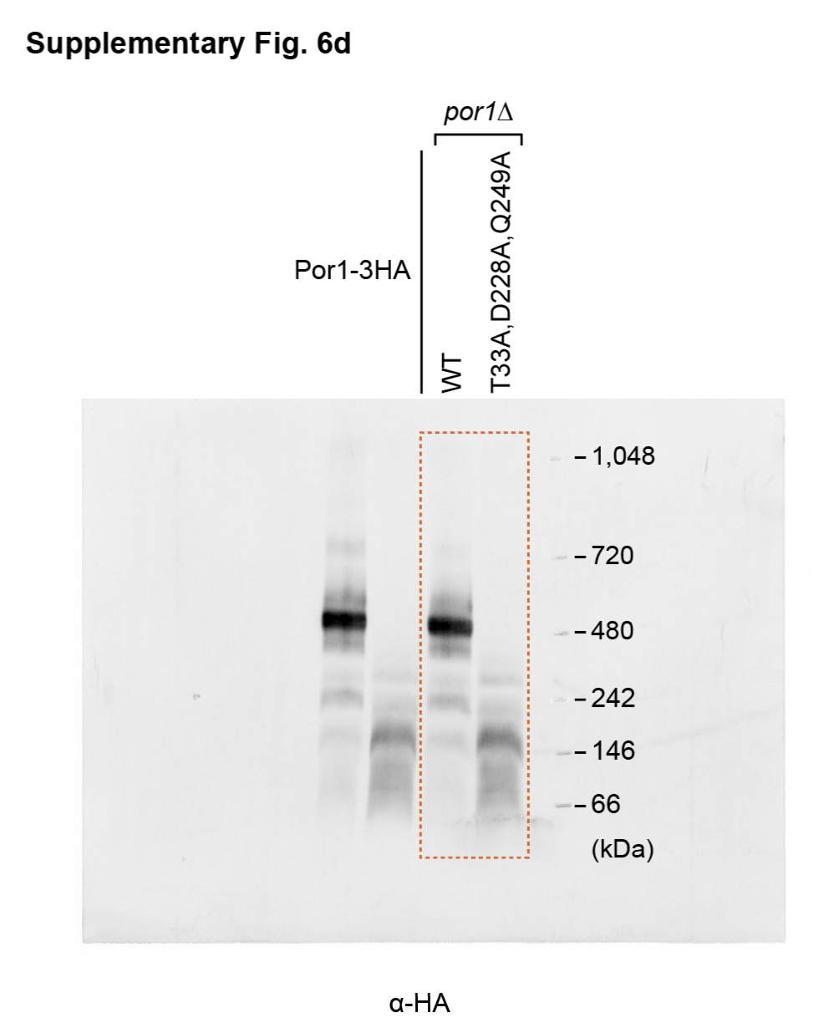

Supp Fig 7a
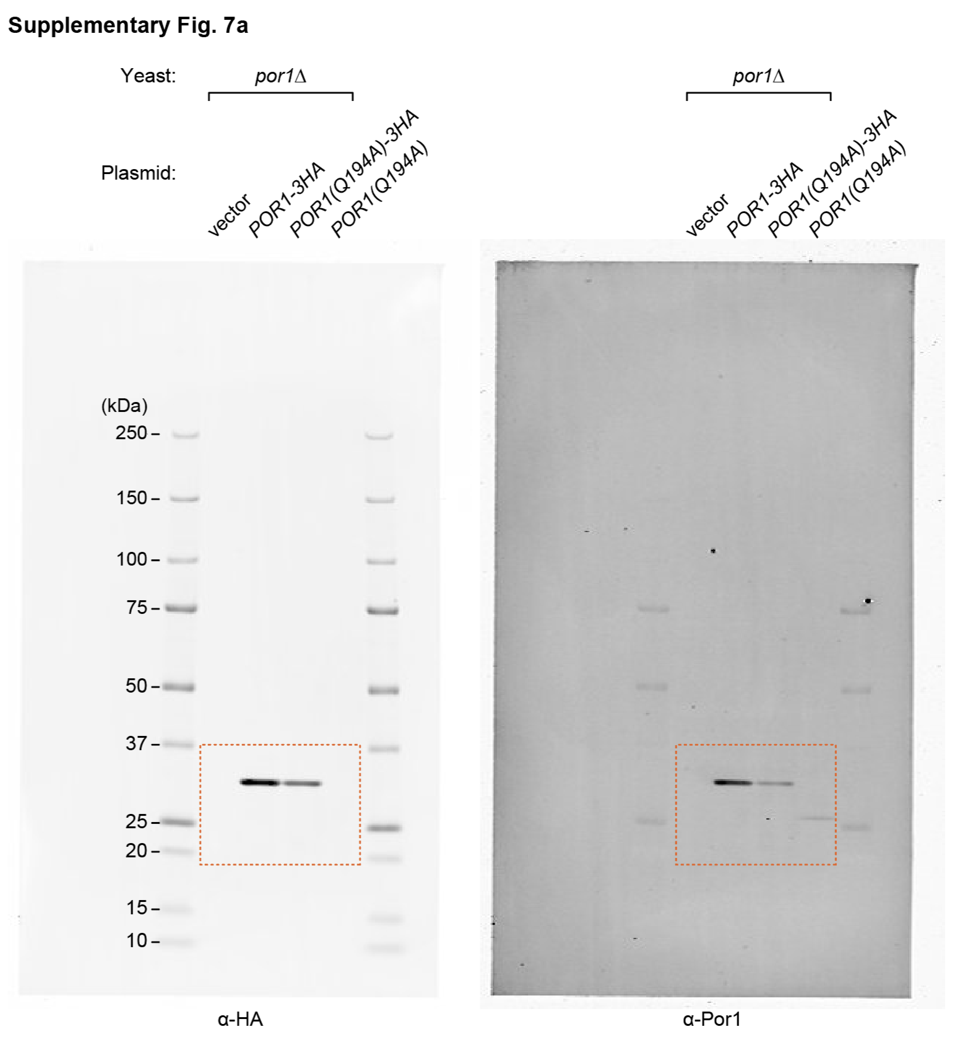

Supp Fig 7b
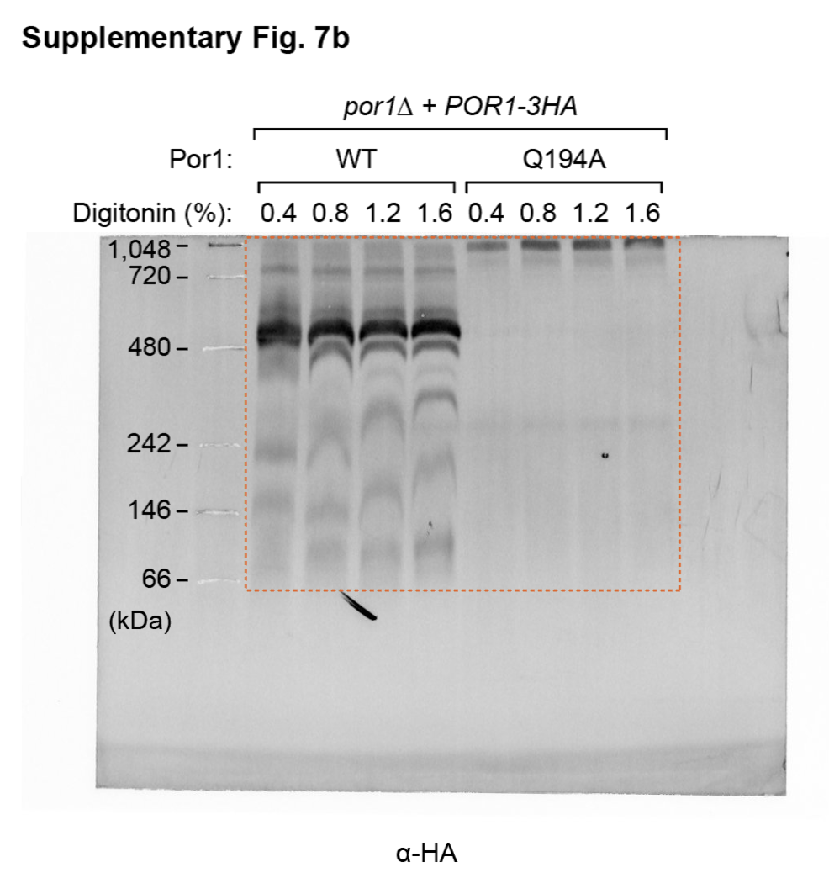

Supp Fig 7e
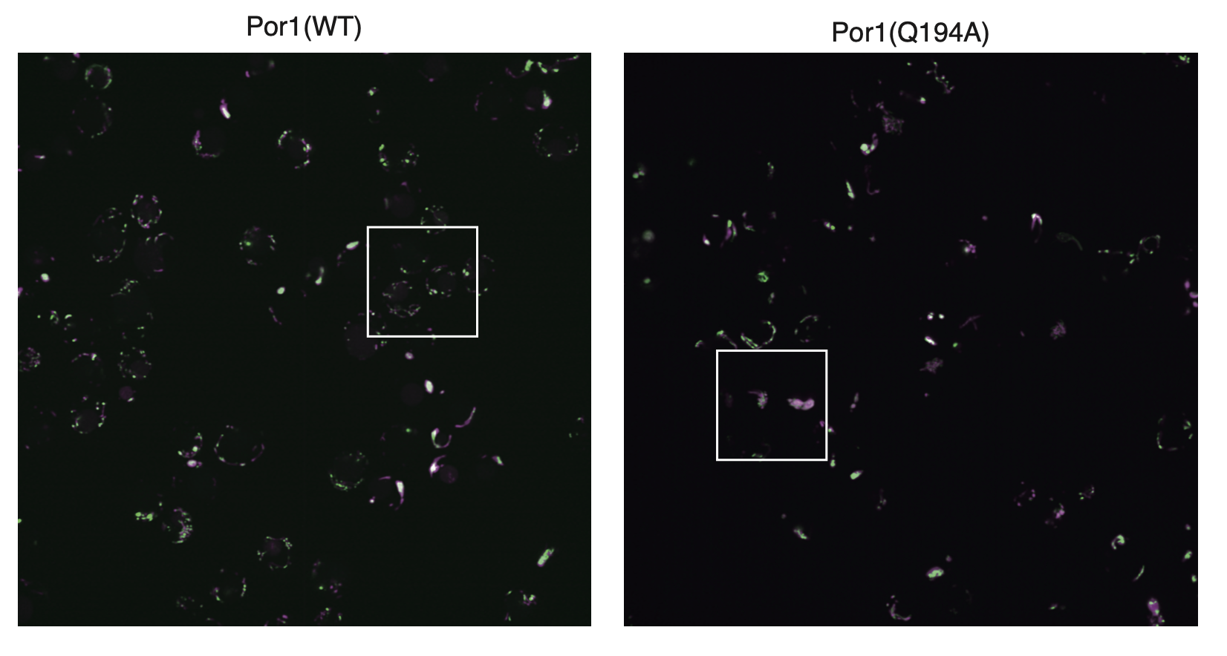
 | WT |  | QA
 | Abf2-mNG | Su9-RFP | Abf2-mNG | Su9-RFP
0 | 0.1682878 | 0.11417558 | 0.28416295 | 0.19799782
0.03385 | 0.19164059 | 0.11980758 | 0.35205613 | 0.26707938
0.06771 | 0.2303602 | 0.13378942 | 0.42478213 | 0.34530643
0.10156 | 0.27371025 | 0.15407434 | 0.49986107 | 0.42900282
0.13542 | 0.33410919 | 0.18850229 | 0.57311755 | 0.51276181
0.16927 | 0.38186389 | 0.23285445 | 0.63883441 | 0.59135769
0.20312 | 0.42758694 | 0.29114736 | 0.70102463 | 0.66051758
0.23698 | 0.43526897 | 0.35200411 | 0.7623592 | 0.71711918
0.27083 | 0.42656328 | 0.41962397 | 0.81583955 | 0.76032167
0.30469 | 0.37983674 | 0.476072 | 0.84445453 | 0.78991132
0.33854 | 0.3226208 | 0.52841253 | 0.85434347 | 0.80643725
0.3724 | 0.24936122 | 0.55810579 | 0.82942622 | 0.81084871
0.40625 | 0.1777279 | 0.57522121 | 0.77483209 | 0.80356313
0.4401 | 0.11723946 | 0.57047216 | 0.70246626 | 0.78551424
0.47396 | 0.06866477 | 0.56399273 | 0.62529962 | 0.76129237
0.50781 | 0.03562082 | 0.54632632 | 0.55260231 | 0.73429381
0.54167 | 0.02251322 | 0.53537911 | 0.48920701 | 0.70190287
0.57552 | 0.03205476 | 0.51980335 | 0.43690211 | 0.66635832
0.60938 | 0.06920275 | 0.51272984 | 0.43772558 | 0.63072226
0.64323 | 0.14646198 | 0.50149178 | 0.48663646 | 0.59721181
0.67708 | 0.25304047 | 0.49274057 | 0.56138377 | 0.5684789
0.71094 | 0.38754718 | 0.47687435 | 0.6529891 | 0.54532497
0.74479 | 0.54038474 | 0.4577712 | 0.75085564 | 0.52660827
0.77865 | 0.67409672 | 0.43254133 | 0.84301826 | 0.51285687
0.8125 | 0.7805912 | 0.4090949 | 0.9195658 | 0.50620426
0.84635 | 0.81977024 | 0.43256407 | 0.9731876 | 0.50947851
0.88021 | 0.80295284 | 0.55101313 | 1 | 0.52323325
0.91406 | 0.74522458 | 0.66946897 | 0.99819457 | 0.54899501
0.94792 | 0.67050031 | 0.77637235 | 0.96701707 | 0.58751189
0.98177 | 0.58037515 | 0.85597635 | 0.90742785 | 0.63804916
1.01562 | 0.53001577 | 0.89941645 | 0.82328329 | 0.6983332
1.04948 | 0.55777634 | 0.89852952 | 0.72165199 | 0.76455205
1.08333 | 0.69771233 | 0.86946306 | 0.61154815 | 0.83151566
1.11719 | 0.8682237 | 0.89127448 | 0.5022722 | 0.89348741
1.15104 | 0.98170812 | 0.98123439 | 0.41750144 | 0.94513945
1.1849 | 1 | 1 | 0.38986305 | 0.98172161
1.21875 | 0.9289822 | 0.95314943 | 0.36813089 | 1
1.2526 | 0.80879045 | 0.84273981 | 0.3387902 | 0.99738312
1.28646 | 0.66420228 | 0.69857173 | 0.30443912 | 0.97289949
1.32031 | 0.49219801 | 0.5408184 | 0.26854597 | 0.92658158
1.35417 | 0.32179474 | 0.39147237 | 0.23479791 | 0.85953531
1.38802 | 0.18302107 | 0.26611339 | 0.20522147 | 0.77749277
1.42188 | 0.08908818 | 0.16692787 | 0.18064642 | 0.68951678
1.45573 | 0.03067487 | 0.09264984 | 0.1602627 | 0.60349539
1.48958 | 0.00616662 | 0.03854981 | 0.14318532 | 0.52102359

Supp Fig 8b
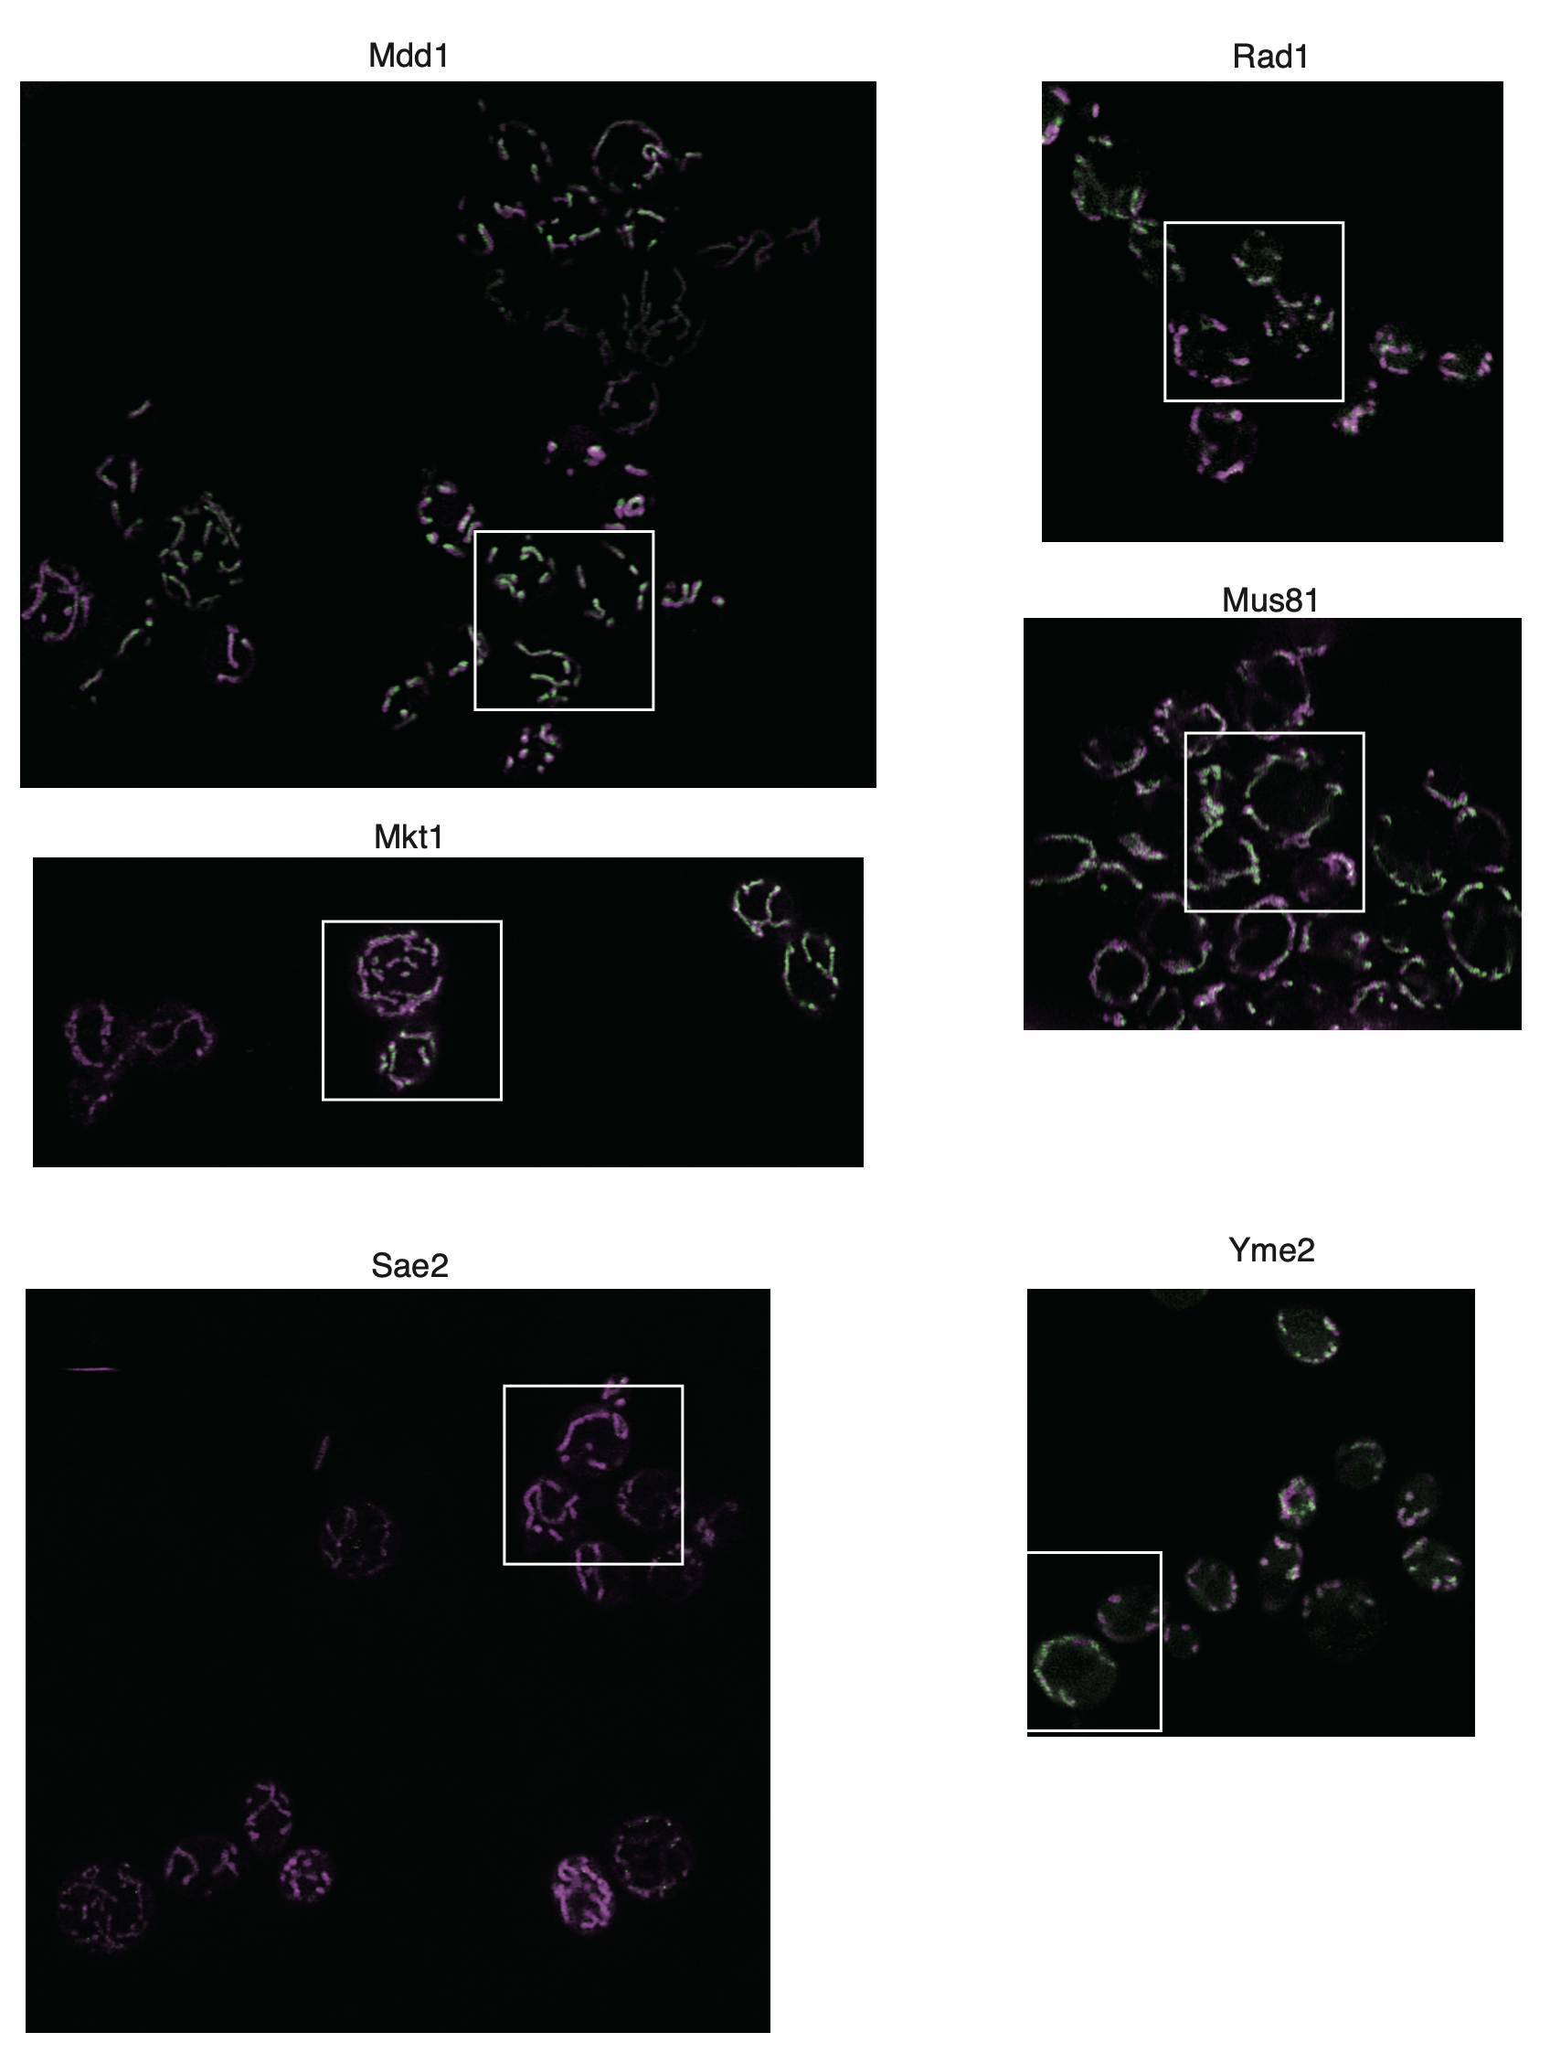

Supp Fig 8c
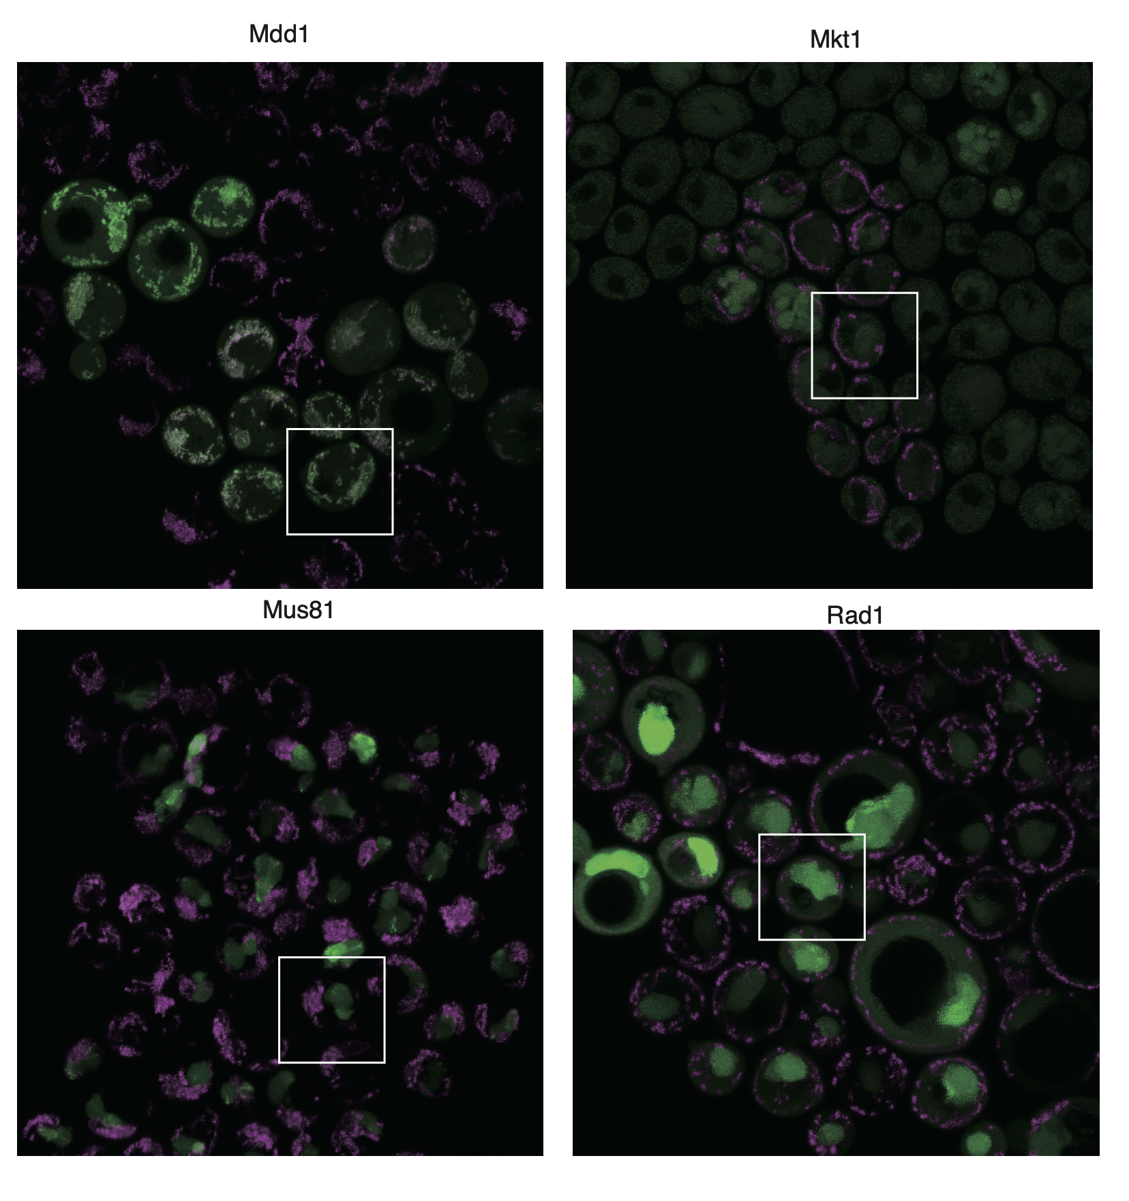
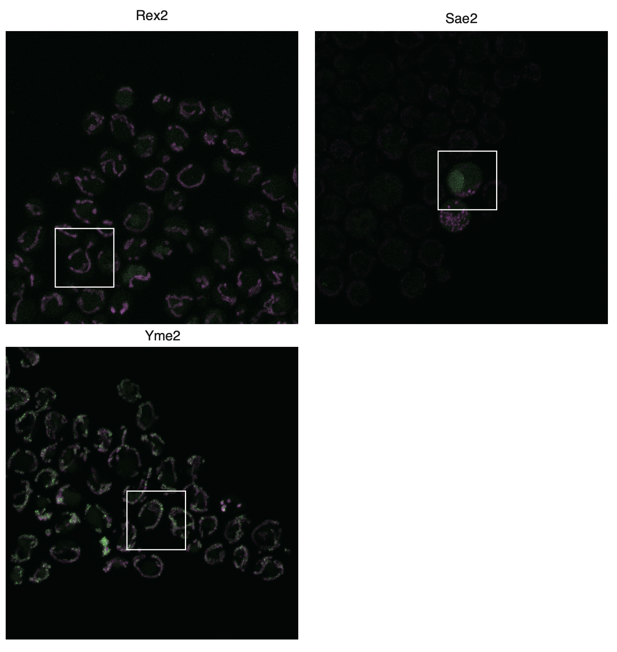

Supp Fig 9
