Figure 1 A, E, I
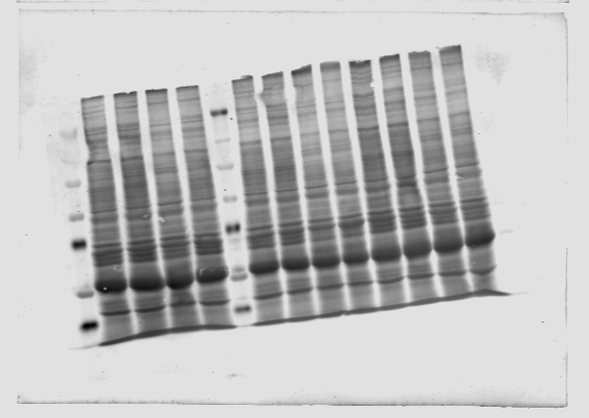
Figure 1 A |  | Figure 1 E |  | Figure 1 I
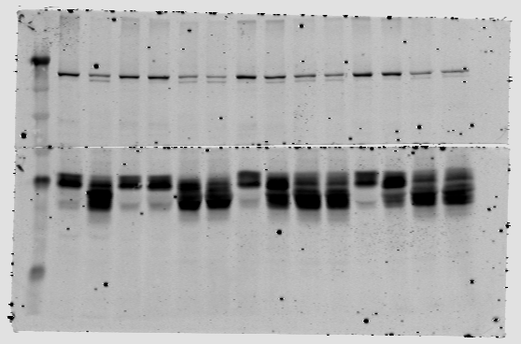
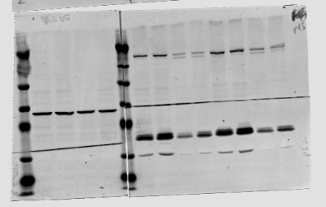
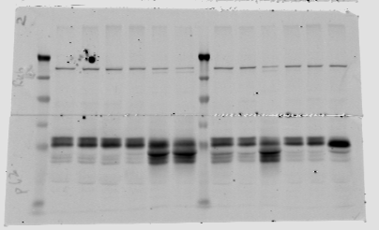
 |  |  | MTMR5
 |  |  |  |  | MTMR5
 | MTMR5

 |  |  | MTMR2

 | MTMR2

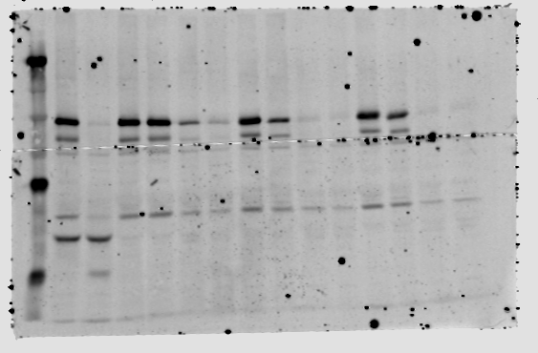
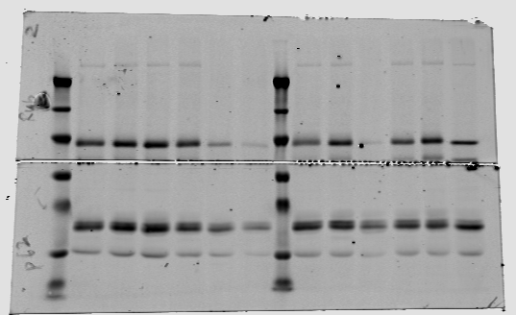
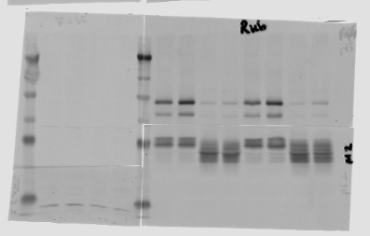
 |  |  | Rubicon

 | Rubicon

 |  |  | Parkin
 |  |  |  |  | Rubicon

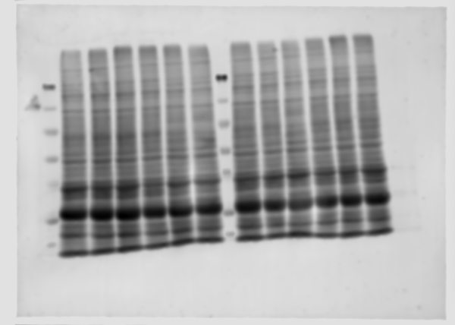
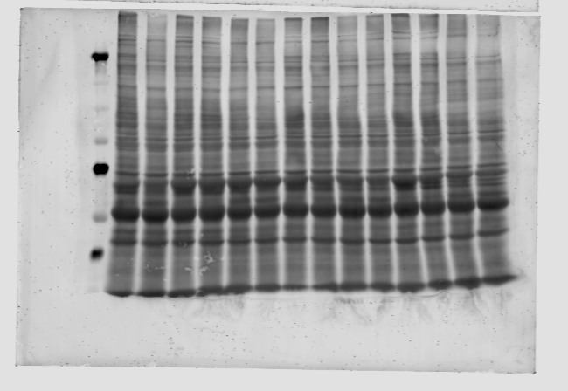
 |  |  |  |  | MTMR2

Figure 2 A, E, G
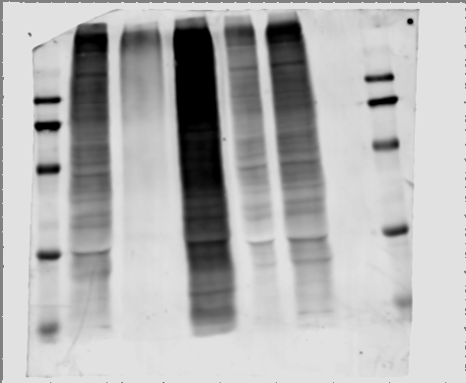
Figure 2 A | Figure 2 E | Figure 2 G

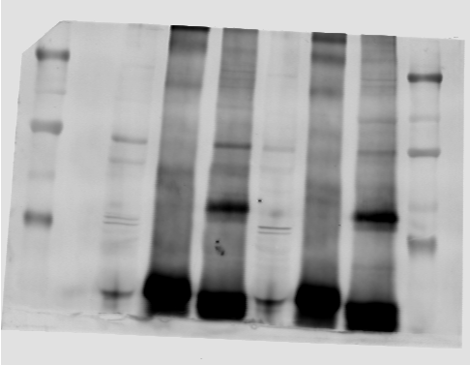
 |  |  | Ubiquitin
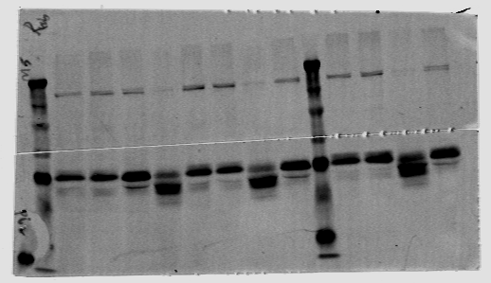

 | Rubicon
MTMR5

MTMR2

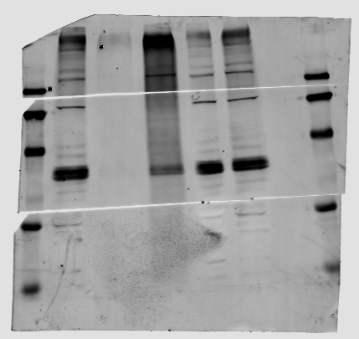

 |  |  | MTMR5
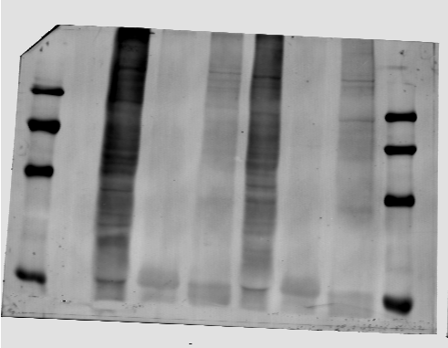
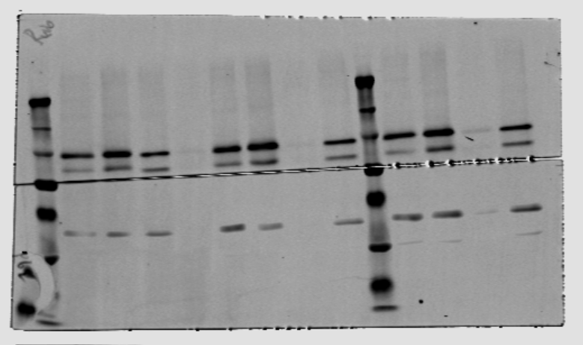

 |  |  | MTMR2
 | Ubiquitin

Rubicon

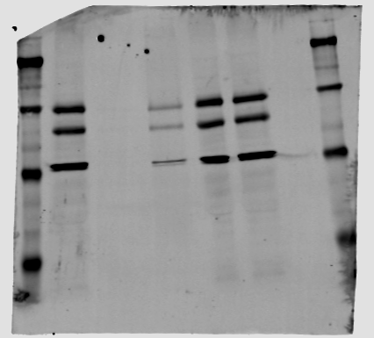

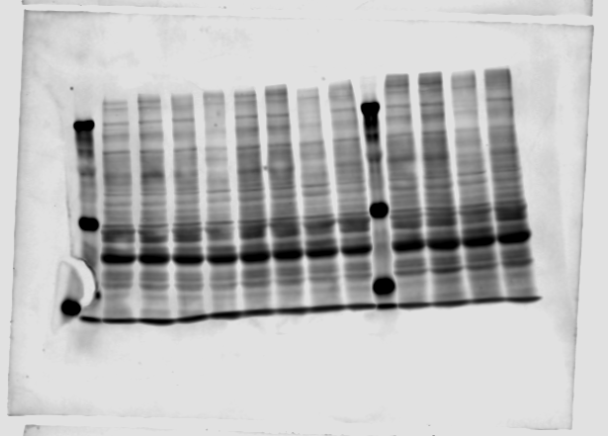
 |  |  | Rubicon

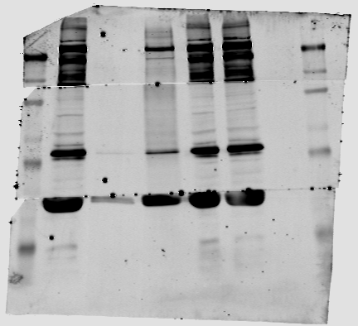

 |  |  | Mitofusin-2

Figure 3 A, N
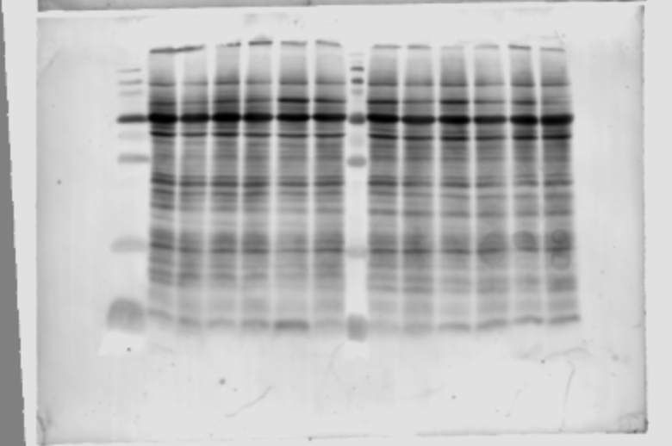
Figure 3 A |  | Figure 3 N

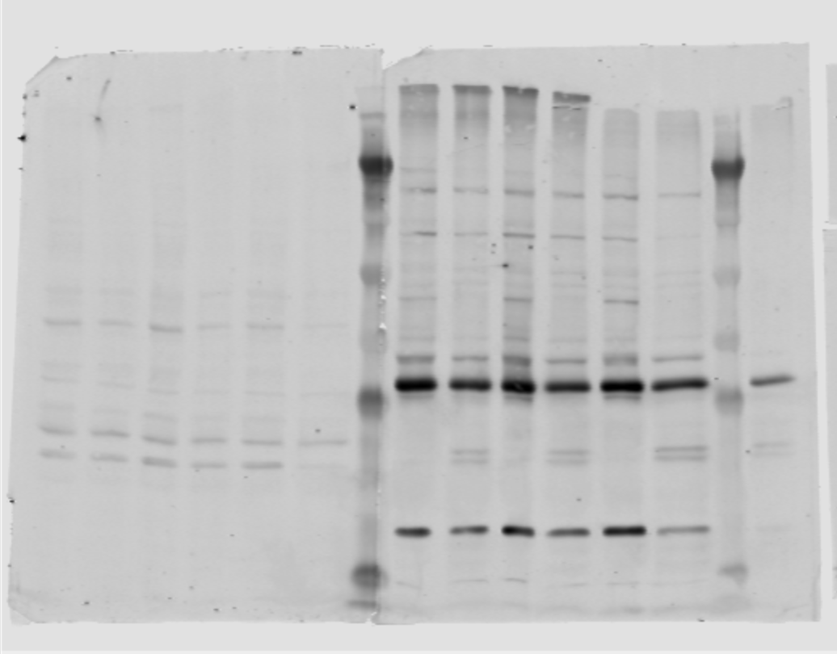
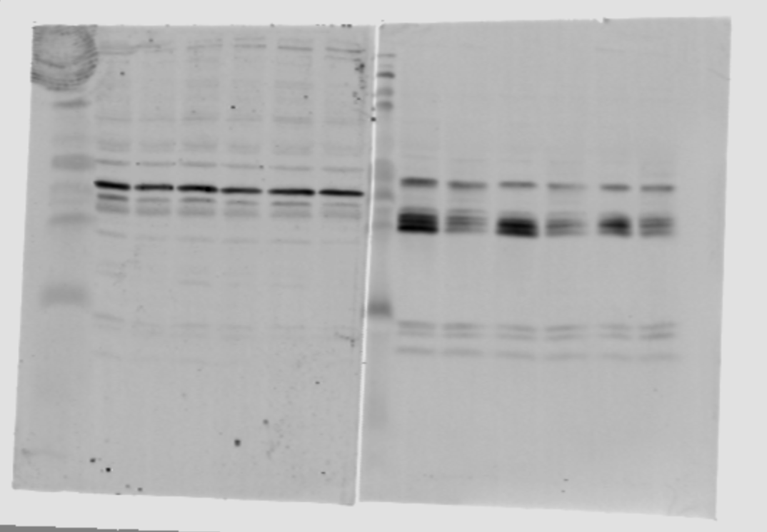

 |  |  | Cathepsin B

 | MFN-2

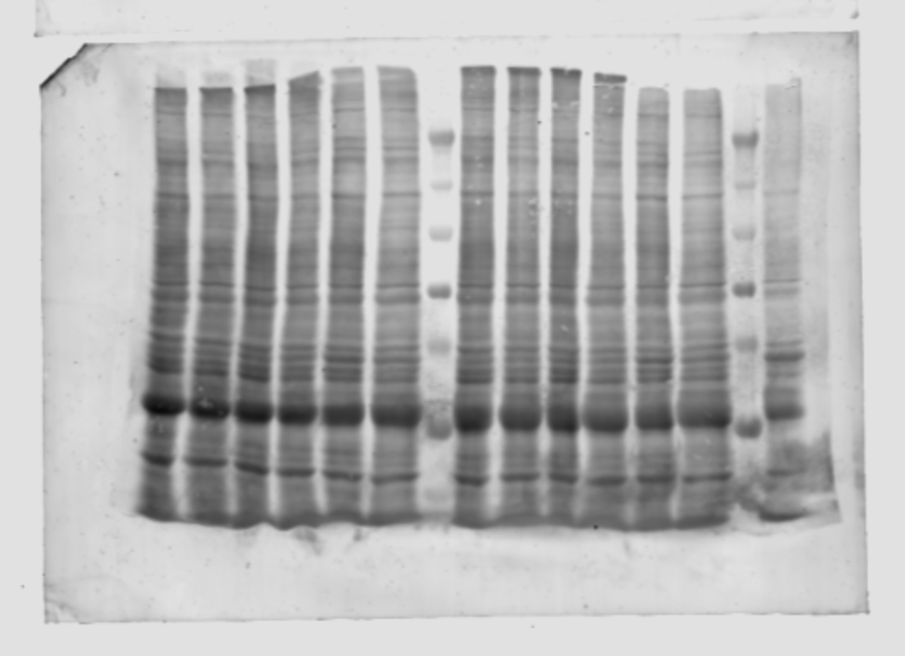

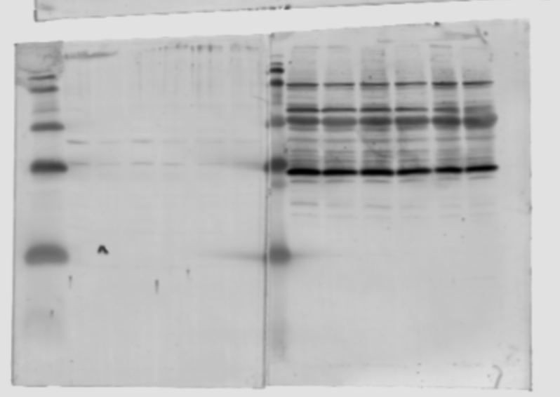

 |  |  | ATP6V1E1

Figure 4 A, E, I, N
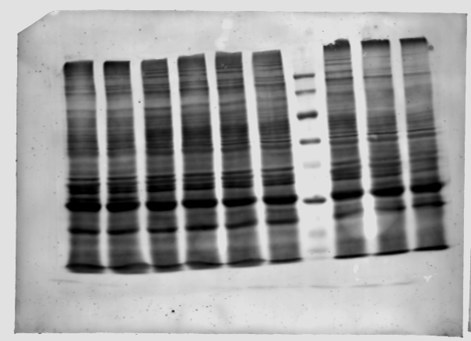
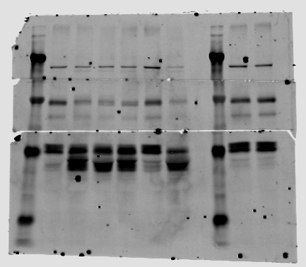
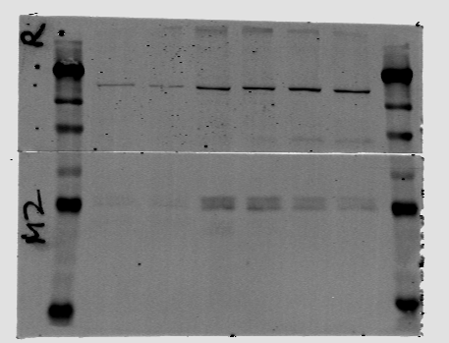
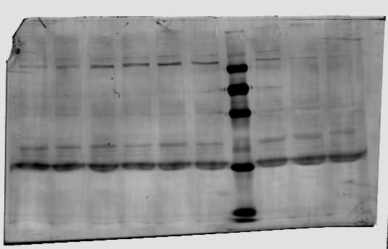
Figure 4 A | Figure 4 E | Figure 4 I | Figure 4 N

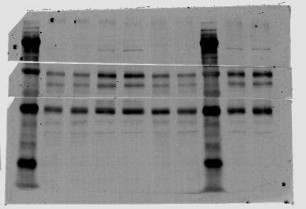
MTMR5
 | MTMR5 | MTMR5
Rubicon
 |  |  |  | MTMR5

MTMR2 |  |  |  | Rubicon

 |  |  |  | MTMR2

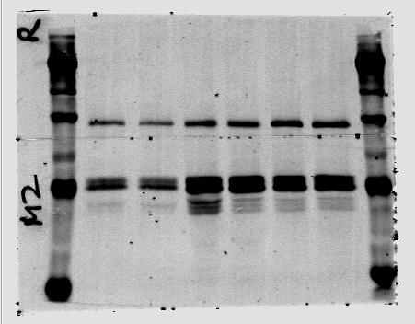
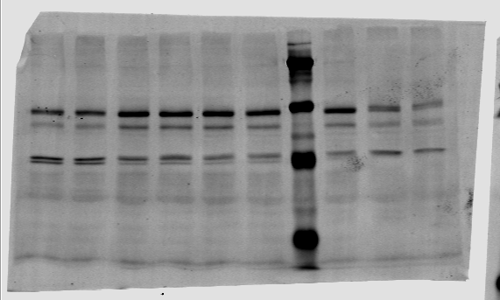
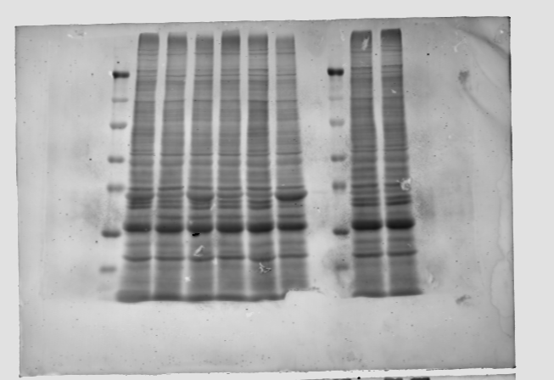

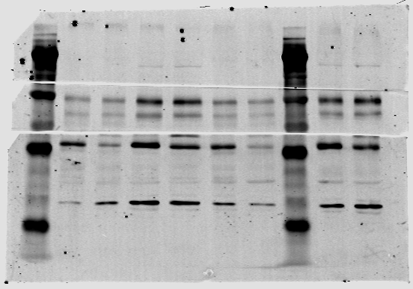
 | Rubicon
 |  | Rubicon

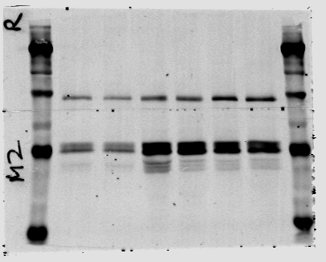
 |  |  |  | Mitofusin-2
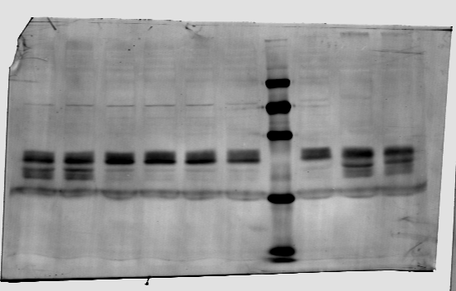

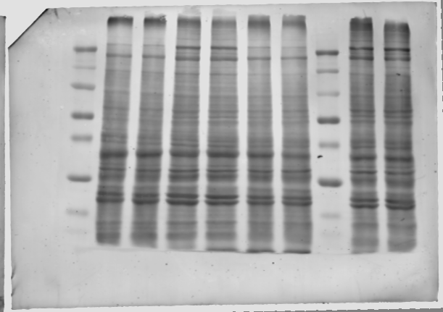
 | MTMR2 | MTMR2

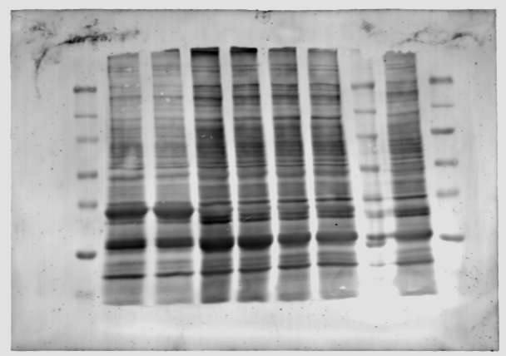

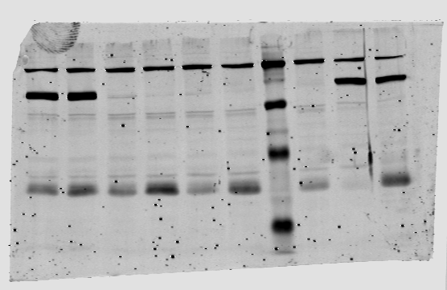

 |  | ATF4

Figure 5 A,B
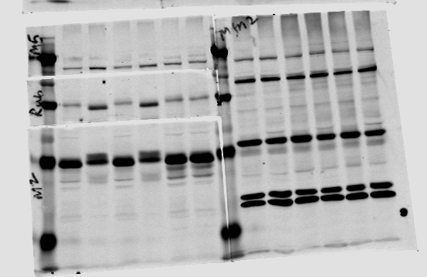
 |  | TOTAL PROTEIN |  |  |  |  |  |  |  |  | Rubicon
5A | 5B | Image Name | Channel | Name | Signal | Total | Area | Bkgnd. | Type | HeLa-1 | 0.00038734177215
 |  | 20230704_BB_total protein--- | 700 | 1 | 158000 | 293000 | 7140 | 19 | Signal | Cortical-1 | 0.0015
 |  | 20230704_BB_total protein--- | 700 | 2 | 126000 | 261000 | 7140 | 19 | Signal | HeLa-2 | 0.00038125
 |  | 20230704_BB_total protein--- | 700 | 3 | 160000 | 296000 | 7139 | 19 | Signal | Cortical-2 | 0.0016967213115
Rubicon |  | 20230704_BB_total protein--- | 700 | 4 | 122000 | 257000 | 7139 | 19 | Signal | HeLa-3 | 0.00038348623853
 |  | 20230704_BB_total protein--- | 700 | 5 | 0 | 24600 | 1296 | 19 | Background | Cortical-3 | 0.0010806451613

 |  | Rubicon
 |  | Image Name | Channel | Name | Signal | Total | Area | Bkgnd. | Type
 |  | 20230704_BB_set 1 | 800 | 1 | 61.2 | 254 | 378 | 0.509 | Signal
 |  | 20230704_BB_set 1 | 800 | 2 | 189 | 376 | 378 | 0.497 | Signal
 |  | 20230704_BB_set 1 | 800 | 3 | 61 | 246 | 378 | 0.491 | Signal
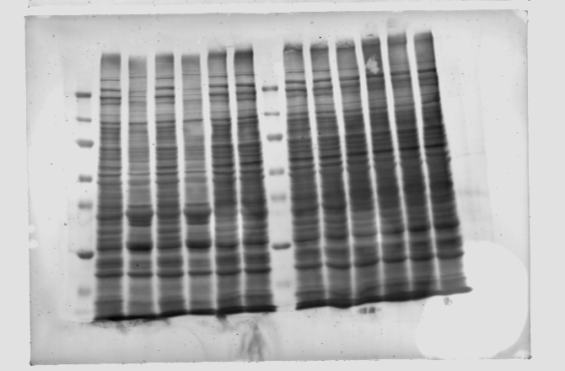
 |  | 20230704_BB_set 1 | 800 | 4 | 207 | 392 | 378 | 0.491 | Signal

 |  | TOTAL PROTEIN
 |  | Image Name | Channel | Name | Signal | Total | Area | Bkgnd. | Type
 |  | 20231019_BB_Total protein | 700 | 1 | 218000 | 347000 | 12287 | 10.5 | Signal
 |  | 20231019_BB_Total protein | 700 | 2 | 186000 | 316000 | 12291 | 10.5 | Signal
 |  | 20231019_BB_Total protein | 700 | 3 | 0 | 13000 | 1232 | 10.5 | Background

 |  | Rubicon
 |  | Image Name | Channel | Name | Signal | Total | Area | Bkgnd. | Type
 |  | 20231020_BB_set 1 | 800 | 1 | 83.6 | 536 | 690 | 0.656 | Signal
 |  | 20231020_BB_set 1 | 800 | 2 | 201 | 648 | 690 | 0.648 | Signal

Supplemental S1
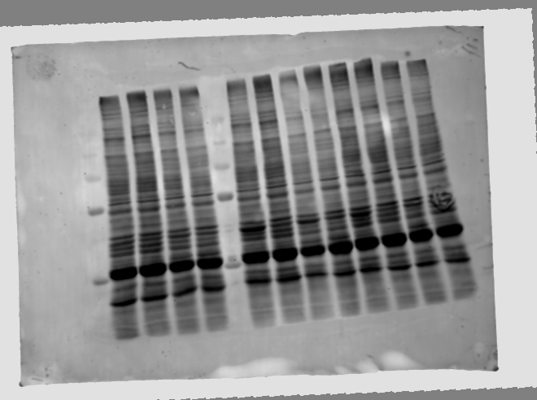
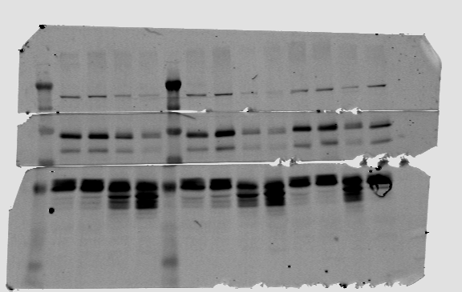
S1

 | Rubicon

Supplemental S2 full
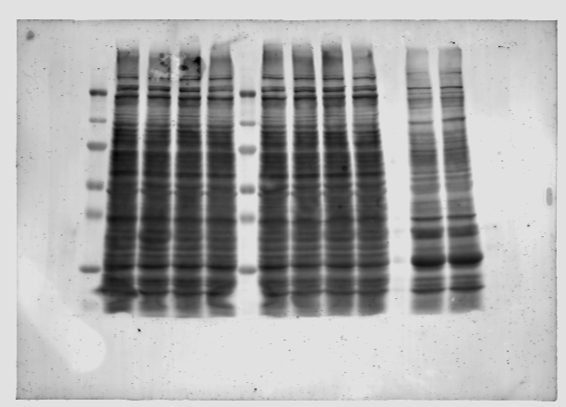
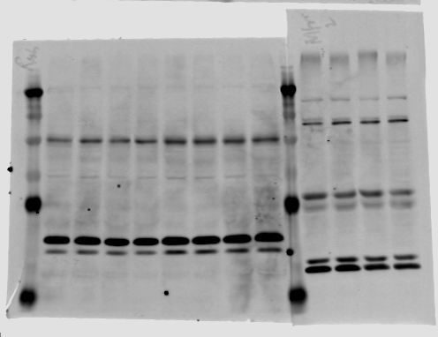
S2A
 |  | S2B

 |  | Rubicon | Date | Veh | Baf A | Fold change
 | Rubicon |  | 20230502 | 0.00079585798817 | 0.00079104477612 | Date | Veh | Baf A
 |  |  | 20230502 | 0.00076417910448 | 0.00065927977839 | 20230502 | 1 | 0.99395217222
 |  |  | 20230727 | 0.00037432432432 | 0.00052830188679 | 20230502 | 1 | 0.86272939751
 |  |  | 20230727 | 0.00047058823529 | 0.00052558139535 | 20230727 | 1 | 1.4113480008
 |  |  |  |  |  | 20230727 | 1 | 1.1168604651

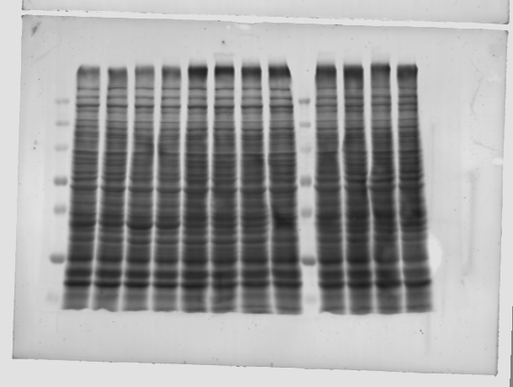

S2C |  | S2D
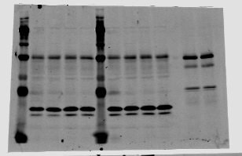
 |  |  |  |  |  | Fold change
 |  | Rubicon | Date | Veh | MG132 | Veh | MG132
 |  |  | 20230502 | 0.00042906574394 | 0.00056293706294 | 1 | 1.3120065418
 |  |  | 20230502 | 0.00047970479705 | 0.000609375 | 1 | 1.2703125
Rubicon |  |  | 20230727 | 0.00044026548673 | 0.00052450980392 | 1 | 1.1913489014
 |  |  | 20230727 | 0.0005497382199 | 0.0006174863388 | 1 | 1.1232370544

Supplemental S3 A, C, G
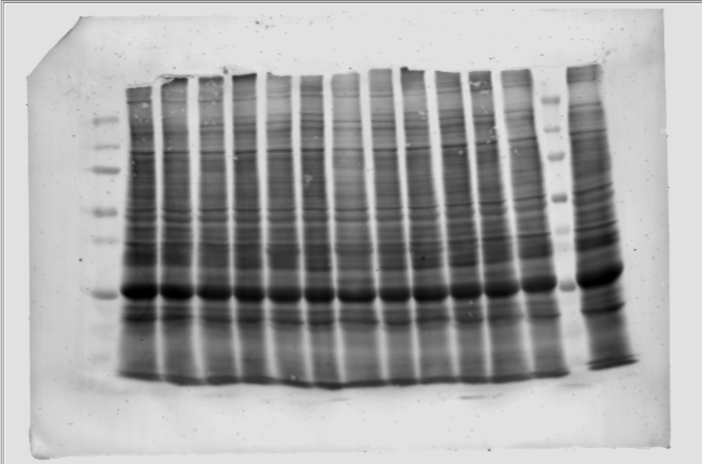
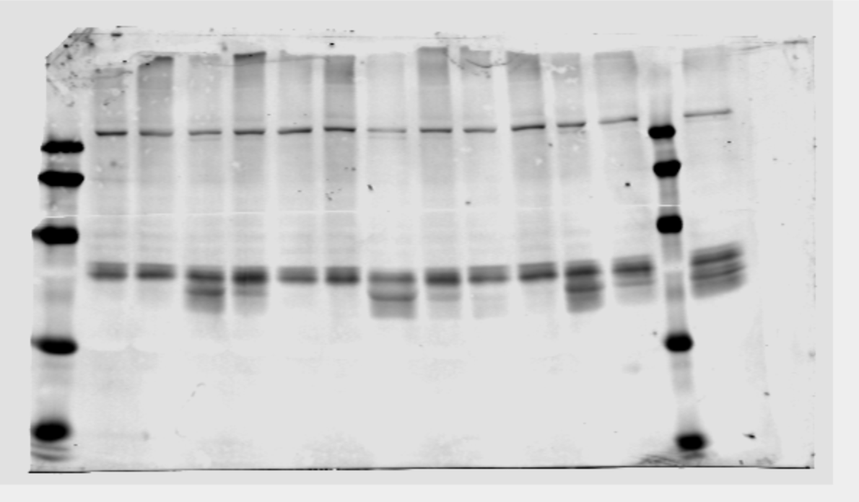
S3A | S3C |  | S3G | S3J
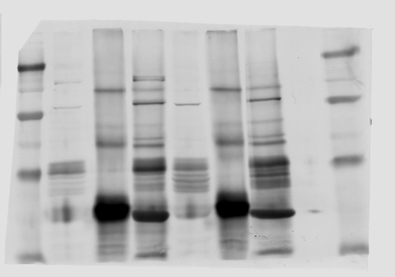
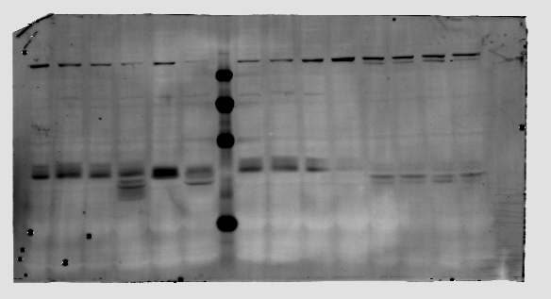

 | MTMR5

 |  | MTMR5

MTMR2

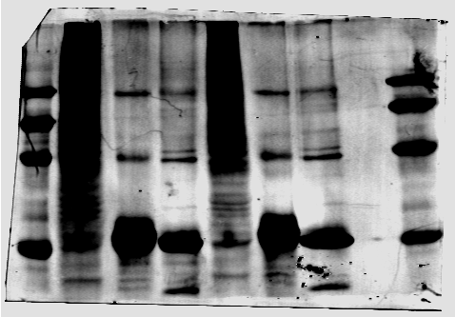



Ubiquitin | Rubicon

 |  | MTMR2





 | MTMR2

Supplemental S4 FULL





S4A



 |  |  |  |  |  |  |  |  |  |  | S4D
 |  |  |  |  |  |  |  |  |  |  |  |  |  | S4 E,F

 |  | HECTD1 |  |  | S4 B, C
 |  |  |  |  |  |  |  |  |  |  |  |  |  |  |  | Hectd1 | Rubicon | Hectd1 | Rubicon
 |  |  |  |  |  | Hectd1 | Rubicon | Hectd1 | Rubicon |  |  |  |  | Ant A | Ctrl | 0.0090963855422 | 0.00076807228916 | 1 | 1
 |  |  |  |  | Ctrl | 0.016060606061 | 0.0012323232323 | 1 | 1 |  |  |  |  |  | Hectd1 | 0.0032 | 0.00062761904762 | 0.35178807947 | 0.81713538749
 |  |  |  |  | Hectd1 | 0.0067403314917 | 0.0022651933702 | 0.41968101741 | 1.8381487184

 |  |  |  |  |  |  |  |  |  |  |  |  |  | Ant A | Ctrl | 0.0074112149533 | 0.00070373831776 | 1 | 1
 |  |  |  |  |  | Hectd1 | Rubicon | Hectd1 | Rubicon |  | Rubicon |  |  |  | Hectd1 | 0.003171641791 | 0.00085074626866 | 0.42795166664 | 1.2088957602
 |  |  |  |  | Ctrl | 0.016 | 0.00099090909091 | 1 | 1
 |  |  |  |  | Hectd1 | 0.0074360902256 | 0.0016466165414 | 0.4647556391 | 1.6617231151
 |  |  |  |  |  |  |  |  |  |  |  |  |  | Ant A | Ctrl | 0.004641025641 | 0.00026581196581 | 1 | 1
 |  |  |  |  |  |  |  |  |  |  |  |  |  |  | Hectd1 | 0.0019322033898 | 0.00048728813559 | 0.41633111715 | 1.8332061693
 |  |  |  |  |  | Hectd1 | Rubicon | Hectd1 | Rubicon
 |  |  |  |  | Ctrl | 0.021171875 | 0.0013515625 | 1 | 1 |  |  |  |  | Ant A | Ctrl | 0.00351304 | 0.00029826 | 1 | 1
 |  |  |  |  | Hectd1 | 0.0055973154362 | 0.0015771812081 | 0.26437504644 | 1.1669317609 |  |  |  |  |  | Hectd1 | 0.00064957 | 0.00025214 | 0.18490311 | 0.84535646

 |  |  |  |  | Ctrl | 0.01233871 | 0.00098387 | 1 | 1
 |  |  |  |  | Hectd1 | 0.00334965 | 0.00117483 | 0.27147493 | 1.1940846


 |  | Rubicon

 |  |  |  |  |  |  |  |  |  |  | HECTD1



S4 G
 | BNIP3 |  |  |  | PARKIN |  |  |  |  |  |  | RAB7 & COX2 |  |  |  | TBK1 |  |  |  |  | MITOFILIN

















S4H
 | VPS34 |  | ATG5 |  |  |  |  |  |  | ATG7 |  |  | LC3 |  |  |  |  |  |  | GABARAPs














S4I
 | LAMP1 & SCARB2







S4J | MTM1 |  |  | MTMR14








S4K
 | GAPDH, Tubulin |  |  |  | ACTIN

Supplement S5 B-L

S5 B |  |  |  |  | S5 D |  |  |  |  |  |  |  | S5 H



 |  |  |  |  |  |  |  |  |  |  |  |  |  |  |  |  |  |  | MTMR5

 |  |  |  |  |  | MTMR5 |  |  |  |  |  |  |  |  |  |  |  |  | Rubicon

 |  |  |  |  |  |  |  |  |  |  |  |  |  |  |  |  |  |  | MTMR2
 |  |  |  |  |  | MTMR2






 |  |  |  | Ubiquitin
 |  |  |  |  |  |  |  |  |  |  |  |  |  |  |  |  |  |  | Mitofusin-2

 |  |  |  |  |  | Rubicon



S5 C
 |  | Ub/Total protein | Fold change
 | Veh | 0.041524459613 | 1

 | Mg132 | 0.16492693111 | 3.9718019847
 | Veh | 0.060168598525 | 1
 | Mg132 | 0.17745803357 | 2.9493463023
 | Veh | 0.094694348328 | 1
 | Mg132 | 0.26931818182 | 2.8440787288
 | Veh | 0.034458598726 | 1
 | MG132 | 0.079428571429 | 2.3050435701

 |  |  |  |  |  |  |  |  |  |  |  |  |  | S5 I, J, K, L
 |  |  |  |  |  |  |  |  |  |  |  |  |  |  | Rubicon | MTMR5 | MTMR2 (normal product) |  |  |  | Rubicon | MTMR5 | MTMR2 (normal product)
 |  |  |  |  |  |  |  |  |  |  |  |  |  | Veh | 0.00036170212766 | 8.6524822695E-05 | 0.0024858156028 |  |  | Veh | 0.0007962962963 | 0.00018240740741 | 0.0061111111111
 |  |  |  |  |  |  |  |  |  |  |  |  |  | AA/AO | 0.00047931034483 | 0.00010931034483 | 0.0031413793103 |  |  | AA/AO | 0.00097536945813 | 0.00010443349754 | 0.0070443349754
 |  |  |  |  |  |  |  |  |  |  |  |  |  | Veh | 0.00050684931507 | 8.4931506849E-05 | 0.0029828767123 |  |  | Veh | 0.00077450980392 | 0.00016323529412 | 0.0059803921569
 |  |  |  |  |  |  |  |  |  |  |  |  |  | AA/AO | 0.0004531835206 | 8.8389513109E-05 | 0.0031161048689 |  |  | AA/AO | 0.0010240384615 | 0.00012788461538 | 0.0065865384615
 |  |  |  |  | S5 E,F,G
 |  |  |  |  |  |  |  |  |  | Fold change
 |  |  |  |  |  | MTMR5 | Rubicon | MTMR2 intact) |  | MTMR5 | Rubicon | MTMR2 intact) |  |  | FOLD CHANGE |  |  |  |  |  | FOLD CHANGE
 |  |  |  |  | Veh | 0.00014925373134 | 0.001052238806 | 0.00057537313433 | Veh | 1 | 1 | 1 |  |  | Rubicon | MTMR5 | MTMR2 (normal product) |  |  |  | Rubicon | MTMR5 | MTMR2 (normal product)
 |  |  |  |  | MG132 | 0.00016230769231 | 0.0022230769231 | 0.00080769230769 | MG132 | 1.0874615385 | 2.1127114021 | 1.403771326 |  | Veh | 1 | 1 | 1 |  |  | Veh | 1 | 1 | 1
 |  |  |  |  |  |  |  |  |  |  |  |  |  | AA/AO | 1.3251521298 | 1.2633408705 | 1.2637217768 |  |  | AA/AO | 1.2248825753 | 0.57252881898 | 1.1527093596
 |  |  |  |  |  |  |  |  |  |  |  |  |  | Veh | 1 | 1 | 1 |  |  | Veh | 1 | 1 | 1
 |  |  |  |  |  |  |  |  |  |  |  |  |  | AA/AO | 0.89411883794 | 1.040715235 | 1.0446643189 |  |  | AA/AO | 1.3221762415 | 0.78343728344 | 1.1013556116

 |  |  |  |  | Veh | 0.00018163265306 | 0.0014149659864 | 0.00074829931973 | Veh | 1 | 1 | 1
 |  |  |  |  | MG132 | 0.0001875 | 0.0019305555556 | 0.00070833333333 | MG132 | 1.0323033708 | 1.3643830128 | 0.94659090909 |  | Mitofusin-2
 |  |  |  |  |  |  |  |  |  |  |  |  |  | replicates: | 1 | 2 | 3 | 4
 |  |  |  |  |  |  |  |  |  |  |  |  |  | Veh | 0.0007164 | 0.0005698 | 0.0044352 | 0.0041765
 |  |  |  |  | Veh | 0.00015244755245 | 0.0013496503497 | 0.00063986013986 | Veh | 1 | 1 | 1 |  | AA/AO | 0.0004717 | 0.0003902 | 0.0027094 | 0.0030769
 |  |  |  |  | MG132 | 0.00015119047619 | 0.0023154761905 | 0.000875 | MG132 | 0.99175404107 | 1.7156118924 | 1.3674863388

 |  |  |  |  |  |  |  |  |  |  |  |  |  | FOLD CHANGE
 |  |  |  |  |  |  |  |  |  |  |  |  |  | Veh | 1 | 1 | 1 | 1
 |  |  |  |  | Veh | 0.00036756756757 | 0.0010743243243 | 0.00308784 | Veh | 1 | 1 | 1 |  | AA/AO | 0.6584119 | 0.6847161 | 0.6108786 | 0.7367281
 |  |  |  |  | MG132 | 0.00029064327485 | 0.0013976608187 | 0.00291228 | MG132 | 0.79072067 | 1.300967303 | 0.94314561

Supplement S6 FULL
S6 A |  |  |  |  | S6 C |  |  |  |  | S6 F





 |  |  |  |  |  |  |  |  |  |  |  |  | Synapsin-1
Rubicon
 |  |  |  | LAMP1






 |  |  |  | SCARB2



 | S6 B |  | Fold change in Rubicon levels |  |  |  |  |  |  | S6 G
 | Ctrl_1 | 0.001747 | 1
 | Rub_1 | 0.000797 | 0.455954 |  |  |  |  |  |  |  |  | Fold change in synapsin-1 levels
 | Ctrl_2 | 0.001659 | 1 |  |  |  |  |  |  | CTRL_1 | 0.17441860465 | 1
 | Rub_2 | 0.000622 | 0.375109 |  |  |  |  |  |  | Rubcn_1 | 0.13969072165 | 0.80089347079
 | Ctrl_3 | 0.001646 | 1 |  |  |  |  |  |  | Ctrl_2 | 0.028894230769 | 1
 | Rub_3 | 0.001061 | 0.644767 |  | S6 D, E |  |  |  |  | Rubcn_2 | 0.031120689655 | 1.0770554822
 | Ctrl_4 | 0.000967 | 1 |  |  |  |  |  |  | CTRL_3 | 0.036684782609 | 1
 | Rub_4 | 0.000412 | 0.426375 |  |  |  |  | Fold change |  | Rubcn_3 | 0.032535211268 | 0.886885759
 |  |  |  |  |  | LAMP1 | SCARB2 | LAMP1 | SCARB2 | Ctrl_4 | 0.02362745098 | 1
 |  |  |  |  | CTRL_1 | 0.00070945945946 | 0.034324324324 | 1 | 1 | Rubcn_4 | 0.018670520231 | 0.7902045907
 |  |  |  |  | Rubcn_1 | 0.00123125 | 0.0490625 | 1.7354761905 | 1.4293799213 | CTRL_5 | 0.022341463415 | 1
 |  |  |  |  | Ctrl_2 | 0.00058074534161 | 0.031242236025 | 1 | 1 | Rubcn_5 | 0.0090476190476 | 0.4049698482
 |  |  |  |  | Rubcn_2 | 0.00075581395349 | 0.034709302326 | 1.3014550429 | 1.1109736927 | Ctrl_6 | 0.094350282486 | 1
 |  |  |  |  |  |  |  |  |  | Rubcn_6 | 0.078571428571 | 0.83276304534

 |  |  |  |  |  |  |  | Fold change
 |  |  |  |  |  | LAMP1 | SCARB2 | LAMP1 | SCARB2
 |  |  |  |  | CTRL_3 | 0.00078275862069 | 0.024137931034 | 1 | 1
 |  |  |  |  | Rubcn_3 | 0.0011784232365 | 0.040248962656 | 1.5054746193 | 1.6674570243
 |  |  |  |  | Ctrl_4 | 0.00076413255361 | 0.031384015595 | 1 | 1
 |  |  |  |  | Rubcn_4 | 0.0013815551537 | 0.050632911392 | 1.8080045762 | 1.6133343816

Supplement S7 All except D

S7 A |  |  |  |  | S7 F |  |  |  |  |  | SUPPLEMENTAL S7 E | CTRL |  |  | R+M KD
 |  |  |  |  |  |  |  |  |  |  |  | Slice | Count |  | Slice | Count
 |  |  |  |  |  |  |  |  |  |  |  | Result of MAX_20241121_DIV 6_basal mitophagy_ctrl1_10_w2Conf-488-1_Simple Segmentation.tif | 0 |  | Result of MAX_20241121_DIV 6_basal mitophagy_R+M KD 1_10_w2Conf-488-1_Simple Segmentation.tif | 20

 |  |  |  |  |  |  |  |  |  |  |  | Result of MAX_20241121_DIV 6_basal mitophagy_ctrl1_11_w2Conf-488-1_Simple Segmentation.tif | 13 |  | Result of MAX_20241121_DIV 6_basal mitophagy_R+M KD 1_11_w2Conf-488-1_Simple Segmentation.tif | 0
 |  |  |  |  |  |  |  |  |  |  |  | Result of MAX_20241121_DIV 6_basal mitophagy_ctrl1_12_w2Conf-488-1_Simple Segmentation.tif | 7 |  | Result of MAX_20241121_DIV 6_basal mitophagy_R+M KD 1_12_w2Conf-488-1_Simple Segmentation.tif | 5
 |  |  |  |  |  |  |  |  |  |  |  | Result of MAX_20241121_DIV 6_basal mitophagy_ctrl1_13_w2Conf-488-1_Simple Segmentation.tif | 3 |  | Result of MAX_20241121_DIV 6_basal mitophagy_R+M KD 1_13_w2Conf-488-1_Simple Segmentation.tif | 16
 |  |  |  |  |  |  |  |  |  |  |  | Result of MAX_20241121_DIV 6_basal mitophagy_ctrl1_14_w2Conf-488-1_Simple Segmentation.tif | 1 |  | Result of MAX_20241121_DIV 6_basal mitophagy_R+M KD 1_14_w2Conf-488-1_Simple Segmentation.tif | 2
 |  |  |  | Rubicon |  |  |  |  |  |  |  | Result of MAX_20241121_DIV 6_basal mitophagy_ctrl1_15_w2Conf-488-1_Simple Segmentation.tif | 4 |  | Result of MAX_20241121_DIV 6_basal mitophagy_R+M KD 1_15_w2Conf-488-1_Simple Segmentation.tif | 5
 |  |  |  |  |  |  |  |  |  |  |  | Result of MAX_20241121_DIV 6_basal mitophagy_ctrl1_16_w2Conf-488-1_Simple Segmentation.tif | 10 |  | Result of MAX_20241121_DIV 6_basal mitophagy_R+M KD 1_3_w2Conf-488-1_Simple Segmentation.tif | 2
 |  |  |  |  |  |  |  |  |  | MTMR2 |  | Result of MAX_20241121_DIV 6_basal mitophagy_ctrl1_2_w2Conf-488-1_Simple Segmentation.tif | 7 |  | Result of MAX_20241121_DIV 6_basal mitophagy_R+M KD 1_4_w2Conf-488-1_Simple Segmentation.tif | 22
 |  |  |  | MTMR2 |  |  |  |  |  |  |  | Result of MAX_20241121_DIV 6_basal mitophagy_ctrl1_3_w2Conf-488-1_Simple Segmentation.tif | 1 |  | Result of MAX_20241121_DIV 6_basal mitophagy_R+M KD 1_5_w2Conf-488-1_Simple Segmentation.tif | 11
 |  |  |  |  |  |  |  |  |  |  |  | Result of MAX_20241121_DIV 6_basal mitophagy_ctrl1_4_w2Conf-488-1_Simple Segmentation.tif | 1 |  | Result of MAX_20241121_DIV 6_basal mitophagy_R+M KD 1_6_w2Conf-488-1_Simple Segmentation.tif | 38
 |  |  |  |  |  |  |  |  |  |  |  | Result of MAX_20241121_DIV 6_basal mitophagy_ctrl1_5_w2Conf-488-1_Simple Segmentation.tif | 0 |  | Result of MAX_20241121_DIV 6_basal mitophagy_R+M KD 1_7_w2Conf-488-1_Simple Segmentation.tif | 29
 |  |  |  |  |  |  |  |  |  |  |  | Result of MAX_20241121_DIV 6_basal mitophagy_ctrl1_6_w2Conf-488-1_Simple Segmentation.tif | 5 |  | Result of MAX_20241121_DIV 6_basal mitophagy_R+M KD 1_8_w2Conf-488-1_Simple Segmentation.tif | 15
 |  |  |  |  |  |  |  |  |  |  |  | Result of MAX_20241121_DIV 6_basal mitophagy_ctrl1_7_w2Conf-488-1_Simple Segmentation.tif | 9 |  | Result of MAX_20241121_DIV 6_basal mitophagy_R+M KD 1_9_w2Conf-488-1_Simple Segmentation.tif | 0 | 12.692307692

 |  |  |  |  |  |  |  |  |  |  |  | Result of MAX_20241121_DIV 6_basal mitophagy_ctrl1_8_w2Conf-488-1_Simple Segmentation.tif | 1

 |  |  |  |  |  |  |  |  |  |  |  | Result of MAX_20241121_DIV 6_basal mitophagy_ctrl1_9_w2Conf-488-1_Simple Segmentation.tif | 0 | 4.1333333333

 |  |  |  |  |  |  |  |  |  |  |  | Result of MAX_20241121_DIV 6_basal mitophagy_CTRL KD 2_10_w2Conf-488-1_Simple Segmentation.tif | 1 |  | Result of MAX_20241121_DIV 6_basal mitophagy_R+M KD 2_10_w2Conf-488-1_Simple Segmentation.tif | 7
 |  |  |  |  |  |  |  |  |  |  |  | Result of MAX_20241121_DIV 6_basal mitophagy_CTRL KD 2_11_w2Conf-488-1_Simple Segmentation.tif | 0 |  | Result of MAX_20241121_DIV 6_basal mitophagy_R+M KD 2_11_w2Conf-488-1_Simple Segmentation.tif | 0
 |  |  |  |  |  |  |  |  |  |  |  | Result of MAX_20241121_DIV 6_basal mitophagy_CTRL KD 2_12_w2Conf-488-1_Simple Segmentation.tif | 1 |  | Result of MAX_20241121_DIV 6_basal mitophagy_R+M KD 2_12_w2Conf-488-1_Simple Segmentation.tif | 4
 |  |  |  |  |  |  |  |  |  |  |  | Result of MAX_20241121_DIV 6_basal mitophagy_CTRL KD 2_13_w2Conf-488-1_Simple Segmentation.tif | 0 |  | Result of MAX_20241121_DIV 6_basal mitophagy_R+M KD 2_13_w2Conf-488-1_Simple Segmentation.tif | 23
 |  |  |  |  |  |  |  |  |  |  |  | Result of MAX_20241121_DIV 6_basal mitophagy_CTRL KD 2_14_w2Conf-488-1_Simple Segmentation.tif | 2 |  | Result of MAX_20241121_DIV 6_basal mitophagy_R+M KD 2_14_w2Conf-488-1_Simple Segmentation.tif | 17
 |  |  |  |  |  |  |  |  |  |  |  | Result of MAX_20241121_DIV 6_basal mitophagy_CTRL KD 2_3_w2Conf-488-1_Simple Segmentation.tif | 9 |  | Result of MAX_20241121_DIV 6_basal mitophagy_R+M KD 2_15_w2Conf-488-1_Simple Segmentation.tif | 0
 |  |  |  |  |  |  |  |  |  |  |  | Result of MAX_20241121_DIV 6_basal mitophagy_CTRL KD 2_4_w2Conf-488-1_Simple Segmentation.tif | 1 |  | Result of MAX_20241121_DIV 6_basal mitophagy_R+M KD 2_16_w2Conf-488-1_Simple Segmentation.tif | 1
 |  |  |  |  |  |  |  |  |  |  |  | Result of MAX_20241121_DIV 6_basal mitophagy_CTRL KD 2_5_w2Conf-488-1_Simple Segmentation.tif | 0 |  | Result of MAX_20241121_DIV 6_basal mitophagy_R+M KD 2_2_w2Conf-488-1_Simple Segmentation.tif | 27
 |  |  |  |  |  |  |  |  |  |  |  | Result of MAX_20241121_DIV 6_basal mitophagy_CTRL KD 2_6_w2Conf-488-1_Simple Segmentation.tif | 3 |  | Result of MAX_20241121_DIV 6_basal mitophagy_R+M KD 2_3_w2Conf-488-1_Simple Segmentation.tif | 1
 |  |  |  |  |  |  |  |  |  |  |  | Result of MAX_20241121_DIV 6_basal mitophagy_CTRL KD 2_7_w2Conf-488-1_Simple Segmentation.tif | 0 |  | Result of MAX_20241121_DIV 6_basal mitophagy_R+M KD 2_4_w2Conf-488-1_Simple Segmentation.tif | 10
 |  |  |  |  |  |  |  |  |  |  |  | Result of MAX_20241121_DIV 6_basal mitophagy_CTRL KD 2_8_w2Conf-488-1_Simple Segmentation.tif | 0 |  | Result of MAX_20241121_DIV 6_basal mitophagy_R+M KD 2_5_w2Conf-488-1_Simple Segmentation.tif | 3
 |  |  |  |  |  |  |  |  |  |  |  | Result of MAX_20241121_DIV 6_basal mitophagy_CTRL KD 2_9_w2Conf-488-1_Simple Segmentation.tif | 0 | 1.4166666667 | Result of MAX_20241121_DIV 6_basal mitophagy_R+M KD 2_6_w2Conf-488-1_Simple Segmentation.tif | 17
 |  |  |  |  |  |  |  |  |  |  |  |  |  |  | Result of MAX_20241121_DIV 6_basal mitophagy_R+M KD 2_7_w2Conf-488-1_Simple Segmentation.tif | 0
 |  |  |  |  |  |  |  |  |  |  |  |  |  |  | Result of MAX_20241121_DIV 6_basal mitophagy_R+M KD 2_8_w2Conf-488-1_Simple Segmentation.tif | 25
 |  |  |  |  |  | S7 G |  |  |  |  |  |  |  |  | Result of MAX_20241121_DIV 6_basal mitophagy_R+M KD 2_9_w2Conf-488-1_Simple Segmentation.tif | 1 | 9.0666666667
S7 B,C |  |  |  |  |  |  |  | MTMR2/Total protein | Fold change
 |  |  |  |  |  |  | Ctrl-1 | 0.0014900662252 | 1
 |  | Rubicon | MTMR2 |  |  |  | M2-1 | 0.00066767676768 | 0.44808529742
 | Ctrl-1 | 0.001954954955 | 0.0032972972973
 | R_M-1 | 0.0007230941704 | 0.0010089686099 |  |  |  | Ctrl-2 | 0.0029534883721 | 1
 |  |  |  |  |  |  | M2-2 | 0.0014 | 0.47401574803 |  |  | Slice | Count |  | Slice | Count
 |  |  |  |  |  |  | Ctrl-3 | 0.003632 | 1 |  |  | Result of MAX_20241126_CTRL KD_Basal mitophagy_DISH 1_10_w2Conf-488-1_Simple Segmentation.tif | 7 |  | Result of MAX_20241126_R+M KD_Basal mitophagy_DISH 1_10_w2Conf-488-1_Simple Segmentation.tif | 20
 |  | Rubicon | MTMR2 |  |  |  | M2-3 | 0.0014304291287 | 0.39384061915 |  |  | Result of MAX_20241126_CTRL KD_Basal mitophagy_DISH 1_11_w2Conf-488-1_Simple Segmentation.tif | 3 |  | Result of MAX_20241126_R+M KD_Basal mitophagy_DISH 1_12_w2Conf-488-1_Simple Segmentation.tif | 8
FOLD CHANGE | Ctrl-1 | 1 | 1 |  |  |  |  |  |  |  |  | Result of MAX_20241126_CTRL KD_Basal mitophagy_DISH 1_12_w2Conf-488-1_Simple Segmentation.tif | 1 |  | Result of MAX_20241126_R+M KD_Basal mitophagy_DISH 1_13_w2Conf-488-1_Simple Segmentation.tif | 5
 | R_M-1 | 0.3698776632 | 0.30599867676 |  |  |  | Ctrl-4 | 0.0034224137931 | 1 |  |  | Result of MAX_20241126_CTRL KD_Basal mitophagy_DISH 1_13_w2Conf-488-1_Simple Segmentation.tif | 8 |  | Result of MAX_20241126_R+M KD_Basal mitophagy_DISH 1_14_w2Conf-488-1_Simple Segmentation.tif | 12
 |  |  |  |  |  |  | M2-4 | 0.002 | 0.58438287154 |  |  | Result of MAX_20241126_CTRL KD_Basal mitophagy_DISH 1_14_w2Conf-488-1_Simple Segmentation.tif | 2 |  | Result of MAX_20241126_R+M KD_Basal mitophagy_DISH 1_15_w2Conf-488-1_Simple Segmentation.tif | 6
 |  | Rubicon | MTMR2 |  |  |  |  |  |  |  |  | Result of MAX_20241126_CTRL KD_Basal mitophagy_DISH 1_15_w2Conf-488-1_Simple Segmentation.tif | 0 |  | Result of MAX_20241126_R+M KD_Basal mitophagy_DISH 1_2_w2Conf-488-1_Simple Segmentation.tif | 7
 | Ctrl-2 | 0.00090540540541 | 0.0012702702703 |  |  |  |  |  |  |  |  | Result of MAX_20241126_CTRL KD_Basal mitophagy_DISH 1_2_w2Conf-488-1_Simple Segmentation.tif | 0 |  | Result of MAX_20241126_R+M KD_Basal mitophagy_DISH 1_3_w2Conf-488-1_Simple Segmentation.tif | 20
 | R_M-2 | 0.0007072 | 0.0008 |  |  |  |  |  |  |  |  | Result of MAX_20241126_CTRL KD_Basal mitophagy_DISH 1_3_w2Conf-488-1_Simple Segmentation.tif | 0 |  | Result of MAX_20241126_R+M KD_Basal mitophagy_DISH 1_4_w2Conf-488-1_Simple Segmentation.tif | 10
 |  |  |  |  |  |  |  |  |  |  |  | Result of MAX_20241126_CTRL KD_Basal mitophagy_DISH 1_4_w2Conf-488-1_Simple Segmentation.tif | 10 |  | Result of MAX_20241126_R+M KD_Basal mitophagy_DISH 1_5_w2Conf-488-1_Simple Segmentation.tif | 19
 |  |  |  |  |  |  |  |  |  |  |  | Result of MAX_20241126_CTRL KD_Basal mitophagy_DISH 1_5_w2Conf-488-1_Simple Segmentation.tif | 1 |  | Result of MAX_20241126_R+M KD_Basal mitophagy_DISH 1_6_w2Conf-488-1_Simple Segmentation.tif | 14
 |  | Rubicon | MTMR2 |  |  |  |  |  |  |  |  | Result of MAX_20241126_CTRL KD_Basal mitophagy_DISH 1_6_w2Conf-488-1_Simple Segmentation.tif | 0 |  | Result of MAX_20241126_R+M KD_Basal mitophagy_DISH 1_7_w2Conf-488-1_Simple Segmentation.tif | 4
FOLD CHANGE | Ctrl-2 | 1 | 1 |  |  |  |  |  |  |  |  | Result of MAX_20241126_CTRL KD_Basal mitophagy_DISH 1_8_w2Conf-488-1_Simple Segmentation.tif | 0 |  | Result of MAX_20241126_R+M KD_Basal mitophagy_DISH 1_8_w2Conf-488-1_Simple Segmentation.tif | 2
 | R_M-2 | 0.78108656716 | 0.62978723404 |  |  |  |  |  |  |  |  | Result of MAX_20241126_CTRL KD_Basal mitophagy_DISH 1_9_w2Conf-488-1_Simple Segmentation.tif | 0 | 2.4615384615 | Result of MAX_20241126_R+M KD_Basal mitophagy_DISH 1_9_w2Conf-488-1_Simple Segmentation.tif | 3 | 10

 |  | Rubicon | MTMR2
 | Ctrl-3 | 0.0022336448598 | 0.0035046728972
 | R_M-3 | 0.00049794238683 | 0.00084362139918
 | Ctrl-4 | 0.0016198156682 | 0.0026267281106 |  |  |  |  |  |  |  |  |  |  |  | Result of MAX_20241126_R+M KD_Basal mitophagy_DISH 2_10_w2Conf-488-1_Simple Segmentation.tif | 2
 | R_M-4 | 0.0007488372093 | 0.0012372093023 |  |  |  |  |  |  |  |  | Result of MAX_20241126_CTRL KD_Basal mitophagy_DISH 2_11_w2Conf-488-1_Simple Segmentation.tif | 0 |  | Result of MAX_20241126_R+M KD_Basal mitophagy_DISH 2_11_w2Conf-488-1_Simple Segmentation.tif | 3
 |  |  |  |  |  |  |  |  |  |  |  | Result of MAX_20241126_CTRL KD_Basal mitophagy_DISH 2_12_w2Conf-488-1_Simple Segmentation.tif | 4 |  | Result of MAX_20241126_R+M KD_Basal mitophagy_DISH 2_12_w2Conf-488-1_Simple Segmentation.tif | 1
FOLD CHANGE | Ctrl-3 | 1 | 1 |  |  |  |  |  |  |  |  | Result of MAX_20241126_CTRL KD_Basal mitophagy_DISH 2_13_w2Conf-488-1_Simple Segmentation.tif | 1 |  | Result of MAX_20241126_R+M KD_Basal mitophagy_DISH 2_13_w2Conf-488-1_Simple Segmentation.tif | 2
 | R_M-3 | 0.22292818155 | 0.2407133059 |  |  |  |  |  |  |  |  | Result of MAX_20241126_CTRL KD_Basal mitophagy_DISH 2_14_w2Conf-488-1_Simple Segmentation.tif | 0 |  | Result of MAX_20241126_R+M KD_Basal mitophagy_DISH 2_14_w2Conf-488-1_Simple Segmentation.tif | 18
FOLD CHANGE | Ctrl-4 | 1 | 1 |  |  |  |  |  |  |  |  | Result of MAX_20241126_CTRL KD_Basal mitophagy_DISH 2_15_w2Conf-488-1_Simple Segmentation.tif | 0 |  | Result of MAX_20241126_R+M KD_Basal mitophagy_DISH 2_15_w2Conf-488-1_Simple Segmentation.tif | 7
 | R_M-4 | 0.46229779351 | 0.47100775194 |  |  |  |  |  |  |  |  | Result of MAX_20241126_CTRL KD_Basal mitophagy_DISH 2_2_w2Conf-488-1_Simple Segmentation.tif | 0 |  | Result of MAX_20241126_R+M KD_Basal mitophagy_DISH 2_2_w2Conf-488-1_Simple Segmentation.tif | 8
 |  |  |  |  |  |  |  |  |  |  |  | Result of MAX_20241126_CTRL KD_Basal mitophagy_DISH 2_3_w2Conf-488-1_Simple Segmentation.tif | 0 |  | Result of MAX_20241126_R+M KD_Basal mitophagy_DISH 2_3_w2Conf-488-1_Simple Segmentation.tif | 12
 |  |  |  |  |  |  |  |  |  |  |  | Result of MAX_20241126_CTRL KD_Basal mitophagy_DISH 2_4_w2Conf-488-1_Simple Segmentation.tif | 0 |  | Result of MAX_20241126_R+M KD_Basal mitophagy_DISH 2_4_w2Conf-488-1_Simple Segmentation.tif | 6
 |  |  |  |  |  |  |  |  |  |  |  | Result of MAX_20241126_CTRL KD_Basal mitophagy_DISH 2_5_w2Conf-488-1_Simple Segmentation.tif | 0 |  | Result of MAX_20241126_R+M KD_Basal mitophagy_DISH 2_5_w2Conf-488-1_Simple Segmentation.tif | 4
 |  |  |  |  |  |  |  |  |  |  |  | Result of MAX_20241126_CTRL KD_Basal mitophagy_DISH 2_6_w2Conf-488-1_Simple Segmentation.tif | 0 |  | Result of MAX_20241126_R+M KD_Basal mitophagy_DISH 2_7_w2Conf-488-1_Simple Segmentation.tif | 3
 |  |  |  |  |  |  |  |  |  |  |  | Result of MAX_20241126_CTRL KD_Basal mitophagy_DISH 2_7_w2Conf-488-1_Simple Segmentation.tif | 0 |  | Result of MAX_20241126_R+M KD_Basal mitophagy_DISH 2_8_w2Conf-488-1_Simple Segmentation.tif | 2
 |  |  |  |  |  |  |  |  |  |  |  | Result of MAX_20241126_CTRL KD_Basal mitophagy_DISH 2_8_w2Conf-488-1_Simple Segmentation.tif | 0 |  | Result of MAX_20241126_R+M KD_Basal mitophagy_DISH 2_9_w2Conf-488-1_Simple Segmentation.tif | 7 | 5.7692307692
 |  |  |  |  |  |  |  |  |  |  |  | Result of MAX_20241126_CTRL KD_Basal mitophagy_DISH 2_9_w2Conf-488-1_Simple Segmentation.tif | 19 | 1.8461538462

