Figure 3B
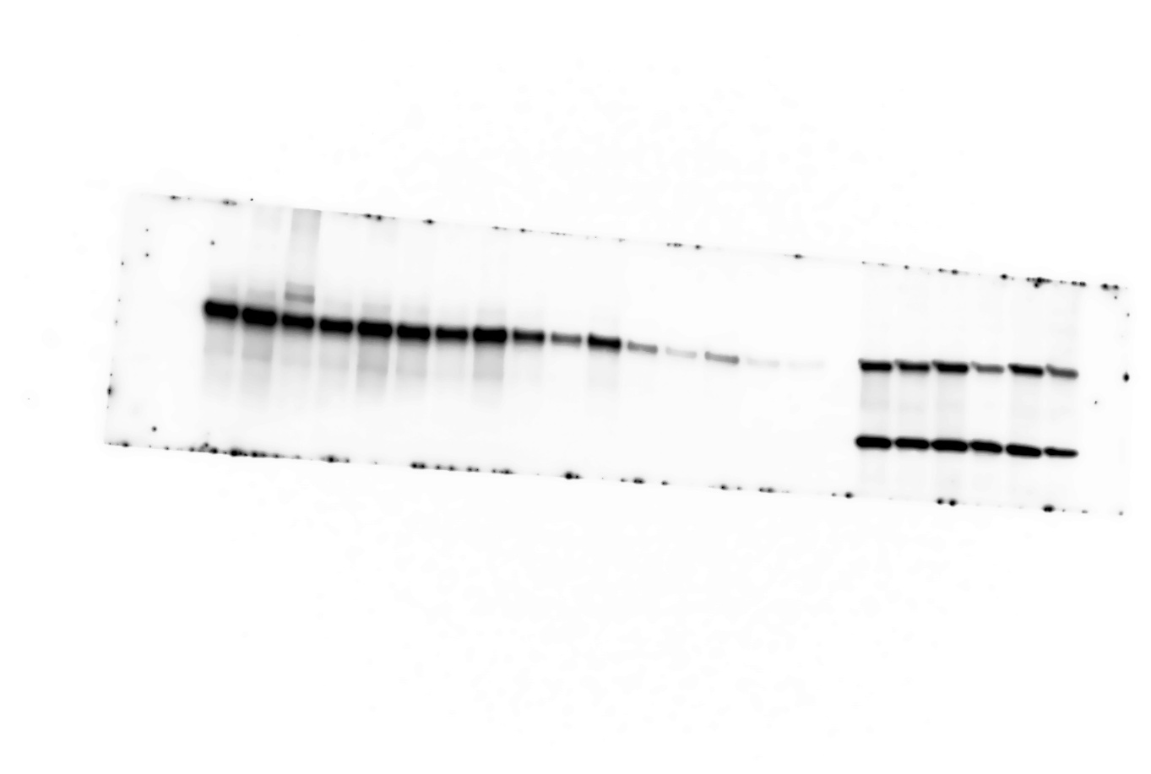

IP: Streptavidin
WB: BTK
75

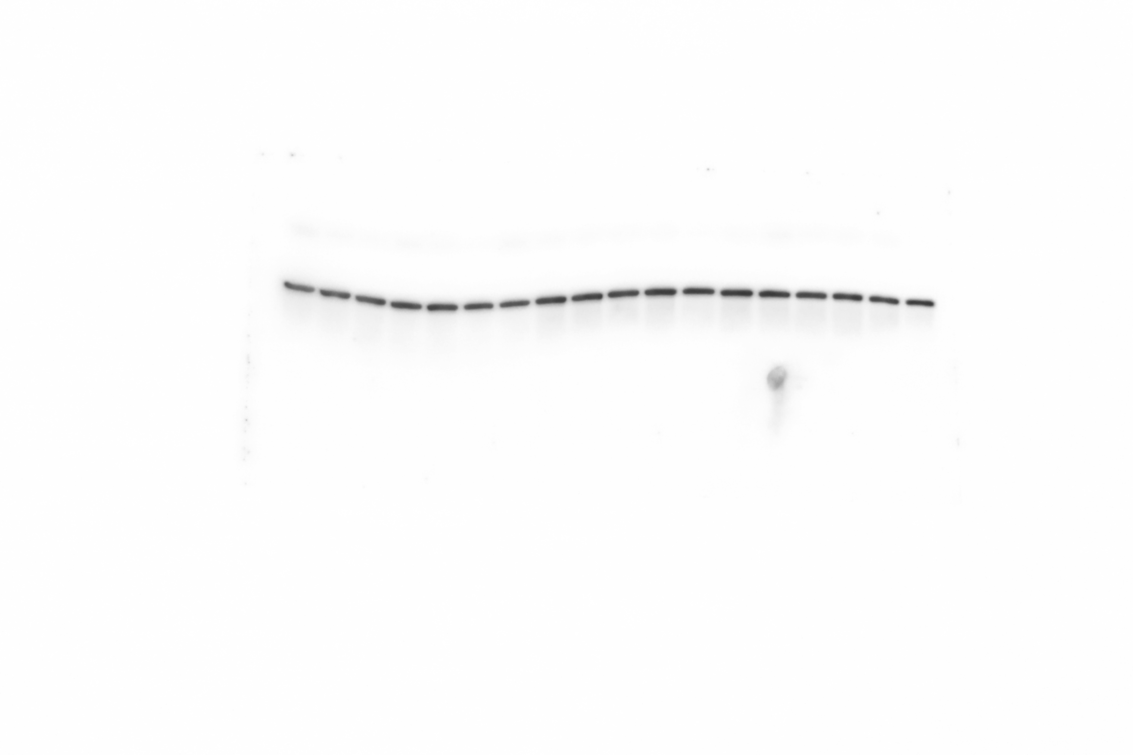

Input
WB: β-actin
50
37

Figure 4B
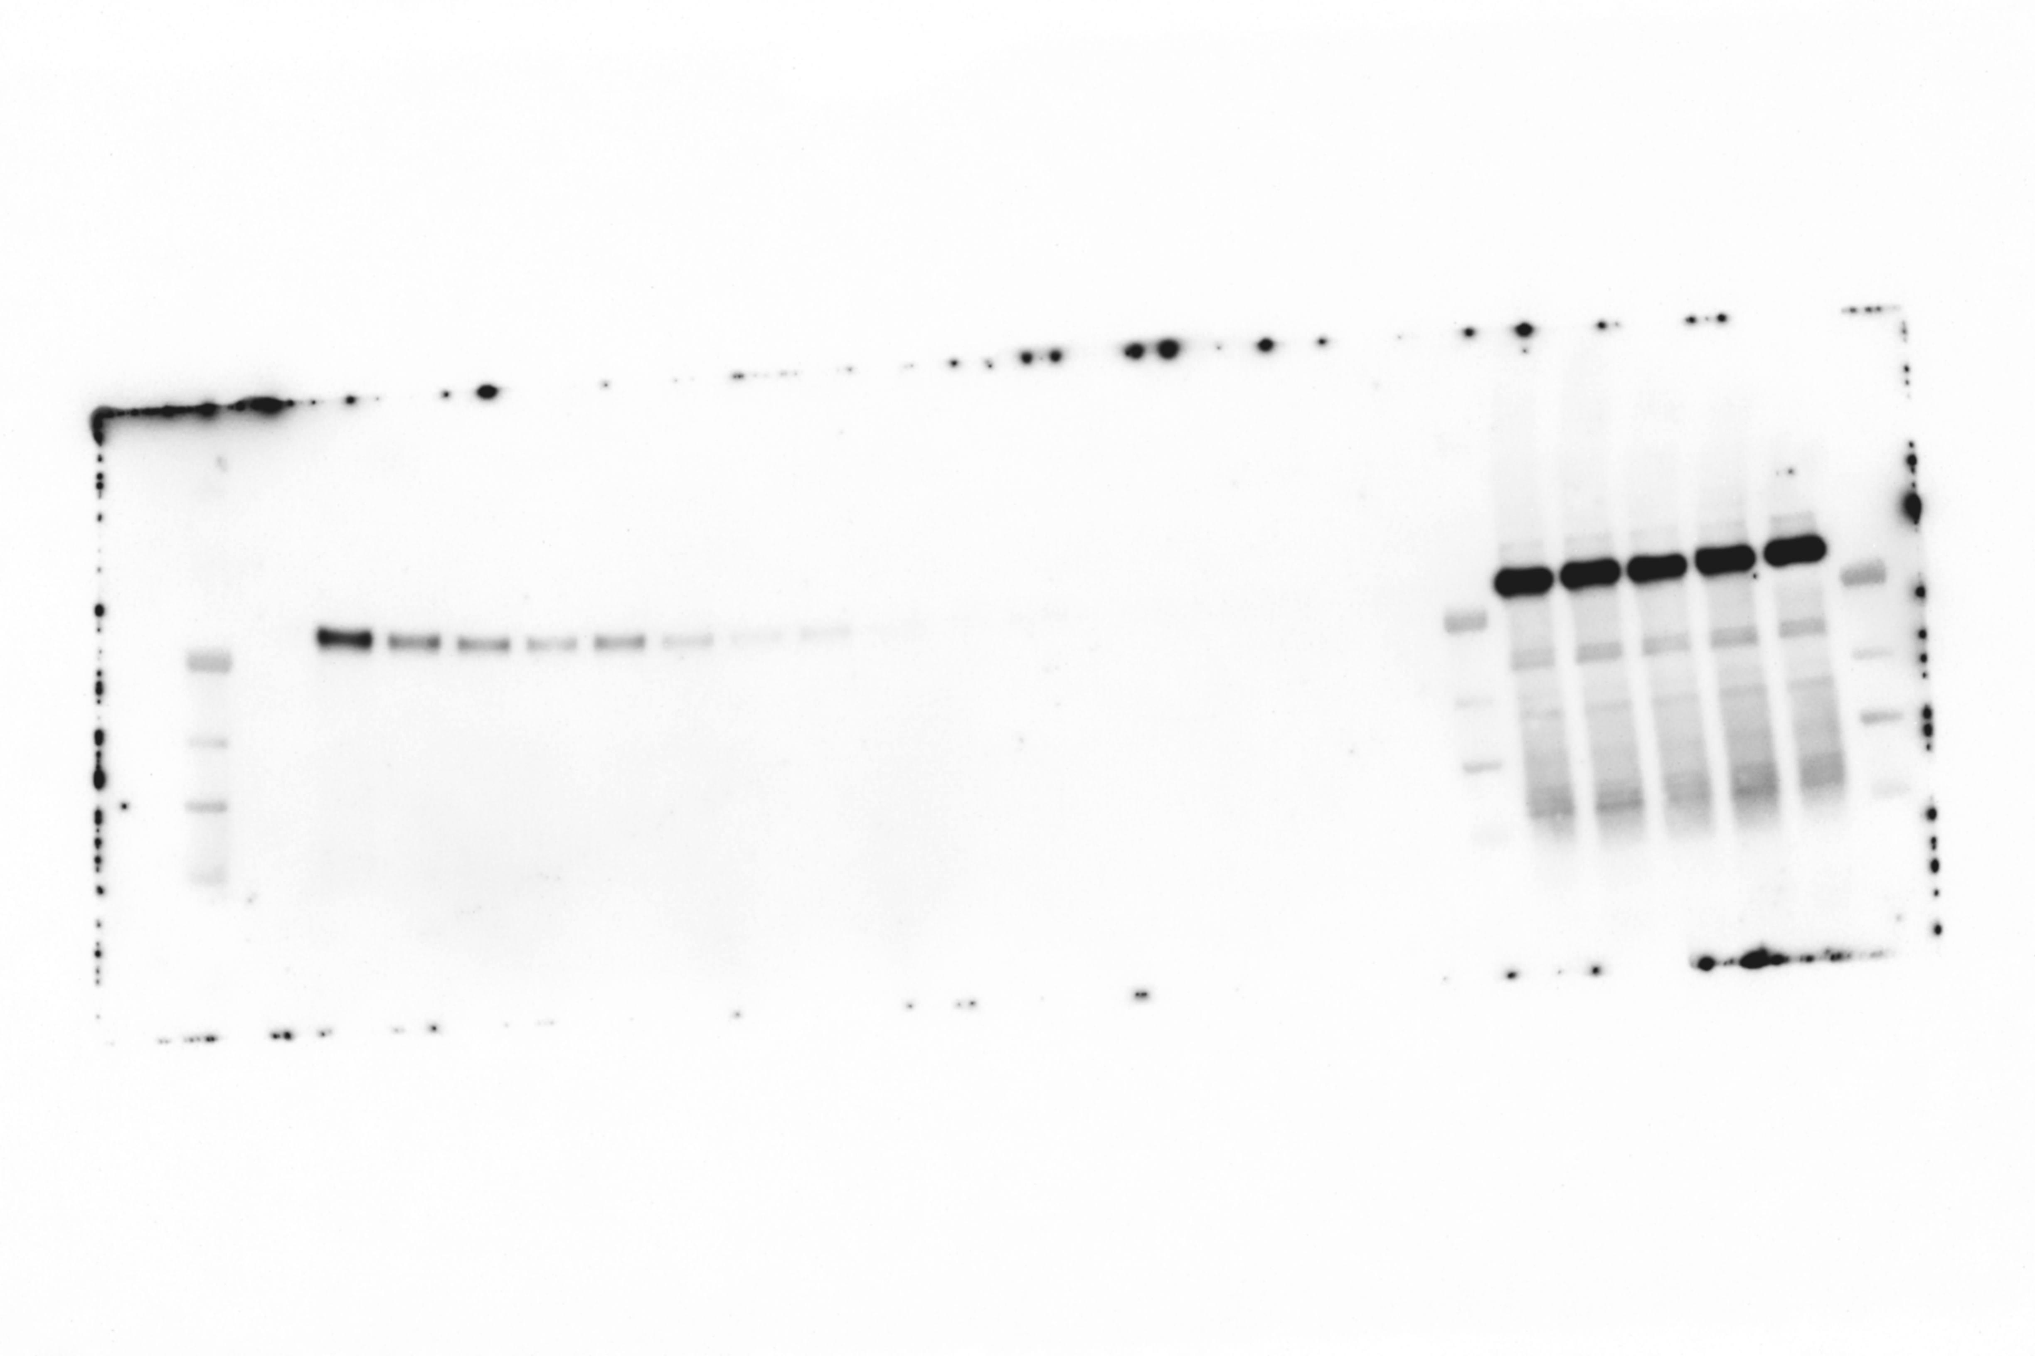

IP: Streptavidin
WB: BTK
70

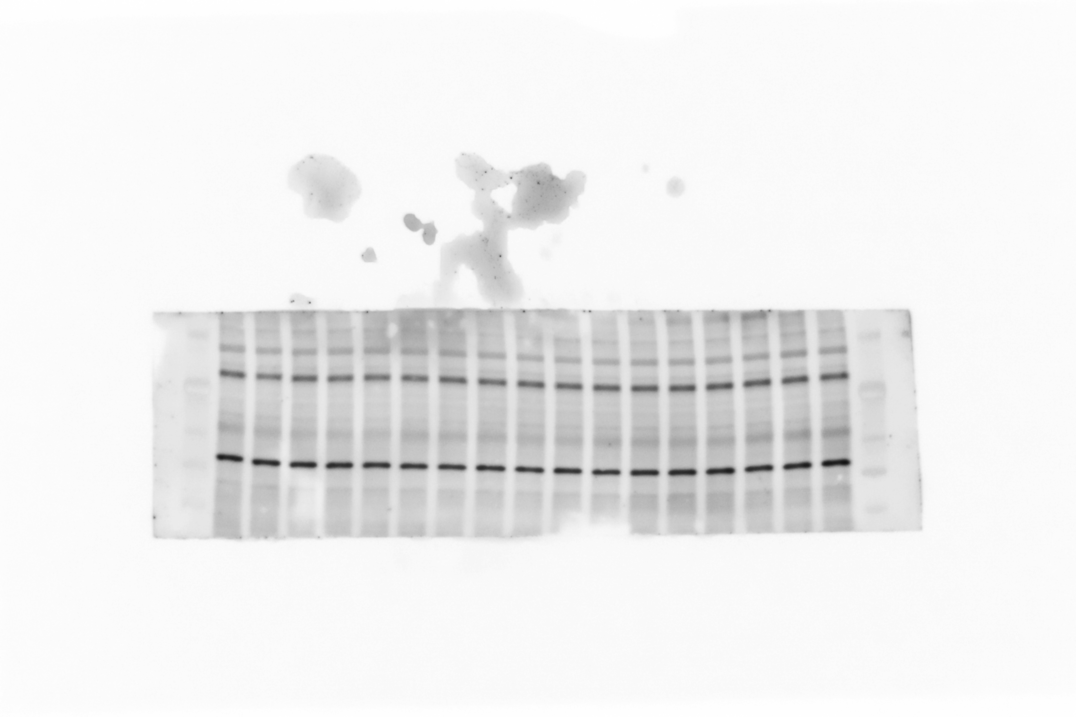

Input
WB: β-actin
55
40

Figure S1
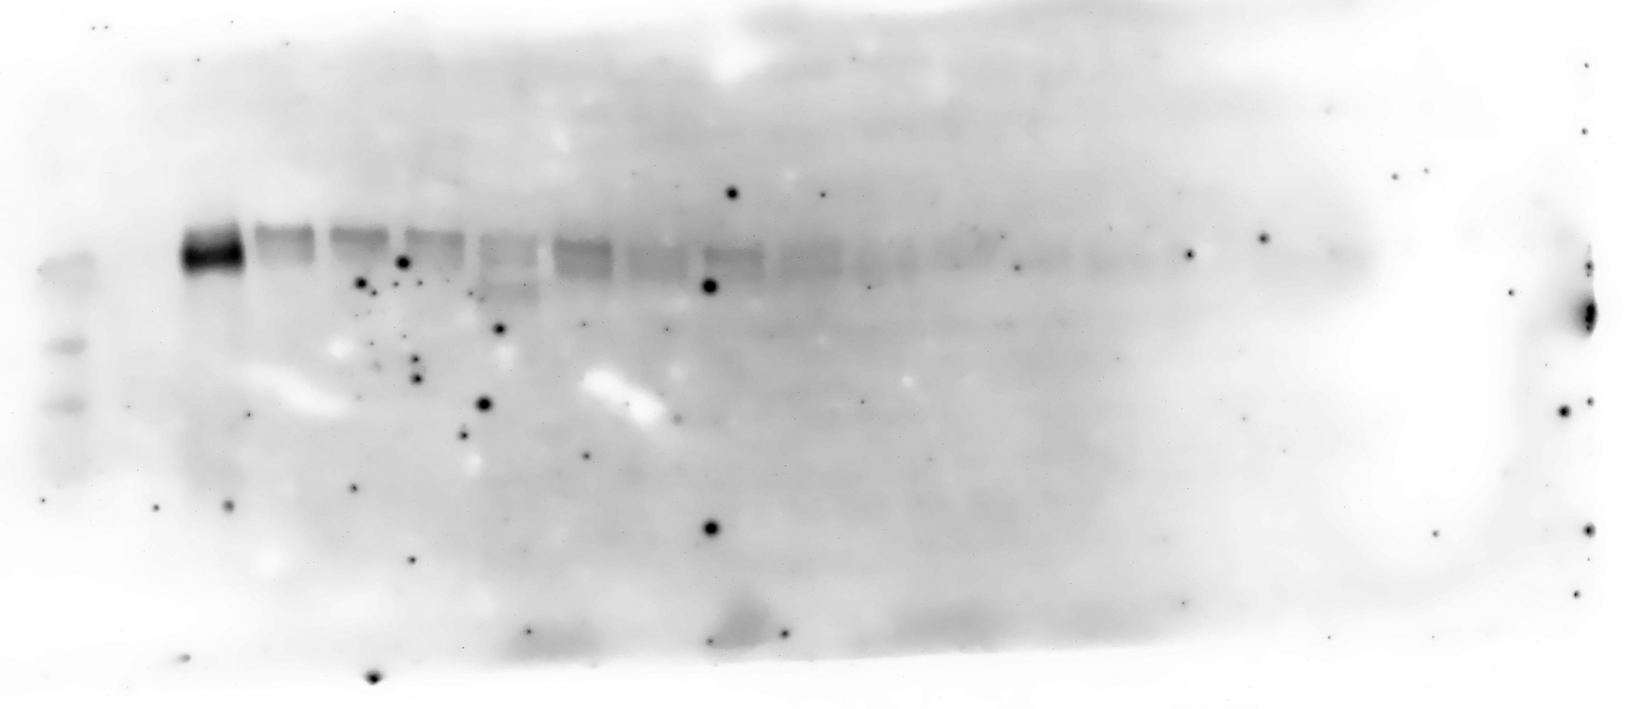

IP: Strep
WB: TEC
70

Input
WB: β-actin

55
40

Figure S3
Figure S3A

75
IP: Strep
WB: BTK
50

IP: Strep
WB: Strep
75
50

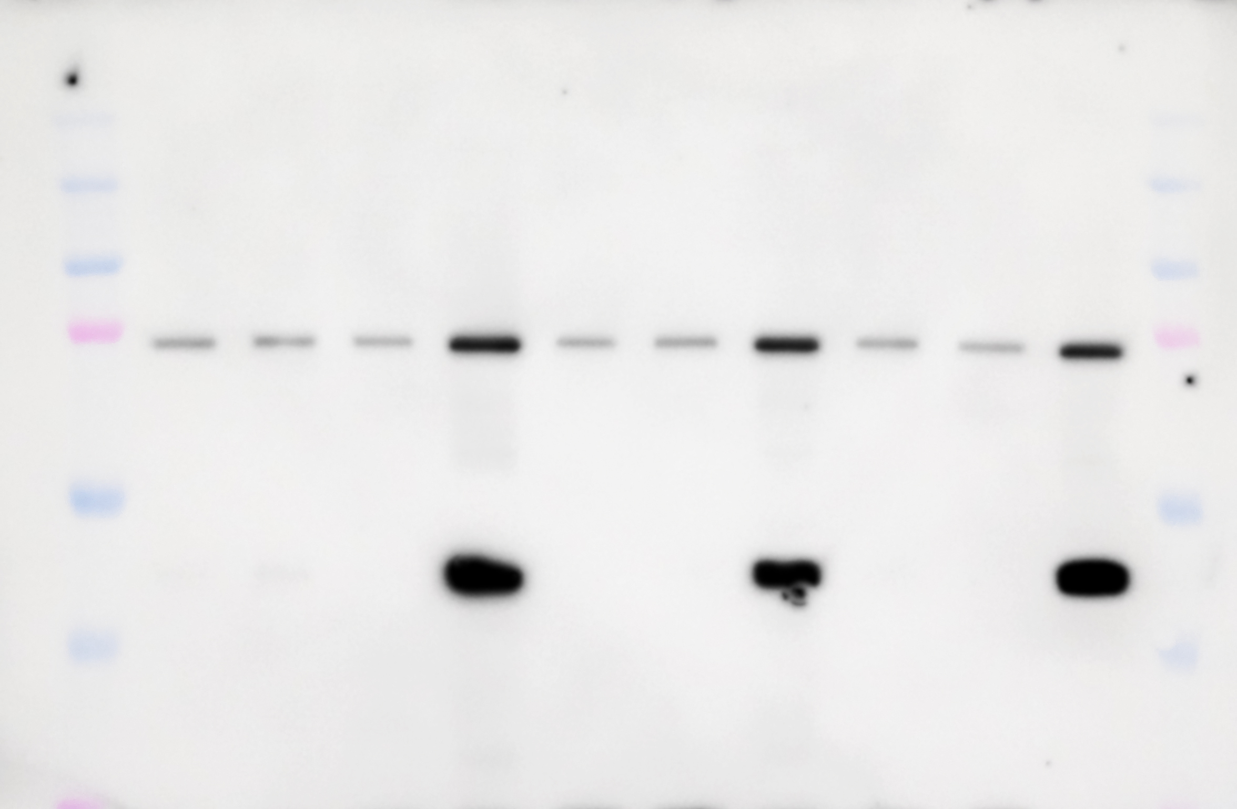
Figure S3B

IP: Strep
WB: BTK
100
75

50
IP: Strep
WB: β-actin

37

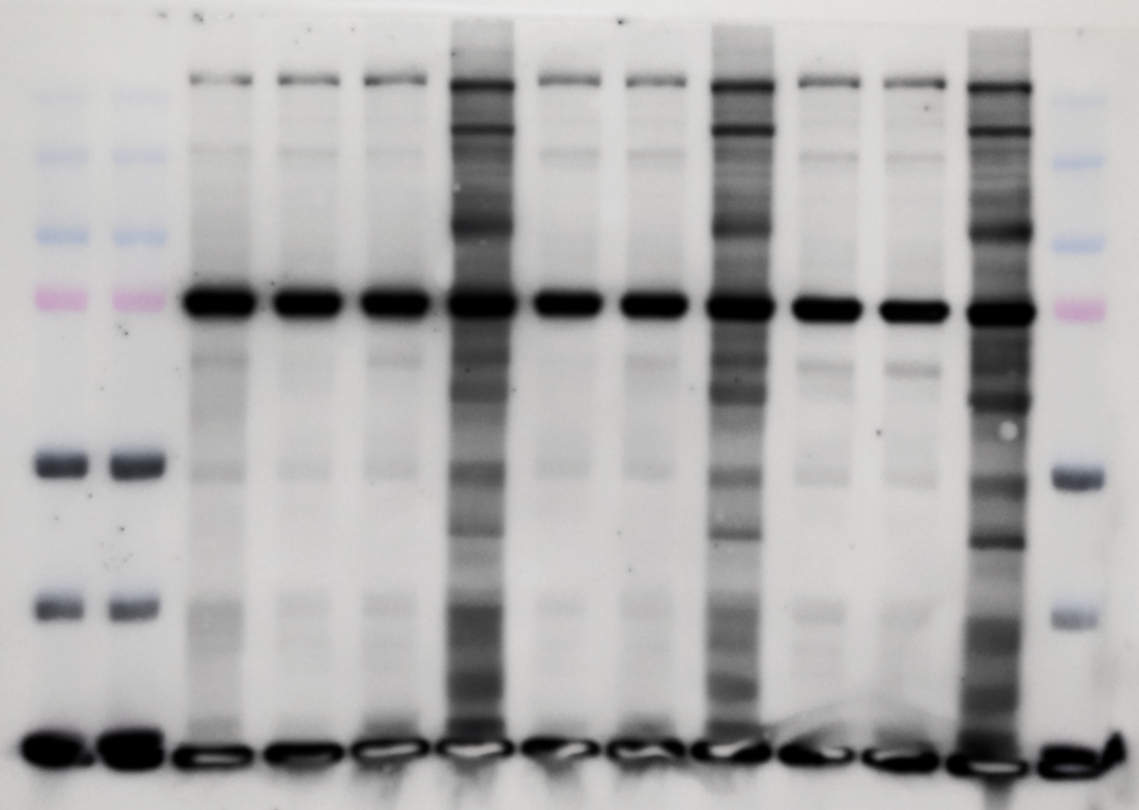
250
150
100
IP: Strep
WB: Strep
75

50

37

Figure S3C
IP: Strep
WB: BTK

100
75
IP: Strep
WB: β-actin
50

37

Input
WB: β-actin
75
50

Figure S4
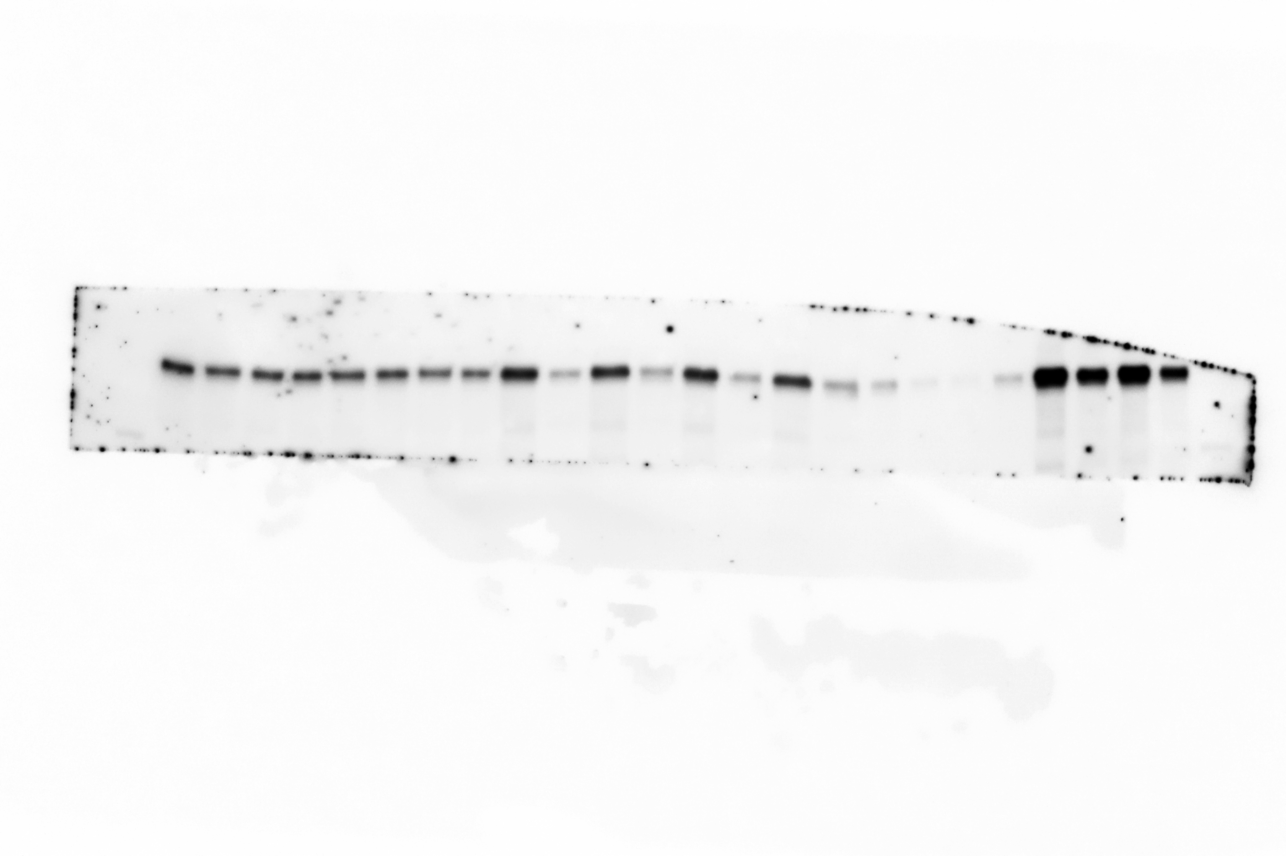
Input (I)
or Output (O)
WB: BTK

IP: Strep
WB: BTK

75

Figure S5
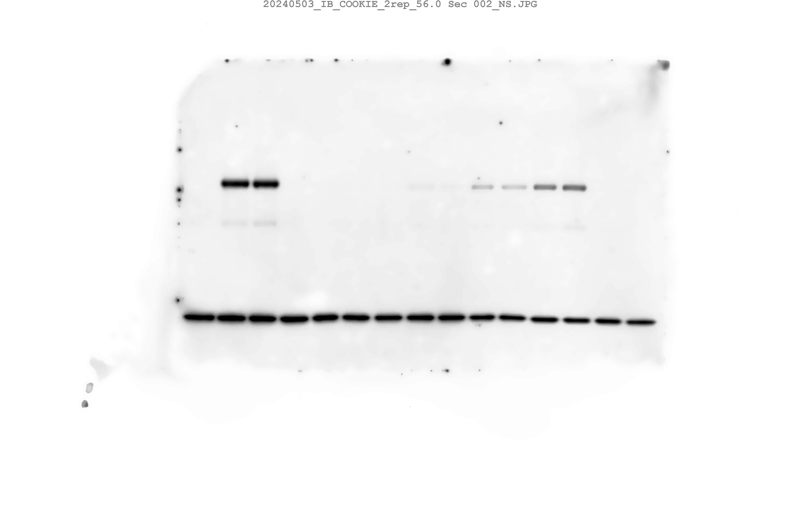

IP: Strep
WB: BTK

75



WB: BTK
WB: β-Actin
75

37

Figure S6
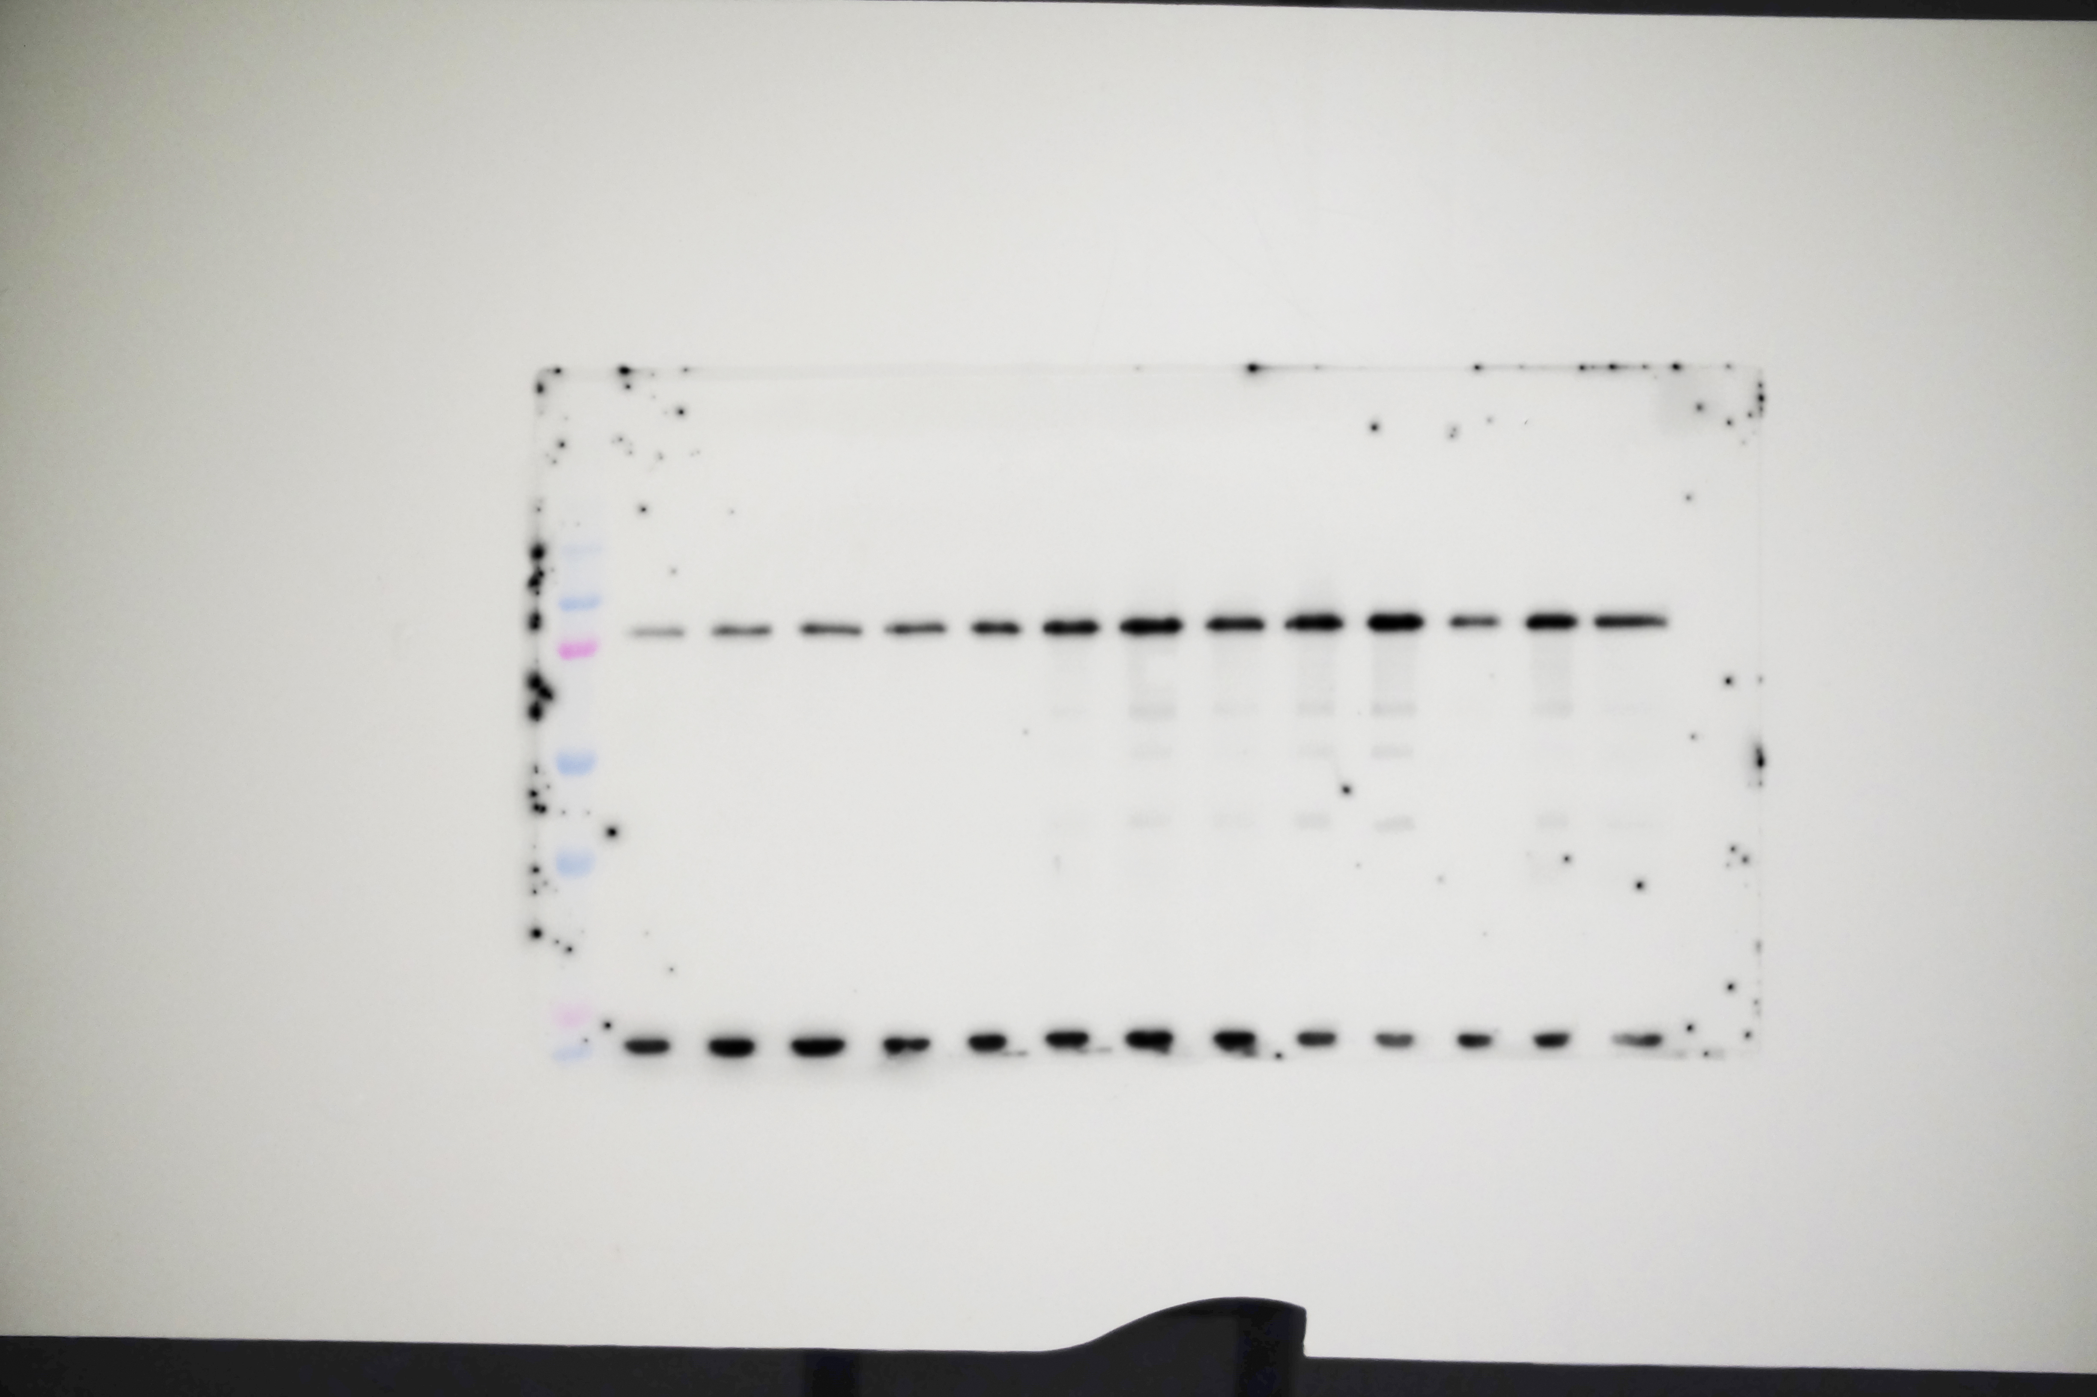

IP: Strep
WB: BTK
150
75
100

50
37

25

