Figure 1(b)
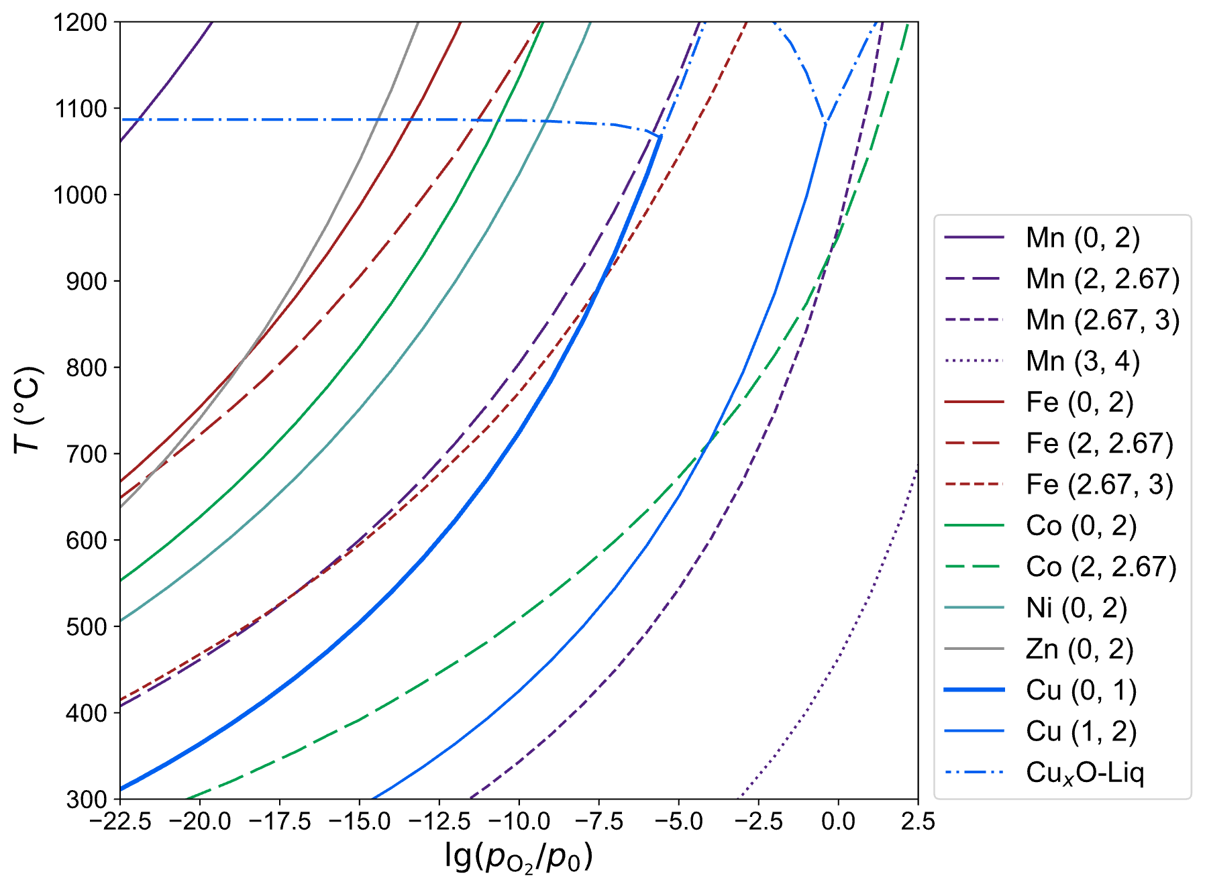
Uncolored map of Figure 1(b) showing boundaries between regions of different oxidation states. Each boundary line corresponds to a transition between two oxidation states for a specific cation, as specified in the provided legend.

Fig 5(b)
Fig 5b
Air |  | Ar |  | Ar + 1%H2
2theta | Intensity | 2theta | Intensity | 2theta | Intensity
12.133670938 | 855 | 14.12927094 | 1978 | 14.129270938 | 1581
12.199322352 | 801 | 14.19492235 | 1934 | 14.194922351 | 1680
12.264973765 | 768 | 14.26057377 | 1860 | 14.260573765 | 1630
12.330625178 | 864 | 14.32622518 | 1935 | 14.326225178 | 1716
12.396276592 | 835 | 14.39187659 | 1881 | 14.391876592 | 1646
12.461928005 | 822 | 14.45752801 | 1857 | 14.457528005 | 1652
12.527579419 | 818 | 14.52317942 | 1847 | 14.523179418 | 1692
12.593230832 | 791 | 14.58883083 | 1972 | 14.588830832 | 1675
12.658882245 | 809 | 14.65448225 | 1922 | 14.654482245 | 1755
12.724533659 | 816 | 14.72013366 | 1949 | 14.720133658 | 1700
12.790185072 | 781 | 14.78578507 | 1960 | 14.785785072 | 1688
12.855836485 | 803 | 14.85143649 | 1880 | 14.851436485 | 1719
12.921487899 | 843 | 14.9170879 | 1979 | 14.917087899 | 1671
12.987139312 | 817 | 14.98273931 | 1863 | 14.982739312 | 1701
13.052790726 | 829 | 15.04839073 | 1923 | 15.048390725 | 1758
13.118442139 | 829 | 15.11404214 | 1854 | 15.114042139 | 1646
13.184093552 | 830 | 15.17969355 | 1952 | 15.179693552 | 1739
13.249744966 | 811 | 15.24534497 | 1984 | 15.245344965 | 1700
13.315396379 | 832 | 15.31099638 | 1998 | 15.310996379 | 1652
13.381047792 | 765 | 15.37664779 | 1832 | 15.376647792 | 1511
13.446699206 | 807 | 15.44229921 | 1829 | 15.442299206 | 1580
13.512350619 | 826 | 15.50795062 | 1865 | 15.507950619 | 1631
13.578002033 | 859 | 15.57360203 | 1968 | 15.573602032 | 1599
13.643653446 | 836 | 15.63925345 | 1922 | 15.639253446 | 1583
13.709304859 | 817 | 15.70490486 | 1964 | 15.704904859 | 1596
13.774956273 | 820 | 15.77055627 | 1838 | 15.770556272 | 1579
13.840607686 | 816 | 15.83620769 | 1943 | 15.836207686 | 1594
13.9062591 | 807 | 15.9018591 | 1933 | 15.901859099 | 1604
13.971910513 | 805 | 15.96751051 | 1963 | 15.967510513 | 1550
14.037561926 | 829 | 16.03316193 | 1889 | 16.033161926 | 1603
14.10321334 | 890 | 16.09881334 | 1936 | 16.098813339 | 1621
14.168864753 | 814 | 16.16446475 | 1908 | 16.164464753 | 1605
14.234516166 | 849 | 16.23011617 | 1863 | 16.230116166 | 1546
14.30016758 | 809 | 16.29576758 | 1871 | 16.295767579 | 1567
14.365818993 | 789 | 16.36141899 | 1947 | 16.361418993 | 1486
14.431470407 | 836 | 16.42707041 | 1931 | 16.427070406 | 1568
14.49712182 | 859 | 16.49272182 | 1855 | 16.49272182 | 1519
14.562773233 | 825 | 16.55837323 | 1900 | 16.558373233 | 1537
14.628424647 | 802 | 16.62402465 | 1933 | 16.624024646 | 1427
14.69407606 | 868 | 16.68967606 | 1949 | 16.68967606 | 1493
14.759727474 | 843 | 16.75532747 | 1968 | 16.755327473 | 1516
14.825378887 | 860 | 16.82097889 | 1922 | 16.820978886 | 1564
14.8910303 | 862 | 16.8866303 | 1883 | 16.8866303 | 1533
14.956681714 | 851 | 16.95228171 | 1892 | 16.952281713 | 1531
15.022333127 | 785 | 17.01793313 | 2026 | 17.017933127 | 1499
15.08798454 | 755 | 17.08358454 | 1909 | 17.08358454 | 1499
15.153635954 | 826 | 17.14923595 | 1923 | 17.149235953 | 1509
15.219287367 | 845 | 17.21488737 | 1923 | 17.214887367 | 1483
15.284938781 | 810 | 17.28053878 | 1851 | 17.28053878 | 1476
15.350590194 | 806 | 17.34619019 | 1993 | 17.346190193 | 1457
15.416241607 | 783 | 17.41184161 | 1886 | 17.411841607 | 1485
15.481893021 | 831 | 17.47749302 | 1860 | 17.47749302 | 1447
15.547544434 | 851 | 17.54314443 | 1964 | 17.543144434 | 1441
15.613195847 | 866 | 17.60879585 | 1890 | 17.608795847 | 1439
15.678847261 | 785 | 17.67444726 | 1912 | 17.67444726 | 1461
15.744498674 | 827 | 17.74009867 | 1950 | 17.740098674 | 1400
15.810150088 | 839 | 17.80575009 | 1934 | 17.805750087 | 1479
15.875801501 | 841 | 17.8714015 | 1908 | 17.8714015 | 1379
15.941452914 | 835 | 17.93705291 | 1956 | 17.937052914 | 1411
16.007104328 | 831 | 18.00270433 | 1910 | 18.002704327 | 1401
16.072755741 | 803 | 18.06835574 | 1884 | 18.068355741 | 1392
16.138407155 | 849 | 18.13400715 | 1928 | 18.134007154 | 1415
16.204058568 | 792 | 18.19965857 | 1916 | 18.199658567 | 1423
16.269709981 | 818 | 18.26530998 | 1929 | 18.265309981 | 1378
16.335361395 | 794 | 18.33096139 | 1929 | 18.330961394 | 1353
16.401012808 | 804 | 18.39661281 | 1888 | 18.396612807 | 1315
16.466664221 | 812 | 18.46226422 | 1937 | 18.462264221 | 1386
16.532315635 | 855 | 18.52791563 | 1978 | 18.527915634 | 1406
16.597967048 | 821 | 18.59356705 | 1890 | 18.593567048 | 1415
16.663618462 | 822 | 18.65921846 | 1881 | 18.659218461 | 1413
16.729269875 | 830 | 18.72486987 | 1983 | 18.724869874 | 1382
16.794921288 | 775 | 18.79052129 | 1827 | 18.790521288 | 1382
16.860572702 | 824 | 18.8561727 | 1999 | 18.856172701 | 1360
16.926224115 | 816 | 18.92182411 | 1922 | 18.921824114 | 1413
16.991875528 | 806 | 18.98747553 | 1977 | 18.987475528 | 1339
17.057526942 | 821 | 19.05312694 | 1907 | 19.053126941 | 1331
17.123178355 | 826 | 19.11877836 | 1887 | 19.118778355 | 1329
17.188829769 | 805 | 19.18442977 | 1897 | 19.184429768 | 1341
17.254481182 | 841 | 19.25008118 | 1962 | 19.250081181 | 1416
17.320132595 | 808 | 19.3157326 | 1919 | 19.315732595 | 1311
17.385784009 | 824 | 19.38138401 | 1934 | 19.381384008 | 1329
17.451435422 | 780 | 19.44703542 | 1910 | 19.447035421 | 1380
17.517086836 | 763 | 19.51268684 | 1882 | 19.512686835 | 1446
17.582738249 | 790 | 19.57833825 | 1933 | 19.578338248 | 1360
17.648389662 | 837 | 19.64398966 | 2014 | 19.643989662 | 1346
17.714041076 | 801 | 19.70964108 | 1917 | 19.709641075 | 1319
17.779692489 | 818 | 19.77529249 | 1896 | 19.775292488 | 1325
17.845343902 | 799 | 19.8409439 | 1891 | 19.840943902 | 1336
17.910995316 | 783 | 19.90659532 | 1951 | 19.906595315 | 1388
17.976646729 | 773 | 19.97224673 | 1971 | 19.972246728 | 1331
18.042298143 | 784 | 20.03789814 | 2000 | 20.037898142 | 1411
18.107949556 | 824 | 20.10354956 | 1959 | 20.103549555 | 1339
18.173600969 | 814 | 20.16920097 | 1984 | 20.169200969 | 1445
18.239252383 | 850 | 20.23485238 | 1951 | 20.234852382 | 1402
18.304903796 | 939 | 20.3005038 | 1967 | 20.300503795 | 1332
18.37055521 | 945 | 20.36615521 | 1946 | 20.366155209 | 1378
18.436206623 | 795 | 20.43180662 | 1907 | 20.431806622 | 1371
18.501858036 | 816 | 20.49745804 | 1883 | 20.497458035 | 1271
18.56750945 | 838 | 20.56310945 | 1913 | 20.563109449 | 1430
18.633160863 | 848 | 20.62876086 | 1889 | 20.628760862 | 1413
18.698812276 | 837 | 20.69441228 | 1845 | 20.694412276 | 1301
18.76446369 | 774 | 20.76006369 | 1930 | 20.760063689 | 1410
18.830115103 | 804 | 20.8257151 | 1907 | 20.825715102 | 1342
18.895766517 | 779 | 20.89136652 | 1944 | 20.891366516 | 1389
18.96141793 | 820 | 20.95701793 | 1987 | 20.957017929 | 1404
19.027069343 | 804 | 21.02266934 | 1929 | 21.022669342 | 1342
19.092720757 | 828 | 21.08832076 | 1864 | 21.088320756 | 1415
19.15837217 | 835 | 21.15397217 | 1905 | 21.153972169 | 1376
19.224023583 | 775 | 21.21962358 | 1893 | 21.219623583 | 1372
19.289674997 | 776 | 21.285275 | 1977 | 21.285274996 | 1436
19.35532641 | 794 | 21.35092641 | 1904 | 21.350926409 | 1391
19.420977824 | 761 | 21.41657782 | 1892 | 21.416577823 | 1358
19.486629237 | 814 | 21.48222924 | 1903 | 21.482229236 | 1366
19.55228065 | 722 | 21.54788065 | 2022 | 21.547880649 | 1389
19.617932064 | 784 | 21.61353206 | 2047 | 21.613532063 | 1423
19.683583477 | 839 | 21.67918348 | 1939 | 21.679183476 | 1396
19.749234891 | 817 | 21.74483489 | 1885 | 21.74483489 | 1361
19.814886304 | 851 | 21.8104863 | 1971 | 21.810486303 | 1410
19.880537717 | 762 | 21.87613772 | 1845 | 21.876137716 | 1366
19.946189131 | 817 | 21.94178913 | 1906 | 21.94178913 | 1336
20.011840544 | 793 | 22.00744054 | 1938 | 22.007440543 | 1303
20.077491957 | 776 | 22.07309196 | 1898 | 22.073091956 | 1364
20.143143371 | 840 | 22.13874337 | 1963 | 22.13874337 | 1324
20.208794784 | 757 | 22.20439478 | 1992 | 22.204394783 | 1357
20.274446198 | 773 | 22.2700462 | 1921 | 22.270046197 | 1275
20.340097611 | 793 | 22.33569761 | 1959 | 22.33569761 | 1371
20.405749024 | 768 | 22.40134902 | 1937 | 22.401349023 | 1326
20.471400438 | 751 | 22.46700044 | 1927 | 22.467000437 | 1328
20.537051851 | 805 | 22.53265185 | 1852 | 22.53265185 | 1312
20.602703265 | 855 | 22.59830326 | 1989 | 22.598303263 | 1370
20.668354678 | 757 | 22.66395468 | 1911 | 22.663954677 | 1350
20.734006091 | 838 | 22.72960609 | 1883 | 22.72960609 | 1356
20.799657505 | 814 | 22.7952575 | 1947 | 22.795257504 | 1387
20.865308918 | 759 | 22.86090892 | 1888 | 22.860908917 | 1366
20.930960331 | 816 | 22.92656033 | 1946 | 22.92656033 | 1391
20.996611745 | 768 | 22.99221174 | 1931 | 22.992211744 | 1389
21.062263158 | 805 | 23.05786316 | 1972 | 23.057863157 | 1477
21.127914572 | 815 | 23.12351457 | 1884 | 23.12351457 | 1378
21.193565985 | 814 | 23.18916598 | 2000 | 23.189165984 | 1353
21.259217398 | 771 | 23.2548174 | 1909 | 23.254817397 | 1385
21.324868812 | 760 | 23.32046881 | 1946 | 23.320468811 | 1426
21.390520225 | 809 | 23.38612022 | 1890 | 23.386120224 | 1384
21.456171638 | 746 | 23.45177164 | 1868 | 23.451771637 | 1380
21.521823052 | 750 | 23.51742305 | 1956 | 23.517423051 | 1433
21.587474465 | 766 | 23.58307446 | 1866 | 23.583074464 | 1387
21.653125879 | 770 | 23.64872588 | 1891 | 23.648725877 | 1355
21.718777292 | 752 | 23.71437729 | 1913 | 23.714377291 | 1407
21.784428705 | 790 | 23.7800287 | 1913 | 23.780028704 | 1358
21.850080119 | 782 | 23.84568012 | 1978 | 23.845680118 | 1352
21.915731532 | 828 | 23.91133153 | 1903 | 23.911331531 | 1317
21.981382946 | 797 | 23.97698294 | 1911 | 23.976982944 | 1390
22.047034359 | 789 | 24.04263436 | 1964 | 24.042634358 | 1374
22.112685772 | 754 | 24.10828577 | 1977 | 24.108285771 | 1322
22.178337186 | 832 | 24.17393718 | 1986 | 24.173937184 | 1373
22.243988599 | 790 | 24.2395886 | 2006 | 24.239588598 | 1443
22.309640012 | 793 | 24.30524001 | 1931 | 24.305240011 | 1361
22.375291426 | 793 | 24.37089143 | 2001 | 24.370891425 | 1335
22.440942839 | 767 | 24.43654284 | 1998 | 24.436542838 | 1314
22.506594253 | 789 | 24.50219425 | 1960 | 24.502194251 | 1341
22.572245666 | 794 | 24.56784567 | 1944 | 24.567845665 | 1298
22.637897079 | 775 | 24.63349708 | 1915 | 24.633497078 | 1368
22.703548493 | 804 | 24.69914849 | 1875 | 24.699148491 | 1338
22.769199906 | 791 | 24.76479991 | 2032 | 24.764799905 | 1322
22.834851319 | 790 | 24.83045132 | 2027 | 24.830451318 | 1354
22.900502733 | 760 | 24.89610273 | 1883 | 24.896102732 | 1395
22.966154146 | 743 | 24.96175415 | 1952 | 24.961754145 | 1356
23.03180556 | 734 | 25.02740556 | 1897 | 25.027405558 | 1335
23.097456973 | 791 | 25.09305697 | 1999 | 25.093056972 | 1329
23.163108386 | 767 | 25.15870839 | 1925 | 25.158708385 | 1336
23.2287598 | 802 | 25.2243598 | 1979 | 25.224359798 | 1260
23.294411213 | 813 | 25.29001121 | 1970 | 25.290011212 | 1275
23.360062627 | 749 | 25.35566263 | 1893 | 25.355662625 | 1343
23.42571404 | 786 | 25.42131404 | 1902 | 25.421314039 | 1324
23.491365453 | 781 | 25.48696545 | 1996 | 25.486965452 | 1312
23.557016867 | 767 | 25.55261687 | 1984 | 25.552616865 | 1287
23.62266828 | 736 | 25.61826828 | 1936 | 25.618268279 | 1262
23.688319693 | 841 | 25.68391969 | 1901 | 25.683919692 | 1280
23.753971107 | 774 | 25.74957111 | 1932 | 25.749571105 | 1332
23.81962252 | 769 | 25.81522252 | 1884 | 25.815222519 | 1260
23.885273934 | 784 | 25.88087393 | 1932 | 25.880873932 | 1250
23.950925347 | 774 | 25.94652535 | 1916 | 25.946525346 | 1340
24.01657676 | 774 | 26.01217676 | 1905 | 26.012176759 | 1253
24.082228174 | 802 | 26.07782817 | 2004 | 26.077828172 | 1269
24.147879587 | 752 | 26.14347959 | 1904 | 26.143479586 | 1339
24.213531001 | 781 | 26.209131 | 1953 | 26.209130999 | 1341
24.279182414 | 760 | 26.27478241 | 1968 | 26.274782412 | 1362
24.344833827 | 798 | 26.34043383 | 1965 | 26.340433826 | 1316
24.410485241 | 724 | 26.40608524 | 1988 | 26.406085239 | 1310
24.476136654 | 786 | 26.47173665 | 1932 | 26.471736653 | 1377
24.541788067 | 765 | 26.53738807 | 1926 | 26.537388066 | 1321
24.607439481 | 798 | 26.60303948 | 1900 | 26.603039479 | 1324
24.673090894 | 769 | 26.66869089 | 1840 | 26.668690893 | 1395
24.738742308 | 779 | 26.73434231 | 1976 | 26.734342306 | 1314
24.804393721 | 772 | 26.79999372 | 1967 | 26.799993719 | 1397
24.870045134 | 782 | 26.86564513 | 1977 | 26.865645133 | 1346
24.935696548 | 772 | 26.93129655 | 1889 | 26.931296546 | 1332
25.001347961 | 745 | 26.99694796 | 1876 | 26.99694796 | 1412
25.066999374 | 786 | 27.06259937 | 1972 | 27.062599373 | 1347
25.132650788 | 793 | 27.12825079 | 1982 | 27.128250786 | 1347
25.198302201 | 789 | 27.1939022 | 1883 | 27.1939022 | 1300
25.263953615 | 765 | 27.25955361 | 1866 | 27.259553613 | 1332
25.329605028 | 793 | 27.32520503 | 1939 | 27.325205026 | 1337
25.395256441 | 726 | 27.39085644 | 2035 | 27.39085644 | 1328
...
14.12927094 | 1978
14.19492235 | 1934
14.26057377 | 1860
14.32622518 | 1935
14.39187659 | 1881
14.45752801 | 1857
14.52317942 | 1847
14.58883083 | 1972
14.65448225 | 1922
14.72013366 | 1949
14.78578507 | 1960
14.85143649 | 1880
14.9170879 | 1979
14.98273931 | 1863
15.04839073 | 1923
15.11404214 | 1854
15.17969355 | 1952
15.24534497 | 1984
15.31099638 | 1998
15.37664779 | 1832
15.44229921 | 1829
15.50795062 | 1865
15.57360203 | 1968
15.63925345 | 1922
15.70490486 | 1964
15.77055627 | 1838
15.83620769 | 1943
15.9018591 | 1933
15.96751051 | 1963
16.03316193 | 1889
16.09881334 | 1936
16.16446475 | 1908
16.23011617 | 1863
16.29576758 | 1871
16.36141899 | 1947
16.42707041 | 1931
16.49272182 | 1855
16.55837323 | 1900
16.62402465 | 1933
16.68967606 | 1949
16.75532747 | 1968
16.82097889 | 1922
16.8866303 | 1883
16.95228171 | 1892
17.01793313 | 2026
17.08358454 | 1909
17.14923595 | 1923
17.21488737 | 1923
17.28053878 | 1851
17.34619019 | 1993
...

