Fig. 1c
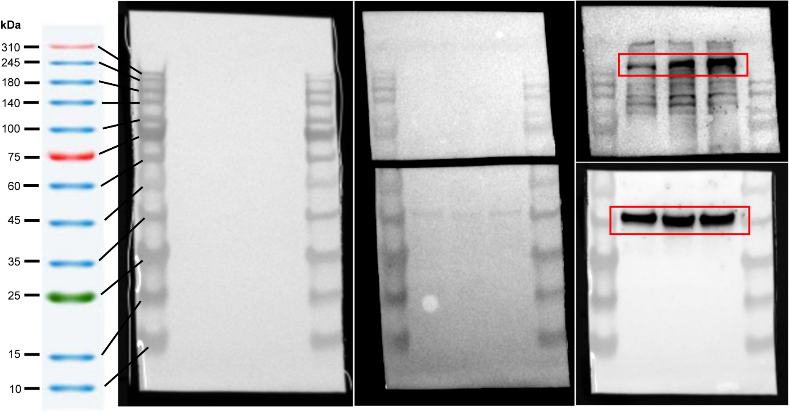
Figure 1C

Fig. 2F
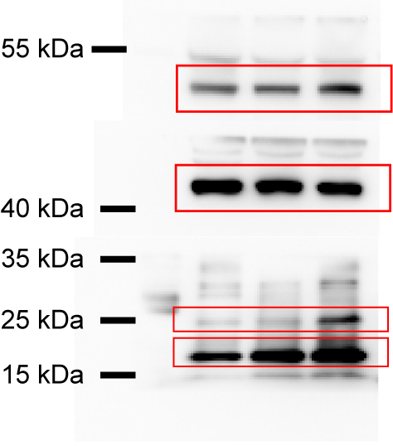
Figure 2F

Fig. 3b
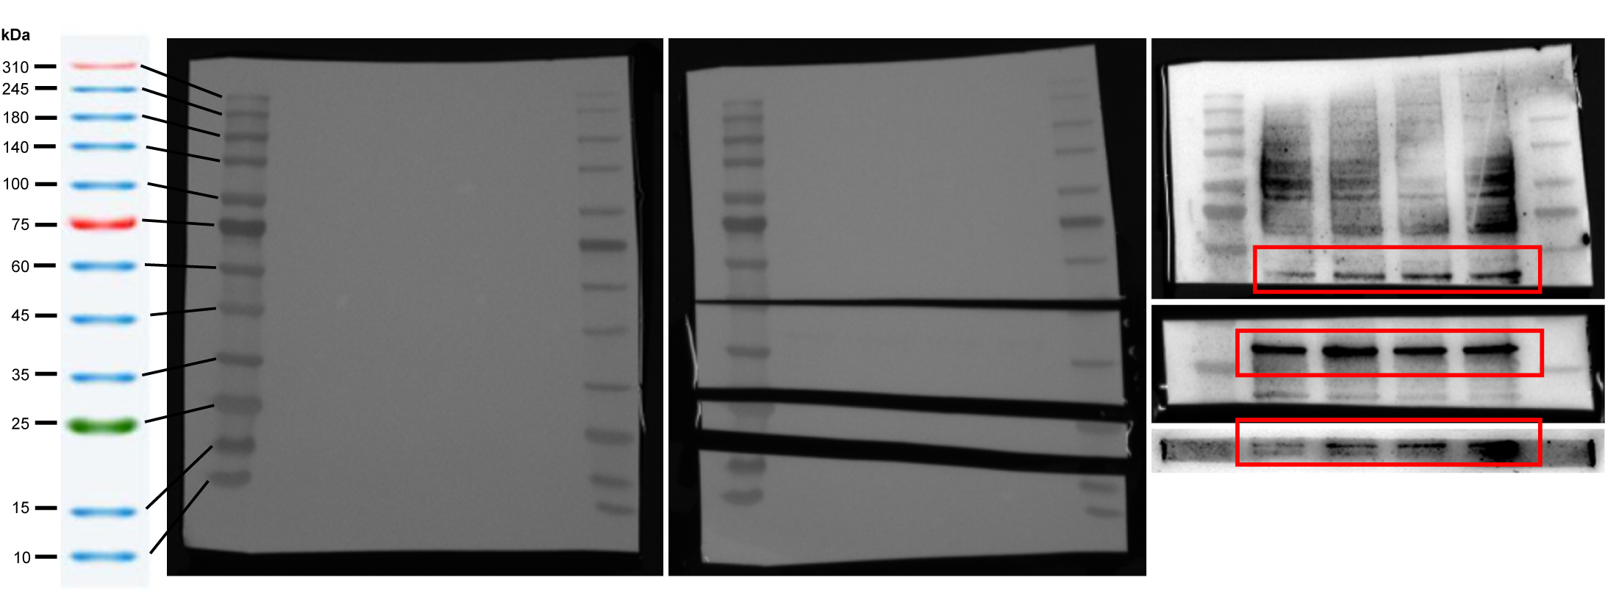
Figure 3B

Fig. 4i
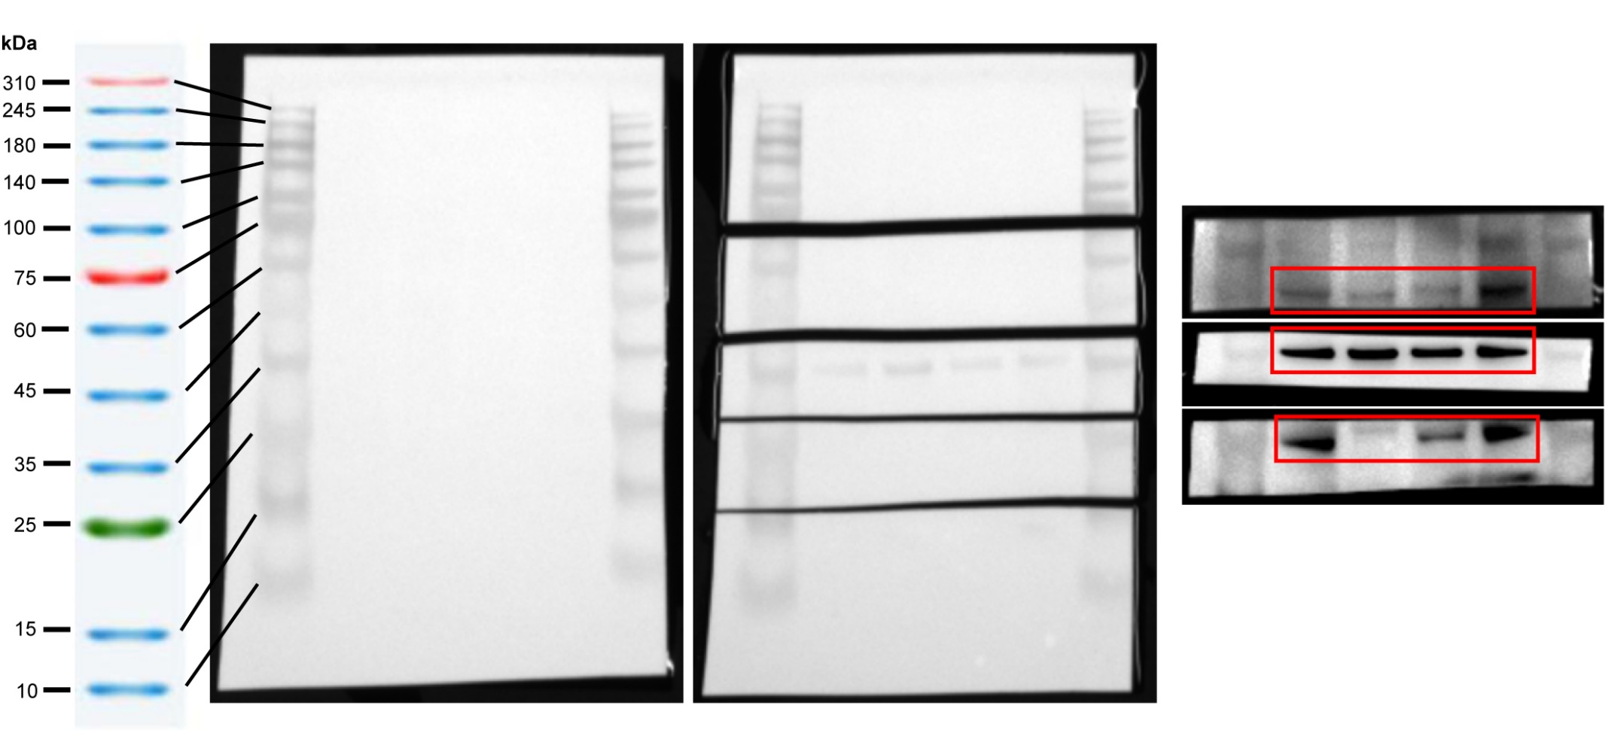
Figure 4I

Fig. 5e
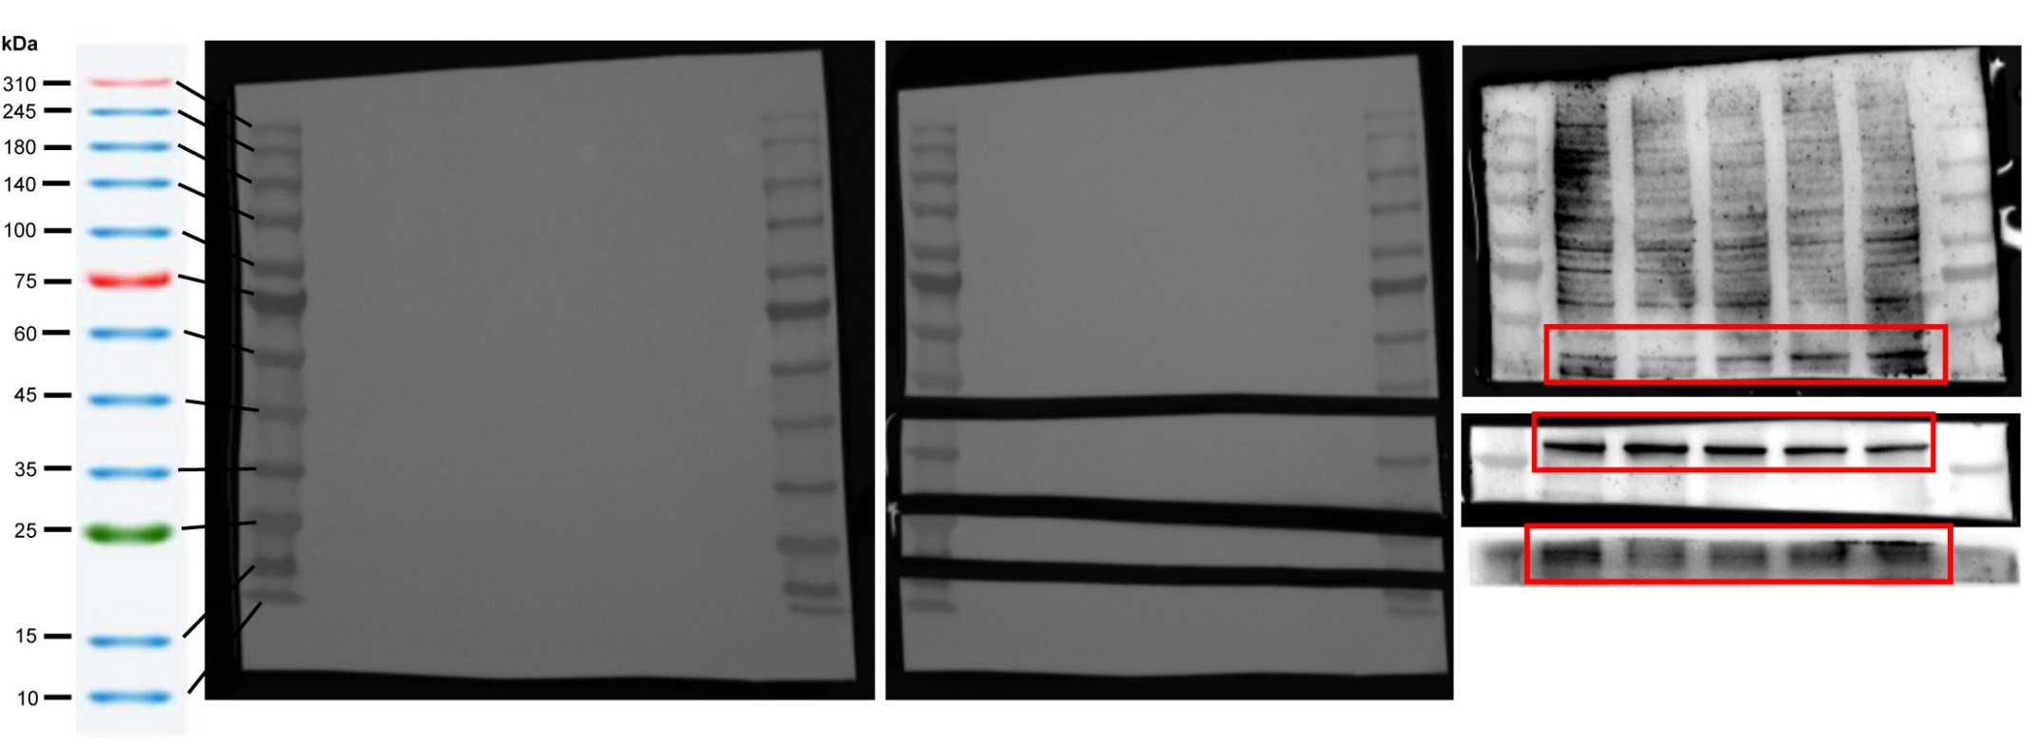
Figure 5E

Suppl. Fig3
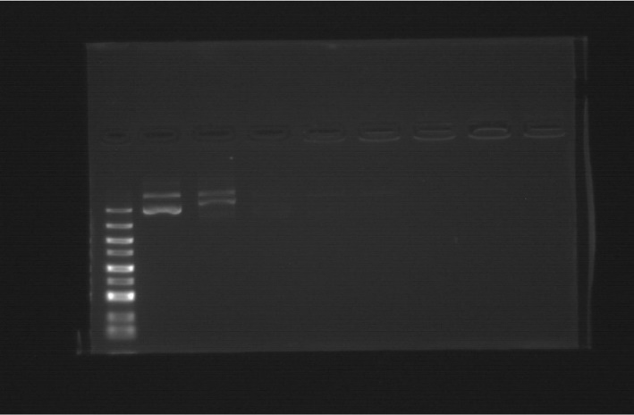
Supplementary Figure 3

