DIA_NN_parameters
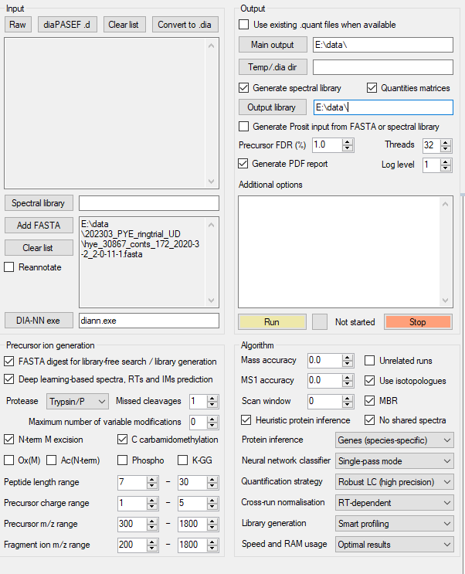
DIA-NN version 1.8.1

