Supplementary Fig S1b
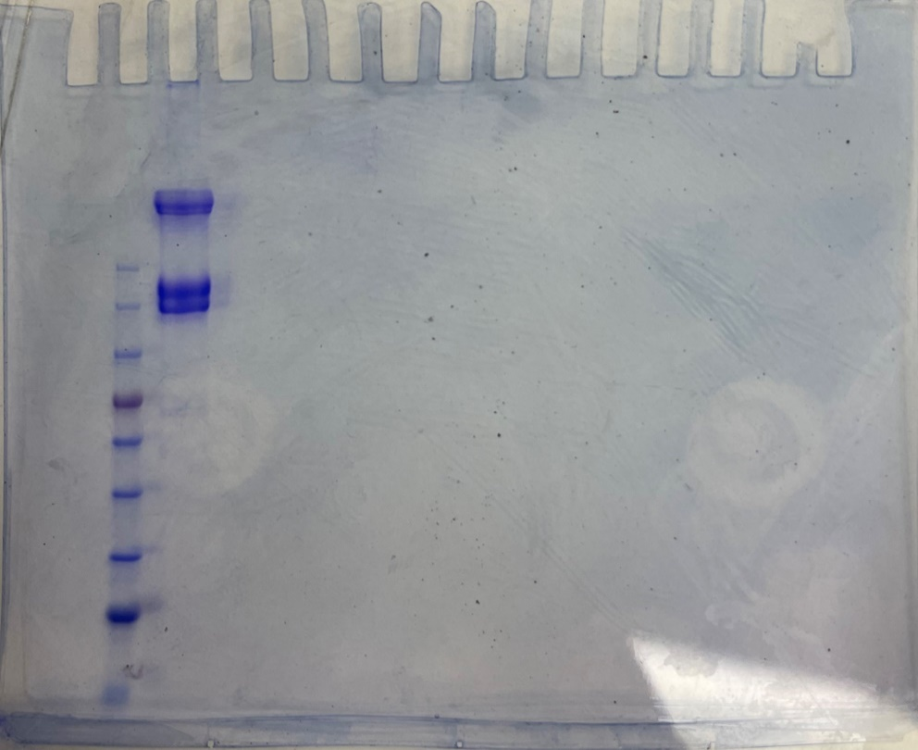
Supplementary Fig S1b

Supplementary Fig S9a-1
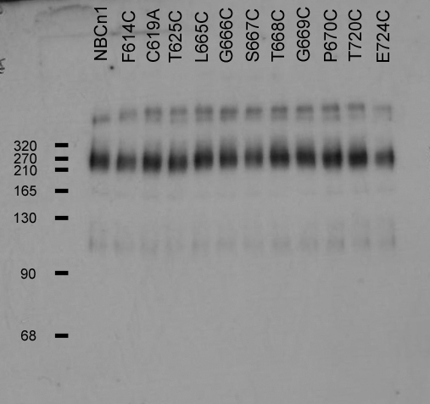
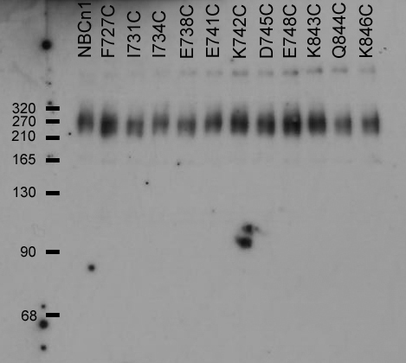
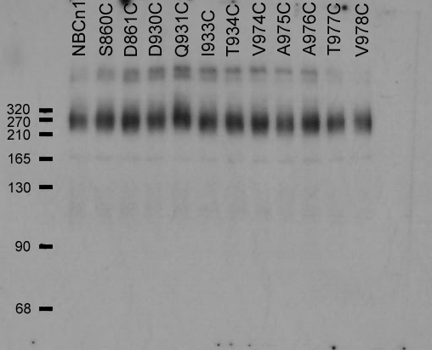
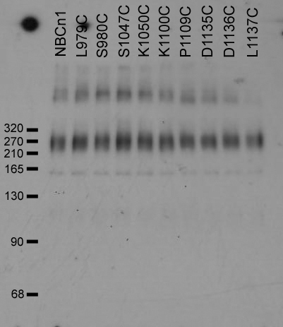
Supplementary Fig S9a (Sulfo-NHS-SS-Biotin)
Anti-SLC4A7/NBCn1antibody (ab82335, Abcam)

Supplementary Fig S9a-2
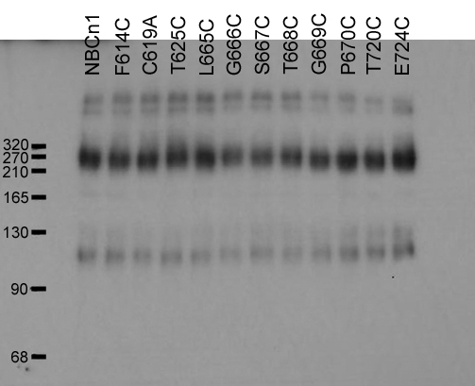
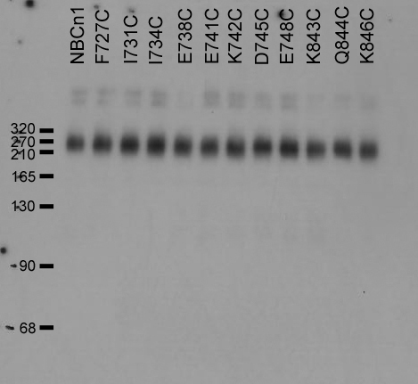
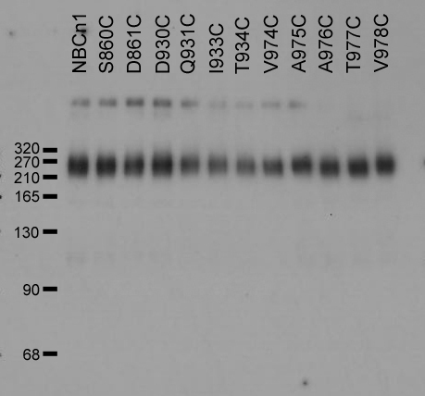
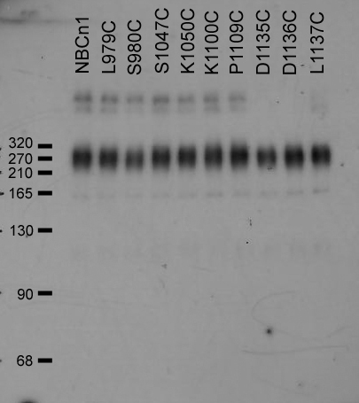
Supplementary Fig S9a (Lysate)
Anti-SLC4A7/NBCn1antibody (ab82335, Abcam)

Supplementary Fig S11b
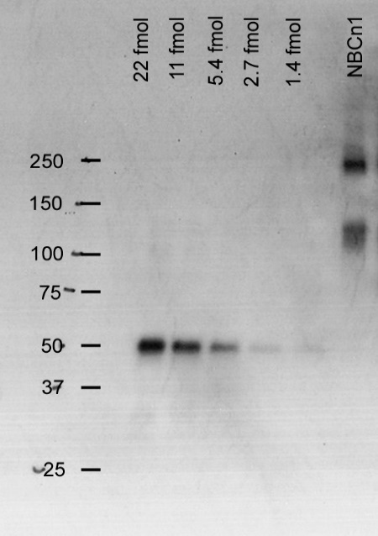
Supplementary Fig S11b
V5 monoclonal antibody (R960-25, Thermo Fisher Scientific)

