Supplementary Fig. 1
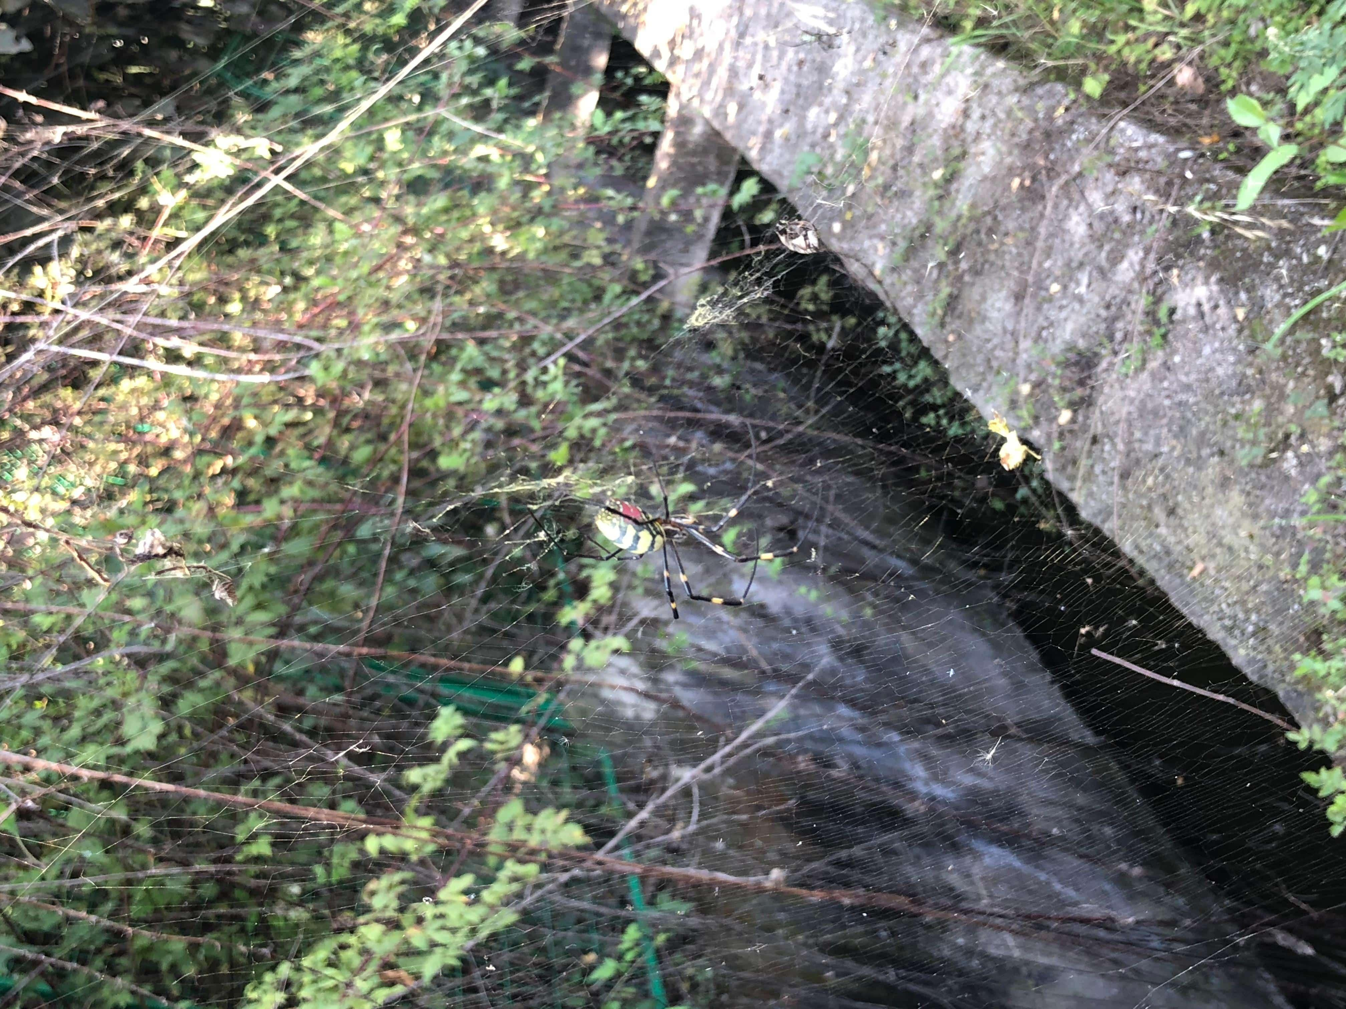
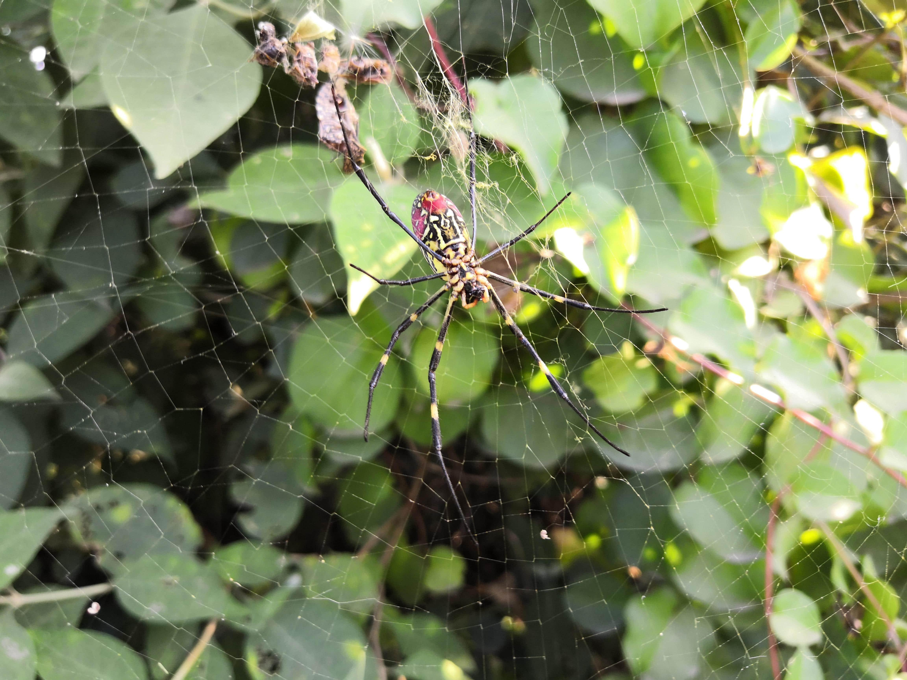
Supplementary Fig. 1
Female | Female

Supplementary Fig. 10
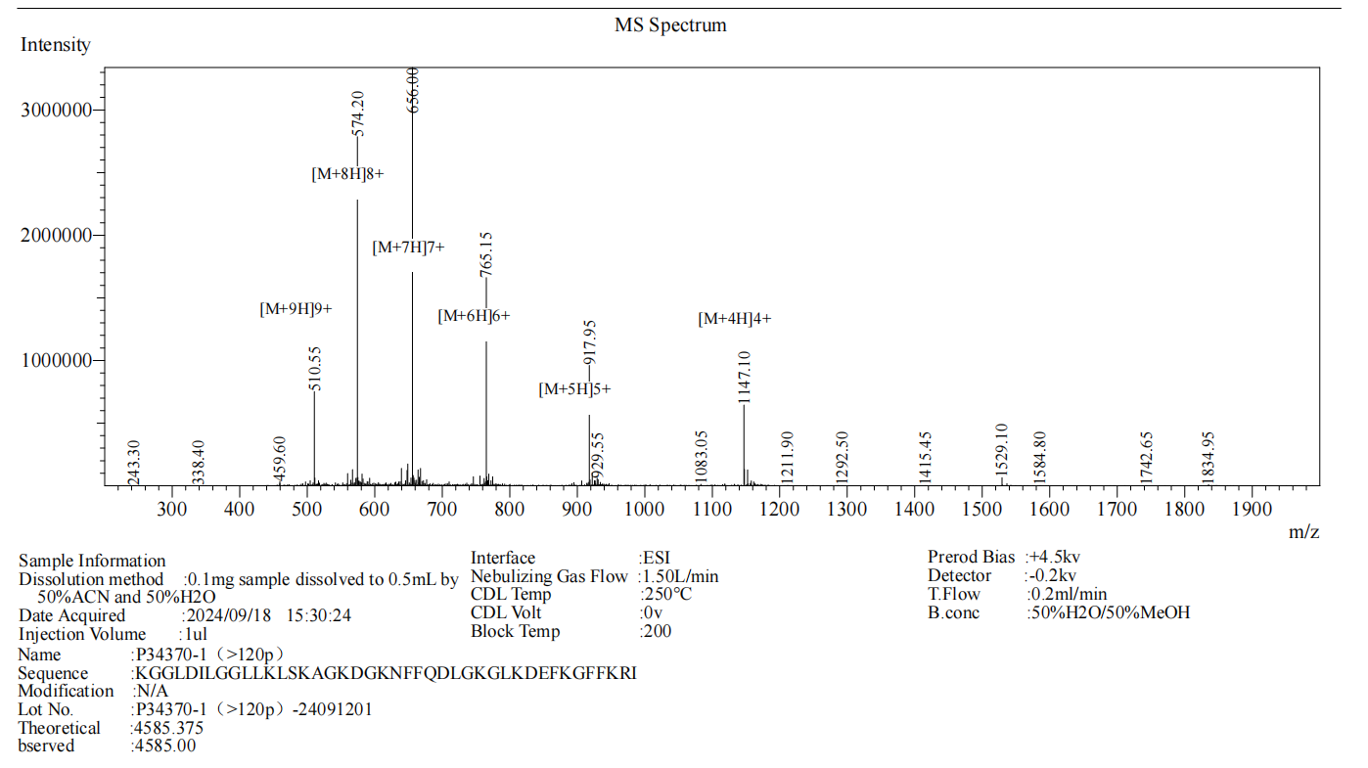
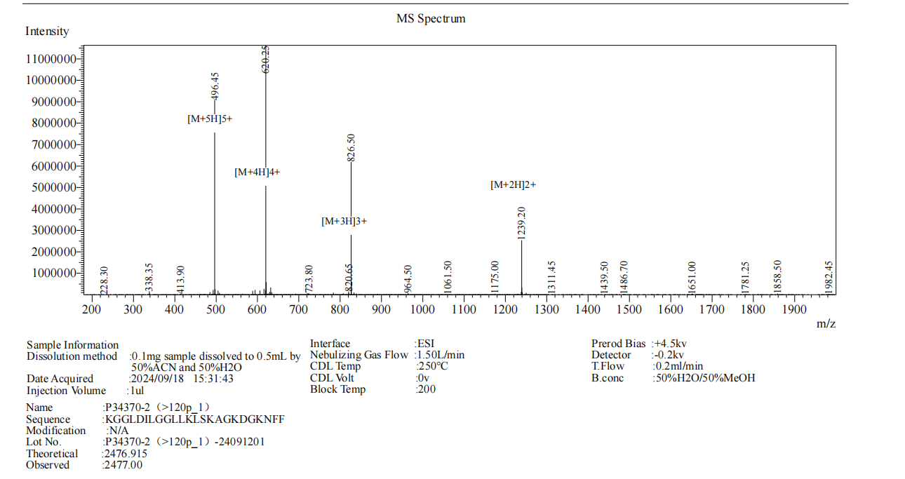
Supplementary Fig. 10 | Supplementary Fig. 10

SpiCE-DS8-L | SpiCE-DS8-S

Supplementary Fig. 11



Supplementary Fig. 11a.Fibroin | Supplementary Fig. 11a.Fibroin+SpiCE-DS8-L | Supplementary Fig. 11a.SpiCE-DS0-L




Supplementary Fig. 11b.SP2-KI | Supplementary Fig. 11b.SP2-KI+SpiCE-DS8-L | Supplementary Fig. 11b.SpiCE-DS0-L

