Fig 2c_Brn2cKO
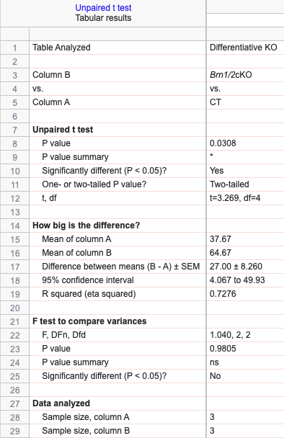
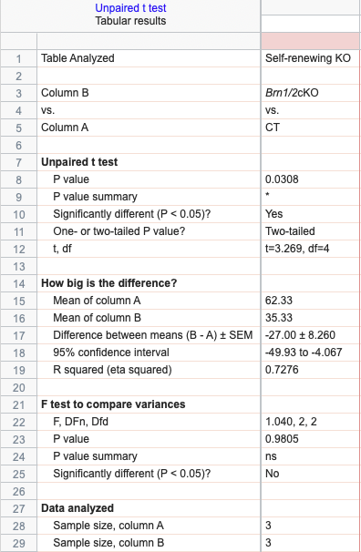
Figure 2c'_Cleavage plane Brn2cKO at E14.5

 | Differentiative | Self-renewing
CT | 38 | 62
Brn1/2cKO | 65 | 35

Differentiative |  |  | Self-renewing
CT | Brn1/2 cKO |  | CT | Brn1/2cKO
74 | 24 |  | 74 | 24
58 | 39 |  | 58 | 39
55 | 43 |  | 55 | 43

Fig 2d
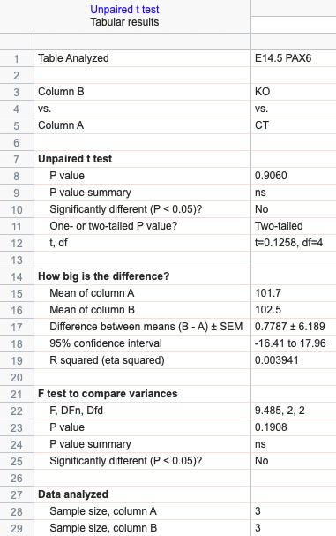
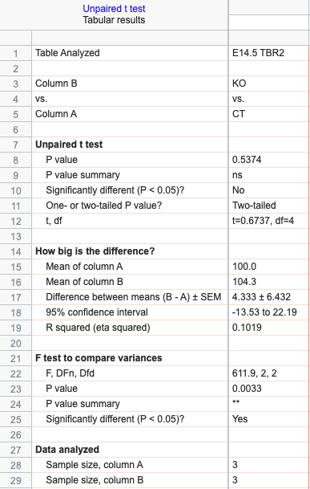

Figure 2d_Progenitors in the somatosensory cortex at E14.5

 | CT |  |  | Syngap1KO
PAX6 | 94.521 | 113.377 | 97.225 | 106.069 | 99.54 | 101.85
TBR2 | 99.55 | 100.45 | 100 | 116.44 | 102.02 | 94.54
Ki67 | 96.83 | 103.17 | 100 | 102.98 | 92.91 | 99.98

Fig 2e
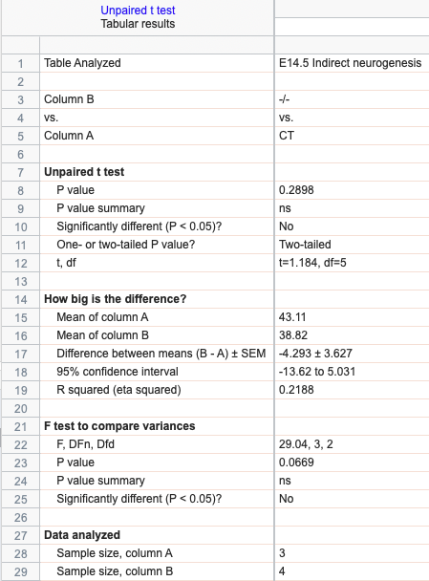
Figure 2e_Indirect Neurogenesis at E14.5

%TBR2+EdU+
CT | -/-
44.378 | 33.435
42.223 | 33.862
42.741 | 42.741
 | 45.246

Fig 3c
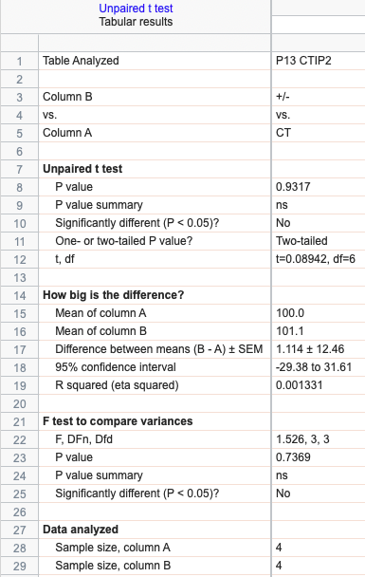
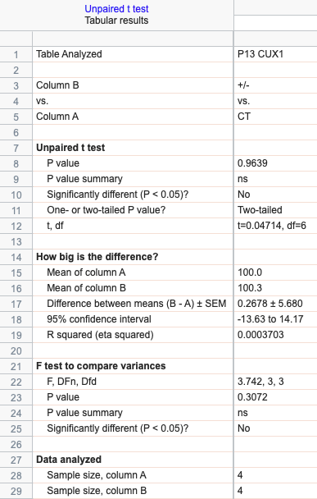
Figure 3c_Cortical layers CTIP2 and CUX1 in the somatosensory at P13

 | CT |  |  |  | Syngap1KO+/-
CTIP2 | 93.733 | 82.036 | 105.692 | 118.539 | 126.779 | 105.146 | 84 | 88.533
CUX1 | 105.24 | 88.509 | 95.176 | 111.076 | 96.404 | 107.11 | 101.559 | 95.999

Fig 3d
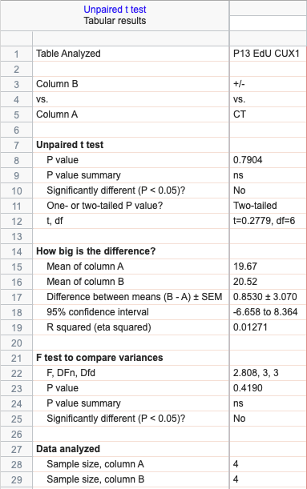
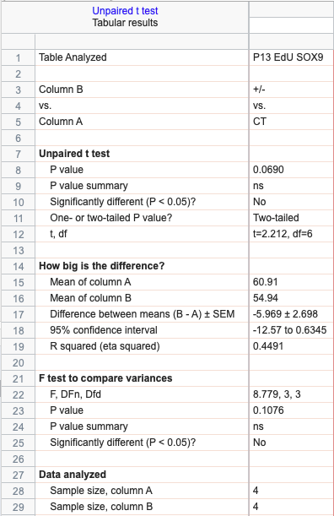
Figure 3d_EdU injection at E18.5 and co-immunolabeling with CUX1 or SOX9 at P13

EdU+CUX1+ |  | EdU+SOX9+
CT | +/- | CT | +/-
22.17 | 28.06 | 64.56 | 55.49
17.66 | 16.23 | 54.48 | 52.96
16.32 | 17.702 | 65.45 | 54.286
22.53 | 20.1 | 59.13 | 57.01

Sup_Fig 1g
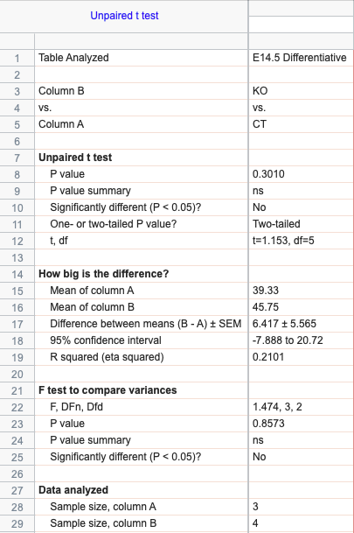
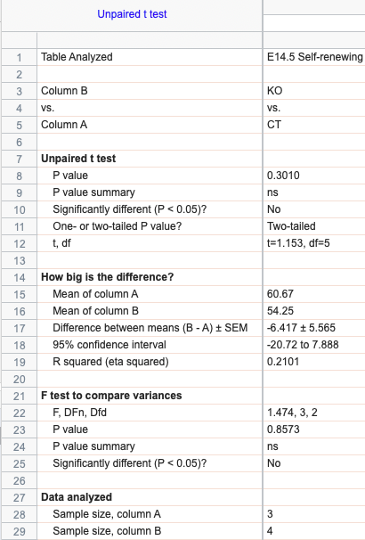
Figure S1g_Cleavage plane at E14.5

Differentiative |  | Self-renewing
CT | KO | CT | KO
44 | 55 | 56 | 45
32 | 36 | 68 | 64
42 | 47 | 58 | 53
 | 45 |  | 55

Sup_Fig 2f
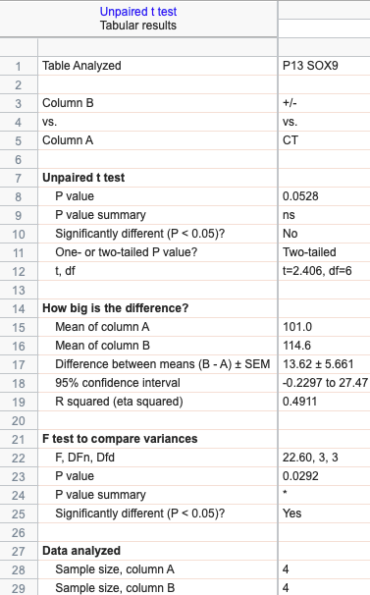
Figure S2f_SOX9 in the somatosensory at P13

P13 SOX9
CT | +/-
85.85 | 111.362
107.401 | 114.47
110.814 | 116.623
99.809 | 115.905

Sup_Fig 2g
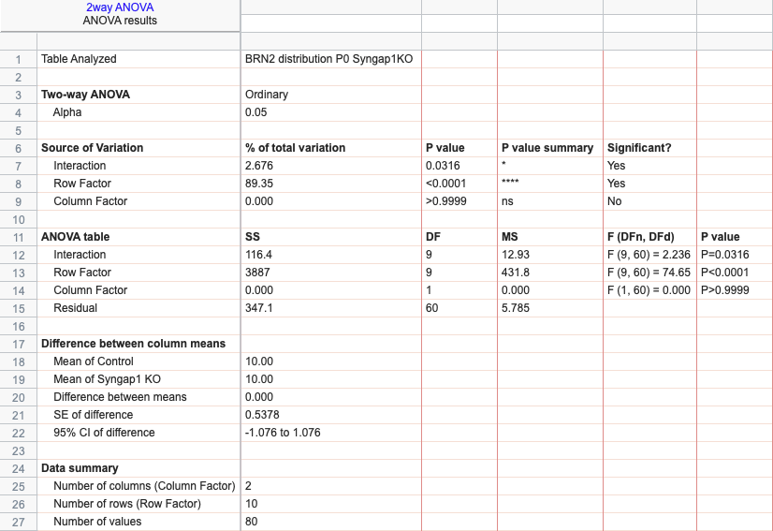
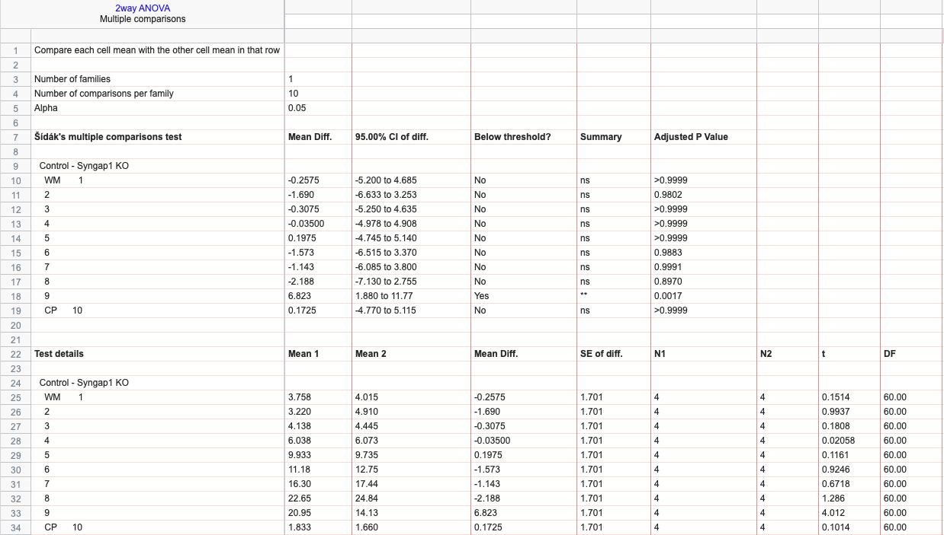
Figure S2g_Distribution of BRN2+ cells in the somatosensory cortex

 | Control |  |  |  | KO
WM 1 | 2.45 | 0.9 | 5.08 | 6.6 | 2.74 | 1.8 | 7.03 | 4.49
2 | 4.25 | 1.3 | 3.12 | 4.21 | 3.5 | 2.83 | 5.11 | 8.2
3 | 3.5 | 3.47 | 4.5 | 5.08 | 4.7 | 2.22 | 4.88 | 5.98
4 | 4.78 | 6.4 | 6.73 | 6.24 | 6.79 | 3.92 | 5.8 | 7.78
5 | 8.39 | 10.49 | 11.39 | 9.46 | 10.44 | 10.01 | 7.85 | 10.64
6 | 9.94 | 13.12 | 11.43 | 10.23 | 13.57 | 12.7 | 11.13 | 13.61
7 | 14.29 | 18.15 | 17.79 | 14.97 | 17.39 | 15.6 | 16.46 | 20.32
8 | 22.41 | 23.25 | 24.33 | 20.62 | 26.7 | 26.74 | 24.93 | 20.99
9 | 28.39 | 22.12 | 14.55 | 18.75 | 13.2 | 19.41 | 16.17 | 7.74
CP 10 | 1.6 | 0.81 | 1.07 | 3.85 | 0.97 | 4.77 | 0.64 | 0.26

Sup_Fig 2h
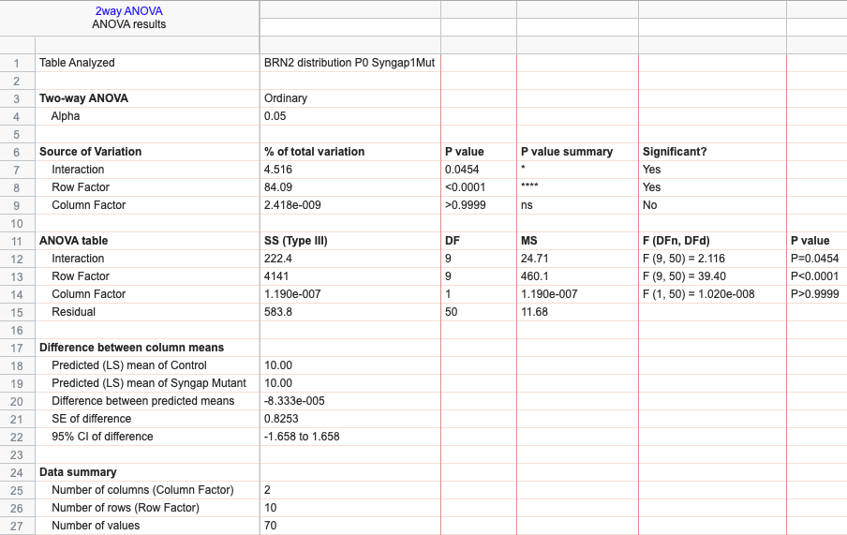
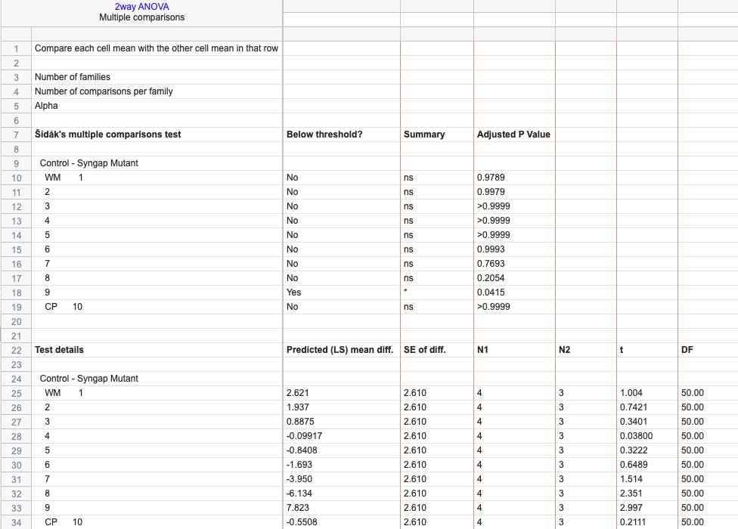
Figure S2h_Distribution of BRN2+ cells in the somatosensory cortex_Mutant

 | Control |  |  |  | Syngap1 Mutant (GAP*/GAP*)
WM 1 | 2.45 | 0.9 | 5.08 | 6.6 | 0.93 | 1.49 | 0.99
2 | 4.25 | 1.3 | 3.12 | 4.21 | 2.06 | 0.5 | 1.29
3 | 3.5 | 3.47 | 4.5 | 5.08 | 3.18 | 2.8 | 3.77
4 | 4.78 | 6.4 | 6.73 | 6.24 | 7.29 | 6.06 | 5.06
5 | 8.39 | 10.49 | 11.39 | 9.46 | 10.65 | 11.27 | 10.4
6 | 9.94 | 13.12 | 11.43 | 10.23 | 18.32 | 9.79 | 10.51
7 | 14.29 | 18.15 | 17.79 | 14.97 | 25.61 | 20.73 | 14.41
8 | 22.41 | 23.25 | 24.33 | 20.62 | 26.36 | 34.39 | 25.61
9 | 28.39 | 22.12 | 14.55 | 18.75 | 3.93 | 9.74 | 25.72
CP 10 | 1.6 | 0.81 | 1.07 | 3.85 | 1.68 | 3.22 | 2.25

