Fig. 1f
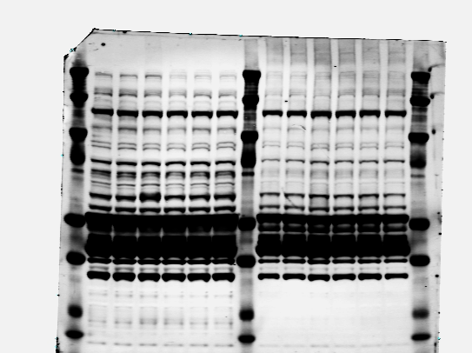
AKAP11
250kDa -
Akap11^{F/F}
Akap11^{F/F};
Syn-cre

RI𝛂
Akap11^{F/F}
Akap11^{F/F};
Syn-cre
50kDa -
RI𝛃
Akap11^{F/F}
Akap11^{F/F};
Syn-cre
50kDa -


RII𝛂
50kDa -
Akap11^{F/F}
Akap11^{F/F};
Syn-cre
PKAC𝛂
Akap11^{F/F}
Akap11^{F/F};
Syn-cre
37kDa-

𝛃-actin
37kDa-
Akap11^{F/F}
Akap11^{F/F};
Syn-cre

 | RI𝛂 |  | RI𝛃 |  | RII𝛂 |  | PKAC𝛂
 | F/F | F/F Syn-cre | F/F | F/F Syn-cre | F/F | F/F Syn-cre | F/F | F/F Syn-cre
 | 1.01915948 | 5.98812882 | 1.00141824 | 3.64457486 | 1.13986213 | 1.28097973 | 1.06015427 | 4.28702474
 | 1.03568894 | 6.4008227 | 1.00218105 | 3.83126211 | 1.11447025 | 1.1527152 | 1.01471305 | 4.36903267
 | 1 | 6.48353917 | 1 | 3.57646073 | 1 | 1.30903302 | 1 | 4.16185063

Unpaired t test
P value | <0.0001 |  | <0.0001 |  | 0.0652 |  | <0.0001
P value summary | **** |  | **** |  | ns |  | ****
Significantly different (P < 0.05)? | Yes |  | Yes |  | No |  | Yes
One- or two-tailed P value? | Two-tailed |  | Two-tailed |  | Two-tailed |  | Two-tailed
t, df | t=34.33, df=4 |  | t=35.22, df=4 |  | t=2.522, df=4 |  | t=51.63, df=4

How big is the difference?
Mean of column A | 1.018 |  | 1.001 |  | 1.085 |  | 1.025
Mean of column B | 6.291 |  | 3.684 |  | 1.248 |  | 4.273
Difference between means (B - A) ± SEM | 5.273 ± 0.1536 |  | 2.683 ± 0.07617 |  | 0.1628 ± 0.06454 |  | 3.248 ± 0.06290
95% confidence interval | 4.846 to 5.699 |  | 2.471 to 2.894 |  | -0.01640 to 0.3420 |  | 3.073 to 3.422
R squared (eta squared) | 0.9966 |  | 0.9968 |  | 0.614 |  | 0.9985

F test to compare variances
F, DFn, Dfd | 220.8, 2, 2 |  | 14206, 2, 2 |  | 1.251, 2, 2 |  | 11.07, 2, 2
P value | 0.009 |  | 0.0001 |  | 0.8884 |  | 0.1657
P value summary | ** |  | *** |  | ns |  | ns
Significantly different (P < 0.05)? | Yes |  | Yes |  | No |  | No

Data analyzed
Sample size, column A | 3 |  | 3 |  | 3 |  | 3
Sample size, column B | 3 |  | 3 |  | 3 |  | 3

Fig. 1h
ADRA2A
Akap11^{F/F}
Akap11^{F/F};
Syn-cre
𝛃-actin
Akap11^{F/F}
Akap11^{F/F};
Syn-cre
SPHKAP
Akap11^{F/F}
Akap11^{F/F};
Syn-cre
𝛃-actin
Akap11^{F/F}
Akap11^{F/F};
Syn-cre
- 37kDa
SYP
Akap11^{F/F}
Akap11^{F/F};
Syn-cre
- 37kDa
𝛃-actin
Akap11^{F/F}
Akap11^{F/F};
Syn-cre

- 50kDa
- 37kDa
37kDa -
100kDa -

 | ADRA2A |  | SPHKAP |  | SYP
 | F/F | F/F Syn-cre | F/F | F/F Syn-cre | F/F | F/F Syn-cre
 | 0.47685797 | 0.8078526 | 0.25456514 | 0.92881933 | 1 | 0.55267254
 | 0.41468808 | 0.72370641 | 0.57047766 | 1.17414763 | 1.05649113 | 0.62792072
 | 0.60509513 | 0.72201263 | 0.65424161 | 1.12869617 | 0.88408727 | 0.68485344

Unpaired t test
P value | 0.0159 |  | 0.0151 |  | 0.0049
P value summary | * |  | * |  | **
Significantly different (P < 0.05)? | Yes |  | Yes |  | Yes
One- or two-tailed P value? | Two-tailed |  | Two-tailed |  | Two-tailed
t, df | t=4.017, df=4 |  | t=4.081, df=4 |  | t=5.638, df=4

How big is the difference?
Mean of column A | 0.4989 |  | 0.4931 |  | 0.9802
Mean of column B | 0.7512 |  | 1.077 |  | 0.6218
Difference between means (B - A) ± SEM | 0.2523 ± 0.06281 |  | 0.5841 ± 0.1431 |  | -0.3584 ± 0.06356
95% confidence interval | 0.07792 to 0.4267 |  | 0.1867 to 0.9815 |  | -0.5349 to -0.1819
R squared (eta squared) | 0.8013 |  | 0.8063 |  | 0.8882

F test to compare variances
F, DFn, Dfd | 3.914, 2, 2 |  | 2.608, 2, 2 |  | 1.757, 2, 2
P value | 0.407 |  | 0.5543 |  | 0.7253
P value summary | ns |  | ns |  | ns
Significantly different (P < 0.05)? | No |  | No |  | No

Data analyzed
Sample size, column A | 3 |  | 3 |  | 3
Sample size, column B | 3 |  | 3 |  | 3

Fig.3d
AKAP11
PKAC𝛂
Cytosolic
Synaptosome
GluA1
𝛃-actin
𝛃-actin
Cytosolic
Synaptosome
Akap11^{F/F}
Akap11^{F/F};
Syn-cre
Akap11^{F/F}
Akap11^{F/F};
Syn-cre
RI𝛃
Akap11^{F/F}
Akap11^{F/F};
Syn-cre
Akap11^{F/F}
Akap11^{F/F};
Syn-cre
Cytosolic
Synaptosome
Cytosolic
Synaptosome
Cytosolic
Synaptosome
Akap11^{F/F}
Akap11^{F/F};
Syn-cre
Akap11^{F/F}
Akap11^{F/F};
Syn-cre
Akap11^{F/F}
Akap11^{F/F};
Syn-cre
Akap11^{F/F}
Akap11^{F/F};
Syn-cre
Cytosolic
Synaptosome
- 37kDa
Akap11^{F/F}
Akap11^{F/F};
Syn-cre
Akap11^{F/F}
Akap11^{F/F};
Syn-cre
- 250kDa
Akap11^{F/F}
Akap11^{F/F};
Syn-cre
Akap11^{F/F}
Akap11^{F/F};
Syn-cre
- 100kDa
- 37kDa
- 37kDa

- 50kDa

 | Cytosolic |  |  |  | Synaptosome
 | RI𝛃 |  | PKAC𝛂 |  | RI𝛃 |  | PKAC𝛂
 | F/F | F/F Syn-cre | F/F | F/F Syn-cre | F/F | F/F Syn-cre | F/F | F/F Syn-cre
 | 1 | 6.09703314 | 1 | 1.50698943 | 1 | 1.48884296 | 1 | 2.52979328
 | 1.17708715 | 6.228936 | 1.01180883 | 1.4281013 | 0.85600386 | 1.3254708 | 0.79227173 | 2.37996997
 | 1 | 8.04598281 | 1 | 1.638439 | 1 | 1.39060437 | 1 | 3.73098412

Unpaired t test
P value | 0.0008 |  | 0.0011 |  | 0.0026 |  | 0.0108
P value summary | *** |  | ** |  | ** |  | *
Significantly different (P < 0.05)? | Yes |  | Yes |  | Yes |  | Yes
One- or two-tailed P value? | Two-tailed |  | Two-tailed |  | Two-tailed |  | Two-tailed
t, df | t=9.075, df=4 |  | t=8.468, df=4 |  | t=6.660, df=4 |  | t=4.501, df=4

How big is the difference?
Mean of column A | 1.059 |  | 1.004 |  | 0.952 |  | 0.9308
Mean of column B | 6.791 |  | 1.525 |  | 1.402 |  | 2.88
Difference between means (B - A) ± SEM | 5.732 ± 0.6316 |  | 0.5206 ± 0.06147 |  | 0.4496 ± 0.06752 |  | 1.949 ± 0.4331
95% confidence interval | 3.978 to 7.485 |  | 0.3499 to 0.6913 |  | 0.2622 to 0.6371 |  | 0.7469 to 3.152
R squared (eta squared) | 0.9537 |  | 0.9472 |  | 0.9173 |  | 0.8351

F test to compare variances
F, DFn, Dfd | 113.5, 2, 2 |  | 242.9, 2, 2 |  | 1.022, 2, 2 |  | 38.13, 2, 2
P value | 0.0175 |  | 0.0082 |  | 0.9892 |  | 0.0511
P value summary | * |  | ** |  | ns |  | ns
Significantly different (P < 0.05)? | Yes |  | Yes |  | No |  | No

Data analyzed
Sample size, column A | 3 |  | 3 |  | 3 |  | 3
Sample size, column B | 3 |  | 3 |  | 3 |  | 3

Fig.3f
𝛃-actin
GluA1
Synaptosome
p-GluA1^{S845}
Synaptosome
Synaptosome
Akap11^{F/F}
Akap11^{F/F};
Syn-cre
Akap11^{F/F}
Akap11^{F/F};
Syn-cre
Akap11^{F/F}
Akap11^{F/F};
Syn-cre
-37kDa

-100kDa
-100kDa

 | p-GluA1(S845)/GluA1
 | F/F | F/F Syn-cre
 | 1 | 1.56109425
 | 1.12190949 | 1.71289115
 | 1.13720955 | 1.56327563

Unpaired t test
P value | 0.0014
P value summary | **
Significantly different (P < 0.05)? | Yes
One- or two-tailed P value? | Two-tailed
t, df | t=7.923, df=4

How big is the difference?
Mean of column A | 1.086
Mean of column B | 1.612
Difference between means (B - A) ± SEM | 0.5260 ± 0.06640
95% confidence interval | 0.3417 to 0.7104
R squared (eta squared) | 0.9401

F test to compare variances
F, DFn, Dfd | 1.339, 2, 2
P value | 0.855
P value summary | ns
Significantly different (P < 0.05)? | No

Data analyzed
Sample size, column A | 3
Sample size, column B | 3

Fig.4c
𝛃-actin
Akap11^{F/F}
Akap11^{F/F};
Syn-cre
AKAP11
Akap11^{F/F}
Akap11^{F/F};
Syn-cre
Akap11^{F/F}
Akap11^{F/F};
Syn-cre
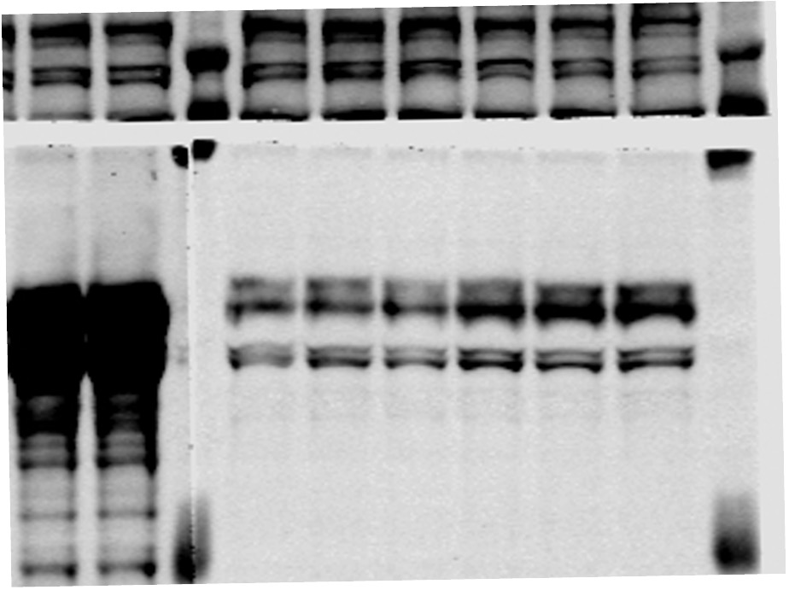
Akap11^{F/F}
Akap11^{F/F};
Syn-cre

- 250kDa
p-GSK3𝛂^{S21}
- 50kDa
GSK3𝛂
- 50kDa
p-GSK3𝛃^{S9}
GSK3𝛃
- 37kDa

 | p-GSK3𝛂(S21)/GSK3𝛂 |  | p-GSK3𝛃(S9)/GSK3𝛃
 | F/F | F/F Syn-cre | F/F | F/F Syn-cre
1 | 0.499617658 | 1.317880666 | 0.670346502 | 1.271392141
2 | 0.552528361 | 1.473197833 | 0.981017496 | 1.033598837
3 | 0.709754603 | 1.519763285 | 0.86809959 | 1.161716941
4 | 0.592661311 | 0.772298376 | 0.764711242 | 0.996682793
5 | 0.792257246 | 0.799941555 | 0.882675541 | 0.99411378
6 | 0.540356517 | 0.86175817 | 0.564994323 | 1.011919919
7 | 0.525650563 | 1.303552064 | 0.489006069 | 0.906393264
8 | 0.206769913 | 1.269149647 | 0.507655693 | 0.741984134
9 | 1.404501378 | 0.755714077 | 0.774558716 | 0.6288299
10 | 0.593092305 | 0.850264479 | 0.507655693 | 0.741984134
11 | 0.889707472 | 0.997510371 | 0.774558716 | 0.937240545

Unpaired t test
P value | 0.0036 |  | 0.0053
P value summary | ** |  | **
Significantly different (P < 0.05)? | Yes |  | Yes
One- or two-tailed P value? | Two-tailed |  | Two-tailed
t, df | t=3.291, df=20 |  | t=3.129, df=20

How big is the difference?
Mean of column A | 0.6643 |  | 0.7078
Mean of column B | 1.084 |  | 0.9478
Difference between means (B - A) ± SEM | 0.4195 ± 0.1274 |  | 0.2401 ± 0.07673
95% confidence interval | 0.1536 to 0.6853 |  | 0.08000 to 0.4001
R squared (eta squared) | 0.3514 |  | 0.3286

F test to compare variances
F, DFn, Dfd | 1.040, 10, 10 |  | 1.211, 10, 10
P value | 0.9515 |  | 0.7676
P value summary | ns |  | ns
Significantly different (P < 0.05)? | No |  | No

Data analyzed
Sample size, column A | 11 |  | 11
Sample size, column B | 11 |  | 11

Fig.4e
p-AKT1^{S473}
AKT1
Cytosolic
Synaptosome
Cytosolic
Synaptosome
Cytosolic
Synaptosome
𝛃-actin
Akap11^{F/F}
Akap11^{F/F};
Syn-cre
Akap11^{F/F}
Akap11^{F/F};
Syn-cre
Akap11^{F/F}
Akap11^{F/F};
Syn-cre
Akap11^{F/F}
Akap11^{F/F};
Syn-cre
Cytosolic
Synaptosome
Akap11^{F/F}
Akap11^{F/F};
Syn-cre
Akap11^{F/F}
Akap11^{F/F};
Syn-cre
Akap11^{F/F}
Akap11^{F/F};
Syn-cre
Akap11^{F/F}
Akap11^{F/F};
Syn-cre
Cytosolic
Synaptosome
GSK3𝛂
Akap11^{F/F}
Akap11^{F/F};
Syn-cre
Akap11^{F/F}
Akap11^{F/F};
Syn-cre
p-GSK3𝛂^{S21}
- 50kDa
GSK3𝛃
- 50kDa
p-GSK3𝛃^{S9}
- 50kDa
- 50kDa
- 37kDa

Cytosolic
-50kDa
Synaptosome
Akap11^{F/F}
Akap11^{F/F};
Syn-cre
p-GSK3𝛂^{S21}
p-GSK3𝛃^{S9}
 | p-GSK3𝛃(S9)/GSK3𝛃 |  |  |  | p-Akt1(S473)/Alt1
 | Cytosolic |  | Synaptosome |  | Synaptosome
 | F/F | F/F Syn-cre | F/F | F/F Syn-cre | F/F | F/F Syn-cre
Akap11^{F/F}
Akap11^{F/F};
Syn-cre
50kDa-
Cytosol
Akap11^{F/F}
Akap11^{F/F};
Syn-cre
p-AKT1^{S473}
 | 1 | 5.64984802 | 1 | 1.33638402 | 1 | 1.54498857
50kDa -
p-GSK3𝛂^{S21}
 | 1.09121111 | 5.86558077 | 0.84010733 | 1.31763847 | 0.85186249 | 1.64026992
p-GSK3𝛃^{S9}
 | 1.33351725 | 7.40431358 | 1.21090373 | 2.09655272 | 1 | 1.2017645
 | 2.16339722 | 9.27064827 | 1.41993526 | 1.36594618 | 0.93335573 | 1.01966435
 |  |  |  |  | 0.693937405

Unpaired t test
P value | 0.0007 |  | 0.1206 |  | 0.0154
P value summary | *** |  | ns |  | *
Cytosolic
-50kDa
Synaptosome
Akap11^{F/F}
Akap11^{F/F};
Syn-cre
GSK3𝛂
GSK3𝛃
Significantly different (P < 0.05)? | Yes |  | No |  | Yes
Akap11^{F/F}
Akap11^{F/F};
Syn-cre
One- or two-tailed P value? | Two-tailed |  | Two-tailed |  | Two-tailed
50kDa -
t, df | t=6.432, df=6 |  | t=1.808, df=6 |  | t=3.182, df=7
GSK3𝛂
GSK3𝛃
50kDa-
Cytosol
Akap11^{F/F}
Akap11^{F/F};
Syn-cre
AKT1
How large is the effect?
Mean of column A | 1.397 |  | 1.118 |  | 0.8958
Mean of column B | 7.048 |  | 1.529 |  | 1.352
Difference between means (B - A) ± SEM | 5.651 ± 0.8786 |  | 0.4114 ± 0.2276 |  | 0.4558 ± 0.1432
95% confidence interval | 3.501 to 7.800 |  | -0.1454 to 0.9682 |  | 0.1171 to 0.7946
R squared (eta squared) | 0.8733 |  | 0.3526 |  | 0.5913

F test to compare variances
F, DFn, Dfd | 9.994, 3, 3 |  | 2.254, 3, 3 |  | 5.134, 3, 4
P value | 0.0906 |  | 0.5217 |  | 0.148
P value summary | ns |  | ns |  | ns
Significantly different (P < 0.05)? | No |  | No |  | No

Data analyzed
Sample size, column A | 4 |  | 4 |  | 5
Sample size, column B | 4 |  | 4 |  | 4

Fig.5h
Input
Control
GFP IP
WT
HOM
HET
WT
HOM
HET
WT
HOM
HET
SPHKAP
Input
Control
GFP IP
WT
HOM
HET
WT
HOM
HET
WT
HOM
HET
GFP
Input
Control
GFP IP
WT
HOM
HET
WT
HOM
HET
WT
HOM
HET
AKAP11

- 250kDa
- 250kDa
- 250kDa

Input
Control
GFP IP
WT
HOM
HET
WT
HOM
HET
WT
HOM
HET
VAPB
Input
Control
GFP IP
WT
HOM
HET
WT
HOM
HET
WT
HOM
HET
RI𝛂
Input
Control
GFP IP
WT
HOM
HET
WT
HOM
HET
WT
HOM
HET
VAPA

- 25kDa

- 25kDa
- 50kDa

Fig.6h
AKAP11
WT
mFFAT
Input
WT
mFFAT
IgG
WT
mFFAT
IP : HA
HA
WT
mFFAT
Input
WT
mFFAT
IgG
WT
mFFAT
IP : HA
RI𝛂
WT
mFFAT
Input
WT
mFFAT
IgG
WT
mFFAT
IP : HA

-50kDa

-250kDa
-250kDa

RI𝛃
WT
mFFAT
Input
WT
mFFAT
IgG
WT
mFFAT
IP : HA
VAPA
WT
mFFAT
Input
WT
mFFAT
IgG
WT
mFFAT
IP : HA
VAPB
WT
mFFAT
Input
WT
mFFAT
IgG
WT
mFFAT
IP : HA


-50kDa
-25kDa
-25kDa

𝛃-actin
WT
mFFAT
Input
WT
mFFAT
IgG
WT
mFFAT
IP : HA

-37kDa

Supplementary Fig.4e
PKAC𝛂
Akap11^{F/F}
Akap11^{F/F};
Syn-cre
𝛃-actin
Akap11^{F/F}
Akap11^{F/F};
Syn-cre

p-PKAC𝛂^{T197}
Akap11^{F/F}
Akap11^{F/F};
Syn-cre
- 37kDa
- 37kDa

- 37kDa

p-PKAC𝛂/PKAC𝛂
F/F | F/F Syn-cre
1 | 1.43110623
2.17847044 | 2.69717465

 | b-actin | PKACa | PKACa/b-actin | p-PKACa | p-PKACa/b-actin | p-PKACa/PKACa | Ratio
F/F | 51107.64 | 40027.711 | 0.78320405716 | 13344.782 | 0.26111129373 | 0.33338858672 | 1
F/F | 50459.64 | 39986.882 | 0.79245278008 | 29041.56 | 0.57554037246 | 0.7262771826 | 2.1784704442
F/F;Syn-cre | 49315.761 | 58206.418 | 1.1802802354 | 27771.125 | 0.56312879365 | 0.47711448246 | 1.431106227
F/F;Syn-cre | 46564.154 | 52081.761 | 1.1184947331 | 46832.296 | 1.0057585498 | 0.89920722919 | 2.6971746035

Supplementary Fig.5a
WT
Akap11-wKO
AKAP11
WT
Akap11-wKO
𝛃-actin
WT
Akap11-wKO
WT
Akap11-wKO
GSK3𝛂
250kDa -
p-GSK3𝛂^{S21}
- 50kDa
GSK3𝛃
- 50kDa
37kDa -
p-GSK3𝛃^{S9}

 | p-GSK3a/GSK3a |  | p-GSK3b/GSK3b
 | WT | wKO | WT | wKO
 | 1.024230635 | 1.62564629 | 0.709845743 | 1.000858315
 | 0.946230758 | 1.557911456 | 0.656451059 | 0.633675845
 | 1.069147171 | 1.192065576 | 0.651563697 | 0.673252624
 | 0.545439082 | 1.018348767 | 0.561422431 | 0.795082615
 | 1.014387497 | 1.269535109 | 0.68045333 | 0.85979018
 | 0.637749718 | 1.116108265 | 0.44959128 | 0.78237448

Unpaired t test
P value | 0.0106 |  | 0.0273
P value summary | * |  | *
Significantly different (P < 0.05)? | Yes |  | Yes
One- or two-tailed P value? | Two-tailed |  | Two-tailed
t, df | t=3.137, df=10 |  | t=2.583, df=10

How big is the difference?
Mean of column A | 0.8729 |  | 0.6182
Mean of column B | 1.297 |  | 0.7908
Difference between means (B - A) ± SEM | 0.4237 ± 0.1351 |  | 0.1726 ± 0.06683
95% confidence interval | 0.1227 to 0.7248 |  | 0.02371 to 0.3215
R squared (eta squared) | 0.4959 |  | 0.4002

F test to compare variances
F, DFn, Dfd | 1.196, 5, 5 |  | 1.881, 5, 5
P value | 0.8491 |  | 0.5047
P value summary | ns |  | ns
Significantly different (P < 0.05)? | No |  | No

Data analyzed
Sample size, column A | 6 |  | 6
Sample size, column B | 6 |  | 6

Supplementary Fig.5d
AKAP11
GFP
iAKAP11 eGFP
iAKAP11 eGFP
iAKAP11-eGFP; Syn-cre
iAKAP11-eGFP; Syn-cre
iAKAP11 eGFP
iAKAP11-eGFP; Syn-cre
37kDa-
𝛃-actin

250kDa-
250kDa-

Supplementary Fig.5e
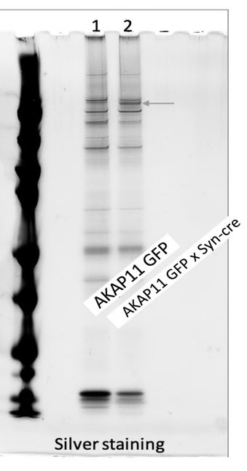

-250kDa

