Figure 1B
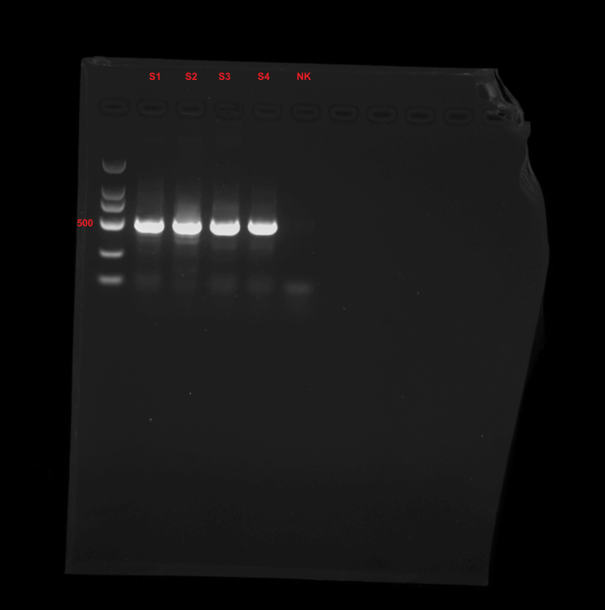
Figure 1B | pmoA gene

