Figure 1
Figure 1a |  |  |  |  |  |  |  |  |  |  |  | Figure 1d
The statistical analysis of the number of puncta/cell |  |  |  |  |  |  |  |  |  |  |  | The statistical analysis of the number of KFERQ puncta/cell
KFERQ (n=40) |  |  |  |  |  | KFSDA (n=40) |  |  |  |  |  | GSCs (n=40) |  | DGCs (n=40)
23 | M83 | 456 | U251 | U87 | LN229 | 23 | M83 | 456 | U251 | U87 | LN229 | M83 | 456 | M83 | 456
15 | 8 | 11 | 2 | 6 | 5 | 0 | 0 | 0 | 0 | 0 | 0 | 10 | 8 | 2 | 7
10 | 7 | 15 | 2 | 4 | 2 | 0 | 0 | 0 | 0 | 0 | 0 | 9 | 7 | 2 | 2
7 | 6 | 9 | 4 | 3 | 3 | 0 | 0 | 0 | 0 | 0 | 0 | 8 | 6 | 3 | 3
8 | 11 | 8 | 3 | 2 | 2 | 0 | 0 | 0 | 0 | 0 | 0 | 13 | 11 | 5 | 9
8 | 12 | 7 | 2 | 3 | 2 | 0 | 0 | 0 | 0 | 0 | 0 | 14 | 12 | 1 | 2
7 | 13 | 10 | 7 | 5 | 2 | 0 | 0 | 0 | 0 | 0 | 0 | 15 | 13 | 8 | 1
7 | 7 | 7 | 6 | 6 | 9 | 0 | 0 | 0 | 0 | 0 | 0 | 9 | 7 | 7 | 4
7 | 9 | 13 | 2 | 4 | 2 | 0 | 0 | 0 | 0 | 0 | 0 | 11 | 9 | 6 | 5
10 | 8 | 7 | 2 | 3 | 1 | 0 | 0 | 0 | 0 | 0 | 0 | 10 | 8 | 5 | 6
14 | 8 | 7 | 2 | 1 | 2 | 0 | 0 | 0 | 0 | 0 | 0 | 10 | 8 | 2 | 1
12 | 7 | 6 | 4 | 2 | 1 | 0 | 0 | 0 | 0 | 0 | 0 | 9 | 7 | 2 | 2
10 | 9 | 8 | 7 | 3 | 2 | 0 | 0 | 0 | 0 | 0 | 0 | 11 | 9 | 3 | 5
9 | 7 | 6 | 7 | 4 | 2 | 0 | 0 | 0 | 0 | 0 | 0 | 9 | 7 | 5 | 2
8 | 7 | 11 | 1 | 5 | 3 | 0 | 0 | 0 | 0 | 0 | 0 | 9 | 7 | 2 | 1
8 | 11 | 13 | 5 | 6 | 4 | 0 | 0 | 0 | 0 | 0 | 0 | 13 | 11 | 3 | 4
7 | 9 | 15 | 4 | 2 | 3 | 0 | 0 | 0 | 0 | 0 | 0 | 11 | 9 | 1 | 3
7 | 8 | 9 | 3 | 3 | 2 | 0 | 0 | 0 | 0 | 0 | 0 | 7 | 5 | 1 | 2
8 | 14 | 8 | 2 | 4 | 5 | 0 | 0 | 0 | 0 | 0 | 0 | 13 | 11 | 1 | 1
10 | 8 | 14 | 2 | 2 | 6 | 0 | 0 | 0 | 0 | 0 | 0 | 7 | 5 | 3 | 2
11 | 7 | 11 | 5 | 7 | 7 | 0 | 0 | 0 | 0 | 0 | 0 | 6 | 4 | 4 | 1
9 | 10 | 6 | 9 | 8 | 4 | 0 | 0 | 0 | 0 | 0 | 0 | 9 | 7 | 1 | 1
8 | 12 | 14 | 1 | 6 | 5 | 0 | 0 | 0 | 0 | 0 | 0 | 11 | 9 | 5 | 5
8 | 14 | 13 | 5 | 2 | 1 | 0 | 0 | 0 | 0 | 0 | 0 | 13 | 11 | 2 | 6
8 | 15 | 9 | 6 | 5 | 1 | 0 | 0 | 0 | 0 | 0 | 0 | 14 | 15 | 3 | 6
12 | 13 | 10 | 7 | 2 | 2 | 0 | 0 | 0 | 0 | 0 | 0 | 12 | 13 | 8 | 6
11 | 7 | 10 | 4 | 2 | 3 | 0 | 0 | 0 | 0 | 0 | 0 | 6 | 8 | 5 | 1
14 | 9 | 11 | 5 | 5 | 4 | 0 | 0 | 0 | 0 | 0 | 0 | 8 | 10 | 7 | 2
8 | 8 | 11 | 4 | 7 | 5 | 0 | 0 | 0 | 0 | 0 | 0 | 7 | 9 | 4 | 5
6 | 6 | 8 | 2 | 5 | 6 | 0 | 0 | 0 | 0 | 0 | 0 | 5 | 7 | 3 | 7
8 | 7 | 9 | 3 | 1 | 8 | 0 | 0 | 0 | 0 | 0 | 0 | 8 | 10 | 2 | 3
7 | 7 | 11 | 9 | 2 | 6 | 0 | 0 | 0 | 0 | 0 | 0 | 8 | 10 | 2 | 2
14 | 8 | 12 | 1 | 4 | 2 | 0 | 0 | 0 | 0 | 0 | 0 | 9 | 11 | 4 | 2
9 | 8 | 9 | 6 | 3 | 2 | 0 | 0 | 0 | 0 | 0 | 0 | 9 | 11 | 3 | 2
9 | 7 | 10 | 7 | 3 | 2 | 0 | 0 | 0 | 0 | 0 | 0 | 8 | 10 | 9 | 2
14 | 7 | 6 | 4 | 2 | 8 | 0 | 0 | 0 | 0 | 0 | 0 | 8 | 10 | 4 | 5
13 | 7 | 9 | 8 | 2 | 7 | 0 | 0 | 0 | 0 | 0 | 0 | 8 | 10 | 5 | 4
10 | 6 | 8 | 6 | 2 | 1 | 0 | 0 | 0 | 0 | 0 | 0 | 7 | 9 | 2 | 11
7 | 7 | 10 | 2 | 7 | 5 | 0 | 0 | 0 | 0 | 0 | 0 | 8 | 10 | 6 | 10
11 | 10 | 11 | 2 | 7 | 4 | 0 | 0 | 0 | 0 | 0 | 0 | 11 | 13 | 2 | 10
6 | 6 | 7 | 2 | 6 | 3 | 0 | 0 | 0 | 0 | 0 | 0 | 7 | 9 | 2 | 1

Figure 1b
The percentage of total GAPDH added
Binding (n=3) |  |  |  | Uptake (n=3)
GSC 23 | GSC M83 | LN229 | U251 | GSC 23 | GSC M83 | LN229 | U251
7.430012 | 9.739497 | 2.719696 | 2.253557 | 25.992730 | 24.254360 | 4.277536 | 5.590096
9.236655 | 7.048296 | 3.565386 | 1.700617 | 24.272770 | 20.963650 | 5.706674 | 5.217279
6.753323 | 10.594760 | 3.032414 | 1.661564 | 21.316300 | 21.942180 | 5.204157 | 5.293097

Figure 1c
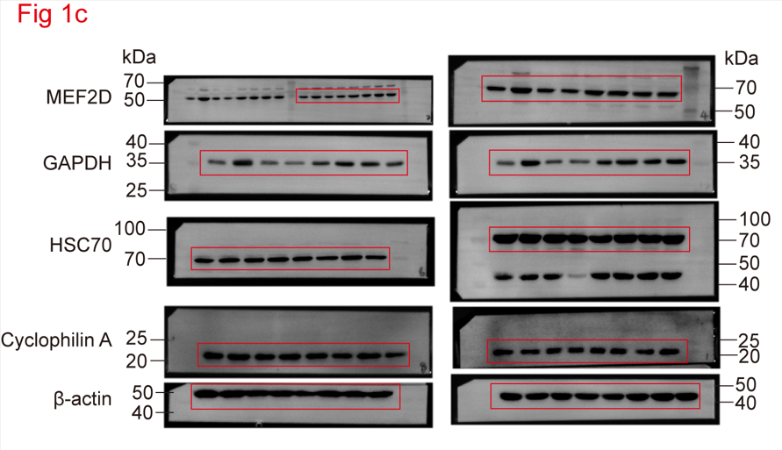

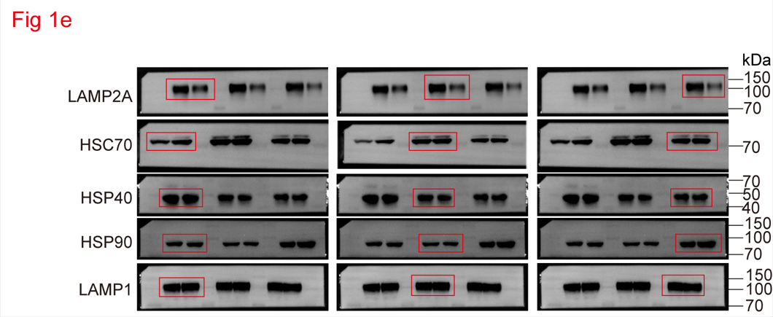
Figure 1e

Figure 1f
The statistical analysis of spheres formation
Group |  |  | Dose (number of cells in each culture) | Tested (number of cultures tested) | number of test without spheres | Group |  |  | Dose (number of cells in each culture) | Tested (number of cultures tested) | number of test without spheres
M83 | sh-C+Vec |  | 1 | 12 | 9 | 456 | sh-C+Vec |  | 1 | 12 | 9
 |  |  | 5 | 12 | 5 |  |  |  | 5 | 12 | 5
 |  |  | 10 | 12 | 2 |  |  |  | 10 | 12 | 4
 |  |  | 20 | 12 | 1 |  |  |  | 20 | 12 | 1
 |  |  | 50 | 12 | 0 |  |  |  | 50 | 12 | 0
 | sh-LAMP2A+Vec |  | 1 | 12 | 12 |  | sh-LAMP2A+Vec |  | 1 | 12 | 12
 |  |  | 5 | 12 | 10 |  |  |  | 5 | 12 | 11
 |  |  | 10 | 12 | 9 |  |  |  | 10 | 12 | 9
 |  |  | 20 | 12 | 7 |  |  |  | 20 | 12 | 6
 |  |  | 50 | 12 | 4 |  |  |  | 50 | 12 | 4
 | sh-LAMP2A +LAMP2A-WT |  | 1 | 12 | 10 |  | sh-LAMP2A +LAMP2A-WT |  | 1 | 12 | 9
 |  |  | 5 | 12 | 3 |  |  |  | 5 | 12 | 5
 |  |  | 10 | 12 | 2 |  |  |  | 10 | 12 | 2
 |  |  | 20 | 12 | 0 |  |  |  | 20 | 12 | 0
 |  |  | 50 | 12 | 0 |  |  |  | 50 | 12 | 0
 | sh-LAMP2A +LAMP2A-4A |  | 1 | 12 | 12 |  | sh-LAMP2A +LAMP2A-4A |  | 1 | 12 | 12
 |  |  | 5 | 12 | 11 |  |  |  | 5 | 12 | 10
 |  |  | 10 | 12 | 9 |  |  |  | 10 | 12 | 9
 |  |  | 20 | 12 | 6 |  |  |  | 20 | 12 | 7
 |  |  | 50 | 12 | 3 |  |  |  | 50 | 12 | 3

Figure 1h
The statistical analysis of tumor volume (mm3) (n=3)
sh-C+Vec |  |  | 32.16215 | 36.67044 | 25.56177
sh-LAMP2A+Vec |  |  | 8.26079 | 7.92504 | 11.10007
sh-LAMP2A+LAMP2A-WT |  |  | 29.97136 | 34.73728 | 31.73467
sh-LAMP2A+LAMP2A-4A |  |  | 16.15660 | 13.94394 | 15.02641

Figure 1i
Kaplan-Meier analysis of survival (n=4)
Days | sh-C+Vec |  | sh-LAMP2A+Vec |  | sh-LAMP2A+ LAMP2A-WT |  | sh-LAMP2A +LAMP2A-4A
15 | 1
22 | 1
23 | 1
25 | 1
27 |  |  | 1
29 |  |  | 1
32 |  |  | 1
36 |  |  | 1
17 |  |  |  |  | 1
21 |  |  |  |  | 1
21 |  |  |  |  | 1
24 |  |  |  |  | 1
23 |  |  |  |  |  |  | 1
28 |  |  |  |  |  |  | 1
30 |  |  |  |  |  |  | 1
34 |  |  |  |  |  |  | 1

Figure 2
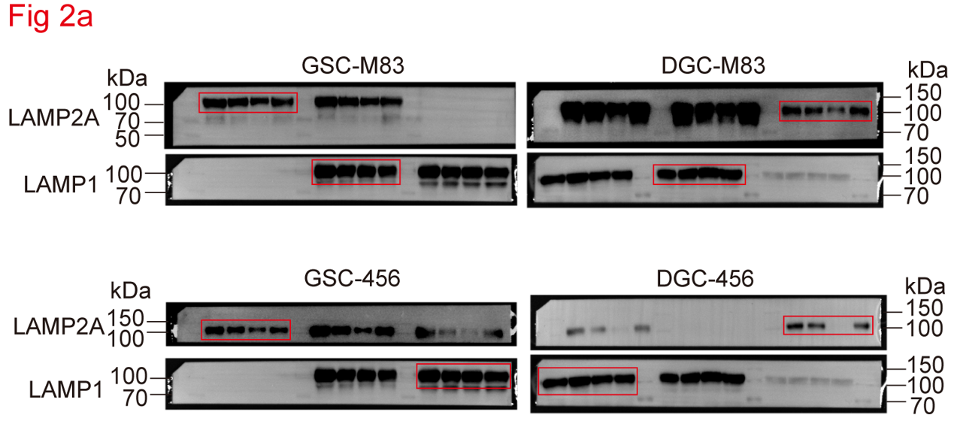
Figure 2a

Figure 2b
The percentage of LAMP2A relative to time 0
Time (min) | GSC M83 (n=3) |  |  | DGC M83 (n=3) |  |  | GSC 456 (n=3) |  |  | DGC 456 (n=3)
0 | 100.000000 | 100.000000 | 100.000000 | 100.000000 | 100.000000 | 100.000000 | 100.000000 | 100.000000 | 100.000000 | 100.000000 | 100.000000 | 100.000000
15 | 94.837060 | 89.657210 | 72.144050 | 42.121970 | 26.128000 | 35.123290 | 76.776470 | 62.700130 | 72.232880 | 21.792780 | 32.637430 | 37.406140
30 | 60.782270 | 52.987680 | 50.835540 | 22.873140 | 12.697990 | 4.170286 | 38.375940 | 27.255750 | 36.102910 | 1.321816 | 12.588940 | 7.789649

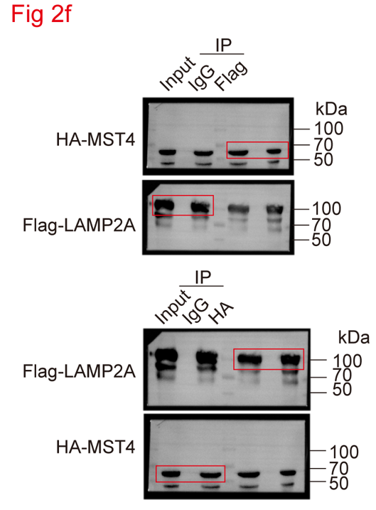
Figure 2c |  |  |  |  |  |  | Figure 2f
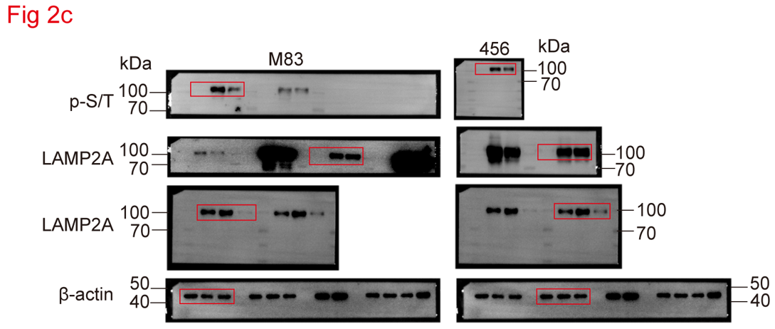

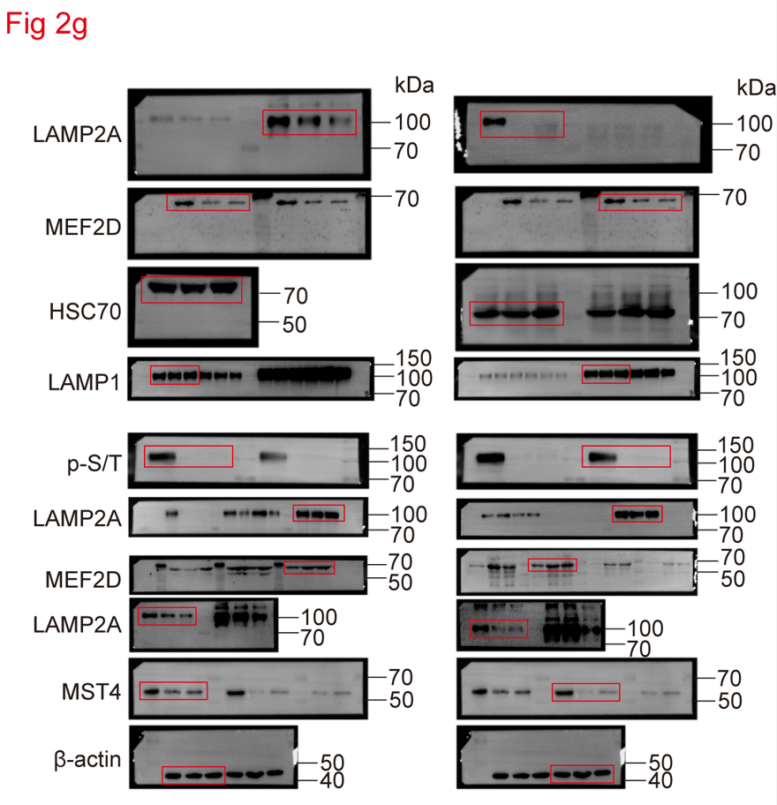
Figure 2g |  |  |  |  |  |  | Figure 2h
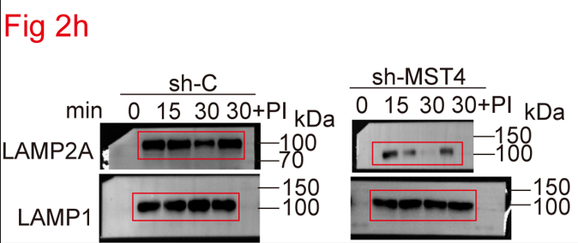

Figure 2i
The percentage of LAMP2A relative to time 0
Time (min) | sh-C (n=3) |  |  | sh-MST4 (n=3)
0 | 100.00000 | 100.00000 | 100.00000 | 100.00000 | 100.00000 | 100.00000
15 | 95.47015 | 76.88818 | 92.50881 | 37.95558 | 52.60831 | 59.96359
30 | 68.43979 | 58.30647 | 56.15294 | 10.42978 | 13.92452 | 10.78261

Figure 2j |  |  |  |  |  |  | Figure 2k
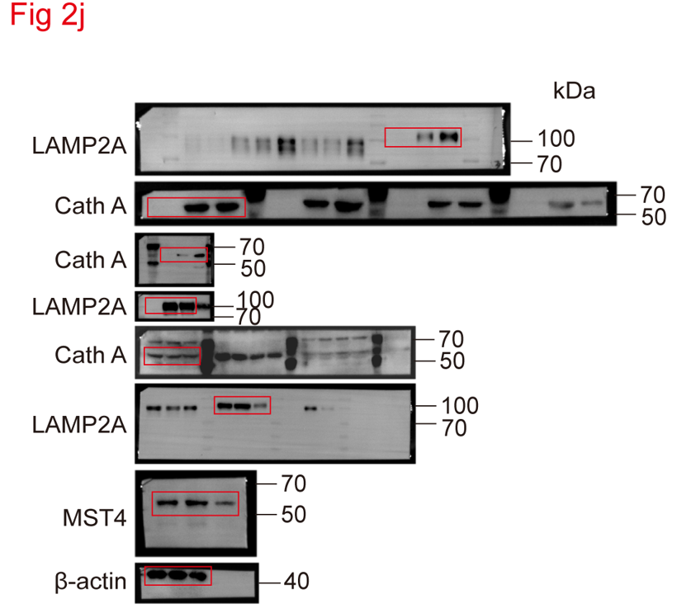
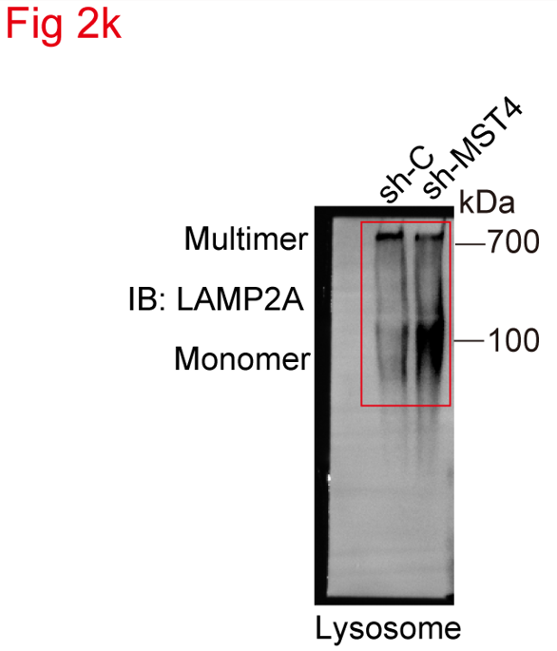

Figure 2l |  |  |  |  |  |  | Figure 2m
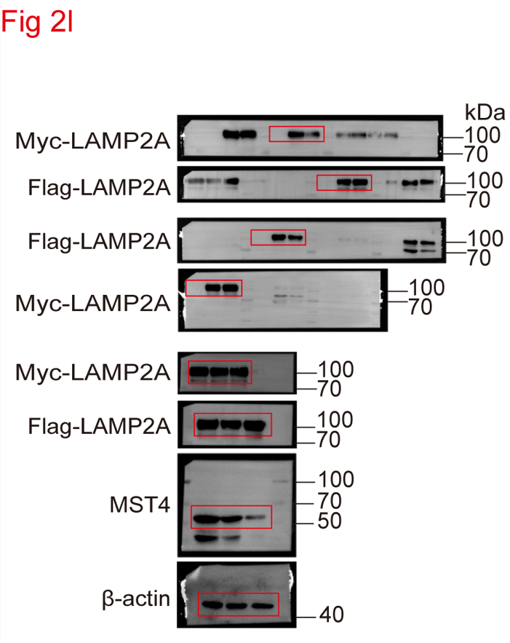
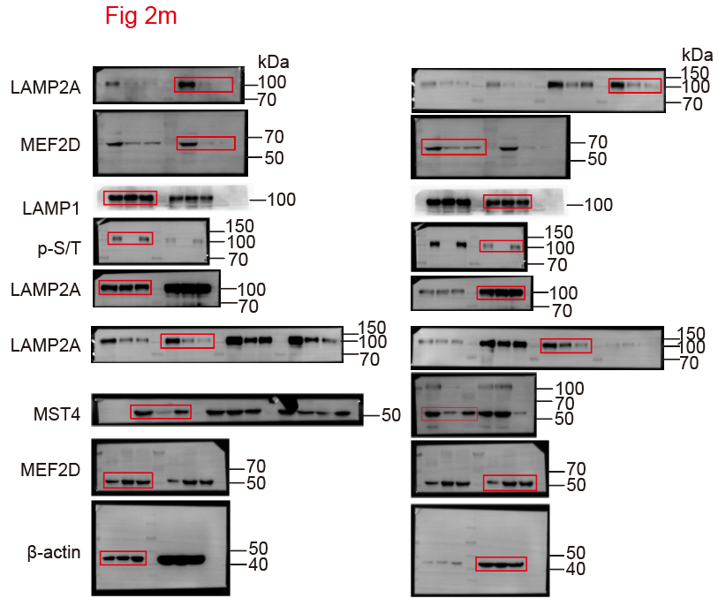

Figure 2o |  |  |  |  |  |  |  | Figure 2p
The statistical analysis of the number of KFERQ puncta/cell |  |  |  |  |  |  |  | The percentage of total GAPDH added
M83 (n=40) |  |  | 456 (n=40) |  |  |  |  | M83
sh-C | sh-MST4 | sh-LAMP2A | sh-C | sh-MST4 | sh-LAMP2A |  |  | Binding (n=3) |  |  | Uptake (n=3)
11 | 3 | 2 | 7 | 3 | 2 |  |  | sh-C | sh-MST4 | sh-LAMP2A | sh-C | sh-MST4 | sh-LAMP2A
10 | 3 | 2 | 6 | 5 | 8 |  |  | 16.473250 | 7.430012 | 10.408120 | 25.992730 | 9.300098 | 12.580550
9 | 4 | 3 | 5 | 3 | 9 |  |  | 15.731620 | 9.236655 | 9.656915 | 24.272770 | 14.551740 | 11.598660
14 | 2 | 2 | 10 | 1 | 5 |  |  | 11.706590 | 6.753323 | 6.699822 | 21.316300 | 9.114879 | 12.257800
15 | 1 | 3 | 11 | 3 | 3 |  |  | 456
16 | 2 | 2 | 12 | 2 | 3 |  |  | Binding (n=3) |  |  | Uptake (n=3)
10 | 2 | 5 | 6 | 2 | 1 |  |  | sh-C | sh-MST4 | sh-LAMP2A | sh-C | sh-MST4 | sh-LAMP2A
12 | 1 | 2 | 8 | 1 | 3 |  |  | 12.374890 | 6.101681 | 8.845502 | 18.455053 | 11.544870 | 14.473190
11 | 7 | 3 | 7 | 1 | 3 |  |  | 13.009140 | 5.999109 | 8.161344 | 19.576379 | 14.244400 | 10.770940
11 | 2 | 3 | 7 | 2 | 5 |  |  | 17.876420 | 7.143020 | 9.711706 | 19.374415 | 13.621340 | 9.035370
10 | 2 | 3 | 6 | 2 | 3
12 | 3 | 3 | 8 | 7 | 3
10 | 1 | 2 | 6 | 2 | 4
10 | 1 | 2 | 6 | 3 | 5
9 | 3 | 5 | 10 | 4 | 2
7 | 6 | 1 | 8 | 7 | 2
6 | 7 | 2 | 9 | 9 | 4
12 | 2 | 2 | 15 | 2 | 3
6 | 6 | 3 | 9 | 3 | 2
5 | 4 | 5 | 8 | 3 | 7
8 | 5 | 7 | 11 | 3 | 8
10 | 2 | 2 | 13 | 4 | 2
12 | 3 | 2 | 15 | 5 | 2
13 | 6 | 2 | 16 | 10 | 2
11 | 3 | 3 | 14 | 2 | 1
8 | 4 | 1 | 8 | 2 | 3
10 | 3 | 1 | 10 | 2 | 4
9 | 2 | 1 | 9 | 4 | 5
7 | 4 | 3 | 7 | 5 | 3
8 | 4 | 3 | 10 | 6 | 8
8 | 3 | 6 | 10 | 3 | 2
9 | 6 | 5 | 11 | 3 | 2
9 | 2 | 2 | 11 | 2 | 2
8 | 1 | 2 | 10 | 9 | 2
8 | 1 | 2 | 10 | 2 | 1
8 | 3 | 2 | 10 | 2 | 1
7 | 2 | 7 | 9 | 3 | 8
8 | 5 | 5 | 10 | 7 | 5
11 | 2 | 3 | 13 | 6 | 2
7 | 2 | 4 | 9 | 4 | 2

Figure 3
Figure 3b
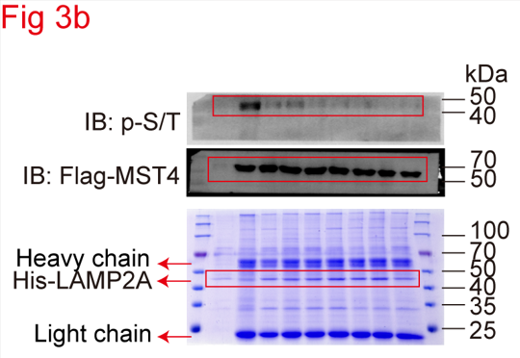

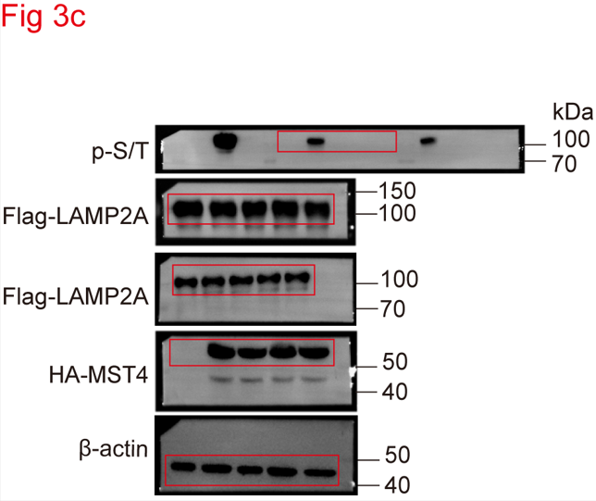
Figure 3c |  |  |  |  |  |  |  | Figure 3d
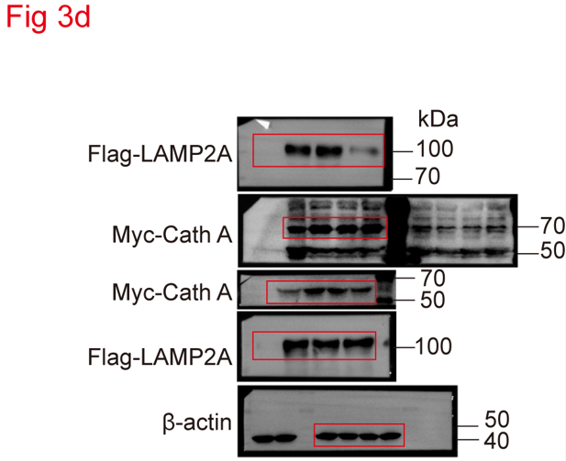

Figure 3e
The statistical analysis of relative growth rate
 | M83 (n=3)
Days | sh-C+Vec |  |  | sh-LAMP2A+Vec |  |  | sh-LAMP2A+LAMP2A-WT |  |  | sh-LAMP2A+LAMP2A-3A |  |  | sh-LAMP2A+LAMP2A-3D
0 | 1.0 | 1.0 | 1.0 | 1.0 | 1.0 | 1.0 | 1.0 | 1.0 | 1.0 | 1.0 | 1.0 | 1.0 | 1.0 | 1.0 | 1.0
1 | 1.1 | 1.2 | 1.5 | 0.6 | 0.7 | 0.8 | 1.2 | 1.7 | 1.8 | 1.0 | 0.8 | 0.7 | 1.2 | 1.4 | 1.6
2 | 2.6 | 2.7 | 2.9 | 0.9 | 1.0 | 1.3 | 2.5 | 2.6 | 2.9 | 1.4 | 1.1 | 1.3 | 2.0 | 2.4 | 2.6
3 | 4.0 | 4.4 | 5.8 | 2.0 | 2.4 | 2.6 | 4.2 | 4.8 | 4.6 | 2.4 | 2.6 | 2.4 | 4.0 | 3.4 | 4.2
4 | 7.4 | 9.2 | 8.4 | 2.6 | 3.4 | 2.8 | 7.2 | 7.0 | 7.6 | 3.0 | 2.4 | 3.2 | 7.2 | 7.6 | 6.8
5 | 10.8 | 10.8 | 11.4 | 2.8 | 3.6 | 3.2 | 10.2 | 9.6 | 9.2 | 3.2 | 3.6 | 3.8 | 9.4 | 10.0 | 9.0
 | 456 (n=3)
Days | sh-C+Vec |  |  | sh-LAMP2A+Vec |  |  | sh-LAMP2A+LAMP2A-WT |  |  | sh-LAMP2A+LAMP2A-3A |  |  | sh-LAMP2A+LAMP2A-3D
0 | 1.0 | 1.0 | 1.0 | 1.0 | 1.0 | 1.0 | 1.0 | 1.0 | 1.0 | 1.0 | 1.0 | 1.0 | 1.0 | 1.0 | 1.0
1 | 1.4 | 1.5 | 1.7 | 1.0 | 1.2 | 1.1 | 2.5 | 2.8 | 2.3 | 1.0 | 0.8 | 0.9 | 1.3 | 1.5 | 1.9
2 | 3.1 | 2.3 | 2.5 | 1.4 | 2.2 | 2.0 | 3.6 | 4.0 | 3.1 | 1.0 | 1.2 | 1.2 | 2.8 | 3.1 | 3.8
3 | 5.8 | 6.2 | 6.8 | 2.2 | 2.4 | 2.6 | 4.9 | 5.5 | 4.1 | 2.4 | 2.6 | 2.6 | 3.6 | 4.2 | 4.8
4 | 9.0 | 9.4 | 10.2 | 2.6 | 3.0 | 3.4 | 8.5 | 8.1 | 8.3 | 2.8 | 3.2 | 3.4 | 8.6 | 8.8 | 9.0
5 | 11.6 | 12.2 | 12.4 | 2.8 | 3.4 | 3.8 | 11.1 | 10.5 | 11.7 | 3.6 | 3.8 | 3.2 | 11.2 | 10.0 | 10.4

Figure 3f
The statistical analysis of spheres formation
Group |  |  | Dose (number of cells in each culture) | Tested (number of cultures tested) | number of test without spheres | Group |  |  | Dose (number of cells in each culture) | Tested (number of cultures tested) | number of test without spheres
M83 | sh-C+Vec |  | 1 | 12 | 8 | 456 | sh-C+Vec |  | 1 | 12 | 9
 |  |  | 5 | 12 | 5 |  |  |  | 5 | 12 | 5
 |  |  | 10 | 12 | 3 |  |  |  | 10 | 12 | 3
 |  |  | 20 | 12 | 2 |  |  |  | 20 | 12 | 1
 |  |  | 50 | 12 | 0 |  |  |  | 50 | 12 | 0
 | sh-LAMP2A+Vec |  | 1 | 12 | 12 |  | sh-LAMP2A+Vec |  | 1 | 12 | 12
 |  |  | 5 | 12 | 10 |  |  |  | 5 | 12 | 9
 |  |  | 10 | 12 | 9 |  |  |  | 10 | 12 | 9
 |  |  | 20 | 12 | 8 |  |  |  | 20 | 12 | 7
 |  |  | 50 | 12 | 4 |  |  |  | 50 | 12 | 4
 | sh-LAMP2A +LAMP2A-WT |  | 1 | 12 | 9 |  | sh-LAMP2A +LAMP2A-WT |  | 1 | 12 | 9
 |  |  | 5 | 12 | 8 |  |  |  | 5 | 12 | 5
 |  |  | 10 | 12 | 3 |  |  |  | 10 | 12 | 5
 |  |  | 20 | 12 | 1 |  |  |  | 20 | 12 | 1
 |  |  | 50 | 12 | 0 |  |  |  | 50 | 12 | 0
 | sh-LAMP2A +LAMP2A-3A |  | 1 | 12 | 12 |  | sh-LAMP2A +LAMP2A-3A |  | 1 | 12 | 12
 |  |  | 5 | 12 | 9 |  |  |  | 5 | 12 | 10
 |  |  | 10 | 12 | 9 |  |  |  | 10 | 12 | 9
 |  |  | 20 | 12 | 6 |  |  |  | 20 | 12 | 7
 |  |  | 50 | 12 | 5 |  |  |  | 50 | 12 | 3
 | sh-LAMP2A +LAMP2A-3D |  | 1 | 12 | 10 |  | sh-LAMP2A +LAMP2A-3D |  | 1 | 12 | 9
 |  |  | 5 | 12 | 6 |  |  |  | 5 | 12 | 6
 |  |  | 10 | 12 | 2 |  |  |  | 10 | 12 | 4
 |  |  | 20 | 12 | 1 |  |  |  | 20 | 12 | 2
 |  |  | 50 | 12 | 1 |  |  |  | 50 | 12 | 0

Figure 3h
The statistical analysis of tumor volume (mm3) (n=3)
sh-C+Vec |  |  | 31.25849 | 38.33915 | 35.13068
sh-LAMP2A+Vec |  |  | 7.92504 | 5.01884 | 6.14760
sh-LAMP2A+LAMP2A-WT |  |  | 27.76907 | 31.99769 | 38.13425
sh-LAMP2A+LAMP2A-3A |  |  | 8.82971 | 14.34466 | 11.80566
sh-LAMP2A+LAMP2A-3D |  |  | 29.97136 | 34.73728 | 31.73467

Figure 3i
Kaplan-Meier analysis of survival (n=3)
Days | sh-C+Vec |  | sh-LAMP2A+Vec |  | sh-LAMP2A+ LAMP2A-WT |  | sh-LAMP2A +LAMP2A-3A |  | sh-LAMP2A +LAMP2A-3D
23 | 1
25 | 1
26 | 1
37 |  |  | 1
39 |  |  | 1
42 |  |  | 1
24 |  |  |  |  | 1
27 |  |  |  |  | 1
28 |  |  |  |  | 1
35 |  |  |  |  |  |  | 1
36 |  |  |  |  |  |  | 1
41 |  |  |  |  |  |  | 1
25 |  |  |  |  |  |  |  |  | 1
28 |  |  |  |  |  |  |  |  | 1
29 |  |  |  |  |  |  |  |  | 1

Figure 4
Figure 4a
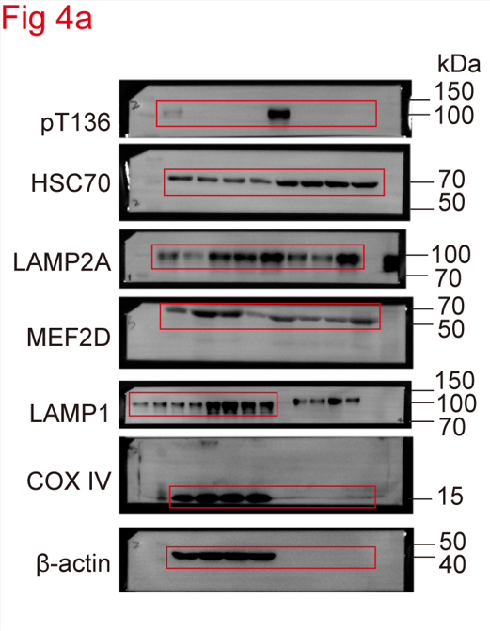

Figure 4b |  |  |  |  |  | Fig 4c
The statistical analysis of the number of KFERQ puncta/cell |  |  |  |  |  | The percentage of total GAPDH added
M83 (n=40) |  |  |  |  |  | Binding (n=3) |  |  |  | Uptake (n=3)
sh-C+Vec | sh-MST4 +Vec | sh-MST4 +LAMP2A-WT | sh-MST4 +LAMP2A-3D |  |  | sh-C+Vec | sh-MST4 +Vec | sh-MST4 +LAMP2A-WT | sh-MST4 +LAMP2A-3D | sh-C+Vec | sh-MST4 +Vec | sh-MST4 +LAMP2A-WT | sh-MST4 +LAMP2A-3D
10 | 4 | 3 | 8 |  |  | 7.303485 | 3.482886 | 3.964665 | 6.086064 | 10.303490 | 5.868702 | 6.349470 | 9.964665
9 | 4 | 1 | 7 |  |  | 7.492494 | 3.349470 | 3.841815 | 6.088029 | 11.300770 | 5.524203 | 6.505197 | 12.841820
8 | 5 | 3 | 8 |  |  | 7.407228 | 2.780736 | 4.222548 | 8.564544 | 13.197680 | 5.233620 | 6.811536 | 10.222550
13 | 3 | 4 | 7
14 | 2 | 7 | 12
15 | 3 | 3 | 11
9 | 3 | 2 | 12
10 | 2 | 2 | 8 |  |  | Figure 4d
9 | 8 | 3 | 9 |  |  | The statistical analysis of relative growth rate
9 | 3 | 7 | 7 |  |  |  | M83 (n=3)
8 | 3 | 1 | 7 |  |  | Days | sh-C+Vec |  |  | sh-MST4+Vec |  |  | sh-MST4+LAMP2A-WT |  |  | sh-MST4+LAMP2A-3D
10 | 4 | 3 | 9 |  |  | 0 | 1.00 | 1.00 | 1.00 | 1.00 | 1.00 | 1.00 | 1.00 | 1.00 | 1.00 | 1.00 | 1.00 | 1.00
8 | 2 | 3 | 8 |  |  | 1 | 2.00 | 2.60 | 1.60 | 0.80 | 1.00 | 1.40 | 1.40 | 0.60 | 0.80 | 0.80 | 2.20 | 1.00
8 | 2 | 6 | 12 |  |  | 2 | 4.00 | 5.00 | 2.80 | 1.80 | 2.20 | 3.00 | 3.00 | 3.20 | 2.40 | 4.50 | 3.00 | 3.00
12 | 2 | 5 | 13 |  |  | 3 | 9.00 | 6.60 | 9.60 | 4.40 | 3.80 | 2.80 | 3.80 | 3.20 | 4.80 | 7.40 | 6.80 | 5.80
10 | 5 | 3 | 15 |  |  | 4 | 11.60 | 14.20 | 15.20 | 6.00 | 3.40 | 3.60 | 7.80 | 5.20 | 5.80 | 10.80 | 9.80 | 8.80
9 | 6 | 2 | 6 |  |  | 5 | 14.40 | 17.80 | 20.20 | 6.60 | 4.20 | 5.80 | 9.00 | 8.10 | 7.00 | 13.80 | 14.60 | 12.80
15 | 1 | 6 | 9 |  |  |  | 456 (n=3)
7 | 5 | 7 | 11 |  |  | Days | sh-C+Vec |  |  | sh-MST4+Vec |  |  | sh-MST4+LAMP2A-WT |  |  | sh-MST4+LAMP2A-3D
6 | 3 | 3 | 9 |  |  | 0 | 1.00 | 1.00 | 1.00 | 1.00 | 1.00 | 1.00 | 1.00 | 1.00 | 1.00 | 1.00 | 1.00 | 1.00
9 | 4 | 2 | 6 |  |  | 1 | 1.60 | 1.60 | 0.96 | 0.96 | 1.28 | 1.28 | 1.60 | 1.28 | 1.28 | 1.28 | 1.60 | 1.76
11 | 1 | 1 | 12 |  |  | 2 | 1.76 | 1.92 | 4.16 | 2.08 | 1.60 | 1.28 | 1.60 | 1.92 | 2.40 | 2.08 | 2.24 | 3.20
13 | 2 | 3 | 15 |  |  | 3 | 5.12 | 3.84 | 6.40 | 2.88 | 2.56 | 2.40 | 2.56 | 3.68 | 2.88 | 3.36 | 3.84 | 4.80
14 | 5 | 2 | 6 |  |  | 4 | 6.72 | 6.24 | 9.60 | 3.84 | 3.04 | 3.20 | 3.20 | 4.96 | 4.00 | 5.28 | 5.76 | 8.00
12 | 2 | 4 | 8 |  |  | 5 | 11.84 | 10.56 | 9.28 | 5.76 | 5.60 | 4.80 | 5.92 | 6.72 | 6.72 | 9.12 | 7.36 | 10.24
6 | 3 | 2 | 7
8 | 2 | 2 | 14
11 | 1 | 5 | 12
9 | 2 | 2 | 13
10 | 2 | 6 | 6 |  |  | Figure 4g
10 | 1 | 3 | 7 |  |  | The statistical analysis of tumor volume (mm3) (n=5)
11 | 4 | 3 | 6 |  |  | sh-C+Vec |  |  | 31.42390 | 22.92232 | 29.15413 | 31.51280 | 34.40624
11 | 1 | 3 | 5 |  |  | sh-MST4+Vec |  |  | 5.76784 | 7.32978 | 4.75582 | 5.02976 | 2.34393
10 | 4 | 2 | 6 |  |  | sh-MST4+LAMP2A-WT |  |  | 12.87992 | 15.09195 | 15.52099 | 13.25376 | 14.57433
10 | 4 | 2 | 10 |  |  | sh-MST4+LAMP2A-3D |  |  | 32.97549 | 32.12260 | 25.89440 | 24.22272 | 27.28796
10 | 6 | 6 | 6
4 | 5 | 5 | 8
5 | 8 | 2 | 13
8 | 5 | 2 | 14
4 | 5 | 2 | 7

Figure 4e
The statistical analysis of spheres formation
Group |  |  | Dose (number of cells in each culture) | Tested (number of cultures tested) | number of test without spheres | Group |  |  | Dose (number of cells in each culture) | Tested (number of cultures tested) | number of test without spheres
M83 | sh-C+Vec |  | 1 | 12 | 10 | 456 | sh-C+Vec |  | 1 | 12 | 9
 |  |  | 5 | 12 | 4 |  |  |  | 5 | 12 | 4
 |  |  | 10 | 12 | 2 |  |  |  | 10 | 12 | 2
 |  |  | 20 | 12 | 0 |  |  |  | 20 | 12 | 0
 |  |  | 50 | 12 | 0 |  |  |  | 50 | 12 | 0
 | sh-MST4+Vec |  | 1 | 12 | 12 |  | sh-MST4+Vec |  | 1 | 12 | 12
 |  |  | 5 | 12 | 9 |  |  |  | 5 | 12 | 11
 |  |  | 10 | 12 | 9 |  |  |  | 10 | 12 | 9
 |  |  | 20 | 12 | 7 |  |  |  | 20 | 12 | 6
 |  |  | 50 | 12 | 4 |  |  |  | 50 | 12 | 5
 | sh-MST4 +LAMP2A-WT |  | 1 | 12 | 12 |  | sh-MST4 +LAMP2A-WT |  | 1 | 12 | 11
 |  |  | 5 | 12 | 9 |  |  |  | 5 | 12 | 10
 |  |  | 10 | 12 | 9 |  |  |  | 10 | 12 | 8
 |  |  | 20 | 12 | 6 |  |  |  | 20 | 12 | 5
 |  |  | 50 | 12 | 4 |  |  |  | 50 | 12 | 3
 | sh-MST4 +LAMP2A-3D |  | 1 | 12 | 10 |  | sh-MST4 +LAMP2A-3D |  | 1 | 12 | 8
 |  |  | 5 | 12 | 6 |  |  |  | 5 | 12 | 7
 |  |  | 10 | 12 | 3 |  |  |  | 10 | 12 | 4
 |  |  | 20 | 12 | 1 |  |  |  | 20 | 12 | 1
 |  |  | 50 | 12 | 0 |  |  |  | 50 | 12 | 0

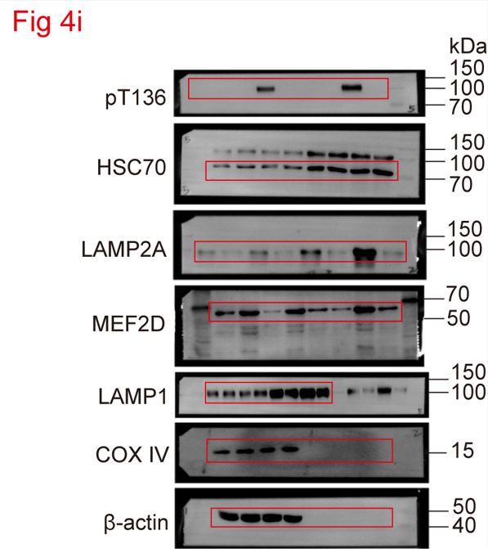
Figure 4h
Kaplan-Meier analysis of survival (n=5) |  |  |  |  |  |  |  |  |  | Figure 4i
Days | sh-C+Vec |  | sh-MST4+Vec |  | sh-MST4+ LAMP2A-WT |  | sh-MST4+ LAMP2A-3D
21 | 1
23 | 1
24 | 1
25 | 1
26 | 1
29 |  |  | 1
35 |  |  | 1
36 |  |  | 1
38 |  |  | 1
39 |  |  | 1
27 |  |  |  |  | 1
30 |  |  |  |  | 1
32 |  |  |  |  | 1
34 |  |  |  |  | 1
37 |  |  |  |  | 1
21 |  |  |  |  |  |  | 1
22 |  |  |  |  |  |  | 1
23 |  |  |  |  |  |  | 1
25 |  |  |  |  |  |  | 1
29 |  |  |  |  |  |  | 1

Figure 4k |  |  |  |  |  |  | Figure 4l
The statistical analysis of the number of KFERQ puncta/cell |  |  |  |  |  |  | The percentage of total GAPDH added
23 (n=40) |  |  |  |  |  |  | Binding (n=3) |  |  |  | Uptake (n=3)
sh-C+Vec | sh-LAMP2A +Vec | sh-C+ MST4 | sh-LAMP2A+MST4 |  |  |  | sh-C+Vec | sh-LAMP2A +Vec | sh-C+ MST4 | sh-LAMP2A+MST4 | sh-C+Vec | sh-LAMP2A +Vec | sh-C+ MST4 | sh-LAMP2A+MST4
13 | 3 | 18 | 7 |  |  |  | 5.449226 | 2.982906 | 7.637311 | 5.649495 | 8.449226 | 5.982906 | 10.637310 | 8.649495
8 | 2 | 17 | 8 |  |  |  | 5.541517 | 2.901953 | 6.511772 | 5.695091 | 8.541517 | 5.901953 | 9.511772 | 8.695091
5 | 2 | 20 | 9 |  |  |  | 5.680872 | 3.041974 | 8.053829 | 6.307914 | 8.680872 | 6.041974 | 11.053830 | 9.307914
6 | 7 | 11 | 5
6 | 5 | 22 | 11
5 | 3 | 16 | 9
5 | 2 | 21 | 8
5 | 2 | 8 | 14 |  |  |  | Figure 4m
8 | 3 | 18 | 13 |  |  |  | The statistical analysis of relative growth rate
12 | 3 | 13 | 10 |  |  |  |  | 23 (n=3)
10 | 2 | 19 | 9 |  |  |  | Days | sh-C+Vec |  |  | sh-LAMP2A +Vec |  |  | sh-C+ MST4 |  |  | sh-LAMP2A+MST4
8 | 3 | 17 | 8 |  |  |  | 0 | 1.0 | 1.0 | 1.0 | 1.0 | 1.0 | 1.0 | 1.0 | 1.0 | 1.0 | 1.0 | 1.0 | 1.0
8 | 2 | 20 | 7 |  |  |  | 1 | 1.0 | 1.0 | 1.2 | 1.1 | 0.5 | 0.7 | 2.0 | 1.2 | 1.2 | 0.8 | 1.5 | 1.0
7 | 2 | 13 | 9 |  |  |  | 2 | 2.0 | 2.3 | 2.2 | 1.4 | 1.0 | 1.4 | 3.2 | 2.1 | 2.8 | 2.9 | 2.4 | 2.1
7 | 6 | 17 | 10 |  |  |  | 3 | 3.8 | 3.4 | 3.2 | 2.4 | 1.6 | 2.0 | 5.2 | 3.8 | 4.2 | 3.7 | 4.0 | 3.8
6 | 4 | 15 | 11 |  |  |  | 4 | 5.7 | 4.8 | 4.3 | 4.0 | 2.4 | 3.2 | 8.3 | 7.0 | 9.2 | 5.4 | 6.2 | 5.7
6 | 2 | 14 | 11 |  |  |  | 5 | 12.2 | 10.3 | 9.8 | 7.2 | 5.6 | 6.3 | 13.6 | 14.0 | 15.6 | 11.0 | 12.2 | 11.8
7 | 2 | 17 | 12
9 | 1 | 13 | 5
10 | 1 | 9 | 9
8 | 1 | 14 | 10
7 | 5 | 11 | 11 |  |  |  | Figure 4p
7 | 6 | 16 | 15 |  |  |  | The statistical analysis of tumor volume (mm3) (n=3)
7 | 2 | 21 | 7 |  |  |  | sh-C+Vec |  |  | 26.22329 | 36.52298 | 33.62183
11 | 2 | 13 | 8 |  |  |  | sh-LAMP2A+Vec |  |  | 15.75949 | 8.32301 | 11.27832
10 | 7 | 16 | 13 |  |  |  | sh-Vec+MST4 |  |  | 46.36044 | 63.39252 | 44.96018
13 | 3 | 11 | 14 |  |  |  | sh-LAMP2A+MST4 |  |  | 22.62779 | 24.56440 | 30.59634
10 | 3 | 14 | 11
8 | 3 | 24 | 12
10 | 2 | 15 | 9
9 | 1 | 15 | 8
13 | 6 | 14 | 12
11 | 1 | 16 | 5
11 | 2 | 21 | 7
13 | 1 | 17 | 8
12 | 1 | 8 | 8
11 | 1 | 17 | 7
8 | 5 | 19 | 6
12 | 8 | 8 | 9
7 | 6 | 17 | 10

Figure 4n |  |  |  |  |  |  | Figure 4q
The statistical analysis of spheres formation |  |  |  |  |  |  | Kaplan-Meier analysis of survival (n=5)
Group |  |  | Dose (number of cells in each culture) | Tested (number of cultures tested) | number of test without spheres |  | Days | sh-C+Vec |  | sh-LAMP2A+Vec |  | sh-Vec+MST4 |  | sh-LAMP2A+MST4
23 | sh-C+Vec |  | 1 | 12 | 9 |  | 20 | 1
 |  |  | 5 | 12 | 6 |  | 22 | 1
 |  |  | 10 | 12 | 4 |  | 26 | 1
 |  |  | 20 | 12 | 2 |  | 28 | 1
 |  |  | 50 | 12 | 0 |  | 30 | 1
 | sh-LAMP2A+Vec |  | 1 | 12 | 12 |  | 28 |  |  | 1
 |  |  | 5 | 12 | 9 |  | 34 |  |  | 1
 |  |  | 10 | 12 | 7 |  | 37 |  |  | 1
 |  |  | 20 | 12 | 4 |  | 39 |  |  | 1
 |  |  | 50 | 12 | 2 |  | 44 |  |  | 1
 | sh-C+MST4 |  | 1 | 12 | 8 |  | 16 |  |  |  |  | 1
 |  |  | 5 | 12 | 4 |  | 17 |  |  |  |  | 1
 |  |  | 10 | 12 | 1 |  | 19 |  |  |  |  | 1
 |  |  | 20 | 12 | 0 |  | 20 |  |  |  |  | 1
 |  |  | 50 | 12 | 0 |  | 22 |  |  |  |  | 1
 | sh-LAMP2A+MST4 |  | 1 | 12 | 9 |  | 20 |  |  |  |  |  |  | 1
 |  |  | 5 | 12 | 5 |  | 23 |  |  |  |  |  |  | 1
 |  |  | 10 | 12 | 4 |  | 25 |  |  |  |  |  |  | 1
 |  |  | 20 | 12 | 3 |  | 27 |  |  |  |  |  |  | 1
 |  |  | 50 | 12 | 1 |  | 29 |  |  |  |  |  |  | 1

Figure 5
Figure 5c |  |  |  |  | Figure 5d
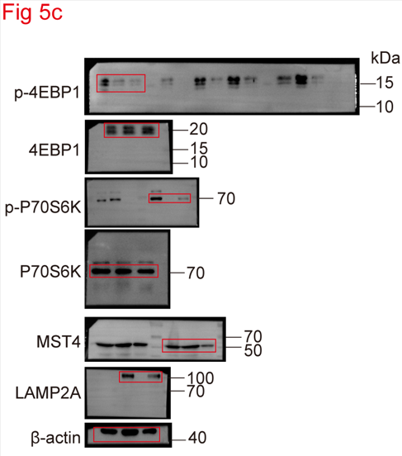
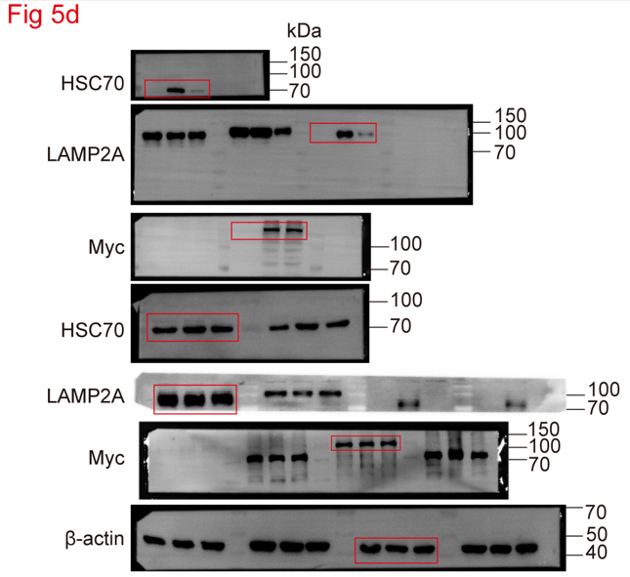

Figure 5e |  |  |  |  | Figure 5f
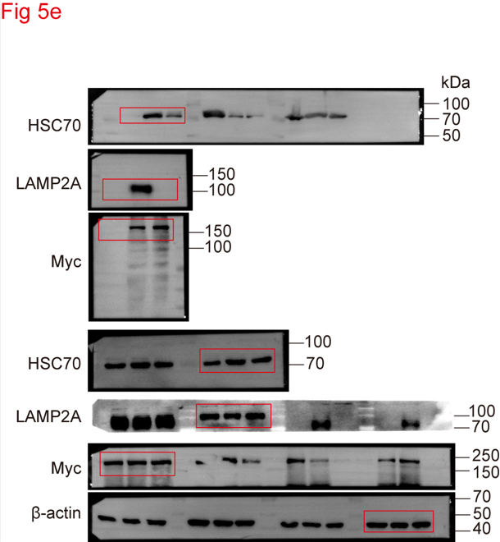
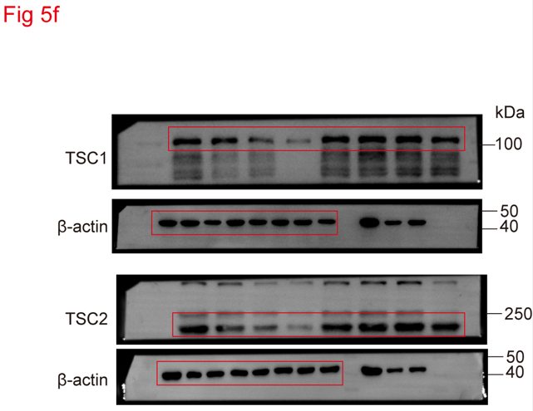

Figure 5g
The statistical analysis of ratio of intitial protein
Time (h) | TSC1 WT (n=3) |  |  | TSC1 Mut (n=3)
0 | 100.000000 | 100.000000 | 100.000000 | 100.000000 | 100.000000 | 100.000000
3 | 70.800209 | 72.929717 | 84.914541 | 92.427933 | 91.968909 | 96.065974
6 | 66.561605 | 61.587228 | 61.012692 | 91.046798 | 88.447989 | 90.766100
12 | 54.817291 | 45.808752 | 49.094847 | 89.211823 | 79.995458 | 82.797811
Time (h) | TSC2 WT (n=3) |  |  | TSC2 Mut (n=3)
0 | 100.000000 | 100.000000 | 100.000000 | 100.000000 | 100.000000 | 100.000000
3 | 81.897874 | 84.549090 | 88.529368 | 96.268818 | 87.586384 | 95.062353
6 | 69.442380 | 69.026172 | 63.045308 | 85.216828 | 85.987442 | 84.595038
12 | 49.966714 | 47.811910 | 48.761472 | 83.879064 | 80.069161 | 79.782541

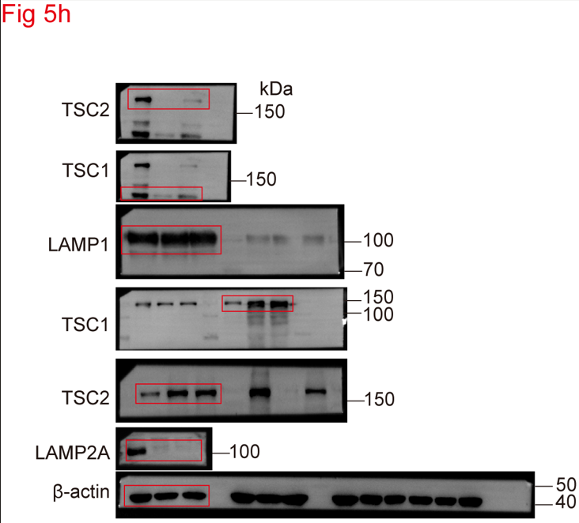
Figure 5h |  |  |  |  | Figure 5i
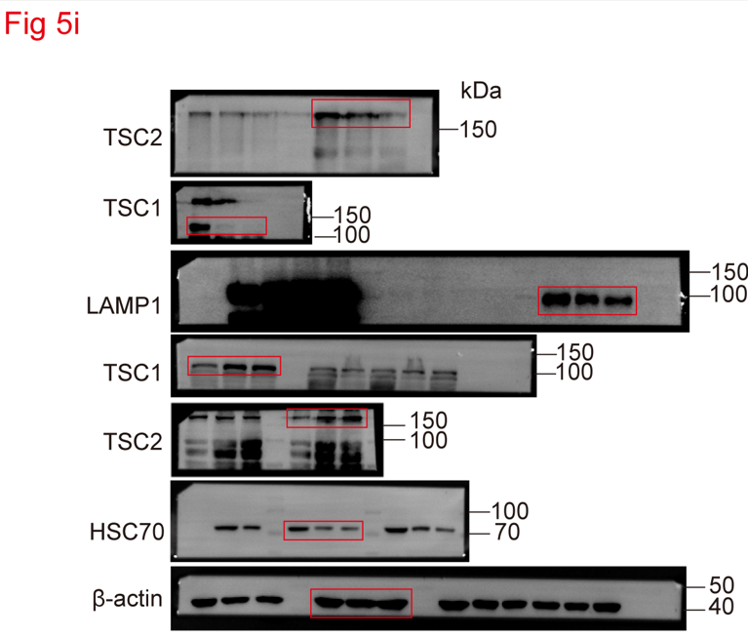

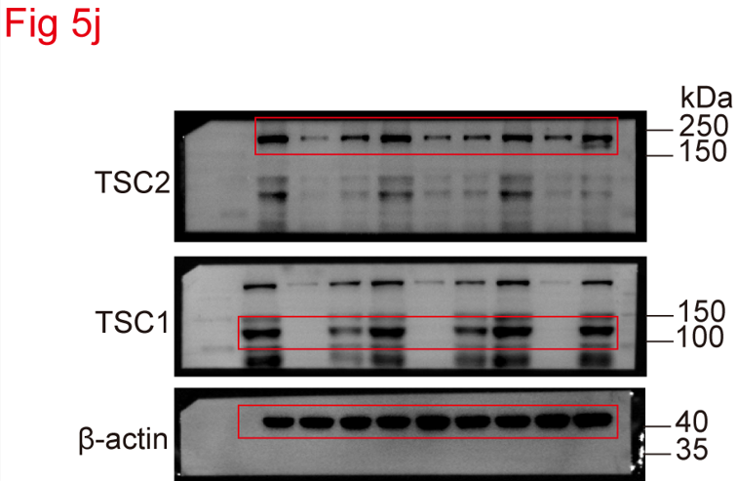
Figure 5j
 |  |  |  |  |  | Figure 5k
 |  |  |  |  |  | The statistical analysis of tumor volume (mm3) (n=3)
 |  |  |  |  |  | sh-C+Vec | 37.88236 | 39.86394 | 31.21032
 |  |  |  |  |  | sh-TSC1/2+Vec | 55.64475 | 45.05080 | 52.36879
 |  |  |  |  |  | sh-TSC1/2+sh-TSC1/2-WT | 31.57282 | 25.51824 | 25.76944
 |  |  |  |  |  | sh-TSC1/2+sh-TSC1/2-Mut | 8.17032 | 15.68868 | 11.63658

Figure 5l
Kaplan-Meier analysis of survival (n=3)
Days | sh-C+Vec | sh-TSC1/2 +Vec | sh-TSC1/2+sh-TSC1/2-WT | sh-TSC1/2+sh-TSC1/2-Mut
14 | 1
16 | 1
19 | 1
21 | 1
23 | 1
9 |  | 1
12 |  | 1
14 |  | 1
16 |  | 1
18 |  | 1
12 |  |  | 1
14 |  |  | 1
16 |  |  | 1
22 |  |  | 1
25 |  |  | 1
18 |  |  |  | 1
23 |  |  |  | 1
27 |  |  |  | 1
29 |  |  |  | 1
34 |  |  |  | 1

Figure 6
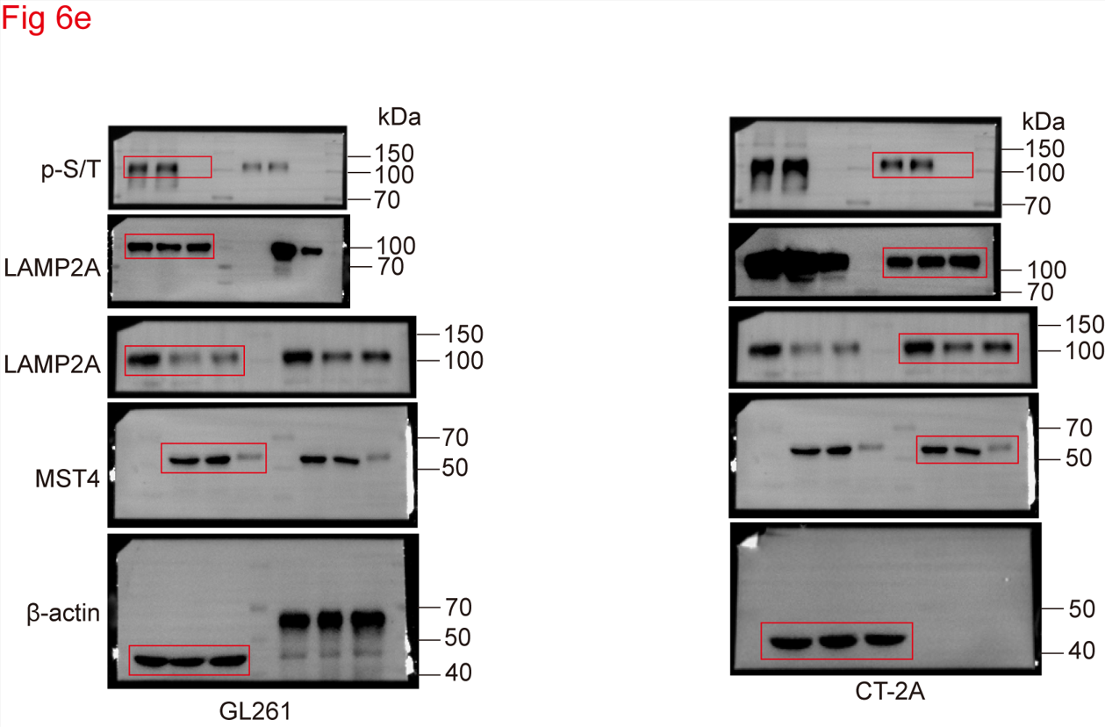
Figure 6b |  |  |  |  |  | Figure 6e
The statistical analysis of TNF-α MFI (Mean Fluorescence Intensity)
TNF-α (103) (n=3)
sh-C | sh-LAMP2A | sh-MST4
0.232 | 0.392 | 0.440
0.272 | 0.450 | 0.453
0.244 | 0.428 | 0.434

Figure 6c
The statistical analysis of IFN-γ MFI
IFN-γ (103) (n=3)
sh-C | sh-LAMP2A | sh-MST4
1.358 | 3.974 | 4.694
1.530 | 3.734 | 4.933
1.279 | 3.576 | 4.938

Figure 6d
The statistical analysis of GZMB MFI
GZMB (102) (n=3)
sh-C | sh-LAMP2A | sh-MST4
0.649 | 0.762 | 0.758
0.624 | 0.893 | 0.843 |  |  |  |  | Figure 6i
0.597 | 0.824 | 0.826 |  |  |  |  | The statistical analysis of tumor volume (mm3)
 |  |  |  |  |  |  | BALB/c Nude (n=3)
Figure 6g |  |  |  |  |  |  | sh-C | 39.12 | 36.56 | 45.85
The percentage of relative photon flux |  |  |  |  |  |  | sh-Lamp2a | 22.03 | 18.24 | 26.38
BALB/c Nude (n=3) |  |  | C57BL/6 (n=3) |  |  |  | sh-Mst4 | 14.76 | 16.99 | 20.90
sh-C | sh-Lamp2a | sh-Mst4 | sh-C | sh-Lamp2a | sh-Mst4 |  | C57BL/6 (n=3)
100.00000 | 27.77673 | 12.20435 | 100.00000 | 5.67187 | 1.96819 |  | sh-C | 29.23 | 32.13 | 26.24
100.00000 | 40.15820 | 12.70608 | 100.00000 | 3.68767 | 3.32422 |  | sh-Lamp2a | 7.29 | 11.75 | 8.06
100.00000 | 36.03266 | 16.64171 | 100.00000 | 3.57381 | 2.96411 |  | sh-Mst4 | 9.12 | 7.46 | 4.82

Figure 6j |  |  |  |  |  |  | Figure 6k
Kaplan-Meier analysis of survival |  |  |  |  |  |  | Kaplan-Meier analysis of survival
BALB/c Nude (n=5) |  |  |  |  |  |  | C57BL/6 (n=5)
Days | sh-C | sh-Lamp2a | sh-Mst4 |  |  |  | Days | sh-C | sh-Lamp2a | sh-Mst4
15 | 1 |  |  |  |  |  | 16 | 1
16 | 1 |  |  |  |  |  | 19 | 1
19 | 1 |  |  |  |  |  | 22 | 1
19 | 1 |  |  |  |  |  | 24 | 1
26 | 1 |  |  |  |  |  | 26 | 1
25 |  | 1 |  |  |  |  | 24 |  | 1
25 |  | 1 |  |  |  |  | 31 |  | 1
26 |  | 1 |  |  |  |  | 39 |  | 1
28 |  | 1 |  |  |  |  | 49 |  | 1
32 |  | 1 |  |  |  |  | 55 |  | 1
20 |  |  | 1 |  |  |  | 25 |  |  | 1
26 |  |  | 1 |  |  |  | 33 |  |  | 1
26 |  |  | 1 |  |  |  | 41 |  |  | 1
28 |  |  | 1 |  |  |  | 50 |  |  | 1
30 |  |  | 1 |  |  |  | 54 |  |  | 1

Figure 6n
Kaplan-Meier analysis of survival (n=5)
Days | sh-C | sh-Lamp2a | sh-Lamp2a +IgG2b | sh-Lamp2a +CD8α
10 | 1
14 | 1
15 | 1
17 | 1
18 | 1
24 | 1
28 | 1
30 | 1
25 |  | 1
28 |  | 1
30 |  | 1
31 |  | 1
32 |  | 1
34 |  | 1
40 |  | 1
43 |  | 1
22 |  |  | 1
23 |  |  | 1
24 |  |  | 1
31 |  |  | 1
37 |  |  | 1
38 |  |  | 1
39 |  |  | 1
44 |  |  | 1
18 |  |  |  | 1
20 |  |  |  | 1
21 |  |  |  | 1
22 |  |  |  | 1
27 |  |  |  | 1
28 |  |  |  | 1
31 |  |  |  | 1
35 |  |  |  | 1

Figure 7
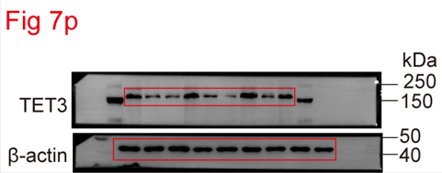
Figure 7c |  |  |  |  |  | Figure 7d
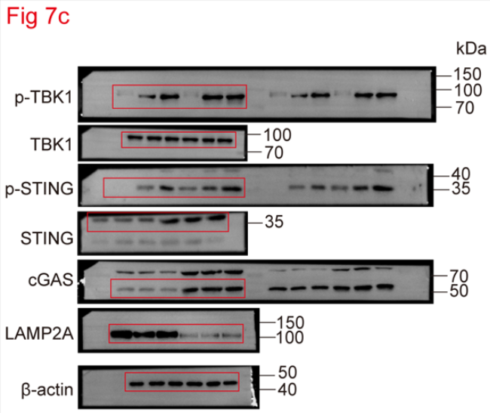
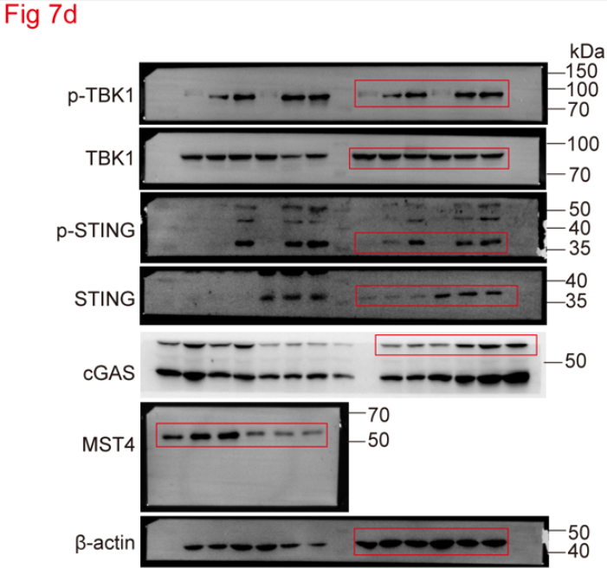

Figure 7e |  |  |  |  |  | Figure 7f
The statistical analysis of cGAS mRNA level (n=3) |  |  |  |  |  | The statistical analysis of STING mRNA level (n=3)
sh-C | sh-MST4 | sh-LAMP2A |  |  |  | sh-C | sh-MST4 | sh-LAMP2A
0.519790 | 1.295941 | 2.801113 |  |  |  | 0.975355 | 1.571345 | 1.573525
0.807761 | 1.428004 | 1.772763 |  |  |  | 0.759962 | 1.318202 | 1.573525
0.460732 | 1.566994 | 2.228387 |  |  |  | 0.975355 | 1.291074 | 1.626758

Figure 7i |  |  |  |  |  | Figure 7j
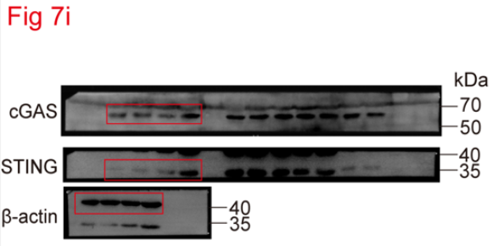
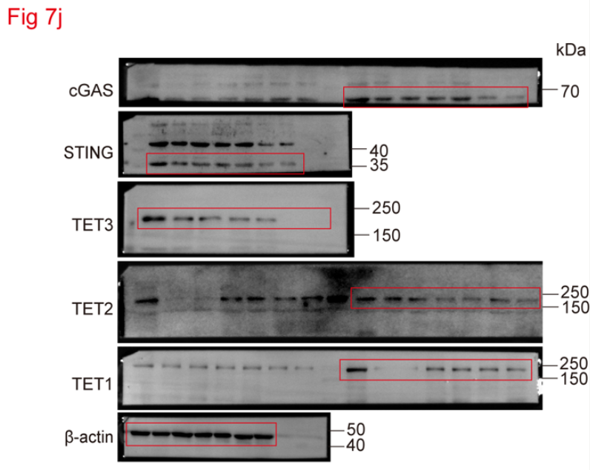

Figure 7k |  |  |  |  |  | Figure 7l
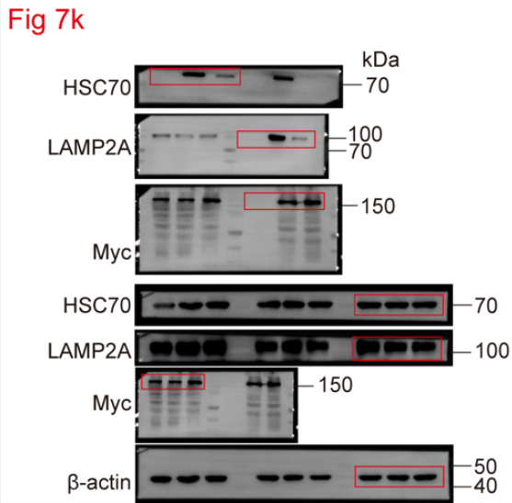
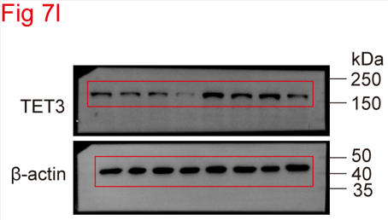

Figure 7m
The statistical analysis of ratio of intitial protein
Time (h) | TET2 WT (n=3) |  |  | TET3 Mut (n=3)
0 | 100.00 | 100.00 | 100.00 | 100.00 | 100.00 | 100.00
3 | 80.00 | 75.00 | 82.00 | 90.00 | 85.00 | 80.00
6 | 60.00 | 40.00 | 52.00 | 85.00 | 72.00 | 75.00
12 | 30.00 | 34.00 | 42.00 | 78.00 | 70.00 | 73.00

Figure 7n |  |  |  |  |  | Figure 7o
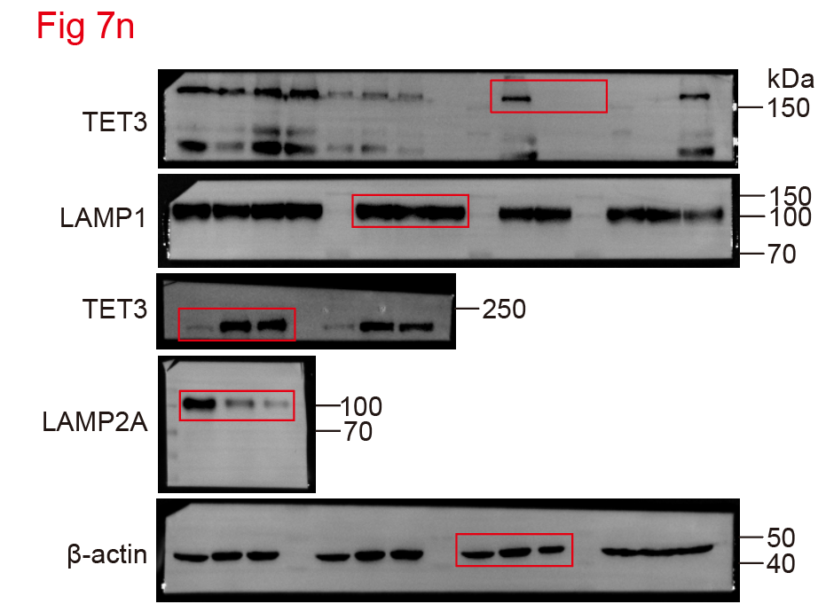
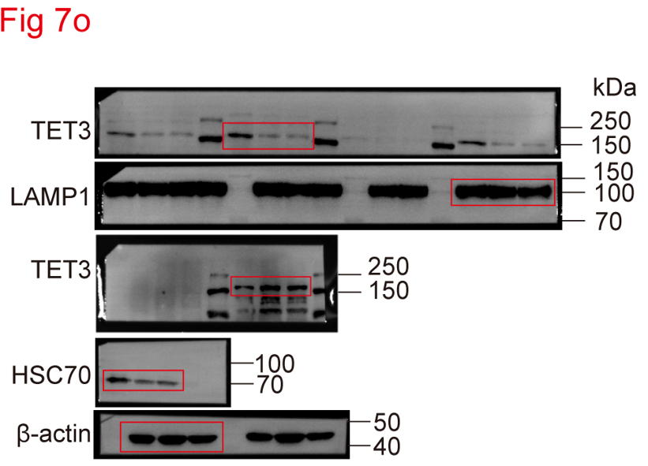

Figure 7p

Figure 8
Figure 8a
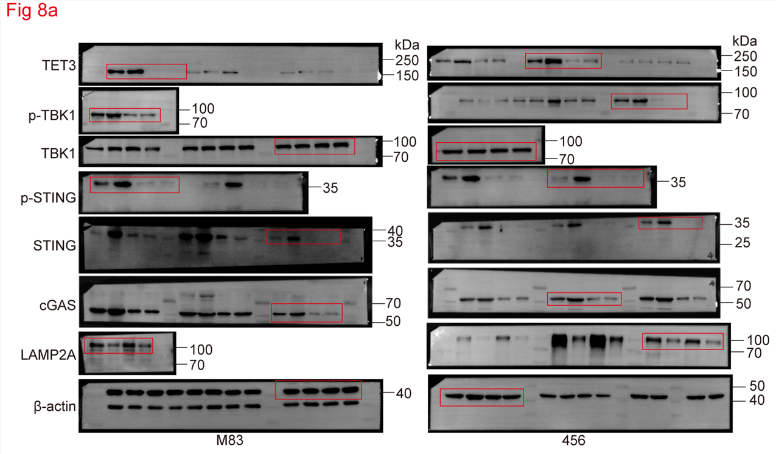

Figure 8b
The statistical analysis of IFNB1 mRNA level
M83 (n=3) |  |  |  | 456 (n=3)
sh-C+IR | sh-LAMP2A +IR | sh-TET3+IR | sh-LAMP2A+ sh-TET3+IR | sh-C+IR | sh-LAMP2A +IR | sh-TET3+IR | sh-LAMP2A+ sh-TET3+IR
1.048505 | 1.543993 | 0.716978 | 0.747425 | 0.856584 | 1.825553 | 0.363493 | 0.519790
1.264295 | 1.533328 | 0.687771 | 0.773782 | 1.122462 | 1.556530 | 0.419963 | 0.530712
1.048505 | 1.777685 | 0.965936 | 0.664343 | 1.040060 | 1.281944 | 0.318272 | 0.504642

Figure 8c
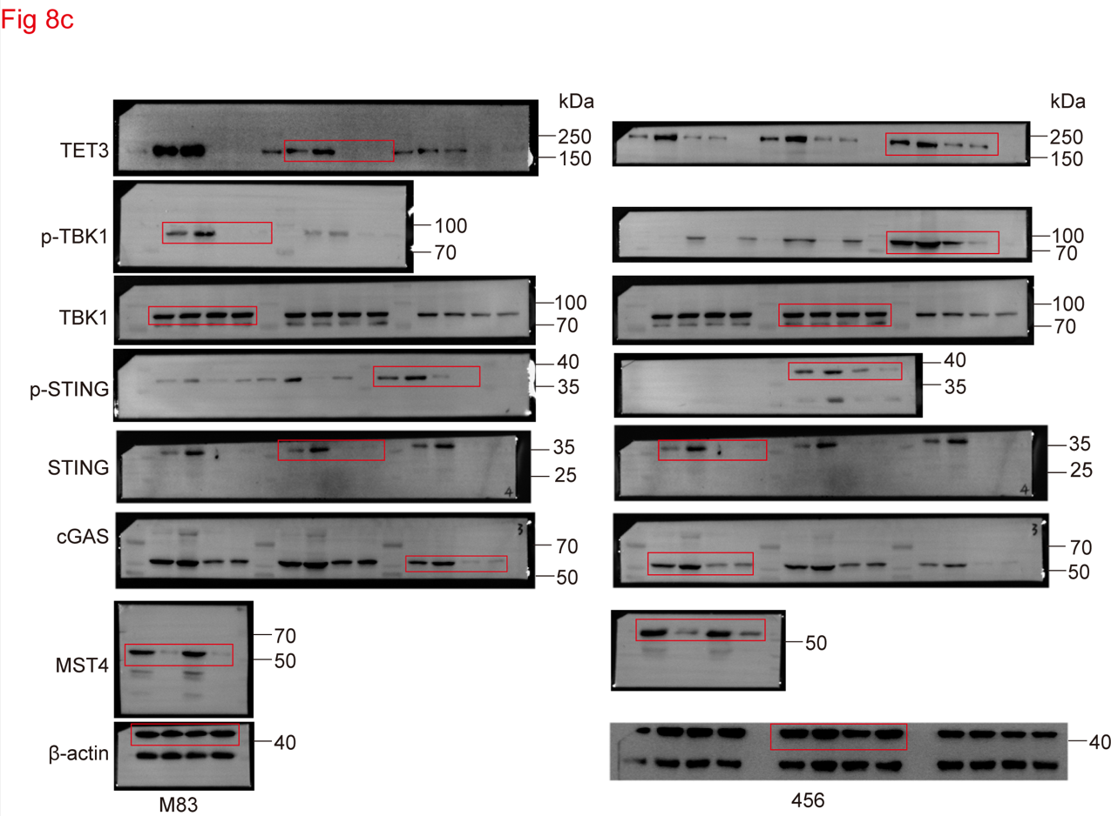

Figure 8d
The statistical analysis of IFNB1 mRNA level
M83 (n=3) |  |  |  | 456 (n=3)
sh-C+IR | sh-MST4+IR | sh-TET3+IR | sh-MST4+ sh-TET3+IR | sh-C+IR | sh-MST4+IR | sh-TET3+IR | sh-MST4+ sh-TET3+IR
1.217004 | 1.695448 | 0.528509 | 0.408951 | 1.152307 | 1.800420 | 0.610061 | 0.536506
1.052145 | 1.321033 | 0.493116 | 0.692555 | 1.238276 | 1.786363 | 0.671286 | 0.672229
1.104454 | 1.792119 | 0.763130 | 0.747425 | 1.038517 | 1.786363 | 0.445964 | 0.868757

Figure 8e |  |  |  |  |  | Figure 8f
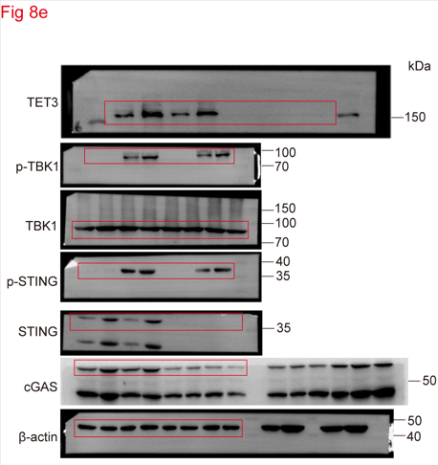
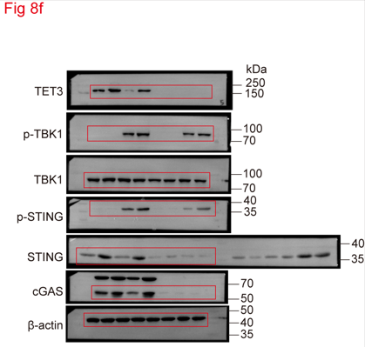

Figure 8g
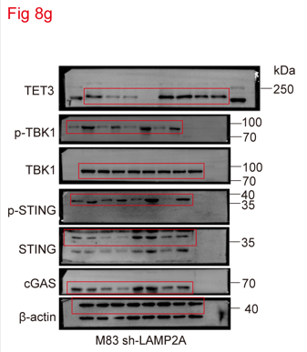

Figure 8h
The statistical analysis of IFNB1 mRNA level
M83 sh-LAMP2A (n=3)
LAMP2A-WT+sh-C+IR | LAMP2A-3D+sh-C+IR | LAMP2A-WT +sh-MST4+IR | LAMP2A-3D +sh-MST4+IR
1.095979 | 0.782412 | 1.410298 | 1.076240
0.947370 | 0.868140 | 1.271032 | 0.924023
0.830597 | 0.714992 | 1.299539 | 0.898755

Figure 8i
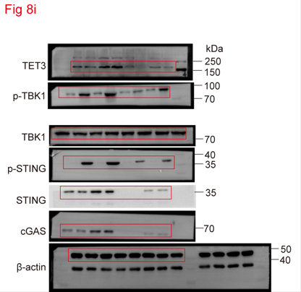

Figure 8j
The statistical analysis of IFNB1 mRNA level
23 (n=3)
sh-C+Vec | sh-LAMP2A +Vec+IR | sh-C+MST4 | sh-LAMP2A +MST4+IR
1.038859 | 1.898684 | 0.565788 | 0.996540
1.031683 | 1.859610 | 0.432768 | 1.024557
0.912776 | 1.723092 | 0.454284 | 1.136817

Figure 8l
Kaplan-Meier analysis of survival (n=5)
Days | sh-C | sh-Lamp2a +sh-C | sh-Cgas+sh-C | sh-Tet3+sh-C | sh-Lamp2a +sh-Cgas | sh-Lamp2a +sh-Tet3
16 | 1
19 | 1
22 | 1
31 | 1
35 | 1
26 |  | 1
33 |  | 1
38 |  | 1
44 |  | 1
49 |  | 1
12 |  |  | 1
14 |  |  | 1
16 |  |  | 1
19 |  |  | 1
21 |  |  | 1
12 |  |  |  | 1
14 |  |  |  | 1
16 |  |  |  | 1
17 |  |  |  | 1
19 |  |  |  | 1
16 |  |  |  |  | 1
18 |  |  |  |  | 1
19 |  |  |  |  | 1
27 |  |  |  |  | 1
30 |  |  |  |  | 1
13 |  |  |  |  |  | 1
18 |  |  |  |  |  | 1
21 |  |  |  |  |  | 1
23 |  |  |  |  |  | 1
28 |  |  |  |  |  | 1

Figure 8m
The percentage of CD8+ cells in tumor (n=10)
sh-C | sh-Lamp2a +sh-C | sh-Cgas+sh-C | sh-Tet3+sh-C | sh-Lamp2a +sh-Cgas | sh-Lamp2a +sh-Tet3
16.448 | 30.244 | 6.166 | 8.678 | 8.274 | 7.860
18.503 | 28.161 | 9.930 | 9.035 | 7.550 | 6.688
17.613 | 32.773 | 5.045 | 5.707 | 3.068 | 9.071
18.018 | 25.335 | 7.196 | 6.965 | 4.786 | 6.199
19.322 | 34.728 | 7.214 | 4.596 | 4.785 | 4.640
10.652 | 32.924 | 10.740 | 10.879 | 10.388 | 9.605
19.471 | 36.366 | 5.165 | 7.422 | 5.682 | 3.225
12.700 | 38.917 | 12.119 | 8.739 | 9.324 | 6.455
17.619 | 30.526 | 9.426 | 4.353 | 10.299 | 6.168
10.742 | 35.348 | 4.015 | 7.354 | 5.838 | 11.893

Supplementary figure 1
Supplementary Figure 1a
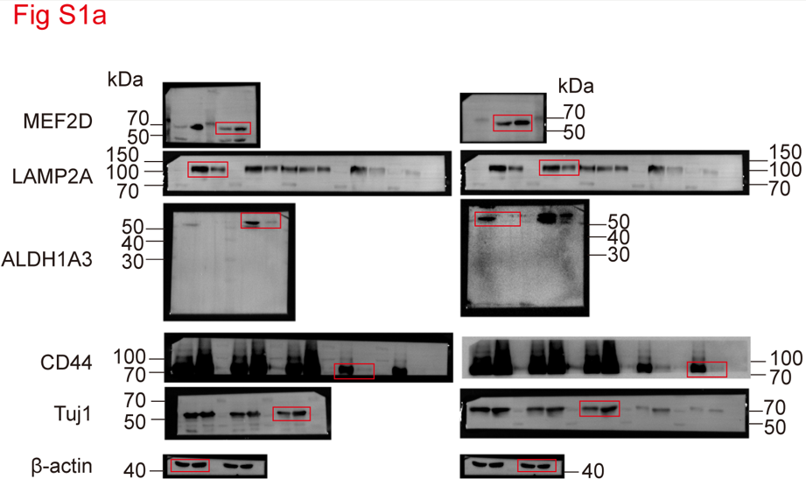

Supplementary Figure 1b
The statistical analysis of LAMP2A mRNA level
GSCs (n=3) |  | DGCs (n=3)
M83 | 456 | M83 | 456
1.070289 | 1.032112 | 1.020446 | 1.093990
0.991717 | 0.996955 | 1.006397 | 1.056725
1.012555 | 1.047972 | 0.999446 | 0.985959

Supplementary Figure 1c
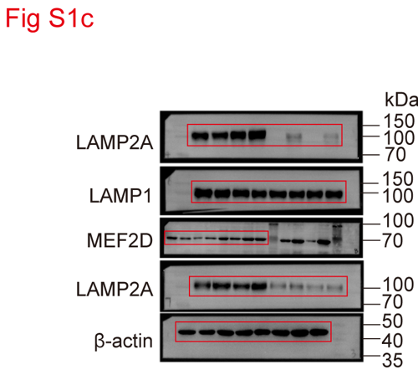

Supplementary Figure 1d
The statistical analysis of LAMP2A mRNA level
GSCs (n=3) |  |  |  | non-GSCs (n=3)
M83 | 456 | 23 | 28 | U87 | U251 | LN229 | T98G
1.013959 | 1.021012 | 1.267952 | 1.097142 | 1.090508 | 1.046992 | 1.058851 | 0.827167
1.028114 | 1.049717 | 1.267952 | 1.089563 | 0.923382 | 0.905163 | 1.066216 | 1.018362
1.086735 | 1.049717 | 1.051537 | 1.030790 | 0.962594 | 0.990515 | 0.842355 | 1.091453

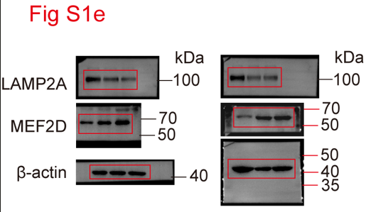
Supplementary Figure 1e

Supplementary Figure 1f
The statistical analysis of relative growth rate
 | M83 (n=3)
Days | sh-C |  |  | sh-LAMP2A#1 |  |  | sh-LAMP2A#2
0 | 1.0 | 1.0 | 1.0 | 1.0 | 1.0 | 1.0 | 1.0 | 1.0 | 1.0
1 | 2.4 | 2.2 | 1.8 | 1.6 | 1.6 | 1.2 | 1.2 | 1.2 | 2.0
2 | 6.0 | 5.0 | 4.8 | 2.8 | 2.0 | 1.8 | 2.4 | 1.8 | 3.6
3 | 8.4 | 7.0 | 6.8 | 3.6 | 2.5 | 2.0 | 2.8 | 2.2 | 4.4
4 | 9.6 | 8.2 | 7.6 | 4.7 | 4.0 | 3.5 | 3.6 | 3.4 | 5.1
5 | 11.2 | 10.2 | 9.0 | 6.2 | 4.6 | 5.0 | 5.0 | 6.2 | 7.0
 | 456 (n=3)
Days | sh-C |  |  | sh-LAMP2A#1 |  |  | sh-LAMP2A#2
0 | 1.0 | 1.0 | 1.0 | 1.0 | 1.0 | 1.0 | 1.0 | 1.0 | 1.0
1 | 2.8 | 3.8 | 1.8 | 1.8 | 2.0 | 1.6 | 1.8 | 2.6 | 1.4
2 | 5.8 | 6.0 | 4.2 | 2.4 | 2.8 | 2.8 | 2.5 | 3.0 | 2.0
3 | 7.8 | 8.2 | 6.0 | 3.0 | 3.4 | 3.8 | 3.0 | 3.6 | 2.7
4 | 8.9 | 9.0 | 7.4 | 4.2 | 5.4 | 4.5 | 4.3 | 4.2 | 3.8
5 | 10.5 | 11.0 | 8.3 | 4.9 | 6.2 | 6.4 | 5.6 | 6.0 | 5.0

Supplementary Figure 1g
The statistical analysis of spheres formation
Group |  |  | Dose (number of cells in each culture) | Tested (number of cultures tested) | number of test without spheres | Group |  |  | Dose (number of cells in each culture) | Tested (number of cultures tested) | number of test without spheres
M83 | sh-C |  | 1 | 12 | 10 | 456 | sh-C |  | 1 | 12 | 9
 |  |  | 5 | 12 | 6 |  |  |  | 5 | 12 | 6
 |  |  | 10 | 12 | 2 |  |  |  | 10 | 12 | 4
 |  |  | 20 | 12 | 2 |  |  |  | 20 | 12 | 1
 |  |  | 50 | 12 | 0 |  |  |  | 50 | 12 | 0
 | sh-LAMP2A#1 |  | 1 | 12 | 12 |  | sh-LAMP2A#1 |  | 1 | 12 | 12
 |  |  | 5 | 12 | 10 |  |  |  | 5 | 12 | 9
 |  |  | 10 | 12 | 8 |  |  |  | 10 | 12 | 9
 |  |  | 20 | 12 | 6 |  |  |  | 20 | 12 | 8
 |  |  | 50 | 12 | 5 |  |  |  | 50 | 12 | 4
 | sh-LAMP2A#2 |  | 1 | 12 | 12 |  | sh-LAMP2A#2 |  | 1 | 12 | 11
 |  |  | 5 | 12 | 9 |  |  |  | 5 | 12 | 8
 |  |  | 10 | 12 | 7 |  |  |  | 10 | 12 | 8
 |  |  | 20 | 12 | 7 |  |  |  | 20 | 12 | 6
 |  |  | 50 | 12 | 4 |  |  |  | 50 | 12 | 5

Supplementary Figure 1h
The statistical analysis of tumor volume (mm3) (n=3)
sh-C |  |  | 29.18195 | 31.90998 | 36.20257
sh-LAMP2A#1 |  |  | 6.36821 | 5.28426 | 2.27898
sh-LAMP2A#2 |  |  | 7.75949 | 8.32301 | 11.27832

Supplementary Figure 1i
Kaplan-Meier analysis of survival (n=3)
Days | sh-C |  | sh-LAMP2A#1 |  | sh-LAMP2A#2
16 | 1
19 | 1
19 | 1
34 |  |  | 1
36 |  |  | 1
38 |  |  | 1
32 |  |  |  |  | 1
35 |  |  |  |  | 1
36 |  |  |  |  | 1

Supplementary Figure 1j


Supplementary Figure 1k
The statistical analysis of relative growth rate
 | M83 (n=3)
Days | sh-C+Vec |  |  | sh-LAMP2A+Vec |  |  | sh-LAMP2A+LAMP2A-WT |  |  | sh-LAMP2A+LAMP2A-4A
0 | 1.0 | 1.0 | 1.0 | 1.0 | 1.0 | 1.0 | 1.0 | 1.0 | 1.0 | 1.0 | 1.0 | 1.0
1 | 1.2 | 1.4 | 1.6 | 0.6 | 0.7 | 0.8 | 1.2 | 1.7 | 1.8 | 1.0 | 1.2 | 1.4
2 | 2.0 | 2.4 | 2.6 | 0.9 | 1.0 | 1.3 | 2.5 | 2.6 | 2.9 | 1.0 | 1.8 | 2.0
3 | 4.0 | 3.4 | 4.2 | 2.0 | 2.4 | 2.6 | 4.2 | 4.8 | 4.6 | 2.1 | 2.6 | 2.9
4 | 6.2 | 5.6 | 4.8 | 2.6 | 3.4 | 2.8 | 6.2 | 6.0 | 5.6 | 3.0 | 2.8 | 3.0
5 | 8.4 | 8.0 | 7.0 | 2.8 | 3.6 | 3.2 | 9.2 | 8.6 | 8.2 | 3.4 | 2.8 | 3.4
 | 456 (n=3)
Days | sh-C+Vec |  |  | sh-LAMP2A+Vec |  |  | sh-LAMP2A+LAMP2A-WT |  |  | sh-LAMP2A+LAMP2A-4A
0 | 1.0 | 1.0 | 1.0 | 1.0 | 1.0 | 1.0 | 1.0 | 1.0 | 1.0 | 1.0 | 1.0 | 1.0
1 | 1.3 | 1.5 | 1.9 | 1.0 | 1.2 | 1.1 | 2.5 | 2.8 | 2.3 | 1.0 | 1.2 | 1.6
2 | 2.8 | 3.1 | 3.8 | 1.4 | 2.2 | 2.0 | 3.6 | 4.0 | 3.1 | 1.5 | 1.8 | 2.0
3 | 3.6 | 4.2 | 4.8 | 2.2 | 2.4 | 2.6 | 4.9 | 5.5 | 4.1 | 2.2 | 2.4 | 2.6
4 | 6.6 | 6.8 | 7.0 | 2.6 | 3.0 | 3.4 | 7.5 | 8.1 | 7.3 | 2.8 | 3.0 | 3.4
5 | 7.2 | 8.0 | 8.4 | 2.8 | 3.4 | 3.8 | 9.1 | 9.5 | 8.7 | 3.2 | 3.2 | 3.4

Supplementary figure 2
Supplementary Figure 2a |  |  |  | Supplementary Figure 2b
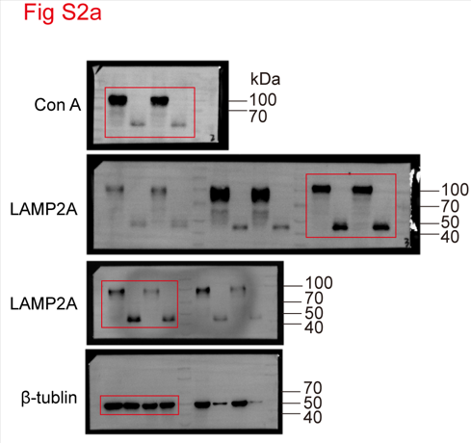
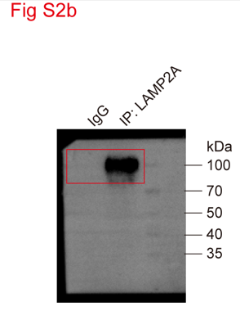

Supplementary Figure 2c |  |  |  | Supplementary Figure 2f
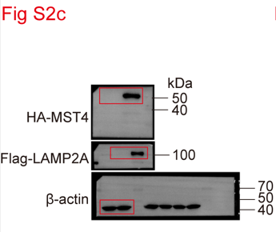
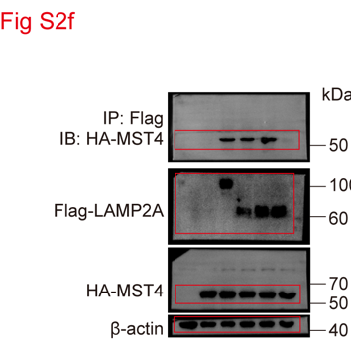

Supplementary Figure 2h |  |  |  | Supplementary Figure 2i
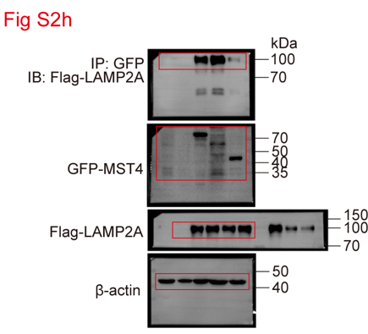
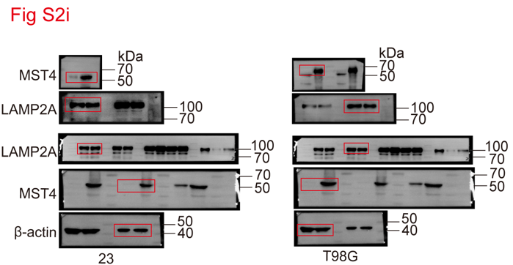

Supplementary Figure 2j |  |  |  | Supplementary Figure 2k
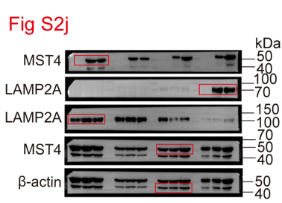
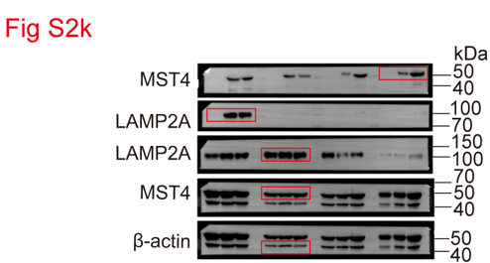

Supplementary Figure 2l
The statistical analysis of LAMP2A mRNA level
M83 (n=3) |  | 456 (n=3)
sh-C | sh-MST4 | sh-C | sh-MST4
0.962039 | 1.002313 | 1.061301 | 0.958157
1.045481 | 0.897095 | 0.943329 | 0.971532
1.052753 | 1.030492 | 0.990228 | 0.991946

Supplementary Figure 2n |  |  |  | Supplementary Figure 2o

Supplementary figure 3
Supplementary Figure 3b |  |  |  |  |  | Supplementary Figure 3c



Supplementary Figure 3d |  |  |  |  |  | Supplementary Figure 3f




Supplementary Figure 3g
 |  |  |  |  |  | Supplementary Figure 3h


Supplementary Figure 3j
The statistical analysis of the number of KFERQ puncta/cell
M83 (n=40) |  |  |  |  | 456 (n=40)
sh-C+Vec | sh-LAMP2A +Vec | sh-LAMP2A +LAMP2A-WT | sh-LAMP2A +LAMP2A-3A | sh-LAMP2A +LAMP2A- 3D | sh-C+Vec | sh-LAMP2A +Vec | sh-LAMP2A +LAMP2A-WT | sh-LAMP2A +LAMP2A-3A | sh-LAMP2A +LAMP2A- 3D
12 | 1 | 7 | 2 | 13 | 4 | 1 | 7 | 4 | 7
11 | 1 | 7 | 3 | 15 | 12 | 3 | 8 | 2 | 15
10 | 2 | 15 | 3 | 5 | 11 | 4 | 7 | 6 | 12
15 | 1 | 9 | 3 | 5 | 10 | 4 | 8 | 3 | 9
16 | 2 | 7 | 6 | 16 | 11 | 2 | 14 | 1 | 7
17 | 1 | 10 | 4 | 7 | 11 | 2 | 11 | 2 | 7
11 | 4 | 11 | 3 | 11 | 10 | 2 | 10 | 1 | 7
13 | 1 | 8 | 3 | 6 | 9 | 4 | 13 | 1 | 6
12 | 2 | 8 | 3 | 6 | 8 | 4 | 14 | 1 | 6
12 | 2 | 6 | 8 | 6 | 13 | 6 | 8 | 2 | 6
11 | 2 | 7 | 7 | 11 | 12 | 4 | 8 | 2 | 10
13 | 2 | 8 | 2 | 10 | 14 | 4 | 9 | 2 | 7
11 | 1 | 11 | 2 | 7 | 12 | 5 | 6 | 4 | 12
11 | 1 | 8 | 1 | 13 | 12 | 6 | 6 | 7 | 7
8 | 4 | 9 | 1 | 5 | 11 | 3 | 6 | 3 | 7
6 | 3 | 13 | 7 | 5 | 8 | 3 | 8 | 3 | 9
5 | 4 | 13 | 3 | 9 | 10 | 5 | 9 | 2 | 8
11 | 4 | 10 | 2 | 5 | 11 | 4 | 5 | 3 | 8
5 | 5 | 9 | 4 | 6 | 5 | 3 | 6 | 2 | 8
4 | 7 | 7 | 5 | 8 | 4 | 6 | 6 | 7 | 7
7 | 8 | 15 | 2 | 7 | 7 | 5 | 14 | 2 | 7
9 | 4 | 11 | 2 | 9 | 9 | 1 | 7 | 4 | 8
11 | 4 | 6 | 6 | 7 | 11 | 1 | 7 | 8 | 10
12 | 4 | 5 | 2 | 12 | 12 | 3 | 7 | 9 | 12
10 | 5 | 6 | 2 | 6 | 10 | 2 | 6 | 7 | 11
4 | 3 | 6 | 3 | 6 | 4 | 4 | 8 | 1 | 10
6 | 3 | 7 | 2 | 5 | 7 | 5 | 9 | 5 | 8
5 | 3 | 6 | 3 | 5 | 6 | 6 | 6 | 2 | 7
3 | 5 | 7 | 5 | 12 | 4 | 4 | 5 | 5 | 6
6 | 5 | 8 | 2 | 8 | 7 | 9 | 11 | 6 | 6
6 | 5 | 8 | 3 | 11 | 7 | 3 | 6 | 2 | 11
7 | 4 | 7 | 2 | 7 | 8 | 3 | 12 | 7 | 10
7 | 1 | 7 | 6 | 7 | 8 | 3 | 11 | 3 | 8
6 | 1 | 6 | 2 | 14 | 7 | 4 | 13 | 9 | 9
8 | 3 | 6 | 4 | 8 | 7 | 3 | 7 | 6 | 6
8 | 3 | 8 | 2 | 8 | 7 | 3 | 7 | 8 | 14
7 | 8 | 13 | 2 | 7 | 6 | 6 | 10 | 2 | 15
8 | 6 | 6 | 1 | 6 | 7 | 7 | 6 | 3 | 5
11 | 4 | 5 | 1 | 7 | 10 | 4 | 6 | 2 | 9
7 | 5 | 11 | 5 | 7 | 6 | 4 | 6 | 4 | 8

Supplementary figure 4
Supplementary Figure 4a

Supplementary Figure 4b
The percentage of LAMP2A relative to time 0
Time (min) | Early passage (n=3) |  |  | Late passage (n=3)
0 | 100.00000 | 100.00000 | 100.00000 | 100.00000 | 100.00000 | 100.00000
15 | 71.18491 | 80.80094 | 84.38876 | 43.79857 | 44.07220 | 44.62115
30 | 53.75760 | 60.56195 | 53.31460 | 23.51721 | 23.23052 | 19.54748

Supplementary Figure 4c


Supplementary Figure 4d
The percentage of SA β-gal positive cells
Early passage (n=10) |  |  |  | Late passage (n=10)
Vec | LAMP2A-WT | LAMP2A-3D | LAMP2A-3A | Vec | LAMP2A-WT | LAMP2A-3D | LAMP2A-3A
33.8988 | 14.5284 | 15.8377 | 23.0468 | 45.2398 | 45.8882 | 48.0936 | 60.1033
25.5631 | 10.0541 | 10.5160 | 35.2055 | 64.5112 | 37.7515 | 42.2214 | 59.5122
23.1779 | 16.2069 | 11.3987 | 29.6569 | 72.9837 | 39.6730 | 40.9729 | 61.6755
30.1236 | 12.2386 | 10.0240 | 26.9164 | 59.4276 | 43.8369 | 38.8650 | 53.8956
24.5059 | 15.0745 | 16.7012 | 25.7120 | 65.0018 | 48.4075 | 34.9529 | 58.7987
32.9284 | 22.2289 | 12.8337 | 37.1378 | 60.2453 | 41.6968 | 39.0567 | 51.4699
28.5865 | 17.2277 | 10.9816 | 26.0529 | 58.0627 | 45.7389 | 37.2029 | 57.9495
32.1385 | 18.1499 | 15.5064 | 28.6119 | 55.7958 | 47.5228 | 36.6620 | 57.5016
30.3589 | 17.3952 | 13.4386 | 35.5356 | 66.2558 | 36.3569 | 41.0566 | 61.6325
27.2606 | 12.5574 | 11.6716 | 35.8919 | 52.6219 | 39.7510 | 43.4657 | 65.8151

Supplementary Figure 4e


Supplementary Figure 4f
The statistical analysis of relative protein level
 |  | Early passage (n=3) |  |  |  | Late passage (n=3)
 |  | Vec | LAMP2A-WT | LAMP2A-3D | LAMP2A-3A | Vec | LAMP2A-WT | LAMP2A-3D | LAMP2A-3A
WCL | LAMP2A | 1.000000 | 1.447604 | 1.351438 | 1.247128 | 0.535430 | 0.975040 | 0.988303 | 1.023816
 |  | 1.000000 | 1.265734 | 1.371266 | 1.234726 | 0.511628 | 0.837910 | 0.860725 | 0.829250
 |  | 1.000000 | 1.232553 | 1.270779 | 1.135255 | 0.403630 | 0.805978 | 0.840701 | 0.713696
 | GAPDH | 1.000000 | 0.324396 | 0.295225 | 0.746081 | 1.519273 | 0.523421 | 0.517682 | 1.246932
 |  | 1.000000 | 0.587404 | 0.427627 | 0.772043 | 1.286728 | 1.048264 | 0.578117 | 1.467984
 |  | 1.000000 | 0.734076 | 0.667956 | 1.178596 | 1.568812 | 0.973664 | 0.920153 | 1.485026
 | MEF2D | 1.000000 | 0.314806 | 0.200005 | 1.053127 | 1.510709 | 0.514491 | 0.442649 | 1.554207
 |  | 1.000000 | 0.167735 | 0.272927 | 1.213599 | 1.778263 | 0.869906 | 0.744839 | 1.938202
 |  | 1.000000 | 0.341069 | 0.456393 | 0.840712 | 1.497017 | 1.068471 | 0.965137 | 1.559186
Lysosome | GAPDH | 1.000000 | 1.414907 | 1.392452 | 0.966298 | 0.560632 | 1.014352 | 1.272811 | 0.956477
 |  | 1.000000 | 1.402857 | 1.558296 | 0.992115 | 0.508855 | 1.191888 | 0.905948 | 0.503151
 |  | 1.000000 | 1.390945 | 1.253542 | 0.773347 | 0.356066 | 0.908554 | 0.892630 | 0.381099
 | MEF2D | 1.000000 | 1.726499 | 1.669845 | 1.075663 | 0.575982 | 1.065085 | 0.868772 | 0.639060
 |  | 1.000000 | 1.646998 | 1.834660 | 0.997423 | 0.534696 | 1.161627 | 1.369970 | 0.849158
 |  | 1.000000 | 1.218954 | 1.345272 | 0.911785 | 0.594445 | 1.075231 | 1.007311 | 0.524685

Supplementary figure 5

Supplementary Figure 5a |  |  |  | Supplementary Figure 5b



Supplementary Figure 5d
The statistical analysis of the number of KFERQ puncta/cell
456 (n=40)
sh-C+Vec | sh-MST4 +Vec | sh-MST4 +LAMP2A-WT | sh-MST4 +LAMP2A-3D
9 | 4 | 3 | 8
8 | 6 | 6 | 8
7 | 4 | 3 | 13
12 | 2 | 3 | 7
13 | 4 | 7 | 12
14 | 3 | 2 | 8
8 | 3 | 2 | 13
10 | 2 | 3 | 9
9 | 2 | 2 | 8
9 | 3 | 1 | 7
8 | 3 | 2 | 8
10 | 6 | 3 | 8
8 | 1 | 3 | 8
8 | 2 | 2 | 7
12 | 3 | 4 | 7
10 | 6 | 5 | 7
4 | 8 | 3 | 9
10 | 1 | 2 | 7
4 | 2 | 2 | 12
3 | 2 | 7 | 13
6 | 2 | 2 | 13
8 | 3 | 5 | 8
10 | 4 | 2 | 8
11 | 9 | 6 | 9
9 | 4 | 2 | 7
8 | 4 | 2 | 16
10 | 4 | 3 | 15
9 | 6 | 2 | 8
7 | 7 | 3 | 9
10 | 8 | 2 | 6
10 | 5 | 1 | 14
11 | 5 | 5 | 11
11 | 4 | 3 | 7
10 | 10 | 7 | 9
10 | 3 | 2 | 6
10 | 3 | 4 | 11
8 | 4 | 2 | 7
9 | 8 | 3 | 10
12 | 7 | 3 | 8
8 | 5 | 2 | 9

Supplementary Figure 5e |  |  |  | Supplementary Figure 5f



Supplementary Figure 5g

Supplementary figure 6
Supplementary Figure 6a


Supplementary Figure 6b |  |  |  |  |  |  |  | Supplementary Figure 6c
The statistical analysis of the number of KFERQ puncta/cell |  |  |  |  |  |  |  | The statistical analysis of the number of LC3 puncta/cell
23 (n=40) |  |  |  |  |  |  |  | 23 (n=20)
sh-C+Vec | sh-ATG4B +Vec | sh-C+ MST4 | sh-ATG4B + MST4 | sh-LAMP2A +Vec | sh-LAMP2A +MST4 | sh-ATG4B +sh-LAMP2A +MST4 |  | sh-C+Vec | sh-ATG4B +Vec | sh-C+ MST4 | sh-ATG4B + MST4 | sh-LAMP2A +Vec | sh-LAMP2A +MST4 | sh-ATG4B +sh-LAMP2A +MST4
5 | 10 | 14 | 22 | 1 | 6 | 5 |  | 5 | 4 | 12 | 6 | 8 | 20 | 9
3 | 11 | 15 | 21 | 0 | 7 | 4 |  | 6 | 3 | 12 | 6 | 8 | 21 | 4
4 | 12 | 16 | 20 | 1 | 6 | 5 |  | 6 | 5 | 13 | 5 | 8 | 22 | 4
5 | 13 | 17 | 23 | 1 | 7 | 6 |  | 6 | 6 | 14 | 5 | 9 | 23 | 6
6 | 13 | 17 | 24 | 1 | 6 | 6 |  | 7 | 4 | 13 | 4 | 9 | 22 | 7
7 | 11 | 16 | 23 | 1 | 6 | 7 |  | 8 | 7 | 10 | 5 | 9 | 20 | 6
8 | 12 | 14 | 19 | 2 | 5 | 7 |  | 4 | 6 | 11 | 4 | 10 | 21 | 6
5 | 15 | 14 | 19 | 2 | 4 | 4 |  | 4 | 5 | 9 | 4 | 10 | 19 | 7
6 | 16 | 14 | 18 | 1 | 5 | 5 |  | 5 | 7 | 11 | 5 | 11 | 18 | 4
7 | 13 | 15 | 20 | 0 | 6 | 6 |  | 9 | 4 | 14 | 3 | 12 | 18 | 8
8 | 14 | 15 | 21 | 1 | 7 | 6 |  | 3 | 5 | 14 | 7 | 11 | 17 | 4
9 | 15 | 13 | 23 | 0 | 8 | 6 |  | 4 | 6 | 13 | 8 | 7 | 20 | 7
5 | 17 | 14 | 24 | 0 | 7 | 6 |  | 4 | 3 | 11 | 8 | 7 | 21 | 7
6 | 18 | 12 | 25 | 0 | 8 | 7 |  | 5 | 6 | 11 | 7 | 7 | 22 | 6
5 | 11 | 11 | 20 | 1 | 7 | 7 |  | 6 | 5 | 12 | 6 | 5 | 23 | 5
4 | 12 | 10 | 19 | 2 | 6 | 7 |  | 7 | 5 | 10 | 6 | 6 | 20 | 5
5 | 11 | 13 | 19 | 4 | 5 | 8 |  | 8 | 3 | 9 | 5 | 8 | 17 | 9
7 | 10 | 13 | 15 | 2 | 4 | 8 |  | 7 | 7 | 10 | 5 | 9 | 17 | 5
8 | 12 | 14 | 16 | 3 | 7 | 8 |  | 7 | 8 | 8 | 4 | 9 | 16 | 6
9 | 11 | 13 | 14 | 2 | 8 | 9 |  | 6 | 5 | 12 | 3 | 10 | 15 | 7
10 | 13 | 12 | 15 | 3 | 7 | 9
5 | 14 | 14 | 15 | 2 | 4 | 10
6 | 15 | 15 | 12 | 3 | 3 | 11
7 | 14 | 16 | 14 | 1 | 4 | 12
8 | 13 | 11 | 13 | 2 | 5 | 11
9 | 14 | 10 | 13 | 1 | 6 | 13
9 | 16 | 9 | 19 | 0 | 11 | 13
10 | 12 | 9 | 22 | 0 | 8 | 10
4 | 12 | 13 | 21 | 0 | 7 | 7
5 | 11 | 12 | 23 | 2 | 9 | 7
5 | 10 | 12 | 24 | 2 | 8 | 7
6 | 9 | 11 | 25 | 2 | 7 | 5
7 | 9 | 10 | 26 | 4 | 8 | 5
6 | 8 | 9 | 23 | 4 | 12 | 5
6 | 9 | 8 | 21 | 4 | 11 | 5
4 | 8 | 8 | 23 | 5 | 10 | 3
5 | 9 | 9 | 22 | 2 | 9 | 3
6 | 7 | 11 | 20 | 3 | 9 | 6
7 | 10 | 13 | 17 | 3 | 6 | 6
6 | 11 | 13 | 16 | 2 | 7 | 8

Supplementary Figure 6e
Quantification of tumor bioluminescence of mice (n=3, photon flux (×106 P/S）)
sh-C+Vec | sh-ATG4B +Vec | sh-C+ MST4 | sh-ATG4B + MST4 | sh-LAMP2A +Vec | sh-LAMP2A +MST4 | sh-ATG4B +sh-LAMP2A +MST4
19.960 | 15.070 | 32.970 | 8.087 | 3.297 | 10.200 | 0.997
22.730 | 15.320 | 39.210 | 8.187 | 3.618 | 8.876 | 1.119
22.610 | 20.180 | 33.380 | 12.100 | 3.563 | 14.280 | 0.906

Supplementary Figure 6f
Quantification of tumor bioluminescence of mice (n=3)
Days | sh-C+Vec | sh-ATG4B +Vec | sh-C+MST4 | sh-ATG4B+ MST4 | sh-LAMP2A +Vec | sh-LAMP2A +MST4 | sh-ATG4B +sh-LAMP2A +MST4
16 | 1
17 | 1
23 | 1
25 | 1
28 | 1
17 |  | 1
17 |  | 1
25 |  | 1
28 |  | 1
29 |  | 1
12 |  |  | 1
14 |  |  | 1
16 |  |  | 1
17 |  |  | 1
20 |  |  | 1
15 |  |  |  | 1
18 |  |  |  | 1
21 |  |  |  | 1
25 |  |  |  | 1
27 |  |  |  | 1
27 |  |  |  |  | 1
32 |  |  |  |  | 1
34 |  |  |  |  | 1
38 |  |  |  |  | 1
42 |  |  |  |  | 1
16 |  |  |  |  |  | 1
22 |  |  |  |  |  | 1
27 |  |  |  |  |  | 1
27 |  |  |  |  |  | 1
30 |  |  |  |  |  | 1
32 |  |  |  |  |  |  | 1
36 |  |  |  |  |  |  | 1
45 |  |  |  |  |  |  | 1
48 |  |  |  |  |  |  | 1
50 |  |  |  |  |  |  | 1

Supplementary Figure 6h+6i
Statistical analysis of fluorescent intensity
LAMP2A (n=10)
sh-C+Vec | sh-ATG4B +Vec | sh-C+ MST4 | sh-ATG4B + MST4 | sh-LAMP2A +Vec | sh-LAMP2A +MST4 | sh-ATG4B +sh-LAMP2A +MST4
36.828600 | 61.076168 | 61.620751 | 74.541297 | 8.405150 | 6.176113 | 9.684198
42.849530 | 58.855089 | 62.590739 | 81.280113 | 8.857316 | 8.339332 | 8.233726
39.288330 | 54.668633 | 53.561103 | 77.725124 | 9.288054 | 5.011351 | 8.131141
46.458010 | 57.629673 | 64.548037 | 71.349860 | 8.438862 | 7.650454 | 7.179109
38.866280 | 51.499736 | 56.257357 | 77.725124 | 7.369531 | 5.722829 | 6.188403
38.203560 | 55.630881 | 62.038428 | 84.103413 | 8.604050 | 8.631790 | 7.301873
43.226530 | 59.327396 | 64.763907 | 76.366404 | 7.610330 | 6.159390 | 7.653720
36.532820 | 51.520884 | 55.533924 | 83.268036 | 8.407728 | 8.590850 | 9.494928
45.633350 | 63.292188 | 56.028750 | 71.567385 | 8.754720 | 7.355560 | 13.865915
42.679070 | 58.679622 | 57.907486 | 82.048659 | 7.637454 | 7.024693 | 9.212005
LC3B (n=10)
sh-C+Vec | sh-ATG4B +Vec | sh-C+ MST4 | sh-ATG4B + MST4 | sh-LAMP2A +Vec | sh-LAMP2A +MST4 | sh-ATG4B +sh-LAMP2A +MST4
44.209320 | 37.041176 | 63.360950 | 40.021520 | 60.886890 | 65.253650 | 37.572023
36.873690 | 42.583456 | 57.099030 | 38.773630 | 62.288790 | 69.211880 | 38.128368
42.533260 | 40.852461 | 60.645390 | 38.378190 | 52.217460 | 75.033280 | 34.640916
35.402010 | 39.778611 | 61.756180 | 42.769690 | 53.392680 | 76.968140 | 43.444908
40.213800 | 43.266367 | 68.445710 | 43.654490 | 63.891030 | 67.869940 | 37.504626
34.408120 | 38.714083 | 55.038710 | 39.869680 | 54.924170 | 69.283890 | 39.123274
43.001080 | 38.536989 | 64.357930 | 45.088760 | 65.660280 | 78.790980 | 37.295685
43.076640 | 39.352559 | 57.857030 | 35.744670 | 58.642100 | 69.988050 | 42.180600
41.398720 | 39.584163 | 62.985230 | 42.562300 | 51.645100 | 64.021560 | 48.000888
38.237660 | 42.462984 | 55.177640 | 36.453160 | 61.707130 | 71.997060 | 44.828764

Supplementary figure 7
Supplementary Figure 7a


Supplementary Figure 7b
The statistical analysis of Pearson's correlation
TSC1/LAMP2A (n=5) |  |  | TSC1/HSC70 (n=5)
TSC1-WT | TSC1-WT + starvation | TSC1-Mut + starvation | TSC1-WT | TSC1-WT + starvation | TSC1-Mut + starvation
0.68 | 0.84 | 0.34 | 0.73 | 0.90 | 0.29
0.73 | 0.90 | 0.26 | 0.71 | 0.90 | 0.20
0.73 | 0.85 | 0.27 | 0.77 | 0.85 | 0.23
0.74 | 0.91 | 0.22 | 0.80 | 0.87 | 0.29
0.72 | 0.91 | 0.53 | 0.80 | 0.87 | 0.48

Supplementary Figure 7c
The statistical analysis of Pearson's correlation
TSC2/LAMP2A (n=5) |  |  | TSC2/HSC70 (n=5)
TSC2-WT | TSC2-WT + starvation | TSC2-Mut + starvation | TSC2-WT | TSC2-WT + starvation | TSC2-Mut + starvation
0.72 | 0.84 | 0.15 | 0.68 | 0.86 | 0.27
0.53 | 0.83 | 0.16 | 0.67 | 0.87 | 0.18
0.64 | 0.84 | 0.22 | 0.75 | 0.82 | 0.30
0.67 | 0.86 | 0.30 | 0.81 | 0.84 | 0.30
0.55 | 0.81 | 0.32 | 0.74 | 0.85 | 0.26

Supplementary Figure 7d


Supplementary Figure 7e
The statistical analysis of relative levels of proteins (n=3)
Lysosome | Lysosome +PI | Lysosome +Myc-TSC1 | Lysosome+ Myc-TSC1+PI
1.000000 | 1.686135 | 2.135253 | 3.355784
1.000000 | 2.418426 | 3.223736 | 4.407080
1.000000 | 1.809321 | 2.530995 | 4.719035
Lysosome | Lysosome +PI | Lysosome +Myc-TSC2 | Lysosome+ Myc-TSC2+PI
1.000000 | 1.696105 | 2.641501 | 3.535575
1.000000 | 2.119649 | 2.993489 | 5.058473
1.000000 | 2.377592 | 3.264022 | 4.398507

Supplementary figure 8
Supplementary Figure 8a


Supplementary Figure 8b
The statistical analysis of relative growth rate
 | M83 (n=3)
Days | sh-C |  |  | sh-LAMP2A+sh-C |  |  | sh-C+sh-TSC1 |  |  | sh-LAMP2A+sh-TSC1 |  |  | sh-C+sh-TSC2 |  |  | sh-LAMP2A+sh-TSC2
0 | 1.0 | 1.0 | 1.0 | 1.0 | 1.0 | 1.0 | 1.0 | 1.0 | 1.0 | 1.0 | 1.0 | 1.0 | 1.0 | 1.0 | 1.0 | 1.0 | 1.0 | 1.0
1 | 1.1 | 1.2 | 0.9 | 0.8 | 0.9 | 1.0 | 1.0 | 1.1 | 1.6 | 0.9 | 1.1 | 1.3 | 1.5 | 1.4 | 1.6 | 1.0 | 1.2 | 1.2
2 | 2.3 | 1.8 | 1.5 | 1.0 | 1.2 | 1.3 | 2.5 | 2.7 | 1.7 | 2.1 | 1.9 | 2.2 | 2.0 | 2.6 | 1.9 | 1.8 | 1.4 | 1.5
3 | 2.6 | 3.2 | 3.2 | 1.2 | 1.5 | 1.8 | 3.2 | 4.2 | 3.4 | 3.3 | 2.7 | 3.5 | 3.6 | 4.2 | 4.8 | 2.2 | 2.4 | 3.4
4 | 4.8 | 4.8 | 5.6 | 2.4 | 2.8 | 3.0 | 6.6 | 4.6 | 6.8 | 4.2 | 4.0 | 3.6 | 6.2 | 6.4 | 5.6 | 3.4 | 3.6 | 5.0
5 | 7.2 | 7.4 | 6.6 | 3.6 | 3.8 | 4.0 | 9.2 | 10.2 | 8.4 | 6.5 | 7.0 | 5.3 | 10.0 | 9.6 | 9.4 | 6.5 | 5.0 | 6.6
 | 456 (n=3)
Days | sh-C |  |  | sh-LAMP2A+sh-C |  |  | sh-C+sh-TSC1 |  |  | sh-LAMP2A+sh-TSC1 |  |  | sh-C+sh-TSC2 |  |  | sh-LAMP2A+sh-TSC2
0 | 1.0 | 1.0 | 1.0 | 1.0 | 1.0 | 1.0 | 1.0 | 1.0 | 1.0 | 1.0 | 1.0 | 1.0 | 1.0 | 1.0 | 1.0 | 1.0 | 1.0 | 1.0
1 | 1.2 | 1.3 | 1.3 | 0.8 | 0.9 | 0.6 | 1.4 | 1.7 | 0.9 | 0.7 | 1.2 | 1.3 | 1.6 | 1.6 | 1.9 | 1.1 | 1.0 | 1.2
2 | 2.0 | 1.9 | 1.7 | 1.0 | 1.2 | 1.3 | 2.8 | 2.9 | 2.1 | 1.8 | 1.5 | 2.2 | 2.5 | 2.6 | 2.3 | 1.9 | 1.6 | 2.1
3 | 4.4 | 3.0 | 3.6 | 2.2 | 2.2 | 2.6 | 4.7 | 4.1 | 3.3 | 3.4 | 3.6 | 2.7 | 4.8 | 5.2 | 3.8 | 3.2 | 3.2 | 2.8
4 | 5.6 | 5.0 | 4.8 | 2.6 | 2.8 | 3.2 | 8.0 | 6.2 | 7.2 | 4.4 | 4.6 | 5.2 | 6.2 | 6.4 | 6.6 | 4.2 | 4.4 | 4.8
5 | 8.6 | 8.2 | 9.6 | 3.8 | 4.4 | 4.8 | 11.4 | 12.6 | 11.0 | 8.1 | 7.6 | 7.5 | 12.4 | 12.6 | 11.2 | 7.2 | 7.4 | 8.0

Supplementary Figure 8c
The statistical analysis of spheres formation
Group |  |  | Dose (number of cells in each culture) | Tested (number of cultures tested) | number of test without spheres | Group |  |  | Dose (number of cells in each culture) | Tested (number of cultures tested) | number of test without spheres
M83 | sh-C |  | 1 | 12 | 10 | 456 | sh-C |  | 1 | 12 | 8
 |  |  | 5 | 12 | 5 |  |  |  | 5 | 12 | 6
 |  |  | 10 | 12 | 3 |  |  |  | 10 | 12 | 2
 |  |  | 20 | 12 | 2 |  |  |  | 20 | 12 | 1
 |  |  | 50 | 12 | 0 |  |  |  | 50 | 12 | 0
 | sh-LAMP2A+sh-C |  | 1 | 12 | 12 |  | sh-LAMP2A+sh-C |  | 1 | 12 | 12
 |  |  | 5 | 12 | 9 |  |  |  | 5 | 12 | 9
 |  |  | 10 | 12 | 7 |  |  |  | 10 | 12 | 8
 |  |  | 20 | 12 | 5 |  |  |  | 20 | 12 | 6
 |  |  | 50 | 12 | 5 |  |  |  | 50 | 12 | 4
 | sh-C+sh-TSC1 |  | 1 | 12 | 7 |  | sh-C+sh-TSC1 |  | 1 | 12 | 5
 |  |  | 5 | 12 | 4 |  |  |  | 5 | 12 | 3
 |  |  | 10 | 12 | 2 |  |  |  | 10 | 12 | 0
 |  |  | 20 | 12 | 0 |  |  |  | 20 | 12 | 0
 |  |  | 50 | 12 | 0 |  |  |  | 50 | 12 | 0
 | sh-LAMP2A+sh-TSC1 |  | 1 | 12 | 9 |  | sh-LAMP2A+sh-TSC1 |  | 1 | 12 | 7
 |  |  | 5 | 12 | 7 |  |  |  | 5 | 12 | 6
 |  |  | 10 | 12 | 4 |  |  |  | 10 | 12 | 4
 |  |  | 20 | 12 | 1 |  |  |  | 20 | 12 | 1
 |  |  | 50 | 12 | 1 |  |  |  | 50 | 12 | 0

Supplementary Figure 8d
The statistical analysis of spheres formation
Group |  |  | Dose (number of cells in each culture) | Tested (number of cultures tested) | number of test without spheres | Group |  |  | Dose (number of cells in each culture) | Tested (number of cultures tested) | number of test without spheres
M83 | sh-C |  | 1 | 12 | 9 | 456 | sh-C |  | 1 | 12 | 8
 |  |  | 5 | 12 | 7 |  |  |  | 5 | 12 | 5
 |  |  | 10 | 12 | 3 |  |  |  | 10 | 12 | 4
 |  |  | 20 | 12 | 1 |  |  |  | 20 | 12 | 0
 |  |  | 50 | 12 | 0 |  |  |  | 50 | 12 | 0
 | sh-LAMP2A+sh-C |  | 1 | 12 | 12 |  | sh-LAMP2A+sh-C |  | 1 | 12 | 12
 |  |  | 5 | 12 | 9 |  |  |  | 5 | 12 | 10
 |  |  | 10 | 12 | 8 |  |  |  | 10 | 12 | 9
 |  |  | 20 | 12 | 7 |  |  |  | 20 | 12 | 7
 |  |  | 50 | 12 | 4 |  |  |  | 50 | 12 | 6
 | sh-C+sh-TSC2 |  | 1 | 12 | 5 |  | sh-C+sh-TSC2 |  | 1 | 12 | 5
 |  |  | 5 | 12 | 3 |  |  |  | 5 | 12 | 2
 |  |  | 10 | 12 | 3 |  |  |  | 10 | 12 | 1
 |  |  | 20 | 12 | 0 |  |  |  | 20 | 12 | 0
 |  |  | 50 | 12 | 0 |  |  |  | 50 | 12 | 0
 | sh-LAMP2A+sh-TSC2 |  | 1 | 12 | 9 |  | sh-LAMP2A+sh-TSC2 |  | 1 | 12 | 9
 |  |  | 5 | 12 | 7 |  |  |  | 5 | 12 | 5
 |  |  | 10 | 12 | 6 |  |  |  | 10 | 12 | 3
 |  |  | 20 | 12 | 2 |  |  |  | 20 | 12 | 2
 |  |  | 50 | 12 | 0 |  |  |  | 50 | 12 | 0

Supplementary Figure 8e


Supplementary Figure 8f
The statistical analysis of relative growth rate
 | M83 (n=3)
Days | sh-C+Vec |  |  | sh-TSC1/2+sh-C |  |  | sh-TSC1/2+TSC1/2-WT |  |  | sh-TSC1/2+TSC1/2-Mut
0 | 1.0 | 1.0 | 1.0 | 1.0 | 1.0 | 1.0 | 1.0 | 1.0 | 1.0 | 1.0 | 1.0 | 1.0
1 | 1.2 | 1.3 | 1.6 | 1.4 | 1.6 | 1.7 | 0.9 | 1.2 | 1.2 | 1.1 | 1.4 | 1.2
2 | 2.4 | 2.2 | 2.5 | 2.7 | 2.8 | 2.6 | 2.0 | 2.3 | 2.4 | 1.7 | 2.0 | 1.9
3 | 3.9 | 3.2 | 3.4 | 3.9 | 4.5 | 4.8 | 3.0 | 3.0 | 3.1 | 2.2 | 2.5 | 2.5
4 | 5.6 | 4.8 | 5.2 | 6.0 | 7.6 | 8.0 | 4.0 | 4.2 | 5.0 | 3.4 | 3.7 | 3.6
5 | 6.4 | 7.4 | 8.2 | 10.4 | 10.6 | 11.2 | 7.2 | 6.4 | 7.2 | 5.4 | 5.6 | 4.8
 | 456 (n=3)
Days | sh-C+Vec |  |  | sh-TSC1/2+sh-C |  |  | sh-TSC1/2+TSC1/2-WT |  |  | sh-TSC1/2+TSC1/2-Mut
0 | 1.0 | 1.0 | 1.0 | 1.0 | 1.0 | 1.0 | 1.0 | 1.0 | 1.0 | 1.0 | 1.0 | 1.0
1 | 1.2 | 1.4 | 2.0 | 2.2 | 1.8 | 1.9 | 1.1 | 1.2 | 1.5 | 1.2 | 1.1 | 0.8
2 | 2.0 | 2.2 | 2.6 | 2.8 | 3.1 | 2.8 | 2.3 | 2.7 | 3.2 | 2.0 | 1.8 | 2.1
3 | 3.2 | 3.4 | 3.5 | 6.3 | 4.8 | 5.4 | 2.5 | 3.2 | 3.6 | 2.5 | 2.6 | 2.9
4 | 5.6 | 5.6 | 6.0 | 7.0 | 7.8 | 8.4 | 5.4 | 5.6 | 5.8 | 3.2 | 4.6 | 4.2
5 | 7.4 | 8.6 | 9.2 | 12.2 | 13.0 | 13.2 | 6.8 | 7.8 | 8.0 | 5.4 | 6.0 | 5.2

Supplementary Figure 8g
The statistical analysis of spheres formation
Group |  |  | Dose (number of cells in each culture) | Tested (number of cultures tested) | number of test without spheres | Group |  |  | Dose (number of cells in each culture) | Tested (number of cultures tested) | number of test without spheres
M83 | sh-C+Vec |  | 1 | 12 | 9 | 456 | sh-C+Vec |  | 1 | 12 | 8
 |  |  | 5 | 12 | 8 |  |  |  | 5 | 12 | 4
 |  |  | 10 | 12 | 3 |  |  |  | 10 | 12 | 4
 |  |  | 20 | 12 | 1 |  |  |  | 20 | 12 | 2
 |  |  | 50 | 12 | 0 |  |  |  | 50 | 12 | 0
 | sh-TSC1/2+Vec |  | 1 | 12 | 6 |  | sh-TSC1/2+Vec |  | 1 | 12 | 6
 |  |  | 5 | 12 | 3 |  |  |  | 5 | 12 | 3
 |  |  | 10 | 12 | 2 |  |  |  | 10 | 12 | 0
 |  |  | 20 | 12 | 0 |  |  |  | 20 | 12 | 0
 |  |  | 50 | 12 | 0 |  |  |  | 50 | 12 | 0
 | sh-TSC1/2+TSC1/2-WT |  | 1 | 12 | 10 |  | sh-TSC1/2+TSC1/2-WT |  | 1 | 12 | 9
 |  |  | 5 | 12 | 7 |  |  |  | 5 | 12 | 5
 |  |  | 10 | 12 | 2 |  |  |  | 10 | 12 | 2
 |  |  | 20 | 12 | 1 |  |  |  | 20 | 12 | 2
 |  |  | 50 | 12 | 0 |  |  |  | 50 | 12 | 0
 | sh-TSC1/2+TSC1/2-Mut |  | 1 | 12 | 10 |  | sh-TSC1/2+TSC1/2-Mut |  | 1 | 12 | 10
 |  |  | 5 | 12 | 7 |  |  |  | 5 | 12 | 8
 |  |  | 10 | 12 | 6 |  |  |  | 10 | 12 | 6
 |  |  | 20 | 12 | 4 |  |  |  | 20 | 12 | 4
 |  |  | 50 | 12 | 1 |  |  |  | 50 | 12 | 2

Supplementary Figure 8h


Supplementary Figure 8j
Statistical analysis of fluorescent intensity
p-P70S6K (n=10)
sh-C+Vec | sh-ATG4B +Vec | sh-C+ MST4 | sh-ATG4B + MST4 | sh-LAMP2A +Vec
45.421260 | 58.363300 | 42.360027 | 25.975271 | 38.352070
45.787950 | 52.642100 | 40.987167 | 24.582670 | 46.054162
36.723460 | 57.497160 | 42.478867 | 24.575424 | 36.294651
49.537570 | 60.626530 | 40.101642 | 29.249944 | 42.004443
49.537570 | 50.420280 | 46.790012 | 22.147204 | 38.769021
41.291560 | 52.530890 | 43.682282 | 25.886461 | 46.725655
50.229560 | 60.499360 | 36.087857 | 21.680896 | 39.101981
43.300610 | 53.137560 | 44.740401 | 22.853065 | 41.840409
42.479090 | 58.435420 | 41.698182 | 24.017422 | 42.963657
46.260710 | 61.747710 | 40.291413 | 22.098857 | 43.423819
LC3B (n=10)
sh-C+Vec | sh-TSC1/2 +Vec | sh-TSC1/2+ TSC1/2-WT | sh-TSC1/2+ TSC1/2-Mut | sh-ATG5 +Vec
42.092390 | 40.074830 | 46.634150 | 44.365440 | 7.442093
51.854880 | 43.296410 | 41.741470 | 42.881660 | 7.746092
39.170630 | 42.880700 | 36.885860 | 41.159420 | 6.120524
43.618460 | 46.716880 | 38.684610 | 40.060930 | 13.912864
47.431060 | 40.692450 | 42.173370 | 43.526870 | 13.641702
41.353180 | 39.640580 | 39.728210 | 45.169910 | 6.241458
43.767810 | 47.804430 | 47.368220 | 46.548470 | 9.576999
43.67825 | 43.55119 | 42.49919 | 40.14247 | 5.5722
44.053840 | 40.516420 | 50.049350 | 47.433590 | 8.467949
38.774760 | 37.829900 | 42.790020 | 40.982750 | 7.840270

Supplementary figure 10
Supplementary figure 10c


Supplementary figure 10d |  |  |  |  | Supplementary figure 10e
The statistical analysis of TET3 mRNA level (n=3) |  |  |  |  | The statistical analysis of TET3 mRNA level (n=3)
sh-C | sh-LAMP2A#1 | sh-LAMP2A#2 |  |  | sh-C | sh-HSC70#1 | sh-HSC70#2
0.912565 | 1.029540 | 1.009751 |  |  | 1.226035 | 1.172835 | 1.103434
1.246601 | 1.126619 | 0.837407 |  |  | 1.009751 | 1.049717 | 0.883928
1.237990 | 0.934327 | 1.167967 |  |  | 1.082225 | 0.933033 | 1.142346

Supplementary figure 10f


Supplementary figure 10h
The statistical analysis of Pearson's correlation
TET3/LAMP2A (n=5) |  |  | TET3/HSC70 (n=5)
TET3-WT | TET3-WT + starvation | TET3-Mut + starvation | TET3-WT | TET3-WT + starvation | TET3-Mut + starvation
0.77 | 0.92 | 0.28 | 0.85 | 0.87 | 0.52
0.80 | 0.88 | 0.27 | 0.69 | 0.87 | 0.68
0.82 | 0.91 | 0.28 | 0.83 | 0.86 | 0.54
0.81 | 0.90 | 0.19 | 0.75 | 0.89 | 0.63
0.80 | 0.91 | 0.35 | 0.76 | 0.87 | 0.49


Supplementary figure 10i

Supplementary Figure 10j
The statistical analysis of relative levels of proteins (n=3)
Lysosome | Lysosome +PI | Lysosome +Myc-TET3 | Lysosome+ Myc-TET3+PI
1.000000 | 1.676256 | 3.496650 | 6.255764
1.000000 | 1.678897 | 3.866153 | 5.359465
1.000000 | 1.985550 | 4.461835 | 6.524046

Supplementary figure 11
Supplementary figure 11a |  | Supplementary figure 11b



Supplementary figure 11c |  | Supplementary figure 11d



Supplementary figure 11e



Supplementary Figure 11g
The statistical analysis of the number of KFERQ puncta/cell |  | Supplementary Figure 11h
M83 (n=40)
DMSO | PPD
7 | 2
6 | 3
5 | 2
8 | 1
9 | 1
10 | 1
11 | 2
12 | 2
11 | 2 | Supplementary Figure 11i

15 | 1
11 | 3
10 | 2
9 | 1
9 | 3
8 | 2
7 | 1
6 | 3
5 | 3
7 | 3 | Supplementary Figure 11j
7 | 4 | The statistical analysis of relative growth rate
7 | 5 |  | GL261 (n=3)
8 | 5 | Days | sh-C |  |  | sh-Lamp2a+sh-C |  |  | sh-C+sh-Cgas |  |  | sh-Lamp2a+sh-Cgas
8 | 3 | 0 | 1.0 | 1.0 | 1.0 | 1.0 | 1.0 | 1.0 | 1.0 | 1.0 | 1.0 | 1.0 | 1.0 | 1.0
9 | 4 | 1 | 1.2 | 1.3 | 1.5 | 1.0 | 1.1 | 0.8 | 1.3 | 1.3 | 1.4 | 1.0 | 1.2 | 0.9
10 | 5 | 2 | 2.9 | 3.3 | 3.1 | 1.6 | 1.3 | 1.8 | 2.1 | 1.9 | 2.5 | 1.6 | 1.8 | 1.9
9 | 3 | 3 | 5.2 | 6.8 | 5.8 | 3.0 | 2.9 | 4.0 | 4.4 | 4.6 | 5.2 | 2.8 | 3.2 | 3.6
11 | 1 | 4 | 10.0 | 10.2 | 10.6 | 5.4 | 5.0 | 5.4 | 9.0 | 8.4 | 9.6 | 5.6 | 6.0 | 5.2
11 | 1 | 5 | 15.0 | 14.3 | 13.6 | 7.6 | 8.6 | 7.6 | 15.0 | 14.6 | 16.8 | 7.8 | 7.4 | 8.4
12 | 2 |  | GL261 (n=3)
12 | 2 | Days | sh-C |  |  | sh-Lamp2a+sh-C |  |  | sh-C+sh-Tet3 |  |  | sh-Lamp2a+sh-Tet3
11 | 3 | 0 | 1.0 | 1.0 | 1.0 | 1.0 | 1.0 | 1.0 | 1.0 | 1.0 | 1.0 | 1.0 | 1.0 | 1.0
9 | 4 | 1 | 0.9 | 1.2 | 1.2 | 1.0 | 1.1 | 0.8 | 1.7 | 1.5 | 1.3 | 1.0 | 1.1 | 0.9
9 | 4 | 2 | 2.0 | 2.4 | 2.7 | 1.6 | 1.3 | 1.8 | 3.2 | 2.9 | 2.7 | 2.5 | 2.2 | 2.3
13 | 5 | 3 | 4.8 | 6.0 | 7.0 | 3.0 | 3.9 | 4.0 | 6.8 | 6.4 | 6.2 | 5.4 | 4.8 | 5.0
13 | 4 | 4 | 10.6 | 11.0 | 9.6 | 5.4 | 5.0 | 6.4 | 13.4 | 13.8 | 12.0 | 11.2 | 9.8 | 10.4
12 | 6 | 5 | 21.0 | 18.4 | 17.2 | 8.6 | 7.6 | 6.6 | 21.4 | 24.0 | 22.8 | 18.4 | 17.8 | 18.2
15 | 3
13 | 4
12 | 5
11 | 7

Supplementary figure 12
Supplementary figure 12a
The statistical analysis of mRNA level
M83 (n=3)
LAMP2A |  | IFNB1 |  | CCL5 |  | CXCL10 |  | PD-L1 |  | PD-L2
sh-C | sh-LAMP2A | sh-C | sh-LAMP2A | sh-C | sh-LAMP2A | sh-C | sh-LAMP2A | sh-C | sh-LAMP2A | sh-C | sh-LAMP2A
1.337928 | 0.860949 | 0.935623 | 1.617763 | 0.968618 | 1.584470 | 0.670511 | 3.082284 | 0.993092 | 1.202469 | 0.908778 | 0.922742
1.248331 | 0.942131 | 1.089752 | 1.686462 | 1.038139 | 2.033549 | 0.529732 | 2.936301 | 1.006956 | 1.279872 | 0.980779 | 1.074749
1.328686 | 1.009751 | 0.942131 | 1.660940 | 0.786762 | 1.408344 | 0.537375 | 2.815387 | 0.795536 | 1.279872 | 0.921464 | 1.016775
456 (n=3)
LAMP2A |  | IFNB1 |  | CCL5 |  | CXCL10 |  | PD-L1 |  | PD-L2
sh-C | sh-LAMP2A | sh-C | sh-LAMP2A | sh-C | sh-LAMP2A | sh-C | sh-LAMP2A | sh-C | sh-LAMP2A | sh-C | sh-LAMP2A
1.227736 | 0.896267 | 0.847920 | 2.027919 | 1.035265 | 1.294146 | 0.974004 | 3.331103 | 0.625898 | 1.207481 | 1.103434 | 0.706127
1.462057 | 0.824734 | 1.022429 | 2.646343 | 0.972655 | 1.095812 | 0.758910 | 3.147050 | 0.825878 | 1.267513 | 0.824734 | 1.085229
1.644900 | 0.980779 | 0.902501 | 1.323171 | 0.870551 | 1.294146 | 0.934327 | 4.269301 | 0.552482 | 1.426026 | 0.980779 | 0.978063
GL261 (n=3)
Lamp2a |  | Ifnb1 |  | Ccl5 |  | Cxcl10 |  | Pd-l1 |  | Pd-l2
sh-C | sh-Lamp2a | sh-C | sh-Lamp2a | sh-C | sh-Lamp2a | sh-C | sh-Lamp2a | sh-C | sh-Lamp2a | sh-C | sh-Lamp2a
1.398616 | 0.885154 | 0.983502 | 1.488645 | 1.046810 | 1.334223 | 1.058484 | 2.355446 | 1.049717 | 1.330529 | 1.108032348 | 1.022429
1.200803 | 1.030968 | 0.969962 | 1.379361 | 0.880259 | 1.312211 | 1.022429 | 2.566852 | 0.737135 | 1.387031 | 1.055553718 | 0.99447
1.304955 | 0.922742 | 0.983502 | 1.362258 | 0.827023 | 1.312211 | 0.791137 | 2.219139 | 0.429283 | 1.207481 | 1.123499903 | 1.080725

Supplementary figure 12b


Supplementary figure 12c
The percentage of fluorescent intensity of proteins
TSC1 (n=10) |  |  | TSC2 (n=10) |  |  | TET3 (n=10)
sh-C | sh-LAMP2A | sh-MST4 | sh-C | sh-LAMP2A | sh-MST4 | sh-C | sh-LAMP2A | sh-MST4
32.27156 | 58.78017 | 63.99119 | 35.89101 | 52.45243 | 54.04287 | 41.38733 | 59.88670 | 62.05172
34.85363 | 51.41911 | 64.86810 | 37.67888 | 57.14351 | 57.13654 | 29.68409 | 54.87360 | 71.45361
32.21162 | 57.01211 | 77.43453 | 35.27921 | 49.61496 | 66.44198 | 26.82689 | 54.48207 | 67.88320
36.51368 | 50.76167 | 61.03615 | 34.61792 | 45.12250 | 51.90803 | 34.63353 | 63.54895 | 71.87725
28.39120 | 45.98837 | 74.48338 | 35.73572 | 54.42944 | 63.12586 | 32.29927 | 54.76553 | 58.69818
35.21283 | 51.35762 | 77.50641 | 43.11500 | 68.28878 | 73.29651 | 47.72658 | 55.87515 | 64.17009
31.43507 | 66.13454 | 63.91134 | 40.76362 | 64.00974 | 66.85325 | 42.55501 | 57.51249 | 59.93781
28.51804 | 42.50056 | 72.03763 | 32.14923 | 61.58393 | 52.29432 | 38.64406 | 62.24324 | 57.46037
40.64654 | 55.71090 | 66.46898 | 34.81045 | 77.13333 | 74.92837 | 37.36391 | 64.27844 | 56.12135
38.99943 | 64.81988 | 60.51001 | 32.21222 | 60.03876 | 60.36333 | 41.99822 | 52.79227 | 72.38104

Supplementary figure 12f |  |  |  |  |  | Supplementary figure 12g |  |  |  |  |  | Supplementary figure 12h
Kaplan-Meier analysis of survival |  |  |  |  |  | Kaplan-Meier analysis of survival |  |  |  |  |  | Kaplan-Meier analysis of survival
sh-C (n=5) |  |  |  |  |  | sh-Lamp2a (n=5) |  |  |  |  |  | sh-Mst4 (n=5)
Days | Ctrl | αPD-1 | IR | αPD-1+IR |  | Days | Ctrl | αPD-1 | IR | αPD-1+IR |  | Days | Ctrl | αPD-1 | IR | αPD-1+IR
17 | 1 |  |  |  |  | 25 | 1 |  |  |  |  | 21 | 1
20 | 1 |  |  |  |  | 31 | 1 |  |  |  |  | 30 | 1
22 | 1 |  |  |  |  | 34 | 1 |  |  |  |  | 34 | 1
26 | 1 |  |  |  |  | 42 | 1 |  |  |  |  | 41 | 1
28 | 1 |  |  |  |  | 46 | 1 |  |  |  |  | 47 | 1
18 |  | 1 |  |  |  | 36 |  | 1 |  |  |  | 35 |  | 1
20 |  | 1 |  |  |  | 48 |  | 1 |  |  |  | 43 |  | 1
23 |  | 1 |  |  |  | 55 |  | 1 |  |  |  | 54 |  | 1
29 |  | 1 |  |  |  | 65 |  | 1 |  |  |  | 58 |  | 1
37 |  | 1 |  |  |  | 68 |  | 1 |  |  |  | 63 |  | 1
17 |  |  | 1 |  |  | 36 |  |  | 1 |  |  | 34 |  |  | 1
21 |  |  | 1 |  |  | 47 |  |  | 1 |  |  | 41 |  |  | 1
25 |  |  | 1 |  |  | 57 |  |  | 1 |  |  | 53 |  |  | 1
30 |  |  | 1 |  |  | 64 |  |  | 1 |  |  | 58 |  |  | 1
34 |  |  | 1 |  |  | 67 |  |  | 1 |  |  | 66 |  |  | 1
23 |  |  |  | 1 |  | 52 |  |  |  | 1 |  | 53 |  |  |  | 1
30 |  |  |  | 1 |  | 56 |  |  |  | 1 |  | 57 |  |  |  | 1
34 |  |  |  | 1 |  | 64 |  |  |  | 1 |  | 65 |  |  |  | 1
38 |  |  |  | 1 |  | 77 |  |  |  | 0 |  | 78 |  |  |  | 0
42 |  |  |  | 1 |  | 78 |  |  |  | 0 |  | 79 |  |  |  | 0

Supplementary figure 12k
Kaplan-Meier analysis of survival (n=5)
Days | Ctrl | IR | αPD-1 | PPD | αPD-1+IR | PPD+IR | PPD+αPD-1 | PPD+αPD-1+IR
17 | 1
18 | 1
23 | 1
24 | 1
27 | 1
18 |  | 1
20 |  | 1
24 |  | 1
29 |  | 1
33 |  | 1
19 |  |  | 1
21 |  |  | 1
22 |  |  | 1
31 |  |  | 1
34 |  |  | 1
20 |  |  |  | 1
22 |  |  |  | 1
25 |  |  |  | 1
32 |  |  |  | 1
35 |  |  |  | 1
25 |  |  |  |  | 1
27 |  |  |  |  | 1
30 |  |  |  |  | 1
37 |  |  |  |  | 1
42 |  |  |  |  | 1
23 |  |  |  |  |  | 1
28 |  |  |  |  |  | 1
31 |  |  |  |  |  | 1
40 |  |  |  |  |  | 1
43 |  |  |  |  |  | 1
24 |  |  |  |  |  |  | 1
26 |  |  |  |  |  |  | 1
31 |  |  |  |  |  |  | 1
39 |  |  |  |  |  |  | 1
46 |  |  |  |  |  |  | 1
29 |  |  |  |  |  |  |  | 1
37 |  |  |  |  |  |  |  | 1
46 |  |  |  |  |  |  |  | 1
55 |  |  |  |  |  |  |  | 1
67 |  |  |  |  |  |  |  | 0

Supplementary figure 12m
The percentage of fluorescent intensity of proteins
TSC1 (n=10)
Ctrl | IR | αPD-1 | PPD | αPD-1+IR | PPD+IR | PPD+αPD-1 | PPD+αPD-1+IR
42.87077 | 23.74499 | 52.22744 | 81.84709 | 26.68560 | 63.13513 | 85.53925 | 59.94457
50.14339 | 32.35945 | 45.62002 | 83.89612 | 37.59469 | 55.77017 | 84.77969 | 57.58994
52.91639 | 26.10440 | 56.59694 | 89.12796 | 25.66276 | 66.33638 | 77.80159 | 56.88157
55.66749 | 31.97172 | 45.82344 | 81.41127 | 38.66274 | 55.77017 | 80.92848 | 61.35026
42.49702 | 33.08160 | 54.69464 | 81.09229 | 36.36483 | 61.88850 | 82.57389 | 63.97909
44.24627 | 32.04200 | 49.55890 | 82.89461 | 27.11783 | 60.30867 | 83.34781 | 60.77598
44.38487 | 28.26627 | 42.97845 | 76.58022 | 27.45723 | 51.46224 | 69.99206 | 59.56052
44.81990 | 29.48122 | 53.41180 | 84.06130 | 23.88661 | 52.99027 | 81.01900 | 64.33460
45.56871 | 34.63755 | 54.11386 | 87.48735 | 31.30361 | 61.23044 | 70.82610 | 63.46411
54.03742 | 22.50408 | 40.31691 | 77.85248 | 30.18956 | 56.53533 | 82.26946 | 59.69182
TSC2 (n=10)
Ctrl | IR | αPD-1 | PPD | αPD-1+IR | PPD+IR | PPD+αPD-1 | PPD+αPD-1+IR
39.85140 | 31.18836 | 53.14540 | 77.33249 | 27.29636 | 50.56990 | 83.99948 | 50.64140
54.55496 | 23.21840 | 43.90273 | 79.38411 | 22.45076 | 59.65786 | 74.25715 | 58.96631
51.98799 | 22.46984 | 48.73090 | 75.73071 | 31.36559 | 52.65906 | 80.16734 | 64.86341
49.43358 | 33.66427 | 45.71059 | 89.51262 | 28.79607 | 63.31036 | 74.73307 | 57.15659
59.33450 | 31.48775 | 48.44750 | 81.19682 | 21.51218 | 58.45708 | 63.73525 | 66.85706
45.78100 | 31.87394 | 44.37241 | 82.33968 | 33.76581 | 66.17917 | 76.70914 | 57.12714
41.57646 | 23.58828 | 49.35761 | 88.62119 | 25.37411 | 54.88037 | 72.87796 | 65.44854
41.27546 | 21.39455 | 65.38801 | 86.99228 | 27.77203 | 66.17917 | 82.97993 | 59.59708
48.58400 | 30.26145 | 41.69434 | 82.69571 | 33.66281 | 58.19100 | 80.50247 | 59.19972
56.65433 | 26.07024 | 56.92204 | 72.97941 | 30.08209 | 61.75781 | 85.25452 | 59.31950
TET3 (n=10)
Ctrl | IR | αPD-1 | PPD | αPD-1+IR | PPD+IR | PPD+αPD-1 | PPD+αPD-1+IR
55.01536 | 30.79685 | 44.26121 | 81.30762 | 30.96303 | 60.27936 | 77.29103 | 57.30521
57.81028 | 27.42769 | 52.63198 | 81.16698 | 26.02221 | 66.42256 | 86.08242 | 66.54725
36.48911 | 24.93548 | 45.47911 | 83.50376 | 21.07781 | 59.86923 | 80.86692 | 65.11018
44.13457 | 27.55497 | 50.74513 | 86.04622 | 35.32319 | 59.08788 | 74.54911 | 61.50103
49.53046 | 32.43560 | 55.84991 | 81.06050 | 28.50882 | 66.58668 | 80.51460 | 57.65134
48.40838 | 28.89480 | 48.57125 | 80.43969 | 24.54855 | 56.21825 | 72.90180 | 60.40345
45.73500 | 25.36664 | 57.94307 | 73.26587 | 33.03890 | 66.10389 | 85.35409 | 56.80536
46.89706 | 21.93081 | 47.84460 | 79.64984 | 32.39491 | 60.65076 | 84.08579 | 65.27497
54.28609 | 31.25893 | 51.39410 | 82.35544 | 23.16859 | 61.27449 | 79.97827 | 54.83866
51.99975 | 23.75810 | 52.16053 | 88.53376 | 27.46639 | 60.82084 | 82.00493 | 60.01597

gating strategy of FCM

The schematic diagram of cell flow cytometry gating strategy for supplementary Figure 9f.



The schematic diagram of cell flow cytometry gating strategy for supplementary Figure 9m and n.


The schematic diagram of cell flow cytometry gating strategy for supplementary Figure 9o and p.

