Figure 5
Fig 5b
PBS | siCP | siBMPR2 | siTGFBR2 | siACVR2A | siACVR2B
0.08029 | 1 | 1.13339 | 0.468611 | 0.503681 | 0.944184
0.202051 | 1 | 1.521419 | 0.764918 | 0.458223 | 0.52417
0.051881 | 1 | 1.029037 | 0.473028 | 0.762956 | 1.09086
0.098195 | 1 | 1.450269 | 0.556153 | 0.501733 | 0.869468

Fig 5c
ACVR2a |  |  |  |  | ACVR2b |  |  |  |  | BMPR2 |  |  |  |  | TGFBR2
ACVR2A_siCP | siAcvr2a | siAcvr2b | siBmpr2 | siTgfβr2 | ACVR2B_siCP | siAcvr2a | siAcvr2b | siBmpr2 | siTGFBR2 | BMPR2_siCP | siAcvr2a | siAcvr2b | siBmpr2 | siTGFBR2 | TGFBR2_siCP | siAcvr2a | siAcvr2b | siBmpr2 | siTgfβr2
0.469268 | 0.205737 | 0.736183 | 1.009784 | 0.767807 | 0.911916 | 0.749414 | 0.140298 | 0.835008 | 0.605919 | 0.671787 | 0.632493 | 0.618169 | 0.35322 | 0.619424 | 0.398068 | 1.122483 | 0.851757 | 0.397355 | 0.032015
1.092249 | 0.148317 | 0.623039 | 1.022883 | 0.742907 | 0.780598 | 0.616549 | 0.136907 | 0.803024 | 0.707788 | 1.020783 | 0.558113 | 0.709346 | 0.11231 | 1.060792 | 1.664781 | 1.013651 | 1.447466 | 1.260395 | 0.072919
1.30542 | 0.250943 | 0.738478 | 1.069884 | 0.821484 | 1.176006 | 1.168214 | 0.229077 | 1.290219 | 0.945324 | 1.367793 | 1.029401 | 0.880929 | 0.143124 | 1.058906 | 0.575263 | 0.777432 | 1.658813 | 1.553017 | 0.058491
1.133062 | 0.223067 | 0.538887 | 1.038547 | 0.838485 | 1.131479 | 1.202118 | 0.249841 | 0.966211 | 0.98787 | 0.939637 | 0.76722 | 0.487013 | 0.127679 | 1.070353 | 1.361888 | 1.551648 | 1.179503 | 1.052191 | 0.08011

Fig 5g
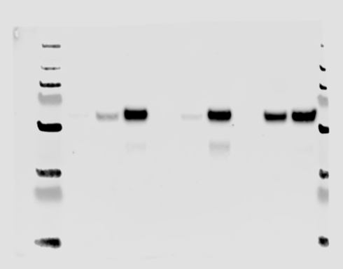
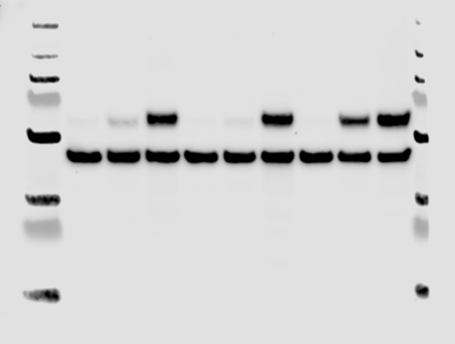
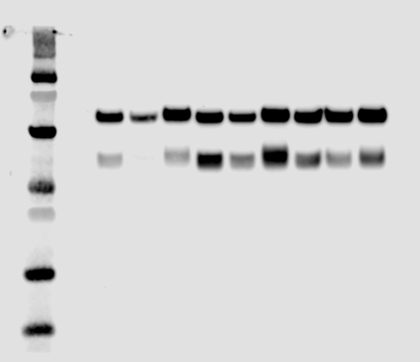

0.1% 10% B9
AOEC HUVEC PAEC
0.1% 10% B9
0.1% 10% B9
anti-pSmad1/5
anti-β-actin
(For pSmad1/5)
anti-Smad1
anti-β-actin
(For Smad1)
250
130
95
72
55
36
28
17
250
130
95
72
55
36
28
17
95
72
55
36
28
17
95
72
55
36
28
17
10
10

Figure 6
Fig 6a | Fig 6d

DSG
BS(PEG)₉
-
+
-
+
-DTT
+DTT
-
+
-
+
-DTT
+DTT
Crosslinking distance 7.7 Å
BS³
-
+
-
+
-DTT
+DTT
Crosslinking distance 11.4 Å
BS(PEG)₅
-
+
-
+
-DTT
+DTT
Crosslinking distance 21.7 Å
Crosslinking distance 35.8 Å
200
116
97
66
55
37
31
22
14
200
116
97
66
55
37
31
22
14
200
116
97
66
55
37
31
22
14
200
116
97
66
55
37
31
22
14
250
130
95
55
36
250
130
95
55
36
HPAEC
HUVEC
ENG(D)
anti-β-Actin
Total lysate
Unbound
Wash
Elution
Unbound
Wash
Elution
-Biotin
+Biotin
ENG(M)
anti-ENG
ENG(D)
anti-β-Actin
ENG(M)
anti-ENG
Total lysate
Unbound
Wash
Elution
Unbound
Wash
Elution
-Biotin
+Biotin
250
130
95
55
36
250
130
95
55
36

Figure 7
Fig 7d

anti-pSmad1/5
anti-β-Actin
Ctl KO Ctl KO Ctl KO
+
Pro:BMP9
sENG(M)
+
+
+
+
+
-
-
-
-
-
-
250
130
95
72
55
36
28
17
250
130
95
72
55
36
28
17
250
130
95
72
55
36
28
17
anti-ENG

Figure 8
250
130
95
72
55
36
28
17
250
130
95
72
55
36
28
17
HAOEC-1
HAOEC-2
HAOEC-3
HAOEC-4
HPAEC
HPAEC
anti-β-Actin
anti-ENG
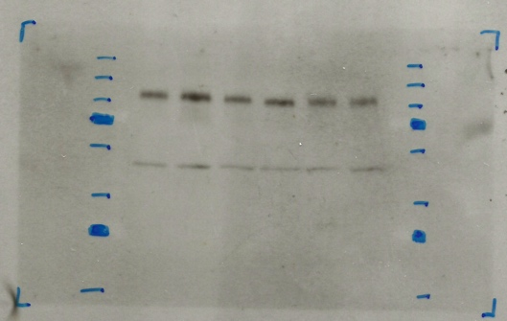
250
130
95
72
55
36
28
17
250
130
95
72
55
36
28
17
HUVEC-1
HUVEC-2
HUVEC-3
HUVEC-4
HPAEC
HPAEC
anti-β-Actin
anti-ENG
 |  |  |  |  |  |  |  |  |  |  |  |  | Figure 8d
Fig 8a
 | untreated, delta CT, KO to Control |  |  |  |  | ligand treated, fold induction, KO to control
Adamtsl2 | 1.0893745 | 0.74725197 | 1.25049562 | 0.81464872 | 0.87327019 | 0.34776066 | 0.437544 | 0.51727379 | 0.30094742 | 0.50862232
Hey1 | 1.2112528 | 0.69463804 | 0.98817148 | 1.084039 | 0.58567275 | 0.55909551 | 0.90846321 | 0.47565914 | 0.45352375 | 0.39429118
Nog | 1.18742248 | 1.13786815 | 1.37835786 | 1.59576698 | 1.00951798 | 0.32831821 | 0.37696435 | 0.23545928 | 0.21396054 | 0.10830639
Pmepa1 | 1.22108757 | 0.69175512 | 1.25454712 | 0.98378616 | 0.7253923 | 0.66464997 | 1.10254179 | 0.63200155 | 0.50519654 | 0.73187373
Trim62 | 1.13301477 | 0.72029843 | 0.96537855 |  | 0.91520489 | 0.6282889 | 0.93746279 | 0.76684133 | 0.49778109 | 0.58008384
Dlx2 | 0.69777477 | 0.52985393 | 1.03227927 | 0.96889798 | 1.18824582 | 0.73909583 | 1.06154584 | 0.62647695 | 0.3794329 | 0.41398967
Foxc2 | 1.14142283 | 0.74898047 | 1.08686042 | 0.90213589 | 1.05518795 | 0.65406232 | 0.97591901 | 0.83431649 | 0.66614893 | 0.48285659
Id4 | 0.92669511 | 0.70727017 | 1.00080899 | 1.04060076 | 1.01924438 | 0.80292288 | 0.90657608 | 0.76401172 | 0.63211108 | 0.3949294

Fig 8b
Adamtsl2 mRNA relative to Hprt |  |  | Nog mRNA relative to Hprt
Eng+/+ | Eng-/- |  | Eng+/+ | Eng-/-
0.00029007 | 0.00031599 |  | 5.57179E-05 | 0.000066161
0.00024103 | 0.00018011 |  | 3.84364E-05 | 4.37356E-05
0.00016446 | 0.00020565 |  | 0.000026481 | 0.000036501
0.00013636 | 0.00011108 |  | 0.000011227 | 0.000017916
0.00015147 | 0.00013228 |  | 2.13983E-05 | 0.000022963
250
130
95
72
55
36
HDMEC-1
HDMEC-2
HDMEC-3
HPAEC
HPAEC
anti-β-Actin
anti-ENG
Fig 8c
Adamtsl2 B9 treated, Fold changes |  |  | Nog B9 treated, Fold changes
Eng+/+ | Eng-/- |  | Eng+/+ | Eng-/-
15.6544401 | 5.444 |  | 790.11381 | 259.40875
14.3270201 | 6.2687 |  | 778.201526 | 293.354
50.8261835 | 26.2911 |  | 414.385774 | 97.571
79.9670262 | 24.0658699 |  | 148.038984 | 31.6745013
61.4425704 | 31.2511 |  | 245.602684 | 25.5131

Fig 8e |  |  |  | Fig 8f
AOEC | HUVEC | HDMEC |  | AOEC | HUVEC | HDMEC
1.48916473 | 1.13413651 | 0.0874033 |  | 29.3213502 | 14.68441821 | 2.467204504
0.85045162 | 1.55080922 | 0.09694556 |  | 20.41914222 | 7.740401225 | 2.366463843
0.81806892 | 0.98710097 | 0.07164417 |  | 18.33775713 | 9.433577028 | 2.366463843
0.44388984 | 1.19124519 |  |  | 14.42372817 | 12.13313543

Fig 8g
ID1 Fold induction |  |  |  |  |  | NOG Fold induction |  |  |  |  |  | ADAMTSL2 Fold induction
BMP9 0.1 ng/ml |  |  | BMP9 1 ng/ml |  |  | BMP9 0.1 ng/ml |  |  | BMP9 1 ng/ml |  |  | BMP9 0.1 ng/ml |  |  | BMP9 1 ng/ml
HAOEC | HUVEC | HDMEC | HAOEC | HUVEC | HDMEC | HAOEC | HUVEC | HDMEC | HAOEC | HUVEC | HDMEC | HAOEC | HUVEC | HDMEC | HAOEC | HUVEC | HDMEC
15.814 | 9.759 | 19.488 | 20.39 | 11.685 | 23.29 | 22.108 | 38.964 | 6.258 | 69.317 | 45.437 | 3.492 | 10.8302902 | 14.4100157 | 7.04207211 | 29.3644762 | 21.2148122 | 15.9115227
33.048 | 54.452 | 20.435 | 32.55 | 55.093 | 21.53 | 13.334 | 51.807 | 5.417 | 29.859 | 66.753 | 9.447 | 8.83359078 | 30.8671419 | 0.54186298 | 25.2113244 | 48.4357374 | 2.36690204
7.673 | 24.745 | 17.646 | 5.371 | 26.484 | 31.042 | 10.022 | 34.006 | 2.486 | 14.341 | 78.141 | 7.35 | 12.3719414 | 28.3838818 | 0.82245007 | 22.3158987 | 38.5591141 | 0.76154437
9.28 | 9.201 |  | 9.697 | 22.316 |  | 66.841 | 55.914 |  | 20.397 | 22.779 |  | 6.31595109 | 25.7232317 |  | 19.413657 | 28.5021728

Fig 8h
ID1 expression |  |  | NOG expression |  |  | 1000xADAMTSL2 expression
HAOEC | HUVEC | HDMEC | HAOEC | HUVEC | HDMEC | HAOEC | HUVEC | HDMEC
0.582 | 1.022 | 0.217 | 0.041 | 0.002 | 0.001 | 0.078 | 0.027 | 0.002
0.232 | 0.152 | 0.229 | 0.055 | 0.003 | 0.001 | 0.051 | 0.156 | 0.022
1.112 | 0.259 | 0.147 | 0.002 | 0.006 | 0.005 | 0.032 | 0.062 | 0.141
0.344 | 0.373 |  | 0.003 | 0.003 |  | 0.083 | 0.224

Supp Fig 7
Supp Fig 7c | Supp Fig 7d

250
130
95
72
55
36
28
17
250
130
95
72
55
36
28
17
HUVEC
HAOEC
HPAEC
HUVEC
HAOEC
HUVEC
β-Actin
ENG(D)
ENG(M)
PASMC
HEK293
EBM-2
2% FBS
EGM-2
0.1% FBS
EBM-2
10% FBS
250
130
95
72
55
36
28
250
130
95
72
55
36
28
HAOEC, 4 donors
ENG(D)
ENG(M)
β-Actin

