Fig2i
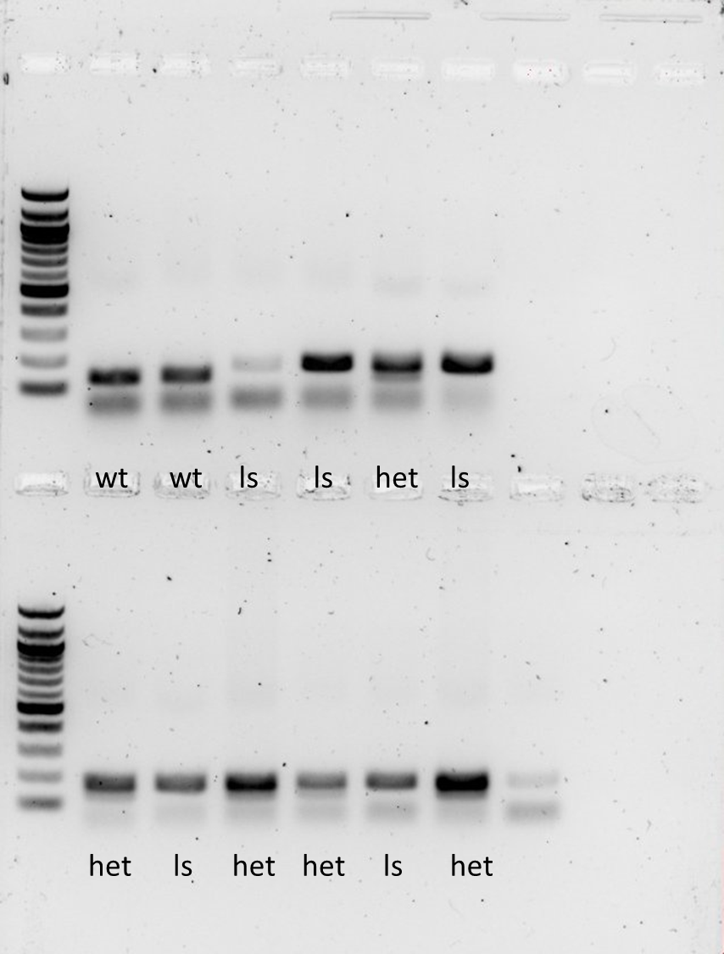
ctl | ls/ls
0.69718511 | 0.7108618
0.7750075 | 0.58954204
0.71296403 | 0.47236121
0.82811529 | 0.54319537
0.75529508 | 0.46801303
0.69669121
0.86323892

