Fig4c WB

Figure 4c | uncropped and unprocessed scans of WB results

 | active β-catenin
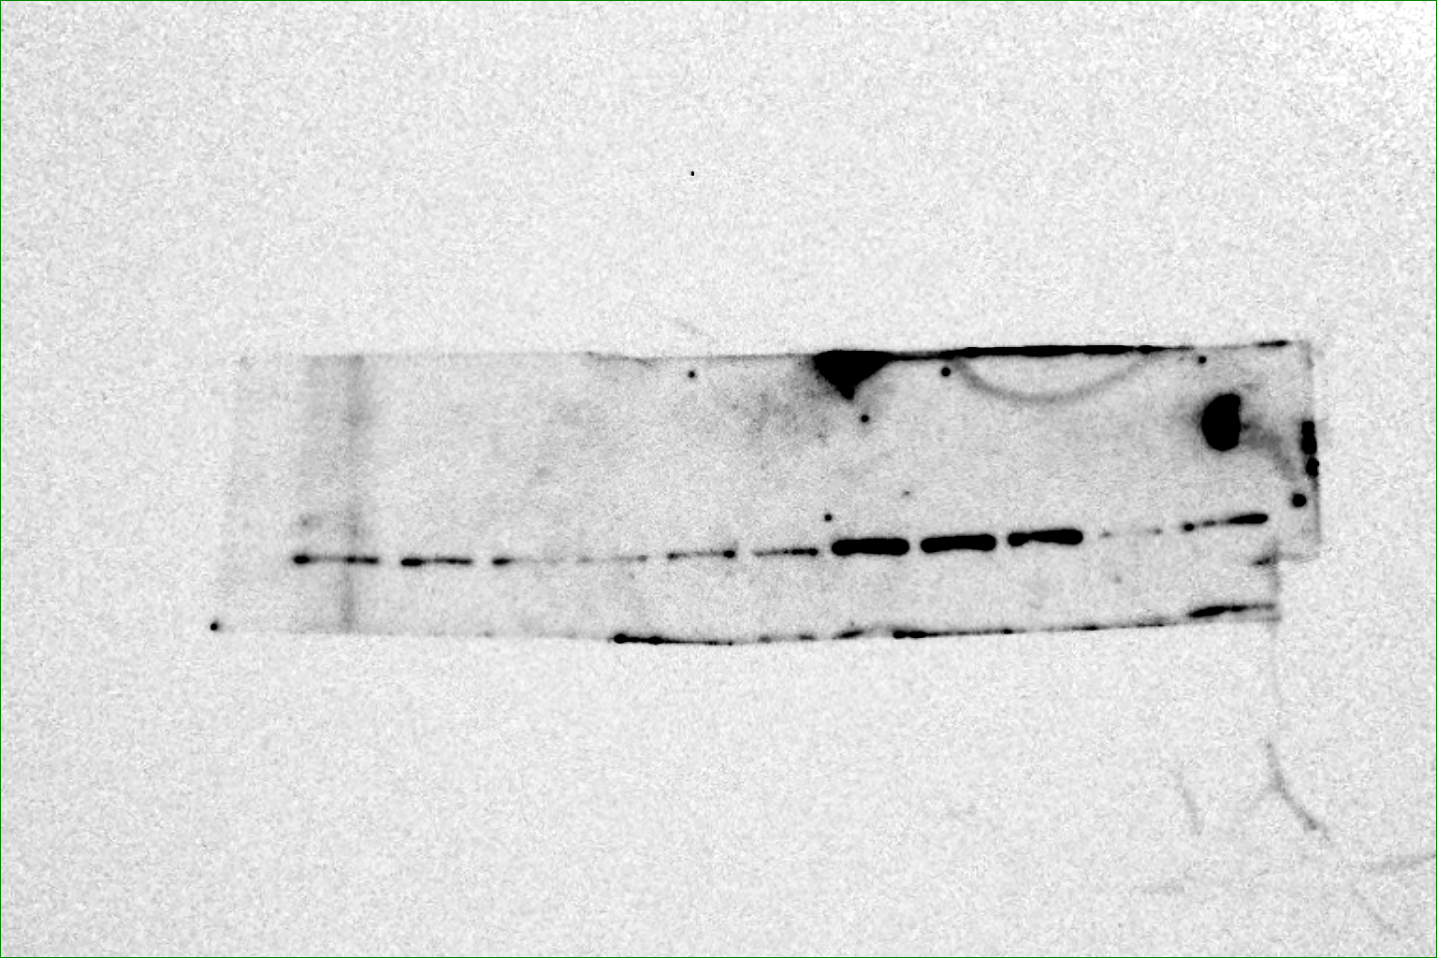

 | total β-catenin


 | GAPDH

Fig7d

Figure 7d | uncropped and unprocessed scans of WB results

 | Hyal1
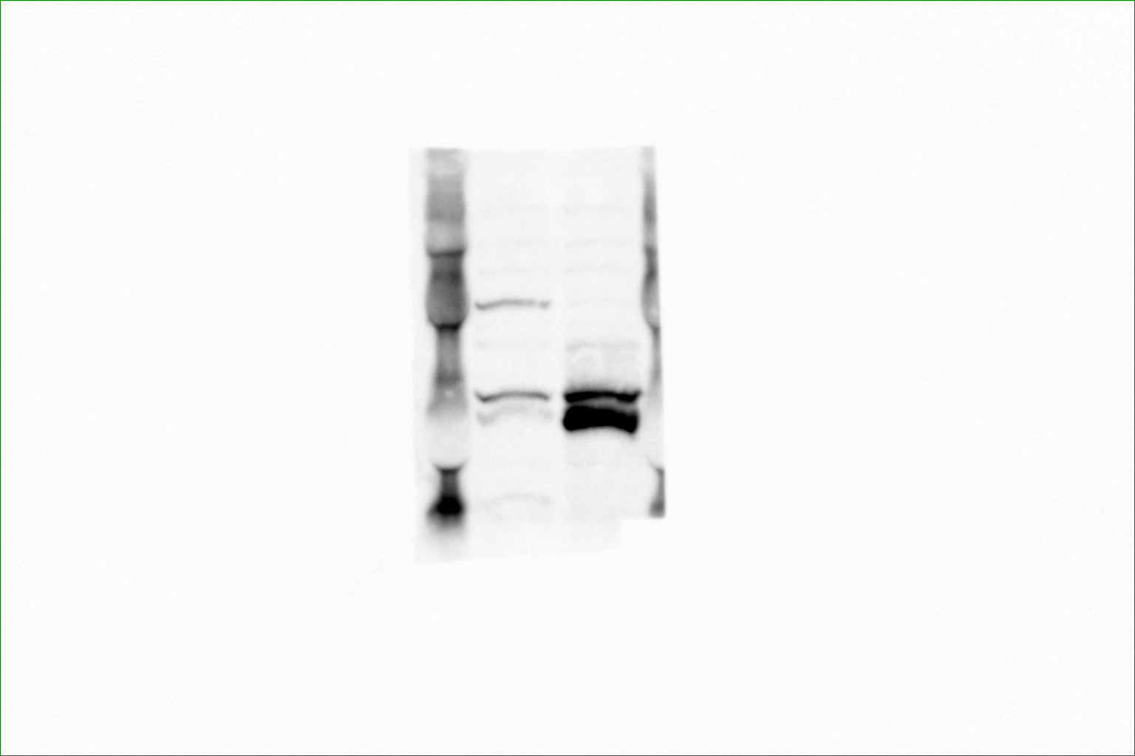

 | Hyal2
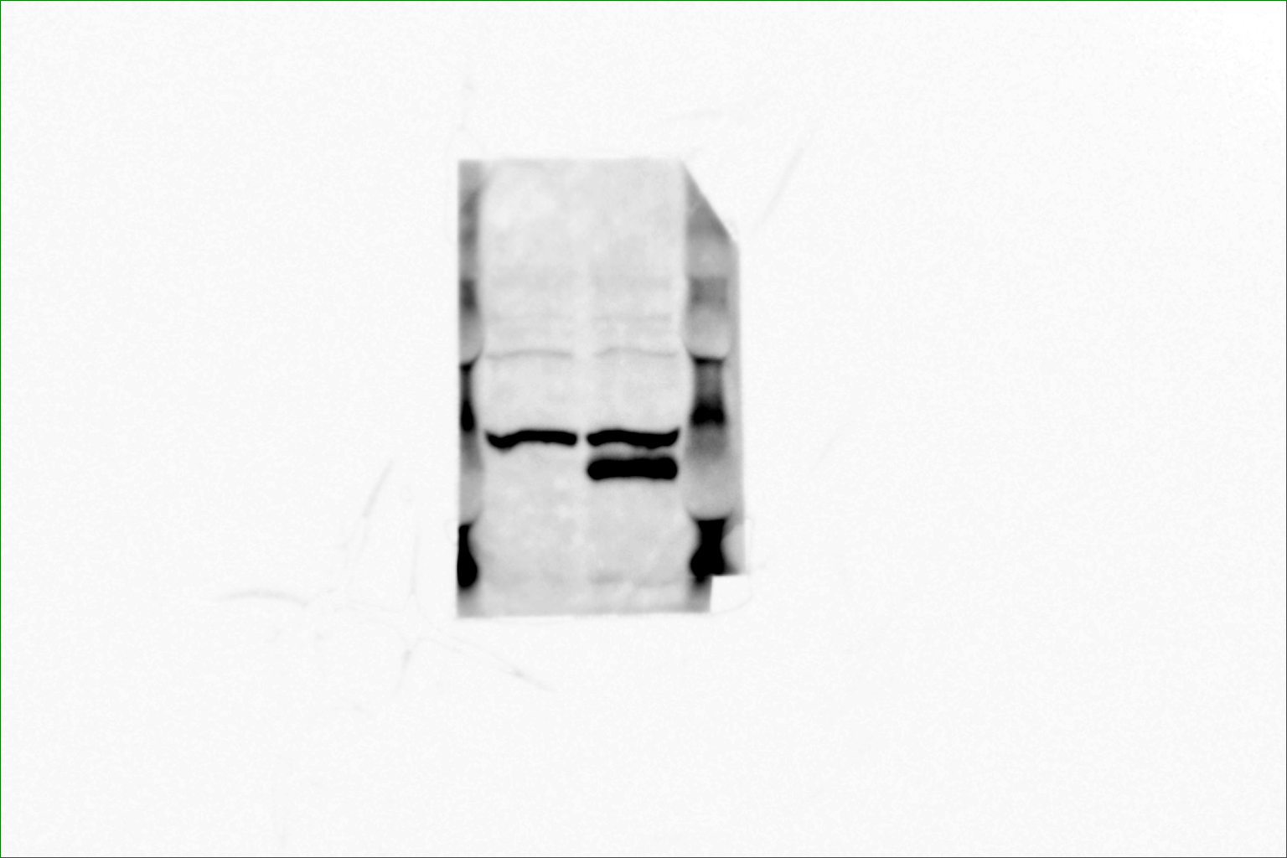

 | GAPDH

Suppl Fig7c WB

Supplementary Fig. 7c

 | uncropped and unprocessed scans of WB results

 | TGFβ1
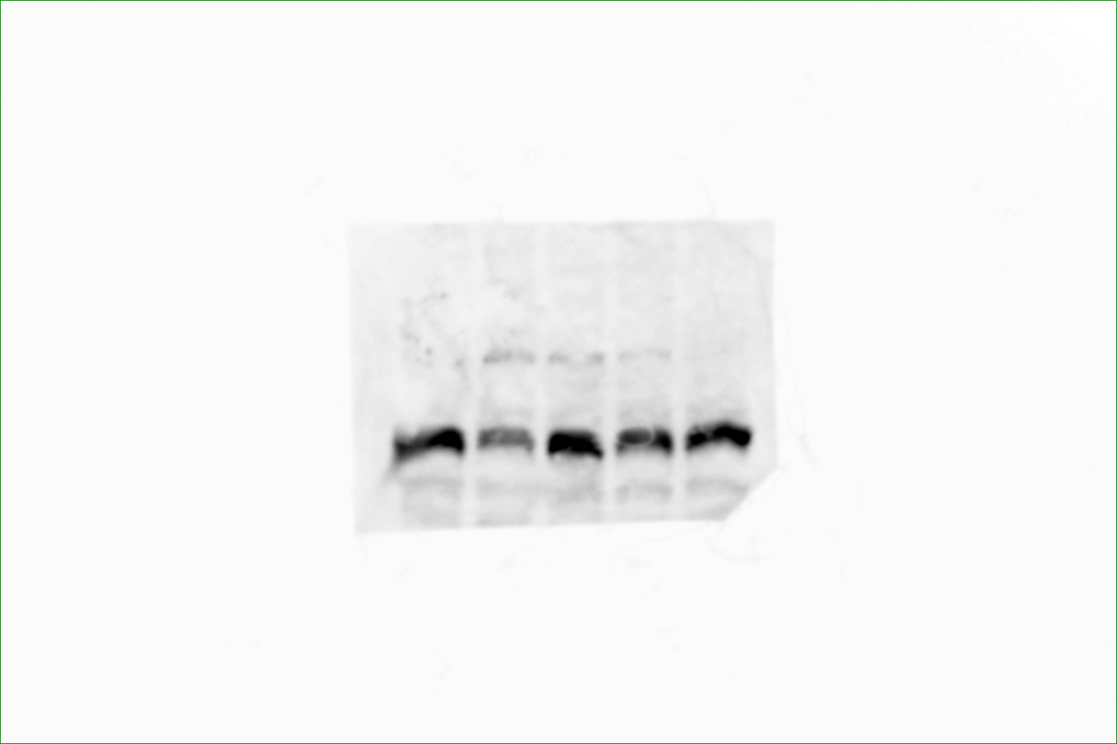

 | GAPDH

