Fig.2
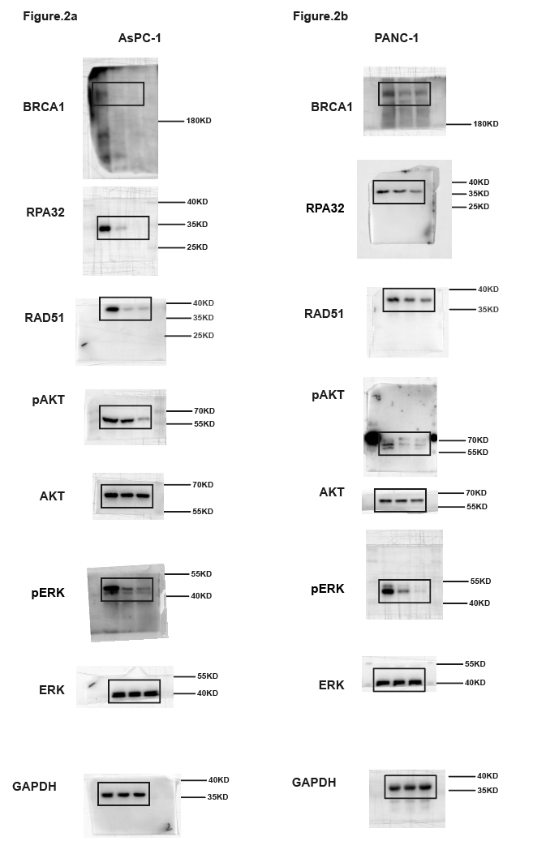
Fig.2F Foci per nucleus of AsPC-1-Summary data |  |  |  |  |  |  |  |  |  |  | Fig.2G Foci per nucleus of PANC-1-Summary data |  |  |  |  |  |  |  |  |  | Fig.2H Foci per nucleus of SW1990-Summary data |  |  |  |  |  |  |  |  |  | Fig.2J HR efficiency（Normalized to vehicle）-Summary data
 | MDC1 |  | FK2 |  | BRCA1 |  | RPA32 |  | RAD51 |  | MDC1 |  | FK2 |  | BRCA1 |  | RPA32 |  | RAD51 |  | MDC1 |  | FK2 |  | BRCA1 |  | RPA32 |  | RAD51 |  |  | AsPC-1 |  |  | PANC-1 |  |  | SW1990
Mean | Vehicle | MRTX1133 | Vehicle | MRTX1133 | Vehicle | MRTX1133 | Vehicle | MRTX1133 | Vehicle | MRTX1133 | Vehicle | MRTX1133 | Vehicle | MRTX1133 | Vehicle | MRTX1133 | Vehicle | MRTX1133 | Vehicle | MRTX1133 | Vehicle | MRTX1133 | Vehicle | MRTX1133 | Vehicle | MRTX1133 | Vehicle | MRTX1133 | Vehicle | MRTX1133 | Mean | Vehicle | 10nM | 50nM | Vehicle | 10nM | 50nM | Vehicle | 10nM | 50nM
Replication 1 | 9.25 | 8.6165413534 | 9.1370967742 | 9.85 | 5.765625 | 4.7196969697 | 6.5984848485 | 4.8548387097 | 6.3615384615 | 4.008 | 36.7421875 | 37.368 | 39.338842975 | 36.621212121 | 30.016260163 | 25.305343511 | 24.860655738 | 17.926829268 | 16.162790698 | 8.9338842975 | 48.1015625 | 48.365853659 | 60.048780488 | 58 | 29.857142857 | 25.545454545 | 39.902985075 | 21.548148148 | 12.728682171 | 7.062992126 | Replication 1 | 99.6668 | 50.6800 | 13.8672 | 99.9996 | 55.2270 | 27.1254 | 99.9964 | 75.8235 | 50.3624
Replication 2 | 9.4695652174 | 12.532258065 | 14.47761194 | 12.525423729 | 6.4859813084 | 4.5074626866 | 6.3037037037 | 4.6592592593 | 7.5945945946 | 3.5259259259 | 39.495652174 | 40.214814815 | 44.495327103 | 47.504504505 | 33.503816794 | 24.524193548 | 35.452830189 | 20.548148148 | 11.488888889 | 4.5873015873 | 49.511450382 | 50.460869565 | 74.495238095 | 74.523809524 | 29.541353383 | 21.53968254 | 44.555555556 | 28.5 | 14.474137931 | 6.4962962963 | Replication 2 | 100.0000 | 30.6447 | 10.4512 | 100.0000 | 61.7614 | 30.7728 | 100.0000 | 71.2421 | 45.4263
Replication 3 | 12.496 | 11.519379845 | 10.5 | 13.5 | 5.572815534 | 3.5041322314 | 8.5851851852 | 4.6850393701 | 5.5904761905 | 2.7293233083 | 44.476190476 | 46.5 | 37.477272727 | 39.511111111 | 36.53271028 | 20.541666667 | 26.567567568 | 15.586466165 | 10.5 | 5.4905660377 | 54.504132231 | 53.416666667 | 64.504347826 | 63.541353383 | 33.528 | 19.618644068 | 34.533333333 | 19.385185185 | 17.481132075 | 9.5078125 | Replication 3 | 100.0000 | 65.2113 | 40.6686 | 100.0000 | 73.7086 | 43.3694 | 100.0000 | 78.4477 | 51.2480

 | Fig.2F Foci per nucleus of AsPC-1-Replication 1 |  |  |  |  |  |  |  |  |  | Fig.2G Foci per nucleus of PANC-1-Replication 1 |  |  |  |  |  |  |  |  |  | Fig.2H Foci per nucleus of SW1990-Replication 1
 | MDC1 |  | FK2 |  | BRCA1 |  | RPA32 |  | RAD51 |  | MDC1 |  | FK2 |  | BRCA1 |  | RPA32 |  | RAD51 |  | MDC1 |  | FK2 |  | BRCA1 |  | RPA32 |  | RAD51 |  |  | Fig.2J HR efficiency（Normalized to vehicle）-Replication 1
 | Vehicle | MRTX1133 | Vehicle | MRTX1133 | Vehicle | MRTX1133 | Vehicle | MRTX1133 | Vehicle | MRTX1133 | Vehicle | MRTX1133 | Vehicle | MRTX1133 | Vehicle | MRTX1133 | Vehicle | MRTX1133 | Vehicle | MRTX1133 | Vehicle | MRTX1133 | Vehicle | MRTX1133 | Vehicle | MRTX1133 | Vehicle | MRTX1133 | Vehicle | MRTX1133 |  | AsPC-1 |  |  | PANC-1 |  |  | SW1990
 | 19 | 12 | 23 | 3 | 6 | 5 | 7 | 10 | 14 | 5 | 71 | 31 | 32 | 34 | 19 | 11 | 46 | 20 | 11 | 5 | 35 | 56 | 56 | 45 | 46 | 8 | 94 | 35 | 25 | 7 |  | Vehicle | 10nM | 50nM | Vehicle | 10nM | 50nM | Vehicle | 10nM | 50nM
 | 12 | 3 | 4 | 4 | 8 | 7 | 5 | 4 | 14 | 6 | 33 | 52 | 34 | 36 | 34 | 21 | 33 | 14 | 34 | 3 | 58 | 73 | 73 | 65 | 9 | 19 | 85 | 36 | 7 | 5 |  | 101.5571 | 41.31127 | 13.23089 | 90.72257 | 60.74768 | 28.70368 | 85.06155 | 73.59343 | 47.34871
 | 4 | 14 | 1 | 5 | 8 | 7 | 6 | 4 | 6 | 7 | 16 | 51 | 35 | 36 | 24 | 18 | 2 | 20 | 4 | 11 | 35 | 45 | 103 | 47 | 17 | 11 | 63 | 57 | 2 | 4 |  | 71.60163 | 58.65678 | 28.37064 | 90.89369 | 46.63029 | 25.08097 | 102.4333 | 81.91649 | 51.13661
 | 15 | 17 | 2 | 12 | 6 | 2 | 16 | 4 | 3 | 4 | 66 | 50 | 30 | 31 | 5 | 31 | 14 | 11 | 7 | 13 | 26 | 76 | 90 | 52 | 13 | 50 | 43 | 56 | 12 | 0 |  | 125.8416 | 52.07191 | 0 | 118.3825 | 58.30304 | 27.5915 | 112.4944 | 71.96045 | 52.60174
 | 35 | 7 | 3 | 6 | 5 | 3 | 0 | 3 | 2 | 5 | 38 | 52 | 30 | 33 | 26 | 8 | 8 | 16 | 13 | 2 | 57 | 88 | 44 | 85 | 31 | 13 | 65 | 34 | 5 | 0
 | 4 | 5 | 1 | 7 | 7 | 4 | 7 | 4 | 13 | 0 | 31 | 54 | 14 | 34 | 33 | 21 | 19 | 8 | 40 | 17 | 87 | 107 | 36 | 35 | 16 | 33 | 13 | 26 | 24 | 4
 | 6 | 12 | 4 | 12 | 3 | 0 | 5 | 6 | 3 | 4 | 32 | 54 | 45 | 48 | 7 | 11 | 43 | 31 | 32 | 6 | 77 | 15 | 55 | 61 | 11 | 22 | 42 | 41 | 12 | 5 |  | Fig.2J HR efficiency（Normalized to vehicle）-Replication 2
 | 5 | 8 | 4 | 4 | 2 | 6 | 16 | 7 | 21 | 3 | 31 | 55 | 46 | 56 | 28 | 23 | 5 | 22 | 5 | 20 | 56 | 23 | 17 | 34 | 28 | 29 | 64 | 44 | 24 | 7 |  | AsPC-1 |  |  | PANC-1 |  |  | SW1990
 | 4 | 9 | 15 | 6 | 5 | 9 | 6 | 8 | 2 | 6 | 66 | 56 | 48 | 12 | 27 | 14 | 0 | 3 | 7 | 16 | 68 | 65 | 54 | 75 | 5 | 24 | 26 | 12 | 18 | 2 |  | Vehicle | 10nM | 50nM | Vehicle | 10nM | 50nM | Vehicle | 10nM | 50nM
 | 17 | 5 | 4 | 2 | 6 | 0 | 11 | 8 | 3 | 4 | 38 | 56 | 24 | 23 | 24 | 20 | 11 | 4 | 9 | 4 | 94 | 73 | 75 | 38 | 69 | 19 | 74 | 24 | 0 | 4 |  | 105.3278572 | 30.74252141 | 10.21973611 | 89.8903783 | 63.61473 | 33.98595 | 96.95621316 | 73.62183496 | 41.55266278
 | 2 | 12 | 12 | 4 | 7 | 6 | 13 | 6 | 10 | 2 | 28 | 57 | 50 | 67 | 14 | 6 | 18 | 37 | 36 | 3 | 86 | 44 | 68 | 85 | 25 | 16 | 34 | 22 | 45 | 26 |  | 102.8124379 | 30.6094369 | 11.31324788 | 88.9159567 | 67.31326 | 25.84348 | 107.5266274 | 70.7194357 | 44.98361659
 | 12 | 9 | 11 | 29 | 8 | 6 | 11 | 5 | 0 | 2 | 50 | 57 | 47 | 20 | 16 | 20 | 13 | 25 | 41 | 7 | 48 | 65 | 32 | 64 | 21 | 12 | 26 | 14 | 4 | 3 |  | 91.859705 | 30.58204591 | 9.820527673 | 121.1936674 | 54.35625 | 32.48895 | 95.51715991 | 69.38510672 | 49.74275284
 | 5 | 2 | 3 | 2 | 8 | 4 | 9 | 4 | 3 | 5 | 44 | 48 | 45 | 50 | 30 | 4 | 6 | 9 | 10 | 15 | 55 | 36 | 54 | 37 | 10 | 20 | 42 | 47 | 18 | 4
 | 13 | 7 | 2 | 1 | 9 | 10 | 13 | 2 | 3 | 5 | 36 | 55 | 44 | 41 | 34 | 28 | 27 | 31 | 7 | 3 | 10 | 84 | 85 | 45 | 31 | 30 | 64 | 44 | 4 | 7
 | 0 | 14 | 16 | 1 | 9 | 8 | 5 | 3 | 14 | 7 | 74 | 54 | 44 | 23 | 15 | 8 | 22 | 11 | 26 | 2 | 46 | 91 | 47 | 75 | 39 | 10 | 56 | 37 | 13 | 0 |  | Fig.2J HR efficiency（Normalized to vehicle）-Replication 3
 | 15 | 9 | 1 | 32 | 9 | 3 | 13 | 2 | 6 | 7 | 32 | 53 | 43 | 22 | 1 | 16 | 40 | 17 | 4 | 11 | 35 | 94 | 99 | 83 | 37 | 24 | 3 | 33 | 36 | 0 |  | AsPC-1 |  |  | PANC-1 |  |  | SW1990
 | 5 | 0 | 3 | 1 | 8 | 3 | 1 | 4 | 7 | 5 | 56 | 52 | 42 | 34 | 5 | 14 | 31 | 24 | 5 | 5 | 86 | 65 | 56 | 96 | 38 | 24 | 13 | 17 | 2 | 0 |  | Vehicle | 10nM | 50nM | Vehicle | 10nM | 50nM | Vehicle | 10nM | 50nM
 | 3 | 14 | 12 | 21 | 6 | 0 | 1 | 5 | 18 | 8 | 84 | 53 | 24 | 41 | 12 | 48 | 18 | 21 | 42 | 17 | 94 | 26 | 104 | 103 | 28 | 9 | 47 | 36 | 20 | 3 |  | 101.5499955 | 66.35028184 | 41.17574443 | 88.346028395 | 70.10266367 | 31.12666534 | 103.0436901 | 78.488598 | 53.07862023
 | 8 | 4 | 1 | 2 | 5 | 6 | 3 | 7 | 4 | 9 | 31 | 53 | 44 | 64 | 28 | 6 | 13 | 8 | 7 | 1 | 56 | 34 | 114 | 92 | 32 | 33 | 84 | 16 | 0 | 5 |  | 100.3190864 | 64.91235004 | 41.25270844 | 102.8291623 | 76.77910783 | 49.21737681 | 99.94730337 | 78.55824183 | 51.86957404
 | 14 | 15 | 13 | 2 | 4 | 3 | 4 | 6 | 1 | 6 | 74 | 91 | 46 | 43 | 31 | 25 | 19 | 25 | 12 | 12 | 105 | 16 | 146 | 104 | 46 | 18 | 90 | 28 | 1 | 6 |  | 98.13091843 | 64.37141379 | 39.5773611 | 108.82480973 | 74.24394861 | 49.76423655 | 97.00900634 | 78.29638103 | 48.79582151
 | 0 | 12 | 19 | 26 | 4 | 11 | 11 | 0 | 23 | 0 | 16 | 32 | 45 | 43 | 38 | 16 | 22 | 25 | 11 | 0 | 99 | 24 | 35 | 65 | 22 | 13 | 105 | 8 | 5 | 7
 | 7 | 6 | 25 | 3 | 3 | 0 | 7 | 8 | 4 | 4 | 32 | 51 | 22 | 44 | 29 | 18 | 36 | 27 | 8 | 0 | 85 | 54 | 67 | 75 | 34 | 22 | 45 | 14 | 42 | 5
 | 16 | 4 | 5 | 6 | 12 | 4 | 8 | 8 | 5 | 4 | 62 | 65 | 87 | 45 | 40 | 25 | 44 | 13 | 12 | 10 | 78 | 74 | 54 | 86 | 22 | 42 | 22 | 11 | 21 | 0
 | 3 | 11 | 7 | 30 | 4 | 4 | 9 | 0 | 17 | 5 | 48 | 29 | 46 | 47 | 46 | 15 | 19 | 16 | 12 | 7 | 45 | 26 | 37 | 36 | 10 | 25 | 36 | 18 | 8 | 0
 | 22 | 21 | 24 | 4 | 6 | 4 | 14 | 0 | 7 | 3 | 62 | 31 | 49 | 46 | 33 | 31 | 6 | 14 | 42 | 6 | 12 | 46 | 75 | 37 | 52 | 10 | 45 | 54 | 16 | 0
 | 3 | 2 | 16 | 7 | 7 | 2 | 10 | 0 | 3 | 5 | 81 | 71 | 60 | 23 | 23 | 39 | 4 | 21 | 10 | 9 | 35 | 75 | 58 | 17 | 16 | 22 | 56 | 26 | 2 | 6
 | 18 | 1 | 9 | 4 | 7 | 2 | 11 | 4 | 18 | 6 | 74 | 33 | 50 | 37 | 8 | 6 | 8 | 26 | 25 | 5 | 26 | 48 | 93 | 21 | 29 | 20 | 72 | 11 | 4 | 5
 | 5 | 12 | 6 | 4 | 5 | 6 | 5 | 4 | 6 | 5 | 34 | 41 | 50 | 12 | 20 | 21 | 11 | 39 | 38 | 2 | 24 | 90 | 57 | 85 | 32 | 23 | 45 | 6 | 24 | 3
 | 12 | 1 | 10 | 17 | 8 | 5 | 8 | 5 | 8 | 4 | 47 | 33 | 65 | 79 | 35 | 20 | 52 | 0 | 21 | 12 | 27 | 16 | 63 | 95 | 14 | 22 | 33 | 26 | 2 | 4
 | 8 | 2 | 6 | 5 | 5 | 7 | 14 | 7 | 2 | 3 | 91 | 104 | 48 | 50 | 45 | 26 | 46 | 11 | 9 | 17 | 47 | 27 | 37 | 103 | 12 | 32 | 11 | 44 | 41 | 6
 | 3 | 31 | 5 | 7 | 8 | 3 | 9 | 4 | 4 | 0 | 56 | 88 | 44 | 41 | 53 | 19 | 38 | 10 | 11 | 13 | 40 | 41 | 13 | 46 | 11 | 27 | 36 | 25 | 14 | 2
 | 5 | 0 | 13 | 23 | 8 | 4 | 0 | 3 | 5 | 0 | 35 | 36 | 46 | 26 | 18 | 22 | 30 | 27 | 1 | 20 | 55 | 33 | 46 | 30 | 19 | 19 | 75 | 26 | 4 | 9
 | 16 | 5 | 17 | 4 | 5 | 6 | 7 | 4 | 11 | 1 | 36 | 40 | 79 | 48 | 51 | 16 | 35 | 16 | 37 | 4 | 58 | 74 | 27 | 15 | 36 | 46 | 19 | 44 | 6 | 3
 | 9 | 17 | 21 | 11 | 1 | 2 | 10 | 6 | 3 | 4 | 107 | 37 | 45 | 49 | 47 | 15 | 19 | 22 | 17 | 5 | 67 | 46 | 35 | 27 | 31 | 18 | 62 | 25 | 4 | 14
 | 0 | 12 | 3 | 12 | 5 | 2 | 5 | 2 | 3 | 6 | 35 | 37 | 59 | 63 | 55 | 21 | 6 | 15 | 40 | 15 | 85 | 52 | 74 | 64 | 15 | 15 | 57 | 16 | 21 | 11
 | 16 | 8 | 2 | 6 | 12 | 2 | 4 | 3 | 17 | 7 | 45 | 28 | 12 | 46 | 61 | 19 | 36 | 28 | 19 | 12 | 73 | 19 | 36 | 84 | 49 | 10 | 94 | 21 | 4 | 0
 | 7 | 11 | 15 | 6 | 4 | 11 | 12 | 4 | 8 | 3 | 21 | 35 | 76 | 45 | 12 | 25 | 65 | 40 | 21 | 6 | 70 | 11 | 47 | 85 | 62 | 19 | 74 | 55 | 14 | 8
 | 13 | 14 | 19 | 14 | 1 | 1 | 3 | 0 | 4 | 3 | 49 | 40 | 45 | 44 | 44 | 28 | 13 | 18 | 22 | 14 | 60 | 32 | 75 | 34 | 21 | 46 | 52 | 32 | 2 | 17
 | 3 | 8 | 6 | 18 | 12 | 7 | 12 | 4 | 16 | 5 | 90 | 18 | 59 | 44 | 15 | 20 | 10 | 14 | 8 | 11 | 3 | 7 | 83 | 54 | 40 | 37 | 68 | 22 | 6 | 11
 | 18 | 0 | 4 | 5 | 4 | 3 | 4 | 6 | 7 | 5 | 31 | 34 | 32 | 23 | 8 | 17 | 20 | 19 | 17 | 8 | 16 | 35 | 56 | 63 | 20 | 21 | 45 | 5 | 26 | 0
 | 21 | 5 | 15 | 5 | 6 | 4 | 6 | 5 | 3 | 2 | 31 | 35 | 34 | 50 | 35 | 42 | 8 | 37 | 23 | 12 | 35 | 63 | 37 | 75 | 21 | 20 | 26 | 16 | 2 | 15
 | 6 | 2 | 7 | 14 | 7 | 5 | 10 | 4 | 14 | 5 | 19 | 95 | 21 | 33 | 18 | 20 | 7 | 13 | 21 | 4 | 29 | 42 | 95 | 85 | 20 | 41 | 42 | 28 | 17 | 12
 | 0 | 6 | 12 | 3 | 8 | 7 | 3 | 0 | 3 | 2 | 32 | 73 | 31 | 32 | 41 | 67 | 25 | 2 | 15 | 11 | 12 | 113 | 85 | 99 | 8 | 7 | 16 | 23 | 23 | 3
 | 15 | 13 | 7 | 4 | 0 | 0 | 13 | 5 | 3 | 9 | 44 | 32 | 32 | 31 | 30 | 60 | 17 | 28 | 6 | 12 | 56 | 45 | 103 | 56 | 51 | 29 | 22 | 14 | 7 | 11
 | 8 | 3 | 3 | 18 | 9 | 4 | 0 | 7 | 7 | 4 | 85 | 33 | 46 | 31 | 33 | 58 | 28 | 5 | 22 | 16 | 77 | 17 | 76 | 73 | 19 | 21 | 56 | 8 | 18 | 4
 | 13 | 5 | 19 | 6 | 7 | 3 | 2 | 6 | 7 | 6 | 85 | 41 | 44 | 47 | 41 | 17 | 15 | 6 | 15 | 14 | 47 | 35 | 84 | 85 | 59 | 43 | 105 | 3 | 6 | 6
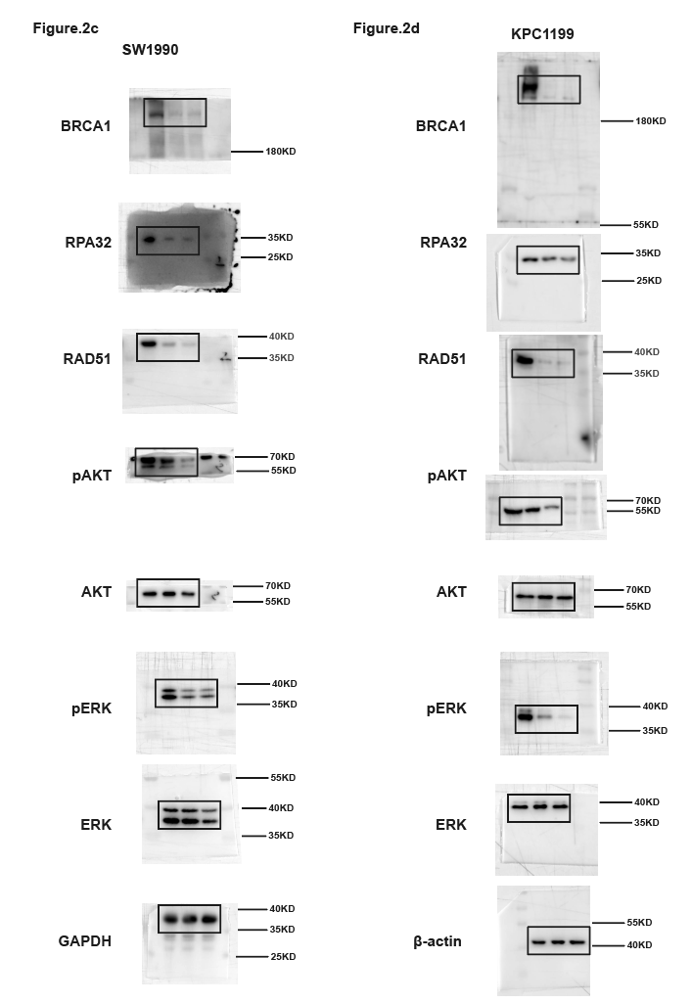
 | 0 | 16 | 13 | 5 | 5 | 0 | 11 | 8 | 9 | 2 | 4 | 61 | 34 | 22 | 37 | 14 | 34 | 38 | 20 | 15 | 25 | 53 | 94 | 86 | 33 | 39 | 18 | 11 | 18 | 8
 | 7 | 19 | 7 | 7 | 11 | 4 | 14 | 0 | 14 | 4 | 68 | 20 | 33 | 46 | 34 | 42 | 29 | 6 | 35 | 12 | 32 | 73 | 85 | 27 | 11 | 17 | 54 | 15 | 6 | 0
 | 5 | 23 | 2 | 15 | 4 | 2 | 4 | 9 | 5 | 4 | 24 | 31 | 15 | 47 | 35 | 27 | 22 | 19 | 8 | 9 | 45 | 46 | 79 | 33 | 12 | 17 | 63 | 16 | 18 | 7
 | 14 | 11 | 10 | 3 | 5 | 3 | 13 | 6 | 12 | 5 | 26 | 82 | 36 | 49 | 5 | 57 | 16 | 11 | 21 | 12 | 76 | 27 | 57 | 51 | 40 | 11 | 43 | 9 | 0 | 4
 | 8 | 3 | 0 | 3 | 3 | 1 | 5 | 5 | 4 | 4 | 42 | 83 | 16 | 75 | 19 | 60 | 33 | 15 | 7 | 4 | 86 | 35 | 37 | 66 | 30 | 52 | 57 | 24 | 26 | 0
 | 6 | 14 | 22 | 14 | 12 | 4 | 7 | 6 | 3 | 5 | 20 | 33 | 17 | 47 | 20 | 61 | 16 | 39 | 34 | 2 | 65 | 62 | 53 | 37 | 29 | 47 | 53 | 35 | 2 | 0
 | 14 | 11 | 1 | 19 | 1 | 3 | 16 | 8 | 14 | 4 | 44 | 67 | 29 | 105 | 45 | 53 | 25 | 3 | 5 | 7 | 47 | 18 | 28 | 51 | 15 | 36 | 77 | 43 | 5 | 4
 | 2 | 5 | 27 | 8 | 11 | 5 | 3 | 7 | 4 | 5 | 22 | 23 | 13 | 50 | 54 | 15 | 21 | 9 | 17 | 8 | 36 | 26 | 53 | 77 | 9 | 27 | 40 | 35 | 32 | 2
 | 5 | 7 | 32 | 28 | 3 | 3 | 13 | 8 | 6 | 5 | 46 | 24 | 11 | 47 | 44 | 20 | 18 | 11 | 10 | 4 | 45 | 31 | 75 | 84 | 46 | 24 | 27 | 13 | 13 | 6
 | 12 | 8 | 7 | 9 | 5 | 2 | 7 | 5 | 4 | 7 | 23 | 40 | 33 | 2 | 12 | 66 | 20 | 16 | 35 | 7 | 34 | 42 | 37 | 80 | 15 | 21 | 15 | 44 | 45 | 0
 | 8 | 13 | 14 | 5 | 3 | 8 | 7 | 6 | 7 | 7 | 24 | 19 | 15 | 48 | 37 | 36 | 10 | 14 | 31 | 0 | 15 | 56 | 63 | 46 | 50 | 19 | 56 | 25 | 45 | 5
 | 10 | 0 | 1 | 29 | 4 | 2 | 5 | 5 | 0 | 5 | 31 | 5 | 34 | 50 | 68 | 63 | 14 | 6 | 9 | 0 | 11 | 72 | 58 | 72 | 58 | 17 | 6 | 17 | 3 | 8
 | 9 | 12 | 4 | 2 | 0 | 4 | 5 | 4 | 8 | 2 | 20 | 18 | 66 | 50 | 35 | 33 | 6 | 15 | 12 | 0 | 45 | 36 | 63 | 47 | 50 | 16 | 56 | 22 | 19 | 5
 | 6 | 4 | 16 | 11 | 15 | 9 | 8 | 3 | 4 | 0 | 3 | 42 | 35 | 41 | 12 | 15 | 3 | 5 | 23 | 0 | 65 | 55 | 74 | 109 | 30 | 39 | 77 | 3 | 7 | 15
 | 26 | 2 | 25 | 2 | 6 | 0 | 2 | 12 | 0 | 0 | 36 | 5 | 48 | 56 | 17 | 11 | 7 | 7 | 20 | 3 | 36 | 47 | 82 | 98 | 19 | 27 | 17 | 12 | 17 | 6
 | 3 | 11 | 7 | 30 | 8 | 6 | 14 | 2 | 5 | 5 | 36 | 16 | 22 | 33 | 6 | 35 | 29 | 13 | 12 | 2 | 45 | 64 | 17 | 47 | 41 | 17 | 25 | 33 | 4 | 0
 | 15 | 1 | 12 | 3 | 13 | 10 | 4 | 2 | 7 | 6 | 23 | 18 | 84 | 2 | 19 | 7 | 17 | 16 | 32 | 0 | 63 | 25 | 88 | 54 | 23 | 11 | 17 | 15 | 0 | 12
 | 5 | 3 | 8 | 11 | 9 | 6 | 3 | 4 | 3 | 0 | 16 | 31 | 36 | 67 | 41 | 21 | 17 | 12 | 16 | 6 | 74 | 74 | 95 | 25 | 10 | 7 | 21 | 21 | 7 | 6
 | 21 | 6 | 5 | 26 | 0 | 4 | 2 | 5 | 0 | 0 | 48 | 37 | 37 | 17 | 22 | 15 | 0 | 9 | 25 | 3 | 84 | 54 | 63 | 36 | 42 | 51 | 20 | 13 | 3 | 18
 | 7 | 10 | 4 | 6 | 5 | 3 | 3 | 0 | 8 | 0 | 36 | 9 | 59 | 50 | 41 | 21 | 19 | 7 | 15 | 6 | 64 | 57 | 46 | 45 | 25 | 44 | 87 | 16 | 17 | 9
 | 8 | 8 | 5 | 4 | 7 | 9 | 6 | 5 | 8 | 6 | 22 | 43 | 28 | 25 | 5 | 16 | 44 | 12 | 27 | 11 | 26 | 50 | 103 | 74 | 23 | 21 | 76 | 32 | 0 | 9
 | 15 | 21 | 28 | 13 | 8 | 3 | 11 | 6 | 5 | 5 | 39 | 21 | 69 | 54 | 12 | 19 | 21 | 16 | 3 | 10 | 54 | 62 | 46 | 52 | 22 | 13 | 90 | 53 | 9 | 6
 | 2 | 7 | 6 | 35 | 0 | 5 | 3 | 5 | 4 | 4 | 6 | 64 | 87 | 73 | 45 | 24 | 45 | 19 | 20 | 12 | 73 | 36 | 55 | 41 | 41 | 16 | 102 | 43 | 32 | 0
 | 1 | 14 | 22 | 27 | 9 | 7 | 4 | 7 | 3 | 1 | 20 | 22 | 71 | 48 | 34 | 5 | 31 | 21 | 8 | 4 | 81 | 41 | 40 | 36 | 60 | 50 | 89 | 62 | 42 | 3
 | 13 | 11 | 3 | 5 | 2 | 5 | 7 | 7 | 3 | 0 | 18 | 5 | 48 | 68 | 3 | 27 | 23 | 18 | 23 | 8 | 62 | 33 | 60 | 29 | 36 | 22 | 36 | 32 | 5 | 0
 | 6 | 18 | 17 | 7 | 3 | 10 | 2 | 0 | 3 | 1 | 37 | 5 | 33 | 48 | 71 | 16 | 49 | 5 | 18 | 16 | 51 | 58 | 50 | 32 | 30 | 17 | 29 | 6 | 31 | 3
 | 7 | 7 | 6 | 28 | 0 | 2 | 4 | 8 | 6 | 1 | 35 | 33 | 34 | 50 | 76 | 36 | 24 | 19 | 6 | 11 | 22 | 73 | 47 | 17 | 27 | 12 | 79 | 23 | 4 | 6
 | 18 | 6 | 12 | 9 | 2 | 0 | 7 | 9 | 7 | 4 | 42 | 25 | 34 | 50 | 15 | 18 | 21 | 24 | 18 | 16 | 30 | 84 | 26 | 89 | 33 | 23 | 17 | 6 | 0 | 4
 | 0 | 3 | 9 | 8 | 5 | 2 | 4 | 6 | 0 | 5 | 6 | 2 | 32 | 74 | 18 | 3 | 20 | 35 | 5 | 18 | 49 | 74 | 47 | 45 | 19 | 22 | 8 | 37 | 20 | 0
 | 2 | 3 | 14 | 30 | 4 | 10 | 3 | 5 | 8 | 5 | 35 | 31 | 31 | 35 | 15 | 16 | 41 | 10 | 8 | 20 | 62 | 83 | 74 | 64 | 5 | 42 | 34 | 15 | 15 | 0
 | 0 | 2 | 5 | 6 | 11 | 6 | 14 | 3 | 8 | 5 | 53 | 24 | 32 | 37 | 48 | 14 | 31 | 18 | 33 | 11 | 44 | 64 | 85 | 36 | 42 | 41 | 52 | 4 | 3 | 8
 | 8 | 12 | 21 | 34 | 12 | 4 | 7 | 5 | 5 | 7 | 22 | 48 | 73 | 43 | 20 | 11 | 31 | 44 | 32 | 13 | 51 | 51 | 36 | 57 | 36 | 22 | 34 | 7 | 0 | 3
 | 15 | 4 | 3 | 6 | 15 | 4 | 8 | 7 | 4 | 7 | 36 | 12 | 33 | 28 | 21 | 21 | 18 | 6 | 27 | 7 | 84 | 48 | 57 | 67 | 16 | 13 | 12 | 12 | 35 | 0
 | 5 | 6 | 14 | 5 | 5 | 0 | 8 | 7 | 3 | 7 | 23 | 19 | 34 | 35 | 57 | 35 | 52 | 16 | 18 | 17 | 68 | 50 | 67 | 25 | 80 | 9 | 34 | 6 | 7 | 6
 | 3 | 1 | 4 | 14 | 3 | 2 | 15 | 6 | 14 | 2 | 39 | 7 | 35 | 34 | 15 | 42 | 37 | 5 | 27 | 5 | 24 | 43 | 52 | 63 | 56 | 7 | 11 | 24 | 21 | 21
 | 2 | 18 | 6 | 6 | 7 | 7 | 3 | 5 | 4 | 6 | 24 | 33 | 96 | 46 | 47 | 5 | 35 | 19 | 0 | 6 | 44 | 77 | 84 | 72 | 38 | 50 | 56 | 12 | 1 | 4
 | 14 | 9 | 5 | 23 | 2 | 4 | 3 | 6 | 5 | 3 | 38 | 16 | 21 | 28 | 19 | 51 | 44 | 8 | 17 | 16 | 63 | 81 | 64 | 35 | 30 | 33 | 8 | 4 | 1 | 16
 | 3 | 0 | 11 | 4 | 4 | 4 | 2 | 5 | 4 | 3 | 19 | 80 | 12 | 28 | 15 | 24 | 39 | 15 | 17 | 4 | 37 | 95 | 26 | 78 | 40 | 31 | 69 | 46 | 23 | 6
 | 5 | 28 | 7 | 14 | 5 | 0 | 1 | 5 | 0 | 4 | 8 | 90 | 32 | 35 | 33 | 21 | 32 | 4 | 15 | 17 | 43 | 17 | 74 | 16 | 39 | 32 | 12 | 77 | 4 | 0
 | 0 | 24 | 14 | 22 | 3 | 6 | 2 | 5 | 7 | 3 | 22 | 22 | 59 | 34 | 15 | 26 | 19 | 23 | 34 | 23 | 36 | 16 | 18 | 95 | 49 | 31 | 4 | 3 | 15 | 24
 | 11 | 3 | 8 | 4 | 11 | 2 | 16 | 1 | 4 | 3 | 36 | 67 | 22 | 33 | 20 | 15 | 24 | 10 | 15 | 10 | 55 | 46 | 73 | 46 | 14 | 18 | 8 | 5 | 6 | 14
 | 7 | 3 | 11 | 6 | 5 | 7 | 4 | 4 | 7 | 1 | 36 | 23 | 58 | 31 | 39 | 36 | 58 | 11 | 23 | 10 | 63 | 57 | 63 | 57 | 20 | 38 | 6 | 15 | 7 | 33
 | 21 | 5 | 15 | 6 | 0 | 1 | 4 | 3 | 0 | 6 | 3 | 77 | 41 | 71 | 45 | 5 | 30 | 5 | 21 | 5 | 71 | 37 | 74 | 72 | 32 | 30 | 73 | 2 | 47 | 6
 | 6 | 6 | 4 | 17 | 0 | 8 | 6 | 0 | 2 | 5 | 22 | 111 | 20 | 22 | 6 | 12 | 20 | 38 | 20 | 2 | 45 | 56 | 85 | 85 | 30 | 24 | 4 | 72 | 3 | 19
 | 4 | 17 | 5 | 8 | 10 | 5 | 8 | 7 | 11 | 6 | 39 | 20 | 65 | 18 | 0 | 21 | 16 | 6 | 21 | 7 | 70 | 59 | 36 | 91 | 29 | 21 | 6 | 6 | 0 | 7
 | 24 | 8 | 22 | 8 | 4 | 10 | 9 | 5 | 3 | 5 | 42 | 6 | 44 | 20 | 56 | 41 | 40 | 4 | 27 | 18 | 64 | 60 | 27 | 7 | 24 | 17 | 27 | 5 | 12 | 0
 | 6 | 1 | 4 | 25 | 8 | 1 | 0 | 5 | 4 | 0 | 54 | 18 | 21 | 21 | 15 | 37 | 13 | 8 | 6 | 4 | 53 | 62 | 30 | 37 | 19 | 12 | 18 | 2 | 8 | 0
 | 4 | 5 | 3 | 3 | 3 | 4 | 18 | 8 | 0 | 0 | 48 | 29 | 43 | 3 | 66 | 23 | 51 | 13 | 24 | 7 | 58 | 27 | 18 | 66 | 32 | 9 | 5 | 12 | 25 | 2
 | 15 | 13 | 4 | 3 | 11 | 5 | 6 | 8 | 0 | 0 | 78 | 17 | 11 | 20 | 23 | 39 | 11 | 44 | 7 | 2 | 36 | 55 | 43 | 79 | 11 | 45 | 28 | 45 | 6 | 12
 | 2 | 3 | 21 | 13 | 10 | 3 | 5 | 5 | 7 | 0 | 35 | 31 | 15 | 21 | 45 | 24 | 15 | 25 | 19 | 0 | 37 | 36 | 67 | 53 | 5 | 9 | 48 | 6 | 0 | 4
 | 4 | 6 | 3 | 5 | 6 | 7 | 8 | 0 | 7 | 1 | 23 | 20 | 42 | 91 | 36 | 44 | 38 | 8 | 6 | 5 | 25 | 62 | 75 | 52 | 5 | 55 | 9 | 2 | 4 | 26
 | 18 | 9 | 3 | 7 | 4 | 2 | 3 | 5 | 8 | 0 | 24 | 21 | 22 | 18 | 36 | 22 | 26 | 25 | 7 | 7 | 41 | 26 | 61 | 68 | 56 | 52 | 32 | 16 | 17 | 0
 | 6 | 16 | 7 | 5 | 11 | 1 | 3 | 7 | 8 | 9 | 15 | 3 | 24 | 11 | 87 | 47 | 50 | 5 | 20 | 5 | 63 | 53 | 58 | 14 | 30 | 40 | 2 | 8 | 2 | 16
 | 7 | 23 | 8 | 1 | 3 | 4 | 2 | 8 | 5 | 9 | 35 | 23 | 54 | 36 | 53 | 5 | 56 | 26 | 6 | 9 | 42 | 46 | 77 | 57 | 26 | 20 | 5 | 9 | 19 | 25
 | 12 | 2 | 3 | 11 | 2 | 0 | 2 | 5 | 4 | 7 | 4 | 5 | 19 | 36 | 19 | 19 | 34 | 15 | 22 | 0 | 33 | 37 | 16 | 62 | 8 | 14 | 10 | 33 | 8 | 12
 | 22 | 2 | 0 | 21 | 1 | 6 | 16 | 4 | 0 | 8 | 23 | 55 | 71 | 37 | 65 | 48 | 46 | 15 | 21 | 0 | 26 | 25 | 12 | 58 | 39 | 34 | 14 | 0 | 16 | 7
 | 8 | 4 | 3 | 2 | 3 | 7 | 5 | 5 | 7 | 6 | 27 | 17 | 51 | 37 | 21 | 35 | 40 | 26 | 21 | 11 | 32 | 54 | 67 | 73 | 13 | 27 | 53 | 15 | 9 | 12
 | 14 | 2 | 4 | 4 | 3 | 8 | 6 | 3 | 7 | 6 | 91 | 17 | 18 | 35 | 81 | 18 | 15 | 37 | 23 | 1 | 5 | 60 | 62 | 19 | 8 | 25 | 4 | 8 | 6 | 0
 | 3 | 15 | 12 | 3 | 5 | 9 | 7 | 4 | 5 | 6 | 22 | 19 | 17 | 28 | 19 | 74 | 24 | 30 | 1 | 0 | 74 | 27 | 58 | 36 | 5 | 9 | 112 | 5 | 14 | 25
 | 2 | 5 | 4 | 4 | 2 | 0 | 5 | 5 | 4 | 0 | 72 | 30 | 17 | 33 | 55 | 49 | 44 | 3 | 17 | 2 | 52 | 16 | 26 | 92 | 16 | 39 | 45 | 6 | 4 | 13
 | 11 | 13 | 19 | 3 | 4 | 5 | 3 | 7 | 0 | 5 | 60 | 15 | 15 | 31 | 61 | 5 | 15 | 19 | 11 | 8 | 61 | 14 | 78 | 73 | 69 | 18 | 46 | 31 | 25 | 7
 | 3 | 4 | 11 | 14 | 6 | 7 | 3 | 12 | 6 | 4 | 59 | 22 | 19 | 11 | 18 | 15 | 15 | 31 | 15 | 18 | 46 | 38 | 84 | 65 | 27 | 53 | 52 | 12 | 0 | 3
 | 21 | 4 | 15 | 1 | 11 | 7 | 2 | 5 | 5 | 3 | 17 | 9 | 46 | 34 | 45 | 11 | 43 | 7 | 0 | 3 | 77 | 52 | 78 | 111 | 22 | 15 | 56 | 7 | 3 | 4
 | 6 | 6 | 6 | 1 | 3 | 8 | 3 | 11 | 0 | 3 | 17 | 22 | 20 | 35 | 20 | 20 | 28 | 20 | 0 | 7 | 47 | 64 | 57 | 27 | 49 | 6 | 33 | 1 | 32 | 12
 | 14 | 11 | 5 | 2 | 2 | 10 | 5 | 0 | 12 | 2 | 16 | 3 | 37 | 31 | 21 | 15 | 18 | 28 | 4 | 5 | 44 | 77 | 72 | 64 | 5 | 39 | 46 | 1 | 4 | 6
 | 9 | 2 | 9 | 1 | 9 | 5 | 6 | 5 | 5 | 2 | 15 | 23 | 15 | 50 | 5 | 20 | 15 | 10 | 0 | 22 | 66 | 35 | 9 | 74 | 56 | 28 | 27 | 4 | 5 | 11
 | 6 | 15 | 3 | 3 | 11 | 4 | 6 | 5 | 3 | 0 | 19 | 2 | 23 | 32 | 2 | 15 | 21 | 35 | 3 | 17 | 37 | 40 | 73 | 72 | 24 | 52 | 53 | 63 | 16 | 4
 | 4 | 8 | 2 | 31 | 6 | 11 | 7 | 5 | 14 | 4 | 21 | 4 | 18 | 12 | 11 | 13 | 55 | 26 | 2 | 24 | 41 | 15 | 85 | 53 | 19 | 39 | 33 | 45 | 5 | 8
 | 15 | 11 | 2 | 1 | 5 | 2 | 14 | 5 | 4 | 5 | 20 | 19 | 59 | 34 | 21 | 15 | 23 | 18 | 18 | 13 | 57 | 43 | 19 | 33 | 72 | 29 | 16 | 2 | 7 | 0
 | 9 | 19 | 1 | 2 | 4 | 4 | 8 | 4 | 0 | 5 | 15 | 5 | 63 | 25 | 49 | 71 | 15 | 46 | 16 | 22 | 46 | 13 | 21 | 64 | 32 | 17 | 36 | 46 | 8 | 8
 | 12 | 6 | 9 | 3 | 3 | 7 | 4 | 5 | 0 | 7 | 20 | 80 | 45 | 31 | 17 | 49 | 17 | 25 | 16 | 16 | 10 | 36 | 78 | 85 | 29 | 50 | 8 | 22 | 19 | 0
 | 14 | 4 | 7 | 4 | 13 | 6 | 5 | 5 | 5 | 0 | 22 | 15 | 15 | 36 | 46 | 37 | 19 | 36 | 7 | 15 | 22 | 46 | 90 | 37 | 5 | 41 | 1 | 74 | 5 | 2
 | 5 | 21 | 6 | 0 | 2 | 7 | 3 | 0 | 7 | 8 | 15 | 20 | 66 | 22 | 20 | 29 | 21 | 10 | 18 | 19 | 18 | 42 | 92 | 66 | 46 | 23 | 45 | 7 | 26 | 14
 | 18 | 7 | 14 | 6 | 1 | 6 | 2 | 5 | 5 | 7 | 23 | 53 | 15 | 42 | 50 | 40 | 23 | 26 | 5 | 6 | 20 | 51 | 26 | 74 | 39 | 60 | 36 | 11 | 15 | 7
 | 7 | 4 | 3 |  | 3 | 8 | 2 | 4 | 9 | 6 | 24 | 77 | 68 | 5 | 23 | 53 | 24 | 6 | 21 | 18 | 13 | 17 | 83 | 65 | 51 | 27 | 4 | 5 | 2 | 8
 | 18 | 3 | 4 |  | 3 | 8 | 1 | 4 | 14 | 0 | 90 | 3 |  | 13 | 8 | 3 | 9 | 16 | 4 |  | 18 | 21 | 14 | 33 | 5 | 31 | 25 | 8 | 5 | 12
 | 9 | 8 | 10 |  | 5 | 6 | 3 | 6 | 17 | 4 | 9 | 59 |  | 8 | 9 | 52 |  | 35 | 7 |  | 16 | 34 | 85 | 102 | 22 | 16 | 26 | 13 | 2 | 5
 | 15 | 13 | 4 |  | 11 | 0 | 5 | 4 | 8 | 4 | 7 | 83 |  | 16 |  | 5 |  |  | 8 |  | 21 |  |  | 67 | 50 | 15 | 23 | 8 | 30 | 4
 |  | 14 |  |  | 6 | 8 | 3 |  | 5 | 4 | 5 | 6 |  | 1 |  | 37 |  |  | 9 |  | 14 |  |  | 39 | 19 | 51 | 12 | 45 | 25 | 2
 |  | 3 |  |  | 4 | 4 | 4 |  | 17 |  | 6 |  |  | 56 |  | 7 |  |  | 0 |  | 24 |  |  | 56 | 18 | 21 | 7 | 2 | 2 | 23
 |  | 8 |  |  | 6 | 11 | 10 |  | 8 |  | 75 |  |  | 17 |  | 25 |  |  | 7 |  | 26 |  |  | 16 | 15 | 17 | 45 | 26 | 16 | 36
 |  | 3 |  |  | 1 | 4 | 6 |  | 4 |  | 4 |  |  | 23 |  | 4 |  |  | 5 |  | 16 |  |  | 13 | 82 | 17 | 74 | 4 | 4
 |  | 3 |  |  |  | 4 | 5 |  | 5 |  |  |  |  | 18 |  | 15 |  |  | 4 |  |  |  |  | 25 | 5 | 15 | 57 | 1 | 7
 |  | 12 |  |  |  | 6 | 7 |  | 8 |  |  |  |  | 2 |  | 3 |  |  |  |  |  |  |  | 24 | 5 | 13 | 4 | 1
 |  | 15 |  |  |  | 7 | 5 |  |  |  |  |  |  | 17 |  | 4 |  |  |  |  |  |  |  | 11 | 34 | 11 | 5 | 4
 |  | 7 |  |  |  | 8 | 7 |  |  |  |  |  |  | 6 |  |  |  |  |  |  |  |  |  | 73 | 29 | 10 | 13 | 5
 |  | 3 |  |  |  |  |  |  |  |  |  |  |  |  |  |  |  |  |  |  |  |  |  |  | 133 |  | 22 | 8
 |  |  |  |  |  |  |  |  |  |  |  |  |  |  |  |  |  |  |  |  |  |  |  |  |  |  | 5 | 8
 |  |  |  |  |  |  |  |  |  |  |  |  |  |  |  |  |  |  |  |  |  |  |  |  |  |  |  | 7

 | Fig.2F Foci per nucleus of AsPC-1-Replication 2 |  |  |  |  |  |  |  |  |  | Fig.2G Foci per nucleus of PANC-1-Replication 2 |  |  |  |  |  |  |  |  |  | Fig.2H Foci per nucleus of SW1990 -Replication 2
 | MDC1 |  | FK2 |  | BRCA1 |  | RPA32 |  | RAD51 |  | MDC1 |  | FK2 |  | BRCA1 |  | RPA32 |  | RAD51 |  | MDC1 |  | FK2 |  | BRCA1 |  | RPA32 |  | RAD51
 | Vehicle | MRTX1133 | Vehicle | MRTX1133 | Vehicle | MRTX1133 | Vehicle | MRTX1133 | Vehicle | MRTX1133 | Vehicle | MRTX1133 | Vehicle | MRTX1133 | Vehicle | MRTX1133 | Vehicle | MRTX1133 | Vehicle | MRTX1133 | Vehicle | MRTX1133 | Vehicle | MRTX1133 | Vehicle | MRTX1133 | Vehicle | MRTX1133 | Vehicle | MRTX1133
 | 11 | 13 | 18 | 23 | 7 | 6 | 0 | 3 | 16 | 2 | 33 | 61 | 33 | 56 | 52 | 13 | 43 | 17 | 16 | 0 | 75 | 76 | 21 | 39 | 32 | 33 | 58 | 38 | 25 | 7
 | 15 | 7 | 13 | 11 | 9 | 8 | 15 | 0 | 11 | 3 | 20 | 44 | 11 | 51 | 48 | 44 | 59 | 18 | 4 | 9 | 58 | 45 | 40 | 24 | 28 | 3 | 58 | 26 | 18 | 0
 | 10 | 4 | 16 | 9 | 6 | 4 | 12 | 0 | 3 | 3 | 36 | 29 | 22 | 61 | 40 | 35 | 20 | 34 | 1 | 10 | 78 | 29 | 104 | 62 | 41 | 0 | 52 | 19 | 19 | 6
 | 7 | 7 | 5 | 15 | 13 | 5 | 0 | 1 | 4 | 12 | 57 | 41 | 52 | 44 | 28 | 18 | 20 | 23 | 16 | 7 | 86 | 48 | 97 | 112 | 44 | 9 | 24 | 28 | 15 | 4
 | 8 | 4 | 24 | 24 | 5 | 3 | 4 | 0 | 1 | 7 | 24 | 13 | 43 | 11 | 38 | 20 | 30 | 22 | 11 | 6 | 78 | 59 | 141 | 136 | 39 | 3 | 56 | 19 | 10 | 1
 | 17 | 22 | 12 | 17 | 6 | 1 | 10 | 8 | 11 | 6 | 27 | 54 | 27 | 12 | 15 | 29 | 48 | 11 | 4 | 4 | 60 | 58 | 80 | 33 | 40 | 6 | 26 | 20 | 17 | 11
 | 3 | 0 | 13 | 21 | 1 | 0 | 9 | 4 | 13 | 8 | 57 | 51 | 24 | 20 | 22 | 34 | 40 | 16 | 20 | 2 | 17 | 42 | 37 | 131 | 58 | 11 | 31 | 24 | 1 | 4
 | 5 | 17 | 17 | 4 | 13 | 7 | 3 | 0 | 6 | 3 | 49 | 28 | 11 | 40 | 3 | 18 | 53 | 18 | 11 | 2 | 71 | 52 | 73 | 85 | 39 | 5 | 49 | 42 | 30 | 9
 | 11 | 19 | 16 | 12 | 1 | 4 | 0 | 6 | 9 | 0 | 14 | 47 | 11 | 66 | 10 | 19 | 31 | 7 | 7 | 0 | 35 | 21 | 99 | 57 | 24 | 39 | 63 | 34 | 6 | 10
 | 12 | 2 | 7 | 12 | 7 | 7 | 4 | 5 | 0 | 7 | 27 | 60 | 15 | 20 | 44 | 35 | 41 | 19 | 7 | 8 | 51 | 51 | 30 | 91 | 17 | 9 | 66 | 21 | 16 | 6
 | 12 | 5 | 14 | 8 | 12 | 6 | 5 | 13 | 0 | 0 | 32 | 35 | 29 | 60 | 45 | 41 | 18 | 41 | 5 | 4 | 24 | 48 | 115 | 86 | 13 | 40 | 40 | 21 | 14 | 8
 | 13 | 10 | 9 | 11 | 3 | 6 | 0 | 6 | 4 | 8 | 5 | 10 | 84 | 65 | 38 | 15 | 31 | 30 | 13 | 7 | 60 | 34 | 63 | 109 | 16 | 21 | 27 | 30 | 6 | 12
 | 6 | 24 | 19 | 7 | 0 | 0 | 6 | 2 | 9 | 0 | 46 | 23 | 54 | 34 | 25 | 14 | 24 | 33 | 15 | 2 | 59 | 75 | 43 | 67 | 41 | 32 | 62 | 38 | 4 | 5
 | 12 | 24 | 10 | 16 | 4 | 9 | 0 | 0 | 6 | 12 | 56 | 54 | 53 | 10 | 45 | 41 | 23 | 15 | 11 | 11 | 40 | 34 | 100 | 75 | 46 | 48 | 26 | 29 | 4 | 9
 | 4 | 3 | 4 | 11 | 1 | 4 | 21 | 10 | 12 | 0 | 29 | 35 | 32 | 62 | 10 | 17 | 53 | 36 | 18 | 10 | 58 | 8 | 125 | 48 | 19 | 23 | 33 | 50 | 17 | 5
 | 13 | 28 | 19 | 10 | 10 | 6 | 16 | 2 | 17 | 6 | 68 | 47 | 38 | 28 | 37 | 25 | 59 | 0 | 11 | 0 | 35 | 75 | 41 | 92 | 23 | 25 | 41 | 36 | 14 | 12
 | 10 | 23 | 21 | 10 | 11 | 1 | 0 | 4 | 1 | 5 | 34 | 31 | 56 | 83 | 14 | 27 | 36 | 14 | 22 | 0 | 39 | 54 | 116 | 103 | 9 | 40 | 63 | 27 | 26 | 6
 | 11 | 15 | 19 | 17 | 13 | 0 | 13 | 0 | 6 | 0 | 53 | 31 | 44 | 58 | 21 | 43 | 29 | 41 | 5 | 9 | 60 | 78 | 112 | 76 | 31 | 39 | 50 | 52 | 9 | 6
 | 8 | 21 | 11 | 22 | 1 | 8 | 0 | 0 | 0 | 7 | 19 | 64 | 39 | 75 | 17 | 16 | 21 | 13 | 17 | 10 | 42 | 62 | 78 | 92 | 49 | 7 | 53 | 27 | 11 | 10
 | 5 | 5 | 25 | 11 | 11 | 3 | 3 | 1 | 11 | 2 | 10 | 64 | 48 | 25 | 40 | 24 | 57 | 20 | 19 | 7 | 85 | 41 | 96 | 57 | 55 | 0 | 48 | 20 | 11 | 3
 | 1 | 7 | 19 | 10 | 4 | 4 | 9 | 4 | 9 | 1 | 72 | 54 | 45 | 27 | 19 | 33 | 48 | 18 | 3 | 9 | 37 | 60 | 16 | 81 | 27 | 8 | 60 | 42 | 22 | 9
 | 8 | 12 | 6 | 5 | 4 | 0 | 8 | 0 | 0 | 10 | 37 | 37 | 45 | 56 | 3 | 6 | 46 | 35 | 12 | 7 | 83 | 60 | 61 | 81 | 35 | 20 | 49 | 24 | 4 | 5
 | 1 | 21 | 12 | 5 | 4 | 4 | 0 | 1 | 8 | 4 | 56 | 44 | 81 | 34 | 33 | 6 | 33 | 17 | 18 | 4 | 39 | 52 | 94 | 91 | 21 | 22 | 38 | 16 | 11 | 2
 | 18 | 6 | 5 | 20 | 2 | 9 | 4 | 1 | 0 | 3 | 27 | 58 | 51 | 32 | 47 | 27 | 10 | 31 | 6 | 0 | 47 | 26 | 85 | 62 | 28 | 20 | 30 | 24 | 20 | 13
 | 18 | 15 | 13 | 21 | 2 | 5 | 0 | 4 | 8 | 6 | 25 | 53 | 44 | 69 | 22 | 16 | 17 | 22 | 9 | 0 | 49 | 31 | 74 | 112 | 7 | 31 | 73 | 37 | 12 | 4
 | 12 | 16 | 13 | 4 | 12 | 6 | 0 | 0 | 17 | 2 | 7 | 64 | 31 | 35 | 20 | 33 | 60 | 23 | 20 | 11 | 33 | 57 | 141 | 68 | 42 | 48 | 32 | 45 | 20 | 5
 | 7 | 11 | 11 | 20 | 8 | 8 | 3 | 15 | 5 | 0 | 66 | 8 | 40 | 26 | 22 | 20 | 25 | 16 | 13 | 5 | 52 | 59 | 91 | 41 | 45 | 5 | 64 | 41 | 4 | 10
 | 18 | 13 | 2 | 12 | 5 | 3 | 9 | 0 | 9 | 0 | 24 | 58 | 64 | 80 | 45 | 36 | 37 | 20 | 10 | 8 | 41 | 72 | 57 | 113 | 24 | 43 | 71 | 8 | 9 | 6
 | 10 | 4 | 21 | 9 | 9 | 8 | 0 | 0 | 6 | 0 | 50 | 38 | 40 | 26 | 55 | 7 | 33 | 25 | 7 | 1 | 24 | 20 | 73 | 11 | 42 | 33 | 46 | 24 | 9 | 10
 | 5 | 11 | 20 | 13 | 11 | 5 | 0 | 0 | 11 | 5 | 45 | 18 | 51 | 60 | 38 | 7 | 40 | 26 | 1 | 3 | 25 | 48 | 73 | 35 | 38 | 42 | 34 | 24 | 4 | 4
 | 12 | 6 | 18 | 17 | 7 | 2 | 0 | 13 | 10 | 1 | 41 | 30 | 41 | 11 | 19 | 15 | 22 | 20 | 12 | 5 | 73 | 52 | 56 | 73 | 31 | 8 | 18 | 25 | 15 | 11
 | 9 | 13 | 12 | 14 | 1 | 7 | 5 | 0 | 0 | 2 | 41 | 11 | 39 | 68 | 60 | 38 | 37 | 21 | 10 | 7 | 19 | 37 | 109 | 90 | 38 | 34 | 21 | 17 | 6 | 9
 | 17 | 12 | 20 | 4 | 1 | 9 | 16 | 0 | 3 | 1 | 34 | 30 | 36 | 80 | 55 | 21 | 6 | 14 | 12 | 8 | 75 | 76 | 55 | 103 | 31 | 25 | 68 | 41 | 5 | 6
 | 9 | 14 | 10 | 19 | 3 | 4 | 0 | 12 | 8 | 8 | 45 | 48 | 43 | 54 | 43 | 36 | 57 | 14 | 16 | 5 | 76 | 59 | 27 | 123 | 22 | 21 | 51 | 34 | 15 | 3
 | 5 | 12 | 9 | 12 | 4 | 5 | 0 | 8 | 5 | 6 | 13 | 31 | 76 | 25 | 9 | 31 | 53 | 30 | 14 | 0 | 61 | 75 | 141 | 73 | 20 | 21 | 16 | 40 | 26 | 11
 | 14 | 14 | 6 | 11 | 13 | 7 | 11 | 4 | 3 | 3 | 13 | 25 | 22 | 28 | 42 | 33 | 38 | 17 | 11 | 0 | 9 | 36 | 44 | 26 | 8 | 33 | 27 | 10 | 4 | 5
 | 6 | 15 | 25 | 22 | 7 | 5 | 6 | 5 | 17 | 6 | 34 | 58 | 42 | 29 | 43 | 32 | 17 | 21 | 22 | 5 | 17 | 69 | 61 | 121 | 61 | 47 | 42 | 23 | 15 | 3
 | 3 | 6 | 8 | 8 | 8 | 0 | 11 | 3 | 2 | 4 | 45 | 54 | 80 | 54 | 29 | 14 | 16 | 32 | 12 | 6 | 19 | 31 | 83 | 77 | 7 | 16 | 49 | 43 | 28 | 4
 | 14 | 0 | 11 | 12 | 6 | 0 | 0 | 0 | 7 | 0 | 64 | 44 | 45 | 65 | 51 | 28 | 46 | 39 | 4 | 8 | 69 | 63 | 40 | 74 | 21 | 8 | 44 | 49 | 11 | 6
 | 13 | 19 | 13 | 8 | 11 | 7 | 0 | 12 | 8 | 3 | 4 | 56 | 60 | 69 | 20 | 28 | 42 | 13 | 10 | 6 | 58 | 52 | 129 | 84 | 21 | 9 | 56 | 37 | 13 | 1
 | 6 | 11 | 13 | 8 | 5 | 4 | 6 | 16 | 16 | 12 | 25 | 21 | 40 | 22 | 21 | 22 | 39 | 34 | 8 | 3 | 49 | 47 | 19 | 50 | 44 | 15 | 52 | 39 | 17 | 5
 | 12 | 10 | 15 | 13 | 11 | 2 | 16 | 0 | 2 | 3 | 31 | 27 | 68 | 47 | 18 | 32 | 60 | 8 | 22 | 0 | 53 | 77 | 125 | 56 | 14 | 41 | 56 | 25 | 10 | 4
 | 6 | 11 | 10 | 4 | 4 | 2 | 3 | 8 | 12 | 1 | 25 | 41 | 47 | 35 | 39 | 8 | 14 | 18 | 7 | 5 | 41 | 45 | 40 | 78 | 38 | 18 | 36 | 47 | 12 | 1
 | 8 | 14 | 17 | 20 | 11 | 3 | 11 | 4 | 4 | 8 | 53 | 35 | 48 | 39 | 56 | 32 | 38 | 21 | 14 | 2 | 56 | 58 | 99 | 61 | 54 | 1 | 32 | 13 | 12 | 9
 | 11 | 5 | 18 | 5 | 5 | 6 | 8 | 10 | 0 | 12 | 49 | 39 | 30 | 40 | 51 | 30 | 38 | 39 | 11 | 3 | 45 | 14 | 126 | 102 | 21 | 15 | 68 | 26 | 8 | 11
 | 0 | 19 | 3 | 12 | 8 | 0 | 5 | 6 | 2 | 10 | 14 | 37 | 42 | 63 | 59 | 16 | 55 | 23 | 12 | 0 | 35 | 45 | 59 | 141 | 15 | 14 | 36 | 29 | 4 | 0
 | 7 | 1 | 6 | 21 | 5 | 2 | 0 | 2 | 13 | 1 | 31 | 14 | 34 | 25 | 3 | 19 | 45 | 11 | 9 | 4 | 23 | 31 | 39 | 45 | 48 | 12 | 62 | 27 | 6 | 9
 | 14 | 0 | 18 | 3 | 5 | 5 | 16 | 8 | 9 | 0 | 11 | 46 | 73 | 79 | 15 | 10 | 38 | 12 | 3 | 7 | 20 | 21 | 106 | 132 | 36 | 27 | 65 | 27 | 15 | 1
 | 8 | 17 | 3 | 20 | 8 | 6 | 9 | 13 | 9 | 7 | 34 | 45 | 69 | 75 | 7 | 14 | 28 | 21 | 19 | 2 | 7 | 49 | 56 | 24 | 41 | 0 | 41 | 32 | 13 | 13
 | 11 | 7 | 24 | 11 | 6 | 7 | 20 | 0 | 5 | 6 | 58 | 34 | 32 | 78 | 36 | 18 | 38 | 30 | 8 | 7 | 26 | 58 | 12 | 45 | 27 | 6 | 45 | 8 | 6 | 4
 | 5 | 18 | 22 | 20 | 6 | 6 | 18 | 0 | 0 | 0 | 66 | 48 | 18 | 63 | 31 | 30 | 25 | 22 | 15 | 8 | 67 | 80 | 33 | 88 | 25 | 35 | 51 | 10 | 3 | 10
 | 11 | 17 | 17 | 14 | 0 | 6 | 0 | 6 | 9 | 1 | 22 | 11 | 16 | 80 | 27 | 10 | 14 | 10 | 22 | 3 | 54 | 87 | 47 | 111 | 24 | 7 | 64 | 24 | 3 | 0
 | 3 | 10 | 10 | 9 | 6 | 4 | 9 | 14 | 0 | 0 | 65 | 62 | 54 | 56 | 35 | 37 | 29 | 25 | 12 | 5 | 32 | 58 | 58 | 85 | 32 | 17 | 63 | 25 | 16 | 8
 | 16 | 2 | 20 | 8 | 7 | 7 | 0 | 0 | 10 | 6 | 47 | 6 | 42 | 67 | 38 | 24 | 23 | 6 | 15 | 3 | 23 | 53 | 141 | 79 | 32 | 35 | 24 | 30 | 6 | 7
 | 5 | 12 | 21 | 10 | 13 | 3 | 9 | 1 | 5 | 1 | 36 | 39 | 64 | 50 | 37 | 18 | 21 | 10 | 10 | 7 | 54 | 43 | 62 | 48 | 39 | 20 | 45 | 45 | 15 | 1
 | 7 | 5 | 7 | 9 | 9 | 1 | 7 | 9 | 15 | 1 | 48 | 50 | 32 | 57 | 38 | 28 | 58 | 18 | 18 | 10 | 61 | 37 | 69 | 81 | 20 | 11 | 32 | 18 | 25 | 10
 | 1 | 29 | 13 | 6 | 6 | 7 | 0 | 6 | 3 | 0 | 62 | 43 | 40 | 44 | 42 | 31 | 58 | 19 | 13 | 5 | 79 | 66 | 133 | 113 | 53 | 26 | 53 | 30 | 14 | 4
 | 15 | 9 | 9 | 6 | 13 | 6 | 2 | 12 | 0 | 1 | 42 | 28 | 28 | 55 | 11 | 11 | 49 | 35 | 3 | 9 | 31 | 31 | 49 | 61 | 18 | 8 | 22 | 18 | 21 | 9
 | 16 | 26 | 12 | 17 | 9 | 6 | 0 | 7 | 19 | 11 | 24 | 31 | 56 | 46 | 34 | 26 | 33 | 13 | 23 | 0 | 74 | 42 | 95 | 59 | 2 | 12 | 25 | 5 | 21 | 9
 | 12 | 3 | 24 | 17 | 8 | 2 | 19 | 5 | 13 | 12 | 48 | 27 | 30 | 72 | 12 | 30 | 27 | 28 | 9 | 3 | 45 | 64 | 75 | 134 | 27 | 23 | 71 | 42 | 17 | 7
 | 9 | 15 | 11 | 15 | 7 | 6 | 0 | 0 | 14 | 4 | 60 | 29 | 58 | 67 | 46 | 28 | 64 | 16 | 6 | 3 | 40 | 30 | 47 | 126 | 33 | 19 | 47 | 9 | 12 | 3
 | 8 | 24 | 5 | 21 | 3 | 7 | 17 | 0 | 13 | 3 | 10 | 19 | 78 | 66 | 28 | 20 | 17 | 27 | 15 | 10 | 29 | 87 | 35 | 41 | 8 | 6 | 45 | 35 | 17 | 5
 | 11 | 6 | 13 | 7 | 6 | 5 | 2 | 0 | 10 | 5 | 45 | 15 | 43 | 79 | 23 | 3 | 28 | 13 | 18 | 5 | 59 | 18 | 90 | 96 | 17 | 21 | 39 | 23 | 0 | 10
 | 3 | 9 | 5 | 7 | 10 | 10 | 15 | 12 | 5 | 7 | 64 | 12 | 17 | 19 | 2 | 32 | 25 | 9 | 10 | 2 | 40 | 43 | 118 | 52 | 20 | 26 | 61 | 41 | 20 | 6
 | 10 | 8 | 19 | 19 | 4 | 5 | 7 | 11 | 1 | 0 | 72 | 61 | 64 | 51 | 36 | 22 | 41 | 33 | 17 | 11 | 53 | 28 | 101 | 49 | 28 | 18 | 13 | 22 | 27 | 7
 | 5 | 22 | 14 | 16 | 5 | 5 | 11 | 0 | 13 | 1 | 70 | 70 | 69 | 82 | 26 | 8 | 32 | 4 | 10 | 2 | 59 | 79 | 98 | 77 | 39 | 21 | 22 | 35 | 6 | 8
 | 18 | 11 | 26 | 3 | 9 | 2 | 0 | 1 | 8 | 2 | 42 | 61 | 69 | 44 | 19 | 18 | 44 | 30 | 13 | 8 | 67 | 52 | 95 | 96 | 31 | 16 | 56 | 37 | 6 | 2
 | 11 | 24 | 17 | 19 | 13 | 8 | 6 | 13 | 9 | 2 | 29 | 26 | 41 | 23 | 24 | 21 | 16 | 12 | 8 | 6 | 58 | 40 | 69 | 45 | 38 | 15 | 33 | 23 | 11 | 2
 | 3 | 11 | 19 | 9 | 11 | 5 | 0 | 0 | 0 | 9 | 51 | 54 | 60 | 47 | 38 | 5 | 46 | 22 | 2 | 0 | 33 | 34 | 83 | 74 | 28 | 13 | 61 | 30 | 27 | 4
 | 4 | 22 | 22 | 7 | 11 | 5 | 0 | 2 | 6 | 5 | 37 | 56 | 67 | 72 | 55 | 31 | 13 | 22 | 9 | 3 | 84 | 52 | 45 | 39 | 2 | 20 | 21 | 26 | 19 | 6
 | 14 | 20 | 23 | 10 | 7 | 5 | 15 | 11 | 15 | 5 | 46 | 25 | 84 | 35 | 57 | 9 | 14 | 21 | 7 | 0 | 46 | 7 | 57 | 37 | 6 | 40 | 37 | 30 | 20 | 10
 | 6 | 18 | 15 | 22 | 3 | 7 | 4 | 15 | 17 | 1 | 31 | 48 | 22 | 24 | 56 | 39 | 39 | 16 | 12 | 0 | 55 | 77 | 67 | 48 | 0 | 40 | 51 | 31 | 7 | 7
 | 4 | 12 | 12 | 15 | 8 | 3 | 7 | 7 | 5 | 2 | 39 | 22 | 38 | 83 | 37 | 34 | 59 | 15 | 5 | 4 | 14 | 41 | 71 | 89 | 37 | 36 | 37 | 32 | 10 | 5
 | 10 | 2 | 21 | 3 | 8 | 4 | 19 | 3 | 12 | 7 | 53 | 42 | 76 | 27 | 59 | 39 | 10 | 26 | 8 | 11 | 36 | 29 | 91 | 66 | 41 | 23 | 52 | 25 | 15 | 5
 | 5 | 5 | 10 | 13 | 11 | 8 | 0 | 2 | 0 | 4 | 60 | 71 | 42 | 32 | 0 | 40 | 18 | 3 | 15 | 0 | 39 | 44 | 77 | 81 | 23 | 27 | 70 | 48 | 16 | 6
 | 13 | 16 | 8 | 21 | 3 | 9 | 0 | 3 | 11 | 0 | 31 | 65 | 15 | 9 | 33 | 24 | 50 | 18 | 11 | 7 | 57 | 62 | 61 | 126 | 0 | 29 | 47 | 10 | 24 | 6
 | 11 | 21 | 15 | 9 | 0 | 3 | 10 | 3 | 9 | 4 | 35 | 29 | 35 | 25 | 41 | 20 | 44 | 7 | 9 | 8 | 80 | 34 | 82 | 83 | 9 | 32 | 70 | 18 | 13 | 8
 | 12 | 6 | 10 | 20 | 4 | 7 | 3 | 17 | 0 | 0 | 71 | 62 | 80 | 36 | 41 | 21 | 24 | 33 | 15 | 8 | 75 | 60 | 64 | 83 | 43 | 28 | 35 | 10 | 6 | 6
 | 7 | 4 | 9 | 6 | 6 | 7 | 4 | 7 | 5 | 4 | 41 | 50 | 47 | 85 | 40 | 45 | 26 | 36 | 19 | 4 | 39 | 49 | 104 | 94 | 11 | 21 | 8 | 42 | 12 | 6
 | 12 | 19 | 8 | 17 | 11 | 2 | 0 | 7 | 12 | 9 | 65 | 16 | 56 | 40 | 38 | 32 | 37 | 12 | 9 | 12 | 70 | 77 | 9 | 89 | 63 | 28 | 23 | 19 | 7 | 4
 | 7 | 3 | 23 | 15 | 2 | 0 | 6 | 0 | 0 | 0 | 61 | 55 | 44 | 72 | 39 | 30 | 38 | 22 | 19 | 8 | 41 | 77 | 49 | 100 | 33 | 34 | 77 | 30 | 14 | 0
 | 9 | 12 | 4 | 12 | 6 | 7 | 0 | 5 | 9 | 4 | 69 | 36 | 25 | 50 | 21 | 8 | 11 | 32 | 12 | 4 | 29 | 47 | 62 | 71 | 44 | 37 | 21 | 25 | 18 | 8
 | 6 | 2 | 25 | 10 | 7 | 1 | 0 | 0 | 15 | 1 | 26 | 5 | 47 | 46 | 30 | 37 | 12 | 13 | 14 | 10 | 80 | 59 | 107 | 77 | 37 | 39 | 65 | 12 | 30 | 4
 | 18 | 12 | 23 | 15 | 1 | 2 | 0 | 7 | 15 | 9 | 42 | 45 | 23 | 31 | 40 | 6 | 51 | 4 | 20 | 1 | 48 | 56 | 60 | 90 | 37 | 9 | 66 | 16 | 27 | 3
 | 17 | 6 | 23 | 6 | 3 | 3 | 0 | 4 | 8 | 2 | 42 | 65 | 52 | 18 | 41 | 37 | 45 | 16 | 14 | 7 | 60 | 50 | 42 | 53 | 31 | 27 | 51 | 14 | 13 | 8
 | 10 | 11 | 13 | 6 | 8 | 3 | 0 | 14 | 14 | 9 | 22 | 40 | 57 | 42 | 38 | 28 | 11 | 15 | 6 | 0 | 59 | 82 | 98 | 85 | 26 | 49 | 40 | 28 | 25 | 13
 | 12 | 1 | 7 | 19 | 3 | 0 | 12 | 0 | 7 | 0 | 69 | 30 | 43 | 31 | 40 | 40 | 60 | 27 | 9 | 0 | 50 | 56 | 15 | 33 | 43 | 46 | 45 | 10 | 17 | 12
 | 3 | 22 | 14 | 19 | 2 | 3 | 0 | 5 | 9 | 3 | 42 | 35 | 79 | 28 | 41 | 32 | 27 | 1 | 7 | 3 | 49 | 36 | 26 | 92 | 44 | 15 | 43 | 47 | 18 | 1
 | 15 | 25 | 10 | 7 | 1 | 7 | 15 | 0 | 2 | 0 | 46 | 28 | 24 | 79 | 32 | 35 | 27 | 20 | 21 | 7 | 25 | 35 | 24 | 125 | 44 | 37 | 30 | 13 | 21 | 7
 | 15 | 23 | 24 | 16 | 14 | 2 | 0 | 0 | 13 | 0 | 10 | 58 | 37 | 21 | 22 | 13 | 59 | 22 | 10 | 8 | 65 | 86 | 72 | 129 | 38 | 26 | 52 | 40 | 23 | 12
 | 5 | 10 | 14 | 17 | 1 | 6 | 20 | 0 | 0 | 2 | 39 | 60 | 65 | 38 | 40 | 6 | 37 | 16 | 14 | 7 | 77 | 38 | 60 | 32 | 26 | 9 | 46 | 20 | 16 | 11
 | 11 | 19 | 5 | 12 | 5 | 3 | 0 | 1 | 15 | 0 | 15 | 35 | 44 | 34 | 34 | 36 | 63 | 31 | 9 | 4 | 27 | 59 | 20 | 50 | 35 | 0 | 32 | 37 | 27 | 13
 | 13 | 5 | 21 | 10 | 10 | 1 | 0 | 8 | 7 | 11 | 52 | 28 | 19 | 54 | 51 | 27 | 34 | 11 | 5 | 3 | 79 | 79 | 124 | 36 | 30 | 42 | 47 | 13 | 26 | 1
 | 14 | 8 | 7 | 2 | 9 | 1 | 19 | 0 | 12 | 0 | 46 | 59 | 83 | 59 | 45 | 39 | 51 | 16 | 4 | 7 | 35 | 80 | 101 | 17 | 30 | 3 | 43 | 40 | 20 | 4
 | 14 | 4 | 22 | 18 | 5 | 1 | 0 | 10 | 13 | 6 | 32 | 23 | 33 | 84 | 39 | 26 | 34 | 31 | 3 | 7 | 45 | 84 | 100 | 31 | 14 | 5 | 43 | 43 | 14 | 8
 | 0 | 7 | 20 | 4 | 3 | 1 | 12 | 0 | 4 | 0 | 52 | 9 | 19 | 16 | 17 | 27 | 8 | 20 | 15 | 0 | 47 | 65 | 69 | 52 | 17 | 30 | 46 | 20 | 7 | 2
 | 11 | 25 | 21 | 10 | 11 | 3 | 18 | 0 | 6 | 3 | 24 | 51 | 37 | 73 | 35 | 14 | 34 | 6 | 20 | 3 | 48 | 60 | 92 | 19 | 47 | 18 | 49 | 40 | 25 | 10
 | 10 | 14 | 27 | 17 | 1 | 5 | 0 | 13 | 7 | 3 | 29 | 51 | 16 | 20 | 29 | 20 | 16 | 19 | 21 | 4 | 44 | 35 | 55 | 107 | 56 | 32 | 30 | 30 | 26 | 5
 | 14 | 7 | 11 | 20 | 0 | 9 | 5 | 10 | 0 | 0 | 67 | 22 | 59 | 69 | 60 | 21 | 66 | 13 | 7 | 4 | 52 | 49 | 78 | 32 | 23 | 12 | 43 | 32 | 0 | 2
 | 11 | 29 | 4 | 14 | 8 | 6 | 3 | 0 | 14 | 0 | 5 | 49 | 21 | 42 | 53 | 35 | 59 | 31 | 18 | 7 | 45 | 26 | 126 | 75 | 14 | 29 | 34 | 13 | 7 | 9
 | 17 | 7 | 20 | 9 | 13 | 4 | 5 | 4 | 14 | 0 | 45 | 49 | 34 | 46 | 57 | 41 | 29 | 16 | 7 | 3 | 6 | 50 | 124 | 34 | 23 | 1 | 23 | 36 | 1 | 8
 | 10 | 25 | 5 | 13 | 7 | 4 | 1 | 0 | 17 | 0 | 33 | 58 | 55 | 62 | 55 | 18 | 50 | 23 | 19 | 0 | 40 | 43 | 108 | 53 | 1 | 26 | 60 | 26 | 8 | 8
 | 3 | 11 | 17 | 10 | 5 | 7 | 10 | 10 | 13 | 8 | 49 | 68 | 17 | 39 | 39 | 19 | 43 | 20 | 13 | 3 | 18 | 85 | 49 | 35 | 49 | 43 | 68 | 17 | 24 | 8
 | 4 | 12 | 12 | 12 | 10 | 5 | 0 | 6 | 2 | 10 | 45 | 35 | 34 | 63 | 41 | 32 | 7 | 37 | 8 | 3 | 69 | 13 | 82 | 91 | 30 | 13 | 35 | 40 | 8 | 2
 | 12 | 26 | 25 | 18 | 3 | 9 | 17 | 6 | 1 | 0 | 43 | 22 | 60 | 31 | 29 | 23 | 50 | 14 | 5 | 0 | 80 | 52 | 51 | 108 | 44 | 8 | 29 | 33 | 13 | 7
 | 11 | 21 | 16 | 4 | 7 | 3 | 5 | 0 | 4 | 3 | 51 | 52 | 66 | 50 | 38 | 25 | 40 | 40 | 6 | 0 | 41 | 8 |  |  | 41 | 14 | 47 | 47 | 13 | 4
 | 10 | 1 | 23 | 15 | 8 | 9 | 0 | 3 | 11 | 6 | 25 | 23 | 42 | 58 | 24 | 32 |  | 35 | 18 | 0 | 71 | 50 |  |  | 5 | 6 | 20 | 18 | 11 | 6
 | 8 | 12 | 18 | 12 |  | 4 | 15 | 7 | 15 | 1 | 16 | 16 |  | 46 | 32 | 28 |  | 10 | 6 | 5 | 80 | 77 |  |  | 35 | 16 | 41 | 20 | 10 | 8
 | 9 | 21 | 13 | 8 |  | 4 | 4 | 0 | 6 | 0 | 32 | 31 |  | 20 | 47 | 23 |  | 1 | 5 | 3 | 60 | 57 |  |  | 56 | 11 |  | 45 | 19 | 6
 | 8 | 14 | 23 | 8 |  | 2 | 0 | 1 | 3 | 3 | 50 | 13 |  | 72 | 42 | 26 |  | 23 | 17 | 4 | 68 | 44 |  |  | 46 | 45 |  | 50 | 26 | 2
 | 13 | 4 | 11 | 19 |  | 3 | 6 | 4 | 0 | 0 | 48 | 42 |  | 31 | 44 | 9 |  | 32 | 11 | 2 | 70 | 35 |  |  | 23 | 6 |  | 21 | 23 | 2
 | 11 | 17 | 14 | 24 |  | 7 | 0 | 0 |  | 2 | 46 | 52 |  |  | 24 | 13 |  | 25 | 21 | 0 | 63 | 30 |  |  | 41 | 31 |  | 10 | 21 | 7
 | 0 | 19 | 6 | 12 |  | 4 | 0 | 0 |  | 7 | 15 | 47 |  |  | 25 | 27 |  | 26 | 0 | 2 | 38 | 33 |  |  | 14 | 5 |  | 45 | 11 | 8
 | 8 | 21 | 12 | 10 |  | 0 | 0 | 7 |  | 3 | 19 | 47 |  |  | 28 | 24 |  | 12 | 8 | 4 | 70 | 39 |  |  | 31 | 24 |  | 33 | 21 | 10
 | 7 | 12 | 7 | 10 |  | 8 | 10 | 0 |  | 0 | 53 | 46 |  |  | 29 | 15 |  | 12 | 6 | 2 | 21 | 54 |  |  | 45 | 21 |  | 30 | 24 | 11
 |  | 6 | 24 | 18 |  | 6 | 0 | 11 |  | 5 |  | 70 |  |  | 39 | 26 |  | 12 | 8 | 2 | 84 |  |  |  | 47 | 46 |  | 41 | 27 | 13
 |  | 22 | 14 | 7 |  | 3 | 2 | 0 |  | 4 |  | 55 |  |  | 59 | 7 |  | 9 | 9 | 4 | 55 |  |  |  | 11 | 6 |  | 33 |  | 5
 |  | 13 | 17 | 11 |  | 0 | 3 | 0 |  | 0 |  | 41 |  |  | 35 | 36 |  | 22 | 16 | 9 | 34 |  |  |  | 40 | 29 |  | 8 |  | 7
 |  | 15 | 21 |  |  | 8 | 0 | 11 |  | 0 |  | 43 |  |  | 2 | 41 |  | 15 | 10 | 10 | 48 |  |  |  | 22 | 12 |  | 36 |  | 3
 |  | 9 | 18 |  |  | 2 | 14 | 3 |  | 0 |  | 60 |  |  | 39 | 30 |  | 11 | 9 | 0 | 64 |  |  |  | 47 | 25 |  | 50 |  | 4
 |  | 19 | 10 |  |  | 1 | 2 | 5 |  | 0 |  | 47 |  |  | 30 | 32 |  | 14 | 14 | 3 | 35 |  |  |  | 25 | 23 |  | 14 |  | 13
 |  | 3 | 18 |  |  | 4 | 15 | 0 |  | 2 |  | 17 |  |  | 20 | 12 |  | 29 | 11 | 2 | 15 |  |  |  | 35 | 31 |  | 30 |  | 7
 |  | 14 | 5 |  |  | 6 | 10 | 6 |  | 9 |  | 72 |  |  | 62 | 21 |  | 31 | 2 | 6 | 21 |  |  |  | 23 | 11 |  |  |  | 5
 |  | 4 | 14 |  |  | 3 | 13 | 3 |  | 4 |  | 43 |  |  | 19 | 32 |  | 31 | 13 | 8 | 24 |  |  |  | 23 | 41 |  |  |  | 8
 |  |  | 12 |  |  | 8 | 19 | 5 |  | 0 |  | 65 |  |  | 36 |  |  | 12 | 14 | 6 | 75 |  |  |  | 39 | 10 |  |  |  | 8
 |  |  | 24 |  |  | 6 | 12 | 0 |  | 4 |  | 44 |  |  | 9 |  |  | 19 | 22 | 7 | 47 |  |  |  | 28 | 2 |  |  |  | 0
 |  |  | 21 |  |  | 10 | 5 | 5 |  | 12 |  | 48 |  |  | 35 |  |  | 21 | 14 |  | 53 |  |  |  | 36 |  |  |  |  | 10
 |  |  | 16 |  |  | 5 | 0 | 4 |  | 2 |  | 12 |  |  | 54 |  |  | 37 | 3 |  | 31 |  |  |  | 5 |  |  |  |  | 11
 |  |  | 10 |  |  | 0 | 16 | 10 |  | 5 |  | 52 |  |  | 47 |  |  | 26 | 2 |  | 61 |  |  |  | 2 |  |  |  |  | 9
 |  |  | 8 |  |  | 6 | 20 | 13 |  | 6 |  | 36 |  |  | 13 |  |  | 39 | 3 |  | 48 |  |  |  | 10 |  |  |  |  | 5
 |  |  | 13 |  |  | 4 | 17 | 6 |  | 1 |  | 17 |  |  | 13 |  |  | 5 | 12 |  | 66 |  |  |  | 24 |  |  |  |  | 5
 |  |  | 12 |  |  | 1 | 7 | 4 |  | 0 |  | 45 |  |  |  |  |  | 6 | 12 |  |  |  |  |  | 12 |  |  |  |  | 8
 |  |  | 20 |  |  | 5 | 7 | 12 |  | 0 |  | 29 |  |  |  |  |  | 28 | 22 |  |  |  |  |  | 27 |  |  |  |  | 14
 |  |  | 13 |  |  | 5 | 19 | 10 |  | 0 |  | 53 |  |  |  |  |  | 29 | 13 |  |  |  |  |  |  |  |  |  |  | 8
 |  |  |  |  |  |  | 6 | 8 |  | 3 |  | 37 |  |  |  |  |  | 26 | 18 |  |  |  |  |  |  |  |  |  |  | 5
 |  |  |  |  |  |  | 14 | 1 |  | 4 |  | 46 |  |  |  |  |  | 12 | 13 |  |  |  |  |  |  |  |  |  |  | 4
 |  |  |  |  |  |  | 8 | 0 |  | 0 |  | 45 |  |  |  |  |  | 23 | 1 |  |  |  |  |  |  |  |  |  |  | 7
 |  |  |  |  |  |  | 12 | 0 |  | 10 |  | 53 |  |  |  |  |  | 33 | 12
 |  |  |  |  |  |  | 19 | 12 |  | 7 |  | 52 |  |  |  |  |  | 11 | 16
 |  |  |  |  |  |  | 18 | 8 |  | 10 |  |  |  |  |  |  |  | 24 | 8
 |  |  |  |  |  |  | 4 | 9 |  | 4 |  |  |  |  |  |  |  | 18 | 9
 |  |  |  |  |  |  | 11 | 2 |  |  |  |  |  |  |  |  |  | 20 | 12
 |  |  |  |  |  |  | 7 | 2 |  |  |  |  |  |  |  |  |  |  | 20
 |  |  |  |  |  |  | 11 | 5 |  |  |  |  |  |  |  |  |  |  | 10
 |  |  |  |  |  |  |  | 4 |  |  |  |  |  |  |  |  |  |  | 10
 |  |  |  |  |  |  |  | 0 |  |  |  |  |  |  |  |  |  |  | 16
 |  |  |  |  |  |  |  | 4 |  |  |  |  |  |  |  |  |  |  | 17
 |  |  |  |  |  |  |  | 6 |  |  |  |  |  |  |  |  |  |  | 8
 |  |  |  |  |  |  |  | 10 |  |  |  |  |  |  |  |  |  |  | 7
 |  |  |  |  |  |  |  | 12 |  |  |  |  |  |  |  |  |  |  | 18
 |  |  |  |  |  |  |  | 1 |  |  |  |  |  |  |  |  |  |  | 17
 |  |  |  |  |  |  |  |  |  |  |  |  |  |  |  |  |  |  | 18
 |  |  |  |  |  |  |  |  |  |  |  |  |  |  |  |  |  |  | 6
 |  |  |  |  |  |  |  |  |  |  |  |  |  |  |  |  |  |  | 7
 |  |  |  |  |  |  |  |  |  |  |  |  |  |  |  |  |  |  | 15

 | Fig.2F Foci per nucleus of AsPC-1-Replication 3 |  |  |  |  |  |  |  |  |  | Fig.2G Foci per nucleus of PANC-1-Replication 3 |  |  |  |  |  |  |  |  |  | Fig.2H Foci per nucleus of SW1990 -Replication 3
 | MDC1 |  | FK2 |  | BRCA1 |  | RPA32 |  | RAD51 |  | MDC1 |  | FK2 |  | BRCA1 |  | RPA32 |  | RAD51 |  | MDC1 |  | FK2 |  | BRCA1 |  | RPA32 |  | RAD51
 | Vehicle | MRTX1133 | Vehicle | MRTX1133 | Vehicle | MRTX1133 | Vehicle | MRTX1133 | Vehicle | MRTX1133 | Vehicle | MRTX1133 | Vehicle | MRTX1133 | Vehicle | MRTX1133 | Vehicle | MRTX1133 | Vehicle | MRTX1133 | Vehicle | MRTX1133 | Vehicle | MRTX1133 | Vehicle | MRTX1133 | Vehicle | MRTX1133 | Vehicle | MRTX1133
 | 10 | 10 | 7 | 11 | 6 | 3 | 6 | 0 | 0 | 0 | 69 | 39 | 47 | 74 | 38 | 34 | 29 | 26 | 7 | 12 | 83 | 82 | 108 | 7 | 1 | 0 | 15 | 20 | 14 | 7
 | 6 | 1 | 0 | 18 | 1 | 5 | 7 | 3 | 6 | 7 | 53 | 68 | 40 | 59 | 25 | 18 | 9 | 13 | 16 | 1 | 64 | 47 | 55 | 26 | 13 | 23 | 37 | 22 | 11 | 8
 | 11 | 5 | 4 | 5 | 3 | 5 | 17 | 16 | 12 | 0 | 71 | 78 | 46 | 10 | 39 | 9 | 26 | 15 | 4 | 5 | 85 | 30 | 28 | 92 | 33 | 40 | 14 | 21 | 10 | 9
 | 18 | 17 | 13 | 17 | 0 | 5 | 21 | 10 | 0 | 7 | 80 | 57 | 37 | 6 | 53 | 19 | 37 | 7 | 2 | 1 | 95 | 51 | 61 | 84 | 41 | 17 | 23 | 21 | 31 | 12
 | 8 | 10 | 10 | 18 | 0 | 2 | 4 | 11 | 7 | 3 | 71 | 65 | 26 | 32 | 31 | 25 | 6 | 21 | 16 | 3 | 85 | 62 | 78 | 130 | 48 | 34 | 27 | 10 | 21 | 9
 | 8 | 14 | 5 | 9 | 8 | 2 | 6 | 0 | 4 | 0 | 55 | 67 | 49 | 39 | 30 | 24 | 44 | 24 | 3 | 3 | 66 | 61 | 77 | 67 | 58 | 24 | 32 | 33 | 14 | 7
 | 18 | 8 | 4 | 3 | 8 | 3 | 15 | 13 | 5 | 0 | 14 | 61 | 57 | 67 | 63 | 16 | 21 | 15 | 9 | 4 | 18 | 44 | 49 | 23 | 33 | 35 | 14 | 13 | 5 | 4
 | 16 | 8 | 0 | 17 | 7 | 3 | 8 | 0 | 9 | 0 | 65 | 36 | 22 | 64 | 59 | 21 | 12 | 21 | 19 | 0 | 77 | 55 | 67 | 60 | 9 | 12 | 6 | 29 | 20 | 17
 | 4 | 20 | 0 | 8 | 4 | 4 | 10 | 0 | 0 | 6 | 31 | 67 | 39 | 50 | 22 | 5 | 38 | 9 | 13 | 0 | 38 | 21 | 14 | 87 | 57 | 0 | 16 | 22 | 21 | 4
 | 9 | 20 | 2 | 23 | 8 | 7 | 15 | 16 | 0 | 0 | 46 | 19 | 65 | 42 | 46 | 20 | 49 | 17 | 4 | 1 | 55 | 53 | 64 | 16 | 35 | 19 | 17 | 7 | 18 | 2
 | 10 | 16 | 6 | 16 | 0 | 4 | 12 | 0 | 9 | 0 | 21 | 81 | 45 | 61 | 26 | 19 | 11 | 17 | 12 | 1 | 26 | 51 | 61 | 103 | 33 | 25 | 24 | 0 | 6 | 14
 | 1 | 10 | 23 | 21 | 6 | 0 | 8 | 4 | 4 | 5 | 55 | 52 | 22 | 50 | 25 | 12 | 45 | 20 | 18 | 3 | 66 | 35 | 36 | 49 | 38 | 0 | 62 | 15 | 16 | 7
 | 15 | 13 | 14 | 7 | 1 | 4 | 11 | 2 | 0 | 2 | 54 | 31 | 57 | 39 | 37 | 33 | 43 | 11 | 10 | 11 | 65 | 80 | 106 | 29 | 21 | 17 | 29 | 19 | 10 | 3
 | 18 | 18 | 13 | 7 | 3 | 3 | 0 | 13 | 14 | 9 | 36 | 46 | 26 | 8 | 46 | 12 | 28 | 27 | 16 | 4 | 43 | 36 | 37 | 88 | 24 | 34 | 22 | 35 | 4 | 18
 | 9 | 16 | 7 | 16 | 2 | 1 | 1 | 1 | 5 | 0 | 53 | 61 | 12 | 37 | 24 | 0 | 36 | 13 | 12 | 2 | 63 | 7 | 0 | 113 | 35 | 7 | 50 | 20 | 15 | 5
 | 22 | 20 | 9 | 9 | 7 | 8 | 11 | 10 | 0 | 0 | 31 | 33 | 21 | 56 | 36 | 33 | 0 | 4 | 16 | 8 | 38 | 80 | 106 | 27 | 27 | 8 | 40 | 14 | 14 | 11
 | 11 | 0 | 14 | 9 | 2 | 1 | 9 | 5 | 0 | 0 | 35 | 13 | 9 | 22 | 21 | 22 | 20 | 27 | 8 | 6 | 42 | 58 | 71 | 104 | 47 | 21 | 63 | 26 | 17 | 10
 | 17 | 18 | 11 | 19 | 0 | 4 | 2 | 5 | 0 | 0 | 55 | 19 | 45 | 18 | 20 | 35 | 35 | 0 | 3 | 11 | 66 | 84 | 112 | 100 | 67 | 45 | 37 | 8 | 24 | 8
 | 6 | 11 | 9 | 10 | 5 | 0 | 10 | 1 | 6 | 0 | 38 | 22 | 48 | 27 | 25 | 26 | 31 | 2 | 11 | 5 | 46 | 65 | 83 | 65 | 18 | 34 | 33 | 20 | 24 | 10
 | 3 | 4 | 12 | 7 | 9 | 4 | 0 | 4 | 8 | 5 | 78 | 72 | 47 | 34 | 43 | 16 | 26 | 14 | 13 | 5 | 93 | 43 | 48 | 83 | 63 | 46 | 27 | 11 | 5 | 0
 | 23 | 8 | 11 | 22 | 3 | 7 | 18 | 6 | 4 | 1 | 33 | 44 | 54 | 45 | 33 | 25 | 56 | 20 | 4 | 3 | 40 | 64 | 81 | 1 | 8 | 7 | 11 | 37 | 8 | 8
 | 12 | 1 | 11 | 7 | 3 | 6 | 22 | 7 | 11 | 0 | 77 | 51 | 63 | 73 | 39 | 25 | 34 | 24 | 10 | 0 | 91 | 63 | 80 | 48 | 19 | 0 | 56 | 28 | 19 | 11
 | 18 | 8 | 22 | 17 | 3 | 0 | 13 | 3 | 4 | 4 | 36 | 29 | 39 | 48 | 59 | 21 | 18 | 30 | 16 | 9 | 43 | 55 | 67 | 82 | 40 | 17 | 31 | 22 | 16 | 10
 | 9 | 14 | 13 | 3 | 8 | 0 | 14 | 4 | 16 | 1 | 43 | 58 | 8 | 2 | 40 | 8 | 25 | 15 | 7 | 4 | 51 | 26 | 22 | 72 | 52 | 14 | 28 | 18 | 22 | 10
 | 8 | 8 | 11 | 19 | 10 | 1 | 0 | 0 | 0 | 0 | 44 | 46 | 25 | 8 | 40 | 11 | 26 | 0 | 7 | 4 | 53 | 32 | 32 | 61 | 39 | 15 | 56 | 23 | 21 | 9
 | 2 | 6 | 6 | 22 | 7 | 8 | 7 | 0 | 10 | 3 | 30 | 63 | 15 | 6 | 45 | 24 | 18 | 30 | 12 | 10 | 36 | 60 | 75 | 130 | 36 | 44 | 34 | 37 | 21 | 14
 | 21 | 18 | 9 | 15 | 2 | 6 | 15 | 9 | 12 | 3 | 48 | 23 | 42 | 8 | 42 | 25 | 42 | 16 | 19 | 5 | 57 | 63 | 79 | 79 | 20 | 21 | 52 | 33 | 21 | 12
 | 7 | 16 | 17 | 7 | 12 | 2 | 12 | 2 | 0 | 9 | 37 | 39 | 54 | 46 | 48 | 32 | 17 | 15 | 16 | 9 | 44 | 77 | 101 | 44 | 37 | 25 | 34 | 3 | 26 | 15
 | 16 | 13 | 9 | 8 | 10 | 3 | 20 | 4 | 5 | 4 | 22 | 34 | 7 | 59 | 35 | 5 | 5 | 18 | 20 | 5 | 26 | 20 | 13 | 59 | 53 | 31 | 9 | 24 | 25 | 15
 | 14 | 17 | 13 | 8 | 8 | 4 | 0 | 11 | 12 | 0 | 23 | 31 | 51 | 49 | 37 | 19 | 56 | 7 | 7 | 0 | 27 | 50 | 59 | 60 | 27 | 19 | 18 | 17 | 18 | 7
 | 13 | 5 | 9 | 15 | 0 | 6 | 0 | 15 | 0 | 0 | 67 | 83 | 9 | 52 | 43 | 21 | 13 | 9 | 2 | 1 | 80 | 55 | 67 | 42 | 26 | 0 | 45 | 37 | 17 | 14
 | 13 | 7 | 9 | 18 | 7 | 2 | 5 | 0 | 2 | 0 | 17 | 14 | 53 | 50 | 27 | 13 | 20 | 16 | 10 | 7 | 21 | 38 | 41 | 97 | 64 | 25 | 50 | 29 | 23 | 8
 | 11 | 12 | 8 | 19 | 8 | 2 | 14 | 12 | 13 | 2 | 68 | 37 | 6 | 66 | 41 | 34 | 30 | 11 | 9 | 8 | 82 | 82 | 108 | 41 | 59 | 1 | 55 | 20 | 17 | 3
 | 14 | 10 | 10 | 6 | 5 | 6 | 10 | 0 | 6 | 2 | 69 | 34 | 37 | 8 | 18 | 25 | 11 | 24 | 9 | 9 | 83 | 62 | 78 | 13 | 16 | 8 | 44 | 31 | 29 | 14
 | 4 | 11 | 21 | 13 | 10 | 7 | 17 | 2 | 3 | 9 | 55 | 63 | 33 | 41 | 44 | 33 | 51 | 36 | 19 | 7 | 66 | 80 | 106 | 129 | 44 | 0 | 25 | 26 | 30 | 8
 | 4 | 10 | 4 | 10 | 2 | 1 | 5 | 4 | 1 | 3 | 8 | 67 | 6 | 25 | 58 | 13 | 2 | 6 | 11 | 3 | 10 | 37 | 39 | 30 | 22 | 35 | 44 | 8 | 26 | 13
 | 11 | 2 | 10 | 11 | 3 | 1 | 10 | 15 | 0 | 7 | 15 | 32 | 21 | 39 | 60 | 30 | 49 | 33 | 13 | 7 | 19 | 74 | 96 | 47 | 21 | 30 | 20 | 20 | 23 | 11
 | 14 | 14 | 22 | 11 | 2 | 7 | 0 | 5 | 5 | 3 | 17 | 25 | 57 | 42 | 18 | 10 | 11 | 0 | 15 | 2 | 21 | 32 | 31 | 70 | 35 | 33 | 51 | 14 | 17 | 6
 | 20 | 13 | 11 | 17 | 7 | 2 | 6 | 0 | 4 | 0 | 63 | 70 | 25 | 67 | 26 | 27 | 37 | 6 | 11 | 8 | 75 | 68 | 86 | 25 | 44 | 0 | 11 | 19 | 10 | 10
 | 1 | 9 | 16 | 7 | 11 | 4 | 2 | 0 | 6 | 2 | 53 | 75 | 57 | 20 | 19 | 21 | 50 | 19 | 4 | 0 | 64 | 56 | 68 | 117 | 19 | 0 | 11 | 33 | 23 | 15
 | 8 | 14 | 9 | 22 | 10 | 4 | 1 | 4 | 9 | 5 | 44 | 35 | 15 | 58 | 11 | 19 | 19 | 26 | 13 | 0 | 53 | 50 | 59 | 5 | 33 | 10 | 24 | 24 | 12 | 14
 | 10 | 1 | 18 | 21 | 11 | 8 | 17 | 9 | 8 | 0 | 48 | 60 | 57 | 71 | 17 | 34 | 10 | 18 | 5 | 3 | 58 | 82 | 109 | 113 | 15 | 0 | 63 | 33 | 26 | 4
 | 8 | 19 | 11 | 22 | 0 | 2 | 20 | 5 | 4 | 0 | 37 | 51 | 74 | 44 | 26 | 18 | 40 | 16 | 7 | 11 | 44 | 48 | 56 | 26 | 15 | 0 | 18 | 21 | 11 | 1
 | 17 | 0 | 12 | 17 | 1 | 3 | 8 | 0 | 16 | 2 | 51 | 8 | 23 | 18 | 12 | 24 | 18 | 7 | 3 | 1 | 61 | 61 | 76 | 86 | 20 | 39 | 53 | 23 | 29 | 11
 | 15 | 11 | 6 | 22 | 0 | 5 | 4 | 6 | 5 | 8 | 41 | 15 | 24 | 61 | 51 | 2 | 0 | 17 | 16 | 9 | 49 | 13 | 2 | 115 | 41 | 7 | 40 | 11 | 22 | 0
 | 4 | 15 | 10 | 16 | 6 | 0 | 0 | 0 | 0 | 1 | 31 | 21 | 44 | 7 | 18 | 18 | 8 | 27 | 15 | 6 | 38 | 48 | 56 | 46 | 29 | 30 | 42 | 6 | 8 | 5
 | 10 | 13 | 7 | 18 | 5 | 0 | 19 | 0 | 4 | 1 | 21 | 53 | 26 | 51 | 37 | 11 | 14 | 11 | 15 | 6 | 25 | 32 | 32 | 25 | 37 | 0 | 30 | 19 | 28 | 12
 | 3 | 7 | 20 | 14 | 4 | 4 | 14 | 2 | 1 | 5 | 18 | 72 | 75 | 33 | 19 | 6 | 19 | 10 | 2 | 4 | 22 | 21 | 15 | 94 | 60 | 0 | 71 | 25 | 21 | 11
 | 11 | 8 | 18 | 16 | 6 | 2 | 13 | 3 | 16 | 6 | 5 | 74 | 40 | 17 | 27 | 20 | 56 | 34 | 3 | 13 | 7 | 52 | 62 | 42 | 38 | 38 | 36 | 19 | 15 | 17
 | 18 | 7 | 7 | 12 | 6 | 5 | 6 | 13 | 1 | 0 | 23 | 54 | 24 | 21 | 19 | 24 | 21 | 31 | 8 | 5 | 28 | 62 | 78 | 0 | 38 | 14 | 36 | 18 | 5 | 18
 | 21 | 8 | 2 | 15 | 6 | 2 | 0 | 0 | 7 | 0 | 61 | 52 | 27 | 21 | 43 | 36 | 24 | 4 | 0 | 5 | 73 | 86 | 115 | 19 | 43 | 6 | 64 | 19 | 19 | 12
 | 7 | 4 | 2 | 13 | 6 | 6 | 0 | 8 | 4 | 6 | 49 | 47 | 6 | 30 | 51 | 39 | 52 | 22 | 0 | 11 | 59 | 94 | 126 | 33 | 41 | 38 | 31 | 31 | 19 | 6
...

Fig.6
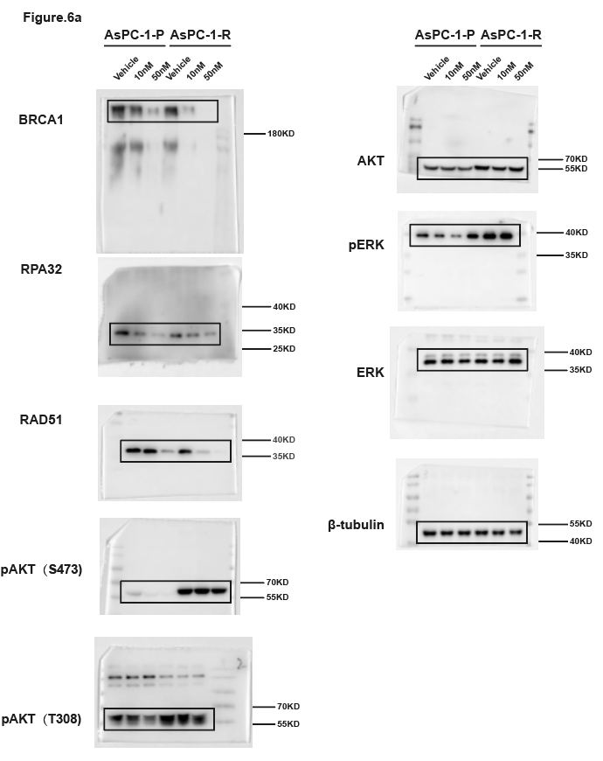
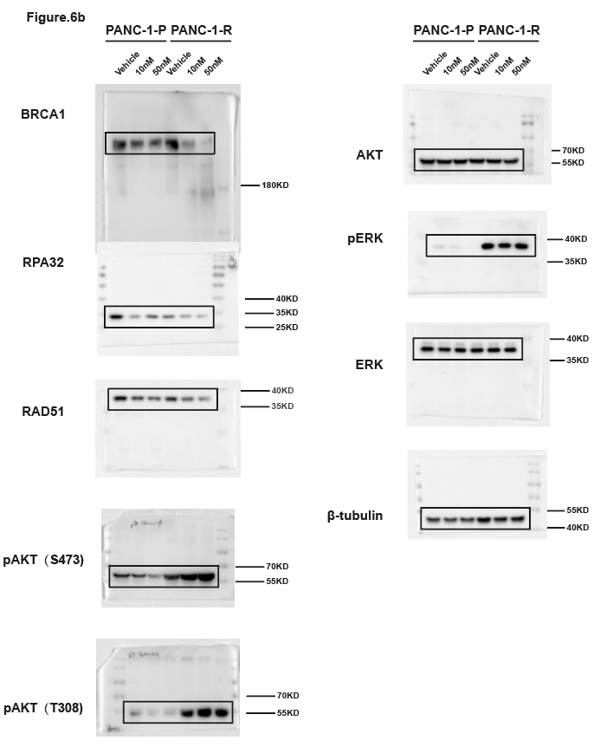
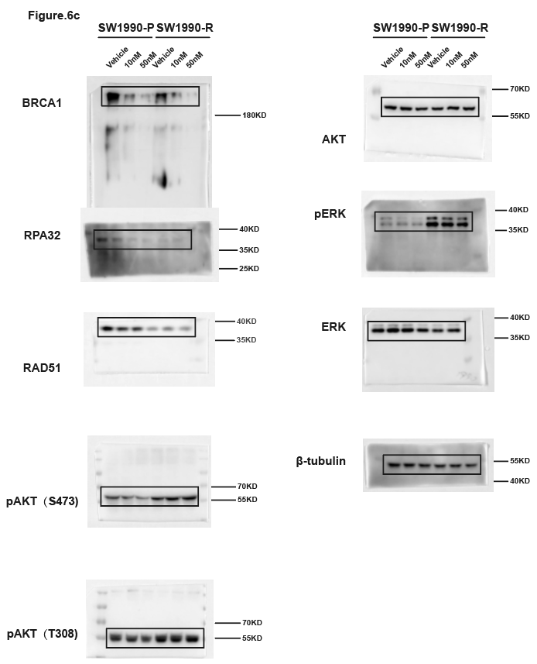
Fig.6h Foci per nucleus-Summary data |  |  |  |  |  |  |  |  |  |  |  |  |  |  |  |  |  |  | Fig.6i HR efficiency（%, normalized to vehicle of parental cell lines）-Replication 1 |  |  |  |  |  |  |  |  |  |  |  |  | Fig.6i HR efficiency（%, normalized to vehicle of parental cell lines）-Replication 2 |  |  |  |  |  |  |  |  |  |  |  |  | Fig.6i HR efficiency（%, normalized to vehicle of parental cell lines）-Replication 3
 | AsPC-1(foci per nucleus) |  |  |  |  |  | PANC-1(foci per nucleus) |  |  |  |  |  | SW1990(foci per nucleus) |  |  |  |  |  | AsPC-1 |  |  |  | PANC-1 |  |  |  | SW1990 |  |  |  |  | AsPC-1 |  |  |  | PANC-1 |  |  |  | SW1990 |  |  |  |  | AsPC-1 |  |  |  | PANC-1 |  |  |  | SW1990
 | BRCA1 |  | RPA32 |  | RAD51 |  | BRCA1 |  | RPA32 |  | RAD51 |  | BRCA1 |  | RPA32 |  | RAD51 |  | parental |  | resistant |  | parental |  | resistant |  | parental |  | resistant |  |  | parental |  | resistant |  | parental |  | resistant |  | parental |  | resistant |  |  | parental |  | resistant |  | parental |  | resistant |  | parental |  | resistant
Mean | Vehicle | MRTX1133 | Vehicle | MRTX1133 | Vehicle | MRTX1133 | Vehicle | MRTX1133 | Vehicle | MRTX1133 | Vehicle | MRTX1133 | Vehicle | MRTX1133 | Vehicle | MRTX1133 | Vehicle | MRTX1133 | Vehicle | MRTX1133 | Vehicle | MRTX1133 | Vehicle | MRTX1133 | Vehicle | MRTX1133 | Vehicle | MRTX1133 | Vehicle | MRTX1133 |  | Vehicle | MRTX1133 | Vehicle | MRTX1133 | Vehicle | MRTX1133 | Vehicle | MRTX1133 | Vehicle | MRTX1133 | Vehicle | MRTX1133 |  | Vehicle | MRTX1133 | Vehicle | MRTX1133 | Vehicle | MRTX1133 | Vehicle | MRTX1133 | Vehicle | MRTX1133 | Vehicle | MRTX1133
Replication 1 | 16.135802469 | 13.433333333 | 23.032679739 | 16.796052632 | 43.929936306 | 32.011627907 | 33.273333333 | 23.703947368 | 33.441558442 | 26.72 | 49.954545455 | 42.480225989 | 26.39869281 | 21.417218543 | 53.677631579 | 45.206896552 | 39.954022989 | 30.540983607 | 93.65327 | 70.16191 | 77.17439 | 60.35433 | 109.53 | 68.90722 | 88.73962 | 46.62722 | 107.8307 | 47.20784 | 82.09608 | 26.58982 |  | 105.62390824 | 52.356311527 | 90.99117137 | 48.554437829 | 101.78697397 | 78.617871101 | 93.304726142 | 69.779175533 | 103.40168218 | 68.804878744 | 88.931475928 | 40.754928177 |  | 97.213410197 | 65.149017029 | 94.744735679 | 59.17338012 | 104.79504364 | 55.580273428 | 84.397436934 | 40.801703615 | 100.78416519 | 66.411787864 | 99.0484379 | 47.534799561
Replication 2 | 19.522522523 | 11.561538462 | 19.483606557 | 15.496453901 | 38.536231884 | 17.514018692 | 37.456 | 19.518796992 | 38.521008403 | 25.46031746 | 47.467625899 | 26.523178808 | 31.586206897 | 19.595419847 | 64.503649635 | 39.495412844 | 37.5 | 24.480620155 | 115.8151 | 77.92584 | 84.49606 | 46.03296 | 92.30769 | 77.04326 | 88.07364 | 58.63812 | 92.89284 | 39.53791 | 104.3139 | 26.89003 |  | 101.30908082 | 50.852993118 | 88.90838465 | 46.627181013 | 101.18963258 | 76.04974254 | 91.01034763 | 69.800482152 | 101.86696334 | 59.630894912 | 87.152846409 | 40.019164167 |  | 102.72906468 | 66.497857961 | 94.466074691 | 56.229806364 | 100.21217001 | 55.297255976 | 82.205295715 | 40.711194068 | 100.13517625 | 65.681987997 | 96.771462316 | 47.436991331
Replication 3 | 16.581560284 | 8.5789473684 | 25.472440945 | 13.528985507 | 36.565891473 | 25.521008403 | 29.548387097 | 19.565891473 | 29.465648855 | 23.539007092 | 44.508474576 | 27.50877193 | 34.490322581 | 24.565217391 | 57.530612245 | 37.516393443 | 31.52173913 | 19.487394958 | 90.53149 | 78.61945 | 100.2313 | 64.90937 | 98.16257 | 76.60186 | 95.0223 | 57.37004 | 99.27642 | 45.75457 | 72.64214 | 13.36645 |  | 93.067104272 | 52.249524179 | 86.920304332 | 41.946284674 | 97.023392763 | 71.998922534 | 89.470285341 | 65.003766554 | 94.731354793 | 58.101897606 | 86.330649745 | 39.107046466 |  | 100.0575246 | 63.890098825 | 91.842017061 | 59.17338012 | 94.992786159 | 54.967123105 | 80.763097544 | 40.343631825 | 99.080659253 | 65.576896817 | 93.716982874 | 47.291031358

 |  |  |  |  |  |  |  |  |  |  |  |  |  |  |  |  |  |  | Fig.6i HR efficiency（%, normalized to vehicle of parental cell lines）-Summary data
 | Fig.6h Foci per nucleus-Replication 1 |  |  |  |  |  |  |  |  |  |  |  |  |  |  |  |  |  |  | AsPC-1 |  |  |  | PANC-1 |  |  |  | SW1990
 | AsPC-1(foci per nucleus) |  |  |  |  |  | PANC-1(foci per nucleus) |  |  |  |  |  | SW1990(foci per nucleus) |  |  |  |  |  |  | parental |  | resistant |  | parental |  | resistant |  | parental |  | resistant
 | BRCA1 |  | RPA32 |  | RAD51 |  | BRCA1 |  | RPA32 |  | RAD51 |  | BRCA1 |  | RPA32 |  | RAD51 |  | Mean | Vehicle | MRTX1133 | Vehicle | MRTX1133 | Vehicle | MRTX1133 | Vehicle | MRTX1133 | Vehicle | MRTX1133 | Vehicle | MRTX1133
 | Vehicle | MRTX1133 | Vehicle | MRTX1133 | Vehicle | MRTX1133 | Vehicle | MRTX1133 | Vehicle | MRTX1133 | Vehicle | MRTX1133 | Vehicle | MRTX1133 | Vehicle | MRTX1133 | Vehicle | MRTX1133 | Replication 1 | 100.0000 | 75.5691 | 87.3006 | 57.0989 | 100.0001 | 74.1841 | 90.6119 | 54.2118 | 100.0000 | 44.1668 | 86.3507 | 22.2821
 | 11 | 23 | 39 | 10 | 84 | 53 | 69 | 25 | 9 | 77 | 44 | 20 | 36 | 1 | 15 | 53 | 27 | 45 | Replication 2 | 100.0000 | 51.8196 | 88.9400 | 45.7093 | 100.0000 | 75.5555 | 91.2618 | 68.1945 | 100.0000 | 62.1792 | 87.4717 | 39.9604
 | 4 | 14 | 7 | 45 | 73 | 25 | 12 | 22 | 44 | 9 | 68 | 1 | 20 | 4 | 65 | 65 | 51 | 23 | Replication 3 | 100.0000 | 65.1790 | 93.6843 | 58.1922 | 100.0000 | 55.2816 | 82.4553 | 40.6188 | 100.0000 | 65.8902 | 96.5123 | 47.4209
 | 10 | 10 | 26 | 51 | 64 | 96 | 36 | 6 | 27 | 41 | 30 | 46 | 28 | 48 | 101 | 48 | 14 | 50
 | 32 | 16 | 37 | 23 | 45 | 73 | 54 | 63 | 53 | 61 | 6 | 45 | 6 | 43 | 27 | 54 | 2 | 82 | Fig.6j-l Matrix for synergy score of resistant cell lines-Summary data |  |  |  |  |  |  |  |  |  |  |  |  |  |  |  | Fig.6j-l Matrix for synergy score of resistant cell lines-Replication-1
 | 20 | 10 | 30 | 69 | 75 | 19 | 57 | 56 | 68 | 31 | 42 | 52 | 61 | 22 | 87 | 47 | 9 | 39 | Drug1: | Olaparib |  |  |  |  |  |  | Drug1: | Olaparib |  |  |  |  |  |  | Drug1: | Olaparib |  |  |  |  |  |  | Drug1: | Olaparib
 | 15 | 27 | 3 | 23 | 3 | 36 | 35 | 46 | 31 | 32 | 49 | 16 | 8 | 71 | 79 | 38 | 88 | 46 | Drug2: | MRTX1133 |  |  |  |  |  |  | Drug2: | MRTX1133 |  |  |  |  |  |  | Drug2: | MRTX1133 |  |  |  |  |  |  | Drug2: | MRTX1133
 | 40 | 41 | 32 | 39 | 3 | 30 | 49 | 39 | 11 | 61 | 49 | 24 | 9 | 8 | 60 | 61 | 56 | 42 | Cell | AsPC-1 |  |  |  |  |  |  | Cell | PANC-1 |  |  |  |  |  |  | Cell | AsPC-1 |  |  |  |  |  |  | Cell | PANC-1
 | 9 | 0 | 20 | 8 | 62 | 52 | 52 | 26 | 57 | 29 | 95 | 5 | 28 | 8 | 76 | 45 | 44 | 2 | ConcUnit: | nM |  |  |  |  |  |  | ConcUnit: | nM |  |  |  |  |  |  | ConcUnit: | nM |  |  |  |  |  |  | ConcUnit: | nM
 | 4 | 12 | 18 | 35 | 21 | 25 | 30 | 21 | 85 | 10 | 53 | 60 | 16 | 12 | 70 | 55 | 0 | 26 | Viability | 0 | 312.5 | 625 | 1250 | 2500 | 5000 |  | Viability | 0 | 312.5 | 625 | 1250 | 2500 | 5000 |  | Viability | 0 | 312.5 | 625 | 1250 | 2500 | 5000 |  | Viability | 0 | 312.5 | 625 | 1250 | 2500 | 5000
 | 24 | 8 | 17 | 7 | 60 | 30 | 54 | 17 | 27 | 44 | 75 | 63 | 25 | 34 | 67 | 15 | 38 | 29 | 0 | 99.9999826 | 98.277345001 | 94.43186107 | 93.074631447 | 89.072544097 | 89.316149414 |  | 0 | 99.999981238 | 70.450268208 | 57.073160024 | 31.181982893 | 22.851778077 | 6.8667904565 |  | 0 | 102.06456745 | 93.827738012 | 91.259050993 | 92.786724461 | 92.842964088 | 91.455350841 |  | 0 | 101.30652815 | 76.790677564 | 54.749049628 | 33.202982181 | 27.604105334 | 5.2000589468
 | 25 | 14 | 18 | 22 | 53 | 36 | 58 | 37 | 26 | 38 | 59 | 12 | 46 | 19 | 86 | 62 | 80 | 36 | 31.25 | 46.911423889 | 24.082125616 | 22.011480423 | 21.124061054 | 21.019658775 | 18.496603707 |  | 31.25 | 85.797357261 | 56.979351411 | 49.080666214 | 27.148212543 | 13.883674693 | 4.5028134141 |  | 31.25 | 46.476903489 | 26.373060895 | 22.531840851 | 18.391742369 | 19.385134883 | 20.809989958 |  | 31.25 | 87.549851574 | 55.028220613 | 45.086179831 | 25.104150523 | 17.871166335 | 3.1285823487
 | 5 | 12 | 20 | 9 | 84 | 20 | 60 | 38 | 60 | 64 | 16 | 28 | 33 | 26 | 39 | 82 | 56 | 25 | 62.5 | 37.25421311 | 22.098482321 | 18.757609404 | 17.574383578 | 16.478159652 | 17.278577122 |  | 62.5 | 87.148201286 | 48.461529369 | 38.123820239 | 21.350840272 | 13.395869907 | 3.7523445118 |  | 62.5 | 39.68932326 | 17.050392772 | 12.953656163 | 11.436902356 | 15.052013316 | 21.448899053 |  | 62.5 | 90.024018604 | 42.850577846 | 37.965033796 | 18.973011643 | 10.227430535 | 4.498123745
 | 25 | 3 | 4 | 16 | 71 | 54 | 10 | 16 | 27 | 51 | 37 | 6 | 16 | 46 | 75 | 49 | 51 | 15 | 125 | 41.186698941 | 21.211062953 | 18.548804846 | 17.661385477 | 18.25299839 | 16.63476307 |  | 125 | 55.121940878 | 37.035640331 | 33.958717831 | 17.429640257 | 13.846151248 | 3.1707311124 |  | 125 | 42.412638919 | 19.842972628 | 21.20996322 | 23.534153128 | 18.258898782 | 15.649698471 |  | 125 | 57.904647579 | 39.633054146 | 33.849839565 | 17.828412634 | 16.825584624 | 5.2217774892
 | 2 | 9 | 34 | 17 | 49 | 9 | 25 | 74 | 26 | 43 | 52 | 56 | 57 | 83 | 119 | 22 | 6 | 13 | 250 | 32.817116266 | 21.45466827 | 18.392201428 | 17.121973704 | 17.069772565 | 16.791366488 |  | 250 | 74.709179229 | 26.547837421 | 12.926826843 | 11.613506264 | 10.806752194 | 3.020637332 |  | 250 | 34.984463297 | 20.747604692 | 21.576197728 | 21.715891483 | 10.520989627 | 21.785777427 |  | 250 | 73.302024103 | 28.485907904 | 12.593954778 | 12.076067213 | 11.061024733 | 6.0716237958
 | 21 | 3 | 26 | 27 | 76 | 27 | 6 | 34 | 12 | 23 | 53 | 91 | 15 | 31 | 64 | 53 | 22 | 9 | 500 | 38.193833619 | 19.436224215 | 17.226375983 | 18.25299839 | 17.087172945 | 12.754478379 |  | 500 | 70.938072995 | 21.613504388 | 27.429638381 | 9.3245761117 | 7.7298296942 | 2.9268287192 |  | 500 | 41.442145259 | 16.509544918 | 21.582650205 | 18.212274435 | 15.944858694 | 14.080253178 |  | 500 | 76.511996317 | 25.535357491 | 29.364270331 | 14.588914679 | 10.328740526 | -1.5576521562
 | 7 | 8 | 3 | 27 | 84 | 42 | 19 | 34 | 72 | 29 | 54 | 0 | 55 | 6 | 54 | 43 | 121 | 60
 | 19 | 24 | 38 | 14 | 74 | 36 | 78 | 34 | 76 | 2 | 92 | 77 | 42 | 14 | 55 | 20 | 19 | 77
 | 14 | 12 | 68 | 27 | 34 | 97 | 62 | 30 | 62 | 16 | 13 | 21 | 18 | 14 | 73 | 37 | 23 | 99 | Drug1: | Olaparib |  |  |  |  |  |  |  |  |  |  |  |  |  |  | Drug1: | Olaparib
 | 7 | 29 | 28 | 22 | 63 | 21 | 13 | 57 | 36 | 14 | 69 | 67 | 22 | 15 | 80 | 11 | 20 | 58 | Drug2: | MRTX1133 |  |  |  |  |  |  |  |  |  |  |  |  |  |  | Drug2: | MRTX1133
 | 5 | 1 | 7 | 29 | 40 | 46 | 12 | 17 | 17 | 42 | 1 | 4 | 17 | 26 | 38 | 16 | 78 | 7 | Cell | SW1990 |  |  |  |  |  |  |  |  |  |  |  |  |  |  | Cell | SW1990
 | 11 | 14 | 63 | 38 | 35 | 39 | 16 | 17 | 21 | 10 | 28 | 52 | 51 | 1 | 32 | 55 | 23 | 31 | ConcUnit: | nM |  |  |  |  |  |  |  |  |  |  |  |  |  |  | ConcUnit: | nM
 | 3 | 7 | 27 | 3 | 2 | 66 | 68 | 6 | 32 | 12 | 55 | 2 | 20 | 11 | 41 | 51 | 41 | 17 | Viability | 0 | 312.5 | 625 | 1250 | 2500 | 5000 |  |  |  |  |  |  |  |  |  | Viability | 0 | 312.5 | 625 | 1250 | 2500 | 5000
 | 5 | 31 | 23 | 19 | 49 | 55 | 1 | 6 | 48 | 4 | 5 | 84 | 46 | 9 | 83 | 30 | 3 | 42 | 0 | 100 | 81.74151381 | 74.994729074 | 35.294117647 | 36.179633144 | 33.565254059 |  |  |  |  |  |  |  |  |  | 0 | 99.12340978 | 80.748408035 | 71.756636461 | 33.379317489 | 30.303144314 | 31.194931707
 | 16 | 24 | 21 | 24 | 42 | 63 | 2 | 31 | 33 | 32 | 20 | 7 | 39 | 53 | 89 | 3 | 100 | 8 | 31.25 | 80.560826481 | 57.221168037 | 43.601096353 | 34.788108792 | 29.833438752 | 29.222011385 |  |  |  |  |  |  |  |  |  | 31.25 | 80.424884468 | 63.46549988 | 40.89907364 | 36.503810123 | 23.825413023 | 29.675749541
 | 36 | 6 | 11 | 28 | 18 | 44 | 112 | 8 | 47 | 27 | 66 | 51 | 13 | 16 | 47 | 43 | 5 | 28 | 62.5 | 78.979548809 | 53.911026776 | 45.814885094 | 32.511068944 | 26.923887835 | 25.300442758 |  |  |  |  |  |  |  |  |  | 62.5 | 79.624959176 | 51.486682773 | 40.170470653 | 32.000824137 | 28.629858635 | 22.452502903
 | 10 | 9 | 15 | 37 | 16 | 48 | 11 | 8 | 2 | 15 | 47 | 12 | 17 | 27 | 28 | 55 | 56 | 66 | 125 | 75.374235716 | 45.96247101 | 40.396373603 | 32.236980814 | 29.981024668 | 24.478178368 |  |  |  |  |  |  |  |  |  | 125 | 79.916416047 | 52.341245268 | 39.144653175 | 30.873265103 | 26.746822657 | 25.572411528
 | 50 | 12 | 33 | 9 | 22 | 0 | 16 | 3 | 1 | 9 | 105 | 38 | 58 | 46 | 29 | 29 | 30 | 13 | 250 | 68.71178579 | 45.920303605 | 37.044064938 | 27.071473751 | 24.478178368 | 18.869913557 |  |  |  |  |  |  |  |  |  | 250 | 68.053935153 | 47.341433464 | 35.426947507 | 24.268757408 | 26.237632704 | 15.501445377
 | 31 | 7 | 11 | 35 | 18 | 58 | 39 | 1 | 29 | 9 | 86 | 14 | 20 | 44 | 48 | 37 | 29 | 39 | 500 | 64.010120177 | 29.432848408 | 26.101623445 | 3.3523086654 | 3.4155597723 | 3.3733923677 |  |  |  |  |  |  |  |  |  | 500 | 64.866363633 | 32.303519142 | 25.525613265 | 2.6921777002 | 3.2262545612 | 9.3066963191
 | 20 | 9 | 47 | 26 | 1 | 69 | 40 | 7 | 42 | 15 | 65 | 2 | 13 | 9 | 113 | 54 | 79 | 67
 | 13 | 19 | 14 | 27 | 2 | 65 | 9 | 24 | 1 | 0 | 74 | 24 | 22 | 47 | 125 | 62 | 90 | 6
 | 33 | 7 | 16 | 9 | 28 | 13 | 41 | 59 | 8 | 1 | 82 | 11 | 15 | 63 | 48 | 41 | 42 | 34 | Fig.6j-l Matrix for synergy score of resistant cell lines-Replication-2 |  |  |  |  |  |  |  |  |  |  |  |  |  |  |  | Fig.6j-l Matrix for synergy score of resistant cell lines-Replication-3
 | 28 | 30 | 6 | 16 | 94 | 63 | 14 | 86 | 6 | 53 | 65 | 2 | 42 | 10 | 100 | 53 | 16 | 34 | Drug1: | Olaparib |  |  |  |  |  |  | Drug1: | Olaparib |  |  |  |  |  |  | Drug1: | Olaparib |  |  |  |  |  |  | Drug1: | Olaparib
 | 8 | 4 | 17 | 8 | 93 | 46 | 27 | 19 | 67 | 58 | 92 | 6 | 45 | 40 | 70 | 105 | 99 | 30 | Drug2: | MRTX1133 |  |  |  |  |  |  | Drug2: | MRTX1133 |  |  |  |  |  |  | Drug2: | MRTX1133 |  |  |  |  |  |  | Drug2: | MRTX1133
 | 5 | 7 | 17 | 32 | 83 | 28 | 66 | 35 | 35 | 16 | 74 | 21 | 4 | 20 | 11 | 1 | 8 | 6 | Cell | AsPC-1 |  |  |  |  |  |  | Cell | PANC-1 |  |  |  |  |  |  | Cell | AsPC-1 |  |  |  |  |  |  | Cell | PANC-1
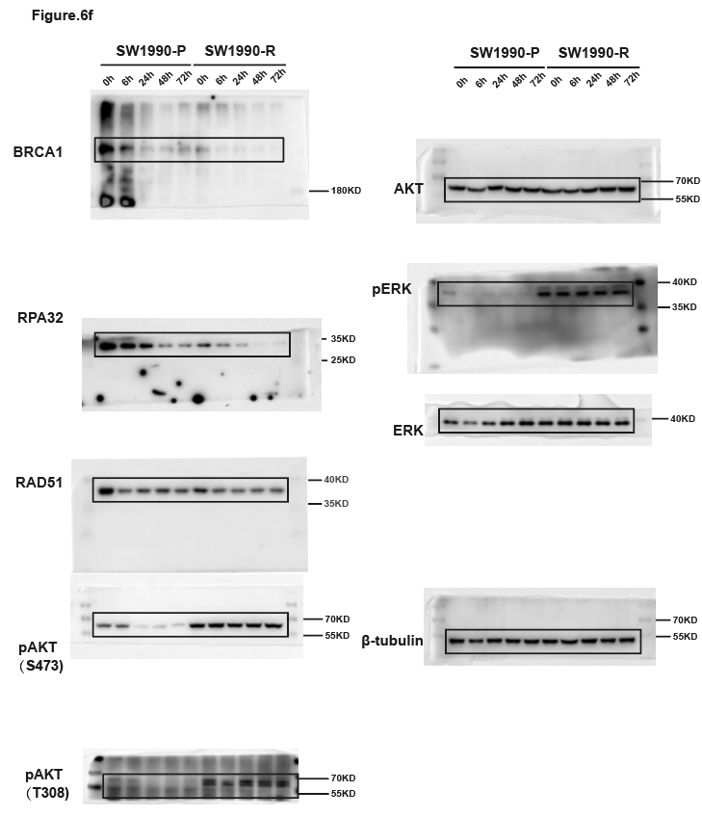
 | 1 | 55 | 24 | 10 | 101 | 31 | 51 | 36 | 76 | 26 | 40 | 32 | 16 | 15 | 71 | 16 | 12 | 27 | ConcUnit: | nM |  |  |  |  |  |  | ConcUnit: | nM |  |  |  |  |  |  | ConcUnit: | nM |  |  |  |  |  |  | ConcUnit: | nM
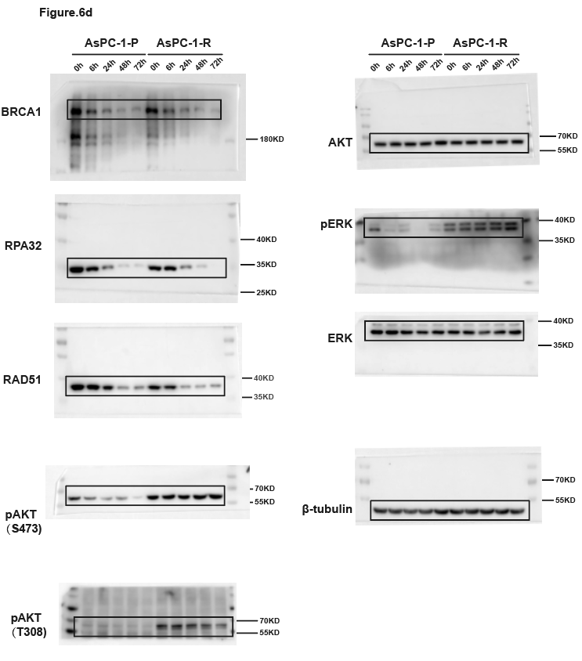
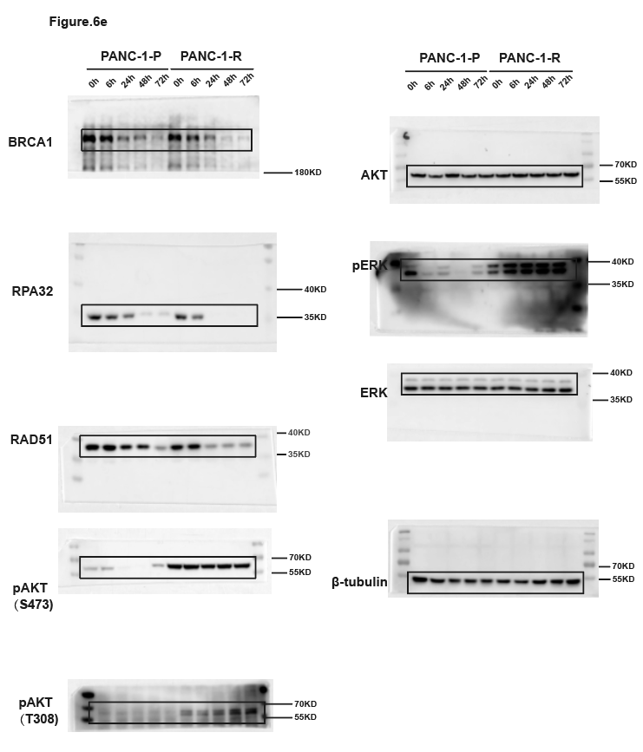
 | 2 | 15 | 32 | 39 | 69 | 37 | 37 | 44 | 10 | 42 | 51 | 1 | 2 | 11 | 25 | 104 | 30 | 21 | Viability | 0 | 312.5 | 625 | 1250 | 2500 | 5000 |  | Viability | 0 | 312.5 | 625 | 1250 | 2500 | 5000 |  | Viability | 0 | 312.5 | 625 | 1250 | 2500 | 5000 |  | Viability | 0 | 312.5 | 625 | 1250 | 2500 | 5000
 | 23 | 3 | 27 | 4 | 44 | 40 | 24 | 42 | 49 | 28 | 42 | 78 | 4 | 28 | 77 | 24 | 33 | 29 | 0 | 101.40682252 | 100.26218148 | 97.394887661 | 92.536864384 | 91.913958371 | 85.969998026 |  | 0 | 100.79273294 | 67.931607552 | 53.888991617 | 31.25594292 | 19.99819638 | 7.1777593268 |  | 0 | 96.528557827 | 100.74211552 | 94.641644555 | 93.900305495 | 82.460709833 | 90.523099376 |  | 0 | 97.900682622 | 66.628519509 | 62.581438826 | 29.087023577 | 20.953032516 | 8.2225530959
 | 18 | 2 | 36 | 12 | 60 | 3 | 23 | 11 | 73 | 95 | 21 | 98 | 36 | 61 | 85 | 21 | 74 | 48 | 31.25 | 45.744234502 | 21.414292952 | 21.040277379 | 21.077183565 | 22.331197136 | 13.442167198 |  | 31.25 | 81.456594924 | 61.846953367 | 46.704785483 | 24.303939075 | 12.964055812 | 10.589171445 |  | 31.25 | 48.513133676 | 24.459023002 | 22.462323037 | 23.903257228 | 21.342644306 | 21.237653964 |  | 31.25 | 88.385625286 | 54.062880253 | 55.451033327 | 32.03654803 | 10.815801933 | -0.20931355094
 | 19 | 3 | 23 | 7 | 46 | 43 | 59 | 64 | 29 | 24 | 71 | 83 | 13 | 10 | 33 | 24 | 65 | 44 | 62.5 | 36.848542494 | 22.914723674 | 19.718598227 | 19.493656034 | 16.833711549 | 14.140467683 |  | 62.5 | 87.47001113 | 51.086014573 | 32.400281766 | 17.970952691 | 16.230967323 | 2.473503476 |  | 62.5 | 35.224773577 | 26.330330519 | 23.600573821 | 21.792592345 | 17.548754092 | 16.246364631 |  | 62.5 | 83.950574122 | 51.44799569 | 44.006145157 | 27.108556482 | 13.729211864 | 4.2854063143
 | 7 | 0 | 17 | 21 | 58 | 4 | 18 | 23 | 12 | 3 | 25 | 71 | 1 | 12 | 59 | 20 | 33 | 30 | 125 | 41.808096764 | 22.430470406 | 16.264983705 | 13.841402104 | 17.310272177 | 15.410879407 |  | 125 | 56.686233947 | 33.083009431 | 29.211540606 | 20.63346806 | 11.325148669 | -1.4874324342 |  | 125 | 39.33936114 | 21.359745824 | 18.171467614 | 15.608601201 | 19.189824211 | 18.843711333 |  | 125 | 50.774941107 | 38.390857416 | 38.814773324 | 13.827040077 | 13.387720452 | 5.7778482824
 | 7 | 13 | 14 | 27 | 73 | 42 | 61 | 47 | 31 | 23 | 107 | 29 | 30 | 22 | 20 | 30 | 27 | 37 | 250 | 33.384670624 | 22.684008196 | 13.765854559 | 18.180768634 | 19.231839348 | 12.646474599 |  | 250 | 79.035476439 | 26.198510626 | 14.57304465 | 9.6097223498 | 8.5538212608 | 1.7738271574 |  | 250 | 30.082214878 | 20.932391921 | 19.834551998 | 11.469260996 | 21.456488719 | 15.94184744 |  | 250 | 71.790037145 | 24.959093732 | 11.613481101 | 13.154729229 | 12.805410588 | 1.2164610427
 | 4 | 24 | 8 | 36 | 52 | 26 | 24 | 27 | 60 | 14 | 82 | 17 | 15 | 22 | 26 | 42 | 48 | 17 | 500 | 37.289923823 | 22.752844171 | 17.681927805 | 16.764868414 | 17.434734707 | 10.977556908 |  | 500 | 69.383297353 | 20.668619445 | 27.260673976 | 6.4001250673 | 9.9207841119 | 2.414301066 |  | 500 | 35.849431774 | 19.046283555 | 12.414549939 | 19.781852321 | 17.881925433 | 13.205625051 |  | 500 | 66.918925314 | 18.636536227 | 25.663970837 | 6.9846885883 | 2.9399644443 | 7.9238372478
 | 3 | 26 | 9 | 33 | 59 | 0 | 9 | 37 | 31 | 37 | 77 | 88 | 18 | 24 | 47 | 116 | 50 | 39
 | 5 | 12 | 21 | 24 | 40 | 62 | 23 | 5 | 66 | 72 | 52 | 42 | 10 | 8 | 25 | 52 | 19 | 24
 | 3 | 37 | 19 | 7 | 24 | 47 | 21 | 8 | 68 | 31 | 127 | 110 | 71 | 7 | 44 | 11 | 77 | 7 | Drug1: | Olaparib |  |  |  |  |  |  |  |  |  |  |  |  |  |  | Drug1: | Olaparib
 | 10 | 17 | 18 | 8 | 15 | 28 | 14 | 33 | 22 | 7 | 64 | 55 | 21 | 10 | 63 | 57 | 104 | 39 | Drug2: | MRTX1133 |  |  |  |  |  |  |  |  |  |  |  |  |  |  | Drug2: | MRTX1133
 | 2 | 0 | 1 | 10 | 26 | 36 | 29 | 15 | 1 | 1 | 48 | 54 | 36 | 17 | 32 | 51 | 66 | 0 | Cell | SW1990 |  |  |  |  |  |  |  |  |  |  |  |  |  |  | Cell | SW1990
 | 7 | 24 | 29 | 12 | 22 | 21 | 20 | 50 | 16 | 3 | 86 | 19 | 27 | 10 | 35 | 32 | 62 | 26 | ConcUnit: | nM |  |  |  |  |  |  |  |  |  |  |  |  |  |  | ConcUnit: | nM
 | 16 | 34 | 8 | 8 | 15 | 22 | 35 | 30 | 10 | 4 | 8 | 122 | 15 | 9 | 7 | 37 | 40 | 19 | Viability | 0 | 312.5 | 625 | 1250 | 2500 | 5000 |  |  |  |  |  |  |  |  |  | Viability | 0 | 312.5 | 625 | 1250 | 2500 | 5000
 | 24 | 20 | 24 | 29 | 36 | 60 | 41 | 17 | 27 | 11 | 77 | 64 | 40 | 3 | 55 | 3 | 56 | 32 | 0 | 100.69228813 | 81.355066 | 81.808482457 | 40.217787591 | 42.835208157 | 31.068068867 |  |  |  |  |  |  |  |  |  | 0 | 100.18430209 | 83.121067394 | 71.419068305 | 32.285247862 | 35.40054696 | 38.432761602
 | 35 | 21 | 24 | 29 | 84 | 86 | 53 | 72 | 11 | 0 | 76 | 23 | 26 | 2 | 2 | 30 | 83 | 9 | 31.25 | 83.332561061 | 57.685984229 | 49.239061031 | 31.040527492 | 33.291900873 | 29.996383974 |  |  |  |  |  |  |  |  |  | 31.25 | 77.925033915 | 50.512020003 | 40.665154387 | 36.819988761 | 32.38300236 | 27.993900641
 | 26 | 37 | 34 | 5 | 73 | 17 | 54 | 32 | 56 | 25 | 23 | 8 | 2 | 51 | 70 | 68 | 20 | 10 | 62.5 | 79.832179247 | 55.188445969 | 49.600732008 | 28.088307701 | 31.15084466 | 31.009326783 |  |  |  |  |  |  |  |  |  | 62.5 | 77.481508003 | 55.057951586 | 47.673452621 | 37.444074994 | 20.990960209 | 22.439498588
 | 19 | 23 | 10 | 30 | 64 | 31 | 17 | 15 | 11 | 0 | 43 | 68 | 11 | 1 | 50 | 86 | 11 | 11 | 125 | 71.887943014 | 40.764034326 | 36.339805585 | 33.121601883 | 34.940323556 | 24.687610137 |  |  |  |  |  |  |  |  |  | 125 | 74.318348087 | 44.782133436 | 45.70466205 | 32.716075456 | 28.25592779 | 23.174513439
 | 19 | 53 | 16 | 15 | 45 | 54 | 55 | 1 | 19 | 3 | 13 | 36 | 53 | 46 | 46 | 58 | 17 | 12 | 250 | 68.112382323 | 41.132513954 | 38.180235211 | 27.701072277 | 23.243631437 | 24.41143581 |  |  |  |  |  |  |  |  |  | 250 | 69.969039892 | 49.286963399 | 37.525012096 | 29.244591567 | 23.953270963 | 16.696859484
 | 18 | 10 | 20 | 14 | 75 | 58 | 26 | 42 | 19 | 35 | 49 | 3 | 79 | 7 | 145 | 60 | 12 | 0 | 500 | 61.84754621 | 32.574247805 | 25.896156769 | 8.9791689692 | 1.7613529276 | -2.947060851 |  |  |  |  |  |  |  |  |  | 500 | 65.316450688 | 23.420778278 | 26.883100301 | -1.6144206732 | 5.2590718281 | 3.760541635
 | 27 | 32 | 32 | 32 | 3 | 41 | 48 | 23 | 0 | 3 | 77 | 2 | 7 | 41 | 32 | 91 | 30 | 18
 | 19 | 13 | 31 | 24 | 3 | 49 | 38 | 8 | 33 | 24 | 5 | 59 | 36 | 12 | 43 | 41 | 134 | 4
 | 40 | 40 | 11 | 32 | 62 | 47 | 8 | 6 | 33 | 42 | 29 | 66 | 31 | 47 | 31 | 23 | 63 | 19
 | 10 | 0 | 27 | 29 | 21 | 31 | 25 | 14 | 35 | 44 | 24 | 20 | 24 | 47 | 25 | 7 | 57 | 38
 | 29 | 0 | 70 | 16 | 60 | 9 | 61 | 28 | 2 | 6 | 55 | 1 | 47 | 3 | 21 | 18 | 48 | 36
 | 6 | 21 | 14 | 7 | 53 | 7 | 30 | 1 | 39 | 9 | 73 | 0 | 11 | 22 | 43 | 64 | 51 | 34
 | 10 | 1 | 4 | 25 | 84 | 30 | 52 | 20 | 38 | 42 | 81 | 7 | 22 | 8 | 56 | 59 | 22 | 6
 | 31 | 12 | 7 | 10 | 71 | 36 | 31 | 1 | 35 | 5 | 2 | 4 | 14 | 9 | 71 | 49 | 105 | 23
 | 7 | 19 | 22 | 4 | 49 | 29 | 5 | 21 | 81 | 63 | 67 | 72 | 14 | 5 | 65 | 32 | 41 | 5
 | 16 | 19 | 31 | 14 | 76 | 30 | 48 | 1 | 62 | 77 | 1 | 84 | 29 | 6 | 70 | 23 | 21 | 52
 | 20 | 51 | 28 | 29 | 84 | 41 | 46 | 0 | 61 | 61 | 48 | 130 | 42 | 12 | 29 | 61 | 16 | 34
 | 12 | 17 | 25 | 5 | 74 | 35 | 20 | 36 | 10 | 41 | 71 | 24 | 16 | 8 | 68 | 56 | 7 | 29
 | 7 | 28 | 28 | 50 | 34 | 23 | 82 | 23 | 40 | 30 | 46 | 117 | 27 | 18 | 22 | 13 | 14 | 25
 | 16 | 22 | 9 | 8 | 63 | 31 | 21 | 23 | 38 | 51 | 21 | 58 | 53 | 29 | 95 | 70 | 20 | 2
 | 5 | 0 | 41 | 23 | 40 | 42 | 17 | 11 | 39 | 66 | 0 | 45 | 38 | 15 | 162 | 39 | 54 | 23
 | 15 | 26 | 29 | 10 | 35 | 15 | 55 | 0 | 71 | 82 | 38 | 128 | 69 | 22 | 99 | 55 | 7 | 19
 | 25 | 8 | 33 | 33 | 2 | 13 | 41 | 25 | 29 | 36 | 30 | 84 | 31 | 3 | 94 | 24 | 32 | 43
 | 10 | 24 | 17 | 9 | 49 | 30 | 46 | 12 | 32 | 42 | 12 | 11 | 21 | 6 | 139 | 73 | 0 | 26
 | 16 | 29 | 16 | 9 | 42 | 27 | 19 | 9 | 84 | 23 | 43 | 97 | 18 | 2 | 73 | 45 | 30 | 35
 | 35 | 0 | 10 | 30 | 18 | 19 | 15 | 1 | 36 | 4 | 46 | 112 | 25 | 23 | 49 | 57 | 19 | 11
 | 2 | 28 | 12 | 22 | 16 | 80 | 10 | 20 | 49 | 62 | 53 | 115 | 28 | 35 | 26 | 42 | 102 | 20
 | 10 | 16 | 4 | 26 | 22 | 3 | 17 | 16 | 6 | 45 | 100 | 59 | 14 | 8 | 22 | 60 | 44 | 1
 | 14 | 9 | 11 | 37 | 18 | 63 | 20 | 7 | 57 | 39 | 48 | 38 | 32 | 7 | 13 | 24 | 106 | 11
 | 8 | 7 | 18 | 26 | 1 | 9 | 17 | 7 | 44 | 11 | 72 | 45 | 59 | 4 | 15 | 10 | 22 | 3
 | 15 | 11 | 15 | 30 | 2 | 43 | 17 | 5 | 1 | 11 | 32 | 45 | 5 | 7 | 9 | 16 | 13 | 12
 | 12 | 0 | 21 | 18 | 28 | 28 | 22 | 0 | 2 | 32 | 3 | 87 | 26 | 42 | 81 | 81 | 61 | 57
 | 41 | 11 | 25 | 11 | 94 | 9 | 24 | 8 | 25 | 37 | 40 | 0 | 11 | 35 | 90 | 34 | 22 | 45
 | 1 | 20 | 53 | 32 | 93 | 49 | 59 | 22 | 7 | 37 | 34 | 0 | 7 | 2 | 56 | 97 | 10 | 87
 | 7 | 17 | 43 | 36 | 83 | 6 | 35 | 34 | 26 | 2 | 48 | 10 | 7 | 7 | 112 | 58 | 30 | 32
 | 6 | 22 | 21 | 4 | 101 | 20 | 41 | 22 | 3 | 28 | 83 | 71 | 14 | 4 | 34 | 54 | 53 | 44
 | 3 | 10 | 39 | 24 | 69 | 19 | 5 | 18 | 3 | 12 | 38 | 30 | 1 | 31 | 10 | 9 | 17 | 34
 | 24 | 8 | 21 | 7 | 44 | 38 | 37 | 18 | 6 | 8 | 70 | 13 | 10 | 5 | 59 | 50 | 11 | 43
 | 15 | 5 | 56 | 12 | 60 | 23 | 58 | 25 | 36 | 28 | 52 | 40 | 25 | 81 | 5 | 4 | 30 | 35
 | 7 | 14 | 31 | 11 | 46 | 39 | 38 | 33 | 6 | 51 | 9 | 29 | 1 | 29 | 59 | 39 | 54 | 28
 | 13 | 10 | 16 | 9 | 58 | 25 | 19 | 45 | 28 | 64 | 17 | 6 | 8 | 9 | 27 | 58 | 17 | 52
 | 22 | 19 | 9 | 4 | 73 | 14 | 35 | 20 | 19 | 61 | 43 | 80 | 35 | 21 | 61 | 66 | 5 | 24
 | 18 | 5 | 37 | 9 | 52 | 24 | 6 | 26 | 24 | 59 | 31 | 30 | 78 | 48 | 35 | 43 | 12 | 22
 | 31 | 40 | 8 | 9 | 59 | 13 | 43 | 1 | 57 | 17 | 31 | 35 | 19 | 23 | 57 | 1 | 56 | 2
 | 46 | 8 | 19 | 5 | 40 | 23 | 59 | 32 | 68 | 31 | 65 | 59 | 13 | 15 | 52 | 86 | 3 | 51
 | 1 | 7 | 5 | 4 | 24 | 38 | 48 | 47 | 36 | 72 | 6 | 67 | 51 | 26 | 37 | 70 | 3 | 54
 | 27 | 14 | 0 | 9 | 15 | 3 | 48 | 11 | 71 | 24 | 61 | 57 | 30 | 55 | 30 | 50 | 3 | 23
 | 9 | 3 | 8 | 2 | 26 | 26 | 43 | 41 | 39 | 36 | 33 | 75 | 8 | 19 | 40 | 25 | 41 | 16
 | 6 | 1 | 9 | 1 | 22 | 3 | 5 | 10 | 7 | 77 | 34 | 98 | 48 | 23 | 58 | 54 | 83 | 10
 | 13 | 9 | 9 | 9 | 15 | 39 | 12 | 5 | 71 | 35 | 32 | 106 | 26 | 74 | 62 | 26 | 59 | 32
 | 11 | 1 | 10 | 1 | 36 | 13 | 23 | 35 | 53 | 10 | 28 | 87 | 60 | 16 | 68 | 19 | 54 | 24
 | 15 | 15 | 1 | 6 | 52 | 1 | 56 | 49 | 84 | 32 | 93 | 5 | 2 | 27 | 14 | 0 | 9 | 21
 | 17 | 3 | 25 | 14 | 59 | 3 | 56 | 45 | 36 | 20 | 69 | 23 | 56 | 17 | 61 | 10 | 25 | 41
 | 20 | 13 | 72 | 4 | 40 | 2 | 67 | 17 | 19 | 0 | 73 | 22 | 20 | 33 | 56 | 16 | 124 | 21
 | 11 | 2 | 32 | 11 | 24 | 66 | 10 | 60 | 56 | 50 | 101 | 2 | 33 | 12 | 115 | 86 | 22 | 12
 | 33 | 1 | 10 | 5 | 15 | 66 | 30 | 30 | 0 | 6 | 34 | 19 | 20 | 46 | 16 | 35 | 26 | 11
 | 2 | 0 | 1 | 1 | 26 | 74 | 18 | 24 | 27 | 47 | 64 | 70 | 18 | 44 | 52 | 49 | 23 | 41
 | 21 | 4 | 14 | 9 | 22 | 15 | 42 | 44 | 63 | 2 | 53 | 0 | 18 | 23 | 25 | 22 | 4 | 34
 | 29 | 3 | 5 | 16 | 15 | 59 | 8 | 57 | 78 | 7 | 79 | 85 | 27 | 56 | 18 | 37 | 6 | 26
 | 2 | 2 | 5 | 8 | 36 | 17 | 20 | 47 | 53 | 27 | 33 | 1 | 18 | 51 | 34 | 127 | 4 | 20
 | 39 | 1 | 17 | 8 | 84 | 12 | 16 | 55 | 17 | 13 | 74 | 4 | 53 | 11 | 28 | 65 | 64 | 20
 | 60 | 4 | 11 | 35 | 73 | 2 | 44 | 36 | 29 | 61 | 43 | 50 | 15 | 33 | 53 | 34 | 4 | 60
 | 15 | 19 | 23 | 7 | 64 | 48 | 7 | 18 | 56 | 3 | 25 | 0 | 36 | 6 | 46 | 76 | 8 | 6
 | 30 | 5 | 26 | 22 | 45 | 30 | 9 | 5 | 39 | 38 | 25 | 10 | 18 | 24 | 55 | 79 | 59 | 31
 | 6 | 6 | 5 | 9 | 75 | 27 | 21 | 36 | 3 | 80 | 43 | 9 | 11 | 25 | 109 | 57 | 33 | 5
 | 20 | 44 | 51 | 16 | 3 | 0 | 28 | 0 | 23 | 44 | 6 | 1 | 54 | 10 | 66 | 48 | 32 | 6
 | 40 | 18 | 35 | 17 | 3 | 61 | 29 | 1 | 0 | 15 | 99 | 19 | 23 | 21 | 134 | 24 | 82 | 29
 | 10 | 25 | 25 | 7 | 62 | 12 | 27 | 13 | 68 | 2 | 64 | 62 | 53 | 13 | 44 | 64 | 93 | 22
 | 19 | 3 | 7 | 25 | 21 | 67 | 41 | 49 | 55 | 0 | 6 | 14 | 8 | 19 | 26 | 98 | 45 | 35
 | 19 | 21 | 42 | 10 | 60 | 36 | 51 | 49 | 76 | 2 | 58 | 95 | 46 | 20 | 62 | 44 | 19 | 12
 | 6 | 8 | 20 | 4 | 44 | 9 | 62 | 35 | 38 | 13 | 35 | 52 | 9 | 41 | 29 | 7 | 102 | 13
 | 5 | 11 | 7 | 14 | 60 | 107 | 41 | 0 | 35 | 0 | 56 | 59 | 20 | 18 | 43 | 67 | 11 | 14
 | 18 | 30 | 23 | 38 | 46 | 17 | 71 | 0 | 36 | 31 | 9 | 80 | 7 | 16 | 42 | 46 | 15 | 15
 | 36 | 29 | 19 | 68 | 58 | 38 | 61 | 53 | 32 | 13 | 3 | 68 | 20 | 7 | 22 | 49 | 33 | 3
 | 30 | 11 | 26 | 28 | 73 | 27 | 1 | 54 | 63 | 16 | 74 | 13 | 107 | 35 | 42 | 27 | 36 | 21
 | 22 | 24 | 45 | 4 | 52 | 19 | 14 | 11 | 34 | 34 | 1 | 2 | 2 | 39 | 44 | 47 | 53 | 7
 | 5 | 4 | 21 | 9 | 59 | 12 | 51 | 22 | 37 | 32 | 1 | 19 | 43 | 16 | 22 | 114 | 8 | 22
 | 22 | 5 | 39 | 2 | 40 | 16 | 68 | 0 | 4 | 13 | 9 | 48 | 11 | 36 | 38 | 9 | 36 | 41
 | 8 | 5 | 29 | 1 | 24 | 50 | 48 | 45 | 44 | 16 | 72 | 43 | 18 | 14 | 58 | 50 | 30 | 9
 | 2 | 26 | 6 | 9 | 15 | 1 | 57 | 1 | 43 | 37 | 58 | 14 | 48 | 20 | 31 | 27 | 9 | 69
 | 15 | 13 | 47 | 1 | 26 | 112 | 4 | 14 | 39 | 20 | 62 | 90 | 19 | 36 | 44 | 63 | 53 | 79
 | 22 | 0 | 31 | 14 | 22 | 1 | 59 | 1 | 7 | 5 | 34 | 59 | 55 | 2 | 59 | 44 | 22 | 65
 | 20 | 24 | 23 | 4 | 15 | 47 | 62 | 4 | 34 | 22 | 95 | 3 | 3 | 18 | 46 | 91 | 80 | 8
 | 52 | 5 | 23 | 11 | 36 | 4 | 0 | 10 | 19 | 21 | 160 | 47 | 4 | 7 | 112 | 37 | 107 | 89
 | 9 | 2 | 34 | 5 | 52 | 0 | 27 | 7 | 0 | 8 | 69 | 37 | 12 | 18 | 43 | 77 | 69 | 37
 | 5 | 12 | 31 | 1 | 59 | 77 | 65 | 10 | 26 | 5 | 39 | 9 | 2 | 20 | 38 | 60 | 65 | 32
 | 4 | 3 | 12 | 9 | 40 | 69 | 63 | 4 | 38 | 32 | 22 | 8 | 9 | 10 | 44 | 7 | 43 | 28
 | 3 | 1 | 58 | 16 | 24 | 2 | 2 | 8 | 19 | 0 | 90 | 36 | 51 | 9 | 104 | 37 | 59 | 5
 | 10 | 2 | 46 | 8 | 15 | 9 | 7 | 9 | 53 | 0 | 71 | 66 | 3 | 54 | 70 | 75 | 4 | 43
 | 13 | 17 | 38 | 8 | 61 | 36 | 36 | 2 | 39 | 2 | 64 | 23 | 19 | 0 | 52 | 39 | 23 | 22
 | 18 | 1 | 30 | 8 | 12 | 76 | 4 | 22 | 0 | 15 | 73 | 18 | 5 | 4 | 46 | 53 | 14 | 46
 | 37 | 0 | 26 | 19 | 67 | 32 | 5 | 27 | 2 | 26 | 81 | 6 | 7 | 1 | 51 | 22 | 20 | 29
 | 25 | 12 | 57 | 5 | 36 | 56 | 20 | 24 | 26 | 13 | 67 | 73 | 51 | 14 | 104 | 8 | 15 | 38
 | 13 | 2 | 6 | 0 | 9 | 36 | 3 | 30 | 40 | 1 | 78 | 92 | 59 | 9 | 67 | 37 | 33 | 14
 | 63 | 3 | 31 | 8 | 107 | 14 | 16 | 3 | 47 | 4 | 57 | 98 | 19 | 9 | 46 | 42 | 137 | 23
 | 4 | 6 | 26 | 9 | 17 | 28 | 6 | 50 | 2 | 6 | 83 | 32 | 19 | 2 | 33 | 36 | 66 | 4
 | 6 | 4 | 6 | 9 | 38 | 58 | 9 | 36 | 23 | 18 | 35 | 89 | 26 | 3 | 68 |  | 60 | 14
 | 42 | 10 | 14 | 10 | 27 | 29 | 62 | 2 | 18 | 19 | 20 | 49 | 4 | 5 | 36 |  | 51 | 6
 | 3 | 1 | 4 | 1 | 19 | 33 | 47 | 29 | 41 | 23 | 36 | 52 | 32 | 7 | 34 |  | 54 | 15
 | 6 | 6 | 21 | 8 | 12 | 5 | 23 | 4 | 22 | 11 | 43 | 102 | 13 | 1 | 37 |  | 25 | 60
 | 5 | 1 | 8 | 19 | 16 | 65 | 21 | 2 | 30 | 1 | 54 | 63 | 36 | 4 | 19 |  | 108 | 48
 | 14 |  | 37 | 5 | 50 | 4 |  | 25 | 0 |  | 34 | 68 | 5 | 1 | 5 |  | 44 | 4
 | 1 |  | 42 | 0 | 1 | 10 |  | 0 | 15 |  | 17 | 78 | 55 |  | 0 |  | 24 | 77
 | 2 |  | 36 |  | 112 | 28 |  |  | 7 |  | 71 | 19 | 37 |  |  |  | 19 | 47
 | 7 |  |  |  | 1 | 18 |  |  | 18 |  | 43 | 128 |  |  |  |  | 10 | 67
 | 36 |  |  |  | 47 | 26 |  |  |  |  |  | 10 |  |  |  |  | 17 | 46
 | 4 |  |  |  | 4 | 11 |  |  |  |  |  | 92 |  |  |  |  | 23 | 69
 | 5 |  |  |  | 0 | 15 |  |  |  |  |  | 16 |  |  |  |  | 57 | 31
 | 20 |  |  |  |  | 35 |  |  |  |  |  | 79 |  |  |  |  | 10 | 55
 | 3 |  |  |  |  | 3 |  |  |  |  |  | 49 |  |  |  |  | 35 | 70
 | 16 |  |  |  |  | 26 |  |  |  |  |  | 23 |  |  |  |  | 3 | 25
 | 6 |  |  |  |  | 39 |  |  |  |  |  | 81 |  |  |  |  | 33 | 5
 | 9 |  |  |  |  | 1 |  |  |  |  |  | 23 |  |  |  |  | 22 | 54
 |  |  |  |  |  | 32 |  |  |  |  |  | 35 |  |  |  |  | 105 | 57
 |  |  |  |  |  | 30 |  |  |  |  |  | 1 |  |  |  |  | 5 | 90
 |  |  |  |  |  | 6 |  |  |  |  |  | 30 |  |  |  |  | 109 | 19
 |  |  |  |  |  | 8 |  |  |  |  |  | 32 |  |  |  |  | 25 | 6
 |  |  |  |  |  | 6 |  |  |  |  |  | 62 |  |  |  |  | 16 | 35
 |  |  |  |  |  | 9 |  |  |  |  |  | 4 |  |  |  |  | 64 | 71
 |  |  |  |  |  | 5 |  |  |  |  |  | 68 |  |  |  |  | 25 | 64
 |  |  |  |  |  | 9 |  |  |  |  |  | 7 |  |  |  |  | 13 | 64
 |  |  |  |  |  | 34 |  |  |  |  |  | 4 |  |  |  |  | 33 | 24
 |  |  |  |  |  | 1 |  |  |  |  |  | 32 |  |  |  |  | 56 | 15
 |  |  |  |  |  |  |  |  |  |  |  | 19 |  |  |  |  | 20 | 14
 |  |  |  |  |  |  |  |  |  |  |  | 40 |  |  |  |  | 14 | 44
 |  |  |  |  |  |  |  |  |  |  |  | 19 |  |  |  |  |  | 37
 |  |  |  |  |  |  |  |  |  |  |  | 5 |  |  |  |  |  | 29
 |  |  |  |  |  |  |  |  |  |  |  | 30 |  |  |  |  |  | 23
 |  |  |  |  |  |  |  |  |  |  |  |  |  |  |  |  |  | 23
 |  |  |  |  |  |  |  |  |  |  |  |  |  |  |  |  |  | 63
 |  |  |  |  |  |  |  |  |  |  |  |  |  |  |  |  |  | 9
 |  |  |  |  |  |  |  |  |  |  |  |  |  |  |  |  |  | 34
 |  |  |  |  |  |  |  |  |  |  |  |  |  |  |  |  |  | 8
 |  |  |  |  |  |  |  |  |  |  |  |  |  |  |  |  |  | 9

 | Fig.6h Foci per nucleus-Replication 2
 | AsPC-1(foci per nucleus) |  |  |  |  |  | PANC-1(foci per nucleus) |  |  |  |  |  | SW1990(foci per nucleus)
 | BRCA1 |  | RPA32 |  | RAD51 |  | BRCA1 |  | RPA32 |  | RAD51 |  | BRCA1 |  | RPA32 |  | RAD51
 | Vehicle | MRTX1133 | Vehicle | MRTX1133 | Vehicle | MRTX1133 | Vehicle | MRTX1133 | Vehicle | MRTX1133 | Vehicle | MRTX1133 | Vehicle | MRTX1133 | Vehicle | MRTX1133 | Vehicle | MRTX1133
 | 16 | 15 | 25 | 21 | 59 | 20 | 32 | 16 | 38 | 48 | 79 | 31 | 52 | 13 | 33 | 27 | 56 | 34
 | 7 | 0 | 3 | 14 | 47 | 16 | 19 | 0 | 24 | 32 | 73 | 25 | 39 | 30 | 79 | 22 | 46 | 20
 | 17 | 2 | 27 | 1 | 14 | 24 | 34 | 6 | 21 | 43 | 58 | 36 | 54 | 23 | 96 | 45 | 33 | 7
 | 30 | 18 | 18 | 1 | 46 | 4 | 53 | 30 | 10 | 10 | 16 | 9 | 62 | 0 | 105 | 62 | 19 | 11
 | 10 | 22 | 6 | 5 | 47 | 23 | 24 | 15 | 9 | 12 | 56 | 36 | 54 | 0 | 13 | 40 | 45 | 35
 | 12 | 13 | 23 | 13 | 33 | 22 | 26 | 25 | 13 | 31 | 58 | 34 | 40 | 4 | 64 | 39 | 21 | 32
 | 30 | 5 | 14 | 23 | 55 | 11 | 53 | 12 | 25 | 16 | 41 | 19 | 5 | 25 | 104 | 60 | 71 | 19
 | 25 | 12 | 28 | 4 | 24 | 13 | 46 | 13 | 74 | 15 | 68 | 21 | 49 | 38 | 26 | 32 | 43 | 25
 | 4 | 0 | 18 | 21 | 25 | 6 | 14 | 38 | 47 | 39 | 29 | 12 | 20 | 39 | 51 | 23 | 30 | 22
 | 12 | 18 | 24 | 23 | 23 | 10 | 26 | 38 | 47 | 17 | 31 | 16 | 33 | 26 | 68 | 37 | 49 | 0
 | 15 | 17 | 23 | 10 | 43 | 13 | 30 | 30 | 28 | 11 | 27 | 21 | 11 | 24 | 61 | 55 | 15 | 44
 | 0 | 5 | 28 | 1 | 59 | 22 | 6 | 17 | 33 | 46 | 53 | 34 | 40 | 21 | 43 | 53 | 65 | 22
 | 23 | 15 | 28 | 21 | 55 | 6 | 44 | 23 | 49 | 11 | 74 | 12 | 40 | 20 | 79 | 51 | 25 | 19
 | 29 | 21 | 13 | 8 | 63 | 28 | 52 | 33 | 38 | 33 | 68 | 42 | 24 | 40 | 52 | 73 | 37 | 2
 | 13 | 8 | 2 | 30 | 8 | 17 | 28 | 29 | 34 | 1 | 78 | 27 | 38 | 8 | 64 | 4 | 7 | 14
 | 37 | 0 | 8 | 20 | 19 | 12 | 64 | 38 | 42 | 39 | 9 | 20 | 20 | 18 | 73 | 20 | 54 | 38
 | 16 | 2 | 23 | 27 | 12 | 20 | 32 | 0 | 39 | 46 | 23 | 31 | 23 | 16 | 97 | 72 | 30 | 15
 | 28 | 18 | 19 | 6 | 40 | 22 | 50 | 33 | 39 | 29 | 13 | 34 | 40 | 10 | 59 | 38 | 66 | 38
 | 7 | 8 | 10 | 7 | 35 | 7 | 19 | 18 | 71 | 10 | 50 | 13 | 26 | 17 | 84 | 80 | 42 | 3
 | 2 | 15 | 9 | 19 | 31 | 19 | 11 | 3 | 45 | 13 | 43 | 29 | 60 | 3 | 67 | 34 | 54 | 7
 | 39 | 6 | 2 | 10 | 39 | 22 | 67 | 11 | 38 | 13 | 38 | 34 | 22 | 6 | 78 | 48 | 31 | 30
 | 18 | 7 | 2 | 9 | 42 | 21 | 35 | 0 | 27 | 30 | 48 | 32 | 59 | 0 | 31 | 7 | 47 | 32
 | 29 | 23 | 4 | 24 | 41 | 15 | 52 | 12 | 35 | 36 | 51 | 23 | 24 | 34 | 75 | 26 | 68 | 12
 | 12 | 23 | 12 | 11 | 42 | 1 | 26 | 25 | 56 | 39 | 51 | 4 | 30 | 40 | 27 | 22 | 38 | 37
 | 11 | 18 | 40 | 7 | 46 | 23 | 24 | 12 | 34 | 8 | 51 | 36 | 31 | 42 | 30 | 66 | 14 | 42
 | 0 | 9 | 24 | 29 | 16 | 16 | 8 | 8 | 44 | 25 | 57 | 25 | 19 | 26 | 77 | 60 | 34 | 21
 | 35 | 13 | 24 | 7 | 38 | 5 | 61 | 33 | 35 | 17 | 18 | 10 | 34 | 41 | 13 | 52 | 17 | 28
 | 10 | 20 | 13 | 21 | 16 | 13 | 23 | 30 | 34 | 19 | 46 | 21 | 25 | 22 | 30 | 68 | 9 | 33
 | 25 | 18 | 16 | 1 | 50 | 15 | 46 | 23 | 31 | 20 | 19 | 24 | 11 | 8 | 74 | 6 | 30 | 18
 | 23 | 23 | 25 | 24 | 33 | 2 | 42 | 31 | 37 | 35 | 61 | 6 | 12 | 19 | 61 | 51 | 12 | 34
 | 20 | 0 | 19 | 29 | 27 | 23 | 38 | 5 | 67 | 11 | 40 | 35 | 50 | 2 | 101 | 23 | 46 | 46
 | 20 | 20 | 17 | 18 | 7 | 5 | 38 | 10 | 19 | 46 | 33 | 10 | 7 | 15 | 53 | 11 | 43 | 17
 | 16 | 10 | 21 | 6 | 40 | 29 | 33 | 20 | 36 | 43 | 7 | 44 | 52 | 22 | 59 | 46 | 57 | 10
 | 22 | 0 | 19 | 8 | 30 | 26 | 42 | 16 | 70 | 45 | 49 | 39 | 53 | 29 | 70 | 36 | 54 | 27
 | 4 | 6 | 19 | 8 | 24 | 29 | 14 | 18 | 39 | 35 | 36 | 44 | 41 | 47 | 88 | 45 | 14 | 21
 | 3 | 0 | 38 | 18 | 28 | 30 | 13 | 17 | 53 | 46 | 29 | 44 | 0 | 31 | 92 | 12 | 22 | 6
 | 16 | 6 | 23 | 23 | 42 | 17 | 32 | 0 | 35 | 31 | 34 | 27 | 6 | 4 | 48 | 64 | 35 | 9
 | 23 | 15 | 19 | 24 | 59 | 14 | 42 | 24 | 59 | 38 | 51 | 22 | 8 | 15 | 98 | 47 | 33 | 44
 | 34 | 6 | 12 | 5 | 60 | 15 | 60 | 23 | 41 | 26 | 73 | 23 | 47 | 23 | 84 | 64 | 28 | 14
 | 0 | 4 | 17 | 15 | 60 | 34 | 5 | 15 | 42 | 31 | 75 | 50 | 39 | 35 | 61 | 66 | 37 | 27
 | 11 | 20 | 29 | 10 | 41 | 24 | 24 | 25 | 26 | 23 | 74 | 36 | 31 | 44 | 88 | 40 | 19 | 22
 | 14 | 18 | 17 | 12 | 62 | 22 | 29 | 0 | 37 | 30 | 50 | 34 | 35 | 25 | 43 | 5 | 51 | 18
 | 10 | 13 | 23 | 13 | 5 | 4 | 24 | 36 | 30 | 24 | 77 | 9 | 25 | 10 | 104 | 40 | 65 | 23
 | 28 | 19 | 17 | 22 | 37 | 28 | 50 | 0 | 64 | 41 | 5 | 42 | 37 | 18 | 79 | 56 | 38 | 2
 | 25 | 1 | 17 | 7 | 45 | 3 | 46 | 19 | 60 | 38 | 45 | 7 | 28 | 10 | 75 | 1 | 13 | 17
 | 4 | 4 | 15 | 28 | 45 | 28 | 14 | 27 | 27 | 37 | 56 | 42 | 20 | 6 | 56 | 54 | 41 | 30
 | 14 | 12 | 19 | 27 | 44 | 21 | 30 | 22 | 16 | 45 | 55 | 32 | 11 | 0 | 63 | 70 | 41 | 24
 | 3 | 9 | 36 | 28 | 42 | 30 | 12 | 10 | 14 | 7 | 55 | 45 | 8 | 42 | 41 | 18 | 22 | 15
 | 16 | 10 | 8 | 22 | 43 | 24 | 32 | 12 | 47 | 27 | 51 | 36 | 0 | 9 | 62 | 14 | 53 | 20
 | 31 | 10 | 18 | 29 | 26 | 26 | 54 | 9 | 37 | 47 | 52 | 39 | 13 | 25 | 39 | 6 | 32 | 22
 | 35 | 0 | 37 | 19 | 34 | 9 | 61 | 11 | 56 | 23 | 31 | 15 | 45 | 34 | 73 | 52 | 22 | 17
 | 9 | 14 | 20 | 23 | 44 | 3 | 22 | 3 | 28 | 9 | 42 | 7 | 35 | 19 | 29 | 74 | 23 | 22
 | 34 | 14 | 27 | 16 | 45 | 27 | 60 | 0 | 35 | 25 | 54 | 40 | 18 | 11 | 41 | 34 | 46 | 32
 | 24 | 8 | 17 | 19 | 42 | 20 | 44 | 0 | 24 | 41 | 55 | 30 | 11 | 31 | 100 | 6 | 57 | 20
 | 17 | 15 | 31 | 14 | 44 | 29 | 34 | 35 | 49 | 17 | 51 | 43 | 35 | 23 | 45 | 75 | 34 | 25
 | 25 | 0 | 20 | 19 | 45 | 19 | 45 | 42 | 26 | 10 | 54 | 29 | 41 | 6 | 35 | 47 | 21 | 36
 | 33 | 22 | 21 | 15 | 36 | 19 | 58 | 35 | 51 | 48 | 55 | 30 | 55 | 25 | 60 | 48 | 42 | 38
 | 21 | 0 | 12 | 25 | 26 | 9 | 40 | 8 | 68 | 12 | 44 | 16 | 17 | 33 | 71 | 14 | 39 | 36
 | 10 | 11 | 18 | 23 | 44 | 14 | 24 | 30 | 38 | 15 | 31 | 23 | 52 | 35 | 61 | 57 | 25 | 39
 | 24 | 16 | 14 | 23 | 38 | 15 | 45 | 31 | 15 | 0 | 54 | 24 | 28 | 16 | 61 | 64 | 24 | 6
 | 32 | 13 | 34 | 28 | 55 | 26 | 56 | 8 | 56 | 11 | 46 | 40 | 24 | 42 | 53 | 26 | 37 | 19
 | 2 | 5 | 32 | 4 | 49 | 30 | 11 | 25 | 61 | 17 | 68 | 45 | 15 | 0 | 25 | 23 | 55 | 15
 | 23 | 6 | 13 | 17 | 43 | 12 | 43 | 6 | 60 | 50 | 60 | 20 | 39 | 22 | 23 | 45 | 17 | 16
 | 34 | 4 | 6 | 29 | 21 | 14 | 59 | 21 | 36 | 20 | 53 | 22 | 24 | 7 | 103 | 27 | 68 | 7
 | 39 | 6 | 5 | 14 | 39 | 23 | 67 | 43 | 53 | 41 | 25 | 36 | 34 | 31 | 107 | 50 | 37 | 41
 | 38 | 0 | 24 | 6 | 34 | 16 | 65 | 38 | 58 | 27 | 48 | 25 | 39 | 3 | 48 | 49 | 21 | 9
 | 21 | 0 | 18 | 15 | 64 | 18 | 40 | 11 | 74 | 24 | 41 | 28 | 46 | 10 | 29 | 64 | 39 | 36
 | 13 | 0 | 29 | 25 | 57 | 24 | 28 | 36 | 19 | 14 | 79 | 36 | 38 | 33 | 91 | 26 | 30 | 15
 | 26 | 22 | 13 | 10 | 60 | 21 | 47 | 27 | 33 | 6 | 70 | 32 | 19 | 27 | 55 | 28 | 24 | 7
 | 18 | 26 | 17 | 6 | 59 | 16 | 35 | 1 | 66 | 21 | 75 | 26 | 60 | 24 | 56 | 32 | 41 | 27
 | 23 | 22 | 11 | 30 | 43 | 19 | 43 | 31 | 37 | 14 | 73 | 30 | 29 | 10 | 75 | 38 | 36 | 33
 | 14 | 4 | 25 | 7 | 45 | 6 | 30 | 16 | 12 | 13 | 53 | 11 | 36 | 4 | 38 | 7 | 30 | 11
 | 19 | 18 | 12 | 9 | 33 | 9 | 37 | 0 | 31 | 46 | 55 | 15 | 3 | 28 | 68 | 61 | 28 | 9
 | 28 | 19 | 26 | 0 | 42 | 20 | 50 | 23 | 70 | 8 | 40 | 30 | 21 | 26 | 110 | 54 | 15 | 35
 | 31 | 3 | 36 | 7 | 28 | 17 | 56 | 39 | 41 | 19 | 52 | 27 | 23 | 39 | 94 | 47 | 63 | 28
 | 14 | 15 | 19 | 11 | 36 | 10 | 30 | 19 | 49 | 17 | 35 | 17 | 38 | 0 | 77 | 25 | 43 | 45
 | 17 | 2 | 6 | 31 | 51 | 19 | 34 | 11 | 38 | 30 | 44 | 29 | 56 | 26 | 80 | 41 | 53 | 21
 | 38 | 12 | 29 | 13 | 46 | 4 | 66 | 16 | 22 | 33 | 62 | 8 | 52 | 21 | 111 | 29 | 13 | 33
 | 20 | 27 | 32 | 26 | 48 | 27 | 39 | 10 | 41 | 49 | 56 | 40 | 23 | 25 | 92 | 71 | 36 | 33
 | 34 | 24 | 32 | 16 | 29 | 31 | 60 | 33 | 19 | 5 | 59 | 46 | 48 | 19 | 25 | 10 | 17 | 23
 | 32 | 5 | 17 | 15 | 29 | 22 | 56 | 35 | 45 | 42 | 35 | 34 | 25 | 11 | 19 | 73 | 15 | 24
 | 37 | 22 | 28 | 9 | 32 | 23 | 64 | 16 | 49 | 7 | 36 | 36 | 16 | 27 | 55 | 35 | 46 | 41
 | 11 | 16 | 31 | 4 | 33 | 8 | 25 | 10 | 37 | 39 | 39 | 14 | 56 | 33 | 64 | 23 | 9 | 43
 | 21 | 0 | 40 | 13 | 43 | 15 | 40 | 34 | 69 | 21 | 41 | 24 | 31 | 8 | 102 | 32 | 28 | 44
 | 21 | 19 | 8 | 9 | 63 | 23 | 40 | 6 | 21 | 24 | 53 | 36 | 40 | 20 | 98 | 32 | 48 | 36
 | 9 | 9 | 16 | 8 | 39 | 20 | 21 | 0 | 32 | 35 | 78 | 31 | 39 | 38 | 80 | 34 | 39 | 14
 | 37 | 0 | 35 | 28 | 7 | 29 | 64 | 28 | 57 | 19 | 48 | 43 | 32 | 24 | 69 | 26 | 33 | 11
 | 21 | 13 | 18 | 5 | 43 | 7 | 40 | 28 | 38 | 35 | 7 | 13 | 31 | 8 | 94 | 65 | 23 | 32
 | 23 | 24 | 4 | 12 | 34 | 7 | 43 | 5 | 16 | 15 | 53 | 13 | 12 | 33 | 80 | 33 | 67 | 45
 | 1 | 11 | 15 | 10 | 25 | 13 | 10 | 26 | 73 | 27 | 41 | 21 | 44 | 11 | 64 | 35 | 46 | 38
 | 19 | 6 | 38 | 18 | 65 | 23 | 37 | 26 | 28 | 32 | 30 | 35 | 54 | 1 | 22 | 35 | 10 | 37
 | 5 | 9 | 20 | 20 | 24 | 18 | 15 | 33 | 16 | 24 | 82 | 29 | 13 | 7 | 61 | 50 | 45 | 10
 | 27 | 5 | 25 | 30 | 40 | 26 | 48 | 41 | 32 | 8 | 29 | 39 | 55 | 0 | 87 | 49 | 47 | 17
 | 24 | 20 | 19 | 3 | 14 | 13 | 44 | 15 | 14 | 41 | 49 | 22 | 20 | 24 | 42 | 25 | 26 | 27
 | 15 | 21 | 10 | 26 | 39 | 19 | 30 | 5 | 52 | 14 | 16 | 29 | 28 | 26 | 36 | 51 | 28 | 19
 | 27 | 9 | 20 | 4 | 57 | 6 | 49 | 29 | 18 | 44 | 48 | 11 | 30 | 26 | 48 | 19 | 56 | 36
 | 10 | 5 | 8 | 24 | 51 | 14 | 23 | 7 | 29 | 41 | 71 | 22 | 31 | 30 | 58 | 33 | 60 | 40
 | 13 | 21 | 23 | 13 | 18 | 9 | 28 | 1 | 48 | 33 | 63 | 16 | 27 | 37 | 73 | 62 | 9 | 29
 | 36 | 2 | 26 | 15 | 17 | 9 | 62 | 12 | 15 | 23 | 21 | 16 | 33 | 20 | 109 | 4 | 29 | 26
 | 0 | 0 | 19 | 22 | 23 | 26 | 6 | 0 | 30 | 31 | 21 | 39 | 28 | 0 | 76 | 52 | 42 | 22
 | 23 | 17 | 37 | 12 | 64 | 29 | 43 | 21 | 53 | 11 | 27 | 43 | 0 | 10 | 14 | 15 | 24 | 33
 | 15 | 17 | 9 | 22 | 53 | 16 | 31 | 29 | 58 | 17 | 80 | 25 | 24 | 3 | 23 | 57 | 58 | 41
 | 25 | 2 | 15 | 9 | 30 | 12 | 46 | 24 | 37 | 1 | 66 | 20 | 6 | 22 | 20 | 52 | 35 | 16
 | 23 | 15 | 30 | 16 | 31 | 8 | 42 | 25 | 47 | 7 | 36 | 14 | 48 | 31 | 22 | 57 | 54 | 28
 | 21 | 16 | 19 | 20 | 44 | 28 | 40 | 24 | 43 | 36 | 38 | 42 | 56 | 0 | 74 | 17 | 43 | 21
 | 26 | 20 | 6 | 15 | 51 | 23 | 48 | 43 | 51 | 37 | 54 | 35 | 25 | 29 | 91 | 15 | 39 | 2
 | 11 | 25 | 39 | 5 | 29 | 22 | 24 | 31 | 37 | 31 | 63 | 33 | 49 | 0 | 78 | 62 | 49 | 20
 | 5 | 8 | 13 | 25 | 31 |  | 16 | 20 | 9 | 20 | 35 | 23 | 56 | 30 | 82 | 19 | 63 | 6
 | 15 | 2 | 6 | 9 | 53 |  | 30 | 22 | 9 | 38 | 38 | 5 | 40 | 0 | 79 | 28 | 42 | 44
 | 25 | 17 | 15 | 27 | 61 |  | 46 | 35 | 16 | 7 | 65 | 10 | 46 | 18 | 100 |  | 61 | 27
 | 24 | 2 | 5 | 25 | 24 |  | 45 | 25 | 34 | 31 | 76 | 44 | 48 | 16 | 23 |  | 54 | 38
 |  | 0 | 27 | 21 | 23 |  | 43 | 2 | 56 | 11 | 29 | 17 | 43 | 0 | 67 |  | 19 | 31
 |  | 6 | 7 | 14 | 60 |  | 15 | 43 | 16 | 16 | 28 | 26 | 23 | 8 | 45 |  | 7 | 34
 |  | 0 | 14 | 19 | 28 |  | 19 | 22 | 50 | 13 | 75 | 23 | 48 | 33 | 65 |  | 65 | 9
 |  | 12 | 25 | 7 | 38 |  | 49 | 39 | 55 | 33 | 34 | 28 | 9 | 10 | 68 |  | 41 | 25
 |  | 17 | 5 | 11 | 42 |  | 56 | 22 | 29 | 15 | 47 | 15 | 59 | 33 | 102 |  | 8 | 40
 |  | 14 | 14 | 0 | 64 |  | 40 | 25 | 8 | 1 | 52 | 27 | 36 | 3 | 39 |  | 43 | 35
 |  | 15 | 27 | 4 | 26 |  | 26 | 0 | 52 | 27 | 80 | 1 | 19 | 33 | 90 |  | 51 | 18
 |  | 14 | 30 | 23 | 37 |  | 38 | 28 | 23 | 39 | 31 | 42 | 31 | 45 | 108 |  | 17 | 47
 |  | 27 | 18 | 23 | 50 |  | 11 | 16 |  | 17 | 46 | 39 | 43 | 9 | 71 |  | 60 | 25
 |  | 19 | 24 | 19 | 13 |  | 50 | 1 |  | 16 | 61 | 27 | 20 | 10 | 36 |  | 34 | 17
 |  | 11 | 22 | 13 | 12 |  | 47 | 23 |  | 18 | 15 | 11 | 4 | 23 | 94 |  | 39 | 33
 |  | 12 |  | 23 | 41 |  | 25 | 11 |  | 38 | 14 | 9 | 9 | 11 | 21 |  | 60 | 11
 |  | 21 |  | 4 | 26 |  | 43 | 29 |  | 46 | 50 | 34 | 11 | 46 | 80 |  | 14 | 26
 |  | 15 |  | 19 | 50 |  | 56 | 17 |  | 32 | 31 | 31 | 52 | 20 | 56 |  | 42 | 25
 |  | 0 |  | 7 | 31 |  |  | 24 |  | 15 | 62 | 27 | 29 | 10 | 34 |  | 36 | 10
 |  | 27 |  | 10 | 54 |  |  | 23 |  |  | 38 | 44 | 35 | 11 | 39 |  | 37 | 19
 |  | 13 |  | 8 | 14 |  |  | 29 |  |  | 66 | 8 | 17 | 0 | 39 |  | 50 | 20
 |  | 24 |  | 21 | 14 |  |  | 29 |  |  | 16 | 27 | 41 | 35 | 52 |  | 37 | 24
 |  | 13 |  | 9 | 24 |  |  | 11 |  |  | 16 | 27 | 31 | 6 | 110 |  | 27
 |  |  |  | 1 | 57 |  |  | 0 |  |  | 29 | 40 | 45 | 23 | 76 |  | 45
 |  |  |  | 17 | 33 |  |  | 4 |  |  | 70 | 32 | 12 |  | 37 |  | 25
 |  |  |  | 24 | 54 |  |  | 23 |  |  | 41 | 27 | 25 |  | 35 |  | 58
 |  |  |  | 11 | 47 |  |  |  |  |  | 67 | 19 | 21 |  | 103 |  | 50
 |  |  |  | 10 | 50 |  |  |  |  |  | 58 | 27 | 19 |  | 83 |  | 69
 |  |  |  | 11 | 49 |  |  |  |  |  | 62 | 17 | 61 |  | 81 |  | 20
 |  |  |  | 24 | 23 |  |  |  |  |  | 60 | 8 | 5 |  | 109 |  | 43
 |  |  |  | 29 | 43 |  |  |  |  |  | 28 | 20 | 24 |  |  |  | 62
 |  |  |  | 20 |  |  |  |  |  |  | 54 | 15 | 21
 |  |  |  | 9 |  |  |  |  |  |  |  | 14 | 45
 |  |  |  | 31 |  |  |  |  |  |  |  | 43 | 48
 |  |  |  |  |  |  |  |  |  |  |  | 43 | 20
 |  |  |  |  |  |  |  |  |  |  |  | 35 | 14
 |  |  |  |  |  |  |  |  |  |  |  | 23 | 51
 |  |  |  |  |  |  |  |  |  |  |  | 19 | 54
 |  |  |  |  |  |  |  |  |  |  |  | 47
 |  |  |  |  |  |  |  |  |  |  |  | 10
 |  |  |  |  |  |  |  |  |  |  |  | 19
 |  |  |  |  |  |  |  |  |  |  |  | 17
 |  |  |  |  |  |  |  |  |  |  |  | 30
 |  |  |  |  |  |  |  |  |  |  |  | 23

 | Fig.6h Foci per nucleus-Replication 3
 | AsPC-1(foci per nucleus) |  |  |  |  |  | PANC-1(foci per nucleus) |  |  |  |  |  | SW1990(foci per nucleus)
 | BRCA1 |  | RPA32 |  | RAD51 |  | BRCA1 |  | RPA32 |  | RAD51 |  | BRCA1 |  | RPA32 |  | RAD51
 | Vehicle | MRTX1133 | Vehicle | MRTX1133 | Vehicle | MRTX1133 | Vehicle | MRTX1133 | Vehicle | MRTX1133 | Vehicle | MRTX1133 | Vehicle | MRTX1133 | Vehicle | MRTX1133 | Vehicle | MRTX1133
 | 12 | 0 | 34 | 23 | 43 | 42 | 51 | 25 | 20 | 27 | 19 | 15 | 57 | 30 | 80 | 49 | 61 | 3
 | 3 | 17 | 22 | 21 | 44 | 32 | 37 | 21 | 32 | 40 | 28 | 41 | 42 | 26 | 37 | 68 | 32 | 32
 | 14 | 8 | 38 | 21 | 34 | 45 | 53 | 20 | 27 | 23 | 43 | 16 | 58 | 25 | 95 | 33 | 16 | 4
 | 27 | 0 | 26 | 26 | 23 | 36 | 60 | 41 | 15 | 23 | 41 | 42 | 66 | 47 | 71 | 7 | 34 | 28
 | 6 | 3 | 27 | 1 | 43 | 39 | 53 | 7 | 39 | 38 | 34 | 3 | 58 | 12 | 67 | 70 | 26 | 10
 | 8 | 0 | 16 | 14 | 36 | 14 | 39 | 17 | 21 | 17 | 45 | 7 | 44 | 22 | 50 | 45 | 19 | 2
 | 27 | 3 | 23 | 27 | 55 | 5 | 3 | 16 | 30 | 10 | 24 | 32 | 7 | 21 | 56 | 46 | 36 | 20
 | 22 | 12 | 19 | 11 | 48 | 40 | 47 | 9 | 35 | 21 | 61 | 35 | 52 | 14 | 35 | 15 | 31 | 25
 | 0 | 4 | 41 | 3 | 42 | 30 | 18 | 16 | 52 | 34 | 76 | 13 | 22 | 21 | 55 | 54 | 25 | 7
 | 8 | 1 | 39 | 13 | 18 | 44 | 31 | 2 | 26 | 33 | 46 | 40 | 36 | 6 | 33 | 60 | 23 | 5
 | 11 | 17 | 17 | 23 | 37 | 29 | 9 | 6 | 43 | 31 | 18 | 46 | 14 | 10 | 65 | 25 | 12 | 27
 | 0 | 15 | 9 | 7 | 32 | 30 | 39 | 0 | 32 | 48 | 49 | 23 | 44 | 0 | 24 | 23 | 56 | 21
 | 20 | 10 | 8 | 3 | 65 | 14 | 38 | 35 | 39 | 0 | 49 | 30 | 43 | 41 | 35 | 43 | 37 | 36
 | 27 | 16 | 30 | 28 | 57 | 22 | 22 | 41 | 7 | 8 | 28 | 36 | 27 | 47 | 92 | 26 | 46 | 15
 | 9 | 0 | 23 | 4 | 61 | 23 | 37 | 43 | 37 | 47 | 64 | 20 | 42 | 50 | 39 | 48 | 9 | 25
 | 34 | 2 | 36 | 6 | 60 | 40 | 18 | 26 | 4 | 21 | 40 | 37 | 23 | 32 | 30 | 46 | 31 | 25
 | 12 | 9 | 18 | 0 | 42 | 46 | 21 | 42 | 6 | 53 | 28 | 50 | 26 | 49 | 53 | 60 | 13 | 17
 | 25 | 6 | 22 | 3 | 44 | 19 | 38 | 22 | 38 | 19 | 29 | 18 | 44 | 27 | 64 | 26 | 11 | 18
 | 3 | 8 | 15 | 8 | 31 | 21 | 24 | 7 | 0 | 29 | 55 | 11 | 29 | 12 | 54 | 27 | 40 | 33
 | 0 | 7 | 31 | 29 | 41 | 36 | 58 | 19 | 6 | 0 | 68 | 29 | 64 | 24 | 54 | 31 | 5 | 34
 | 37 | 0 | 16 | 10 | 26 | 25 | 19 | 1 | 36 | 13 | 42 | 23 | 24 | 5 | 47 | 36 | 24 | 35
 | 14 | 11 | 32 | 24 | 34 | 28 | 57 | 15 | 27 | 9 | 27 | 6 | 63 | 20 | 20 | 8 | 42 | 28
 | 27 | 11 | 44 | 14 | 50 | 36 | 22 | 22 | 55 | 43 | 51 | 9 | 26 | 28 | 18 | 58 | 34 | 9
 | 8 | 5 | 24 | 12 | 45 | 32 | 28 | 29 | 22 | 39 | 47 | 48 | 33 | 35 | 94 | 51 | 28 | 6
 | 7 | 12 | 9 | 6 | 47 | 25 | 29 | 48 | 26 | 32 | 32 | 15 | 34 | 55 | 98 | 44 | 19 | 25
 | 0 | 0 | 36 | 0 | 26 | 29 | 17 | 32 | 34 | 44 | 30 | 29 | 21 | 38 | 42 | 24 | 59 | 36
 | 33 | 19 | 39 | 10 | 27 | 9 | 32 | 3 | 45 | 0 | 45 | 24 | 37 | 8 | 23 | 39 | 40 | 30
 | 6 | 0 | 39 | 6 | 30 | 14 | 22 | 15 | 48 | 32 | 65 | 19 | 27 | 20 | 83 | 28 | 6 | 28
 | 22 | 8 | 23 | 5 | 31 | 30 | 9 | 23 | 18 | 10 | 22 | 25 | 14 | 28 | 49 | 66 | 39 | 5
 | 19 | 13 | 34 | 27 | 42 | 27 | 10 | 35 | 52 | 1 | 80 | 2 | 15 | 41 | 50 | 11 | 41 | 11
 | 17 | 10 | 37 | 2 | 64 | 16 | 49 | 45 | 43 | 27 | 45 | 18 | 54 | 51 | 68 | 68 | 22 | 20
 | 17 | 2 | 48 | 9 | 37 | 28 | 5 | 26 | 27 | 20 | 26 | 32 | 10 | 31 | 33 | 34 | 23 | 13
 | 13 | 4 | 12 | 7 | 2 | 7 | 50 | 10 | 45 | 27 | 47 | 26 | 56 | 14 | 61 | 22 | 50 | 28
 | 19 | 2 | 21 | 16 | 42 | 41 | 51 | 18 | 15 | 2 | 37 | 17 | 57 | 23 | 101 | 31 | 54 | 31
 | 0 | 3 | 43 | 18 | 32 | 47 | 39 | 9 | 56 | 41 | 30 | 21 | 44 | 14 | 86 | 31 | 6 | 22
 | 0 | 0 | 23 | 28 | 22 | 34 | 0 | 5 | 39 | 28 | 50 | 23 | 1 | 10 | 70 | 33 | 24 | 19
 | 12 | 0 | 7 | 0 | 67 | 36 | 4 | 0 | 37 | 41 | 44 | 18 | 8 | 0 | 73 | 26 | 36 | 16
 | 20 | 0 | 19 | 24 | 21 | 12 | 5 | 43 | 24 | 43 | 37 | 24 | 10 | 50 | 102 | 61 | 19 | 26
 | 32 | 18 | 45 | 1 | 39 | 23 | 45 | 8 | 28 | 24 | 35 | 34 | 51 | 13 | 84 | 32 | 51 | 32
 | 0 | 23 | 26 | 22 | 10 | 36 | 37 | 25 | 14 | 0 | 20 | 22 | 42 | 31 | 20 | 34 | 30 | 10
 | 7 | 18 | 31 | 10 | 38 | 31 | 29 | 34 | 28 | 23 | 74 | 27 | 34 | 40 | 15 | 34 | 48 | 21
 | 10 | 1 | 24 | 12 | 58 | 44 | 33 | 18 | 12 | 35 | 52 | 39 | 38 | 23 | 49 | 47 | 37 | 15
 | 6 | 15 | 14 | 19 | 51 | 11 | 22 | 10 | 35 | 0 | 63 | 41 | 27 | 15 | 57 | 46 | 34 | 0
 | 25 | 16 | 26 | 9 | 14 | 12 | 35 | 31 | 6 | 33 | 17 | 39 | 40 | 37 | 94 | 25 | 43 | 14
 | 22 | 1 | 12 | 20 | 14 | 20 | 26 | 23 | 13 | 46 | 44 | 42 | 31 | 28 | 89 | 48 | 56 | 1
 | 0 | 12 | 29 | 6 | 19 | 35 | 18 | 5 | 54 | 7 | 22 | 6 | 23 | 10 | 72 | 19 | 37 | 35
 | 11 | 0 | 32 | 14 | 66 | 28 | 8 | 25 | 16 | 4 | 20 | 21 | 13 | 30 | 62 | 31 | 54 | 20
 | 0 | 9 | 24 | 17 | 53 | 39 | 6 | 33 | 10 | 0 | 55 | 16 | 10 | 39 | 86 | 58 | 48 | 29
 | 12 | 24 | 44 | 12 | 27 | 21 | 0 | 36 | 26 | 33 | 13 | 17 | 0 | 42 | 72 | 6 | 15 | 24
 | 28 | 20 | 13 | 1 | 29 | 29 | 11 | 16 | 34 | 48 | 35 | 8 | 15 | 21 | 57 | 49 | 3 | 26
 | 33 | 3 | 20 | 23 | 43 | 10 | 44 | 43 | 27 | 19 | 57 | 45 | 49 | 49 | 17 | 16 | 58 | 5
 | 5 | 19 | 36 | 6 | 51 | 21 | 33 | 0 | 27 | 0 | 47 | 9 | 39 | 0 | 55 | 54 | 36 | 19
 | 32 | 13 | 24 | 25 | 26 | 15 | 16 | 22 | 22 | 50 | 41 | 39 | 20 | 27 | 80 | 49 | 4 | 32
 | 21 | 0 | 10 | 23 | 29 | 14 | 8 | 6 | 3 | 29 | 29 | 17 | 13 | 10 | 36 | 53 | 38 | 27
 | 14 | 15 | 47 | 18 | 53 | 39 | 34 | 31 | 2 | 29 | 79 | 7 | 39 | 37 | 31 | 18 | 45 | 12
 | 21 | 7 | 18 | 11 | 62 | 44 | 39 | 2 | 56 | 4 | 55 | 29 | 44 | 6 | 42 | 16 | 13 | 37
 | 31 | 0 | 10 | 17 | 21 | 25 | 53 | 9 | 58 | 36 | 14 | 36 | 59 | 14 | 51 | 58 | 53 | 19
 | 18 | 11 | 20 | 4 | 20 | 19 | 15 | 34 | 18 | 41 | 54 | 12 | 19 | 40 | 66 | 19 | 29 | 11
 | 6 | 21 | 8 | 8 | 61 | 13 | 50 | 27 | 5 | 13 | 57 | 10 | 56 | 33 | 101 | 28 | 34 | 25
 | 21 | 8 | 33 | 0 | 26 | 42 | 26 | 24 | 48 | 10 | 33 | 38 | 31 | 29 | 69 | 58 | 53 | 6
 | 29 | 3 | 11 | 1 | 37 | 35 | 22 | 9 | 24 | 27 | 35 | 30 | 27 | 14 | 10 | 47 | 10 | 20
 | 0 | 6 | 18 | 20 | 41 | 33 | 13 | 3 | 24 | 13 | 67 | 49 | 18 | 8 | 18 | 34 | 37 | 18
 | 20 | 3 | 31 | 21 | 65 | 23 | 37 | 28 | 37 | 31 | 71 | 23 | 42 | 34 | 15 | 20 | 31 | 5
 | 31 | 17 | 9 | 17 | 23 | 3 | 22 | 26 | 12 | 30 | 14 | 36 | 27 | 32 | 18 | 46 | 32 | 13
 | 37 | 18 | 19 | 10 | 36 | 9 | 32 | 40 | 32 | 41 | 35 | 36 | 37 | 46 | 67 | 22 | 44 | 14
 | 36 | 6 | 34 | 21 | 49 | 45 | 37 | 0 | 60 | 13 | 50 | 25 | 43 | 0 | 83 | 72 | 31 | 17
 | 18 | 2 | 37 | 1 | 9 | 16 | 44 | 26 | 50 | 14 | 30 | 26 | 49 | 31 | 71 | 44 | 23 | 17
 | 9 | 18 | 23 | 17 | 8 | 25 | 37 | 20 | 38 | 17 | 68 | 45 | 42 | 26 | 75 | 32 | 39 | 35
 | 23 | 0 | 30 | 3 | 40 | 23 | 17 | 25 | 40 | 22 | 43 | 47 | 21 | 31 | 72 | 50 | 20 | 27
 | 15 | 0 | 27 | 7 | 23 | 28 | 58 | 19 | 61 | 0 | 65 | 48 | 64 | 24 | 92 | 16 | 51 | 36
 | 20 | 14 | 33 | 5 | 50 | 14 | 27 | 10 | 48 | 39 | 52 | 39 | 32 | 15 | 18 | 67 | 44 | 34
 | 11 | 14 | 23 | 18 | 29 | 26 | 34 | 27 | 3 | 34 | 47 | 15 | 39 | 33 | 60 | 26 | 61 | 25
 | 16 | 0 | 5 | 6 | 54 | 0 | 1 | 33 | 0 | 28 | 58 | 12 | 5 | 39 | 39 | 38 | 15 | 8
 | 25 | 13 | 5 | 0 | 9 | 42 | 19 | 7 | 23 | 12 | 74 | 35 | 24 | 12 | 58 | 8 | 38 | 19
 | 29 | 13 | 10 | 14 | 10 | 39 | 21 | 20 | 29 | 24 | 51 | 49 | 26 | 25 | 61 | 55 | 55 | 16
 | 11 | 17 | 21 | 22 | 21 | 26 | 36 | 39 | 55 | 15 | 72 | 41 | 41 | 45 | 94 | 31 | 44 | 23
 | 13 | 22 | 36 | 8 | 57 | 9 | 55 | 24 | 52 | 46 | 64 | 40 | 60 | 30 | 33 | 67 | 26 | 22
 | 36 | 6 | 10 | 7 | 31 | 8 | 50 | 7 | 40 | 0 | 25 | 10 | 56 | 12 | 82 | 43 | 9 | 18
 | 17 | 0 | 32 | 8 | 55 | 33 | 21 | 33 | 32 | 48 | 11 | 18 | 26 | 39 | 99 | 56 | 14 | 31
 | 32 | 14 | 35 | 21 | 46 | 30 | 46 | 10 | 50 | 20 | 77 | 29 | 52 | 15 | 64 | 32 | 46 | 7
 | 29 | 0 | 18 | 27 | 50 | 27 | 23 | 0 | 40 | 10 | 50 | 20 | 28 | 4 | 31 | 48 | 43 | 23
 | 35 | 0 | 4 | 17 | 48 | 45 | 13 | 6 | 29 | 17 | 12 | 39 | 18 | 11 | 86 | 70 | 25 | 15
 | 7 | 4 | 34 | 6 | 20 | 6 | 54 | 0 | 1 | 17 | 52 | 43 | 60 | 2 | 16 | 39 | 33 | 23
 | 18 | 0 | 15 | 30 | 42 | 27 | 29 | 24 | 27 | 19 | 61 | 32 | 34 | 30 | 73 | 15 | 29 | 3
 | 18 | 9 | 45 | 27 | 41 | 26 | 38 | 26 | 45 | 13 | 22 | 28 | 43 | 32 | 49 | 35 | 0 | 21
 | 4 | 14 | 31 | 20 | 33 | 41 | 37 | 26 | 14 | 42 | 71 | 24 | 42 | 31 | 29 | 18 | 58 | 28
 | 35 | 12 | 41 | 1 | 48 | 32 | 30 | 31 | 10 | 18 | 42 | 36 | 35 | 36 | 34 | 10 | 29 | 26
 | 17 | 12 | 12 | 19 | 11 | 27 | 29 | 37 | 18 | 20 | 48 | 44 | 34 | 43 | 34 | 31 | 25 | 3
 | 20 | 11 | 14 | 20 | 47 | 18 | 10 | 20 | 25 | 19 | 71 | 17 | 14 | 25 | 46 | 12 | 2 | 32
 | 0 | 23 | 30 | 12 | 45 | 26 | 42 | 0 | 35 | 31 | 19 | 30 | 47 | 1 | 101 | 48 | 18 | 26
 | 16 | 16 | 18 | 25 | 24 | 16 | 52 | 9 | 60 | 30 | 51 | 23 | 58 | 14 | 69 | 44 | 50 | 9
 | 0 | 9 | 17 | 7 | 28 | 7 | 11 | 2 | 38 | 12 | 44 | 2 | 16 | 7 | 31 | 59 | 19 | 15
 | 24 | 10 | 37 | 7 | 14 | 19 | 53 | 22 | 0 | 31 | 45 | 21 | 59 | 28 | 30 | 55 | 51 | 28
 | 20 | 18 | 18 | 6 | 20 | 14 | 18 | 31 | 1 | 7 | 60 | 6 | 22 | 37 | 94 | 15 | 3 | 33
 | 11 | 12 | 13 | 18 | 27 | 13 | 26 | 0 | 0 | 18 | 45 | 48 | 31 | 1 | 75 | 23 | 8 | 29
 | 24 | 0 | 44 | 27 | 45 | 43 | 28 | 29 | 1 | 39 | 34 | 29 | 33 | 35 | 74 | 36 | 39 | 14
 | 6 | 24 | 13 | 25 | 14 | 43 | 29 | 0 | 36 | 0 | 53 | 41 | 34 | 2 | 100 | 34 | 42 | 9
 | 9 | 10 | 32 | 29 | 56 | 35 | 25 | 31 | 48 | 32 | 31 | 34 | 30 | 36 | 40 | 29 | 15 | 14
 | 33 | 21 | 5 | 0 | 36 | 22 | 31 | 0 | 39 | 5 | 68 | 36 | 37 | 0 | 34 | 38 | 48 | 25
 | 0 | 10 | 37 | 4 | 26 | 18 | 26 | 18 | 42 | 36 | 60 | 10 | 31 | 23 | 64 | 19 | 56 | 17
 | 20 | 12 | 43 | 0 | 41 | 48 | 0 | 15 | 40 | 32 | 81 | 27 | 0 | 20 | 85 | 52 | 28 | 15
 | 12 | 0 | 29 | 16 | 46 | 9 | 22 | 0 | 54 | 36 | 25 | 44 | 27 | 0 | 57 | 66 | 37 | 13
 | 22 | 14 | 12 | 13 | 16 | 18 | 4 | 7 | 1 | 6 | 52 | 38 | 8 | 11 | 56 | 39 | 44 | 23
 | 19 | 7 | 15 | 11 | 38 | 16 | 46 | 33 | 31 | 5 | 73 | 19 | 51 | 39 | 82 | 14 | 24 | 20
 | 18 | 0 | 15 | 15 | 45 | 29 | 55 | 10 | 17 | 40 | 60 | 51 | 61 | 14 | 47 | 42 | 45 | 0
 | 23 | 11 | 29 | 17 | 42 | 22 | 23 | 33 | 30 | 7 | 38 | 27 | 28 | 39 | 35 | 42 | 61 | 11
 | 7 | 3 | 35 | 17 | 30 | 32 | 47 | 2 | 32 | 14 | 17 | 18 | 53 | 7 | 54 | 23 | 22 | 29
 | 1 | 15 | 38 | 17 | 4 | 8 | 55 | 33 | 55 | 39 | 24 | 36 | 61 | 39 | 76 | 55 | 13 | 12
 | 11 | 7 | 11 | 20 | 48 | 33 | 38 | 46 | 12 | 31 | 63 | 12 | 43 | 52 | 74 | 34 | 35 | 30
 | 22 | 11 | 25 | 2 | 33 | 6 | 45 | 8 | 47 | 20 | 58 | 29 | 50 | 13 | 71 | 23 | 28 | 24
 | 21 | 11 | 18 | 14 | 12 | 6 | 46 | 9 | 59 | 8 | 37 | 27 | 52 | 14 | 99 | 24 | 7 | 14
 | 20 | 15 | 20 | 2 | 27 | 28 | 41 | 23 | 34 | 30 | 47 | 10 | 46 | 29 | 11 | 47 | 11 | 19
 | 0 | 14 | 21 | 21 | 31 | 44 | 21 | 10 | 10 | 10 | 42 | 20 | 25 | 15 | 32 | 58 | 59 | 0
 | 3 | 3 | 34 | 11 | 6 | 3 | 46 | 47 | 50 | 51 | 4 | 21 | 52 | 53 | 97 | 35 | 18 | 14
 | 24 | 0 | 13 | 8 | 46 | 10 | 6 | 20 | 0 | 28 | 77 | 25 | 11 | 26 | 54 | 22 | 36 | 11
 | 29 | 0 | 43 | 0 | 12 | 37 | 58 | 9 | 40 | 18 | 42 | 26 | 64 | 14 | 107 | 43 | 28 | 28
 | 18 | 11 | 41 | 16 | 59 | 31 | 34 | 11 | 24 | 33 | 37 | 49 | 39 | 16 | 50 | 40 | 23 | 33
 | 8 | 7 | 43 | 10 | 52 | 14 | 17 | 0 | 9 | 5 | 9 | 38 | 22 | 0 | 67 | 26 | 30 | 18
 | 16 | 1 | 34 | 6 | 59 | 17 | 29 | 36 | 13 | 47 |  | 49 | 34 | 42 | 15 | 25 | 2 | 12
 | 0 | 0 | 43 | 9 | 60 |  | 41 | 5 | 13 | 13 |  | 47 | 47 | 10 | 40 | 38 | 22
...

Supp.Fig.3
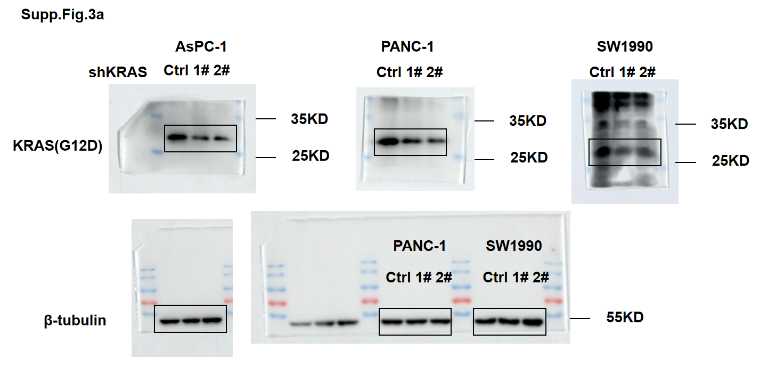
Supp.Fig.3b Tail DNA percent(50-100 cells per cell lines) |  |  |  |  |  |  |  |  | Supp.Fig.3c Foci per nucleus of AsPC-1-Summary data |  |  |  |  |  |  |  |  |  | Supp.Fig.3d Foci per nucleus of PANC-1-Summary data |  |  |  |  |  |  |  |  |  | Supp.Fig.3e Foci per nucleus of SW1990-Summary data |  |  |  |  |  |  |  |  |  | Supp.Fig.3f Foci per nucleus of AsPC-1-Summary data |  |  |  |  |  |  |  |  |  | Supp.Fig.3g Foci per nucleus of PANC-1-Summary data |  |  |  |  |  |  |  |  |  | Supp.Fig.3h Foci per nucleus of SW1990-Summary data |  |  |  |  |  |  |  |  |  | Supp.Fig.3i-k HR efficiency（%，Normalized to shCtrl）-Replication 1 |  |  |  |  |  |  |  |  |  | Supp.Fig.3i-k HR efficiency（%，Normalized to shCtrl）-Replication 2
AsPC-1 |  |  | PANC-1 |  |  | SW1990 |  |  |  | Γh2ax |  |  | MDC1 |  |  | FK2 |  |  |  | Γh2ax |  |  | MDC1 |  |  | FK2 |  |  |  | Γh2ax |  |  | MDC1 |  |  | FK2 |  |  |  | BRCA1 |  |  | RPA32 |  |  | RAD51 |  |  |  | BRCA1 |  |  | RPA32 |  |  | RAD51 |  |  |  | BRCA1 |  |  | RPA32 |  |  | RAD51 |  |  | AsPC-1 |  |  | PANC-1 |  |  | SW1990 |  |  |  | AsPC-1 |  |  | PANC-1 |  |  | SW1990
shKRAS Ctrl | shKRAS 1# | shKRAS 2# | shKRAS Ctrl | shKRAS 1# | shKRAS 2# | shKRAS Ctrl | shKRAS 1# | shKRAS 2# | Mean | sh KRAS Ctrl | shKRAS 1# | shKRAS 2# | sh KRAS Ctrl | shKRAS 1# | shKRAS 2# | sh KRAS Ctrl | shKRAS 1# | shKRAS 2# | Mean | sh KRAS Ctrl | shKRAS 1# | shKRAS 2# | sh KRAS Ctrl | shKRAS 1# | shKRAS 2# | sh KRAS Ctrl | shKRAS 1# | shKRAS 2# | Mean | sh KRAS Ctrl | shKRAS 1# | shKRAS 2# | sh KRAS Ctrl | shKRAS 1# | shKRAS 2# | sh KRAS Ctrl | shKRAS 1# | shKRAS 2# | Mean | sh KRAS Ctrl | shKRAS 1# | shKRAS 2# | sh KRAS Ctrl | shKRAS 1# | shKRAS 2# | sh KRAS Ctrl | shKRAS 1# | shKRAS 2# | Mean | sh KRAS Ctrl | shKRAS 1# | shKRAS 2# | sh KRAS Ctrl | shKRAS 1# | shKRAS 2# | sh KRAS Ctrl | shKRAS 1# | shKRAS 2# | Mean | sh KRAS Ctrl | shKRAS 1# | shKRAS 2# | sh KRAS Ctrl | shKRAS 1# | shKRAS 2# | sh KRAS Ctrl | shKRAS 1# | shKRAS 2# | shKRAS Ctrl | shKRAS 1# | shKRAS 2# | shKRAS Ctrl | shKRAS 1# | shKRAS 2# | shKRAS Ctrl | shKRAS 1# | shKRAS 2# |  | shKRAS Ctrl | shKRAS 1# | shKRAS 2# | shKRAS Ctrl | shKRAS 1# | shKRAS 2# | shKRAS Ctrl | shKRAS 1# | shKRAS 2#
7.201139 | 37.36842 | 2.663165 | 5.008057 | 33.07682 | 0.963407 | 1.672417 | 5.088265 | 4.741132 | Replication 1 | 19.317919075 | 16.869047619 | 19.201298701 | 25.019480519 | 23.795698925 | 23.751592357 | 18.438202247 | 17.514150943 | 17.102564103 | Replication 1 | 30.264044944 | 29.826666667 | 30.56969697 | 28.445859873 | 27.797546012 | 25.798850575 | 29.765100671 | 27.816455696 | 32.888198758 | Replication 1 | 60.32 | 61.701986755 | 67.348684211 | 72.428571429 | 72.206060606 | 69.901840491 | 50.57615894 | 54.322580645 | 55.519230769 | Replication 1 | 48.117647059 | 29.252688172 | 26.751592357 | 38.84516129 | 24.447058824 | 17.167630058 | 44.039735099 | 36.493670886 | 31.5 | Replication 1 | 55.937888199 | 34.680981595 | 36.683908046 | 37.114649682 | 28.486486486 | 28.926666667 | 86.48125 | 61.786585366 | 48.915730337 | Replication 1 | 54.058064516 | 45.192307692 | 42.138157895 | 89.407894737 | 75.333333333 | 65.5 | 24.628930818 | 19.503184713 | 10.566878981 | 106.8311 | 57.68881 | 26.83201 | 99.4173 | 68.2441 | 69.5921 | 111.7283 | 77.054 | 67.12531 |  | 101.6454 | 90.6141 | 79.5185 | 101.6320 | 91.7167 | 68.4272 | 100.7396 | 88.8879 | 67.1598
13.6341 | 2.705863 | 7.162521 | 2.634313 | 8.909594 | 33.40397 | 1.004939 | 24.72559 | 15.17185 | Replication 2 | 21.48 | 23.474074074 | 21.527131783 | 29.524137931 | 28.51572327 | 27.534883721 | 24.507462687 | 22.576576577 | 23.532934132 | Replication 2 | 41.544 | 41.458333333 | 40.537815126 | 29.555555556 | 31.5 | 28.467625899 | 32.580645161 | 34.508928571 | 35.536231884 | Replication 2 | 54.488 | 55.447368421 | 53.510948905 | 66.526315789 | 61.488 | 66.540540541 | 59.465648855 | 61.549180328 | 63.553846154 | Replication 2 | 37.531468531 | 21.564935065 | 19.552845528 | 42.561403509 | 27.541984733 | 22.622047244 | 37.503496503 | 27.524193548 | 25.522058824 | Replication 2 | 59.470588235 | 32.540983607 | 29.478991597 | 41.5 | 25.522727273 | 22.571428571 | 64.465753425 | 42.503649635 | 35.533898305 | Replication 2 | 55.503759398 | 41.495798319 | 34.534351145 | 79.464788732 | 69.503875969 | 65.515151515 | 29.488721805 | 19.517241379 | 12.583333333 | 112.8694 | 70.94417 | 43.81429 | 106.1908 | 86.7642 | 77.484 | 95.11564 | 75.30048 | 69.57224 |  | 99.3982 | 85.6353 | 69.5787 | 100.1286 | 84.6616 | 67.4941 | 100.7396 | 88.4543 | 61.6773
4.840674 | 22.47234 | 28.6579 | 4.807828 | 38.11847 | 39.60893 | 1.624239 | 5.105969 | 4.836839 | Replication 3 | 14.573913043 | 13.564516129 | 15.628930818 | 31.537313433 | 29.518518519 | 29.540880503 | 25.485074627 | 26.546875 | 23.562043796 | Replication 3 | 39.561290323 | 37.470149254 | 38.488188976 | 33.511111111 | 32.44516129 | 31.533898305 | 32.524822695 | 28.615942029 | 30.527131783 | Replication 3 | 62.578512397 | 65.440298507 | 67.496062992 | 69.514925373 | 64.47826087 | 66.455696203 | 62.504504505 | 64.480314961 | 59.53030303 | Replication 3 | 41.493150685 | 22.542635659 | 19.563909774 | 34.517730496 | 29.525 | 27.609090909 | 39.546296296 | 29.486956522 | 27.5 | Replication 3 | 51.503067485 | 38.53968254 | 35.477477477 | 44.484615385 | 20.638888889 | 19.639344262 | 72.49137931 | 49.458333333 | 38.47826087 | Replication 3 | 61.461538462 | 42.460176991 | 30.559701493 | 78.489795918 | 67.483333333 | 59.534351145 | 25.509803922 | 19.527777778 | 8.609375 | 80.29945 | 64.7734 | 48.07401 | 94.3918 | 84.5047 | 91.2651 | 93.15605 | 86.6809 | 66.13514 |  | 98.9564 | 84.4884 | 67.7636 | 98.2394 | 83.4405 | 59.0327 | 98.5207 | 72.9494 | 60.4438
0.616136 | 8.186314 | 40.44915 | 3.710524 | 27.79803 | 2.229163 | 1.552612 | 26.87766 | 27.72328
4.457344 | 42.9797 | 3.204881 | 3.047663 | 19.65838 | 26.0647 | 9.714451 | 32.63206 | 27.13153
12.86206 | 43.06372 | 25.98117 | 2.60498 | 36.2406 | 27.55196 | 7.165782 | 24.20647 | 39.34274 | Supp.Fig.3c Foci per nucleus of AsPC-1-Replication 1 |  |  |  |  |  |  |  |  |  | Supp.Fig.3d Foci per nucleus of PANC-1-Replication 1 |  |  |  |  |  |  |  |  |  | Supp.Fig.3e Foci per nucleus of SW1990-Replication 1 |  |  |  |  |  |  |  |  |  | Supp.Fig.3f Foci per nucleus of AsPC-1-Replication 1 |  |  |  |  |  |  |  |  |  | Supp.Fig.3g Foci per nucleus of PANC-1-Replication 1 |  |  |  |  |  |  |  |  |  | Supp.Fig.3h Foci per nucleus of SW1990-Replication 1
1.187841 | 28.42444 | 18.09952 | 2.54949 | 20.91956 | 4.831343 | 2.155239 | 44.96097 | 35.40791 | Γh2ax |  |  | MDC1 |  |  | FK2 |  |  |  | Γh2ax |  |  | MDC1 |  |  | FK2 |  |  |  | Γh2ax |  |  | MDC1 |  |  | FK2 |  |  |  | BRCA1 |  |  | RPA32 |  |  | RAD51 |  |  |  | BRCA1 |  |  | RPA32 |  |  | RAD51 |  |  |  | BRCA1 |  |  | RPA32 |  |  | RAD51 |  |  |  | Supp.Fig.3i-k HR efficiency（%，Normalized to shCtrl）-Replication 3 |  |  |  |  |  |  |  |  |  | Supp.Fig.3l-o HRD raw score
2.121295 | 18.72417 | 11.14211 | 8.289459 | 39.30721 | 1.657672 | 0.953597 | 26.97304 | 19.86724 | sh KRAS Ctrl | shKRAS 1# | shKRAS 2# | sh KRAS Ctrl | shKRAS 1# | shKRAS 2# | sh KRAS Ctrl | shKRAS 1# | shKRAS 2# |  | sh KRAS Ctrl | shKRAS 1# | shKRAS 2# | sh KRAS Ctrl | shKRAS 1# | shKRAS 2# | sh KRAS Ctrl | shKRAS 1# | shKRAS 2# |  | sh KRAS Ctrl | shKRAS 1# | shKRAS 2# | sh KRAS Ctrl | shKRAS 1# | shKRAS 2# | sh KRAS Ctrl | shKRAS 1# | shKRAS 2# |  | sh KRAS Ctrl | shKRAS 1# | shKRAS 2# | sh KRAS Ctrl | shKRAS 1# | shKRAS 2# | sh KRAS Ctrl | shKRAS 1# | shKRAS 2# |  | sh KRAS Ctrl | shKRAS 1# | shKRAS 2# | sh KRAS Ctrl | shKRAS 1# | shKRAS 2# | sh KRAS Ctrl | shKRAS 1# | shKRAS 2# |  | sh KRAS Ctrl | shKRAS 1# | shKRAS 2# | sh KRAS Ctrl | shKRAS 1# | shKRAS 2# | sh KRAS Ctrl | shKRAS 1# | shKRAS 2# |  | AsPC-1 |  |  | PANC-1 |  |  | SW1990 |  |  |  |  | AsPC-1 |  | PANC-1 |  | SW1990 |  | PANC1
2.194285 | 15.72056 | 1.733221 | 1.9665 | 27.19575 | 9.531236 | 3.020661 | 1.503444 | 33.31121 | 12 | 9 | 13 | 13 | 26 | 14 | 13 | 14 | 19 |  | 4 | 40 | 22 | 20 | 29 | 21 | 34 | 21 | 20 |  | 79 | 103 | 70 | 82 | 76 | 104 | 70 | 60 | 60 |  | 65 | 26 | 25 | 22 | 39 | 13 | 10 | 22 | 26 |  | 23 | 25 | 43 | 40 | 45 | 25 | 43 | 106 | 33 |  | 18 | 41 | 42 | 159 | 59 | 2 | 5 | 2 | 17 |  | shKRAS Ctrl | shKRAS 1# | shKRAS 2# | shKRAS Ctrl | shKRAS 1# | shKRAS 2# | shKRAS Ctrl | shKRAS 1# | shKRAS 2# |  | HRD raw score | shKRAS Ctrl | shKRAS 1# | shKRAS Ctrl | shKRAS 1# | shKRAS 2# | shKRAS Ctrl | sh Ctrl | shBRCA1 1#
1.438957 | 22.62154 | 3.149024 | 2.278806 | 36.63755 | 28.52008 | 3.708739 | 11.43528 | 29.57912 | 29 | 17 | 0 | 6 | 20 | 29 | 12 | 10 | 24 |  | 11 | 23 | 91 | 6 | 27 | 37 | 22 | 11 | 47 |  | 22 | 79 | 30 | 73 | 97 | 62 | 64 | 87 | 73 |  | 58 | 36 | 24 | 21 | 47 | 30 | 47 | 12 | 38 |  | 26 | 23 | 59 | 7 | 5 | 37 | 41 | 25 | 37 |  | 8 | 156 | 49 | 90 | 76 | 69 | 4 | 0 | 16 |  | 102.2763 | 73.1886 | 64.2880 | 101.8981 | 73.2981 | 52.7144 | 111.7190 | 57.6666 | 54.9406 |  | LOH | 5 | 6 | 3 | 9 | 5 | 9 | 3 | 17
1.190975 | 35.31898 | 2.110218 | 9.915768 | 25.82631 | 5.814764 | 4.688788 | 7.081741 | 16.77359 | 1 | 8 | 38 | 27 | 22 | 23 | 12 | 16 | 25 |  | 48 | 0 | 34 | 16 | 27 | 15 | 1 | 22 | 29 |  | 142 | 11 | 93 | 118 | 44 | 48 | 80 | 30 | 66 |  | 56 | 16 | 17 | 33 | 2 | 14 | 18 | 17 | 26 |  | 28 | 21 | 17 | 43 | 49 | 37 | 40 | 33 | 27 |  | 24 | 39 | 86 | 199 | 87 | 57 | 20 | 27 | 6 |  | 99.1001 | 71.5934 | 62.4059 | 101.8981 | 70.6083 | 52.2036 | 111.4573 | 57.3747 | 53.1995 |  | TAI | 11 | 13 | 10 | 14 | 6 | 14 | 10 | 12
9.594032 | 2.169872 | 21.92995 | 0.179615 | 36.44508 | 5.387543 | 1.136563 | 10.91511 | 14.79971 | 1 | 16 | 14 | 18 | 21 | 27 | 15 | 9 | 8 |  | 18 | 29 | 26 | 28 | 34 | 20 | 19 | 32 | 17 |  | 58 | 204 | 87 | 52 | 111 | 94 | 83 | 60 | 60 |  | 31 | 20 | 25 | 21 | 55 | 33 | 58 | 26 | 35 |  | 51 | 25 | 31 | 45 | 38 | 47 | 134 | 99 | 14 |  | 22 | 37 | 15 | 103 | 99 | 8 | 29 | 2 | 21 |  | 98.6236 | 71.1488 | 59.5784 | 96.2038 | 67.3031 | 52.0021 | 76.8237 | 55.5465 | 51.0428 |  | LST | 7 | 11 | 10 | 16 | 10 | 15 | 10 | 10
9.52331 | 37.9528 | 0.834751 | 2.124028 | 41.45717 | 9.502855 | 1.777051 | 21.92392 | 24.25078 | 14 | 9 | 0 | 0 | 27 | 25 | 28 | 22 | 21 |  | 54 | 51 | 57 | 16 | 24 | 26 | 71 | 38 | 49 |  | 57 | 196 | 79 | 86 | 53 | 35 | 55 | 23 | 63 |  | 7 | 23 | 28 | 47 | 42 | 25 | 30 | 13 | 31 |  | 37 | 39 | 23 | 43 | 23 | 52 | 11 | 37 | 42 |  | 34 | 45 | 12 | 131 | 49 | 7 | 4 | 2 | 12 |  |  |  |  |  |  |  |  |  |  |  | SUM | 23 | 30 | 23 | 39 | 21 | 38 | 23 | 39
3.099976 | 23.84654 | 1.774047 | 1.726291 | 12.02641 | 42.19454 | 2.09471 | 19.5739 | 7.663338 | 54 | 22 | 17 | 29 | 40 | 31 | 29 | 48 | 17 |  | 44 | 62 | 41 | 20 | 34 | 16 | 20 | 20 | 43 |  | 134 | 75 | 36 | 77 | 135 | 77 | 116 | 62 | 49 |  | 67 | 42 | 24 | 48 | 50 | 5 | 38 | 5 | 31 |  | 29 | 35 | 19 | 63 | 20 | 56 | 103 | 91 | 32 |  | 60 | 18 | 33 | 98 | 41 | 6 | 31 | 16 | 82
3.071077 | 39.81982 | 2.76064 | 2.499287 | 30.21634 | 35.03423 | 1.862321 | 18.48381 | 4.53432 | 17 | 9 | 6 | 21 | 28 | 22 | 32 | 16 | 15 |  | 50 | 27 | 74 | 17 | 23 | 33 | 28 | 11 | 39 |  | 49 | 15 | 55 | 72 | 82 | 116 | 46 | 115 | 59 |  | 71 | 22 | 29 | 35 | 44 | 16 | 34 | 44 | 30 |  | 28 | 32 | 30 | 55 | 12 | 39 | 154 | 26 | 35 |  | 33 | 43 | 48 | 65 | 33 | 14 | 9 | 75 | 4 |  | Supp.Fig.3i-k HR efficiency（%，Normalized to shCtrl）-Summary data
2.753264 | 28.56476 | 0.738017 | 9.098467 | 6.510613 | 38.42053 | 7.947388 | 3.44773 | 18.18728 | 10 | 0 | 28 | 22 | 31 | 17 | 15 | 25 | 9 |  | 83 | 27 | 22 | 25 | 30 | 57 | 85 | 41 | 46 |  | 30 | 85 | 102 | 67 | 69 | 54 | 60 | 29 | 77 |  | 89 | 24 | 10 | 30 | 38 | 18 | 41 | 38 | 58 |  | 37 | 22 | 71 | 44 | 10 | 10 | 81 | 24 | 57 |  | 20 | 48 | 25 | 107 | 32 | 1 | 46 | 65 | 8 |  |  | AsPC-1 |  |  | PANC-1 |  |  | SW1990
3.253049 | 30 | 31.75571 | 1.399959 | 34.59459 | 37.12676 | 2.524688 | 6.739567 | 29.76257 | 18 | 9 | 10 | 10 | 16 | 27 | 18 | 12 | 19 |  | 43 | 26 | 13 | 16 | 31 | 24 | 20 | 31 | 15 |  | 69 | 78 | 46 | 96 | 39 | 132 | 40 | 26 | 48 |  | 31 | 14 | 31 | 21 | 55 | 28 | 27 | 44 | 28 |  | 41 | 46 | 59 | 57 | 26 | 47 | 89 | 27 | 56 |  | 61 | 54 | 19 | 55 | 59 | 6 | 5 | 64 | 8 |  | Mean | shKRAS Ctrl | shKRAS 1# | shKRAS 2# | shKRAS Ctrl | shKRAS 1# | shKRAS 2# | shKRAS Ctrl | shKRAS 1# | shKRAS 2#
3.446058 | 39.08139 | 0.802542 | 4.452258 | 5.256625 | 38.95868 | 0.840333 | 22.10277 | 19.55412 | 26 | 13 | 24 | 19 | 19 | 17 | 16 | 13 | 15 |  | 32 | 42 | 23 | 35 | 31 | 26 | 45 | 24 | 39 |  | 43 | 58 | 70 | 43 | 77 | 125 | 39 | 48 | 42 |  | 51 | 35 | 10 | 22 | 18 | 44 | 54 | 24 | 36 |  | 48 | 46 | 29 | 60 | 45 | 28 | 74 | 53 | 38 |  | 86 | 15 | 49 | 188 | 43 | 21 | 17 | 4 | 9 |  | Replication 1 | 100.0000 | 64.4688 | 39.5734 | 100.0000 | 79.8377 | 79.4471 | 100.0000 | 79.6785 | 67.6109
13.18062 | 29.53196 | 3.802861 | 2.131643 | 8.972826 | 21.77005 | 1.9737 | 5.534868 | 29.65615 | 28 | 14 | 8 | 26 | 23 | 25 | 11 | 19 | 20 |  | 0 | 0 | 21 | 41 | 29 | 19 | 24 | 31 | 35 |  | 117 | 83 | 47 | 61 | 91 | 51 | 58 | 110 | 31 |  | 88 | 21 | 19 | 37 | 32 | 10 | 35 | 41 | 31 |  | 51 | 33 | 57 | 58 | 35 | 21 | 99 | 47 | 52 |  | 48 | 26 | 52 | 168 | 54 | 5 | 89 | 4 | 1 |  | Replication 2 | 100.0000 | 86.9126 | 72.2870 | 100.0000 | 86.6063 | 64.9847 | 100.0000 | 83.4305 | 63.0936
8.557692 | 14.32127 | 5.743928 | 0.967759 | 2.305556 | 6.03407 | 5.753144 | 28.43933 | 13.5264 | 35 | 20 | 43 | 33 | 20 | 2 | 15 | 14 | 11 |  | 25 | 32 | 49 | 57 | 49 | 43 | 25 | 11 | 41 |  | 47 | 33 | 74 | 69 | 65 | 83 | 48 | 62 | 60 |  | 68 | 44 | 19 | 49 | 45 | 3 | 31 | 32 | 32 |  | 96 | 39 | 85 | 63 | 30 | 14 | 37 | 26 | 21 |  | 22 | 27 | 19 | 61 | 27 | 10 | 5 | 52 | 7 |  | Replication 3 | 100.0000 | 71.9769 | 62.0908 | 100.0000 | 70.4032 | 52.3067 | 100.0000 | 56.8626 | 53.0610
5.917543 | 13.31646 | 18.09788 | 0.79896 | 3.921073 | 6.317919 | 1.095061 | 2.6063 | 7.858268 | 17 | 14 | 42 | 25 | 37 | 17 | 11 | 23 | 16 |  | 49 | 0 | 28 | 19 | 57 | 34 | 0 | 29 | 12 |  | 52 | 51 | 39 | 104 | 85 | 63 | 62 | 62 | 67 |  | 58 | 33 | 22 | 9 | 18 | 41 | 39 | 33 | 27 |  | 41 | 48 | 49 | 40 | 6 | 16 | 67 | 20 | 89 |  | 36 | 18 | 29 | 189 | 84 | 16 | 6 | 8 | 15
9.225367 | 39.44626 | 17.10975 | 1.800747 | 10.6664 | 2.320461 | 9.784974 | 11.01781 | 27.492 | 30 | 2 | 24 | 1 | 19 | 26 | 20 | 15 | 14 |  | 85 | 24 | 37 | 14 | 52 | 22 | 31 | 32 | 20 |  | 58 | 142 | 44 | 87 | 21 | 57 | 57 | 77 | 35 |  | 43 | 26 | 33 | 37 | 40 | 18 | 85 | 52 | 32 |  | 43 | 51 | 53 | 67 | 22 | 8 | 146 | 97 | 42 |  | 89 | 88 | 6 | 72 | 226 | 23 | 3 | 2 | 1
3.284959 | 22.24099 | 2.461058 | 7.371077 | 2.191944 | 9.810049 | 1.167555 | 6.902172 | 28.1573 | 28 | 13 | 20 | 22 | 17 | 22 | 9 | 20 | 20 |  | 31 | 13 | 44 | 23 | 44 | 28 | 46 | 19 | 32 |  | 85 | 183 | 34 | 55 | 39 | 29 | 53 | 50 | 14 |  | 44 | 18 | 25 | 26 | 14 | 9 | 62 | 35 | 45 |  | 51 | 30 | 54 | 59 | 31 | 78 | 161 | 111 | 63 |  | 94 | 42 | 19 | 74 | 38 | 227 | 17 | 22 | 5
1.44276 | 38.94173 | 29.11721 | 3.179394 | 4.162674 | 1.28236 | 0.227424 | 10.05482 | 4.260001 | 15 | 9 | 8 | 11 | 32 | 27 | 13 | 16 | 41 |  | 2 | 0 | 14 | 43 | 22 | 30 | 24 | 5 | 35 |  | 137 | 30 | 40 | 107 | 89 | 44 | 37 | 34 | 15 |  | 74 | 20 | 22 | 33 | 23 | 16 | 37 | 22 | 45 |  | 69 | 23 | 41 | 34 | 39 | 54 | 111 | 65 | 41 |  | 20 | 17 | 15 | 93 | 11 | 110 | 41 | 32 | 6
10.87042 | 38.09886 | 14.7836 | 5.938452 | 34.74471 | 28.85005 | 0.470563 | 1.222853 | 24.77432 | 25 | 29 | 14 | 47 | 23 | 16 | 18 | 15 | 14 |  | 33 | 39 | 21 | 30 | 43 | 52 | 30 | 39 | 110 |  | 99 | 105 | 159 | 63 | 92 | 25 | 39 | 52 | 97 |  | 73 | 17 | 13 | 41 | 39 | 1 | 49 | 22 | 32 |  | 46 | 50 | 64 | 27 | 36 | 1 | 197 | 45 | 68 |  | 115 | 36 | 55 | 77 | 29 | 14 | 68 | 38 | 0
0.235942 | 14.86995 | 12.62537 | 2.837227 | 6.471641 | 27.34285 | 5.527169 | 7.009595 | 38.91886 | 17 | 23 | 14 | 18 | 22 | 16 | 10 | 23 | 19 |  | 22 | 0 | 38 | 22 | 24 | 40 | 2 | 32 | 48 |  | 130 | 34 | 39 | 142 | 20 | 39 | 68 | 79 | 33 |  | 36 | 21 | 24 | 40 | 50 | 11 | 30 | 22 | 51 |  | 53 | 21 | 42 | 63 | 21 | 41 | 54 | 44 | 43 |  | 44 | 52 | 30 | 90 | 66 | 46 | 3 | 22 | 10
1.403916 | 28.25218 | 22.02715 | 5.521196 | 3.942024 | 28.23211 | 8.681292 | 23.09642 | 39.57031 | 25 | 8 | 15 | 5 | 15 | 19 | 26 | 12 | 15 |  | 37 | 15 | 23 | 26 | 33 | 51 | 56 | 42 | 37 |  | 166 | 39 | 65 | 123 | 101 | 49 | 52 | 60 | 70 |  | 6 | 21 | 22 | 29 | 40 | 1 | 61 | 34 | 31 |  | 39 | 45 | 34 | 48 | 67 | 32 | 213 | 88 | 49 |  | 55 | 28 | 20 | 13 | 71 | 74 | 30 | 10 | 30
2.652846 | 39.47573 | 15.42301 | 3.414151 | 29.50673 | 1.952437 | 6.600983 | 1.504787 | 32.72293 | 6 | 26 | 5 | 21 | 30 | 20 | 10 | 17 | 20 |  | 21 | 43 | 26 | 33 | 24 | 26 | 26 | 38 | 19 |  | 76 | 3 | 76 | 104 | 121 | 85 | 22 | 68 | 135 |  | 36 | 26 | 25 | 21 | 39 | 12 | 62 | 20 | 2 |  | 44 | 65 | 57 | 35 | 61 | 37 | 154 | 15 | 38 |  | 18 | 114 | 34 | 101 | 18 | 13 | 36 | 11 | 3
...

Supp.Fig.4
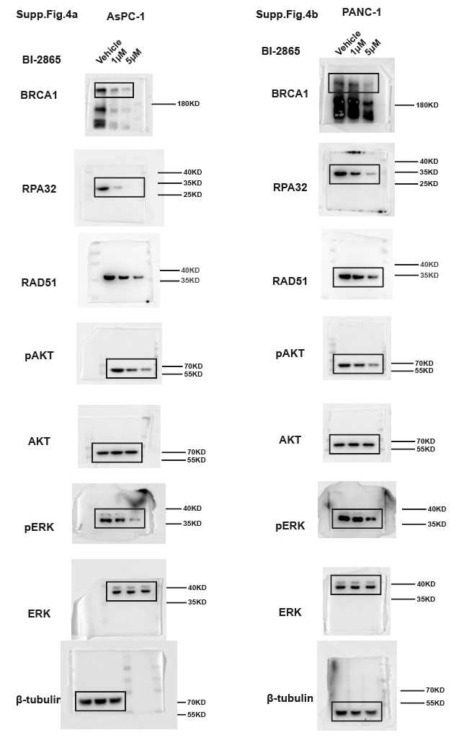

Supp.Fig.4d Foci per nucleus of AsPC-1-Summary data
 | γH2AX |  | MDC1
Mean | Vehicle | BI-2865 | Vehicle
Replication 1 | 24.779342723 | 25.038461538 | 25.164705882
Replication 2 | 29.488549618 | 30.484848485 | 31.547445255
Replication 3 | 21.598540146 | 22.544 | 27.534351145

Supp.Fig.4d Foci per nucleus of AsPC-1-Replication 1
γH2AX |  | MDC1
Vehicle | BI-2865 | Vehicle | BI-2865
19 | 5 | 26 | 26
13 | 31 | 21 | 15
28 | 48 | 14 | 12
58 | 31 | 24 | 28
38 | 45 | 27 | 37
17 | 12 | 19 | 19
39 | 23 | 9 | 41
29 | 23 | 41 | 23
34 | 22 | 27 | 17
26 | 41 | 49 | 12
24 | 25 | 45 | 37
14 | 19 | 20 | 13
6 | 42 | 30 | 31
27 | 24 | 31 | 33
18 | 33 | 19 | 12
25 | 35 | 13 | 25
10 | 34 | 20 | 25
26 | 31 | 30 | 27
44 | 52 | 19 | 20
13 | 23 | 25 | 18
20 | 19 | 21 | 28
63 | 27 | 41 | 16
19 | 20 | 19 | 23
33 | 32 | 28 | 20
11 | 39 | 30 | 18
39 | 40 | 26 | 20
23 | 16 | 24 | 23
5 | 25 | 18 | 24
29 | 10 | 37 | 14
19 | 30 | 19 | 24
18 | 29 | 7 | 28
15 | 29 | 28 | 18
41 | 31 | 19 | 16
64 | 14 | 30 | 28
11 | 35 | 29 | 26
41 | 25 | 22 | 31
23 | 30 | 30 | 12
23 | 44 | 10 | 14
28 | 30 | 9 | 30
37 | 30 | 28 | 26
38 | 30 | 32 | 7
30 | 24 | 32 | 17
27 | 16 | 31 | 18
32 | 20 | 67 | 24
30 | 13 | 27 | 11
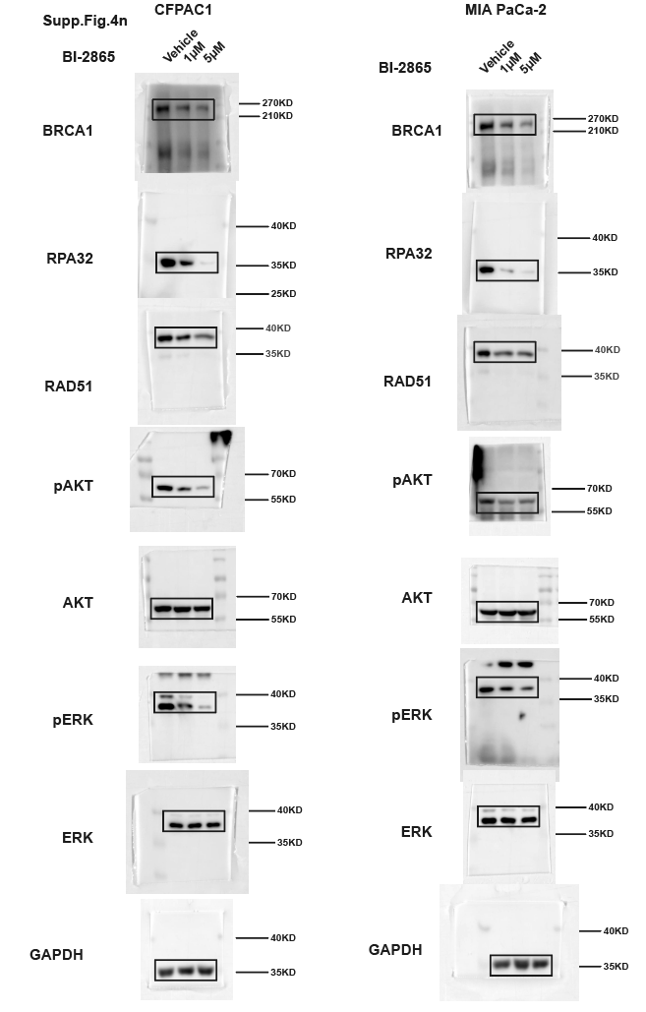
32 | 33 | 26 | 33
17 | 34 | 27 | 14
16 | 34 | 35 | 23
40 | 26 | 20 | 12
12 | 46 | 19 | 14
19 | 26 | 16 | 35
16 | 47 | 39 | 13
31 | 23 | 29 | 26
40 | 52 | 36 | 20
...

Supp.Fig.5
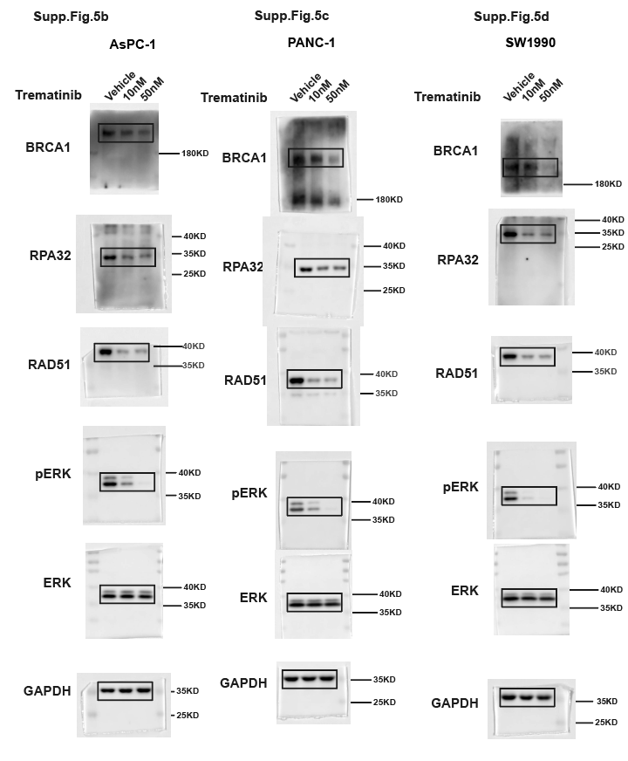
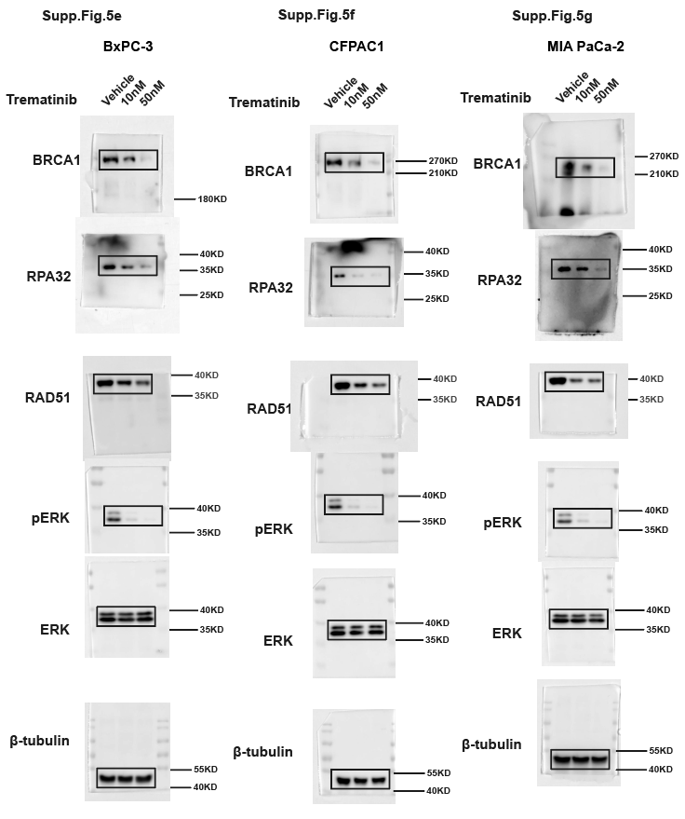

Supp.Fig.7
...
Supp.Fig.7a EDU positive cell proportion(%) |  |  |  |  | Supp.Fig.7b Normalized 2-ΔΔCT value
100.9479 | 60.37782 | 39.52888 | 90.64358 | 39.96115 | 32.17651 | 100.5632 | 54.06621 | 38.16438
...
Supp.Fig.7a EDU positive cell proportion(%) |  |  |  |  | Supp.Fig.7b Normalized 2-ΔΔCT value
Supp.Fig.7m HR efficiency of synchronized cell treated with MRTX1133（%，Normalized to Vehicle）-Summary data
 | AsPC-1 |  |  | PANC-1 |  |  | SW1990
Mean | Vehicle | 10nM | 50nM | Vehicle | 10nM | 50nM | Vehicle | 10nM | 50nM
Replication 1 | 100.0000 | 59.6583 | 56.6528 | 100.0000 | 61.0437 | 64.4815 | 100.0000 | 66.3395 | 52.0958
Replication 2 | 100.0001 | 76.7162 | 64.6873 | 99.9999 | 77.8477 | 72.1164 | 99.9999 | 78.9301 | 59.1372
Replication 3 | 100.0000 | 58.8464 | 41.0528 | 100.0001 | 41.8109 | 33.8299 | 100.0000 | 51.9942 | 35.7063
...
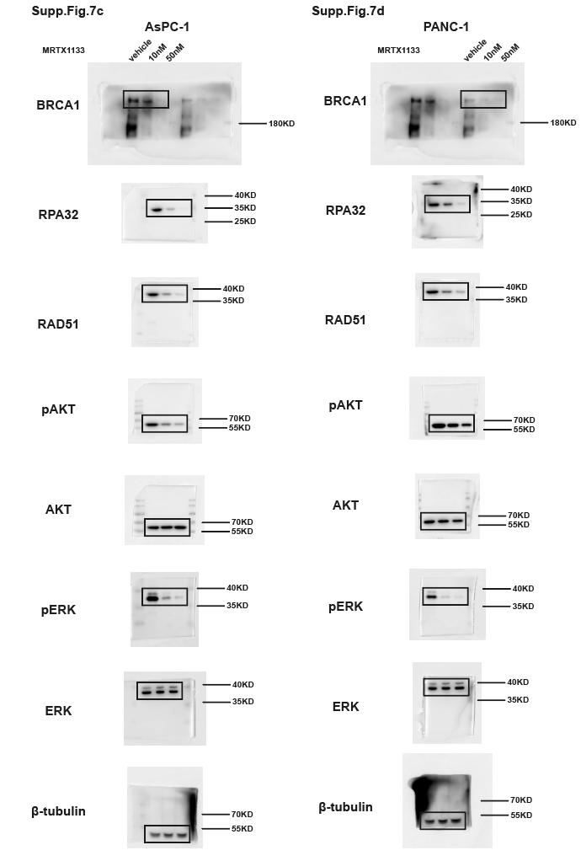
...
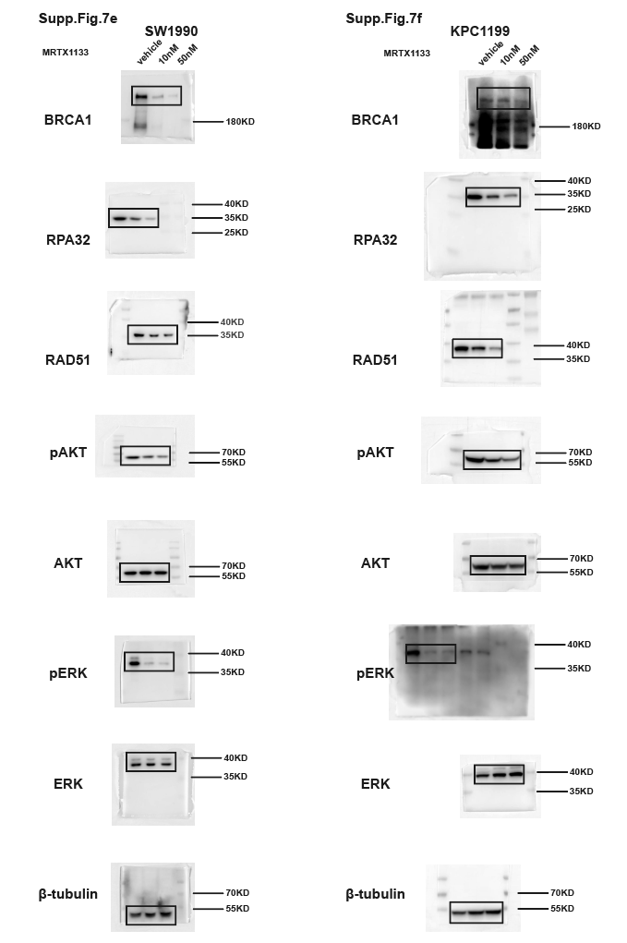
...

Supp.Fig.8
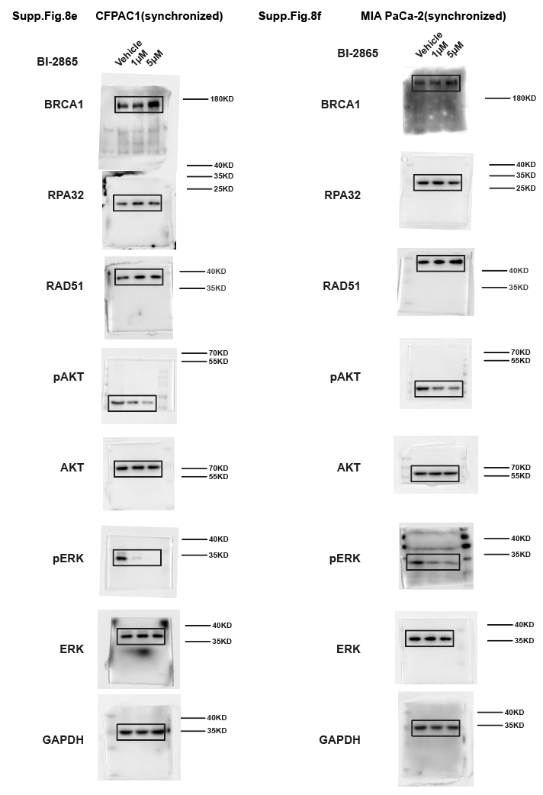
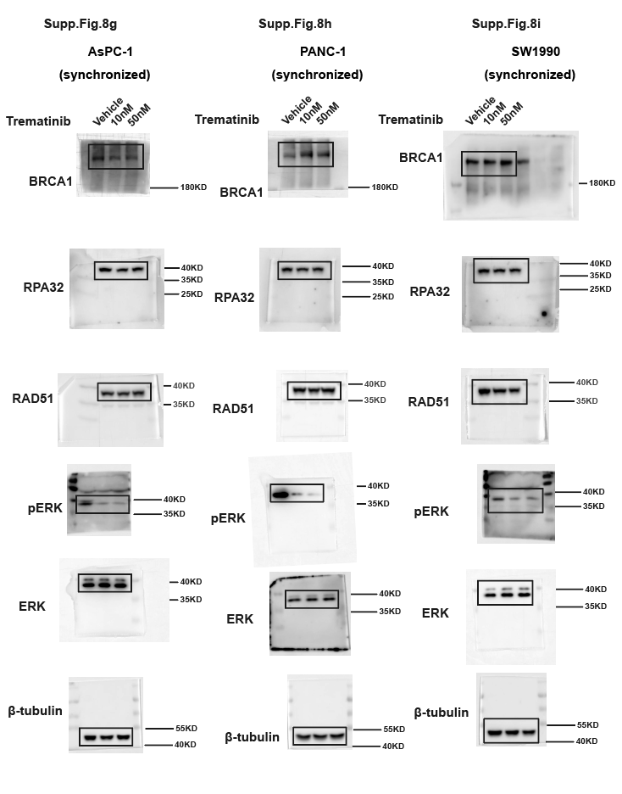
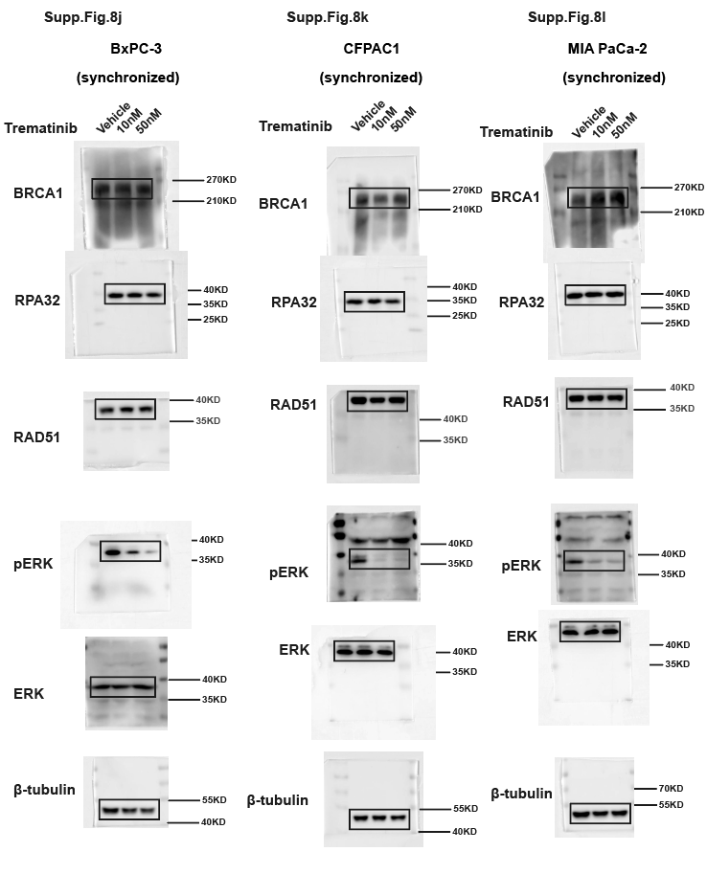
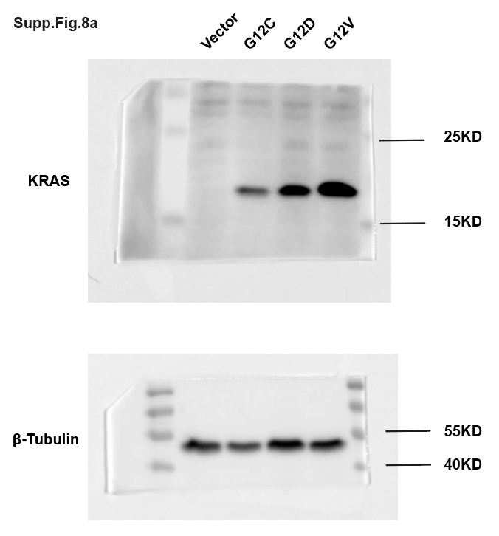
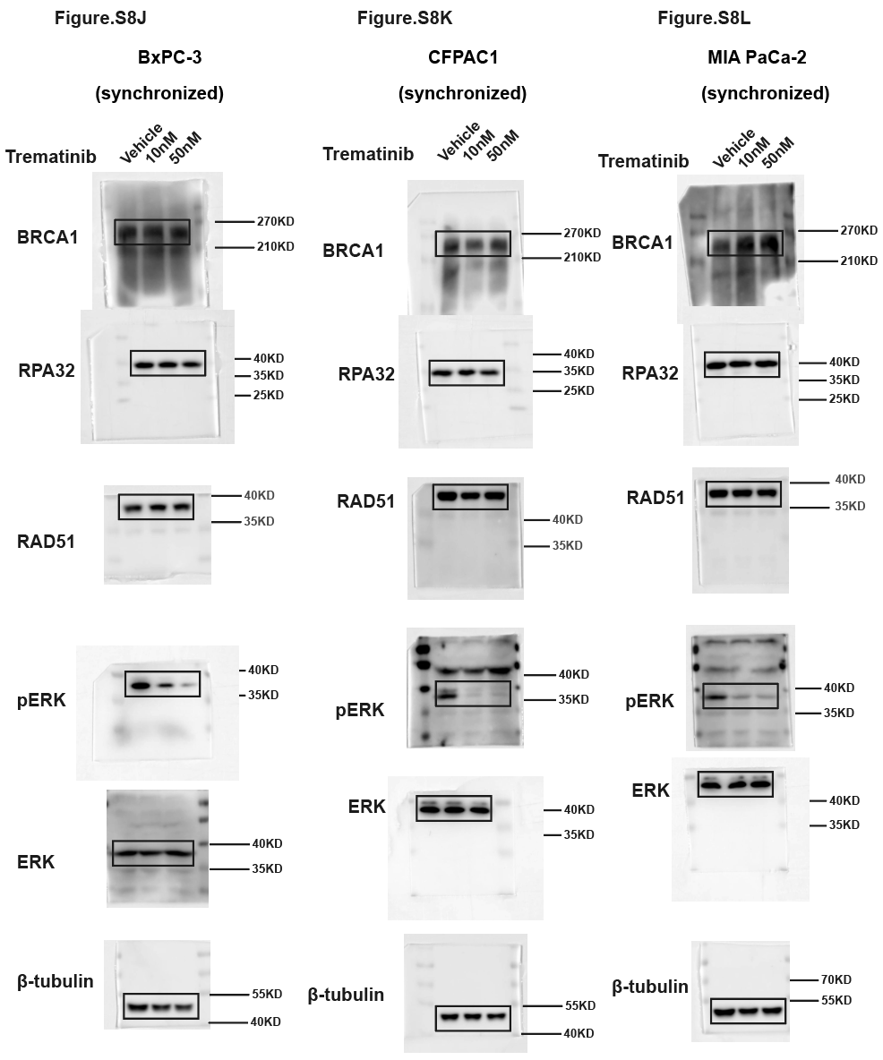
 |  |  |  |  | Supp.Fig.8c EDU positive cell proportion(%) |  |  |  |  |  |  |  |  |  | Supp.Fig.8d EDU positive cell proportion(%)
 |  |  |  |  | AsPC-1 |  | PANC-1 |  | SW1990 |  | CFPAC1 |  | MIA PaCa-2 |  | BxPC-3 | CFPAC1 | MIA PaCa-2
 |  |  |  |  | Vehicle | BI-2865 | Vehicle | BI-2865 | Vehicle | BI-2865 | Vehicle | BI-2865 | Vehicle | BI-2865 | 77.77778 | 88.23529 | 95.45455
 |  |  |  |  | 44 | 24 | 46 | 29.48718 | 51.42857 | 21.81818 | 39.21569 | 18.18182 | 32.89474 | 34.28571 | 81.25 | 78.57143 | 96.9697
 |  |  |  |  | 57.14286 | 23.52941 | 54.7619 | 21.81818 | 48.88889 | 24.39024 | 43.90244 | 29.16667 | 39.34426 | 22.72727 | 77.14286 | 83.33333 | 90.90909
 |  |  |  |  | 44.87179 | 23.4375 | 47.36842 | 29.41176 | 54.54545 | 31.57895 | 40.625 | 27.02703 | 40.38462 | 25 | 84 | 100 | 87.87879
 |  |  |  |  | 47.16981 | 26.82927 | 40.81633 | 20.68966 | 36.84211 | 24.13793 | 32.43243 | 10.71429 | 37.83784 | 21.42857 | 94.44444 | 88.88889 | 91.30435
 |  |  |  |  | 56.17978 | 26.66667 | 41.81818 | 34.21053 | 42.85714 | 27.02703 | 35.71429 | 6.451613 | 38.77551 | 28.20513 | 86.95652 | 91.66667 | 90
 |  |  |  |  | 48.61111 | 15.625 | 39.47368 | 22.44898 | 35.48387 | 24 | 27.27273 | 21.05263 | 30.76923 | 19.5122 | 81.25 | 75 | 92.85714
 |  |  |  |  | 38.46154 | 13.33333 | 36.11111 | 25 | 63.63636 | 21.05263 | 40 | 22.22222 | 47.05882 | 33.33333 | 86.2069 |  | 93.44262
 |  |  |  |  | 51.42857 |  |  |  | 42.10526 |  |  |  |  |  | 85.71429

Supp.Fig.8b Normalized 2-ΔΔCT value
 | Vector |  |  | KRAS G12V |  |  | KRAS G12C |  |  | KRAS G12D
KRAS | 1.088174 | 0.979185 | 0.932641 | 2.578166 | 2.938056 | 2.615282 | 2.470383 | 1.852732 | 1.988319 | 3.914826 | 4.189239 | 4.055029
ATM | 0.994695 | 0.933407 | 1.071899 | 1.09044 | 1.163814 | 0.940879 | 2.19712 | 1.553746 | 1.270239 | 2.676887 | 2.429494 | 2.278124
BRCA1 | 1.087519 | 0.916918 | 0.995563 | 1.324048 | 1.312904 | 1.456752 | 2.80421 | 1.733772 | 1.599381 | 6.679995 | 6.839646 | 5.906515
BRCA2 | 1.078025 | 0.927469 | 0.994505 | 1.231677 | 1.124774 | 1.133852 | 2.096102 | 1.460696 | 1.474219 | 2.565564 | 2.604503 | 2.551435
RAD51 | 1.017629 | 1.007732 | 0.974639 | 1.228651 | 1.281591 | 1.27951 | 2.060549 | 1.39465 | 1.486693 | 3.658844 | 3.537251 | 3.543036
RAD54L | 1.142934 | 0.987776 | 0.86929 | 1.445315 | 1.459632 | 1.352145 | 2.64102 | 1.998199 | 1.939313 | 3.343309 | 3.463754 | 3.506299
RPA2 | 1.102273 | 0.996437 | 0.901289 | 1.12958 | 1.144213 | 1.031173 | 1.994695 | 1.361665 | 1.424906 | 2.007433 | 1.939241 | 1.761994
BLM | 0.793946 | 1.189095 | 1.016959 | 1.795026 | 1.64079 | 1.778931 | 2.124651 | 2.181609 | 2.052759 | 5.080984 | 4.954641 | 4.838657
MRE11 | 1.097219 | 0.936219 | 0.966561 | 1.76691 | 1.558072 | 1.293858 | 1.607721 | 1.764395 | 1.486586 | 4.167976 | 3.685671 | 3.72751
NBN | 0.966194 | 1.037574 | 0.996232 | 1.048305 | 0.946578 | 1.026831 | 1.181252 | 1.01837 | 1.391601 | 1.844648 | 1.181296 | 1.487827
RAD50 | 1.053392 | 0.986231 | 0.960376 | 1.065853 | 1.158462 | 1.314982 | 1.15375 | 1.337235 | 1.614004 | 2.837334 | 3.240235 | 2.787253
XRCC3 | 0.982802 | 0.975519 | 1.041679 | 1.346402 | 1.463195 | 1.696871 | 1.557014 | 1.792088 | 1.854651 | 2.605427 | 2.584111 | 2.632678
XRCC2 | 1.065206 | 1.02508 | 0.909714 | 1.043526 | 0.90867 | 0.969216 | 1.147929 | 1.236804 | 1.212782 | 2.119495 | 2.14773 | 2.177165
PALB2 | 1.070234 | 0.934704 | 0.995063 | 1.083496 | 1.029903 | 1.013606 | 1.364064 | 1.420206 | 1.403475 | 2.733395 | 2.701706 | 2.30129

Supp.Fig.10
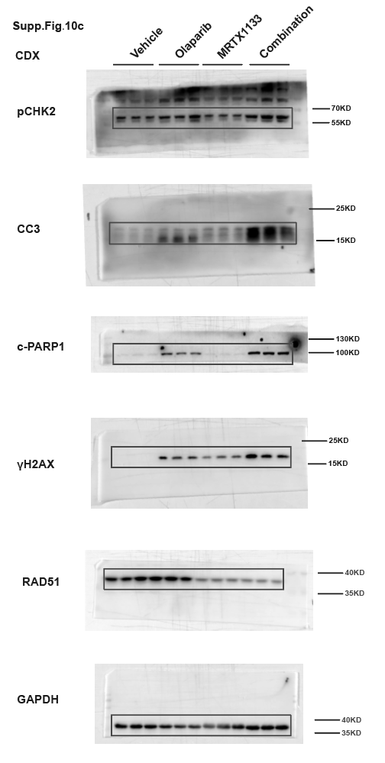
...
MRTX1133 | Combination
346.8231 | 226.4162
344.6112 | 208.9821
317.4266 | 133.954
304.325 | 130.3877
220.0616 | 61.57619
164.1935 | 35.33671
...
Vehicle | Olaprib | MTRX1133 | Combination
0.99363 | 1.058199 | 0.154109 | 0.200633
0.936379 | 0.974961 | 0.232282 | 0.268181
1.069991 | 0.987579 | 0.22172 | 0.210637
1.042354 | 0.819023 | 0.421056 | 0.464824
0.875624 | 0.933501 | 0.474894 | 0.573085
1.082022 | 0.925689 | 0.491484 | 0.483823
0.864026 | 0.798445 | 0.259042 | 0.301488
1.306658 | 0.879045 | 0.315956 | 0.283103
0.829316 | 0.756161 | 0.179989 | 0.221671
0.951729 | 0.867081 | 0.204511 | 0.099886
1.202603 | 0.724033 | 0.237241 | 0.222922
0.845668 | 0.883985 | 0.125593 | 0.191556
1.082255 | 0.958996 | 0.231353 | 0.281491
0.8641 | 0.900366 | 0.327559 | 0.302073
1.053645 | 1.115243 | 0.318486 | 0.148946
1.002766 | 1.180104 | 0.382226 | 0.44971
0.918717 | 1.136113 | 0.426884 | 0.416969
1.078516 | 1.020657 | 0.405688 | 0.337481

Supp.Fig.11
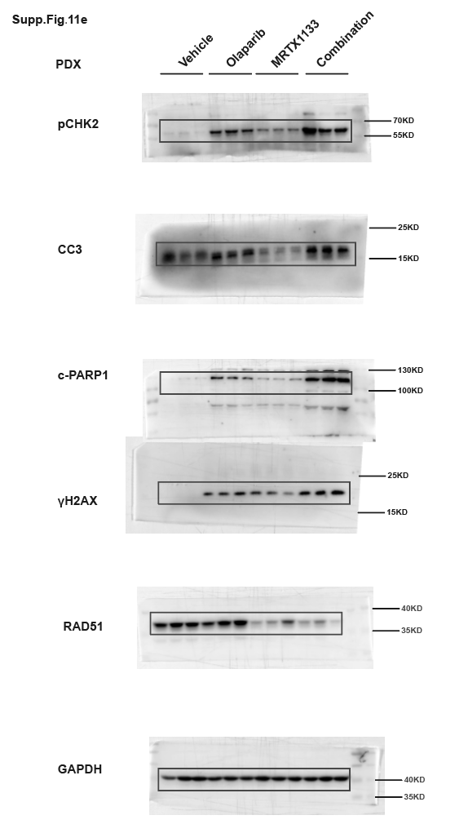
Supp.Fig.11c tumor volume change of per animal of PDX1（%）at the endpoint |  |  |  | Supp.Fig.11d tumor volume change of per animal of PDX2（%）at the endpoint
Vehicle | Olaprib | MRTX1133 | Combination | Vehicle | Olaprib | MRTX1133 | Combination
216.3365 | 142.0705 | 68.60695 | 36.27979 | 1161.567 | 307.7243 | 322.1509 | 16.50004
160.2692 | 83.44957 | 65.01624 | 2.120388 | 935.0513 | 305.799 | 203.4193 | 0.954948
153.5475 | 55.70344 | 58.40023 | -9.19211 | 764.0974 | 211.265 | 91.0943 | -51.8132
106.8357 | 51.75569 | 52.85332 | -29.6074 | 732.1492 | 197.5418 | 9.497411 | -56.243
59.1719 | 34.23727 | 51.1392 | -30.4365 | 701.7638 | 110.2066 | -10.8948 | -91.9567
35.45485 | 3.103289 | 25.94113 | -67.344 | 624.9886 | 108.6562 | -16.828 | -147.152

Supp.Fig.14
...
17.30 | 16.30 | 16.60 | 17.20 | 18.30 | 17.14 | 17.20 | 17.90 | 16.80 | 16.66 | 16.90 | 17.50 | 17.40 | 16.80 | 16.70 | 17.06 | 18.60 | 17.90 | 16.50 | 15.24 | 18.30
18.20 | 16.60 | 17.40 | 19.20 | 18.30 | 17.94 | 18.20 | 16.20 | 18.90 | 18.46 | 17.50 | 17.70 | 18.40 | 17.50 | 17.40 | 17.70 | 16.80 | 18.20 | 17.40 | 18.40 | 18.30
19.40 | 16.70 | 19.00 | 20.20 | 18.60 | 18.78 | 17.50 | 19.10 | 17.85 | 20.67 | 18.70 | 18.60 | 18.50 | 18.40 | 18.40 | 18.52 | 18.65 | 17.46 | 16.87 | 21.10 | 18.00
19.30 | 16.60 | 19.00 | 20.00 | 17.90 | 18.56 | 17.26 | 18.60 | 19.38 | 19.00 | 18.70 | 19.30 | 19.30 | 19.70 | 19.40 | 19.28 | 18.90 | 18.20 | 18.40 | 21.62 | 18.10
19.20 | 17.10 | 18.80 | 20.30 | 18.20 | 18.72 | 18.57 | 17.95 | 18.20 | 20.16 | 18.90 | 19.40 | 19.30 | 19.60 | 19.60 | 19.36 | 19.50 | 18.30 | 19.60 | 20.04 | 18.30
19.60 | 17.40 | 19.30 | 21.50 | 18.70 | 19.30 | 17.95 | 17.60 | 18.76 | 22.89 | 19.10 | 19.70 | 19.30 | 19.50 | 19.80 | 19.48 | 19.60 | 20.30 | 20.10 | 17.92 | 18.80
19.60 | 17.20 | 19.30 | 20.80 | 18.30 | 19.04 | 19.20 | 20.70 | 18.40 | 17.86 | 19.20 | 19.40 | 19.40 | 20.00 | 20.00 | 19.60 | 19.20 | 18.60 | 18.90 | 21.70 | 18.70

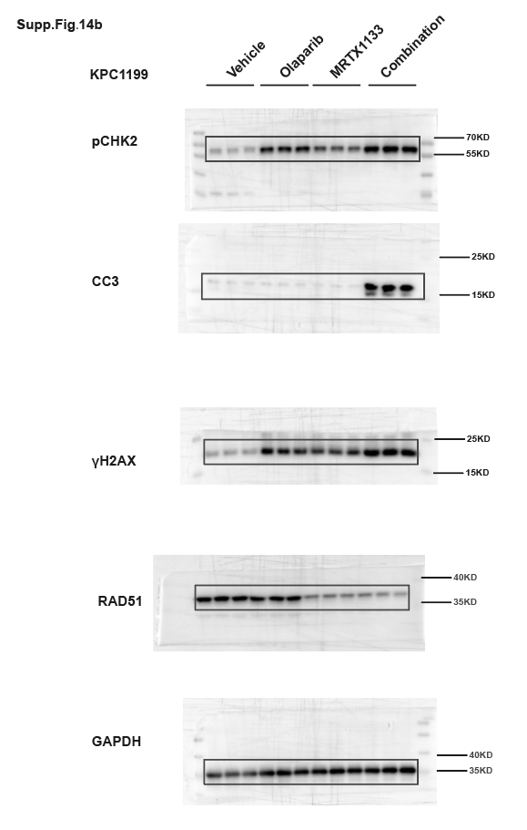

Supp.Fig.14h-l RT-PCR for tumor tissue（normalized 2-ΔΔCT）
immune marker | Vehicle | Olaprib | MTRX1133 | Combination
Isg15 | 0.924609 | 5.5369 | 6.794828 | 19.75284
 | 1.073625 | 7.206443 | 7.284512 | 24.71979
 | 1.001766 | 5.26722 | 6.711636 | 23.95398
Isg56 | 1.091981 | 4.521353 | 5.517755 | 12.59296
 | 1.146556 | 3.435868 | 5.351465 | 13.09602
 | 0.761462 | 2.950602 | 5.185016 | 11.14599
Ccl5 | 0.947031 | 2.908073 | 3.786797 | 5.425707
 | 0.997538 | 3.972804 | 3.540641 | 5.837477
 | 1.055431 | 2.464443 | 3.513739 | 5.602557
Il-6 | 1.130721 | 3.541262 | 3.467025 | 4.042293
 | 0.971914 | 3.171317 | 3.188402 | 3.735461
 | 0.897365 | 2.703633 | 2.608616 | 3.981337
Il-1β | 1.123021 | 4.386057 | 3.979837 | 7.809036
 | 0.991706 | 3.694129 | 3.332793 | 7.005269
 | 0.885274 | 3.754186 | 2.715132 | 5.849203

